Sheet1
Treend_App

Step:01 | Creating Docker image & Docker container

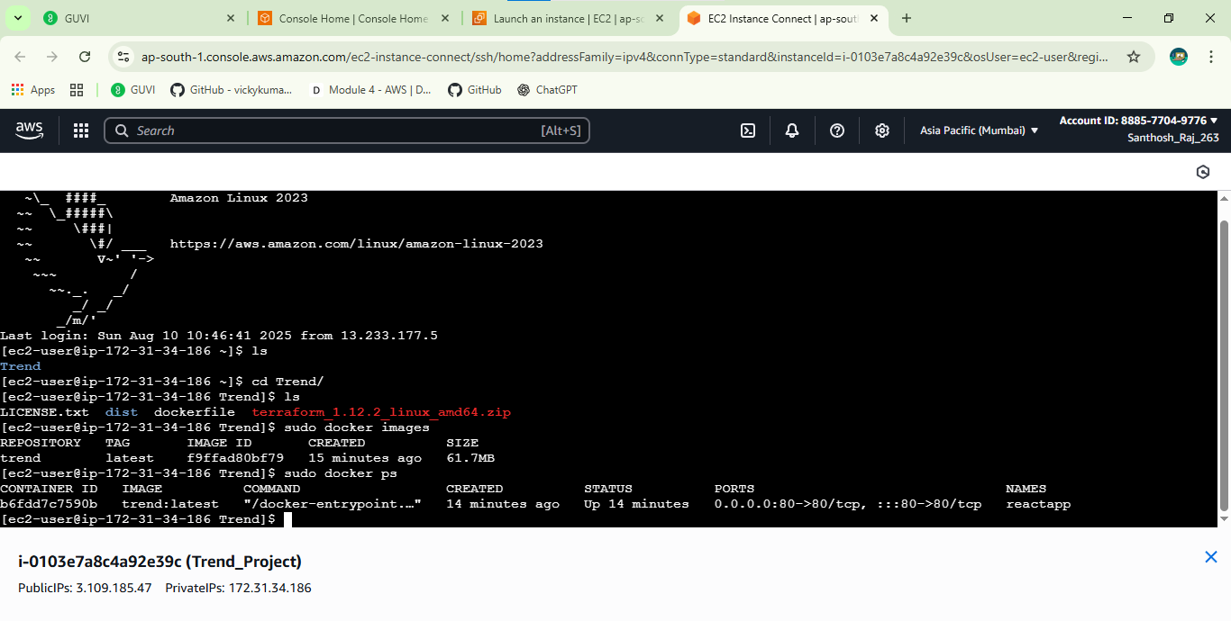

Step:02 | initiativiting VPC & Ec2 & jenkins server Via main.tf

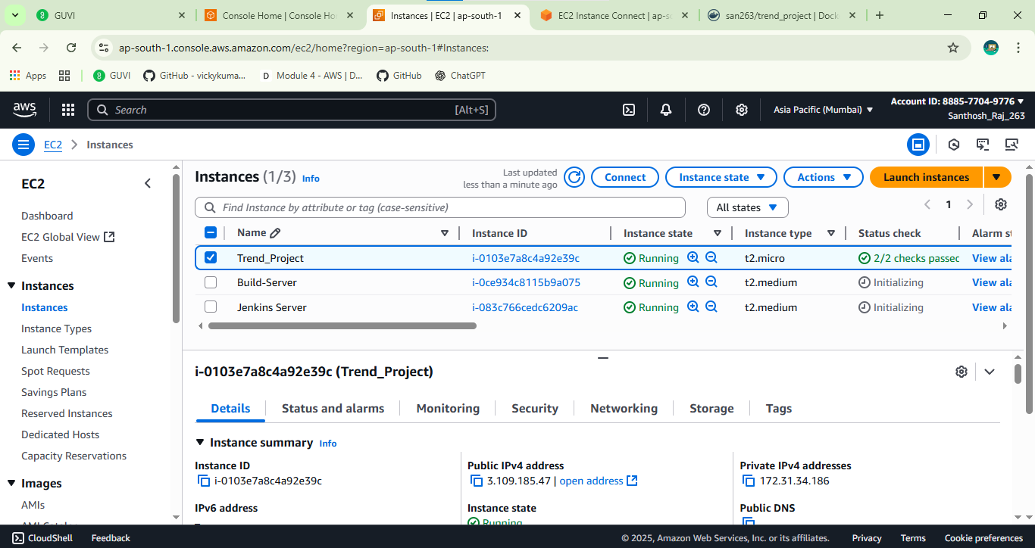

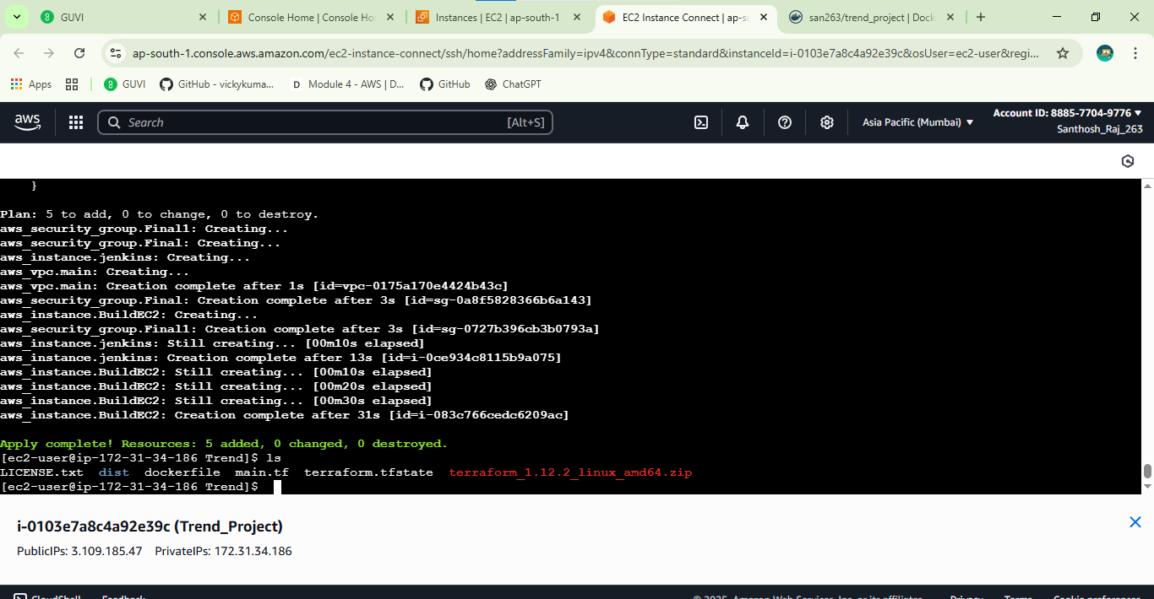

Step:03 | Created Docker images & docker container to push dockerhub Repo

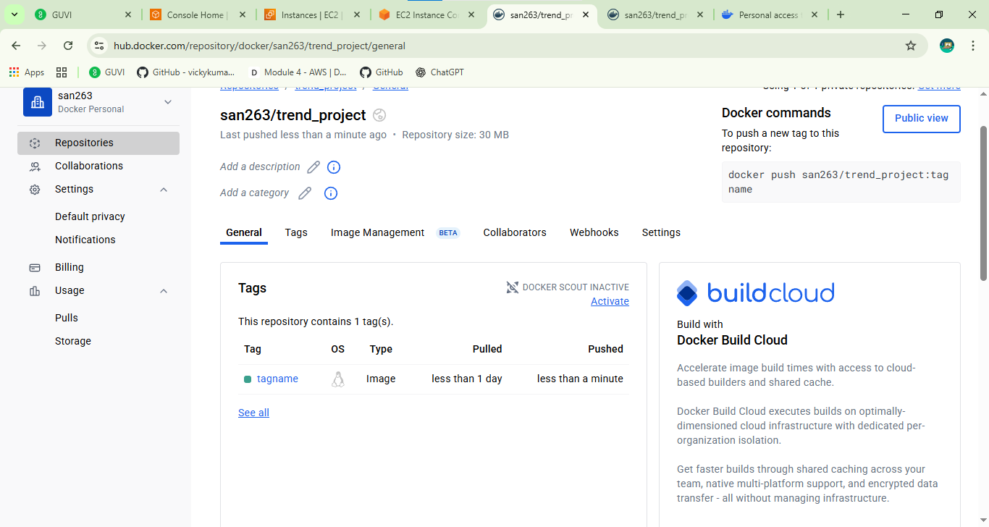

Step:04 | Writing Deployment.yml & service.yml file

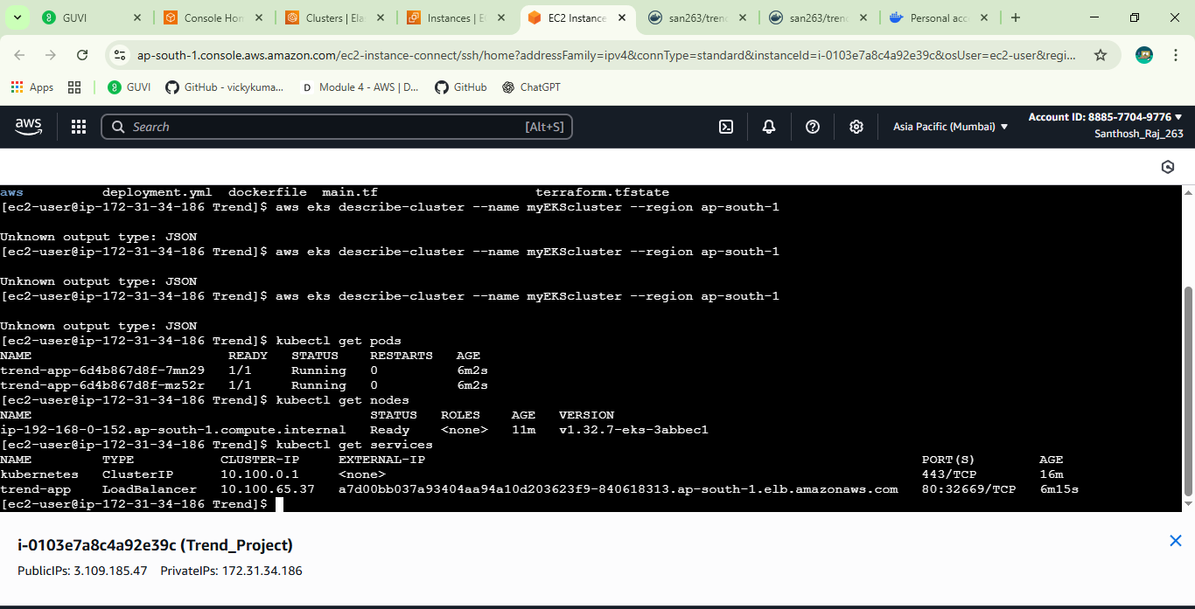

 | Created EKSCluster

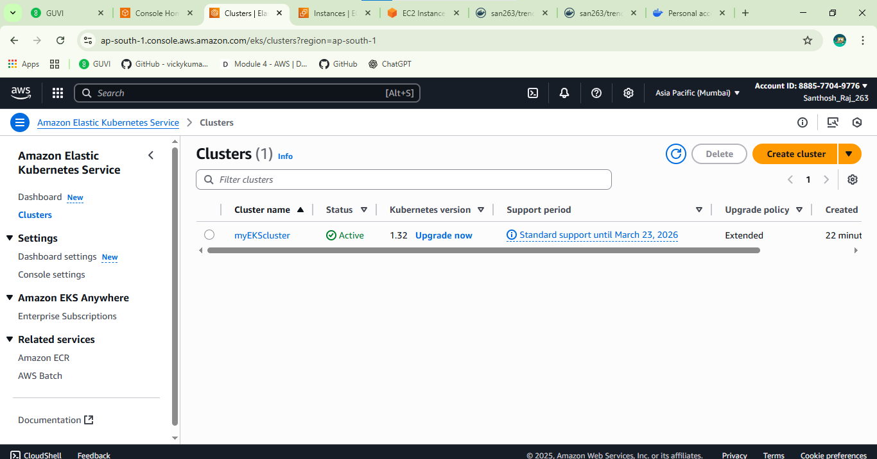

Step:05 | trend_app Kubernetes Load Balanceer
 | a7d00bb037a93404aa94a10d203623f9-840618313.ap-south-1.elb.amazonaws.com

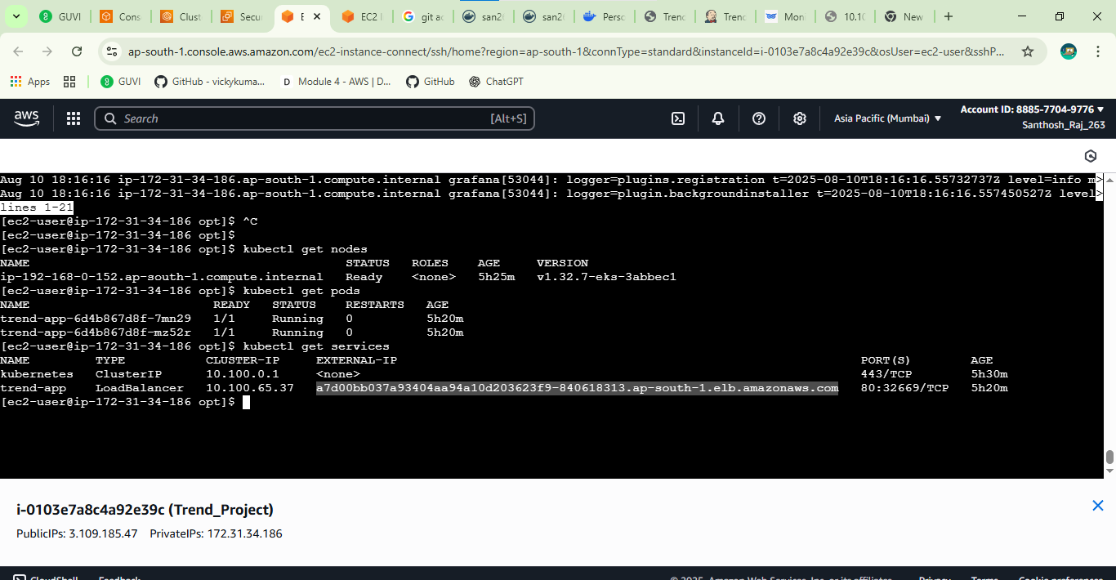

Step:06 | Jenkins CI CD Job

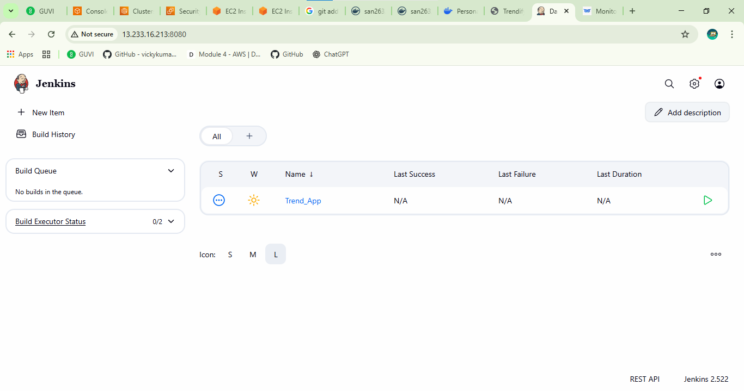

Step:07 | Jenkins CI CD job connected to Prometheus Server

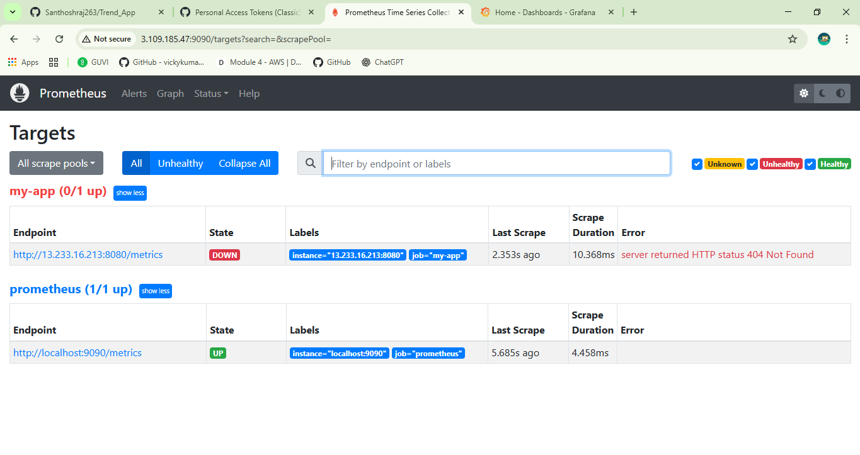

Step:08 | Jenkins job connected to Grafana-Dashboard

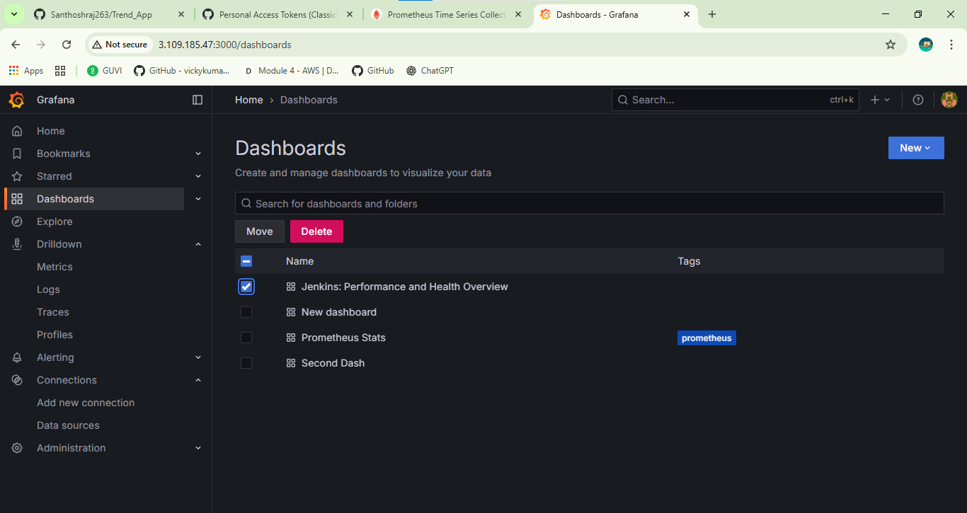

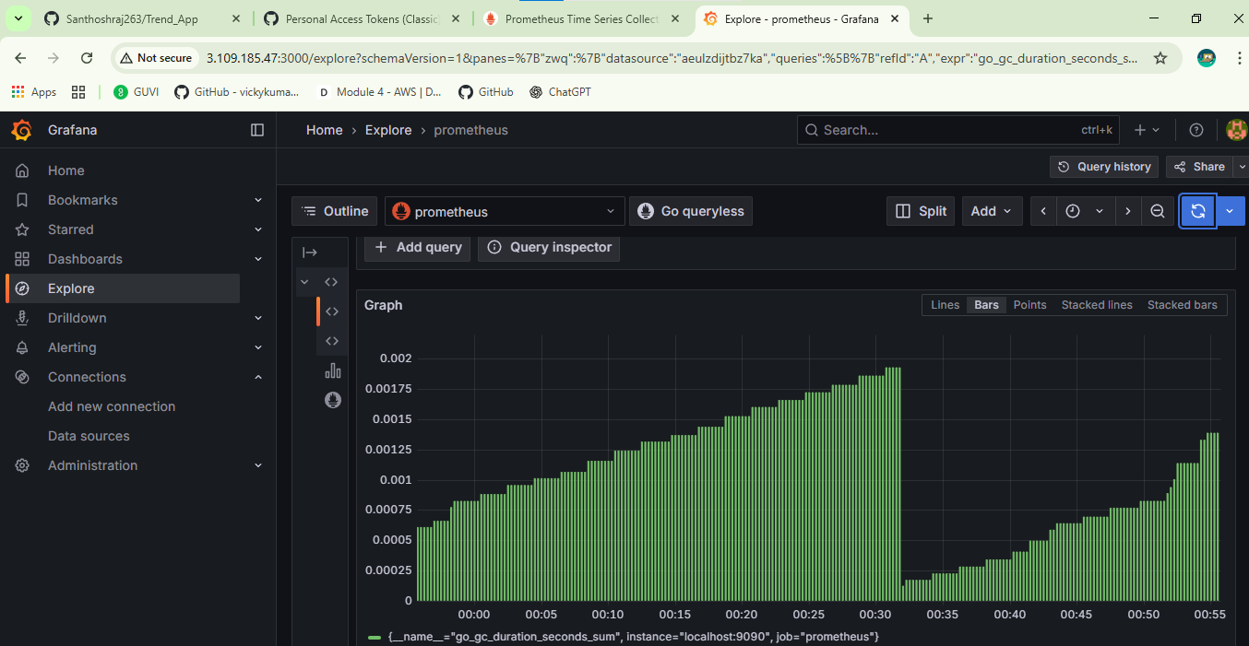

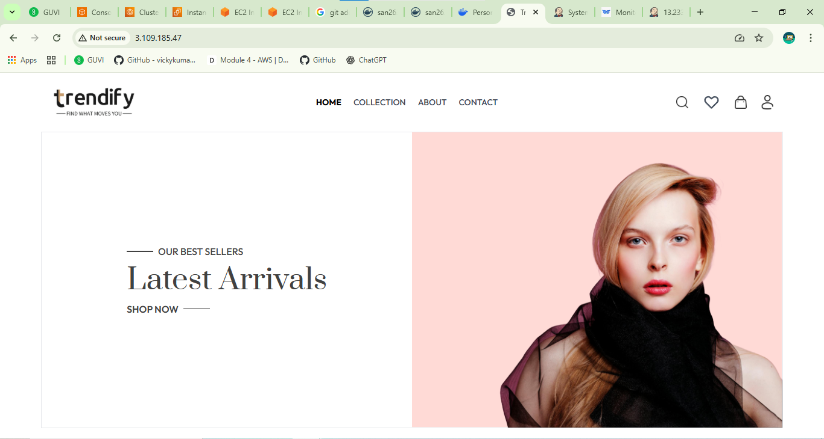
Trend_App

