Socio Demographics
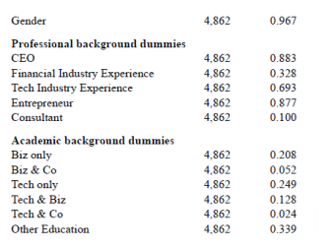

Gender | Professional background |  |  |  |  | Academic background
Male (1) | CEO | Financial Industry Experience | Tech Industry Experience | Entrepreneur | Consultant | Business education only, e.g. Management, Eco, Law | Tech Edu. only (no MBA), e.g. computer science, physics, maths | Other Edu (no Biz/no Tech), e.g. politics, philosophy | unknown
Female (0) | (1 = yes; 0 = no) | (1 = yes; 0 = no) | (1 = yes; 0 = no) | (1 = yes; 0 = no) | (1 = yes; 0 = no) | (1 = yes; 0 = no) | (1 = yes; 0 = no) | (1 = yes; 0 = no) | (1 = yes; 0 = no)

