Dashboard
Dashboard Analisis Datos empresa || Proyecto 3 EDA

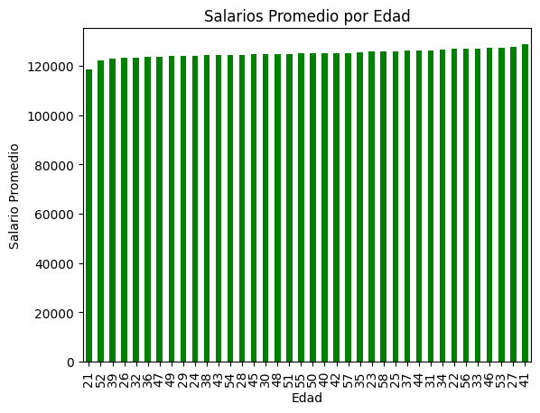
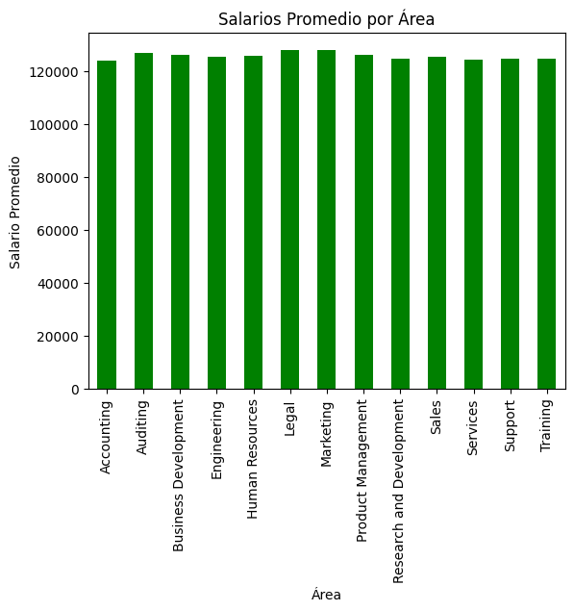

Salarios promedio por edad
Edad | Salario
41 | 128760.67513
27 | 127644.17188
53 | 127242.81315
46 | 127231.05206
33 | 127051.8623
56 | 127016.05051
22 | 126809.94822
34 | 126671.56844
31 | 126354.27979
44 | 126267.23423
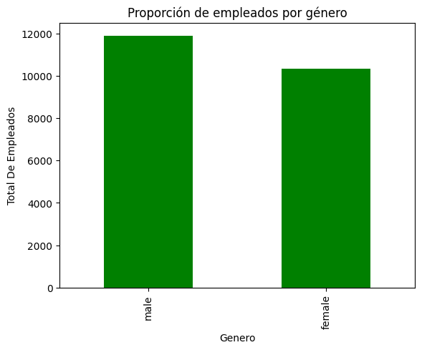
37 | 126093.46519
25 | 125991.23488 | Salario promedio por area
58 | 125861.32075 | Area | Salario
23 | 125765.14583 | Legal | 128145.54341
35 | 125656.63385 | Marketing | 128023.15992
57 | 125275.91382 | Auditing | 127003.86538
42 | 125227.07285 | Product Management | 126254.80031
40 | 125152.44408 | Business Development | 126231.16261
50 | 125129.44592 | Human Resources | 125660.89375
55 | 125066.80952 | Engineering | 125596.42223
51 | 124878.42414 | Sales | 125286.45087
48 | 124850.0779 | Training | 124571.67021
30 | 124781.28769 | Support | 124555.50943
45 | 124682.64901 | Research and Development | 124551.00923
28 | 124477.64576 | Services | 124319.32384
54 | 124472.21383 | Accounting | 124036.31053
43 | 124412.30598 | Salarios Promedio por Género
38 | 124258.42036
24 | 124113.45407
29 | 124015.47253
49 | 123953.59106
47 | 123742.79857
36 | 123671.69194
32 | 123401.84578
26 | 123380.42905
39 | 122967.39867
52 | 122065.64869
21 | 118702.25

