Resumos_SalesByCountry
Country | Sales | Units Sold
United States of America | 25029830.165 | 232627.5
Canada | 24887654.885 | 247428.5
France | 24354172.28 | 240931
Germany | 23505340.82 | 201494
Mexico | 20949352.11 | 203325

 |  | Coluna1

Vendas e Unidade Vendidas
 | Sales | Units Sold
 | 25029830.165 | 232627.5
 | 24887654.885 | 247428.5
 | 24354172.28 | 240931
 | 23505340.82 | 201494
 | 20949352.11 | 203325

Dashboard
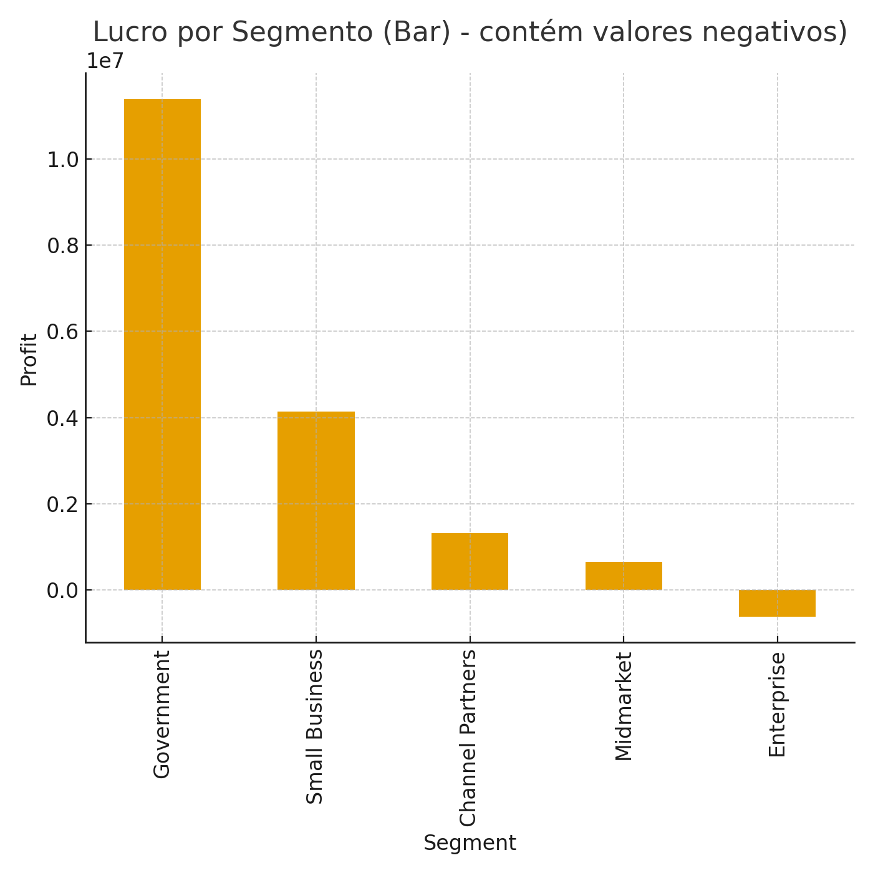
A

