Guide
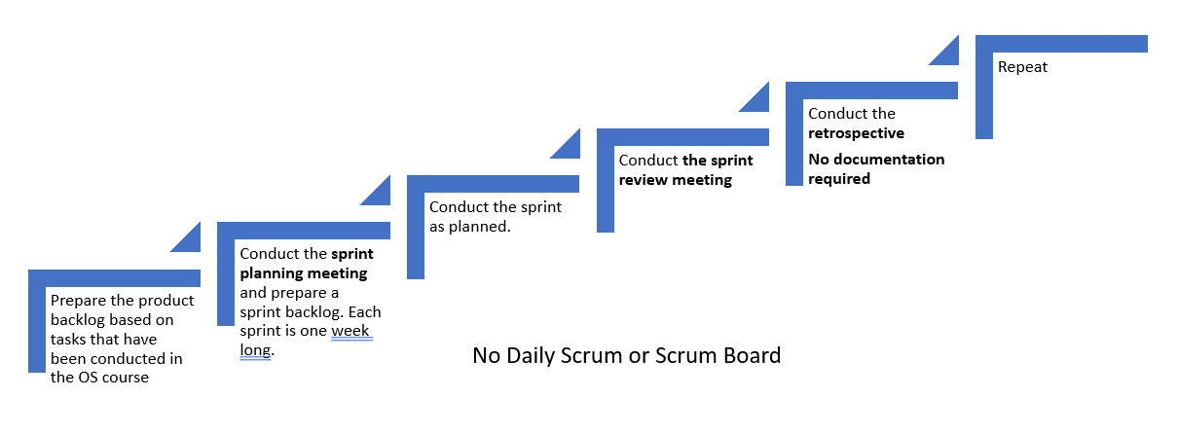
Product Backlog:
- It is a priority list of user requirements to develop a software or an application.
- Product owner owns this document
- Product owner prioritize the user requirements based on the customer feedback or business value
- The user requirements are written in the form of user stories which are explained in detail
- The product backlog is like a repository that act as an input to the sprint backlog.
- In simple sentence, product backlog is simply a wish list for an application.
- Update the product backlog on regular basis
Sprint Backlog
- It is the subset of the product backlog
- Each sprint includes user stories from the product backlog
- Product owner sets the sprint goal for the team
- The team then pick the user stories to fulfill those goals
- The user stories that are moved to sprint are then owned by the scrum team
- It is important to put the sprint goals as static as possible.
- During sprint planning, the team pics the recently prioritized user stories from the product backlog.
- Spring backlog is an output of the sprint planning meeting

User Story
A user story is simply a description of a feature that is described in users own words. Therefore, it is extremely important to recognize the users. A user is the user of a system. When writing user stories, it is also beneficial to explain the business value first.
The user story are written as:
As a (user), I want to ..... so that ......
Examples:
As an administrator, i want to be able to create new user accounts.
As a student, I should be able to upload assignemtns in the Moodle.
As a student, I want to be able to change my password.
Example with business value (recommended)
In order to find the cheapest price, as a buyer i want to compare prices.
In order to check grades in quick time, as a student I want to be able to see all my grades in one page.
Story Points (next module)
- They are a unit of measures for expressing an estimate of the overall effort that is needed to implement a produc backlog item.
- The estimation is done by assigning a point value to each item.
- The raw values that is assigned is not important however the relative values matters.
- Let us assume that one of your story is assigend a vlaue 1 and other other story 2. The one with the value 2 means that it requires dobule effort that the story with the value 1. It means the value itself does not matter but the ratios matter.
- When deciding story points, you need to take into account the amount, complexity and any risk or uncertaninty in doing the work.

Workflow for scrum practices

ProductBacklog
 | Product Backlog - Blog Post
 | User Story | Story Point(s) | Priority
1 | An owner of the website requested a modern looking layout | N/R | N/R
2 | A website has all necessary pages to serve as a functional blog post
3 | Website is responsive, navbar and footer are unified for all pages (php)
Write briefly about your project and implementation. You may list features:
- A open - blog post website
Layout:
Home: Post preview
Article page
User profile and post creation
- Layout features:
Nav bar / footer -> login option
Home page:
display newest first, featured article's samples
Article page : comment section under, display 2 recent comments
- Additional:
Mobile friendly
Responsive
Dynamic website with user friendly interface
4 | Site visitor can view the layout of the page and basic information and read articles
5 | Data is stored and displayed from the database
6 | Site visitor can view posts by category
7 | Site visitor is able to register and create a user account
8 | User is able to login to the website with their user data
9 | User can view and edit their user information
10 | User is able to create a new post or delete/update his existing post
11 | User is able to view his posts
12 | User can post and edit comment in the comment section of the article | TBD | TBD
13 | Admin should be able to manage the website: edit, delete anything and manage users | TBD | TBD

 |  |  |  | Examples for product backlog:
 |  |  |  | As a user, I am able to search for products so that I can find them more easily
 |  |  |  | As a site visitor, I have the possibility to compare prices for different packages and select the one that is suitable for me.
 |  |  |  | As an online buyer, I should be able to give feedback on the product that I have bought
 |  |  |  | As a site visitor, I am able to subscribe to newsletters to remain upto date on the newer products

sprint_planning_meetings
Sprint Planning
- Sprint planning is done at the beginning of each sprint with the participation of the entire scrum team.
- During the sprint planning meeting, the scrum team decides what will be delivered at the end of the sprint by turning the highest priority features on the product backlog into detailed tasks.
- This process creates the sprint backlog.
- The sprint planning meeting focuses on answering two main questions:
1) What needs to be done? and
2) How will it be done?
The sprint goal is also defined during the sprint planning meeting.
Src: https://www.lucidchart.com/
Spring Planning | Participants

 | Aleksander | Anna | Cihan
Week 48 | present | present | present
Location | Online
2021-10-02 | Sprint 1 planning, product backlog development
Week 49 | present | present | present
Location | Online
16/2/2021 | Sprint 1 review, Sprint 2 planning
Week 50 | present | present | present
Location | Online
25/2/2021 | Sprint 2 review, Sprint 3 planning (the date was moved to 25th due to the exam from other course)

