Dashboard
CHOCOLATE SALES

COUNTRY PROFIT%
SALES
$21.70 m
 |  | Selected Team
1 | 2 | 2
2 | 2 | 2
1 | 1 | 1
2 | 1 | 1
MoM%
68% |  | USA
68% |  | 70.6%
BOXES
1,344.6 k
127% |  | India
127% |  | 69.9%
SHIPMENTS
Sales & Profit by Teams
3,791
54% |  | UK
54% |  | 69.9%
COST
$6.68 m
95% |  | Canada
95% |  | 68.9%
 |  |  | Sales Person | Sales⬇ | Profit | Profit% | Shipments
PROFIT
 |  |  | Madelene Upcott | $897,554 | $597,611 | 67%
$15.02 m
 |  | Australia | Andria Kimpton | $867,510 | $633,092 | 73%
56% |  | 68.4% | Oby Sorrel | $860,083 | $572,484 | 67%
56% |  |  | Beverie Moffet | $817,572 | $579,962 | 71%
PROFIT %
 |  |  | Brien Boise | $794,920 | $529,082 | 67%
69%
 |  | New Zealand
-7% |  | 67.6%
-7%

 | Sort by: | Profit% | Pick a team: | Jucies | Sort by: | Sales

Calculations
Calculation Worksheet

Category
Bars |  |  |  | Category Selected? |  | Profit icons | ON
Bites |  |  |  | 3 | (all)
Other
 |  |  |  |  |  | Latest Sales Date | 2022-01-31
 |  |  |  |  |  | 28 Days ago | 2022-01-03

Values |  |  |  | Date (Year) | Date (Month) | Sum of Amount | Sum of Boxes | Total Shipments | Total Cost | Total Profit | Profit Percentage |  | Summary for dashboard |  |  |  |  |  |  |  |  |  | DISPLAY
Sum of Amount | $21,701,722 |  |  | 2022 | Jan | $3,070,228 | 250,035 | 491 | $1,077,427 | $1,992,801 | 64.9%
Sum of Boxes | 1,344,574 |  |  | 2021 | Dec | $1,827,007 | 110,230 | 319 | $552,897 | $1,274,110 | 69.7% |  | KPI | This Month |  |  | Previous Month | MoM% |  | Overall | Selected |  | Format Code | Overall | Selected
Total Shipments | 3,791 |  |  | 2021 | Nov | $1,482,075 | 90,064 | 257 | $421,196 | $1,060,879 | 71.6% |  | Total Amount | $3,070,228 |  |  | $1,827,007 | 68% |  | $21,701,722 | $21,701,722 |  | $#,,.00 "m" | $21.70 m
Total Cost | $6,681,539 |  |  | 2021 | Oct | $1,478,897 | 88,199 | 262 | $472,614 | $1,006,283 | 68.0% |  | Boxes | 250,035 |  |  | 110,230 | 127% |  | 1,344,574 | 1,344,574 |  | #,#,.0 "k" | 1,344.6 k
Total Profit | $15,020,183 |  |  | 2021 | Sep | $1,275,022 | 69,511 | 230 | $326,303 | $948,719 | 74.4% |  | Shipments | 491 |  |  | 319 | 54% |  | 3,791 | 3,791 |  | #,## | 3,791
Profit Percentage | 69.2% |  |  | 2021 | Aug | $1,569,470 | 96,193 | 280 | $548,557 | $1,020,913 | 65.0% |  | Total Cost | $1,077,427 |  |  | $552,897 | 95% |  | $6,681,539 | $6,681,539 |  | $#,,.00 "m" | $6.68 m
 |  |  |  | 2021 | Jul | $1,358,504 | 79,811 | 255 | $418,786 | $939,718 | 69.2% |  | Total Profit | $1,992,801 |  |  | $1,274,110 | 56% |  | $15,020,183 | $15,020,183 |  | $#,,.00 "m" | $15.02 m
Values |  |  |  | 2021 | Jun | $1,360,338 | 78,483 | 236 | $433,762 | $926,576 | 68.1% |  | Profit % | 64.9% |  |  | 69.7% | -7% |  | 69% | 69.2% |  | 0% | 69%
Sum of Amount | $21,701,722 |  |  | 2021 | May | $1,677,242 | 98,642 | 287 | $489,444 | $1,187,798 | 70.8%
Sum of Boxes | 1,344,574 |  |  | 2021 | Apr | $1,575,700 | 93,828 | 277 | $479,137 | $1,096,563 | 69.6%
SALES
$21.70 m
Total Shipments | 3,791 |  |  | 2021 | Mar | $1,702,281 | 98,053 | 290 | $516,080 | $1,186,201 | 69.7%
Total Cost | $6,681,539 |  |  | 2021 | Feb | $1,674,323 | 96,868 | 304 | $466,891 | $1,207,432 | 72.1%
Total Profit | $15,020,183 |  |  | 2021 | Jan | $1,650,635 | 94,657 | 303 | $478,444 | $1,172,191 | 71.0%
Profit Percentage | 69.2%

Maps
Row Labels | Sum of Amount | Profit Percentage |  | Row Labels | Sum of Amount | Profit Percentage |  | Sort Options |  | Pivot Values |  |  |  | Sorted Values
Australia | 3545052 | 68.4% |  | Australia | 3545052 | 68.4% |  |  |  | Country | Sales | Profit% |  | Country |  |  | Sales | Profit%
Canada | 3583769 | 68.9% |  | Canada | 3583769 | 68.9% |  | Sales | $#,,.00 "m" | Australia | 3545052 | 68.4% |  | USA | 3445582 | 0.70597317768
India | 3760400 | 69.9% |  | India | 3760400 | 69.9% |  | Profit% | 0.0% | Canada | 3583769 | 68.9% |  | India | 3760400 | 0.69917076266
New Zealand | 3776766 | 67.6% |  | New Zealand | 3776766 | 67.6% |  |  |  | India | 3760400 | 69.9% |  | UK | 3590153 | 0.69853347339
UK | 3590153 | 69.9% |  | UK | 3590153 | 69.9% |  | Selected Option |  | New Zealand | 3776766 | 67.6% |  | Canada | 3583769 | 0.68941683683
USA | 3445582 | 70.6% |  | USA | 3445582 | 70.6% |  | Profit% |  | UK | 3590153 | 69.9% |  | Australia | 3545052 | 0.6843165872
Grand Total | 21701722 | 69.2% |  | Grand Total | 21701722 | 69.2% |  | 2 |  | USA | 3445582 | 70.6% |  | New Zealand | 3776766 | 0.67625100734

 |  |  |  |  |  |  |  |  |  | Pivot Values |  |  | Selected |  |  |  |  | Sorted List |  |  |  |  |  |  |  | For Dashboard
 |  |  |  |  |  |  |  | $#,,.00 "m" |  | Country | Sales | Profit% | Sales | Profit% |  |  |  | Country | Sales | Profit% | Sales | Profit% |  | Map ID# |  | Country | Value | Value (Selected)
 |  |  |  |  |  |  |  |  |  | Australia | 3545052 | 0.6843165872 | 3545052 | 0.6843165872 |  |  |  | USA | 3445582 | 0.70597317768 | 3445582 | 0.70597317768 |  | 6 |  | USA | 70.6%
 |  |  |  |  |  |  |  |  |  | Canada | 3583769 | 0.68941683683 | 3583769 | 0.68941683683 |  |  |  | India | 3760400 | 0.69917076266 | 3760400 | 0.69917076266 |  | 3 |  | India | 69.9%
 |  |  |  |  |  |  |  |  |  | India | 3760400 | 0.69917076266 | 3760400 | 0.69917076266 |  |  |  | UK | 3590153 | 0.69853347339 | 3590153 | 0.69853347339 |  | 5 |  | UK | 69.9%
 |  |  |  |  |  |  |  |  |  | New Zealand | 3776766 | 0.67625100734 | 3776766 | 0.67625100734 |  |  |  | Canada | 3583769 | 0.68941683683 | 3583769 | 0.68941683683 |  | 2 |  | Canada | 68.9%
 |  |  |  |  |  |  |  |  |  | UK | 3590153 | 0.69853347339 | 3590153 | 0.69853347339 |  |  |  | Australia | 3545052 | 0.6843165872 | 3545052 | 0.6843165872 |  | 1 |  | Australia | 68.4%
 |  |  |  |  |  |  |  |  |  | USA | 3445582 | 0.70597317768 | 3445582 | 0.70597317768 |  |  |  | New Zealand | 3776766 | 0.67625100734 | 3776766 | 0.67625100734 |  | 4 |  | New Zealand | 67.6%

 |  |  |  |  |  |  |  | 0 |  |  |  |  |  |  |  |  |  |  |  |  |  |  |  |  |  | Title | COUNTRY PROFIT%

PEOPLE |  |  |  |  |  |  |  |  |  |  |  | Selected Team | Jucies

Row Labels | Sum of Amount | Total Profit |  |  | Team | Sales | Profit | X | Y | Size | Size 2 | Sales (formatted) | Profit (formatted) | Labels
Yummies | 7887334 | $5,474,426 | Yummies | ⭐ | Yummies⭐ | 7887334 | $5,474,426 | 1 | 2 | 7887334 | #N/A | $7.89 m | $5.47 m | Yummies⭐ $7.89 m $5.47 m
Delish | 6136837 | $4,225,263 | Delish |  | Delish | 6136837 | $4,225,263 | 2 | 2 | 6136837 | #N/A | $6.14 m | $4.23 m | Delish $6.14 m $4.23 m
Jucies | 4237639 | $2,912,230 | Jucies |  | Jucies | 4237639 | $2,912,230 | 1 | 1 | 4237639 | 4237639 | $4.24 m | $2.91 m | Jucies $4.24 m $2.91 m
Tempo | 3439912 | $2,408,264 | Tempo |  | Tempo | 3439912 | $2,408,264 | 2 | 1 | 3439912 | #N/A | $3.44 m | $2.41 m | Tempo $3.44 m $2.41 m

 |  |  |  |  |  |  | Max Amount | 1800000
 |  |  |  |  |  |  | FILTERED DATA
Team | Sales person | Sum of Amount | Total Profit | Profit Percentage |  |  | Sales Person | Amount | Profit | Profit % |  |  | Trend Options |  |  | Person | 2022-01-04 | 2022-01-05 | 2022-01-06 | 2022-01-07 | 2022-01-08 | 2022-01-09 | 2022-01-10 | 2022-01-11 | 2022-01-12 | 2022-01-13 | 2022-01-14 | 2022-01-15 | 2022-01-16 | 2022-01-17 | 2022-01-18 | 2022-01-19 | 2022-01-20 | 2022-01-21 | 2022-01-22 | 2022-01-23 | 2022-01-24 | 2022-01-25 | 2022-01-26 | 2022-01-27 | 2022-01-28 | 2022-01-29 | 2022-01-30 | 2022-01-31
Delish | Curtice Advani | 779422 | $531,165 | 68.1% |  |  | Madelene Upcott | 897554 | 597610.7167 | 0.66582146222 |  |  | Shipped? |  |  | Madelene Upcott | 1 | 1 | 1 | 2 | 0 | 0 | 0 | 2 | 1 | 2 | 1 | 0 | 0 | 0 | 4 | 3 | 0 | 1 | 0 | 0 | 0 | 2 | 0 | 0 | 0 | 0 | 0 | 0
Delish | Dotty Strutley | 922635 | $619,838 | 67.2% |  |  | Andria Kimpton | 867510 | 633091.561 | 0.72978013049 |  |  | Sales |  |  | Andria Kimpton | 0 | 1 | 0 | 2 | 0 | 0 | 1 | 2 | 0 | 1 | 2 | 0 | 0 | 1 | 2 | 1 | 0 | 3 | 0 | 0 | 0 | 0 | 2 | 0 | 3 | 0 | 0 | 0
Delish | Gigi Bohling | 925057 | $646,166 | 69.9% |  |  | Oby Sorrel | 860083 | 572484.3446 | 0.66561523086 |  |  | Boxes |  |  | Oby Sorrel | 2 | 1 | 1 | 2 | 0 | 0 | 0 | 1 | 1 | 0 | 1 | 0 | 0 | 0 | 0 | 1 | 0 | 1 | 0 | 0 | 0 | 1 | 1 | 0 | 0 | 0 | 0 | 0
Delish | Jan Morforth | 780038 | $536,615 | 68.8% |  |  | Beverie Moffet | 817572 | 579961.5291 | 0.70937058644 |  |  | Shipments |  |  | Beverie Moffet | 0 | 0 | 2 | 2 | 0 | 0 | 1 | 0 | 0 | 1 | 1 | 0 | 0 | 1 | 0 | 1 | 0 | 2 | 0 | 0 | 3 | 4 | 1 | 0 | 2 | 0 | 0 | 0
Delish | Kaine Padly | 828058 | $563,722 | 68.1% |  |  | Brien Boise | 794920 | 529082.2773 | 0.66557927502 |  |  |  |  |  | Brien Boise | 1 | 1 | 1 | 2 | 0 | 0 | 3 | 3 | 0 | 2 | 5 | 0 | 0 | 0 | 5 | 0 | 1 | 0 | 0 | 0 | 2 | 0 | 0 | 0 | 1 | 0 | 0 | 0
Delish | Roddy Speechley | 957047 | $671,941 | 70.2% |  |  |  |  |  |  |  |  | Selected
Delish | Wilone O'Kielt | 944580 | $655,817 | 69.4% |  |  |  |  |  |  |  |  | Shipments
Jucies | Andria Kimpton | 867510 | $633,092 | 73.0% |  |  |  |  |  |  |  |  | 4
Jucies | Beverie Moffet | 817572 | $579,962 | 70.9%
Jucies | Brien Boise | 794920 | $529,082 | 66.6% |  |  |  |  |  |  |  |  |  |  | ⬇
Jucies | Madelene Upcott | 897554 | $597,611 | 66.6% |  |  |  |  |  |  |  | Team Names | Sort Options |  | Table Headers
Jucies | Oby Sorrel | 860083 | $572,484 | 66.6% |  |  |  |  |  |  |  | Delish | Sales Person |  | Sales Person
Tempo | Camilla Castle | 798868 | $558,631 | 69.9% |  |  |  |  |  |  |  | Jucies | Sales |  | Sales⬇
Tempo | Ches Bonnell | 884835 | $621,603 | 70.3% |  |  |  |  |  |  |  | Tempo | Profit |  | Profit
Tempo | Jehu Rudeforth | 895363 | $616,665 | 68.9% |  |  |  |  |  |  |  | Yummies | Profit% |  | Profit%
Tempo | Mallorie Waber | 860846 | $611,364 | 71.0%
Yummies | Barr Faughny | 886375 | $609,887 | 68.8% |  |  |  |  |  |  |  |  | Selected
Yummies | Dennison Crosswaite | 890708 | $597,186 | 67.0% |  |  |  |  |  |  |  |  | Sales
Yummies | Gunar Cockshoot | 913325 | $640,549 | 70.1% |  |  |  |  |  |  |  |  | 2
Yummies | Husein Augar | 779044 | $544,768 | 69.9%
Yummies | Karlen McCaffrey | 963956 | $669,657 | 69.5% |  |  |  |  |  |  |  |  | Sort Order
Yummies | Kelci Walkden | 889602 | $592,612 | 66.6% |  |  |  |  |  |  |  |  | -1
Yummies | Marney O'Breen | 797629 | $546,390 | 68.5%
Yummies | Rafaelita Blaksland | 903616 | $646,553 | 71.6%
Yummies | Van Tuxwell | 863079 | $626,823 | 72.6%

Assets
 |  | Colors |  | Text Colors
 |  |  | Background |  | Headings
 |  |  | Highlight |  | Labels
 |  |  | Highlight 2 |  | Tables
 |  |  | Chart Color (guages) |  | Color1
 |  |  | Faded |  | Color2
 |  |  |  |  | Color3
 |  |  |  |  | Highlight
TITLE
 |  | SAMPLE TILE
KPI Value
SALES
$21.70 m

COST
$6.68 m

PROFIT
$15.02 m

Maps from | https://github.com/djaiss/mapsicon

Image | Country
 | Australia
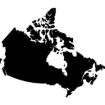 | Canada
 | India
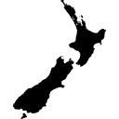 | New Zealand
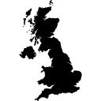 | UK
 | USA

GET COMPLETED DASHBOARD
GET FULL DASHBOARD
Unlock

You can now download the full dashboard file + HD videos when you join the Excel School + Dashboards program. Excel School is my online Excel training program. It covers everything from basics to advanced uses of Excel for data analysis & reporting work. | 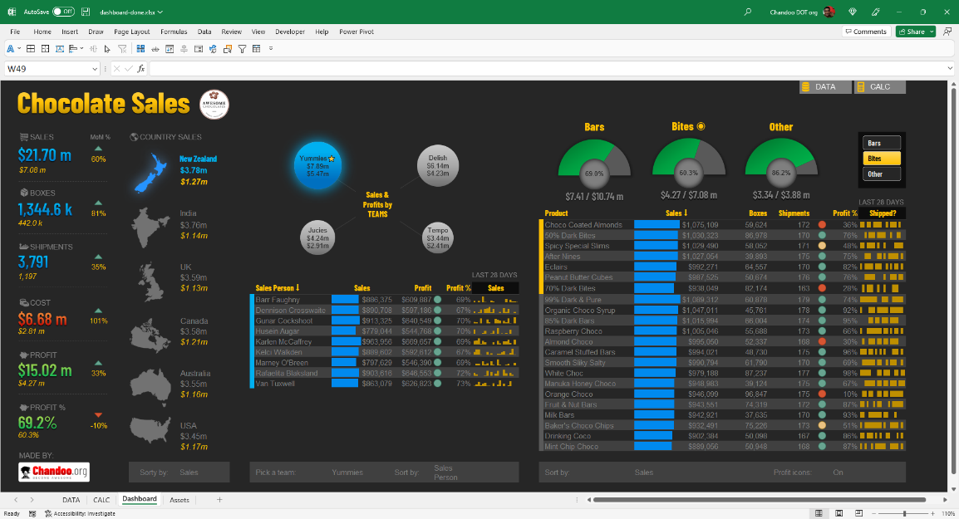
In this program, you will learn:
◉ Power Query for data management
◉ Excel formulas (basic to advanced)
◉ Pivot tables, data model & Power Pivot
◉ Charting, interactive & dynamic charts, combination charts
◉ Formatting, conditional formatting
◉ Using Excel productively
◉ Excel dashboards (including AWESOME Dashboard videos)

Click here to know more & join the class

