Sheet1
 | Original |  | Original | Trasnformed |  |  | Original | Transformed
Industry | 0.32 | Heat | 0.74 | 0.2368 |  | Coal | 0.45 | 0.10656
Transport | 0.31 | Electricity | 0.26 | 0.0832 |  | Natural gas | 0.3 | 0.07104
Residential | 0.24 |  |  |  |  | Oil | 0.15 | 0.03552
Others | 0.13 |  |  |  |  | Renewables | 0.09 | 0.021312
 |  |  |  |  |  | Others | 0.01 | 0.002368

1st Pie |  | 2nd Pie |  |  | 3rd Pie
Industry | 0.32 | Heat | 0.2368 |  | Coal | 0.10656
Transport | 0.31 | Electricity | 0.0832 |  | Natural gas | 0.07104
Residential | 0.24 | Transport | 0.31 |  | Oil | 0.03552
Others | 0.13 | Residential | 0.24 |  | Renewables | 0.021312
 | 1 | Others | 0.13 |  | Others | 0.002368
 |  |  | 1 |  | Electricity | 0.0832
 |  |  |  |  | Transport | 0.31
 |  |  |  |  | Residential | 0.24
 |  |  |  |  | Others | 0.13

Sheet2
Coal | 0.10656
Natural gas | 0.07104
Oil | 0.03552
Renewables | 0.021312
Others | 0.002368
Electricity | 0.0832
Transport | 0.31
Residential | 0.24
Others | 0.13

Heat | 0.2368
Electricity | 0.0832
Transport | 0.31
Residential | 0.24
Others | 0.13

Industry | 0.32
Transport | 0.31
Residential | 0.24
Others | 0.13

presentation
Figure 3. Share And Breakdown Of Heat Demand In Industry

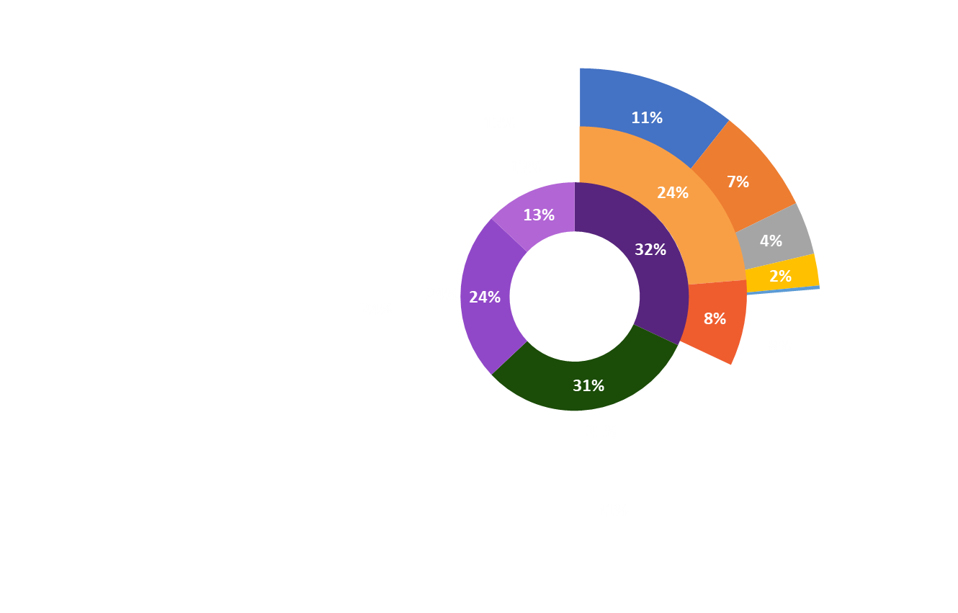

Transport
Coal

Industry
Natural Gas

Residential

Others
Oil

Heat
Renewables

Others

Elec.

