Table003 (Page 2)
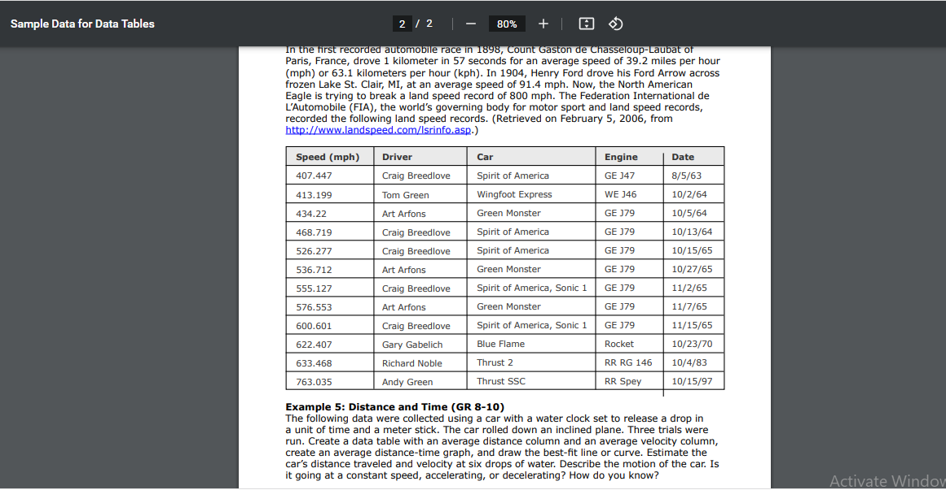

Speed (mph) | Driver | Car | Engine | Date
407.447 | Craig Breedlove | Spirit of America | GE J47 | 1963-08-05
413.199 | Tom Green | Wingfoot Express | WE J46 | 1964-10-02
434.22 | Art Arfons | Green Monster | GE J79 | 1964-10-05
468.719 | Craig Breedlove | Spirit of America | GE J79 | 1964-10-13
526.277 | Craig Breedlove | Spirit of America | GE J79 | 1965-10-15
536.712 | Art Arfons | Green Monster | GE J79 | 1965-10-27
555.127 | Craig Breedlove | Spirit of America, Sonic 1 | GE J79 | 1965-11-02
576.553 | Art Arfons | Green Monster | GE J79 | 1965-11-07
600.601 | Craig Breedlove | Spirit of America, Sonic 1 | GE J79 | 1965-11-15
622.407 | Gary Gabelich | Blue Flame | Rocket | 1970-10-23
633.468 | Richard Noble | Thrust 2 | RR RG 146 | 1983-10-04
763.035 | Andy Green | Thrust SSC | RR Spey | 1997-10-15

