Pivots
Average and sum of Average cost for two
 |  |  |  |  |  | Row Labels | Count of RestaurantID
Row Labels | Sum of Average-Cost-for-two | Average of Average-Cost-for-two2 |  |  |  | 2010 | 50
Canada | 145.0 | 36.3 |  |  |  | 2011 | 68
New Zealand | 2790.0 | 69.8 |  |  |  | 2012 | 82
South Africa | 25184.0 | 419.7 |  |  |  | 2013 | 67
United Arab Emirates | 9985.0 | 166.4 |  |  |  | 2014 | 65
United States of America | 11350.0 | 26.2 |  |  |  | 2015 | 73
Grand Total | 49454 | 82.698996656 |  |  |  | 2016 | 62
 |  |  |  |  |  | 2017 | 67
 |  |  |  |  |  | 2018 | 64
 |  |  |  |  |  | Grand Total | 598
Online delivery

No. Of Resturant Opened
Price-range | (All)
 |  |  |  | CountryName | (Multiple Items)
Row Labels | Count of RestaurantID
Canada | 4 |  |  | Row Labels | Average of Rating
New Zealand | 40 |  |  | Not Available | 4.0650877193
South Africa | 60 |  |  | Available | 4.1142857143
United Arab Emirates | 60 |  |  | Grand Total | 4.0673913043
United States of America | 434 |  |  |  |  | 11453662
Grand Total | 598

Avg. Of Voters In Each Country
Row Labels | Sum of Votes
Canada | 412.0
New Zealand | 9721.0
South Africa | 18910.0
United Arab Emirates | 29611.0
United States of America | 185848.0
Grand Total | 244502

Average Of RatinG

Has-Online-delivery | (All)

Row Labels | Average of Rating
Canada | 3.58
New Zealand | 4.26
South Africa | 4.21
United Arab Emirates | 4.23
United States of America | 4.01
Grand Total | 4.07

Cuisine Rating
 |  |  | Row Labels | Average of Rating
 |  |  | American, BBQ, Sandwich | 4.9
 |  |  | American, Caribbean, Seafood | 4.9
 |  |  | American, Coffee and Tea | 4.9
 |  |  | American, Sandwich, Tea | 4.9
 |  |  | BBQ, Breakfast, Southern | 4.9
 |  |  | Burger, Bar Food, Steak | 4.9
 |  |  | Continental, Indian | 4.9
 |  |  | European, Contemporary | 4.9
 |  |  | European, German | 4.9
 |  |  | Hawaiian, Seafood | 4.9
 |  |  | Italian, Deli | 4.9
 |  |  | Grand Total | 4.9

CountryName | (Multiple Items)
Price-range | (All)

Cities based on Rating
Row Labels | Average of Rating
Abu Dhabi | 4.3
Albany | 3.6
Athens | 4.2
Auckland | 4.3
Augusta | 4.1
Boise | 4.3
Cape Town | 4.1
Cedar Rapids/Iowa City | 4.2
Chatham-Kent | 3.7
Clatskanie | 4.3
Columbus | 4.0
Dalton | 4.1
Davenport | 3.8
Des Moines | 4.2
Dubai | 4.4
Dubuque | 3.5
Fernley | 3.7
Gainesville | 4.0
Inner City | 4.9
Johannesburg | 4.2
Lakeview | 3.6
Lincoln | 4.5
Macon | 4.1
Monroe | 3.6
Ojo Caliente | 3.6
Orlando | 4.5
Pensacola | 4.2
Pocatello | 3.5
Pretoria | 4.2
Princeton | 4.0
Randburg | 4.3
Rest of Hawaii | 4.4
Sandton | 4.3
Savannah | 4.2
Sharjah | 4.0
Sioux City | 3.8
Tampa Bay | 4.4
Valdosta | 3.7
Vernonia | 4.3
Vineland Station | 4.3
Waterloo | 3.7
Weirton | 3.9
Wellington City | 4.3
Grand Total | 4.1

Top Biggest Competitor In Recommended Country

CountryName | (Multiple Items)
Rating | (Multiple Items)
 |  |  |  |  |  |  |  | CountryName | (Multiple Items)
Row Labels | Average of Rating |  |  |  |  |  |  | Rating | (Multiple Items)
AB's Absolute Barbecues | 4.85
Atlanta Highway Seafood Market | 4.9 |  |  |  |  |  |  | Row Labels | Average of Rating
Carnival By Tresind | 4.9 |  |  |  |  |  |  | Consort Restaurant | 3
Cube - Tasting Kitchen | 4.9 |  |  |  |  |  |  | De Fontein Belgian Beer Cafe | 2.3
Depot Eatery and Oyster Bar | 4.8 |  |  |  |  |  |  | Frick's Tap | 1
Ella's Americana Folk Art Cafe | 4.8 |  |  |  |  |  |  | Los Agaves | 1
Gemelli Cucina Bar | 4.8 |  |  |  |  |  |  | Nosh Mahal | 1
Hollerbach's Willow Tree Cafí© | 4.8 |  |  |  |  |  |  | Pizza Hut | 2.4
Ingleside Village Pizza | 4.9 |  |  |  |  |  |  | Triangle Restaurant | 2.4
Jarryds | 4.8 |  |  |  |  |  |  | Troll Tavern | 2.2
Mama's Fish House | 4.9 |  |  |  |  |  |  | Grand Total | 1.9125
Marukame Udon | 4.9
Lowest Rated Restaurant In Recomended Country
Mazzaro's Italian Market | 4.9
McGuire's Irish Pub & Brewery | 4.9
Miann | 4.9
Milse | 4.9
Miyabi 9 | 4.8
Mr. Dunderbak's Biergarten and Marketplatz | 4.9
Oakwood Cafe | 4.9
Pom Pom's Teahouse and Sandwicheria | 4.9
Punjab Grill | 4.9
Rae's Coastal Cafe | 4.9
Rajasthan Al Malaki | 4.8
Restaurant Mosaic @ The Orient | 4.9
Shorts Burger and Shine | 4.9
Tantra Asian Bistro | 4.9
The Cafe | 4.9
Tresind - Nassima Royal Hotel | 4.9
Urbanologi | 4.9
Yellow Dog Eats | 4.9
Grand Total | 4.8741935484

Dashboard
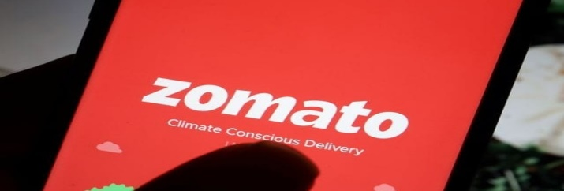
Filters
ZOMATO Expansion Dashboard
KPIs

No. Of Resturant Opened
 | Total
Canada | 4
New Zealand | 40
South Africa | 60
United Arab Emirates | 60
United States of America | 434
Avg. Of Voters In Each Country
 | Total
Canada | 412.0
New Zealand | 9721.0
South Africa | 18910.0
United Arab Emirates | 29611.0
United States of America | 185848.0

Total Number Of Restaurant
9551

Average Of Rating
 | Total
Canada | 3.58
New Zealand | 4.26
South Africa | 4.21
United Arab Emirates | 4.23
United States of America | 4.01

Total Number Of Voters
1498645

Total AVG. Rating
2.89126793
Average and sum of Average cost for two
 | Sum of Average-Cost-for-two | Average of Average-Cost-for-two2
Canada | 145.0 | 36.3
New Zealand | 2790.0 | 69.8
South Africa | 25184.0 | 419.7
United Arab Emirates | 9985.0 | 166.4
United States of America | 11350.0 | 26.2
Lowest Rated Restaurant In Recomended Country
 | Total
Consort Restaurant | 3
De Fontein Belgian Beer Cafe | 2.3
Frick's Tap | 1
Los Agaves | 1
Nosh Mahal | 1
Pizza Hut | 2.4
Triangle Restaurant | 2.4
Troll Tavern | 2.2

Total Sum Of AVG. Cost For Two
11453662

Cities based on Rating
 | Total
Abu Dhabi | 4.3
Albany | 3.6
Athens | 4.2
Auckland | 4.3
Augusta | 4.1
Boise | 4.3
Cape Town | 4.1
Cedar Rapids/Iowa City | 4.2
Chatham-Kent | 3.7
Clatskanie | 4.3
Columbus | 4.0
Dalton | 4.1
Davenport | 3.8
Des Moines | 4.2
Dubai | 4.4
Dubuque | 3.5
Fernley | 3.7
Gainesville | 4.0
Inner City | 4.9
Johannesburg | 4.2
Lakeview | 3.6
Lincoln | 4.5
Macon | 4.1
Monroe | 3.6
Ojo Caliente | 3.6
Orlando | 4.5
Pensacola | 4.2
Pocatello | 3.5
Pretoria | 4.2
Princeton | 4.0
Randburg | 4.3
Rest of Hawaii | 4.4
Sandton | 4.3
Savannah | 4.2
Sharjah | 4.0
Sioux City | 3.8
Tampa Bay | 4.4
Valdosta | 3.7
Vernonia | 4.3
Vineland Station | 4.3
Waterloo | 3.7
Weirton | 3.9
Wellington City | 4.3
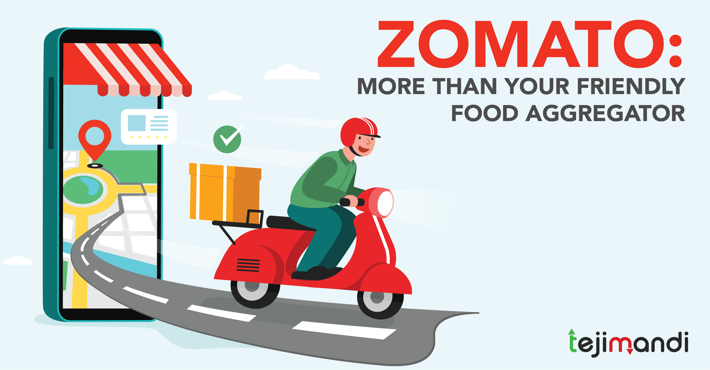

Online delivery
 | Total
Not Available | 4.0650877193
Available | 4.1142857143
Cuisine Rating
 | Total
American, BBQ, Sandwich | 4.9
American, Caribbean, Seafood | 4.9
American, Coffee and Tea | 4.9
American, Sandwich, Tea | 4.9
BBQ, Breakfast, Southern | 4.9
Burger, Bar Food, Steak | 4.9
Continental, Indian | 4.9
European, Contemporary | 4.9
European, German | 4.9
Hawaiian, Seafood | 4.9
Italian, Deli | 4.9

Top Biggest Competitor In Recommended Country
 | Total
AB's Absolute Barbecues | 4.85
Atlanta Highway Seafood Market | 4.9
Carnival By Tresind | 4.9
Cube - Tasting Kitchen | 4.9
Depot Eatery and Oyster Bar | 4.8
Ella's Americana Folk Art Cafe | 4.8
Gemelli Cucina Bar | 4.8
Hollerbach's Willow Tree Cafí© | 4.8
Ingleside Village Pizza | 4.9
Jarryds | 4.8
Mama's Fish House | 4.9
Marukame Udon | 4.9
Mazzaro's Italian Market | 4.9
McGuire's Irish Pub & Brewery | 4.9
Miann | 4.9
Milse | 4.9
Miyabi 9 | 4.8
Mr. Dunderbak's Biergarten and Marketplatz | 4.9
Oakwood Cafe | 4.9
Pom Pom's Teahouse and Sandwicheria | 4.9
Punjab Grill | 4.9
Rae's Coastal Cafe | 4.9
Rajasthan Al Malaki | 4.8
Restaurant Mosaic @ The Orient | 4.9
Shorts Burger and Shine | 4.9
Tantra Asian Bistro | 4.9
The Cafe | 4.9
Tresind - Nassima Royal Hotel | 4.9
Urbanologi | 4.9
Yellow Dog Eats | 4.9

