Comparison
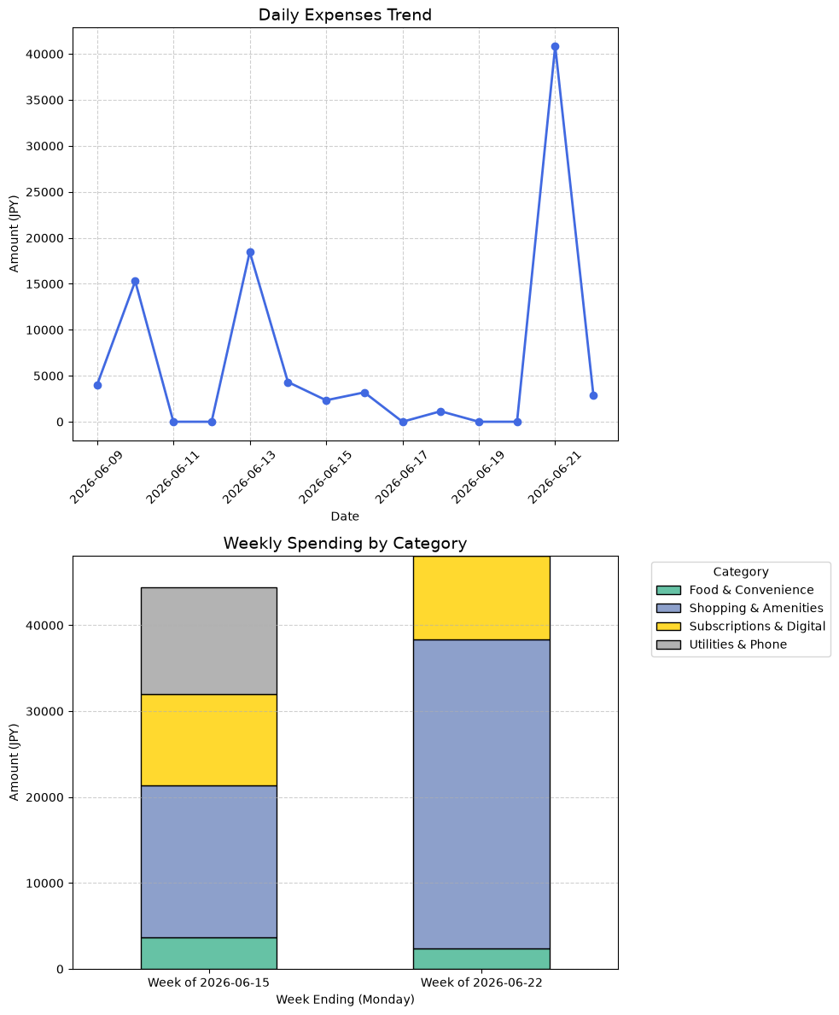
Date | Time | Merchant | Category | Amount_JPY
2026-06-09 | 11:01:44 | APPLE.COM/BILL | Subscriptions & Digital | 1680
2026-06-09 | 16:02:25 | OPENART AI | Subscriptions & Digital | 2311
2026-06-10 | 14:41:32 | AMAZON CO JP | Shopping & Amenities | 2832
2026-06-10 | 16:56:46 | SOFTBANKM | Utilities & Phone | 12455
2026-06-13 | 10:52:28 | OPENAI *CHATGPT SUBSCR | Subscriptions & Digital | 3670
2026-06-13 | 19:03:36 | TECTKITIJYOUZITENN | Shopping & Amenities | 14800
2026-06-14 | 00:10:41 | SEVEN-ELEVEN | Food & Convenience | 2351
2026-06-14 | 00:13:46 | FAMILYMART | Food & Convenience | 555
2026-06-14 | 20:31:04 | DEIRI-YAMAZAKI | Food & Convenience | 819
2026-06-14 | 23:39:07 | RAKUTEN KOBO | Subscriptions & Digital | 594
2026-06-15 | 13:03:31 | OPENART AI | Subscriptions & Digital | 2335
2026-06-16 | 21:52:05 | CURSOR, AI POWERED IDE | Subscriptions & Digital | 3193
2026-06-18 | 22:57:04 | AMAZON CO JP | Shopping & Amenities | 1141
2026-06-21 | 17:23:54 | MERCARI | Shopping & Amenities | 34800
2026-06-21 | 18:05:27 | OPENAI | Subscriptions & Digital | 1848
2026-06-21 | 18:47:04 | OPENAI | Subscriptions & Digital | 1774
2026-06-21 | 19:51:50 | FAMILYMART | Food & Convenience | 2421
2026-06-22 | 00:43:14 | GOOGLE*GOOGLE ONE | Subscriptions & Digital | 2900

