Ark1
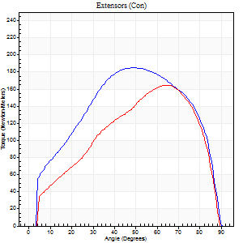
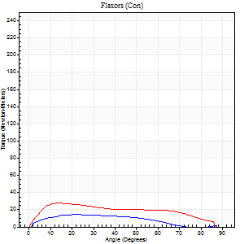
Use File, Preference to set Report Heading
Long Form Torque vs. Position Report - Knee Extension/Flexion
Name: |  |  |  | TR024_101, | ID: | TR024_101 | Right/Left: | 24.08.2020 24.08.2020

Right Side Curves Left Side Curves
Isokinetic Con/Con |  |  |  | Extensors (Con) |  | Flexors (Con)
Speed 60/60 d/s 3 Reps |  |  |  | Value | Cof Var | %BW | Value | Cof Var | %BW | Ratio

TORQUE PARAMETERS
Peak Torque (Newton-Meters - Best Repetition)
Right |  |  |  | 184 | 0.04 | 283 | 15 | 0.45 | 24 | 8
Left |  |  |  | 164 | 0.03 | 253 | 27 | 0.24 | 42 | 17
Deficit |  |  |  | 11 |  |  | 45
Work per Repetition (Newton-Meters - Best Repetition)
Right |  |  |  | 205 | 0.02 | 316 | 12 | 0.52 | 18 | 6
Left |  |  |  | 164 | 0.02 | 253 | 28 | 0.33 | 45 | 17
Deficit |  |  |  | 20 |  |  | 57
Average Power per Repetition (Watts - Best Repetition)
Right |  |  |  | 134 | 0.03 | 207 | 7 | 0.51 | 11 | 5
Left |  |  |  | 108 | 0.03 | 167 | 18 | 0.32 | 29 | 17
Deficit |  |  |  | 19 |  |  | 61
POSITION PARAMETERS
Joint Angle at Peak Torque (Degrees)
Right |  |  |  | 48 | 0.07 |  | 44 | 0.64
Left |  |  |  | 65 | 0.01 |  | 16 | 0.31
Range of Motion (Degrees)
Right |  |  |  | 0 | 0.47 |  | 90 | 0
Left |  |  |  | 0 | 0 |  | 90 | 0
TIME PARAMETERS
Time to Peak Torque (Seconds)
Right |  |  |  | 0.74 | 0.1 |  | 0.81 | 0.71
Left |  |  |  | 0.42 | 0 |  | 0.3 | 0.27
Time Peak Torque Held (Seconds)
Right |  |  |  | 0.05 | 0.4 |  | 0.03 | 0.87
Left |  |  |  | 0.06 | 0.37 |  | 0 | 0
Force Decay Time (Seconds)
Right |  |  |  | 0.76 | 0.06 |  | 0.82 | 0.7
Left |  |  |  | 1.06 | 0.01 |  | 1.28 | 0.01
Reciprocal Delay (Seconds)
Right |  |  |  | 0.87 | 0.25 |  | 0.2 | 0.08
Left |  |  |  | 0.33 | 0.64 |  | 0.17 | 0.12
Delay Time (Seconds)
Right |  |  |  | 0 | -1.41 |  | 0.03 | 1.15
Left |  |  |  | 0 | 4.24 |  | 0 | 0
HUMAC2015® Version: 15.000.0074 © Computer Sports Medicine, Inc. www.csmisolutions.com
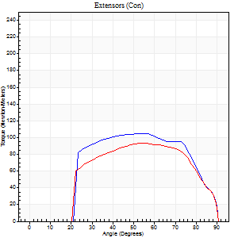
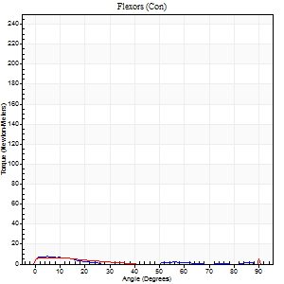
Use File, Preference to set Report Heading
Long Form Torque vs. Position Report - Knee Extension/Flexion
Name: |  |  |  | TR024_101, | ID: | TR024_101 | Right/Left: | 24.08.2020 24.08.2020

Right Side Curves Left Side Curves
Isokinetic Con/Con |  |  |  | Extensors (Con) |  | Flexors (Con)
Speed 240/240 d/s 3 Reps |  |  |  | Value | Cof Var | %BW | Value | Cof Var | %BW | Ratio

TORQUE PARAMETERS
Peak Torque (Newton-Meters - Best Repetition)
Right |  |  |  | 104 | 0.01 | 161 | 8 | 0.14 | 12 | 8
Left |  |  |  | 94 | 0.07 | 143 | 15 | 0.43 | 24 | 16
Deficit |  |  |  | 10 |  |  | 45
Work per Repetition (Newton-Meters - Best Repetition)
Right |  |  |  | 104 | 0.01 | 161 | 3 | 0.23 | 3 | 3
Left |  |  |  | 92 | 0.11 | 143 | 3 | 0.09 | 3 | 3
Deficit |  |  |  | 12 |  |  | 0
Average Power per Repetition (Watts - Best Repetition)
Right |  |  |  | 187 | 0.03 | 288 | 2 | 0.12 | 2 | 1
Left |  |  |  | 165 | 0.12 | 253 | 3 | 0.06 | 4 | 2
Deficit |  |  |  | 12 |  |  | 33
POSITION PARAMETERS
Joint Angle at Peak Torque (Degrees)
Right |  |  |  | 54 | 0.02 |  | 4 | 0.47
Left |  |  |  | 62 | 0.14 |  | 34 | 1.41
Range of Motion (Degrees)
Right |  |  |  | 0 | -0.16 |  | 90 | 0
Left |  |  |  | 0 | -1.41 |  | 90 | 0
TIME PARAMETERS
Time to Peak Torque (Seconds)
Right |  |  |  | 0.22 | 0.03 |  | 0.14 | 0.3
Left |  |  |  | 0.19 | 0.27 |  | 0.6 | 1.15
Time Peak Torque Held (Seconds)
Right |  |  |  | 0.01 | 0.43 |  | 0.03 | 1.42
Left |  |  |  | 0.01 | 0.43 |  | 0 | 0
Force Decay Time (Seconds)
Right |  |  |  | 0.32 | 0.02 |  | 1.34 | 0.14
Left |  |  |  | 0.36 | 0.1 |  | 0.69 | 1.11
Reciprocal Delay (Seconds)
Right |  |  |  | 0.26 | 0.05 |  | 0.56 | 0.14
Left |  |  |  | 0.36 | 0.82 |  | 0.4 | 0.22
Delay Time (Seconds)
Right |  |  |  | -0.02 | -0.71 |  | -0.02 | -0.35
Left |  |  |  | -0.02 | 0 |  | -0.05 | 0
HUMAC2015® Version: 15.000.0074 © Computer Sports Medicine, Inc. www.csmisolutions.com

Use File, Preference to set Report Heading
Isometric - Knee Extension/Flexion
Name: |  |  |  | TR024_101, | ID: | TR024_101 | Right/Left: | 24.08.2020 24.08.2020

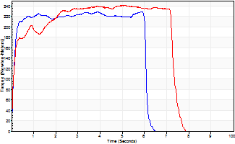
Isometric Extensors (Con) Angle 60 Time 10 Repetition 1 (Best Repetition)
 | Value | Cof Var | %BW
Peak Torque (Newton-Meters)
Right | 229 | 0 | 352
Left | 241 | 0 | 370
Deficit | 5
Average Torque (Newton-Meters)
Right | 132 | 0 | 203
Left | 163 | 0 | 250
Deficit | 19
Peak Torque Slope (Newton-Meters/Seconds)
Right | 39 | 0 | 60
Left | 47 | 0 | 72 |  | Right Side Curves Left Side Curves
Deficit | 18
Time to Half Peak Torque (Seconds)
Right | 0.11 | 0
Left | 0.12 | 0
Time to Peak Torque (Seconds)
Right | 5.88 | 0
Left | 5.1 | 0
HUMAC2015® Version: 15.000.0074 © Computer Sports Medicine, Inc. www.csmisolutions.com

Ark2
Use File, Preference to set Report Heading
Long Form Torque vs. Position Report - Knee Extension/Flexion
Name: |  |  |  | TR024_101, | ID: | TR024_101 | Right/Left: | 26.08.2020 26.08.2020
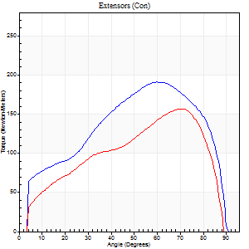
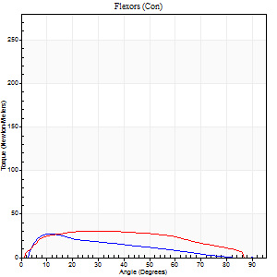
Right Side Curves Left Side Curves
Isokinetic Con/Con |  |  |  | Extensors (Con) |  | Flexors (Con)
Speed 60/60 d/s 3 Reps |  |  |  | Value | Cof Var | %BW | Value | Cof Var | %BW | Ratio

TORQUE PARAMETERS
Peak Torque (Newton-Meters - Best Repetition)
Right |  |  |  | 191 | 0.02 | 295 | 27 | 0.46 | 42 | 14
Left |  |  |  | 157 | 0.05 | 241 | 30 | 0.26 | 45 | 19
Deficit |  |  |  | 18 |  |  | 9
Work per Repetition (Newton-Meters - Best Repetition)
Right |  |  |  | 203 | 0.06 | 313 | 19 | 0.25 | 30 | 9
Left |  |  |  | 165 | 0.09 | 253 | 34 | 0.38 | 51 | 20
Deficit |  |  |  | 19 |  |  | 44
Average Power per Repetition (Watts - Best Repetition)
Right |  |  |  | 132 | 0.05 | 202 | 12 | 0.23 | 18 | 9
Left |  |  |  | 106 | 0.08 | 163 | 22 | 0.38 | 33 | 21
Deficit |  |  |  | 20 |  |  | 45
POSITION PARAMETERS
Joint Angle at Peak Torque (Degrees)
Right |  |  |  | 60 | 0.06 |  | 20 | 0.37
Left |  |  |  | 68 | 0.05 |  | 22 | 0.32
Range of Motion (Degrees)
Right |  |  |  | 1 | 0.57 |  | 90 | 0
Left |  |  |  | 1 | 0.07 |  | 90 | 0
TIME PARAMETERS
Time to Peak Torque (Seconds)
Right |  |  |  | 0.51 | 0.17 |  | 0.32 | 0.44
Left |  |  |  | 0.39 | 0.29 |  | 0.36 | 0.32
Time Peak Torque Held (Seconds)
Right |  |  |  | 0.04 | 0.35 |  | 0.02 | 0.89
Left |  |  |  | 0.04 | 0.42 |  | 0.02 | 1.73
Force Decay Time (Seconds)
Right |  |  |  | 0.97 | 0.06 |  | 1.17 | 0.14
Left |  |  |  | 1.11 | 0.06 |  | 1.15 | 0.08
Reciprocal Delay (Seconds)
Right |  |  |  | 0.42 | 0.03 |  | 0.12 | 0.62
Left |  |  |  | 0.14 | 0 |  | 0.1 | 0.3
Delay Time (Seconds)
Right |  |  |  | -0.01 | 0 |  | 0.07 | 0.52
Left |  |  |  | 0 | -7.07 |  | 0.01 | 0.43
HUMAC2015® Version: 15.000.0074 © Computer Sports Medicine, Inc. www.csmisolutions.com

Use File, Preference to set Report Heading
Long Form Torque vs. Position Report - Knee Extension/Flexion
Name: |  |  |  | TR024_101, | ID: | TR024_101 | Right/Left: | 26.08.2020 26.08.2020
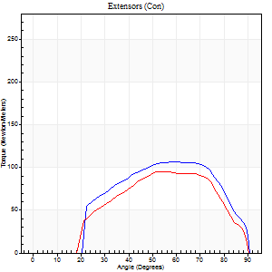
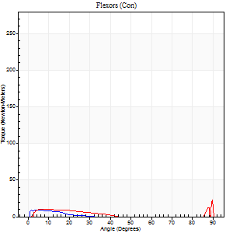
Right Side Curves Left Side Curves
Isokinetic Con/Con |  |  |  | Extensors (Con) |  | Flexors (Con)
Speed 240/240 d/s 3 Reps |  |  |  | Value | Cof Var | %BW | Value | Cof Var | %BW | Ratio

TORQUE PARAMETERS
Peak Torque (Newton-Meters - Best Repetition)
Right |  |  |  | 106 | 0.02 | 164 | 9 | 0.06 | 15 | 9
Left |  |  |  | 95 | 0.07 | 146 | 24 | 0.62 | 39 | 26
Deficit |  |  |  | 10 |  |  | 61
Work per Repetition (Newton-Meters - Best Repetition)
Right |  |  |  | 102 | 0.03 | 155 | 4 | 0.19 | 6 | 4
Left |  |  |  | 88 | 0.09 | 134 | 5 | 0.18 | 9 | 6
Deficit |  |  |  | 13 |  |  | 25
Average Power per Repetition (Watts - Best Repetition)
Right |  |  |  | 178 | 0.02 | 273 | 5 | 0.33 | 7 | 3
Left |  |  |  | 163 | 0.04 | 251 | 6 | 0.1 | 9 | 4
Deficit |  |  |  | 8 |  |  | 17
POSITION PARAMETERS
Joint Angle at Peak Torque (Degrees)
Right |  |  |  | 58 | 0.03 |  | 8 | 0.56
Left |  |  |  | 54 | 0.01 |  | 34 | 1.43
Range of Motion (Degrees)
Right |  |  |  | 0 | -1.41 |  | 90 | 0
Left |  |  |  | 0 | 1.41 |  | 90 | 0
TIME PARAMETERS
Time to Peak Torque (Seconds)
Right |  |  |  | 0.19 | 0.04 |  | 0.16 | 0.33
Left |  |  |  | 0.2 | 0.03 |  | 0.5 | 1.14
Time Peak Torque Held (Seconds)
Right |  |  |  | 0.02 | 0.69 |  | 0.01 | 1.73
Left |  |  |  | 0.01 | 0 |  | 0 | 0
Force Decay Time (Seconds)
Right |  |  |  | 0.34 | 0.02 |  | 0.86 | 0.32
Left |  |  |  | 0.3 | 0.1 |  | 0.41 | 0.89
Reciprocal Delay (Seconds)
Right |  |  |  | 0.26 | 0.38 |  | 0.31 | 0.28
Left |  |  |  | 0.17 | 0.58 |  | 0.17 | 0.5
Delay Time (Seconds)
Right |  |  |  | -0.01 | -0.47 |  | 0 | -9.64
Left |  |  |  | -0.01 | 0 |  | -0.02 | -1.62
HUMAC2015® Version: 15.000.0074 © Computer Sports Medicine, Inc. www.csmisolutions.com

Use File, Preference to set Report Heading
Isometric - Knee Extension/Flexion
Name: |  |  |  | TR024_101, | ID: | TR024_101 | Right/Left: | 26.08.2020 26.08.2020

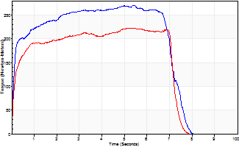
Isometric Extensors (Con) Angle 60 Time 10 Repetition 1 (Best Repetition)
 | Value | Cof Var | %BW
Peak Torque (Newton-Meters)
Right | 271 | 0 | 417
Left | 222 | 0 | 343
Deficit | 18
Average Torque (Newton-Meters)
Right | 178 | 0 | 274
Left | 145 | 0 | 224
Deficit | 18
Peak Torque Slope (Newton-Meters/Seconds)
Right | 50 | 0 | 77
Left | 43 | 0 | 66 |  | Right Side Curves Left Side Curves
Deficit | 14
Time to Half Peak Torque (Seconds)
Right | 0.12 | 0
Left | 0.14 | 0
Time to Peak Torque (Seconds)
Right | 5.41 | 0
Left | 5.18 | 0
HUMAC2015® Version: 15.000.0074 © Computer Sports Medicine, Inc. www.csmisolutions.com

Ark3
Use File, Preference to set Report Heading
Long Form Torque vs. Position Report - Knee Extension/Flexion
Name: |  |  |  | TR024_101, | ID: | TR024_101 | Right/Left: | 30.08.2020 30.08.2020
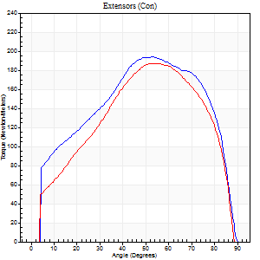
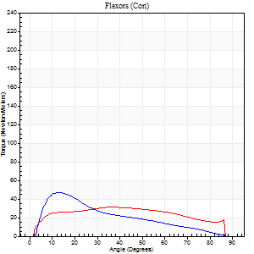
Right Side Curves Left Side Curves
Isokinetic Con/Con |  |  |  | Extensors (Con) |  | Flexors (Con)
Speed 60/60 d/s 3 Reps |  |  |  | Value | Cof Var | %BW | Value | Cof Var | %BW | Ratio

TORQUE PARAMETERS
Peak Torque (Newton-Meters - Best Repetition)
Right |  |  |  | 194 | 0.01 | 298 | 47 | 0.55 | 72 | 24
Left |  |  |  | 187 | 0.07 | 289 | 31 | 0.33 | 48 | 17
Deficit |  |  |  | 3 |  |  | 34
Work per Repetition (Newton-Meters - Best Repetition)
Right |  |  |  | 221 | 0.02 | 340 | 31 | 0.34 | 48 | 14
Left |  |  |  | 198 | 0.05 | 304 | 37 | 0.42 | 57 | 18
Deficit |  |  |  | 10 |  |  | 15
Average Power per Repetition (Watts - Best Repetition)
Right |  |  |  | 146 | 0.03 | 224 | 21 | 0.33 | 33 | 14
Left |  |  |  | 130 | 0.06 | 200 | 24 | 0.44 | 37 | 18
Deficit |  |  |  | 11 |  |  | 13
POSITION PARAMETERS
Joint Angle at Peak Torque (Degrees)
Right |  |  |  | 52 | 0.05 |  | 22 | 0.66
Left |  |  |  | 56 | 0.06 |  | 31 | 0.37
Range of Motion (Degrees)
Right |  |  |  | 0 | 0.71 |  | 90 | 0
Left |  |  |  | 0 | 0.57 |  | 90 | 0
TIME PARAMETERS
Time to Peak Torque (Seconds)
Right |  |  |  | 0.65 | 0.05 |  | 0.35 | 0.7
Left |  |  |  | 0.57 | 0.01 |  | 0.53 | 0.3
Time Peak Torque Held (Seconds)
Right |  |  |  | 0.06 | 0.24 |  | 0.18 | 1.21
Left |  |  |  | 0.07 | 0.14 |  | 0.09 | 0.59
Force Decay Time (Seconds)
Right |  |  |  | 0.82 | 0.05 |  | 0.95 | 0.46
Left |  |  |  | 0.9 | 0.08 |  | 0.92 | 0.25
Reciprocal Delay (Seconds)
Right |  |  |  | 0.09 | 0.42 |  | 0.16 | 0.29
Left |  |  |  | 0.13 | 0.54 |  | 0.17 | 0.28
Delay Time (Seconds)
Right |  |  |  | 0 | 0 |  | 0.04 | 0.63
Left |  |  |  | 0.03 | 0 |  | 0 | 4.58
HUMAC2015® Version: 15.000.0074 © Computer Sports Medicine, Inc. www.csmisolutions.com

Use File, Preference to set Report Heading
Long Form Torque vs. Position Report - Knee Extension/Flexion
Name: |  |  |  | TR024_101, | ID: | TR024_101 | Right/Left: | 30.08.2020 30.08.2020
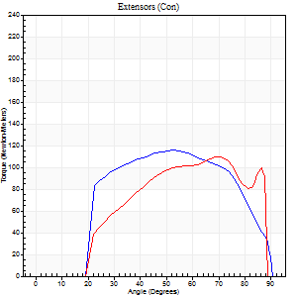
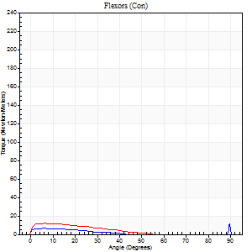
Right Side Curves Left Side Curves
Isokinetic Con/Con |  |  |  | Extensors (Con) |  | Flexors (Con)
Speed 240/240 d/s 3 Reps |  |  |  | Value | Cof Var | %BW | Value | Cof Var | %BW | Ratio

TORQUE PARAMETERS
Peak Torque (Newton-Meters - Best Repetition)
Right |  |  |  | 115 | 0 | 176 | 16 | 0.4 | 24 | 14
Left |  |  |  | 110 | 0.05 | 170 | 12 | 0.13 | 18 | 11
Deficit |  |  |  | 5 |  |  | 25
Work per Repetition (Newton-Meters - Best Repetition)
Right |  |  |  | 118 | 0.02 | 182 | 4 | 0.09 | 6 | 3
Left |  |  |  | 107 | 0.08 | 164 | 7 | 0.33 | 9 | 6
Deficit |  |  |  | 9 |  |  | 40
Average Power per Repetition (Watts - Best Repetition)
Right |  |  |  | 214 | 0.03 | 330 | 4 | 0.15 | 7 | 2
Left |  |  |  | 199 | 0.04 | 305 | 12 | 0.55 | 18 | 6
Deficit |  |  |  | 7 |  |  | 67
POSITION PARAMETERS
Joint Angle at Peak Torque (Degrees)
Right |  |  |  | 59 | 0.2 |  | 62 | 0.79
Left |  |  |  | 57 | 0.18 |  | 6 | 0.61
Range of Motion (Degrees)
Right |  |  |  | 0 | -4.24 |  | 90 | 0
Left |  |  |  | 0 | -1.41 |  | 89 | 0.01
TIME PARAMETERS
Time to Peak Torque (Seconds)
Right |  |  |  | 0.22 | 0 |  | 0.75 | 0.72
Left |  |  |  | 0.21 | 0 |  | 0.14 | 0.37
Time Peak Torque Held (Seconds)
Right |  |  |  | 0.01 | 0.87 |  | 0 | 0
Left |  |  |  | 0.01 | 0.87 |  | 0.02 | 0
Force Decay Time (Seconds)
Right |  |  |  | 0.34 | 0.18 |  | 0.16 | 2.6
Left |  |  |  | 0.34 | 0.15 |  | 0.65 | 0.37
Reciprocal Delay (Seconds)
Right |  |  |  | 0.18 | 0.2 |  | 0.29 | 0.36
Left |  |  |  | 0.25 | 0.61 |  | 0.24 | 0.05
Delay Time (Seconds)
Right |  |  |  | -0.02 | 0 |  | -0.02 | -1.73
Left |  |  |  | 0 | 0 |  | -0.02 | -0.49
HUMAC2015® Version: 15.000.0074 © Computer Sports Medicine, Inc. www.csmisolutions.com

Use File, Preference to set Report Heading
Isometric - Knee Extension/Flexion
Name: |  |  |  | TR024_101, | ID: | TR024_101 | Right/Left: | 30.08.2020 30.08.2020

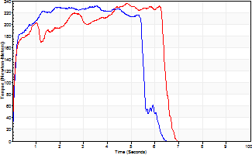
Isometric Extensors (Con) Angle 60 Time 10 Repetition 1 (Best Repetition)
 | Value | Cof Var | %BW
Peak Torque (Newton-Meters)
Right | 232 | 0 | 358
Left | 236 | 0 | 364
Deficit | 2
Average Torque (Newton-Meters)
Right | 121 | 0 | 185
Left | 133 | 0 | 206
Deficit | 9
Peak Torque Slope (Newton-Meters/Seconds)
Right | 65 | 0 | 100
Left | 49 | 0 | 75 |  | Right Side Curves Left Side Curves
Deficit | 25
Time to Half Peak Torque (Seconds)
Right | 0.12 | 0
Left | 0.11 | 0
Time to Peak Torque (Seconds)
Right | 3.53 | 0
Left | 4.82 | 0
HUMAC2015® Version: 15.000.0074 © Computer Sports Medicine, Inc. www.csmisolutions.com

Ark4
Use File, Preference to set Report Heading
Long Form Torque vs. Position Report - Knee Extension/Flexion
Name: |  |  |  | TR024_101, | ID: | TR024_101 | Right/Left: | 03.09.2020 03.09.2020
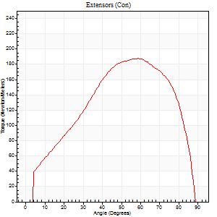
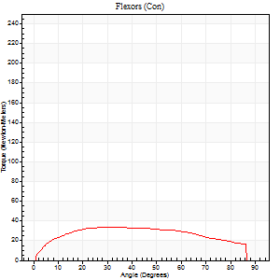
Right Side Curves Left Side Curves
Isokinetic Con/Con |  |  |  | Extensors (Con) |  | Flexors (Con)
Speed 60/60 d/s 3 Reps |  |  |  | Value | Cof Var | %BW | Value | Cof Var | %BW | Ratio

TORQUE PARAMETERS
Peak Torque (Newton-Meters - Best Repetition)
Right |  |  |  | 0 | 0 | 0 | 0 | 0 | 0 | 0
Left |  |  |  | 187 | 0.03 | 289 | 34 | 0.3 | 51 | 18
Deficit |  |  |  | 0 |  |  | 0
Work per Repetition (Newton-Meters - Best Repetition)
Right |  |  |  | 0 | 0 | 0 | 0 | 0 | 0 | 0
Left |  |  |  | 193 | 0.05 | 295 | 41 | 0.37 | 63 | 21
Deficit |  |  |  | 0 |  |  | 0
Average Power per Repetition (Watts - Best Repetition)
Right |  |  |  | 0 | 0 | 0 | 0 | 0 | 0 | 0
Left |  |  |  | 126 | 0.04 | 193 | 26 | 0.33 | 40 | 21
Deficit |  |  |  | 0 |  |  | 0
POSITION PARAMETERS
Joint Angle at Peak Torque (Degrees)
Right |  |  |  | 0 | 0 |  | 0 | 0
Left |  |  |  | 61 | 0.05 |  | 31 | 0.14
Range of Motion (Degrees)
Right |  |  |  | 0 | 0 |  | 0 | 0
Left |  |  |  | 0 | 0.2 |  | 90 | 0
TIME PARAMETERS
Time to Peak Torque (Seconds)
Right |  |  |  | 0 | 0 |  | 0 | 0
Left |  |  |  | 0.49 | 0.03 |  | 0.52 | 0.11
Time Peak Torque Held (Seconds)
Right |  |  |  | 0 | 0 |  | 0 | 0
Left |  |  |  | 0.06 | 0.44 |  | 0.09 | 0.78
Force Decay Time (Seconds)
Right |  |  |  | 0 | 0 |  | 0 | 0
Left |  |  |  | 0.99 | 0.04 |  | 0.9 | 0.06
Reciprocal Delay (Seconds)
Right |  |  |  | 0 | 0 |  | 0 | 0
Left |  |  |  | 0.12 | 0.06 |  | 0.12 | 0.28
Delay Time (Seconds)
Right |  |  |  | 0 | 0 |  | 0 | 0
Left |  |  |  | 0.03 | 0 |  | 0.02 | 0.69
HUMAC2015® Version: 15.000.0074 © Computer Sports Medicine, Inc. www.csmisolutions.com

Use File, Preference to set Report Heading
Long Form Torque vs. Position Report - Knee Extension/Flexion
Name: |  |  |  | TR024_101, | ID: | TR024_101 | Right/Left: | 03.09.2020 03.09.2020
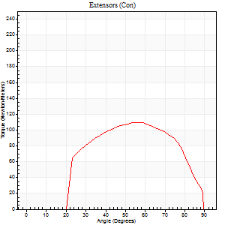
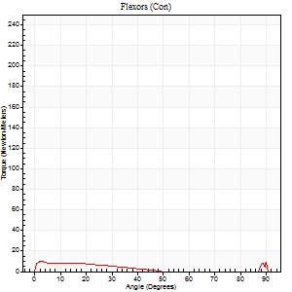
Right Side Curves Left Side Curves
Isokinetic Con/Con |  |  |  | Extensors (Con) |  | Flexors (Con)
Speed 240/240 d/s 3 Reps |  |  |  | Value | Cof Var | %BW | Value | Cof Var | %BW | Ratio

TORQUE PARAMETERS
Peak Torque (Newton-Meters - Best Repetition)
Right |  |  |  | 0 | 0 | 0 | 0 | 0 | 0 | 0
Left |  |  |  | 110 | 0.11 | 170 | 30 | 0.68 | 45 | 27
Deficit |  |  |  | 0 |  |  | 0
Work per Repetition (Newton-Meters - Best Repetition)
Right |  |  |  | 0 | 0 | 0 | 0 | 0 | 0 | 0
Left |  |  |  | 104 | 0.16 | 161 | 5 | 0.08 | 9 | 5
Deficit |  |  |  | 0 |  |  | 0
Average Power per Repetition (Watts - Best Repetition)
Right |  |  |  | 0 | 0 | 0 | 0 | 0 | 0 | 0
Left |  |  |  | 205 | 0.19 | 314 | 6 | 0.08 | 9 | 3
Deficit |  |  |  | 0 |  |  | 0
POSITION PARAMETERS
Joint Angle at Peak Torque (Degrees)
Right |  |  |  | 0 | 0 |  | 0 | 0
Left |  |  |  | 57 | 0.02 |  | 34 | 1.46
Range of Motion (Degrees)
Right |  |  |  | 0 | 0 |  | 0 | 0
Left |  |  |  | 0 | 1.41 |  | 90 | 0
TIME PARAMETERS
Time to Peak Torque (Seconds)
Right |  |  |  | 0 | 0 |  | 0 | 0
Left |  |  |  | 0.19 | 0.04 |  | 0.43 | 1.13
Time Peak Torque Held (Seconds)
Right |  |  |  | 0 | 0 |  | 0 | 0
Left |  |  |  | 0.01 | 0.87 |  | 0.01 | 1.73
Force Decay Time (Seconds)
Right |  |  |  | 0 | 0 |  | 0 | 0
Left |  |  |  | 0.33 | 0.03 |  | 0.41 | 1.21
Reciprocal Delay (Seconds)
Right |  |  |  | 0 | 0 |  | 0 | 0
Left |  |  |  | 0.22 | 0.03 |  | 0.16 | 0.37
Delay Time (Seconds)
Right |  |  |  | 0 | 0 |  | 0 | 0
Left |  |  |  | 0 | 1.41 |  | -0.03 | -0.17
HUMAC2015® Version: 15.000.0074 © Computer Sports Medicine, Inc. www.csmisolutions.com

Use File, Preference to set Report Heading
Isometric - Knee Extension/Flexion
Name: |  |  |  | TR024_101, | ID: | TR024_101 | Right/Left: | 03.09.2020 03.09.2020

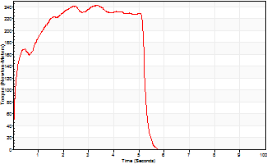
Isometric Extensors (Con) Angle 60 Time 10 Repetition 1 (Best Repetition)
 | Value | Cof Var | %BW
Peak Torque (Newton-Meters)
Right | 0 | 0 | 0
Left | 243 | 0 | 373
Deficit | 0
Average Torque (Newton-Meters)
Right | 0 | 0 | 0
Left | 113 | 0 | 173
Deficit | 0
Peak Torque Slope (Newton-Meters/Seconds)
Right | 0 | 0 | 0
Left | 73 | 0 | 112 |  | Right Side Curves Left Side Curves
Deficit | 0
Time to Half Peak Torque (Seconds)
Right | 0 | 0
Left | 0.13 | 0
Time to Peak Torque (Seconds)
Right | 0 | 0
Left | 3.31 | 0
HUMAC2015® Version: 15.000.0074 © Computer Sports Medicine, Inc. www.csmisolutions.com

Ark5
Use File, Preference to set Report Heading
Long Form Torque vs. Position Report - Knee Extension/Flexion
Name: |  |  |  | TR024_101, | ID: | TR024_101 | Right/Left: | 04.09.2020 04.09.2020
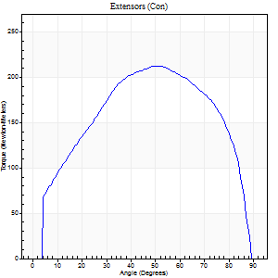
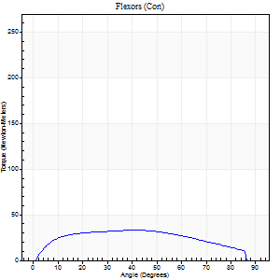
Right Side Curves Left Side Curves
Isokinetic Con/Con |  |  |  | Extensors (Con) |  | Flexors (Con)
Speed 60/60 d/s 3 Reps |  |  |  | Value | Cof Var | %BW | Value | Cof Var | %BW | Ratio

TORQUE PARAMETERS
Peak Torque (Newton-Meters - Best Repetition)
Right |  |  |  | 212 | 0.02 | 325 | 33 | 0.31 | 51 | 15
Left |  |  |  | 0 | 0 | 0 | 0 | 0 | 0 | 0
Deficit |  |  |  | 0 |  |  | 0
Work per Repetition (Newton-Meters - Best Repetition)
Right |  |  |  | 237 | 0.02 | 364 | 38 | 0.3 | 60 | 16
Left |  |  |  | 0 | 0 | 0 | 0 | 0 | 0 | 0
Deficit |  |  |  | 0 |  |  | 0
Average Power per Repetition (Watts - Best Repetition)
Right |  |  |  | 152 | 0.02 | 233 | 25 | 0.3 | 37 | 16
Left |  |  |  | 0 | 0 | 0 | 0 | 0 | 0 | 0
Deficit |  |  |  | 0 |  |  | 0
POSITION PARAMETERS
Joint Angle at Peak Torque (Degrees)
Right |  |  |  | 51 | 0.04 |  | 37 | 0.54
Left |  |  |  | 0 | 0 |  | 0 | 0
Range of Motion (Degrees)
Right |  |  |  | 0 | 0 |  | 90 | 0
Left |  |  |  | 0 | 0 |  | 0 | 0
TIME PARAMETERS
Time to Peak Torque (Seconds)
Right |  |  |  | 0.67 | 0.01 |  | 0.6 | 0.5
Left |  |  |  | 0 | 0 |  | 0 | 0
Time Peak Torque Held (Seconds)
Right |  |  |  | 0.06 | 0.24 |  | 0.03 | 1.73
Left |  |  |  | 0 | 0 |  | 0 | 0
Force Decay Time (Seconds)
Right |  |  |  | 0.85 | 0.08 |  | 0.86 | 0.39
Left |  |  |  | 0 | 0 |  | 0 | 0
Reciprocal Delay (Seconds)
Right |  |  |  | 0.22 | 0.36 |  | 0.14 | 0.33
Left |  |  |  | 0 | 0 |  | 0 | 0
Delay Time (Seconds)
Right |  |  |  | 0.02 | 0 |  | 0.05 | 1.18
Left |  |  |  | 0 | 0 |  | 0 | 0
HUMAC2015® Version: 15.000.0074 © Computer Sports Medicine, Inc. www.csmisolutions.com

Use File, Preference to set Report Heading
Long Form Torque vs. Position Report - Knee Extension/Flexion
Name: |  |  |  | TR024_101, | ID: | TR024_101 | Right/Left: | 04.09.2020 04.09.2020
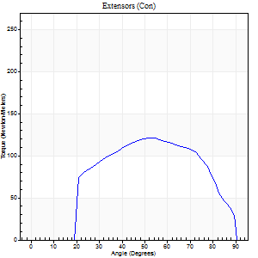
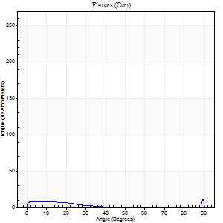
Right Side Curves Left Side Curves
Isokinetic Con/Con |  |  |  | Extensors (Con) |  | Flexors (Con)
Speed 240/240 d/s 3 Reps |  |  |  | Value | Cof Var | %BW | Value | Cof Var | %BW | Ratio

TORQUE PARAMETERS
Peak Torque (Newton-Meters - Best Repetition)
Right |  |  |  | 121 | 0.02 | 185 | 18 | 0.67 | 27 | 15
Left |  |  |  | 0 | 0 | 0 | 0 | 0 | 0 | 0
Deficit |  |  |  | 0 |  |  | 0
Work per Repetition (Newton-Meters - Best Repetition)
Right |  |  |  | 118 | 0.03 | 182 | 4 | 0.27 | 6 | 3
Left |  |  |  | 0 | 0 | 0 | 0 | 0 | 0 | 0
Deficit |  |  |  | 0 |  |  | 0
Average Power per Repetition (Watts - Best Repetition)
Right |  |  |  | 219 | 0.04 | 336 | 4 | 0.31 | 7 | 2
Left |  |  |  | 0 | 0 | 0 | 0 | 0 | 0 | 0
Deficit |  |  |  | 0 |  |  | 0
POSITION PARAMETERS
Joint Angle at Peak Torque (Degrees)
Right |  |  |  | 53 | 0.01 |  | 34 | 1.44
Left |  |  |  | 0 | 0 |  | 0 | 0
Range of Motion (Degrees)
Right |  |  |  | 0 | -1.41 |  | 90 | 0
Left |  |  |  | 0 | 0 |  | 0 | 0
TIME PARAMETERS
Time to Peak Torque (Seconds)
Right |  |  |  | 0.22 | 0.03 |  | 0.45 | 1.19
Left |  |  |  | 0 | 0 |  | 0 | 0
Time Peak Torque Held (Seconds)
Right |  |  |  | 0.01 | 0 |  | 0 | 0
Left |  |  |  | 0 | 0 |  | 0 | 0
Force Decay Time (Seconds)
Right |  |  |  | 0.31 | 0.03 |  | 0.49 | 1.05
Left |  |  |  | 0 | 0 |  | 0 | 0
Reciprocal Delay (Seconds)
Right |  |  |  | 0.11 | 0.64 |  | 0.27 | 0.34
Left |  |  |  | 0 | 0 |  | 0 | 0
Delay Time (Seconds)
Right |  |  |  | -0.01 | -0.47 |  | 0.01 | 9.99
Left |  |  |  | 0 | 0 |  | 0 | 0
HUMAC2015® Version: 15.000.0074 © Computer Sports Medicine, Inc. www.csmisolutions.com

Use File, Preference to set Report Heading
Isometric - Knee Extension/Flexion
Name: |  |  |  | TR024_101, | ID: | TR024_101 | Right/Left: | 04.09.2020 04.09.2020

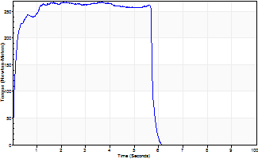
Isometric Extensors (Con) Angle 60 Time 10 Repetition 1 (Best Repetition)
 | Value | Cof Var | %BW
Peak Torque (Newton-Meters)
Right | 267 | 0 | 411
Left | 0 | 0 | 0
Deficit | 0
Average Torque (Newton-Meters)
Right | 146 | 0 | 226
Left | 0 | 0 | 0
Deficit | 0
Peak Torque Slope (Newton-Meters/Seconds)
Right | 76 | 0 | 117
Left | 0 | 0 | 0 |  | Right Side Curves Left Side Curves
Deficit | 0
Time to Half Peak Torque (Seconds)
Right | 0.1 | 0
Left | 0 | 0
Time to Peak Torque (Seconds)
Right | 3.49 | 0
Left | 0 | 0
HUMAC2015® Version: 15.000.0074 © Computer Sports Medicine, Inc. www.csmisolutions.com

Ark6
Use File, Preference to set Report Heading
Long Form Torque vs. Position Report - Knee Extension/Flexion
Name: |  |  |  | TR024_101, | ID: | TR024_101 | Right/Left: | 07.09.2020 07.09.2020
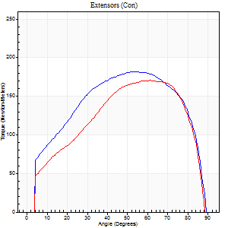
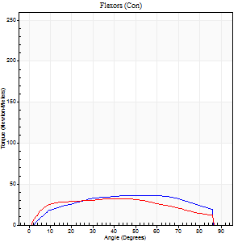
Right Side Curves Left Side Curves
Isokinetic Con/Con |  |  |  | Extensors (Con) |  | Flexors (Con)
Speed 60/60 d/s 3 Reps |  |  |  | Value | Cof Var | %BW | Value | Cof Var | %BW | Ratio

TORQUE PARAMETERS
Peak Torque (Newton-Meters - Best Repetition)
Right |  |  |  | 182 | 0.02 | 280 | 37 | 0.33 | 57 | 20
Left |  |  |  | 171 | 0.04 | 262 | 33 | 0.23 | 51 | 19
Deficit |  |  |  | 6 |  |  | 11
Work per Repetition (Newton-Meters - Best Repetition)
Right |  |  |  | 209 | 0.02 | 322 | 42 | 0.41 | 66 | 20
Left |  |  |  | 183 | 0.04 | 280 | 37 | 0.37 | 57 | 20
Deficit |  |  |  | 12 |  |  | 13
Average Power per Repetition (Watts - Best Repetition)
Right |  |  |  | 139 | 0.02 | 213 | 28 | 0.4 | 44 | 20
Left |  |  |  | 120 | 0.05 | 185 | 24 | 0.36 | 37 | 20
Deficit |  |  |  | 14 |  |  | 14
POSITION PARAMETERS
Joint Angle at Peak Torque (Degrees)
Right |  |  |  | 55 | 0.06 |  | 35 | 0.55
Left |  |  |  | 65 | 0.06 |  | 26 | 0.54
Range of Motion (Degrees)
Right |  |  |  | 1 | 0.06 |  | 90 | 0
Left |  |  |  | 0 | 0.2 |  | 90 | 0
TIME PARAMETERS
Time to Peak Torque (Seconds)
Right |  |  |  | 0.61 | 0.01 |  | 0.57 | 0.54
Left |  |  |  | 0.42 | 0.15 |  | 0.43 | 0.54
Time Peak Torque Held (Seconds)
Right |  |  |  | 0.05 | 0.29 |  | 0.02 | 1.73
Left |  |  |  | 0.09 | 0.24 |  | 0.06 | 0.91
Force Decay Time (Seconds)
Right |  |  |  | 0.87 | 0.07 |  | 0.9 | 0.37
Left |  |  |  | 1.03 | 0.05 |  | 1.03 | 0.25
Reciprocal Delay (Seconds)
Right |  |  |  | 0.11 | 0.13 |  | 0.13 | 0.24
Left |  |  |  | 0.13 | 0.44 |  | 0.15 | 0.1
Delay Time (Seconds)
Right |  |  |  | 0.02 | 0 |  | 0.05 | 0.53
Left |  |  |  | 0.01 | 1.41 |  | 0.02 | 0.25
HUMAC2015® Version: 15.000.0074 © Computer Sports Medicine, Inc. www.csmisolutions.com

Use File, Preference to set Report Heading
Long Form Torque vs. Position Report - Knee Extension/Flexion
Name: |  |  |  | TR024_101, | ID: | TR024_101 | Right/Left: | 07.09.2020 07.09.2020
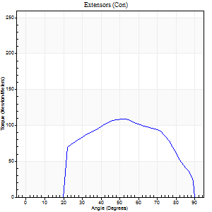
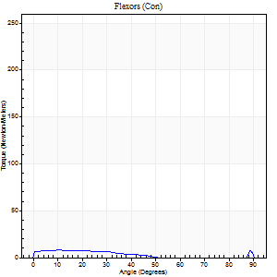
Right Side Curves Left Side Curves
Isokinetic Con/Con |  |  |  | Extensors (Con) |  | Flexors (Con)
Speed 240/240 d/s 3 Reps |  |  |  | Value | Cof Var | %BW | Value | Cof Var | %BW | Ratio

TORQUE PARAMETERS
Peak Torque (Newton-Meters - Best Repetition)
Right |  |  |  | 108 | 0.05 | 167 | 12 | 0.31 | 18 | 11
Left |  |  |  | 0 | 0 | 0 | 0 | 0 | 0 | 0
Deficit |  |  |  | 0 |  |  | 0
Work per Repetition (Newton-Meters - Best Repetition)
Right |  |  |  | 104 | 0.06 | 161 | 5 | 0.4 | 9 | 5
Left |  |  |  | 0 | 0 | 0 | 0 | 0 | 0 | 0
Deficit |  |  |  | 0 |  |  | 0
Average Power per Repetition (Watts - Best Repetition)
Right |  |  |  | 188 | 0.06 | 288 | 6 | 0.51 | 9 | 3
Left |  |  |  | 0 | 0 | 0 | 0 | 0 | 0 | 0
Deficit |  |  |  | 0 |  |  | 0
POSITION PARAMETERS
Joint Angle at Peak Torque (Degrees)
Right |  |  |  | 53 | 0.03 |  | 33 | 1.49
Left |  |  |  | 0 | 0 |  | 0 | 0
Range of Motion (Degrees)
Right |  |  |  | 0 | -0.47 |  | 90 | 0
Left |  |  |  | 0 | 0 |  | 0 | 0
TIME PARAMETERS
Time to Peak Torque (Seconds)
Right |  |  |  | 0.22 | 0 |  | 0.38 | 1.09
Left |  |  |  | 0 | 0 |  | 0 | 0
Time Peak Torque Held (Seconds)
Right |  |  |  | 0.01 | 0.87 |  | 0.01 | 1
Left |  |  |  | 0 | 0 |  | 0 | 0
Force Decay Time (Seconds)
Right |  |  |  | 0.32 | 0.03 |  | 0.53 | 0.96
Left |  |  |  | 0 | 0 |  | 0 | 0
Reciprocal Delay (Seconds)
Right |  |  |  | 0.09 | 0.42 |  | 0.33 | 0.19
Left |  |  |  | 0 | 0 |  | 0 | 0
Delay Time (Seconds)
Right |  |  |  | -0.02 | 0 |  | -0.03 | -0.67
Left |  |  |  | 0 | 0 |  | 0 | 0
HUMAC2015® Version: 15.000.0074 © Computer Sports Medicine, Inc. www.csmisolutions.com

Use File, Preference to set Report Heading
Isometric - Knee Extension/Flexion
Name: |  |  |  | TR024_101, | ID: | TR024_101 | Right/Left: | 07.09.2020 07.09.2020

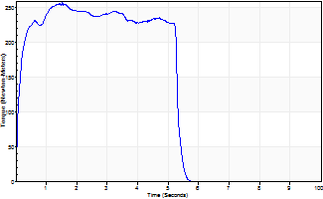
Isometric Extensors (Con) Angle 60 Time 10 Repetition 1 (Best Repetition)
 | Value | Cof Var | %BW
Peak Torque (Newton-Meters)
Right | 258 | 0 | 396
Left | 0 | 0 | 0
Deficit | 0
Average Torque (Newton-Meters)
Right | 123 | 0 | 191
Left | 0 | 0 | 0
Deficit | 0
Peak Torque Slope (Newton-Meters/Seconds)
Right | 168 | 0 | 259
Left | 0 | 0 | 0 |  | Right Side Curves Left Side Curves
Deficit | 0
Time to Half Peak Torque (Seconds)
Right | 0.11 | 0
Left | 0 | 0
Time to Peak Torque (Seconds)
Right | 1.52 | 0
Left | 0 | 0
HUMAC2015® Version: 15.000.0074 © Computer Sports Medicine, Inc. www.csmisolutions.com

Ark7
Use File, Preference to set Report Heading
Long Form Torque vs. Position Report - Knee Extension/Flexion
Name: |  |  |  | TR024_101, | ID: | TR024_101 | Right/Left: | 07.09.2020 07.09.2020
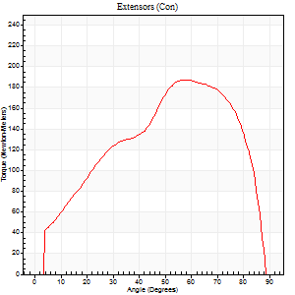
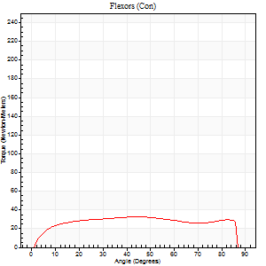
Right Side Curves Left Side Curves
Isokinetic Con/Con |  |  |  | Extensors (Con) |  | Flexors (Con)
Speed 60/60 d/s 3 Reps |  |  |  | Value | Cof Var | %BW | Value | Cof Var | %BW | Ratio

TORQUE PARAMETERS
Peak Torque (Newton-Meters - Best Repetition)
Right |  |  |  | 0 | 0 | 0 | 0 | 0 | 0 | 0
Left |  |  |  | 187 | 0.04 | 289 | 33 | 0.28 | 51 | 17
Deficit |  |  |  | 0 |  |  | 0
Work per Repetition (Newton-Meters - Best Repetition)
Right |  |  |  | 0 | 0 | 0 | 0 | 0 | 0 | 0
Left |  |  |  | 191 | 0.03 | 295 | 41 | 0.48 | 63 | 21
Deficit |  |  |  | 0 |  |  | 0
Average Power per Repetition (Watts - Best Repetition)
Right |  |  |  | 0 | 0 | 0 | 0 | 0 | 0 | 0
Left |  |  |  | 126 | 0.03 | 193 | 27 | 0.48 | 42 | 21
Deficit |  |  |  | 0 |  |  | 0
POSITION PARAMETERS
Joint Angle at Peak Torque (Degrees)
Right |  |  |  | 0 | 0 |  | 0 | 0
Left |  |  |  | 58 | 0.06 |  | 23 | 0.79
Range of Motion (Degrees)
Right |  |  |  | 0 | 0 |  | 0 | 0
Left |  |  |  | 0 | 0.94 |  | 90 | 0.01
TIME PARAMETERS
Time to Peak Torque (Seconds)
Right |  |  |  | 0 | 0 |  | 0 | 0
Left |  |  |  | 0.55 | 0.01 |  | 0.39 | 0.79
Time Peak Torque Held (Seconds)
Right |  |  |  | 0 | 0 |  | 0 | 0
Left |  |  |  | 0.04 | 0.31 |  | 0.04 | 1.03
Force Decay Time (Seconds)
Right |  |  |  | 0 | 0 |  | 0 | 0
Left |  |  |  | 0.96 | 0.04 |  | 1.07 | 0.33
Reciprocal Delay (Seconds)
Right |  |  |  | 0 | 0 |  | 0 | 0
Left |  |  |  | 0.08 | 0.53 |  | 0.14 | 0.62
Delay Time (Seconds)
Right |  |  |  | 0 | 0 |  | 0 | 0
Left |  |  |  | 0.01 | 0.47 |  | 0.01 | 1.15
HUMAC2015® Version: 15.000.0074 © Computer Sports Medicine, Inc. www.csmisolutions.com

Use File, Preference to set Report Heading
Long Form Torque vs. Position Report - Knee Extension/Flexion
Name: |  |  |  | TR024_101, | ID: | TR024_101 | Right/Left: | 07.09.2020 07.09.2020
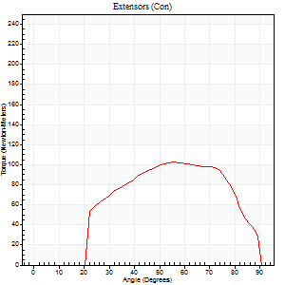
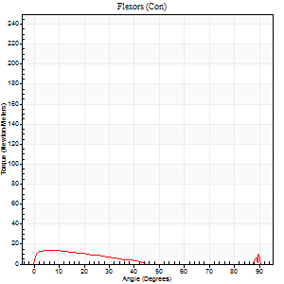
Right Side Curves Left Side Curves
Isokinetic Con/Con |  |  |  | Extensors (Con) |  | Flexors (Con)
Speed 240/240 d/s 3 Reps |  |  |  | Value | Cof Var | %BW | Value | Cof Var | %BW | Ratio

TORQUE PARAMETERS
Peak Torque (Newton-Meters - Best Repetition)
Right |  |  |  | 0 | 0 | 0 | 0 | 0 | 0 | 0
Left |  |  |  | 103 | 0.04 | 158 | 23 | 0.62 | 36 | 22
Deficit |  |  |  | 0 |  |  | 0
Work per Repetition (Newton-Meters - Best Repetition)
Right |  |  |  | 0 | 0 | 0 | 0 | 0 | 0 | 0
Left |  |  |  | 99 | 0.05 | 152 | 7 | 0.39 | 9 | 7
Deficit |  |  |  | 0 |  |  | 0
Average Power per Repetition (Watts - Best Repetition)
Right |  |  |  | 0 | 0 | 0 | 0 | 0 | 0 | 0
Left |  |  |  | 186 | 0.07 | 286 | 9 | 0.42 | 13 | 5
Deficit |  |  |  | 0 |  |  | 0
POSITION PARAMETERS
Joint Angle at Peak Torque (Degrees)
Right |  |  |  | 0 | 0 |  | 0 | 0
Left |  |  |  | 56 | 0.01 |  | 34 | 1.42
Range of Motion (Degrees)
Right |  |  |  | 0 | 0 |  | 0 | 0
Left |  |  |  | 0 | 0.28 |  | 90 | 0
TIME PARAMETERS
Time to Peak Torque (Seconds)
Right |  |  |  | 0 | 0 |  | 0 | 0
Left |  |  |  | 0.19 | 0.04 |  | 0.44 | 1.12
Time Peak Torque Held (Seconds)
Right |  |  |  | 0 | 0 |  | 0 | 0
Left |  |  |  | 0.01 | 0.43 |  | 0.01 | 1.73
Force Decay Time (Seconds)
Right |  |  |  | 0 | 0 |  | 0 | 0
Left |  |  |  | 0.32 | 0.04 |  | 0.41 | 1.22
Reciprocal Delay (Seconds)
Right |  |  |  | 0 | 0 |  | 0 | 0
Left |  |  |  | 0.28 | 0.13 |  | 0.15 | 0.07
Delay Time (Seconds)
Right |  |  |  | 0 | 0 |  | 0 | 0
Left |  |  |  | -0.01 | 0 |  | -0.04 | -0.16
HUMAC2015® Version: 15.000.0074 © Computer Sports Medicine, Inc. www.csmisolutions.com

Use File, Preference to set Report Heading
Isometric - Knee Extension/Flexion
Name: |  |  |  | TR024_101, | ID: | TR024_101 | Right/Left: | 07.09.2020 07.09.2020

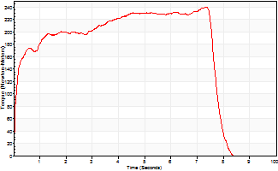
Isometric Extensors (Con) Angle 60 Time 10 Repetition 1 (Best Repetition)
 | Value | Cof Var | %BW
Peak Torque (Newton-Meters)
Right | 0 | 0 | 0
Left | 240 | 0 | 370
Deficit | 0
Average Torque (Newton-Meters)
Right | 0 | 0 | 0
Left | 163 | 0 | 250
Deficit | 0
Peak Torque Slope (Newton-Meters/Seconds)
Right | 0 | 0 | 0
Left | 33 | 0 | 50 |  | Right Side Curves Left Side Curves
Deficit | 0
Time to Half Peak Torque (Seconds)
Right | 0 | 0
Left | 0.14 | 0
Time to Peak Torque (Seconds)
Right | 0 | 0
Left | 7.32 | 0
HUMAC2015® Version: 15.000.0074 © Computer Sports Medicine, Inc. www.csmisolutions.com

Ark8
Use File, Preference to set Report Heading
Long Form Torque vs. Position Report - Knee Extension/Flexion
Name: |  |  |  | TR024_101, | ID: | TR024_101 | Right/Left: | 08.09.2020 08.09.2020
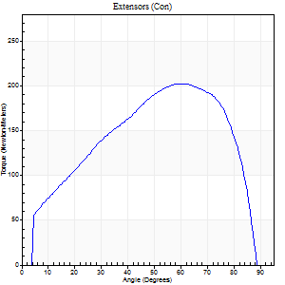
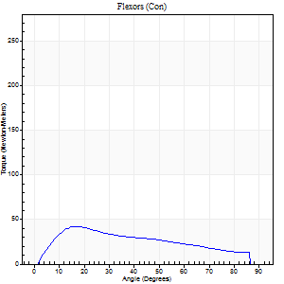
Right Side Curves Left Side Curves
Isokinetic Con/Con |  |  |  | Extensors (Con) |  | Flexors (Con)
Speed 60/60 d/s 3 Reps |  |  |  | Value | Cof Var | %BW | Value | Cof Var | %BW | Ratio

TORQUE PARAMETERS
Peak Torque (Newton-Meters - Best Repetition)
Right |  |  |  | 202 | 0.03 | 310 | 42 | 0.42 | 66 | 21
Left |  |  |  | 0 | 0 | 0 | 0 | 0 | 0 | 0
Deficit |  |  |  | 0 |  |  | 0
Work per Repetition (Newton-Meters - Best Repetition)
Right |  |  |  | 216 | 0.07 | 331 | 39 | 0.46 | 60 | 18
Left |  |  |  | 0 | 0 | 0 | 0 | 0 | 0 | 0
Deficit |  |  |  | 0 |  |  | 0
Average Power per Repetition (Watts - Best Repetition)
Right |  |  |  | 144 | 0.03 | 222 | 26 | 0.45 | 40 | 18
Left |  |  |  | 0 | 0 | 0 | 0 | 0 | 0 | 0
Deficit |  |  |  | 0 |  |  | 0
POSITION PARAMETERS
Joint Angle at Peak Torque (Degrees)
Right |  |  |  | 61 | 0.04 |  | 25 | 0.54
Left |  |  |  | 0 | 0 |  | 0 | 0
Range of Motion (Degrees)
Right |  |  |  | 1 | 0.06 |  | 88 | 0.04
Left |  |  |  | 0 | 0 |  | 0 | 0
TIME PARAMETERS
Time to Peak Torque (Seconds)
Right |  |  |  | 0.46 | 0.09 |  | 0.42 | 0.54
Left |  |  |  | 0 | 0 |  | 0 | 0
Time Peak Torque Held (Seconds)
Right |  |  |  | 0.07 | 0.29 |  | 0.01 | 1.73
Left |  |  |  | 0 | 0 |  | 0 | 0
Force Decay Time (Seconds)
Right |  |  |  | 0.96 | 0.01 |  | 1.08 | 0.2
Left |  |  |  | 0 | 0 |  | 0 | 0
Reciprocal Delay (Seconds)
Right |  |  |  | 0.09 | 0.37 |  | 0.2 | 0.13
Left |  |  |  | 0 | 0 |  | 0 | 0
Delay Time (Seconds)
Right |  |  |  | 0.02 | 0 |  | 0.02 | 1.5
Left |  |  |  | 0 | 0 |  | 0 | 0
HUMAC2015® Version: 15.000.0074 © Computer Sports Medicine, Inc. www.csmisolutions.com

Use File, Preference to set Report Heading
Long Form Torque vs. Position Report - Knee Extension/Flexion
Name: |  |  |  | TR024_101, | ID: | TR024_101 | Right/Left: | 08.09.2020 08.09.2020
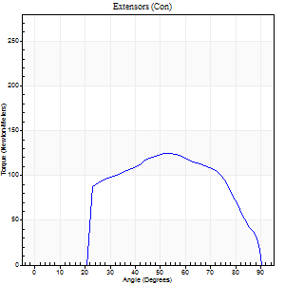
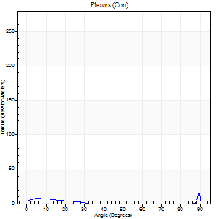
Right Side Curves Left Side Curves
Isokinetic Con/Con |  |  |  | Extensors (Con) |  | Flexors (Con)
Speed 240/240 d/s 3 Reps |  |  |  | Value | Cof Var | %BW | Value | Cof Var | %BW | Ratio

TORQUE PARAMETERS
Peak Torque (Newton-Meters - Best Repetition)
Right |  |  |  | 125 | 0.03 | 191 | 16 | 0.37 | 24 | 13
Left |  |  |  | 0 | 0 | 0 | 0 | 0 | 0 | 0
Deficit |  |  |  | 0 |  |  | 0
Work per Repetition (Newton-Meters - Best Repetition)
Right |  |  |  | 118 | 0.02 | 182 | 4 | 0.12 | 6 | 3
Left |  |  |  | 0 | 0 | 0 | 0 | 0 | 0 | 0
Deficit |  |  |  | 0 |  |  | 0
Average Power per Repetition (Watts - Best Repetition)
Right |  |  |  | 216 | 0.01 | 332 | 5 | 0.18 | 7 | 2
Left |  |  |  | 0 | 0 | 0 | 0 | 0 | 0 | 0
Deficit |  |  |  | 0 |  |  | 0
POSITION PARAMETERS
Joint Angle at Peak Torque (Degrees)
Right |  |  |  | 54 | 0.02 |  | 34 | 1.45
Left |  |  |  | 0 | 0 |  | 0 | 0
Range of Motion (Degrees)
Right |  |  |  | 0 | -0.28 |  | 90 | 0
Left |  |  |  | 0 | 0 |  | 0 | 0
TIME PARAMETERS
Time to Peak Torque (Seconds)
Right |  |  |  | 0.2 | 0.03 |  | 0.4 | 1.15
Left |  |  |  | 0 | 0 |  | 0 | 0
Time Peak Torque Held (Seconds)
Right |  |  |  | 0.01 | 0 |  | 0.01 | 1
Left |  |  |  | 0 | 0 |  | 0 | 0
Force Decay Time (Seconds)
Right |  |  |  | 0.32 | 0 |  | 0.47 | 0.94
Left |  |  |  | 0 | 0 |  | 0 | 0
Reciprocal Delay (Seconds)
Right |  |  |  | 0.11 | 0.26 |  | 0.29 | 0.27
Left |  |  |  | 0 | 0 |  | 0 | 0
Delay Time (Seconds)
Right |  |  |  | -0.01 | -0.47 |  | 0 | 0
Left |  |  |  | 0 | 0 |  | 0 | 0
HUMAC2015® Version: 15.000.0074 © Computer Sports Medicine, Inc. www.csmisolutions.com

Use File, Preference to set Report Heading
Isometric - Knee Extension/Flexion
Name: |  |  |  | TR024_101, | ID: | TR024_101 | Right/Left: | 08.09.2020 08.09.2020

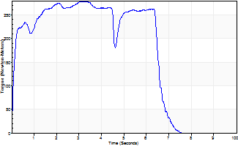
Isometric Extensors (Con) Angle 60 Time 10 Repetition 1 (Best Repetition)
 | Value | Cof Var | %BW
Peak Torque (Newton-Meters)
Right | 279 | 0 | 429
Left | 0 | 0 | 0
Deficit | 0
Average Torque (Newton-Meters)
Right | 167 | 0 | 256
Left | 0 | 0 | 0
Deficit | 0
Peak Torque Slope (Newton-Meters/Seconds)
Right | 88 | 0 | 136
Left | 0 | 0 | 0 |  | Right Side Curves Left Side Curves
Deficit | 0
Time to Half Peak Torque (Seconds)
Right | 0.11 | 0
Left | 0 | 0
Time to Peak Torque (Seconds)
Right | 3.15 | 0
Left | 0 | 0
HUMAC2015® Version: 15.000.0074 © Computer Sports Medicine, Inc. www.csmisolutions.com

Ark9
Use File, Preference to set Report Heading
Long Form Torque vs. Position Report - Knee Extension/Flexion
Name: |  |  |  | TR024_101, | ID: | TR024_101 | Right/Left: | 10.09.2020 10.09.2020
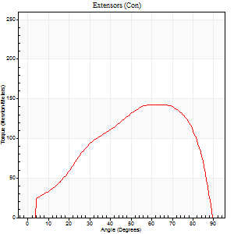
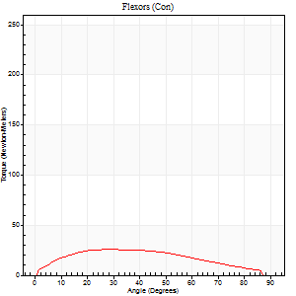
Right Side Curves Left Side Curves
Isokinetic Con/Con |  |  |  | Extensors (Con) |  | Flexors (Con)
Speed 60/60 d/s 3 Reps |  |  |  | Value | Cof Var | %BW | Value | Cof Var | %BW | Ratio

TORQUE PARAMETERS
Peak Torque (Newton-Meters - Best Repetition)
Right |  |  |  | 0 | 0 | 0 | 0 | 0 | 0 | 0
Left |  |  |  | 142 | 0.09 | 218 | 26 | 0.3 | 39 | 18
Deficit |  |  |  | 0 |  |  | 0
Work per Repetition (Newton-Meters - Best Repetition)
Right |  |  |  | 0 | 0 | 0 | 0 | 0 | 0 | 0
Left |  |  |  | 146 | 0.1 | 226 | 33 | 0.42 | 51 | 22
Deficit |  |  |  | 0 |  |  | 0
Average Power per Repetition (Watts - Best Repetition)
Right |  |  |  | 0 | 0 | 0 | 0 | 0 | 0 | 0
Left |  |  |  | 95 | 0.1 | 145 | 21 | 0.41 | 33 | 22
Deficit |  |  |  | 0 |  |  | 0
POSITION PARAMETERS
Joint Angle at Peak Torque (Degrees)
Right |  |  |  | 0 | 0 |  | 0 | 0
Left |  |  |  | 64 | 0.1 |  | 37 | 0.51
Range of Motion (Degrees)
Right |  |  |  | 0 | 0 |  | 0 | 0
Left |  |  |  | 0 | 0.47 |  | 90 | 0.01
TIME PARAMETERS
Time to Peak Torque (Seconds)
Right |  |  |  | 0 | 0 |  | 0 | 0
Left |  |  |  | 0.5 | 0 |  | 0.64 | 0.48
Time Peak Torque Held (Seconds)
Right |  |  |  | 0 | 0 |  | 0 | 0
Left |  |  |  | 0.06 | 0.37 |  | 0.05 | 1.56
Force Decay Time (Seconds)
Right |  |  |  | 0 | 0 |  | 0 | 0
Left |  |  |  | 1.03 | 0.11 |  | 0.86 | 0.3
Reciprocal Delay (Seconds)
Right |  |  |  | 0 | 0 |  | 0 | 0
Left |  |  |  | 0.15 | 0.09 |  | 0.18 | 0.09
Delay Time (Seconds)
Right |  |  |  | 0 | 0 |  | 0 | 0
Left |  |  |  | 0.01 | 0.47 |  | 0 | -1.73
HUMAC2015® Version: 15.000.0074 © Computer Sports Medicine, Inc. www.csmisolutions.com

Use File, Preference to set Report Heading
Long Form Torque vs. Position Report - Knee Extension/Flexion
Name: |  |  |  | TR024_101, | ID: | TR024_101 | Right/Left: | 10.09.2020 10.09.2020
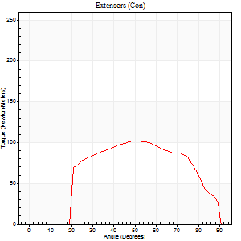
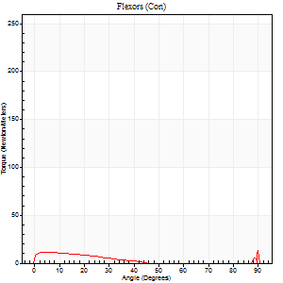
Right Side Curves Left Side Curves
Isokinetic Con/Con |  |  |  | Extensors (Con) |  | Flexors (Con)
Speed 240/240 d/s 3 Reps |  |  |  | Value | Cof Var | %BW | Value | Cof Var | %BW | Ratio

TORQUE PARAMETERS
Peak Torque (Newton-Meters - Best Repetition)
Right |  |  |  | 0 | 0 | 0 | 0 | 0 | 0 | 0
Left |  |  |  | 102 | 0.18 | 155 | 24 | 0.52 | 39 | 24
Deficit |  |  |  | 0 |  |  | 0
Work per Repetition (Newton-Meters - Best Repetition)
Right |  |  |  | 0 | 0 | 0 | 0 | 0 | 0 | 0
Left |  |  |  | 100 | 0.26 | 155 | 5 | 0.36 | 9 | 5
Deficit |  |  |  | 0 |  |  | 0
Average Power per Repetition (Watts - Best Repetition)
Right |  |  |  | 0 | 0 | 0 | 0 | 0 | 0 | 0
Left |  |  |  | 183 | 0.27 | 281 | 7 | 0.42 | 11 | 4
Deficit |  |  |  | 0 |  |  | 0
POSITION PARAMETERS
Joint Angle at Peak Torque (Degrees)
Right |  |  |  | 0 | 0 |  | 0 | 0
Left |  |  |  | 57 | 0.18 |  | 62 | 0.81
Range of Motion (Degrees)
Right |  |  |  | 0 | 0 |  | 0 | 0
Left |  |  |  | 0 | 0 |  | 90 | 0
TIME PARAMETERS
Time to Peak Torque (Seconds)
Right |  |  |  | 0 | 0 |  | 0 | 0
Left |  |  |  | 0.22 | 0 |  | 0.69 | 0.65
Time Peak Torque Held (Seconds)
Right |  |  |  | 0 | 0 |  | 0 | 0
Left |  |  |  | 0.02 | 0.69 |  | 0 | 0
Force Decay Time (Seconds)
Right |  |  |  | 0 | 0 |  | 0 | 0
Left |  |  |  | 0.33 | 0.12 |  | 0.24 | 2.24
Reciprocal Delay (Seconds)
Right |  |  |  | 0 | 0 |  | 0 | 0
Left |  |  |  | 0.15 | 0.05 |  | 0.27 | 0.32
Delay Time (Seconds)
Right |  |  |  | 0 | 0 |  | 0 | 0
Left |  |  |  | -0.01 | 0 |  | -0.04 | -0.25
HUMAC2015® Version: 15.000.0074 © Computer Sports Medicine, Inc. www.csmisolutions.com

Use File, Preference to set Report Heading
Isometric - Knee Extension/Flexion
Name: |  |  |  | TR024_101, | ID: | TR024_101 | Right/Left: | 10.09.2020 10.09.2020

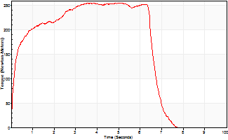
Isometric Extensors (Con) Angle 60 Time 10 Repetition 1 (Best Repetition)
 | Value | Cof Var | %BW
Peak Torque (Newton-Meters)
Right | 0 | 0 | 0
Left | 255 | 0 | 390
Deficit | 0
Average Torque (Newton-Meters)
Right | 0 | 0 | 0
Left | 155 | 0 | 238
Deficit | 0
Peak Torque Slope (Newton-Meters/Seconds)
Right | 0 | 0 | 0
Left | 50 | 0 | 77 |  | Right Side Curves Left Side Curves
Deficit | 0
Time to Half Peak Torque (Seconds)
Right | 0 | 0
Left | 0.19 | 0
Time to Peak Torque (Seconds)
Right | 0 | 0
Left | 5.06 | 0
HUMAC2015® Version: 15.000.0074 © Computer Sports Medicine, Inc. www.csmisolutions.com

Ark10
Use File, Preference to set Report Heading
Long Form Torque vs. Position Report - Knee Extension/Flexion
Name: |  |  |  | TR024_101, | ID: | TR024_101 | Right/Left: | 10.09.2020 10.09.2020
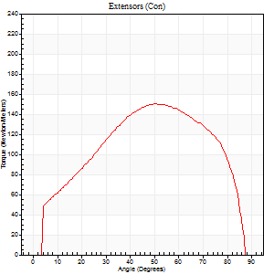
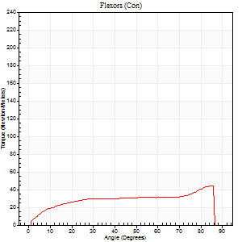
Right Side Curves Left Side Curves
Isokinetic Con/Con |  |  |  | Extensors (Con) |  | Flexors (Con)
Speed 60/60 d/s 3 Reps |  |  |  | Value | Cof Var | %BW | Value | Cof Var | %BW | Ratio

TORQUE PARAMETERS
Peak Torque (Newton-Meters - Best Repetition)
Right |  |  |  | 0 | 0 | 0 | 0 | 0 | 0 | 0
Left |  |  |  | 151 | 0.15 | 232 | 45 | 0.42 | 69 | 30
Deficit |  |  |  | 0 |  |  | 0
Work per Repetition (Newton-Meters - Best Repetition)
Right |  |  |  | 0 | 0 | 0 | 0 | 0 | 0 | 0
Left |  |  |  | 161 | 0.15 | 247 | 43 | 0.43 | 66 | 27
Deficit |  |  |  | 0 |  |  | 0
Average Power per Repetition (Watts - Best Repetition)
Right |  |  |  | 0 | 0 | 0 | 0 | 0 | 0 | 0
Left |  |  |  | 106 | 0.16 | 163 | 28 | 0.42 | 44 | 26
Deficit |  |  |  | 0 |  |  | 0
POSITION PARAMETERS
Joint Angle at Peak Torque (Degrees)
Right |  |  |  | 0 | 0 |  | 0 | 0
Left |  |  |  | 56 | 0.1 |  | 52 | 0.66
Range of Motion (Degrees)
Right |  |  |  | 0 | 0 |  | 0 | 0
Left |  |  |  | 0 | 0.71 |  | 90 | 0
TIME PARAMETERS
Time to Peak Torque (Seconds)
Right |  |  |  | 0 | 0 |  | 0 | 0
Left |  |  |  | 0.56 | 0.16 |  | 0.9 | 0.63
Time Peak Torque Held (Seconds)
Right |  |  |  | 0 | 0 |  | 0 | 0
Left |  |  |  | 0.05 | 0.25 |  | 0.08 | 1.31
Force Decay Time (Seconds)
Right |  |  |  | 0 | 0 |  | 0 | 0
Left |  |  |  | 0.92 | 0.08 |  | 0.55 | 0.82
Reciprocal Delay (Seconds)
Right |  |  |  | 0 | 0 |  | 0 | 0
Left |  |  |  | 0.12 | 0.43 |  | 0.18 | 0.19
Delay Time (Seconds)
Right |  |  |  | 0 | 0 |  | 0 | 0
Left |  |  |  | 0.04 | 0.2 |  | 0 | 0
HUMAC2015® Version: 15.000.0074 © Computer Sports Medicine, Inc. www.csmisolutions.com

Use File, Preference to set Report Heading
Long Form Torque vs. Position Report - Knee Extension/Flexion
Name: |  |  |  | TR024_101, | ID: | TR024_101 | Right/Left: | 10.09.2020 10.09.2020
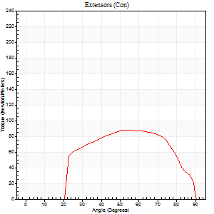
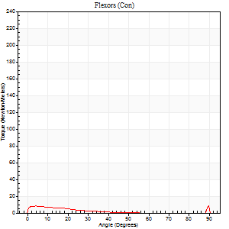
Right Side Curves Left Side Curves
Isokinetic Con/Con |  |  |  | Extensors (Con) |  | Flexors (Con)
Speed 240/240 d/s 3 Reps |  |  |  | Value | Cof Var | %BW | Value | Cof Var | %BW | Ratio

TORQUE PARAMETERS
Peak Torque (Newton-Meters - Best Repetition)
Right |  |  |  | 0 | 0 | 0 | 0 | 0 | 0 | 0
Left |  |  |  | 88 | 0.06 | 134 | 24 | 0.57 | 39 | 28
Deficit |  |  |  | 0 |  |  | 0
Work per Repetition (Newton-Meters - Best Repetition)
Right |  |  |  | 0 | 0 | 0 | 0 | 0 | 0 | 0
Left |  |  |  | 88 | 0.11 | 134 | 4 | 0.27 | 6 | 5
Deficit |  |  |  | 0 |  |  | 0
Average Power per Repetition (Watts - Best Repetition)
Right |  |  |  | 0 | 0 | 0 | 0 | 0 | 0 | 0
Left |  |  |  | 164 | 0.12 | 253 | 4 | 0.36 | 7 | 2
Deficit |  |  |  | 0 |  |  | 0
POSITION PARAMETERS
Joint Angle at Peak Torque (Degrees)
Right |  |  |  | 0 | 0 |  | 0 | 0
Left |  |  |  | 54 | 0.04 |  | 61 | 0.82
Range of Motion (Degrees)
Right |  |  |  | 0 | 0 |  | 0 | 0
Left |  |  |  | 0 | -1.41 |  | 90 | 0
TIME PARAMETERS
Time to Peak Torque (Seconds)
Right |  |  |  | 0 | 0 |  | 0 | 0
Left |  |  |  | 0.21 | 0 |  | 0.74 | 0.68
Time Peak Torque Held (Seconds)
Right |  |  |  | 0 | 0 |  | 0 | 0
Left |  |  |  | 0.01 | 1.73 |  | 0 | 1.73
Force Decay Time (Seconds)
Right |  |  |  | 0 | 0 |  | 0 | 0
Left |  |  |  | 0.32 | 0.06 |  | 0.24 | 2.45
Reciprocal Delay (Seconds)
Right |  |  |  | 0 | 0 |  | 0 | 0
Left |  |  |  | 0.19 | 0.19 |  | 0.27 | 0.13
Delay Time (Seconds)
Right |  |  |  | 0 | 0 |  | 0 | 0
Left |  |  |  | -0.01 | 0 |  | -0.05 | -0.2
HUMAC2015® Version: 15.000.0074 © Computer Sports Medicine, Inc. www.csmisolutions.com

Use File, Preference to set Report Heading
Isometric - Knee Extension/Flexion
Name: |  |  |  | TR024_101, | ID: | TR024_101 | Right/Left: | 10.09.2020 10.09.2020

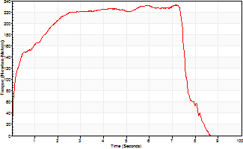
Isometric Extensors (Con) Angle 60 Time 10 Repetition 1 (Best Repetition)
 | Value | Cof Var | %BW
Peak Torque (Newton-Meters)
Right | 0 | 0 | 0
Left | 232 | 0 | 358
Deficit | 0
Average Torque (Newton-Meters)
Right | 0 | 0 | 0
Left | 160 | 0 | 247
Deficit | 0
Peak Torque Slope (Newton-Meters/Seconds)
Right | 0 | 0 | 0
Left | 32 | 0 | 50 |  | Right Side Curves Left Side Curves
Deficit | 0
Time to Half Peak Torque (Seconds)
Right | 0 | 0
Left | 0.23 | 0
Time to Peak Torque (Seconds)
Right | 0 | 0
Left | 7.18 | 0
HUMAC2015® Version: 15.000.0074 © Computer Sports Medicine, Inc. www.csmisolutions.com

Ark11
Use File, Preference to set Report Heading
Long Form Torque vs. Position Report - Knee Extension/Flexion
Name: |  |  |  | TR024_101, | ID: | TR024_101 | Right/Left: | 10.09.2020 10.09.2020


Right Side Curves Left Side Curves
Isokinetic Con/Con |  |  |  | Extensors (Con) |  | Flexors (Con)
Speed 60/60 d/s 3 Reps |  |  |  | Value | Cof Var | %BW | Value | Cof Var | %BW | Ratio

TORQUE PARAMETERS
Peak Torque (Newton-Meters - Best Repetition)
Right |  |  |  | 0 | 0 | 0 | 0 | 0 | 0 | 0
Left |  |  |  | 144 | 0.07 | 221 | 26 | 0.2 | 39 | 18
Deficit |  |  |  | 0 |  |  | 0
Work per Repetition (Newton-Meters - Best Repetition)
Right |  |  |  | 0 | 0 | 0 | 0 | 0 | 0 | 0
Left |  |  |  | 149 | 0.08 | 229 | 30 | 0.33 | 45 | 20
Deficit |  |  |  | 0 |  |  | 0
Average Power per Repetition (Watts - Best Repetition)
Right |  |  |  | 0 | 0 | 0 | 0 | 0 | 0 | 0
Left |  |  |  | 99 | 0.09 | 152 | 19 | 0.32 | 29 | 19
Deficit |  |  |  | 0 |  |  | 0
POSITION PARAMETERS
Joint Angle at Peak Torque (Degrees)
Right |  |  |  | 0 | 0 |  | 0 | 0
Left |  |  |  | 55 | 0.1 |  | 31 | 0.38
Range of Motion (Degrees)
Right |  |  |  | 0 | 0 |  | 0 | 0
Left |  |  |  | 0 | 0.54 |  | 90 | 0
TIME PARAMETERS
Time to Peak Torque (Seconds)
Right |  |  |  | 0 | 0 |  | 0 | 0
Left |  |  |  | 0.62 | 0.07 |  | 0.55 | 0.36
Time Peak Torque Held (Seconds)
Right |  |  |  | 0 | 0 |  | 0 | 0
Left |  |  |  | 0.04 | 0.35 |  | 0.08 | 0.94
Force Decay Time (Seconds)
Right |  |  |  | 0 | 0 |  | 0 | 0
Left |  |  |  | 0.9 | 0.12 |  | 0.93 | 0.27
Reciprocal Delay (Seconds)
Right |  |  |  | 0 | 0 |  | 0 | 0
Left |  |  |  | 0.18 | 0.08 |  | 0.15 | 0.14
Delay Time (Seconds)
Right |  |  |  | 0 | 0 |  | 0 | 0
Left |  |  |  | 0.02 | 0.28 |  | 0 | -1.73
HUMAC2015® Version: 15.000.0074 © Computer Sports Medicine, Inc. www.csmisolutions.com

Use File, Preference to set Report Heading
Long Form Torque vs. Position Report - Knee Extension/Flexion
Name: |  |  |  | TR024_101, | ID: | TR024_101 | Right/Left: | 10.09.2020 10.09.2020


Right Side Curves Left Side Curves
Isokinetic Con/Con |  |  |  | Extensors (Con) |  | Flexors (Con)
Speed 240/240 d/s 3 Reps |  |  |  | Value | Cof Var | %BW | Value | Cof Var | %BW | Ratio

TORQUE PARAMETERS
Peak Torque (Newton-Meters - Best Repetition)
Right |  |  |  | 0 | 0 | 0 | 0 | 0 | 0 | 0
Left |  |  |  | 100 | 0.19 | 155 | 30 | 0.98 | 45 | 30
Deficit |  |  |  | 0 |  |  | 0
Work per Repetition (Newton-Meters - Best Repetition)
Right |  |  |  | 0 | 0 | 0 | 0 | 0 | 0 | 0
Left |  |  |  | 99 | 0.21 | 152 | 4 | 0.53 | 6 | 4
Deficit |  |  |  | 0 |  |  | 0
Average Power per Repetition (Watts - Best Repetition)
Right |  |  |  | 0 | 0 | 0 | 0 | 0 | 0 | 0
Left |  |  |  | 192 | 0.22 | 295 | 5 | 0.67 | 7 | 3
Deficit |  |  |  | 0 |  |  | 0
POSITION PARAMETERS
Joint Angle at Peak Torque (Degrees)
Right |  |  |  | 0 | 0 |  | 0 | 0
Left |  |  |  | 56 | 0.15 |  | 32 | 1.56
Range of Motion (Degrees)
Right |  |  |  | 0 | 0 |  | 0 | 0
Left |  |  |  | 0 | 1.18 |  | 90 | 0
TIME PARAMETERS
Time to Peak Torque (Seconds)
Right |  |  |  | 0 | 0 |  | 0 | 0
Left |  |  |  | 0.21 | 0 |  | 0.43 | 1.14
Time Peak Torque Held (Seconds)
Right |  |  |  | 0 | 0 |  | 0 | 0
Left |  |  |  | 0.02 | 1.25 |  | 0.02 | 1.38
Force Decay Time (Seconds)
Right |  |  |  | 0 | 0 |  | 0 | 0
Left |  |  |  | 0.31 | 0.06 |  | 0.54 | 1.11
Reciprocal Delay (Seconds)
Right |  |  |  | 0 | 0 |  | 0 | 0
Left |  |  |  | 0.16 | 0.68 |  | 0.21 | 0.52
Delay Time (Seconds)
Right |  |  |  | 0 | 0 |  | 0 | 0
Left |  |  |  | 0 | 0 |  | -0.05 | -0.43
HUMAC2015® Version: 15.000.0074 © Computer Sports Medicine, Inc. www.csmisolutions.com

Use File, Preference to set Report Heading
Isometric - Knee Extension/Flexion
Name: |  |  |  | TR024_101, | ID: | TR024_101 | Right/Left: | 10.09.2020 10.09.2020


Isometric Extensors (Con) Angle 60 Time 10 Repetition 1 (Best Repetition)
 | Value | Cof Var | %BW
Peak Torque (Newton-Meters)
Right | 0 | 0 | 0
Left | 255 | 0 | 390
Deficit | 0
Average Torque (Newton-Meters)
Right | 0 | 0 | 0
Left | 174 | 0 | 268
Deficit | 0
Peak Torque Slope (Newton-Meters/Seconds)
Right | 0 | 0 | 0
Left | 63 | 0 | 96 |  | Right Side Curves Left Side Curves
Deficit | 0
Time to Half Peak Torque (Seconds)
Right | 0 | 0
Left | 0.15 | 0
Time to Peak Torque (Seconds)
Right | 0 | 0
Left | 4.06 | 0
HUMAC2015® Version: 15.000.0074 © Computer Sports Medicine, Inc. www.csmisolutions.com

Ark12
Use File, Preference to set Report Heading
Long Form Torque vs. Position Report - Knee Extension/Flexion
Name: |  |  |  | TR024_101, | ID: | TR024_101 | Right/Left: | 11.09.2020 11.09.2020


Right Side Curves Left Side Curves
Isokinetic Con/Con |  |  |  | Extensors (Con) |  | Flexors (Con)
Speed 60/60 d/s 3 Reps |  |  |  | Value | Cof Var | %BW | Value | Cof Var | %BW | Ratio

TORQUE PARAMETERS
Peak Torque (Newton-Meters - Best Repetition)
Right |  |  |  | 180 | 0.05 | 277 | 28 | 0.48 | 45 | 16
Left |  |  |  | 183 | 0.04 | 280 | 42 | 0.39 | 66 | 23
Deficit |  |  |  | 1 |  |  | 32
Work per Repetition (Newton-Meters - Best Repetition)
Right |  |  |  | 174 | 0.1 | 268 | 31 | 0.52 | 48 | 18
Left |  |  |  | 190 | 0.06 | 292 | 38 | 0.44 | 60 | 20
Deficit |  |  |  | 9 |  |  | 18
Average Power per Repetition (Watts - Best Repetition)
Right |  |  |  | 116 | 0.09 | 178 | 20 | 0.5 | 31 | 17
Left |  |  |  | 125 | 0.06 | 191 | 24 | 0.43 | 37 | 19
Deficit |  |  |  | 7 |  |  | 17
POSITION PARAMETERS
Joint Angle at Peak Torque (Degrees)
Right |  |  |  | 65 | 0.04 |  | 56 | 0.28
Left |  |  |  | 58 | 0.01 |  | 17 | 0.07
Range of Motion (Degrees)
Right |  |  |  | 2 | 0 |  | 90 | 0
Left |  |  |  | 0 | 0 |  | 90 | 0
TIME PARAMETERS
Time to Peak Torque (Seconds)
Right |  |  |  | 0.44 | 0.05 |  | 0.93 | 0.28
Left |  |  |  | 0.5 | 0.01 |  | 0.3 | 0.09
Time Peak Torque Held (Seconds)
Right |  |  |  | 0.05 | 0.22 |  | 0.04 | 1.04
Left |  |  |  | 0.05 | 0.39 |  | 0.04 | 0.96
Force Decay Time (Seconds)
Right |  |  |  | 1.01 | 0.03 |  | 0.54 | 0.48
Left |  |  |  | 0.95 | 0.02 |  | 1.2 | 0.03
Reciprocal Delay (Seconds)
Right |  |  |  | 0.18 | 0.04 |  | 0.1 | 0.26
Left |  |  |  | 0.16 | 0.09 |  | 0.17 | 0.16
Delay Time (Seconds)
Right |  |  |  | 0 | 1.41 |  | 0.05 | 1.53
Left |  |  |  | 0.02 | 0.28 |  | 0.01 | 2.29
HUMAC2015® Version: 15.000.0074 © Computer Sports Medicine, Inc. www.csmisolutions.com

Use File, Preference to set Report Heading
Long Form Torque vs. Position Report - Knee Extension/Flexion
Name: |  |  |  | TR024_101, | ID: | TR024_101 | Right/Left: | 11.09.2020 11.09.2020


Right Side Curves Left Side Curves
Isokinetic Con/Con |  |  |  | Extensors (Con) |  | Flexors (Con)
Speed 240/240 d/s 3 Reps |  |  |  | Value | Cof Var | %BW | Value | Cof Var | %BW | Ratio

TORQUE PARAMETERS
Peak Torque (Newton-Meters - Best Repetition)
Right |  |  |  | 88 | 0.04 | 134 | 7 | 0.33 | 9 | 8
Left |  |  |  | 111 | 0.01 | 170 | 28 | 0.79 | 45 | 26
Deficit |  |  |  | 21 |  |  | 76
Work per Repetition (Newton-Meters - Best Repetition)
Right |  |  |  | 79 | 0.04 | 122 | 3 | 0.37 | 3 | 3
Left |  |  |  | 107 | 0.14 | 164 | 4 | 0.3 | 6 | 4
Deficit |  |  |  | 27 |  |  | 33
Average Power per Repetition (Watts - Best Repetition)
Right |  |  |  | 152 | 0.09 | 233 | 3 | 0.54 | 4 | 2
Left |  |  |  | 205 | 0.05 | 314 | 5 | 0.54 | 7 | 2
Deficit |  |  |  | 26 |  |  | 40
POSITION PARAMETERS
Joint Angle at Peak Torque (Degrees)
Right |  |  |  | 59 | 0.05 |  | 60 | 0.83
Left |  |  |  | 57 | 0.14 |  | 32 | 1.57
Range of Motion (Degrees)
Right |  |  |  | 1 | 0.33 |  | 90 | 0
Left |  |  |  | 0 | 0.16 |  | 88 | 0.03
TIME PARAMETERS
Time to Peak Torque (Seconds)
Right |  |  |  | 0.21 | 0 |  | 0.77 | 0.72
Left |  |  |  | 0.2 | 0 |  | 0.38 | 1.17
Time Peak Torque Held (Seconds)
Right |  |  |  | 0.01 | 0.43 |  | 0.01 | 1.73
Left |  |  |  | 0.01 | 0.87 |  | 0.01 | 1.73
Force Decay Time (Seconds)
Right |  |  |  | 0.3 | 0.11 |  | 0.41 | 1.94
Left |  |  |  | 0.33 | 0.14 |  | 0.79 | 1.03
Reciprocal Delay (Seconds)
Right |  |  |  | 0.25 | 0.25 |  | 0.19 | 0.88
Left |  |  |  | 0.13 | 0.33 |  | 0.16 | 0.1
Delay Time (Seconds)
Right |  |  |  | -0.04 | -0.2 |  | -0.05 | -0.76
Left |  |  |  | 0 | 0 |  | -0.05 | -0.2
HUMAC2015® Version: 15.000.0074 © Computer Sports Medicine, Inc. www.csmisolutions.com

Use File, Preference to set Report Heading
Isometric - Knee Extension/Flexion
Name: |  |  |  | TR024_101, | ID: | TR024_101 | Right/Left: | 11.09.2020 11.09.2020


Isometric Extensors (Con) Angle 60 Time 10 Repetition 1 (Best Repetition)
 | Value | Cof Var | %BW
Peak Torque (Newton-Meters)
Right | 268 | 0 | 411
Left | 250 | 0 | 384
Deficit | 7
Average Torque (Newton-Meters)
Right | 176 | 0 | 271
Left | 168 | 0 | 259
Deficit | 5
Peak Torque Slope (Newton-Meters/Seconds)
Right | 54 | 0 | 83
Left | 91 | 0 | 140 |  | Right Side Curves Left Side Curves
Deficit | 41
Time to Half Peak Torque (Seconds)
Right | 0.19 | 0
Left | 0.18 | 0
Time to Peak Torque (Seconds)
Right | 4.99 | 0
Left | 2.74 | 0
HUMAC2015® Version: 15.000.0074 © Computer Sports Medicine, Inc. www.csmisolutions.com

Ark13
Use File, Preference to set Report Heading
Long Form Torque vs. Position Report - Knee Extension/Flexion
Name: |  |  |  | TR024_101, | ID: | TR024_101 | Right/Left: | 11.09.2020 11.09.2020


Right Side Curves Left Side Curves
Isokinetic Con/Con |  |  |  | Extensors (Con) |  | Flexors (Con)
Speed 60/60 d/s 3 Reps |  |  |  | Value | Cof Var | %BW | Value | Cof Var | %BW | Ratio

TORQUE PARAMETERS
Peak Torque (Newton-Meters - Best Repetition)
Right |  |  |  | 175 | 0.01 | 268 | 35 | 0.49 | 54 | 20
Left |  |  |  | 0 | 0 | 0 | 0 | 0 | 0 | 0
Deficit |  |  |  | 0 |  |  | 0
Work per Repetition (Newton-Meters - Best Repetition)
Right |  |  |  | 198 | 0.05 | 304 | 41 | 0.55 | 63 | 21
Left |  |  |  | 0 | 0 | 0 | 0 | 0 | 0 | 0
Deficit |  |  |  | 0 |  |  | 0
Average Power per Repetition (Watts - Best Repetition)
Right |  |  |  | 130 | 0.05 | 200 | 27 | 0.54 | 42 | 21
Left |  |  |  | 0 | 0 | 0 | 0 | 0 | 0 | 0
Deficit |  |  |  | 0 |  |  | 0
POSITION PARAMETERS
Joint Angle at Peak Torque (Degrees)
Right |  |  |  | 53 | 0.04 |  | 42 | 0.41
Left |  |  |  | 0 | 0 |  | 0 | 0
Range of Motion (Degrees)
Right |  |  |  | 0 | 0.13 |  | 89 | 0
Left |  |  |  | 0 | 0 |  | 0 | 0
TIME PARAMETERS
Time to Peak Torque (Seconds)
Right |  |  |  | 0.62 | 0 |  | 0.68 | 0.39
Left |  |  |  | 0 | 0 |  | 0 | 0
Time Peak Torque Held (Seconds)
Right |  |  |  | 0.08 | 0.28 |  | 0.02 | 0.92
Left |  |  |  | 0 | 0 |  | 0 | 0
Force Decay Time (Seconds)
Right |  |  |  | 0.83 | 0.06 |  | 0.78 | 0.32
Left |  |  |  | 0 | 0 |  | 0 | 0
Reciprocal Delay (Seconds)
Right |  |  |  | 0.16 | 0.05 |  | 0.17 | 0.19
Left |  |  |  | 0 | 0 |  | 0 | 0
Delay Time (Seconds)
Right |  |  |  | 0.01 | 0 |  | 0.07 | 0.25
Left |  |  |  | 0 | 0 |  | 0 | 0
HUMAC2015® Version: 15.000.0074 © Computer Sports Medicine, Inc. www.csmisolutions.com

Use File, Preference to set Report Heading
Long Form Torque vs. Position Report - Knee Extension/Flexion
Name: |  |  |  | TR024_101, | ID: | TR024_101 | Right/Left: | 11.09.2020 11.09.2020


Right Side Curves Left Side Curves
Isokinetic Con/Con |  |  |  | Extensors (Con) |  | Flexors (Con)
Speed 240/240 d/s 3 Reps |  |  |  | Value | Cof Var | %BW | Value | Cof Var | %BW | Ratio

TORQUE PARAMETERS
Peak Torque (Newton-Meters - Best Repetition)
Right |  |  |  | 110 | 0.05 | 170 | 16 | 0.47 | 24 | 15
Left |  |  |  | 0 | 0 | 0 | 0 | 0 | 0 | 0
Deficit |  |  |  | 0 |  |  | 0
Work per Repetition (Newton-Meters - Best Repetition)
Right |  |  |  | 110 | 0.09 | 170 | 4 | 0.36 | 6 | 4
Left |  |  |  | 0 | 0 | 0 | 0 | 0 | 0 | 0
Deficit |  |  |  | 0 |  |  | 0
Average Power per Repetition (Watts - Best Repetition)
Right |  |  |  | 200 | 0.08 | 308 | 5 | 0.53 | 7 | 2
Left |  |  |  | 0 | 0 | 0 | 0 | 0 | 0 | 0
Deficit |  |  |  | 0 |  |  | 0
POSITION PARAMETERS
Joint Angle at Peak Torque (Degrees)
Right |  |  |  | 54 | 0.04 |  | 61 | 0.81
Left |  |  |  | 0 | 0 |  | 0 | 0
Range of Motion (Degrees)
Right |  |  |  | 0 | -1.41 |  | 89 | 0
Left |  |  |  | 0 | 0 |  | 0 | 0
TIME PARAMETERS
Time to Peak Torque (Seconds)
Right |  |  |  | 0.22 | 0.03 |  | 0.71 | 0.63
Left |  |  |  | 0 | 0 |  | 0 | 0
Time Peak Torque Held (Seconds)
Right |  |  |  | 0.01 | 0.87 |  | 0.01 | 1.73
Left |  |  |  | 0 | 0 |  | 0 | 0
Force Decay Time (Seconds)
Right |  |  |  | 0.32 | 0.02 |  | 0.32 | 2.27
Left |  |  |  | 0 | 0 |  | 0 | 0
Reciprocal Delay (Seconds)
Right |  |  |  | 0.17 | 0.08 |  | 0.33 | 0.31
Left |  |  |  | 0 | 0 |  | 0 | 0
Delay Time (Seconds)
Right |  |  |  | -0.01 | -0.47 |  | -0.04 | -0.25
Left |  |  |  | 0 | 0 |  | 0 | 0
HUMAC2015® Version: 15.000.0074 © Computer Sports Medicine, Inc. www.csmisolutions.com

Use File, Preference to set Report Heading
Isometric - Knee Extension/Flexion
Name: |  |  |  | TR024_101, | ID: | TR024_101 | Right/Left: | 11.09.2020 11.09.2020


Isometric Extensors (Con) Angle 60 Time 10 Repetition 1 (Best Repetition)
 | Value | Cof Var | %BW
Peak Torque (Newton-Meters)
Right | 236 | 0 | 364
Left | 0 | 0 | 0
Deficit | 0
Average Torque (Newton-Meters)
Right | 160 | 0 | 247
Left | 0 | 0 | 0
Deficit | 0
Peak Torque Slope (Newton-Meters/Seconds)
Right | 52 | 0 | 79
Left | 0 | 0 | 0 |  | Right Side Curves Left Side Curves
Deficit | 0
Time to Half Peak Torque (Seconds)
Right | 0.12 | 0
Left | 0 | 0
Time to Peak Torque (Seconds)
Right | 4.57 | 0
Left | 0 | 0
HUMAC2015® Version: 15.000.0074 © Computer Sports Medicine, Inc. www.csmisolutions.com

Ark14
Use File, Preference to set Report Heading
Long Form Torque vs. Position Report - Knee Extension/Flexion
Name: |  |  |  | TR024_101, | ID: | TR024_101 | Right/Left: | 11.09.2020 11.09.2020


Right Side Curves Left Side Curves
Isokinetic Con/Con |  |  |  | Extensors (Con) |  | Flexors (Con)
Speed 60/60 d/s 3 Reps |  |  |  | Value | Cof Var | %BW | Value | Cof Var | %BW | Ratio

TORQUE PARAMETERS
Peak Torque (Newton-Meters - Best Repetition)
Right |  |  |  | 194 | 0.04 | 298 | 28 | 0.38 | 45 | 15
Left |  |  |  | 0 | 0 | 0 | 0 | 0 | 0 | 0
Deficit |  |  |  | 0 |  |  | 0
Work per Repetition (Newton-Meters - Best Repetition)
Right |  |  |  | 210 | 0.09 | 322 | 31 | 0.49 | 48 | 15
Left |  |  |  | 0 | 0 | 0 | 0 | 0 | 0 | 0
Deficit |  |  |  | 0 |  |  | 0
Average Power per Repetition (Watts - Best Repetition)
Right |  |  |  | 137 | 0.08 | 211 | 21 | 0.48 | 33 | 15
Left |  |  |  | 0 | 0 | 0 | 0 | 0 | 0 | 0
Deficit |  |  |  | 0 |  |  | 0
POSITION PARAMETERS
Joint Angle at Peak Torque (Degrees)
Right |  |  |  | 61 | 0.01 |  | 40 | 0.35
Left |  |  |  | 0 | 0 |  | 0 | 0
Range of Motion (Degrees)
Right |  |  |  | 0 | 0.66 |  | 90 | 0
Left |  |  |  | 0 | 0 |  | 0 | 0
TIME PARAMETERS
Time to Peak Torque (Seconds)
Right |  |  |  | 0.49 | 0.03 |  | 0.65 | 0.35
Left |  |  |  | 0 | 0 |  | 0 | 0
Time Peak Torque Held (Seconds)
Right |  |  |  | 0.07 | 0.23 |  | 0.04 | 1.73
Left |  |  |  | 0 | 0 |  | 0 | 0
Force Decay Time (Seconds)
Right |  |  |  | 0.96 | 0.02 |  | 0.79 | 0.27
Left |  |  |  | 0 | 0 |  | 0 | 0
Reciprocal Delay (Seconds)
Right |  |  |  | 0.12 | 0.28 |  | 0.12 | 0.17
Left |  |  |  | 0 | 0 |  | 0 | 0
Delay Time (Seconds)
Right |  |  |  | 0 | 1.41 |  | 0.07 | 0
Left |  |  |  | 0 | 0 |  | 0 | 0
HUMAC2015® Version: 15.000.0074 © Computer Sports Medicine, Inc. www.csmisolutions.com

Use File, Preference to set Report Heading
Long Form Torque vs. Position Report - Knee Extension/Flexion
Name: |  |  |  | TR024_101, | ID: | TR024_101 | Right/Left: | 11.09.2020 11.09.2020


Right Side Curves Left Side Curves
Isokinetic Con/Con |  |  |  | Extensors (Con) |  | Flexors (Con)
Speed 240/240 d/s 3 Reps |  |  |  | Value | Cof Var | %BW | Value | Cof Var | %BW | Ratio

TORQUE PARAMETERS
Peak Torque (Newton-Meters - Best Repetition)
Right |  |  |  | 113 | 0.08 | 173 | 5 | 0.22 | 9 | 5
Left |  |  |  | 0 | 0 | 0 | 0 | 0 | 0 | 0
Deficit |  |  |  | 0 |  |  | 0
Work per Repetition (Newton-Meters - Best Repetition)
Right |  |  |  | 115 | 0.12 | 176 | 3 | 0.18 | 3 | 2
Left |  |  |  | 0 | 0 | 0 | 0 | 0 | 0 | 0
Deficit |  |  |  | 0 |  |  | 0
Average Power per Repetition (Watts - Best Repetition)
Right |  |  |  | 217 | 0.1 | 334 | 2 | 0.21 | 2 | 1
Left |  |  |  | 0 | 0 | 0 | 0 | 0 | 0 | 0
Deficit |  |  |  | 0 |  |  | 0
POSITION PARAMETERS
Joint Angle at Peak Torque (Degrees)
Right |  |  |  | 54 | 0 |  | 32 | 1.39
Left |  |  |  | 0 | 0 |  | 0 | 0
Range of Motion (Degrees)
Right |  |  |  | 1 | 0.88 |  | 90 | 0
Left |  |  |  | 0 | 0 |  | 0 | 0
TIME PARAMETERS
Time to Peak Torque (Seconds)
Right |  |  |  | 0.2 | 0.03 |  | 0.57 | 1.26
Left |  |  |  | 0 | 0 |  | 0 | 0
Time Peak Torque Held (Seconds)
Right |  |  |  | 0.01 | 0 |  | 0 | 0
Left |  |  |  | 0 | 0 |  | 0 | 0
Force Decay Time (Seconds)
Right |  |  |  | 0.28 | 0.08 |  | 0.69 | 0.74
Left |  |  |  | 0 | 0 |  | 0 | 0
Reciprocal Delay (Seconds)
Right |  |  |  | 0.1 | 0.57 |  | 0.12 | 0.42
Left |  |  |  | 0 | 0 |  | 0 | 0
Delay Time (Seconds)
Right |  |  |  | -0.01 | 0 |  | -0.03 | -0.57
Left |  |  |  | 0 | 0 |  | 0 | 0
HUMAC2015® Version: 15.000.0074 © Computer Sports Medicine, Inc. www.csmisolutions.com

Use File, Preference to set Report Heading
Isometric - Knee Extension/Flexion
Name: |  |  |  | TR024_101, | ID: | TR024_101 | Right/Left: | 11.09.2020 11.09.2020


Isometric Extensors (Con) Angle 60 Time 10 Repetition 1 (Best Repetition)
 | Value | Cof Var | %BW
Peak Torque (Newton-Meters)
Right | 262 | 0 | 402
Left | 0 | 0 | 0
Deficit | 0
Average Torque (Newton-Meters)
Right | 217 | 0 | 334
Left | 0 | 0 | 0
Deficit | 0
Peak Torque Slope (Newton-Meters/Seconds)
Right | 47 | 0 | 73
Left | 0 | 0 | 0 |  | Right Side Curves Left Side Curves
Deficit | 0
Time to Half Peak Torque (Seconds)
Right | 0.15 | 0
Left | 0 | 0
Time to Peak Torque (Seconds)
Right | 5.53 | 0
Left | 0 | 0
HUMAC2015® Version: 15.000.0074 © Computer Sports Medicine, Inc. www.csmisolutions.com

Ark15


Use File, Preference to set Report Heading
Long Form Torque vs. Position Report - Knee Extension/Flexion
Name: |  |  |  | TR024_101, | ID: | TR024_101 | Right/Left: | 12.09.2020 12.09.2020

Right Side Curves Left Side Curves
Isokinetic Con/Con |  |  |  | Extensors (Con) |  | Flexors (Con)
Speed 60/60 d/s 3 Reps |  |  |  | Value | Cof Var | %BW | Value | Cof Var | %BW | Ratio

TORQUE PARAMETERS
Peak Torque (Newton-Meters - Best Repetition)
Right |  |  |  | 193 | 0.08 | 295 | 34 | 0.46 | 51 | 18
Left |  |  |  | 0 | 0 | 0 | 0 | 0 | 0 | 0
Deficit |  |  |  | 0 |  |  | 0
Work per Repetition (Newton-Meters - Best Repetition)
Right |  |  |  | 207 | 0.11 | 319 | 43 | 0.55 | 66 | 21
Left |  |  |  | 0 | 0 | 0 | 0 | 0 | 0 | 0
Deficit |  |  |  | 0 |  |  | 0
Average Power per Repetition (Watts - Best Repetition)
Right |  |  |  | 136 | 0.1 | 209 | 28 | 0.55 | 44 | 21
Left |  |  |  | 0 | 0 | 0 | 0 | 0 | 0 | 0
Deficit |  |  |  | 0 |  |  | 0
POSITION PARAMETERS
Joint Angle at Peak Torque (Degrees)
Right |  |  |  | 59 | 0.05 |  | 33 | 0.32
Left |  |  |  | 0 | 0 |  | 0 | 0
Range of Motion (Degrees)
Right |  |  |  | 0 | 0.79 |  | 90 | 0
Left |  |  |  | 0 | 0 |  | 0 | 0
TIME PARAMETERS
Time to Peak Torque (Seconds)
Right |  |  |  | 0.5 | 0.11 |  | 0.56 | 0.29
Left |  |  |  | 0 | 0 |  | 0 | 0
Time Peak Torque Held (Seconds)
Right |  |  |  | 0.07 | 0.08 |  | 0.16 | 1.28
Left |  |  |  | 0 | 0 |  | 0 | 0
Force Decay Time (Seconds)
Right |  |  |  | 0.93 | 0.04 |  | 0.81 | 0.45
Left |  |  |  | 0 | 0 |  | 0 | 0
Reciprocal Delay (Seconds)
Right |  |  |  | 0.12 | 0.24 |  | 0.18 | 0.18
Left |  |  |  | 0 | 0 |  | 0 | 0
Delay Time (Seconds)
Right |  |  |  | 0.02 | 0 |  | 0.02 | 0.65
Left |  |  |  | 0 | 0 |  | 0 | 0
HUMAC2015® Version: 15.000.0074 © Computer Sports Medicine, Inc. www.csmisolutions.com



Use File, Preference to set Report Heading
Long Form Torque vs. Position Report - Knee Extension/Flexion
Name: |  |  |  | TR024_101, | ID: | TR024_101 | Right/Left: | 12.09.2020 12.09.2020

Right Side Curves Left Side Curves
Isokinetic Con/Con |  |  |  | Extensors (Con) |  | Flexors (Con)
Speed 240/240 d/s 3 Reps |  |  |  | Value | Cof Var | %BW | Value | Cof Var | %BW | Ratio

TORQUE PARAMETERS
Peak Torque (Newton-Meters - Best Repetition)
Right |  |  |  | 108 | 0.07 | 167 | 9 | 0.34 | 15 | 9
Left |  |  |  | 0 | 0 | 0 | 0 | 0 | 0 | 0
Deficit |  |  |  | 0 |  |  | 0
Work per Repetition (Newton-Meters - Best Repetition)
Right |  |  |  | 106 | 0.09 | 164 | 5 | 0.59 | 9 | 5
Left |  |  |  | 0 | 0 | 0 | 0 | 0 | 0 | 0
Deficit |  |  |  | 0 |  |  | 0
Average Power per Repetition (Watts - Best Repetition)
Right |  |  |  | 193 | 0.07 | 297 | 7 | 0.82 | 11 | 4
Left |  |  |  | 0 | 0 | 0 | 0 | 0 | 0 | 0
Deficit |  |  |  | 0 |  |  | 0
POSITION PARAMETERS
Joint Angle at Peak Torque (Degrees)
Right |  |  |  | 59 | 0.14 |  | 32 | 1.61
Left |  |  |  | 0 | 0 |  | 0 | 0
Range of Motion (Degrees)
Right |  |  |  | 0 | -1.41 |  | 90 | 0
Left |  |  |  | 0 | 0 |  | 0 | 0
TIME PARAMETERS
Time to Peak Torque (Seconds)
Right |  |  |  | 0.2 | 0.03 |  | 0.33 | 1.29
Left |  |  |  | 0 | 0 |  | 0 | 0
Time Peak Torque Held (Seconds)
Right |  |  |  | 0.02 | 1.38 |  | 0.02 | 1.32
Left |  |  |  | 0 | 0 |  | 0 | 0
Force Decay Time (Seconds)
Right |  |  |  | 0.32 | 0.02 |  | 0.67 | 1.01
Left |  |  |  | 0 | 0 |  | 0 | 0
Reciprocal Delay (Seconds)
Right |  |  |  | 0.1 | 0.57 |  | 0.35 | 0.77
Left |  |  |  | 0 | 0 |  | 0 | 0
Delay Time (Seconds)
Right |  |  |  | -0.01 | -1.41 |  | -0.03 | -1.08
Left |  |  |  | 0 | 0 |  | 0 | 0
HUMAC2015® Version: 15.000.0074 © Computer Sports Medicine, Inc. www.csmisolutions.com

Use File, Preference to set Report Heading
Isometric - Knee Extension/Flexion
Name: |  |  |  | TR024_101, | ID: | TR024_101 | Right/Left: | 12.09.2020 12.09.2020


Isometric Extensors (Con) Angle 60 Time 10 Repetition 1 (Best Repetition)
 | Value | Cof Var | %BW
Peak Torque (Newton-Meters)
Right | 251 | 0 | 384
Left | 0 | 0 | 0
Deficit | 0
Average Torque (Newton-Meters)
Right | 199 | 0 | 307
Left | 0 | 0 | 0
Deficit | 0
Peak Torque Slope (Newton-Meters/Seconds)
Right | 59 | 0 | 91
Left | 0 | 0 | 0 |  | Right Side Curves Left Side Curves
Deficit | 0
Time to Half Peak Torque (Seconds)
Right | 0.18 | 0
Left | 0 | 0
Time to Peak Torque (Seconds)
Right | 4.22 | 0
Left | 0 | 0
HUMAC2015® Version: 15.000.0074 © Computer Sports Medicine, Inc. www.csmisolutions.com

