Ark1
Use File, Preference to set Report Heading
Long Form Torque vs. Position Report - Knee Extension/Flexion
Name: |  |  |  | TR024_102, | ID: | TR024_102 | Right/Left: | 24.08.2020 24.08.2020

Right Side Curves Left Side Curves
Isokinetic Con/Con |  |  |  | Extensors (Con) |  | Flexors (Con)
Speed 60/60 d/s 3 Reps |  |  |  | Value | Cof Var | %BW | Value | Cof Var | %BW | Ratio

TORQUE PARAMETERS
Peak Torque (Newton-Meters - Best Repetition)
Right |  |  |  | 157 | 0.05 | 224 | 80 | 0.01 | 113 | 51
Left |  |  |  | 142 | 0.01 | 203 | 60 | 0.16 | 86 | 42
Deficit |  |  |  | 9 |  |  | 25
Work per Repetition (Newton-Meters - Best Repetition)
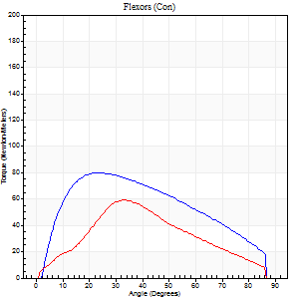
Right |  |  |  | 160 | 0.01 | 229 | 84 | 0.01 | 119 | 53
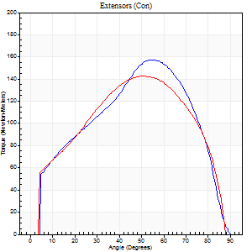
Left |  |  |  | 155 | 0.03 | 221 | 64 | 0.15 | 92 | 41
Deficit |  |  |  | 3 |  |  | 24
Average Power per Repetition (Watts - Best Repetition)
Right |  |  |  | 104 | 0.02 | 149 | 57 | 0.02 | 81 | 55
Left |  |  |  | 101 | 0.02 | 145 | 43 | 0.15 | 62 | 43
Deficit |  |  |  | 3 |  |  | 25
POSITION PARAMETERS
Joint Angle at Peak Torque (Degrees)
Right |  |  |  | 53 | 0.02 |  | 23 | 0.09
Left |  |  |  | 55 | 0.08 |  | 26 | 0.24
Range of Motion (Degrees)
Right |  |  |  | 0 | 0.53 |  | 90 | 0.01
Left |  |  |  | 0 | 1.41 |  | 89 | 0.01
TIME PARAMETERS
Time to Peak Torque (Seconds)
Right |  |  |  | 0.65 | 0.04 |  | 0.37 | 0.06
Left |  |  |  | 0.6 | 0.11 |  | 0.44 | 0.3
Time Peak Torque Held (Seconds)
Right |  |  |  | 0.05 | 0.45 |  | 0.07 | 0.49
Left |  |  |  | 0.05 | 0.25 |  | 0.02 | 1.32
Force Decay Time (Seconds)
Right |  |  |  | 0.85 | 0.04 |  | 1.05 | 0.01
Left |  |  |  | 0.9 | 0.05 |  | 1.02 | 0.15
Reciprocal Delay (Seconds)
Right |  |  |  | 0.21 | 1.08 |  | 0.16 | 0.12
Left |  |  |  | 0.08 | 0.53 |  | 0.16 | 0.41
Delay Time (Seconds)
Right |  |  |  | -0.02 | 0 |  | 0.04 | 0.42
Left |  |  |  | 0.01 | 1.41 |  | 0.02 | 0.25
HUMAC2015® Version: 15.000.0074 © Computer Sports Medicine, Inc. www.csmisolutions.com

Use File, Preference to set Report Heading
Long Form Torque vs. Position Report - Knee Extension/Flexion
Name: |  |  |  | TR024_102, | ID: | TR024_102 | Right/Left: | 24.08.2020 24.08.2020

Right Side Curves Left Side Curves
Isokinetic Con/Con |  |  |  | Extensors (Con) |  | Flexors (Con)
Speed 240/240 d/s 3 Reps |  |  |  | Value | Cof Var | %BW | Value | Cof Var | %BW | Ratio

TORQUE PARAMETERS
Peak Torque (Newton-Meters - Best Repetition)
Right |  |  |  | 83 | 0.07 | 119 | 18 | 0.27 | 24 | 21
Left |  |  |  | 77 | 0.05 | 110 | 12 | 0.43 | 18 | 16
Deficit |  |  |  | 7 |  |  | 31
Work per Repetition (Newton-Meters - Best Repetition)
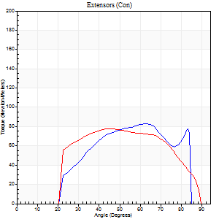
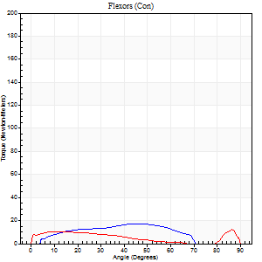
Right |  |  |  | 80 | 0.12 | 113 | 15 | 0.23 | 21 | 19
Left |  |  |  | 76 | 0.12 | 107 | 8 | 0.53 | 12 | 11
Deficit |  |  |  | 5 |  |  | 45
Average Power per Repetition (Watts - Best Repetition)
Right |  |  |  | 163 | 0.18 | 233 | 21 | 0.26 | 31 | 13
Left |  |  |  | 142 | 0.1 | 202 | 11 | 0.57 | 15 | 8
Deficit |  |  |  | 13 |  |  | 48
POSITION PARAMETERS
Joint Angle at Peak Torque (Degrees)
Right |  |  |  | 53 | 0.17 |  | 35 | 0.54
Left |  |  |  | 52 | 0.21 |  | 40 | 1
Range of Motion (Degrees)
Right |  |  |  | 0 | 0.39 |  | 88 | 0.03
Left |  |  |  | 1 | 0.53 |  | 89 | 0.01
TIME PARAMETERS
Time to Peak Torque (Seconds)
Right |  |  |  | 0.26 | 0.03 |  | 0.36 | 0.22
Left |  |  |  | 0.22 | 0.19 |  | 0.4 | 0.53
Time Peak Torque Held (Seconds)
Right |  |  |  | 0.01 | 0 |  | 0.01 | 1.73
Left |  |  |  | 0.01 | 0 |  | 0.02 | 0.49
Force Decay Time (Seconds)
Right |  |  |  | 0.31 | 0.04 |  | 0.29 | 0.46
Left |  |  |  | 0.29 | 0.1 |  | 0.36 | 0.74
Reciprocal Delay (Seconds)
Right |  |  |  | 0.07 | 0.2 |  | 0.13 | 0.27
Left |  |  |  | 0.09 | 0.67 |  | 0.14 | 0.52
Delay Time (Seconds)
Right |  |  |  | -0.03 | 0 |  | 0.02 | 5.68
Left |  |  |  | -0.03 | -0.47 |  | -0.05 | -0.4
HUMAC2015® Version: 15.000.0074 © Computer Sports Medicine, Inc. www.csmisolutions.com

Use File, Preference to set Report Heading
Isometric - Knee Extension/Flexion
Name: |  |  |  | TR024_102, | ID: | TR024_102 | Right/Left: | 24.08.2020 24.08.2020

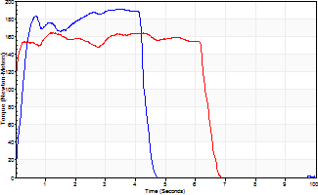
Isometric Extensors (Con) Angle 60 Time 10 Repetition 1 (Best Repetition)
 | Value | Cof Var | %BW
Peak Torque (Newton-Meters)
Right | 191 | 0 | 274
Left | 164 | 0 | 235
Deficit | 14
Average Torque (Newton-Meters)
Right | 75 | 0 | 107
Left | 100 | 0 | 143
Deficit | 26
Peak Torque Slope (Newton-Meters/Seconds)
Right | 54 | 0 | 77
Left | 130 | 0 | 186 |  | Right Side Curves Left Side Curves
Deficit | 58
Time to Half Peak Torque (Seconds)
Right | 0.23 | 0
Left | 0 | 0
Time to Peak Torque (Seconds)
Right | 3.51 | 0
Left | 1.25 | 0
HUMAC2015® Version: 15.000.0074 © Computer Sports Medicine, Inc. www.csmisolutions.com

Ark2
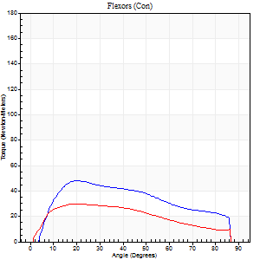
Use File, Preference to set Report Heading
Long Form Torque vs. Position Report - Knee Extension/Flexion
Name: |  |  |  | TR024_102, | ID: | TR024_102 | Right/Left: | 26.08.2020 26.08.2020

Right Side Curves Left Side Curves
Isokinetic Con/Con |  |  |  | Extensors (Con) |  | Flexors (Con)
Speed 60/60 d/s 3 Reps |  |  |  | Value | Cof Var | %BW | Value | Cof Var | %BW | Ratio

TORQUE PARAMETERS
Peak Torque (Newton-Meters - Best Repetition)
Right |  |  |  | 153 | 0 | 218 | 47 | 0.31 | 69 | 31
Left |  |  |  | 145 | 0.02 | 206 | 30 | 0.18 | 42 | 21
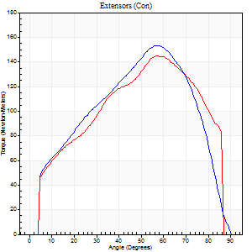
Deficit |  |  |  | 5 |  |  | 37
Work per Repetition (Newton-Meters - Best Repetition)
Right |  |  |  | 170 | 0.05 | 241 | 49 | 0.24 | 69 | 29
Left |  |  |  | 152 | 0.01 | 218 | 31 | 0.15 | 45 | 21
Deficit |  |  |  | 10 |  |  | 36
Average Power per Repetition (Watts - Best Repetition)
Right |  |  |  | 110 | 0.06 | 156 | 34 | 0.24 | 48 | 31
Left |  |  |  | 102 | 0.03 | 145 | 20 | 0.15 | 29 | 20
Deficit |  |  |  | 7 |  |  | 41
POSITION PARAMETERS
Joint Angle at Peak Torque (Degrees)
Right |  |  |  | 55 | 0.04 |  | 30 | 0.29
Left |  |  |  | 58 | 0.04 |  | 25 | 0.22
Range of Motion (Degrees)
Right |  |  |  | 0 | 0.47 |  | 90 | 0
Left |  |  |  | 0 | 0.71 |  | 88 | 0.02
TIME PARAMETERS
Time to Peak Torque (Seconds)
Right |  |  |  | 0.59 | 0.06 |  | 0.47 | 0.33
Left |  |  |  | 0.52 | 0.11 |  | 0.43 | 0.24
Time Peak Torque Held (Seconds)
Right |  |  |  | 0.05 | 0.11 |  | 0.08 | 1.51
Left |  |  |  | 0.03 | 0.33 |  | 0.02 | 1.73
Force Decay Time (Seconds)
Right |  |  |  | 0.89 | 0.02 |  | 0.92 | 0.26
Left |  |  |  | 0.95 | 0.06 |  | 1.06 | 0.07
Reciprocal Delay (Seconds)
Right |  |  |  | 0.1 | 0.14 |  | 0.14 | 0.38
Left |  |  |  | 0.09 | 0.25 |  | 0.18 | 0.31
Delay Time (Seconds)
Right |  |  |  | 0.01 | 0 |  | 0.06 | 0.36
Left |  |  |  | 0.02 | 0 |  | 0.01 | 0.43
HUMAC2015® Version: 15.000.0074 © Computer Sports Medicine, Inc. www.csmisolutions.com

Use File, Preference to set Report Heading
Long Form Torque vs. Position Report - Knee Extension/Flexion
Name: |  |  |  | TR024_102, | ID: | TR024_102 | Right/Left: | 26.08.2020 26.08.2020
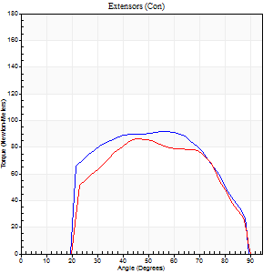
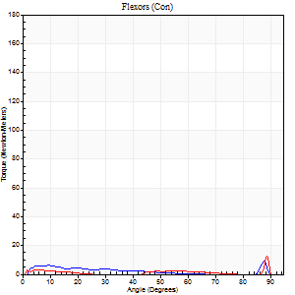
Right Side Curves Left Side Curves
Isokinetic Con/Con |  |  |  | Extensors (Con) |  | Flexors (Con)
Speed 240/240 d/s 3 Reps |  |  |  | Value | Cof Var | %BW | Value | Cof Var | %BW | Ratio

TORQUE PARAMETERS
Peak Torque (Newton-Meters - Best Repetition)
Right |  |  |  | 92 | 0.05 | 131 | 9 | 0.16 | 15 | 10
Left |  |  |  | 85 | 0.05 | 122 | 12 | 0.39 | 18 | 14
Deficit |  |  |  | 7 |  |  | 22
Work per Repetition (Newton-Meters - Best Repetition)
Right |  |  |  | 91 | 0.08 | 131 | 4 | 0.13 | 6 | 4
Left |  |  |  | 81 | 0.11 | 116 | 3 | 0.36 | 3 | 3
Deficit |  |  |  | 10 |  |  | 33
Average Power per Repetition (Watts - Best Repetition)
Right |  |  |  | 172 | 0.04 | 246 | 6 | 0.14 | 9 | 3
Left |  |  |  | 158 | 0.17 | 226 | 2 | 0.16 | 2 | 1
Deficit |  |  |  | 8 |  |  | 67
POSITION PARAMETERS
Joint Angle at Peak Torque (Degrees)
Right |  |  |  | 63 | 0.25 |  | 33 | 1.45
Left |  |  |  | 54 | 0.17 |  | 32 | 1.52
Range of Motion (Degrees)
Right |  |  |  | 1 | 0.42 |  | 87 | 0.05
Left |  |  |  | 1 | 0.35 |  | 90 | 0
TIME PARAMETERS
Time to Peak Torque (Seconds)
Right |  |  |  | 0.23 | 0.12 |  | 0.34 | 0.99
Left |  |  |  | 0.24 | 0.06 |  | 0.29 | 0.94
Time Peak Torque Held (Seconds)
Right |  |  |  | 0.02 | 0.35 |  | 0 | 1.73
Left |  |  |  | 0.01 | 0.43 |  | 0.02 | 0.35
Force Decay Time (Seconds)
Right |  |  |  | 0.32 | 0.28 |  | 0.43 | 0.83
Left |  |  |  | 0.3 | 0.21 |  | 0.66 | 0.9
Reciprocal Delay (Seconds)
Right |  |  |  | 0.09 | 0.63 |  | 0.15 | 0.31
Left |  |  |  | 0.08 | 0.35 |  | 0.12 | 0.38
Delay Time (Seconds)
Right |  |  |  | -0.04 | -0.2 |  | -0.02 | -1.32
Left |  |  |  | -0.02 | 0 |  | 0.18 | 2.32
HUMAC2015® Version: 15.000.0074 © Computer Sports Medicine, Inc. www.csmisolutions.com

Use File, Preference to set Report Heading
Isometric - Knee Extension/Flexion
Name: |  |  |  | TR024_102, | ID: | TR024_102 | Right/Left: | 26.08.2020 26.08.2020

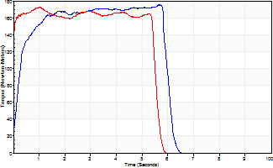
Isometric Extensors (Con) Angle 60 Time 10 Repetition 1 (Best Repetition)
 | Value | Cof Var | %BW
Peak Torque (Newton-Meters)
Right | 175 | 0 | 250
Left | 172 | 0 | 244
Deficit | 2
Average Torque (Newton-Meters)
Right | 96 | 0 | 137
Left | 91 | 0 | 131
Deficit | 6
Peak Torque Slope (Newton-Meters/Seconds)
Right | 31 | 0 | 44
Left | 169 | 0 | 241 |  | Right Side Curves Left Side Curves
Deficit | 82
Time to Half Peak Torque (Seconds)
Right | 0.22 | 0
Left | 0 | 0
Time to Peak Torque (Seconds)
Right | 5.69 | 0
Left | 1.01 | 0
HUMAC2015® Version: 15.000.0074 © Computer Sports Medicine, Inc. www.csmisolutions.com

Ark3
Use File, Preference to set Report Heading
Long Form Torque vs. Position Report - Knee Extension/Flexion
Name: |  |  |  | TR024_102, | ID: | TR024_102 | Right/Left: | 30.08.2020 30.08.2020
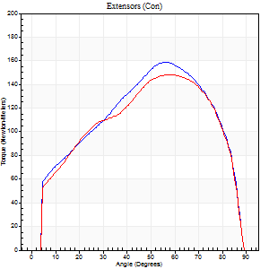
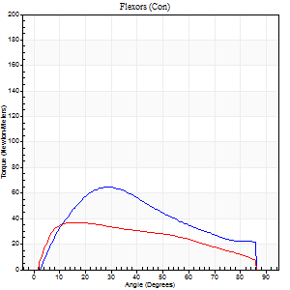
Right Side Curves Left Side Curves
Isokinetic Con/Con |  |  |  | Extensors (Con) |  | Flexors (Con)
Speed 60/60 d/s 3 Reps |  |  |  | Value | Cof Var | %BW | Value | Cof Var | %BW | Ratio

TORQUE PARAMETERS
Peak Torque (Newton-Meters - Best Repetition)
Right |  |  |  | 159 | 0.08 | 226 | 65 | 0.34 | 92 | 41
Left |  |  |  | 148 | 0.03 | 212 | 37 | 0.17 | 54 | 25
Deficit |  |  |  | 7 |  |  | 44
Work per Repetition (Newton-Meters - Best Repetition)
Right |  |  |  | 170 | 0.07 | 241 | 60 | 0.3 | 86 | 35
Left |  |  |  | 163 | 0.03 | 232 | 39 | 0.16 | 57 | 24
Deficit |  |  |  | 4 |  |  | 34
Average Power per Repetition (Watts - Best Repetition)
Right |  |  |  | 111 | 0.07 | 158 | 40 | 0.29 | 57 | 36
Left |  |  |  | 107 | 0.02 | 152 | 26 | 0.17 | 37 | 24
Deficit |  |  |  | 4 |  |  | 35
POSITION PARAMETERS
Joint Angle at Peak Torque (Degrees)
Right |  |  |  | 58 | 0.06 |  | 27 | 0.1
Left |  |  |  | 57 | 0.05 |  | 21 | 0.31
Range of Motion (Degrees)
Right |  |  |  | 0 | 0 |  | 90 | 0
Left |  |  |  | 0 | 0.4 |  | 89 | 0.02
TIME PARAMETERS
Time to Peak Torque (Seconds)
Right |  |  |  | 0.56 | 0.01 |  | 0.43 | 0.06
Left |  |  |  | 0.55 | 0.08 |  | 0.35 | 0.34
Time Peak Torque Held (Seconds)
Right |  |  |  | 0.06 | 0.44 |  | 0.09 | 0.88
Left |  |  |  | 0.07 | 0.14 |  | 0.07 | 0.77
Force Decay Time (Seconds)
Right |  |  |  | 0.93 | 0.05 |  | 0.96 | 0.07
Left |  |  |  | 0.9 | 0.06 |  | 1.08 | 0.12
Reciprocal Delay (Seconds)
Right |  |  |  | 0.12 | 0 |  | 0.14 | 0.24
Left |  |  |  | 0.11 | 0.39 |  | 0.11 | 0.36
Delay Time (Seconds)
Right |  |  |  | 0 | 1.41 |  | 0.02 | 0.65
Left |  |  |  | 0.01 | 0.47 |  | 0.02 | 0.25
HUMAC2015® Version: 15.000.0074 © Computer Sports Medicine, Inc. www.csmisolutions.com

Use File, Preference to set Report Heading
Long Form Torque vs. Position Report - Knee Extension/Flexion
Name: |  |  |  | TR024_102, | ID: | TR024_102 | Right/Left: | 30.08.2020 30.08.2020
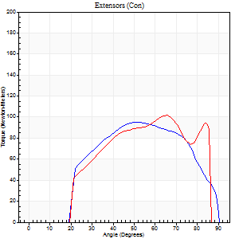
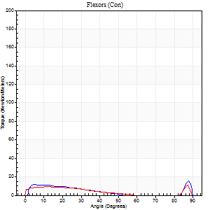
Right Side Curves Left Side Curves
Isokinetic Con/Con |  |  |  | Extensors (Con) |  | Flexors (Con)
Speed 240/240 d/s 3 Reps |  |  |  | Value | Cof Var | %BW | Value | Cof Var | %BW | Ratio

TORQUE PARAMETERS
Peak Torque (Newton-Meters - Best Repetition)
Right |  |  |  | 95 | 0.05 | 134 | 15 | 0.34 | 21 | 16
Left |  |  |  | 102 | 0.1 | 146 | 11 | 0.69 | 15 | 11
Deficit |  |  |  | 7 |  |  | 27
Work per Repetition (Newton-Meters - Best Repetition)
Right |  |  |  | 91 | 0.11 | 131 | 7 | 0.4 | 9 | 7
Left |  |  |  | 84 | 0.03 | 119 | 7 | 0.84 | 9 | 8
Deficit |  |  |  | 7 |  |  | 0
Average Power per Repetition (Watts - Best Repetition)
Right |  |  |  | 183 | 0.11 | 262 | 12 | 0.56 | 18 | 7
Left |  |  |  | 177 | 0.11 | 253 | 9 | 1.19 | 13 | 5
Deficit |  |  |  | 3 |  |  | 25
POSITION PARAMETERS
Joint Angle at Peak Torque (Degrees)
Right |  |  |  | 52 | 0.06 |  | 62 | 0.73
Left |  |  |  | 60 | 0.15 |  | 40 | 1.05
Range of Motion (Degrees)
Right |  |  |  | 2 | 0.1 |  | 90 | 0
Left |  |  |  | 0 | 0 |  | 88 | 0.02
TIME PARAMETERS
Time to Peak Torque (Seconds)
Right |  |  |  | 0.24 | 0 |  | 0.48 | 0.71
Left |  |  |  | 0.2 | 0.21 |  | 0.61 | 0.45
Time Peak Torque Held (Seconds)
Right |  |  |  | 0.01 | 0 |  | 0 | 1.73
Left |  |  |  | 0.01 | 0 |  | 0.05 | 1.73
Force Decay Time (Seconds)
Right |  |  |  | 0.25 | 0.04 |  | 0.2 | 1.8
Left |  |  |  | 0.36 | 0.09 |  | 0.54 | 0.79
Reciprocal Delay (Seconds)
Right |  |  |  | 0.1 | 0.42 |  | 0.05 | 0.11
Left |  |  |  | 0.31 | 0.88 |  | 0.3 | 0.43
Delay Time (Seconds)
Right |  |  |  | -0.03 | 0 |  | -0.02 | -0.35
Left |  |  |  | -0.01 | -0.47 |  | -0.13 | -0.51
HUMAC2015® Version: 15.000.0074 © Computer Sports Medicine, Inc. www.csmisolutions.com

Use File, Preference to set Report Heading
Isometric - Knee Extension/Flexion
Name: |  |  |  | TR024_102, | ID: | TR024_102 | Right/Left: | 30.08.2020 30.08.2020

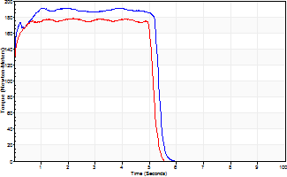
Isometric Extensors (Con) Angle 60 Time 10 Repetition 1 (Best Repetition)
 | Value | Cof Var | %BW
Peak Torque (Newton-Meters)
Right | 191 | 0 | 274
Left | 178 | 0 | 253
Deficit | 7
Average Torque (Newton-Meters)
Right | 99 | 0 | 140
Left | 89 | 0 | 128
Deficit | 10
Peak Torque Slope (Newton-Meters/Seconds)
Right | 94 | 0 | 135
Left | 82 | 0 | 117 |  | Right Side Curves Left Side Curves
Deficit | 13
Time to Half Peak Torque (Seconds)
Right | 0 | 0
Left | 0 | 0
Time to Peak Torque (Seconds)
Right | 2.01 | 0
Left | 2.16 | 0
HUMAC2015® Version: 15.000.0074 © Computer Sports Medicine, Inc. www.csmisolutions.com

Ark4
Use File, Preference to set Report Heading
Long Form Torque vs. Position Report - Knee Extension/Flexion
Name: |  |  |  | TR024_102, | ID: | TR024_102 | Right/Left: | 03.09.2020 03.09.2020
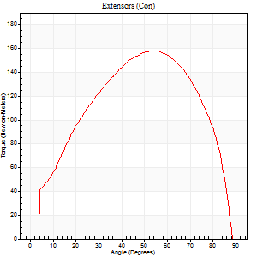
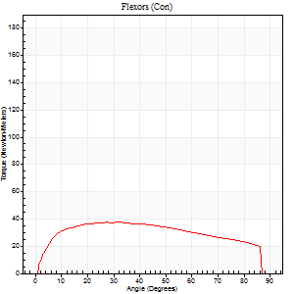
Right Side Curves Left Side Curves
Isokinetic Con/Con |  |  |  | Extensors (Con) |  | Flexors (Con)
Speed 60/60 d/s 3 Reps |  |  |  | Value | Cof Var | %BW | Value | Cof Var | %BW | Ratio

TORQUE PARAMETERS
Peak Torque (Newton-Meters - Best Repetition)
Right |  |  |  | 0 | 0 | 0 | 0 | 0 | 0 | 0
Left |  |  |  | 159 | 0.02 | 226 | 38 | 0.32 | 54 | 24
Deficit |  |  |  | 0 |  |  | 0
Work per Repetition (Newton-Meters - Best Repetition)
Right |  |  |  | 0 | 0 | 0 | 0 | 0 | 0 | 0
Left |  |  |  | 168 | 0.02 | 241 | 46 | 0.38 | 66 | 27
Deficit |  |  |  | 0 |  |  | 0
Average Power per Repetition (Watts - Best Repetition)
Right |  |  |  | 0 | 0 | 0 | 0 | 0 | 0 | 0
Left |  |  |  | 111 | 0.03 | 158 | 30 | 0.36 | 42 | 27
Deficit |  |  |  | 0 |  |  | 0
POSITION PARAMETERS
Joint Angle at Peak Torque (Degrees)
Right |  |  |  | 0 | 0 |  | 0 | 0
Left |  |  |  | 56 | 0.03 |  | 22 | 0.41
Range of Motion (Degrees)
Right |  |  |  | 0 | 0 |  | 0 | 0
Left |  |  |  | 1 | 0.31 |  | 89 | 0
TIME PARAMETERS
Time to Peak Torque (Seconds)
Right |  |  |  | 0 | 0 |  | 0 | 0
Left |  |  |  | 0.58 | 0 |  | 0.36 | 0.46
Time Peak Torque Held (Seconds)
Right |  |  |  | 0 | 0 |  | 0 | 0
Left |  |  |  | 0.05 | 0.29 |  | 0.07 | 0.52
Force Decay Time (Seconds)
Right |  |  |  | 0 | 0 |  | 0 | 0
Left |  |  |  | 0.89 | 0.05 |  | 1.05 | 0.12
Reciprocal Delay (Seconds)
Right |  |  |  | 0 | 0 |  | 0 | 0
Left |  |  |  | 0.09 | 0.37 |  | 0.12 | 0.3
Delay Time (Seconds)
Right |  |  |  | 0 | 0 |  | 0 | 0
Left |  |  |  | 0.01 | 0.47 |  | 0.03 | 0.57
HUMAC2015® Version: 15.000.0074 © Computer Sports Medicine, Inc. www.csmisolutions.com

Use File, Preference to set Report Heading
Long Form Torque vs. Position Report - Knee Extension/Flexion
Name: |  |  |  | TR024_102, | ID: | TR024_102 | Right/Left: | 03.09.2020 03.09.2020
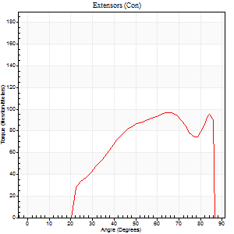
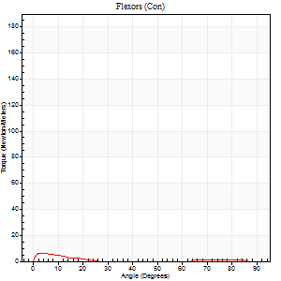
Right Side Curves Left Side Curves
Isokinetic Con/Con |  |  |  | Extensors (Con) |  | Flexors (Con)
Speed 240/240 d/s 3 Reps |  |  |  | Value | Cof Var | %BW | Value | Cof Var | %BW | Ratio

TORQUE PARAMETERS
Peak Torque (Newton-Meters - Best Repetition)
Right |  |  |  | 0 | 0 | 0 | 0 | 0 | 0 | 0
Left |  |  |  | 98 | 0.05 | 140 | 7 | 0.39 | 9 | 7
Deficit |  |  |  | 0 |  |  | 0
Work per Repetition (Newton-Meters - Best Repetition)
Right |  |  |  | 0 | 0 | 0 | 0 | 0 | 0 | 0
Left |  |  |  | 84 | 0.07 | 119 | 3 | 0.1 | 3 | 3
Deficit |  |  |  | 0 |  |  | 0
Average Power per Repetition (Watts - Best Repetition)
Right |  |  |  | 0 | 0 | 0 | 0 | 0 | 0 | 0
Left |  |  |  | 153 | 0.15 | 218 | 2 | 0.2 | 2 | 1
Deficit |  |  |  | 0 |  |  | 0
POSITION PARAMETERS
Joint Angle at Peak Torque (Degrees)
Right |  |  |  | 0 | 0 |  | 0 | 0
Left |  |  |  | 56 | 0.14 |  | 2 | 0.12
Range of Motion (Degrees)
Right |  |  |  | 0 | 0 |  | 0 | 0
Left |  |  |  | 0 | 0.64 |  | 88 | 0.02
TIME PARAMETERS
Time to Peak Torque (Seconds)
Right |  |  |  | 0 | 0 |  | 0 | 0
Left |  |  |  | 0.22 | 0.03 |  | 0.15 | 0.22
Time Peak Torque Held (Seconds)
Right |  |  |  | 0 | 0 |  | 0 | 0
Left |  |  |  | 0.01 | 0 |  | 0.02 | 1.73
Force Decay Time (Seconds)
Right |  |  |  | 0 | 0 |  | 0 | 0
Left |  |  |  | 0.39 | 0.37 |  | 1.24 | 0.11
Reciprocal Delay (Seconds)
Right |  |  |  | 0 | 0 |  | 0 | 0
Left |  |  |  | 0.09 | 0.79 |  | 0.16 | 0.25
Delay Time (Seconds)
Right |  |  |  | 0 | 0 |  | 0 | 0
Left |  |  |  | -0.02 | -0.28 |  | -0.08 | -0.3
HUMAC2015® Version: 15.000.0074 © Computer Sports Medicine, Inc. www.csmisolutions.com

Use File, Preference to set Report Heading
Isometric - Knee Extension/Flexion
Name: |  |  |  | TR024_102, | ID: | TR024_102 | Right/Left: | 03.09.2020 03.09.2020

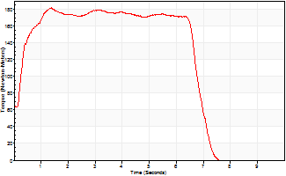
Isometric Extensors (Con) Angle 60 Time 10 Repetition 1 (Best Repetition)
 | Value | Cof Var | %BW
Peak Torque (Newton-Meters)
Right | 0 | 0 | 0
Left | 182 | 0 | 259
Deficit | 0
Average Torque (Newton-Meters)
Right | 0 | 0 | 0
Left | 115 | 0 | 164
Deficit | 0
Peak Torque Slope (Newton-Meters/Seconds)
Right | 0 | 0 | 0
Left | 130 | 0 | 185 |  | Right Side Curves Left Side Curves
Deficit | 0
Time to Half Peak Torque (Seconds)
Right | 0 | 0
Left | 0.22 | 0
Time to Peak Torque (Seconds)
Right | 0 | 0
Left | 1.39 | 0
HUMAC2015® Version: 15.000.0074 © Computer Sports Medicine, Inc. www.csmisolutions.com

Ark5
Use File, Preference to set Report Heading
Long Form Torque vs. Position Report - Knee Extension/Flexion
Name: |  |  |  | TR024_102, | ID: | TR024_102 | Right/Left: | 04.09.2020 04.09.2020
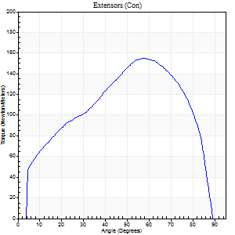
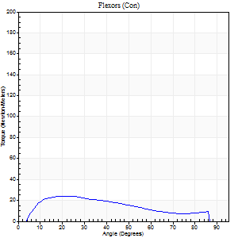
Right Side Curves Left Side Curves
Isokinetic Con/Con |  |  |  | Extensors (Con) |  | Flexors (Con)
Speed 60/60 d/s 3 Reps |  |  |  | Value | Cof Var | %BW | Value | Cof Var | %BW | Ratio

TORQUE PARAMETERS
Peak Torque (Newton-Meters - Best Repetition)
Right |  |  |  | 155 | 0.05 | 221 | 24 | 0.09 | 36 | 16
Left |  |  |  | 0 | 0 | 0 | 0 | 0 | 0 | 0
Deficit |  |  |  | 0 |  |  | 0
Work per Repetition (Newton-Meters - Best Repetition)
Right |  |  |  | 163 | 0.03 | 232 | 22 | 0.04 | 30 | 13
Left |  |  |  | 0 | 0 | 0 | 0 | 0 | 0 | 0
Deficit |  |  |  | 0 |  |  | 0
Average Power per Repetition (Watts - Best Repetition)
Right |  |  |  | 107 | 0.03 | 152 | 15 | 0.03 | 22 | 14
Left |  |  |  | 0 | 0 | 0 | 0 | 0 | 0 | 0
Deficit |  |  |  | 0 |  |  | 0
POSITION PARAMETERS
Joint Angle at Peak Torque (Degrees)
Right |  |  |  | 58 | 0.02 |  | 20 | 0.16
Left |  |  |  | 0 | 0 |  | 0 | 0
Range of Motion (Degrees)
Right |  |  |  | 0 | 0.71 |  | 90 | 0
Left |  |  |  | 0 | 0 |  | 0 | 0
TIME PARAMETERS
Time to Peak Torque (Seconds)
Right |  |  |  | 0.55 | 0.01 |  | 0.3 | 0.15
Left |  |  |  | 0 | 0 |  | 0 | 0
Time Peak Torque Held (Seconds)
Right |  |  |  | 0.05 | 0.33 |  | 0.1 | 1.47
Left |  |  |  | 0 | 0 |  | 0 | 0
Force Decay Time (Seconds)
Right |  |  |  | 0.93 | 0.01 |  | 1.07 | 0.13
Left |  |  |  | 0 | 0 |  | 0 | 0
Reciprocal Delay (Seconds)
Right |  |  |  | 0.08 | 0.35 |  | 0.1 | 0.36
Left |  |  |  | 0 | 0 |  | 0 | 0
Delay Time (Seconds)
Right |  |  |  | 0.01 | 0 |  | 0.08 | 0.25
Left |  |  |  | 0 | 0 |  | 0 | 0
HUMAC2015® Version: 15.000.0074 © Computer Sports Medicine, Inc. www.csmisolutions.com

Use File, Preference to set Report Heading
Long Form Torque vs. Position Report - Knee Extension/Flexion
Name: |  |  |  | TR024_102, | ID: | TR024_102 | Right/Left: | 04.09.2020 04.09.2020
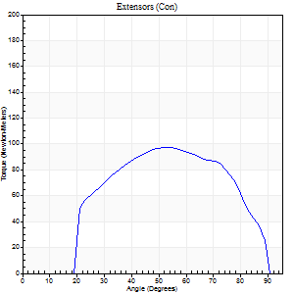
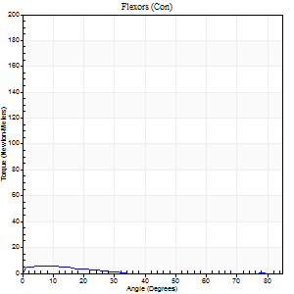
Right Side Curves Left Side Curves
Isokinetic Con/Con |  |  |  | Extensors (Con) |  | Flexors (Con)
Speed 240/240 d/s 3 Reps |  |  |  | Value | Cof Var | %BW | Value | Cof Var | %BW | Ratio

TORQUE PARAMETERS
Peak Torque (Newton-Meters - Best Repetition)
Right |  |  |  | 98 | 0.03 | 140 | 5 | 0.22 | 9 | 6
Left |  |  |  | 0 | 0 | 0 | 0 | 0 | 0 | 0
Deficit |  |  |  | 0 |  |  | 0
Work per Repetition (Newton-Meters - Best Repetition)
Right |  |  |  | 95 | 0.02 | 134 | 3 | 0.19 | 3 | 3
Left |  |  |  | 0 | 0 | 0 | 0 | 0 | 0 | 0
Deficit |  |  |  | 0 |  |  | 0
Average Power per Repetition (Watts - Best Repetition)
Right |  |  |  | 185 | 0.04 | 264 | 2 | 0.22 | 2 | 1
Left |  |  |  | 0 | 0 | 0 | 0 | 0 | 0 | 0
Deficit |  |  |  | 0 |  |  | 0
POSITION PARAMETERS
Joint Angle at Peak Torque (Degrees)
Right |  |  |  | 54 | 0.02 |  | 7 | 0.47
Left |  |  |  | 0 | 0 |  | 0 | 0
Range of Motion (Degrees)
Right |  |  |  | 1 | 0.36 |  | 90 | 0
Left |  |  |  | 0 | 0 |  | 0 | 0
TIME PARAMETERS
Time to Peak Torque (Seconds)
Right |  |  |  | 0.22 | 0.03 |  | 0.19 | 0.25
Left |  |  |  | 0 | 0 |  | 0 | 0
Time Peak Torque Held (Seconds)
Right |  |  |  | 0.02 | 0.35 |  | 0.01 | 1.73
Left |  |  |  | 0 | 0 |  | 0 | 0
Force Decay Time (Seconds)
Right |  |  |  | 0.27 | 0.04 |  | 1.2 | 0.08
Left |  |  |  | 0 | 0 |  | 0 | 0
Reciprocal Delay (Seconds)
Right |  |  |  | 0.12 | 0.12 |  | 0.16 | 0.58
Left |  |  |  | 0 | 0 |  | 0 | 0
Delay Time (Seconds)
Right |  |  |  | -0.02 | 0 |  | -0.04 | -0.96
Left |  |  |  | 0 | 0 |  | 0 | 0
HUMAC2015® Version: 15.000.0074 © Computer Sports Medicine, Inc. www.csmisolutions.com

Use File, Preference to set Report Heading
Isometric - Knee Extension/Flexion
Name: |  |  |  | TR024_102, | ID: | TR024_102 | Right/Left: | 04.09.2020 04.09.2020

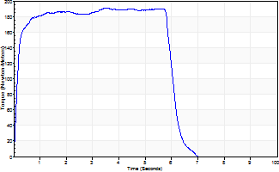
Isometric Extensors (Con) Angle 60 Time 10 Repetition 1 (Best Repetition)
 | Value | Cof Var | %BW
Peak Torque (Newton-Meters)
Right | 191 | 0 | 274
Left | 0 | 0 | 0
Deficit | 0
Average Torque (Newton-Meters)
Right | 110 | 0 | 158
Left | 0 | 0 | 0
Deficit | 0
Peak Torque Slope (Newton-Meters/Seconds)
Right | 54 | 0 | 77
Left | 0 | 0 | 0 |  | Right Side Curves Left Side Curves
Deficit | 0
Time to Half Peak Torque (Seconds)
Right | 0.14 | 0
Left | 0 | 0
Time to Peak Torque (Seconds)
Right | 3.51 | 0
Left | 0 | 0
HUMAC2015® Version: 15.000.0074 © Computer Sports Medicine, Inc. www.csmisolutions.com

Ark6
Use File, Preference to set Report Heading
Long Form Torque vs. Position Report - Knee Extension/Flexion
Name: |  |  |  | TR024_102, | ID: | TR024_102 | Right/Left: | 07.09.2020 07.09.2020
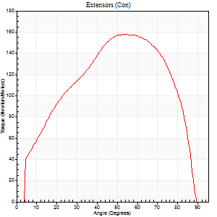
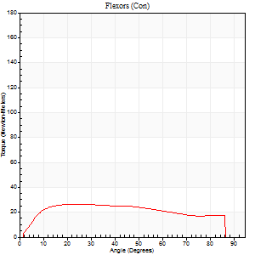
Right Side Curves Left Side Curves
Isokinetic Con/Con |  |  |  | Extensors (Con) |  | Flexors (Con)
Speed 60/60 d/s 3 Reps |  |  |  | Value | Cof Var | %BW | Value | Cof Var | %BW | Ratio

TORQUE PARAMETERS
Peak Torque (Newton-Meters - Best Repetition)
Right |  |  |  | 0 | 0 | 0 | 0 | 0 | 0 | 0
Left |  |  |  | 157 | 0.05 | 224 | 26 | 0.23 | 36 | 16
Deficit |  |  |  | 0 |  |  | 0
Work per Repetition (Newton-Meters - Best Repetition)
Right |  |  |  | 0 | 0 | 0 | 0 | 0 | 0 | 0
Left |  |  |  | 170 | 0.02 | 241 | 31 | 0.31 | 45 | 18
Deficit |  |  |  | 0 |  |  | 0
Average Power per Repetition (Watts - Best Repetition)
Right |  |  |  | 0 | 0 | 0 | 0 | 0 | 0 | 0
Left |  |  |  | 111 | 0.02 | 158 | 21 | 0.31 | 31 | 19
Deficit |  |  |  | 0 |  |  | 0
POSITION PARAMETERS
Joint Angle at Peak Torque (Degrees)
Right |  |  |  | 0 | 0 |  | 0 | 0
Left |  |  |  | 54 | 0.02 |  | 25 | 0.1
Range of Motion (Degrees)
Right |  |  |  | 0 | 0 |  | 0 | 0
Left |  |  |  | 0 | 0.2 |  | 89 | 0
TIME PARAMETERS
Time to Peak Torque (Seconds)
Right |  |  |  | 0 | 0 |  | 0 | 0
Left |  |  |  | 0.6 | 0.04 |  | 0.44 | 0.11
Time Peak Torque Held (Seconds)
Right |  |  |  | 0 | 0 |  | 0 | 0
Left |  |  |  | 0.09 | 0.29 |  | 0.05 | 0.89
Force Decay Time (Seconds)
Right |  |  |  | 0 | 0 |  | 0 | 0
Left |  |  |  | 0.83 | 0.05 |  | 1 | 0.08
Reciprocal Delay (Seconds)
Right |  |  |  | 0 | 0 |  | 0 | 0
Left |  |  |  | 0.08 | 0.09 |  | 0.17 | 0.41
Delay Time (Seconds)
Right |  |  |  | 0 | 0 |  | 0 | 0
Left |  |  |  | 0.01 | 0 |  | 0.01 | 1.73
HUMAC2015® Version: 15.000.0074 © Computer Sports Medicine, Inc. www.csmisolutions.com

Use File, Preference to set Report Heading
Long Form Torque vs. Position Report - Knee Extension/Flexion
Name: |  |  |  | TR024_102, | ID: | TR024_102 | Right/Left: | 07.09.2020 07.09.2020
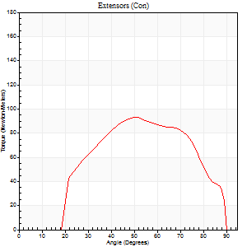
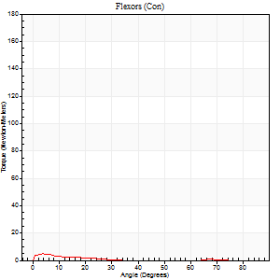
Right Side Curves Left Side Curves
Isokinetic Con/Con |  |  |  | Extensors (Con) |  | Flexors (Con)
Speed 240/240 d/s 3 Reps |  |  |  | Value | Cof Var | %BW | Value | Cof Var | %BW | Ratio

TORQUE PARAMETERS
Peak Torque (Newton-Meters - Best Repetition)
Right |  |  |  | 0 | 0 | 0 | 0 | 0 | 0 | 0
Left |  |  |  | 92 | 0.02 | 131 | 5 | 0.18 | 9 | 6
Deficit |  |  |  | 0 |  |  | 0
Work per Repetition (Newton-Meters - Best Repetition)
Right |  |  |  | 0 | 0 | 0 | 0 | 0 | 0 | 0
Left |  |  |  | 88 | 0.03 | 125 | 3 | 0.19 | 3 | 3
Deficit |  |  |  | 0 |  |  | 0
Average Power per Repetition (Watts - Best Repetition)
Right |  |  |  | 0 | 0 | 0 | 0 | 0 | 0 | 0
Left |  |  |  | 165 | 0.03 | 235 | 1 | 0.21 | 2 | 1
Deficit |  |  |  | 0 |  |  | 0
POSITION PARAMETERS
Joint Angle at Peak Torque (Degrees)
Right |  |  |  | 0 | 0 |  | 0 | 0
Left |  |  |  | 55 | 0.14 |  | 2 | 0.58
Range of Motion (Degrees)
Right |  |  |  | 0 | 0 |  | 0 | 0
Left |  |  |  | 1 | 0.52 |  | 89 | 0
TIME PARAMETERS
Time to Peak Torque (Seconds)
Right |  |  |  | 0 | 0 |  | 0 | 0
Left |  |  |  | 0.23 | 0 |  | 0.14 | 0.42
Time Peak Torque Held (Seconds)
Right |  |  |  | 0 | 0 |  | 0 | 0
Left |  |  |  | 0.01 | 0.43 |  | 0.01 | 1.73
Force Decay Time (Seconds)
Right |  |  |  | 0 | 0 |  | 0 | 0
Left |  |  |  | 0.3 | 0.14 |  | 1.21 | 0.03
Reciprocal Delay (Seconds)
Right |  |  |  | 0 | 0 |  | 0 | 0
Left |  |  |  | 0.09 | 0.25 |  | 0.19 | 0.28
Delay Time (Seconds)
Right |  |  |  | 0 | 0 |  | 0 | 0
Left |  |  |  | -0.02 | -0.28 |  | -0.08 | -0.18
HUMAC2015® Version: 15.000.0074 © Computer Sports Medicine, Inc. www.csmisolutions.com

Use File, Preference to set Report Heading
Isometric - Knee Extension/Flexion
Name: |  |  |  | TR024_102, | ID: | TR024_102 | Right/Left: | 07.09.2020 07.09.2020

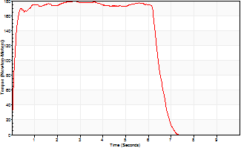
Isometric Extensors (Con) Angle 60 Time 10 Repetition 1 (Best Repetition)
 | Value | Cof Var | %BW
Peak Torque (Newton-Meters)
Right | 0 | 0 | 0
Left | 179 | 0 | 256
Deficit | 0
Average Torque (Newton-Meters)
Right | 0 | 0 | 0
Left | 113 | 0 | 161
Deficit | 0
Peak Torque Slope (Newton-Meters/Seconds)
Right | 0 | 0 | 0
Left | 65 | 0 | 93 |  | Right Side Curves Left Side Curves
Deficit | 0
Time to Half Peak Torque (Seconds)
Right | 0 | 0
Left | 0.11 | 0
Time to Peak Torque (Seconds)
Right | 0 | 0
Left | 2.74 | 0
HUMAC2015® Version: 15.000.0074 © Computer Sports Medicine, Inc. www.csmisolutions.com

Ark7
Use File, Preference to set Report Heading
Long Form Torque vs. Position Report - Knee Extension/Flexion
Name: |  |  |  | TR024_102, | ID: | TR024_102 | Right/Left: | 08.09.2020 08.09.2020
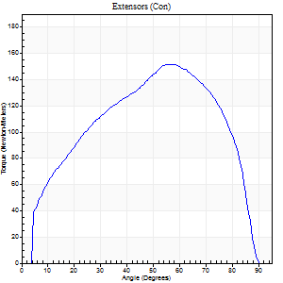
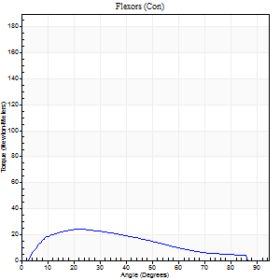
Right Side Curves Left Side Curves
Isokinetic Con/Con |  |  |  | Extensors (Con) |  | Flexors (Con)
Speed 60/60 d/s 3 Reps |  |  |  | Value | Cof Var | %BW | Value | Cof Var | %BW | Ratio

TORQUE PARAMETERS
Peak Torque (Newton-Meters - Best Repetition)
Right |  |  |  | 152 | 0.06 | 218 | 24 | 0.05 | 36 | 16
Left |  |  |  | 0 | 0 | 0 | 0 | 0 | 0 | 0
Deficit |  |  |  | 0 |  |  | 0
Work per Repetition (Newton-Meters - Best Repetition)
Right |  |  |  | 161 | 0.03 | 229 | 20 | 0.05 | 30 | 13
Left |  |  |  | 0 | 0 | 0 | 0 | 0 | 0 | 0
Deficit |  |  |  | 0 |  |  | 0
Average Power per Repetition (Watts - Best Repetition)
Right |  |  |  | 105 | 0.02 | 149 | 14 | 0.05 | 20 | 13
Left |  |  |  | 0 | 0 | 0 | 0 | 0 | 0 | 0
Deficit |  |  |  | 0 |  |  | 0
POSITION PARAMETERS
Joint Angle at Peak Torque (Degrees)
Right |  |  |  | 54 | 0.04 |  | 18 | 0.22
Left |  |  |  | 0 | 0 |  | 0 | 0
Range of Motion (Degrees)
Right |  |  |  | 1 | 0 |  | 90 | 0
Left |  |  |  | 0 | 0 |  | 0 | 0
TIME PARAMETERS
Time to Peak Torque (Seconds)
Right |  |  |  | 0.62 | 0.03 |  | 0.27 | 0.24
Left |  |  |  | 0 | 0 |  | 0 | 0
Time Peak Torque Held (Seconds)
Right |  |  |  | 0.06 | 0.54 |  | 0.04 | 0.83
Left |  |  |  | 0 | 0 |  | 0 | 0
Force Decay Time (Seconds)
Right |  |  |  | 0.85 | 0.07 |  | 1.16 | 0.06
Left |  |  |  | 0 | 0 |  | 0 | 0
Reciprocal Delay (Seconds)
Right |  |  |  | 0.06 | 0.11 |  | 0.09 | 0.12
Left |  |  |  | 0 | 0 |  | 0 | 0
Delay Time (Seconds)
Right |  |  |  | -0.01 | 0 |  | 0.06 | 0.2
Left |  |  |  | 0 | 0 |  | 0 | 0
HUMAC2015® Version: 15.000.0074 © Computer Sports Medicine, Inc. www.csmisolutions.com

Use File, Preference to set Report Heading
Long Form Torque vs. Position Report - Knee Extension/Flexion
Name: |  |  |  | TR024_102, | ID: | TR024_102 | Right/Left: | 08.09.2020 08.09.2020
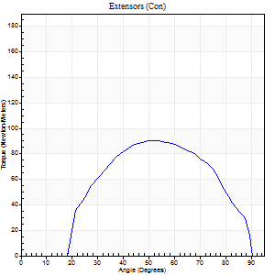
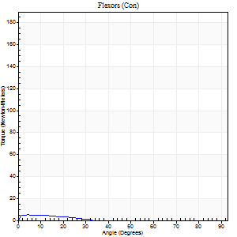
Right Side Curves Left Side Curves
Isokinetic Con/Con |  |  |  | Extensors (Con) |  | Flexors (Con)
Speed 240/240 d/s 3 Reps |  |  |  | Value | Cof Var | %BW | Value | Cof Var | %BW | Ratio

TORQUE PARAMETERS
Peak Torque (Newton-Meters - Best Repetition)
Right |  |  |  | 91 | 0.04 | 131 | 5 | 0.34 | 9 | 6
Left |  |  |  | 0 | 0 | 0 | 0 | 0 | 0 | 0
Deficit |  |  |  | 0 |  |  | 0
Work per Repetition (Newton-Meters - Best Repetition)
Right |  |  |  | 87 | 0.01 | 125 | 1 | 0.19 | 3 | 2
Left |  |  |  | 0 | 0 | 0 | 0 | 0 | 0 | 0
Deficit |  |  |  | 0 |  |  | 0
Average Power per Repetition (Watts - Best Repetition)
Right |  |  |  | 169 | 0.02 | 242 | 2 | 0.38 | 2 | 1
Left |  |  |  | 0 | 0 | 0 | 0 | 0 | 0 | 0
Deficit |  |  |  | 0 |  |  | 0
POSITION PARAMETERS
Joint Angle at Peak Torque (Degrees)
Right |  |  |  | 52 | 0.01 |  | 33 | 1.31
Left |  |  |  | 0 | 0 |  | 0 | 0
Range of Motion (Degrees)
Right |  |  |  | 1 | 0.28 |  | 90 | 0
Left |  |  |  | 0 | 0 |  | 0 | 0
TIME PARAMETERS
Time to Peak Torque (Seconds)
Right |  |  |  | 0.22 | 0.03 |  | 0.63 | 1.22
Left |  |  |  | 0 | 0 |  | 0 | 0
Time Peak Torque Held (Seconds)
Right |  |  |  | 0.01 | 1 |  | 0.16 | 1.32
Left |  |  |  | 0 | 0 |  | 0 | 0
Force Decay Time (Seconds)
Right |  |  |  | 0.26 | 0.02 |  | 0.64 | 0.75
Left |  |  |  | 0 | 0 |  | 0 | 0
Reciprocal Delay (Seconds)
Right |  |  |  | 0.08 | 0.66 |  | 0.11 | 0.43
Left |  |  |  | 0 | 0 |  | 0 | 0
Delay Time (Seconds)
Right |  |  |  | -0.02 | 0 |  | 0.02 | 3.3
Left |  |  |  | 0 | 0 |  | 0 | 0
HUMAC2015® Version: 15.000.0074 © Computer Sports Medicine, Inc. www.csmisolutions.com

Use File, Preference to set Report Heading
Isometric - Knee Extension/Flexion
Name: |  |  |  | TR024_102, | ID: | TR024_102 | Right/Left: | 08.09.2020 08.09.2020

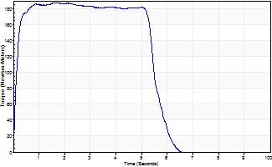
Isometric Extensors (Con) Angle 60 Time 10 Repetition 1 (Best Repetition)
 | Value | Cof Var | %BW
Peak Torque (Newton-Meters)
Right | 187 | 0 | 268
Left | 0 | 0 | 0
Deficit | 0
Average Torque (Newton-Meters)
Right | 100 | 0 | 143
Left | 0 | 0 | 0
Deficit | 0
Peak Torque Slope (Newton-Meters/Seconds)
Right | 116 | 0 | 166
Left | 0 | 0 | 0 |  | Right Side Curves Left Side Curves
Deficit | 0
Time to Half Peak Torque (Seconds)
Right | 0.11 | 0
Left | 0 | 0
Time to Peak Torque (Seconds)
Right | 1.6 | 0
Left | 0 | 0
HUMAC2015® Version: 15.000.0074 © Computer Sports Medicine, Inc. www.csmisolutions.com

Ark8
Use File, Preference to set Report Heading
Long Form Torque vs. Position Report - Knee Extension/Flexion
Name: |  |  |  | TR024_102, | ID: | TR024_102 | Right/Left: | 10.09.2020 10.09.2020
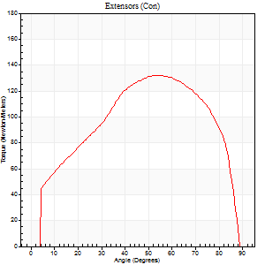
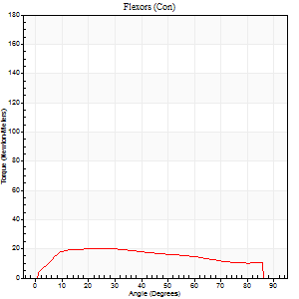
Right Side Curves Left Side Curves
Isokinetic Con/Con |  |  |  | Extensors (Con) |  | Flexors (Con)
Speed 60/60 d/s 3 Reps |  |  |  | Value | Cof Var | %BW | Value | Cof Var | %BW | Ratio

TORQUE PARAMETERS
Peak Torque (Newton-Meters - Best Repetition)
Right |  |  |  | 0 | 0 | 0 | 0 | 0 | 0 | 0
Left |  |  |  | 132 | 0.03 | 188 | 20 | 0.12 | 30 | 15
Deficit |  |  |  | 0 |  |  | 0
Work per Repetition (Newton-Meters - Best Repetition)
Right |  |  |  | 0 | 0 | 0 | 0 | 0 | 0 | 0
Left |  |  |  | 145 | 0.05 | 206 | 23 | 0.29 | 33 | 16
Deficit |  |  |  | 0 |  |  | 0
Average Power per Repetition (Watts - Best Repetition)
Right |  |  |  | 0 | 0 | 0 | 0 | 0 | 0 | 0
Left |  |  |  | 95 | 0.04 | 136 | 15 | 0.28 | 22 | 16
Deficit |  |  |  | 0 |  |  | 0
POSITION PARAMETERS
Joint Angle at Peak Torque (Degrees)
Right |  |  |  | 0 | 0 |  | 0 | 0
Left |  |  |  | 56 | 0.06 |  | 21 | 0.38
Range of Motion (Degrees)
Right |  |  |  | 0 | 0 |  | 0 | 0
Left |  |  |  | 0 | 0.28 |  | 89 | 0.02
TIME PARAMETERS
Time to Peak Torque (Seconds)
Right |  |  |  | 0 | 0 |  | 0 | 0
Left |  |  |  | 0.58 | 0.01 |  | 0.37 | 0.36
Time Peak Torque Held (Seconds)
Right |  |  |  | 0 | 0 |  | 0 | 0
Left |  |  |  | 0.06 | 0.27 |  | 0.09 | 0.29
Force Decay Time (Seconds)
Right |  |  |  | 0 | 0 |  | 0 | 0
Left |  |  |  | 0.9 | 0.08 |  | 1.08 | 0.13
Reciprocal Delay (Seconds)
Right |  |  |  | 0 | 0 |  | 0 | 0
Left |  |  |  | 0.11 | 0.18 |  | 0.17 | 0.09
Delay Time (Seconds)
Right |  |  |  | 0 | 0 |  | 0 | 0
Left |  |  |  | 0.01 | 0.47 |  | 0.01 | 0.87
HUMAC2015® Version: 15.000.0074 © Computer Sports Medicine, Inc. www.csmisolutions.com

Use File, Preference to set Report Heading
Long Form Torque vs. Position Report - Knee Extension/Flexion
Name: |  |  |  | TR024_102, | ID: | TR024_102 | Right/Left: | 10.09.2020 10.09.2020
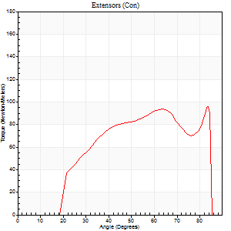
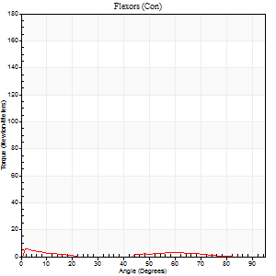
Right Side Curves Left Side Curves
Isokinetic Con/Con |  |  |  | Extensors (Con) |  | Flexors (Con)
Speed 240/240 d/s 3 Reps |  |  |  | Value | Cof Var | %BW | Value | Cof Var | %BW | Ratio

TORQUE PARAMETERS
Peak Torque (Newton-Meters - Best Repetition)
Right |  |  |  | 0 | 0 | 0 | 0 | 0 | 0 | 0
Left |  |  |  | 96 | 0.1 | 137 | 5 | 0.25 | 9 | 6
Deficit |  |  |  | 0 |  |  | 0
Work per Repetition (Newton-Meters - Best Repetition)
Right |  |  |  | 0 | 0 | 0 | 0 | 0 | 0 | 0
Left |  |  |  | 87 | 0.06 | 125 | 3 | 0.4 | 3 | 3
Deficit |  |  |  | 0 |  |  | 0
Average Power per Repetition (Watts - Best Repetition)
Right |  |  |  | 0 | 0 | 0 | 0 | 0 | 0 | 0
Left |  |  |  | 173 | 0.08 | 246 | 3 | 0.64 | 4 | 2
Deficit |  |  |  | 0 |  |  | 0
POSITION PARAMETERS
Joint Angle at Peak Torque (Degrees)
Right |  |  |  | 0 | 0 |  | 0 | 0
Left |  |  |  | 61 | 0.32 |  | 3 | 0.85
Range of Motion (Degrees)
Right |  |  |  | 0 | 0 |  | 0 | 0
Left |  |  |  | 1 | 0.11 |  | 88 | 0.03
TIME PARAMETERS
Time to Peak Torque (Seconds)
Right |  |  |  | 0 | 0 |  | 0 | 0
Left |  |  |  | 0.24 | 0.06 |  | 0.08 | 0.96
Time Peak Torque Held (Seconds)
Right |  |  |  | 0 | 0 |  | 0 | 0
Left |  |  |  | 0.01 | 0.43 |  | 0.01 | 1
Force Decay Time (Seconds)
Right |  |  |  | 0 | 0 |  | 0 | 0
Left |  |  |  | 0.31 | 0.35 |  | 1.12 | 0.35
Reciprocal Delay (Seconds)
Right |  |  |  | 0 | 0 |  | 0 | 0
Left |  |  |  | 0.09 | 0.47 |  | 0.07 | 0.14
Delay Time (Seconds)
Right |  |  |  | 0 | 0 |  | 0 | 0
Left |  |  |  | -0.02 | -0.85 |  | -0.04 | 0
HUMAC2015® Version: 15.000.0074 © Computer Sports Medicine, Inc. www.csmisolutions.com

Use File, Preference to set Report Heading
Isometric - Knee Extension/Flexion
Name: |  |  |  | TR024_102, | ID: | TR024_102 | Right/Left: | 10.09.2020 10.09.2020

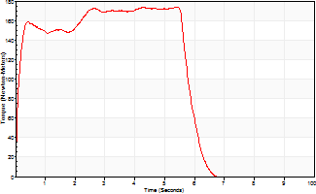
Isometric Extensors (Con) Angle 60 Time 10 Repetition 1 (Best Repetition)
 | Value | Cof Var | %BW
Peak Torque (Newton-Meters)
Right | 0 | 0 | 0
Left | 174 | 0 | 247
Deficit | 0
Average Torque (Newton-Meters)
Right | 0 | 0 | 0
Left | 95 | 0 | 134
Deficit | 0
Peak Torque Slope (Newton-Meters/Seconds)
Right | 0 | 0 | 0
Left | 32 | 0 | 46 |  | Right Side Curves Left Side Curves
Deficit | 0
Time to Half Peak Torque (Seconds)
Right | 0 | 0
Left | 0.09 | 0
Time to Peak Torque (Seconds)
Right | 0 | 0
Left | 5.43 | 0
HUMAC2015® Version: 15.000.0074 © Computer Sports Medicine, Inc. www.csmisolutions.com

Ark9
Use File, Preference to set Report Heading
Long Form Torque vs. Position Report - Knee Extension/Flexion
Name: |  |  |  | TR024_102, | ID: | TR024_102 | Right/Left: | 10.09.2020 10.09.2020
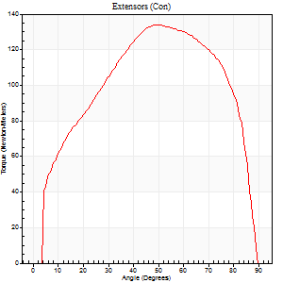
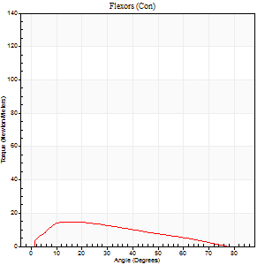
Right Side Curves Left Side Curves
Isokinetic Con/Con |  |  |  | Extensors (Con) |  | Flexors (Con)
Speed 60/60 d/s 3 Reps |  |  |  | Value | Cof Var | %BW | Value | Cof Var | %BW | Ratio

TORQUE PARAMETERS
Peak Torque (Newton-Meters - Best Repetition)
Right |  |  |  | 0 | 0 | 0 | 0 | 0 | 0 | 0
Left |  |  |  | 134 | 0.1 | 191 | 15 | 0.11 | 21 | 11
Deficit |  |  |  | 0 |  |  | 0
Work per Repetition (Newton-Meters - Best Repetition)
Right |  |  |  | 0 | 0 | 0 | 0 | 0 | 0 | 0
Left |  |  |  | 152 | 0.13 | 218 | 12 | 0.09 | 18 | 8
Deficit |  |  |  | 0 |  |  | 0
Average Power per Repetition (Watts - Best Repetition)
Right |  |  |  | 0 | 0 | 0 | 0 | 0 | 0 | 0
Left |  |  |  | 98 | 0.1 | 141 | 8 | 0.08 | 11 | 8
Deficit |  |  |  | 0 |  |  | 0
POSITION PARAMETERS
Joint Angle at Peak Torque (Degrees)
Right |  |  |  | 0 | 0 |  | 0 | 0
Left |  |  |  | 57 | 0.19 |  | 15 | 0.25
Range of Motion (Degrees)
Right |  |  |  | 0 | 0 |  | 0 | 0
Left |  |  |  | 1 | 0.08 |  | 88 | 0.04
TIME PARAMETERS
Time to Peak Torque (Seconds)
Right |  |  |  | 0 | 0 |  | 0 | 0
Left |  |  |  | 0.65 | 0.09 |  | 0.27 | 0.29
Time Peak Torque Held (Seconds)
Right |  |  |  | 0 | 0 |  | 0 | 0
Left |  |  |  | 0.11 | 0.64 |  | 0.08 | 0.2
Force Decay Time (Seconds)
Right |  |  |  | 0 | 0 |  | 0 | 0
Left |  |  |  | 0.86 | 0.12 |  | 1.18 | 0.06
Reciprocal Delay (Seconds)
Right |  |  |  | 0 | 0 |  | 0 | 0
Left |  |  |  | 0.11 | 0.13 |  | 0.11 | 0.31
Delay Time (Seconds)
Right |  |  |  | 0 | 0 |  | 0 | 0
Left |  |  |  | 0.01 | 1.41 |  | 0.01 | 1.73
HUMAC2015® Version: 15.000.0074 © Computer Sports Medicine, Inc. www.csmisolutions.com

Use File, Preference to set Report Heading
Long Form Torque vs. Position Report - Knee Extension/Flexion
Name: |  |  |  | TR024_102, | ID: | TR024_102 | Right/Left: | 10.09.2020 10.09.2020
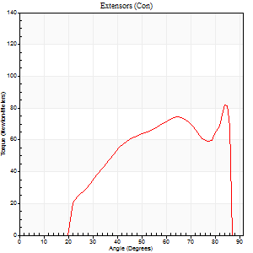
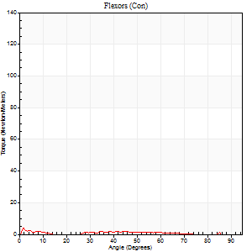
Right Side Curves Left Side Curves
Isokinetic Con/Con |  |  |  | Extensors (Con) |  | Flexors (Con)
Speed 240/240 d/s 3 Reps |  |  |  | Value | Cof Var | %BW | Value | Cof Var | %BW | Ratio

TORQUE PARAMETERS
Peak Torque (Newton-Meters - Best Repetition)
Right |  |  |  | 0 | 0 | 0 | 0 | 0 | 0 | 0
Left |  |  |  | 81 | 0.03 | 116 | 4 | 0.21 | 6 | 5
Deficit |  |  |  | 0 |  |  | 0
Work per Repetition (Newton-Meters - Best Repetition)
Right |  |  |  | 0 | 0 | 0 | 0 | 0 | 0 | 0
Left |  |  |  | 73 | 0.04 | 104 | 1 | 0.05 | 3 | 2
Deficit |  |  |  | 0 |  |  | 0
Average Power per Repetition (Watts - Best Repetition)
Right |  |  |  | 0 | 0 | 0 | 0 | 0 | 0 | 0
Left |  |  |  | 147 | 0.06 | 209 | 1 | 0.05 | 2 | 1
Deficit |  |  |  | 0 |  |  | 0
POSITION PARAMETERS
Joint Angle at Peak Torque (Degrees)
Right |  |  |  | 0 | 0 |  | 0 | 0
Left |  |  |  | 69 | 0.19 |  | 3 | 0.84
Range of Motion (Degrees)
Right |  |  |  | 0 | 0 |  | 0 | 0
Left |  |  |  | 1 | 0.12 |  | 89 | 0.02
TIME PARAMETERS
Time to Peak Torque (Seconds)
Right |  |  |  | 0 | 0 |  | 0 | 0
Left |  |  |  | 0.18 | 0 |  | 0.09 | 0.99
Time Peak Torque Held (Seconds)
Right |  |  |  | 0 | 0 |  | 0 | 0
Left |  |  |  | 0.02 | 1 |  | 0.12 | 1.31
Force Decay Time (Seconds)
Right |  |  |  | 0 | 0 |  | 0 | 0
Left |  |  |  | 0.34 | 0.28 |  | 1.28 | 0.22
Reciprocal Delay (Seconds)
Right |  |  |  | 0 | 0 |  | 0 | 0
Left |  |  |  | 0.08 | 0 |  | 0.08 | 0.12
Delay Time (Seconds)
Right |  |  |  | 0 | 0 |  | 0 | 0
Left |  |  |  | -0.01 | 0 |  | -0.05 | -0.12
HUMAC2015® Version: 15.000.0074 © Computer Sports Medicine, Inc. www.csmisolutions.com

Use File, Preference to set Report Heading
Isometric - Knee Extension/Flexion
Name: |  |  |  | TR024_102, | ID: | TR024_102 | Right/Left: | 10.09.2020 10.09.2020

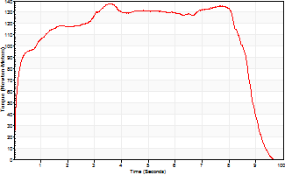
Isometric Extensors (Con) Angle 60 Time 10 Repetition 1 (Best Repetition)
 | Value | Cof Var | %BW
Peak Torque (Newton-Meters)
Right | 0 | 0 | 0
Left | 137 | 0 | 197
Deficit | 0
Average Torque (Newton-Meters)
Right | 0 | 0 | 0
Left | 108 | 0 | 155
Deficit | 0
Peak Torque Slope (Newton-Meters/Seconds)
Right | 0 | 0 | 0
Left | 38 | 0 | 54 |  | Right Side Curves Left Side Curves
Deficit | 0
Time to Half Peak Torque (Seconds)
Right | 0 | 0
Left | 0.15 | 0
Time to Peak Torque (Seconds)
Right | 0 | 0
Left | 3.6 | 0
HUMAC2015® Version: 15.000.0074 © Computer Sports Medicine, Inc. www.csmisolutions.com

Ark10
Use File, Preference to set Report Heading
Long Form Torque vs. Position Report - Knee Extension/Flexion
Name: |  |  |  | TR024_102, | ID: | TR024_102 | Right/Left: | 10.09.2020 10.09.2020
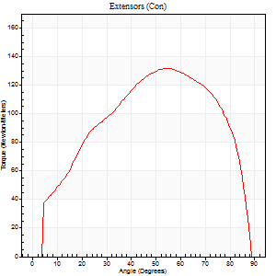
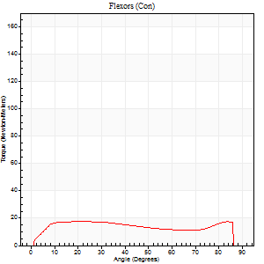
Right Side Curves Left Side Curves
Isokinetic Con/Con |  |  |  | Extensors (Con) |  | Flexors (Con)
Speed 60/60 d/s 3 Reps |  |  |  | Value | Cof Var | %BW | Value | Cof Var | %BW | Ratio

TORQUE PARAMETERS
Peak Torque (Newton-Meters - Best Repetition)
Right |  |  |  | 0 | 0 | 0 | 0 | 0 | 0 | 0
Left |  |  |  | 132 | 0.03 | 188 | 18 | 0.08 | 24 | 13
Deficit |  |  |  | 0 |  |  | 0
Work per Repetition (Newton-Meters - Best Repetition)
Right |  |  |  | 0 | 0 | 0 | 0 | 0 | 0 | 0
Left |  |  |  | 142 | 0.07 | 203 | 22 | 0.25 | 30 | 15
Deficit |  |  |  | 0 |  |  | 0
Average Power per Repetition (Watts - Best Repetition)
Right |  |  |  | 0 | 0 | 0 | 0 | 0 | 0 | 0
Left |  |  |  | 93 | 0.04 | 132 | 14 | 0.25 | 20 | 15
Deficit |  |  |  | 0 |  |  | 0
POSITION PARAMETERS
Joint Angle at Peak Torque (Degrees)
Right |  |  |  | 0 | 0 |  | 0 | 0
Left |  |  |  | 55 | 0.02 |  | 38 | 1.01
Range of Motion (Degrees)
Right |  |  |  | 0 | 0 |  | 0 | 0
Left |  |  |  | 0 | 0.2 |  | 87 | 0.04
TIME PARAMETERS
Time to Peak Torque (Seconds)
Right |  |  |  | 0 | 0 |  | 0 | 0
Left |  |  |  | 0.56 | 0.04 |  | 0.66 | 0.99
Time Peak Torque Held (Seconds)
Right |  |  |  | 0 | 0 |  | 0 | 0
Left |  |  |  | 0.06 | 0.24 |  | 0.36 | 1.71
Force Decay Time (Seconds)
Right |  |  |  | 0 | 0 |  | 0 | 0
Left |  |  |  | 0.87 | 0.02 |  | 0.5 | 1.44
Reciprocal Delay (Seconds)
Right |  |  |  | 0 | 0 |  | 0 | 0
Left |  |  |  | 0.07 | 0.4 |  | 0.12 | 0.26
Delay Time (Seconds)
Right |  |  |  | 0 | 0 |  | 0 | 0
Left |  |  |  | 0.01 | 1.41 |  | 0.01 | 0.43
HUMAC2015® Version: 15.000.0074 © Computer Sports Medicine, Inc. www.csmisolutions.com

Use File, Preference to set Report Heading
Long Form Torque vs. Position Report - Knee Extension/Flexion
Name: |  |  |  | TR024_102, | ID: | TR024_102 | Right/Left: | 10.09.2020 10.09.2020
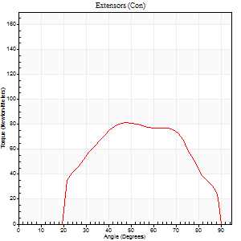
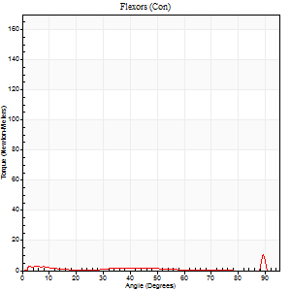
Right Side Curves Left Side Curves
Isokinetic Con/Con |  |  |  | Extensors (Con) |  | Flexors (Con)
Speed 240/240 d/s 3 Reps |  |  |  | Value | Cof Var | %BW | Value | Cof Var | %BW | Ratio

TORQUE PARAMETERS
Peak Torque (Newton-Meters - Best Repetition)
Right |  |  |  | 0 | 0 | 0 | 0 | 0 | 0 | 0
Left |  |  |  | 81 | 0.06 | 116 | 11 | 0.59 | 15 | 13
Deficit |  |  |  | 0 |  |  | 0
Work per Repetition (Newton-Meters - Best Repetition)
Right |  |  |  | 0 | 0 | 0 | 0 | 0 | 0 | 0
Left |  |  |  | 76 | 0.07 | 107 | 1 | 0.78 | 3 | 2
Deficit |  |  |  | 0 |  |  | 0
Average Power per Repetition (Watts - Best Repetition)
Right |  |  |  | 0 | 0 | 0 | 0 | 0 | 0 | 0
Left |  |  |  | 155 | 0.13 | 222 | 1 | 0.25 | 2 | 1
Deficit |  |  |  | 0 |  |  | 0
POSITION PARAMETERS
Joint Angle at Peak Torque (Degrees)
Right |  |  |  | 0 | 0 |  | 0 | 0
Left |  |  |  | 54 | 0.14 |  | 31 | 1.63
Range of Motion (Degrees)
Right |  |  |  | 0 | 0 |  | 0 | 0
Left |  |  |  | 1 | 0.11 |  | 90 | 0
TIME PARAMETERS
Time to Peak Torque (Seconds)
Right |  |  |  | 0 | 0 |  | 0 | 0
Left |  |  |  | 0.23 | 0 |  | 0.09 | 0.77
Time Peak Torque Held (Seconds)
Right |  |  |  | 0 | 0 |  | 0 | 0
Left |  |  |  | 0.02 | 0.87 |  | 0.03 | 1.42
Force Decay Time (Seconds)
Right |  |  |  | 0 | 0 |  | 0 | 0
Left |  |  |  | 0.26 | 0.1 |  | 0.96 | 0.9
Reciprocal Delay (Seconds)
Right |  |  |  | 0 | 0 |  | 0 | 0
Left |  |  |  | 0.09 | 0.22 |  | 0.09 | 0.29
Delay Time (Seconds)
Right |  |  |  | 0 | 0 |  | 0 | 0
Left |  |  |  | -0.01 | -0.47 |  | 0.41 | 1.9
HUMAC2015® Version: 15.000.0074 © Computer Sports Medicine, Inc. www.csmisolutions.com

Use File, Preference to set Report Heading
Isometric - Knee Extension/Flexion
Name: |  |  |  | TR024_102, | ID: | TR024_102 | Right/Left: | 10.09.2020 10.09.2020

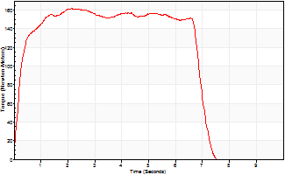
Isometric Extensors (Con) Angle 60 Time 10 Repetition 1 (Best Repetition)
 | Value | Cof Var | %BW
Peak Torque (Newton-Meters)
Right | 0 | 0 | 0
Left | 161 | 0 | 229
Deficit | 0
Average Torque (Newton-Meters)
Right | 0 | 0 | 0
Left | 103 | 0 | 146
Deficit | 0
Peak Torque Slope (Newton-Meters/Seconds)
Right | 0 | 0 | 0
Left | 75 | 0 | 107 |  | Right Side Curves Left Side Curves
Deficit | 0
Time to Half Peak Torque (Seconds)
Right | 0 | 0
Left | 0.21 | 0
Time to Peak Torque (Seconds)
Right | 0 | 0
Left | 2.14 | 0
HUMAC2015® Version: 15.000.0074 © Computer Sports Medicine, Inc. www.csmisolutions.com

Ark11
Use File, Preference to set Report Heading
Long Form Torque vs. Position Report - Knee Extension/Flexion
Name: |  |  |  | TR024_102, | ID: | TR024_102 | Right/Left: | 11.09.2020 11.09.2020


Right Side Curves Left Side Curves
Isokinetic Con/Con |  |  |  | Extensors (Con) |  | Flexors (Con)
Speed 60/60 d/s 3 Reps |  |  |  | Value | Cof Var | %BW | Value | Cof Var | %BW | Ratio

TORQUE PARAMETERS
Peak Torque (Newton-Meters - Best Repetition)
Right |  |  |  | 142 | 0.02 | 203 | 23 | 0.26 | 33 | 16
Left |  |  |  | 141 | 0.05 | 203 | 16 | 0.04 | 24 | 12
Deficit |  |  |  | 1 |  |  | 29
Work per Repetition (Newton-Meters - Best Repetition)
Right |  |  |  | 156 | 0.03 | 224 | 23 | 0.39 | 33 | 15
Left |  |  |  | 144 | 0.03 | 206 | 15 | 0.16 | 21 | 10
Deficit |  |  |  | 8 |  |  | 35
Average Power per Repetition (Watts - Best Repetition)
Right |  |  |  | 101 | 0.03 | 145 | 15 | 0.37 | 22 | 15
Left |  |  |  | 97 | 0.05 | 138 | 10 | 0.14 | 13 | 10
Deficit |  |  |  | 4 |  |  | 33
POSITION PARAMETERS
Joint Angle at Peak Torque (Degrees)
Right |  |  |  | 56 | 0.02 |  | 20 | 0.17
Left |  |  |  | 58 | 0.04 |  | 13 | 0.05
Range of Motion (Degrees)
Right |  |  |  | 0 | 0.35 |  | 90 | 0
Left |  |  |  | 0 | 0.28 |  | 88 | 0.03
TIME PARAMETERS
Time to Peak Torque (Seconds)
Right |  |  |  | 0.57 | 0.01 |  | 0.34 | 0.13
Left |  |  |  | 0.55 | 0.08 |  | 0.27 | 0.06
Time Peak Torque Held (Seconds)
Right |  |  |  | 0.06 | 0.44 |  | 0.13 | 0.13
Left |  |  |  | 0.06 | 0.1 |  | 0.06 | 0.87
Force Decay Time (Seconds)
Right |  |  |  | 0.91 | 0.04 |  | 1.03 | 0.04
Left |  |  |  | 0.94 | 0.03 |  | 1.22 | 0.05
Reciprocal Delay (Seconds)
Right |  |  |  | 0.12 | 0.06 |  | 0.2 | 0.09
Left |  |  |  | 0.12 | 0.06 |  | 0.22 | 0.03
Delay Time (Seconds)
Right |  |  |  | 0.01 | 0 |  | 0.04 | 0.42
Left |  |  |  | 0.01 | 0 |  | -0.02 | 0
HUMAC2015® Version: 15.000.0074 © Computer Sports Medicine, Inc. www.csmisolutions.com

Use File, Preference to set Report Heading
Long Form Torque vs. Position Report - Knee Extension/Flexion
Name: |  |  |  | TR024_102, | ID: | TR024_102 | Right/Left: | 11.09.2020 11.09.2020


Right Side Curves Left Side Curves
Isokinetic Con/Con |  |  |  | Extensors (Con) |  | Flexors (Con)
Speed 240/240 d/s 3 Reps |  |  |  | Value | Cof Var | %BW | Value | Cof Var | %BW | Ratio

TORQUE PARAMETERS
Peak Torque (Newton-Meters - Best Repetition)
Right |  |  |  | 87 | 0.09 | 125 | 5 | 0.21 | 9 | 6
Left |  |  |  | 91 | 0.02 | 131 | 14 | 0.95 | 18 | 15
Deficit |  |  |  | 4 |  |  | 60
Work per Repetition (Newton-Meters - Best Repetition)
Right |  |  |  | 80 | 0.16 | 113 | 1 | 0.1 | 3 | 2
Left |  |  |  | 85 | 0.07 | 122 | 3 | 0.33 | 3 | 3
Deficit |  |  |  | 6 |  |  | 50
Average Power per Repetition (Watts - Best Repetition)
Right |  |  |  | 155 | 0.18 | 222 | 1 | 0.09 | 2 | 1
Left |  |  |  | 159 | 0.02 | 226 | 2 | 0.29 | 2 | 1
Deficit |  |  |  | 3 |  |  | 50
POSITION PARAMETERS
Joint Angle at Peak Torque (Degrees)
Right |  |  |  | 54 | 0.15 |  | 9 | 0.48
Left |  |  |  | 64 | 0.26 |  | 32 | 1.49
Range of Motion (Degrees)
Right |  |  |  | 2 | 0.06 |  | 90 | 0
Left |  |  |  | 1 | 0 |  | 88 | 0.03
TIME PARAMETERS
Time to Peak Torque (Seconds)
Right |  |  |  | 0.25 | 0.03 |  | 0.16 | 0.5
Left |  |  |  | 0.24 | 0.12 |  | 0.51 | 1.34
Time Peak Torque Held (Seconds)
Right |  |  |  | 0.01 | 0.87 |  | 0.01 | 1.73
Left |  |  |  | 0.01 | 1.15 |  | 0 | 0
Force Decay Time (Seconds)
Right |  |  |  | 0.26 | 0.13 |  | 1.05 | 0.14
Left |  |  |  | 0.33 | 0.32 |  | 0.74 | 0.86
Reciprocal Delay (Seconds)
Right |  |  |  | 0.1 | 0.14 |  | 0.08 | 0.33
Left |  |  |  | 0.11 | 0.07 |  | 0.08 | 0.07
Delay Time (Seconds)
Right |  |  |  | -0.03 | 0 |  | -0.01 | -1.15
Left |  |  |  | -0.05 | -0.16 |  | -0.04 | 0
HUMAC2015® Version: 15.000.0074 © Computer Sports Medicine, Inc. www.csmisolutions.com

Use File, Preference to set Report Heading
Isometric - Knee Extension/Flexion
Name: |  |  |  | TR024_102, | ID: | TR024_102 | Right/Left: | 11.09.2020 11.09.2020


Isometric Extensors (Con) Angle 60 Time 10 Repetition 1 (Best Repetition)
 | Value | Cof Var | %BW
Peak Torque (Newton-Meters)
Right | 176 | 0 | 250
Left | 174 | 0 | 247
Deficit | 2
Average Torque (Newton-Meters)
Right | 134 | 0 | 191
Left | 98 | 0 | 140
Deficit | 27
Peak Torque Slope (Newton-Meters/Seconds)
Right | 28 | 0 | 40
Left | 56 | 0 | 80 |  | Right Side Curves Left Side Curves
Deficit | 51
Time to Half Peak Torque (Seconds)
Right | 0.15 | 0
Left | 0.19 | 0
Time to Peak Torque (Seconds)
Right | 6.33 | 0
Left | 3.08 | 0
HUMAC2015® Version: 15.000.0074 © Computer Sports Medicine, Inc. www.csmisolutions.com

Ark12
Use File, Preference to set Report Heading
Long Form Torque vs. Position Report - Knee Extension/Flexion
Name: |  |  |  | TR024_102, | ID: | TR024_102 | Right/Left: | 11.09.2020 11.09.2020


Right Side Curves Left Side Curves
Isokinetic Con/Con |  |  |  | Extensors (Con) |  | Flexors (Con)
Speed 60/60 d/s 3 Reps |  |  |  | Value | Cof Var | %BW | Value | Cof Var | %BW | Ratio

TORQUE PARAMETERS
Peak Torque (Newton-Meters - Best Repetition)
Right |  |  |  | 127 | 0.05 | 182 | 18 | 0.06 | 24 | 14
Left |  |  |  | 0 | 0 | 0 | 0 | 0 | 0 | 0
Deficit |  |  |  | 0 |  |  | 0
Work per Repetition (Newton-Meters - Best Repetition)
Right |  |  |  | 151 | 0.05 | 215 | 18 | 0.11 | 24 | 12
Left |  |  |  | 0 | 0 | 0 | 0 | 0 | 0 | 0
Deficit |  |  |  | 0 |  |  | 0
Average Power per Repetition (Watts - Best Repetition)
Right |  |  |  | 97 | 0.04 | 138 | 12 | 0.09 | 18 | 12
Left |  |  |  | 0 | 0 | 0 | 0 | 0 | 0 | 0
Deficit |  |  |  | 0 |  |  | 0
POSITION PARAMETERS
Joint Angle at Peak Torque (Degrees)
Right |  |  |  | 55 | 0.1 |  | 19 | 0.07
Left |  |  |  | 0 | 0 |  | 0 | 0
Range of Motion (Degrees)
Right |  |  |  | 0 | 0.2 |  | 90 | 0
Left |  |  |  | 0 | 0 |  | 0 | 0
TIME PARAMETERS
Time to Peak Torque (Seconds)
Right |  |  |  | 0.64 | 0.02 |  | 0.31 | 0.12
Left |  |  |  | 0 | 0 |  | 0 | 0
Time Peak Torque Held (Seconds)
Right |  |  |  | 0.09 | 0.69 |  | 0.09 | 0.87
Left |  |  |  | 0 | 0 |  | 0 | 0
Force Decay Time (Seconds)
Right |  |  |  | 0.85 | 0.03 |  | 1.07 | 0.09
Left |  |  |  | 0 | 0 |  | 0 | 0
Reciprocal Delay (Seconds)
Right |  |  |  | 0.12 | 0 |  | 0.16 | 0.31
Left |  |  |  | 0 | 0 |  | 0 | 0
Delay Time (Seconds)
Right |  |  |  | 0.01 | 0 |  | 0.05 | 1.01
Left |  |  |  | 0 | 0 |  | 0 | 0
HUMAC2015® Version: 15.000.0074 © Computer Sports Medicine, Inc. www.csmisolutions.com

Use File, Preference to set Report Heading
Long Form Torque vs. Position Report - Knee Extension/Flexion
Name: |  |  |  | TR024_102, | ID: | TR024_102 | Right/Left: | 11.09.2020 11.09.2020


Right Side Curves Left Side Curves
Isokinetic Con/Con |  |  |  | Extensors (Con) |  | Flexors (Con)
Speed 240/240 d/s 3 Reps |  |  |  | Value | Cof Var | %BW | Value | Cof Var | %BW | Ratio

TORQUE PARAMETERS
Peak Torque (Newton-Meters - Best Repetition)
Right |  |  |  | 83 | 0.04 | 119 | 4 | 0.34 | 6 | 5
Left |  |  |  | 0 | 0 | 0 | 0 | 0 | 0 | 0
Deficit |  |  |  | 0 |  |  | 0
Work per Repetition (Newton-Meters - Best Repetition)
Right |  |  |  | 81 | 0.04 | 116 | 1 | 0.24 | 3 | 2
Left |  |  |  | 0 | 0 | 0 | 0 | 0 | 0 | 0
Deficit |  |  |  | 0 |  |  | 0
Average Power per Repetition (Watts - Best Repetition)
Right |  |  |  | 156 | 0.05 | 222 | 1 | 0.19 | 2 | 1
Left |  |  |  | 0 | 0 | 0 | 0 | 0 | 0 | 0
Deficit |  |  |  | 0 |  |  | 0
POSITION PARAMETERS
Joint Angle at Peak Torque (Degrees)
Right |  |  |  | 51 | 0.04 |  | 31 | 1.43
Left |  |  |  | 0 | 0 |  | 0 | 0
Range of Motion (Degrees)
Right |  |  |  | 1 | 0 |  | 90 | 0
Left |  |  |  | 0 | 0 |  | 0 | 0
TIME PARAMETERS
Time to Peak Torque (Seconds)
Right |  |  |  | 0.25 | 0 |  | 0.58 | 1.42
Left |  |  |  | 0 | 0 |  | 0 | 0
Time Peak Torque Held (Seconds)
Right |  |  |  | 0.01 | 0.43 |  | 0.39 | 1.73
Left |  |  |  | 0 | 0 |  | 0 | 0
Force Decay Time (Seconds)
Right |  |  |  | 0.25 | 0.04 |  | 0.52 | 1.35
Left |  |  |  | 0 | 0 |  | 0 | 0
Reciprocal Delay (Seconds)
Right |  |  |  | 0.12 | 0.12 |  | 0.12 | 0.6
Left |  |  |  | 0 | 0 |  | 0 | 0
Delay Time (Seconds)
Right |  |  |  | -0.03 | 0 |  | 0.04 | 1.39
Left |  |  |  | 0 | 0 |  | 0 | 0
HUMAC2015® Version: 15.000.0074 © Computer Sports Medicine, Inc. www.csmisolutions.com

Use File, Preference to set Report Heading
Isometric - Knee Extension/Flexion
Name: |  |  |  | TR024_102, | ID: | TR024_102 | Right/Left: | 11.09.2020 11.09.2020


Isometric Extensors (Con) Angle 60 Time 10 Repetition 1 (Best Repetition)
 | Value | Cof Var | %BW
Peak Torque (Newton-Meters)
Right | 156 | 0 | 224
Left | 0 | 0 | 0
Deficit | 0
Average Torque (Newton-Meters)
Right | 106 | 0 | 152
Left | 0 | 0 | 0
Deficit | 0
Peak Torque Slope (Newton-Meters/Seconds)
Right | 89 | 0 | 127
Left | 0 | 0 | 0 |  | Right Side Curves Left Side Curves
Deficit | 0
Time to Half Peak Torque (Seconds)
Right | 0.12 | 0
Left | 0 | 0
Time to Peak Torque (Seconds)
Right | 1.73 | 0
Left | 0 | 0
HUMAC2015® Version: 15.000.0074 © Computer Sports Medicine, Inc. www.csmisolutions.com

Ark13
Use File, Preference to set Report Heading
Long Form Torque vs. Position Report - Knee Extension/Flexion
Name: |  |  |  | TR024_102, | ID: | TR024_102 | Right/Left: | 11.09.2020 11.09.2020


Right Side Curves Left Side Curves
Isokinetic Con/Con |  |  |  | Extensors (Con) |  | Flexors (Con)
Speed 60/60 d/s 3 Reps |  |  |  | Value | Cof Var | %BW | Value | Cof Var | %BW | Ratio

TORQUE PARAMETERS
Peak Torque (Newton-Meters - Best Repetition)
Right |  |  |  | 122 | 0.04 | 173 | 23 | 0.17 | 33 | 19
Left |  |  |  | 0 | 0 | 0 | 0 | 0 | 0 | 0
Deficit |  |  |  | 0 |  |  | 0
Work per Repetition (Newton-Meters - Best Repetition)
Right |  |  |  | 138 | 0.05 | 197 | 24 | 0.33 | 36 | 18
Left |  |  |  | 0 | 0 | 0 | 0 | 0 | 0 | 0
Deficit |  |  |  | 0 |  |  | 0
Average Power per Repetition (Watts - Best Repetition)
Right |  |  |  | 90 | 0.04 | 127 | 16 | 0.3 | 22 | 18
Left |  |  |  | 0 | 0 | 0 | 0 | 0 | 0 | 0
Deficit |  |  |  | 0 |  |  | 0
POSITION PARAMETERS
Joint Angle at Peak Torque (Degrees)
Right |  |  |  | 57 | 0.05 |  | 16 | 0.15
Left |  |  |  | 0 | 0 |  | 0 | 0
Range of Motion (Degrees)
Right |  |  |  | 0 | 0.71 |  | 89 | 0
Left |  |  |  | 0 | 0 |  | 0 | 0
TIME PARAMETERS
Time to Peak Torque (Seconds)
Right |  |  |  | 0.57 | 0 |  | 0.25 | 0.12
Left |  |  |  | 0 | 0 |  | 0 | 0
Time Peak Torque Held (Seconds)
Right |  |  |  | 0.07 | 0.14 |  | 0.07 | 1.73
Left |  |  |  | 0 | 0 |  | 0 | 0
Force Decay Time (Seconds)
Right |  |  |  | 0.89 | 0.06 |  | 1.14 | 0.06
Left |  |  |  | 0 | 0 |  | 0 | 0
Reciprocal Delay (Seconds)
Right |  |  |  | 0.08 | 0.18 |  | 0.14 | 0.21
Left |  |  |  | 0 | 0 |  | 0 | 0
Delay Time (Seconds)
Right |  |  |  | 0.01 | 0.47 |  | 0.05 | 0.49
Left |  |  |  | 0 | 0 |  | 0 | 0
HUMAC2015® Version: 15.000.0074 © Computer Sports Medicine, Inc. www.csmisolutions.com

Use File, Preference to set Report Heading
Long Form Torque vs. Position Report - Knee Extension/Flexion
Name: |  |  |  | TR024_102, | ID: | TR024_102 | Right/Left: | 11.09.2020 11.09.2020


Right Side Curves Left Side Curves
Isokinetic Con/Con |  |  |  | Extensors (Con) |  | Flexors (Con)
Speed 240/240 d/s 3 Reps |  |  |  | Value | Cof Var | %BW | Value | Cof Var | %BW | Ratio

TORQUE PARAMETERS
Peak Torque (Newton-Meters - Best Repetition)
Right |  |  |  | 85 | 0.01 | 122 | 14 | 0.69 | 18 | 16
Left |  |  |  | 0 | 0 | 0 | 0 | 0 | 0 | 0
Deficit |  |  |  | 0 |  |  | 0
Work per Repetition (Newton-Meters - Best Repetition)
Right |  |  |  | 85 | 0.04 | 122 | 1 | 0.19 | 3 | 2
Left |  |  |  | 0 | 0 | 0 | 0 | 0 | 0 | 0
Deficit |  |  |  | 0 |  |  | 0
Average Power per Repetition (Watts - Best Repetition)
Right |  |  |  | 172 | 0.03 | 246 | 2 | 0.26 | 2 | 1
Left |  |  |  | 0 | 0 | 0 | 0 | 0 | 0 | 0
Deficit |  |  |  | 0 |  |  | 0
POSITION PARAMETERS
Joint Angle at Peak Torque (Degrees)
Right |  |  |  | 56 | 0.17 |  | 62 | 0.68
Left |  |  |  | 0 | 0 |  | 0 | 0
Range of Motion (Degrees)
Right |  |  |  | 1 | 0.1 |  | 89 | 0.01
Left |  |  |  | 0 | 0 |  | 0 | 0
TIME PARAMETERS
Time to Peak Torque (Seconds)
Right |  |  |  | 0.23 | 0.03 |  | 0.88 | 0.64
Left |  |  |  | 0 | 0 |  | 0 | 0
Time Peak Torque Held (Seconds)
Right |  |  |  | 0.01 | 0 |  | 0 | 1.73
Left |  |  |  | 0 | 0 |  | 0 | 0
Force Decay Time (Seconds)
Right |  |  |  | 0.27 | 0.15 |  | 0.32 | 1.44
Left |  |  |  | 0 | 0 |  | 0 | 0
Reciprocal Delay (Seconds)
Right |  |  |  | 0.09 | 0 |  | 0.09 | 0.13
Left |  |  |  | 0 | 0 |  | 0 | 0
Delay Time (Seconds)
Right |  |  |  | -0.02 | 0 |  | 0.09 | 0.73
Left |  |  |  | 0 | 0 |  | 0 | 0
HUMAC2015® Version: 15.000.0074 © Computer Sports Medicine, Inc. www.csmisolutions.com

Use File, Preference to set Report Heading
Isometric - Knee Extension/Flexion
Name: |  |  |  | TR024_102, | ID: | TR024_102 | Right/Left: | 11.09.2020 11.09.2020


Isometric Extensors (Con) Angle 60 Time 10 Repetition 1 (Best Repetition)
 | Value | Cof Var | %BW
Peak Torque (Newton-Meters)
Right | 170 | 0 | 241
Left | 0 | 0 | 0
Deficit | 0
Average Torque (Newton-Meters)
Right | 129 | 0 | 185
Left | 0 | 0 | 0
Deficit | 0
Peak Torque Slope (Newton-Meters/Seconds)
Right | 118 | 0 | 169
Left | 0 | 0 | 0 |  | Right Side Curves Left Side Curves
Deficit | 0
Time to Half Peak Torque (Seconds)
Right | 0.11 | 0
Left | 0 | 0
Time to Peak Torque (Seconds)
Right | 1.43 | 0
Left | 0 | 0
HUMAC2015® Version: 15.000.0074 © Computer Sports Medicine, Inc. www.csmisolutions.com

Ark14
Use File, Preference to set Report Heading
Long Form Torque vs. Position Report - Knee Extension/Flexion
Name: |  |  |  | TR024_102, | ID: | TR024_102 | Right/Left: | 12.09.2020 12.09.2020


Right Side Curves Left Side Curves
Isokinetic Con/Con |  |  |  | Extensors (Con) |  | Flexors (Con)
Speed 60/60 d/s 3 Reps |  |  |  | Value | Cof Var | %BW | Value | Cof Var | %BW | Ratio

TORQUE PARAMETERS
Peak Torque (Newton-Meters - Best Repetition)
Right |  |  |  | 137 | 0.03 | 197 | 20 | 0.05 | 30 | 15
Left |  |  |  | 0 | 0 | 0 | 0 | 0 | 0 | 0
Deficit |  |  |  | 0 |  |  | 0
Work per Repetition (Newton-Meters - Best Repetition)
Right |  |  |  | 148 | 0.03 | 212 | 26 | 0.24 | 36 | 17
Left |  |  |  | 0 | 0 | 0 | 0 | 0 | 0 | 0
Deficit |  |  |  | 0 |  |  | 0
Average Power per Repetition (Watts - Best Repetition)
Right |  |  |  | 98 | 0.06 | 141 | 16 | 0.23 | 22 | 16
Left |  |  |  | 0 | 0 | 0 | 0 | 0 | 0 | 0
Deficit |  |  |  | 0 |  |  | 0
POSITION PARAMETERS
Joint Angle at Peak Torque (Degrees)
Right |  |  |  | 58 | 0.02 |  | 41 | 0.89
Left |  |  |  | 0 | 0 |  | 0 | 0
Range of Motion (Degrees)
Right |  |  |  | 1 | 0.31 |  | 90 | 0
Left |  |  |  | 0 | 0 |  | 0 | 0
TIME PARAMETERS
Time to Peak Torque (Seconds)
Right |  |  |  | 0.53 | 0 |  | 0.7 | 0.88
Left |  |  |  | 0 | 0 |  | 0 | 0
Time Peak Torque Held (Seconds)
Right |  |  |  | 0.05 | 0.35 |  | 0.1 | 0.94
Left |  |  |  | 0 | 0 |  | 0 | 0
Force Decay Time (Seconds)
Right |  |  |  | 0.93 | 0.03 |  | 0.72 | 0.71
Left |  |  |  | 0 | 0 |  | 0 | 0
Reciprocal Delay (Seconds)
Right |  |  |  | 0.11 | 0.07 |  | 0.18 | 0.35
Left |  |  |  | 0 | 0 |  | 0 | 0
Delay Time (Seconds)
Right |  |  |  | 0.01 | 0.47 |  | 0.02 | 2.29
Left |  |  |  | 0 | 0 |  | 0 | 0
HUMAC2015® Version: 15.000.0074 © Computer Sports Medicine, Inc. www.csmisolutions.com

Use File, Preference to set Report Heading
Long Form Torque vs. Position Report - Knee Extension/Flexion
Name: |  |  |  | TR024_102, | ID: | TR024_102 | Right/Left: | 12.09.2020 12.09.2020


Right Side Curves Left Side Curves
Isokinetic Con/Con |  |  |  | Extensors (Con) |  | Flexors (Con)
Speed 240/240 d/s 3 Reps |  |  |  | Value | Cof Var | %BW | Value | Cof Var | %BW | Ratio

TORQUE PARAMETERS
Peak Torque (Newton-Meters - Best Repetition)
Right |  |  |  | 85 | 0.04 | 122 | 5 | 0.21 | 9 | 6
Left |  |  |  | 0 | 0 | 0 | 0 | 0 | 0 | 0
Deficit |  |  |  | 0 |  |  | 0
Work per Repetition (Newton-Meters - Best Repetition)
Right |  |  |  | 81 | 0.12 | 116 | 3 | 0.35 | 3 | 3
Left |  |  |  | 0 | 0 | 0 | 0 | 0 | 0 | 0
Deficit |  |  |  | 0 |  |  | 0
Average Power per Repetition (Watts - Best Repetition)
Right |  |  |  | 167 | 0.13 | 237 | 2 | 0.34 | 2 | 1
Left |  |  |  | 0 | 0 | 0 | 0 | 0 | 0 | 0
Deficit |  |  |  | 0 |  |  | 0
POSITION PARAMETERS
Joint Angle at Peak Torque (Degrees)
Right |  |  |  | 55 | 0.02 |  | 5 | 0.89
Left |  |  |  | 0 | 0 |  | 0 | 0
Range of Motion (Degrees)
Right |  |  |  | 1 | 0.03 |  | 90 | 0
Left |  |  |  | 0 | 0 |  | 0 | 0
TIME PARAMETERS
Time to Peak Torque (Seconds)
Right |  |  |  | 0.21 | 0 |  | 0.09 | 0.87
Left |  |  |  | 0 | 0 |  | 0 | 0
Time Peak Torque Held (Seconds)
Right |  |  |  | 0.01 | 0 |  | 0 | 0
Left |  |  |  | 0 | 0 |  | 0 | 0
Force Decay Time (Seconds)
Right |  |  |  | 0.26 | 0.02 |  | 1.08 | 0.1
Left |  |  |  | 0 | 0 |  | 0 | 0
Reciprocal Delay (Seconds)
Right |  |  |  | 0.07 | 0.2 |  | 0.06 | 0
Left |  |  |  | 0 | 0 |  | 0 | 0
Delay Time (Seconds)
Right |  |  |  | -0.01 | 0 |  | -0.02 | -0.25
Left |  |  |  | 0 | 0 |  | 0 | 0
HUMAC2015® Version: 15.000.0074 © Computer Sports Medicine, Inc. www.csmisolutions.com

Use File, Preference to set Report Heading
Isometric - Knee Extension/Flexion
Name: |  |  |  | TR024_102, | ID: | TR024_102 | Right/Left: | 12.09.2020 12.09.2020


Isometric Extensors (Con) Angle 60 Time 10 Repetition 1 (Best Repetition)
 | Value | Cof Var | %BW
Peak Torque (Newton-Meters)
Right | 183 | 0 | 262
Left | 0 | 0 | 0
Deficit | 0
Average Torque (Newton-Meters)
Right | 132 | 0 | 188
Left | 0 | 0 | 0
Deficit | 0
Peak Torque Slope (Newton-Meters/Seconds)
Right | 39 | 0 | 56
Left | 0 | 0 | 0 |  | Right Side Curves Left Side Curves
Deficit | 0
Time to Half Peak Torque (Seconds)
Right | 0.12 | 0
Left | 0 | 0
Time to Peak Torque (Seconds)
Right | 4.65 | 0
Left | 0 | 0
HUMAC2015® Version: 15.000.0074 © Computer Sports Medicine, Inc. www.csmisolutions.com

