Ark1
Use File, Preference to set Report Heading
Long Form Torque vs. Position Report - Knee Extension/Flexion
Name: |  |  |  | TR024_103, | ID: | TR024_103 | Right/Left: | 24.08.2020 24.08.2020
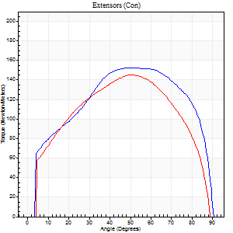
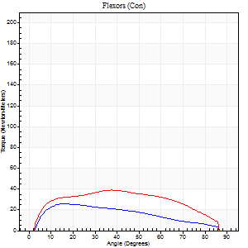
Right Side Curves Left Side Curves
Isokinetic Con/Con |  |  |  | Extensors (Con) |  | Flexors (Con)
Speed 60/60 d/s 3 Reps |  |  |  | Value | Cof Var | %BW | Value | Cof Var | %BW | Ratio

TORQUE PARAMETERS
Peak Torque (Newton-Meters - Best Repetition)
Right |  |  |  | 152 | 0.02 | 212 | 26 | 0.16 | 36 | 17
Left |  |  |  | 145 | 0.05 | 203 | 39 | 0.36 | 54 | 27
Deficit |  |  |  | 4 |  |  | 34
Work per Repetition (Newton-Meters - Best Repetition)
Right |  |  |  | 180 | 0.06 | 250 | 28 | 0.43 | 39 | 16
Left |  |  |  | 161 | 0.03 | 224 | 49 | 0.45 | 69 | 30
Deficit |  |  |  | 11 |  |  | 42
Average Power per Repetition (Watts - Best Repetition)
Right |  |  |  | 115 | 0.04 | 160 | 19 | 0.39 | 26 | 17
Left |  |  |  | 107 | 0.04 | 149 | 32 | 0.45 | 44 | 30
Deficit |  |  |  | 7 |  |  | 41
POSITION PARAMETERS
Joint Angle at Peak Torque (Degrees)
Right |  |  |  | 53 | 0.01 |  | 21 | 0.77
Left |  |  |  | 48 | 0.05 |  | 27 | 0.62
Range of Motion (Degrees)
Right |  |  |  | 0 | 0.71 |  | 90 | 0
Left |  |  |  | 0 | 0.2 |  | 90 | 0
TIME PARAMETERS
Time to Peak Torque (Seconds)
Right |  |  |  | 0.62 | 0.01 |  | 0.34 | 0.76
Left |  |  |  | 0.71 | 0.07 |  | 0.45 | 0.58
Time Peak Torque Held (Seconds)
Right |  |  |  | 0.06 | 0.83 |  | 0.03 | 1.45
Left |  |  |  | 0.03 | 0.33 |  | 0.11 | 0.83
Force Decay Time (Seconds)
Right |  |  |  | 0.84 | 0.07 |  | 1.08 | 0.18
Left |  |  |  | 0.8 | 0.05 |  | 0.93 | 0.19
Reciprocal Delay (Seconds)
Right |  |  |  | 0.14 | 0.2 |  | 0.16 | 0.06
Left |  |  |  | 0.13 | 0.22 |  | 0.13 | 0.15
Delay Time (Seconds)
Right |  |  |  | 0.01 | 0 |  | 0.04 | 0.69
Left |  |  |  | 0.01 | 0.47 |  | 0.02 | 0.87
HUMAC2015® Version: 15.000.0074 © Computer Sports Medicine, Inc. www.csmisolutions.com

Use File, Preference to set Report Heading
Long Form Torque vs. Position Report - Knee Extension/Flexion
Name: |  |  |  | TR024_103, | ID: | TR024_103 | Right/Left: | 24.08.2020 24.08.2020
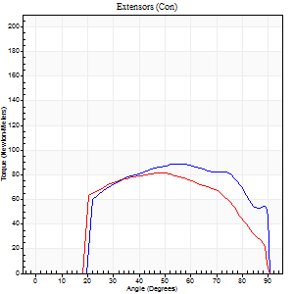
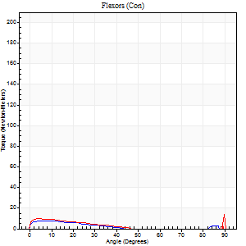
Right Side Curves Left Side Curves
Isokinetic Con/Con |  |  |  | Extensors (Con) |  | Flexors (Con)
Speed 240/240 d/s 3 Reps |  |  |  | Value | Cof Var | %BW | Value | Cof Var | %BW | Ratio

TORQUE PARAMETERS
Peak Torque (Newton-Meters - Best Repetition)
Right |  |  |  | 89 | 0.05 | 125 | 8 | 0.26 | 12 | 9
Left |  |  |  | 81 | 0.05 | 113 | 23 | 0.6 | 33 | 28
Deficit |  |  |  | 9 |  |  | 65
Work per Repetition (Newton-Meters - Best Repetition)
Right |  |  |  | 94 | 0.06 | 131 | 4 | 0.41 | 6 | 4
Left |  |  |  | 84 | 0.05 | 116 | 5 | 0.33 | 9 | 6
Deficit |  |  |  | 10 |  |  | 25
Average Power per Repetition (Watts - Best Repetition)
Right |  |  |  | 161 | 0.03 | 224 | 3 | 0.53 | 4 | 2
Left |  |  |  | 150 | 0.05 | 209 | 5 | 0.44 | 7 | 3
Deficit |  |  |  | 7 |  |  | 40
POSITION PARAMETERS
Joint Angle at Peak Torque (Degrees)
Right |  |  |  | 53 | 0.04 |  | 6 | 0.53
Left |  |  |  | 47 | 0.07 |  | 62 | 0.81
Range of Motion (Degrees)
Right |  |  |  | 0 | 1.89 |  | 90 | 0
Left |  |  |  | 0 | 0 |  | 90 | 0.01
TIME PARAMETERS
Time to Peak Torque (Seconds)
Right |  |  |  | 0.22 | 0.03 |  | 0.22 | 0.16
Left |  |  |  | 0.25 | 0.09 |  | 0.97 | 0.71
Time Peak Torque Held (Seconds)
Right |  |  |  | 0.02 | 0.25 |  | 0.04 | 1.73
Left |  |  |  | 0.02 | 0.35 |  | 0.04 | 1.73
Force Decay Time (Seconds)
Right |  |  |  | 0.3 | 0.08 |  | 1.11 | 0.18
Left |  |  |  | 0.28 | 0.07 |  | 0.08 | 4.9
Reciprocal Delay (Seconds)
Right |  |  |  | 0.19 | 0.37 |  | 0.39 | 0.25
Left |  |  |  | 0.26 | 0.05 |  | 0.41 | 0.08
Delay Time (Seconds)
Right |  |  |  | -0.01 | -0.47 |  | -0.07 | -0.09
Left |  |  |  | 0 | -1.41 |  | -0.07 | -0.23
HUMAC2015® Version: 15.000.0074 © Computer Sports Medicine, Inc. www.csmisolutions.com

Use File, Preference to set Report Heading
Isometric - Knee Extension/Flexion
Name: |  |  |  | TR024_103, | ID: | TR024_103 | Right/Left: | 24.08.2020 24.08.2020

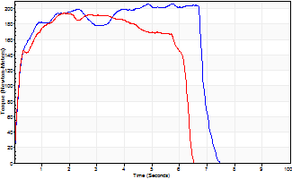
Isometric Extensors (Con) Angle 60 Time 10 Repetition 1 (Best Repetition)
 | Value | Cof Var | %BW
Peak Torque (Newton-Meters)
Right | 206 | 0 | 286
Left | 194 | 0 | 271
Deficit | 6
Average Torque (Newton-Meters)
Right | 130 | 0 | 182
Left | 108 | 0 | 152
Deficit | 17
Peak Torque Slope (Newton-Meters/Seconds)
Right | 42 | 0 | 59
Left | 107 | 0 | 149 |  | Right Side Curves Left Side Curves
Deficit | 61
Time to Half Peak Torque (Seconds)
Right | 0.17 | 0
Left | 0.15 | 0
Time to Peak Torque (Seconds)
Right | 4.85 | 0
Left | 1.8 | 0
HUMAC2015® Version: 15.000.0074 © Computer Sports Medicine, Inc. www.csmisolutions.com

Ark2
Use File, Preference to set Report Heading
Long Form Torque vs. Position Report - Knee Extension/Flexion
Name: |  |  |  | TR024_103, | ID: | TR024_103 | Right/Left: | 26.08.2020 26.08.2020
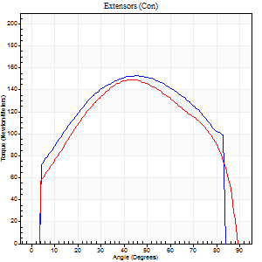
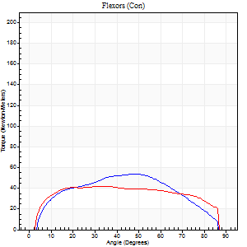
Right Side Curves Left Side Curves
Isokinetic Con/Con |  |  |  | Extensors (Con) |  | Flexors (Con)
Speed 60/60 d/s 3 Reps |  |  |  | Value | Cof Var | %BW | Value | Cof Var | %BW | Ratio

TORQUE PARAMETERS
Peak Torque (Newton-Meters - Best Repetition)
Right |  |  |  | 153 | 0.05 | 215 | 53 | 0.43 | 75 | 35
Left |  |  |  | 149 | 0.01 | 209 | 42 | 0.36 | 60 | 28
Deficit |  |  |  | 3 |  |  | 21
Work per Repetition (Newton-Meters - Best Repetition)
Right |  |  |  | 176 | 0.06 | 244 | 56 | 0.49 | 77 | 32
Left |  |  |  | 168 | 0.02 | 232 | 53 | 0.53 | 75 | 31
Deficit |  |  |  | 5 |  |  | 5
Average Power per Repetition (Watts - Best Repetition)
Right |  |  |  | 123 | 0.09 | 171 | 38 | 0.46 | 53 | 31
Left |  |  |  | 113 | 0.02 | 158 | 35 | 0.51 | 48 | 31
Deficit |  |  |  | 8 |  |  | 8
POSITION PARAMETERS
Joint Angle at Peak Torque (Degrees)
Right |  |  |  | 46 | 0.01 |  | 40 | 0.45
Left |  |  |  | 45 | 0.02 |  | 30 | 0.35
Range of Motion (Degrees)
Right |  |  |  | 0 | 0.85 |  | 86 | 0.03
Left |  |  |  | 1 | 0.06 |  | 89 | 0.02
TIME PARAMETERS
Time to Peak Torque (Seconds)
Right |  |  |  | 0.72 | 0.03 |  | 0.61 | 0.49
Left |  |  |  | 0.76 | 0.02 |  | 0.46 | 0.36
Time Peak Torque Held (Seconds)
Right |  |  |  | 0.07 | 0.31 |  | 0.01 | 1.73
Left |  |  |  | 0.06 | 0.1 |  | 0.05 | 0.87
Force Decay Time (Seconds)
Right |  |  |  | 0.74 | 0.04 |  | 0.75 | 0.34
Left |  |  |  | 0.69 | 0.01 |  | 0.96 | 0.19
Reciprocal Delay (Seconds)
Right |  |  |  | 0.06 | 0.33 |  | 0.11 | 0.05
Left |  |  |  | 0.14 | 0.1 |  | 0.07 | 0.09
Delay Time (Seconds)
Right |  |  |  | -0.01 | -0.47 |  | 0.07 | 0.21
Left |  |  |  | 0.01 | 0.47 |  | 0.04 | 0.31
HUMAC2015® Version: 15.000.0074 © Computer Sports Medicine, Inc. www.csmisolutions.com

Use File, Preference to set Report Heading
Long Form Torque vs. Position Report - Knee Extension/Flexion
Name: |  |  |  | TR024_103, | ID: | TR024_103 | Right/Left: | 26.08.2020 26.08.2020
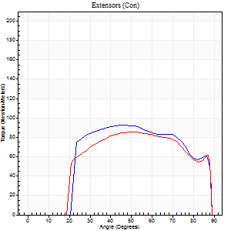

Right Side Curves Left Side Curves
Isokinetic Con/Con |  |  |  | Extensors (Con) |  | Flexors (Con)
Speed 240/240 d/s 3 Reps |  |  |  | Value | Cof Var | %BW | Value | Cof Var | %BW | Ratio

TORQUE PARAMETERS
Peak Torque (Newton-Meters - Best Repetition)
Right |  |  |  | 92 | 0.01 | 128 | 5 | 0.05 | 9 | 6
Left |  |  |  | 85 | 0.03 | 119 | 24 | 0.72 | 33 | 29
Deficit |  |  |  | 7 |  |  | 78
Work per Repetition (Newton-Meters - Best Repetition)
Right |  |  |  | 95 | 0.03 | 131 | 4 | 0.38 | 6 | 4
Left |  |  |  | 89 | 0.04 | 125 | 5 | 0.19 | 9 | 6
Deficit |  |  |  | 6 |  |  | 25
Average Power per Repetition (Watts - Best Repetition)
Right |  |  |  | 171 | 0.05 | 237 | 3 | 0.42 | 4 | 2
Left |  |  |  | 156 | 0.04 | 218 | 5 | 0.22 | 7 | 3
Deficit |  |  |  | 9 |  |  | 40
POSITION PARAMETERS
Joint Angle at Peak Torque (Degrees)
Right |  |  |  | 44 | 0.01 |  | 9 | 1.06
Left |  |  |  | 50 | 0.02 |  | 61 | 0.81
Range of Motion (Degrees)
Right |  |  |  | 0 | -1.41 |  | 89 | 0.01
Left |  |  |  | 0 | 1.41 |  | 89 | 0.01
TIME PARAMETERS
Time to Peak Torque (Seconds)
Right |  |  |  | 0.28 | 0.03 |  | 0.25 | 0.54
Left |  |  |  | 0.23 | 0.09 |  | 0.76 | 0.63
Time Peak Torque Held (Seconds)
Right |  |  |  | 0.02 | 0.87 |  | 0.01 | 1.73
Left |  |  |  | 0.02 | 0.49 |  | 0.03 | 1.45
Force Decay Time (Seconds)
Right |  |  |  | 0.27 | 0.06 |  | 1.09 | 0.29
Left |  |  |  | 0.29 | 0.04 |  | 0.14 | 3.71
Reciprocal Delay (Seconds)
Right |  |  |  | 0.17 | 0.08 |  | 0.51 | 0.25
Left |  |  |  | 0.25 | 0.75 |  | 0.32 | 0.11
Delay Time (Seconds)
Right |  |  |  | -0.04 | -0.2 |  | -0.07 | -0.09
Left |  |  |  | -0.01 | -1.41 |  | -0.07 | -0.38
HUMAC2015® Version: 15.000.0074 © Computer Sports Medicine, Inc. www.csmisolutions.com

Use File, Preference to set Report Heading
Isometric - Knee Extension/Flexion
Name: |  |  |  | TR024_103, | ID: | TR024_103 | Right/Left: | 26.08.2020 26.08.2020

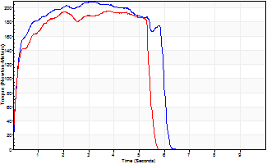
Isometric Extensors (Con) Angle 60 Time 10 Repetition 1 (Best Repetition)
 | Value | Cof Var | %BW
Peak Torque (Newton-Meters)
Right | 209 | 0 | 289
Left | 195 | 0 | 271
Deficit | 6
Average Torque (Newton-Meters)
Right | 113 | 0 | 158
Left | 96 | 0 | 134
Deficit | 14
Peak Torque Slope (Newton-Meters/Seconds)
Right | 65 | 0 | 91
Left | 51 | 0 | 72 |  | Right Side Curves Left Side Curves
Deficit | 21
Time to Half Peak Torque (Seconds)
Right | 0.17 | 0
Left | 0.15 | 0
Time to Peak Torque (Seconds)
Right | 3.18 | 0
Left | 3.79 | 0
HUMAC2015® Version: 15.000.0074 © Computer Sports Medicine, Inc. www.csmisolutions.com

Ark3
Use File, Preference to set Report Heading
Long Form Torque vs. Position Report - Knee Extension/Flexion
Name: |  |  |  | TR024_103, | ID: | TR024_103 | Right/Left: | 30.08.2020 30.08.2020
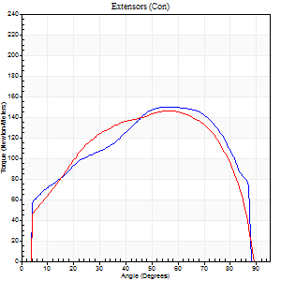
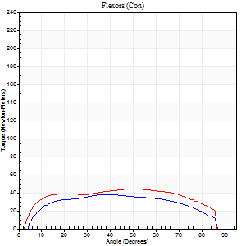
Right Side Curves Left Side Curves
Isokinetic Con/Con |  |  |  | Extensors (Con) |  | Flexors (Con)
Speed 60/60 d/s 3 Reps |  |  |  | Value | Cof Var | %BW | Value | Cof Var | %BW | Ratio

TORQUE PARAMETERS
Peak Torque (Newton-Meters - Best Repetition)
Right |  |  |  | 151 | 0.01 | 209 | 38 | 0.38 | 54 | 25
Left |  |  |  | 146 | 0.02 | 203 | 45 | 0.4 | 63 | 31
Deficit |  |  |  | 3 |  |  | 15
Work per Repetition (Newton-Meters - Best Repetition)
Right |  |  |  | 171 | 0.01 | 238 | 42 | 0.47 | 60 | 25
Left |  |  |  | 165 | 0.03 | 229 | 53 | 0.56 | 75 | 32
Deficit |  |  |  | 3 |  |  | 21
Average Power per Repetition (Watts - Best Repetition)
Right |  |  |  | 114 | 0.01 | 158 | 29 | 0.47 | 40 | 25
Left |  |  |  | 109 | 0.03 | 152 | 36 | 0.57 | 51 | 33
Deficit |  |  |  | 4 |  |  | 19
POSITION PARAMETERS
Joint Angle at Peak Torque (Degrees)
Right |  |  |  | 55 | 0.04 |  | 39 | 0.5
Left |  |  |  | 55 | 0.01 |  | 28 | 0.71
Range of Motion (Degrees)
Right |  |  |  | 0 | 0.47 |  | 89 | 0.01
Left |  |  |  | 0 | 0.94 |  | 90 | 0
TIME PARAMETERS
Time to Peak Torque (Seconds)
Right |  |  |  | 0.61 | 0 |  | 0.61 | 0.52
Left |  |  |  | 0.56 | 0.01 |  | 0.48 | 0.61
Time Peak Torque Held (Seconds)
Right |  |  |  | 0.05 | 0.53 |  | 0.08 | 0.46
Left |  |  |  | 0.06 | 0.1 |  | 0.04 | 0.96
Force Decay Time (Seconds)
Right |  |  |  | 0.88 | 0 |  | 0.75 | 0.47
Left |  |  |  | 0.88 | 0.02 |  | 0.98 | 0.31
Reciprocal Delay (Seconds)
Right |  |  |  | 0.08 | 0.47 |  | 0.11 | 0.44
Left |  |  |  | 0.08 | 0.28 |  | 0.13 | 0.64
Delay Time (Seconds)
Right |  |  |  | 0 | -1.41 |  | 0.07 | 0
Left |  |  |  | 0.02 | 0 |  | 0.01 | 6.24
HUMAC2015® Version: 15.000.0074 © Computer Sports Medicine, Inc. www.csmisolutions.com

Use File, Preference to set Report Heading
Long Form Torque vs. Position Report - Knee Extension/Flexion
Name: |  |  |  | TR024_103, | ID: | TR024_103 | Right/Left: | 30.08.2020 30.08.2020
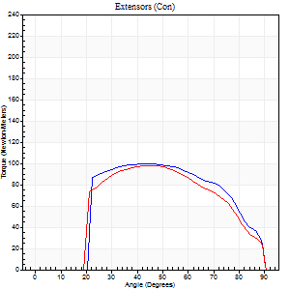
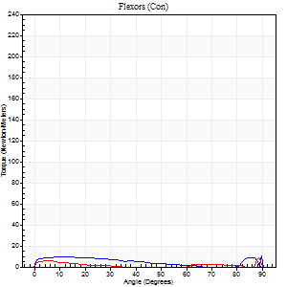
Right Side Curves Left Side Curves
Isokinetic Con/Con |  |  |  | Extensors (Con) |  | Flexors (Con)
Speed 240/240 d/s 3 Reps |  |  |  | Value | Cof Var | %BW | Value | Cof Var | %BW | Ratio

TORQUE PARAMETERS
Peak Torque (Newton-Meters - Best Repetition)
Right |  |  |  | 100 | 0.02 | 140 | 16 | 0.42 | 24 | 16
Left |  |  |  | 98 | 0.03 | 137 | 8 | 0.27 | 12 | 8
Deficit |  |  |  | 3 |  |  | 50
Work per Repetition (Newton-Meters - Best Repetition)
Right |  |  |  | 99 | 0.02 | 137 | 8 | 0.24 | 12 | 8
Left |  |  |  | 94 | 0.04 | 131 | 3 | 0.79 | 3 | 3
Deficit |  |  |  | 5 |  |  | 67
Average Power per Repetition (Watts - Best Repetition)
Right |  |  |  | 174 | 0.03 | 242 | 9 | 0.2 | 13 | 5
Left |  |  |  | 174 | 0.05 | 242 | 2 | 0.22 | 2 | 1
Deficit |  |  |  | 0 |  |  | 78
POSITION PARAMETERS
Joint Angle at Peak Torque (Degrees)
Right |  |  |  | 47 | 0.05 |  | 63 | 0.74
Left |  |  |  | 45 | 0.11 |  | 32 | 1.52
Range of Motion (Degrees)
Right |  |  |  | 0 | -0.47 |  | 90 | 0
Left |  |  |  | 0 | 0.47 |  | 90 | 0
TIME PARAMETERS
Time to Peak Torque (Seconds)
Right |  |  |  | 0.26 | 0.05 |  | 0.73 | 0.56
Left |  |  |  | 0.27 | 0.1 |  | 0.15 | 0.59
Time Peak Torque Held (Seconds)
Right |  |  |  | 0.03 | 0.22 |  | 0.02 | 1.32
Left |  |  |  | 0.02 | 0.35 |  | 0.01 | 1.73
Force Decay Time (Seconds)
Right |  |  |  | 0.28 | 0.06 |  | 0.03 | 10.57
Left |  |  |  | 0.26 | 0.08 |  | 0.66 | 0.82
Reciprocal Delay (Seconds)
Right |  |  |  | 0.48 | 0.21 |  | 0.41 | 0.16
Left |  |  |  | 0.36 | 0.43 |  | 0.2 | 0.08
Delay Time (Seconds)
Right |  |  |  | -0.02 | 0 |  | -0.05 | -0.2
Left |  |  |  | -0.02 | -0.71 |  | 0.27 | 2.27
HUMAC2015® Version: 15.000.0074 © Computer Sports Medicine, Inc. www.csmisolutions.com

Use File, Preference to set Report Heading
Isometric - Knee Extension/Flexion
Name: |  |  |  | TR024_103, | ID: | TR024_103 | Right/Left: | 30.08.2020 30.08.2020

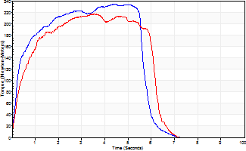
Isometric Extensors (Con) Angle 60 Time 10 Repetition 1 (Best Repetition)
 | Value | Cof Var | %BW
Peak Torque (Newton-Meters)
Right | 233 | 0 | 325
Left | 217 | 0 | 301
Deficit | 7
Average Torque (Newton-Meters)
Right | 118 | 0 | 164
Left | 115 | 0 | 161
Deficit | 2
Peak Torque Slope (Newton-Meters/Seconds)
Right | 52 | 0 | 73
Left | 61 | 0 | 85 |  | Right Side Curves Left Side Curves
Deficit | 14
Time to Half Peak Torque (Seconds)
Right | 0.28 | 0
Left | 0.46 | 0
Time to Peak Torque (Seconds)
Right | 4.46 | 0
Left | 3.54 | 0
HUMAC2015® Version: 15.000.0074 © Computer Sports Medicine, Inc. www.csmisolutions.com

Ark4
Use File, Preference to set Report Heading
Long Form Torque vs. Position Report - Knee Extension/Flexion
Name: |  |  |  | TR024_103, | ID: | TR024_103 | Right/Left: | 03.09.2020 03.09.2020
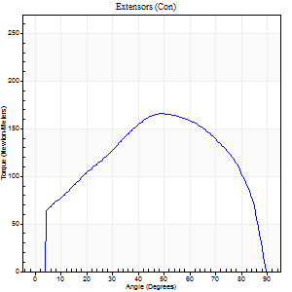
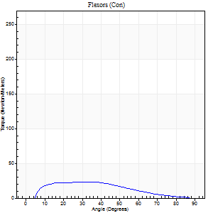
Right Side Curves Left Side Curves
Isokinetic Con/Con |  |  |  | Extensors (Con) |  | Flexors (Con)
Speed 60/60 d/s 3 Reps |  |  |  | Value | Cof Var | %BW | Value | Cof Var | %BW | Ratio

TORQUE PARAMETERS
Peak Torque (Newton-Meters - Best Repetition)
Right |  |  |  | 165 | 0.03 | 229 | 23 | 0.25 | 33 | 14
Left |  |  |  | 0 | 0 | 0 | 0 | 0 | 0 | 0
Deficit |  |  |  | 0 |  |  | 0
Work per Repetition (Newton-Meters - Best Repetition)
Right |  |  |  | 183 | 0.03 | 253 | 20 | 0.36 | 27 | 11
Left |  |  |  | 0 | 0 | 0 | 0 | 0 | 0 | 0
Deficit |  |  |  | 0 |  |  | 0
Average Power per Repetition (Watts - Best Repetition)
Right |  |  |  | 117 | 0.03 | 163 | 14 | 0.36 | 20 | 12
Left |  |  |  | 0 | 0 | 0 | 0 | 0 | 0 | 0
Deficit |  |  |  | 0 |  |  | 0
POSITION PARAMETERS
Joint Angle at Peak Torque (Degrees)
Right |  |  |  | 49 | 0.01 |  | 20 | 0.64
Left |  |  |  | 0 | 0 |  | 0 | 0
Range of Motion (Degrees)
Right |  |  |  | 0 | 1.01 |  | 90 | 0
Left |  |  |  | 0 | 0 |  | 0 | 0
TIME PARAMETERS
Time to Peak Torque (Seconds)
Right |  |  |  | 0.72 | 0.03 |  | 0.31 | 0.5
Left |  |  |  | 0 | 0 |  | 0 | 0
Time Peak Torque Held (Seconds)
Right |  |  |  | 0.04 | 0.25 |  | 0.06 | 0.62
Left |  |  |  | 0 | 0 |  | 0 | 0
Force Decay Time (Seconds)
Right |  |  |  | 0.81 | 0.02 |  | 1.1 | 0.19
Left |  |  |  | 0 | 0 |  | 0 | 0
Reciprocal Delay (Seconds)
Right |  |  |  | 0.18 | 0.39 |  | 0.16 | 0.47
Left |  |  |  | 0 | 0 |  | 0 | 0
Delay Time (Seconds)
Right |  |  |  | -0.02 | -1.41 |  | 0.05 | 1.43
Left |  |  |  | 0 | 0 |  | 0 | 0
HUMAC2015® Version: 15.000.0074 © Computer Sports Medicine, Inc. www.csmisolutions.com

Use File, Preference to set Report Heading
Long Form Torque vs. Position Report - Knee Extension/Flexion
Name: |  |  |  | TR024_103, | ID: | TR024_103 | Right/Left: | 03.09.2020 03.09.2020
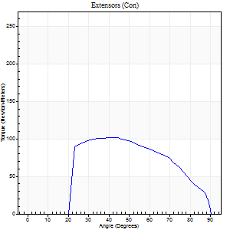
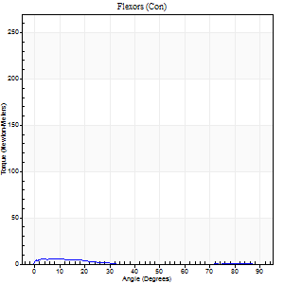
Right Side Curves Left Side Curves
Isokinetic Con/Con |  |  |  | Extensors (Con) |  | Flexors (Con)
Speed 240/240 d/s 3 Reps |  |  |  | Value | Cof Var | %BW | Value | Cof Var | %BW | Ratio

TORQUE PARAMETERS
Peak Torque (Newton-Meters - Best Repetition)
Right |  |  |  | 102 | 0.02 | 140 | 5 | 0.06 | 9 | 5
Left |  |  |  | 0 | 0 | 0 | 0 | 0 | 0 | 0
Deficit |  |  |  | 0 |  |  | 0
Work per Repetition (Newton-Meters - Best Repetition)
Right |  |  |  | 99 | 0.02 | 137 | 3 | 0.27 | 3 | 3
Left |  |  |  | 0 | 0 | 0 | 0 | 0 | 0 | 0
Deficit |  |  |  | 0 |  |  | 0
Average Power per Repetition (Watts - Best Repetition)
Right |  |  |  | 176 | 0.06 | 244 | 4 | 0.52 | 7 | 2
Left |  |  |  | 0 | 0 | 0 | 0 | 0 | 0 | 0
Deficit |  |  |  | 0 |  |  | 0
POSITION PARAMETERS
Joint Angle at Peak Torque (Degrees)
Right |  |  |  | 39 | 0.02 |  | 5 | 0.76
Left |  |  |  | 0 | 0 |  | 0 | 0
Range of Motion (Degrees)
Right |  |  |  | 0 | 2.83 |  | 90 | 0
Left |  |  |  | 0 | 0 |  | 0 | 0
TIME PARAMETERS
Time to Peak Torque (Seconds)
Right |  |  |  | 0.28 | 0.02 |  | 0.2 | 0.3
Left |  |  |  | 0 | 0 |  | 0 | 0
Time Peak Torque Held (Seconds)
Right |  |  |  | 0.01 | 0 |  | 0.07 | 0.89
Left |  |  |  | 0 | 0 |  | 0 | 0
Force Decay Time (Seconds)
Right |  |  |  | 0.26 | 0.02 |  | 0.94 | 0.31
Left |  |  |  | 0 | 0 |  | 0 | 0
Reciprocal Delay (Seconds)
Right |  |  |  | 0.2 | 0.79 |  | 0.35 | 0.1
Left |  |  |  | 0 | 0 |  | 0 | 0
Delay Time (Seconds)
Right |  |  |  | -0.02 | -0.28 |  | -0.07 | -0.23
Left |  |  |  | 0 | 0 |  | 0 | 0
HUMAC2015® Version: 15.000.0074 © Computer Sports Medicine, Inc. www.csmisolutions.com

Use File, Preference to set Report Heading
Isometric - Knee Extension/Flexion
Name: |  |  |  | TR024_103, | ID: | TR024_103 | Right/Left: | 03.09.2020 03.09.2020

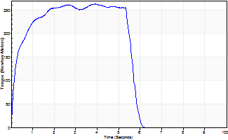
Isometric Extensors (Con) Angle 60 Time 10 Repetition 1 (Best Repetition)
 | Value | Cof Var | %BW
Peak Torque (Newton-Meters)
Right | 263 | 0 | 367
Left | 0 | 0 | 0
Deficit | 0
Average Torque (Newton-Meters)
Right | 134 | 0 | 188
Left | 0 | 0 | 0
Deficit | 0
Peak Torque Slope (Newton-Meters/Seconds)
Right | 68 | 0 | 94
Left | 0 | 0 | 0 |  | Right Side Curves Left Side Curves
Deficit | 0
Time to Half Peak Torque (Seconds)
Right | 0.21 | 0
Left | 0 | 0
Time to Peak Torque (Seconds)
Right | 3.87 | 0
Left | 0 | 0
HUMAC2015® Version: 15.000.0074 © Computer Sports Medicine, Inc. www.csmisolutions.com

Ark5
Use File, Preference to set Report Heading
Long Form Torque vs. Position Report - Knee Extension/Flexion
Name: |  |  |  | TR024_103, | ID: | TR024_103 | Right/Left: | 04.09.2020 04.09.2020
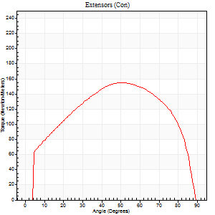
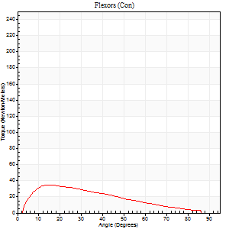
Right Side Curves Left Side Curves
Isokinetic Con/Con |  |  |  | Extensors (Con) |  | Flexors (Con)
Speed 60/60 d/s 3 Reps |  |  |  | Value | Cof Var | %BW | Value | Cof Var | %BW | Ratio

TORQUE PARAMETERS
Peak Torque (Newton-Meters - Best Repetition)
Right |  |  |  | 0 | 0 | 0 | 0 | 0 | 0 | 0
Left |  |  |  | 155 | 0.05 | 215 | 35 | 0.31 | 48 | 23
Deficit |  |  |  | 0 |  |  | 0
Work per Repetition (Newton-Meters - Best Repetition)
Right |  |  |  | 0 | 0 | 0 | 0 | 0 | 0 | 0
Left |  |  |  | 176 | 0.03 | 244 | 28 | 0.32 | 39 | 16
Deficit |  |  |  | 0 |  |  | 0
Average Power per Repetition (Watts - Best Repetition)
Right |  |  |  | 0 | 0 | 0 | 0 | 0 | 0 | 0
Left |  |  |  | 117 | 0.04 | 163 | 19 | 0.32 | 26 | 16
Deficit |  |  |  | 0 |  |  | 0
POSITION PARAMETERS
Joint Angle at Peak Torque (Degrees)
Right |  |  |  | 0 | 0 |  | 0 | 0
Left |  |  |  | 49 | 0.06 |  | 15 | 0.04
Range of Motion (Degrees)
Right |  |  |  | 0 | 0 |  | 0 | 0
Left |  |  |  | 0 | 0.61 |  | 88 | 0.02
TIME PARAMETERS
Time to Peak Torque (Seconds)
Right |  |  |  | 0 | 0 |  | 0 | 0
Left |  |  |  | 0.64 | 0.01 |  | 0.23 | 0.02
Time Peak Torque Held (Seconds)
Right |  |  |  | 0 | 0 |  | 0 | 0
Left |  |  |  | 0.06 | 0.18 |  | 0.02 | 0.99
Force Decay Time (Seconds)
Right |  |  |  | 0 | 0 |  | 0 | 0
Left |  |  |  | 0.79 | 0.09 |  | 1.22 | 0.03
Reciprocal Delay (Seconds)
Right |  |  |  | 0 | 0 |  | 0 | 0
Left |  |  |  | 0.05 | 0.13 |  | 0.13 | 0.15
Delay Time (Seconds)
Right |  |  |  | 0 | 0 |  | 0 | 0
Left |  |  |  | 0 | 0 |  | 0.03 | 0.22
HUMAC2015® Version: 15.000.0074 © Computer Sports Medicine, Inc. www.csmisolutions.com

Use File, Preference to set Report Heading
Long Form Torque vs. Position Report - Knee Extension/Flexion
Name: |  |  |  | TR024_103, | ID: | TR024_103 | Right/Left: | 04.09.2020 04.09.2020
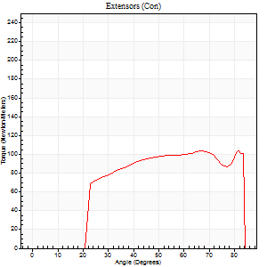
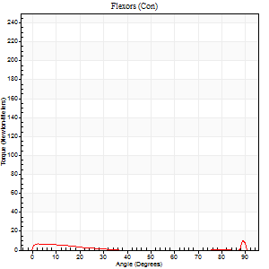
Right Side Curves Left Side Curves
Isokinetic Con/Con |  |  |  | Extensors (Con) |  | Flexors (Con)
Speed 240/240 d/s 3 Reps |  |  |  | Value | Cof Var | %BW | Value | Cof Var | %BW | Ratio

TORQUE PARAMETERS
Peak Torque (Newton-Meters - Best Repetition)
Right |  |  |  | 0 | 0 | 0 | 0 | 0 | 0 | 0
Left |  |  |  | 103 | 0.08 | 143 | 18 | 0.71 | 24 | 17
Deficit |  |  |  | 0 |  |  | 0
Work per Repetition (Newton-Meters - Best Repetition)
Right |  |  |  | 0 | 0 | 0 | 0 | 0 | 0 | 0
Left |  |  |  | 95 | 0.03 | 131 | 3 | 0.16 | 3 | 3
Deficit |  |  |  | 0 |  |  | 0
Average Power per Repetition (Watts - Best Repetition)
Right |  |  |  | 0 | 0 | 0 | 0 | 0 | 0 | 0
Left |  |  |  | 196 | 0.11 | 273 | 2 | 0.24 | 2 | 1
Deficit |  |  |  | 0 |  |  | 0
POSITION PARAMETERS
Joint Angle at Peak Torque (Degrees)
Right |  |  |  | 0 | 0 |  | 0 | 0
Left |  |  |  | 56 | 0.17 |  | 34 | 1.47
Range of Motion (Degrees)
Right |  |  |  | 0 | 0 |  | 0 | 0
Left |  |  |  | 0 | -1.41 |  | 88 | 0.04
TIME PARAMETERS
Time to Peak Torque (Seconds)
Right |  |  |  | 0 | 0 |  | 0 | 0
Left |  |  |  | 0.22 | 0.03 |  | 0.58 | 0.97
Time Peak Torque Held (Seconds)
Right |  |  |  | 0 | 0 |  | 0 | 0
Left |  |  |  | 0.02 | 0.49 |  | 0 | 1.73
Force Decay Time (Seconds)
Right |  |  |  | 0 | 0 |  | 0 | 0
Left |  |  |  | 0.33 | 0.17 |  | 0.62 | 1.02
Reciprocal Delay (Seconds)
Right |  |  |  | 0 | 0 |  | 0 | 0
Left |  |  |  | 0.14 | 0.16 |  | 0.42 | 0.17
Delay Time (Seconds)
Right |  |  |  | 0 | 0 |  | 0 | 0
Left |  |  |  | -0.01 | 0 |  | -0.1 | -0.26
HUMAC2015® Version: 15.000.0074 © Computer Sports Medicine, Inc. www.csmisolutions.com

Use File, Preference to set Report Heading
Isometric - Knee Extension/Flexion
Name: |  |  |  | TR024_103, | ID: | TR024_103 | Right/Left: | 04.09.2020 04.09.2020

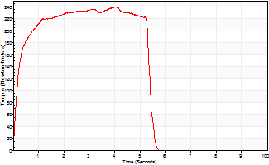
Isometric Extensors (Con) Angle 60 Time 10 Repetition 1 (Best Repetition)
 | Value | Cof Var | %BW
Peak Torque (Newton-Meters)
Right | 0 | 0 | 0
Left | 240 | 0 | 334
Deficit | 0
Average Torque (Newton-Meters)
Right | 0 | 0 | 0
Left | 117 | 0 | 161
Deficit | 0
Peak Torque Slope (Newton-Meters/Seconds)
Right | 0 | 0 | 0
Left | 60 | 0 | 83 |  | Right Side Curves Left Side Curves
Deficit | 0
Time to Half Peak Torque (Seconds)
Right | 0 | 0
Left | 0.19 | 0
Time to Peak Torque (Seconds)
Right | 0 | 0
Left | 4.01 | 0
HUMAC2015® Version: 15.000.0074 © Computer Sports Medicine, Inc. www.csmisolutions.com

Ark6
Use File, Preference to set Report Heading
Long Form Torque vs. Position Report - Knee Extension/Flexion
Name: |  |  |  | TR024_103, | ID: | TR024_103 | Right/Left: | 07.09.2020 07.09.2020
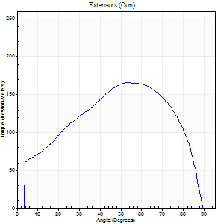
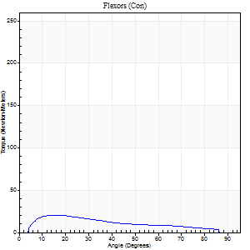
Right Side Curves Left Side Curves
Isokinetic Con/Con |  |  |  | Extensors (Con) |  | Flexors (Con)
Speed 60/60 d/s 3 Reps |  |  |  | Value | Cof Var | %BW | Value | Cof Var | %BW | Ratio

TORQUE PARAMETERS
Peak Torque (Newton-Meters - Best Repetition)
Right |  |  |  | 165 | 0.06 | 229 | 20 | 0.17 | 27 | 12
Left |  |  |  | 0 | 0 | 0 | 0 | 0 | 0 | 0
Deficit |  |  |  | 0 |  |  | 0
Work per Repetition (Newton-Meters - Best Repetition)
Right |  |  |  | 179 | 0.02 | 250 | 16 | 0.2 | 24 | 9
Left |  |  |  | 0 | 0 | 0 | 0 | 0 | 0 | 0
Deficit |  |  |  | 0 |  |  | 0
Average Power per Repetition (Watts - Best Repetition)
Right |  |  |  | 118 | 0.03 | 165 | 11 | 0.18 | 15 | 9
Left |  |  |  | 0 | 0 | 0 | 0 | 0 | 0 | 0
Deficit |  |  |  | 0 |  |  | 0
POSITION PARAMETERS
Joint Angle at Peak Torque (Degrees)
Right |  |  |  | 52 | 0.04 |  | 15 | 0.24
Left |  |  |  | 0 | 0 |  | 0 | 0
Range of Motion (Degrees)
Right |  |  |  | 0 | 0.85 |  | 90 | 0
Left |  |  |  | 0 | 0 |  | 0 | 0
TIME PARAMETERS
Time to Peak Torque (Seconds)
Right |  |  |  | 0.64 | 0.07 |  | 0.2 | 0.19
Left |  |  |  | 0 | 0 |  | 0 | 0
Time Peak Torque Held (Seconds)
Right |  |  |  | 0.07 | 0.48 |  | 0.01 | 1.73
Left |  |  |  | 0 | 0 |  | 0 | 0
Force Decay Time (Seconds)
Right |  |  |  | 0.83 | 0.05 |  | 1.24 | 0.1
Left |  |  |  | 0 | 0 |  | 0 | 0
Reciprocal Delay (Seconds)
Right |  |  |  | 0.09 | 0.22 |  | 0.12 | 0.2
Left |  |  |  | 0 | 0 |  | 0 | 0
Delay Time (Seconds)
Right |  |  |  | 0.01 | 0 |  | 0.08 | 0.53
Left |  |  |  | 0 | 0 |  | 0 | 0
HUMAC2015® Version: 15.000.0074 © Computer Sports Medicine, Inc. www.csmisolutions.com

Use File, Preference to set Report Heading
Long Form Torque vs. Position Report - Knee Extension/Flexion
Name: |  |  |  | TR024_103, | ID: | TR024_103 | Right/Left: | 07.09.2020 07.09.2020
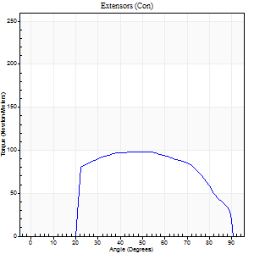
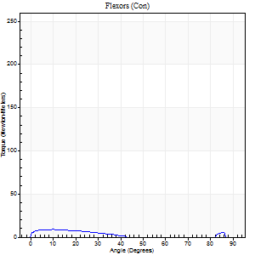
Right Side Curves Left Side Curves
Isokinetic Con/Con |  |  |  | Extensors (Con) |  | Flexors (Con)
Speed 240/240 d/s 3 Reps |  |  |  | Value | Cof Var | %BW | Value | Cof Var | %BW | Ratio

TORQUE PARAMETERS
Peak Torque (Newton-Meters - Best Repetition)
Right |  |  |  | 98 | 0.04 | 137 | 9 | 0.28 | 12 | 10
Left |  |  |  | 0 | 0 | 0 | 0 | 0 | 0 | 0
Deficit |  |  |  | 0 |  |  | 0
Work per Repetition (Newton-Meters - Best Repetition)
Right |  |  |  | 100 | 0.05 | 140 | 5 | 0.51 | 9 | 5
Left |  |  |  | 0 | 0 | 0 | 0 | 0 | 0 | 0
Deficit |  |  |  | 0 |  |  | 0
Average Power per Repetition (Watts - Best Repetition)
Right |  |  |  | 178 | 0.07 | 248 | 4 | 0.5 | 7 | 2
Left |  |  |  | 0 | 0 | 0 | 0 | 0 | 0 | 0
Deficit |  |  |  | 0 |  |  | 0
POSITION PARAMETERS
Joint Angle at Peak Torque (Degrees)
Right |  |  |  | 44 | 0.1 |  | 7 | 0.39
Left |  |  |  | 0 | 0 |  | 0 | 0
Range of Motion (Degrees)
Right |  |  |  | 0 | -0.47 |  | 90 | 0
Left |  |  |  | 0 | 0 |  | 0 | 0
TIME PARAMETERS
Time to Peak Torque (Seconds)
Right |  |  |  | 0.25 | 0.06 |  | 0.23 | 0.09
Left |  |  |  | 0 | 0 |  | 0 | 0
Time Peak Torque Held (Seconds)
Right |  |  |  | 0.02 | 0.5 |  | 0.02 | 1.32
Left |  |  |  | 0 | 0 |  | 0 | 0
Force Decay Time (Seconds)
Right |  |  |  | 0.28 | 0.02 |  | 0.84 | 0.16
Left |  |  |  | 0 | 0 |  | 0 | 0
Reciprocal Delay (Seconds)
Right |  |  |  | 0.14 | 0.51 |  | 0.73 | 0.19
Left |  |  |  | 0 | 0 |  | 0 | 0
Delay Time (Seconds)
Right |  |  |  | -0.02 | 0 |  | -0.06 | -0.09
Left |  |  |  | 0 | 0 |  | 0 | 0
HUMAC2015® Version: 15.000.0074 © Computer Sports Medicine, Inc. www.csmisolutions.com

Use File, Preference to set Report Heading
Isometric - Knee Extension/Flexion
Name: |  |  |  | TR024_103, | ID: | TR024_103 | Right/Left: | 07.09.2020 07.09.2020

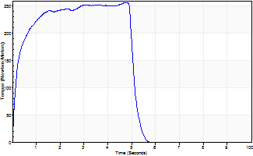
Isometric Extensors (Con) Angle 60 Time 10 Repetition 1 (Best Repetition)
 | Value | Cof Var | %BW
Peak Torque (Newton-Meters)
Right | 256 | 0 | 358
Left | 0 | 0 | 0
Deficit | 0
Average Torque (Newton-Meters)
Right | 119 | 0 | 167
Left | 0 | 0 | 0
Deficit | 0
Peak Torque Slope (Newton-Meters/Seconds)
Right | 53 | 0 | 74
Left | 0 | 0 | 0 |  | Right Side Curves Left Side Curves
Deficit | 0
Time to Half Peak Torque (Seconds)
Right | 0.19 | 0
Left | 0 | 0
Time to Peak Torque (Seconds)
Right | 4.8 | 0
Left | 0 | 0
HUMAC2015® Version: 15.000.0074 © Computer Sports Medicine, Inc. www.csmisolutions.com

Ark7
Use File, Preference to set Report Heading
Long Form Torque vs. Position Report - Knee Extension/Flexion
Name: |  |  |  | TR024_103, | ID: | TR024_103 | Right/Left: | 08.09.2020 08.09.2020
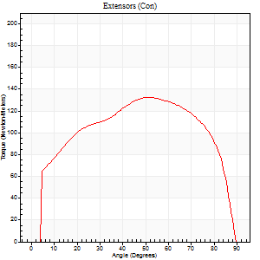
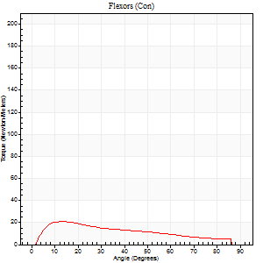
Right Side Curves Left Side Curves
Isokinetic Con/Con |  |  |  | Extensors (Con) |  | Flexors (Con)
Speed 60/60 d/s 3 Reps |  |  |  | Value | Cof Var | %BW | Value | Cof Var | %BW | Ratio

TORQUE PARAMETERS
Peak Torque (Newton-Meters - Best Repetition)
Right |  |  |  | 0 | 0 | 0 | 0 | 0 | 0 | 0
Left |  |  |  | 133 | 0.02 | 185 | 20 | 0.13 | 27 | 15
Deficit |  |  |  | 0 |  |  | 0
Work per Repetition (Newton-Meters - Best Repetition)
Right |  |  |  | 0 | 0 | 0 | 0 | 0 | 0 | 0
Left |  |  |  | 159 | 0.01 | 221 | 18 | 0.23 | 24 | 11
Deficit |  |  |  | 0 |  |  | 0
Average Power per Repetition (Watts - Best Repetition)
Right |  |  |  | 0 | 0 | 0 | 0 | 0 | 0 | 0
Left |  |  |  | 101 | 0 | 141 | 12 | 0.21 | 18 | 12
Deficit |  |  |  | 0 |  |  | 0
POSITION PARAMETERS
Joint Angle at Peak Torque (Degrees)
Right |  |  |  | 0 | 0 |  | 0 | 0
Left |  |  |  | 56 | 0.09 |  | 13 | 0.11
Range of Motion (Degrees)
Right |  |  |  | 0 | 0 |  | 0 | 0
Left |  |  |  | 0 | 1.41 |  | 90 | 0
TIME PARAMETERS
Time to Peak Torque (Seconds)
Right |  |  |  | 0 | 0 |  | 0 | 0
Left |  |  |  | 0.61 | 0.13 |  | 0.21 | 0.07
Time Peak Torque Held (Seconds)
Right |  |  |  | 0 | 0 |  | 0 | 0
Left |  |  |  | 0.08 | 0.25 |  | 0.02 | 1.73
Force Decay Time (Seconds)
Right |  |  |  | 0 | 0 |  | 0 | 0
Left |  |  |  | 0.89 | 0.06 |  | 1.27 | 0.06
Reciprocal Delay (Seconds)
Right |  |  |  | 0 | 0 |  | 0 | 0
Left |  |  |  | 0.16 | 0.14 |  | 0.16 | 0.25
Delay Time (Seconds)
Right |  |  |  | 0 | 0 |  | 0 | 0
Left |  |  |  | 0.01 | 0 |  | 0.03 | 0.33
HUMAC2015® Version: 15.000.0074 © Computer Sports Medicine, Inc. www.csmisolutions.com

Use File, Preference to set Report Heading
Long Form Torque vs. Position Report - Knee Extension/Flexion
Name: |  |  |  | TR024_103, | ID: | TR024_103 | Right/Left: | 08.09.2020 08.09.2020
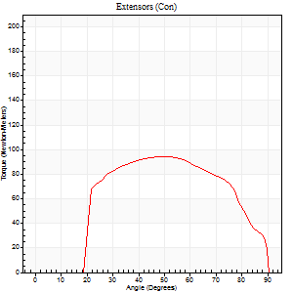
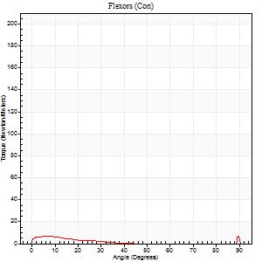
Right Side Curves Left Side Curves
Isokinetic Con/Con |  |  |  | Extensors (Con) |  | Flexors (Con)
Speed 240/240 d/s 3 Reps |  |  |  | Value | Cof Var | %BW | Value | Cof Var | %BW | Ratio

TORQUE PARAMETERS
Peak Torque (Newton-Meters - Best Repetition)
Right |  |  |  | 0 | 0 | 0 | 0 | 0 | 0 | 0
Left |  |  |  | 95 | 0.04 | 131 | 12 | 0.46 | 18 | 13
Deficit |  |  |  | 0 |  |  | 0
Work per Repetition (Newton-Meters - Best Repetition)
Right |  |  |  | 0 | 0 | 0 | 0 | 0 | 0 | 0
Left |  |  |  | 95 | 0.06 | 131 | 4 | 0.28 | 6 | 4
Deficit |  |  |  | 0 |  |  | 0
Average Power per Repetition (Watts - Best Repetition)
Right |  |  |  | 0 | 0 | 0 | 0 | 0 | 0 | 0
Left |  |  |  | 170 | 0.07 | 237 | 4 | 0.35 | 7 | 2
Deficit |  |  |  | 0 |  |  | 0
POSITION PARAMETERS
Joint Angle at Peak Torque (Degrees)
Right |  |  |  | 0 | 0 |  | 0 | 0
Left |  |  |  | 51 | 0.03 |  | 61 | 0.84
Range of Motion (Degrees)
Right |  |  |  | 0 | 0 |  | 0 | 0
Left |  |  |  | 0 | 0 |  | 90 | 0
TIME PARAMETERS
Time to Peak Torque (Seconds)
Right |  |  |  | 0 | 0 |  | 0 | 0
Left |  |  |  | 0.23 | 0.03 |  | 0.86 | 0.72
Time Peak Torque Held (Seconds)
Right |  |  |  | 0 | 0 |  | 0 | 0
Left |  |  |  | 0.02 | 0.49 |  | 0.01 | 1.73
Force Decay Time (Seconds)
Right |  |  |  | 0 | 0 |  | 0 | 0
Left |  |  |  | 0.29 | 0.05 |  | 0.21 | 2.63
Reciprocal Delay (Seconds)
Right |  |  |  | 0 | 0 |  | 0 | 0
Left |  |  |  | 0.23 | 0.06 |  | 0.47 | 0.2
Delay Time (Seconds)
Right |  |  |  | 0 | 0 |  | 0 | 0
Left |  |  |  | -0.02 | -0.28 |  | -0.08 | -0.08
HUMAC2015® Version: 15.000.0074 © Computer Sports Medicine, Inc. www.csmisolutions.com

Use File, Preference to set Report Heading
Isometric - Knee Extension/Flexion
Name: |  |  |  | TR024_103, | ID: | TR024_103 | Right/Left: | 08.09.2020 08.09.2020

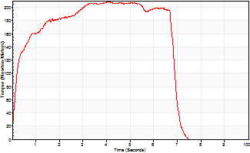
Isometric Extensors (Con) Angle 60 Time 10 Repetition 1 (Best Repetition)
 | Value | Cof Var | %BW
Peak Torque (Newton-Meters)
Right | 0 | 0 | 0
Left | 209 | 0 | 289
Deficit | 0
Average Torque (Newton-Meters)
Right | 0 | 0 | 0
Left | 127 | 0 | 176
Deficit | 0
Peak Torque Slope (Newton-Meters/Seconds)
Right | 0 | 0 | 0
Left | 51 | 0 | 70 |  | Right Side Curves Left Side Curves
Deficit | 0
Time to Half Peak Torque (Seconds)
Right | 0 | 0
Left | 0.22 | 0
Time to Peak Torque (Seconds)
Right | 0 | 0
Left | 4.11 | 0
HUMAC2015® Version: 15.000.0074 © Computer Sports Medicine, Inc. www.csmisolutions.com

Ark8
Use File, Preference to set Report Heading
Long Form Torque vs. Position Report - Knee Extension/Flexion
Name: |  |  |  | TR024_103, | ID: | TR024_103 | Right/Left: | 10.09.2020 10.09.2020
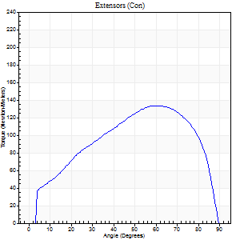
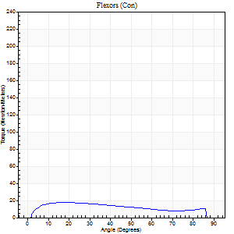
Right Side Curves Left Side Curves
Isokinetic Con/Con |  |  |  | Extensors (Con) |  | Flexors (Con)
Speed 60/60 d/s 3 Reps |  |  |  | Value | Cof Var | %BW | Value | Cof Var | %BW | Ratio

TORQUE PARAMETERS
Peak Torque (Newton-Meters - Best Repetition)
Right |  |  |  | 133 | 0.03 | 185 | 18 | 0.09 | 24 | 13
Left |  |  |  | 0 | 0 | 0 | 0 | 0 | 0 | 0
Deficit |  |  |  | 0 |  |  | 0
Work per Repetition (Newton-Meters - Best Repetition)
Right |  |  |  | 142 | 0.05 | 197 | 19 | 0.27 | 27 | 13
Left |  |  |  | 0 | 0 | 0 | 0 | 0 | 0 | 0
Deficit |  |  |  | 0 |  |  | 0
Average Power per Repetition (Watts - Best Repetition)
Right |  |  |  | 92 | 0.05 | 127 | 12 | 0.23 | 18 | 13
Left |  |  |  | 0 | 0 | 0 | 0 | 0 | 0 | 0
Deficit |  |  |  | 0 |  |  | 0
POSITION PARAMETERS
Joint Angle at Peak Torque (Degrees)
Right |  |  |  | 65 | 0.1 |  | 14 | 0.25
Left |  |  |  | 0 | 0 |  | 0 | 0
Range of Motion (Degrees)
Right |  |  |  | 0 | 0 |  | 90 | 0
Left |  |  |  | 0 | 0 |  | 0 | 0
TIME PARAMETERS
Time to Peak Torque (Seconds)
Right |  |  |  | 0.48 | 0.1 |  | 0.25 | 0.19
Left |  |  |  | 0 | 0 |  | 0 | 0
Time Peak Torque Held (Seconds)
Right |  |  |  | 0.05 | 0.12 |  | 0.07 | 0.94
Left |  |  |  | 0 | 0 |  | 0 | 0
Force Decay Time (Seconds)
Right |  |  |  | 1.06 | 0.09 |  | 1.17 | 0.08
Left |  |  |  | 0 | 0 |  | 0 | 0
Reciprocal Delay (Seconds)
Right |  |  |  | 0.14 | 0.3 |  | 0.16 | 0.11
Left |  |  |  | 0 | 0 |  | 0 | 0
Delay Time (Seconds)
Right |  |  |  | 0 | 0 |  | 0.01 | 1
Left |  |  |  | 0 | 0 |  | 0 | 0
HUMAC2015® Version: 15.000.0074 © Computer Sports Medicine, Inc. www.csmisolutions.com

Use File, Preference to set Report Heading
Long Form Torque vs. Position Report - Knee Extension/Flexion
Name: |  |  |  | TR024_103, | ID: | TR024_103 | Right/Left: | 10.09.2020 10.09.2020
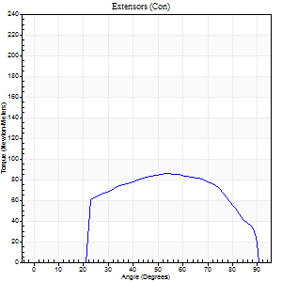
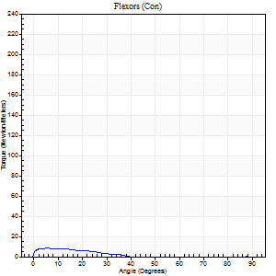
Right Side Curves Left Side Curves
Isokinetic Con/Con |  |  |  | Extensors (Con) |  | Flexors (Con)
Speed 240/240 d/s 3 Reps |  |  |  | Value | Cof Var | %BW | Value | Cof Var | %BW | Ratio

TORQUE PARAMETERS
Peak Torque (Newton-Meters - Best Repetition)
Right |  |  |  | 85 | 0.02 | 119 | 8 | 0.28 | 12 | 10
Left |  |  |  | 0 | 0 | 0 | 0 | 0 | 0 | 0
Deficit |  |  |  | 0 |  |  | 0
Work per Repetition (Newton-Meters - Best Repetition)
Right |  |  |  | 84 | 0.03 | 116 | 4 | 0.35 | 6 | 5
Left |  |  |  | 0 | 0 | 0 | 0 | 0 | 0 | 0
Deficit |  |  |  | 0 |  |  | 0
Average Power per Repetition (Watts - Best Repetition)
Right |  |  |  | 151 | 0.06 | 211 | 4 | 0.45 | 7 | 3
Left |  |  |  | 0 | 0 | 0 | 0 | 0 | 0 | 0
Deficit |  |  |  | 0 |  |  | 0
POSITION PARAMETERS
Joint Angle at Peak Torque (Degrees)
Right |  |  |  | 53 | 0.02 |  | 5 | 0.06
Left |  |  |  | 0 | 0 |  | 0 | 0
Range of Motion (Degrees)
Right |  |  |  | 0 | 2.83 |  | 90 | 0
Left |  |  |  | 0 | 0 |  | 0 | 0
TIME PARAMETERS
Time to Peak Torque (Seconds)
Right |  |  |  | 0.22 | 0.03 |  | 0.22 | 0.12
Left |  |  |  | 0 | 0 |  | 0 | 0
Time Peak Torque Held (Seconds)
Right |  |  |  | 0.01 | 0.87 |  | 0.06 | 1.17
Left |  |  |  | 0 | 0 |  | 0 | 0
Force Decay Time (Seconds)
Right |  |  |  | 0.33 | 0.05 |  | 0.79 | 0.28
Left |  |  |  | 0 | 0 |  | 0 | 0
Reciprocal Delay (Seconds)
Right |  |  |  | 0.14 | 0.61 |  | 0.65 | 0.01
Left |  |  |  | 0 | 0 |  | 0 | 0
Delay Time (Seconds)
Right |  |  |  | -0.02 | 0 |  | -0.07 | -0.21
Left |  |  |  | 0 | 0 |  | 0 | 0
HUMAC2015® Version: 15.000.0074 © Computer Sports Medicine, Inc. www.csmisolutions.com

Use File, Preference to set Report Heading
Isometric - Knee Extension/Flexion
Name: |  |  |  | TR024_103, | ID: | TR024_103 | Right/Left: | 10.09.2020 10.09.2020

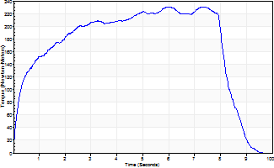
Isometric Extensors (Con) Angle 60 Time 10 Repetition 1 (Best Repetition)
 | Value | Cof Var | %BW
Peak Torque (Newton-Meters)
Right | 231 | 0 | 322
Left | 0 | 0 | 0
Deficit | 0
Average Torque (Newton-Meters)
Right | 165 | 0 | 229
Left | 0 | 0 | 0
Deficit | 0
Peak Torque Slope (Newton-Meters/Seconds)
Right | 39 | 0 | 54
Left | 0 | 0 | 0 |  | Right Side Curves Left Side Curves
Deficit | 0
Time to Half Peak Torque (Seconds)
Right | 0.39 | 0
Left | 0 | 0
Time to Peak Torque (Seconds)
Right | 5.96 | 0
Left | 0 | 0
HUMAC2015® Version: 15.000.0074 © Computer Sports Medicine, Inc. www.csmisolutions.com

Ark9
Use File, Preference to set Report Heading
Long Form Torque vs. Position Report - Knee Extension/Flexion
Name: |  |  |  | TR024_103, | ID: | TR024_103 | Right/Left: | 10.09.2020 10.09.2020
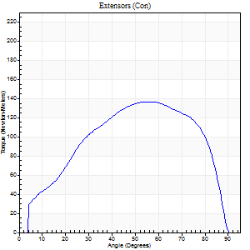
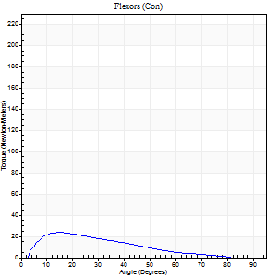
Right Side Curves Left Side Curves
Isokinetic Con/Con |  |  |  | Extensors (Con) |  | Flexors (Con)
Speed 60/60 d/s 3 Reps |  |  |  | Value | Cof Var | %BW | Value | Cof Var | %BW | Ratio

TORQUE PARAMETERS
Peak Torque (Newton-Meters - Best Repetition)
Right |  |  |  | 137 | 0.04 | 191 | 23 | 0.29 | 33 | 17
Left |  |  |  | 0 | 0 | 0 | 0 | 0 | 0 | 0
Deficit |  |  |  | 0 |  |  | 0
Work per Repetition (Newton-Meters - Best Repetition)
Right |  |  |  | 146 | 0.04 | 203 | 16 | 0.31 | 24 | 11
Left |  |  |  | 0 | 0 | 0 | 0 | 0 | 0 | 0
Deficit |  |  |  | 0 |  |  | 0
Average Power per Repetition (Watts - Best Repetition)
Right |  |  |  | 94 | 0.04 | 130 | 10 | 0.28 | 13 | 11
Left |  |  |  | 0 | 0 | 0 | 0 | 0 | 0 | 0
Deficit |  |  |  | 0 |  |  | 0
POSITION PARAMETERS
Joint Angle at Peak Torque (Degrees)
Right |  |  |  | 54 | 0.04 |  | 12 | 0.23
Left |  |  |  | 0 | 0 |  | 0 | 0
Range of Motion (Degrees)
Right |  |  |  | 0 | 0.85 |  | 90 | 0
Left |  |  |  | 0 | 0 |  | 0 | 0
TIME PARAMETERS
Time to Peak Torque (Seconds)
Right |  |  |  | 0.62 | 0.05 |  | 0.19 | 0.16
Left |  |  |  | 0 | 0 |  | 0 | 0
Time Peak Torque Held (Seconds)
Right |  |  |  | 0.07 | 0.21 |  | 0.05 | 0.89
Left |  |  |  | 0 | 0 |  | 0 | 0
Force Decay Time (Seconds)
Right |  |  |  | 0.84 | 0.03 |  | 1.25 | 0.11
Left |  |  |  | 0 | 0 |  | 0 | 0
Reciprocal Delay (Seconds)
Right |  |  |  | 0.08 | 0.18 |  | 0.13 | 0.36
Left |  |  |  | 0 | 0 |  | 0 | 0
Delay Time (Seconds)
Right |  |  |  | -0.03 | 0 |  | 0.03 | 0.67
Left |  |  |  | 0 | 0 |  | 0 | 0
HUMAC2015® Version: 15.000.0074 © Computer Sports Medicine, Inc. www.csmisolutions.com

Use File, Preference to set Report Heading
Long Form Torque vs. Position Report - Knee Extension/Flexion
Name: |  |  |  | TR024_103, | ID: | TR024_103 | Right/Left: | 10.09.2020 10.09.2020
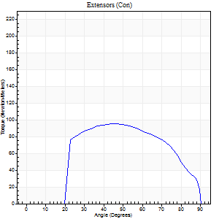
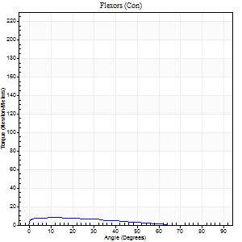
Right Side Curves Left Side Curves
Isokinetic Con/Con |  |  |  | Extensors (Con) |  | Flexors (Con)
Speed 240/240 d/s 3 Reps |  |  |  | Value | Cof Var | %BW | Value | Cof Var | %BW | Ratio

TORQUE PARAMETERS
Peak Torque (Newton-Meters - Best Repetition)
Right |  |  |  | 95 | 0.08 | 131 | 8 | 0.36 | 12 | 9
Left |  |  |  | 0 | 0 | 0 | 0 | 0 | 0 | 0
Deficit |  |  |  | 0 |  |  | 0
Work per Repetition (Newton-Meters - Best Repetition)
Right |  |  |  | 94 | 0.08 | 131 | 5 | 0.73 | 9 | 6
Left |  |  |  | 0 | 0 | 0 | 0 | 0 | 0 | 0
Deficit |  |  |  | 0 |  |  | 0
Average Power per Repetition (Watts - Best Repetition)
Right |  |  |  | 164 | 0.1 | 229 | 8 | 1.04 | 11 | 5
Left |  |  |  | 0 | 0 | 0 | 0 | 0 | 0 | 0
Deficit |  |  |  | 0 |  |  | 0
POSITION PARAMETERS
Joint Angle at Peak Torque (Degrees)
Right |  |  |  | 47 | 0.03 |  | 7 | 0.86
Left |  |  |  | 0 | 0 |  | 0 | 0
Range of Motion (Degrees)
Right |  |  |  | 0 | 4.24 |  | 90 | 0
Left |  |  |  | 0 | 0 |  | 0 | 0
TIME PARAMETERS
Time to Peak Torque (Seconds)
Right |  |  |  | 0.26 | 0 |  | 0.2 | 0.35
Left |  |  |  | 0 | 0 |  | 0 | 0
Time Peak Torque Held (Seconds)
Right |  |  |  | 0.02 | 0.25 |  | 0.02 | 1.73
Left |  |  |  | 0 | 0 |  | 0 | 0
Force Decay Time (Seconds)
Right |  |  |  | 0.28 | 0.04 |  | 0.86 | 0.48
Left |  |  |  | 0 | 0 |  | 0 | 0
Reciprocal Delay (Seconds)
Right |  |  |  | 0.15 | 0 |  | 0.51 | 0.36
Left |  |  |  | 0 | 0 |  | 0 | 0
Delay Time (Seconds)
Right |  |  |  | -0.03 | 0 |  | -0.06 | -0.17
Left |  |  |  | 0 | 0 |  | 0 | 0
HUMAC2015® Version: 15.000.0074 © Computer Sports Medicine, Inc. www.csmisolutions.com

Use File, Preference to set Report Heading
Isometric - Knee Extension/Flexion
Name: |  |  |  | TR024_103, | ID: | TR024_103 | Right/Left: | 10.09.2020 10.09.2020

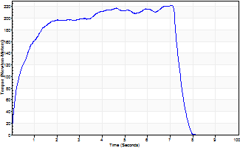
Isometric Extensors (Con) Angle 60 Time 10 Repetition 1 (Best Repetition)
 | Value | Cof Var | %BW
Peak Torque (Newton-Meters)
Right | 222 | 0 | 310
Left | 0 | 0 | 0
Deficit | 0
Average Torque (Newton-Meters)
Right | 144 | 0 | 200
Left | 0 | 0 | 0
Deficit | 0
Peak Torque Slope (Newton-Meters/Seconds)
Right | 31 | 0 | 44
Left | 0 | 0 | 0 |  | Right Side Curves Left Side Curves
Deficit | 0
Time to Half Peak Torque (Seconds)
Right | 0.4 | 0
Left | 0 | 0
Time to Peak Torque (Seconds)
Right | 7.07 | 0
Left | 0 | 0
HUMAC2015® Version: 15.000.0074 © Computer Sports Medicine, Inc. www.csmisolutions.com

Ark10
Use File, Preference to set Report Heading
Long Form Torque vs. Position Report - Knee Extension/Flexion
Name: |  |  |  | TR024_103, | ID: | TR024_103 | Right/Left: | 10.09.2020 10.09.2020
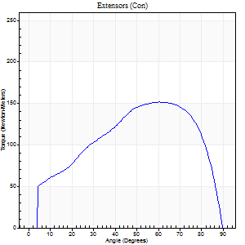
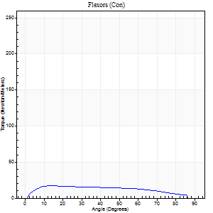
Right Side Curves Left Side Curves
Isokinetic Con/Con |  |  |  | Extensors (Con) |  | Flexors (Con)
Speed 60/60 d/s 3 Reps |  |  |  | Value | Cof Var | %BW | Value | Cof Var | %BW | Ratio

TORQUE PARAMETERS
Peak Torque (Newton-Meters - Best Repetition)
Right |  |  |  | 152 | 0.02 | 212 | 18 | 0.08 | 24 | 12
Left |  |  |  | 0 | 0 | 0 | 0 | 0 | 0 | 0
Deficit |  |  |  | 0 |  |  | 0
Work per Repetition (Newton-Meters - Best Repetition)
Right |  |  |  | 163 | 0.02 | 226 | 19 | 0.29 | 27 | 12
Left |  |  |  | 0 | 0 | 0 | 0 | 0 | 0 | 0
Deficit |  |  |  | 0 |  |  | 0
Average Power per Repetition (Watts - Best Repetition)
Right |  |  |  | 106 | 0.02 | 147 | 12 | 0.25 | 18 | 11
Left |  |  |  | 0 | 0 | 0 | 0 | 0 | 0 | 0
Deficit |  |  |  | 0 |  |  | 0
POSITION PARAMETERS
Joint Angle at Peak Torque (Degrees)
Right |  |  |  | 60 | 0.02 |  | 13 | 0.27
Left |  |  |  | 0 | 0 |  | 0 | 0
Range of Motion (Degrees)
Right |  |  |  | 0 | 0.39 |  | 90 | 0
Left |  |  |  | 0 | 0 |  | 0 | 0
TIME PARAMETERS
Time to Peak Torque (Seconds)
Right |  |  |  | 0.52 | 0.04 |  | 0.23 | 0.26
Left |  |  |  | 0 | 0 |  | 0 | 0
Time Peak Torque Held (Seconds)
Right |  |  |  | 0.07 | 0.14 |  | 0.04 | 1.73
Left |  |  |  | 0 | 0 |  | 0 | 0
Force Decay Time (Seconds)
Right |  |  |  | 0.94 | 0.03 |  | 1.22 | 0.08
Left |  |  |  | 0 | 0 |  | 0 | 0
Reciprocal Delay (Seconds)
Right |  |  |  | 0.12 | 0.12 |  | 0.16 | 0.04
Left |  |  |  | 0 | 0 |  | 0 | 0
Delay Time (Seconds)
Right |  |  |  | 0 | -1.41 |  | 0.01 | 0.43
Left |  |  |  | 0 | 0 |  | 0 | 0
HUMAC2015® Version: 15.000.0074 © Computer Sports Medicine, Inc. www.csmisolutions.com

Use File, Preference to set Report Heading
Long Form Torque vs. Position Report - Knee Extension/Flexion
Name: |  |  |  | TR024_103, | ID: | TR024_103 | Right/Left: | 10.09.2020 10.09.2020
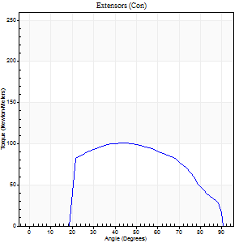
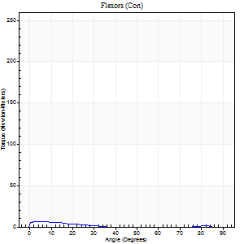
Right Side Curves Left Side Curves
Isokinetic Con/Con |  |  |  | Extensors (Con) |  | Flexors (Con)
Speed 240/240 d/s 3 Reps |  |  |  | Value | Cof Var | %BW | Value | Cof Var | %BW | Ratio

TORQUE PARAMETERS
Peak Torque (Newton-Meters - Best Repetition)
Right |  |  |  | 100 | 0.02 | 140 | 7 | 0.15 | 9 | 7
Left |  |  |  | 0 | 0 | 0 | 0 | 0 | 0 | 0
Deficit |  |  |  | 0 |  |  | 0
Work per Repetition (Newton-Meters - Best Repetition)
Right |  |  |  | 100 | 0.02 | 140 | 4 | 0.27 | 6 | 4
Left |  |  |  | 0 | 0 | 0 | 0 | 0 | 0 | 0
Deficit |  |  |  | 0 |  |  | 0
Average Power per Repetition (Watts - Best Repetition)
Right |  |  |  | 171 | 0.09 | 237 | 4 | 0.41 | 7 | 2
Left |  |  |  | 0 | 0 | 0 | 0 | 0 | 0 | 0
Deficit |  |  |  | 0 |  |  | 0
POSITION PARAMETERS
Joint Angle at Peak Torque (Degrees)
Right |  |  |  | 45 | 0.02 |  | 12 | 1.36
Left |  |  |  | 0 | 0 |  | 0 | 0
Range of Motion (Degrees)
Right |  |  |  | 0 | -1.41 |  | 90 | 0
Left |  |  |  | 0 | 0 |  | 0 | 0
TIME PARAMETERS
Time to Peak Torque (Seconds)
Right |  |  |  | 0.26 | 0.08 |  | 0.29 | 0.71
Left |  |  |  | 0 | 0 |  | 0 | 0
Time Peak Torque Held (Seconds)
Right |  |  |  | 0.01 | 0.43 |  | 0.05 | 0.71
Left |  |  |  | 0 | 0 |  | 0 | 0
Force Decay Time (Seconds)
Right |  |  |  | 0.28 | 0.04 |  | 0.73 | 0.41
Left |  |  |  | 0 | 0 |  | 0 | 0
Reciprocal Delay (Seconds)
Right |  |  |  | 0.19 | 0.27 |  | 0.52 | 0.1
Left |  |  |  | 0 | 0 |  | 0 | 0
Delay Time (Seconds)
Right |  |  |  | -0.02 | -0.71 |  | -0.07 | -0.21
Left |  |  |  | 0 | 0 |  | 0 | 0
HUMAC2015® Version: 15.000.0074 © Computer Sports Medicine, Inc. www.csmisolutions.com

Use File, Preference to set Report Heading
Isometric - Knee Extension/Flexion
Name: |  |  |  | TR024_103, | ID: | TR024_103 | Right/Left: | 10.09.2020 10.09.2020

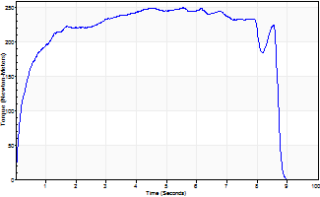
Isometric Extensors (Con) Angle 60 Time 10 Repetition 1 (Best Repetition)
 | Value | Cof Var | %BW
Peak Torque (Newton-Meters)
Right | 250 | 0 | 346
Left | 0 | 0 | 0
Deficit | 0
Average Torque (Newton-Meters)
Right | 194 | 0 | 271
Left | 0 | 0 | 0
Deficit | 0
Peak Torque Slope (Newton-Meters/Seconds)
Right | 45 | 0 | 63
Left | 0 | 0 | 0 |  | Right Side Curves Left Side Curves
Deficit | 0
Time to Half Peak Torque (Seconds)
Right | 0.28 | 0
Left | 0 | 0
Time to Peak Torque (Seconds)
Right | 5.53 | 0
Left | 0 | 0
HUMAC2015® Version: 15.000.0074 © Computer Sports Medicine, Inc. www.csmisolutions.com

Ark11
Use File, Preference to set Report Heading
Long Form Torque vs. Position Report - Knee Extension/Flexion
Name: |  |  |  | TR024_103, | ID: | TR024_103 | Right/Left: | 11.09.2020 11.09.2020
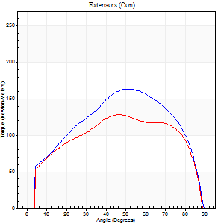

Right Side Curves Left Side Curves
Isokinetic Con/Con |  |  |  | Extensors (Con) |  | Flexors (Con)
Speed 60/60 d/s 3 Reps |  |  |  | Value | Cof Var | %BW | Value | Cof Var | %BW | Ratio

TORQUE PARAMETERS
Peak Torque (Newton-Meters - Best Repetition)
Right |  |  |  | 164 | 0.03 | 229 | 20 | 0.2 | 27 | 12
Left |  |  |  | 127 | 0.11 | 176 | 26 | 0.26 | 36 | 20
Deficit |  |  |  | 22 |  |  | 21
Work per Repetition (Newton-Meters - Best Repetition)
Right |  |  |  | 178 | 0.02 | 247 | 18 | 0.32 | 24 | 10
Left |  |  |  | 148 | 0.08 | 206 | 24 | 0.42 | 33 | 17
Deficit |  |  |  | 17 |  |  | 28
Average Power per Repetition (Watts - Best Repetition)
Right |  |  |  | 116 | 0.03 | 160 | 12 | 0.29 | 18 | 10
Left |  |  |  | 96 | 0.06 | 134 | 16 | 0.4 | 22 | 17
Deficit |  |  |  | 17 |  |  | 25
POSITION PARAMETERS
Joint Angle at Peak Torque (Degrees)
Right |  |  |  | 52 | 0.08 |  | 15 | 0.16
Left |  |  |  | 43 | 0.1 |  | 15 | 0.1
Range of Motion (Degrees)
Right |  |  |  | 0 | 0.81 |  | 90 | 0
Left |  |  |  | 0 | 0.71 |  | 88 | 0.03
TIME PARAMETERS
Time to Peak Torque (Seconds)
Right |  |  |  | 0.7 | 0.07 |  | 0.21 | 0.16
Left |  |  |  | 0.75 | 0.07 |  | 0.27 | 0.04
Time Peak Torque Held (Seconds)
Right |  |  |  | 0.06 | 0.44 |  | 0.03 | 0.92
Left |  |  |  | 0.05 | 0.4 |  | 0.02 | 1.73
Force Decay Time (Seconds)
Right |  |  |  | 0.82 | 0.06 |  | 1.2 | 0.02
Left |  |  |  | 0.7 | 0.08 |  | 1.21 | 0.04
Reciprocal Delay (Seconds)
Right |  |  |  | 0.11 | 0.06 |  | 0.13 | 0.19
Left |  |  |  | 0.11 | 0.47 |  | 0.21 | 0.27
Delay Time (Seconds)
Right |  |  |  | 0 | -1.41 |  | 0.06 | 0.09
Left |  |  |  | 0 | 0 |  | 0 | 6.24
HUMAC2015® Version: 15.000.0074 © Computer Sports Medicine, Inc. www.csmisolutions.com

Use File, Preference to set Report Heading
Long Form Torque vs. Position Report - Knee Extension/Flexion
Name: |  |  |  | TR024_103, | ID: | TR024_103 | Right/Left: | 11.09.2020 11.09.2020


Right Side Curves Left Side Curves
Isokinetic Con/Con |  |  |  | Extensors (Con) |  | Flexors (Con)
Speed 240/240 d/s 3 Reps |  |  |  | Value | Cof Var | %BW | Value | Cof Var | %BW | Ratio

TORQUE PARAMETERS
Peak Torque (Newton-Meters - Best Repetition)
Right |  |  |  | 102 | 0.05 | 140 | 9 | 0.16 | 12 | 9
Left |  |  |  | 88 | 0.15 | 122 | 8 | 0.11 | 12 | 9
Deficit |  |  |  | 13 |  |  | 14
Work per Repetition (Newton-Meters - Best Repetition)
Right |  |  |  | 100 | 0.05 | 140 | 5 | 0.55 | 9 | 5
Left |  |  |  | 95 | 0.16 | 131 | 5 | 1.07 | 9 | 6
Deficit |  |  |  | 5 |  |  | 0
Average Power per Repetition (Watts - Best Repetition)
Right |  |  |  | 173 | 0.04 | 240 | 7 | 0.78 | 9 | 4
Left |  |  |  | 157 | 0.19 | 218 | 6 | 1.15 | 9 | 4
Deficit |  |  |  | 9 |  |  | 14
POSITION PARAMETERS
Joint Angle at Peak Torque (Degrees)
Right |  |  |  | 41 | 0.02 |  | 34 | 1.4
Left |  |  |  | 50 | 0.06 |  | 64 | 0.67
Range of Motion (Degrees)
Right |  |  |  | 0 | -0.47 |  | 90 | 0
Left |  |  |  | 0 | -0.47 |  | 90 | 0
TIME PARAMETERS
Time to Peak Torque (Seconds)
Right |  |  |  | 0.29 | 0 |  | 0.51 | 1.02
Left |  |  |  | 0.26 | 0.08 |  | 0.64 | 0.64
Time Peak Torque Held (Seconds)
Right |  |  |  | 0.02 | 0.25 |  | 0 | 0
Left |  |  |  | 0.02 | 0 |  | 0.01 | 0.43
Force Decay Time (Seconds)
Right |  |  |  | 0.25 | 0.02 |  | 0.47 | 0.98
Left |  |  |  | 0.3 | 0.04 |  | 0.1 | 2.97
Reciprocal Delay (Seconds)
Right |  |  |  | 0.15 | 0.54 |  | 0.72 | 0.08
Left |  |  |  | 0.17 | 0.28 |  | 0.67 | 0.11
Delay Time (Seconds)
Right |  |  |  | -0.03 | 0 |  | -0.06 | -0.24
Left |  |  |  | -0.04 | -0.71 |  | 0.19 | 2.85
HUMAC2015® Version: 15.000.0074 © Computer Sports Medicine, Inc. www.csmisolutions.com

Use File, Preference to set Report Heading
Isometric - Knee Extension/Flexion
Name: |  |  |  | TR024_103, | ID: | TR024_103 | Right/Left: | 11.09.2020 11.09.2020


Isometric Extensors (Con) Angle 60 Time 10 Repetition 1 (Best Repetition)
 | Value | Cof Var | %BW
Peak Torque (Newton-Meters)
Right | 266 | 0 | 370
Left | 226 | 0 | 316
Deficit | 15
Average Torque (Newton-Meters)
Right | 203 | 0 | 283
Left | 183 | 0 | 253
Deficit | 10
Peak Torque Slope (Newton-Meters/Seconds)
Right | 42 | 0 | 58
Left | 30 | 0 | 42 |  | Right Side Curves Left Side Curves
Deficit | 27
Time to Half Peak Torque (Seconds)
Right | 0.18 | 0
Left | 0.36 | 0
Time to Peak Torque (Seconds)
Right | 6.35 | 0
Left | 7.46 | 0
HUMAC2015® Version: 15.000.0074 © Computer Sports Medicine, Inc. www.csmisolutions.com

Ark12
Use File, Preference to set Report Heading
Long Form Torque vs. Position Report - Knee Extension/Flexion
Name: |  |  |  | TR024_103, | ID: | TR024_103 | Right/Left: | 11.09.2020 11.09.2020


Right Side Curves Left Side Curves
Isokinetic Con/Con |  |  |  | Extensors (Con) |  | Flexors (Con)
Speed 60/60 d/s 3 Reps |  |  |  | Value | Cof Var | %BW | Value | Cof Var | %BW | Ratio

TORQUE PARAMETERS
Peak Torque (Newton-Meters - Best Repetition)
Right |  |  |  | 0 | 0 | 0 | 0 | 0 | 0 | 0
Left |  |  |  | 129 | 0.02 | 179 | 20 | 0.13 | 27 | 16
Deficit |  |  |  | 0 |  |  | 0
Work per Repetition (Newton-Meters - Best Repetition)
Right |  |  |  | 0 | 0 | 0 | 0 | 0 | 0 | 0
Left |  |  |  | 146 | 0 | 203 | 20 | 0.3 | 27 | 14
Deficit |  |  |  | 0 |  |  | 0
Average Power per Repetition (Watts - Best Repetition)
Right |  |  |  | 0 | 0 | 0 | 0 | 0 | 0 | 0
Left |  |  |  | 95 | 0.02 | 132 | 13 | 0.29 | 18 | 14
Deficit |  |  |  | 0 |  |  | 0
POSITION PARAMETERS
Joint Angle at Peak Torque (Degrees)
Right |  |  |  | 0 | 0 |  | 0 | 0
Left |  |  |  | 52 | 0.04 |  | 15 | 0.12
Range of Motion (Degrees)
Right |  |  |  | 0 | 0 |  | 0 | 0
Left |  |  |  | 0 | 0.71 |  | 90 | 0
TIME PARAMETERS
Time to Peak Torque (Seconds)
Right |  |  |  | 0 | 0 |  | 0 | 0
Left |  |  |  | 0.62 | 0.02 |  | 0.29 | 0.14
Time Peak Torque Held (Seconds)
Right |  |  |  | 0 | 0 |  | 0 | 0
Left |  |  |  | 0.06 | 0.46 |  | 0.07 | 0.74
Force Decay Time (Seconds)
Right |  |  |  | 0 | 0 |  | 0 | 0
Left |  |  |  | 0.83 | 0.02 |  | 1.17 | 0.03
Reciprocal Delay (Seconds)
Right |  |  |  | 0 | 0 |  | 0 | 0
Left |  |  |  | 0.14 | 0.24 |  | 0.21 | 0.07
Delay Time (Seconds)
Right |  |  |  | 0 | 0 |  | 0 | 0
Left |  |  |  | 0 | 1.41 |  | 0 | 0
HUMAC2015® Version: 15.000.0074 © Computer Sports Medicine, Inc. www.csmisolutions.com

Use File, Preference to set Report Heading
Long Form Torque vs. Position Report - Knee Extension/Flexion
Name: |  |  |  | TR024_103, | ID: | TR024_103 | Right/Left: | 11.09.2020 11.09.2020


Right Side Curves Left Side Curves
Isokinetic Con/Con |  |  |  | Extensors (Con) |  | Flexors (Con)
Speed 240/240 d/s 3 Reps |  |  |  | Value | Cof Var | %BW | Value | Cof Var | %BW | Ratio

TORQUE PARAMETERS
Peak Torque (Newton-Meters - Best Repetition)
Right |  |  |  | 0 | 0 | 0 | 0 | 0 | 0 | 0
Left |  |  |  | 91 | 0.05 | 125 | 11 | 0.31 | 15 | 12
Deficit |  |  |  | 0 |  |  | 0
Work per Repetition (Newton-Meters - Best Repetition)
Right |  |  |  | 0 | 0 | 0 | 0 | 0 | 0 | 0
Left |  |  |  | 95 | 0.1 | 131 | 7 | 0.64 | 9 | 7
Deficit |  |  |  | 0 |  |  | 0
Average Power per Repetition (Watts - Best Repetition)
Right |  |  |  | 0 | 0 | 0 | 0 | 0 | 0 | 0
Left |  |  |  | 160 | 0.1 | 222 | 10 | 0.93 | 13 | 6
Deficit |  |  |  | 0 |  |  | 0
POSITION PARAMETERS
Joint Angle at Peak Torque (Degrees)
Right |  |  |  | 0 | 0 |  | 0 | 0
Left |  |  |  | 51 | 0.02 |  | 34 | 1.37
Range of Motion (Degrees)
Right |  |  |  | 0 | 0 |  | 0 | 0
Left |  |  |  | 0 | 0 |  | 90 | 0
TIME PARAMETERS
Time to Peak Torque (Seconds)
Right |  |  |  | 0 | 0 |  | 0 | 0
Left |  |  |  | 0.24 | 0 |  | 0.5 | 0.95
Time Peak Torque Held (Seconds)
Right |  |  |  | 0 | 0 |  | 0 | 0
Left |  |  |  | 0.01 | 0.43 |  | 0.01 | 1.73
Force Decay Time (Seconds)
Right |  |  |  | 0 | 0 |  | 0 | 0
Left |  |  |  | 0.32 | 0.05 |  | 0.46 | 1.05
Reciprocal Delay (Seconds)
Right |  |  |  | 0 | 0 |  | 0 | 0
Left |  |  |  | 0.13 | 0 |  | 0.62 | 0.11
Delay Time (Seconds)
Right |  |  |  | 0 | 0 |  | 0 | 0
Left |  |  |  | -0.03 | 0 |  | -0.08 | -0.08
HUMAC2015® Version: 15.000.0074 © Computer Sports Medicine, Inc. www.csmisolutions.com

Use File, Preference to set Report Heading
Isometric - Knee Extension/Flexion
Name: |  |  |  | TR024_103, | ID: | TR024_103 | Right/Left: | 11.09.2020 11.09.2020


Isometric Extensors (Con) Angle 60 Time 10 Repetition 1 (Best Repetition)
 | Value | Cof Var | %BW
Peak Torque (Newton-Meters)
Right | 0 | 0 | 0
Left | 195 | 0 | 271
Deficit | 0
Average Torque (Newton-Meters)
Right | 0 | 0 | 0
Left | 134 | 0 | 188
Deficit | 0
Peak Torque Slope (Newton-Meters/Seconds)
Right | 0 | 0 | 0
Left | 27 | 0 | 37 |  | Right Side Curves Left Side Curves
Deficit | 0
Time to Half Peak Torque (Seconds)
Right | 0 | 0
Left | 0.21 | 0
Time to Peak Torque (Seconds)
Right | 0 | 0
Left | 7.29 | 0
HUMAC2015® Version: 15.000.0074 © Computer Sports Medicine, Inc. www.csmisolutions.com

Ark13
Use File, Preference to set Report Heading
Long Form Torque vs. Position Report - Knee Extension/Flexion
Name: |  |  |  | TR024_103, | ID: | TR024_103 | Right/Left: | 11.09.2020 11.09.2020


Right Side Curves Left Side Curves
Isokinetic Con/Con |  |  |  | Extensors (Con) |  | Flexors (Con)
Speed 60/60 d/s 3 Reps |  |  |  | Value | Cof Var | %BW | Value | Cof Var | %BW | Ratio

TORQUE PARAMETERS
Peak Torque (Newton-Meters - Best Repetition)
Right |  |  |  | 0 | 0 | 0 | 0 | 0 | 0 | 0
Left |  |  |  | 137 | 0.03 | 191 | 24 | 0.22 | 33 | 18
Deficit |  |  |  | 0 |  |  | 0
Work per Repetition (Newton-Meters - Best Repetition)
Right |  |  |  | 0 | 0 | 0 | 0 | 0 | 0 | 0
Left |  |  |  | 155 | 0.03 | 215 | 24 | 0.37 | 33 | 16
Deficit |  |  |  | 0 |  |  | 0
Average Power per Repetition (Watts - Best Repetition)
Right |  |  |  | 0 | 0 | 0 | 0 | 0 | 0 | 0
Left |  |  |  | 100 | 0.03 | 138 | 15 | 0.35 | 20 | 15
Deficit |  |  |  | 0 |  |  | 0
POSITION PARAMETERS
Joint Angle at Peak Torque (Degrees)
Right |  |  |  | 0 | 0 |  | 0 | 0
Left |  |  |  | 50 | 0.07 |  | 12 | 0.2
Range of Motion (Degrees)
Right |  |  |  | 0 | 0 |  | 0 | 0
Left |  |  |  | 0 | 0.85 |  | 90 | 0
TIME PARAMETERS
Time to Peak Torque (Seconds)
Right |  |  |  | 0 | 0 |  | 0 | 0
Left |  |  |  | 0.7 | 0.06 |  | 0.25 | 0.2
Time Peak Torque Held (Seconds)
Right |  |  |  | 0 | 0 |  | 0 | 0
Left |  |  |  | 0.06 | 0.2 |  | 0.03 | 0.87
Force Decay Time (Seconds)
Right |  |  |  | 0 | 0 |  | 0 | 0
Left |  |  |  | 0.8 | 0.06 |  | 1.25 | 0.08
Reciprocal Delay (Seconds)
Right |  |  |  | 0 | 0 |  | 0 | 0
Left |  |  |  | 0.16 | 0.05 |  | 0.2 | 0.05
Delay Time (Seconds)
Right |  |  |  | 0 | 0 |  | 0 | 0
Left |  |  |  | 0.01 | 0 |  | -0.01 | -1.73
HUMAC2015® Version: 15.000.0074 © Computer Sports Medicine, Inc. www.csmisolutions.com

Use File, Preference to set Report Heading
Long Form Torque vs. Position Report - Knee Extension/Flexion
Name: |  |  |  | TR024_103, | ID: | TR024_103 | Right/Left: | 11.09.2020 11.09.2020


Right Side Curves Left Side Curves
Isokinetic Con/Con |  |  |  | Extensors (Con) |  | Flexors (Con)
Speed 240/240 d/s 3 Reps |  |  |  | Value | Cof Var | %BW | Value | Cof Var | %BW | Ratio

TORQUE PARAMETERS
Peak Torque (Newton-Meters - Best Repetition)
Right |  |  |  | 0 | 0 | 0 | 0 | 0 | 0 | 0
Left |  |  |  | 94 | 0.07 | 131 | 14 | 0.32 | 18 | 14
Deficit |  |  |  | 0 |  |  | 0
Work per Repetition (Newton-Meters - Best Repetition)
Right |  |  |  | 0 | 0 | 0 | 0 | 0 | 0 | 0
Left |  |  |  | 100 | 0.11 | 140 | 5 | 0.32 | 9 | 5
Deficit |  |  |  | 0 |  |  | 0
Average Power per Repetition (Watts - Best Repetition)
Right |  |  |  | 0 | 0 | 0 | 0 | 0 | 0 | 0
Left |  |  |  | 164 | 0.1 | 229 | 7 | 0.43 | 9 | 4
Deficit |  |  |  | 0 |  |  | 0
POSITION PARAMETERS
Joint Angle at Peak Torque (Degrees)
Right |  |  |  | 0 | 0 |  | 0 | 0
Left |  |  |  | 50 | 0.04 |  | 65 | 0.65
Range of Motion (Degrees)
Right |  |  |  | 0 | 0 |  | 0 | 0
Left |  |  |  | 0 | 0 |  | 90 | 0
TIME PARAMETERS
Time to Peak Torque (Seconds)
Right |  |  |  | 0 | 0 |  | 0 | 0
Left |  |  |  | 0.25 | 0.11 |  | 0.74 | 0.5
Time Peak Torque Held (Seconds)
Right |  |  |  | 0 | 0 |  | 0 | 0
Left |  |  |  | 0.02 | 0.35 |  | 0 | 0
Force Decay Time (Seconds)
Right |  |  |  | 0 | 0 |  | 0 | 0
Left |  |  |  | 0.3 | 0.05 |  | 0.12 | 2.14
Reciprocal Delay (Seconds)
Right |  |  |  | 0 | 0 |  | 0 | 0
Left |  |  |  | 0.16 | 0.05 |  | 0.66 | 0.06
Delay Time (Seconds)
Right |  |  |  | 0 | 0 |  | 0 | 0
Left |  |  |  | -0.03 | -0.94 |  | -0.08 | 0
HUMAC2015® Version: 15.000.0074 © Computer Sports Medicine, Inc. www.csmisolutions.com

Use File, Preference to set Report Heading
Isometric - Knee Extension/Flexion
Name: |  |  |  | TR024_103, | ID: | TR024_103 | Right/Left: | 11.09.2020 11.09.2020


Isometric Extensors (Con) Angle 60 Time 10 Repetition 1 (Best Repetition)
 | Value | Cof Var | %BW
Peak Torque (Newton-Meters)
Right | 0 | 0 | 0
Left | 214 | 0 | 298
Deficit | 0
Average Torque (Newton-Meters)
Right | 0 | 0 | 0
Left | 182 | 0 | 253
Deficit | 0
Peak Torque Slope (Newton-Meters/Seconds)
Right | 0 | 0 | 0
Left | 33 | 0 | 46 |  | Right Side Curves Left Side Curves
Deficit | 0
Time to Half Peak Torque (Seconds)
Right | 0 | 0
Left | 0.16 | 0
Time to Peak Torque (Seconds)
Right | 0 | 0
Left | 6.53 | 0
HUMAC2015® Version: 15.000.0074 © Computer Sports Medicine, Inc. www.csmisolutions.com

Ark14
Use File, Preference to set Report Heading
Long Form Torque vs. Position Report - Knee Extension/Flexion
Name: |  |  |  | TR024_103, | ID: | TR024_103 | Right/Left: | 12.09.2020 12.09.2020


Right Side Curves Left Side Curves
Isokinetic Con/Con |  |  |  | Extensors (Con) |  | Flexors (Con)
Speed 60/60 d/s 3 Reps |  |  |  | Value | Cof Var | %BW | Value | Cof Var | %BW | Ratio

TORQUE PARAMETERS
Peak Torque (Newton-Meters - Best Repetition)
Right |  |  |  | 0 | 0 | 0 | 0 | 0 | 0 | 0
Left |  |  |  | 144 | 0 | 200 | 24 | 0.19 | 33 | 17
Deficit |  |  |  | 0 |  |  | 0
Work per Repetition (Newton-Meters - Best Repetition)
Right |  |  |  | 0 | 0 | 0 | 0 | 0 | 0 | 0
Left |  |  |  | 167 | 0.02 | 232 | 27 | 0.38 | 39 | 16
Deficit |  |  |  | 0 |  |  | 0
Average Power per Repetition (Watts - Best Repetition)
Right |  |  |  | 0 | 0 | 0 | 0 | 0 | 0 | 0
Left |  |  |  | 108 | 0.02 | 149 | 18 | 0.38 | 24 | 17
Deficit |  |  |  | 0 |  |  | 0
POSITION PARAMETERS
Joint Angle at Peak Torque (Degrees)
Right |  |  |  | 0 | 0 |  | 0 | 0
Left |  |  |  | 57 | 0.06 |  | 14 | 0.06
Range of Motion (Degrees)
Right |  |  |  | 0 | 0 |  | 0 | 0
Left |  |  |  | 0 | 0 |  | 90 | 0
TIME PARAMETERS
Time to Peak Torque (Seconds)
Right |  |  |  | 0 | 0 |  | 0 | 0
Left |  |  |  | 0.53 | 0.12 |  | 0.25 | 0
Time Peak Torque Held (Seconds)
Right |  |  |  | 0 | 0 |  | 0 | 0
Left |  |  |  | 0.12 | 0.52 |  | 0 | 0
Force Decay Time (Seconds)
Right |  |  |  | 0 | 0 |  | 0 | 0
Left |  |  |  | 0.86 | 0.01 |  | 1.27 | 0.02
Reciprocal Delay (Seconds)
Right |  |  |  | 0 | 0 |  | 0 | 0
Left |  |  |  | 0.12 | 0.31 |  | 0.18 | 0.18
Delay Time (Seconds)
Right |  |  |  | 0 | 0 |  | 0 | 0
Left |  |  |  | 0.01 | 0.47 |  | 0.02 | 0.35
HUMAC2015® Version: 15.000.0074 © Computer Sports Medicine, Inc. www.csmisolutions.com

Use File, Preference to set Report Heading
Long Form Torque vs. Position Report - Knee Extension/Flexion
Name: |  |  |  | TR024_103, | ID: | TR024_103 | Right/Left: | 12.09.2020 12.09.2020


Right Side Curves Left Side Curves
Isokinetic Con/Con |  |  |  | Extensors (Con) |  | Flexors (Con)
Speed 240/240 d/s 3 Reps |  |  |  | Value | Cof Var | %BW | Value | Cof Var | %BW | Ratio

TORQUE PARAMETERS
Peak Torque (Newton-Meters - Best Repetition)
Right |  |  |  | 0 | 0 | 0 | 0 | 0 | 0 | 0
Left |  |  |  | 100 | 0.04 | 140 | 14 | 0.62 | 18 | 14
Deficit |  |  |  | 0 |  |  | 0
Work per Repetition (Newton-Meters - Best Repetition)
Right |  |  |  | 0 | 0 | 0 | 0 | 0 | 0 | 0
Left |  |  |  | 99 | 0.04 | 137 | 4 | 0.23 | 6 | 4
Deficit |  |  |  | 0 |  |  | 0
Average Power per Repetition (Watts - Best Repetition)
Right |  |  |  | 0 | 0 | 0 | 0 | 0 | 0 | 0
Left |  |  |  | 172 | 0.03 | 240 | 4 | 0.4 | 7 | 2
Deficit |  |  |  | 0 |  |  | 0
POSITION PARAMETERS
Joint Angle at Peak Torque (Degrees)
Right |  |  |  | 0 | 0 |  | 0 | 0
Left |  |  |  | 51 | 0 |  | 33 | 1.54
Range of Motion (Degrees)
Right |  |  |  | 0 | 0 |  | 0 | 0
Left |  |  |  | 0 | -1.41 |  | 90 | 0
TIME PARAMETERS
Time to Peak Torque (Seconds)
Right |  |  |  | 0 | 0 |  | 0 | 0
Left |  |  |  | 0.24 | 0 |  | 0.53 | 1.06
Time Peak Torque Held (Seconds)
Right |  |  |  | 0 | 0 |  | 0 | 0
Left |  |  |  | 0.02 | 0.35 |  | 0 | 0
Force Decay Time (Seconds)
Right |  |  |  | 0 | 0 |  | 0 | 0
Left |  |  |  | 0.3 | 0.02 |  | 0.5 | 1.08
Reciprocal Delay (Seconds)
Right |  |  |  | 0 | 0 |  | 0 | 0
Left |  |  |  | 0.16 | 0.5 |  | 0.53 | 0.11
Delay Time (Seconds)
Right |  |  |  | 0 | 0 |  | 0 | 0
Left |  |  |  | -0.02 | -0.28 |  | -0.07 | -0.34
HUMAC2015® Version: 15.000.0074 © Computer Sports Medicine, Inc. www.csmisolutions.com

Use File, Preference to set Report Heading
Isometric - Knee Extension/Flexion
Name: |  |  |  | TR024_103, | ID: | TR024_103 | Right/Left: | 12.09.2020 12.09.2020


Isometric Extensors (Con) Angle 60 Time 10 Repetition 1 (Best Repetition)
 | Value | Cof Var | %BW
Peak Torque (Newton-Meters)
Right | 0 | 0 | 0
Left | 244 | 0 | 340
Deficit | 0
Average Torque (Newton-Meters)
Right | 0 | 0 | 0
Left | 191 | 0 | 265
Deficit | 0
Peak Torque Slope (Newton-Meters/Seconds)
Right | 0 | 0 | 0
Left | 43 | 0 | 60 |  | Right Side Curves Left Side Curves
Deficit | 0
Time to Half Peak Torque (Seconds)
Right | 0 | 0
Left | 0.22 | 0
Time to Peak Torque (Seconds)
Right | 0 | 0
Left | 5.64 | 0
HUMAC2015® Version: 15.000.0074 © Computer Sports Medicine, Inc. www.csmisolutions.com

