Ark1
Use File, Preference to set Report Heading
Long Form Torque vs. Position Report - Knee Extension/Flexion
Name: |  |  |  | TR024_104, | ID: | TR024_104 | Right/Left: | 14.09.2020 14.09.2020
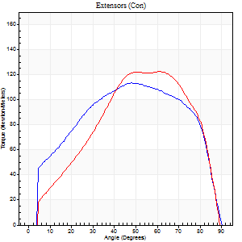
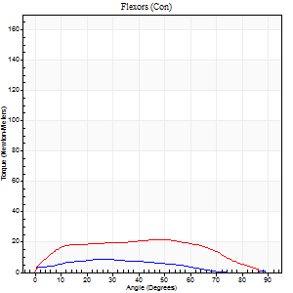
Right Side Curves Left Side Curves
Isokinetic Con/Con |  |  |  | Extensors (Con) |  | Flexors (Con)
Speed 60/60 d/s 3 Reps |  |  |  | Value | Cof Var | %BW | Value | Cof Var | %BW | Ratio

TORQUE PARAMETERS
Peak Torque (Newton-Meters - Best Repetition)
Right |  |  |  | 114 | 0.04 | 164 | 9 | 0.27 | 15 | 8
Left |  |  |  | 122 | 0.05 | 173 | 22 | 0.45 | 30 | 18
Deficit |  |  |  | 7 |  |  | 56
Work per Repetition (Newton-Meters - Best Repetition)
Right |  |  |  | 130 | 0.04 | 185 | 8 | 0.5 | 12 | 6
Left |  |  |  | 123 | 0.07 | 176 | 24 | 0.45 | 36 | 20
Deficit |  |  |  | 5 |  |  | 67
Average Power per Repetition (Watts - Best Repetition)
Right |  |  |  | 83 | 0.05 | 119 | 4 | 0.48 | 7 | 5
Left |  |  |  | 79 | 0.07 | 112 | 15 | 0.44 | 22 | 19
Deficit |  |  |  | 5 |  |  | 73
POSITION PARAMETERS
Joint Angle at Peak Torque (Degrees)
Right |  |  |  | 54 | 0.13 |  | 26 | 0.38
Left |  |  |  | 60 | 0.06 |  | 45 | 0.13
Range of Motion (Degrees)
Right |  |  |  | 0 | 0.47 |  | 90 | 0
Left |  |  |  | 0 | 0 |  | 90 | 0
TIME PARAMETERS
Time to Peak Torque (Seconds)
Right |  |  |  | 0.7 | 0.07 |  | 0.55 | 0.28
Left |  |  |  | 0.48 | 0.04 |  | 0.82 | 0.13
Time Peak Torque Held (Seconds)
Right |  |  |  | 0.04 | 0.35 |  | 0.03 | 1.25
Left |  |  |  | 0.11 | 0.83 |  | 0.09 | 1.08
Force Decay Time (Seconds)
Right |  |  |  | 0.9 | 0.12 |  | 1.37 | 0.07
Left |  |  |  | 0.92 | 0.13 |  | 0.67 | 0.34
Reciprocal Delay (Seconds)
Right |  |  |  | 0.28 | 0.02 |  | 0.42 | 0.1
Left |  |  |  | 0.19 | 0.11 |  | 0.22 | 0.23
Delay Time (Seconds)
Right |  |  |  | -0.02 | -0.28 |  | -0.05 | -0.25
Left |  |  |  | 0.01 | 0 |  | -0.02 | -0.65
HUMAC2015® Version: 15.000.0074 © Computer Sports Medicine, Inc. www.csmisolutions.com

Use File, Preference to set Report Heading
Long Form Torque vs. Position Report - Knee Extension/Flexion
Name: |  |  |  | TR024_104, | ID: | TR024_104 | Right/Left: | 14.09.2020 14.09.2020
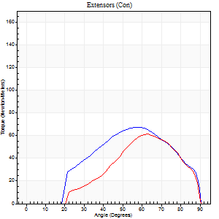
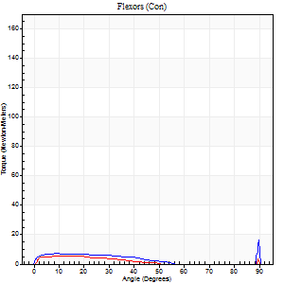
Right Side Curves Left Side Curves
Isokinetic Con/Con |  |  |  | Extensors (Con) |  | Flexors (Con)
Speed 240/240 d/s 3 Reps |  |  |  | Value | Cof Var | %BW | Value | Cof Var | %BW | Ratio

TORQUE PARAMETERS
Peak Torque (Newton-Meters - Best Repetition)
Right |  |  |  | 68 | 0.09 | 95 | 20 | 0.8 | 30 | 30
Left |  |  |  | 61 | 0.04 | 86 | 12 | 0.42 | 18 | 20
Deficit |  |  |  | 10 |  |  | 40
Work per Repetition (Newton-Meters - Best Repetition)
Right |  |  |  | 61 | 0.11 | 86 | 5 | 0.46 | 9 | 9
Left |  |  |  | 49 | 0.09 | 69 | 5 | 1.01 | 9 | 11
Deficit |  |  |  | 20 |  |  | 0
Average Power per Repetition (Watts - Best Repetition)
Right |  |  |  | 104 | 0.1 | 149 | 5 | 0.82 | 7 | 5
Left |  |  |  | 88 | 0.09 | 125 | 5 | 1.05 | 7 | 6
Deficit |  |  |  | 15 |  |  | 0
POSITION PARAMETERS
Joint Angle at Peak Torque (Degrees)
Right |  |  |  | 59 | 0.03 |  | 61 | 0.81
Left |  |  |  | 62 | 0.05 |  | 36 | 1.32
Range of Motion (Degrees)
Right |  |  |  | 0 | 0.71 |  | 90 | 0
Left |  |  |  | 0 | 0.94 |  | 90 | 0
TIME PARAMETERS
Time to Peak Torque (Seconds)
Right |  |  |  | 0.23 | 0 |  | 0.78 | 0.62
Left |  |  |  | 0.21 | 0.13 |  | 0.34 | 0.38
Time Peak Torque Held (Seconds)
Right |  |  |  | 0 | 1.73 |  | 0 | 1.73
Left |  |  |  | 0 | 1.73 |  | 0 | 1.73
Force Decay Time (Seconds)
Right |  |  |  | 0.35 | 0.03 |  | 2.72 | 1.8
Left |  |  |  | 0.35 | 0.09 |  | 0.49 | 1.05
Reciprocal Delay (Seconds)
Right |  |  |  | 0.32 | 0.27 |  | 0.31 | 0.34
Left |  |  |  | 0.18 | 0.2 |  | 0.23 | 0.35
Delay Time (Seconds)
Right |  |  |  | -0.04 | -0.2 |  | -0.06 | -0.37
Left |  |  |  | -0.02 | -0.28 |  | 0.12 | 3.15
HUMAC2015® Version: 15.000.0074 © Computer Sports Medicine, Inc. www.csmisolutions.com

Use File, Preference to set Report Heading
Isometric - Knee Extension/Flexion
Name: |  |  |  | TR024_104, | ID: | TR024_104 | Right/Left: | 14.09.2020 14.09.2020

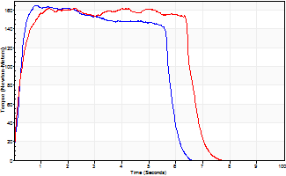
Isometric Extensors (Con) Angle 60 Time 10 Repetition 1 (Best Repetition)
 | Value | Cof Var | %BW
Peak Torque (Newton-Meters)
Right | 165 | 0 | 235
Left | 163 | 0 | 232
Deficit | 2
Average Torque (Newton-Meters)
Right | 87 | 0 | 125
Left | 102 | 0 | 146
Deficit | 15
Peak Torque Slope (Newton-Meters/Seconds)
Right | 206 | 0 | 294
Left | 72 | 0 | 103 |  | Right Side Curves Left Side Curves
Deficit | 65
Time to Half Peak Torque (Seconds)
Right | 0.22 | 0
Left | 0.21 | 0
Time to Peak Torque (Seconds)
Right | 0.79 | 0
Left | 2.24 | 0
HUMAC2015® Version: 15.000.0074 © Computer Sports Medicine, Inc. www.csmisolutions.com

Ark2
Use File, Preference to set Report Heading
Long Form Torque vs. Position Report - Knee Extension/Flexion
Name: |  |  |  | TR024_104, | ID: | TR024_104 | Right/Left: | 16.09.2020 16.09.2020
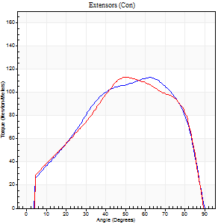
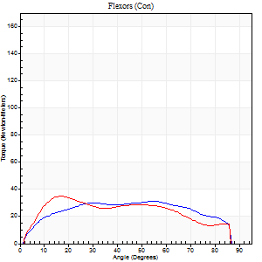
Right Side Curves Left Side Curves
Isokinetic Con/Con |  |  |  | Extensors (Con) |  | Flexors (Con)
Speed 60/60 d/s 3 Reps |  |  |  | Value | Cof Var | %BW | Value | Cof Var | %BW | Ratio

TORQUE PARAMETERS
Peak Torque (Newton-Meters - Best Repetition)
Right |  |  |  | 113 | 0.01 | 161 | 31 | 0.17 | 45 | 28
Left |  |  |  | 113 | 0.07 | 161 | 35 | 0.45 | 51 | 31
Deficit |  |  |  | 0 |  |  | 12
Work per Repetition (Newton-Meters - Best Repetition)
Right |  |  |  | 119 | 0.01 | 170 | 37 | 0.22 | 54 | 31
Left |  |  |  | 118 | 0.07 | 167 | 37 | 0.48 | 54 | 31
Deficit |  |  |  | 1 |  |  | 0
Average Power per Repetition (Watts - Best Repetition)
Right |  |  |  | 78 | 0.01 | 112 | 24 | 0.22 | 35 | 31
Left |  |  |  | 76 | 0.06 | 108 | 24 | 0.49 | 35 | 32
Deficit |  |  |  | 3 |  |  | 0
POSITION PARAMETERS
Joint Angle at Peak Torque (Degrees)
Right |  |  |  | 58 | 0.06 |  | 34 | 0.51
Left |  |  |  | 52 | 0.14 |  | 17 | 0.13
Range of Motion (Degrees)
Right |  |  |  | 0 | 0.35 |  | 90 | 0
Left |  |  |  | 0 | 0.2 |  | 90 | 0
TIME PARAMETERS
Time to Peak Torque (Seconds)
Right |  |  |  | 0.57 | 0.05 |  | 0.58 | 0.49
Left |  |  |  | 0.57 | 0.25 |  | 0.3 | 0.07
Time Peak Torque Held (Seconds)
Right |  |  |  | 0.07 | 0.46 |  | 0.05 | 0.35
Left |  |  |  | 0.04 | 0 |  | 0.02 | 1.08
Force Decay Time (Seconds)
Right |  |  |  | 0.93 | 0.07 |  | 0.9 | 0.33
Left |  |  |  | 0.85 | 0.15 |  | 1.19 | 0.02
Reciprocal Delay (Seconds)
Right |  |  |  | 0.16 | 0.04 |  | 0.17 | 0.17
Left |  |  |  | 0.12 | 0.4 |  | 0.15 | 0.46
Delay Time (Seconds)
Right |  |  |  | 0 | 0 |  | 0.01 | 1
Left |  |  |  | 0.01 | 1.41 |  | 0 | 6.24
HUMAC2015® Version: 15.000.0074 © Computer Sports Medicine, Inc. www.csmisolutions.com

Use File, Preference to set Report Heading
Long Form Torque vs. Position Report - Knee Extension/Flexion
Name: |  |  |  | TR024_104, | ID: | TR024_104 | Right/Left: | 16.09.2020 16.09.2020
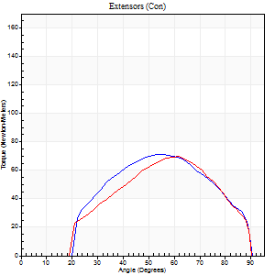
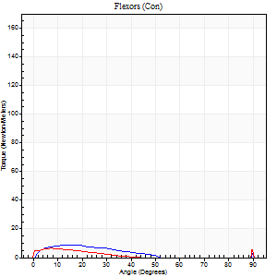
Right Side Curves Left Side Curves
Isokinetic Con/Con |  |  |  | Extensors (Con) |  | Flexors (Con)
Speed 240/240 d/s 3 Reps |  |  |  | Value | Cof Var | %BW | Value | Cof Var | %BW | Ratio

TORQUE PARAMETERS
Peak Torque (Newton-Meters - Best Repetition)
Right |  |  |  | 71 | 0.06 | 101 | 12 | 0.22 | 18 | 17
Left |  |  |  | 69 | 0.17 | 98 | 15 | 0.51 | 21 | 22
Deficit |  |  |  | 2 |  |  | 18
Work per Repetition (Newton-Meters - Best Repetition)
Right |  |  |  | 65 | 0.08 | 92 | 5 | 0.31 | 9 | 8
Left |  |  |  | 60 | 0.21 | 86 | 3 | 0.87 | 3 | 5
Deficit |  |  |  | 8 |  |  | 50
Average Power per Repetition (Watts - Best Repetition)
Right |  |  |  | 130 | 0.11 | 185 | 7 | 0.49 | 11 | 5
Left |  |  |  | 109 | 0.26 | 156 | 3 | 0.83 | 4 | 3
Deficit |  |  |  | 16 |  |  | 57
POSITION PARAMETERS
Joint Angle at Peak Torque (Degrees)
Right |  |  |  | 58 | 0.05 |  | 32 | 1.53
Left |  |  |  | 61 | 0.01 |  | 62 | 0.76
Range of Motion (Degrees)
Right |  |  |  | 2 | 0.06 |  | 90 | 0
Left |  |  |  | 1 | 0.16 |  | 90 | 0
TIME PARAMETERS
Time to Peak Torque (Seconds)
Right |  |  |  | 0.22 | 0.03 |  | 0.33 | 1.36
Left |  |  |  | 0.2 | 0 |  | 0.63 | 0.82
Time Peak Torque Held (Seconds)
Right |  |  |  | 0.01 | 0.43 |  | 0.02 | 0.92
Left |  |  |  | 0.01 | 0.87 |  | 0 | 1.73
Force Decay Time (Seconds)
Right |  |  |  | 0.28 | 0.06 |  | 0.61 | 1.05
Left |  |  |  | 0.34 | 0.03 |  | 0.19 | 2.71
Reciprocal Delay (Seconds)
Right |  |  |  | 0.16 | 0.04 |  | 0.07 | 0.17
Left |  |  |  | 0.25 | 0.03 |  | 0.16 | 0.32
Delay Time (Seconds)
Right |  |  |  | -0.02 | -0.28 |  | -0.03 | -0.57
Left |  |  |  | -0.02 | -0.28 |  | 0.16 | 2.33
HUMAC2015® Version: 15.000.0074 © Computer Sports Medicine, Inc. www.csmisolutions.com

Use File, Preference to set Report Heading
Isometric - Knee Extension/Flexion
Name: |  |  |  | TR024_104, | ID: | TR024_104 | Right/Left: | 16.09.2020 16.09.2020

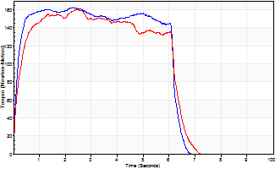
Isometric Extensors (Con) Angle 60 Time 10 Repetition 1 (Best Repetition)
 | Value | Cof Var | %BW
Peak Torque (Newton-Meters)
Right | 163 | 0 | 232
Left | 160 | 0 | 229
Deficit | 2
Average Torque (Newton-Meters)
Right | 94 | 0 | 134
Left | 89 | 0 | 128
Deficit | 4
Peak Torque Slope (Newton-Meters/Seconds)
Right | 70 | 0 | 100
Left | 66 | 0 | 94 |  | Right Side Curves Left Side Curves
Deficit | 6
Time to Half Peak Torque (Seconds)
Right | 0.13 | 0
Left | 0.2 | 0
Time to Peak Torque (Seconds)
Right | 2.3 | 0
Left | 2.42 | 0
HUMAC2015® Version: 15.000.0074 © Computer Sports Medicine, Inc. www.csmisolutions.com

Ark3
Use File, Preference to set Report Heading
Long Form Torque vs. Position Report - Knee Extension/Flexion
Name: |  |  |  | TR024_104, | ID: | TR024_104 | Right/Left: | 20.09.2020 20.09.2020
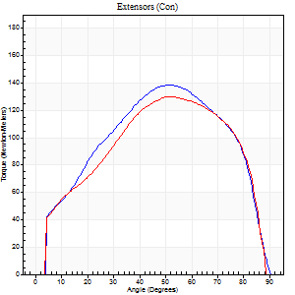
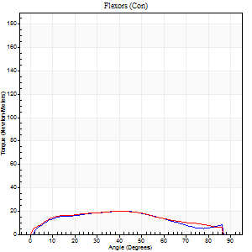
Right Side Curves Left Side Curves
Isokinetic Con/Con |  |  |  | Extensors (Con) |  | Flexors (Con)
Speed 60/60 d/s 3 Reps |  |  |  | Value | Cof Var | %BW | Value | Cof Var | %BW | Ratio

TORQUE PARAMETERS
Peak Torque (Newton-Meters - Best Repetition)
Right |  |  |  | 138 | 0.04 | 197 | 20 | 0.25 | 30 | 15
Left |  |  |  | 130 | 0.02 | 185 | 20 | 0.25 | 30 | 16
Deficit |  |  |  | 6 |  |  | 0
Work per Repetition (Newton-Meters - Best Repetition)
Right |  |  |  | 148 | 0.04 | 212 | 20 | 0.28 | 30 | 14
Left |  |  |  | 142 | 0.03 | 203 | 22 | 0.26 | 30 | 15
Deficit |  |  |  | 4 |  |  | 6
Average Power per Repetition (Watts - Best Repetition)
Right |  |  |  | 93 | 0.02 | 132 | 13 | 0.29 | 18 | 14
Left |  |  |  | 92 | 0.02 | 132 | 13 | 0.25 | 18 | 14
Deficit |  |  |  | 1 |  |  | 0
POSITION PARAMETERS
Joint Angle at Peak Torque (Degrees)
Right |  |  |  | 52 | 0.04 |  | 33 | 0.25
Left |  |  |  | 53 | 0.03 |  | 34 | 0.17
Range of Motion (Degrees)
Right |  |  |  | 0 | 0.71 |  | 90 | 0
Left |  |  |  | 0 | 0.47 |  | 90 | 0
TIME PARAMETERS
Time to Peak Torque (Seconds)
Right |  |  |  | 0.68 | 0.01 |  | 0.58 | 0.21
Left |  |  |  | 0.62 | 0.03 |  | 0.64 | 0.14
Time Peak Torque Held (Seconds)
Right |  |  |  | 0.06 | 0.37 |  | 0.07 | 0.76
Left |  |  |  | 0.06 | 0.24 |  | 0.04 | 0.58
Force Decay Time (Seconds)
Right |  |  |  | 0.85 | 0.05 |  | 0.9 | 0.12
Left |  |  |  | 0.86 | 0.01 |  | 0.89 | 0.08
Reciprocal Delay (Seconds)
Right |  |  |  | 0.12 | 0.35 |  | 0.2 | 0.13
Left |  |  |  | 0.11 | 0.06 |  | 0.27 | 0.1
Delay Time (Seconds)
Right |  |  |  | -0.01 | -2.83 |  | 0.02 | 0.49
Left |  |  |  | 0.02 | 0.28 |  | -0.02 | -0.87
HUMAC2015® Version: 15.000.0074 © Computer Sports Medicine, Inc. www.csmisolutions.com

Use File, Preference to set Report Heading
Long Form Torque vs. Position Report - Knee Extension/Flexion
Name: |  |  |  | TR024_104, | ID: | TR024_104 | Right/Left: | 20.09.2020 20.09.2020
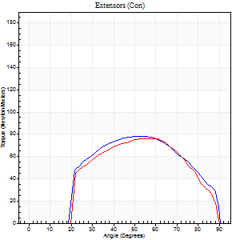
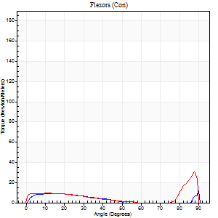
Right Side Curves Left Side Curves
Isokinetic Con/Con |  |  |  | Extensors (Con) |  | Flexors (Con)
Speed 240/240 d/s 3 Reps |  |  |  | Value | Cof Var | %BW | Value | Cof Var | %BW | Ratio

TORQUE PARAMETERS
Peak Torque (Newton-Meters - Best Repetition)
Right |  |  |  | 79 | 0.09 | 113 | 15 | 0.15 | 21 | 19
Left |  |  |  | 76 | 0.15 | 107 | 30 | 0.75 | 42 | 39
Deficit |  |  |  | 3 |  |  | 50
Work per Repetition (Newton-Meters - Best Repetition)
Right |  |  |  | 77 | 0.15 | 110 | 9 | 0.3 | 15 | 12
Left |  |  |  | 72 | 0.19 | 101 | 9 | 0.5 | 15 | 13
Deficit |  |  |  | 7 |  |  | 0
Average Power per Repetition (Watts - Best Repetition)
Right |  |  |  | 147 | 0.12 | 209 | 14 | 0.39 | 20 | 10
Left |  |  |  | 130 | 0.2 | 185 | 14 | 0.59 | 20 | 11
Deficit |  |  |  | 12 |  |  | 0
POSITION PARAMETERS
Joint Angle at Peak Torque (Degrees)
Right |  |  |  | 57 | 0.09 |  | 64 | 0.7
Left |  |  |  | 60 | 0.07 |  | 61 | 0.77
Range of Motion (Degrees)
Right |  |  |  | 1 | 1.01 |  | 90 | 0
Left |  |  |  | 0 | 0.28 |  | 90 | 0
TIME PARAMETERS
Time to Peak Torque (Seconds)
Right |  |  |  | 0.23 | 0.06 |  | 0.59 | 0.5
Left |  |  |  | 0.19 | 0.07 |  | 0.5 | 0.48
Time Peak Torque Held (Seconds)
Right |  |  |  | 0.02 | 0.69 |  | 0.02 | 1.38
Left |  |  |  | 0.01 | 0.87 |  | 0.02 | 1.08
Force Decay Time (Seconds)
Right |  |  |  | 0.3 | 0.03 |  | 0.1 | 2.1
Left |  |  |  | 0.34 | 0.09 |  | 0.24 | 1.52
Reciprocal Delay (Seconds)
Right |  |  |  | 0.11 | 0.39 |  | 0.17 | 0.19
Left |  |  |  | 0.09 | 0.37 |  | 0.17 | 0.31
Delay Time (Seconds)
Right |  |  |  | -0.03 | 0 |  | -0.03 | -0.46
Left |  |  |  | -0.01 | -0.47 |  | -0.06 | -0.27
HUMAC2015® Version: 15.000.0074 © Computer Sports Medicine, Inc. www.csmisolutions.com

Use File, Preference to set Report Heading
Isometric - Knee Extension/Flexion
Name: |  |  |  | TR024_104, | ID: | TR024_104 | Right/Left: | 20.09.2020 20.09.2020

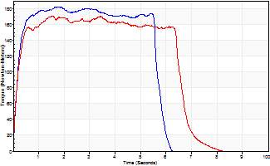
Isometric Extensors (Con) Angle 60 Time 10 Repetition 1 (Best Repetition)
 | Value | Cof Var | %BW
Peak Torque (Newton-Meters)
Right | 183 | 0 | 262
Left | 171 | 0 | 244
Deficit | 7
Average Torque (Newton-Meters)
Right | 98 | 0 | 140
Left | 106 | 0 | 152
Deficit | 8
Peak Torque Slope (Newton-Meters/Seconds)
Right | 101 | 0 | 145
Left | 111 | 0 | 158 |  | Right Side Curves Left Side Curves
Deficit | 9
Time to Half Peak Torque (Seconds)
Right | 0.16 | 0
Left | 0.15 | 0
Time to Peak Torque (Seconds)
Right | 1.79 | 0
Left | 1.53 | 0
HUMAC2015® Version: 15.000.0074 © Computer Sports Medicine, Inc. www.csmisolutions.com

Ark4
Use File, Preference to set Report Heading
Long Form Torque vs. Position Report - Knee Extension/Flexion
Name: |  |  |  | TR024_104, | ID: | TR024_104 | Right/Left: | 24.09.2020 24.09.2020
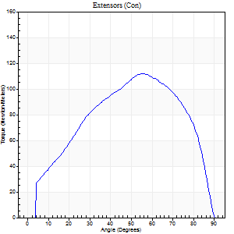
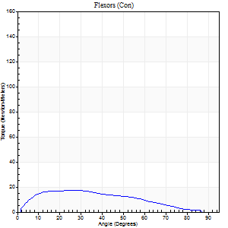
Right Side Curves Left Side Curves
Isokinetic Con/Con |  |  |  | Extensors (Con) |  | Flexors (Con)
Speed 60/60 d/s 3 Reps |  |  |  | Value | Cof Var | %BW | Value | Cof Var | %BW | Ratio

TORQUE PARAMETERS
Peak Torque (Newton-Meters - Best Repetition)
Right |  |  |  | 111 | 0.19 | 158 | 18 | 0.2 | 24 | 16
Left |  |  |  | 0 | 0 | 0 | 0 | 0 | 0 | 0
Deficit |  |  |  | 0 |  |  | 0
Work per Repetition (Newton-Meters - Best Repetition)
Right |  |  |  | 117 | 0.19 | 167 | 16 | 0.2 | 24 | 14
Left |  |  |  | 0 | 0 | 0 | 0 | 0 | 0 | 0
Deficit |  |  |  | 0 |  |  | 0
Average Power per Repetition (Watts - Best Repetition)
Right |  |  |  | 74 | 0.17 | 105 | 11 | 0.18 | 15 | 15
Left |  |  |  | 0 | 0 | 0 | 0 | 0 | 0 | 0
Deficit |  |  |  | 0 |  |  | 0
POSITION PARAMETERS
Joint Angle at Peak Torque (Degrees)
Right |  |  |  | 55 | 0.05 |  | 21 | 0.31
Left |  |  |  | 0 | 0 |  | 0 | 0
Range of Motion (Degrees)
Right |  |  |  | 0 | 0.88 |  | 90 | 0
Left |  |  |  | 0 | 0 |  | 0 | 0
TIME PARAMETERS
Time to Peak Torque (Seconds)
Right |  |  |  | 0.58 | 0.05 |  | 0.36 | 0.33
Left |  |  |  | 0 | 0 |  | 0 | 0
Time Peak Torque Held (Seconds)
Right |  |  |  | 0.07 | 0.52 |  | 0.02 | 1.73
Left |  |  |  | 0 | 0 |  | 0 | 0
Force Decay Time (Seconds)
Right |  |  |  | 0.85 | 0.11 |  | 1.14 | 0.1
Left |  |  |  | 0 | 0 |  | 0 | 0
Reciprocal Delay (Seconds)
Right |  |  |  | 0.15 | 0.05 |  | 0.14 | 0.43
Left |  |  |  | 0 | 0 |  | 0 | 0
Delay Time (Seconds)
Right |  |  |  | 0 | -1.41 |  | 0.02 | 1.08
Left |  |  |  | 0 | 0 |  | 0 | 0
HUMAC2015® Version: 15.000.0074 © Computer Sports Medicine, Inc. www.csmisolutions.com

Use File, Preference to set Report Heading
Long Form Torque vs. Position Report - Knee Extension/Flexion
Name: |  |  |  | TR024_104, | ID: | TR024_104 | Right/Left: | 24.09.2020 24.09.2020
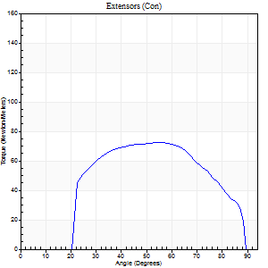
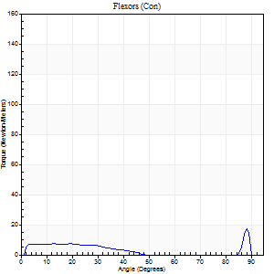
Right Side Curves Left Side Curves
Isokinetic Con/Con |  |  |  | Extensors (Con) |  | Flexors (Con)
Speed 240/240 d/s 3 Reps |  |  |  | Value | Cof Var | %BW | Value | Cof Var | %BW | Ratio

TORQUE PARAMETERS
Peak Torque (Newton-Meters - Best Repetition)
Right |  |  |  | 72 | 0.2 | 101 | 18 | 0.47 | 24 | 25
Left |  |  |  | 0 | 0 | 0 | 0 | 0 | 0 | 0
Deficit |  |  |  | 0 |  |  | 0
Work per Repetition (Newton-Meters - Best Repetition)
Right |  |  |  | 71 | 0.23 | 101 | 7 | 0.18 | 9 | 10
Left |  |  |  | 0 | 0 | 0 | 0 | 0 | 0 | 0
Deficit |  |  |  | 0 |  |  | 0
Average Power per Repetition (Watts - Best Repetition)
Right |  |  |  | 140 | 0.26 | 200 | 10 | 0.24 | 13 | 7
Left |  |  |  | 0 | 0 | 0 | 0 | 0 | 0 | 0
Deficit |  |  |  | 0 |  |  | 0
POSITION PARAMETERS
Joint Angle at Peak Torque (Degrees)
Right |  |  |  | 54 | 0 |  | 65 | 0.61
Left |  |  |  | 0 | 0 |  | 0 | 0
Range of Motion (Degrees)
Right |  |  |  | 2 | 0 |  | 89 | 0.01
Left |  |  |  | 0 | 0 |  | 0 | 0
TIME PARAMETERS
Time to Peak Torque (Seconds)
Right |  |  |  | 0.22 | 0 |  | 0.49 | 0.47
Left |  |  |  | 0 | 0 |  | 0 | 0
Time Peak Torque Held (Seconds)
Right |  |  |  | 0.02 | 0.35 |  | 0 | 1.73
Left |  |  |  | 0 | 0 |  | 0 | 0
Force Decay Time (Seconds)
Right |  |  |  | 0.26 | 0.02 |  | 0.16 | 1.46
Left |  |  |  | 0 | 0 |  | 0 | 0
Reciprocal Delay (Seconds)
Right |  |  |  | 0.05 | 0.13 |  | 0.06 | 0.1
Left |  |  |  | 0 | 0 |  | 0 | 0
Delay Time (Seconds)
Right |  |  |  | -0.02 | -0.28 |  | -0.02 | -0.25
Left |  |  |  | 0 | 0 |  | 0 | 0
HUMAC2015® Version: 15.000.0074 © Computer Sports Medicine, Inc. www.csmisolutions.com

Use File, Preference to set Report Heading
Isometric - Knee Extension/Flexion
Name: |  |  |  | TR024_104, | ID: | TR024_104 | Right/Left: | 24.09.2020 24.09.2020

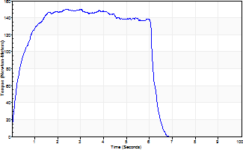
Isometric Extensors (Con) Angle 60 Time 10 Repetition 1 (Best Repetition)
 | Value | Cof Var | %BW
Peak Torque (Newton-Meters)
Right | 151 | 0 | 215
Left | 0 | 0 | 0
Deficit | 0
Average Torque (Newton-Meters)
Right | 84 | 0 | 119
Left | 0 | 0 | 0
Deficit | 0
Peak Torque Slope (Newton-Meters/Seconds)
Right | 64 | 0 | 91
Left | 0 | 0 | 0 |  | Right Side Curves Left Side Curves
Deficit | 0
Time to Half Peak Torque (Seconds)
Right | 0.31 | 0
Left | 0 | 0
Time to Peak Torque (Seconds)
Right | 2.35 | 0
Left | 0 | 0
HUMAC2015® Version: 15.000.0074 © Computer Sports Medicine, Inc. www.csmisolutions.com

Ark5
Use File, Preference to set Report Heading
Long Form Torque vs. Position Report - Knee Extension/Flexion
Name: |  |  |  | TR024_104, | ID: | TR024_104 | Right/Left: | 25.09.2020 25.09.2020
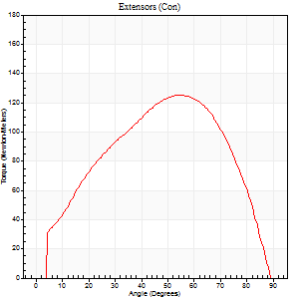
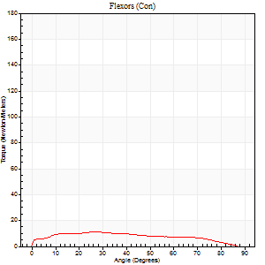
Right Side Curves Left Side Curves
Isokinetic Con/Con |  |  |  | Extensors (Con) |  | Flexors (Con)
Speed 60/60 d/s 3 Reps |  |  |  | Value | Cof Var | %BW | Value | Cof Var | %BW | Ratio

TORQUE PARAMETERS
Peak Torque (Newton-Meters - Best Repetition)
Right |  |  |  | 0 | 0 | 0 | 0 | 0 | 0 | 0
Left |  |  |  | 125 | 0.15 | 179 | 11 | 0.02 | 15 | 9
Deficit |  |  |  | 0 |  |  | 0
Work per Repetition (Newton-Meters - Best Repetition)
Right |  |  |  | 0 | 0 | 0 | 0 | 0 | 0 | 0
Left |  |  |  | 133 | 0.15 | 191 | 12 | 0.1 | 18 | 9
Deficit |  |  |  | 0 |  |  | 0
Average Power per Repetition (Watts - Best Repetition)
Right |  |  |  | 0 | 0 | 0 | 0 | 0 | 0 | 0
Left |  |  |  | 86 | 0.15 | 123 | 7 | 0.1 | 11 | 8
Deficit |  |  |  | 0 |  |  | 0
POSITION PARAMETERS
Joint Angle at Peak Torque (Degrees)
Right |  |  |  | 0 | 0 |  | 0 | 0
Left |  |  |  | 54 | 0.16 |  | 27 | 0.07
Range of Motion (Degrees)
Right |  |  |  | 0 | 0 |  | 0 | 0
Left |  |  |  | 0 | 1.41 |  | 90 | 0
TIME PARAMETERS
Time to Peak Torque (Seconds)
Right |  |  |  | 0 | 0 |  | 0 | 0
Left |  |  |  | 0.52 | 0.16 |  | 0.54 | 0.07
Time Peak Torque Held (Seconds)
Right |  |  |  | 0 | 0 |  | 0 | 0
Left |  |  |  | 0.09 | 0.87 |  | 0.1 | 1.13
Force Decay Time (Seconds)
Right |  |  |  | 0 | 0 |  | 0 | 0
Left |  |  |  | 0.85 | 0.12 |  | 0.96 | 0.14
Reciprocal Delay (Seconds)
Right |  |  |  | 0 | 0 |  | 0 | 0
Left |  |  |  | 0.13 | 0.11 |  | 0.32 | 0.05
Delay Time (Seconds)
Right |  |  |  | 0 | 0 |  | 0 | 0
Left |  |  |  | 0.02 | 0 |  | -0.04 | 0
HUMAC2015® Version: 15.000.0074 © Computer Sports Medicine, Inc. www.csmisolutions.com

Use File, Preference to set Report Heading
Long Form Torque vs. Position Report - Knee Extension/Flexion
Name: |  |  |  | TR024_104, | ID: | TR024_104 | Right/Left: | 25.09.2020 25.09.2020
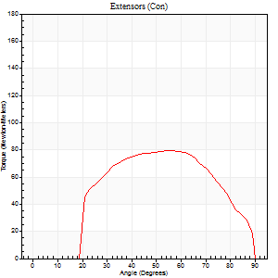
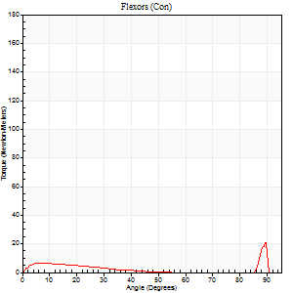
Right Side Curves Left Side Curves
Isokinetic Con/Con |  |  |  | Extensors (Con) |  | Flexors (Con)
Speed 240/240 d/s 3 Reps |  |  |  | Value | Cof Var | %BW | Value | Cof Var | %BW | Ratio

TORQUE PARAMETERS
Peak Torque (Newton-Meters - Best Repetition)
Right |  |  |  | 0 | 0 | 0 | 0 | 0 | 0 | 0
Left |  |  |  | 79 | 0.11 | 113 | 20 | 0.43 | 30 | 26
Deficit |  |  |  | 0 |  |  | 0
Work per Repetition (Newton-Meters - Best Repetition)
Right |  |  |  | 0 | 0 | 0 | 0 | 0 | 0 | 0
Left |  |  |  | 77 | 0.14 | 110 | 7 | 0.75 | 9 | 9
Deficit |  |  |  | 0 |  |  | 0
Average Power per Repetition (Watts - Best Repetition)
Right |  |  |  | 0 | 0 | 0 | 0 | 0 | 0 | 0
Left |  |  |  | 136 | 0.12 | 193 | 9 | 0.6 | 13 | 7
Deficit |  |  |  | 0 |  |  | 0
POSITION PARAMETERS
Joint Angle at Peak Torque (Degrees)
Right |  |  |  | 0 | 0 |  | 0 | 0
Left |  |  |  | 60 | 0.06 |  | 64 | 0.68
Range of Motion (Degrees)
Right |  |  |  | 0 | 0 |  | 0 | 0
Left |  |  |  | 0 | 0.16 |  | 90 | 0
TIME PARAMETERS
Time to Peak Torque (Seconds)
Right |  |  |  | 0 | 0 |  | 0 | 0
Left |  |  |  | 0.2 | 0.14 |  | 0.42 | 0.57
Time Peak Torque Held (Seconds)
Right |  |  |  | 0 | 0 |  | 0 | 0
Left |  |  |  | 0.01 | 1.15 |  | 0.02 | 1.73
Force Decay Time (Seconds)
Right |  |  |  | 0 | 0 |  | 0 | 0
Left |  |  |  | 0.33 | 0.05 |  | 0.14 | 1.55
Reciprocal Delay (Seconds)
Right |  |  |  | 0 | 0 |  | 0 | 0
Left |  |  |  | 0.09 | 0.16 |  | 0.15 | 0.25
Delay Time (Seconds)
Right |  |  |  | 0 | 0 |  | 0 | 0
Left |  |  |  | -0.02 | -0.71 |  | 0.13 | 2.45
HUMAC2015® Version: 15.000.0074 © Computer Sports Medicine, Inc. www.csmisolutions.com

Use File, Preference to set Report Heading
Isometric - Knee Extension/Flexion
Name: |  |  |  | TR024_104, | ID: | TR024_104 | Right/Left: | 25.09.2020 25.09.2020

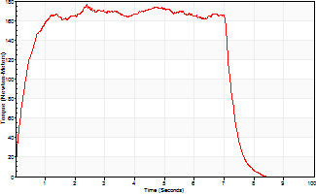
Isometric Extensors (Con) Angle 60 Time 10 Repetition 1 (Best Repetition)
 | Value | Cof Var | %BW
Peak Torque (Newton-Meters)
Right | 0 | 0 | 0
Left | 176 | 0 | 250
Deficit | 0
Average Torque (Newton-Meters)
Right | 0 | 0 | 0
Left | 117 | 0 | 167
Deficit | 0
Peak Torque Slope (Newton-Meters/Seconds)
Right | 0 | 0 | 0
Left | 74 | 0 | 105 |  | Right Side Curves Left Side Curves
Deficit | 0
Time to Half Peak Torque (Seconds)
Right | 0 | 0
Left | 0.28 | 0
Time to Peak Torque (Seconds)
Right | 0 | 0
Left | 2.38 | 0
HUMAC2015® Version: 15.000.0074 © Computer Sports Medicine, Inc. www.csmisolutions.com

Ark6
Use File, Preference to set Report Heading
Long Form Torque vs. Position Report - Knee Extension/Flexion
Name: |  |  |  | TR024_104, | ID: | TR024_104 | Right/Left: | 28.09.2020 28.09.2020
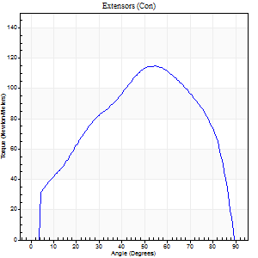
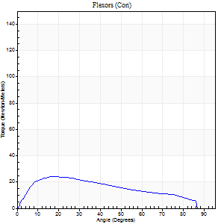
Right Side Curves Left Side Curves
Isokinetic Con/Con |  |  |  | Extensors (Con) |  | Flexors (Con)
Speed 60/60 d/s 3 Reps |  |  |  | Value | Cof Var | %BW | Value | Cof Var | %BW | Ratio

TORQUE PARAMETERS
Peak Torque (Newton-Meters - Best Repetition)
Right |  |  |  | 115 | 0.18 | 164 | 24 | 0.48 | 36 | 21
Left |  |  |  | 0 | 0 | 0 | 0 | 0 | 0 | 0
Deficit |  |  |  | 0 |  |  | 0
Work per Repetition (Newton-Meters - Best Repetition)
Right |  |  |  | 121 | 0.16 | 173 | 24 | 0.4 | 36 | 20
Left |  |  |  | 0 | 0 | 0 | 0 | 0 | 0 | 0
Deficit |  |  |  | 0 |  |  | 0
Average Power per Repetition (Watts - Best Repetition)
Right |  |  |  | 77 | 0.15 | 110 | 15 | 0.4 | 22 | 19
Left |  |  |  | 0 | 0 | 0 | 0 | 0 | 0 | 0
Deficit |  |  |  | 0 |  |  | 0
POSITION PARAMETERS
Joint Angle at Peak Torque (Degrees)
Right |  |  |  | 61 | 0.12 |  | 27 | 0.43
Left |  |  |  | 0 | 0 |  | 0 | 0
Range of Motion (Degrees)
Right |  |  |  | 0 | 0.76 |  | 90 | 0
Left |  |  |  | 0 | 0 |  | 0 | 0
TIME PARAMETERS
Time to Peak Torque (Seconds)
Right |  |  |  | 0.47 | 0.34 |  | 0.5 | 0.41
Left |  |  |  | 0 | 0 |  | 0 | 0
Time Peak Torque Held (Seconds)
Right |  |  |  | 0.12 | 0.96 |  | 0.05 | 0.87
Left |  |  |  | 0 | 0 |  | 0 | 0
Force Decay Time (Seconds)
Right |  |  |  | 0.92 | 0.05 |  | 1.01 | 0.15
Left |  |  |  | 0 | 0 |  | 0 | 0
Reciprocal Delay (Seconds)
Right |  |  |  | 0.12 | 0.24 |  | 0.17 | 0.48
Left |  |  |  | 0 | 0 |  | 0 | 0
Delay Time (Seconds)
Right |  |  |  | 0 | 1.41 |  | -0.01 | -0.43
Left |  |  |  | 0 | 0 |  | 0 | 0
HUMAC2015® Version: 15.000.0074 © Computer Sports Medicine, Inc. www.csmisolutions.com

Use File, Preference to set Report Heading
Long Form Torque vs. Position Report - Knee Extension/Flexion
Name: |  |  |  | TR024_104, | ID: | TR024_104 | Right/Left: | 28.09.2020 28.09.2020
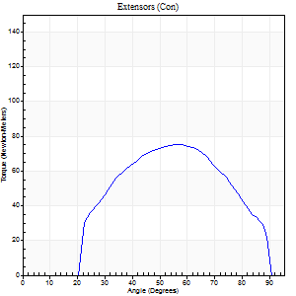
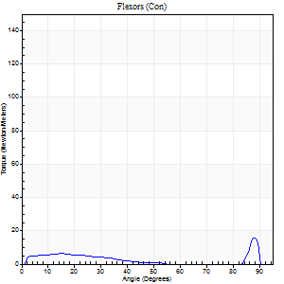
Right Side Curves Left Side Curves
Isokinetic Con/Con |  |  |  | Extensors (Con) |  | Flexors (Con)
Speed 240/240 d/s 3 Reps |  |  |  | Value | Cof Var | %BW | Value | Cof Var | %BW | Ratio

TORQUE PARAMETERS
Peak Torque (Newton-Meters - Best Repetition)
Right |  |  |  | 76 | 0.21 | 107 | 16 | 0.32 | 24 | 21
Left |  |  |  | 0 | 0 | 0 | 0 | 0 | 0 | 0
Deficit |  |  |  | 0 |  |  | 0
Work per Repetition (Newton-Meters - Best Repetition)
Right |  |  |  | 73 | 0.25 | 104 | 5 | 0.15 | 9 | 7
Left |  |  |  | 0 | 0 | 0 | 0 | 0 | 0 | 0
Deficit |  |  |  | 0 |  |  | 0
Average Power per Repetition (Watts - Best Repetition)
Right |  |  |  | 141 | 0.26 | 202 | 7 | 0.27 | 11 | 5
Left |  |  |  | 0 | 0 | 0 | 0 | 0 | 0 | 0
Deficit |  |  |  | 0 |  |  | 0
POSITION PARAMETERS
Joint Angle at Peak Torque (Degrees)
Right |  |  |  | 53 | 0.11 |  | 64 | 0.7
Left |  |  |  | 0 | 0 |  | 0 | 0
Range of Motion (Degrees)
Right |  |  |  | 1 | 0.22 |  | 90 | 0
Left |  |  |  | 0 | 0 |  | 0 | 0
TIME PARAMETERS
Time to Peak Torque (Seconds)
Right |  |  |  | 0.24 | 0.06 |  | 0.63 | 0.58
Left |  |  |  | 0 | 0 |  | 0 | 0
Time Peak Torque Held (Seconds)
Right |  |  |  | 0 | 1.73 |  | 0.01 | 1.73
Left |  |  |  | 0 | 0 |  | 0 | 0
Force Decay Time (Seconds)
Right |  |  |  | 0.27 | 0.08 |  | 0.14 | 1.83
Left |  |  |  | 0 | 0 |  | 0 | 0
Reciprocal Delay (Seconds)
Right |  |  |  | 0.1 | 0.57 |  | 0.1 | 0.56
Left |  |  |  | 0 | 0 |  | 0 | 0
Delay Time (Seconds)
Right |  |  |  | -0.02 | -0.28 |  | -0.03 | -0.33
Left |  |  |  | 0 | 0 |  | 0 | 0
HUMAC2015® Version: 15.000.0074 © Computer Sports Medicine, Inc. www.csmisolutions.com

Use File, Preference to set Report Heading
Isometric - Knee Extension/Flexion
Name: |  |  |  | TR024_104, | ID: | TR024_104 | Right/Left: | 28.09.2020 28.09.2020

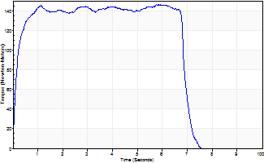
Isometric Extensors (Con) Angle 60 Time 10 Repetition 1 (Best Repetition)
 | Value | Cof Var | %BW
Peak Torque (Newton-Meters)
Right | 146 | 0 | 209
Left | 0 | 0 | 0
Deficit | 0
Average Torque (Newton-Meters)
Right | 96 | 0 | 137
Left | 0 | 0 | 0
Deficit | 0
Peak Torque Slope (Newton-Meters/Seconds)
Right | 25 | 0 | 36
Left | 0 | 0 | 0 |  | Right Side Curves Left Side Curves
Deficit | 0
Time to Half Peak Torque (Seconds)
Right | 0.13 | 0
Left | 0 | 0
Time to Peak Torque (Seconds)
Right | 5.83 | 0
Left | 0 | 0
HUMAC2015® Version: 15.000.0074 © Computer Sports Medicine, Inc. www.csmisolutions.com

