Ark1
Use File, Preference to set Report Heading
Long Form Torque vs. Position Report - Knee Extension/Flexion
Name: |  |  |  | TR024_105, | ID: | TR024_105 | Right/Left: | 14.09.2020 14.09.2020

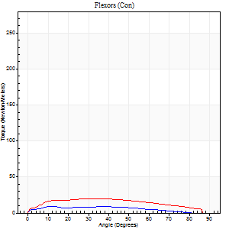
Right Side Curves Left Side Curves
Isokinetic Con/Con |  |  |  | Extensors (Con) |  | Flexors (Con)
Speed 60/60 d/s 3 Reps |  |  |  | Value | Cof Var | %BW | Value | Cof Var | %BW | Ratio

TORQUE PARAMETERS
Peak Torque (Newton-Meters - Best Repetition)
Right |  |  |  | 155 | 0.05 | 221 | 9 | 0.26 | 15 | 6
Left |  |  |  | 164 | 0.03 | 235 | 20 | 0.08 | 30 | 12
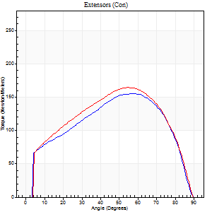
Deficit |  |  |  | 6 |  |  | 53
Work per Repetition (Newton-Meters - Best Repetition)
Right |  |  |  | 168 | 0.06 | 241 | 8 | 0.68 | 12 | 5
Left |  |  |  | 179 | 0.02 | 256 | 22 | 0.15 | 30 | 12
Deficit |  |  |  | 6 |  |  | 63
Average Power per Repetition (Watts - Best Repetition)
Right |  |  |  | 107 | 0.26 | 152 | 5 | 0.69 | 7 | 5
Left |  |  |  | 113 | 0.02 | 160 | 14 | 0.13 | 20 | 12
Deficit |  |  |  | 5 |  |  | 64
POSITION PARAMETERS
Joint Angle at Peak Torque (Degrees)
Right |  |  |  | 53 | 0.08 |  | 12 | 0.03
Left |  |  |  | 55 | 0.02 |  | 27 | 0.47
Range of Motion (Degrees)
Right |  |  |  | 0 | -1.41 |  | 89 | 0
Left |  |  |  | 0 | -0.28 |  | 90 | 0
TIME PARAMETERS
Time to Peak Torque (Seconds)
Right |  |  |  | 0.64 | 0.2 |  | 0.27 | 0.06
Left |  |  |  | 0.6 | 0.01 |  | 0.53 | 0.39
Time Peak Torque Held (Seconds)
Right |  |  |  | 0.06 | 0.37 |  | 0.15 | 1.73
Left |  |  |  | 0.06 | 0.29 |  | 0.09 | 0.34
Force Decay Time (Seconds)
Right |  |  |  | 0.88 | 0.05 |  | 1.26 | 0.23
Left |  |  |  | 0.91 | 0.03 |  | 0.97 | 0.15
Reciprocal Delay (Seconds)
Right |  |  |  | 0.1 | 0.14 |  | 0.34 | 0.16
Left |  |  |  | 0.39 | 0.07 |  | 0.51 | 0.13
Delay Time (Seconds)
Right |  |  |  | -0.04 | -1.01 |  | 0 | -6.24
Left |  |  |  | 0 | 0 |  | -0.02 | 0
HUMAC2015® Version: 15.000.0074 © Computer Sports Medicine, Inc. www.csmisolutions.com

Use File, Preference to set Report Heading
Long Form Torque vs. Position Report - Knee Extension/Flexion
Name: |  |  |  | TR024_105, | ID: | TR024_105 | Right/Left: | 14.09.2020 14.09.2020
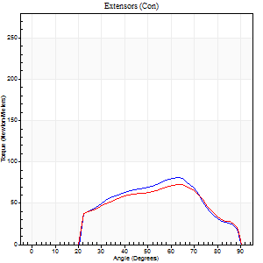
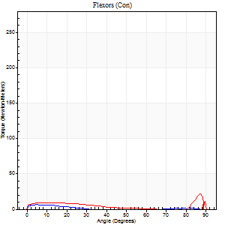
Right Side Curves Left Side Curves
Isokinetic Con/Con |  |  |  | Extensors (Con) |  | Flexors (Con)
Speed 240/240 d/s 3 Reps |  |  |  | Value | Cof Var | %BW | Value | Cof Var | %BW | Ratio

TORQUE PARAMETERS
Peak Torque (Newton-Meters - Best Repetition)
Right |  |  |  | 81 | 0.34 | 116 | 7 | 0.1 | 9 | 8
Left |  |  |  | 73 | 0.1 | 104 | 22 | 0.52 | 30 | 30
Deficit |  |  |  | 10 |  |  | 69
Work per Repetition (Newton-Meters - Best Repetition)
Right |  |  |  | 68 | 0.44 | 95 | 3 | 0.06 | 3 | 4
Left |  |  |  | 64 | 0.13 | 92 | 8 | 0.47 | 12 | 13
Deficit |  |  |  | 6 |  |  | 67
Average Power per Repetition (Watts - Best Repetition)
Right |  |  |  | 110 | 0.48 | 156 | 2 | 0.13 | 2 | 2
Left |  |  |  | 108 | 0.14 | 154 | 8 | 0.47 | 11 | 7
Deficit |  |  |  | 2 |  |  | 75
POSITION PARAMETERS
Joint Angle at Peak Torque (Degrees)
Right |  |  |  | 61 | 0.04 |  | 5 | 0.29
Left |  |  |  | 62 | 0.05 |  | 60 | 0.78
Range of Motion (Degrees)
Right |  |  |  | 0 | 0.28 |  | 90 | 0
Left |  |  |  | 0 | 0 |  | 90 | 0
TIME PARAMETERS
Time to Peak Torque (Seconds)
Right |  |  |  | 0.24 | 0.06 |  | 0.14 | 0.11
Left |  |  |  | 0.21 | 0 |  | 0.5 | 0.52
Time Peak Torque Held (Seconds)
Right |  |  |  | 0 | 0 |  | 0.04 | 0.83
Left |  |  |  | 0 | 1.73 |  | 0.01 | 1.73
Force Decay Time (Seconds)
Right |  |  |  | 0.37 | 0.03 |  | 1.18 | 0.19
Left |  |  |  | 0.36 | 0.03 |  | 0.38 | 0.69
Reciprocal Delay (Seconds)
Right |  |  |  | 0.25 | 0.68 |  | 0.21 | 0.3
Left |  |  |  | 0.35 | 0.06 |  | 0.36 | 0.3
Delay Time (Seconds)
Right |  |  |  | -0.05 | -0.13 |  | -0.01 | -9.99
Left |  |  |  | -0.03 | 0 |  | -0.04 | -0.27
HUMAC2015® Version: 15.000.0074 © Computer Sports Medicine, Inc. www.csmisolutions.com

Use File, Preference to set Report Heading
Isometric - Knee Extension/Flexion
Name: |  |  |  | TR024_105, | ID: | TR024_105 | Right/Left: | 14.09.2020 14.09.2020

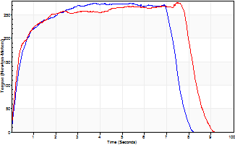
Isometric Extensors (Con) Angle 60 Time 10 Repetition 1 (Best Repetition)
 | Value | Cof Var | %BW
Peak Torque (Newton-Meters)
Right | 275 | 0 | 393
Left | 275 | 0 | 393
Deficit | 0
Average Torque (Newton-Meters)
Right | 186 | 0 | 265
Left | 205 | 0 | 292
Deficit | 9
Peak Torque Slope (Newton-Meters/Seconds)
Right | 74 | 0 | 106
Left | 37 | 0 | 53 |  | Right Side Curves Left Side Curves
Deficit | 50
Time to Half Peak Torque (Seconds)
Right | 0.35 | 0
Left | 0.27 | 0
Time to Peak Torque (Seconds)
Right | 3.71 | 0
Left | 7.46 | 0
HUMAC2015® Version: 15.000.0074 © Computer Sports Medicine, Inc. www.csmisolutions.com

Ark2
Use File, Preference to set Report Heading
Long Form Torque vs. Position Report - Knee Extension/Flexion
Name: |  |  |  | TR024_105, | ID: | TR024_105 | Right/Left: | 16.09.2020 16.09.2020

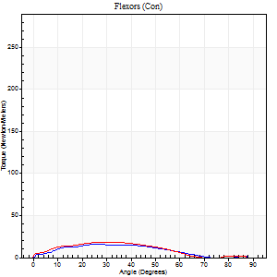
Right Side Curves Left Side Curves
Isokinetic Con/Con |  |  |  | Extensors (Con) |  | Flexors (Con)
Speed 60/60 d/s 3 Reps |  |  |  | Value | Cof Var | %BW | Value | Cof Var | %BW | Ratio

TORQUE PARAMETERS
Peak Torque (Newton-Meters - Best Repetition)
Right |  |  |  | 190 | 0.04 | 271 | 16 | 0.51 | 24 | 9
Left |  |  |  | 183 | 0.02 | 262 | 18 | 0.27 | 24 | 10
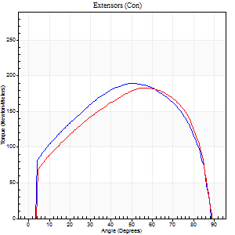
Deficit |  |  |  | 4 |  |  | 8
Work per Repetition (Newton-Meters - Best Repetition)
Right |  |  |  | 218 | 0.04 | 313 | 14 | 0.66 | 18 | 6
Left |  |  |  | 207 | 0.03 | 295 | 15 | 0.17 | 21 | 7
Deficit |  |  |  | 5 |  |  | 9
Average Power per Repetition (Watts - Best Repetition)
Right |  |  |  | 141 | 0.04 | 202 | 7 | 0.66 | 11 | 5
Left |  |  |  | 131 | 0.03 | 187 | 8 | 0.09 | 11 | 6
Deficit |  |  |  | 7 |  |  | 13
POSITION PARAMETERS
Joint Angle at Peak Torque (Degrees)
Right |  |  |  | 55 | 0.07 |  | 24 | 0.49
Left |  |  |  | 56 | 0.03 |  | 34 | 0.16
Range of Motion (Degrees)
Right |  |  |  | 0 | -1.41 |  | 90 | 0
Left |  |  |  | 0 | -0.47 |  | 90 | 0
TIME PARAMETERS
Time to Peak Torque (Seconds)
Right |  |  |  | 0.59 | 0.1 |  | 0.5 | 0.38
Left |  |  |  | 0.56 | 0.06 |  | 0.67 | 0.14
Time Peak Torque Held (Seconds)
Right |  |  |  | 0.08 | 0.18 |  | 0.06 | 1.04
Left |  |  |  | 0.07 | 0.39 |  | 0.02 | 1.73
Force Decay Time (Seconds)
Right |  |  |  | 0.9 | 0.06 |  | 1.27 | 0.37
Left |  |  |  | 0.93 | 0 |  | 1.03 | 0.25
Reciprocal Delay (Seconds)
Right |  |  |  | 0.31 | 0.49 |  | 0.44 | 0.12
Left |  |  |  | 0.27 | 0.16 |  | 0.5 | 0.13
Delay Time (Seconds)
Right |  |  |  | 0.03 | 0.47 |  | -0.03 | -0.33
Left |  |  |  | 0.02 | 0 |  | -0.04 | -0.71
HUMAC2015® Version: 15.000.0074 © Computer Sports Medicine, Inc. www.csmisolutions.com

Use File, Preference to set Report Heading
Long Form Torque vs. Position Report - Knee Extension/Flexion
Name: |  |  |  | TR024_105, | ID: | TR024_105 | Right/Left: | 16.09.2020 16.09.2020

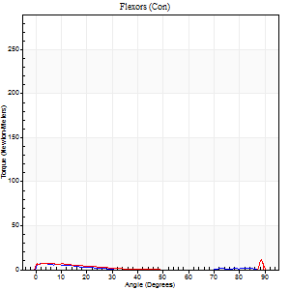
Right Side Curves Left Side Curves
Isokinetic Con/Con |  |  |  | Extensors (Con) |  | Flexors (Con)
Speed 240/240 d/s 3 Reps |  |  |  | Value | Cof Var | %BW | Value | Cof Var | %BW | Ratio

TORQUE PARAMETERS
Peak Torque (Newton-Meters - Best Repetition)
Right |  |  |  | 95 | 0.02 | 134 | 8 | 0.26 | 12 | 9
Left |  |  |  | 87 | 0.02 | 125 | 11 | 0.29 | 15 | 12
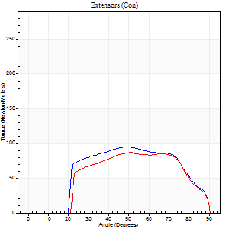
Deficit |  |  |  | 9 |  |  | 25
Work per Repetition (Newton-Meters - Best Repetition)
Right |  |  |  | 94 | 0.04 | 134 | 3 | 0.26 | 3 | 3
Left |  |  |  | 84 | 0.02 | 119 | 7 | 0.57 | 9 | 8
Deficit |  |  |  | 10 |  |  | 60
Average Power per Repetition (Watts - Best Repetition)
Right |  |  |  | 167 | 0.04 | 237 | 2 | 0.25 | 2 | 1
Left |  |  |  | 145 | 0.02 | 207 | 10 | 0.94 | 13 | 7
Deficit |  |  |  | 13 |  |  | 80
POSITION PARAMETERS
Joint Angle at Peak Torque (Degrees)
Right |  |  |  | 49 | 0.02 |  | 2 | 0.81
Left |  |  |  | 56 | 0.18 |  | 34 | 1.41
Range of Motion (Degrees)
Right |  |  |  | 0 | 0 |  | 90 | 0
Left |  |  |  | 0 | -0.2 |  | 90 | 0
TIME PARAMETERS
Time to Peak Torque (Seconds)
Right |  |  |  | 0.25 | 0.06 |  | 0.11 | 0.51
Left |  |  |  | 0.25 | 0.06 |  | 0.44 | 0.9
Time Peak Torque Held (Seconds)
Right |  |  |  | 0.01 | 0.43 |  | 0 | 1.73
Left |  |  |  | 0.01 | 0.87 |  | 0 | 0
Force Decay Time (Seconds)
Right |  |  |  | 0.29 | 0.04 |  | 1.29 | 0.05
Left |  |  |  | 0.34 | 0.1 |  | 0.62 | 0.73
Reciprocal Delay (Seconds)
Right |  |  |  | 0.29 | 0.39 |  | 0.35 | 0.23
Left |  |  |  | 0.56 | 0.33 |  | 0.83 | 0.28
Delay Time (Seconds)
Right |  |  |  | -0.02 | -0.28 |  | -0.06 | -0.2
Left |  |  |  | -0.02 | -0.28 |  | -0.05 | -0.43
HUMAC2015® Version: 15.000.0074 © Computer Sports Medicine, Inc. www.csmisolutions.com

Use File, Preference to set Report Heading
Isometric - Knee Extension/Flexion
Name: |  |  |  | TR024_105, | ID: | TR024_105 | Right/Left: | 16.09.2020 16.09.2020

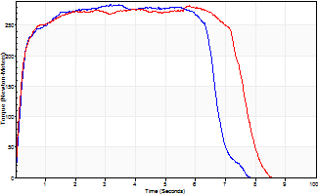
Isometric Extensors (Con) Angle 60 Time 10 Repetition 1 (Best Repetition)
 | Value | Cof Var | %BW
Peak Torque (Newton-Meters)
Right | 283 | 0 | 405
Left | 282 | 0 | 402
Deficit | 0
Average Torque (Newton-Meters)
Right | 178 | 0 | 253
Left | 201 | 0 | 286
Deficit | 11
Peak Torque Slope (Newton-Meters/Seconds)
Right | 82 | 0 | 117
Left | 49 | 0 | 70 |  | Right Side Curves Left Side Curves
Deficit | 41
Time to Half Peak Torque (Seconds)
Right | 0.2 | 0
Left | 0.17 | 0
Time to Peak Torque (Seconds)
Right | 3.45 | 0
Left | 5.77 | 0
HUMAC2015® Version: 15.000.0074 © Computer Sports Medicine, Inc. www.csmisolutions.com

Ark3
Use File, Preference to set Report Heading
Long Form Torque vs. Position Report - Knee Extension/Flexion
Name: |  |  |  | TR024_105, | ID: | TR024_105 | Right/Left: | 20.09.2020 20.09.2020

Right Side Curves Left Side Curves
Isokinetic Con/Con |  |  |  | Extensors (Con) |  | Flexors (Con)
Speed 60/60 d/s 3 Reps |  |  |  | Value | Cof Var | %BW | Value | Cof Var | %BW | Ratio

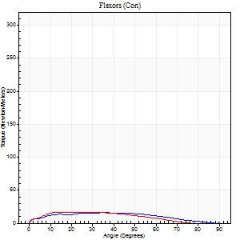
TORQUE PARAMETERS
Peak Torque (Newton-Meters - Best Repetition)
Right |  |  |  | 191 | 0.02 | 274 | 16 | 0.17 | 24 | 9
Left |  |  |  | 183 | 0.01 | 262 | 16 | 0.09 | 24 | 9
Deficit |  |  |  | 4 |  |  | 0
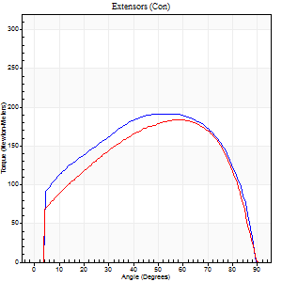
Work per Repetition (Newton-Meters - Best Repetition)
Right |  |  |  | 226 | 0.03 | 322 | 16 | 0.25 | 24 | 7
Left |  |  |  | 206 | 0.01 | 295 | 15 | 0.09 | 21 | 7
Deficit |  |  |  | 9 |  |  | 8
Average Power per Repetition (Watts - Best Repetition)
Right |  |  |  | 143 | 0.18 | 204 | 10 | 0.32 | 13 | 7
Left |  |  |  | 130 | 0.01 | 185 | 10 | 0.35 | 13 | 8
Deficit |  |  |  | 9 |  |  | 0
POSITION PARAMETERS
Joint Angle at Peak Torque (Degrees)
Right |  |  |  | 55 | 0.07 |  | 30 | 0.48
Left |  |  |  | 57 | 0.01 |  | 27 | 0.2
Range of Motion (Degrees)
Right |  |  |  | 0 | -0.71 |  | 90 | 0
Left |  |  |  | 0 | 0 |  | 90 | 0
TIME PARAMETERS
Time to Peak Torque (Seconds)
Right |  |  |  | 0.92 | 0.46 |  | 0.57 | 0.45
Left |  |  |  | 0.55 | 0.03 |  | 0.52 | 0.18
Time Peak Torque Held (Seconds)
Right |  |  |  | 0.1 | 0.2 |  | 0.02 | 1.73
Left |  |  |  | 0.07 | 0.31 |  | 0.02 | 1.73
Force Decay Time (Seconds)
Right |  |  |  | 0.88 | 0.09 |  | 1.16 | 0.47
Left |  |  |  | 0.95 | 0.01 |  | 1.57 | 0.25
Reciprocal Delay (Seconds)
Right |  |  |  | 0.69 | 0.23 |  | 0.48 | 0.17
Left |  |  |  | 0.36 | 0.06 |  | 0.67 | 0.31
Delay Time (Seconds)
Right |  |  |  | -0.28 | -1.46 |  | -0.01 | -2.29
Left |  |  |  | 0.01 | 0 |  | -0.01 | -1
HUMAC2015® Version: 15.000.0074 © Computer Sports Medicine, Inc. www.csmisolutions.com

Use File, Preference to set Report Heading
Long Form Torque vs. Position Report - Knee Extension/Flexion
Name: |  |  |  | TR024_105, | ID: | TR024_105 | Right/Left: | 20.09.2020 20.09.2020
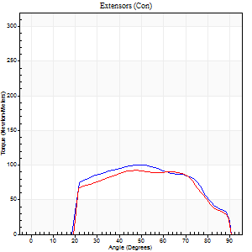
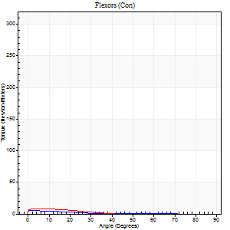
Right Side Curves Left Side Curves
Isokinetic Con/Con |  |  |  | Extensors (Con) |  | Flexors (Con)
Speed 240/240 d/s 3 Reps |  |  |  | Value | Cof Var | %BW | Value | Cof Var | %BW | Ratio

TORQUE PARAMETERS
Peak Torque (Newton-Meters - Best Repetition)
Right |  |  |  | 100 | 0.02 | 143 | 5 | 0.08 | 9 | 5
Left |  |  |  | 92 | 0.8 | 131 | 8 | 0.19 | 12 | 9
Deficit |  |  |  | 8 |  |  | 33
Work per Repetition (Newton-Meters - Best Repetition)
Right |  |  |  | 99 | 0.05 | 140 | 3 | 0.06 | 3 | 3
Left |  |  |  | 92 | 0.86 | 131 | 4 | 0.55 | 6 | 4
Deficit |  |  |  | 7 |  |  | 33
Average Power per Repetition (Watts - Best Repetition)
Right |  |  |  | 178 | 0.06 | 255 | 2 | 0.39 | 2 | 1
Left |  |  |  | 164 | 0.86 | 233 | 4 | 0.49 | 7 | 2
Deficit |  |  |  | 8 |  |  | 50
POSITION PARAMETERS
Joint Angle at Peak Torque (Degrees)
Right |  |  |  | 51 | 0.03 |  | 2 | 1.32
Left |  |  |  | 59 | 0.34 |  | 28 | 1.44
Range of Motion (Degrees)
Right |  |  |  | 0 | 0 |  | 90 | 0
Left |  |  |  | 36 | 1.42 |  | 87 | 0.05
TIME PARAMETERS
Time to Peak Torque (Seconds)
Right |  |  |  | 0.25 | 0.03 |  | 0.12 | 0.77
Left |  |  |  | 0.12 | 1.41 |  | 0.15 | 0.35
Time Peak Torque Held (Seconds)
Right |  |  |  | 0.01 | 1 |  | 0.05 | 1.73
Left |  |  |  | 0.01 | 0.87 |  | 0.04 | 1.73
Force Decay Time (Seconds)
Right |  |  |  | 0.3 | 0.05 |  | 1.31 | 0.39
Left |  |  |  | 0.36 | 0.28 |  | 0.9 | 0.84
Reciprocal Delay (Seconds)
Right |  |  |  | 0.71 | 0.32 |  | 0.82 | 0.12
Left |  |  |  | 0.32 | 0.84 |  | 0.62 | 0.7
Delay Time (Seconds)
Right |  |  |  | -0.02 | -0.28 |  | -0.06 | -0.17
Left |  |  |  | -0.04 | -1.1 |  | -0.05 | -0.29
HUMAC2015® Version: 15.000.0074 © Computer Sports Medicine, Inc. www.csmisolutions.com

Use File, Preference to set Report Heading
Isometric - Knee Extension/Flexion
Name: |  |  |  | TR024_105, | ID: | TR024_105 | Right/Left: | 20.09.2020 20.09.2020

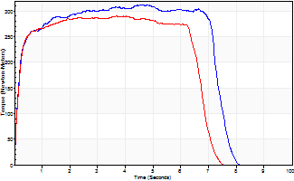
Isometric Extensors (Con) Angle 60 Time 10 Repetition 1 (Best Repetition)
 | Value | Cof Var | %BW
Peak Torque (Newton-Meters)
Right | 312 | 0 | 444
Left | 290 | 0 | 414
Deficit | 7
Average Torque (Newton-Meters)
Right | 214 | 0 | 307
Left | 184 | 0 | 262
Deficit | 14
Peak Torque Slope (Newton-Meters/Seconds)
Right | 69 | 0 | 98
Left | 79 | 0 | 113 |  | Right Side Curves Left Side Curves
Deficit | 13
Time to Half Peak Torque (Seconds)
Right | 0.15 | 0
Left | 0.15 | 0
Time to Peak Torque (Seconds)
Right | 4.53 | 0
Left | 3.66 | 0
HUMAC2015® Version: 15.000.0074 © Computer Sports Medicine, Inc. www.csmisolutions.com

Ark4
Use File, Preference to set Report Heading
Long Form Torque vs. Position Report - Knee Extension/Flexion
Name: |  |  |  | TR024_105, | ID: | TR024_105 | Right/Left: | 24.09.2020 24.09.2020
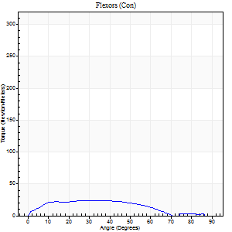
Right Side Curves Left Side Curves
Isokinetic Con/Con |  |  |  | Extensors (Con) |  | Flexors (Con)
Speed 60/60 d/s 3 Reps |  |  |  | Value | Cof Var | %BW | Value | Cof Var | %BW | Ratio

TORQUE PARAMETERS
Peak Torque (Newton-Meters - Best Repetition)
Right |  |  |  | 198 | 0.06 | 283 | 24 | 0.31 | 36 | 12
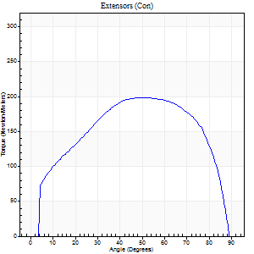
Left |  |  |  | 0 | 0 | 0 | 0 | 0 | 0 | 0
Deficit |  |  |  | 0 |  |  | 0
Work per Repetition (Newton-Meters - Best Repetition)
Right |  |  |  | 228 | 0.05 | 325 | 23 | 0.29 | 33 | 10
Left |  |  |  | 0 | 0 | 0 | 0 | 0 | 0 | 0
Deficit |  |  |  | 0 |  |  | 0
Average Power per Repetition (Watts - Best Repetition)
Right |  |  |  | 144 | 0.04 | 207 | 10 | 0.29 | 13 | 7
Left |  |  |  | 0 | 0 | 0 | 0 | 0 | 0 | 0
Deficit |  |  |  | 0 |  |  | 0
POSITION PARAMETERS
Joint Angle at Peak Torque (Degrees)
Right |  |  |  | 53 | 0.09 |  | 31 | 0.21
Left |  |  |  | 0 | 0 |  | 0 | 0
Range of Motion (Degrees)
Right |  |  |  | 0 | 0 |  | 90 | 0
Left |  |  |  | 0 | 0 |  | 0 | 0
TIME PARAMETERS
Time to Peak Torque (Seconds)
Right |  |  |  | 0.64 | 0.08 |  | 0.57 | 0.21
Left |  |  |  | 0 | 0 |  | 0 | 0
Time Peak Torque Held (Seconds)
Right |  |  |  | 0.1 | 0.46 |  | 0.1 | 0.84
Left |  |  |  | 0 | 0 |  | 0 | 0
Force Decay Time (Seconds)
Right |  |  |  | 0.87 | 0.12 |  | 1.29 | 0.27
Left |  |  |  | 0 | 0 |  | 0 | 0
Reciprocal Delay (Seconds)
Right |  |  |  | 0.52 | 0.14 |  | 0.48 | 0.16
Left |  |  |  | 0 | 0 |  | 0 | 0
Delay Time (Seconds)
Right |  |  |  | 0.02 | 0.28 |  | -0.01 | -1
Left |  |  |  | 0 | 0 |  | 0 | 0
HUMAC2015® Version: 15.000.0074 © Computer Sports Medicine, Inc. www.csmisolutions.com

Use File, Preference to set Report Heading
Long Form Torque vs. Position Report - Knee Extension/Flexion
Name: |  |  |  | TR024_105, | ID: | TR024_105 | Right/Left: | 24.09.2020 24.09.2020
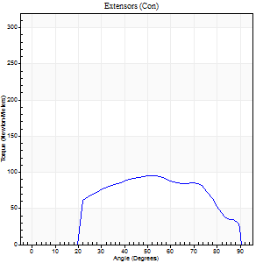
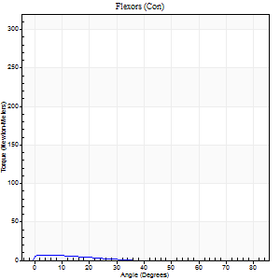
Right Side Curves Left Side Curves
Isokinetic Con/Con |  |  |  | Extensors (Con) |  | Flexors (Con)
Speed 240/240 d/s 3 Reps |  |  |  | Value | Cof Var | %BW | Value | Cof Var | %BW | Ratio

TORQUE PARAMETERS
Peak Torque (Newton-Meters - Best Repetition)
Right |  |  |  | 95 | 0.01 | 134 | 7 | 0.06 | 9 | 7
Left |  |  |  | 0 | 0 | 0 | 0 | 0 | 0 | 0
Deficit |  |  |  | 0 |  |  | 0
Work per Repetition (Newton-Meters - Best Repetition)
Right |  |  |  | 92 | 0.01 | 131 | 3 | 0.09 | 3 | 3
Left |  |  |  | 0 | 0 | 0 | 0 | 0 | 0 | 0
Deficit |  |  |  | 0 |  |  | 0
Average Power per Repetition (Watts - Best Repetition)
Right |  |  |  | 165 | 0.03 | 235 | 2 | 0.53 | 2 | 1
Left |  |  |  | 0 | 0 | 0 | 0 | 0 | 0 | 0
Deficit |  |  |  | 0 |  |  | 0
POSITION PARAMETERS
Joint Angle at Peak Torque (Degrees)
Right |  |  |  | 51 | 0.01 |  | 4 | 0.05
Left |  |  |  | 0 | 0 |  | 0 | 0
Range of Motion (Degrees)
Right |  |  |  | 0 | 0 |  | 90 | 0
Left |  |  |  | 0 | 0 |  | 0 | 0
TIME PARAMETERS
Time to Peak Torque (Seconds)
Right |  |  |  | 0.23 | 0 |  | 0.17 | 0
Left |  |  |  | 0 | 0 |  | 0 | 0
Time Peak Torque Held (Seconds)
Right |  |  |  | 0.01 | 0 |  | 0.03 | 1.73
Left |  |  |  | 0 | 0 |  | 0 | 0
Force Decay Time (Seconds)
Right |  |  |  | 0.32 | 0.02 |  | 1.62 | 0.44
Left |  |  |  | 0 | 0 |  | 0 | 0
Reciprocal Delay (Seconds)
Right |  |  |  | 0.63 | 0.21 |  | 0.91 | 0.06
Left |  |  |  | 0 | 0 |  | 0 | 0
Delay Time (Seconds)
Right |  |  |  | -0.02 | 0 |  | -0.04 | -0.13
Left |  |  |  | 0 | 0 |  | 0 | 0
HUMAC2015® Version: 15.000.0074 © Computer Sports Medicine, Inc. www.csmisolutions.com

Use File, Preference to set Report Heading
Isometric - Knee Extension/Flexion
Name: |  |  |  | TR024_105, | ID: | TR024_105 | Right/Left: | 24.09.2020 24.09.2020

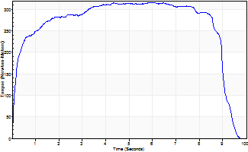
Isometric Extensors (Con) Angle 60 Time 10 Repetition 1 (Best Repetition)
 | Value | Cof Var | %BW
Peak Torque (Newton-Meters)
Right | 316 | 0 | 450
Left | 0 | 0 | 0
Deficit | 0
Average Torque (Newton-Meters)
Right | 260 | 0 | 373
Left | 0 | 0 | 0
Deficit | 0
Peak Torque Slope (Newton-Meters/Seconds)
Right | 53 | 0 | 76
Left | 0 | 0 | 0 |  | Right Side Curves Left Side Curves
Deficit | 0
Time to Half Peak Torque (Seconds)
Right | 0.19 | 0
Left | 0 | 0
Time to Peak Torque (Seconds)
Right | 5.95 | 0
Left | 0 | 0
HUMAC2015® Version: 15.000.0074 © Computer Sports Medicine, Inc. www.csmisolutions.com

Ark5
Use File, Preference to set Report Heading
Long Form Torque vs. Position Report - Knee Extension/Flexion
Name: |  |  |  | TR024_105, | ID: | TR024_105 | Right/Left: | 25.09.2020 25.09.2020
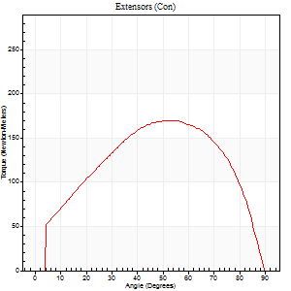
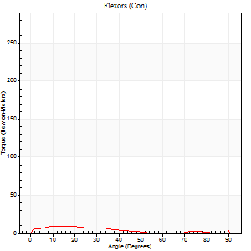
Right Side Curves Left Side Curves
Isokinetic Con/Con |  |  |  | Extensors (Con) |  | Flexors (Con)
Speed 60/60 d/s 3 Reps |  |  |  | Value | Cof Var | %BW | Value | Cof Var | %BW | Ratio

TORQUE PARAMETERS
Peak Torque (Newton-Meters - Best Repetition)
Right |  |  |  | 0 | 0 | 0 | 0 | 0 | 0 | 0
Left |  |  |  | 170 | 0.02 | 241 | 14 | 0.27 | 18 | 8
Deficit |  |  |  | 0 |  |  | 0
Work per Repetition (Newton-Meters - Best Repetition)
Right |  |  |  | 0 | 0 | 0 | 0 | 0 | 0 | 0
Left |  |  |  | 193 | 0.02 | 274 | 8 | 0.24 | 12 | 4
Deficit |  |  |  | 0 |  |  | 0
Average Power per Repetition (Watts - Best Repetition)
Right |  |  |  | 0 | 0 | 0 | 0 | 0 | 0 | 0
Left |  |  |  | 121 | 0.02 | 174 | 5 | 0.19 | 7 | 4
Deficit |  |  |  | 0 |  |  | 0
POSITION PARAMETERS
Joint Angle at Peak Torque (Degrees)
Right |  |  |  | 0 | 0 |  | 0 | 0
Left |  |  |  | 55 | 0.04 |  | 40 | 1.1
Range of Motion (Degrees)
Right |  |  |  | 0 | 0 |  | 0 | 0
Left |  |  |  | 0 | -0.47 |  | 90 | 0
TIME PARAMETERS
Time to Peak Torque (Seconds)
Right |  |  |  | 0 | 0 |  | 0 | 0
Left |  |  |  | 0.6 | 0.07 |  | 0.98 | 1.13
Time Peak Torque Held (Seconds)
Right |  |  |  | 0 | 0 |  | 0 | 0
Left |  |  |  | 0.06 | 0.36 |  | 0.19 | 1.69
Force Decay Time (Seconds)
Right |  |  |  | 0 | 0 |  | 0 | 0
Left |  |  |  | 0.93 | 0.04 |  | 0.65 | 1.29
Reciprocal Delay (Seconds)
Right |  |  |  | 0 | 0 |  | 0 | 0
Left |  |  |  | 0.87 | 0.09 |  | 0.53 | 0.18
Delay Time (Seconds)
Right |  |  |  | 0 | 0 |  | 0 | 0
Left |  |  |  | 0.01 | 0.47 |  | -0.03 | -0.22
HUMAC2015® Version: 15.000.0074 © Computer Sports Medicine, Inc. www.csmisolutions.com

Use File, Preference to set Report Heading
Long Form Torque vs. Position Report - Knee Extension/Flexion
Name: |  |  |  | TR024_105, | ID: | TR024_105 | Right/Left: | 25.09.2020 25.09.2020
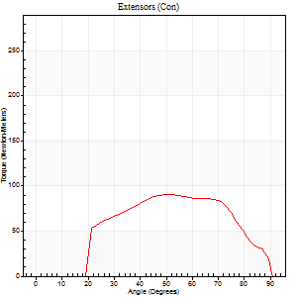
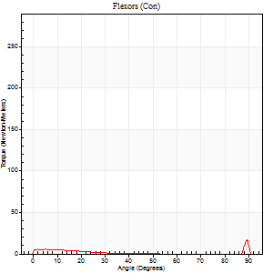
Right Side Curves Left Side Curves
Isokinetic Con/Con |  |  |  | Extensors (Con) |  | Flexors (Con)
Speed 240/240 d/s 3 Reps |  |  |  | Value | Cof Var | %BW | Value | Cof Var | %BW | Ratio

TORQUE PARAMETERS
Peak Torque (Newton-Meters - Best Repetition)
Right |  |  |  | 0 | 0 | 0 | 0 | 0 | 0 | 0
Left |  |  |  | 91 | 0.01 | 131 | 27 | 0.52 | 39 | 30
Deficit |  |  |  | 0 |  |  | 0
Work per Repetition (Newton-Meters - Best Repetition)
Right |  |  |  | 0 | 0 | 0 | 0 | 0 | 0 | 0
Left |  |  |  | 87 | 0.01 | 125 | 3 | 0.69 | 3 | 3
Deficit |  |  |  | 0 |  |  | 0
Average Power per Repetition (Watts - Best Repetition)
Right |  |  |  | 0 | 0 | 0 | 0 | 0 | 0 | 0
Left |  |  |  | 153 | 0.02 | 218 | 4 | 0.48 | 7 | 3
Deficit |  |  |  | 0 |  |  | 0
POSITION PARAMETERS
Joint Angle at Peak Torque (Degrees)
Right |  |  |  | 0 | 0 |  | 0 | 0
Left |  |  |  | 50 | 0.02 |  | 62 | 0.8
Range of Motion (Degrees)
Right |  |  |  | 0 | 0 |  | 0 | 0
Left |  |  |  | 0 | -0.28 |  | 90 | 0
TIME PARAMETERS
Time to Peak Torque (Seconds)
Right |  |  |  | 0 | 0 |  | 0 | 0
Left |  |  |  | 0.23 | 0.03 |  | 0.64 | 0.84
Time Peak Torque Held (Seconds)
Right |  |  |  | 0 | 0 |  | 0 | 0
Left |  |  |  | 0.01 | 0.87 |  | 0.02 | 1.73
Force Decay Time (Seconds)
Right |  |  |  | 0 | 0 |  | 0 | 0
Left |  |  |  | 0.32 | 0.02 |  | 0.08 | 5.7
Reciprocal Delay (Seconds)
Right |  |  |  | 0 | 0 |  | 0 | 0
Left |  |  |  | 0.62 | 0.29 |  | 0.93 | 0.04
Delay Time (Seconds)
Right |  |  |  | 0 | 0 |  | 0 | 0
Left |  |  |  | -0.01 | 0 |  | 0.23 | 2
HUMAC2015® Version: 15.000.0074 © Computer Sports Medicine, Inc. www.csmisolutions.com

Use File, Preference to set Report Heading
Isometric - Knee Extension/Flexion
Name: |  |  |  | TR024_105, | ID: | TR024_105 | Right/Left: | 25.09.2020 25.09.2020

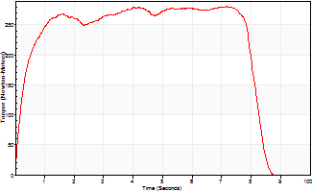
Isometric Extensors (Con) Angle 60 Time 10 Repetition 1 (Best Repetition)
 | Value | Cof Var | %BW
Peak Torque (Newton-Meters)
Right | 0 | 0 | 0
Left | 281 | 0 | 399
Deficit | 0
Average Torque (Newton-Meters)
Right | 0 | 0 | 0
Left | 212 | 0 | 301
Deficit | 0
Peak Torque Slope (Newton-Meters/Seconds)
Right | 0 | 0 | 0
Left | 39 | 0 | 56 |  | Right Side Curves Left Side Curves
Deficit | 0
Time to Half Peak Torque (Seconds)
Right | 0 | 0
Left | 0.26 | 0
Time to Peak Torque (Seconds)
Right | 0 | 0
Left | 7.15 | 0
HUMAC2015® Version: 15.000.0074 © Computer Sports Medicine, Inc. www.csmisolutions.com

Ark6
Use File, Preference to set Report Heading
Long Form Torque vs. Position Report - Knee Extension/Flexion
Name: |  |  |  | TR024_105, | ID: | TR024_105 | Right/Left: | 28.09.2020 28.09.2020

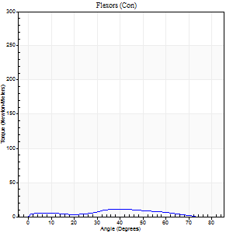
Right Side Curves Left Side Curves
Isokinetic Con/Con |  |  |  | Extensors (Con) |  | Flexors (Con)
Speed 60/60 d/s 3 Reps |  |  |  | Value | Cof Var | %BW | Value | Cof Var | %BW | Ratio

TORQUE PARAMETERS
Peak Torque (Newton-Meters - Best Repetition)
Right |  |  |  | 179 | 0.01 | 256 | 11 | 0.42 | 15 | 6
Left |  |  |  | 0 | 0 | 0 | 0 | 0 | 0 | 0
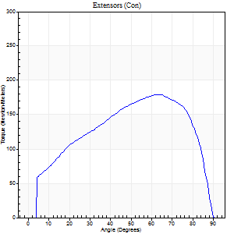
Deficit |  |  |  | 0 |  |  | 0
Work per Repetition (Newton-Meters - Best Repetition)
Right |  |  |  | 205 | 0.03 | 292 | 8 | 0.36 | 12 | 4
Left |  |  |  | 0 | 0 | 0 | 0 | 0 | 0 | 0
Deficit |  |  |  | 0 |  |  | 0
Average Power per Repetition (Watts - Best Repetition)
Right |  |  |  | 130 | 0.03 | 185 | 5 | 0.46 | 7 | 4
Left |  |  |  | 0 | 0 | 0 | 0 | 0 | 0 | 0
Deficit |  |  |  | 0 |  |  | 0
POSITION PARAMETERS
Joint Angle at Peak Torque (Degrees)
Right |  |  |  | 60 | 0.08 |  | 21 | 0.78
Left |  |  |  | 0 | 0 |  | 0 | 0
Range of Motion (Degrees)
Right |  |  |  | 0 | -4.24 |  | 90 | 0
Left |  |  |  | 0 | 0 |  | 0 | 0
TIME PARAMETERS
Time to Peak Torque (Seconds)
Right |  |  |  | 0.56 | 0.17 |  | 0.45 | 0.59
Left |  |  |  | 0 | 0 |  | 0 | 0
Time Peak Torque Held (Seconds)
Right |  |  |  | 0.07 | 0.29 |  | 0 | 0
Left |  |  |  | 0 | 0 |  | 0 | 0
Force Decay Time (Seconds)
Right |  |  |  | 0.98 | 0.11 |  | 1.3 | 0.35
Left |  |  |  | 0 | 0 |  | 0 | 0
Reciprocal Delay (Seconds)
Right |  |  |  | 0.44 | 0.5 |  | 0.55 | 0.09
Left |  |  |  | 0 | 0 |  | 0 | 0
Delay Time (Seconds)
Right |  |  |  | 0 | 0 |  | -0.02 | -0.25
Left |  |  |  | 0 | 0 |  | 0 | 0
HUMAC2015® Version: 15.000.0074 © Computer Sports Medicine, Inc. www.csmisolutions.com

Use File, Preference to set Report Heading
Long Form Torque vs. Position Report - Knee Extension/Flexion
Name: |  |  |  | TR024_105, | ID: | TR024_105 | Right/Left: | 28.09.2020 28.09.2020
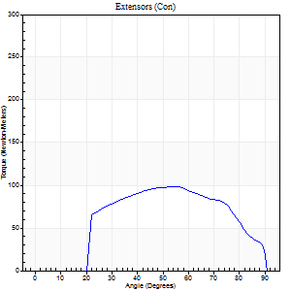
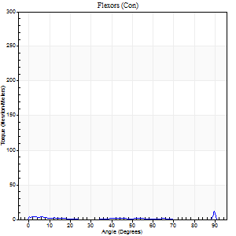
Right Side Curves Left Side Curves
Isokinetic Con/Con |  |  |  | Extensors (Con) |  | Flexors (Con)
Speed 240/240 d/s 3 Reps |  |  |  | Value | Cof Var | %BW | Value | Cof Var | %BW | Ratio

TORQUE PARAMETERS
Peak Torque (Newton-Meters - Best Repetition)
Right |  |  |  | 99 | 0.04 | 140 | 12 | 0.37 | 18 | 12
Left |  |  |  | 0 | 0 | 0 | 0 | 0 | 0 | 0
Deficit |  |  |  | 0 |  |  | 0
Work per Repetition (Newton-Meters - Best Repetition)
Right |  |  |  | 96 | 0.05 | 137 | 3 | 0.15 | 3 | 3
Left |  |  |  | 0 | 0 | 0 | 0 | 0 | 0 | 0
Deficit |  |  |  | 0 |  |  | 0
Average Power per Repetition (Watts - Best Repetition)
Right |  |  |  | 169 | 0.05 | 242 | 2 | 0.28 | 2 | 1
Left |  |  |  | 0 | 0 | 0 | 0 | 0 | 0 | 0
Deficit |  |  |  | 0 |  |  | 0
POSITION PARAMETERS
Joint Angle at Peak Torque (Degrees)
Right |  |  |  | 53 | 0 |  | 62 | 0.79
Left |  |  |  | 0 | 0 |  | 0 | 0
Range of Motion (Degrees)
Right |  |  |  | 0 | 0 |  | 90 | 0
Left |  |  |  | 0 | 0 |  | 0 | 0
TIME PARAMETERS
Time to Peak Torque (Seconds)
Right |  |  |  | 0.23 | 0 |  | 1.04 | 0.68
Left |  |  |  | 0 | 0 |  | 0 | 0
Time Peak Torque Held (Seconds)
Right |  |  |  | 0.01 | 0.87 |  | 0 | 1.73
Left |  |  |  | 0 | 0 |  | 0 | 0
Force Decay Time (Seconds)
Right |  |  |  | 0.32 | 0.02 |  | 0.27 | 2.18
Left |  |  |  | 0 | 0 |  | 0 | 0
Reciprocal Delay (Seconds)
Right |  |  |  | 0.5 | 0.17 |  | 0.79 | 0.15
Left |  |  |  | 0 | 0 |  | 0 | 0
Delay Time (Seconds)
Right |  |  |  | -0.02 | 0 |  | -0.07 | -0.14
Left |  |  |  | 0 | 0 |  | 0 | 0
HUMAC2015® Version: 15.000.0074 © Computer Sports Medicine, Inc. www.csmisolutions.com

Use File, Preference to set Report Heading
Isometric - Knee Extension/Flexion
Name: |  |  |  | TR024_105, | ID: | TR024_105 | Right/Left: | 28.09.2020 28.09.2020

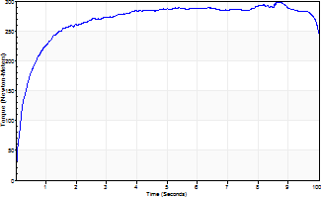
Isometric Extensors (Con) Angle 60 Time 10 Repetition 1 (Best Repetition)
 | Value | Cof Var | %BW
Peak Torque (Newton-Meters)
Right | 298 | 0 | 426
Left | 0 | 0 | 0
Deficit | 0
Average Torque (Newton-Meters)
Right | 267 | 0 | 381
Left | 0 | 0 | 0
Deficit | 0
Peak Torque Slope (Newton-Meters/Seconds)
Right | 34 | 0 | 49
Left | 0 | 0 | 0 |  | Right Side Curves Left Side Curves
Deficit | 0
Time to Half Peak Torque (Seconds)
Right | 0.34 | 0
Left | 0 | 0
Time to Peak Torque (Seconds)
Right | 8.65 | 0
Left | 0 | 0
HUMAC2015® Version: 15.000.0074 © Computer Sports Medicine, Inc. www.csmisolutions.com

Ark7
Use File, Preference to set Report Heading
Long Form Torque vs. Position Report - Knee Extension/Flexion
Name: |  |  |  | TR024_105, | ID: | TR024_105 | Right/Left: | 29.09.2020 29.09.2020
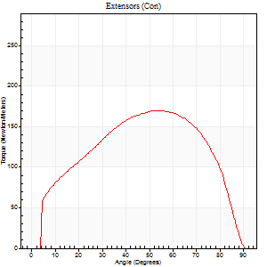
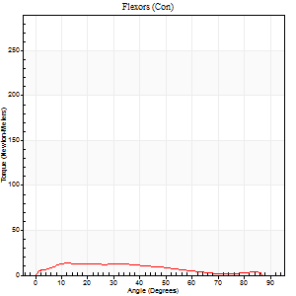
Right Side Curves Left Side Curves
Isokinetic Con/Con |  |  |  | Extensors (Con) |  | Flexors (Con)
Speed 60/60 d/s 3 Reps |  |  |  | Value | Cof Var | %BW | Value | Cof Var | %BW | Ratio

TORQUE PARAMETERS
Peak Torque (Newton-Meters - Best Repetition)
Right |  |  |  | 0 | 0 | 0 | 0 | 0 | 0 | 0
Left |  |  |  | 170 | 0.02 | 241 | 14 | 0.06 | 18 | 8
Deficit |  |  |  | 0 |  |  | 0
Work per Repetition (Newton-Meters - Best Repetition)
Right |  |  |  | 0 | 0 | 0 | 0 | 0 | 0 | 0
Left |  |  |  | 187 | 0.02 | 268 | 12 | 0.18 | 18 | 7
Deficit |  |  |  | 0 |  |  | 0
Average Power per Repetition (Watts - Best Repetition)
Right |  |  |  | 0 | 0 | 0 | 0 | 0 | 0 | 0
Left |  |  |  | 120 | 0.02 | 171 | 7 | 0.12 | 11 | 6
Deficit |  |  |  | 0 |  |  | 0
POSITION PARAMETERS
Joint Angle at Peak Torque (Degrees)
Right |  |  |  | 0 | 0 |  | 0 | 0
Left |  |  |  | 57 | 0.06 |  | 18 | 0.47
Range of Motion (Degrees)
Right |  |  |  | 0 | 0 |  | 0 | 0
Left |  |  |  | 0 | 0.28 |  | 90 | 0
TIME PARAMETERS
Time to Peak Torque (Seconds)
Right |  |  |  | 0 | 0 |  | 0 | 0
Left |  |  |  | 0.6 | 0.09 |  | 0.37 | 0.44
Time Peak Torque Held (Seconds)
Right |  |  |  | 0 | 0 |  | 0 | 0
Left |  |  |  | 0.08 | 0.25 |  | 0.04 | 0.43
Force Decay Time (Seconds)
Right |  |  |  | 0 | 0 |  | 0 | 0
Left |  |  |  | 0.91 | 0.07 |  | 1.17 | 0.1
Reciprocal Delay (Seconds)
Right |  |  |  | 0 | 0 |  | 0 | 0
Left |  |  |  | 0.26 | 0.03 |  | 0.3 | 0.12
Delay Time (Seconds)
Right |  |  |  | 0 | 0 |  | 0 | 0
Left |  |  |  | 0 | 0 |  | -0.01 | -0.43
HUMAC2015® Version: 15.000.0074 © Computer Sports Medicine, Inc. www.csmisolutions.com

Use File, Preference to set Report Heading
Long Form Torque vs. Position Report - Knee Extension/Flexion
Name: |  |  |  | TR024_105, | ID: | TR024_105 | Right/Left: | 29.09.2020 29.09.2020
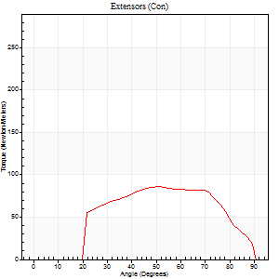
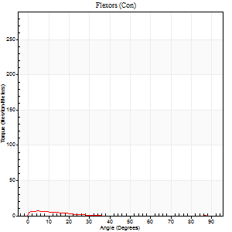
Right Side Curves Left Side Curves
Isokinetic Con/Con |  |  |  | Extensors (Con) |  | Flexors (Con)
Speed 240/240 d/s 3 Reps |  |  |  | Value | Cof Var | %BW | Value | Cof Var | %BW | Ratio

TORQUE PARAMETERS
Peak Torque (Newton-Meters - Best Repetition)
Right |  |  |  | 0 | 0 | 0 | 0 | 0 | 0 | 0
Left |  |  |  | 85 | 0.05 | 122 | 7 | 0.09 | 9 | 8
Deficit |  |  |  | 0 |  |  | 0
Work per Repetition (Newton-Meters - Best Repetition)
Right |  |  |  | 0 | 0 | 0 | 0 | 0 | 0 | 0
Left |  |  |  | 84 | 0.05 | 119 | 3 | 0.07 | 3 | 3
Deficit |  |  |  | 0 |  |  | 0
Average Power per Repetition (Watts - Best Repetition)
Right |  |  |  | 0 | 0 | 0 | 0 | 0 | 0 | 0
Left |  |  |  | 149 | 0.06 | 213 | 2 | 0.1 | 2 | 1
Deficit |  |  |  | 0 |  |  | 0
POSITION PARAMETERS
Joint Angle at Peak Torque (Degrees)
Right |  |  |  | 0 | 0 |  | 0 | 0
Left |  |  |  | 54 | 0.12 |  | 4 | 0.44
Range of Motion (Degrees)
Right |  |  |  | 0 | 0 |  | 0 | 0
Left |  |  |  | 0 | -1.41 |  | 90 | 0
TIME PARAMETERS
Time to Peak Torque (Seconds)
Right |  |  |  | 0 | 0 |  | 0 | 0
Left |  |  |  | 0.23 | 0 |  | 0.16 | 0.19
Time Peak Torque Held (Seconds)
Right |  |  |  | 0 | 0 |  | 0 | 0
Left |  |  |  | 0.02 | 0.99 |  | 0.02 | 1.32
Force Decay Time (Seconds)
Right |  |  |  | 0 | 0 |  | 0 | 0
Left |  |  |  | 0.31 | 0.02 |  | 1.01 | 0.09
Reciprocal Delay (Seconds)
Right |  |  |  | 0 | 0 |  | 0 | 0
Left |  |  |  | 0.22 | 0.26 |  | 0.37 | 0.03
Delay Time (Seconds)
Right |  |  |  | 0 | 0 |  | 0 | 0
Left |  |  |  | -0.01 | 0 |  | -0.05 | -0.22
HUMAC2015® Version: 15.000.0074 © Computer Sports Medicine, Inc. www.csmisolutions.com

Use File, Preference to set Report Heading
Isometric - Knee Extension/Flexion
Name: |  |  |  | TR024_105, | ID: | TR024_105 | Right/Left: | 29.09.2020 29.09.2020

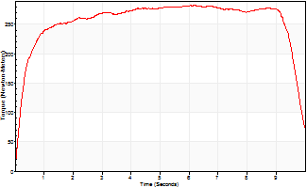
Isometric Extensors (Con) Angle 60 Time 10 Repetition 1 (Best Repetition)
 | Value | Cof Var | %BW
Peak Torque (Newton-Meters)
Right | 0 | 0 | 0
Left | 282 | 0 | 402
Deficit | 0
Average Torque (Newton-Meters)
Right | 0 | 0 | 0
Left | 254 | 0 | 361
Deficit | 0
Peak Torque Slope (Newton-Meters/Seconds)
Right | 0 | 0 | 0
Left | 47 | 0 | 67 |  | Right Side Curves Left Side Curves
Deficit | 0
Time to Half Peak Torque (Seconds)
Right | 0 | 0
Left | 0.28 | 0
Time to Peak Torque (Seconds)
Right | 0 | 0
Left | 6.03 | 0
HUMAC2015® Version: 15.000.0074 © Computer Sports Medicine, Inc. www.csmisolutions.com

Ark8
Use File, Preference to set Report Heading
Long Form Torque vs. Position Report - Knee Extension/Flexion
Name: |  |  |  | TR024_105, | ID: | TR024_105 | Right/Left: | 01.10.2020 01.10.2020

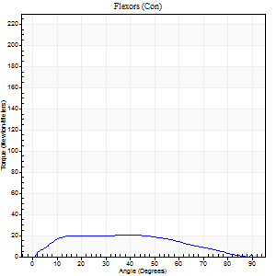
Right Side Curves Left Side Curves
Isokinetic Con/Con |  |  |  | Extensors (Con) |  | Flexors (Con)
Speed 60/60 d/s 3 Reps |  |  |  | Value | Cof Var | %BW | Value | Cof Var | %BW | Ratio

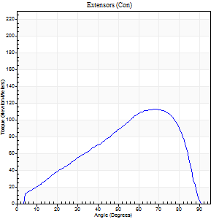
TORQUE PARAMETERS
Peak Torque (Newton-Meters - Best Repetition)
Right |  |  |  | 113 | 0.26 | 161 | 20 | 0.42 | 30 | 18
Left |  |  |  | 0 | 0 | 0 | 0 | 0 | 0 | 0
Deficit |  |  |  | 0 |  |  | 0
Work per Repetition (Newton-Meters - Best Repetition)
Right |  |  |  | 103 | 0.32 | 146 | 22 | 0.45 | 30 | 21
Left |  |  |  | 0 | 0 | 0 | 0 | 0 | 0 | 0
Deficit |  |  |  | 0 |  |  | 0
Average Power per Repetition (Watts - Best Repetition)
Right |  |  |  | 65 | 0.33 | 92 | 13 | 0.43 | 18 | 20
Left |  |  |  | 0 | 0 | 0 | 0 | 0 | 0 | 0
Deficit |  |  |  | 0 |  |  | 0
POSITION PARAMETERS
Joint Angle at Peak Torque (Degrees)
Right |  |  |  | 73 | 0.05 |  | 40 | 0.12
Left |  |  |  | 0 | 0 |  | 0 | 0
Range of Motion (Degrees)
Right |  |  |  | 1 | 0.06 |  | 90 | 0
Left |  |  |  | 0 | 0 |  | 0 | 0
TIME PARAMETERS
Time to Peak Torque (Seconds)
Right |  |  |  | 0.37 | 0.21 |  | 0.74 | 0.11
Left |  |  |  | 0 | 0 |  | 0 | 0
Time Peak Torque Held (Seconds)
Right |  |  |  | 0.04 | 0.16 |  | 0.02 | 1.73
Left |  |  |  | 0 | 0 |  | 0 | 0
Force Decay Time (Seconds)
Right |  |  |  | 1.21 | 0.08 |  | 0.81 | 0.12
Left |  |  |  | 0 | 0 |  | 0 | 0
Reciprocal Delay (Seconds)
Right |  |  |  | 0.32 | 0.27 |  | 0.32 | 1.27
Left |  |  |  | 0 | 0 |  | 0 | 0
Delay Time (Seconds)
Right |  |  |  | -0.05 | -0.16 |  | 0.15 | 0.76
Left |  |  |  | 0 | 0 |  | 0 | 0
HUMAC2015® Version: 15.000.0074 © Computer Sports Medicine, Inc. www.csmisolutions.com

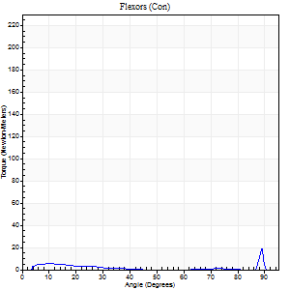
Use File, Preference to set Report Heading
Long Form Torque vs. Position Report - Knee Extension/Flexion
Name: |  |  |  | TR024_105, | ID: | TR024_105 | Right/Left: | 01.10.2020 01.10.2020
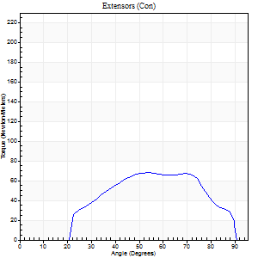
Right Side Curves Left Side Curves
Isokinetic Con/Con |  |  |  | Extensors (Con) |  | Flexors (Con)
Speed 240/240 d/s 3 Reps |  |  |  | Value | Cof Var | %BW | Value | Cof Var | %BW | Ratio

TORQUE PARAMETERS
Peak Torque (Newton-Meters - Best Repetition)
Right |  |  |  | 68 | 0.19 | 95 | 19 | 0.74 | 27 | 28
Left |  |  |  | 0 | 0 | 0 | 0 | 0 | 0 | 0
Deficit |  |  |  | 0 |  |  | 0
Work per Repetition (Newton-Meters - Best Repetition)
Right |  |  |  | 62 | 0.25 | 89 | 3 | 0.32 | 3 | 4
Left |  |  |  | 0 | 0 | 0 | 0 | 0 | 0 | 0
Deficit |  |  |  | 0 |  |  | 0
Average Power per Repetition (Watts - Best Repetition)
Right |  |  |  | 119 | 0.31 | 169 | 2 | 0.44 | 2 | 2
Left |  |  |  | 0 | 0 | 0 | 0 | 0 | 0 | 0
Deficit |  |  |  | 0 |  |  | 0
POSITION PARAMETERS
Joint Angle at Peak Torque (Degrees)
Right |  |  |  | 61 | 0.12 |  | 62 | 0.74
Left |  |  |  | 0 | 0 |  | 0 | 0
Range of Motion (Degrees)
Right |  |  |  | 1 | 0.03 |  | 90 | 0
Left |  |  |  | 0 | 0 |  | 0 | 0
TIME PARAMETERS
Time to Peak Torque (Seconds)
Right |  |  |  | 0.22 | 0.23 |  | 0.84 | 0.56
Left |  |  |  | 0 | 0 |  | 0 | 0
Time Peak Torque Held (Seconds)
Right |  |  |  | 0.01 | 0 |  | 0.01 | 0.87
Left |  |  |  | 0 | 0 |  | 0 | 0
Force Decay Time (Seconds)
Right |  |  |  | 0.29 | 0.12 |  | 0.37 | 1.59
Left |  |  |  | 0 | 0 |  | 0 | 0
Reciprocal Delay (Seconds)
Right |  |  |  | 0.39 | 0.04 |  | 0.09 | 0.37
Left |  |  |  | 0 | 0 |  | 0 | 0
Delay Time (Seconds)
Right |  |  |  | -0.04 | -0.2 |  | 0.08 | 1.07
Left |  |  |  | 0 | 0 |  | 0 | 0
HUMAC2015® Version: 15.000.0074 © Computer Sports Medicine, Inc. www.csmisolutions.com

Use File, Preference to set Report Heading
Isometric - Knee Extension/Flexion
Name: |  |  |  | TR024_105, | ID: | TR024_105 | Right/Left: | 01.10.2020 01.10.2020

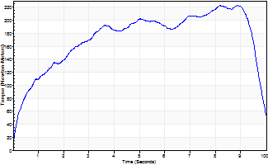
Isometric Extensors (Con) Angle 60 Time 10 Repetition 1 (Best Repetition)
 | Value | Cof Var | %BW
Peak Torque (Newton-Meters)
Right | 222 | 0 | 316
Left | 0 | 0 | 0
Deficit | 0
Average Torque (Newton-Meters)
Right | 171 | 0 | 244
Left | 0 | 0 | 0
Deficit | 0
Peak Torque Slope (Newton-Meters/Seconds)
Right | 27 | 0 | 39
Left | 0 | 0 | 0 |  | Right Side Curves Left Side Curves
Deficit | 0
Time to Half Peak Torque (Seconds)
Right | 1.03 | 0
Left | 0 | 0
Time to Peak Torque (Seconds)
Right | 8.18 | 0
Left | 0 | 0
HUMAC2015® Version: 15.000.0074 © Computer Sports Medicine, Inc. www.csmisolutions.com

Ark9
Use File, Preference to set Report Heading
Long Form Torque vs. Position Report - Knee Extension/Flexion
Name: |  |  |  | TR024_105, | ID: | TR024_105 | Right/Left: | 01.10.2020 01.10.2020
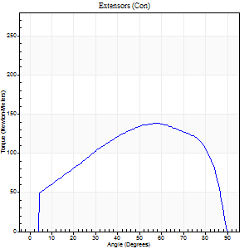
Right Side Curves Left Side Curves
Isokinetic Con/Con |  |  |  | Extensors (Con) |  | Flexors (Con)
Speed 60/60 d/s 3 Reps |  |  |  | Value | Cof Var | %BW | Value | Cof Var | %BW | Ratio

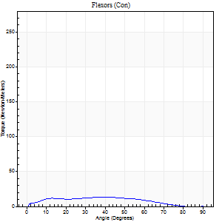
TORQUE PARAMETERS
Peak Torque (Newton-Meters - Best Repetition)
Right |  |  |  | 138 | 0.01 | 197 | 14 | 0.33 | 18 | 10
Left |  |  |  | 0 | 0 | 0 | 0 | 0 | 0 | 0
Deficit |  |  |  | 0 |  |  | 0
Work per Repetition (Newton-Meters - Best Repetition)
Right |  |  |  | 156 | 0.01 | 224 | 12 | 0.36 | 18 | 8
Left |  |  |  | 0 | 0 | 0 | 0 | 0 | 0 | 0
Deficit |  |  |  | 0 |  |  | 0
Average Power per Repetition (Watts - Best Repetition)
Right |  |  |  | 98 | 0.02 | 141 | 8 | 0.39 | 11 | 8
Left |  |  |  | 0 | 0 | 0 | 0 | 0 | 0 | 0
Deficit |  |  |  | 0 |  |  | 0
POSITION PARAMETERS
Joint Angle at Peak Torque (Degrees)
Right |  |  |  | 60 | 0.04 |  | 36 | 0.22
Left |  |  |  | 0 | 0 |  | 0 | 0
Range of Motion (Degrees)
Right |  |  |  | 0 | 0.47 |  | 90 | 0
Left |  |  |  | 0 | 0 |  | 0 | 0
TIME PARAMETERS
Time to Peak Torque (Seconds)
Right |  |  |  | 0.53 | 0.08 |  | 0.65 | 0.18
Left |  |  |  | 0 | 0 |  | 0 | 0
Time Peak Torque Held (Seconds)
Right |  |  |  | 0.09 | 0.13 |  | 0.16 | 0.94
Left |  |  |  | 0 | 0 |  | 0 | 0
Force Decay Time (Seconds)
Right |  |  |  | 0.98 | 0.06 |  | 0.86 | 0.23
Left |  |  |  | 0 | 0 |  | 0 | 0
Reciprocal Delay (Seconds)
Right |  |  |  | 0.35 | 0.12 |  | 0.32 | 0.26
Left |  |  |  | 0 | 0 |  | 0 | 0
Delay Time (Seconds)
Right |  |  |  | 0 | -1.41 |  | 0 | 6.24
Left |  |  |  | 0 | 0 |  | 0 | 0
HUMAC2015® Version: 15.000.0074 © Computer Sports Medicine, Inc. www.csmisolutions.com

Use File, Preference to set Report Heading
Long Form Torque vs. Position Report - Knee Extension/Flexion
Name: |  |  |  | TR024_105, | ID: | TR024_105 | Right/Left: | 01.10.2020 01.10.2020
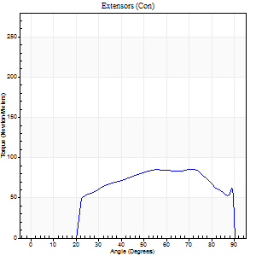
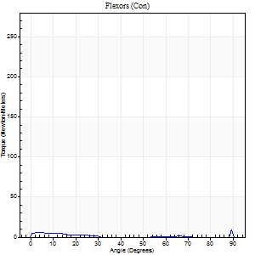
Right Side Curves Left Side Curves
Isokinetic Con/Con |  |  |  | Extensors (Con) |  | Flexors (Con)
Speed 240/240 d/s 3 Reps |  |  |  | Value | Cof Var | %BW | Value | Cof Var | %BW | Ratio

TORQUE PARAMETERS
Peak Torque (Newton-Meters - Best Repetition)
Right |  |  |  | 85 | 0.07 | 122 | 15 | 0.6 | 21 | 17
Left |  |  |  | 0 | 0 | 0 | 0 | 0 | 0 | 0
Deficit |  |  |  | 0 |  |  | 0
Work per Repetition (Newton-Meters - Best Repetition)
Right |  |  |  | 88 | 0.12 | 125 | 3 | 0.28 | 3 | 3
Left |  |  |  | 0 | 0 | 0 | 0 | 0 | 0 | 0
Deficit |  |  |  | 0 |  |  | 0
Average Power per Repetition (Watts - Best Repetition)
Right |  |  |  | 146 | 0.18 | 209 | 2 | 0.38 | 2 | 1
Left |  |  |  | 0 | 0 | 0 | 0 | 0 | 0 | 0
Deficit |  |  |  | 0 |  |  | 0
POSITION PARAMETERS
Joint Angle at Peak Torque (Degrees)
Right |  |  |  | 59 | 0.19 |  | 60 | 0.86
Left |  |  |  | 0 | 0 |  | 0 | 0
Range of Motion (Degrees)
Right |  |  |  | 0 | 0 |  | 90 | 0
Left |  |  |  | 0 | 0 |  | 0 | 0
TIME PARAMETERS
Time to Peak Torque (Seconds)
Right |  |  |  | 0.21 | 0.17 |  | 0.83 | 0.79
Left |  |  |  | 0 | 0 |  | 0 | 0
Time Peak Torque Held (Seconds)
Right |  |  |  | 0.03 | 1.42 |  | 0 | 1.73
Left |  |  |  | 0 | 0 |  | 0 | 0
Force Decay Time (Seconds)
Right |  |  |  | 0.36 | 0.11 |  | 0.34 | 2.41
Left |  |  |  | 0 | 0 |  | 0 | 0
Reciprocal Delay (Seconds)
Right |  |  |  | 0.65 | 0.02 |  | 0.56 | 0.44
Left |  |  |  | 0 | 0 |  | 0 | 0
Delay Time (Seconds)
Right |  |  |  | -0.03 | -0.47 |  | -0.07 | -0.38
Left |  |  |  | 0 | 0 |  | 0 | 0
HUMAC2015® Version: 15.000.0074 © Computer Sports Medicine, Inc. www.csmisolutions.com

Use File, Preference to set Report Heading
Isometric - Knee Extension/Flexion
Name: |  |  |  | TR024_105, | ID: | TR024_105 | Right/Left: | 01.10.2020 01.10.2020

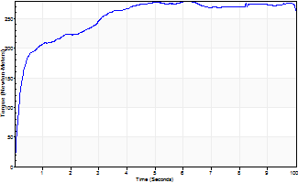
Isometric Extensors (Con) Angle 60 Time 10 Repetition 1 (Best Repetition)
 | Value | Cof Var | %BW
Peak Torque (Newton-Meters)
Right | 279 | 0 | 399
Left | 0 | 0 | 0
Deficit | 0
Average Torque (Newton-Meters)
Right | 251 | 0 | 358
Left | 0 | 0 | 0
Deficit | 0
Peak Torque Slope (Newton-Meters/Seconds)
Right | 46 | 0 | 65
Left | 0 | 0 | 0 |  | Right Side Curves Left Side Curves
Deficit | 0
Time to Half Peak Torque (Seconds)
Right | 0.24 | 0
Left | 0 | 0
Time to Peak Torque (Seconds)
Right | 6.14 | 0
Left | 0 | 0
HUMAC2015® Version: 15.000.0074 © Computer Sports Medicine, Inc. www.csmisolutions.com

Ark10
Use File, Preference to set Report Heading
Long Form Torque vs. Position Report - Knee Extension/Flexion
Name: |  |  |  | TR024_105, | ID: | TR024_105 | Right/Left: | 01.10.2020 01.10.2020

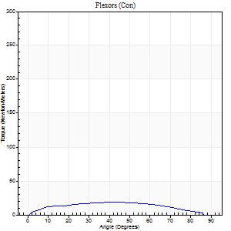
Right Side Curves Left Side Curves
Isokinetic Con/Con |  |  |  | Extensors (Con) |  | Flexors (Con)
Speed 60/60 d/s 3 Reps |  |  |  | Value | Cof Var | %BW | Value | Cof Var | %BW | Ratio

TORQUE PARAMETERS
Peak Torque (Newton-Meters - Best Repetition)
Right |  |  |  | 149 | 0.06 | 212 | 19 | 0.02 | 27 | 13
Left |  |  |  | 0 | 0 | 0 | 0 | 0 | 0 | 0
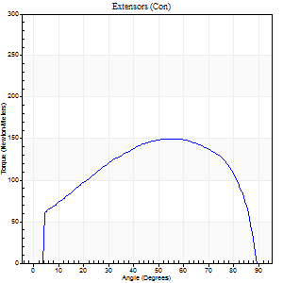
Deficit |  |  |  | 0 |  |  | 0
Work per Repetition (Newton-Meters - Best Repetition)
Right |  |  |  | 172 | 0.1 | 244 | 20 | 0.23 | 30 | 12
Left |  |  |  | 0 | 0 | 0 | 0 | 0 | 0 | 0
Deficit |  |  |  | 0 |  |  | 0
Average Power per Repetition (Watts - Best Repetition)
Right |  |  |  | 112 | 0.28 | 160 | 13 | 0.16 | 18 | 12
Left |  |  |  | 0 | 0 | 0 | 0 | 0 | 0 | 0
Deficit |  |  |  | 0 |  |  | 0
POSITION PARAMETERS
Joint Angle at Peak Torque (Degrees)
Right |  |  |  | 59 | 0.05 |  | 33 | 0.63
Left |  |  |  | 0 | 0 |  | 0 | 0
Range of Motion (Degrees)
Right |  |  |  | 0 | 0.47 |  | 90 | 0
Left |  |  |  | 0 | 0 |  | 0 | 0
TIME PARAMETERS
Time to Peak Torque (Seconds)
Right |  |  |  | 0.54 | 0.08 |  | 0.58 | 0.63
Left |  |  |  | 0 | 0 |  | 0 | 0
Time Peak Torque Held (Seconds)
Right |  |  |  | 0.06 | 0.51 |  | 0.06 | 1.09
Left |  |  |  | 0 | 0 |  | 0 | 0
Force Decay Time (Seconds)
Right |  |  |  | 0.97 | 0.1 |  | 0.89 | 0.19
Left |  |  |  | 0 | 0 |  | 0 | 0
Reciprocal Delay (Seconds)
Right |  |  |  | 0.44 | 0.1 |  | 0.34 | 0.3
Left |  |  |  | 0 | 0 |  | 0 | 0
Delay Time (Seconds)
Right |  |  |  | 0 | 1.41 |  | 0.01 | 1.15
Left |  |  |  | 0 | 0 |  | 0 | 0
HUMAC2015® Version: 15.000.0074 © Computer Sports Medicine, Inc. www.csmisolutions.com

Use File, Preference to set Report Heading
Long Form Torque vs. Position Report - Knee Extension/Flexion
Name: |  |  |  | TR024_105, | ID: | TR024_105 | Right/Left: | 01.10.2020 01.10.2020
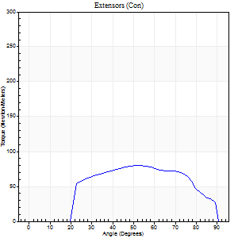
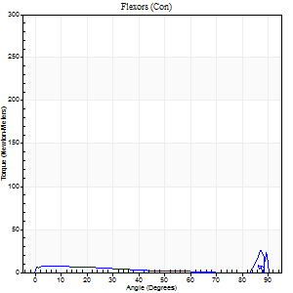
Right Side Curves Left Side Curves
Isokinetic Con/Con |  |  |  | Extensors (Con) |  | Flexors (Con)
Speed 240/240 d/s 3 Reps |  |  |  | Value | Cof Var | %BW | Value | Cof Var | %BW | Ratio

TORQUE PARAMETERS
Peak Torque (Newton-Meters - Best Repetition)
Right |  |  |  | 80 | 0.04 | 113 | 26 | 0.68 | 36 | 32
Left |  |  |  | 0 | 0 | 0 | 0 | 0 | 0 | 0
Deficit |  |  |  | 0 |  |  | 0
Work per Repetition (Newton-Meters - Best Repetition)
Right |  |  |  | 79 | 0.04 | 113 | 7 | 0.65 | 9 | 9
Left |  |  |  | 0 | 0 | 0 | 0 | 0 | 0 | 0
Deficit |  |  |  | 0 |  |  | 0
Average Power per Repetition (Watts - Best Repetition)
Right |  |  |  | 139 | 0.06 | 198 | 6 | 0.7 | 9 | 4
Left |  |  |  | 0 | 0 | 0 | 0 | 0 | 0 | 0
Deficit |  |  |  | 0 |  |  | 0
POSITION PARAMETERS
Joint Angle at Peak Torque (Degrees)
Right |  |  |  | 58 | 0.16 |  | 60 | 0.82
Left |  |  |  | 0 | 0 |  | 0 | 0
Range of Motion (Degrees)
Right |  |  |  | 0 | -0.47 |  | 90 | 0
Left |  |  |  | 0 | 0 |  | 0 | 0
TIME PARAMETERS
Time to Peak Torque (Seconds)
Right |  |  |  | 0.23 | 0.03 |  | 0.62 | 0.61
Left |  |  |  | 0 | 0 |  | 0 | 0
Time Peak Torque Held (Seconds)
Right |  |  |  | 0.03 | 1.42 |  | 0.03 | 1.45
Left |  |  |  | 0 | 0 |  | 0 | 0
Force Decay Time (Seconds)
Right |  |  |  | 0.32 | 0.02 |  | 0.49 | 1.23
Left |  |  |  | 0 | 0 |  | 0 | 0
Reciprocal Delay (Seconds)
Right |  |  |  | 0.5 | 0.08 |  | 0.5 | 0.2
Left |  |  |  | 0 | 0 |  | 0 | 0
Delay Time (Seconds)
Right |  |  |  | -0.02 | 0 |  | -0.05 | -0.72
Left |  |  |  | 0 | 0 |  | 0 | 0
HUMAC2015® Version: 15.000.0074 © Computer Sports Medicine, Inc. www.csmisolutions.com

Use File, Preference to set Report Heading
Isometric - Knee Extension/Flexion
Name: |  |  |  | TR024_105, | ID: | TR024_105 | Right/Left: | 01.10.2020 01.10.2020

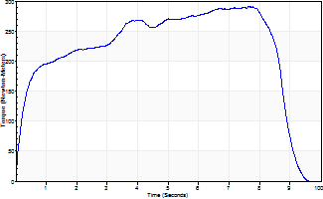
Isometric Extensors (Con) Angle 60 Time 10 Repetition 1 (Best Repetition)
 | Value | Cof Var | %BW
Peak Torque (Newton-Meters)
Right | 292 | 0 | 417
Left | 0 | 0 | 0
Deficit | 0
Average Torque (Newton-Meters)
Right | 216 | 0 | 307
Left | 0 | 0 | 0
Deficit | 0
Peak Torque Slope (Newton-Meters/Seconds)
Right | 38 | 0 | 55
Left | 0 | 0 | 0 |  | Right Side Curves Left Side Curves
Deficit | 0
Time to Half Peak Torque (Seconds)
Right | 0.35 | 0
Left | 0 | 0
Time to Peak Torque (Seconds)
Right | 7.62 | 0
Left | 0 | 0
HUMAC2015® Version: 15.000.0074 © Computer Sports Medicine, Inc. www.csmisolutions.com

Ark11
Use File, Preference to set Report Heading
Long Form Torque vs. Position Report - Knee Extension/Flexion
Name: |  |  |  | TR024_105, | ID: | TR024_105 | Right/Left: | 02.10.2020 02.10.2020


Right Side Curves Left Side Curves
Isokinetic Con/Con |  |  |  | Extensors (Con) |  | Flexors (Con)
Speed 60/60 d/s 3 Reps |  |  |  | Value | Cof Var | %BW | Value | Cof Var | %BW | Ratio

TORQUE PARAMETERS
Peak Torque (Newton-Meters - Best Repetition)
Right |  |  |  | 160 | 0 | 229 | 19 | 0.18 | 27 | 12
Left |  |  |  | 146 | 0.04 | 209 | 20 | 0.12 | 30 | 14
Deficit |  |  |  | 8 |  |  | 7

Work per Repetition (Newton-Meters - Best Repetition)
Right |  |  |  | 188 | 0.01 | 268 | 20 | 0.29 | 30 | 11
Left |  |  |  | 159 | 0.03 | 226 | 20 | 0.17 | 30 | 13
Deficit |  |  |  | 16 |  |  | 0
Average Power per Repetition (Watts - Best Repetition)
Right |  |  |  | 118 | 0 | 169 | 13 | 0.28 | 18 | 11
Left |  |  |  | 102 | 0.03 | 145 | 13 | 0.18 | 18 | 13
Deficit |  |  |  | 14 |  |  | 0
POSITION PARAMETERS
Joint Angle at Peak Torque (Degrees)
Right |  |  |  | 59 | 0.01 |  | 38 | 0.29
Left |  |  |  | 59 | 0.03 |  | 34 | 0.16
Range of Motion (Degrees)
Right |  |  |  | 0 | 0 |  | 90 | 0
Left |  |  |  | 0 | 0 |  | 90 | 0
TIME PARAMETERS
Time to Peak Torque (Seconds)
Right |  |  |  | 0.53 | 0.04 |  | 0.65 | 0.28
Left |  |  |  | 0.52 | 0.08 |  | 0.63 | 0.15
Time Peak Torque Held (Seconds)
Right |  |  |  | 0.07 | 0.43 |  | 0.03 | 1.2
Left |  |  |  | 0.08 | 0.07 |  | 0.1 | 0.3
Force Decay Time (Seconds)
Right |  |  |  | 0.96 | 0.02 |  | 0.87 | 0.11
Left |  |  |  | 0.95 | 0.04 |  | 0.85 | 0.06
Reciprocal Delay (Seconds)
Right |  |  |  | 0.34 | 0.29 |  | 0.3 | 0.12
Left |  |  |  | 0.51 | 0.1 |  | 0.32 | 0.05
Delay Time (Seconds)
Right |  |  |  | 0 | 1.41 |  | 0.04 | 0.42
Left |  |  |  | 0.01 | 0 |  | -0.01 | -0.87
HUMAC2015® Version: 15.000.0074 © Computer Sports Medicine, Inc. www.csmisolutions.com

Use File, Preference to set Report Heading
Long Form Torque vs. Position Report - Knee Extension/Flexion
Name: |  |  |  | TR024_105, | ID: | TR024_105 | Right/Left: | 02.10.2020 02.10.2020


Right Side Curves Left Side Curves
Isokinetic Con/Con |  |  |  | Extensors (Con) |  | Flexors (Con)
Speed 240/240 d/s 3 Reps |  |  |  | Value | Cof Var | %BW | Value | Cof Var | %BW | Ratio

TORQUE PARAMETERS
Peak Torque (Newton-Meters - Best Repetition)
Right |  |  |  | 88 | 0.03 | 125 | 8 | 0.28 | 12 | 9
Left |  |  |  | 77 | 0.05 | 110 | 14 | 0.33 | 18 | 18
Deficit |  |  |  | 12 |  |  | 40
Work per Repetition (Newton-Meters - Best Repetition)
Right |  |  |  | 85 | 0.03 | 122 | 3 | 0.15 | 3 | 3
Left |  |  |  | 76 | 0.08 | 107 | 4 | 0.17 | 6 | 5
Deficit |  |  |  | 11 |  |  | 33
Average Power per Repetition (Watts - Best Repetition)
Right |  |  |  | 152 | 0.04 | 218 | 2 | 0.17 | 2 | 1
Left |  |  |  | 133 | 0.1 | 189 | 4 | 0.21 | 7 | 3
Deficit |  |  |  | 13 |  |  | 50
POSITION PARAMETERS
Joint Angle at Peak Torque (Degrees)
Right |  |  |  | 54 | 0.02 |  | 31 | 1.63
Left |  |  |  | 63 | 0.03 |  | 61 | 0.8
Range of Motion (Degrees)
Right |  |  |  | 0 | 0 |  | 90 | 0
Left |  |  |  | 0 | 0 |  | 90 | 0
TIME PARAMETERS
Time to Peak Torque (Seconds)
Right |  |  |  | 0.23 | 0 |  | 0.56 | 1.33
Left |  |  |  | 0.19 | 0.04 |  | 0.83 | 0.72
Time Peak Torque Held (Seconds)
Right |  |  |  | 0.01 | 0.43 |  | 0.07 | 1.6
Left |  |  |  | 0.03 | 1.42 |  | 0 | 0
Force Decay Time (Seconds)
Right |  |  |  | 0.31 | 0.02 |  | 0.59 | 1.12
Left |  |  |  | 0.35 | 0.11 |  | 0.15 | 4.06
Reciprocal Delay (Seconds)
Right |  |  |  | 0.43 | 0.2 |  | 0.42 | 0.06
Left |  |  |  | 0.49 | 0.17 |  | 0.3 | 0.04
Delay Time (Seconds)
Right |  |  |  | -0.02 | 0 |  | -0.06 | -0.1
Left |  |  |  | -0.02 | 0 |  | -0.06 | -0.1
HUMAC2015® Version: 15.000.0074 © Computer Sports Medicine, Inc. www.csmisolutions.com

Use File, Preference to set Report Heading
Isometric - Knee Extension/Flexion
Name: |  |  |  | TR024_105, | ID: | TR024_105 | Right/Left: | 02.10.2020 02.10.2020


Isometric Extensors (Con) Angle 60 Time 10 Repetition 1 (Best Repetition)
 | Value | Cof Var | %BW
Peak Torque (Newton-Meters)
Right | 311 | 0 | 444
Left | 281 | 0 | 399
Deficit | 10
Average Torque (Newton-Meters)
Right | 217 | 0 | 310
Left | 240 | 0 | 343
Deficit | 10
Peak Torque Slope (Newton-Meters/Seconds)
Right | 42 | 0 | 61
Left | 35 | 0 | 50 |  | Right Side Curves Left Side Curves
Deficit | 17
Time to Half Peak Torque (Seconds)
Right | 0.22 | 0
Left | 0.34 | 0
Time to Peak Torque (Seconds)
Right | 7.32 | 0
Left | 7.96 | 0
HUMAC2015® Version: 15.000.0074 © Computer Sports Medicine, Inc. www.csmisolutions.com

Ark12
Use File, Preference to set Report Heading
Long Form Torque vs. Position Report - Knee Extension/Flexion
Name: |  |  |  | TR024_105, | ID: | TR024_105 | Right/Left: | 02.10.2020 02.10.2020

Right Side Curves Left Side Curves
Isokinetic Con/Con |  |  |  | Extensors (Con) |  | Flexors (Con)
Speed 60/60 d/s 3 Reps |  |  |  | Value | Cof Var | %BW | Value | Cof Var | %BW | Ratio


TORQUE PARAMETERS
Peak Torque (Newton-Meters - Best Repetition)
Right |  |  |  | 0 | 0 | 0 | 0 | 0 | 0 | 0
Left |  |  |  | 160 | 0.03 | 229 | 14 | 0.1 | 18 | 8
Deficit |  |  |  | 0 |  |  | 0
Work per Repetition (Newton-Meters - Best Repetition)
Right |  |  |  | 0 | 0 | 0 | 0 | 0 | 0 | 0
Left |  |  |  | 180 | 0.04 | 256 | 15 | 0.23 | 21 | 8

Deficit |  |  |  | 0 |  |  | 0
Average Power per Repetition (Watts - Best Repetition)
Right |  |  |  | 0 | 0 | 0 | 0 | 0 | 0 | 0
Left |  |  |  | 116 | 0.03 | 165 | 9 | 0.23 | 13 | 8
Deficit |  |  |  | 0 |  |  | 0
POSITION PARAMETERS
Joint Angle at Peak Torque (Degrees)
Right |  |  |  | 0 | 0 |  | 0 | 0
Left |  |  |  | 55 | 0.09 |  | 27 | 0.44
Range of Motion (Degrees)
Right |  |  |  | 0 | 0 |  | 0 | 0
Left |  |  |  | 0 | 0.71 |  | 90 | 0
TIME PARAMETERS
Time to Peak Torque (Seconds)
Right |  |  |  | 0 | 0 |  | 0 | 0
Left |  |  |  | 0.61 | 0.14 |  | 0.53 | 0.4
Time Peak Torque Held (Seconds)
Right |  |  |  | 0 | 0 |  | 0 | 0
Left |  |  |  | 0.07 | 0.31 |  | 0.18 | 1.37
Force Decay Time (Seconds)
Right |  |  |  | 0 | 0 |  | 0 | 0
Left |  |  |  | 0.89 | 0.07 |  | 0.88 | 0.11
Reciprocal Delay (Seconds)
Right |  |  |  | 0 | 0 |  | 0 | 0
Left |  |  |  | 0.25 | 0.14 |  | 0.27 | 0.24
Delay Time (Seconds)
Right |  |  |  | 0 | 0 |  | 0 | 0
Left |  |  |  | 0.02 | 0.28 |  | -0.02 | -0.65
HUMAC2015® Version: 15.000.0074 © Computer Sports Medicine, Inc. www.csmisolutions.com

Use File, Preference to set Report Heading
Long Form Torque vs. Position Report - Knee Extension/Flexion
Name: |  |  |  | TR024_105, | ID: | TR024_105 | Right/Left: | 02.10.2020 02.10.2020


Right Side Curves Left Side Curves
Isokinetic Con/Con |  |  |  | Extensors (Con) |  | Flexors (Con)
Speed 240/240 d/s 3 Reps |  |  |  | Value | Cof Var | %BW | Value | Cof Var | %BW | Ratio

TORQUE PARAMETERS
Peak Torque (Newton-Meters - Best Repetition)
Right |  |  |  | 0 | 0 | 0 | 0 | 0 | 0 | 0
Left |  |  |  | 77 | 0.01 | 110 | 22 | 0.85 | 30 | 28
Deficit |  |  |  | 0 |  |  | 0
Work per Repetition (Newton-Meters - Best Repetition)
Right |  |  |  | 0 | 0 | 0 | 0 | 0 | 0 | 0
Left |  |  |  | 73 | 0.04 | 104 | 1 | 0.48 | 3 | 2
Deficit |  |  |  | 0 |  |  | 0
Average Power per Repetition (Watts - Best Repetition)
Right |  |  |  | 0 | 0 | 0 | 0 | 0 | 0 | 0
Left |  |  |  | 132 | 0.04 | 189 | 4 | 0.67 | 7 | 3
Deficit |  |  |  | 0 |  |  | 0
POSITION PARAMETERS
Joint Angle at Peak Torque (Degrees)
Right |  |  |  | 0 | 0 |  | 0 | 0
Left |  |  |  | 68 | 0.01 |  | 33 | 1.51
Range of Motion (Degrees)
Right |  |  |  | 0 | 0 |  | 0 | 0
Left |  |  |  | 0 | 0 |  | 90 | 0
TIME PARAMETERS
Time to Peak Torque (Seconds)
Right |  |  |  | 0 | 0 |  | 0 | 0
Left |  |  |  | 0.16 | 0.05 |  | 0.22 | 0.2
Time Peak Torque Held (Seconds)
Right |  |  |  | 0 | 0 |  | 0 | 0
Left |  |  |  | 0.01 | 0.87 |  | 0.02 | 1.08
Force Decay Time (Seconds)
Right |  |  |  | 0 | 0 |  | 0 | 0
Left |  |  |  | 0.39 | 0.01 |  | 0.6 | 1.09
Reciprocal Delay (Seconds)
Right |  |  |  | 0 | 0 |  | 0 | 0
Left |  |  |  | 0.34 | 0.12 |  | 0.38 | 0.14
Delay Time (Seconds)
Right |  |  |  | 0 | 0 |  | 0 | 0
Left |  |  |  | 0 | -1.41 |  | 0.22 | 2.24
HUMAC2015® Version: 15.000.0074 © Computer Sports Medicine, Inc. www.csmisolutions.com

Use File, Preference to set Report Heading
Isometric - Knee Extension/Flexion
Name: |  |  |  | TR024_105, | ID: | TR024_105 | Right/Left: | 02.10.2020 02.10.2020


Isometric Extensors (Con) Angle 60 Time 10 Repetition 1 (Best Repetition)
 | Value | Cof Var | %BW
Peak Torque (Newton-Meters)
Right | 0 | 0 | 0
Left | 256 | 0 | 367
Deficit | 0
Average Torque (Newton-Meters)
Right | 0 | 0 | 0
Left | 235 | 0 | 334
Deficit | 0
Peak Torque Slope (Newton-Meters/Seconds)
Right | 0 | 0 | 0
Left | 39 | 0 | 55 |  | Right Side Curves Left Side Curves
Deficit | 0
Time to Half Peak Torque (Seconds)
Right | 0 | 0
Left | 0.24 | 0
Time to Peak Torque (Seconds)
Right | 0 | 0
Left | 6.63 | 0
HUMAC2015® Version: 15.000.0074 © Computer Sports Medicine, Inc. www.csmisolutions.com

Ark13
Use File, Preference to set Report Heading
Long Form Torque vs. Position Report - Knee Extension/Flexion
Name: |  |  |  | TR024_105, | ID: | TR024_105 | Right/Left: | 02.10.2020 02.10.2020


Right Side Curves Left Side Curves
Isokinetic Con/Con |  |  |  | Extensors (Con) |  | Flexors (Con)
Speed 60/60 d/s 3 Reps |  |  |  | Value | Cof Var | %BW | Value | Cof Var | %BW | Ratio

TORQUE PARAMETERS
Peak Torque (Newton-Meters - Best Repetition)
Right |  |  |  | 0 | 0 | 0 | 0 | 0 | 0 | 0
Left |  |  |  | 155 | 0.01 | 221 | 18 | 0.22 | 24 | 11
Deficit |  |  |  | 0 |  |  | 0
Work per Repetition (Newton-Meters - Best Repetition)
Right |  |  |  | 0 | 0 | 0 | 0 | 0 | 0 | 0
Left |  |  |  | 176 | 0.05 | 250 | 19 | 0.26 | 27 | 11
Deficit |  |  |  | 0 |  |  | 0
Average Power per Repetition (Watts - Best Repetition)
Right |  |  |  | 0 | 0 | 0 | 0 | 0 | 0 | 0
Left |  |  |  | 113 | 0.04 | 160 | 12 | 0.26 | 18 | 11
Deficit |  |  |  | 0 |  |  | 0
POSITION PARAMETERS
Joint Angle at Peak Torque (Degrees)
Right |  |  |  | 0 | 0 |  | 0 | 0
Left |  |  |  | 58 | 0.03 |  | 32 | 0.28
Range of Motion (Degrees)
Right |  |  |  | 0 | 0 |  | 0 | 0
Left |  |  |  | 0 | 0.47 |  | 90 | 0
TIME PARAMETERS
Time to Peak Torque (Seconds)
Right |  |  |  | 0 | 0 |  | 0 | 0
Left |  |  |  | 0.53 | 0.07 |  | 0.61 | 0.27
Time Peak Torque Held (Seconds)
Right |  |  |  | 0 | 0 |  | 0 | 0
Left |  |  |  | 0.07 | 0.25 |  | 0.07 | 0.92
Force Decay Time (Seconds)
Right |  |  |  | 0 | 0 |  | 0 | 0
Left |  |  |  | 0.95 | 0.02 |  | 0.91 | 0.09
Reciprocal Delay (Seconds)
Right |  |  |  | 0 | 0 |  | 0 | 0
Left |  |  |  | 0.26 | 0.05 |  | 0.31 | 0.2
Delay Time (Seconds)
Right |  |  |  | 0 | 0 |  | 0 | 0
Left |  |  |  | 0.01 | 0.47 |  | -0.03 | -0.88
HUMAC2015® Version: 15.000.0074 © Computer Sports Medicine, Inc. www.csmisolutions.com


Use File, Preference to set Report Heading
Long Form Torque vs. Position Report - Knee Extension/Flexion
Name: |  |  |  | TR024_105, | ID: | TR024_105 | Right/Left: | 02.10.2020 02.10.2020

Right Side Curves Left Side Curves
Isokinetic Con/Con |  |  |  | Extensors (Con) |  | Flexors (Con)
Speed 240/240 d/s 3 Reps |  |  |  | Value | Cof Var | %BW | Value | Cof Var | %BW | Ratio

TORQUE PARAMETERS
Peak Torque (Newton-Meters - Best Repetition)
Right |  |  |  | 0 | 0 | 0 | 0 | 0 | 0 | 0
Left |  |  |  | 79 | 0.03 | 113 | 5 | 0.09 | 9 | 7
Deficit |  |  |  | 0 |  |  | 0
Work per Repetition (Newton-Meters - Best Repetition)
Right |  |  |  | 0 | 0 | 0 | 0 | 0 | 0 | 0
Left |  |  |  | 73 | 0.06 | 104 | 3 | 0.18 | 3 | 4
Deficit |  |  |  | 0 |  |  | 0
Average Power per Repetition (Watts - Best Repetition)
Right |  |  |  | 0 | 0 | 0 | 0 | 0 | 0 | 0
Left |  |  |  | 131 | 0.07 | 187 | 2 | 0.26 | 2 | 2
Deficit |  |  |  | 0 |  |  | 0
POSITION PARAMETERS
Joint Angle at Peak Torque (Degrees)
Right |  |  |  | 0 | 0 |  | 0 | 0
Left |  |  |  | 66 | 0.02 |  | 3 | 0.66
Range of Motion (Degrees)
Right |  |  |  | 0 | 0 |  | 0 | 0
Left |  |  |  | 0 | 0 |  | 90 | 0
TIME PARAMETERS
Time to Peak Torque (Seconds)
Right |  |  |  | 0 | 0 |  | 0 | 0
Left |  |  |  | 0.16 | 0.04 |  | 0.14 | 0.41
Time Peak Torque Held (Seconds)
Right |  |  |  | 0 | 0 |  | 0 | 0
Left |  |  |  | 0.01 | 0.87 |  | 0.02 | 1.73
Force Decay Time (Seconds)
Right |  |  |  | 0 | 0 |  | 0 | 0
Left |  |  |  | 0.38 | 0.02 |  | 0.98 | 0.07
Reciprocal Delay (Seconds)
Right |  |  |  | 0 | 0 |  | 0 | 0
Left |  |  |  | 0.3 | 0.09 |  | 0.32 | 0.08
Delay Time (Seconds)
Right |  |  |  | 0 | 0 |  | 0 | 0
Left |  |  |  | -0.02 | 0 |  | -0.06 | -0.17
HUMAC2015® Version: 15.000.0074 © Computer Sports Medicine, Inc. www.csmisolutions.com

Use File, Preference to set Report Heading
Isometric - Knee Extension/Flexion
Name: |  |  |  | TR024_105, | ID: | TR024_105 | Right/Left: | 02.10.2020 02.10.2020


Isometric Extensors (Con) Angle 60 Time 10 Repetition 1 (Best Repetition)
 | Value | Cof Var | %BW
Peak Torque (Newton-Meters)
Right | 0 | 0 | 0
Left | 278 | 0 | 396
Deficit | 0
Average Torque (Newton-Meters)
Right | 0 | 0 | 0
Left | 224 | 0 | 319
Deficit | 0
Peak Torque Slope (Newton-Meters/Seconds)
Right | 0 | 0 | 0
Left | 56 | 0 | 80 |  | Right Side Curves Left Side Curves
Deficit | 0
Time to Half Peak Torque (Seconds)
Right | 0 | 0
Left | 0.24 | 0
Time to Peak Torque (Seconds)
Right | 0 | 0
Left | 4.97 | 0
HUMAC2015® Version: 15.000.0074 © Computer Sports Medicine, Inc. www.csmisolutions.com

Ark14
Use File, Preference to set Report Heading
Long Form Torque vs. Position Report - Knee Extension/Flexion
Name: |  |  |  | TR024_105, | ID: | TR024_105 | Right/Left: | 03.10.2020 03.10.2020


Right Side Curves Left Side Curves
Isokinetic Con/Con |  |  |  | Extensors (Con) |  | Flexors (Con)
Speed 60/60 d/s 3 Reps |  |  |  | Value | Cof Var | %BW | Value | Cof Var | %BW | Ratio

TORQUE PARAMETERS
Peak Torque (Newton-Meters - Best Repetition)
Right |  |  |  | 0 | 0 | 0 | 0 | 0 | 0 | 0
Left |  |  |  | 168 | 0.02 | 241 | 16 | 0.11 | 24 | 10
Deficit |  |  |  | 0 |  |  | 0
Work per Repetition (Newton-Meters - Best Repetition)
Right |  |  |  | 0 | 0 | 0 | 0 | 0 | 0 | 0

Left |  |  |  | 193 | 0.03 | 274 | 16 | 0.2 | 24 | 8
Deficit |  |  |  | 0 |  |  | 0
Average Power per Repetition (Watts - Best Repetition)
Right |  |  |  | 0 | 0 | 0 | 0 | 0 | 0 | 0
Left |  |  |  | 124 | 0.03 | 178 | 10 | 0.15 | 13 | 8
Deficit |  |  |  | 0 |  |  | 0
POSITION PARAMETERS
Joint Angle at Peak Torque (Degrees)
Right |  |  |  | 0 | 0 |  | 0 | 0
Left |  |  |  | 54 | 0.05 |  | 31 | 0.16
Range of Motion (Degrees)
Right |  |  |  | 0 | 0 |  | 0 | 0
Left |  |  |  | 0 | 1.41 |  | 90 | 0
TIME PARAMETERS
Time to Peak Torque (Seconds)
Right |  |  |  | 0 | 0 |  | 0 | 0
Left |  |  |  | 0.62 | 0.03 |  | 0.6 | 0.14
Time Peak Torque Held (Seconds)
Right |  |  |  | 0 | 0 |  | 0 | 0
Left |  |  |  | 0.08 | 0.22 |  | 0.07 | 1.08
Force Decay Time (Seconds)
Right |  |  |  | 0 | 0 |  | 0 | 0
Left |  |  |  | 0.86 | 0.05 |  | 0.89 | 0.09
Reciprocal Delay (Seconds)
Right |  |  |  | 0 | 0 |  | 0 | 0
Left |  |  |  | 0.28 | 0.28 |  | 0.3 | 0.08
Delay Time (Seconds)
Right |  |  |  | 0 | 0 |  | 0 | 0
Left |  |  |  | 0.02 | 0 |  | -0.03 | -0.22
HUMAC2015® Version: 15.000.0074 © Computer Sports Medicine, Inc. www.csmisolutions.com

Use File, Preference to set Report Heading
Long Form Torque vs. Position Report - Knee Extension/Flexion
Name: |  |  |  | TR024_105, | ID: | TR024_105 | Right/Left: | 03.10.2020 03.10.2020


Right Side Curves Left Side Curves
Isokinetic Con/Con |  |  |  | Extensors (Con) |  | Flexors (Con)
Speed 240/240 d/s 3 Reps |  |  |  | Value | Cof Var | %BW | Value | Cof Var | %BW | Ratio

TORQUE PARAMETERS
Peak Torque (Newton-Meters - Best Repetition)
Right |  |  |  | 0 | 0 | 0 | 0 | 0 | 0 | 0
Left |  |  |  | 83 | 0.01 | 119 | 8 | 0.09 | 12 | 10
Deficit |  |  |  | 0 |  |  | 0
Work per Repetition (Newton-Meters - Best Repetition)
Right |  |  |  | 0 | 0 | 0 | 0 | 0 | 0 | 0
Left |  |  |  | 84 | 0.04 | 119 | 3 | 0.17 | 3 | 3
Deficit |  |  |  | 0 |  |  | 0
Average Power per Repetition (Watts - Best Repetition)
Right |  |  |  | 0 | 0 | 0 | 0 | 0 | 0 | 0
Left |  |  |  | 153 | 0.04 | 218 | 2 | 0.23 | 2 | 1
Deficit |  |  |  | 0 |  |  | 0
POSITION PARAMETERS
Joint Angle at Peak Torque (Degrees)
Right |  |  |  | 0 | 0 |  | 0 | 0
Left |  |  |  | 60 | 0.18 |  | 2 | 0.6
Range of Motion (Degrees)
Right |  |  |  | 0 | 0 |  | 0 | 0
Left |  |  |  | 0 | 1.41 |  | 90 | 0
TIME PARAMETERS
Time to Peak Torque (Seconds)
Right |  |  |  | 0 | 0 |  | 0 | 0
Left |  |  |  | 0.2 | 0.28 |  | 0.1 | 0.43
Time Peak Torque Held (Seconds)
Right |  |  |  | 0 | 0 |  | 0 | 0
Left |  |  |  | 0.03 | 1.15 |  | 0.02 | 1.25
Force Decay Time (Seconds)
Right |  |  |  | 0 | 0 |  | 0 | 0
Left |  |  |  | 0.33 | 0.12 |  | 1.04 | 0.08
Reciprocal Delay (Seconds)
Right |  |  |  | 0 | 0 |  | 0 | 0
Left |  |  |  | 0.24 | 0.12 |  | 0.22 | 0.05
Delay Time (Seconds)
Right |  |  |  | 0 | 0 |  | 0 | 0
Left |  |  |  | -0.01 | 0 |  | -0.04 | -0.13
HUMAC2015® Version: 15.000.0074 © Computer Sports Medicine, Inc. www.csmisolutions.com

Use File, Preference to set Report Heading
Isometric - Knee Extension/Flexion
Name: |  |  |  | TR024_105, | ID: | TR024_105 | Right/Left: | 03.10.2020 03.10.2020


Isometric Extensors (Con) Angle 60 Time 10 Repetition 1 (Best Repetition)
 | Value | Cof Var | %BW
Peak Torque (Newton-Meters)
Right | 0 | 0 | 0
Left | 300 | 0 | 429
Deficit | 0
Average Torque (Newton-Meters)
Right | 0 | 0 | 0
Left | 262 | 0 | 373
Deficit | 0
Peak Torque Slope (Newton-Meters/Seconds)
Right | 0 | 0 | 0
Left | 40 | 0 | 56 |  | Right Side Curves Left Side Curves
Deficit | 0
Time to Half Peak Torque (Seconds)
Right | 0 | 0
Left | 0.24 | 0
Time to Peak Torque (Seconds)
Right | 0 | 0
Left | 7.56 | 0
HUMAC2015® Version: 15.000.0074 © Computer Sports Medicine, Inc. www.csmisolutions.com

