Ark1
Use File, Preference to set Report Heading
Long Form Torque vs. Position Report - Knee Extension/Flexion
Name: |  |  |  | TR024_106, | ID: | TR024_106 | Right/Left: | 18.09.2020 18.09.2020

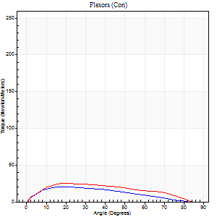
Right Side Curves Left Side Curves
Isokinetic Con/Con |  |  |  | Extensors (Con) |  | Flexors (Con)
Speed 60/60 d/s 3 Reps |  |  |  | Value | Cof Var | %BW | Value | Cof Var | %BW | Ratio

TORQUE PARAMETERS
Peak Torque (Newton-Meters - Best Repetition)
Right |  |  |  | 217 | 0.06 | 286 | 20 | 0.18 | 27 | 9
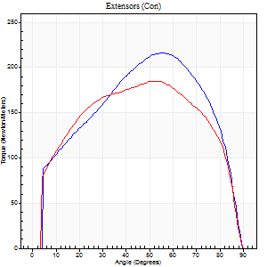
Left |  |  |  | 186 | 0.03 | 244 | 26 | 0.11 | 33 | 14
Deficit |  |  |  | 14 |  |  | 21
Work per Repetition (Newton-Meters - Best Repetition)
Right |  |  |  | 235 | 0.06 | 310 | 18 | 0.17 | 24 | 8
Left |  |  |  | 218 | 0.04 | 286 | 24 | 0.07 | 33 | 11
Deficit |  |  |  | 7 |  |  | 28
Average Power per Repetition (Watts - Best Repetition)
Right |  |  |  | 150 | 0.07 | 198 | 12 | 0.18 | 15 | 8
Left |  |  |  | 142 | 0.04 | 187 | 16 | 0.08 | 22 | 11
Deficit |  |  |  | 5 |  |  | 25
POSITION PARAMETERS
Joint Angle at Peak Torque (Degrees)
Right |  |  |  | 55 | 0.01 |  | 35 | 0.4
Left |  |  |  | 54 | 0.09 |  | 24 | 0.26
Range of Motion (Degrees)
Right |  |  |  | 0 | 4.24 |  | 90 | 0
Left |  |  |  | 0 | 1.82 |  | 90 | 0
TIME PARAMETERS
Time to Peak Torque (Seconds)
Right |  |  |  | 0.62 | 0.03 |  | 0.58 | 0.34
Left |  |  |  | 0.65 | 0.03 |  | 0.4 | 0.23
Time Peak Torque Held (Seconds)
Right |  |  |  | 0.09 | 0.51 |  | 0.05 | 0.89
Left |  |  |  | 0.07 | 0.38 |  | 0.07 | 0.68
Force Decay Time (Seconds)
Right |  |  |  | 0.88 | 0.06 |  | 0.92 | 0.18
Left |  |  |  | 0.86 | 0.1 |  | 1.04 | 0.1
Reciprocal Delay (Seconds)
Right |  |  |  | 0.13 | 0.58 |  | 0.2 | 0.46
Left |  |  |  | 0.14 | 0.24 |  | 0.19 | 0.27
Delay Time (Seconds)
Right |  |  |  | -0.02 | -0.85 |  | 0.08 | 0.76
Left |  |  |  | 0 | 4.24 |  | 0.02 | 0.25
HUMAC2015® Version: 15.000.0074 © Computer Sports Medicine, Inc. www.csmisolutions.com

Use File, Preference to set Report Heading
Long Form Torque vs. Position Report - Knee Extension/Flexion
Name: |  |  |  | TR024_106, | ID: | TR024_106 | Right/Left: | 18.09.2020 18.09.2020
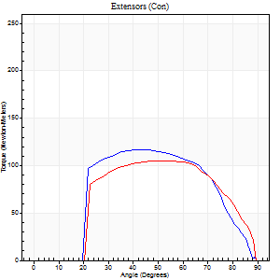
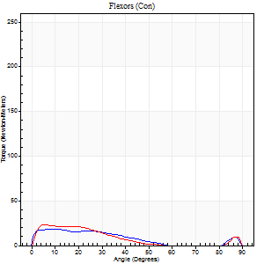
Right Side Curves Left Side Curves
Isokinetic Con/Con |  |  |  | Extensors (Con) |  | Flexors (Con)
Speed 240/240 d/s 3 Reps |  |  |  | Value | Cof Var | %BW | Value | Cof Var | %BW | Ratio

TORQUE PARAMETERS
Peak Torque (Newton-Meters - Best Repetition)
Right |  |  |  | 117 | 0.03 | 152 | 19 | 0.35 | 24 | 16
Left |  |  |  | 106 | 0.01 | 140 | 23 | 0.4 | 30 | 22
Deficit |  |  |  | 9 |  |  | 18
Work per Repetition (Newton-Meters - Best Repetition)
Right |  |  |  | 110 | 0.04 | 146 | 14 | 0.42 | 18 | 12
Left |  |  |  | 103 | 0.02 | 137 | 14 | 0.87 | 18 | 13
Deficit |  |  |  | 6 |  |  | 0
Average Power per Repetition (Watts - Best Repetition)
Right |  |  |  | 192 | 0.02 | 253 | 23 | 0.46 | 31 | 12
Left |  |  |  | 198 | 0.03 | 262 | 26 | 0.56 | 35 | 13
Deficit |  |  |  | 3 |  |  | 12
POSITION PARAMETERS
Joint Angle at Peak Torque (Degrees)
Right |  |  |  | 49 | 0.06 |  | 9 | 0.37
Left |  |  |  | 53 | 0.03 |  | 34 | 1.37
Range of Motion (Degrees)
Right |  |  |  | 0 | 0.47 |  | 90 | 0.01
Left |  |  |  | 1 | 0.58 |  | 89 | 0.01
TIME PARAMETERS
Time to Peak Torque (Seconds)
Right |  |  |  | 0.25 | 0.08 |  | 0.13 | 0.11
Left |  |  |  | 0.22 | 0 |  | 0.11 | 0.44
Time Peak Torque Held (Seconds)
Right |  |  |  | 0.01 | 0.43 |  | 0.01 | 0.87
Left |  |  |  | 0.02 | 0.25 |  | 0 | 1.73
Force Decay Time (Seconds)
Right |  |  |  | 0.28 | 0.04 |  | 0.45 | 0.11
Left |  |  |  | 0.28 | 0 |  | 0.31 | 0.78
Reciprocal Delay (Seconds)
Right |  |  |  | 0.09 | 0 |  | 0.15 | 0.16
Left |  |  |  | 0.05 | 0.28 |  | 0.1 | 0.31
Delay Time (Seconds)
Right |  |  |  | 0.11 | 1.01 |  | 0.01 | 3
Left |  |  |  | -0.02 | -0.28 |  | 0.13 | 2
HUMAC2015® Version: 15.000.0074 © Computer Sports Medicine, Inc. www.csmisolutions.com

Use File, Preference to set Report Heading
Isometric - Knee Extension/Flexion
Name: |  |  |  | TR024_106, | ID: | TR024_106 | Right/Left: | 18.09.2020 18.09.2020

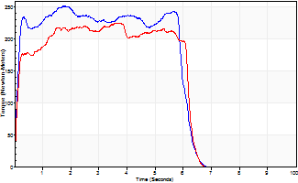
Isometric Extensors (Con) Angle 60 Time 10 Repetition 1 (Best Repetition)
 | Value | Cof Var | %BW
Peak Torque (Newton-Meters)
Right | 252 | 0 | 331
Left | 225 | 0 | 295
Deficit | 11
Average Torque (Newton-Meters)
Right | 140 | 0 | 185
Left | 127 | 0 | 167
Deficit | 9
Peak Torque Slope (Newton-Meters/Seconds)
Right | 140 | 0 | 184
Left | 62 | 0 | 82 |  | Right Side Curves Left Side Curves
Deficit | 56
Time to Half Peak Torque (Seconds)
Right | 0.1 | 0
Left | 0.12 | 0
Time to Peak Torque (Seconds)
Right | 1.79 | 0
Left | 3.62 | 0
HUMAC2015® Version: 15.000.0074 © Computer Sports Medicine, Inc. www.csmisolutions.com

Ark2
Use File, Preference to set Report Heading
Long Form Torque vs. Position Report - Knee Extension/Flexion
Name: |  |  |  | TR024_106, | ID: | TR024_106 | Right/Left: | 20.09.2020 20.09.2020
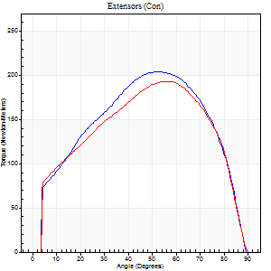
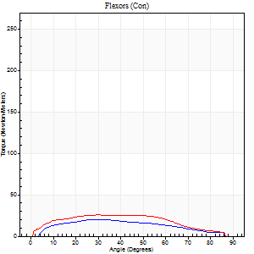
Right Side Curves Left Side Curves
Isokinetic Con/Con |  |  |  | Extensors (Con) |  | Flexors (Con)
Speed 60/60 d/s 3 Reps |  |  |  | Value | Cof Var | %BW | Value | Cof Var | %BW | Ratio

TORQUE PARAMETERS
Peak Torque (Newton-Meters - Best Repetition)
Right |  |  |  | 205 | 0.05 | 268 | 20 | 0.09 | 27 | 10
Left |  |  |  | 193 | 0.07 | 253 | 26 | 0.31 | 33 | 13
Deficit |  |  |  | 6 |  |  | 21
Work per Repetition (Newton-Meters - Best Repetition)
Right |  |  |  | 221 | 0.06 | 292 | 19 | 0.08 | 24 | 9
Left |  |  |  | 210 | 0.02 | 277 | 27 | 0.31 | 36 | 13
Deficit |  |  |  | 5 |  |  | 30
Average Power per Repetition (Watts - Best Repetition)
Right |  |  |  | 143 | 0.07 | 189 | 13 | 0.09 | 18 | 9
Left |  |  |  | 133 | 0.01 | 176 | 18 | 0.31 | 24 | 14
Deficit |  |  |  | 7 |  |  | 28
POSITION PARAMETERS
Joint Angle at Peak Torque (Degrees)
Right |  |  |  | 55 | 0.05 |  | 30 | 0.12
Left |  |  |  | 52 | 0.07 |  | 21 | 0.41
Range of Motion (Degrees)
Right |  |  |  | 0 | 0.28 |  | 90 | 0
Left |  |  |  | 0 | 0 |  | 90 | 0
TIME PARAMETERS
Time to Peak Torque (Seconds)
Right |  |  |  | 0.62 | 0.01 |  | 0.48 | 0.12
Left |  |  |  | 0.66 | 0.11 |  | 0.38 | 0.4
Time Peak Torque Held (Seconds)
Right |  |  |  | 0.05 | 0.22 |  | 0.08 | 0.46
Left |  |  |  | 0.08 | 0.4 |  | 0.07 | 0.91
Force Decay Time (Seconds)
Right |  |  |  | 0.89 | 0.05 |  | 0.92 | 0.11
Left |  |  |  | 0.84 | 0.11 |  | 1.07 | 0.17
Reciprocal Delay (Seconds)
Right |  |  |  | 0.09 | 0.08 |  | 0.16 | 0.14
Left |  |  |  | 0.11 | 0.06 |  | 0.25 | 0.28
Delay Time (Seconds)
Right |  |  |  | 0 | 0 |  | 0.08 | 0.35
Left |  |  |  | 0 | -1.41 |  | 0.01 | 1.15
HUMAC2015® Version: 15.000.0074 © Computer Sports Medicine, Inc. www.csmisolutions.com

Use File, Preference to set Report Heading
Long Form Torque vs. Position Report - Knee Extension/Flexion
Name: |  |  |  | TR024_106, | ID: | TR024_106 | Right/Left: | 20.09.2020 20.09.2020
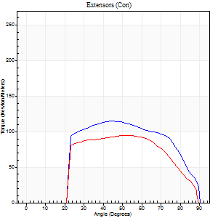
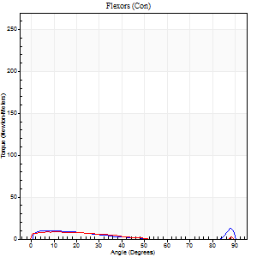
Right Side Curves Left Side Curves
Isokinetic Con/Con |  |  |  | Extensors (Con) |  | Flexors (Con)
Speed 240/240 d/s 3 Reps |  |  |  | Value | Cof Var | %BW | Value | Cof Var | %BW | Ratio

TORQUE PARAMETERS
Peak Torque (Newton-Meters - Best Repetition)
Right |  |  |  | 115 | 0.02 | 152 | 12 | 0.11 | 15 | 11
Left |  |  |  | 95 | 0.01 | 125 | 8 | 0.05 | 12 | 9
Deficit |  |  |  | 18 |  |  | 33
Work per Repetition (Newton-Meters - Best Repetition)
Right |  |  |  | 113 | 0.02 | 149 | 7 | 0.09 | 9 | 6
Left |  |  |  | 94 | 0.02 | 122 | 5 | 0.06 | 6 | 6
Deficit |  |  |  | 17 |  |  | 20
Average Power per Repetition (Watts - Best Repetition)
Right |  |  |  | 205 | 0.02 | 270 | 9 | 0.07 | 11 | 4
Left |  |  |  | 170 | 0.11 | 224 | 7 | 0.06 | 9 | 4
Deficit |  |  |  | 17 |  |  | 22
POSITION PARAMETERS
Joint Angle at Peak Torque (Degrees)
Right |  |  |  | 49 | 0.1 |  | 61 | 0.74
Left |  |  |  | 53 | 0.03 |  | 10 | 0.23
Range of Motion (Degrees)
Right |  |  |  | 0 | 0.28 |  | 90 | 0
Left |  |  |  | 0 | 0 |  | 89 | 0.01
TIME PARAMETERS
Time to Peak Torque (Seconds)
Right |  |  |  | 0.26 | 0.05 |  | 0.46 | 0.53
Left |  |  |  | 0.29 | 0.2 |  | 0.21 | 0.12
Time Peak Torque Held (Seconds)
Right |  |  |  | 0.02 | 0.35 |  | 0 | 0
Left |  |  |  | 0.02 | 0.35 |  | 0.03 | 0.94
Force Decay Time (Seconds)
Right |  |  |  | 0.28 | 0.08 |  | 0.19 | 1.14
Left |  |  |  | 0.31 | 0 |  | 0.48 | 0.05
Reciprocal Delay (Seconds)
Right |  |  |  | 0.11 | 0.07 |  | 0.17 | 0.24
Left |  |  |  | 0.13 | 0.11 |  | 0.26 | 0.11
Delay Time (Seconds)
Right |  |  |  | -0.04 | -0.2 |  | 0 | 0
Left |  |  |  | -0.04 | -0.47 |  | -0.04 | -0.16
HUMAC2015® Version: 15.000.0074 © Computer Sports Medicine, Inc. www.csmisolutions.com

Use File, Preference to set Report Heading
Isometric - Knee Extension/Flexion
Name: |  |  |  | TR024_106, | ID: | TR024_106 | Right/Left: | 20.09.2020 20.09.2020

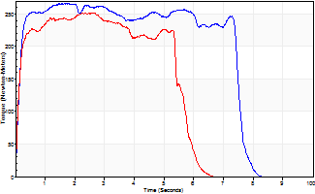
Isometric Extensors (Con) Angle 60 Time 10 Repetition 1 (Best Repetition)
 | Value | Cof Var | %BW
Peak Torque (Newton-Meters)
Right | 266 | 0 | 349
Left | 252 | 0 | 331
Deficit | 5
Average Torque (Newton-Meters)
Right | 186 | 0 | 244
Left | 129 | 0 | 170
Deficit | 31
Peak Torque Slope (Newton-Meters/Seconds)
Right | 161 | 0 | 212
Left | 98 | 0 | 129 |  | Right Side Curves Left Side Curves
Deficit | 39
Time to Half Peak Torque (Seconds)
Right | 0.12 | 0
Left | 0.11 | 0
Time to Peak Torque (Seconds)
Right | 1.64 | 0
Left | 2.57 | 0
HUMAC2015® Version: 15.000.0074 © Computer Sports Medicine, Inc. www.csmisolutions.com

Ark3
Use File, Preference to set Report Heading
Long Form Torque vs. Position Report - Knee Extension/Flexion
Name: |  |  |  | TR024_106, | ID: | TR024_106 | Right/Left: | 24.09.2020 24.09.2020
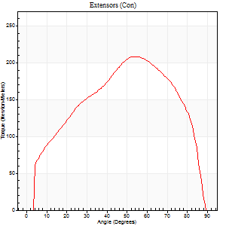
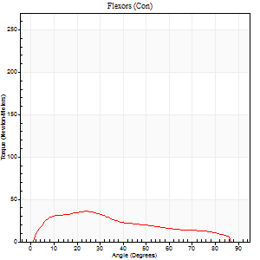
Right Side Curves Left Side Curves
Isokinetic Con/Con |  |  |  | Extensors (Con) |  | Flexors (Con)
Speed 60/60 d/s 3 Reps |  |  |  | Value | Cof Var | %BW | Value | Cof Var | %BW | Ratio

TORQUE PARAMETERS
Peak Torque (Newton-Meters - Best Repetition)
Right |  |  |  | 0 | 0 | 0 | 0 | 0 | 0 | 0
Left |  |  |  | 209 | 0.12 | 274 | 35 | 0.14 | 48 | 17
Deficit |  |  |  | 0 |  |  | 0
Work per Repetition (Newton-Meters - Best Repetition)
Right |  |  |  | 0 | 0 | 0 | 0 | 0 | 0 | 0
Left |  |  |  | 221 | 0.08 | 292 | 33 | 0.05 | 42 | 15
Deficit |  |  |  | 0 |  |  | 0
Average Power per Repetition (Watts - Best Repetition)
Right |  |  |  | 0 | 0 | 0 | 0 | 0 | 0 | 0
Left |  |  |  | 145 | 0.08 | 191 | 22 | 0.05 | 29 | 15
Deficit |  |  |  | 0 |  |  | 0
POSITION PARAMETERS
Joint Angle at Peak Torque (Degrees)
Right |  |  |  | 0 | 0 |  | 0 | 0
Left |  |  |  | 51 | 0.06 |  | 28 | 0.15
Range of Motion (Degrees)
Right |  |  |  | 0 | 0 |  | 0 | 0
Left |  |  |  | 0 | 1.98 |  | 90 | 0.01
TIME PARAMETERS
Time to Peak Torque (Seconds)
Right |  |  |  | 0 | 0 |  | 0 | 0
Left |  |  |  | 0.62 | 0.03 |  | 0.48 | 0.16
Time Peak Torque Held (Seconds)
Right |  |  |  | 0 | 0 |  | 0 | 0
Left |  |  |  | 0.04 | 0 |  | 0 | 0
Force Decay Time (Seconds)
Right |  |  |  | 0 | 0 |  | 0 | 0
Left |  |  |  | 0.85 | 0.05 |  | 1.02 | 0.08
Reciprocal Delay (Seconds)
Right |  |  |  | 0 | 0 |  | 0 | 0
Left |  |  |  | 0.06 | 0.54 |  | 0.19 | 0.22
Delay Time (Seconds)
Right |  |  |  | 0 | 0 |  | 0 | 0
Left |  |  |  | 0 | 0 |  | 0.01 | 0.43
HUMAC2015® Version: 15.000.0074 © Computer Sports Medicine, Inc. www.csmisolutions.com

Use File, Preference to set Report Heading
Long Form Torque vs. Position Report - Knee Extension/Flexion
Name: |  |  |  | TR024_106, | ID: | TR024_106 | Right/Left: | 24.09.2020 24.09.2020
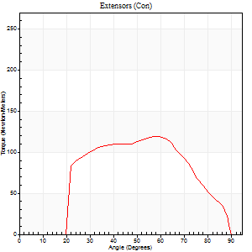
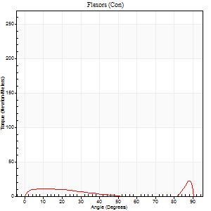
Right Side Curves Left Side Curves
Isokinetic Con/Con |  |  |  | Extensors (Con) |  | Flexors (Con)
Speed 240/240 d/s 3 Reps |  |  |  | Value | Cof Var | %BW | Value | Cof Var | %BW | Ratio

TORQUE PARAMETERS
Peak Torque (Newton-Meters - Best Repetition)
Right |  |  |  | 0 | 0 | 0 | 0 | 0 | 0 | 0
Left |  |  |  | 119 | 0.04 | 158 | 23 | 0.48 | 30 | 19
Deficit |  |  |  | 0 |  |  | 0
Work per Repetition (Newton-Meters - Best Repetition)
Right |  |  |  | 0 | 0 | 0 | 0 | 0 | 0 | 0
Left |  |  |  | 113 | 0.03 | 149 | 8 | 0.29 | 12 | 7
Deficit |  |  |  | 0 |  |  | 0
Average Power per Repetition (Watts - Best Repetition)
Right |  |  |  | 0 | 0 | 0 | 0 | 0 | 0 | 0
Left |  |  |  | 226 | 0.07 | 297 | 11 | 0.3 | 15 | 5
Deficit |  |  |  | 0 |  |  | 0
POSITION PARAMETERS
Joint Angle at Peak Torque (Degrees)
Right |  |  |  | 0 | 0 |  | 0 | 0
Left |  |  |  | 60 | 0.05 |  | 63 | 0.67
Range of Motion (Degrees)
Right |  |  |  | 0 | 0 |  | 0 | 0
Left |  |  |  | 1 | 0.15 |  | 90 | 0
TIME PARAMETERS
Time to Peak Torque (Seconds)
Right |  |  |  | 0 | 0 |  | 0 | 0
Left |  |  |  | 0.19 | 0.11 |  | 0.5 | 0.47
Time Peak Torque Held (Seconds)
Right |  |  |  | 0 | 0 |  | 0 | 0
Left |  |  |  | 0.01 | 1 |  | 0.01 | 1.73
Force Decay Time (Seconds)
Right |  |  |  | 0 | 0 |  | 0 | 0
Left |  |  |  | 0.31 | 0 |  | 0.17 | 1.26
Reciprocal Delay (Seconds)
Right |  |  |  | 0 | 0 |  | 0 | 0
Left |  |  |  | 0.08 | 0.09 |  | 0.1 | 0.32
Delay Time (Seconds)
Right |  |  |  | 0 | 0 |  | 0 | 0
Left |  |  |  | -0.01 | -0.47 |  | -0.03 | 0
HUMAC2015® Version: 15.000.0074 © Computer Sports Medicine, Inc. www.csmisolutions.com

Use File, Preference to set Report Heading
Isometric - Knee Extension/Flexion
Name: |  |  |  | TR024_106, | ID: | TR024_106 | Right/Left: | 24.09.2020 24.09.2020

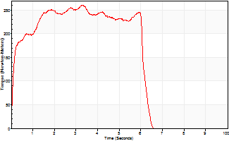
Isometric Extensors (Con) Angle 60 Time 10 Repetition 1 (Best Repetition)
 | Value | Cof Var | %BW
Peak Torque (Newton-Meters)
Right | 0 | 0 | 0
Left | 260 | 0 | 343
Deficit | 0
Average Torque (Newton-Meters)
Right | 0 | 0 | 0
Left | 142 | 0 | 188
Deficit | 0
Peak Torque Slope (Newton-Meters/Seconds)
Right | 0 | 0 | 0
Left | 78 | 0 | 103 |  | Right Side Curves Left Side Curves
Deficit | 0
Time to Half Peak Torque (Seconds)
Right | 0 | 0
Left | 0.12 | 0
Time to Peak Torque (Seconds)
Right | 0 | 0
Left | 3.32 | 0
HUMAC2015® Version: 15.000.0074 © Computer Sports Medicine, Inc. www.csmisolutions.com

Ark4
Use File, Preference to set Report Heading
Long Form Torque vs. Position Report - Knee Extension/Flexion
Name: |  |  |  | TR024_106, | ID: | TR024_106 | Right/Left: | 25.09.2020 25.09.2020
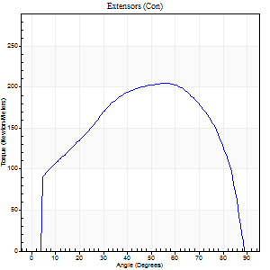
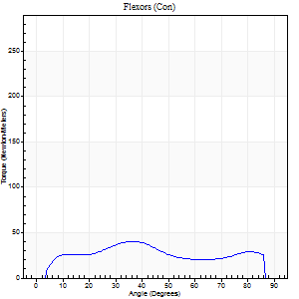
Right Side Curves Left Side Curves
Isokinetic Con/Con |  |  |  | Extensors (Con) |  | Flexors (Con)
Speed 60/60 d/s 3 Reps |  |  |  | Value | Cof Var | %BW | Value | Cof Var | %BW | Ratio

TORQUE PARAMETERS
Peak Torque (Newton-Meters - Best Repetition)
Right |  |  |  | 205 | 0.06 | 268 | 41 | 0.25 | 54 | 20
Left |  |  |  | 0 | 0 | 0 | 0 | 0 | 0 | 0
Deficit |  |  |  | 0 |  |  | 0
Work per Repetition (Newton-Meters - Best Repetition)
Right |  |  |  | 233 | 0.07 | 307 | 39 | 0.2 | 51 | 17
Left |  |  |  | 0 | 0 | 0 | 0 | 0 | 0 | 0
Deficit |  |  |  | 0 |  |  | 0
Average Power per Repetition (Watts - Best Repetition)
Right |  |  |  | 154 | 0.08 | 202 | 27 | 0.19 | 35 | 18
Left |  |  |  | 0 | 0 | 0 | 0 | 0 | 0 | 0
Deficit |  |  |  | 0 |  |  | 0
POSITION PARAMETERS
Joint Angle at Peak Torque (Degrees)
Right |  |  |  | 58 | 0.09 |  | 30 | 0.21
Left |  |  |  | 0 | 0 |  | 0 | 0
Range of Motion (Degrees)
Right |  |  |  | 1 | 0.25 |  | 90 | 0.01
Left |  |  |  | 0 | 0 |  | 0 | 0
TIME PARAMETERS
Time to Peak Torque (Seconds)
Right |  |  |  | 0.58 | 0.09 |  | 0.47 | 0.2
Left |  |  |  | 0 | 0 |  | 0 | 0
Time Peak Torque Held (Seconds)
Right |  |  |  | 0.08 | 0.22 |  | 0.03 | 0.94
Left |  |  |  | 0 | 0 |  | 0 | 0
Force Decay Time (Seconds)
Right |  |  |  | 0.91 | 0.13 |  | 0.97 | 0.11
Left |  |  |  | 0 | 0 |  | 0 | 0
Reciprocal Delay (Seconds)
Right |  |  |  | 0.06 | 0.54 |  | 0.16 | 0.09
Left |  |  |  | 0 | 0 |  | 0 | 0
Delay Time (Seconds)
Right |  |  |  | 0.01 | 0.47 |  | 0.05 | 0.65
Left |  |  |  | 0 | 0 |  | 0 | 0
HUMAC2015® Version: 15.000.0074 © Computer Sports Medicine, Inc. www.csmisolutions.com

Use File, Preference to set Report Heading
Long Form Torque vs. Position Report - Knee Extension/Flexion
Name: |  |  |  | TR024_106, | ID: | TR024_106 | Right/Left: | 25.09.2020 25.09.2020
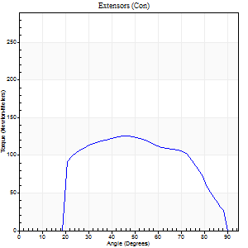
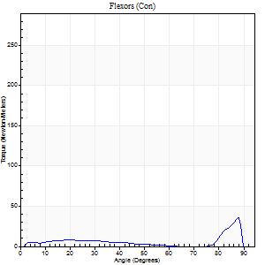
Right Side Curves Left Side Curves
Isokinetic Con/Con |  |  |  | Extensors (Con) |  | Flexors (Con)
Speed 240/240 d/s 3 Reps |  |  |  | Value | Cof Var | %BW | Value | Cof Var | %BW | Ratio

TORQUE PARAMETERS
Peak Torque (Newton-Meters - Best Repetition)
Right |  |  |  | 125 | 0.01 | 164 | 37 | 0.59 | 48 | 29
Left |  |  |  | 0 | 0 | 0 | 0 | 0 | 0 | 0
Deficit |  |  |  | 0 |  |  | 0
Work per Repetition (Newton-Meters - Best Repetition)
Right |  |  |  | 126 | 0.02 | 167 | 15 | 0.46 | 21 | 12
Left |  |  |  | 0 | 0 | 0 | 0 | 0 | 0 | 0
Deficit |  |  |  | 0 |  |  | 0
Average Power per Repetition (Watts - Best Repetition)
Right |  |  |  | 262 | 0.03 | 345 | 26 | 0.51 | 35 | 10
Left |  |  |  | 0 | 0 | 0 | 0 | 0 | 0 | 0
Deficit |  |  |  | 0 |  |  | 0
POSITION PARAMETERS
Joint Angle at Peak Torque (Degrees)
Right |  |  |  | 46 | 0.03 |  | 63 | 0.69
Left |  |  |  | 0 | 0 |  | 0 | 0
Range of Motion (Degrees)
Right |  |  |  | 2 | 0.22 |  | 90 | 0.01
Left |  |  |  | 0 | 0 |  | 0 | 0
TIME PARAMETERS
Time to Peak Torque (Seconds)
Right |  |  |  | 0.23 | 0.03 |  | 0.42 | 0.52
Left |  |  |  | 0 | 0 |  | 0 | 0
Time Peak Torque Held (Seconds)
Right |  |  |  | 0.01 | 1 |  | 0 | 0
Left |  |  |  | 0 | 0 |  | 0 | 0
Force Decay Time (Seconds)
Right |  |  |  | 0.23 | 0.08 |  | 0.16 | 1.36
Left |  |  |  | 0 | 0 |  | 0 | 0
Reciprocal Delay (Seconds)
Right |  |  |  | 0.05 | 0.16 |  | 0.07 | 0.44
Left |  |  |  | 0 | 0 |  | 0 | 0
Delay Time (Seconds)
Right |  |  |  | -0.01 | 0 |  | -0.01 | 0
Left |  |  |  | 0 | 0 |  | 0 | 0
HUMAC2015® Version: 15.000.0074 © Computer Sports Medicine, Inc. www.csmisolutions.com

Use File, Preference to set Report Heading
Isometric - Knee Extension/Flexion
Name: |  |  |  | TR024_106, | ID: | TR024_106 | Right/Left: | 25.09.2020 25.09.2020

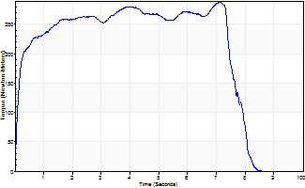
Isometric Extensors (Con) Angle 60 Time 10 Repetition 1 (Best Repetition)
 | Value | Cof Var | %BW
Peak Torque (Newton-Meters)
Right | 289 | 0 | 381
Left | 0 | 0 | 0
Deficit | 0
Average Torque (Newton-Meters)
Right | 198 | 0 | 259
Left | 0 | 0 | 0
Deficit | 0
Peak Torque Slope (Newton-Meters/Seconds)
Right | 41 | 0 | 53
Left | 0 | 0 | 0 |  | Right Side Curves Left Side Curves
Deficit | 0
Time to Half Peak Torque (Seconds)
Right | 0.14 | 0
Left | 0 | 0
Time to Peak Torque (Seconds)
Right | 7.11 | 0
Left | 0 | 0
HUMAC2015® Version: 15.000.0074 © Computer Sports Medicine, Inc. www.csmisolutions.com

Ark5
Use File, Preference to set Report Heading
Long Form Torque vs. Position Report - Knee Extension/Flexion
Name: |  |  |  | TR024_106, | ID: | TR024_106 | Right/Left: | 28.09.2020 28.09.2020
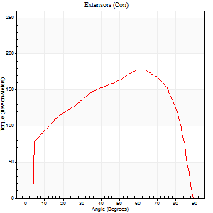
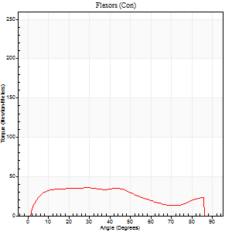
Right Side Curves Left Side Curves
Isokinetic Con/Con |  |  |  | Extensors (Con) |  | Flexors (Con)
Speed 60/60 d/s 3 Reps |  |  |  | Value | Cof Var | %BW | Value | Cof Var | %BW | Ratio

TORQUE PARAMETERS
Peak Torque (Newton-Meters - Best Repetition)
Right |  |  |  | 0 | 0 | 0 | 0 | 0 | 0 | 0
Left |  |  |  | 178 | 0.02 | 232 | 35 | 0.16 | 48 | 20
Deficit |  |  |  | 0 |  |  | 0
Work per Repetition (Newton-Meters - Best Repetition)
Right |  |  |  | 0 | 0 | 0 | 0 | 0 | 0 | 0
Left |  |  |  | 202 | 0.02 | 265 | 39 | 0.13 | 51 | 19
Deficit |  |  |  | 0 |  |  | 0
Average Power per Repetition (Watts - Best Repetition)
Right |  |  |  | 0 | 0 | 0 | 0 | 0 | 0 | 0
Left |  |  |  | 130 | 0.01 | 171 | 25 | 0.11 | 33 | 19
Deficit |  |  |  | 0 |  |  | 0
POSITION PARAMETERS
Joint Angle at Peak Torque (Degrees)
Right |  |  |  | 0 | 0 |  | 0 | 0
Left |  |  |  | 60 | 0.09 |  | 32 | 0.16
Range of Motion (Degrees)
Right |  |  |  | 0 | 0 |  | 0 | 0
Left |  |  |  | 0 | 0.47 |  | 90 | 0
TIME PARAMETERS
Time to Peak Torque (Seconds)
Right |  |  |  | 0 | 0 |  | 0 | 0
Left |  |  |  | 0.5 | 0.2 |  | 0.53 | 0.17
Time Peak Torque Held (Seconds)
Right |  |  |  | 0 | 0 |  | 0 | 0
Left |  |  |  | 0.04 | 0.25 |  | 0.08 | 1.73
Force Decay Time (Seconds)
Right |  |  |  | 0 | 0 |  | 0 | 0
Left |  |  |  | 1 | 0.09 |  | 0.88 | 0.16
Reciprocal Delay (Seconds)
Right |  |  |  | 0 | 0 |  | 0 | 0
Left |  |  |  | 0.09 | 0.42 |  | 0.18 | 0.06
Delay Time (Seconds)
Right |  |  |  | 0 | 0 |  | 0 | 0
Left |  |  |  | 0.01 | 1.41 |  | 0.02 | 0.35
HUMAC2015® Version: 15.000.0074 © Computer Sports Medicine, Inc. www.csmisolutions.com

Use File, Preference to set Report Heading
Long Form Torque vs. Position Report - Knee Extension/Flexion
Name: |  |  |  | TR024_106, | ID: | TR024_106 | Right/Left: | 28.09.2020 28.09.2020
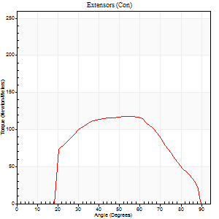
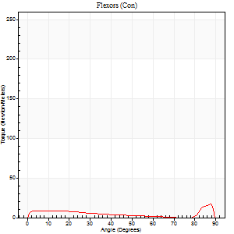
Right Side Curves Left Side Curves
Isokinetic Con/Con |  |  |  | Extensors (Con) |  | Flexors (Con)
Speed 240/240 d/s 3 Reps |  |  |  | Value | Cof Var | %BW | Value | Cof Var | %BW | Ratio

TORQUE PARAMETERS
Peak Torque (Newton-Meters - Best Repetition)
Right |  |  |  | 0 | 0 | 0 | 0 | 0 | 0 | 0
Left |  |  |  | 118 | 0.06 | 155 | 16 | 0.32 | 21 | 14
Deficit |  |  |  | 0 |  |  | 0
Work per Repetition (Newton-Meters - Best Repetition)
Right |  |  |  | 0 | 0 | 0 | 0 | 0 | 0 | 0
Left |  |  |  | 111 | 0.05 | 146 | 7 | 0.87 | 9 | 6
Deficit |  |  |  | 0 |  |  | 0
Average Power per Repetition (Watts - Best Repetition)
Right |  |  |  | 0 | 0 | 0 | 0 | 0 | 0 | 0
Left |  |  |  | 219 | 0.07 | 288 | 13 | 0.15 | 18 | 6
Deficit |  |  |  | 0 |  |  | 0
POSITION PARAMETERS
Joint Angle at Peak Torque (Degrees)
Right |  |  |  | 0 | 0 |  | 0 | 0
Left |  |  |  | 55 | 0.05 |  | 63 | 0.67
Range of Motion (Degrees)
Right |  |  |  | 0 | 0 |  | 0 | 0
Left |  |  |  | 1 | 0.1 |  | 89 | 0.01
TIME PARAMETERS
Time to Peak Torque (Seconds)
Right |  |  |  | 0 | 0 |  | 0 | 0
Left |  |  |  | 0.22 | 0.03 |  | 0.12 | 0.58
Time Peak Torque Held (Seconds)
Right |  |  |  | 0 | 0 |  | 0 | 0
Left |  |  |  | 0 | 1.73 |  | 0 | 1.73
Force Decay Time (Seconds)
Right |  |  |  | 0 | 0 |  | 0 | 0
Left |  |  |  | 0.3 | 0.06 |  | 0.16 | 1.46
Reciprocal Delay (Seconds)
Right |  |  |  | 0 | 0 |  | 0 | 0
Left |  |  |  | 0.05 | 0.13 |  | 0.1 | 0.48
Delay Time (Seconds)
Right |  |  |  | 0 | 0 |  | 0 | 0
Left |  |  |  | -0.02 | 0 |  | 0.32 | 0.95
HUMAC2015® Version: 15.000.0074 © Computer Sports Medicine, Inc. www.csmisolutions.com

Use File, Preference to set Report Heading
Isometric - Knee Extension/Flexion
Name: |  |  |  | TR024_106, | ID: | TR024_106 | Right/Left: | 28.09.2020 28.09.2020

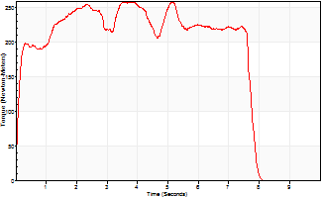
Isometric Extensors (Con) Angle 60 Time 10 Repetition 1 (Best Repetition)
 | Value | Cof Var | %BW
Peak Torque (Newton-Meters)
Right | 0 | 0 | 0
Left | 259 | 0 | 340
Deficit | 0
Average Torque (Newton-Meters)
Right | 0 | 0 | 0
Left | 175 | 0 | 229
Deficit | 0
Peak Torque Slope (Newton-Meters/Seconds)
Right | 0 | 0 | 0
Left | 68 | 0 | 90 |  | Right Side Curves Left Side Curves
Deficit | 0
Time to Half Peak Torque (Seconds)
Right | 0 | 0
Left | 0.11 | 0
Time to Peak Torque (Seconds)
Right | 0 | 0
Left | 3.8 | 0
HUMAC2015® Version: 15.000.0074 © Computer Sports Medicine, Inc. www.csmisolutions.com

Ark6
Use File, Preference to set Report Heading
Long Form Torque vs. Position Report - Knee Extension/Flexion
Name: |  |  |  | TR024_106, | ID: | TR024_106 | Right/Left: | 29.09.2020 29.09.2020
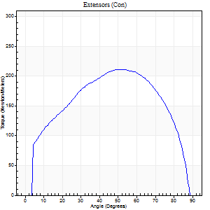
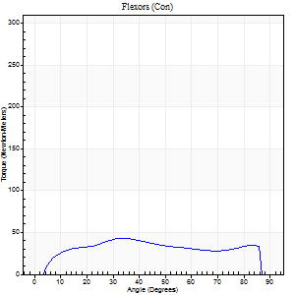
Right Side Curves Left Side Curves
Isokinetic Con/Con |  |  |  | Extensors (Con) |  | Flexors (Con)
Speed 60/60 d/s 3 Reps |  |  |  | Value | Cof Var | %BW | Value | Cof Var | %BW | Ratio

TORQUE PARAMETERS
Peak Torque (Newton-Meters - Best Repetition)
Right |  |  |  | 212 | 0.04 | 277 | 43 | 0.17 | 57 | 21
Left |  |  |  | 0 | 0 | 0 | 0 | 0 | 0 | 0
Deficit |  |  |  | 0 |  |  | 0
Work per Repetition (Newton-Meters - Best Repetition)
Right |  |  |  | 236 | 0.05 | 310 | 47 | 0.16 | 63 | 20
Left |  |  |  | 0 | 0 | 0 | 0 | 0 | 0 | 0
Deficit |  |  |  | 0 |  |  | 0
Average Power per Repetition (Watts - Best Repetition)
Right |  |  |  | 155 | 0.06 | 204 | 32 | 0.15 | 42 | 21
Left |  |  |  | 0 | 0 | 0 | 0 | 0 | 0 | 0
Deficit |  |  |  | 0 |  |  | 0
POSITION PARAMETERS
Joint Angle at Peak Torque (Degrees)
Right |  |  |  | 58 | 0.11 |  | 51 | 0.56
Left |  |  |  | 0 | 0 |  | 0 | 0
Range of Motion (Degrees)
Right |  |  |  | 0 | 0.47 |  | 90 | 0
Left |  |  |  | 0 | 0 |  | 0 | 0
TIME PARAMETERS
Time to Peak Torque (Seconds)
Right |  |  |  | 0.56 | 0.2 |  | 0.82 | 0.6
Left |  |  |  | 0 | 0 |  | 0 | 0
Time Peak Torque Held (Seconds)
Right |  |  |  | 0.09 | 0.65 |  | 0.04 | 0.58
Left |  |  |  | 0 | 0 |  | 0 | 0
Force Decay Time (Seconds)
Right |  |  |  | 0.9 | 0.09 |  | 0.6 | 0.76
Left |  |  |  | 0 | 0 |  | 0 | 0
Reciprocal Delay (Seconds)
Right |  |  |  | 0.08 | 0.09 |  | 0.13 | 0.23
Left |  |  |  | 0 | 0 |  | 0 | 0
Delay Time (Seconds)
Right |  |  |  | 0.02 | 0.28 |  | 0.05 | 0.53
Left |  |  |  | 0 | 0 |  | 0 | 0
HUMAC2015® Version: 15.000.0074 © Computer Sports Medicine, Inc. www.csmisolutions.com

Use File, Preference to set Report Heading
Long Form Torque vs. Position Report - Knee Extension/Flexion
Name: |  |  |  | TR024_106, | ID: | TR024_106 | Right/Left: | 29.09.2020 29.09.2020
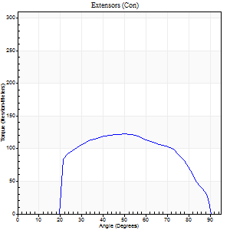
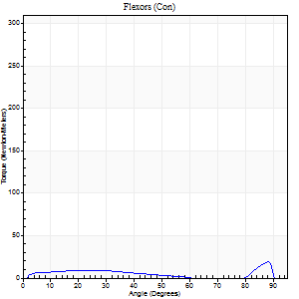
Right Side Curves Left Side Curves
Isokinetic Con/Con |  |  |  | Extensors (Con) |  | Flexors (Con)
Speed 240/240 d/s 3 Reps |  |  |  | Value | Cof Var | %BW | Value | Cof Var | %BW | Ratio

TORQUE PARAMETERS
Peak Torque (Newton-Meters - Best Repetition)
Right |  |  |  | 122 | 0.03 | 161 | 19 | 0.35 | 24 | 16
Left |  |  |  | 0 | 0 | 0 | 0 | 0 | 0 | 0
Deficit |  |  |  | 0 |  |  | 0
Work per Repetition (Newton-Meters - Best Repetition)
Right |  |  |  | 121 | 0.03 | 158 | 9 | 0.23 | 12 | 8
Left |  |  |  | 0 | 0 | 0 | 0 | 0 | 0 | 0
Deficit |  |  |  | 0 |  |  | 0
Average Power per Repetition (Watts - Best Repetition)
Right |  |  |  | 236 | 0.03 | 310 | 16 | 0.2 | 22 | 7
Left |  |  |  | 0 | 0 | 0 | 0 | 0 | 0 | 0
Deficit |  |  |  | 0 |  |  | 0
POSITION PARAMETERS
Joint Angle at Peak Torque (Degrees)
Right |  |  |  | 48 | 0.04 |  | 63 | 0.7
Left |  |  |  | 0 | 0 |  | 0 | 0
Range of Motion (Degrees)
Right |  |  |  | 1 | 0.07 |  | 90 | 0
Left |  |  |  | 0 | 0 |  | 0 | 0
TIME PARAMETERS
Time to Peak Torque (Seconds)
Right |  |  |  | 0.25 | 0.09 |  | 0.44 | 0.53
Left |  |  |  | 0 | 0 |  | 0 | 0
Time Peak Torque Held (Seconds)
Right |  |  |  | 0.02 | 0.35 |  | 0.01 | 1.73
Left |  |  |  | 0 | 0 |  | 0 | 0
Force Decay Time (Seconds)
Right |  |  |  | 0.25 | 0.06 |  | 0.16 | 1.23
Left |  |  |  | 0 | 0 |  | 0 | 0
Reciprocal Delay (Seconds)
Right |  |  |  | 0.07 | 0 |  | 0.08 | 0.12
Left |  |  |  | 0 | 0 |  | 0 | 0
Delay Time (Seconds)
Right |  |  |  | -0.02 | -0.28 |  | -0.01 | -3.46
Left |  |  |  | 0 | 0 |  | 0 | 0
HUMAC2015® Version: 15.000.0074 © Computer Sports Medicine, Inc. www.csmisolutions.com

Use File, Preference to set Report Heading
Isometric - Knee Extension/Flexion
Name: |  |  |  | TR024_106, | ID: | TR024_106 | Right/Left: | 29.09.2020 29.09.2020

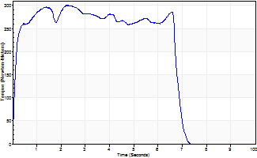
Isometric Extensors (Con) Angle 60 Time 10 Repetition 1 (Best Repetition)
 | Value | Cof Var | %BW
Peak Torque (Newton-Meters)
Right | 300 | 0 | 393
Left | 0 | 0 | 0
Deficit | 0
Average Torque (Newton-Meters)
Right | 184 | 0 | 241
Left | 0 | 0 | 0
Deficit | 0
Peak Torque Slope (Newton-Meters/Seconds)
Right | 131 | 0 | 173
Left | 0 | 0 | 0 |  | Right Side Curves Left Side Curves
Deficit | 0
Time to Half Peak Torque (Seconds)
Right | 0.11 | 0
Left | 0 | 0
Time to Peak Torque (Seconds)
Right | 2.28 | 0
Left | 0 | 0
HUMAC2015® Version: 15.000.0074 © Computer Sports Medicine, Inc. www.csmisolutions.com

Ark7
Use File, Preference to set Report Heading
Long Form Torque vs. Position Report - Knee Extension/Flexion
Name: |  |  |  | TR024_106, | ID: | TR024_106 | Right/Left: | 01.10.2020 01.10.2020
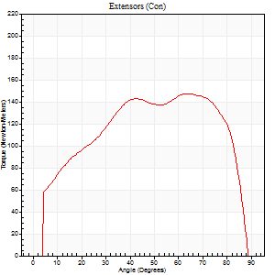
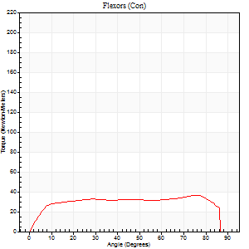
Right Side Curves Left Side Curves
Isokinetic Con/Con |  |  |  | Extensors (Con) |  | Flexors (Con)
Speed 60/60 d/s 3 Reps |  |  |  | Value | Cof Var | %BW | Value | Cof Var | %BW | Ratio

TORQUE PARAMETERS
Peak Torque (Newton-Meters - Best Repetition)
Right |  |  |  | 0 | 0 | 0 | 0 | 0 | 0 | 0
Left |  |  |  | 148 | 0.03 | 194 | 37 | 0.23 | 48 | 25
Deficit |  |  |  | 0 |  |  | 0
Work per Repetition (Newton-Meters - Best Repetition)
Right |  |  |  | 0 | 0 | 0 | 0 | 0 | 0 | 0
Left |  |  |  | 172 | 0.02 | 226 | 45 | 0.27 | 60 | 26
Deficit |  |  |  | 0 |  |  | 0
Average Power per Repetition (Watts - Best Repetition)
Right |  |  |  | 0 | 0 | 0 | 0 | 0 | 0 | 0
Left |  |  |  | 112 | 0.02 | 147 | 29 | 0.26 | 37 | 26
Deficit |  |  |  | 0 |  |  | 0
POSITION PARAMETERS
Joint Angle at Peak Torque (Degrees)
Right |  |  |  | 0 | 0 |  | 0 | 0
Left |  |  |  | 66 | 0.05 |  | 51 | 0.41
Range of Motion (Degrees)
Right |  |  |  | 0 | 0 |  | 0 | 0
Left |  |  |  | 0 | 1.41 |  | 90 | 0.01
TIME PARAMETERS
Time to Peak Torque (Seconds)
Right |  |  |  | 0 | 0 |  | 0 | 0
Left |  |  |  | 0.41 | 0.02 |  | 0.87 | 0.4
Time Peak Torque Held (Seconds)
Right |  |  |  | 0 | 0 |  | 0 | 0
Left |  |  |  | 0.04 | 0.27 |  | 0.02 | 1
Force Decay Time (Seconds)
Right |  |  |  | 0 | 0 |  | 0 | 0
Left |  |  |  | 1.09 | 0.05 |  | 0.64 | 0.53
Reciprocal Delay (Seconds)
Right |  |  |  | 0 | 0 |  | 0 | 0
Left |  |  |  | 0.09 | 0.07 |  | 0.18 | 0.09
Delay Time (Seconds)
Right |  |  |  | 0 | 0 |  | 0 | 0
Left |  |  |  | 0.02 | 0.28 |  | 0.01 | 2.29
HUMAC2015® Version: 15.000.0074 © Computer Sports Medicine, Inc. www.csmisolutions.com

Use File, Preference to set Report Heading
Long Form Torque vs. Position Report - Knee Extension/Flexion
Name: |  |  |  | TR024_106, | ID: | TR024_106 | Right/Left: | 01.10.2020 01.10.2020
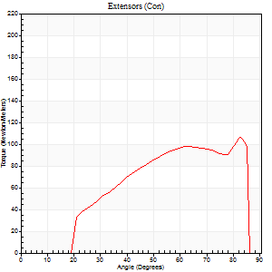
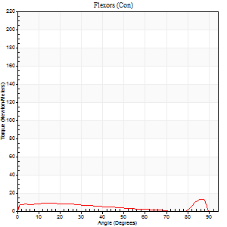
Right Side Curves Left Side Curves
Isokinetic Con/Con |  |  |  | Extensors (Con) |  | Flexors (Con)
Speed 240/240 d/s 3 Reps |  |  |  | Value | Cof Var | %BW | Value | Cof Var | %BW | Ratio

TORQUE PARAMETERS
Peak Torque (Newton-Meters - Best Repetition)
Right |  |  |  | 0 | 0 | 0 | 0 | 0 | 0 | 0
Left |  |  |  | 106 | 0.04 | 140 | 14 | 0.21 | 18 | 13
Deficit |  |  |  | 0 |  |  | 0
Work per Repetition (Newton-Meters - Best Repetition)
Right |  |  |  | 0 | 0 | 0 | 0 | 0 | 0 | 0
Left |  |  |  | 99 | 0.08 | 131 | 9 | 0.2 | 12 | 10
Deficit |  |  |  | 0 |  |  | 0
Average Power per Repetition (Watts - Best Repetition)
Right |  |  |  | 0 | 0 | 0 | 0 | 0 | 0 | 0
Left |  |  |  | 193 | 0.12 | 255 | 15 | 0.2 | 20 | 8
Deficit |  |  |  | 0 |  |  | 0
POSITION PARAMETERS
Joint Angle at Peak Torque (Degrees)
Right |  |  |  | 0 | 0 |  | 0 | 0
Left |  |  |  | 64 | 0.25 |  | 40 | 1.02
Range of Motion (Degrees)
Right |  |  |  | 0 | 0 |  | 0 | 0
Left |  |  |  | 1 | 0.12 |  | 88 | 0.02
TIME PARAMETERS
Time to Peak Torque (Seconds)
Right |  |  |  | 0 | 0 |  | 0 | 0
Left |  |  |  | 0.22 | 0.06 |  | 0.36 | 0.64
Time Peak Torque Held (Seconds)
Right |  |  |  | 0 | 0 |  | 0 | 0
Left |  |  |  | 0.01 | 0 |  | 0 | 0
Force Decay Time (Seconds)
Right |  |  |  | 0 | 0 |  | 0 | 0
Left |  |  |  | 0.34 | 0.26 |  | 0.27 | 0.77
Reciprocal Delay (Seconds)
Right |  |  |  | 0 | 0 |  | 0 | 0
Left |  |  |  | 0.05 | 0.13 |  | 0.08 | 0.07
Delay Time (Seconds)
Right |  |  |  | 0 | 0 |  | 0 | 0
Left |  |  |  | -0.02 | -0.71 |  | -0.04 | 0
HUMAC2015® Version: 15.000.0074 © Computer Sports Medicine, Inc. www.csmisolutions.com

Use File, Preference to set Report Heading
Isometric - Knee Extension/Flexion
Name: |  |  |  | TR024_106, | ID: | TR024_106 | Right/Left: | 01.10.2020 01.10.2020

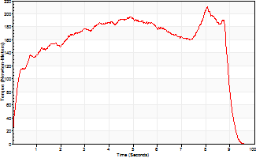
Isometric Extensors (Con) Angle 60 Time 10 Repetition 1 (Best Repetition)
 | Value | Cof Var | %BW
Peak Torque (Newton-Meters)
Right | 0 | 0 | 0
Left | 212 | 0 | 277
Deficit | 0
Average Torque (Newton-Meters)
Right | 0 | 0 | 0
Left | 152 | 0 | 200
Deficit | 0
Peak Torque Slope (Newton-Meters/Seconds)
Right | 0 | 0 | 0
Left | 26 | 0 | 34 |  | Right Side Curves Left Side Curves
Deficit | 0
Time to Half Peak Torque (Seconds)
Right | 0 | 0
Left | 0.28 | 0
Time to Peak Torque (Seconds)
Right | 0 | 0
Left | 8.06 | 0
HUMAC2015® Version: 15.000.0074 © Computer Sports Medicine, Inc. www.csmisolutions.com

Ark8
Use File, Preference to set Report Heading
Long Form Torque vs. Position Report - Knee Extension/Flexion
Name: |  |  |  | TR024_106, | ID: | TR024_106 | Right/Left: | 01.10.2020 01.10.2020
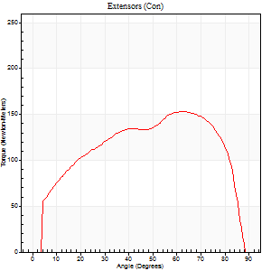
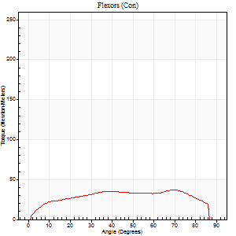
Right Side Curves Left Side Curves
Isokinetic Con/Con |  |  |  | Extensors (Con) |  | Flexors (Con)
Speed 60/60 d/s 3 Reps |  |  |  | Value | Cof Var | %BW | Value | Cof Var | %BW | Ratio

TORQUE PARAMETERS
Peak Torque (Newton-Meters - Best Repetition)
Right |  |  |  | 0 | 0 | 0 | 0 | 0 | 0 | 0
Left |  |  |  | 153 | 0.02 | 203 | 37 | 0.19 | 48 | 24
Deficit |  |  |  | 0 |  |  | 0
Work per Repetition (Newton-Meters - Best Repetition)
Right |  |  |  | 0 | 0 | 0 | 0 | 0 | 0 | 0
Left |  |  |  | 178 | 0.03 | 232 | 43 | 0.21 | 57 | 24
Deficit |  |  |  | 0 |  |  | 0
Average Power per Repetition (Watts - Best Repetition)
Right |  |  |  | 0 | 0 | 0 | 0 | 0 | 0 | 0
Left |  |  |  | 114 | 0.04 | 149 | 28 | 0.2 | 37 | 25
Deficit |  |  |  | 0 |  |  | 0
POSITION PARAMETERS
Joint Angle at Peak Torque (Degrees)
Right |  |  |  | 0 | 0 |  | 0 | 0
Left |  |  |  | 57 | 0.12 |  | 48 | 0.4
Range of Motion (Degrees)
Right |  |  |  | 0 | 0 |  | 0 | 0
Left |  |  |  | 0 | 0 |  | 90 | 0
TIME PARAMETERS
Time to Peak Torque (Seconds)
Right |  |  |  | 0 | 0 |  | 0 | 0
Left |  |  |  | 0.48 | 0.13 |  | 0.82 | 0.39
Time Peak Torque Held (Seconds)
Right |  |  |  | 0 | 0 |  | 0 | 0
Left |  |  |  | 0.06 | 0.27 |  | 0.06 | 1.2
Force Decay Time (Seconds)
Right |  |  |  | 0 | 0 |  | 0 | 0
Left |  |  |  | 0.93 | 0.11 |  | 0.62 | 0.49
Reciprocal Delay (Seconds)
Right |  |  |  | 0 | 0 |  | 0 | 0
Left |  |  |  | 0.09 | 0.52 |  | 0.17 | 0.07
Delay Time (Seconds)
Right |  |  |  | 0 | 0 |  | 0 | 0
Left |  |  |  | 0.01 | 1.41 |  | 0.02 | 0.5
HUMAC2015® Version: 15.000.0074 © Computer Sports Medicine, Inc. www.csmisolutions.com

Use File, Preference to set Report Heading
Long Form Torque vs. Position Report - Knee Extension/Flexion
Name: |  |  |  | TR024_106, | ID: | TR024_106 | Right/Left: | 01.10.2020 01.10.2020
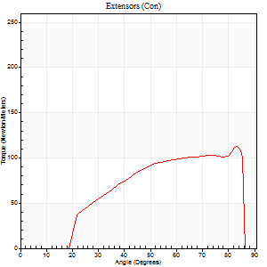
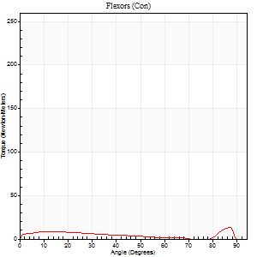
Right Side Curves Left Side Curves
Isokinetic Con/Con |  |  |  | Extensors (Con) |  | Flexors (Con)
Speed 240/240 d/s 3 Reps |  |  |  | Value | Cof Var | %BW | Value | Cof Var | %BW | Ratio

TORQUE PARAMETERS
Peak Torque (Newton-Meters - Best Repetition)
Right |  |  |  | 0 | 0 | 0 | 0 | 0 | 0 | 0
Left |  |  |  | 113 | 0.06 | 149 | 14 | 0.16 | 18 | 12
Deficit |  |  |  | 0 |  |  | 0
Work per Repetition (Newton-Meters - Best Repetition)
Right |  |  |  | 0 | 0 | 0 | 0 | 0 | 0 | 0
Left |  |  |  | 99 | 0.06 | 131 | 8 | 0.68 | 12 | 8
Deficit |  |  |  | 0 |  |  | 0
Average Power per Repetition (Watts - Best Repetition)
Right |  |  |  | 0 | 0 | 0 | 0 | 0 | 0 | 0
Left |  |  |  | 198 | 0.12 | 262 | 14 | 0.2 | 18 | 7
Deficit |  |  |  | 0 |  |  | 0
POSITION PARAMETERS
Joint Angle at Peak Torque (Degrees)
Right |  |  |  | 0 | 0 |  | 0 | 0
Left |  |  |  | 68 | 0.2 |  | 62 | 0.71
Range of Motion (Degrees)
Right |  |  |  | 0 | 0 |  | 0 | 0
Left |  |  |  | 1 | 0.26 |  | 88 | 0.02
TIME PARAMETERS
Time to Peak Torque (Seconds)
Right |  |  |  | 0 | 0 |  | 0 | 0
Left |  |  |  | 0.21 | 0.17 |  | 0.32 | 0.98
Time Peak Torque Held (Seconds)
Right |  |  |  | 0 | 0 |  | 0 | 0
Left |  |  |  | 0 | 0 |  | 0 | 0
Force Decay Time (Seconds)
Right |  |  |  | 0 | 0 |  | 0 | 0
Left |  |  |  | 0.37 | 0.19 |  | 0.15 | 1.39
Reciprocal Delay (Seconds)
Right |  |  |  | 0 | 0 |  | 0 | 0
Left |  |  |  | 0.06 | 0.47 |  | 0.1 | 0.17
Delay Time (Seconds)
Right |  |  |  | 0 | 0 |  | 0 | 0
Left |  |  |  | -0.03 | -0.47 |  | 0.14 | 2.29
HUMAC2015® Version: 15.000.0074 © Computer Sports Medicine, Inc. www.csmisolutions.com

Use File, Preference to set Report Heading
Isometric - Knee Extension/Flexion
Name: |  |  |  | TR024_106, | ID: | TR024_106 | Right/Left: | 01.10.2020 01.10.2020

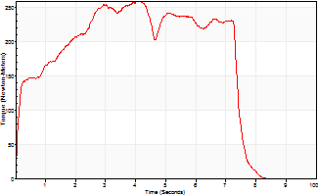
Isometric Extensors (Con) Angle 60 Time 10 Repetition 1 (Best Repetition)
 | Value | Cof Var | %BW
Peak Torque (Newton-Meters)
Right | 0 | 0 | 0
Left | 259 | 0 | 340
Deficit | 0
Average Torque (Newton-Meters)
Right | 0 | 0 | 0
Left | 161 | 0 | 212
Deficit | 0
Peak Torque Slope (Newton-Meters/Seconds)
Right | 0 | 0 | 0
Left | 64 | 0 | 84 |  | Right Side Curves Left Side Curves
Deficit | 0
Time to Half Peak Torque (Seconds)
Right | 0 | 0
Left | 0.17 | 0
Time to Peak Torque (Seconds)
Right | 0 | 0
Left | 4.03 | 0
HUMAC2015® Version: 15.000.0074 © Computer Sports Medicine, Inc. www.csmisolutions.com

Ark9
Use File, Preference to set Report Heading
Long Form Torque vs. Position Report - Knee Extension/Flexion
Name: |  |  |  | TR024_106, | ID: | TR024_106 | Right/Left: | 01.10.2020 01.10.2020
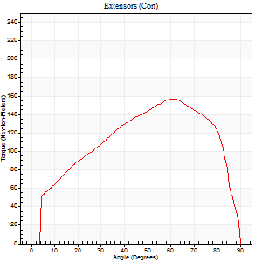
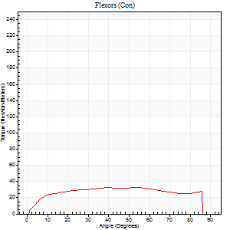
Right Side Curves Left Side Curves
Isokinetic Con/Con |  |  |  | Extensors (Con) |  | Flexors (Con)
Speed 60/60 d/s 3 Reps |  |  |  | Value | Cof Var | %BW | Value | Cof Var | %BW | Ratio

TORQUE PARAMETERS
Peak Torque (Newton-Meters - Best Repetition)
Right |  |  |  | 0 | 0 | 0 | 0 | 0 | 0 | 0
Left |  |  |  | 157 | 0.08 | 206 | 33 | 0.23 | 42 | 21
Deficit |  |  |  | 0 |  |  | 0
Work per Repetition (Newton-Meters - Best Repetition)
Right |  |  |  | 0 | 0 | 0 | 0 | 0 | 0 | 0
Left |  |  |  | 171 | 0.06 | 224 | 42 | 0.29 | 57 | 25
Deficit |  |  |  | 0 |  |  | 0
Average Power per Repetition (Watts - Best Repetition)
Right |  |  |  | 0 | 0 | 0 | 0 | 0 | 0 | 0
Left |  |  |  | 109 | 0.05 | 143 | 27 | 0.26 | 35 | 25
Deficit |  |  |  | 0 |  |  | 0
POSITION PARAMETERS
Joint Angle at Peak Torque (Degrees)
Right |  |  |  | 0 | 0 |  | 0 | 0
Left |  |  |  | 62 | 0.02 |  | 58 | 0.41
Range of Motion (Degrees)
Right |  |  |  | 0 | 0 |  | 0 | 0
Left |  |  |  | 0 | 0.24 |  | 90 | 0
TIME PARAMETERS
Time to Peak Torque (Seconds)
Right |  |  |  | 0 | 0 |  | 0 | 0
Left |  |  |  | 0.43 | 0.02 |  | 0.98 | 0.41
Time Peak Torque Held (Seconds)
Right |  |  |  | 0 | 0 |  | 0 | 0
Left |  |  |  | 0.06 | 0.51 |  | 0.02 | 1.73
Force Decay Time (Seconds)
Right |  |  |  | 0 | 0 |  | 0 | 0
Left |  |  |  | 1.01 | 0.03 |  | 0.51 | 0.7
Reciprocal Delay (Seconds)
Right |  |  |  | 0 | 0 |  | 0 | 0
Left |  |  |  | 0.1 | 0 |  | 0.17 | 0.07
Delay Time (Seconds)
Right |  |  |  | 0 | 0 |  | 0 | 0
Left |  |  |  | 0.02 | 0.28 |  | 0.01 | 0.87
HUMAC2015® Version: 15.000.0074 © Computer Sports Medicine, Inc. www.csmisolutions.com

Use File, Preference to set Report Heading
Long Form Torque vs. Position Report - Knee Extension/Flexion
Name: |  |  |  | TR024_106, | ID: | TR024_106 | Right/Left: | 01.10.2020 01.10.2020
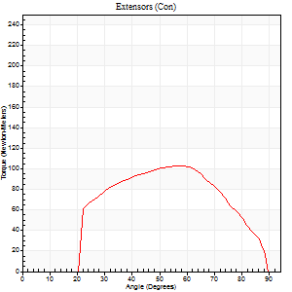
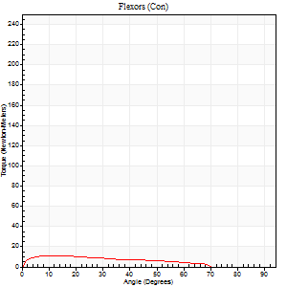
Right Side Curves Left Side Curves
Isokinetic Con/Con |  |  |  | Extensors (Con) |  | Flexors (Con)
Speed 240/240 d/s 3 Reps |  |  |  | Value | Cof Var | %BW | Value | Cof Var | %BW | Ratio

TORQUE PARAMETERS
Peak Torque (Newton-Meters - Best Repetition)
Right |  |  |  | 0 | 0 | 0 | 0 | 0 | 0 | 0
Left |  |  |  | 103 | 0.08 | 137 | 11 | 0.11 | 15 | 11
Deficit |  |  |  | 0 |  |  | 0
Work per Repetition (Newton-Meters - Best Repetition)
Right |  |  |  | 0 | 0 | 0 | 0 | 0 | 0 | 0
Left |  |  |  | 95 | 0.09 | 125 | 9 | 0.17 | 12 | 10
Deficit |  |  |  | 0 |  |  | 0
Average Power per Repetition (Watts - Best Repetition)
Right |  |  |  | 0 | 0 | 0 | 0 | 0 | 0 | 0
Left |  |  |  | 183 | 0.11 | 242 | 15 | 0.18 | 20 | 8
Deficit |  |  |  | 0 |  |  | 0
POSITION PARAMETERS
Joint Angle at Peak Torque (Degrees)
Right |  |  |  | 0 | 0 |  | 0 | 0
Left |  |  |  | 60 | 0.06 |  | 10 | 0.23
Range of Motion (Degrees)
Right |  |  |  | 0 | 0 |  | 0 | 0
Left |  |  |  | 1 | 0.07 |  | 89 | 0.01
TIME PARAMETERS
Time to Peak Torque (Seconds)
Right |  |  |  | 0 | 0 |  | 0 | 0
Left |  |  |  | 0.19 | 0.11 |  | 0.18 | 0.11
Time Peak Torque Held (Seconds)
Right |  |  |  | 0 | 0 |  | 0 | 0
Left |  |  |  | 0.01 | 1.15 |  | 0.03 | 0.94
Force Decay Time (Seconds)
Right |  |  |  | 0 | 0 |  | 0 | 0
Left |  |  |  | 0.31 | 0.05 |  | 0.4 | 0.04
Reciprocal Delay (Seconds)
Right |  |  |  | 0 | 0 |  | 0 | 0
Left |  |  |  | 0.05 | 0.16 |  | 0.1 | 0.06
Delay Time (Seconds)
Right |  |  |  | 0 | 0 |  | 0 | 0
Left |  |  |  | -0.01 | -0.47 |  | -0.03 | -0.17
HUMAC2015® Version: 15.000.0074 © Computer Sports Medicine, Inc. www.csmisolutions.com

Use File, Preference to set Report Heading
Isometric - Knee Extension/Flexion
Name: |  |  |  | TR024_106, | ID: | TR024_106 | Right/Left: | 01.10.2020 01.10.2020

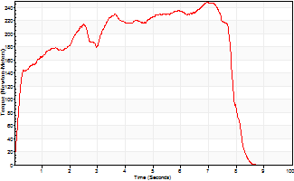
Isometric Extensors (Con) Angle 60 Time 10 Repetition 1 (Best Repetition)
 | Value | Cof Var | %BW
Peak Torque (Newton-Meters)
Right | 0 | 0 | 0
Left | 248 | 0 | 328
Deficit | 0
Average Torque (Newton-Meters)
Right | 0 | 0 | 0
Left | 163 | 0 | 215
Deficit | 0
Peak Torque Slope (Newton-Meters/Seconds)
Right | 0 | 0 | 0
Left | 36 | 0 | 47 |  | Right Side Curves Left Side Curves
Deficit | 0
Time to Half Peak Torque (Seconds)
Right | 0 | 0
Left | 0.23 | 0
Time to Peak Torque (Seconds)
Right | 0 | 0
Left | 6.95 | 0
HUMAC2015® Version: 15.000.0074 © Computer Sports Medicine, Inc. www.csmisolutions.com

Ark10
Use File, Preference to set Report Heading
Long Form Torque vs. Position Report - Knee Extension/Flexion
Name: |  |  |  | TR024_106, | ID: | TR024_106 | Right/Left: | 02.10.2020 02.10.2020
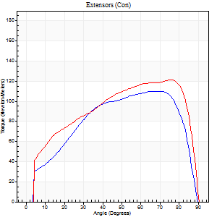
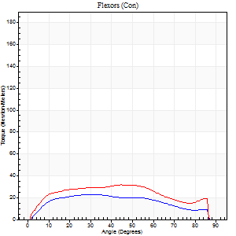
Right Side Curves Left Side Curves
Isokinetic Con/Con |  |  |  | Extensors (Con) |  | Flexors (Con)
Speed 60/60 d/s 3 Reps |  |  |  | Value | Cof Var | %BW | Value | Cof Var | %BW | Ratio

TORQUE PARAMETERS
Peak Torque (Newton-Meters - Best Repetition)
Right |  |  |  | 110 | 0.1 | 146 | 23 | 0.2 | 30 | 21
Left |  |  |  | 122 | 0.03 | 161 | 31 | 0.19 | 42 | 26
Deficit |  |  |  | 10 |  |  | 26
Work per Repetition (Newton-Meters - Best Repetition)
Right |  |  |  | 123 | 0.08 | 161 | 24 | 0.32 | 33 | 20
Left |  |  |  | 140 | 0.05 | 185 | 35 | 0.22 | 48 | 25
Deficit |  |  |  | 12 |  |  | 31
Average Power per Repetition (Watts - Best Repetition)
Right |  |  |  | 81 | 0.09 | 108 | 16 | 0.31 | 22 | 20
Left |  |  |  | 88 | 0.03 | 116 | 23 | 0.2 | 31 | 26
Deficit |  |  |  | 8 |  |  | 30
POSITION PARAMETERS
Joint Angle at Peak Torque (Degrees)
Right |  |  |  | 67 | 0.17 |  | 21 | 0.37
Left |  |  |  | 69 | 0.11 |  | 39 | 0.14
Range of Motion (Degrees)
Right |  |  |  | 1 | 0.31 |  | 90 | 0
Left |  |  |  | 0 | 0.47 |  | 90 | 0
TIME PARAMETERS
Time to Peak Torque (Seconds)
Right |  |  |  | 0.3 | 0.28 |  | 0.35 | 0.37
Left |  |  |  | 0.28 | 0.02 |  | 0.67 | 0.14
Time Peak Torque Held (Seconds)
Right |  |  |  | 0.06 | 0.67 |  | 0.03 | 1.25
Left |  |  |  | 0.06 | 0.44 |  | 0.04 | 0.87
Force Decay Time (Seconds)
Right |  |  |  | 1.06 | 0.17 |  | 1.1 | 0.14
Left |  |  |  | 1.12 | 0.14 |  | 0.8 | 0.03
Reciprocal Delay (Seconds)
Right |  |  |  | 0.1 | 0.28 |  | 0.11 | 0.36
Left |  |  |  | 0.11 | 0.51 |  | 0.14 | 0.18
Delay Time (Seconds)
Right |  |  |  | 0 | 0 |  | 0.04 | 0.69
Left |  |  |  | 0 | 0 |  | 0.01 | 0
HUMAC2015® Version: 15.000.0074 © Computer Sports Medicine, Inc. www.csmisolutions.com

Use File, Preference to set Report Heading
Long Form Torque vs. Position Report - Knee Extension/Flexion
Name: |  |  |  | TR024_106, | ID: | TR024_106 | Right/Left: | 02.10.2020 02.10.2020
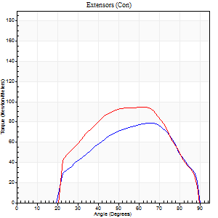
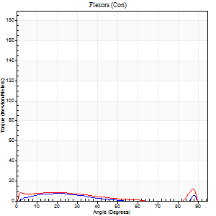
Right Side Curves Left Side Curves
Isokinetic Con/Con |  |  |  | Extensors (Con) |  | Flexors (Con)
Speed 240/240 d/s 3 Reps |  |  |  | Value | Cof Var | %BW | Value | Cof Var | %BW | Ratio

TORQUE PARAMETERS
Peak Torque (Newton-Meters - Best Repetition)
Right |  |  |  | 79 | 0.13 | 104 | 7 | 0.1 | 9 | 9
Left |  |  |  | 95 | 0.1 | 125 | 12 | 0.27 | 15 | 13
Deficit |  |  |  | 17 |  |  | 44
Work per Repetition (Newton-Meters - Best Repetition)
Right |  |  |  | 71 | 0.15 | 92 | 4 | 0.18 | 6 | 6
Left |  |  |  | 85 | 0.04 | 113 | 7 | 0.28 | 9 | 8
Deficit |  |  |  | 17 |  |  | 40
Average Power per Repetition (Watts - Best Repetition)
Right |  |  |  | 143 | 0.22 | 189 | 7 | 0.22 | 9 | 5
Left |  |  |  | 170 | 0.06 | 224 | 10 | 0.31 | 13 | 6
Deficit |  |  |  | 16 |  |  | 30
POSITION PARAMETERS
Joint Angle at Peak Torque (Degrees)
Right |  |  |  | 63 | 0.02 |  | 18 | 0.33
Left |  |  |  | 62 | 0.04 |  | 59 | 0.83
Range of Motion (Degrees)
Right |  |  |  | 2 | 0 |  | 89 | 0
Left |  |  |  | 1 | 0.04 |  | 89 | 0
TIME PARAMETERS
Time to Peak Torque (Seconds)
Right |  |  |  | 0.19 | 0.11 |  | 0.23 | 0.24
Left |  |  |  | 0.19 | 0.15 |  | 0.43 | 0.74
Time Peak Torque Held (Seconds)
Right |  |  |  | 0 | 1.73 |  | 0.13 | 1.73
Left |  |  |  | 0.01 | 0 |  | 0 | 1.73
Force Decay Time (Seconds)
Right |  |  |  | 0.3 | 0.02 |  | 0.35 | 0.79
Left |  |  |  | 0.31 | 0.05 |  | 0.22 | 1.58
Reciprocal Delay (Seconds)
Right |  |  |  | 0.05 | 0.28 |  | 0.06 | 0.09
Left |  |  |  | 0.05 | 0.13 |  | 0.07 | 0.09
Delay Time (Seconds)
Right |  |  |  | -0.02 | -0.28 |  | -0.02 | -0.35
Left |  |  |  | -0.02 | 0 |  | -0.03 | 0
HUMAC2015® Version: 15.000.0074 © Computer Sports Medicine, Inc. www.csmisolutions.com

Use File, Preference to set Report Heading
Isometric - Knee Extension/Flexion
Name: |  |  |  | TR024_106, | ID: | TR024_106 | Right/Left: | 02.10.2020 02.10.2020

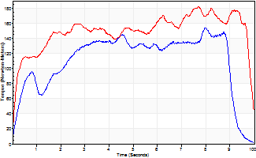
Isometric Extensors (Con) Angle 60 Time 10 Repetition 1 (Best Repetition)
 | Value | Cof Var | %BW
Peak Torque (Newton-Meters)
Right | 153 | 0 | 203
Left | 182 | 0 | 238
Deficit | 16
Average Torque (Newton-Meters)
Right | 110 | 0 | 146
Left | 149 | 0 | 197
Deficit | 26
Peak Torque Slope (Newton-Meters/Seconds)
Right | 19 | 0 | 25
Left | 24 | 0 | 31 |  | Right Side Curves Left Side Curves
Deficit | 19
Time to Half Peak Torque (Seconds)
Right | 0.46 | 0
Left | 0.21 | 0
Time to Peak Torque (Seconds)
Right | 7.99 | 0
Left | 7.68 | 0
HUMAC2015® Version: 15.000.0074 © Computer Sports Medicine, Inc. www.csmisolutions.com

Ark11
Use File, Preference to set Report Heading
Long Form Torque vs. Position Report - Knee Extension/Flexion
Name: |  |  |  | TR024_106, | ID: | TR024_106 | Right/Left: | 02.10.2020 02.10.2020


Right Side Curves Left Side Curves
Isokinetic Con/Con |  |  |  | Extensors (Con) |  | Flexors (Con)
Speed 60/60 d/s 3 Reps |  |  |  | Value | Cof Var | %BW | Value | Cof Var | %BW | Ratio

TORQUE PARAMETERS
Peak Torque (Newton-Meters - Best Repetition)
Right |  |  |  | 183 | 0.04 | 241 | 34 | 0.21 | 45 | 19
Left |  |  |  | 0 | 0 | 0 | 0 | 0 | 0 | 0
Deficit |  |  |  | 0 |  |  | 0
Work per Repetition (Newton-Meters - Best Repetition)
Right |  |  |  | 198 | 0.06 | 259 | 41 | 0.34 | 54 | 21
Left |  |  |  | 0 | 0 | 0 | 0 | 0 | 0 | 0
Deficit |  |  |  | 0 |  |  | 0
Average Power per Repetition (Watts - Best Repetition)
Right |  |  |  | 132 | 0.08 | 174 | 27 | 0.34 | 35 | 20
Left |  |  |  | 0 | 0 | 0 | 0 | 0 | 0 | 0
Deficit |  |  |  | 0 |  |  | 0
POSITION PARAMETERS
Joint Angle at Peak Torque (Degrees)
Right |  |  |  | 61 | 0.05 |  | 36 | 0.67
Left |  |  |  | 0 | 0 |  | 0 | 0
Range of Motion (Degrees)
Right |  |  |  | 1 | 0.07 |  | 90 | 0
Left |  |  |  | 0 | 0 |  | 0 | 0
TIME PARAMETERS
Time to Peak Torque (Seconds)
Right |  |  |  | 0.5 | 0.1 |  | 0.59 | 0.68
Left |  |  |  | 0 | 0 |  | 0 | 0
Time Peak Torque Held (Seconds)
Right |  |  |  | 0.06 | 0.41 |  | 0.07 | 0.44
Left |  |  |  | 0 | 0 |  | 0 | 0
Force Decay Time (Seconds)
Right |  |  |  | 0.98 | 0.08 |  | 0.82 | 0.47
Left |  |  |  | 0 | 0 |  | 0 | 0
Reciprocal Delay (Seconds)
Right |  |  |  | 0.08 | 0.28 |  | 0.15 | 0.27
Left |  |  |  | 0 | 0 |  | 0 | 0
Delay Time (Seconds)
Right |  |  |  | 0.01 | 0 |  | 0.04 | 0.69
Left |  |  |  | 0 | 0 |  | 0 | 0
HUMAC2015® Version: 15.000.0074 © Computer Sports Medicine, Inc. www.csmisolutions.com

Use File, Preference to set Report Heading
Long Form Torque vs. Position Report - Knee Extension/Flexion
Name: |  |  |  | TR024_106, | ID: | TR024_106 | Right/Left: | 02.10.2020 02.10.2020


Right Side Curves Left Side Curves
Isokinetic Con/Con |  |  |  | Extensors (Con) |  | Flexors (Con)
Speed 240/240 d/s 3 Reps |  |  |  | Value | Cof Var | %BW | Value | Cof Var | %BW | Ratio

TORQUE PARAMETERS
Peak Torque (Newton-Meters - Best Repetition)
Right |  |  |  | 108 | 0.05 | 143 | 11 | 0.14 | 15 | 10
Left |  |  |  | 0 | 0 | 0 | 0 | 0 | 0 | 0
Deficit |  |  |  | 0 |  |  | 0
Work per Repetition (Newton-Meters - Best Repetition)
Right |  |  |  | 104 | 0.05 | 137 | 7 | 0.26 | 9 | 6
Left |  |  |  | 0 | 0 | 0 | 0 | 0 | 0 | 0
Deficit |  |  |  | 0 |  |  | 0
Average Power per Repetition (Watts - Best Repetition)
Right |  |  |  | 209 | 0.1 | 275 | 10 | 0.28 | 13 | 5
Left |  |  |  | 0 | 0 | 0 | 0 | 0 | 0 | 0
Deficit |  |  |  | 0 |  |  | 0
POSITION PARAMETERS
Joint Angle at Peak Torque (Degrees)
Right |  |  |  | 57 | 0.15 |  | 40 | 1.05
Left |  |  |  | 0 | 0 |  | 0 | 0
Range of Motion (Degrees)
Right |  |  |  | 2 | 0.02 |  | 90 | 0
Left |  |  |  | 0 | 0 |  | 0 | 0
TIME PARAMETERS
Time to Peak Torque (Seconds)
Right |  |  |  | 0.25 | 0.09 |  | 0.31 | 0.75
Left |  |  |  | 0 | 0 |  | 0 | 0
Time Peak Torque Held (Seconds)
Right |  |  |  | 0.01 | 1 |  | 0.01 | 1.73
Left |  |  |  | 0 | 0 |  | 0 | 0
Force Decay Time (Seconds)
Right |  |  |  | 0.27 | 0.12 |  | 0.32 | 0.74
Left |  |  |  | 0 | 0 |  | 0 | 0
Reciprocal Delay (Seconds)
Right |  |  |  | 0.1 | 0.14 |  | 0.05 | 0.12
Left |  |  |  | 0 | 0 |  | 0 | 0
Delay Time (Seconds)
Right |  |  |  | -0.04 | -0.35 |  | -0.02 | -0.35
Left |  |  |  | 0 | 0 |  | 0 | 0
HUMAC2015® Version: 15.000.0074 © Computer Sports Medicine, Inc. www.csmisolutions.com

Use File, Preference to set Report Heading
Isometric - Knee Extension/Flexion
Name: |  |  |  | TR024_106, | ID: | TR024_106 | Right/Left: | 02.10.2020 02.10.2020


Isometric Extensors (Con) Angle 60 Time 10 Repetition 1 (Best Repetition)
 | Value | Cof Var | %BW
Peak Torque (Newton-Meters)
Right | 236 | 0 | 310
Left | 0 | 0 | 0
Deficit | 0
Average Torque (Newton-Meters)
Right | 165 | 0 | 218
Left | 0 | 0 | 0
Deficit | 0
Peak Torque Slope (Newton-Meters/Seconds)
Right | 34 | 0 | 44
Left | 0 | 0 | 0 |  | Right Side Curves Left Side Curves
Deficit | 0
Time to Half Peak Torque (Seconds)
Right | 0.73 | 0
Left | 0 | 0
Time to Peak Torque (Seconds)
Right | 6.98 | 0
Left | 0 | 0
HUMAC2015® Version: 15.000.0074 © Computer Sports Medicine, Inc. www.csmisolutions.com

Ark12
Use File, Preference to set Report Heading
Long Form Torque vs. Position Report - Knee Extension/Flexion
Name: |  |  |  | TR024_106, | ID: | TR024_106 | Right/Left: | 02.10.2020 02.10.2020


Right Side Curves Left Side Curves
Isokinetic Con/Con |  |  |  | Extensors (Con) |  | Flexors (Con)
Speed 60/60 d/s 3 Reps |  |  |  | Value | Cof Var | %BW | Value | Cof Var | %BW | Ratio

TORQUE PARAMETERS
Peak Torque (Newton-Meters - Best Repetition)
Right |  |  |  | 159 | 0.11 | 209 | 26 | 0.22 | 33 | 16
Left |  |  |  | 0 | 0 | 0 | 0 | 0 | 0 | 0
Deficit |  |  |  | 0 |  |  | 0
Work per Repetition (Newton-Meters - Best Repetition)
Right |  |  |  | 160 | 0.05 | 212 | 31 | 0.34 | 42 | 19
Left |  |  |  | 0 | 0 | 0 | 0 | 0 | 0 | 0
Deficit |  |  |  | 0 |  |  | 0
Average Power per Repetition (Watts - Best Repetition)
Right |  |  |  | 103 | 0.05 | 136 | 21 | 0.33 | 29 | 20
Left |  |  |  | 0 | 0 | 0 | 0 | 0 | 0 | 0
Deficit |  |  |  | 0 |  |  | 0
POSITION PARAMETERS
Joint Angle at Peak Torque (Degrees)
Right |  |  |  | 64 | 0.04 |  | 19 | 0.27
Left |  |  |  | 0 | 0 |  | 0 | 0
Range of Motion (Degrees)
Right |  |  |  | 1 | 0.13 |  | 90 | 0
Left |  |  |  | 0 | 0 |  | 0 | 0
TIME PARAMETERS
Time to Peak Torque (Seconds)
Right |  |  |  | 0.46 | 0.12 |  | 0.27 | 0.24
Left |  |  |  | 0 | 0 |  | 0 | 0
Time Peak Torque Held (Seconds)
Right |  |  |  | 0.08 | 0.4 |  | 0.01 | 1.73
Left |  |  |  | 0 | 0 |  | 0 | 0
Force Decay Time (Seconds)
Right |  |  |  | 1 | 0.08 |  | 1.18 | 0.05
Left |  |  |  | 0 | 0 |  | 0 | 0
Reciprocal Delay (Seconds)
Right |  |  |  | 0.12 | 0.06 |  | 0.08 | 0.12
Left |  |  |  | 0 | 0 |  | 0 | 0
Delay Time (Seconds)
Right |  |  |  | 0 | -1.41 |  | 0.06 | 0.66
Left |  |  |  | 0 | 0 |  | 0 | 0
HUMAC2015® Version: 15.000.0074 © Computer Sports Medicine, Inc. www.csmisolutions.com

Use File, Preference to set Report Heading
Long Form Torque vs. Position Report - Knee Extension/Flexion
Name: |  |  |  | TR024_106, | ID: | TR024_106 | Right/Left: | 02.10.2020 02.10.2020


Right Side Curves Left Side Curves
Isokinetic Con/Con |  |  |  | Extensors (Con) |  | Flexors (Con)
Speed 240/240 d/s 3 Reps |  |  |  | Value | Cof Var | %BW | Value | Cof Var | %BW | Ratio

TORQUE PARAMETERS
Peak Torque (Newton-Meters - Best Repetition)
Right |  |  |  | 106 | 0.05 | 140 | 9 | 0.09 | 12 | 9
Left |  |  |  | 0 | 0 | 0 | 0 | 0 | 0 | 0
Deficit |  |  |  | 0 |  |  | 0
Work per Repetition (Newton-Meters - Best Repetition)
Right |  |  |  | 100 | 0.05 | 131 | 5 | 0.1 | 6 | 5
Left |  |  |  | 0 | 0 | 0 | 0 | 0 | 0 | 0
Deficit |  |  |  | 0 |  |  | 0
Average Power per Repetition (Watts - Best Repetition)
Right |  |  |  | 194 | 0.06 | 255 | 7 | 0.07 | 9 | 4
Left |  |  |  | 0 | 0 | 0 | 0 | 0 | 0 | 0
Deficit |  |  |  | 0 |  |  | 0
POSITION PARAMETERS
Joint Angle at Peak Torque (Degrees)
Right |  |  |  | 52 | 0.01 |  | 39 | 1.09
Left |  |  |  | 0 | 0 |  | 0 | 0
Range of Motion (Degrees)
Right |  |  |  | 2 | 0.03 |  | 90 | 0
Left |  |  |  | 0 | 0 |  | 0 | 0
TIME PARAMETERS
Time to Peak Torque (Seconds)
Right |  |  |  | 0.25 | 0.03 |  | 0.35 | 0.77
Left |  |  |  | 0 | 0 |  | 0 | 0
Time Peak Torque Held (Seconds)
Right |  |  |  | 0.01 | 0 |  | 0.01 | 1.73
Left |  |  |  | 0 | 0 |  | 0 | 0
Force Decay Time (Seconds)
Right |  |  |  | 0.25 | 0.02 |  | 0.31 | 0.84
Left |  |  |  | 0 | 0 |  | 0 | 0
Reciprocal Delay (Seconds)
Right |  |  |  | 0.09 | 0.08 |  | 0.06 | 0.17
Left |  |  |  | 0 | 0 |  | 0 | 0
Delay Time (Seconds)
Right |  |  |  | -0.04 | 0 |  | -0.02 | 0
Left |  |  |  | 0 | 0 |  | 0 | 0
HUMAC2015® Version: 15.000.0074 © Computer Sports Medicine, Inc. www.csmisolutions.com

Use File, Preference to set Report Heading
Isometric - Knee Extension/Flexion
Name: |  |  |  | TR024_106, | ID: | TR024_106 | Right/Left: | 02.10.2020 02.10.2020


Isometric Extensors (Con) Angle 60 Time 10 Repetition 1 (Best Repetition)
 | Value | Cof Var | %BW
Peak Torque (Newton-Meters)
Right | 267 | 0 | 352
Left | 0 | 0 | 0
Deficit | 0
Average Torque (Newton-Meters)
Right | 190 | 0 | 250
Left | 0 | 0 | 0
Deficit | 0
Peak Torque Slope (Newton-Meters/Seconds)
Right | 39 | 0 | 51
Left | 0 | 0 | 0 |  | Right Side Curves Left Side Curves
Deficit | 0
Time to Half Peak Torque (Seconds)
Right | 0.65 | 0
Left | 0 | 0
Time to Peak Torque (Seconds)
Right | 6.81 | 0
Left | 0 | 0
HUMAC2015® Version: 15.000.0074 © Computer Sports Medicine, Inc. www.csmisolutions.com

Ark13
Use File, Preference to set Report Heading
Long Form Torque vs. Position Report - Knee Extension/Flexion
Name: |  |  |  | TR024_106, | ID: | TR024_106 | Right/Left: | 03.10.2020 03.10.2020


Right Side Curves Left Side Curves
Isokinetic Con/Con |  |  |  | Extensors (Con) |  | Flexors (Con)
Speed 60/60 d/s 3 Reps |  |  |  | Value | Cof Var | %BW | Value | Cof Var | %BW | Ratio

TORQUE PARAMETERS
Peak Torque (Newton-Meters - Best Repetition)
Right |  |  |  | 182 | 0.05 | 238 | 30 | 0.24 | 39 | 16
Left |  |  |  | 0 | 0 | 0 | 0 | 0 | 0 | 0
Deficit |  |  |  | 0 |  |  | 0
Work per Repetition (Newton-Meters - Best Repetition)
Right |  |  |  | 195 | 0.02 | 256 | 37 | 0.43 | 48 | 19
Left |  |  |  | 0 | 0 | 0 | 0 | 0 | 0 | 0
Deficit |  |  |  | 0 |  |  | 0
Average Power per Repetition (Watts - Best Repetition)
Right |  |  |  | 128 | 0.02 | 169 | 25 | 0.41 | 33 | 20
Left |  |  |  | 0 | 0 | 0 | 0 | 0 | 0 | 0
Deficit |  |  |  | 0 |  |  | 0
POSITION PARAMETERS
Joint Angle at Peak Torque (Degrees)
Right |  |  |  | 52 | 0.09 |  | 38 | 0.86
Left |  |  |  | 0 | 0 |  | 0 | 0
Range of Motion (Degrees)
Right |  |  |  | 0 | 0.88 |  | 90 | 0
Left |  |  |  | 0 | 0 |  | 0 | 0
TIME PARAMETERS
Time to Peak Torque (Seconds)
Right |  |  |  | 0.58 | 0.09 |  | 0.63 | 0.84
Left |  |  |  | 0 | 0 |  | 0 | 0
Time Peak Torque Held (Seconds)
Right |  |  |  | 0.08 | 0.08 |  | 0.01 | 1.73
Left |  |  |  | 0 | 0 |  | 0 | 0
Force Decay Time (Seconds)
Right |  |  |  | 0.81 | 0.12 |  | 0.82 | 0.6
Left |  |  |  | 0 | 0 |  | 0 | 0
Reciprocal Delay (Seconds)
Right |  |  |  | 0.09 | 0.22 |  | 0.17 | 0.25
Left |  |  |  | 0 | 0 |  | 0 | 0
Delay Time (Seconds)
Right |  |  |  | 0.01 | 0.47 |  | 0.04 | 0.83
Left |  |  |  | 0 | 0 |  | 0 | 0
HUMAC2015® Version: 15.000.0074 © Computer Sports Medicine, Inc. www.csmisolutions.com

Use File, Preference to set Report Heading
Long Form Torque vs. Position Report - Knee Extension/Flexion
Name: |  |  |  | TR024_106, | ID: | TR024_106 | Right/Left: | 03.10.2020 03.10.2020


Right Side Curves Left Side Curves
Isokinetic Con/Con |  |  |  | Extensors (Con) |  | Flexors (Con)
Speed 240/240 d/s 3 Reps |  |  |  | Value | Cof Var | %BW | Value | Cof Var | %BW | Ratio

TORQUE PARAMETERS
Peak Torque (Newton-Meters - Best Repetition)
Right |  |  |  | 113 | 0.06 | 149 | 14 | 0.22 | 18 | 12
Left |  |  |  | 0 | 0 | 0 | 0 | 0 | 0 | 0
Deficit |  |  |  | 0 |  |  | 0
Work per Repetition (Newton-Meters - Best Repetition)
Right |  |  |  | 110 | 0.06 | 146 | 7 | 0.18 | 9 | 6
Left |  |  |  | 0 | 0 | 0 | 0 | 0 | 0 | 0
Deficit |  |  |  | 0 |  |  | 0
Average Power per Repetition (Watts - Best Repetition)
Right |  |  |  | 223 | 0.09 | 295 | 11 | 0.15 | 15 | 5
Left |  |  |  | 0 | 0 | 0 | 0 | 0 | 0 | 0
Deficit |  |  |  | 0 |  |  | 0
POSITION PARAMETERS
Joint Angle at Peak Torque (Degrees)
Right |  |  |  | 50 | 0.01 |  | 62 | 0.73
Left |  |  |  | 0 | 0 |  | 0 | 0
Range of Motion (Degrees)
Right |  |  |  | 2 | 0.03 |  | 90 | 0.01
Left |  |  |  | 0 | 0 |  | 0 | 0
TIME PARAMETERS
Time to Peak Torque (Seconds)
Right |  |  |  | 0.23 | 0 |  | 0.43 | 0.6
Left |  |  |  | 0 | 0 |  | 0 | 0
Time Peak Torque Held (Seconds)
Right |  |  |  | 0.01 | 0 |  | 0.01 | 0.87
Left |  |  |  | 0 | 0 |  | 0 | 0
Force Decay Time (Seconds)
Right |  |  |  | 0.24 | 0.02 |  | 0.17 | 1.42
Left |  |  |  | 0 | 0 |  | 0 | 0
Reciprocal Delay (Seconds)
Right |  |  |  | 0.05 | 0.13 |  | 0.07 | 0.31
Left |  |  |  | 0 | 0 |  | 0 | 0
Delay Time (Seconds)
Right |  |  |  | -0.02 | 0 |  | -0.01 | -0.43
Left |  |  |  | 0 | 0 |  | 0 | 0
HUMAC2015® Version: 15.000.0074 © Computer Sports Medicine, Inc. www.csmisolutions.com

Use File, Preference to set Report Heading
Isometric - Knee Extension/Flexion
Name: |  |  |  | TR024_106, | ID: | TR024_106 | Right/Left: | 03.10.2020 03.10.2020


Isometric Extensors (Con) Angle 60 Time 10 Repetition 1 (Best Repetition)
 | Value | Cof Var | %BW
Peak Torque (Newton-Meters)
Right | 258 | 0 | 340
Left | 0 | 0 | 0
Deficit | 0
Average Torque (Newton-Meters)
Right | 199 | 0 | 262
Left | 0 | 0 | 0
Deficit | 0
Peak Torque Slope (Newton-Meters/Seconds)
Right | 51 | 0 | 68
Left | 0 | 0 | 0 |  | Right Side Curves Left Side Curves
Deficit | 0
Time to Half Peak Torque (Seconds)
Right | 0.16 | 0
Left | 0 | 0
Time to Peak Torque (Seconds)
Right | 5 | 0
Left | 0 | 0
HUMAC2015® Version: 15.000.0074 © Computer Sports Medicine, Inc. www.csmisolutions.com

