Ark1
Use File, Preference to set Report Heading
Long Form Torque vs. Position Report - Knee Extension/Flexion
Name: |  |  |  | TR024_107, | ID: | TR024_107 | Right/Left: | 18.09.2020 18.09.2020
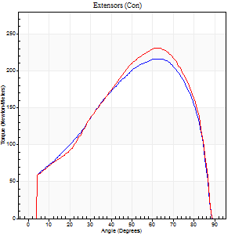
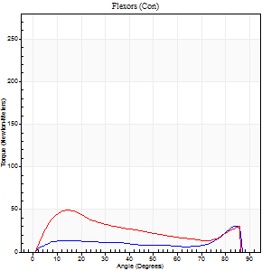
Right Side Curves Left Side Curves
Isokinetic Con/Con |  |  |  | Extensors (Con) |  | Flexors (Con)
Speed 60/60 d/s 3 Reps |  |  |  | Value | Cof Var | %BW | Value | Cof Var | %BW | Ratio

TORQUE PARAMETERS
Peak Torque (Newton-Meters - Best Repetition)
Right |  |  |  | 216 | 0.01 | 319 | 31 | 0.79 | 45 | 14
Left |  |  |  | 231 | 0.02 | 340 | 49 | 0.79 | 72 | 21
Deficit |  |  |  | 6 |  |  | 36
Work per Repetition (Newton-Meters - Best Repetition)
Right |  |  |  | 221 | 0.01 | 325 | 16 | 0.79 | 24 | 7
Left |  |  |  | 228 | 0.02 | 337 | 41 | 0.8 | 60 | 18
Deficit |  |  |  | 3 |  |  | 60
Average Power per Repetition (Watts - Best Repetition)
Right |  |  |  | 144 | 0.01 | 213 | 11 | 0.81 | 15 | 8
Left |  |  |  | 148 | 0.01 | 218 | 27 | 0.82 | 40 | 18
Deficit |  |  |  | 3 |  |  | 59
POSITION PARAMETERS
Joint Angle at Peak Torque (Degrees)
Right |  |  |  | 62 | 0.03 |  | 58 | 0.8
Left |  |  |  | 59 | 0.06 |  | 11 | 0.24
Range of Motion (Degrees)
Right |  |  |  | 0 | 1.41 |  | 89 | 0.02
Left |  |  |  | 0 | 0 |  | 90 | 0.01
TIME PARAMETERS
Time to Peak Torque (Seconds)
Right |  |  |  | 0.44 | 0 |  | 0.97 | 0.75
Left |  |  |  | 0.53 | 0.11 |  | 0.22 | 0.31
Time Peak Torque Held (Seconds)
Right |  |  |  | 0.06 | 0.55 |  | 0 | 1.73
Left |  |  |  | 0.05 | 0.12 |  | 0.04 | 0.58
Force Decay Time (Seconds)
Right |  |  |  | 1.02 | 0.06 |  | 0.6 | 1.6
Left |  |  |  | 0.99 | 0.05 |  | 1.29 | 0.05
Reciprocal Delay (Seconds)
Right |  |  |  | 0.04 | 0 |  | 0.22 | 0.36
Left |  |  |  | 0.08 | 0.28 |  | 0.26 | 0.51
Delay Time (Seconds)
Right |  |  |  | 0.01 | 0.47 |  | 0.06 | 0.67
Left |  |  |  | 0.02 | 0.71 |  | 0.01 | 4.82
HUMAC2015® Version: 15.000.0074 © Computer Sports Medicine, Inc. www.csmisolutions.com

Use File, Preference to set Report Heading
Long Form Torque vs. Position Report - Knee Extension/Flexion
Name: |  |  |  | TR024_107, | ID: | TR024_107 | Right/Left: | 18.09.2020 18.09.2020
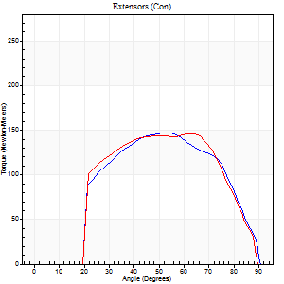
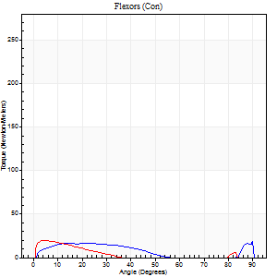
Right Side Curves Left Side Curves
Isokinetic Con/Con |  |  |  | Extensors (Con) |  | Flexors (Con)
Speed 240/240 d/s 3 Reps |  |  |  | Value | Cof Var | %BW | Value | Cof Var | %BW | Ratio

TORQUE PARAMETERS
Peak Torque (Newton-Meters - Best Repetition)
Right |  |  |  | 146 | 0.02 | 215 | 20 | 0.53 | 30 | 14
Left |  |  |  | 146 | 0.01 | 215 | 19 | 0.47 | 27 | 13
Deficit |  |  |  | 0 |  |  | 7
Work per Repetition (Newton-Meters - Best Repetition)
Right |  |  |  | 142 | 0.03 | 209 | 12 | 0.72 | 18 | 9
Left |  |  |  | 142 | 0.03 | 209 | 8 | 0.6 | 12 | 6
Deficit |  |  |  | 0 |  |  | 33
Average Power per Repetition (Watts - Best Repetition)
Right |  |  |  | 270 | 0.05 | 398 | 22 | 0.81 | 33 | 8
Left |  |  |  | 266 | 0.01 | 393 | 12 | 0.72 | 18 | 5
Deficit |  |  |  | 1 |  |  | 45
POSITION PARAMETERS
Joint Angle at Peak Torque (Degrees)
Right |  |  |  | 52 | 0.01 |  | 60 | 0.83
Left |  |  |  | 53 | 0.19 |  | 31 | 1.61
Range of Motion (Degrees)
Right |  |  |  | 0 | 1.41 |  | 90 | 0.01
Left |  |  |  | 0 | 1.41 |  | 89 | 0.01
TIME PARAMETERS
Time to Peak Torque (Seconds)
Right |  |  |  | 0.22 | 0.03 |  | 0.4 | 0.58
Left |  |  |  | 0.2 | 0.28 |  | 0.24 | 1.27
Time Peak Torque Held (Seconds)
Right |  |  |  | 0.02 | 0.35 |  | 0.01 | 0.87
Left |  |  |  | 0.01 | 0 |  | 0 | 0
Force Decay Time (Seconds)
Right |  |  |  | 0.3 | 0.02 |  | 0.37 | 1.73
Left |  |  |  | 0.3 | 0.19 |  | 0.61 | 0.9
Reciprocal Delay (Seconds)
Right |  |  |  | 0.07 | 0.4 |  | 0.3 | 1.16
Left |  |  |  | 0.05 | 0.28 |  | 0.24 | 0.92
Delay Time (Seconds)
Right |  |  |  | -0.01 | -0.47 |  | 0 | 11.36
Left |  |  |  | -0.01 | -1.41 |  | -0.03 | -0.94
HUMAC2015® Version: 15.000.0074 © Computer Sports Medicine, Inc. www.csmisolutions.com

Use File, Preference to set Report Heading
Isometric - Knee Extension/Flexion
Name: |  |  |  | TR024_107, | ID: | TR024_107 | Right/Left: | 18.09.2020 18.09.2020

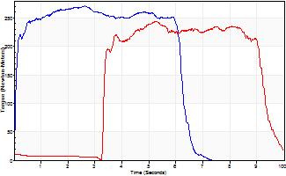
Isometric Extensors (Con) Angle 60 Time 10 Repetition 1 (Best Repetition)
 | Value | Cof Var | %BW
Peak Torque (Newton-Meters)
Right | 271 | 0 | 399
Left | 244 | 0 | 361
Deficit | 10
Average Torque (Newton-Meters)
Right | 159 | 0 | 235
Left | 138 | 0 | 203
Deficit | 13
Peak Torque Slope (Newton-Meters/Seconds)
Right | 103 | 0 | 152
Left | 46 | 0 | 69 |  | Right Side Curves Left Side Curves
Deficit | 55
Time to Half Peak Torque (Seconds)
Right | 0.08 | 0
Left | 3.34 | 0
Time to Peak Torque (Seconds)
Right | 2.62 | 0
Left | 5.24 | 0
HUMAC2015® Version: 15.000.0074 © Computer Sports Medicine, Inc. www.csmisolutions.com

Ark2
Use File, Preference to set Report Heading
Long Form Torque vs. Position Report - Knee Extension/Flexion
Name: |  |  |  | TR024_107, | ID: | TR024_107 | Right/Left: | 20.09.2020 20.09.2020
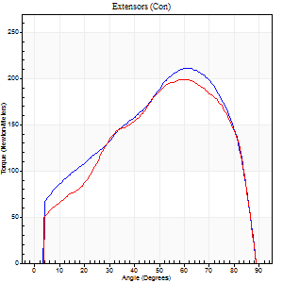
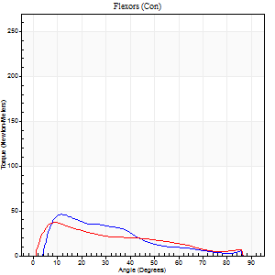
Right Side Curves Left Side Curves
Isokinetic Con/Con |  |  |  | Extensors (Con) |  | Flexors (Con)
Speed 60/60 d/s 3 Reps |  |  |  | Value | Cof Var | %BW | Value | Cof Var | %BW | Ratio

TORQUE PARAMETERS
Peak Torque (Newton-Meters - Best Repetition)
Right |  |  |  | 212 | 0.05 | 313 | 46 | 0.51 | 69 | 22
Left |  |  |  | 199 | 0.01 | 295 | 37 | 0.38 | 54 | 18
Deficit |  |  |  | 6 |  |  | 21
Work per Repetition (Newton-Meters - Best Repetition)
Right |  |  |  | 217 | 0.03 | 319 | 30 | 0.35 | 45 | 14
Left |  |  |  | 209 | 0.01 | 307 | 27 | 0.16 | 39 | 13
Deficit |  |  |  | 4 |  |  | 9
Average Power per Repetition (Watts - Best Repetition)
Right |  |  |  | 139 | 0.03 | 204 | 20 | 0.35 | 29 | 14
Left |  |  |  | 132 | 0 | 196 | 18 | 0.16 | 26 | 14
Deficit |  |  |  | 5 |  |  | 10
POSITION PARAMETERS
Joint Angle at Peak Torque (Degrees)
Right |  |  |  | 63 | 0.05 |  | 38 | 1.09
Left |  |  |  | 62 | 0.07 |  | 27 | 0.77
Range of Motion (Degrees)
Right |  |  |  | 0 | -0.28 |  | 90 | 0
Left |  |  |  | 0 | -1.41 |  | 90 | 0
TIME PARAMETERS
Time to Peak Torque (Seconds)
Right |  |  |  | 0.46 | 0 |  | 0.62 | 1.21
Left |  |  |  | 0.5 | 0 |  | 0.47 | 0.78
Time Peak Torque Held (Seconds)
Right |  |  |  | 0.07 | 0.43 |  | 0.03 | 1.15
Left |  |  |  | 0.04 | 0.16 |  | 0 | 0
Force Decay Time (Seconds)
Right |  |  |  | 1.05 | 0.02 |  | 0.83 | 0.8
Left |  |  |  | 1.04 | 0.06 |  | 1.06 | 0.37
Reciprocal Delay (Seconds)
Right |  |  |  | 0.11 | 0.18 |  | 0.23 | 0.46
Left |  |  |  | 0.12 | 0.06 |  | 0.26 | 0.38
Delay Time (Seconds)
Right |  |  |  | 0.01 | 0.47 |  | 0.05 | 1.03
Left |  |  |  | 0.02 | 0.28 |  | 0.01 | 1
HUMAC2015® Version: 15.000.0074 © Computer Sports Medicine, Inc. www.csmisolutions.com

Use File, Preference to set Report Heading
Long Form Torque vs. Position Report - Knee Extension/Flexion
Name: |  |  |  | TR024_107, | ID: | TR024_107 | Right/Left: | 20.09.2020 20.09.2020
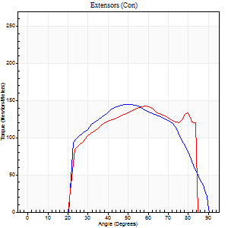
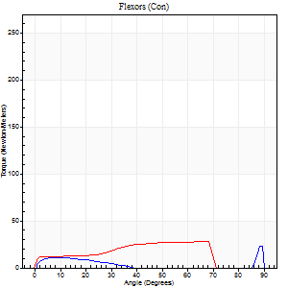
Right Side Curves Left Side Curves
Isokinetic Con/Con |  |  |  | Extensors (Con) |  | Flexors (Con)
Speed 240/240 d/s 3 Reps |  |  |  | Value | Cof Var | %BW | Value | Cof Var | %BW | Ratio

TORQUE PARAMETERS
Peak Torque (Newton-Meters - Best Repetition)
Right |  |  |  | 145 | 0.05 | 215 | 23 | 0.76 | 33 | 16
Left |  |  |  | 142 | 0.06 | 209 | 27 | 0.49 | 39 | 19
Deficit |  |  |  | 2 |  |  | 15
Work per Repetition (Newton-Meters - Best Repetition)
Right |  |  |  | 137 | 0.02 | 203 | 5 | 0.34 | 9 | 4
Left |  |  |  | 132 | 0.06 | 194 | 24 | 0.56 | 36 | 19
Deficit |  |  |  | 4 |  |  | 78
Average Power per Repetition (Watts - Best Repetition)
Right |  |  |  | 263 | 0.03 | 389 | 8 | 0.42 | 11 | 3
Left |  |  |  | 267 | 0.06 | 393 | 44 | 0.58 | 66 | 16
Deficit |  |  |  | 1 |  |  | 82
POSITION PARAMETERS
Joint Angle at Peak Torque (Degrees)
Right |  |  |  | 52 | 0.03 |  | 36 | 1.28
Left |  |  |  | 52 | 0.12 |  | 53 | 0.78
Range of Motion (Degrees)
Right |  |  |  | 0 | 4.24 |  | 89 | 0.01
Left |  |  |  | 0 | 1.41 |  | 87 | 0.03
TIME PARAMETERS
Time to Peak Torque (Seconds)
Right |  |  |  | 0.19 | 0.04 |  | 0.35 | 0.82
Left |  |  |  | 0.21 | 0.07 |  | 0.37 | 0.46
Time Peak Torque Held (Seconds)
Right |  |  |  | 0.02 | 0.25 |  | 0.02 | 1.25
Left |  |  |  | 0.02 | 1 |  | 0.01 | 1.73
Force Decay Time (Seconds)
Right |  |  |  | 0.3 | 0.02 |  | 0.4 | 0.89
Left |  |  |  | 0.3 | 0.15 |  | 0.19 | 1.03
Reciprocal Delay (Seconds)
Right |  |  |  | 0.05 | 0.28 |  | 0.23 | 0.4
Left |  |  |  | 0.05 | 0.16 |  | 0.22 | 0.11
Delay Time (Seconds)
Right |  |  |  | -0.01 | 0 |  | 0.02 | 1.25
Left |  |  |  | 0 | -1.41 |  | -0.02 | -0.49
HUMAC2015® Version: 15.000.0074 © Computer Sports Medicine, Inc. www.csmisolutions.com

Use File, Preference to set Report Heading
Isometric - Knee Extension/Flexion
Name: |  |  |  | TR024_107, | ID: | TR024_107 | Right/Left: | 20.09.2020 20.09.2020

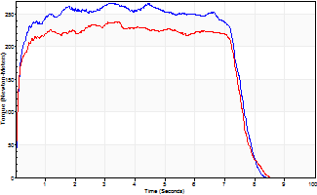
Isometric Extensors (Con) Angle 60 Time 10 Repetition 1 (Best Repetition)
 | Value | Cof Var | %BW
Peak Torque (Newton-Meters)
Right | 267 | 0 | 393
Left | 239 | 0 | 352
Deficit | 11
Average Torque (Newton-Meters)
Right | 188 | 0 | 277
Left | 167 | 0 | 247
Deficit | 12
Peak Torque Slope (Newton-Meters/Seconds)
Right | 84 | 0 | 124
Left | 71 | 0 | 104 |  | Right Side Curves Left Side Curves
Deficit | 16
Time to Half Peak Torque (Seconds)
Right | 0.1 | 0
Left | 0.09 | 0
Time to Peak Torque (Seconds)
Right | 3.16 | 0
Left | 3.36 | 0
HUMAC2015® Version: 15.000.0074 © Computer Sports Medicine, Inc. www.csmisolutions.com

Ark3
Use File, Preference to set Report Heading
Long Form Torque vs. Position Report - Knee Extension/Flexion
Name: |  |  |  | TR024_107, | ID: | TR024_107 | Right/Left: | 24.09.2020 24.09.2020
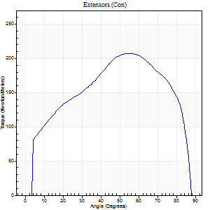
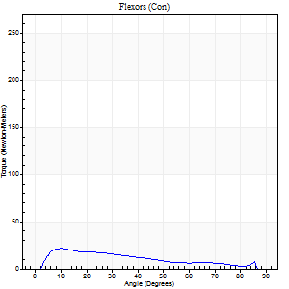
Right Side Curves Left Side Curves
Isokinetic Con/Con |  |  |  | Extensors (Con) |  | Flexors (Con)
Speed 60/60 d/s 3 Reps |  |  |  | Value | Cof Var | %BW | Value | Cof Var | %BW | Ratio

TORQUE PARAMETERS
Peak Torque (Newton-Meters - Best Repetition)
Right |  |  |  | 207 | 0.04 | 307 | 22 | 0.6 | 33 | 10
Left |  |  |  | 0 | 0 | 0 | 0 | 0 | 0 | 0
Deficit |  |  |  | 0 |  |  | 0
Work per Repetition (Newton-Meters - Best Repetition)
Right |  |  |  | 229 | 0.03 | 337 | 16 | 0.69 | 24 | 7
Left |  |  |  | 0 | 0 | 0 | 0 | 0 | 0 | 0
Deficit |  |  |  | 0 |  |  | 0
Average Power per Repetition (Watts - Best Repetition)
Right |  |  |  | 149 | 0.03 | 220 | 11 | 0.71 | 15 | 7
Left |  |  |  | 0 | 0 | 0 | 0 | 0 | 0 | 0
Deficit |  |  |  | 0 |  |  | 0
POSITION PARAMETERS
Joint Angle at Peak Torque (Degrees)
Right |  |  |  | 56 | 0.01 |  | 33 | 1.43
Left |  |  |  | 0 | 0 |  | 0 | 0
Range of Motion (Degrees)
Right |  |  |  | 0 | 0 |  | 89 | 0.01
Left |  |  |  | 0 | 0 |  | 0 | 0
TIME PARAMETERS
Time to Peak Torque (Seconds)
Right |  |  |  | 0.54 | 0.03 |  | 0.56 | 1.39
Left |  |  |  | 0 | 0 |  | 0 | 0
Time Peak Torque Held (Seconds)
Right |  |  |  | 0.06 | 0.41 |  | 0.01 | 0.87
Left |  |  |  | 0 | 0 |  | 0 | 0
Force Decay Time (Seconds)
Right |  |  |  | 0.93 | 0.03 |  | 0.95 | 0.85
Left |  |  |  | 0 | 0 |  | 0 | 0
Reciprocal Delay (Seconds)
Right |  |  |  | 0.05 | 0.16 |  | 0.29 | 0.38
Left |  |  |  | 0 | 0 |  | 0 | 0
Delay Time (Seconds)
Right |  |  |  | 0.01 | 1.41 |  | 0.02 | 2.71
Left |  |  |  | 0 | 0 |  | 0 | 0
HUMAC2015® Version: 15.000.0074 © Computer Sports Medicine, Inc. www.csmisolutions.com

Use File, Preference to set Report Heading
Long Form Torque vs. Position Report - Knee Extension/Flexion
Name: |  |  |  | TR024_107, | ID: | TR024_107 | Right/Left: | 24.09.2020 24.09.2020
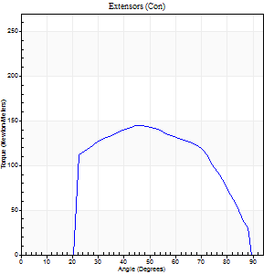
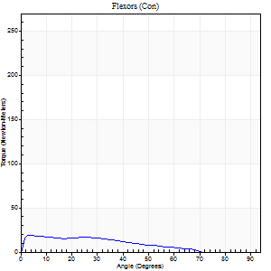
Right Side Curves Left Side Curves
Isokinetic Con/Con |  |  |  | Extensors (Con) |  | Flexors (Con)
Speed 240/240 d/s 3 Reps |  |  |  | Value | Cof Var | %BW | Value | Cof Var | %BW | Ratio

TORQUE PARAMETERS
Peak Torque (Newton-Meters - Best Repetition)
Right |  |  |  | 145 | 0.02 | 215 | 19 | 0.34 | 27 | 13
Left |  |  |  | 0 | 0 | 0 | 0 | 0 | 0 | 0
Deficit |  |  |  | 0 |  |  | 0
Work per Repetition (Newton-Meters - Best Repetition)
Right |  |  |  | 137 | 0.02 | 203 | 15 | 0.23 | 21 | 11
Left |  |  |  | 0 | 0 | 0 | 0 | 0 | 0 | 0
Deficit |  |  |  | 0 |  |  | 0
Average Power per Repetition (Watts - Best Repetition)
Right |  |  |  | 274 | 0.03 | 404 | 29 | 0.26 | 42 | 11
Left |  |  |  | 0 | 0 | 0 | 0 | 0 | 0 | 0
Deficit |  |  |  | 0 |  |  | 0
POSITION PARAMETERS
Joint Angle at Peak Torque (Degrees)
Right |  |  |  | 48 | 0.02 |  | 19 | 1.16
Left |  |  |  | 0 | 0 |  | 0 | 0
Range of Motion (Degrees)
Right |  |  |  | 1 | 0.16 |  | 89 | 0.01
Left |  |  |  | 0 | 0 |  | 0 | 0
TIME PARAMETERS
Time to Peak Torque (Seconds)
Right |  |  |  | 0.22 | 0.03 |  | 0.16 | 0.74
Left |  |  |  | 0 | 0 |  | 0 | 0
Time Peak Torque Held (Seconds)
Right |  |  |  | 0.01 | 0.43 |  | 0 | 1.73
Left |  |  |  | 0 | 0 |  | 0 | 0
Force Decay Time (Seconds)
Right |  |  |  | 0.26 | 0 |  | 0.35 | 0.37
Left |  |  |  | 0 | 0 |  | 0 | 0
Reciprocal Delay (Seconds)
Right |  |  |  | 0.04 | 0.2 |  | 0.1 | 0.16
Left |  |  |  | 0 | 0 |  | 0 | 0
Delay Time (Seconds)
Right |  |  |  | -0.01 | 0 |  | 0 | 0
Left |  |  |  | 0 | 0 |  | 0 | 0
HUMAC2015® Version: 15.000.0074 © Computer Sports Medicine, Inc. www.csmisolutions.com

Use File, Preference to set Report Heading
Isometric - Knee Extension/Flexion
Name: |  |  |  | TR024_107, | ID: | TR024_107 | Right/Left: | 24.09.2020 24.09.2020

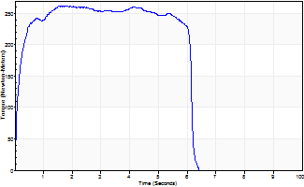
Isometric Extensors (Con) Angle 60 Time 10 Repetition 1 (Best Repetition)
 | Value | Cof Var | %BW
Peak Torque (Newton-Meters)
Right | 262 | 0 | 387
Left | 0 | 0 | 0
Deficit | 0
Average Torque (Newton-Meters)
Right | 151 | 0 | 221
Left | 0 | 0 | 0
Deficit | 0
Peak Torque Slope (Newton-Meters/Seconds)
Right | 170 | 0 | 251
Left | 0 | 0 | 0 |  | Right Side Curves Left Side Curves
Deficit | 0
Time to Half Peak Torque (Seconds)
Right | 0.12 | 0
Left | 0 | 0
Time to Peak Torque (Seconds)
Right | 1.53 | 0
Left | 0 | 0
HUMAC2015® Version: 15.000.0074 © Computer Sports Medicine, Inc. www.csmisolutions.com

Ark4
Use File, Preference to set Report Heading
Long Form Torque vs. Position Report - Knee Extension/Flexion
Name: |  |  |  | TR024_107, | ID: | TR024_107 | Right/Left: | 25.09.2020 25.09.2020
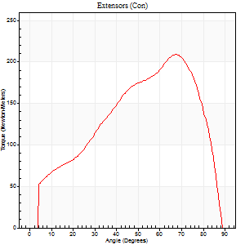
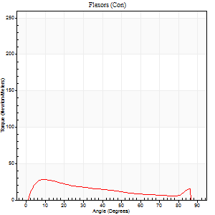
Right Side Curves Left Side Curves
Isokinetic Con/Con |  |  |  | Extensors (Con) |  | Flexors (Con)
Speed 60/60 d/s 3 Reps |  |  |  | Value | Cof Var | %BW | Value | Cof Var | %BW | Ratio

TORQUE PARAMETERS
Peak Torque (Newton-Meters - Best Repetition)
Right |  |  |  | 0 | 0 | 0 | 0 | 0 | 0 | 0
Left |  |  |  | 209 | 0.04 | 307 | 27 | 0.2 | 39 | 13
Deficit |  |  |  | 0 |  |  | 0
Work per Repetition (Newton-Meters - Best Repetition)
Right |  |  |  | 0 | 0 | 0 | 0 | 0 | 0 | 0
Left |  |  |  | 199 | 0.02 | 295 | 22 | 0.13 | 33 | 11
Deficit |  |  |  | 0 |  |  | 0
Average Power per Repetition (Watts - Best Repetition)
Right |  |  |  | 0 | 0 | 0 | 0 | 0 | 0 | 0
Left |  |  |  | 132 | 0.03 | 196 | 14 | 0.14 | 20 | 11
Deficit |  |  |  | 0 |  |  | 0
POSITION PARAMETERS
Joint Angle at Peak Torque (Degrees)
Right |  |  |  | 0 | 0 |  | 0 | 0
Left |  |  |  | 68 | 0.02 |  | 15 | 0.35
Range of Motion (Degrees)
Right |  |  |  | 0 | 0 |  | 0 | 0
Left |  |  |  | 0 | 1.41 |  | 88 | 0.02
TIME PARAMETERS
Time to Peak Torque (Seconds)
Right |  |  |  | 0 | 0 |  | 0 | 0
Left |  |  |  | 0.35 | 0.08 |  | 0.27 | 0.39
Time Peak Torque Held (Seconds)
Right |  |  |  | 0 | 0 |  | 0 | 0
Left |  |  |  | 0.05 | 0.54 |  | 0.04 | 1.15
Force Decay Time (Seconds)
Right |  |  |  | 0 | 0 |  | 0 | 0
Left |  |  |  | 1.13 | 0.03 |  | 1.21 | 0.1
Reciprocal Delay (Seconds)
Right |  |  |  | 0 | 0 |  | 0 | 0
Left |  |  |  | 0.06 | 0.11 |  | 0.24 | 0.2
Delay Time (Seconds)
Right |  |  |  | 0 | 0 |  | 0 | 0
Left |  |  |  | 0.01 | 0 |  | 0.01 | 3.46
HUMAC2015® Version: 15.000.0074 © Computer Sports Medicine, Inc. www.csmisolutions.com

Use File, Preference to set Report Heading
Long Form Torque vs. Position Report - Knee Extension/Flexion
Name: |  |  |  | TR024_107, | ID: | TR024_107 | Right/Left: | 25.09.2020 25.09.2020
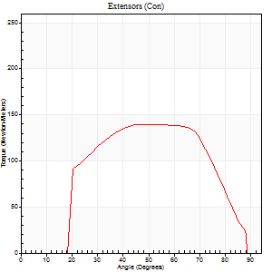
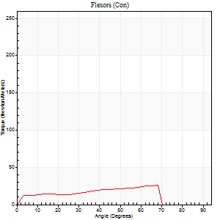
Right Side Curves Left Side Curves
Isokinetic Con/Con |  |  |  | Extensors (Con) |  | Flexors (Con)
Speed 240/240 d/s 3 Reps |  |  |  | Value | Cof Var | %BW | Value | Cof Var | %BW | Ratio

TORQUE PARAMETERS
Peak Torque (Newton-Meters - Best Repetition)
Right |  |  |  | 0 | 0 | 0 | 0 | 0 | 0 | 0
Left |  |  |  | 140 | 0.02 | 206 | 26 | 0.44 | 39 | 18
Deficit |  |  |  | 0 |  |  | 0
Work per Repetition (Newton-Meters - Best Repetition)
Right |  |  |  | 0 | 0 | 0 | 0 | 0 | 0 | 0
Left |  |  |  | 137 | 0.03 | 203 | 22 | 0.48 | 33 | 16
Deficit |  |  |  | 0 |  |  | 0
Average Power per Repetition (Watts - Best Repetition)
Right |  |  |  | 0 | 0 | 0 | 0 | 0 | 0 | 0
Left |  |  |  | 278 | 0.07 | 411 | 37 | 0.53 | 55 | 13
Deficit |  |  |  | 0 |  |  | 0
POSITION PARAMETERS
Joint Angle at Peak Torque (Degrees)
Right |  |  |  | 0 | 0 |  | 0 | 0
Left |  |  |  | 53 | 0.02 |  | 26 | 1.4
Range of Motion (Degrees)
Right |  |  |  | 0 | 0 |  | 0 | 0
Left |  |  |  | 0 | 1.23 |  | 89 | 0.01
TIME PARAMETERS
Time to Peak Torque (Seconds)
Right |  |  |  | 0 | 0 |  | 0 | 0
Left |  |  |  | 0.19 | 0.04 |  | 0.23 | 0.8
Time Peak Torque Held (Seconds)
Right |  |  |  | 0 | 0 |  | 0 | 0
Left |  |  |  | 0.02 | 0.35 |  | 0.04 | 1.73
Force Decay Time (Seconds)
Right |  |  |  | 0 | 0 |  | 0 | 0
Left |  |  |  | 0.29 | 0.1 |  | 0.31 | 0.54
Reciprocal Delay (Seconds)
Right |  |  |  | 0 | 0 |  | 0 | 0
Left |  |  |  | 0.04 | 0.2 |  | 0.17 | 0.78
Delay Time (Seconds)
Right |  |  |  | 0 | 0 |  | 0 | 0
Left |  |  |  | 0 | 1.41 |  | -0.04 | -0.43
HUMAC2015® Version: 15.000.0074 © Computer Sports Medicine, Inc. www.csmisolutions.com

Use File, Preference to set Report Heading
Isometric - Knee Extension/Flexion
Name: |  |  |  | TR024_107, | ID: | TR024_107 | Right/Left: | 25.09.2020 25.09.2020

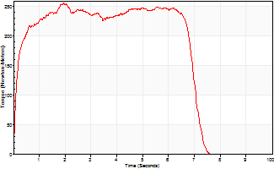
Isometric Extensors (Con) Angle 60 Time 10 Repetition 1 (Best Repetition)
 | Value | Cof Var | %BW
Peak Torque (Newton-Meters)
Right | 0 | 0 | 0
Left | 256 | 0 | 378
Deficit | 0
Average Torque (Newton-Meters)
Right | 0 | 0 | 0
Left | 163 | 0 | 241
Deficit | 0
Peak Torque Slope (Newton-Meters/Seconds)
Right | 0 | 0 | 0
Left | 132 | 0 | 195 |  | Right Side Curves Left Side Curves
Deficit | 0
Time to Half Peak Torque (Seconds)
Right | 0 | 0
Left | 0.13 | 0
Time to Peak Torque (Seconds)
Right | 0 | 0
Left | 1.93 | 0
HUMAC2015® Version: 15.000.0074 © Computer Sports Medicine, Inc. www.csmisolutions.com

Ark5
Use File, Preference to set Report Heading
Long Form Torque vs. Position Report - Knee Extension/Flexion
Name: |  |  |  | TR024_107, | ID: | TR024_107 | Right/Left: | 28.09.2020 28.09.2020
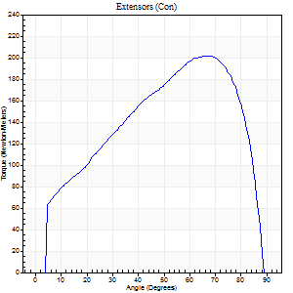
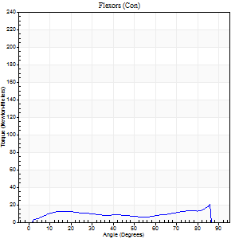
Right Side Curves Left Side Curves
Isokinetic Con/Con |  |  |  | Extensors (Con) |  | Flexors (Con)
Speed 60/60 d/s 3 Reps |  |  |  | Value | Cof Var | %BW | Value | Cof Var | %BW | Ratio

TORQUE PARAMETERS
Peak Torque (Newton-Meters - Best Repetition)
Right |  |  |  | 202 | 0.04 | 298 | 20 | 0.46 | 30 | 10
Left |  |  |  | 0 | 0 | 0 | 0 | 0 | 0 | 0
Deficit |  |  |  | 0 |  |  | 0
Work per Repetition (Newton-Meters - Best Repetition)
Right |  |  |  | 210 | 0.08 | 310 | 14 | 0.45 | 21 | 6
Left |  |  |  | 0 | 0 | 0 | 0 | 0 | 0 | 0
Deficit |  |  |  | 0 |  |  | 0
Average Power per Repetition (Watts - Best Repetition)
Right |  |  |  | 136 | 0.07 | 200 | 9 | 0.46 | 13 | 7
Left |  |  |  | 0 | 0 | 0 | 0 | 0 | 0 | 0
Deficit |  |  |  | 0 |  |  | 0
POSITION PARAMETERS
Joint Angle at Peak Torque (Degrees)
Right |  |  |  | 67 | 0.03 |  | 62 | 0.69
Left |  |  |  | 0 | 0 |  | 0 | 0
Range of Motion (Degrees)
Right |  |  |  | 0 | -1.41 |  | 90 | 0
Left |  |  |  | 0 | 0 |  | 0 | 0
TIME PARAMETERS
Time to Peak Torque (Seconds)
Right |  |  |  | 0.35 | 0.12 |  | 1.05 | 0.66
Left |  |  |  | 0 | 0 |  | 0 | 0
Time Peak Torque Held (Seconds)
Right |  |  |  | 0.05 | 0.22 |  | 0.02 | 1.73
Left |  |  |  | 0 | 0 |  | 0 | 0
Force Decay Time (Seconds)
Right |  |  |  | 1.12 | 0.03 |  | 0.48 | 1.41
Left |  |  |  | 0 | 0 |  | 0 | 0
Reciprocal Delay (Seconds)
Right |  |  |  | 0.1 | 0.42 |  | 0.26 | 0.21
Left |  |  |  | 0 | 0 |  | 0 | 0
Delay Time (Seconds)
Right |  |  |  | 0.02 | 0.28 |  | 0.04 | 0.42
Left |  |  |  | 0 | 0 |  | 0 | 0
HUMAC2015® Version: 15.000.0074 © Computer Sports Medicine, Inc. www.csmisolutions.com

Use File, Preference to set Report Heading
Long Form Torque vs. Position Report - Knee Extension/Flexion
Name: |  |  |  | TR024_107, | ID: | TR024_107 | Right/Left: | 28.09.2020 28.09.2020
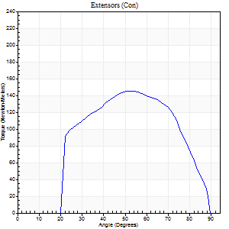
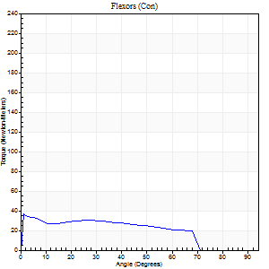
Right Side Curves Left Side Curves
Isokinetic Con/Con |  |  |  | Extensors (Con) |  | Flexors (Con)
Speed 240/240 d/s 3 Reps |  |  |  | Value | Cof Var | %BW | Value | Cof Var | %BW | Ratio

TORQUE PARAMETERS
Peak Torque (Newton-Meters - Best Repetition)
Right |  |  |  | 145 | 0.05 | 215 | 37 | 0.56 | 54 | 25
Left |  |  |  | 0 | 0 | 0 | 0 | 0 | 0 | 0
Deficit |  |  |  | 0 |  |  | 0
Work per Repetition (Newton-Meters - Best Repetition)
Right |  |  |  | 134 | 0.05 | 197 | 33 | 0.63 | 48 | 24
Left |  |  |  | 0 | 0 | 0 | 0 | 0 | 0 | 0
Deficit |  |  |  | 0 |  |  | 0
Average Power per Repetition (Watts - Best Repetition)
Right |  |  |  | 280 | 0.08 | 413 | 60 | 0.67 | 88 | 21
Left |  |  |  | 0 | 0 | 0 | 0 | 0 | 0 | 0
Deficit |  |  |  | 0 |  |  | 0
POSITION PARAMETERS
Joint Angle at Peak Torque (Degrees)
Right |  |  |  | 53 | 0.01 |  | 24 | 1.66
Left |  |  |  | 0 | 0 |  | 0 | 0
Range of Motion (Degrees)
Right |  |  |  | 1 | 0.47 |  | 89 | 0.01
Left |  |  |  | 0 | 0 |  | 0 | 0
TIME PARAMETERS
Time to Peak Torque (Seconds)
Right |  |  |  | 0.19 | 0 |  | 0.17 | 1.12
Left |  |  |  | 0 | 0 |  | 0 | 0
Time Peak Torque Held (Seconds)
Right |  |  |  | 0.02 | 0.35 |  | 0 | 1.73
Left |  |  |  | 0 | 0 |  | 0 | 0
Force Decay Time (Seconds)
Right |  |  |  | 0.28 | 0.06 |  | 0.4 | 0.6
Left |  |  |  | 0 | 0 |  | 0 | 0
Reciprocal Delay (Seconds)
Right |  |  |  | 0.05 | 0 |  | 0.11 | 0.42
Left |  |  |  | 0 | 0 |  | 0 | 0
Delay Time (Seconds)
Right |  |  |  | -0.01 | 0 |  | -0.04 | -0.93
Left |  |  |  | 0 | 0 |  | 0 | 0
HUMAC2015® Version: 15.000.0074 © Computer Sports Medicine, Inc. www.csmisolutions.com

Use File, Preference to set Report Heading
Isometric - Knee Extension/Flexion
Name: |  |  |  | TR024_107, | ID: | TR024_107 | Right/Left: | 28.09.2020 28.09.2020

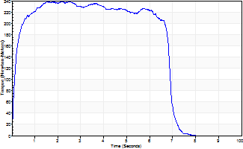
Isometric Extensors (Con) Angle 60 Time 10 Repetition 1 (Best Repetition)
 | Value | Cof Var | %BW
Peak Torque (Newton-Meters)
Right | 239 | 0 | 352
Left | 0 | 0 | 0
Deficit | 0
Average Torque (Newton-Meters)
Right | 152 | 0 | 224
Left | 0 | 0 | 0
Deficit | 0
Peak Torque Slope (Newton-Meters/Seconds)
Right | 111 | 0 | 164
Left | 0 | 0 | 0 |  | Right Side Curves Left Side Curves
Deficit | 0
Time to Half Peak Torque (Seconds)
Right | 0.15 | 0
Left | 0 | 0
Time to Peak Torque (Seconds)
Right | 2.14 | 0
Left | 0 | 0
HUMAC2015® Version: 15.000.0074 © Computer Sports Medicine, Inc. www.csmisolutions.com

Ark6
Use File, Preference to set Report Heading
Long Form Torque vs. Position Report - Knee Extension/Flexion
Name: |  |  |  | TR024_107, | ID: | TR024_107 | Right/Left: | 29.09.2020 29.09.2020
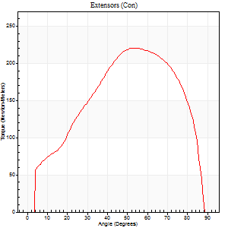
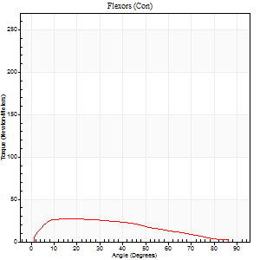
Right Side Curves Left Side Curves
Isokinetic Con/Con |  |  |  | Extensors (Con) |  | Flexors (Con)
Speed 60/60 d/s 3 Reps |  |  |  | Value | Cof Var | %BW | Value | Cof Var | %BW | Ratio

TORQUE PARAMETERS
Peak Torque (Newton-Meters - Best Repetition)
Right |  |  |  | 0 | 0 | 0 | 0 | 0 | 0 | 0
Left |  |  |  | 221 | 0.06 | 325 | 27 | 0.1 | 39 | 12
Deficit |  |  |  | 0 |  |  | 0
Work per Repetition (Newton-Meters - Best Repetition)
Right |  |  |  | 0 | 0 | 0 | 0 | 0 | 0 | 0
Left |  |  |  | 229 | 0.07 | 337 | 27 | 0.05 | 39 | 12
Deficit |  |  |  | 0 |  |  | 0
Average Power per Repetition (Watts - Best Repetition)
Right |  |  |  | 0 | 0 | 0 | 0 | 0 | 0 | 0
Left |  |  |  | 150 | 0.07 | 222 | 17 | 0.03 | 24 | 11
Deficit |  |  |  | 0 |  |  | 0
POSITION PARAMETERS
Joint Angle at Peak Torque (Degrees)
Right |  |  |  | 0 | 0 |  | 0 | 0
Left |  |  |  | 57 | 0.13 |  | 16 | 0.2
Range of Motion (Degrees)
Right |  |  |  | 0 | 0 |  | 0 | 0
Left |  |  |  | 0 | 0.47 |  | 90 | 0
TIME PARAMETERS
Time to Peak Torque (Seconds)
Right |  |  |  | 0 | 0 |  | 0 | 0
Left |  |  |  | 0.61 | 0.06 |  | 0.28 | 0.15
Time Peak Torque Held (Seconds)
Right |  |  |  | 0 | 0 |  | 0 | 0
Left |  |  |  | 0.05 | 0.29 |  | 0.09 | 0.91
Force Decay Time (Seconds)
Right |  |  |  | 0 | 0 |  | 0 | 0
Left |  |  |  | 0.94 | 0.14 |  | 1.16 | 0.07
Reciprocal Delay (Seconds)
Right |  |  |  | 0 | 0 |  | 0 | 0
Left |  |  |  | 0.12 | 0.06 |  | 0.2 | 0.23
Delay Time (Seconds)
Right |  |  |  | 0 | 0 |  | 0 | 0
Left |  |  |  | 0.03 | 0.47 |  | 0.01 | 1
HUMAC2015® Version: 15.000.0074 © Computer Sports Medicine, Inc. www.csmisolutions.com

Use File, Preference to set Report Heading
Long Form Torque vs. Position Report - Knee Extension/Flexion
Name: |  |  |  | TR024_107, | ID: | TR024_107 | Right/Left: | 29.09.2020 29.09.2020
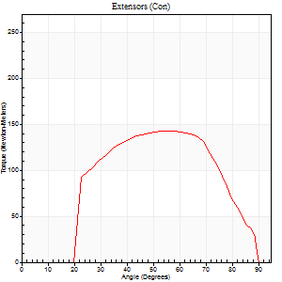
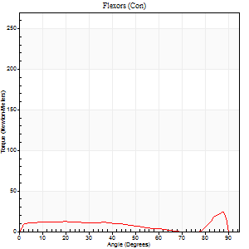
Right Side Curves Left Side Curves
Isokinetic Con/Con |  |  |  | Extensors (Con) |  | Flexors (Con)
Speed 240/240 d/s 3 Reps |  |  |  | Value | Cof Var | %BW | Value | Cof Var | %BW | Ratio

TORQUE PARAMETERS
Peak Torque (Newton-Meters - Best Repetition)
Right |  |  |  | 0 | 0 | 0 | 0 | 0 | 0 | 0
Left |  |  |  | 142 | 0.05 | 209 | 24 | 0.46 | 36 | 17
Deficit |  |  |  | 0 |  |  | 0
Work per Repetition (Newton-Meters - Best Repetition)
Right |  |  |  | 0 | 0 | 0 | 0 | 0 | 0 | 0
Left |  |  |  | 136 | 0.07 | 200 | 14 | 0.08 | 21 | 10
Deficit |  |  |  | 0 |  |  | 0
Average Power per Repetition (Watts - Best Repetition)
Right |  |  |  | 0 | 0 | 0 | 0 | 0 | 0 | 0
Left |  |  |  | 262 | 0.08 | 387 | 21 | 0.01 | 31 | 8
Deficit |  |  |  | 0 |  |  | 0
POSITION PARAMETERS
Joint Angle at Peak Torque (Degrees)
Right |  |  |  | 0 | 0 |  | 0 | 0
Left |  |  |  | 56 | 0.05 |  | 36 | 1.22
Range of Motion (Degrees)
Right |  |  |  | 0 | 0 |  | 0 | 0
Left |  |  |  | 1 | 0.22 |  | 90 | 0.01
TIME PARAMETERS
Time to Peak Torque (Seconds)
Right |  |  |  | 0 | 0 |  | 0 | 0
Left |  |  |  | 0.19 | 0.04 |  | 0.3 | 0.8
Time Peak Torque Held (Seconds)
Right |  |  |  | 0 | 0 |  | 0 | 0
Left |  |  |  | 0.02 | 0.35 |  | 0.06 | 1.46
Force Decay Time (Seconds)
Right |  |  |  | 0 | 0 |  | 0 | 0
Left |  |  |  | 0.3 | 0.03 |  | 0.21 | 0.79
Reciprocal Delay (Seconds)
Right |  |  |  | 0 | 0 |  | 0 | 0
Left |  |  |  | 0.05 | 0.28 |  | 0.11 | 0.1
Delay Time (Seconds)
Right |  |  |  | 0 | 0 |  | 0 | 0
Left |  |  |  | -0.01 | -0.47 |  | -0.03 | -0.33
HUMAC2015® Version: 15.000.0074 © Computer Sports Medicine, Inc. www.csmisolutions.com

Use File, Preference to set Report Heading
Isometric - Knee Extension/Flexion
Name: |  |  |  | TR024_107, | ID: | TR024_107 | Right/Left: | 29.09.2020 29.09.2020

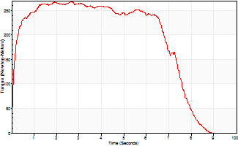
Isometric Extensors (Con) Angle 60 Time 10 Repetition 1 (Best Repetition)
 | Value | Cof Var | %BW
Peak Torque (Newton-Meters)
Right | 0 | 0 | 0
Left | 267 | 0 | 393
Deficit | 0
Average Torque (Newton-Meters)
Right | 0 | 0 | 0
Left | 183 | 0 | 271
Deficit | 0
Peak Torque Slope (Newton-Meters/Seconds)
Right | 0 | 0 | 0
Left | 98 | 0 | 145 |  | Right Side Curves Left Side Curves
Deficit | 0
Time to Half Peak Torque (Seconds)
Right | 0 | 0
Left | 0.11 | 0
Time to Peak Torque (Seconds)
Right | 0 | 0
Left | 2.72 | 0
HUMAC2015® Version: 15.000.0074 © Computer Sports Medicine, Inc. www.csmisolutions.com

Ark7
Use File, Preference to set Report Heading
Long Form Torque vs. Position Report - Knee Extension/Flexion
Name: |  |  |  | TR024_107, | ID: | TR024_107 | Right/Left: | 01.10.2020 01.10.2020
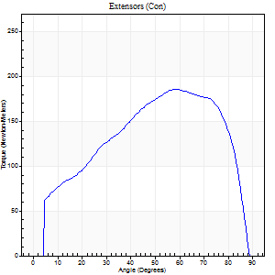
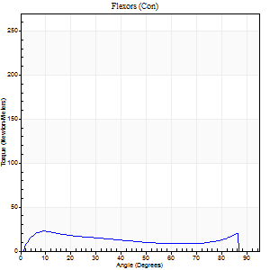
Right Side Curves Left Side Curves
Isokinetic Con/Con |  |  |  | Extensors (Con) |  | Flexors (Con)
Speed 60/60 d/s 3 Reps |  |  |  | Value | Cof Var | %BW | Value | Cof Var | %BW | Ratio

TORQUE PARAMETERS
Peak Torque (Newton-Meters - Best Repetition)
Right |  |  |  | 186 | 0.02 | 274 | 23 | 0.24 | 33 | 12
Left |  |  |  | 0 | 0 | 0 | 0 | 0 | 0 | 0
Deficit |  |  |  | 0 |  |  | 0
Work per Repetition (Newton-Meters - Best Repetition)
Right |  |  |  | 198 | 0.02 | 292 | 20 | 0.28 | 30 | 10
Left |  |  |  | 0 | 0 | 0 | 0 | 0 | 0 | 0
Deficit |  |  |  | 0 |  |  | 0
Average Power per Repetition (Watts - Best Repetition)
Right |  |  |  | 129 | 0.02 | 191 | 13 | 0.32 | 20 | 10
Left |  |  |  | 0 | 0 | 0 | 0 | 0 | 0 | 0
Deficit |  |  |  | 0 |  |  | 0
POSITION PARAMETERS
Joint Angle at Peak Torque (Degrees)
Right |  |  |  | 58 | 0.01 |  | 15 | 0.5
Left |  |  |  | 0 | 0 |  | 0 | 0
Range of Motion (Degrees)
Right |  |  |  | 0 | -1.41 |  | 90 | 0
Left |  |  |  | 0 | 0 |  | 0 | 0
TIME PARAMETERS
Time to Peak Torque (Seconds)
Right |  |  |  | 0.52 | 0.03 |  | 0.25 | 0.56
Left |  |  |  | 0 | 0 |  | 0 | 0
Time Peak Torque Held (Seconds)
Right |  |  |  | 0.03 | 0.33 |  | 0 | 1.73
Left |  |  |  | 0 | 0 |  | 0 | 0
Force Decay Time (Seconds)
Right |  |  |  | 0.98 | 0.02 |  | 1.31 | 0.04
Left |  |  |  | 0 | 0 |  | 0 | 0
Reciprocal Delay (Seconds)
Right |  |  |  | 0.11 | 0.26 |  | 0.22 | 0.21
Left |  |  |  | 0 | 0 |  | 0 | 0
Delay Time (Seconds)
Right |  |  |  | 0.01 | 0.47 |  | 0.05 | 0.87
Left |  |  |  | 0 | 0 |  | 0 | 0
HUMAC2015® Version: 15.000.0074 © Computer Sports Medicine, Inc. www.csmisolutions.com

Use File, Preference to set Report Heading
Long Form Torque vs. Position Report - Knee Extension/Flexion
Name: |  |  |  | TR024_107, | ID: | TR024_107 | Right/Left: | 01.10.2020 01.10.2020
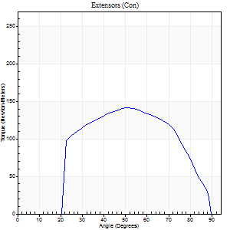
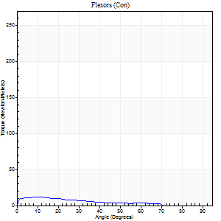
Right Side Curves Left Side Curves
Isokinetic Con/Con |  |  |  | Extensors (Con) |  | Flexors (Con)
Speed 240/240 d/s 3 Reps |  |  |  | Value | Cof Var | %BW | Value | Cof Var | %BW | Ratio

TORQUE PARAMETERS
Peak Torque (Newton-Meters - Best Repetition)
Right |  |  |  | 141 | 0.04 | 209 | 12 | 0.29 | 18 | 9
Left |  |  |  | 0 | 0 | 0 | 0 | 0 | 0 | 0
Deficit |  |  |  | 0 |  |  | 0
Work per Repetition (Newton-Meters - Best Repetition)
Right |  |  |  | 137 | 0.07 | 203 | 8 | 0.53 | 12 | 6
Left |  |  |  | 0 | 0 | 0 | 0 | 0 | 0 | 0
Deficit |  |  |  | 0 |  |  | 0
Average Power per Repetition (Watts - Best Repetition)
Right |  |  |  | 273 | 0.05 | 402 | 13 | 0.65 | 20 | 5
Left |  |  |  | 0 | 0 | 0 | 0 | 0 | 0 | 0
Deficit |  |  |  | 0 |  |  | 0
POSITION PARAMETERS
Joint Angle at Peak Torque (Degrees)
Right |  |  |  | 51 | 0.03 |  | 7 | 0.38
Left |  |  |  | 0 | 0 |  | 0 | 0
Range of Motion (Degrees)
Right |  |  |  | 1 | 0.07 |  | 89 | 0.01
Left |  |  |  | 0 | 0 |  | 0 | 0
TIME PARAMETERS
Time to Peak Torque (Seconds)
Right |  |  |  | 0.2 | 0.03 |  | 0.12 | 0.26
Left |  |  |  | 0 | 0 |  | 0 | 0
Time Peak Torque Held (Seconds)
Right |  |  |  | 0.01 | 0.87 |  | 0.03 | 1.42
Left |  |  |  | 0 | 0 |  | 0 | 0
Force Decay Time (Seconds)
Right |  |  |  | 0.28 | 0.05 |  | 0.54 | 0.19
Left |  |  |  | 0 | 0 |  | 0 | 0
Reciprocal Delay (Seconds)
Right |  |  |  | 0.06 | 0.24 |  | 0.11 | 0.18
Left |  |  |  | 0 | 0 |  | 0 | 0
Delay Time (Seconds)
Right |  |  |  | -0.01 | 0 |  | -0.02 | -0.49
Left |  |  |  | 0 | 0 |  | 0 | 0
HUMAC2015® Version: 15.000.0074 © Computer Sports Medicine, Inc. www.csmisolutions.com

Use File, Preference to set Report Heading
Isometric - Knee Extension/Flexion
Name: |  |  |  | TR024_107, | ID: | TR024_107 | Right/Left: | 01.10.2020 01.10.2020

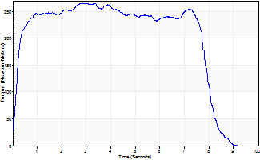
Isometric Extensors (Con) Angle 60 Time 10 Repetition 1 (Best Repetition)
 | Value | Cof Var | %BW
Peak Torque (Newton-Meters)
Right | 266 | 0 | 393
Left | 0 | 0 | 0
Deficit | 0
Average Torque (Newton-Meters)
Right | 193 | 0 | 283
Left | 0 | 0 | 0
Deficit | 0
Peak Torque Slope (Newton-Meters/Seconds)
Right | 92 | 0 | 135
Left | 0 | 0 | 0 |  | Right Side Curves Left Side Curves
Deficit | 0
Time to Half Peak Torque (Seconds)
Right | 0.19 | 0
Left | 0 | 0
Time to Peak Torque (Seconds)
Right | 2.89 | 0
Left | 0 | 0
HUMAC2015® Version: 15.000.0074 © Computer Sports Medicine, Inc. www.csmisolutions.com

Ark8
Use File, Preference to set Report Heading
Long Form Torque vs. Position Report - Knee Extension/Flexion
Name: |  |  |  | TR024_107, | ID: | TR024_107 | Right/Left: | 01.10.2020 01.10.2020
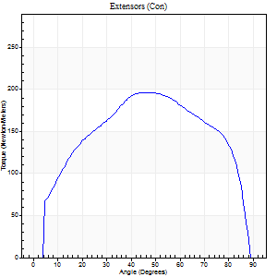
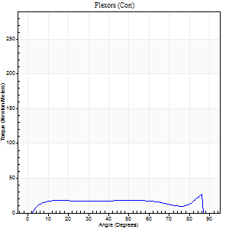
Right Side Curves Left Side Curves
Isokinetic Con/Con |  |  |  | Extensors (Con) |  | Flexors (Con)
Speed 60/60 d/s 3 Reps |  |  |  | Value | Cof Var | %BW | Value | Cof Var | %BW | Ratio

TORQUE PARAMETERS
Peak Torque (Newton-Meters - Best Repetition)
Right |  |  |  | 197 | 0.07 | 289 | 26 | 0.38 | 39 | 13
Left |  |  |  | 0 | 0 | 0 | 0 | 0 | 0 | 0
Deficit |  |  |  | 0 |  |  | 0
Work per Repetition (Newton-Meters - Best Repetition)
Right |  |  |  | 222 | 0.07 | 328 | 26 | 0.52 | 39 | 12
Left |  |  |  | 0 | 0 | 0 | 0 | 0 | 0 | 0
Deficit |  |  |  | 0 |  |  | 0
Average Power per Repetition (Watts - Best Repetition)
Right |  |  |  | 144 | 0.06 | 213 | 17 | 0.54 | 24 | 12
Left |  |  |  | 0 | 0 | 0 | 0 | 0 | 0 | 0
Deficit |  |  |  | 0 |  |  | 0
POSITION PARAMETERS
Joint Angle at Peak Torque (Degrees)
Right |  |  |  | 55 | 0.14 |  | 50 | 0.74
Left |  |  |  | 0 | 0 |  | 0 | 0
Range of Motion (Degrees)
Right |  |  |  | 0 | 0 |  | 90 | 0
Left |  |  |  | 0 | 0 |  | 0 | 0
TIME PARAMETERS
Time to Peak Torque (Seconds)
Right |  |  |  | 0.59 | 0.33 |  | 0.84 | 0.7
Left |  |  |  | 0 | 0 |  | 0 | 0
Time Peak Torque Held (Seconds)
Right |  |  |  | 0.1 | 0.66 |  | 0.03 | 1.2
Left |  |  |  | 0 | 0 |  | 0 | 0
Force Decay Time (Seconds)
Right |  |  |  | 0.85 | 0.11 |  | 0.64 | 0.95
Left |  |  |  | 0 | 0 |  | 0 | 0
Reciprocal Delay (Seconds)
Right |  |  |  | 0.1 | 0.34 |  | 0.2 | 0.3
Left |  |  |  | 0 | 0 |  | 0 | 0
Delay Time (Seconds)
Right |  |  |  | 0.02 | 0 |  | 0.05 | 0.39
Left |  |  |  | 0 | 0 |  | 0 | 0
HUMAC2015® Version: 15.000.0074 © Computer Sports Medicine, Inc. www.csmisolutions.com

Use File, Preference to set Report Heading
Long Form Torque vs. Position Report - Knee Extension/Flexion
Name: |  |  |  | TR024_107, | ID: | TR024_107 | Right/Left: | 01.10.2020 01.10.2020
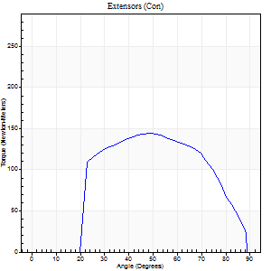
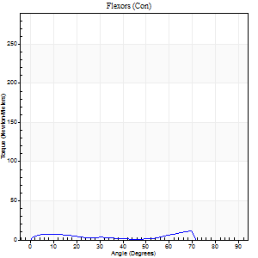
Right Side Curves Left Side Curves
Isokinetic Con/Con |  |  |  | Extensors (Con) |  | Flexors (Con)
Speed 240/240 d/s 3 Reps |  |  |  | Value | Cof Var | %BW | Value | Cof Var | %BW | Ratio

TORQUE PARAMETERS
Peak Torque (Newton-Meters - Best Repetition)
Right |  |  |  | 144 | 0.03 | 212 | 11 | 0.22 | 15 | 8
Left |  |  |  | 0 | 0 | 0 | 0 | 0 | 0 | 0
Deficit |  |  |  | 0 |  |  | 0
Work per Repetition (Newton-Meters - Best Repetition)
Right |  |  |  | 137 | 0.03 | 203 | 5 | 0.45 | 9 | 4
Left |  |  |  | 0 | 0 | 0 | 0 | 0 | 0 | 0
Deficit |  |  |  | 0 |  |  | 0
Average Power per Repetition (Watts - Best Repetition)
Right |  |  |  | 270 | 0.05 | 398 | 8 | 0.57 | 11 | 3
Left |  |  |  | 0 | 0 | 0 | 0 | 0 | 0 | 0
Deficit |  |  |  | 0 |  |  | 0
POSITION PARAMETERS
Joint Angle at Peak Torque (Degrees)
Right |  |  |  | 49 | 0.01 |  | 48 | 0.83
Left |  |  |  | 0 | 0 |  | 0 | 0
Range of Motion (Degrees)
Right |  |  |  | 1 | 0.37 |  | 89 | 0.01
Left |  |  |  | 0 | 0 |  | 0 | 0
TIME PARAMETERS
Time to Peak Torque (Seconds)
Right |  |  |  | 0.21 | 0 |  | 0.43 | 0.77
Left |  |  |  | 0 | 0 |  | 0 | 0
Time Peak Torque Held (Seconds)
Right |  |  |  | 0.01 | 0.43 |  | 0 | 0
Left |  |  |  | 0 | 0 |  | 0 | 0
Force Decay Time (Seconds)
Right |  |  |  | 0.28 | 0.06 |  | 0.4 | 1.13
Left |  |  |  | 0 | 0 |  | 0 | 0
Reciprocal Delay (Seconds)
Right |  |  |  | 0.05 | 0.16 |  | 0.13 | 0.13
Left |  |  |  | 0 | 0 |  | 0 | 0
Delay Time (Seconds)
Right |  |  |  | 0 | -1.41 |  | -0.03 | -0.33
Left |  |  |  | 0 | 0 |  | 0 | 0
HUMAC2015® Version: 15.000.0074 © Computer Sports Medicine, Inc. www.csmisolutions.com

Use File, Preference to set Report Heading
Isometric - Knee Extension/Flexion
Name: |  |  |  | TR024_107, | ID: | TR024_107 | Right/Left: | 01.10.2020 01.10.2020

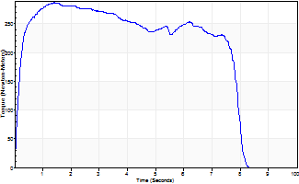
Isometric Extensors (Con) Angle 60 Time 10 Repetition 1 (Best Repetition)
 | Value | Cof Var | %BW
Peak Torque (Newton-Meters)
Right | 287 | 0 | 423
Left | 0 | 0 | 0
Deficit | 0
Average Torque (Newton-Meters)
Right | 198 | 0 | 292
Left | 0 | 0 | 0
Deficit | 0
Peak Torque Slope (Newton-Meters/Seconds)
Right | 204 | 0 | 300
Left | 0 | 0 | 0 |  | Right Side Curves Left Side Curves
Deficit | 0
Time to Half Peak Torque (Seconds)
Right | 0.16 | 0
Left | 0 | 0
Time to Peak Torque (Seconds)
Right | 1.4 | 0
Left | 0 | 0
HUMAC2015® Version: 15.000.0074 © Computer Sports Medicine, Inc. www.csmisolutions.com

Ark9
Use File, Preference to set Report Heading
Long Form Torque vs. Position Report - Knee Extension/Flexion
Name: |  |  |  | TR024_107, | ID: | TR024_107 | Right/Left: | 01.10.2020 01.10.2020
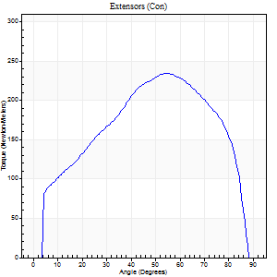
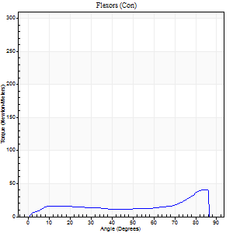
Right Side Curves Left Side Curves
Isokinetic Con/Con |  |  |  | Extensors (Con) |  | Flexors (Con)
Speed 60/60 d/s 3 Reps |  |  |  | Value | Cof Var | %BW | Value | Cof Var | %BW | Ratio

TORQUE PARAMETERS
Peak Torque (Newton-Meters - Best Repetition)
Right |  |  |  | 235 | 0.03 | 346 | 41 | 0.65 | 60 | 17
Left |  |  |  | 0 | 0 | 0 | 0 | 0 | 0 | 0
Deficit |  |  |  | 0 |  |  | 0
Work per Repetition (Newton-Meters - Best Repetition)
Right |  |  |  | 250 | 0.02 | 367 | 30 | 0.7 | 45 | 12
Left |  |  |  | 0 | 0 | 0 | 0 | 0 | 0 | 0
Deficit |  |  |  | 0 |  |  | 0
Average Power per Repetition (Watts - Best Repetition)
Right |  |  |  | 164 | 0.02 | 242 | 21 | 0.7 | 31 | 13
Left |  |  |  | 0 | 0 | 0 | 0 | 0 | 0 | 0
Deficit |  |  |  | 0 |  |  | 0
POSITION PARAMETERS
Joint Angle at Peak Torque (Degrees)
Right |  |  |  | 52 | 0.04 |  | 61 | 0.69
Left |  |  |  | 0 | 0 |  | 0 | 0
Range of Motion (Degrees)
Right |  |  |  | 0 | 2.83 |  | 89 | 0.01
Left |  |  |  | 0 | 0 |  | 0 | 0
TIME PARAMETERS
Time to Peak Torque (Seconds)
Right |  |  |  | 0.62 | 0 |  | 1.02 | 0.66
Left |  |  |  | 0 | 0 |  | 0 | 0
Time Peak Torque Held (Seconds)
Right |  |  |  | 0.05 | 0.25 |  | 0 | 1.73
Left |  |  |  | 0 | 0 |  | 0 | 0
Force Decay Time (Seconds)
Right |  |  |  | 0.87 | 0.05 |  | 0.44 | 1.48
Left |  |  |  | 0 | 0 |  | 0 | 0
Reciprocal Delay (Seconds)
Right |  |  |  | 0.06 | 0.24 |  | 0.24 | 0.37
Left |  |  |  | 0 | 0 |  | 0 | 0
Delay Time (Seconds)
Right |  |  |  | 0.01 | 1.41 |  | 0.03 | 1.45
Left |  |  |  | 0 | 0 |  | 0 | 0
HUMAC2015® Version: 15.000.0074 © Computer Sports Medicine, Inc. www.csmisolutions.com

Use File, Preference to set Report Heading
Long Form Torque vs. Position Report - Knee Extension/Flexion
Name: |  |  |  | TR024_107, | ID: | TR024_107 | Right/Left: | 01.10.2020 01.10.2020
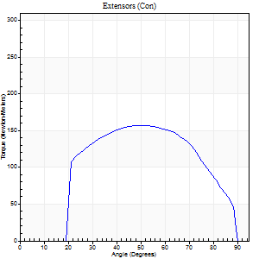
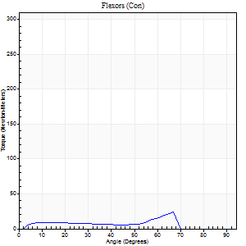
Right Side Curves Left Side Curves
Isokinetic Con/Con |  |  |  | Extensors (Con) |  | Flexors (Con)
Speed 240/240 d/s 3 Reps |  |  |  | Value | Cof Var | %BW | Value | Cof Var | %BW | Ratio

TORQUE PARAMETERS
Peak Torque (Newton-Meters - Best Repetition)
Right |  |  |  | 157 | 0.04 | 232 | 23 | 0.79 | 33 | 15
Left |  |  |  | 0 | 0 | 0 | 0 | 0 | 0 | 0
Deficit |  |  |  | 0 |  |  | 0
Work per Repetition (Newton-Meters - Best Repetition)
Right |  |  |  | 155 | 0.05 | 229 | 11 | 0.78 | 15 | 7
Left |  |  |  | 0 | 0 | 0 | 0 | 0 | 0 | 0
Deficit |  |  |  | 0 |  |  | 0
Average Power per Repetition (Watts - Best Repetition)
Right |  |  |  | 305 | 0.02 | 451 | 17 | 1 | 24 | 6
Left |  |  |  | 0 | 0 | 0 | 0 | 0 | 0 | 0
Deficit |  |  |  | 0 |  |  | 0
POSITION PARAMETERS
Joint Angle at Peak Torque (Degrees)
Right |  |  |  | 51 | 0.02 |  | 29 | 1.14
Left |  |  |  | 0 | 0 |  | 0 | 0
Range of Motion (Degrees)
Right |  |  |  | 1 | 0.14 |  | 89 | 0
Left |  |  |  | 0 | 0 |  | 0 | 0
TIME PARAMETERS
Time to Peak Torque (Seconds)
Right |  |  |  | 0.2 | 0.07 |  | 0.26 | 0.81
Left |  |  |  | 0 | 0 |  | 0 | 0
Time Peak Torque Held (Seconds)
Right |  |  |  | 0.02 | 0 |  | 0.01 | 1.73
Left |  |  |  | 0 | 0 |  | 0 | 0
Force Decay Time (Seconds)
Right |  |  |  | 0.25 | 0.02 |  | 0.72 | 0.83
Left |  |  |  | 0 | 0 |  | 0 | 0
Reciprocal Delay (Seconds)
Right |  |  |  | 0.05 | 0.13 |  | 0.09 | 0.06
Left |  |  |  | 0 | 0 |  | 0 | 0
Delay Time (Seconds)
Right |  |  |  | 0 | -1.41 |  | 0.01 | 3.12
Left |  |  |  | 0 | 0 |  | 0 | 0
HUMAC2015® Version: 15.000.0074 © Computer Sports Medicine, Inc. www.csmisolutions.com

Use File, Preference to set Report Heading
Isometric - Knee Extension/Flexion
Name: |  |  |  | TR024_107, | ID: | TR024_107 | Right/Left: | 01.10.2020 01.10.2020

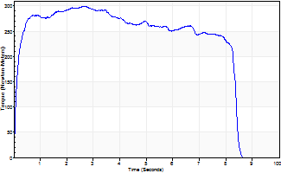
Isometric Extensors (Con) Angle 60 Time 10 Repetition 1 (Best Repetition)
 | Value | Cof Var | %BW
Peak Torque (Newton-Meters)
Right | 300 | 0 | 441
Left | 0 | 0 | 0
Deficit | 0
Average Torque (Newton-Meters)
Right | 221 | 0 | 325
Left | 0 | 0 | 0
Deficit | 0
Peak Torque Slope (Newton-Meters/Seconds)
Right | 112 | 0 | 165
Left | 0 | 0 | 0 |  | Right Side Curves Left Side Curves
Deficit | 0
Time to Half Peak Torque (Seconds)
Right | 0.12 | 0
Left | 0 | 0
Time to Peak Torque (Seconds)
Right | 2.66 | 0
Left | 0 | 0
HUMAC2015® Version: 15.000.0074 © Computer Sports Medicine, Inc. www.csmisolutions.com

Ark10
Use File, Preference to set Report Heading
Long Form Torque vs. Position Report - Knee Extension/Flexion
Name: |  |  |  | TR024_107, | ID: | TR024_107 | Right/Left: | 02.10.2020 02.10.2020
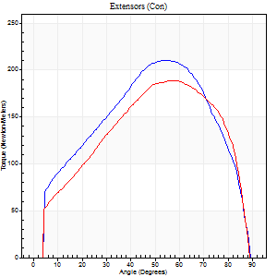
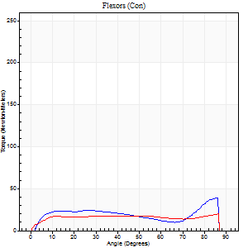
Right Side Curves Left Side Curves
Isokinetic Con/Con |  |  |  | Extensors (Con) |  | Flexors (Con)
Speed 60/60 d/s 3 Reps |  |  |  | Value | Cof Var | %BW | Value | Cof Var | %BW | Ratio

TORQUE PARAMETERS
Peak Torque (Newton-Meters - Best Repetition)
Right |  |  |  | 210 | 0.04 | 310 | 38 | 0.59 | 57 | 18
Left |  |  |  | 188 | 0.03 | 277 | 20 | 0.31 | 30 | 11
Deficit |  |  |  | 10 |  |  | 46
Work per Repetition (Newton-Meters - Best Repetition)
Right |  |  |  | 221 | 0.04 | 325 | 30 | 0.56 | 45 | 13
Left |  |  |  | 201 | 0.04 | 295 | 24 | 0.43 | 36 | 12
Deficit |  |  |  | 9 |  |  | 18
Average Power per Repetition (Watts - Best Repetition)
Right |  |  |  | 143 | 0.04 | 211 | 19 | 0.57 | 29 | 13
Left |  |  |  | 129 | 0.05 | 191 | 15 | 0.44 | 22 | 12
Deficit |  |  |  | 10 |  |  | 21
POSITION PARAMETERS
Joint Angle at Peak Torque (Degrees)
Right |  |  |  | 56 | 0.03 |  | 62 | 0.66
Left |  |  |  | 58 | 0.03 |  | 58 | 0.45
Range of Motion (Degrees)
Right |  |  |  | 0 | 1.41 |  | 90 | 0
Left |  |  |  | 0 | 1.41 |  | 90 | 0
TIME PARAMETERS
Time to Peak Torque (Seconds)
Right |  |  |  | 0.57 | 0.04 |  | 1.02 | 0.63
Left |  |  |  | 0.54 | 0 |  | 1.01 | 0.41
Time Peak Torque Held (Seconds)
Right |  |  |  | 0.05 | 0.11 |  | 0.01 | 1.73
Left |  |  |  | 0.05 | 0.45 |  | 0.04 | 1
Force Decay Time (Seconds)
Right |  |  |  | 0.92 | 0.04 |  | 0.49 | 1.34
Left |  |  |  | 0.97 | 0.04 |  | 0.52 | 0.77
Reciprocal Delay (Seconds)
Right |  |  |  | 0.13 | 0.05 |  | 0.17 | 0.18
Left |  |  |  | 0.15 | 0.05 |  | 0.25 | 0.15
Delay Time (Seconds)
Right |  |  |  | 0.02 | 0.28 |  | 0.06 | 0.27
Left |  |  |  | 0.02 | 0 |  | -0.01 | -1.73
HUMAC2015® Version: 15.000.0074 © Computer Sports Medicine, Inc. www.csmisolutions.com

Use File, Preference to set Report Heading
Long Form Torque vs. Position Report - Knee Extension/Flexion
Name: |  |  |  | TR024_107, | ID: | TR024_107 | Right/Left: | 02.10.2020 02.10.2020
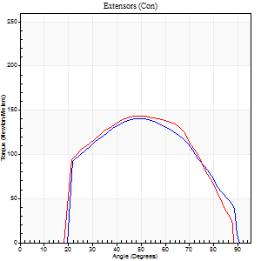
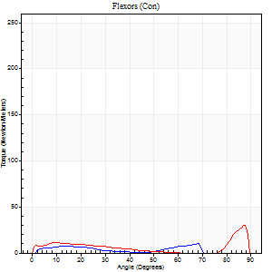
Right Side Curves Left Side Curves
Isokinetic Con/Con |  |  |  | Extensors (Con) |  | Flexors (Con)
Speed 240/240 d/s 3 Reps |  |  |  | Value | Cof Var | %BW | Value | Cof Var | %BW | Ratio

TORQUE PARAMETERS
Peak Torque (Newton-Meters - Best Repetition)
Right |  |  |  | 140 | 0.01 | 206 | 11 | 0.15 | 15 | 8
Left |  |  |  | 144 | 0.03 | 212 | 30 | 0.92 | 45 | 21
Deficit |  |  |  | 3 |  |  | 64
Work per Repetition (Newton-Meters - Best Repetition)
Right |  |  |  | 134 | 0.01 | 197 | 5 | 0.44 | 9 | 4
Left |  |  |  | 136 | 0.04 | 200 | 9 | 0.53 | 15 | 7
Deficit |  |  |  | 1 |  |  | 43
Average Power per Repetition (Watts - Best Repetition)
Right |  |  |  | 285 | 0.05 | 420 | 8 | 0.66 | 11 | 3
Left |  |  |  | 277 | 0.1 | 409 | 14 | 0.61 | 20 | 5
Deficit |  |  |  | 3 |  |  | 43
POSITION PARAMETERS
Joint Angle at Peak Torque (Degrees)
Right |  |  |  | 49 | 0.03 |  | 48 | 0.79
Left |  |  |  | 54 | 0.12 |  | 31 | 1.59
Range of Motion (Degrees)
Right |  |  |  | 1 | 0.39 |  | 89 | 0.01
Left |  |  |  | 0 | 0.85 |  | 88 | 0.01
TIME PARAMETERS
Time to Peak Torque (Seconds)
Right |  |  |  | 0.2 | 0.03 |  | 0.38 | 0.66
Left |  |  |  | 0.2 | 0.03 |  | 0.26 | 1.17
Time Peak Torque Held (Seconds)
Right |  |  |  | 0.02 | 0.35 |  | 0.01 | 1.73
Left |  |  |  | 0.01 | 1 |  | 0.07 | 1.73
Force Decay Time (Seconds)
Right |  |  |  | 0.24 | 0.02 |  | 0.54 | 1.3
Left |  |  |  | 0.31 | 0.16 |  | 0.38 | 0.81
Reciprocal Delay (Seconds)
Right |  |  |  | 0.05 | 0.16 |  | 0.08 | 0.22
Left |  |  |  | 0.04 | 0.35 |  | 0.16 | 0.13
Delay Time (Seconds)
Right |  |  |  | 0 | -1.41 |  | 0.01 | 5.68
Left |  |  |  | 0 | -1.41 |  | -0.03 | -0.17
HUMAC2015® Version: 15.000.0074 © Computer Sports Medicine, Inc. www.csmisolutions.com

Use File, Preference to set Report Heading
Isometric - Knee Extension/Flexion
Name: |  |  |  | TR024_107, | ID: | TR024_107 | Right/Left: | 02.10.2020 02.10.2020

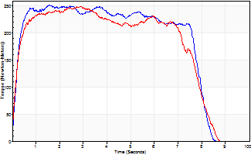
Isometric Extensors (Con) Angle 60 Time 10 Repetition 1 (Best Repetition)
 | Value | Cof Var | %BW
Peak Torque (Newton-Meters)
Right | 252 | 0 | 373
Left | 250 | 0 | 367
Deficit | 1
Average Torque (Newton-Meters)
Right | 182 | 0 | 268
Left | 174 | 0 | 256
Deficit | 4
Peak Torque Slope (Newton-Meters/Seconds)
Right | 160 | 0 | 236
Left | 87 | 0 | 128 |  | Right Side Curves Left Side Curves
Deficit | 46
Time to Half Peak Torque (Seconds)
Right | 0.19 | 0
Left | 0.18 | 0
Time to Peak Torque (Seconds)
Right | 1.57 | 0
Left | 2.86 | 0
HUMAC2015® Version: 15.000.0074 © Computer Sports Medicine, Inc. www.csmisolutions.com

Ark11
Use File, Preference to set Report Heading
Long Form Torque vs. Position Report - Knee Extension/Flexion
Name: |  |  |  | TR024_107, | ID: | TR024_107 | Right/Left: | 02.10.2020 02.10.2020


Right Side Curves Left Side Curves
Isokinetic Con/Con |  |  |  | Extensors (Con) |  | Flexors (Con)
Speed 60/60 d/s 3 Reps |  |  |  | Value | Cof Var | %BW | Value | Cof Var | %BW | Ratio

TORQUE PARAMETERS
Peak Torque (Newton-Meters - Best Repetition)
Right |  |  |  | 0 | 0 | 0 | 0 | 0 | 0 | 0
Left |  |  |  | 213 | 0.05 | 313 | 27 | 0.21 | 39 | 13
Deficit |  |  |  | 0 |  |  | 0
Work per Repetition (Newton-Meters - Best Repetition)
Right |  |  |  | 0 | 0 | 0 | 0 | 0 | 0 | 0
Left |  |  |  | 217 | 0.04 | 319 | 31 | 0.25 | 45 | 14
Deficit |  |  |  | 0 |  |  | 0
Average Power per Repetition (Watts - Best Repetition)
Right |  |  |  | 0 | 0 | 0 | 0 | 0 | 0 | 0
Left |  |  |  | 139 | 0.03 | 204 | 20 | 0.24 | 29 | 14
Deficit |  |  |  | 0 |  |  | 0
POSITION PARAMETERS
Joint Angle at Peak Torque (Degrees)
Right |  |  |  | 0 | 0 |  | 0 | 0
Left |  |  |  | 52 | 0.05 |  | 38 | 0.34
Range of Motion (Degrees)
Right |  |  |  | 0 | 0 |  | 0 | 0
Left |  |  |  | 0 | -1.41 |  | 90 | 0
TIME PARAMETERS
Time to Peak Torque (Seconds)
Right |  |  |  | 0 | 0 |  | 0 | 0
Left |  |  |  | 0.65 | 0.01 |  | 0.67 | 0.3
Time Peak Torque Held (Seconds)
Right |  |  |  | 0 | 0 |  | 0 | 0
Left |  |  |  | 0.07 | 0.65 |  | 0.05 | 0.94
Force Decay Time (Seconds)
Right |  |  |  | 0 | 0 |  | 0 | 0
Left |  |  |  | 0.84 | 0.02 |  | 0.81 | 0.28
Reciprocal Delay (Seconds)
Right |  |  |  | 0 | 0 |  | 0 | 0
Left |  |  |  | 0.14 | 0.16 |  | 0.26 | 0.08
Delay Time (Seconds)
Right |  |  |  | 0 | 0 |  | 0 | 0
Left |  |  |  | 0.01 | 1.41 |  | 0 | 0
HUMAC2015® Version: 15.000.0074 © Computer Sports Medicine, Inc. www.csmisolutions.com

Use File, Preference to set Report Heading
Long Form Torque vs. Position Report - Knee Extension/Flexion
Name: |  |  |  | TR024_107, | ID: | TR024_107 | Right/Left: | 02.10.2020 02.10.2020


Right Side Curves Left Side Curves
Isokinetic Con/Con |  |  |  | Extensors (Con) |  | Flexors (Con)
Speed 240/240 d/s 3 Reps |  |  |  | Value | Cof Var | %BW | Value | Cof Var | %BW | Ratio

TORQUE PARAMETERS
Peak Torque (Newton-Meters - Best Repetition)
Right |  |  |  | 0 | 0 | 0 | 0 | 0 | 0 | 0
Left |  |  |  | 146 | 0.02 | 215 | 22 | 0.39 | 33 | 15
Deficit |  |  |  | 0 |  |  | 0
Work per Repetition (Newton-Meters - Best Repetition)
Right |  |  |  | 0 | 0 | 0 | 0 | 0 | 0 | 0
Left |  |  |  | 140 | 0.03 | 206 | 9 | 0.56 | 15 | 7
Deficit |  |  |  | 0 |  |  | 0
Average Power per Repetition (Watts - Best Repetition)
Right |  |  |  | 0 | 0 | 0 | 0 | 0 | 0 | 0
Left |  |  |  | 254 | 0.04 | 374 | 16 | 0.08 | 24 | 6
Deficit |  |  |  | 0 |  |  | 0
POSITION PARAMETERS
Joint Angle at Peak Torque (Degrees)
Right |  |  |  | 0 | 0 |  | 0 | 0
Left |  |  |  | 52 | 0.02 |  | 52 | 0.85
Range of Motion (Degrees)
Right |  |  |  | 0 | 0 |  | 0 | 0
Left |  |  |  | 0 | 0.2 |  | 89 | 0.01
TIME PARAMETERS
Time to Peak Torque (Seconds)
Right |  |  |  | 0 | 0 |  | 0 | 0
Left |  |  |  | 0.22 | 0.1 |  | 0.21 | 1.11
Time Peak Torque Held (Seconds)
Right |  |  |  | 0 | 0 |  | 0 | 0
Left |  |  |  | 0.01 | 0.43 |  | 0.01 | 1.15
Force Decay Time (Seconds)
Right |  |  |  | 0 | 0 |  | 0 | 0
Left |  |  |  | 0.3 | 0.03 |  | 0.22 | 1.02
Reciprocal Delay (Seconds)
Right |  |  |  | 0 | 0 |  | 0 | 0
Left |  |  |  | 0.08 | 0.75 |  | 0.16 | 0.04
Delay Time (Seconds)
Right |  |  |  | 0 | 0 |  | 0 | 0
Left |  |  |  | -0.02 | -0.71 |  | 0.13 | 2.07
HUMAC2015® Version: 15.000.0074 © Computer Sports Medicine, Inc. www.csmisolutions.com

Use File, Preference to set Report Heading
Isometric - Knee Extension/Flexion
Name: |  |  |  | TR024_107, | ID: | TR024_107 | Right/Left: | 02.10.2020 02.10.2020


Isometric Extensors (Con) Angle 60 Time 10 Repetition 1 (Best Repetition)
 | Value | Cof Var | %BW
Peak Torque (Newton-Meters)
Right | 0 | 0 | 0
Left | 247 | 0 | 364
Deficit | 0
Average Torque (Newton-Meters)
Right | 0 | 0 | 0
Left | 188 | 0 | 277
Deficit | 0
Peak Torque Slope (Newton-Meters/Seconds)
Right | 0 | 0 | 0
Left | 116 | 0 | 171 |  | Right Side Curves Left Side Curves
Deficit | 0
Time to Half Peak Torque (Seconds)
Right | 0 | 0
Left | 0.18 | 0
Time to Peak Torque (Seconds)
Right | 0 | 0
Left | 2.12 | 0
HUMAC2015® Version: 15.000.0074 © Computer Sports Medicine, Inc. www.csmisolutions.com

Ark12
Use File, Preference to set Report Heading
Long Form Torque vs. Position Report - Knee Extension/Flexion
Name: |  |  |  | TR024_107, | ID: | TR024_107 | Right/Left: | 02.10.2020 02.10.2020


Right Side Curves Left Side Curves
Isokinetic Con/Con |  |  |  | Extensors (Con) |  | Flexors (Con)
Speed 60/60 d/s 3 Reps |  |  |  | Value | Cof Var | %BW | Value | Cof Var | %BW | Ratio

TORQUE PARAMETERS
Peak Torque (Newton-Meters - Best Repetition)
Right |  |  |  | 0 | 0 | 0 | 0 | 0 | 0 | 0
Left |  |  |  | 214 | 0.04 | 316 | 38 | 0.39 | 57 | 18
Deficit |  |  |  | 0 |  |  | 0
Work per Repetition (Newton-Meters - Best Repetition)
Right |  |  |  | 0 | 0 | 0 | 0 | 0 | 0 | 0
Left |  |  |  | 224 | 0.03 | 331 | 43 | 0.48 | 63 | 19
Deficit |  |  |  | 0 |  |  | 0
Average Power per Repetition (Watts - Best Repetition)
Right |  |  |  | 0 | 0 | 0 | 0 | 0 | 0 | 0
Left |  |  |  | 144 | 0.04 | 213 | 27 | 0.49 | 40 | 19
Deficit |  |  |  | 0 |  |  | 0
POSITION PARAMETERS
Joint Angle at Peak Torque (Degrees)
Right |  |  |  | 0 | 0 |  | 0 | 0
Left |  |  |  | 56 | 0.05 |  | 58 | 0.67
Range of Motion (Degrees)
Right |  |  |  | 0 | 0 |  | 0 | 0
Left |  |  |  | 0 | 0 |  | 90 | 0
TIME PARAMETERS
Time to Peak Torque (Seconds)
Right |  |  |  | 0 | 0 |  | 0 | 0
Left |  |  |  | 0.56 | 0.01 |  | 1 | 0.63
Time Peak Torque Held (Seconds)
Right |  |  |  | 0 | 0 |  | 0 | 0
Left |  |  |  | 0.06 | 0.24 |  | 0.03 | 1.05
Force Decay Time (Seconds)
Right |  |  |  | 0 | 0 |  | 0 | 0
Left |  |  |  | 0.93 | 0.05 |  | 0.53 | 1.28
Reciprocal Delay (Seconds)
Right |  |  |  | 0 | 0 |  | 0 | 0
Left |  |  |  | 0.11 | 0.18 |  | 0.24 | 0.09
Delay Time (Seconds)
Right |  |  |  | 0 | 0 |  | 0 | 0
Left |  |  |  | 0.03 | 0 |  | 0 | 0
HUMAC2015® Version: 15.000.0074 © Computer Sports Medicine, Inc. www.csmisolutions.com

Use File, Preference to set Report Heading
Long Form Torque vs. Position Report - Knee Extension/Flexion
Name: |  |  |  | TR024_107, | ID: | TR024_107 | Right/Left: | 02.10.2020 02.10.2020


Right Side Curves Left Side Curves
Isokinetic Con/Con |  |  |  | Extensors (Con) |  | Flexors (Con)
Speed 240/240 d/s 3 Reps |  |  |  | Value | Cof Var | %BW | Value | Cof Var | %BW | Ratio

TORQUE PARAMETERS
Peak Torque (Newton-Meters - Best Repetition)
Right |  |  |  | 0 | 0 | 0 | 0 | 0 | 0 | 0
Left |  |  |  | 145 | 0.04 | 215 | 18 | 0.54 | 27 | 12
Deficit |  |  |  | 0 |  |  | 0
Work per Repetition (Newton-Meters - Best Repetition)
Right |  |  |  | 0 | 0 | 0 | 0 | 0 | 0 | 0
Left |  |  |  | 134 | 0.06 | 197 | 15 | 0.78 | 21 | 11
Deficit |  |  |  | 0 |  |  | 0
Average Power per Repetition (Watts - Best Repetition)
Right |  |  |  | 0 | 0 | 0 | 0 | 0 | 0 | 0
Left |  |  |  | 267 | 0.09 | 393 | 25 | 0.91 | 37 | 9
Deficit |  |  |  | 0 |  |  | 0
POSITION PARAMETERS
Joint Angle at Peak Torque (Degrees)
Right |  |  |  | 0 | 0 |  | 0 | 0
Left |  |  |  | 54 | 0.1 |  | 25 | 1.34
Range of Motion (Degrees)
Right |  |  |  | 0 | 0 |  | 0 | 0
Left |  |  |  | 0 | 0.76 |  | 89 | 0.01
TIME PARAMETERS
Time to Peak Torque (Seconds)
Right |  |  |  | 0 | 0 |  | 0 | 0
Left |  |  |  | 0.18 | 0.16 |  | 0.26 | 0.68
Time Peak Torque Held (Seconds)
Right |  |  |  | 0 | 0 |  | 0 | 0
Left |  |  |  | 0.02 | 0.69 |  | 0.01 | 1
Force Decay Time (Seconds)
Right |  |  |  | 0 | 0 |  | 0 | 0
Left |  |  |  | 0.31 | 0.08 |  | 0.5 | 0.64
Reciprocal Delay (Seconds)
Right |  |  |  | 0 | 0 |  | 0 | 0
Left |  |  |  | 0.04 | 0.35 |  | 0.15 | 0.32
Delay Time (Seconds)
Right |  |  |  | 0 | 0 |  | 0 | 0
Left |  |  |  | 0 | -1.41 |  | -0.04 | -0.35
HUMAC2015® Version: 15.000.0074 © Computer Sports Medicine, Inc. www.csmisolutions.com

Use File, Preference to set Report Heading
Isometric - Knee Extension/Flexion
Name: |  |  |  | TR024_107, | ID: | TR024_107 | Right/Left: | 02.10.2020 02.10.2020


Isometric Extensors (Con) Angle 60 Time 10 Repetition 1 (Best Repetition)
 | Value | Cof Var | %BW
Peak Torque (Newton-Meters)
Right | 0 | 0 | 0
Left | 277 | 0 | 408
Deficit | 0
Average Torque (Newton-Meters)
Right | 0 | 0 | 0
Left | 226 | 0 | 334
Deficit | 0
Peak Torque Slope (Newton-Meters/Seconds)
Right | 0 | 0 | 0
Left | 99 | 0 | 146 |  | Right Side Curves Left Side Curves
Deficit | 0
Time to Half Peak Torque (Seconds)
Right | 0 | 0
Left | 0.15 | 0
Time to Peak Torque (Seconds)
Right | 0 | 0
Left | 2.78 | 0
HUMAC2015® Version: 15.000.0074 © Computer Sports Medicine, Inc. www.csmisolutions.com

Ark13
Use File, Preference to set Report Heading
Long Form Torque vs. Position Report - Knee Extension/Flexion
Name: |  |  |  | TR024_107, | ID: | TR024_107 | Right/Left: | 03.10.2020 03.10.2020


Right Side Curves Left Side Curves
Isokinetic Con/Con |  |  |  | Extensors (Con) |  | Flexors (Con)
Speed 60/60 d/s 3 Reps |  |  |  | Value | Cof Var | %BW | Value | Cof Var | %BW | Ratio

TORQUE PARAMETERS
Peak Torque (Newton-Meters - Best Repetition)
Right |  |  |  | 0 | 0 | 0 | 0 | 0 | 0 | 0
Left |  |  |  | 209 | 0.06 | 307 | 39 | 0.46 | 57 | 19
Deficit |  |  |  | 0 |  |  | 0
Work per Repetition (Newton-Meters - Best Repetition)
Right |  |  |  | 0 | 0 | 0 | 0 | 0 | 0 | 0
Left |  |  |  | 226 | 0.06 | 334 | 43 | 0.56 | 63 | 19
Deficit |  |  |  | 0 |  |  | 0
Average Power per Repetition (Watts - Best Repetition)
Right |  |  |  | 0 | 0 | 0 | 0 | 0 | 0 | 0
Left |  |  |  | 147 | 0.06 | 218 | 28 | 0.56 | 42 | 19
Deficit |  |  |  | 0 |  |  | 0
POSITION PARAMETERS
Joint Angle at Peak Torque (Degrees)
Right |  |  |  | 0 | 0 |  | 0 | 0
Left |  |  |  | 53 | 0.07 |  | 50 | 0.67
Range of Motion (Degrees)
Right |  |  |  | 0 | 0 |  | 0 | 0
Left |  |  |  | 0 | -1.41 |  | 90 | 0
TIME PARAMETERS
Time to Peak Torque (Seconds)
Right |  |  |  | 0 | 0 |  | 0 | 0
Left |  |  |  | 0.63 | 0.01 |  | 0.87 | 0.61
Time Peak Torque Held (Seconds)
Right |  |  |  | 0 | 0 |  | 0 | 0
Left |  |  |  | 0.05 | 0.22 |  | 0.01 | 1.73
Force Decay Time (Seconds)
Right |  |  |  | 0 | 0 |  | 0 | 0
Left |  |  |  | 0.88 | 0.06 |  | 0.66 | 0.85
Reciprocal Delay (Seconds)
Right |  |  |  | 0 | 0 |  | 0 | 0
Left |  |  |  | 0.14 | 0.1 |  | 0.26 | 0.16
Delay Time (Seconds)
Right |  |  |  | 0 | 0 |  | 0 | 0
Left |  |  |  | 0.02 | 0.28 |  | 0.01 | 1.56
HUMAC2015® Version: 15.000.0074 © Computer Sports Medicine, Inc. www.csmisolutions.com

Use File, Preference to set Report Heading
Long Form Torque vs. Position Report - Knee Extension/Flexion
Name: |  |  |  | TR024_107, | ID: | TR024_107 | Right/Left: | 03.10.2020 03.10.2020


Right Side Curves Left Side Curves
Isokinetic Con/Con |  |  |  | Extensors (Con) |  | Flexors (Con)
Speed 240/240 d/s 3 Reps |  |  |  | Value | Cof Var | %BW | Value | Cof Var | %BW | Ratio

TORQUE PARAMETERS
Peak Torque (Newton-Meters - Best Repetition)
Right |  |  |  | 0 | 0 | 0 | 0 | 0 | 0 | 0
Left |  |  |  | 148 | 0.02 | 218 | 27 | 0.51 | 39 | 18
Deficit |  |  |  | 0 |  |  | 0
Work per Repetition (Newton-Meters - Best Repetition)
Right |  |  |  | 0 | 0 | 0 | 0 | 0 | 0 | 0
Left |  |  |  | 136 | 0.08 | 200 | 19 | 0.36 | 27 | 14
Deficit |  |  |  | 0 |  |  | 0
Average Power per Repetition (Watts - Best Repetition)
Right |  |  |  | 0 | 0 | 0 | 0 | 0 | 0 | 0
Left |  |  |  | 280 | 0.03 | 413 | 33 | 0.33 | 48 | 12
Deficit |  |  |  | 0 |  |  | 0
POSITION PARAMETERS
Joint Angle at Peak Torque (Degrees)
Right |  |  |  | 0 | 0 |  | 0 | 0
Left |  |  |  | 52 | 0.19 |  | 59 | 0.25
Range of Motion (Degrees)
Right |  |  |  | 0 | 0 |  | 0 | 0
Left |  |  |  | 1 | 0.17 |  | 88 | 0.02
TIME PARAMETERS
Time to Peak Torque (Seconds)
Right |  |  |  | 0 | 0 |  | 0 | 0
Left |  |  |  | 0.22 | 0 |  | 0.39 | 0.16
Time Peak Torque Held (Seconds)
Right |  |  |  | 0 | 0 |  | 0 | 0
Left |  |  |  | 0.01 | 0 |  | 0 | 0
Force Decay Time (Seconds)
Right |  |  |  | 0 | 0 |  | 0 | 0
Left |  |  |  | 0.28 | 0.16 |  | 0.17 | 0.28
Reciprocal Delay (Seconds)
Right |  |  |  | 0 | 0 |  | 0 | 0
Left |  |  |  | 0.05 | 0.28 |  | 0.11 | 0.1
Delay Time (Seconds)
Right |  |  |  | 0 | 0 |  | 0 | 0
Left |  |  |  | 0 | -1.41 |  | -0.02 | -0.5
HUMAC2015® Version: 15.000.0074 © Computer Sports Medicine, Inc. www.csmisolutions.com

Use File, Preference to set Report Heading
Isometric - Knee Extension/Flexion
Name: |  |  |  | TR024_107, | ID: | TR024_107 | Right/Left: | 03.10.2020 03.10.2020


Isometric Extensors (Con) Angle 60 Time 10 Repetition 1 (Best Repetition)
 | Value | Cof Var | %BW
Peak Torque (Newton-Meters)
Right | 0 | 0 | 0
Left | 275 | 0 | 405
Deficit | 0
Average Torque (Newton-Meters)
Right | 0 | 0 | 0
Left | 191 | 0 | 283
Deficit | 0
Peak Torque Slope (Newton-Meters/Seconds)
Right | 0 | 0 | 0
Left | 104 | 0 | 154 |  | Right Side Curves Left Side Curves
Deficit | 0
Time to Half Peak Torque (Seconds)
Right | 0 | 0
Left | 0.19 | 0
Time to Peak Torque (Seconds)
Right | 0 | 0
Left | 2.63 | 0
HUMAC2015® Version: 15.000.0074 © Computer Sports Medicine, Inc. www.csmisolutions.com

