Ark1
Use File, Preference to set Report Heading
Long Form Torque vs. Position Report - Knee Extension/Flexion
Name: |  |  |  | TR024_108, | ID: | TR024_108 | Right/Left: | 28.09.2020 28.09.2020
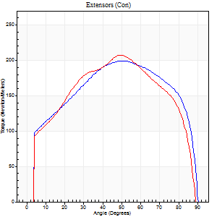
Right Side Curves Left Side Curves
Isokinetic Con/Con |  |  |  | Extensors (Con) |  | Flexors (Con)
Speed 60/60 d/s 3 Reps |  |  |  | Value | Cof Var | %BW | Value | Cof Var | %BW | Ratio

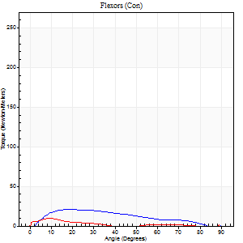
TORQUE PARAMETERS
Peak Torque (Newton-Meters - Best Repetition)
Right |  |  |  | 199 | 0.04 | 247 | 20 | 0.83 | 24 | 10
Left |  |  |  | 207 | 0.02 | 256 | 9 | 0.16 | 12 | 5
Deficit |  |  |  | 4 |  |  | 53
Work per Repetition (Newton-Meters - Best Repetition)
Right |  |  |  | 239 | 0.03 | 295 | 18 | 1.03 | 21 | 7
Left |  |  |  | 233 | 0.01 | 289 | 4 | 0.15 | 6 | 2
Deficit |  |  |  | 2 |  |  | 77
Average Power per Repetition (Watts - Best Repetition)
Right |  |  |  | 149 | 0.03 | 185 | 10 | 1.19 | 13 | 7
Left |  |  |  | 150 | 0.01 | 185 | 2 | 0.15 | 2 | 1
Deficit |  |  |  | 1 |  |  | 80
POSITION PARAMETERS
Joint Angle at Peak Torque (Degrees)
Right |  |  |  | 51 | 0.05 |  | 13 | 0.39
Left |  |  |  | 49 | 0.08 |  | 9 | 0.05
Range of Motion (Degrees)
Right |  |  |  | 0 | -1.41 |  | 90 | 0
Left |  |  |  | 0 | -0.71 |  | 90 | 0
TIME PARAMETERS
Time to Peak Torque (Seconds)
Right |  |  |  | 0.63 | 0.08 |  | 0.23 | 0.78
Left |  |  |  | 0.72 | 0.09 |  | 0.22 | 0.11
Time Peak Torque Held (Seconds)
Right |  |  |  | 0.09 | 0.29 |  | 0.01 | 1.73
Left |  |  |  | 0.04 | 0.31 |  | 0 | 1.73
Force Decay Time (Seconds)
Right |  |  |  | 0.82 | 0.03 |  | 1.91 | 0.25
Left |  |  |  | 0.83 | 0.06 |  | 1.8 | 0.13
Reciprocal Delay (Seconds)
Right |  |  |  | 0.45 | 0.02 |  | 0.19 | 0.51
Left |  |  |  | 0.38 | 0.21 |  | 0.4 | 0.14
Delay Time (Seconds)
Right |  |  |  | 0.01 | 0.47 |  | 0.12 | 0.22
Left |  |  |  | 0.01 | 1.41 |  | -0.01 | -1.15
HUMAC2015® Version: 15.000.0074 © Computer Sports Medicine, Inc. www.csmisolutions.com

Use File, Preference to set Report Heading
Long Form Torque vs. Position Report - Knee Extension/Flexion
Name: |  |  |  | TR024_108, | ID: | TR024_108 | Right/Left: | 28.09.2020 28.09.2020
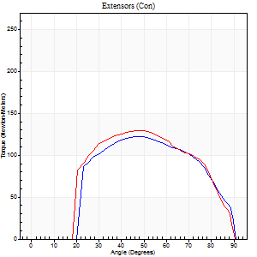
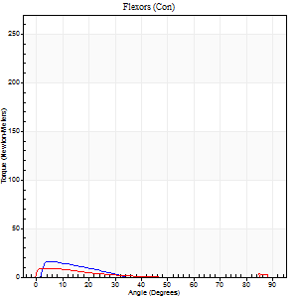
Right Side Curves Left Side Curves
Isokinetic Con/Con |  |  |  | Extensors (Con) |  | Flexors (Con)
Speed 240/240 d/s 3 Reps |  |  |  | Value | Cof Var | %BW | Value | Cof Var | %BW | Ratio

TORQUE PARAMETERS
Peak Torque (Newton-Meters - Best Repetition)
Right |  |  |  | 122 | 0.78 | 152 | 16 | 0.6 | 21 | 13
Left |  |  |  | 129 | 0.06 | 158 | 9 | 0.23 | 12 | 7
Deficit |  |  |  | 5 |  |  | 42
Work per Repetition (Newton-Meters - Best Repetition)
Right |  |  |  | 119 | 0.86 | 146 | 5 | 0.73 | 6 | 5
Left |  |  |  | 126 | 0.04 | 155 | 4 | 0.45 | 6 | 3
Deficit |  |  |  | 5 |  |  | 25
Average Power per Repetition (Watts - Best Repetition)
Right |  |  |  | 243 | 0.86 | 301 | 9 | 0.82 | 11 | 4
Left |  |  |  | 221 | 0.04 | 273 | 3 | 0.49 | 4 | 1
Deficit |  |  |  | 9 |  |  | 67
POSITION PARAMETERS
Joint Angle at Peak Torque (Degrees)
Right |  |  |  | 61 | 0.39 |  | 22 | 1.31
Left |  |  |  | 47 | 0.06 |  | 2 | 0.69
Range of Motion (Degrees)
Right |  |  |  | 29 | 1.31 |  | 90 | 0.01
Left |  |  |  | 0 | -0.2 |  | 90 | 0
TIME PARAMETERS
Time to Peak Torque (Seconds)
Right |  |  |  | 0.14 | 0.91 |  | 0.05 | 0.89
Left |  |  |  | 0.24 | 0.06 |  | 0.11 | 0.48
Time Peak Torque Held (Seconds)
Right |  |  |  | 0.01 | 0.87 |  | 0.05 | 1.55
Left |  |  |  | 0.03 | 0.78 |  | 0.05 | 0.92
Force Decay Time (Seconds)
Right |  |  |  | 0.33 | 0.54 |  | 0.68 | 0.39
Left |  |  |  | 0.29 | 0.05 |  | 1.31 | 0.1
Reciprocal Delay (Seconds)
Right |  |  |  | 0.3 | 1.08 |  | 0.07 | 0.83
Left |  |  |  | 0.34 | 0.23 |  | 0.45 | 0.18
Delay Time (Seconds)
Right |  |  |  | -0.02 | -0.85 |  | -0.04 | -0.79
Left |  |  |  | -0.01 | 0 |  | -0.04 | -0.31
HUMAC2015® Version: 15.000.0074 © Computer Sports Medicine, Inc. www.csmisolutions.com

Use File, Preference to set Report Heading
Isometric - Knee Extension/Flexion
Name: |  |  |  | TR024_108, | ID: | TR024_108 | Right/Left: | 28.09.2020 28.09.2020

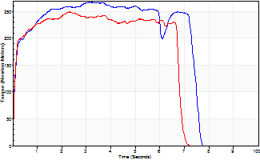
Isometric Extensors (Con) Angle 60 Time 10 Repetition 1 (Best Repetition)
 | Value | Cof Var | %BW
Peak Torque (Newton-Meters)
Right | 267 | 0 | 331
Left | 250 | 0 | 307
Deficit | 7
Average Torque (Newton-Meters)
Right | 182 | 0 | 224
Left | 156 | 0 | 194
Deficit | 14
Peak Torque Slope (Newton-Meters/Seconds)
Right | 85 | 0 | 105
Left | 108 | 0 | 133 |  | Right Side Curves Left Side Curves
Deficit | 21
Time to Half Peak Torque (Seconds)
Right | 0.11 | 0
Left | 0.09 | 0
Time to Peak Torque (Seconds)
Right | 3.13 | 0
Left | 2.31 | 0
HUMAC2015® Version: 15.000.0074 © Computer Sports Medicine, Inc. www.csmisolutions.com

Ark2
Use File, Preference to set Report Heading
Long Form Torque vs. Position Report - Knee Extension/Flexion
Name: |  |  |  | TR024_108, | ID: | TR024_108 | Right/Left: | 30.09.2020 30.09.2020
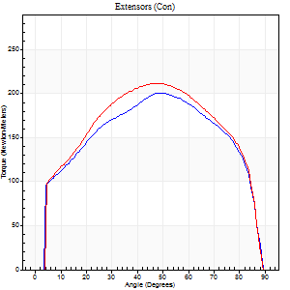
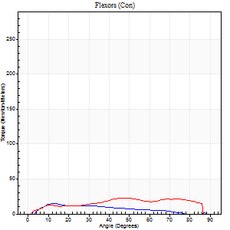
Right Side Curves Left Side Curves
Isokinetic Con/Con |  |  |  | Extensors (Con) |  | Flexors (Con)
Speed 60/60 d/s 3 Reps |  |  |  | Value | Cof Var | %BW | Value | Cof Var | %BW | Ratio

TORQUE PARAMETERS
Peak Torque (Newton-Meters - Best Repetition)
Right |  |  |  | 201 | 0.07 | 247 | 15 | 0.33 | 18 | 7
Left |  |  |  | 212 | 0.04 | 262 | 23 | 0.24 | 30 | 11
Deficit |  |  |  | 5 |  |  | 35
Work per Repetition (Newton-Meters - Best Repetition)
Right |  |  |  | 232 | 0.05 | 286 | 11 | 0.43 | 12 | 5
Left |  |  |  | 245 | 0.03 | 304 | 24 | 0.27 | 30 | 10
Deficit |  |  |  | 6 |  |  | 56
Average Power per Repetition (Watts - Best Repetition)
Right |  |  |  | 149 | 0.06 | 185 | 7 | 0.48 | 9 | 5
Left |  |  |  | 157 | 0.03 | 193 | 15 | 0.26 | 18 | 10
Deficit |  |  |  | 5 |  |  | 53
POSITION PARAMETERS
Joint Angle at Peak Torque (Degrees)
Right |  |  |  | 47 | 0.02 |  | 13 | 0.02
Left |  |  |  | 49 | 0.07 |  | 36 | 0.53
Range of Motion (Degrees)
Right |  |  |  | 0 | 0 |  | 90 | 0
Left |  |  |  | 0 | 0 |  | 90 | 0
TIME PARAMETERS
Time to Peak Torque (Seconds)
Right |  |  |  | 0.74 | 0.02 |  | 0.2 | 0.17
Left |  |  |  | 0.67 | 0.13 |  | 0.63 | 0.5
Time Peak Torque Held (Seconds)
Right |  |  |  | 0.08 | 0.43 |  | 0.01 | 1.73
Left |  |  |  | 0.07 | 0.14 |  | 0.02 | 1
Force Decay Time (Seconds)
Right |  |  |  | 0.76 | 0.07 |  | 1.52 | 0.05
Left |  |  |  | 0.79 | 0.06 |  | 0.89 | 0.33
Reciprocal Delay (Seconds)
Right |  |  |  | 0.26 | 0.13 |  | 0.18 | 0.24
Left |  |  |  | 0.25 | 0 |  | 0.23 | 0.2
Delay Time (Seconds)
Right |  |  |  | -0.01 | -1.41 |  | 0.13 | 0.28
Left |  |  |  | 0.02 | 0 |  | 0.04 | 0.57
HUMAC2015® Version: 15.000.0074 © Computer Sports Medicine, Inc. www.csmisolutions.com

Use File, Preference to set Report Heading
Long Form Torque vs. Position Report - Knee Extension/Flexion
Name: |  |  |  | TR024_108, | ID: | TR024_108 | Right/Left: | 30.09.2020 30.09.2020
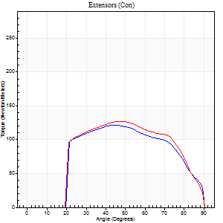
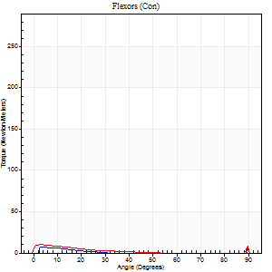
Right Side Curves Left Side Curves
Isokinetic Con/Con |  |  |  | Extensors (Con) |  | Flexors (Con)
Speed 240/240 d/s 3 Reps |  |  |  | Value | Cof Var | %BW | Value | Cof Var | %BW | Ratio

TORQUE PARAMETERS
Peak Torque (Newton-Meters - Best Repetition)
Right |  |  |  | 122 | 0.05 | 152 | 11 | 0.26 | 12 | 9
Left |  |  |  | 127 | 0.02 | 158 | 14 | 0.35 | 18 | 11
Deficit |  |  |  | 4 |  |  | 20
Work per Repetition (Newton-Meters - Best Repetition)
Right |  |  |  | 119 | 0.06 | 146 | 3 | 0.26 | 3 | 2
Left |  |  |  | 126 | 0.02 | 155 | 4 | 0.32 | 6 | 3
Deficit |  |  |  | 5 |  |  | 33
Average Power per Repetition (Watts - Best Repetition)
Right |  |  |  | 234 | 0.11 | 288 | 2 | 0.23 | 2 | 1
Left |  |  |  | 229 | 0.02 | 284 | 4 | 0.36 | 4 | 2
Deficit |  |  |  | 2 |  |  | 50
POSITION PARAMETERS
Joint Angle at Peak Torque (Degrees)
Right |  |  |  | 44 | 0.09 |  | 61 | 0.82
Left |  |  |  | 45 | 0.04 |  | 61 | 0.8
Range of Motion (Degrees)
Right |  |  |  | 1 | 1.64 |  | 90 | 0
Left |  |  |  | 0 | -0.28 |  | 90 | 0
TIME PARAMETERS
Time to Peak Torque (Seconds)
Right |  |  |  | 0.27 | 0.08 |  | 1.01 | 0.75
Left |  |  |  | 0.25 | 0.03 |  | 0.86 | 0.71
Time Peak Torque Held (Seconds)
Right |  |  |  | 0.02 | 0.69 |  | 0.01 | 1
Left |  |  |  | 0.01 | 0.87 |  | 0.03 | 1.42
Force Decay Time (Seconds)
Right |  |  |  | 0.26 | 0.12 |  | 0.39 | 2.23
Left |  |  |  | 0.29 | 0.03 |  | 0.17 | 4.07
Reciprocal Delay (Seconds)
Right |  |  |  | 0.24 | 0.21 |  | 0.27 | 0.72
Left |  |  |  | 0.36 | 0.2 |  | 0.36 | 0.03
Delay Time (Seconds)
Right |  |  |  | -0.02 | -0.28 |  | 0.07 | 2.64
Left |  |  |  | -0.01 | -0.47 |  | -0.03 | -0.46
HUMAC2015® Version: 15.000.0074 © Computer Sports Medicine, Inc. www.csmisolutions.com

Use File, Preference to set Report Heading
Isometric - Knee Extension/Flexion
Name: |  |  |  | TR024_108, | ID: | TR024_108 | Right/Left: | 30.09.2020 30.09.2020

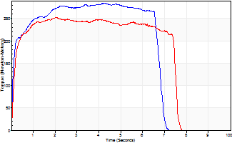
Isometric Extensors (Con) Angle 60 Time 10 Repetition 1 (Best Repetition)
 | Value | Cof Var | %BW
Peak Torque (Newton-Meters)
Right | 285 | 0 | 352
Left | 252 | 0 | 310
Deficit | 11
Average Torque (Newton-Meters)
Right | 178 | 0 | 221
Left | 175 | 0 | 215
Deficit | 2
Peak Torque Slope (Newton-Meters/Seconds)
Right | 67 | 0 | 83
Left | 123 | 0 | 152 |  | Right Side Curves Left Side Curves
Deficit | 45
Time to Half Peak Torque (Seconds)
Right | 0.1 | 0
Left | 0.14 | 0
Time to Peak Torque (Seconds)
Right | 4.22 | 0
Left | 2.04 | 0
HUMAC2015® Version: 15.000.0074 © Computer Sports Medicine, Inc. www.csmisolutions.com

Ark3
Use File, Preference to set Report Heading
Long Form Torque vs. Position Report - Knee Extension/Flexion
Name: |  |  |  | TR024_108, | ID: | TR024_108 | Right/Left: | 04.10.2020 04.10.2020
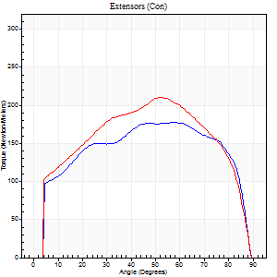
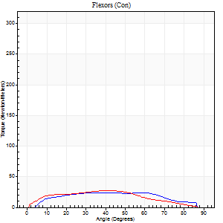
Right Side Curves Left Side Curves
Isokinetic Con/Con |  |  |  | Extensors (Con) |  | Flexors (Con)
Speed 60/60 d/s 3 Reps |  |  |  | Value | Cof Var | %BW | Value | Cof Var | %BW | Ratio

TORQUE PARAMETERS
Peak Torque (Newton-Meters - Best Repetition)
Right |  |  |  | 178 | 0.03 | 221 | 24 | 0.31 | 30 | 14
Left |  |  |  | 210 | 0.06 | 259 | 27 | 0.42 | 33 | 13
Deficit |  |  |  | 15 |  |  | 10
Work per Repetition (Newton-Meters - Best Repetition)
Right |  |  |  | 216 | 0.03 | 265 | 26 | 0.46 | 33 | 12
Left |  |  |  | 239 | 0.04 | 295 | 27 | 0.52 | 33 | 11
Deficit |  |  |  | 10 |  |  | 5
Average Power per Repetition (Watts - Best Repetition)
Right |  |  |  | 139 | 0.03 | 171 | 18 | 0.44 | 22 | 13
Left |  |  |  | 154 | 0.05 | 191 | 17 | 0.51 | 22 | 11
Deficit |  |  |  | 10 |  |  | 6
POSITION PARAMETERS
Joint Angle at Peak Torque (Degrees)
Right |  |  |  | 48 | 0.17 |  | 37 | 0.63
Left |  |  |  | 51 | 0.01 |  | 32 | 0.54
Range of Motion (Degrees)
Right |  |  |  | 0 | -0.71 |  | 90 | 0
Left |  |  |  | 0 | 0 |  | 90 | 0
TIME PARAMETERS
Time to Peak Torque (Seconds)
Right |  |  |  | 0.78 | 0.07 |  | 0.56 | 0.61
Left |  |  |  | 0.65 | 0.03 |  | 0.58 | 0.46
Time Peak Torque Held (Seconds)
Right |  |  |  | 0.12 | 0.55 |  | 0.04 | 1.1
Left |  |  |  | 0.04 | 0.16 |  | 0 | 0
Force Decay Time (Seconds)
Right |  |  |  | 0.73 | 0.09 |  | 0.85 | 0.41
Left |  |  |  | 0.86 | 0.01 |  | 0.96 | 0.23
Reciprocal Delay (Seconds)
Right |  |  |  | 0.29 | 0.1 |  | 0.16 | 0.54
Left |  |  |  | 0.27 | 0 |  | 0.28 | 0.2
Delay Time (Seconds)
Right |  |  |  | 0 | 1.41 |  | 0.11 | 0.6
Left |  |  |  | 0 | 1.41 |  | 0.01 | 0.87
HUMAC2015® Version: 15.000.0074 © Computer Sports Medicine, Inc. www.csmisolutions.com

Use File, Preference to set Report Heading
Long Form Torque vs. Position Report - Knee Extension/Flexion
Name: |  |  |  | TR024_108, | ID: | TR024_108 | Right/Left: | 04.10.2020 04.10.2020
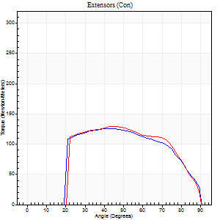
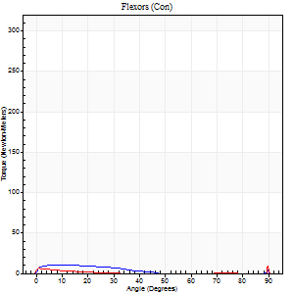
Right Side Curves Left Side Curves
Isokinetic Con/Con |  |  |  | Extensors (Con) |  | Flexors (Con)
Speed 240/240 d/s 3 Reps |  |  |  | Value | Cof Var | %BW | Value | Cof Var | %BW | Ratio

TORQUE PARAMETERS
Peak Torque (Newton-Meters - Best Repetition)
Right |  |  |  | 126 | 0.01 | 155 | 16 | 0.33 | 21 | 13
Left |  |  |  | 129 | 0.01 | 158 | 24 | 0.54 | 30 | 19
Deficit |  |  |  | 2 |  |  | 33
Work per Repetition (Newton-Meters - Best Repetition)
Right |  |  |  | 127 | 0.02 | 158 | 5 | 0.18 | 6 | 4
Left |  |  |  | 127 | 0 | 158 | 3 | 0.2 | 3 | 2
Deficit |  |  |  | 0 |  |  | 50
Average Power per Repetition (Watts - Best Repetition)
Right |  |  |  | 230 | 0.02 | 284 | 8 | 0.21 | 9 | 3
Left |  |  |  | 233 | 0.02 | 288 | 2 | 0.3 | 2 | 1
Deficit |  |  |  | 1 |  |  | 75
POSITION PARAMETERS
Joint Angle at Peak Torque (Degrees)
Right |  |  |  | 40 | 0.05 |  | 36 | 1.3
Left |  |  |  | 45 | 0.03 |  | 60 | 0.86
Range of Motion (Degrees)
Right |  |  |  | 0 | -1.41 |  | 90 | 0
Left |  |  |  | 0 | -0.71 |  | 90 | 0
TIME PARAMETERS
Time to Peak Torque (Seconds)
Right |  |  |  | 0.28 | 0.03 |  | 0.4 | 1.06
Left |  |  |  | 0.25 | 0.03 |  | 1.15 | 0.81
Time Peak Torque Held (Seconds)
Right |  |  |  | 0.02 | 0.25 |  | 0.01 | 1.15
Left |  |  |  | 0.01 | 0 |  | 0 | 0
Force Decay Time (Seconds)
Right |  |  |  | 0.25 | 0.04 |  | 0.4 | 1.16
Left |  |  |  | 0.29 | 0 |  | 0.17 | 4.1
Reciprocal Delay (Seconds)
Right |  |  |  | 0.28 | 0.03 |  | 0.24 | 0.16
Left |  |  |  | 0.4 | 0.21 |  | 0.53 | 0.15
Delay Time (Seconds)
Right |  |  |  | -0.01 | -0.47 |  | 0.01 | 2.29
Left |  |  |  | -0.01 | 0 |  | -0.04 | -0.25
HUMAC2015® Version: 15.000.0074 © Computer Sports Medicine, Inc. www.csmisolutions.com

Use File, Preference to set Report Heading
Isometric - Knee Extension/Flexion
Name: |  |  |  | TR024_108, | ID: | TR024_108 | Right/Left: | 04.10.2020 04.10.2020

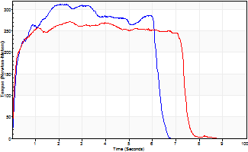
Isometric Extensors (Con) Angle 60 Time 10 Repetition 1 (Best Repetition)
 | Value | Cof Var | %BW
Peak Torque (Newton-Meters)
Right | 312 | 0 | 384
Left | 271 | 0 | 334
Deficit | 13
Average Torque (Newton-Meters)
Right | 172 | 0 | 212
Left | 184 | 0 | 226
Deficit | 7
Peak Torque Slope (Newton-Meters/Seconds)
Right | 151 | 0 | 187
Left | 111 | 0 | 137 |  | Right Side Curves Left Side Curves
Deficit | 27
Time to Half Peak Torque (Seconds)
Right | 0.18 | 0
Left | 0.11 | 0
Time to Peak Torque (Seconds)
Right | 2.05 | 0
Left | 2.44 | 0
HUMAC2015® Version: 15.000.0074 © Computer Sports Medicine, Inc. www.csmisolutions.com

Ark4
Use File, Preference to set Report Heading
Long Form Torque vs. Position Report - Knee Extension/Flexion
Name: |  |  |  | TR024_108, | ID: | TR024_108 | Right/Left: | 08.10.2020 08.10.2020
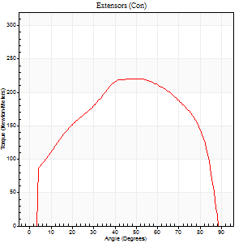
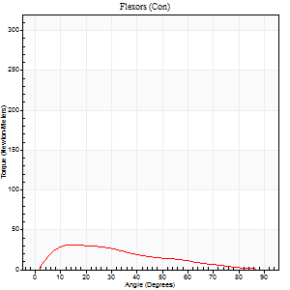
Right Side Curves Left Side Curves
Isokinetic Con/Con |  |  |  | Extensors (Con) |  | Flexors (Con)
Speed 60/60 d/s 3 Reps |  |  |  | Value | Cof Var | %BW | Value | Cof Var | %BW | Ratio

TORQUE PARAMETERS
Peak Torque (Newton-Meters - Best Repetition)
Right |  |  |  | 0 | 0 | 0 | 0 | 0 | 0 | 0
Left |  |  |  | 221 | 0.06 | 274 | 31 | 0.56 | 39 | 14
Deficit |  |  |  | 0 |  |  | 0
Work per Repetition (Newton-Meters - Best Repetition)
Right |  |  |  | 0 | 0 | 0 | 0 | 0 | 0 | 0
Left |  |  |  | 251 | 0.04 | 310 | 24 | 0.75 | 30 | 10
Deficit |  |  |  | 0 |  |  | 0
Average Power per Repetition (Watts - Best Repetition)
Right |  |  |  | 0 | 0 | 0 | 0 | 0 | 0 | 0
Left |  |  |  | 163 | 0.03 | 202 | 16 | 0.81 | 20 | 10
Deficit |  |  |  | 0 |  |  | 0
POSITION PARAMETERS
Joint Angle at Peak Torque (Degrees)
Right |  |  |  | 0 | 0 |  | 0 | 0
Left |  |  |  | 54 | 0.06 |  | 13 | 0.14
Range of Motion (Degrees)
Right |  |  |  | 0 | 0 |  | 0 | 0
Left |  |  |  | 0 | 2.12 |  | 89 | 0.02
TIME PARAMETERS
Time to Peak Torque (Seconds)
Right |  |  |  | 0 | 0 |  | 0 | 0
Left |  |  |  | 0.57 | 0.14 |  | 0.23 | 0.1
Time Peak Torque Held (Seconds)
Right |  |  |  | 0 | 0 |  | 0 | 0
Left |  |  |  | 0.1 | 0.56 |  | 0.04 | 0.48
Force Decay Time (Seconds)
Right |  |  |  | 0 | 0 |  | 0 | 0
Left |  |  |  | 0.84 | 0.09 |  | 1.39 | 0.15
Reciprocal Delay (Seconds)
Right |  |  |  | 0 | 0 |  | 0 | 0
Left |  |  |  | 0.19 | 0.04 |  | 0.23 | 0.47
Delay Time (Seconds)
Right |  |  |  | 0 | 0 |  | 0 | 0
Left |  |  |  | 0.04 | 0.2 |  | 0.02 | 1.83
HUMAC2015® Version: 15.000.0074 © Computer Sports Medicine, Inc. www.csmisolutions.com

Use File, Preference to set Report Heading
Long Form Torque vs. Position Report - Knee Extension/Flexion
Name: |  |  |  | TR024_108, | ID: | TR024_108 | Right/Left: | 08.10.2020 08.10.2020
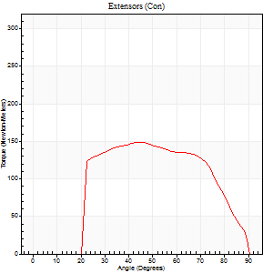
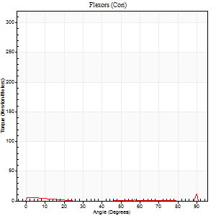
Right Side Curves Left Side Curves
Isokinetic Con/Con |  |  |  | Extensors (Con) |  | Flexors (Con)
Speed 240/240 d/s 3 Reps |  |  |  | Value | Cof Var | %BW | Value | Cof Var | %BW | Ratio

TORQUE PARAMETERS
Peak Torque (Newton-Meters - Best Repetition)
Right |  |  |  | 0 | 0 | 0 | 0 | 0 | 0 | 0
Left |  |  |  | 148 | 0.04 | 182 | 26 | 0.85 | 33 | 17
Deficit |  |  |  | 0 |  |  | 0
Work per Repetition (Newton-Meters - Best Repetition)
Right |  |  |  | 0 | 0 | 0 | 0 | 0 | 0 | 0
Left |  |  |  | 145 | 0.03 | 179 | 3 | 0.08 | 3 | 2
Deficit |  |  |  | 0 |  |  | 0
Average Power per Repetition (Watts - Best Repetition)
Right |  |  |  | 0 | 0 | 0 | 0 | 0 | 0 | 0
Left |  |  |  | 267 | 0.02 | 330 | 2 | 0.2 | 2 | 1
Deficit |  |  |  | 0 |  |  | 0
POSITION PARAMETERS
Joint Angle at Peak Torque (Degrees)
Right |  |  |  | 0 | 0 |  | 0 | 0
Left |  |  |  | 50 | 0.23 |  | 33 | 1.54
Range of Motion (Degrees)
Right |  |  |  | 0 | 0 |  | 0 | 0
Left |  |  |  | 0 | -0.85 |  | 89 | 0.03
TIME PARAMETERS
Time to Peak Torque (Seconds)
Right |  |  |  | 0 | 0 |  | 0 | 0
Left |  |  |  | 0.24 | 0 |  | 0.61 | 1.29
Time Peak Torque Held (Seconds)
Right |  |  |  | 0 | 0 |  | 0 | 0
Left |  |  |  | 0.01 | 0 |  | 0.03 | 1.42
Force Decay Time (Seconds)
Right |  |  |  | 0 | 0 |  | 0 | 0
Left |  |  |  | 0.31 | 0.16 |  | 0.63 | 1.07
Reciprocal Delay (Seconds)
Right |  |  |  | 0 | 0 |  | 0 | 0
Left |  |  |  | 0.27 | 0.19 |  | 0.37 | 0.22
Delay Time (Seconds)
Right |  |  |  | 0 | 0 |  | 0 | 0
Left |  |  |  | 0 | 0 |  | -0.04 | -0.13
HUMAC2015® Version: 15.000.0074 © Computer Sports Medicine, Inc. www.csmisolutions.com

Use File, Preference to set Report Heading
Isometric - Knee Extension/Flexion
Name: |  |  |  | TR024_108, | ID: | TR024_108 | Right/Left: | 08.10.2020 08.10.2020

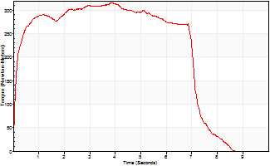
Isometric Extensors (Con) Angle 60 Time 10 Repetition 1 (Best Repetition)
 | Value | Cof Var | %BW
Peak Torque (Newton-Meters)
Right | 0 | 0 | 0
Left | 315 | 0 | 387
Deficit | 0
Average Torque (Newton-Meters)
Right | 0 | 0 | 0
Left | 207 | 0 | 256
Deficit | 0
Peak Torque Slope (Newton-Meters/Seconds)
Right | 0 | 0 | 0
Left | 81 | 0 | 101 |  | Right Side Curves Left Side Curves
Deficit | 0
Time to Half Peak Torque (Seconds)
Right | 0 | 0
Left | 0.12 | 0
Time to Peak Torque (Seconds)
Right | 0 | 0
Left | 3.86 | 0
HUMAC2015® Version: 15.000.0074 © Computer Sports Medicine, Inc. www.csmisolutions.com

Ark5
Use File, Preference to set Report Heading
Long Form Torque vs. Position Report - Knee Extension/Flexion
Name: |  |  |  | TR024_108, | ID: | TR024_108 | Right/Left: | 09.10.2020 09.10.2020
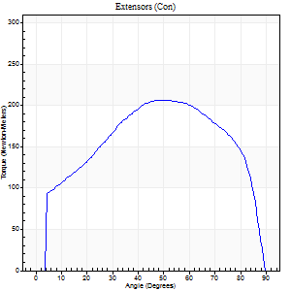
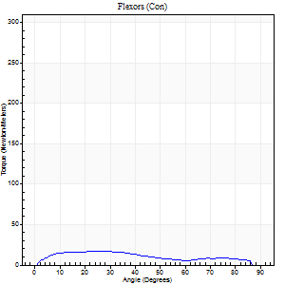
Right Side Curves Left Side Curves
Isokinetic Con/Con |  |  |  | Extensors (Con) |  | Flexors (Con)
Speed 60/60 d/s 3 Reps |  |  |  | Value | Cof Var | %BW | Value | Cof Var | %BW | Ratio

TORQUE PARAMETERS
Peak Torque (Newton-Meters - Best Repetition)
Right |  |  |  | 206 | 0.09 | 253 | 16 | 0.39 | 21 | 8
Left |  |  |  | 0 | 0 | 0 | 0 | 0 | 0 | 0
Deficit |  |  |  | 0 |  |  | 0
Work per Repetition (Newton-Meters - Best Repetition)
Right |  |  |  | 237 | 0.08 | 292 | 16 | 0.79 | 21 | 7
Left |  |  |  | 0 | 0 | 0 | 0 | 0 | 0 | 0
Deficit |  |  |  | 0 |  |  | 0
Average Power per Repetition (Watts - Best Repetition)
Right |  |  |  | 151 | 0.08 | 187 | 10 | 0.78 | 13 | 7
Left |  |  |  | 0 | 0 | 0 | 0 | 0 | 0 | 0
Deficit |  |  |  | 0 |  |  | 0
POSITION PARAMETERS
Joint Angle at Peak Torque (Degrees)
Right |  |  |  | 55 | 0.1 |  | 40 | 1
Left |  |  |  | 0 | 0 |  | 0 | 0
Range of Motion (Degrees)
Right |  |  |  | 0 | -0.47 |  | 90 | 0
Left |  |  |  | 0 | 0 |  | 0 | 0
TIME PARAMETERS
Time to Peak Torque (Seconds)
Right |  |  |  | 0.62 | 0.18 |  | 0.73 | 0.95
Left |  |  |  | 0 | 0 |  | 0 | 0
Time Peak Torque Held (Seconds)
Right |  |  |  | 0.07 | 0.61 |  | 0.02 | 1.73
Left |  |  |  | 0 | 0 |  | 0 | 0
Force Decay Time (Seconds)
Right |  |  |  | 0.89 | 0.1 |  | 0.78 | 0.76
Left |  |  |  | 0 | 0 |  | 0 | 0
Reciprocal Delay (Seconds)
Right |  |  |  | 0.25 | 0.14 |  | 0.31 | 0.04
Left |  |  |  | 0 | 0 |  | 0 | 0
Delay Time (Seconds)
Right |  |  |  | 0 | 1.41 |  | 0.02 | 1.25
Left |  |  |  | 0 | 0 |  | 0 | 0
HUMAC2015® Version: 15.000.0074 © Computer Sports Medicine, Inc. www.csmisolutions.com

Use File, Preference to set Report Heading
Long Form Torque vs. Position Report - Knee Extension/Flexion
Name: |  |  |  | TR024_108, | ID: | TR024_108 | Right/Left: | 09.10.2020 09.10.2020
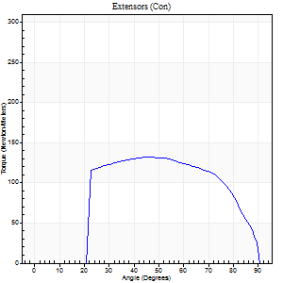
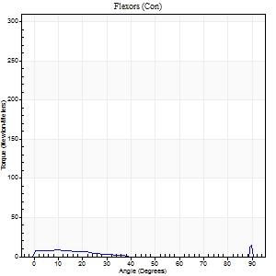
Right Side Curves Left Side Curves
Isokinetic Con/Con |  |  |  | Extensors (Con) |  | Flexors (Con)
Speed 240/240 d/s 3 Reps |  |  |  | Value | Cof Var | %BW | Value | Cof Var | %BW | Ratio

TORQUE PARAMETERS
Peak Torque (Newton-Meters - Best Repetition)
Right |  |  |  | 132 | 0.03 | 161 | 23 | 0.74 | 30 | 18
Left |  |  |  | 0 | 0 | 0 | 0 | 0 | 0 | 0
Deficit |  |  |  | 0 |  |  | 0
Work per Repetition (Newton-Meters - Best Repetition)
Right |  |  |  | 134 | 0.01 | 167 | 4 | 0.35 | 6 | 3
Left |  |  |  | 0 | 0 | 0 | 0 | 0 | 0 | 0
Deficit |  |  |  | 0 |  |  | 0
Average Power per Repetition (Watts - Best Repetition)
Right |  |  |  | 246 | 0.02 | 303 | 4 | 0.49 | 4 | 2
Left |  |  |  | 0 | 0 | 0 | 0 | 0 | 0 | 0
Deficit |  |  |  | 0 |  |  | 0
POSITION PARAMETERS
Joint Angle at Peak Torque (Degrees)
Right |  |  |  | 45 | 0 |  | 32 | 1.58
Left |  |  |  | 0 | 0 |  | 0 | 0
Range of Motion (Degrees)
Right |  |  |  | 0 | -0.2 |  | 90 | 0
Left |  |  |  | 0 | 0 |  | 0 | 0
TIME PARAMETERS
Time to Peak Torque (Seconds)
Right |  |  |  | 0.24 | 0 |  | 0.43 | 1.27
Left |  |  |  | 0 | 0 |  | 0 | 0
Time Peak Torque Held (Seconds)
Right |  |  |  | 0.01 | 0.43 |  | 0.03 | 1.73
Left |  |  |  | 0 | 0 |  | 0 | 0
Force Decay Time (Seconds)
Right |  |  |  | 0.28 | 0 |  | 0.59 | 1.15
Left |  |  |  | 0 | 0 |  | 0 | 0
Reciprocal Delay (Seconds)
Right |  |  |  | 0.4 | 0.11 |  | 0.36 | 0.12
Left |  |  |  | 0 | 0 |  | 0 | 0
Delay Time (Seconds)
Right |  |  |  | -0.01 | 0 |  | -0.03 | -0.22
Left |  |  |  | 0 | 0 |  | 0 | 0
HUMAC2015® Version: 15.000.0074 © Computer Sports Medicine, Inc. www.csmisolutions.com

Use File, Preference to set Report Heading
Isometric - Knee Extension/Flexion
Name: |  |  |  | TR024_108, | ID: | TR024_108 | Right/Left: | 09.10.2020 09.10.2020

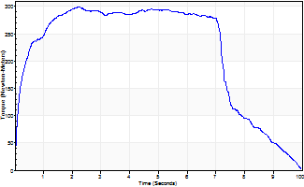
Isometric Extensors (Con) Angle 60 Time 10 Repetition 1 (Best Repetition)
 | Value | Cof Var | %BW
Peak Torque (Newton-Meters)
Right | 300 | 0 | 370
Left | 0 | 0 | 0
Deficit | 0
Average Torque (Newton-Meters)
Right | 217 | 0 | 268
Left | 0 | 0 | 0
Deficit | 0
Peak Torque Slope (Newton-Meters/Seconds)
Right | 136 | 0 | 168
Left | 0 | 0 | 0 |  | Right Side Curves Left Side Curves
Deficit | 0
Time to Half Peak Torque (Seconds)
Right | 0.19 | 0
Left | 0 | 0
Time to Peak Torque (Seconds)
Right | 2.19 | 0
Left | 0 | 0
HUMAC2015® Version: 15.000.0074 © Computer Sports Medicine, Inc. www.csmisolutions.com

Ark6
Use File, Preference to set Report Heading
Long Form Torque vs. Position Report - Knee Extension/Flexion
Name: |  |  |  | TR024_108, | ID: | TR024_108 | Right/Left: | 12.10.2020 12.10.2020
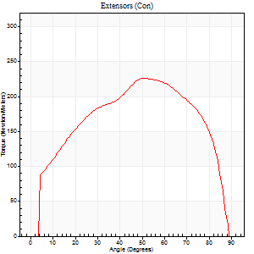
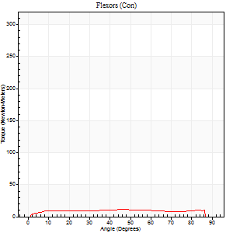
Right Side Curves Left Side Curves
Isokinetic Con/Con |  |  |  | Extensors (Con) |  | Flexors (Con)
Speed 60/60 d/s 3 Reps |  |  |  | Value | Cof Var | %BW | Value | Cof Var | %BW | Ratio

TORQUE PARAMETERS
Peak Torque (Newton-Meters - Best Repetition)
Right |  |  |  | 0 | 0 | 0 | 0 | 0 | 0 | 0
Left |  |  |  | 226 | 0.02 | 280 | 11 | 0.23 | 12 | 5
Deficit |  |  |  | 0 |  |  | 0
Work per Repetition (Newton-Meters - Best Repetition)
Right |  |  |  | 0 | 0 | 0 | 0 | 0 | 0 | 0
Left |  |  |  | 254 | 0.02 | 313 | 14 | 0.4 | 18 | 5
Deficit |  |  |  | 0 |  |  | 0
Average Power per Repetition (Watts - Best Repetition)
Right |  |  |  | 0 | 0 | 0 | 0 | 0 | 0 | 0
Left |  |  |  | 165 | 0.02 | 204 | 9 | 0.4 | 11 | 5
Deficit |  |  |  | 0 |  |  | 0
POSITION PARAMETERS
Joint Angle at Peak Torque (Degrees)
Right |  |  |  | 0 | 0 |  | 0 | 0
Left |  |  |  | 53 | 0.07 |  | 21 | 0.96
Range of Motion (Degrees)
Right |  |  |  | 0 | 0 |  | 0 | 0
Left |  |  |  | 0 | 0 |  | 90 | 0
TIME PARAMETERS
Time to Peak Torque (Seconds)
Right |  |  |  | 0 | 0 |  | 0 | 0
Left |  |  |  | 0.63 | 0.01 |  | 0.4 | 0.83
Time Peak Torque Held (Seconds)
Right |  |  |  | 0 | 0 |  | 0 | 0
Left |  |  |  | 0.04 | 0.25 |  | 0 | 0
Force Decay Time (Seconds)
Right |  |  |  | 0 | 0 |  | 0 | 0
Left |  |  |  | 0.89 | 0.06 |  | 1.17 | 0.28
Reciprocal Delay (Seconds)
Right |  |  |  | 0 | 0 |  | 0 | 0
Left |  |  |  | 0.21 | 0.2 |  | 0.25 | 0.31
Delay Time (Seconds)
Right |  |  |  | 0 | 0 |  | 0 | 0
Left |  |  |  | 0.03 | 0 |  | 0.01 | 2.65
HUMAC2015® Version: 15.000.0074 © Computer Sports Medicine, Inc. www.csmisolutions.com

Use File, Preference to set Report Heading
Long Form Torque vs. Position Report - Knee Extension/Flexion
Name: |  |  |  | TR024_108, | ID: | TR024_108 | Right/Left: | 12.10.2020 12.10.2020
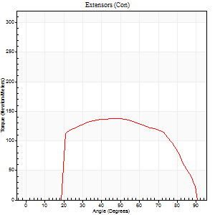
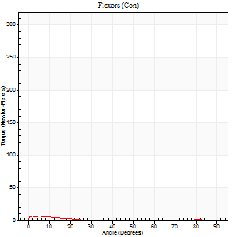
Right Side Curves Left Side Curves
Isokinetic Con/Con |  |  |  | Extensors (Con) |  | Flexors (Con)
Speed 240/240 d/s 3 Reps |  |  |  | Value | Cof Var | %BW | Value | Cof Var | %BW | Ratio

TORQUE PARAMETERS
Peak Torque (Newton-Meters - Best Repetition)
Right |  |  |  | 0 | 0 | 0 | 0 | 0 | 0 | 0
Left |  |  |  | 137 | 0.01 | 170 | 7 | 0.06 | 9 | 5
Deficit |  |  |  | 0 |  |  | 0
Work per Repetition (Newton-Meters - Best Repetition)
Right |  |  |  | 0 | 0 | 0 | 0 | 0 | 0 | 0
Left |  |  |  | 141 | 0.02 | 173 | 3 | 0.09 | 3 | 2
Deficit |  |  |  | 0 |  |  | 0
Average Power per Repetition (Watts - Best Repetition)
Right |  |  |  | 0 | 0 | 0 | 0 | 0 | 0 | 0
Left |  |  |  | 261 | 0.02 | 323 | 2 | 0.2 | 2 | 1
Deficit |  |  |  | 0 |  |  | 0
POSITION PARAMETERS
Joint Angle at Peak Torque (Degrees)
Right |  |  |  | 0 | 0 |  | 0 | 0
Left |  |  |  | 48 | 0.07 |  | 5 | 0.04
Range of Motion (Degrees)
Right |  |  |  | 0 | 0 |  | 0 | 0
Left |  |  |  | 0 | -0.47 |  | 90 | 0
TIME PARAMETERS
Time to Peak Torque (Seconds)
Right |  |  |  | 0 | 0 |  | 0 | 0
Left |  |  |  | 0.24 | 0 |  | 0.2 | 0.05
Time Peak Torque Held (Seconds)
Right |  |  |  | 0 | 0 |  | 0 | 0
Left |  |  |  | 0.02 | 0.65 |  | 0 | 0
Force Decay Time (Seconds)
Right |  |  |  | 0 | 0 |  | 0 | 0
Left |  |  |  | 0.28 | 0.02 |  | 1.01 | 0.18
Reciprocal Delay (Seconds)
Right |  |  |  | 0 | 0 |  | 0 | 0
Left |  |  |  | 0.11 | 0.18 |  | 0.4 | 0.05
Delay Time (Seconds)
Right |  |  |  | 0 | 0 |  | 0 | 0
Left |  |  |  | -0.01 | 0 |  | -0.06 | -0.24
HUMAC2015® Version: 15.000.0074 © Computer Sports Medicine, Inc. www.csmisolutions.com

Use File, Preference to set Report Heading
Isometric - Knee Extension/Flexion
Name: |  |  |  | TR024_108, | ID: | TR024_108 | Right/Left: | 12.10.2020 12.10.2020

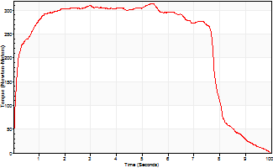
Isometric Extensors (Con) Angle 60 Time 10 Repetition 1 (Best Repetition)
 | Value | Cof Var | %BW
Peak Torque (Newton-Meters)
Right | 0 | 0 | 0
Left | 313 | 0 | 387
Deficit | 0
Average Torque (Newton-Meters)
Right | 0 | 0 | 0
Left | 233 | 0 | 289
Deficit | 0
Peak Torque Slope (Newton-Meters/Seconds)
Right | 0 | 0 | 0
Left | 58 | 0 | 71 |  | Right Side Curves Left Side Curves
Deficit | 0
Time to Half Peak Torque (Seconds)
Right | 0 | 0
Left | 0.13 | 0
Time to Peak Torque (Seconds)
Right | 0 | 0
Left | 5.42 | 0
HUMAC2015® Version: 15.000.0074 © Computer Sports Medicine, Inc. www.csmisolutions.com

Ark7
Use File, Preference to set Report Heading
Long Form Torque vs. Position Report - Knee Extension/Flexion
Name: |  |  |  | TR024_108, | ID: | TR024_108 | Right/Left: | 13.10.2020 13.10.2020
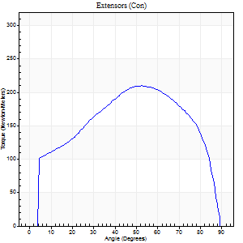
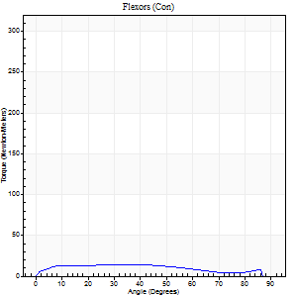
Right Side Curves Left Side Curves
Isokinetic Con/Con |  |  |  | Extensors (Con) |  | Flexors (Con)
Speed 60/60 d/s 3 Reps |  |  |  | Value | Cof Var | %BW | Value | Cof Var | %BW | Ratio

TORQUE PARAMETERS
Peak Torque (Newton-Meters - Best Repetition)
Right |  |  |  | 210 | 0.03 | 259 | 15 | 0.46 | 18 | 7
Left |  |  |  | 0 | 0 | 0 | 0 | 0 | 0 | 0
Deficit |  |  |  | 0 |  |  | 0
Work per Repetition (Newton-Meters - Best Repetition)
Right |  |  |  | 236 | 0.04 | 292 | 15 | 0.7 | 18 | 6
Left |  |  |  | 0 | 0 | 0 | 0 | 0 | 0 | 0
Deficit |  |  |  | 0 |  |  | 0
Average Power per Repetition (Watts - Best Repetition)
Right |  |  |  | 152 | 0.04 | 187 | 10 | 0.7 | 13 | 7
Left |  |  |  | 0 | 0 | 0 | 0 | 0 | 0 | 0
Deficit |  |  |  | 0 |  |  | 0
POSITION PARAMETERS
Joint Angle at Peak Torque (Degrees)
Right |  |  |  | 53 | 0.08 |  | 18 | 0.6
Left |  |  |  | 0 | 0 |  | 0 | 0
Range of Motion (Degrees)
Right |  |  |  | 0 | -0.47 |  | 90 | 0
Left |  |  |  | 0 | 0 |  | 0 | 0
TIME PARAMETERS
Time to Peak Torque (Seconds)
Right |  |  |  | 0.64 | 0.05 |  | 0.35 | 0.51
Left |  |  |  | 0 | 0 |  | 0 | 0
Time Peak Torque Held (Seconds)
Right |  |  |  | 0.04 | 0.13 |  | 0.04 | 1.1
Left |  |  |  | 0 | 0 |  | 0 | 0
Force Decay Time (Seconds)
Right |  |  |  | 0.89 | 0.08 |  | 1.22 | 0.18
Left |  |  |  | 0 | 0 |  | 0 | 0
Reciprocal Delay (Seconds)
Right |  |  |  | 0.33 | 0.04 |  | 0.33 | 0.23
Left |  |  |  | 0 | 0 |  | 0 | 0
Delay Time (Seconds)
Right |  |  |  | 0.01 | 0 |  | 0.02 | 2.77
Left |  |  |  | 0 | 0 |  | 0 | 0
HUMAC2015® Version: 15.000.0074 © Computer Sports Medicine, Inc. www.csmisolutions.com

Use File, Preference to set Report Heading
Long Form Torque vs. Position Report - Knee Extension/Flexion
Name: |  |  |  | TR024_108, | ID: | TR024_108 | Right/Left: | 13.10.2020 13.10.2020
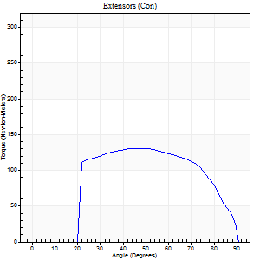
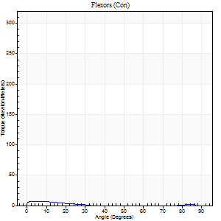
Right Side Curves Left Side Curves
Isokinetic Con/Con |  |  |  | Extensors (Con) |  | Flexors (Con)
Speed 240/240 d/s 3 Reps |  |  |  | Value | Cof Var | %BW | Value | Cof Var | %BW | Ratio

TORQUE PARAMETERS
Peak Torque (Newton-Meters - Best Repetition)
Right |  |  |  | 130 | 0.01 | 161 | 7 | 0.14 | 9 | 5
Left |  |  |  | 0 | 0 | 0 | 0 | 0 | 0 | 0
Deficit |  |  |  | 0 |  |  | 0
Work per Repetition (Newton-Meters - Best Repetition)
Right |  |  |  | 133 | 0.01 | 164 | 3 | 0.2 | 3 | 2
Left |  |  |  | 0 | 0 | 0 | 0 | 0 | 0 | 0
Deficit |  |  |  | 0 |  |  | 0
Average Power per Repetition (Watts - Best Repetition)
Right |  |  |  | 246 | 0.03 | 303 | 2 | 0.15 | 2 | 1
Left |  |  |  | 0 | 0 | 0 | 0 | 0 | 0 | 0
Deficit |  |  |  | 0 |  |  | 0
POSITION PARAMETERS
Joint Angle at Peak Torque (Degrees)
Right |  |  |  | 46 | 0.02 |  | 4 | 0.04
Left |  |  |  | 0 | 0 |  | 0 | 0
Range of Motion (Degrees)
Right |  |  |  | 0 | -0.47 |  | 90 | 0
Left |  |  |  | 0 | 0 |  | 0 | 0
TIME PARAMETERS
Time to Peak Torque (Seconds)
Right |  |  |  | 0.24 | 0.06 |  | 0.19 | 0.08
Left |  |  |  | 0 | 0 |  | 0 | 0
Time Peak Torque Held (Seconds)
Right |  |  |  | 0.02 | 0.5 |  | 0 | 0
Left |  |  |  | 0 | 0 |  | 0 | 0
Force Decay Time (Seconds)
Right |  |  |  | 0.28 | 0.04 |  | 1.02 | 0.07
Left |  |  |  | 0 | 0 |  | 0 | 0
Reciprocal Delay (Seconds)
Right |  |  |  | 0.25 | 0.31 |  | 0.41 | 0.13
Left |  |  |  | 0 | 0 |  | 0 | 0
Delay Time (Seconds)
Right |  |  |  | -0.01 | -1.41 |  | -0.05 | -0.12
Left |  |  |  | 0 | 0 |  | 0 | 0
HUMAC2015® Version: 15.000.0074 © Computer Sports Medicine, Inc. www.csmisolutions.com

Use File, Preference to set Report Heading
Isometric - Knee Extension/Flexion
Name: |  |  |  | TR024_108, | ID: | TR024_108 | Right/Left: | 13.10.2020 13.10.2020

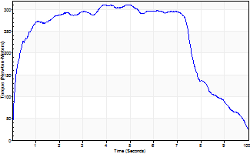
Isometric Extensors (Con) Angle 60 Time 10 Repetition 1 (Best Repetition)
 | Value | Cof Var | %BW
Peak Torque (Newton-Meters)
Right | 311 | 0 | 384
Left | 0 | 0 | 0
Deficit | 0
Average Torque (Newton-Meters)
Right | 236 | 0 | 292
Left | 0 | 0 | 0
Deficit | 0
Peak Torque Slope (Newton-Meters/Seconds)
Right | 63 | 0 | 78
Left | 0 | 0 | 0 |  | Right Side Curves Left Side Curves
Deficit | 0
Time to Half Peak Torque (Seconds)
Right | 0.17 | 0
Left | 0 | 0
Time to Peak Torque (Seconds)
Right | 4.94 | 0
Left | 0 | 0
HUMAC2015® Version: 15.000.0074 © Computer Sports Medicine, Inc. www.csmisolutions.com

Ark8
Use File, Preference to set Report Heading
Long Form Torque vs. Position Report - Knee Extension/Flexion
Name: |  |  |  | TR024_108, | ID: | TR024_108 | Right/Left: | 15.10.2020 15.10.2020
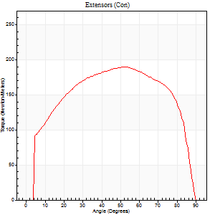
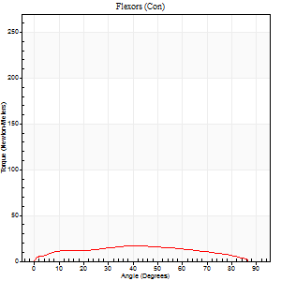
Right Side Curves Left Side Curves
Isokinetic Con/Con |  |  |  | Extensors (Con) |  | Flexors (Con)
Speed 60/60 d/s 3 Reps |  |  |  | Value | Cof Var | %BW | Value | Cof Var | %BW | Ratio

TORQUE PARAMETERS
Peak Torque (Newton-Meters - Best Repetition)
Right |  |  |  | 0 | 0 | 0 | 0 | 0 | 0 | 0
Left |  |  |  | 190 | 0.04 | 235 | 16 | 0.49 | 21 | 9
Deficit |  |  |  | 0 |  |  | 0
Work per Repetition (Newton-Meters - Best Repetition)
Right |  |  |  | 0 | 0 | 0 | 0 | 0 | 0 | 0
Left |  |  |  | 228 | 0.06 | 280 | 18 | 0.52 | 21 | 8
Deficit |  |  |  | 0 |  |  | 0
Average Power per Repetition (Watts - Best Repetition)
Right |  |  |  | 0 | 0 | 0 | 0 | 0 | 0 | 0
Left |  |  |  | 145 | 0.06 | 178 | 11 | 0.49 | 13 | 8
Deficit |  |  |  | 0 |  |  | 0
POSITION PARAMETERS
Joint Angle at Peak Torque (Degrees)
Right |  |  |  | 0 | 0 |  | 0 | 0
Left |  |  |  | 51 | 0.05 |  | 21 | 0.84
Range of Motion (Degrees)
Right |  |  |  | 0 | 0 |  | 0 | 0
Left |  |  |  | 0 | -0.47 |  | 90 | 0
TIME PARAMETERS
Time to Peak Torque (Seconds)
Right |  |  |  | 0 | 0 |  | 0 | 0
Left |  |  |  | 0.68 | 0.06 |  | 0.45 | 0.63
Time Peak Torque Held (Seconds)
Right |  |  |  | 0 | 0 |  | 0 | 0
Left |  |  |  | 0.07 | 0.21 |  | 0.02 | 1.73
Force Decay Time (Seconds)
Right |  |  |  | 0 | 0 |  | 0 | 0
Left |  |  |  | 0.82 | 0.08 |  | 1.11 | 0.21
Reciprocal Delay (Seconds)
Right |  |  |  | 0 | 0 |  | 0 | 0
Left |  |  |  | 0.22 | 0.06 |  | 0.4 | 0.22
Delay Time (Seconds)
Right |  |  |  | 0 | 0 |  | 0 | 0
Left |  |  |  | 0 | 1.41 |  | -0.02 | -0.65
HUMAC2015® Version: 15.000.0074 © Computer Sports Medicine, Inc. www.csmisolutions.com

Use File, Preference to set Report Heading
Long Form Torque vs. Position Report - Knee Extension/Flexion
Name: |  |  |  | TR024_108, | ID: | TR024_108 | Right/Left: | 15.10.2020 15.10.2020
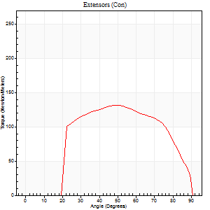
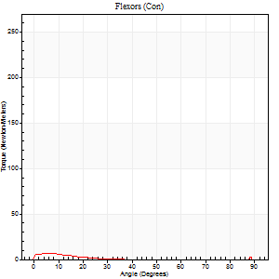
Right Side Curves Left Side Curves
Isokinetic Con/Con |  |  |  | Extensors (Con) |  | Flexors (Con)
Speed 240/240 d/s 3 Reps |  |  |  | Value | Cof Var | %BW | Value | Cof Var | %BW | Ratio

TORQUE PARAMETERS
Peak Torque (Newton-Meters - Best Repetition)
Right |  |  |  | 0 | 0 | 0 | 0 | 0 | 0 | 0
Left |  |  |  | 132 | 0.13 | 161 | 7 | 0.23 | 9 | 5
Deficit |  |  |  | 0 |  |  | 0
Work per Repetition (Newton-Meters - Best Repetition)
Right |  |  |  | 0 | 0 | 0 | 0 | 0 | 0 | 0
Left |  |  |  | 132 | 0.14 | 161 | 3 | 0.22 | 3 | 2
Deficit |  |  |  | 0 |  |  | 0
Average Power per Repetition (Watts - Best Repetition)
Right |  |  |  | 0 | 0 | 0 | 0 | 0 | 0 | 0
Left |  |  |  | 240 | 0.16 | 297 | 2 | 0.19 | 2 | 1
Deficit |  |  |  | 0 |  |  | 0
POSITION PARAMETERS
Joint Angle at Peak Torque (Degrees)
Right |  |  |  | 0 | 0 |  | 0 | 0
Left |  |  |  | 50 | 0.03 |  | 3 | 0.55
Range of Motion (Degrees)
Right |  |  |  | 0 | 0 |  | 0 | 0
Left |  |  |  | 0 | -0.47 |  | 90 | 0
TIME PARAMETERS
Time to Peak Torque (Seconds)
Right |  |  |  | 0 | 0 |  | 0 | 0
Left |  |  |  | 0.22 | 0.03 |  | 0.16 | 0.19
Time Peak Torque Held (Seconds)
Right |  |  |  | 0 | 0 |  | 0 | 0
Left |  |  |  | 0.02 | 0.35 |  | 0.04 | 0.9
Force Decay Time (Seconds)
Right |  |  |  | 0 | 0 |  | 0 | 0
Left |  |  |  | 0.3 | 0.03 |  | 1.01 | 0.03
Reciprocal Delay (Seconds)
Right |  |  |  | 0 | 0 |  | 0 | 0
Left |  |  |  | 0.15 | 0.09 |  | 0.41 | 0.08
Delay Time (Seconds)
Right |  |  |  | 0 | 0 |  | 0 | 0
Left |  |  |  | -0.01 | 0 |  | -0.05 | -0.11
HUMAC2015® Version: 15.000.0074 © Computer Sports Medicine, Inc. www.csmisolutions.com

Use File, Preference to set Report Heading
Isometric - Knee Extension/Flexion
Name: |  |  |  | TR024_108, | ID: | TR024_108 | Right/Left: | 15.10.2020 15.10.2020

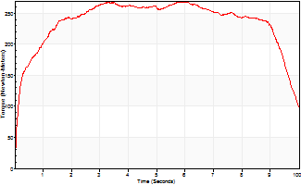
Isometric Extensors (Con) Angle 60 Time 10 Repetition 1 (Best Repetition)
 | Value | Cof Var | %BW
Peak Torque (Newton-Meters)
Right | 0 | 0 | 0
Left | 268 | 0 | 331
Deficit | 0
Average Torque (Newton-Meters)
Right | 0 | 0 | 0
Left | 233 | 0 | 289
Deficit | 0
Peak Torque Slope (Newton-Meters/Seconds)
Right | 0 | 0 | 0
Left | 45 | 0 | 56 |  | Right Side Curves Left Side Curves
Deficit | 0
Time to Half Peak Torque (Seconds)
Right | 0 | 0
Left | 0.21 | 0
Time to Peak Torque (Seconds)
Right | 0 | 0
Left | 5.92 | 0
HUMAC2015® Version: 15.000.0074 © Computer Sports Medicine, Inc. www.csmisolutions.com

Ark9
Use File, Preference to set Report Heading
Long Form Torque vs. Position Report - Knee Extension/Flexion
Name: |  |  |  | TR024_108, | ID: | TR024_108 | Right/Left: | 15.10.2020 15.10.2020
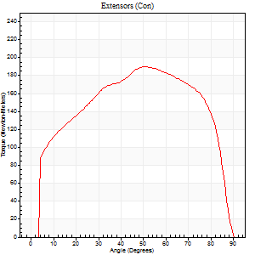
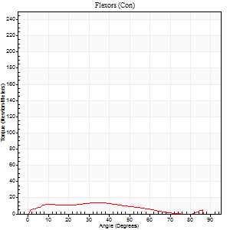
Right Side Curves Left Side Curves
Isokinetic Con/Con |  |  |  | Extensors (Con) |  | Flexors (Con)
Speed 60/60 d/s 3 Reps |  |  |  | Value | Cof Var | %BW | Value | Cof Var | %BW | Ratio

TORQUE PARAMETERS
Peak Torque (Newton-Meters - Best Repetition)
Right |  |  |  | 0 | 0 | 0 | 0 | 0 | 0 | 0
Left |  |  |  | 190 | 0.03 | 235 | 14 | 0.66 | 18 | 7
Deficit |  |  |  | 0 |  |  | 0
Work per Repetition (Newton-Meters - Best Repetition)
Right |  |  |  | 0 | 0 | 0 | 0 | 0 | 0 | 0
Left |  |  |  | 224 | 0.02 | 277 | 12 | 0.9 | 15 | 5
Deficit |  |  |  | 0 |  |  | 0
Average Power per Repetition (Watts - Best Repetition)
Right |  |  |  | 0 | 0 | 0 | 0 | 0 | 0 | 0
Left |  |  |  | 141 | 0.02 | 174 | 7 | 0.95 | 9 | 5
Deficit |  |  |  | 0 |  |  | 0
POSITION PARAMETERS
Joint Angle at Peak Torque (Degrees)
Right |  |  |  | 0 | 0 |  | 0 | 0
Left |  |  |  | 48 | 0.09 |  | 23 | 0.83
Range of Motion (Degrees)
Right |  |  |  | 0 | 0 |  | 0 | 0
Left |  |  |  | 0 | -1.41 |  | 90 | 0
TIME PARAMETERS
Time to Peak Torque (Seconds)
Right |  |  |  | 0 | 0 |  | 0 | 0
Left |  |  |  | 0.74 | 0.13 |  | 0.46 | 0.72
Time Peak Torque Held (Seconds)
Right |  |  |  | 0 | 0 |  | 0 | 0
Left |  |  |  | 0.1 | 0.87 |  | 0.04 | 1.29
Force Decay Time (Seconds)
Right |  |  |  | 0 | 0 |  | 0 | 0
Left |  |  |  | 0.75 | 0.11 |  | 1.23 | 0.19
Reciprocal Delay (Seconds)
Right |  |  |  | 0 | 0 |  | 0 | 0
Left |  |  |  | 0.22 | 0.13 |  | 0.4 | 0.22
Delay Time (Seconds)
Right |  |  |  | 0 | 0 |  | 0 | 0
Left |  |  |  | -0.02 | 0 |  | -0.03 | -0.87
HUMAC2015® Version: 15.000.0074 © Computer Sports Medicine, Inc. www.csmisolutions.com

Use File, Preference to set Report Heading
Long Form Torque vs. Position Report - Knee Extension/Flexion
Name: |  |  |  | TR024_108, | ID: | TR024_108 | Right/Left: | 15.10.2020 15.10.2020
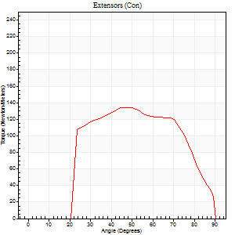
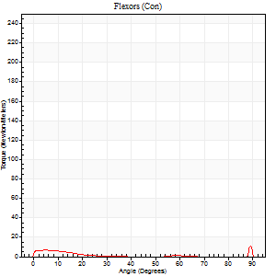
Right Side Curves Left Side Curves
Isokinetic Con/Con |  |  |  | Extensors (Con) |  | Flexors (Con)
Speed 240/240 d/s 3 Reps |  |  |  | Value | Cof Var | %BW | Value | Cof Var | %BW | Ratio

TORQUE PARAMETERS
Peak Torque (Newton-Meters - Best Repetition)
Right |  |  |  | 0 | 0 | 0 | 0 | 0 | 0 | 0
Left |  |  |  | 134 | 0.06 | 167 | 11 | 0.4 | 12 | 8
Deficit |  |  |  | 0 |  |  | 0
Work per Repetition (Newton-Meters - Best Repetition)
Right |  |  |  | 0 | 0 | 0 | 0 | 0 | 0 | 0
Left |  |  |  | 130 | 0.06 | 161 | 3 | 0.69 | 3 | 2
Deficit |  |  |  | 0 |  |  | 0
Average Power per Repetition (Watts - Best Repetition)
Right |  |  |  | 0 | 0 | 0 | 0 | 0 | 0 | 0
Left |  |  |  | 237 | 0.07 | 292 | 2 | 0.54 | 2 | 1
Deficit |  |  |  | 0 |  |  | 0
POSITION PARAMETERS
Joint Angle at Peak Torque (Degrees)
Right |  |  |  | 0 | 0 |  | 0 | 0
Left |  |  |  | 47 | 0.04 |  | 32 | 1.57
Range of Motion (Degrees)
Right |  |  |  | 0 | 0 |  | 0 | 0
Left |  |  |  | 0 | -1.41 |  | 90 | 0
TIME PARAMETERS
Time to Peak Torque (Seconds)
Right |  |  |  | 0 | 0 |  | 0 | 0
Left |  |  |  | 0.24 | 0 |  | 0.27 | 0.78
Time Peak Torque Held (Seconds)
Right |  |  |  | 0 | 0 |  | 0 | 0
Left |  |  |  | 0.01 | 0.87 |  | 0.05 | 0.97
Force Decay Time (Seconds)
Right |  |  |  | 0 | 0 |  | 0 | 0
Left |  |  |  | 0.3 | 0.03 |  | 0.54 | 0.83
Reciprocal Delay (Seconds)
Right |  |  |  | 0 | 0 |  | 0 | 0
Left |  |  |  | 0.13 | 0.58 |  | 0.35 | 0.04
Delay Time (Seconds)
Right |  |  |  | 0 | 0 |  | 0 | 0
Left |  |  |  | -0.01 | -0.47 |  | 0.11 | 2.68
HUMAC2015® Version: 15.000.0074 © Computer Sports Medicine, Inc. www.csmisolutions.com

Use File, Preference to set Report Heading
Isometric - Knee Extension/Flexion
Name: |  |  |  | TR024_108, | ID: | TR024_108 | Right/Left: | 15.10.2020 15.10.2020

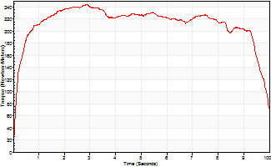
Isometric Extensors (Con) Angle 60 Time 10 Repetition 1 (Best Repetition)
 | Value | Cof Var | %BW
Peak Torque (Newton-Meters)
Right | 0 | 0 | 0
Left | 244 | 0 | 301
Deficit | 0
Average Torque (Newton-Meters)
Right | 0 | 0 | 0
Left | 212 | 0 | 262
Deficit | 0
Peak Torque Slope (Newton-Meters/Seconds)
Right | 0 | 0 | 0
Left | 85 | 0 | 105 |  | Right Side Curves Left Side Curves
Deficit | 0
Time to Half Peak Torque (Seconds)
Right | 0 | 0
Left | 0.18 | 0
Time to Peak Torque (Seconds)
Right | 0 | 0
Left | 2.85 | 0
HUMAC2015® Version: 15.000.0074 © Computer Sports Medicine, Inc. www.csmisolutions.com

Ark10
Use File, Preference to set Report Heading
Long Form Torque vs. Position Report - Knee Extension/Flexion
Name: |  |  |  | TR024_108, | ID: | TR024_108 | Right/Left: | 15.10.2020 15.10.2020
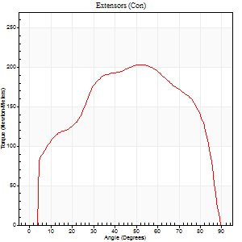
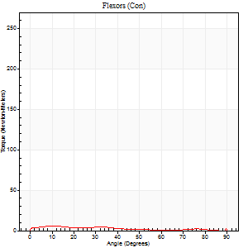
Right Side Curves Left Side Curves
Isokinetic Con/Con |  |  |  | Extensors (Con) |  | Flexors (Con)
Speed 60/60 d/s 3 Reps |  |  |  | Value | Cof Var | %BW | Value | Cof Var | %BW | Ratio

TORQUE PARAMETERS
Peak Torque (Newton-Meters - Best Repetition)
Right |  |  |  | 0 | 0 | 0 | 0 | 0 | 0 | 0
Left |  |  |  | 203 | 0.05 | 250 | 7 | 0.21 | 9 | 3
Deficit |  |  |  | 0 |  |  | 0
Work per Repetition (Newton-Meters - Best Repetition)
Right |  |  |  | 0 | 0 | 0 | 0 | 0 | 0 | 0
Left |  |  |  | 232 | 0.05 | 286 | 5 | 0.44 | 6 | 2
Deficit |  |  |  | 0 |  |  | 0
Average Power per Repetition (Watts - Best Repetition)
Right |  |  |  | 0 | 0 | 0 | 0 | 0 | 0 | 0
Left |  |  |  | 148 | 0.05 | 182 | 4 | 0.41 | 4 | 3
Deficit |  |  |  | 0 |  |  | 0
POSITION PARAMETERS
Joint Angle at Peak Torque (Degrees)
Right |  |  |  | 0 | 0 |  | 0 | 0
Left |  |  |  | 51 | 0.02 |  | 52 | 0.77
Range of Motion (Degrees)
Right |  |  |  | 0 | 0 |  | 0 | 0
Left |  |  |  | 0 | -1.41 |  | 90 | 0
TIME PARAMETERS
Time to Peak Torque (Seconds)
Right |  |  |  | 0 | 0 |  | 0 | 0
Left |  |  |  | 0.66 | 0.04 |  | 1.03 | 0.73
Time Peak Torque Held (Seconds)
Right |  |  |  | 0 | 0 |  | 0 | 0
Left |  |  |  | 0.05 | 0.11 |  | 0 | 0
Force Decay Time (Seconds)
Right |  |  |  | 0 | 0 |  | 0 | 0
Left |  |  |  | 0.85 | 0.02 |  | 0.56 | 1.18
Reciprocal Delay (Seconds)
Right |  |  |  | 0 | 0 |  | 0 | 0
Left |  |  |  | 0.24 | 0 |  | 0.38 | 0.06
Delay Time (Seconds)
Right |  |  |  | 0 | 0 |  | 0 | 0
Left |  |  |  | 0 | -1.41 |  | -0.03 | -0.33
HUMAC2015® Version: 15.000.0074 © Computer Sports Medicine, Inc. www.csmisolutions.com

Use File, Preference to set Report Heading
Long Form Torque vs. Position Report - Knee Extension/Flexion
Name: |  |  |  | TR024_108, | ID: | TR024_108 | Right/Left: | 15.10.2020 15.10.2020
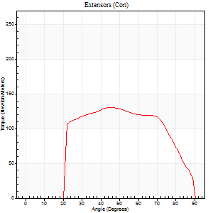

Right Side Curves Left Side Curves
Isokinetic Con/Con |  |  |  | Extensors (Con) |  | Flexors (Con)
Speed 240/240 d/s 3 Reps |  |  |  | Value | Cof Var | %BW | Value | Cof Var | %BW | Ratio

TORQUE PARAMETERS
Peak Torque (Newton-Meters - Best Repetition)
Right |  |  |  | 0 | 0 | 0 | 0 | 0 | 0 | 0
Left |  |  |  | 130 | 0.02 | 161 | 9 | 0.39 | 12 | 7
Deficit |  |  |  | 0 |  |  | 0
Work per Repetition (Newton-Meters - Best Repetition)
Right |  |  |  | 0 | 0 | 0 | 0 | 0 | 0 | 0
Left |  |  |  | 130 | 0.01 | 161 | 3 | 0.1 | 3 | 2
Deficit |  |  |  | 0 |  |  | 0
Average Power per Repetition (Watts - Best Repetition)
Right |  |  |  | 0 | 0 | 0 | 0 | 0 | 0 | 0
Left |  |  |  | 235 | 0.03 | 290 | 2 | 0.2 | 2 | 1
Deficit |  |  |  | 0 |  |  | 0
POSITION PARAMETERS
Joint Angle at Peak Torque (Degrees)
Right |  |  |  | 0 | 0 |  | 0 | 0
Left |  |  |  | 47 | 0.02 |  | 33 | 1.52
Range of Motion (Degrees)
Right |  |  |  | 0 | 0 |  | 0 | 0
Left |  |  |  | 0 | 0 |  | 90 | 0
TIME PARAMETERS
Time to Peak Torque (Seconds)
Right |  |  |  | 0 | 0 |  | 0 | 0
Left |  |  |  | 0.25 | 0.03 |  | 0.53 | 1.16
Time Peak Torque Held (Seconds)
Right |  |  |  | 0 | 0 |  | 0 | 0
Left |  |  |  | 0.01 | 0.87 |  | 0.02 | 1.73
Force Decay Time (Seconds)
Right |  |  |  | 0 | 0 |  | 0 | 0
Left |  |  |  | 0.29 | 0.05 |  | 0.53 | 1.12
Reciprocal Delay (Seconds)
Right |  |  |  | 0 | 0 |  | 0 | 0
Left |  |  |  | 0.16 | 0.5 |  | 0.41 | 0.23
Delay Time (Seconds)
Right |  |  |  | 0 | 0 |  | 0 | 0
Left |  |  |  | -0.01 | -0.47 |  | -0.05 | 0
HUMAC2015® Version: 15.000.0074 © Computer Sports Medicine, Inc. www.csmisolutions.com

Use File, Preference to set Report Heading
Isometric - Knee Extension/Flexion
Name: |  |  |  | TR024_108, | ID: | TR024_108 | Right/Left: | 15.10.2020 15.10.2020

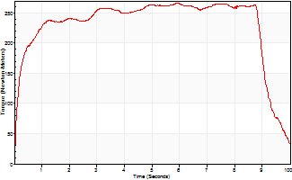
Isometric Extensors (Con) Angle 60 Time 10 Repetition 1 (Best Repetition)
 | Value | Cof Var | %BW
Peak Torque (Newton-Meters)
Right | 0 | 0 | 0
Left | 266 | 0 | 328
Deficit | 0
Average Torque (Newton-Meters)
Right | 0 | 0 | 0
Left | 228 | 0 | 280
Deficit | 0
Peak Torque Slope (Newton-Meters/Seconds)
Right | 0 | 0 | 0
Left | 45 | 0 | 55 |  | Right Side Curves Left Side Curves
Deficit | 0
Time to Half Peak Torque (Seconds)
Right | 0 | 0
Left | 0.17 | 0
Time to Peak Torque (Seconds)
Right | 0 | 0
Left | 5.94 | 0
HUMAC2015® Version: 15.000.0074 © Computer Sports Medicine, Inc. www.csmisolutions.com

Ark11
Use File, Preference to set Report Heading
Long Form Torque vs. Position Report - Knee Extension/Flexion
Name: |  |  |  | TR024_108, | ID: | TR024_108 | Right/Left: | 16.10.2020 16.10.2020
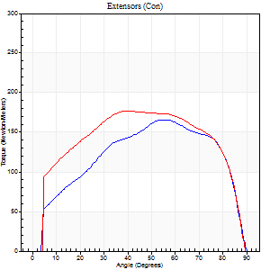

Right Side Curves Left Side Curves
Isokinetic Con/Con |  |  |  | Extensors (Con) |  | Flexors (Con)
Speed 60/60 d/s 3 Reps |  |  |  | Value | Cof Var | %BW | Value | Cof Var | %BW | Ratio

TORQUE PARAMETERS
Peak Torque (Newton-Meters - Best Repetition)
Right |  |  |  | 165 | 0.08 | 206 | 8 | 0.13 | 9 | 5
Left |  |  |  | 176 | 0.03 | 218 | 11 | 0.25 | 12 | 6
Deficit |  |  |  | 6 |  |  | 25
Work per Repetition (Newton-Meters - Best Repetition)
Right |  |  |  | 182 | 0.08 | 224 | 8 | 1.1 | 9 | 4
Left |  |  |  | 214 | 0.05 | 265 | 9 | 0.24 | 12 | 4
Deficit |  |  |  | 15 |  |  | 14
Average Power per Repetition (Watts - Best Repetition)
Right |  |  |  | 117 | 0.07 | 145 | 5 | 1.01 | 7 | 4
Left |  |  |  | 138 | 0.05 | 171 | 5 | 0.19 | 7 | 4
Deficit |  |  |  | 15 |  |  | 0
POSITION PARAMETERS
Joint Angle at Peak Torque (Degrees)
Right |  |  |  | 58 | 0.04 |  | 46 | 0.89
Left |  |  |  | 46 | 0.13 |  | 14 | 0.48
Range of Motion (Degrees)
Right |  |  |  | 0 | 0.28 |  | 90 | 0
Left |  |  |  | 0 | 0 |  | 90 | 0
TIME PARAMETERS
Time to Peak Torque (Seconds)
Right |  |  |  | 0.56 | 0.04 |  | 0.35 | 0.8
Left |  |  |  | 0.78 | 0.09 |  | 0.32 | 0.42
Time Peak Torque Held (Seconds)
Right |  |  |  | 0.04 | 0.53 |  | 0.02 | 1.38
Left |  |  |  | 0.07 | 0.34 |  | 0.02 | 1.73
Force Decay Time (Seconds)
Right |  |  |  | 0.96 | 0.06 |  | 0.69 | 0.98
Left |  |  |  | 0.75 | 0.1 |  | 1.23 | 0.13
Reciprocal Delay (Seconds)
Right |  |  |  | 0.19 | 0.11 |  | 0.32 | 0.18
Left |  |  |  | 0.26 | 0.08 |  | 0.36 | 0.07
Delay Time (Seconds)
Right |  |  |  | 0 | -1.41 |  | 0.53 | 1.78
Left |  |  |  | 0.01 | 0.47 |  | -0.02 | -0.5
HUMAC2015® Version: 15.000.0074 © Computer Sports Medicine, Inc. www.csmisolutions.com

Use File, Preference to set Report Heading
Long Form Torque vs. Position Report - Knee Extension/Flexion
Name: |  |  |  | TR024_108, | ID: | TR024_108 | Right/Left: | 16.10.2020 16.10.2020


Right Side Curves Left Side Curves
Isokinetic Con/Con |  |  |  | Extensors (Con) |  | Flexors (Con)
Speed 240/240 d/s 3 Reps |  |  |  | Value | Cof Var | %BW | Value | Cof Var | %BW | Ratio

TORQUE PARAMETERS
Peak Torque (Newton-Meters - Best Repetition)
Right |  |  |  | 117 | 0.02 | 143 | 7 | 0.21 | 9 | 6
Left |  |  |  | 122 | 0.04 | 152 | 20 | 0.75 | 24 | 17
Deficit |  |  |  | 4 |  |  | 67
Work per Repetition (Newton-Meters - Best Repetition)
Right |  |  |  | 117 | 0.04 | 143 | 3 | 0.14 | 3 | 2
Left |  |  |  | 126 | 0.05 | 155 | 3 | 0.12 | 3 | 2
Deficit |  |  |  | 8 |  |  | 0
Average Power per Repetition (Watts - Best Repetition)
Right |  |  |  | 207 | 0.04 | 255 | 2 | 0.14 | 2 | 1
Left |  |  |  | 233 | 0.06 | 288 | 2 | 0.06 | 2 | 1
Deficit |  |  |  | 11 |  |  | 0
POSITION PARAMETERS
Joint Angle at Peak Torque (Degrees)
Right |  |  |  | 53 | 0.03 |  | 5 | 0.05
Left |  |  |  | 46 | 0.07 |  | 31 | 1.66
Range of Motion (Degrees)
Right |  |  |  | 0 | 0 |  | 90 | 0
Left |  |  |  | 0 | -1.41 |  | 90 | 0
TIME PARAMETERS
Time to Peak Torque (Seconds)
Right |  |  |  | 0.22 | 0 |  | 0.16 | 0.23
Left |  |  |  | 0.24 | 0 |  | 0.49 | 1.41
Time Peak Torque Held (Seconds)
Right |  |  |  | 0.01 | 0.43 |  | 0 | 1.73
Left |  |  |  | 0.02 | 0.25 |  | 0.03 | 1.73
Force Decay Time (Seconds)
Right |  |  |  | 0.32 | 0.06 |  | 0.99 | 0.06
Left |  |  |  | 0.27 | 0.09 |  | 0.62 | 1.02
Reciprocal Delay (Seconds)
Right |  |  |  | 0.2 | 0.03 |  | 0.33 | 0.11
Left |  |  |  | 0.17 | 0.58 |  | 0.36 | 0.14
Delay Time (Seconds)
Right |  |  |  | -0.02 | -0.28 |  | -0.04 | -0.57
Left |  |  |  | 0 | -1.41 |  | -0.06 | -0.1
HUMAC2015® Version: 15.000.0074 © Computer Sports Medicine, Inc. www.csmisolutions.com

Use File, Preference to set Report Heading
Isometric - Knee Extension/Flexion
Name: |  |  |  | TR024_108, | ID: | TR024_108 | Right/Left: | 16.10.2020 16.10.2020


Isometric Extensors (Con) Angle 60 Time 10 Repetition 1 (Best Repetition)
 | Value | Cof Var | %BW
Peak Torque (Newton-Meters)
Right | 263 | 0 | 325
Left | 290 | 0 | 358
Deficit | 9
Average Torque (Newton-Meters)
Right | 220 | 0 | 271
Left | 235 | 0 | 289
Deficit | 6
Peak Torque Slope (Newton-Meters/Seconds)
Right | 46 | 0 | 57
Left | 45 | 0 | 56 |  | Right Side Curves Left Side Curves
Deficit | 1
Time to Half Peak Torque (Seconds)
Right | 0.83 | 0
Left | 0.2 | 0
Time to Peak Torque (Seconds)
Right | 5.73 | 0
Left | 6.4 | 0
HUMAC2015® Version: 15.000.0074 © Computer Sports Medicine, Inc. www.csmisolutions.com

Ark12
Use File, Preference to set Report Heading
Long Form Torque vs. Position Report - Knee Extension/Flexion
Name: |  |  |  | TR024_108, | ID: | TR024_108 | Right/Left: | 16.10.2020 16.10.2020


Right Side Curves Left Side Curves
Isokinetic Con/Con |  |  |  | Extensors (Con) |  | Flexors (Con)
Speed 60/60 d/s 3 Reps |  |  |  | Value | Cof Var | %BW | Value | Cof Var | %BW | Ratio

TORQUE PARAMETERS
Peak Torque (Newton-Meters - Best Repetition)
Right |  |  |  | 180 | 0.04 | 224 | 11 | 0.32 | 12 | 6
Left |  |  |  | 0 | 0 | 0 | 0 | 0 | 0 | 0
Deficit |  |  |  | 0 |  |  | 0
Work per Repetition (Newton-Meters - Best Repetition)
Right |  |  |  | 194 | 0.06 | 238 | 8 | 0.37 | 9 | 4
Left |  |  |  | 0 | 0 | 0 | 0 | 0 | 0 | 0
Deficit |  |  |  | 0 |  |  | 0
Average Power per Repetition (Watts - Best Repetition)
Right |  |  |  | 123 | 0.05 | 152 | 5 | 0.32 | 7 | 4
Left |  |  |  | 0 | 0 | 0 | 0 | 0 | 0 | 0
Deficit |  |  |  | 0 |  |  | 0
POSITION PARAMETERS
Joint Angle at Peak Torque (Degrees)
Right |  |  |  | 58 | 0.02 |  | 37 | 1.13
Left |  |  |  | 0 | 0 |  | 0 | 0
Range of Motion (Degrees)
Right |  |  |  | 0 | 1.41 |  | 90 | 0
Left |  |  |  | 0 | 0 |  | 0 | 0
TIME PARAMETERS
Time to Peak Torque (Seconds)
Right |  |  |  | 0.53 | 0.03 |  | 0.7 | 0.95
Left |  |  |  | 0 | 0 |  | 0 | 0
Time Peak Torque Held (Seconds)
Right |  |  |  | 0.06 | 0.33 |  | 0.03 | 1.73
Left |  |  |  | 0 | 0 |  | 0 | 0
Force Decay Time (Seconds)
Right |  |  |  | 0.95 | 0.03 |  | 0.81 | 0.76
Left |  |  |  | 0 | 0 |  | 0 | 0
Reciprocal Delay (Seconds)
Right |  |  |  | 0.22 | 0.09 |  | 0.28 | 0.2
Left |  |  |  | 0 | 0 |  | 0 | 0
Delay Time (Seconds)
Right |  |  |  | 0 | -1.41 |  | -0.01 | -3.61
Left |  |  |  | 0 | 0 |  | 0 | 0
HUMAC2015® Version: 15.000.0074 © Computer Sports Medicine, Inc. www.csmisolutions.com

Use File, Preference to set Report Heading
Long Form Torque vs. Position Report - Knee Extension/Flexion
Name: |  |  |  | TR024_108, | ID: | TR024_108 | Right/Left: | 16.10.2020 16.10.2020


Right Side Curves Left Side Curves
Isokinetic Con/Con |  |  |  | Extensors (Con) |  | Flexors (Con)
Speed 240/240 d/s 3 Reps |  |  |  | Value | Cof Var | %BW | Value | Cof Var | %BW | Ratio

TORQUE PARAMETERS
Peak Torque (Newton-Meters - Best Repetition)
Right |  |  |  | 122 | 0.09 | 152 | 5 | 0.04 | 6 | 4
Left |  |  |  | 0 | 0 | 0 | 0 | 0 | 0 | 0
Deficit |  |  |  | 0 |  |  | 0
Work per Repetition (Newton-Meters - Best Repetition)
Right |  |  |  | 118 | 0.08 | 146 | 1 | 0.11 | 3 | 1
Left |  |  |  | 0 | 0 | 0 | 0 | 0 | 0 | 0
Deficit |  |  |  | 0 |  |  | 0
Average Power per Repetition (Watts - Best Repetition)
Right |  |  |  | 202 | 0.07 | 248 | 2 | 0.35 | 2 | 1
Left |  |  |  | 0 | 0 | 0 | 0 | 0 | 0 | 0
Deficit |  |  |  | 0 |  |  | 0
POSITION PARAMETERS
Joint Angle at Peak Torque (Degrees)
Right |  |  |  | 60 | 0.13 |  | 1 | 1.18
Left |  |  |  | 0 | 0 |  | 0 | 0
Range of Motion (Degrees)
Right |  |  |  | 0 | 0.47 |  | 90 | 0
Left |  |  |  | 0 | 0 |  | 0 | 0
TIME PARAMETERS
Time to Peak Torque (Seconds)
Right |  |  |  | 0.21 | 0.17 |  | 0.11 | 0.55
Left |  |  |  | 0 | 0 |  | 0 | 0
Time Peak Torque Held (Seconds)
Right |  |  |  | 0.05 | 0.54 |  | 0.03 | 0.33
Left |  |  |  | 0 | 0 |  | 0 | 0
Force Decay Time (Seconds)
Right |  |  |  | 0.32 | 0.05 |  | 1.23 | 0.29
Left |  |  |  | 0 | 0 |  | 0 | 0
Reciprocal Delay (Seconds)
Right |  |  |  | 0.14 | 0.47 |  | 0.42 | 0.13
Left |  |  |  | 0 | 0 |  | 0 | 0
Delay Time (Seconds)
Right |  |  |  | -0.03 | 0 |  | -0.08 | -0.12
Left |  |  |  | 0 | 0 |  | 0 | 0
HUMAC2015® Version: 15.000.0074 © Computer Sports Medicine, Inc. www.csmisolutions.com

Use File, Preference to set Report Heading
Isometric - Knee Extension/Flexion
Name: |  |  |  | TR024_108, | ID: | TR024_108 | Right/Left: | 16.10.2020 16.10.2020


Isometric Extensors (Con) Angle 60 Time 10 Repetition 1 (Best Repetition)
 | Value | Cof Var | %BW
Peak Torque (Newton-Meters)
Right | 279 | 0 | 346
Left | 0 | 0 | 0
Deficit | 0
Average Torque (Newton-Meters)
Right | 233 | 0 | 289
Left | 0 | 0 | 0
Deficit | 0
Peak Torque Slope (Newton-Meters/Seconds)
Right | 57 | 0 | 70
Left | 0 | 0 | 0 |  | Right Side Curves Left Side Curves
Deficit | 0
Time to Half Peak Torque (Seconds)
Right | 0.99 | 0
Left | 0 | 0
Time to Peak Torque (Seconds)
Right | 4.88 | 0
Left | 0 | 0
HUMAC2015® Version: 15.000.0074 © Computer Sports Medicine, Inc. www.csmisolutions.com

Ark13
Use File, Preference to set Report Heading
Long Form Torque vs. Position Report - Knee Extension/Flexion
Name: |  |  |  | TR024_108, | ID: | TR024_108 | Right/Left: | 16.10.2020 16.10.2020


Right Side Curves Left Side Curves
Isokinetic Con/Con |  |  |  | Extensors (Con) |  | Flexors (Con)
Speed 60/60 d/s 3 Reps |  |  |  | Value | Cof Var | %BW | Value | Cof Var | %BW | Ratio

TORQUE PARAMETERS
Peak Torque (Newton-Meters - Best Repetition)
Right |  |  |  | 159 | 0.09 | 197 | 9 | 0.25 | 12 | 6
Left |  |  |  | 0 | 0 | 0 | 0 | 0 | 0 | 0
Deficit |  |  |  | 0 |  |  | 0
Work per Repetition (Newton-Meters - Best Repetition)
Right |  |  |  | 164 | 0.09 | 203 | 9 | 0.45 | 12 | 6
Left |  |  |  | 0 | 0 | 0 | 0 | 0 | 0 | 0
Deficit |  |  |  | 0 |  |  | 0
Average Power per Repetition (Watts - Best Repetition)
Right |  |  |  | 105 | 0.09 | 130 | 6 | 0.46 | 7 | 6
Left |  |  |  | 0 | 0 | 0 | 0 | 0 | 0 | 0
Deficit |  |  |  | 0 |  |  | 0
POSITION PARAMETERS
Joint Angle at Peak Torque (Degrees)
Right |  |  |  | 55 | 0.06 |  | 30 | 1.11
Left |  |  |  | 0 | 0 |  | 0 | 0
Range of Motion (Degrees)
Right |  |  |  | 0 | 0.71 |  | 90 | 0
Left |  |  |  | 0 | 0 |  | 0 | 0
TIME PARAMETERS
Time to Peak Torque (Seconds)
Right |  |  |  | 0.63 | 0.03 |  | 0.59 | 0.96
Left |  |  |  | 0 | 0 |  | 0 | 0
Time Peak Torque Held (Seconds)
Right |  |  |  | 0.03 | 0.17 |  | 0.01 | 1.73
Left |  |  |  | 0 | 0 |  | 0 | 0
Force Decay Time (Seconds)
Right |  |  |  | 0.93 | 0.06 |  | 1 | 0.56
Left |  |  |  | 0 | 0 |  | 0 | 0
Reciprocal Delay (Seconds)
Right |  |  |  | 0.19 | 0.37 |  | 0.36 | 0.46
Left |  |  |  | 0 | 0 |  | 0 | 0
Delay Time (Seconds)
Right |  |  |  | -0.03 | -1.41 |  | -0.04 | -1.85
Left |  |  |  | 0 | 0 |  | 0 | 0
HUMAC2015® Version: 15.000.0074 © Computer Sports Medicine, Inc. www.csmisolutions.com

Use File, Preference to set Report Heading
Long Form Torque vs. Position Report - Knee Extension/Flexion
Name: |  |  |  | TR024_108, | ID: | TR024_108 | Right/Left: | 16.10.2020 16.10.2020


Right Side Curves Left Side Curves
Isokinetic Con/Con |  |  |  | Extensors (Con) |  | Flexors (Con)
Speed 240/240 d/s 3 Reps |  |  |  | Value | Cof Var | %BW | Value | Cof Var | %BW | Ratio

TORQUE PARAMETERS
Peak Torque (Newton-Meters - Best Repetition)
Right |  |  |  | 108 | 0.16 | 134 | 8 | 0.17 | 9 | 8
Left |  |  |  | 0 | 0 | 0 | 0 | 0 | 0 | 0
Deficit |  |  |  | 0 |  |  | 0
Work per Repetition (Newton-Meters - Best Repetition)
Right |  |  |  | 106 | 0.13 | 131 | 3 | 0.23 | 3 | 3
Left |  |  |  | 0 | 0 | 0 | 0 | 0 | 0 | 0
Deficit |  |  |  | 0 |  |  | 0
Average Power per Repetition (Watts - Best Repetition)
Right |  |  |  | 185 | 0.15 | 229 | 3 | 0.22 | 4 | 2
Left |  |  |  | 0 | 0 | 0 | 0 | 0 | 0 | 0
Deficit |  |  |  | 0 |  |  | 0
POSITION PARAMETERS
Joint Angle at Peak Torque (Degrees)
Right |  |  |  | 63 | 0.01 |  | 4 | 0.31
Left |  |  |  | 0 | 0 |  | 0 | 0
Range of Motion (Degrees)
Right |  |  |  | 0 | 0 |  | 90 | 0
Left |  |  |  | 0 | 0 |  | 0 | 0
TIME PARAMETERS
Time to Peak Torque (Seconds)
Right |  |  |  | 0.19 | 0 |  | 0.14 | 0.21
Left |  |  |  | 0 | 0 |  | 0 | 0
Time Peak Torque Held (Seconds)
Right |  |  |  | 0.04 | 0.71 |  | 0 | 1.73
Left |  |  |  | 0 | 0 |  | 0 | 0
Force Decay Time (Seconds)
Right |  |  |  | 0.33 | 0.1 |  | 0.84 | 0.11
Left |  |  |  | 0 | 0 |  | 0 | 0
Reciprocal Delay (Seconds)
Right |  |  |  | 0.19 | 0.04 |  | 0.22 | 0.07
Left |  |  |  | 0 | 0 |  | 0 | 0
Delay Time (Seconds)
Right |  |  |  | -0.03 | 0 |  | -0.04 | -0.31
Left |  |  |  | 0 | 0 |  | 0 | 0
HUMAC2015® Version: 15.000.0074 © Computer Sports Medicine, Inc. www.csmisolutions.com

Use File, Preference to set Report Heading
Isometric - Knee Extension/Flexion
Name: |  |  |  | TR024_108, | ID: | TR024_108 | Right/Left: | 16.10.2020 16.10.2020


Isometric Extensors (Con) Angle 60 Time 10 Repetition 1 (Best Repetition)
 | Value | Cof Var | %BW
Peak Torque (Newton-Meters)
Right | 229 | 0 | 283
Left | 0 | 0 | 0
Deficit | 0
Average Torque (Newton-Meters)
Right | 161 | 0 | 200
Left | 0 | 0 | 0
Deficit | 0
Peak Torque Slope (Newton-Meters/Seconds)
Right | 37 | 0 | 45
Left | 0 | 0 | 0 |  | Right Side Curves Left Side Curves
Deficit | 0
Time to Half Peak Torque (Seconds)
Right | 0.45 | 0
Left | 0 | 0
Time to Peak Torque (Seconds)
Right | 6.24 | 0
Left | 0 | 0
HUMAC2015® Version: 15.000.0074 © Computer Sports Medicine, Inc. www.csmisolutions.com

Ark14
Use File, Preference to set Report Heading
Long Form Torque vs. Position Report - Knee Extension/Flexion
Name: |  |  |  | TR024_108, | ID: | TR024_108 | Right/Left: | 17.10.2020 17.10.2020


Right Side Curves Left Side Curves
Isokinetic Con/Con |  |  |  | Extensors (Con) |  | Flexors (Con)
Speed 60/60 d/s 3 Reps |  |  |  | Value | Cof Var | %BW | Value | Cof Var | %BW | Ratio

TORQUE PARAMETERS
Peak Torque (Newton-Meters - Best Repetition)
Right |  |  |  | 214 | 0.02 | 265 | 9 | 0.34 | 12 | 4
Left |  |  |  | 0 | 0 | 0 | 0 | 0 | 0 | 0
Deficit |  |  |  | 0 |  |  | 0
Work per Repetition (Newton-Meters - Best Repetition)
Right |  |  |  | 229 | 0.01 | 283 | 9 | 0.42 | 12 | 4
Left |  |  |  | 0 | 0 | 0 | 0 | 0 | 0 | 0
Deficit |  |  |  | 0 |  |  | 0
Average Power per Repetition (Watts - Best Repetition)
Right |  |  |  | 145 | 0 | 178 | 6 | 0.36 | 7 | 4
Left |  |  |  | 0 | 0 | 0 | 0 | 0 | 0 | 0
Deficit |  |  |  | 0 |  |  | 0
POSITION PARAMETERS
Joint Angle at Peak Torque (Degrees)
Right |  |  |  | 51 | 0.04 |  | 42 | 0.7
Left |  |  |  | 0 | 0 |  | 0 | 0
Range of Motion (Degrees)
Right |  |  |  | 0 | 0 |  | 90 | 0
Left |  |  |  | 0 | 0 |  | 0 | 0
TIME PARAMETERS
Time to Peak Torque (Seconds)
Right |  |  |  | 0.65 | 0.05 |  | 0.76 | 0.67
Left |  |  |  | 0 | 0 |  | 0 | 0
Time Peak Torque Held (Seconds)
Right |  |  |  | 0.05 | 0.22 |  | 0 | 0
Left |  |  |  | 0 | 0 |  | 0 | 0
Force Decay Time (Seconds)
Right |  |  |  | 0.84 | 0.05 |  | 0.8 | 0.49
Left |  |  |  | 0 | 0 |  | 0 | 0
Reciprocal Delay (Seconds)
Right |  |  |  | 0.28 | 0.28 |  | 0.27 | 0
Left |  |  |  | 0 | 0 |  | 0 | 0
Delay Time (Seconds)
Right |  |  |  | 0 | 0 |  | 0.05 | 0.57
Left |  |  |  | 0 | 0 |  | 0 | 0
HUMAC2015® Version: 15.000.0074 © Computer Sports Medicine, Inc. www.csmisolutions.com

Use File, Preference to set Report Heading
Long Form Torque vs. Position Report - Knee Extension/Flexion
Name: |  |  |  | TR024_108, | ID: | TR024_108 | Right/Left: | 17.10.2020 17.10.2020


Right Side Curves Left Side Curves
Isokinetic Con/Con |  |  |  | Extensors (Con) |  | Flexors (Con)
Speed 240/240 d/s 3 Reps |  |  |  | Value | Cof Var | %BW | Value | Cof Var | %BW | Ratio

TORQUE PARAMETERS
Peak Torque (Newton-Meters - Best Repetition)
Right |  |  |  | 137 | 0.02 | 170 | 7 | 0.17 | 9 | 5
Left |  |  |  | 0 | 0 | 0 | 0 | 0 | 0 | 0
Deficit |  |  |  | 0 |  |  | 0
Work per Repetition (Newton-Meters - Best Repetition)
Right |  |  |  | 140 | 0.03 | 173 | 3 | 0.21 | 3 | 2
Left |  |  |  | 0 | 0 | 0 | 0 | 0 | 0 | 0
Deficit |  |  |  | 0 |  |  | 0
Average Power per Repetition (Watts - Best Repetition)
Right |  |  |  | 254 | 0.02 | 314 | 3 | 0.4 | 4 | 1
Left |  |  |  | 0 | 0 | 0 | 0 | 0 | 0 | 0
Deficit |  |  |  | 0 |  |  | 0
POSITION PARAMETERS
Joint Angle at Peak Torque (Degrees)
Right |  |  |  | 45 | 0.02 |  | 4 | 0.35
Left |  |  |  | 0 | 0 |  | 0 | 0
Range of Motion (Degrees)
Right |  |  |  | 0 | 1.41 |  | 90 | 0
Left |  |  |  | 0 | 0 |  | 0 | 0
TIME PARAMETERS
Time to Peak Torque (Seconds)
Right |  |  |  | 0.25 | 0 |  | 0.14 | 0.19
Left |  |  |  | 0 | 0 |  | 0 | 0
Time Peak Torque Held (Seconds)
Right |  |  |  | 0.02 | 0.35 |  | 0 | 0
Left |  |  |  | 0 | 0 |  | 0 | 0
Force Decay Time (Seconds)
Right |  |  |  | 0.27 | 0.02 |  | 1.02 | 0.21
Left |  |  |  | 0 | 0 |  | 0 | 0
Reciprocal Delay (Seconds)
Right |  |  |  | 0.25 | 0.03 |  | 0.29 | 0.19
Left |  |  |  | 0 | 0 |  | 0 | 0
Delay Time (Seconds)
Right |  |  |  | -0.02 | 0 |  | -0.02 | -0.5
Left |  |  |  | 0 | 0 |  | 0 | 0
HUMAC2015® Version: 15.000.0074 © Computer Sports Medicine, Inc. www.csmisolutions.com

Use File, Preference to set Report Heading
Isometric - Knee Extension/Flexion
Name: |  |  |  | TR024_108, | ID: | TR024_108 | Right/Left: | 17.10.2020 17.10.2020


Isometric Extensors (Con) Angle 60 Time 10 Repetition 1 (Best Repetition)
 | Value | Cof Var | %BW
Peak Torque (Newton-Meters)
Right | 332 | 0 | 411
Left | 0 | 0 | 0
Deficit | 0
Average Torque (Newton-Meters)
Right | 245 | 0 | 304
Left | 0 | 0 | 0
Deficit | 0
Peak Torque Slope (Newton-Meters/Seconds)
Right | 122 | 0 | 151
Left | 0 | 0 | 0 |  | Right Side Curves Left Side Curves
Deficit | 0
Time to Half Peak Torque (Seconds)
Right | 0.27 | 0
Left | 0 | 0
Time to Peak Torque (Seconds)
Right | 2.71 | 0
Left | 0 | 0
HUMAC2015® Version: 15.000.0074 © Computer Sports Medicine, Inc. www.csmisolutions.com

