Ark1
Use File, Preference to set Report Heading
Long Form Torque vs. Position Report - Knee Extension/Flexion
Name: |  |  |  | TR024_109, | ID: | TR024_109 | Right/Left: | 28.09.2020 28.09.2020
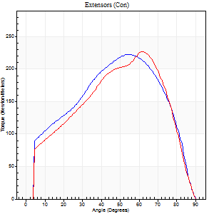
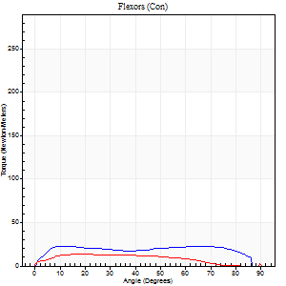
Right Side Curves Left Side Curves
Isokinetic Con/Con |  |  |  | Extensors (Con) |  | Flexors (Con)
Speed 60/60 d/s 3 Reps |  |  |  | Value | Cof Var | %BW | Value | Cof Var | %BW | Ratio

TORQUE PARAMETERS
Peak Torque (Newton-Meters - Best Repetition)
Right |  |  |  | 222 | 0.16 | 268 | 23 | 0.33 | 27 | 10
Left |  |  |  | 226 | 0.01 | 274 | 14 | 0.27 | 15 | 6
Deficit |  |  |  | 2 |  |  | 41
Work per Repetition (Newton-Meters - Best Repetition)
Right |  |  |  | 233 | 0.14 | 283 | 28 | 0.47 | 36 | 12
Left |  |  |  | 239 | 0.03 | 289 | 14 | 0.33 | 15 | 6
Deficit |  |  |  | 2 |  |  | 52
Average Power per Repetition (Watts - Best Repetition)
Right |  |  |  | 145 | 0.14 | 176 | 18 | 0.49 | 22 | 12
Left |  |  |  | 151 | 0.04 | 182 | 8 | 0.31 | 9 | 5
Deficit |  |  |  | 4 |  |  | 56
POSITION PARAMETERS
Joint Angle at Peak Torque (Degrees)
Right |  |  |  | 49 | 0.12 |  | 38 | 0.61
Left |  |  |  | 62 | 0.02 |  | 30 | 0.44
Range of Motion (Degrees)
Right |  |  |  | 0 | 0 |  | 90 | 0
Left |  |  |  | 0 | 0 |  | 90 | 0
TIME PARAMETERS
Time to Peak Torque (Seconds)
Right |  |  |  | 0.66 | 0.06 |  | 0.74 | 0.64
Left |  |  |  | 0.47 | 0.07 |  | 0.6 | 0.4
Time Peak Torque Held (Seconds)
Right |  |  |  | 0.04 | 0.13 |  | 0.32 | 1.73
Left |  |  |  | 0.05 | 0.54 |  | 0.1 | 1.73
Force Decay Time (Seconds)
Right |  |  |  | 0.83 | 0.13 |  | 0.56 | 0.34
Left |  |  |  | 1.05 | 0.03 |  | 0.95 | 0.51
Reciprocal Delay (Seconds)
Right |  |  |  | 0.3 | 0.24 |  | 0.58 | 0.14
Left |  |  |  | 0.3 | 0.14 |  | 0.49 | 0.05
Delay Time (Seconds)
Right |  |  |  | -0.01 | -0.47 |  | -0.02 | -2.27
Left |  |  |  | 0 | 0 |  | -0.03 | -0.22
HUMAC2015® Version: 15.000.0074 © Computer Sports Medicine, Inc. www.csmisolutions.com

Use File, Preference to set Report Heading
Long Form Torque vs. Position Report - Knee Extension/Flexion
Name: |  |  |  | TR024_109, | ID: | TR024_109 | Right/Left: | 28.09.2020 28.09.2020
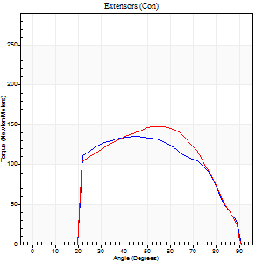
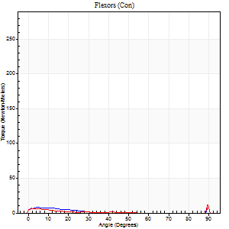
Right Side Curves Left Side Curves
Isokinetic Con/Con |  |  |  | Extensors (Con) |  | Flexors (Con)
Speed 240/240 d/s 3 Reps |  |  |  | Value | Cof Var | %BW | Value | Cof Var | %BW | Ratio

TORQUE PARAMETERS
Peak Torque (Newton-Meters - Best Repetition)
Right |  |  |  | 136 | 0.23 | 164 | 14 | 0.46 | 15 | 10
Left |  |  |  | 148 | 0.07 | 179 | 28 | 0.61 | 36 | 19
Deficit |  |  |  | 8 |  |  | 52
Work per Repetition (Newton-Meters - Best Repetition)
Right |  |  |  | 133 | 0.26 | 161 | 4 | 0.26 | 6 | 3
Left |  |  |  | 141 | 0.06 | 170 | 3 | 0.1 | 3 | 2
Deficit |  |  |  | 6 |  |  | 33
Average Power per Repetition (Watts - Best Repetition)
Right |  |  |  | 234 | 0.28 | 284 | 4 | 0.45 | 4 | 2
Left |  |  |  | 255 | 0.07 | 308 | 3 | 0.19 | 4 | 1
Deficit |  |  |  | 8 |  |  | 25
POSITION PARAMETERS
Joint Angle at Peak Torque (Degrees)
Right |  |  |  | 54 | 0.21 |  | 32 | 1.55
Left |  |  |  | 54 | 0.02 |  | 61 | 0.84
Range of Motion (Degrees)
Right |  |  |  | 0 | -0.2 |  | 90 | 0
Left |  |  |  | 0 | -0.28 |  | 90 | 0
TIME PARAMETERS
Time to Peak Torque (Seconds)
Right |  |  |  | 0.24 | 0.12 |  | 0.48 | 1.12
Left |  |  |  | 0.2 | 0 |  | 0.87 | 0.76
Time Peak Torque Held (Seconds)
Right |  |  |  | 0.01 | 0.43 |  | 0 | 1.73
Left |  |  |  | 0.01 | 0 |  | 0 | 0
Force Decay Time (Seconds)
Right |  |  |  | 0.33 | 0.17 |  | 0.64 | 1.08
Left |  |  |  | 0.32 | 0.02 |  | 0.14 | 4.09
Reciprocal Delay (Seconds)
Right |  |  |  | 0.23 | 0.33 |  | 0.72 | 0.3
Left |  |  |  | 0.38 | 0.09 |  | 0.55 | 0.08
Delay Time (Seconds)
Right |  |  |  | -0.01 | -1.41 |  | -0.04 | -0.35
Left |  |  |  | 0 | -1.41 |  | -0.04 | -0.25
HUMAC2015® Version: 15.000.0074 © Computer Sports Medicine, Inc. www.csmisolutions.com

Use File, Preference to set Report Heading
Isometric - Knee Extension/Flexion
Name: |  |  |  | TR024_109, | ID: | TR024_109 | Right/Left: | 28.09.2020 28.09.2020

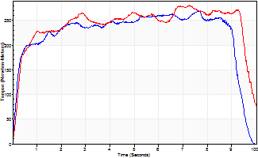
Isometric Extensors (Con) Angle 60 Time 10 Repetition 1 (Best Repetition)
 | Value | Cof Var | %BW
Peak Torque (Newton-Meters)
Right | 268 | 0 | 325
Left | 281 | 0 | 340
Deficit | 4
Average Torque (Newton-Meters)
Right | 221 | 0 | 268
Left | 239 | 0 | 289
Deficit | 7
Peak Torque Slope (Newton-Meters/Seconds)
Right | 35 | 0 | 42
Left | 39 | 0 | 47 |  | Right Side Curves Left Side Curves
Deficit | 9
Time to Half Peak Torque (Seconds)
Right | 0.22 | 0
Left | 0.28 | 0
Time to Peak Torque (Seconds)
Right | 7.62 | 0
Left | 7.25 | 0
HUMAC2015® Version: 15.000.0074 © Computer Sports Medicine, Inc. www.csmisolutions.com

Ark2
Use File, Preference to set Report Heading
Long Form Torque vs. Position Report - Knee Extension/Flexion
Name: |  |  |  | TR024_109, | ID: | TR024_109 | Right/Left: | 30.09.2020 30.09.2020
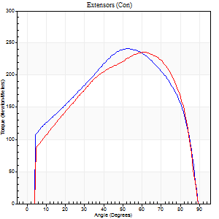
Right Side Curves Left Side Curves
Isokinetic Con/Con |  |  |  | Extensors (Con) |  | Flexors (Con)
Speed 60/60 d/s 3 Reps |  |  |  | Value | Cof Var | %BW | Value | Cof Var | %BW | Ratio

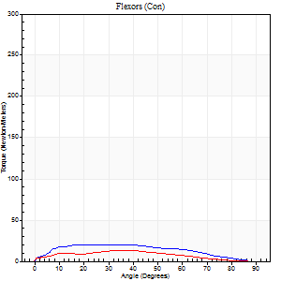
TORQUE PARAMETERS
Peak Torque (Newton-Meters - Best Repetition)
Right |  |  |  | 241 | 0.06 | 292 | 20 | 0.22 | 24 | 8
Left |  |  |  | 236 | 0.03 | 286 | 14 | 0.39 | 15 | 6
Deficit |  |  |  | 2 |  |  | 33
Work per Repetition (Newton-Meters - Best Repetition)
Right |  |  |  | 268 | 0.05 | 325 | 22 | 0.27 | 27 | 8
Left |  |  |  | 262 | 0.01 | 316 | 12 | 0.46 | 15 | 5
Deficit |  |  |  | 3 |  |  | 44
Average Power per Repetition (Watts - Best Repetition)
Right |  |  |  | 171 | 0.05 | 207 | 13 | 0.29 | 15 | 8
Left |  |  |  | 167 | 0.01 | 202 | 7 | 0.4 | 9 | 4
Deficit |  |  |  | 2 |  |  | 46
POSITION PARAMETERS
Joint Angle at Peak Torque (Degrees)
Right |  |  |  | 52 | 0 |  | 30 | 0.52
Left |  |  |  | 56 | 0.09 |  | 27 | 0.44
Range of Motion (Degrees)
Right |  |  |  | 0 | -0.47 |  | 90 | 0
Left |  |  |  | 0 | -0.28 |  | 90 | 0
TIME PARAMETERS
Time to Peak Torque (Seconds)
Right |  |  |  | 0.62 | 0.01 |  | 0.57 | 0.49
Left |  |  |  | 0.59 | 0.1 |  | 0.56 | 0.34
Time Peak Torque Held (Seconds)
Right |  |  |  | 0.06 | 0.2 |  | 0.06 | 0.88
Left |  |  |  | 0.08 | 0.2 |  | 0.02 | 1.73
Force Decay Time (Seconds)
Right |  |  |  | 0.87 | 0.02 |  | 1 | 0.11
Left |  |  |  | 0.92 | 0.1 |  | 1.19 | 0.3
Reciprocal Delay (Seconds)
Right |  |  |  | 0.27 | 0.52 |  | 0.58 | 0.16
Left |  |  |  | 0.26 | 0.44 |  | 0.57 | 0.08
Delay Time (Seconds)
Right |  |  |  | 0.01 | 0 |  | -0.01 | -0.43
Left |  |  |  | 0.03 | 0 |  | -0.04 | -0.16
HUMAC2015® Version: 15.000.0074 © Computer Sports Medicine, Inc. www.csmisolutions.com

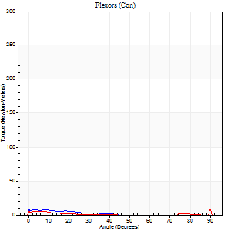
Use File, Preference to set Report Heading
Long Form Torque vs. Position Report - Knee Extension/Flexion
Name: |  |  |  | TR024_109, | ID: | TR024_109 | Right/Left: | 30.09.2020 30.09.2020
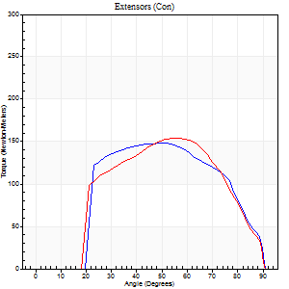
Right Side Curves Left Side Curves
Isokinetic Con/Con |  |  |  | Extensors (Con) |  | Flexors (Con)
Speed 240/240 d/s 3 Reps |  |  |  | Value | Cof Var | %BW | Value | Cof Var | %BW | Ratio

TORQUE PARAMETERS
Peak Torque (Newton-Meters - Best Repetition)
Right |  |  |  | 148 | 0.05 | 179 | 7 | 0.06 | 9 | 5
Left |  |  |  | 155 | 0.06 | 188 | 20 | 0.87 | 24 | 13
Deficit |  |  |  | 4 |  |  | 67
Work per Repetition (Newton-Meters - Best Repetition)
Right |  |  |  | 146 | 0.08 | 176 | 4 | 0.19 | 6 | 3
Left |  |  |  | 146 | 0.06 | 176 | 1 | 0.19 | 3 | 1
Deficit |  |  |  | 0 |  |  | 67
Average Power per Repetition (Watts - Best Repetition)
Right |  |  |  | 266 | 0.09 | 321 | 3 | 0.28 | 4 | 1
Left |  |  |  | 261 | 0.05 | 314 | 2 | 0.19 | 2 | 1
Deficit |  |  |  | 2 |  |  | 33
POSITION PARAMETERS
Joint Angle at Peak Torque (Degrees)
Right |  |  |  | 52 | 0.05 |  | 2 | 1.34
Left |  |  |  | 57 | 0.07 |  | 32 | 1.57
Range of Motion (Degrees)
Right |  |  |  | 0 | 0 |  | 90 | 0
Left |  |  |  | 0 | -0.47 |  | 90 | 0
TIME PARAMETERS
Time to Peak Torque (Seconds)
Right |  |  |  | 0.22 | 0.06 |  | 0.08 | 0.9
Left |  |  |  | 0.2 | 0.03 |  | 0.69 | 1.31
Time Peak Torque Held (Seconds)
Right |  |  |  | 0.02 | 0.49 |  | 0.07 | 1.73
Left |  |  |  | 0.01 | 1 |  | 0 | 0
Force Decay Time (Seconds)
Right |  |  |  | 0.3 | 0.07 |  | 0.97 | 0.2
Left |  |  |  | 0.34 | 0.03 |  | 0.66 | 1.06
Reciprocal Delay (Seconds)
Right |  |  |  | 0.21 | 0 |  | 0.53 | 0.12
Left |  |  |  | 0.26 | 0.16 |  | 0.54 | 0.12
Delay Time (Seconds)
Right |  |  |  | -0.01 | 0 |  | -0.03 | -0.17
Left |  |  |  | 0 | -1.41 |  | -0.06 | -0.09
HUMAC2015® Version: 15.000.0074 © Computer Sports Medicine, Inc. www.csmisolutions.com

Use File, Preference to set Report Heading
Isometric - Knee Extension/Flexion
Name: |  |  |  | TR024_109, | ID: | TR024_109 | Right/Left: | 30.09.2020 30.09.2020

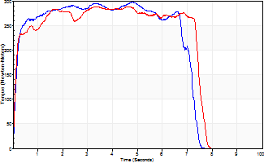
Isometric Extensors (Con) Angle 60 Time 10 Repetition 1 (Best Repetition)
 | Value | Cof Var | %BW
Peak Torque (Newton-Meters)
Right | 297 | 0 | 358
Left | 289 | 0 | 349
Deficit | 3
Average Torque (Newton-Meters)
Right | 195 | 0 | 235
Left | 201 | 0 | 241
Deficit | 3
Peak Torque Slope (Newton-Meters/Seconds)
Right | 62 | 0 | 75
Left | 62 | 0 | 75 |  | Right Side Curves Left Side Curves
Deficit | 1
Time to Half Peak Torque (Seconds)
Right | 0.14 | 0
Left | 0.11 | 0
Time to Peak Torque (Seconds)
Right | 4.77 | 0
Left | 4.66 | 0
HUMAC2015® Version: 15.000.0074 © Computer Sports Medicine, Inc. www.csmisolutions.com

Ark3
Use File, Preference to set Report Heading
Long Form Torque vs. Position Report - Knee Extension/Flexion
Name: |  |  |  | TR024_109, | ID: | TR024_109 | Right/Left: | 04.10.2020 04.10.2020
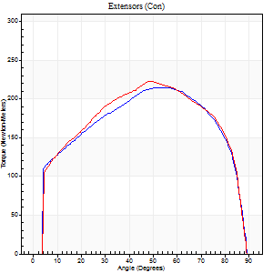
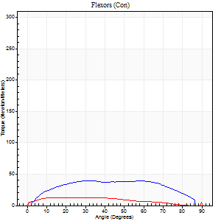
Right Side Curves Left Side Curves
Isokinetic Con/Con |  |  |  | Extensors (Con) |  | Flexors (Con)
Speed 60/60 d/s 3 Reps |  |  |  | Value | Cof Var | %BW | Value | Cof Var | %BW | Ratio

TORQUE PARAMETERS
Peak Torque (Newton-Meters - Best Repetition)
Right |  |  |  | 214 | 0.03 | 259 | 39 | 0.22 | 48 | 18
Left |  |  |  | 222 | 0.02 | 268 | 20 | 0.58 | 24 | 9
Deficit |  |  |  | 4 |  |  | 48
Work per Repetition (Newton-Meters - Best Repetition)
Right |  |  |  | 259 | 0.03 | 313 | 46 | 0.29 | 57 | 18
Left |  |  |  | 259 | 0.01 | 313 | 12 | 0.61 | 15 | 5
Deficit |  |  |  | 0 |  |  | 74
Average Power per Repetition (Watts - Best Repetition)
Right |  |  |  | 162 | 0.02 | 196 | 32 | 0.34 | 40 | 20
Left |  |  |  | 166 | 0.01 | 200 | 7 | 0.61 | 9 | 4
Deficit |  |  |  | 2 |  |  | 78
POSITION PARAMETERS
Joint Angle at Peak Torque (Degrees)
Right |  |  |  | 55 | 0.11 |  | 44 | 0.28
Left |  |  |  | 54 | 0.09 |  | 46 | 0.87
Range of Motion (Degrees)
Right |  |  |  | 0 | 0 |  | 90 | 0
Left |  |  |  | 0 | -0.28 |  | 90 | 0
TIME PARAMETERS
Time to Peak Torque (Seconds)
Right |  |  |  | 0.63 | 0.01 |  | 0.76 | 0.3
Left |  |  |  | 0.63 | 0.09 |  | 0.94 | 0.82
Time Peak Torque Held (Seconds)
Right |  |  |  | 0.07 | 0.53 |  | 0.19 | 1.28
Left |  |  |  | 0.07 | 0.57 |  | 0.39 | 1.73
Force Decay Time (Seconds)
Right |  |  |  | 0.9 | 0.15 |  | 0.6 | 0.34
Left |  |  |  | 0.9 | 0.09 |  | 0.34 | 2.45
Reciprocal Delay (Seconds)
Right |  |  |  | 0.37 | 0.42 |  | 0.42 | 0.23
Left |  |  |  | 0.24 | 0 |  | 0.52 | 0.13
Delay Time (Seconds)
Right |  |  |  | 0.01 | 0.47 |  | 0.04 | 1.29
Left |  |  |  | 0.02 | 0.71 |  | -0.02 | -0.65
HUMAC2015® Version: 15.000.0074 © Computer Sports Medicine, Inc. www.csmisolutions.com

Use File, Preference to set Report Heading
Long Form Torque vs. Position Report - Knee Extension/Flexion
Name: |  |  |  | TR024_109, | ID: | TR024_109 | Right/Left: | 04.10.2020 04.10.2020
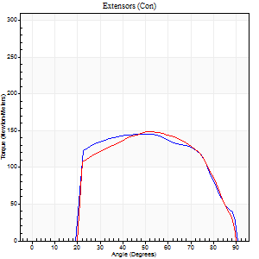
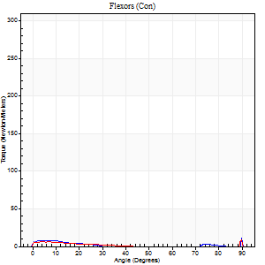
Right Side Curves Left Side Curves
Isokinetic Con/Con |  |  |  | Extensors (Con) |  | Flexors (Con)
Speed 240/240 d/s 3 Reps |  |  |  | Value | Cof Var | %BW | Value | Cof Var | %BW | Ratio

TORQUE PARAMETERS
Peak Torque (Newton-Meters - Best Repetition)
Right |  |  |  | 145 | 0.04 | 176 | 20 | 0.64 | 24 | 14
Left |  |  |  | 149 | 0.03 | 179 | 24 | 0.61 | 30 | 16
Deficit |  |  |  | 3 |  |  | 17
Work per Repetition (Newton-Meters - Best Repetition)
Right |  |  |  | 159 | 0.08 | 191 | 4 | 0.2 | 6 | 3
Left |  |  |  | 144 | 0.02 | 173 | 3 | 0.26 | 3 | 2
Deficit |  |  |  | 9 |  |  | 33
Average Power per Repetition (Watts - Best Repetition)
Right |  |  |  | 278 | 0.06 | 336 | 2 | 0.2 | 2 | 1
Left |  |  |  | 266 | 0.02 | 321 | 2 | 0.35 | 2 | 1
Deficit |  |  |  | 4 |  |  | 0
POSITION PARAMETERS
Joint Angle at Peak Torque (Degrees)
Right |  |  |  | 50 | 0.06 |  | 33 | 1.52
Left |  |  |  | 52 | 0.02 |  | 61 | 0.81
Range of Motion (Degrees)
Right |  |  |  | 0 | -0.2 |  | 90 | 0
Left |  |  |  | 0 | 0 |  | 90 | 0
TIME PARAMETERS
Time to Peak Torque (Seconds)
Right |  |  |  | 0.23 | 0.06 |  | 0.68 | 1.33
Left |  |  |  | 0.2 | 0 |  | 0.9 | 0.67
Time Peak Torque Held (Seconds)
Right |  |  |  | 0.01 | 1 |  | 0.03 | 1.73
Left |  |  |  | 0.01 | 0 |  | 0 | 1.73
Force Decay Time (Seconds)
Right |  |  |  | 0.3 | 0.02 |  | 0.71 | 1.06
Left |  |  |  | 0.32 | 0.02 |  | 0.31 | 2.4
Reciprocal Delay (Seconds)
Right |  |  |  | 0.37 | 0.27 |  | 0.53 | 0.16
Left |  |  |  | 0.22 | 0.41 |  | 0.5 | 0.05
Delay Time (Seconds)
Right |  |  |  | -0.01 | 0 |  | -0.03 | -0.46
Left |  |  |  | 0 | 0 |  | -0.06 | 0
HUMAC2015® Version: 15.000.0074 © Computer Sports Medicine, Inc. www.csmisolutions.com

Use File, Preference to set Report Heading
Isometric - Knee Extension/Flexion
Name: |  |  |  | TR024_109, | ID: | TR024_109 | Right/Left: | 04.10.2020 04.10.2020

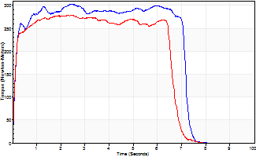
Isometric Extensors (Con) Angle 60 Time 10 Repetition 1 (Best Repetition)
 | Value | Cof Var | %BW
Peak Torque (Newton-Meters)
Right | 302 | 0 | 367
Left | 279 | 0 | 337
Deficit | 8
Average Torque (Newton-Meters)
Right | 202 | 0 | 244
Left | 175 | 0 | 212
Deficit | 13
Peak Torque Slope (Newton-Meters/Seconds)
Right | 126 | 0 | 152
Left | 112 | 0 | 135 |  | Right Side Curves Left Side Curves
Deficit | 11
Time to Half Peak Torque (Seconds)
Right | 0.11 | 0
Left | 0.1 | 0
Time to Peak Torque (Seconds)
Right | 2.4 | 0
Left | 2.48 | 0
HUMAC2015® Version: 15.000.0074 © Computer Sports Medicine, Inc. www.csmisolutions.com

Ark4
Use File, Preference to set Report Heading
Long Form Torque vs. Position Report - Knee Extension/Flexion
Name: |  |  |  | TR024_109, | ID: | TR024_109 | Right/Left: | 08.10.2020 08.10.2020
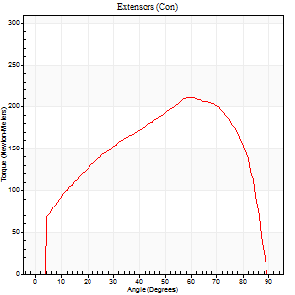
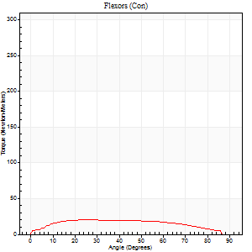
Right Side Curves Left Side Curves
Isokinetic Con/Con |  |  |  | Extensors (Con) |  | Flexors (Con)
Speed 60/60 d/s 3 Reps |  |  |  | Value | Cof Var | %BW | Value | Cof Var | %BW | Ratio

TORQUE PARAMETERS
Peak Torque (Newton-Meters - Best Repetition)
Right |  |  |  | 0 | 0 | 0 | 0 | 0 | 0 | 0
Left |  |  |  | 210 | 0.02 | 253 | 20 | 0.26 | 24 | 10
Deficit |  |  |  | 0 |  |  | 0
Work per Repetition (Newton-Meters - Best Repetition)
Right |  |  |  | 0 | 0 | 0 | 0 | 0 | 0 | 0
Left |  |  |  | 233 | 0.01 | 283 | 23 | 0.31 | 27 | 10
Deficit |  |  |  | 0 |  |  | 0
Average Power per Repetition (Watts - Best Repetition)
Right |  |  |  | 0 | 0 | 0 | 0 | 0 | 0 | 0
Left |  |  |  | 150 | 0.01 | 180 | 14 | 0.29 | 18 | 9
Deficit |  |  |  | 0 |  |  | 0
POSITION PARAMETERS
Joint Angle at Peak Torque (Degrees)
Right |  |  |  | 0 | 0 |  | 0 | 0
Left |  |  |  | 58 | 0.04 |  | 26 | 0.31
Range of Motion (Degrees)
Right |  |  |  | 0 | 0 |  | 0 | 0
Left |  |  |  | 0 | -0.47 |  | 90 | 0
TIME PARAMETERS
Time to Peak Torque (Seconds)
Right |  |  |  | 0 | 0 |  | 0 | 0
Left |  |  |  | 0.51 | 0.04 |  | 0.53 | 0.25
Time Peak Torque Held (Seconds)
Right |  |  |  | 0 | 0 |  | 0 | 0
Left |  |  |  | 0.06 | 0.37 |  | 0.07 | 1.19
Force Decay Time (Seconds)
Right |  |  |  | 0 | 0 |  | 0 | 0
Left |  |  |  | 0.96 | 0.05 |  | 1.01 | 0.07
Reciprocal Delay (Seconds)
Right |  |  |  | 0 | 0 |  | 0 | 0
Left |  |  |  | 0.28 | 0.27 |  | 0.48 | 0.04
Delay Time (Seconds)
Right |  |  |  | 0 | 0 |  | 0 | 0
Left |  |  |  | 0.02 | 0.28 |  | -0.03 | 0
HUMAC2015® Version: 15.000.0074 © Computer Sports Medicine, Inc. www.csmisolutions.com

Use File, Preference to set Report Heading
Long Form Torque vs. Position Report - Knee Extension/Flexion
Name: |  |  |  | TR024_109, | ID: | TR024_109 | Right/Left: | 08.10.2020 08.10.2020
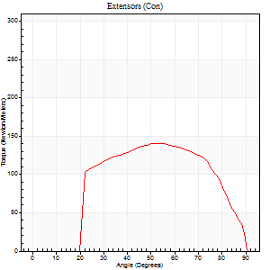
Right Side Curves Left Side Curves
Isokinetic Con/Con |  |  |  | Extensors (Con) |  | Flexors (Con)
Speed 240/240 d/s 3 Reps |  |  |  | Value | Cof Var | %BW | Value | Cof Var | %BW | Ratio
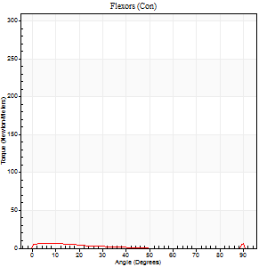

TORQUE PARAMETERS
Peak Torque (Newton-Meters - Best Repetition)
Right |  |  |  | 0 | 0 | 0 | 0 | 0 | 0 | 0
Left |  |  |  | 141 | 0.03 | 170 | 23 | 0.85 | 27 | 16
Deficit |  |  |  | 0 |  |  | 0
Work per Repetition (Newton-Meters - Best Repetition)
Right |  |  |  | 0 | 0 | 0 | 0 | 0 | 0 | 0
Left |  |  |  | 138 | 0.04 | 167 | 3 | 0.34 | 3 | 2
Deficit |  |  |  | 0 |  |  | 0
Average Power per Repetition (Watts - Best Repetition)
Right |  |  |  | 0 | 0 | 0 | 0 | 0 | 0 | 0
Left |  |  |  | 252 | 0.05 | 303 | 3 | 0.5 | 4 | 1
Deficit |  |  |  | 0 |  |  | 0
POSITION PARAMETERS
Joint Angle at Peak Torque (Degrees)
Right |  |  |  | 0 | 0 |  | 0 | 0
Left |  |  |  | 53 | 0.01 |  | 32 | 1.56
Range of Motion (Degrees)
Right |  |  |  | 0 | 0 |  | 0 | 0
Left |  |  |  | 0 | 0 |  | 90 | 0
TIME PARAMETERS
Time to Peak Torque (Seconds)
Right |  |  |  | 0 | 0 |  | 0 | 0
Left |  |  |  | 0.2 | 0.03 |  | 0.47 | 1.21
Time Peak Torque Held (Seconds)
Right |  |  |  | 0 | 0 |  | 0 | 0
Left |  |  |  | 0.01 | 0 |  | 0.07 | 1.25
Force Decay Time (Seconds)
Right |  |  |  | 0 | 0 |  | 0 | 0
Left |  |  |  | 0.33 | 0.04 |  | 0.67 | 1.08
Reciprocal Delay (Seconds)
Right |  |  |  | 0 | 0 |  | 0 | 0
Left |  |  |  | 0.39 | 0.02 |  | 0.45 | 0.09
Delay Time (Seconds)
Right |  |  |  | 0 | 0 |  | 0 | 0
Left |  |  |  | 0 | -1.41 |  | -0.07 | -0.17
HUMAC2015® Version: 15.000.0074 © Computer Sports Medicine, Inc. www.csmisolutions.com

Use File, Preference to set Report Heading
Isometric - Knee Extension/Flexion
Name: |  |  |  | TR024_109, | ID: | TR024_109 | Right/Left: | 08.10.2020 08.10.2020

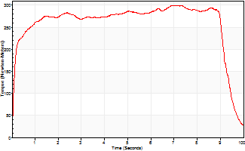
Isometric Extensors (Con) Angle 60 Time 10 Repetition 1 (Best Repetition)
 | Value | Cof Var | %BW
Peak Torque (Newton-Meters)
Right | 0 | 0 | 0
Left | 300 | 0 | 361
Deficit | 0
Average Torque (Newton-Meters)
Right | 0 | 0 | 0
Left | 258 | 0 | 310
Deficit | 0
Peak Torque Slope (Newton-Meters/Seconds)
Right | 0 | 0 | 0
Left | 43 | 0 | 52 |  | Right Side Curves Left Side Curves
Deficit | 0
Time to Half Peak Torque (Seconds)
Right | 0 | 0
Left | 0.11 | 0
Time to Peak Torque (Seconds)
Right | 0 | 0
Left | 6.89 | 0
HUMAC2015® Version: 15.000.0074 © Computer Sports Medicine, Inc. www.csmisolutions.com

Ark5
Use File, Preference to set Report Heading
Long Form Torque vs. Position Report - Knee Extension/Flexion
Name: |  |  |  | TR024_109, | ID: | TR024_109 | Right/Left: | 09.10.2020 09.10.2020
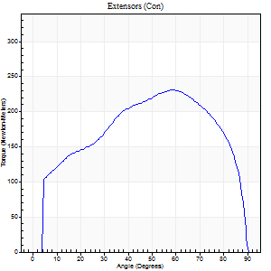
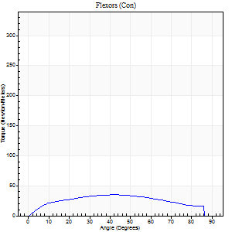
Right Side Curves Left Side Curves
Isokinetic Con/Con |  |  |  | Extensors (Con) |  | Flexors (Con)
Speed 60/60 d/s 3 Reps |  |  |  | Value | Cof Var | %BW | Value | Cof Var | %BW | Ratio

TORQUE PARAMETERS
Peak Torque (Newton-Meters - Best Repetition)
Right |  |  |  | 231 | 0.02 | 277 | 35 | 0.14 | 42 | 15
Left |  |  |  | 0 | 0 | 0 | 0 | 0 | 0 | 0
Deficit |  |  |  | 0 |  |  | 0
Work per Repetition (Newton-Meters - Best Repetition)
Right |  |  |  | 264 | 0.02 | 319 | 38 | 0.19 | 45 | 14
Left |  |  |  | 0 | 0 | 0 | 0 | 0 | 0 | 0
Deficit |  |  |  | 0 |  |  | 0
Average Power per Repetition (Watts - Best Repetition)
Right |  |  |  | 166 | 0.01 | 200 | 25 | 0.18 | 31 | 15
Left |  |  |  | 0 | 0 | 0 | 0 | 0 | 0 | 0
Deficit |  |  |  | 0 |  |  | 0
POSITION PARAMETERS
Joint Angle at Peak Torque (Degrees)
Right |  |  |  | 58 | 0.02 |  | 40 | 0.13
Left |  |  |  | 0 | 0 |  | 0 | 0
Range of Motion (Degrees)
Right |  |  |  | 0 | -0.2 |  | 90 | 0
Left |  |  |  | 0 | 0 |  | 0 | 0
TIME PARAMETERS
Time to Peak Torque (Seconds)
Right |  |  |  | 0.54 | 0.03 |  | 0.7 | 0.13
Left |  |  |  | 0 | 0 |  | 0 | 0
Time Peak Torque Held (Seconds)
Right |  |  |  | 0.07 | 0.38 |  | 0.02 | 1.73
Left |  |  |  | 0 | 0 |  | 0 | 0
Force Decay Time (Seconds)
Right |  |  |  | 0.95 | 0.03 |  | 0.81 | 0.17
Left |  |  |  | 0 | 0 |  | 0 | 0
Reciprocal Delay (Seconds)
Right |  |  |  | 0.2 | 0.07 |  | 0.42 | 0
Left |  |  |  | 0 | 0 |  | 0 | 0
Delay Time (Seconds)
Right |  |  |  | 0.02 | 0 |  | 0.01 | 1.15
Left |  |  |  | 0 | 0 |  | 0 | 0
HUMAC2015® Version: 15.000.0074 © Computer Sports Medicine, Inc. www.csmisolutions.com

Use File, Preference to set Report Heading
Long Form Torque vs. Position Report - Knee Extension/Flexion
Name: |  |  |  | TR024_109, | ID: | TR024_109 | Right/Left: | 09.10.2020 09.10.2020

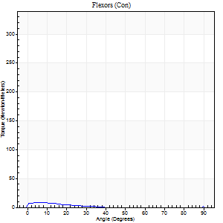
Right Side Curves Left Side Curves
Isokinetic Con/Con |  |  |  | Extensors (Con) |  | Flexors (Con)
Speed 240/240 d/s 3 Reps |  |  |  | Value | Cof Var | %BW | Value | Cof Var | %BW | Ratio

TORQUE PARAMETERS
Peak Torque (Newton-Meters - Best Repetition)
Right |  |  |  | 138 | 0.01 | 167 | 19 | 0.64 | 24 | 14
Left |  |  |  | 0 | 0 | 0 | 0 | 0 | 0 | 0
Deficit |  |  |  | 0 |  |  | 0
Work per Repetition (Newton-Meters - Best Repetition)
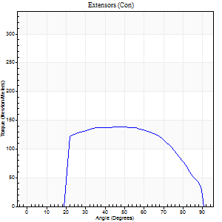
Right |  |  |  | 142 | 0.01 | 173 | 3 | 0.2 | 3 | 2
Left |  |  |  | 0 | 0 | 0 | 0 | 0 | 0 | 0
Deficit |  |  |  | 0 |  |  | 0
Average Power per Repetition (Watts - Best Repetition)
Right |  |  |  | 260 | 0.02 | 314 | 3 | 0.23 | 4 | 1
Left |  |  |  | 0 | 0 | 0 | 0 | 0 | 0 | 0
Deficit |  |  |  | 0 |  |  | 0
POSITION PARAMETERS
Joint Angle at Peak Torque (Degrees)
Right |  |  |  | 44 | 0.03 |  | 33 | 1.5
Left |  |  |  | 0 | 0 |  | 0 | 0
Range of Motion (Degrees)
Right |  |  |  | 0 | -0.71 |  | 90 | 0
Left |  |  |  | 0 | 0 |  | 0 | 0
TIME PARAMETERS
Time to Peak Torque (Seconds)
Right |  |  |  | 0.25 | 0.06 |  | 0.53 | 1.19
Left |  |  |  | 0 | 0 |  | 0 | 0
Time Peak Torque Held (Seconds)
Right |  |  |  | 0.03 | 0.35 |  | 0.02 | 0.89
Left |  |  |  | 0 | 0 |  | 0 | 0
Force Decay Time (Seconds)
Right |  |  |  | 0.26 | 0.02 |  | 0.55 | 1.15
Left |  |  |  | 0 | 0 |  | 0 | 0
Reciprocal Delay (Seconds)
Right |  |  |  | 0.4 | 0 |  | 0.47 | 0.17
Left |  |  |  | 0 | 0 |  | 0 | 0
Delay Time (Seconds)
Right |  |  |  | -0.01 | -0.47 |  | -0.03 | -0.17
Left |  |  |  | 0 | 0 |  | 0 | 0
HUMAC2015® Version: 15.000.0074 © Computer Sports Medicine, Inc. www.csmisolutions.com

Use File, Preference to set Report Heading
Isometric - Knee Extension/Flexion
Name: |  |  |  | TR024_109, | ID: | TR024_109 | Right/Left: | 09.10.2020 09.10.2020

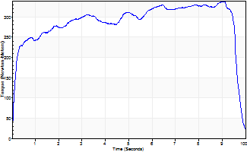
Isometric Extensors (Con) Angle 60 Time 10 Repetition 1 (Best Repetition)
 | Value | Cof Var | %BW
Peak Torque (Newton-Meters)
Right | 338 | 0 | 408
Left | 0 | 0 | 0
Deficit | 0
Average Torque (Newton-Meters)
Right | 285 | 0 | 343
Left | 0 | 0 | 0
Deficit | 0
Peak Torque Slope (Newton-Meters/Seconds)
Right | 37 | 0 | 45
Left | 0 | 0 | 0 |  | Right Side Curves Left Side Curves
Deficit | 0
Time to Half Peak Torque (Seconds)
Right | 0.17 | 0
Left | 0 | 0
Time to Peak Torque (Seconds)
Right | 9.07 | 0
Left | 0 | 0
HUMAC2015® Version: 15.000.0074 © Computer Sports Medicine, Inc. www.csmisolutions.com

Ark6
Use File, Preference to set Report Heading
Long Form Torque vs. Position Report - Knee Extension/Flexion
Name: |  |  |  | TR024_109, | ID: | TR024_109 | Right/Left: | 12.10.2020 12.10.2020
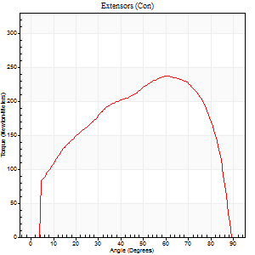
Right Side Curves Left Side Curves
Isokinetic Con/Con |  |  |  | Extensors (Con) |  | Flexors (Con)
Speed 60/60 d/s 3 Reps |  |  |  | Value | Cof Var | %BW | Value | Cof Var | %BW | Ratio
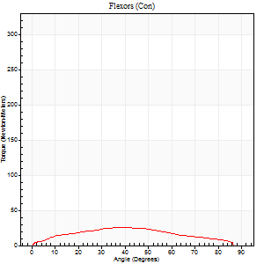

TORQUE PARAMETERS
Peak Torque (Newton-Meters - Best Repetition)
Right |  |  |  | 0 | 0 | 0 | 0 | 0 | 0 | 0
Left |  |  |  | 237 | 0.06 | 286 | 26 | 0.13 | 30 | 11
Deficit |  |  |  | 0 |  |  | 0
Work per Repetition (Newton-Meters - Best Repetition)
Right |  |  |  | 0 | 0 | 0 | 0 | 0 | 0 | 0
Left |  |  |  | 263 | 0.04 | 319 | 26 | 0.13 | 30 | 10
Deficit |  |  |  | 0 |  |  | 0
Average Power per Repetition (Watts - Best Repetition)
Right |  |  |  | 0 | 0 | 0 | 0 | 0 | 0 | 0
Left |  |  |  | 169 | 0.03 | 204 | 16 | 0.13 | 20 | 9
Deficit |  |  |  | 0 |  |  | 0
POSITION PARAMETERS
Joint Angle at Peak Torque (Degrees)
Right |  |  |  | 0 | 0 |  | 0 | 0
Left |  |  |  | 59 | 0.09 |  | 41 | 0.05
Range of Motion (Degrees)
Right |  |  |  | 0 | 0 |  | 0 | 0
Left |  |  |  | 0 | -0.47 |  | 90 | 0
TIME PARAMETERS
Time to Peak Torque (Seconds)
Right |  |  |  | 0 | 0 |  | 0 | 0
Left |  |  |  | 0.55 | 0.14 |  | 0.76 | 0.07
Time Peak Torque Held (Seconds)
Right |  |  |  | 0 | 0 |  | 0 | 0
Left |  |  |  | 0.06 | 0.2 |  | 0.05 | 0.57
Force Decay Time (Seconds)
Right |  |  |  | 0 | 0 |  | 0 | 0
Left |  |  |  | 0.99 | 0.1 |  | 0.79 | 0.07
Reciprocal Delay (Seconds)
Right |  |  |  | 0 | 0 |  | 0 | 0
Left |  |  |  | 0.23 | 0.12 |  | 0.36 | 0.11
Delay Time (Seconds)
Right |  |  |  | 0 | 0 |  | 0 | 0
Left |  |  |  | 0.01 | 0.47 |  | -0.02 | -0.92
HUMAC2015® Version: 15.000.0074 © Computer Sports Medicine, Inc. www.csmisolutions.com

Use File, Preference to set Report Heading
Long Form Torque vs. Position Report - Knee Extension/Flexion
Name: |  |  |  | TR024_109, | ID: | TR024_109 | Right/Left: | 12.10.2020 12.10.2020
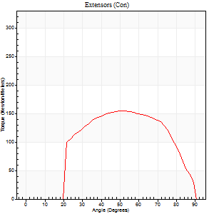
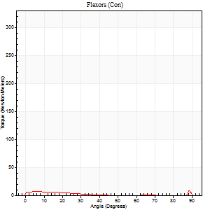
Right Side Curves Left Side Curves
Isokinetic Con/Con |  |  |  | Extensors (Con) |  | Flexors (Con)
Speed 240/240 d/s 3 Reps |  |  |  | Value | Cof Var | %BW | Value | Cof Var | %BW | Ratio

TORQUE PARAMETERS
Peak Torque (Newton-Meters - Best Repetition)
Right |  |  |  | 0 | 0 | 0 | 0 | 0 | 0 | 0
Left |  |  |  | 155 | 0.03 | 188 | 26 | 0.67 | 30 | 17
Deficit |  |  |  | 0 |  |  | 0
Work per Repetition (Newton-Meters - Best Repetition)
Right |  |  |  | 0 | 0 | 0 | 0 | 0 | 0 | 0
Left |  |  |  | 151 | 0.03 | 182 | 3 | 0.11 | 3 | 2
Deficit |  |  |  | 0 |  |  | 0
Average Power per Repetition (Watts - Best Repetition)
Right |  |  |  | 0 | 0 | 0 | 0 | 0 | 0 | 0
Left |  |  |  | 274 | 0.04 | 332 | 3 | 0.12 | 4 | 1
Deficit |  |  |  | 0 |  |  | 0
POSITION PARAMETERS
Joint Angle at Peak Torque (Degrees)
Right |  |  |  | 0 | 0 |  | 0 | 0
Left |  |  |  | 52 | 0.02 |  | 62 | 0.8
Range of Motion (Degrees)
Right |  |  |  | 0 | 0 |  | 0 | 0
Left |  |  |  | 0 | 0 |  | 90 | 0
TIME PARAMETERS
Time to Peak Torque (Seconds)
Right |  |  |  | 0 | 0 |  | 0 | 0
Left |  |  |  | 0.22 | 0.03 |  | 0.91 | 0.67
Time Peak Torque Held (Seconds)
Right |  |  |  | 0 | 0 |  | 0 | 0
Left |  |  |  | 0.02 | 0.35 |  | 0 | 1.73
Force Decay Time (Seconds)
Right |  |  |  | 0 | 0 |  | 0 | 0
Left |  |  |  | 0.32 | 0.04 |  | 0.09 | 6.63
Reciprocal Delay (Seconds)
Right |  |  |  | 0 | 0 |  | 0 | 0
Left |  |  |  | 0.44 | 0.18 |  | 0.55 | 0.06
Delay Time (Seconds)
Right |  |  |  | 0 | 0 |  | 0 | 0
Left |  |  |  | -0.01 | -0.47 |  | -0.06 | 0
HUMAC2015® Version: 15.000.0074 © Computer Sports Medicine, Inc. www.csmisolutions.com

Use File, Preference to set Report Heading
Isometric - Knee Extension/Flexion
Name: |  |  |  | TR024_109, | ID: | TR024_109 | Right/Left: | 12.10.2020 12.10.2020

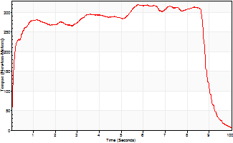
Isometric Extensors (Con) Angle 60 Time 10 Repetition 1 (Best Repetition)
 | Value | Cof Var | %BW
Peak Torque (Newton-Meters)
Right | 0 | 0 | 0
Left | 320 | 0 | 387
Deficit | 0
Average Torque (Newton-Meters)
Right | 0 | 0 | 0
Left | 258 | 0 | 310
Deficit | 0
Peak Torque Slope (Newton-Meters/Seconds)
Right | 0 | 0 | 0
Left | 55 | 0 | 67 |  | Right Side Curves Left Side Curves
Deficit | 0
Time to Half Peak Torque (Seconds)
Right | 0 | 0
Left | 0.11 | 0
Time to Peak Torque (Seconds)
Right | 0 | 0
Left | 5.76 | 0
HUMAC2015® Version: 15.000.0074 © Computer Sports Medicine, Inc. www.csmisolutions.com

Ark7
Use File, Preference to set Report Heading
Long Form Torque vs. Position Report - Knee Extension/Flexion
Name: |  |  |  | TR024_109, | ID: | TR024_109 | Right/Left: | 13.10.2020 13.10.2020
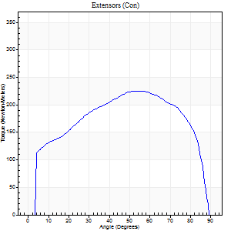
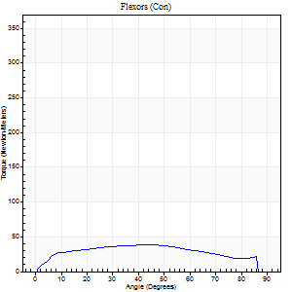
Right Side Curves Left Side Curves
Isokinetic Con/Con |  |  |  | Extensors (Con) |  | Flexors (Con)
Speed 60/60 d/s 3 Reps |  |  |  | Value | Cof Var | %BW | Value | Cof Var | %BW | Ratio

TORQUE PARAMETERS
Peak Torque (Newton-Meters - Best Repetition)
Right |  |  |  | 225 | 0.02 | 271 | 38 | 0.11 | 45 | 17
Left |  |  |  | 0 | 0 | 0 | 0 | 0 | 0 | 0
Deficit |  |  |  | 0 |  |  | 0
Work per Repetition (Newton-Meters - Best Repetition)
Right |  |  |  | 264 | 0.03 | 319 | 43 | 0.16 | 54 | 16
Left |  |  |  | 0 | 0 | 0 | 0 | 0 | 0 | 0
Deficit |  |  |  | 0 |  |  | 0
Average Power per Repetition (Watts - Best Repetition)
Right |  |  |  | 170 | 0.03 | 204 | 28 | 0.16 | 33 | 16
Left |  |  |  | 0 | 0 | 0 | 0 | 0 | 0 | 0
Deficit |  |  |  | 0 |  |  | 0
POSITION PARAMETERS
Joint Angle at Peak Torque (Degrees)
Right |  |  |  | 56 | 0.1 |  | 46 | 0.07
Left |  |  |  | 0 | 0 |  | 0 | 0
Range of Motion (Degrees)
Right |  |  |  | 0 | -0.28 |  | 90 | 0
Left |  |  |  | 0 | 0 |  | 0 | 0
TIME PARAMETERS
Time to Peak Torque (Seconds)
Right |  |  |  | 0.62 | 0.01 |  | 0.79 | 0.06
Left |  |  |  | 0 | 0 |  | 0 | 0
Time Peak Torque Held (Seconds)
Right |  |  |  | 0.07 | 0.38 |  | 0.03 | 1.73
Left |  |  |  | 0 | 0 |  | 0 | 0
Force Decay Time (Seconds)
Right |  |  |  | 0.92 | 0.12 |  | 0.7 | 0.14
Left |  |  |  | 0 | 0 |  | 0 | 0
Reciprocal Delay (Seconds)
Right |  |  |  | 0.31 | 0.39 |  | 0.36 | 0.11
Left |  |  |  | 0 | 0 |  | 0 | 0
Delay Time (Seconds)
Right |  |  |  | 0.02 | 0 |  | 0.04 | 0.63
Left |  |  |  | 0 | 0 |  | 0 | 0
HUMAC2015® Version: 15.000.0074 © Computer Sports Medicine, Inc. www.csmisolutions.com

Use File, Preference to set Report Heading
Long Form Torque vs. Position Report - Knee Extension/Flexion
Name: |  |  |  | TR024_109, | ID: | TR024_109 | Right/Left: | 13.10.2020 13.10.2020
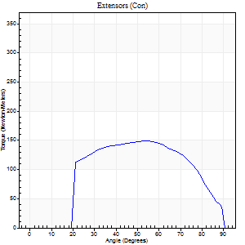
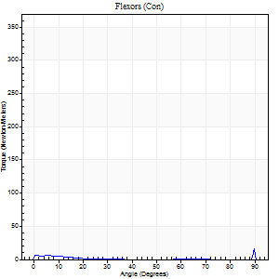
Right Side Curves Left Side Curves
Isokinetic Con/Con |  |  |  | Extensors (Con) |  | Flexors (Con)
Speed 240/240 d/s 3 Reps |  |  |  | Value | Cof Var | %BW | Value | Cof Var | %BW | Ratio

TORQUE PARAMETERS
Peak Torque (Newton-Meters - Best Repetition)
Right |  |  |  | 149 | 0.06 | 179 | 35 | 0.66 | 42 | 24
Left |  |  |  | 0 | 0 | 0 | 0 | 0 | 0 | 0
Deficit |  |  |  | 0 |  |  | 0
Work per Repetition (Newton-Meters - Best Repetition)
Right |  |  |  | 160 | 0.08 | 194 | 4 | 0.31 | 6 | 3
Left |  |  |  | 0 | 0 | 0 | 0 | 0 | 0 | 0
Deficit |  |  |  | 0 |  |  | 0
Average Power per Repetition (Watts - Best Repetition)
Right |  |  |  | 277 | 0.04 | 334 | 4 | 0.53 | 4 | 1
Left |  |  |  | 0 | 0 | 0 | 0 | 0 | 0 | 0
Deficit |  |  |  | 0 |  |  | 0
POSITION PARAMETERS
Joint Angle at Peak Torque (Degrees)
Right |  |  |  | 49 | 0.14 |  | 63 | 0.74
Left |  |  |  | 0 | 0 |  | 0 | 0
Range of Motion (Degrees)
Right |  |  |  | 0 | 0 |  | 90 | 0
Left |  |  |  | 0 | 0 |  | 0 | 0
TIME PARAMETERS
Time to Peak Torque (Seconds)
Right |  |  |  | 0.22 | 0.09 |  | 1.01 | 0.67
Left |  |  |  | 0 | 0 |  | 0 | 0
Time Peak Torque Held (Seconds)
Right |  |  |  | 0.01 | 0.87 |  | 0 | 1.73
Left |  |  |  | 0 | 0 |  | 0 | 0
Force Decay Time (Seconds)
Right |  |  |  | 0.3 | 0.12 |  | 0.04 | 10.74
Left |  |  |  | 0 | 0 |  | 0 | 0
Reciprocal Delay (Seconds)
Right |  |  |  | 0.4 | 0 |  | 0.47 | 0.07
Left |  |  |  | 0 | 0 |  | 0 | 0
Delay Time (Seconds)
Right |  |  |  | -0.02 | -0.71 |  | -0.05 | -0.12
Left |  |  |  | 0 | 0 |  | 0 | 0
HUMAC2015® Version: 15.000.0074 © Computer Sports Medicine, Inc. www.csmisolutions.com

Use File, Preference to set Report Heading
Isometric - Knee Extension/Flexion
Name: |  |  |  | TR024_109, | ID: | TR024_109 | Right/Left: | 13.10.2020 13.10.2020

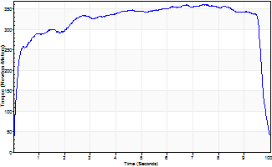
Isometric Extensors (Con) Angle 60 Time 10 Repetition 1 (Best Repetition)
 | Value | Cof Var | %BW
Peak Torque (Newton-Meters)
Right | 361 | 0 | 435
Left | 0 | 0 | 0
Deficit | 0
Average Torque (Newton-Meters)
Right | 319 | 0 | 384
Left | 0 | 0 | 0
Deficit | 0
Peak Torque Slope (Newton-Meters/Seconds)
Right | 49 | 0 | 59
Left | 0 | 0 | 0 |  | Right Side Curves Left Side Curves
Deficit | 0
Time to Half Peak Torque (Seconds)
Right | 0.16 | 0
Left | 0 | 0
Time to Peak Torque (Seconds)
Right | 7.37 | 0
Left | 0 | 0
HUMAC2015® Version: 15.000.0074 © Computer Sports Medicine, Inc. www.csmisolutions.com

Ark8
Use File, Preference to set Report Heading
Long Form Torque vs. Position Report - Knee Extension/Flexion
Name: |  |  |  | TR024_109, | ID: | TR024_109 | Right/Left: | 15.10.2020 15.10.2020
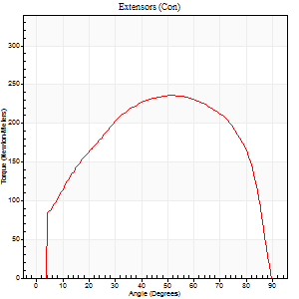
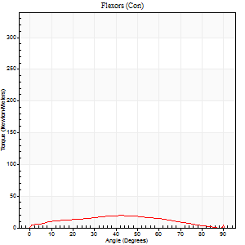
Right Side Curves Left Side Curves
Isokinetic Con/Con |  |  |  | Extensors (Con) |  | Flexors (Con)
Speed 60/60 d/s 3 Reps |  |  |  | Value | Cof Var | %BW | Value | Cof Var | %BW | Ratio

TORQUE PARAMETERS
Peak Torque (Newton-Meters - Best Repetition)
Right |  |  |  | 0 | 0 | 0 | 0 | 0 | 0 | 0
Left |  |  |  | 236 | 0.06 | 286 | 19 | 0.18 | 24 | 8
Deficit |  |  |  | 0 |  |  | 0
Work per Repetition (Newton-Meters - Best Repetition)
Right |  |  |  | 0 | 0 | 0 | 0 | 0 | 0 | 0
Left |  |  |  | 274 | 0.04 | 331 | 19 | 0.16 | 24 | 7
Deficit |  |  |  | 0 |  |  | 0
Average Power per Repetition (Watts - Best Repetition)
Right |  |  |  | 0 | 0 | 0 | 0 | 0 | 0 | 0
Left |  |  |  | 176 | 0.05 | 213 | 11 | 0.12 | 13 | 6
Deficit |  |  |  | 0 |  |  | 0
POSITION PARAMETERS
Joint Angle at Peak Torque (Degrees)
Right |  |  |  | 0 | 0 |  | 0 | 0
Left |  |  |  | 58 | 0.14 |  | 41 | 0.17
Range of Motion (Degrees)
Right |  |  |  | 0 | 0 |  | 0 | 0
Left |  |  |  | 0 | -0.47 |  | 90 | 0
TIME PARAMETERS
Time to Peak Torque (Seconds)
Right |  |  |  | 0 | 0 |  | 0 | 0
Left |  |  |  | 0.6 | 0.12 |  | 0.76 | 0.19
Time Peak Torque Held (Seconds)
Right |  |  |  | 0 | 0 |  | 0 | 0
Left |  |  |  | 0.1 | 0.36 |  | 0.08 | 1.31
Force Decay Time (Seconds)
Right |  |  |  | 0 | 0 |  | 0 | 0
Left |  |  |  | 0.92 | 0.15 |  | 0.78 | 0.09
Reciprocal Delay (Seconds)
Right |  |  |  | 0 | 0 |  | 0 | 0
Left |  |  |  | 0.5 | 0.41 |  | 0.35 | 0.16
Delay Time (Seconds)
Right |  |  |  | 0 | 0 |  | 0 | 0
Left |  |  |  | 0.01 | 0.47 |  | -0.01 | -1.73
HUMAC2015® Version: 15.000.0074 © Computer Sports Medicine, Inc. www.csmisolutions.com

Use File, Preference to set Report Heading
Long Form Torque vs. Position Report - Knee Extension/Flexion
Name: |  |  |  | TR024_109, | ID: | TR024_109 | Right/Left: | 15.10.2020 15.10.2020
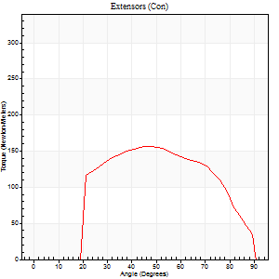
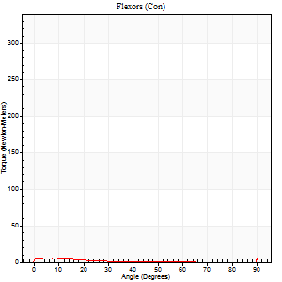
Right Side Curves Left Side Curves
Isokinetic Con/Con |  |  |  | Extensors (Con) |  | Flexors (Con)
Speed 240/240 d/s 3 Reps |  |  |  | Value | Cof Var | %BW | Value | Cof Var | %BW | Ratio

TORQUE PARAMETERS
Peak Torque (Newton-Meters - Best Repetition)
Right |  |  |  | 0 | 0 | 0 | 0 | 0 | 0 | 0
Left |  |  |  | 156 | 0.03 | 188 | 22 | 0.61 | 27 | 14
Deficit |  |  |  | 0 |  |  | 0
Work per Repetition (Newton-Meters - Best Repetition)
Right |  |  |  | 0 | 0 | 0 | 0 | 0 | 0 | 0
Left |  |  |  | 153 | 0.04 | 185 | 1 | 1.65 | 3 | 1
Deficit |  |  |  | 0 |  |  | 0
Average Power per Repetition (Watts - Best Repetition)
Right |  |  |  | 0 | 0 | 0 | 0 | 0 | 0 | 0
Left |  |  |  | 280 | 0.05 | 338 | 2 | 1.55 | 2 | 1
Deficit |  |  |  | 0 |  |  | 0
POSITION PARAMETERS
Joint Angle at Peak Torque (Degrees)
Right |  |  |  | 0 | 0 |  | 0 | 0
Left |  |  |  | 49 | 0.1 |  | 62 | 0.79
Range of Motion (Degrees)
Right |  |  |  | 0 | 0 |  | 0 | 0
Left |  |  |  | 0 | 0 |  | 90 | 0
TIME PARAMETERS
Time to Peak Torque (Seconds)
Right |  |  |  | 0 | 0 |  | 0 | 0
Left |  |  |  | 0.23 | 0.03 |  | 0.46 | 0.48
Time Peak Torque Held (Seconds)
Right |  |  |  | 0 | 0 |  | 0 | 0
Left |  |  |  | 0.01 | 0 |  | 0 | 1.73
Force Decay Time (Seconds)
Right |  |  |  | 0 | 0 |  | 0 | 0
Left |  |  |  | 0.31 | 0.07 |  | 0.19 | 3.1
Reciprocal Delay (Seconds)
Right |  |  |  | 0 | 0 |  | 0 | 0
Left |  |  |  | 0.23 | 0.09 |  | 0.43 | 0.05
Delay Time (Seconds)
Right |  |  |  | 0 | 0 |  | 0 | 0
Left |  |  |  | -0.01 | 0 |  | 0.41 | 1
HUMAC2015® Version: 15.000.0074 © Computer Sports Medicine, Inc. www.csmisolutions.com

Use File, Preference to set Report Heading
Isometric - Knee Extension/Flexion
Name: |  |  |  | TR024_109, | ID: | TR024_109 | Right/Left: | 15.10.2020 15.10.2020

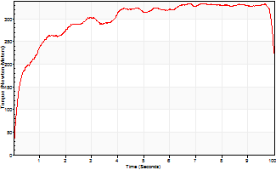
Isometric Extensors (Con) Angle 60 Time 10 Repetition 1 (Best Repetition)
 | Value | Cof Var | %BW
Peak Torque (Newton-Meters)
Right | 0 | 0 | 0
Left | 335 | 0 | 405
Deficit | 0
Average Torque (Newton-Meters)
Right | 0 | 0 | 0
Left | 297 | 0 | 358
Deficit | 0
Peak Torque Slope (Newton-Meters/Seconds)
Right | 0 | 0 | 0
Left | 49 | 0 | 60 |  | Right Side Curves Left Side Curves
Deficit | 0
Time to Half Peak Torque (Seconds)
Right | 0 | 0
Left | 0.28 | 0
Time to Peak Torque (Seconds)
Right | 0 | 0
Left | 6.75 | 0
HUMAC2015® Version: 15.000.0074 © Computer Sports Medicine, Inc. www.csmisolutions.com

Ark9
Use File, Preference to set Report Heading
Long Form Torque vs. Position Report - Knee Extension/Flexion
Name: |  |  |  | TR024_109, | ID: | TR024_109 | Right/Left: | 15.10.2020 15.10.2020

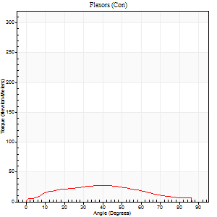
Right Side Curves Left Side Curves
Isokinetic Con/Con |  |  |  | Extensors (Con) |  | Flexors (Con)
Speed 60/60 d/s 3 Reps |  |  |  | Value | Cof Var | %BW | Value | Cof Var | %BW | Ratio

TORQUE PARAMETERS
Peak Torque (Newton-Meters - Best Repetition)
Right |  |  |  | 0 | 0 | 0 | 0 | 0 | 0 | 0
Left |  |  |  | 202 | 0.02 | 244 | 27 | 0.09 | 33 | 13
Deficit |  |  |  | 0 |  |  | 0
Work per Repetition (Newton-Meters - Best Repetition)
Right |  |  |  | 0 | 0 | 0 | 0 | 0 | 0 | 0
Left |  |  |  | 240 | 0.03 | 289 | 27 | 0.12 | 33 | 11
Deficit |  |  |  | 0 |  |  | 0
Average Power per Repetition (Watts - Best Repetition)
Right |  |  |  | 0 | 0 | 0 | 0 | 0 | 0 | 0
Left |  |  |  | 155 | 0.03 | 187 | 16 | 0.08 | 20 | 10
Deficit |  |  |  | 0 |  |  | 0
POSITION PARAMETERS
Joint Angle at Peak Torque (Degrees)
Right |  |  |  | 0 | 0 |  | 0 | 0
Left |  |  |  | 55 | 0.13 |  | 38 | 0.03
Range of Motion (Degrees)
Right |  |  |  | 0 | 0 |  | 0 | 0
Left |  |  |  | 0 | 0 |  | 90 | 0
TIME PARAMETERS
Time to Peak Torque (Seconds)
Right |  |  |  | 0 | 0 |  | 0 | 0
Left |  |  |  | 0.53 | 0.24 |  | 0.7 | 0.05
Time Peak Torque Held (Seconds)
Right |  |  |  | 0 | 0 |  | 0 | 0
Left |  |  |  | 0.07 | 0.29 |  | 0.07 | 0.98
Force Decay Time (Seconds)
Right |  |  |  | 0 | 0 |  | 0 | 0
Left |  |  |  | 0.89 | 0.15 |  | 0.8 | 0.08
Reciprocal Delay (Seconds)
Right |  |  |  | 0 | 0 |  | 0 | 0
Left |  |  |  | 0.16 | 0.04 |  | 0.36 | 0.1
Delay Time (Seconds)
Right |  |  |  | 0 | 0 |  | 0 | 0
Left |  |  |  | 0.02 | 0 |  | -0.02 | -1
HUMAC2015® Version: 15.000.0074 © Computer Sports Medicine, Inc. www.csmisolutions.com

Use File, Preference to set Report Heading
Long Form Torque vs. Position Report - Knee Extension/Flexion
Name: |  |  |  | TR024_109, | ID: | TR024_109 | Right/Left: | 15.10.2020 15.10.2020
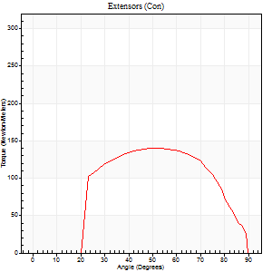
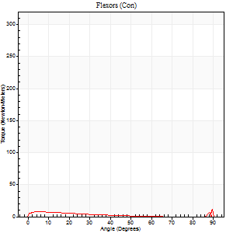
Right Side Curves Left Side Curves
Isokinetic Con/Con |  |  |  | Extensors (Con) |  | Flexors (Con)
Speed 240/240 d/s 3 Reps |  |  |  | Value | Cof Var | %BW | Value | Cof Var | %BW | Ratio

TORQUE PARAMETERS
Peak Torque (Newton-Meters - Best Repetition)
Right |  |  |  | 0 | 0 | 0 | 0 | 0 | 0 | 0
Left |  |  |  | 141 | 0.06 | 170 | 26 | 0.89 | 30 | 18
Deficit |  |  |  | 0 |  |  | 0
Work per Repetition (Newton-Meters - Best Repetition)
Right |  |  |  | 0 | 0 | 0 | 0 | 0 | 0 | 0
Left |  |  |  | 138 | 0.07 | 167 | 4 | 0.41 | 6 | 3
Deficit |  |  |  | 0 |  |  | 0
Average Power per Repetition (Watts - Best Repetition)
Right |  |  |  | 0 | 0 | 0 | 0 | 0 | 0 | 0
Left |  |  |  | 252 | 0.1 | 303 | 4 | 0.48 | 4 | 2
Deficit |  |  |  | 0 |  |  | 0
POSITION PARAMETERS
Joint Angle at Peak Torque (Degrees)
Right |  |  |  | 0 | 0 |  | 0 | 0
Left |  |  |  | 51 | 0.03 |  | 34 | 1.45
Range of Motion (Degrees)
Right |  |  |  | 0 | 0 |  | 0 | 0
Left |  |  |  | 0 | 0 |  | 90 | 0
TIME PARAMETERS
Time to Peak Torque (Seconds)
Right |  |  |  | 0 | 0 |  | 0 | 0
Left |  |  |  | 0.22 | 0.03 |  | 0.49 | 1.03
Time Peak Torque Held (Seconds)
Right |  |  |  | 0 | 0 |  | 0 | 0
Left |  |  |  | 0.01 | 0.87 |  | 0.01 | 1.73
Force Decay Time (Seconds)
Right |  |  |  | 0 | 0 |  | 0 | 0
Left |  |  |  | 0.31 | 0.06 |  | 0.55 | 1.03
Reciprocal Delay (Seconds)
Right |  |  |  | 0 | 0 |  | 0 | 0
Left |  |  |  | 0.2 | 0.28 |  | 0.36 | 0.13
Delay Time (Seconds)
Right |  |  |  | 0 | 0 |  | 0 | 0
Left |  |  |  | 0 | -1.41 |  | -0.05 | -0.11
HUMAC2015® Version: 15.000.0074 © Computer Sports Medicine, Inc. www.csmisolutions.com

Use File, Preference to set Report Heading
Isometric - Knee Extension/Flexion
Name: |  |  |  | TR024_109, | ID: | TR024_109 | Right/Left: | 15.10.2020 15.10.2020

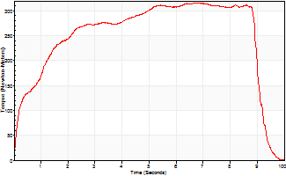
Isometric Extensors (Con) Angle 60 Time 10 Repetition 1 (Best Repetition)
 | Value | Cof Var | %BW
Peak Torque (Newton-Meters)
Right | 0 | 0 | 0
Left | 316 | 0 | 381
Deficit | 0
Average Torque (Newton-Meters)
Right | 0 | 0 | 0
Left | 245 | 0 | 295
Deficit | 0
Peak Torque Slope (Newton-Meters/Seconds)
Right | 0 | 0 | 0
Left | 47 | 0 | 57 |  | Right Side Curves Left Side Curves
Deficit | 0
Time to Half Peak Torque (Seconds)
Right | 0 | 0
Left | 0.89 | 0
Time to Peak Torque (Seconds)
Right | 0 | 0
Left | 6.71 | 0
HUMAC2015® Version: 15.000.0074 © Computer Sports Medicine, Inc. www.csmisolutions.com

Ark10
Use File, Preference to set Report Heading
Long Form Torque vs. Position Report - Knee Extension/Flexion
Name: |  |  |  | TR024_109, | ID: | TR024_109 | Right/Left: | 15.10.2020 15.10.2020
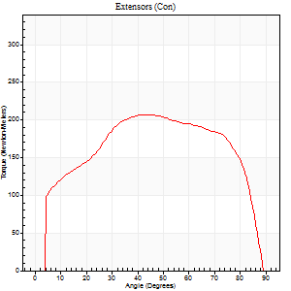
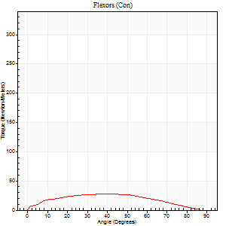
Right Side Curves Left Side Curves
Isokinetic Con/Con |  |  |  | Extensors (Con) |  | Flexors (Con)
Speed 60/60 d/s 3 Reps |  |  |  | Value | Cof Var | %BW | Value | Cof Var | %BW | Ratio

TORQUE PARAMETERS
Peak Torque (Newton-Meters - Best Repetition)
Right |  |  |  | 0 | 0 | 0 | 0 | 0 | 0 | 0
Left |  |  |  | 207 | 0.03 | 250 | 28 | 0.38 | 36 | 14
Deficit |  |  |  | 0 |  |  | 0
Work per Repetition (Newton-Meters - Best Repetition)
Right |  |  |  | 0 | 0 | 0 | 0 | 0 | 0 | 0
Left |  |  |  | 245 | 0.01 | 295 | 28 | 0.44 | 36 | 12
Deficit |  |  |  | 0 |  |  | 0
Average Power per Repetition (Watts - Best Repetition)
Right |  |  |  | 0 | 0 | 0 | 0 | 0 | 0 | 0
Left |  |  |  | 157 | 0.02 | 189 | 18 | 0.39 | 22 | 11
Deficit |  |  |  | 0 |  |  | 0
POSITION PARAMETERS
Joint Angle at Peak Torque (Degrees)
Right |  |  |  | 0 | 0 |  | 0 | 0
Left |  |  |  | 50 | 0.1 |  | 38 | 0.1
Range of Motion (Degrees)
Right |  |  |  | 0 | 0 |  | 0 | 0
Left |  |  |  | 0 | -0.71 |  | 90 | 0
TIME PARAMETERS
Time to Peak Torque (Seconds)
Right |  |  |  | 0 | 0 |  | 0 | 0
Left |  |  |  | 0.71 | 0.09 |  | 0.71 | 0.11
Time Peak Torque Held (Seconds)
Right |  |  |  | 0 | 0 |  | 0 | 0
Left |  |  |  | 0.1 | 0.2 |  | 0.05 | 1.42
Force Decay Time (Seconds)
Right |  |  |  | 0 | 0 |  | 0 | 0
Left |  |  |  | 0.78 | 0.08 |  | 0.78 | 0.15
Reciprocal Delay (Seconds)
Right |  |  |  | 0 | 0 |  | 0 | 0
Left |  |  |  | 0.19 | 0.27 |  | 0.4 | 0.11
Delay Time (Seconds)
Right |  |  |  | 0 | 0 |  | 0 | 0
Left |  |  |  | 0 | 4.24 |  | -0.01 | -0.87
HUMAC2015® Version: 15.000.0074 © Computer Sports Medicine, Inc. www.csmisolutions.com

Use File, Preference to set Report Heading
Long Form Torque vs. Position Report - Knee Extension/Flexion
Name: |  |  |  | TR024_109, | ID: | TR024_109 | Right/Left: | 15.10.2020 15.10.2020
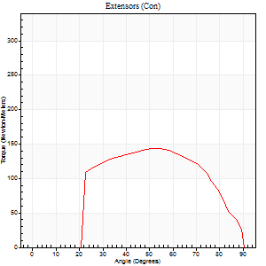
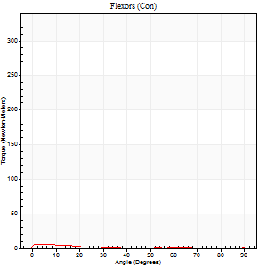
Right Side Curves Left Side Curves
Isokinetic Con/Con |  |  |  | Extensors (Con) |  | Flexors (Con)
Speed 240/240 d/s 3 Reps |  |  |  | Value | Cof Var | %BW | Value | Cof Var | %BW | Ratio

TORQUE PARAMETERS
Peak Torque (Newton-Meters - Best Repetition)
Right |  |  |  | 0 | 0 | 0 | 0 | 0 | 0 | 0
Left |  |  |  | 144 | 0.06 | 173 | 15 | 0.5 | 18 | 10
Deficit |  |  |  | 0 |  |  | 0
Work per Repetition (Newton-Meters - Best Repetition)
Right |  |  |  | 0 | 0 | 0 | 0 | 0 | 0 | 0
Left |  |  |  | 138 | 0.05 | 167 | 3 | 0.29 | 3 | 2
Deficit |  |  |  | 0 |  |  | 0
Average Power per Repetition (Watts - Best Repetition)
Right |  |  |  | 0 | 0 | 0 | 0 | 0 | 0 | 0
Left |  |  |  | 247 | 0.05 | 299 | 3 | 0.33 | 4 | 1
Deficit |  |  |  | 0 |  |  | 0
POSITION PARAMETERS
Joint Angle at Peak Torque (Degrees)
Right |  |  |  | 0 | 0 |  | 0 | 0
Left |  |  |  | 50 | 0.11 |  | 60 | 0.85
Range of Motion (Degrees)
Right |  |  |  | 0 | 0 |  | 0 | 0
Left |  |  |  | 0 | -0.28 |  | 90 | 0
TIME PARAMETERS
Time to Peak Torque (Seconds)
Right |  |  |  | 0 | 0 |  | 0 | 0
Left |  |  |  | 0.23 | 0.15 |  | 0.8 | 0.76
Time Peak Torque Held (Seconds)
Right |  |  |  | 0 | 0 |  | 0 | 0
Left |  |  |  | 0.01 | 0 |  | 0 | 1.73
Force Decay Time (Seconds)
Right |  |  |  | 0 | 0 |  | 0 | 0
Left |  |  |  | 0.31 | 0.07 |  | 0.25 | 2.61
Reciprocal Delay (Seconds)
Right |  |  |  | 0 | 0 |  | 0 | 0
Left |  |  |  | 0.22 | 0.1 |  | 0.42 | 0.15
Delay Time (Seconds)
Right |  |  |  | 0 | 0 |  | 0 | 0
Left |  |  |  | -0.02 | -0.28 |  | -0.04 | -0.13
HUMAC2015® Version: 15.000.0074 © Computer Sports Medicine, Inc. www.csmisolutions.com

Use File, Preference to set Report Heading
Isometric - Knee Extension/Flexion
Name: |  |  |  | TR024_109, | ID: | TR024_109 | Right/Left: | 15.10.2020 15.10.2020

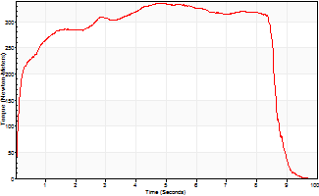
Isometric Extensors (Con) Angle 60 Time 10 Repetition 1 (Best Repetition)
 | Value | Cof Var | %BW
Peak Torque (Newton-Meters)
Right | 0 | 0 | 0
Left | 336 | 0 | 405
Deficit | 0
Average Torque (Newton-Meters)
Right | 0 | 0 | 0
Left | 262 | 0 | 316
Deficit | 0
Peak Torque Slope (Newton-Meters/Seconds)
Right | 0 | 0 | 0
Left | 69 | 0 | 83 |  | Right Side Curves Left Side Curves
Deficit | 0
Time to Half Peak Torque (Seconds)
Right | 0 | 0
Left | 0.15 | 0
Time to Peak Torque (Seconds)
Right | 0 | 0
Left | 4.85 | 0
HUMAC2015® Version: 15.000.0074 © Computer Sports Medicine, Inc. www.csmisolutions.com

Ark11
Use File, Preference to set Report Heading
Long Form Torque vs. Position Report - Knee Extension/Flexion
Name: |  |  |  | TR024_109, | ID: | TR024_109 | Right/Left: | 16.10.2020 16.10.2020
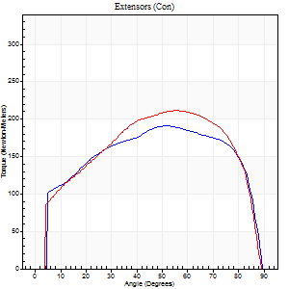

Right Side Curves Left Side Curves
Isokinetic Con/Con |  |  |  | Extensors (Con) |  | Flexors (Con)
Speed 60/60 d/s 3 Reps |  |  |  | Value | Cof Var | %BW | Value | Cof Var | %BW | Ratio

TORQUE PARAMETERS
Peak Torque (Newton-Meters - Best Repetition)
Right |  |  |  | 191 | 0.06 | 229 | 27 | 0.09 | 33 | 14
Left |  |  |  | 212 | 0.03 | 256 | 24 | 0.22 | 30 | 12
Deficit |  |  |  | 10 |  |  | 10
Work per Repetition (Newton-Meters - Best Repetition)
Right |  |  |  | 229 | 0.05 | 277 | 30 | 0.08 | 36 | 13
Left |  |  |  | 244 | 0.04 | 295 | 27 | 0.26 | 33 | 11
Deficit |  |  |  | 6 |  |  | 9
Average Power per Repetition (Watts - Best Repetition)
Right |  |  |  | 148 | 0.05 | 178 | 18 | 0.06 | 22 | 12
Left |  |  |  | 157 | 0.04 | 189 | 16 | 0.23 | 20 | 10
Deficit |  |  |  | 6 |  |  | 11
POSITION PARAMETERS
Joint Angle at Peak Torque (Degrees)
Right |  |  |  | 57 | 0.15 |  | 39 | 0.1
Left |  |  |  | 55 | 0.02 |  | 39 | 0.15
Range of Motion (Degrees)
Right |  |  |  | 1 | 0.07 |  | 90 | 0
Left |  |  |  | 0 | 0 |  | 90 | 0
TIME PARAMETERS
Time to Peak Torque (Seconds)
Right |  |  |  | 0.63 | 0 |  | 0.71 | 0.08
Left |  |  |  | 0.57 | 0.02 |  | 0.71 | 0.15
Time Peak Torque Held (Seconds)
Right |  |  |  | 0.12 | 0.47 |  | 0.11 | 0.91
Left |  |  |  | 0.1 | 0.57 |  | 0.04 | 0.87
Force Decay Time (Seconds)
Right |  |  |  | 0.88 | 0.1 |  | 0.75 | 0.14
Left |  |  |  | 0.87 | 0.05 |  | 0.83 | 0.08
Reciprocal Delay (Seconds)
Right |  |  |  | 0.28 | 0.05 |  | 0.52 | 0.15
Left |  |  |  | 0.2 | 0.31 |  | 0.41 | 0.1
Delay Time (Seconds)
Right |  |  |  | 0.01 | 0 |  | -0.01 | -1.56
Left |  |  |  | 0.01 | 1.41 |  | -0.01 | -0.87
HUMAC2015® Version: 15.000.0074 © Computer Sports Medicine, Inc. www.csmisolutions.com

Use File, Preference to set Report Heading
Long Form Torque vs. Position Report - Knee Extension/Flexion
Name: |  |  |  | TR024_109, | ID: | TR024_109 | Right/Left: | 16.10.2020 16.10.2020


Right Side Curves Left Side Curves
Isokinetic Con/Con |  |  |  | Extensors (Con) |  | Flexors (Con)
Speed 240/240 d/s 3 Reps |  |  |  | Value | Cof Var | %BW | Value | Cof Var | %BW | Ratio

TORQUE PARAMETERS
Peak Torque (Newton-Meters - Best Repetition)
Right |  |  |  | 149 | 0.19 | 179 | 11 | 0.39 | 12 | 7
Left |  |  |  | 145 | 0.07 | 176 | 7 | 0.05 | 9 | 5
Deficit |  |  |  | 3 |  |  | 38
Work per Repetition (Newton-Meters - Best Repetition)
Right |  |  |  | 146 | 0.2 | 176 | 3 | 0.18 | 3 | 2
Left |  |  |  | 142 | 0.09 | 173 | 3 | 0.17 | 3 | 2
Deficit |  |  |  | 3 |  |  | 0
Average Power per Repetition (Watts - Best Repetition)
Right |  |  |  | 266 | 0.21 | 321 | 2 | 0.19 | 2 | 1
Left |  |  |  | 265 | 0.11 | 321 | 2 | 0.35 | 2 | 1
Deficit |  |  |  | 0 |  |  | 0
POSITION PARAMETERS
Joint Angle at Peak Torque (Degrees)
Right |  |  |  | 54 | 0.23 |  | 33 | 1.51
Left |  |  |  | 53 | 0 |  | 5 | 0.03
Range of Motion (Degrees)
Right |  |  |  | 1 | 0 |  | 90 | 0
Left |  |  |  | 0 | -0.28 |  | 90 | 0
TIME PARAMETERS
Time to Peak Torque (Seconds)
Right |  |  |  | 0.23 | 0.15 |  | 0.62 | 1.28
Left |  |  |  | 0.22 | 0.03 |  | 0.2 | 0.08
Time Peak Torque Held (Seconds)
Right |  |  |  | 0.01 | 0.87 |  | 0.01 | 1.73
Left |  |  |  | 0.03 | 0.75 |  | 0 | 1.73
Force Decay Time (Seconds)
Right |  |  |  | 0.32 | 0.21 |  | 0.59 | 1.3
Left |  |  |  | 0.3 | 0.1 |  | 0.97 | 0.21
Reciprocal Delay (Seconds)
Right |  |  |  | 0.39 | 0.4 |  | 0.5 | 0.08
Left |  |  |  | 0.19 | 0.04 |  | 0.51 | 0.11
Delay Time (Seconds)
Right |  |  |  | -0.01 | -0.47 |  | -0.05 | 0
Left |  |  |  | -0.01 | -0.47 |  | -0.05 | -0.11
HUMAC2015® Version: 15.000.0074 © Computer Sports Medicine, Inc. www.csmisolutions.com

Use File, Preference to set Report Heading
Isometric - Knee Extension/Flexion
Name: |  |  |  | TR024_109, | ID: | TR024_109 | Right/Left: | 16.10.2020 16.10.2020


Isometric Extensors (Con) Angle 60 Time 10 Repetition 1 (Best Repetition)
 | Value | Cof Var | %BW
Peak Torque (Newton-Meters)
Right | 334 | 0 | 402
Left | 320 | 0 | 387
Deficit | 4
Average Torque (Newton-Meters)
Right | 250 | 0 | 301
Left | 285 | 0 | 343
Deficit | 12
Peak Torque Slope (Newton-Meters/Seconds)
Right | 41 | 0 | 49
Left | 51 | 0 | 62 |  | Right Side Curves Left Side Curves
Deficit | 20
Time to Half Peak Torque (Seconds)
Right | 0.36 | 0
Left | 0.28 | 0
Time to Peak Torque (Seconds)
Right | 8.15 | 0
Left | 6.28 | 0
HUMAC2015® Version: 15.000.0074 © Computer Sports Medicine, Inc. www.csmisolutions.com

Ark12
Use File, Preference to set Report Heading
Long Form Torque vs. Position Report - Knee Extension/Flexion
Name: |  |  |  | TR024_109, | ID: | TR024_109 | Right/Left: | 16.10.2020 16.10.2020


Right Side Curves Left Side Curves
Isokinetic Con/Con |  |  |  | Extensors (Con) |  | Flexors (Con)
Speed 60/60 d/s 3 Reps |  |  |  | Value | Cof Var | %BW | Value | Cof Var | %BW | Ratio

TORQUE PARAMETERS
Peak Torque (Newton-Meters - Best Repetition)
Right |  |  |  | 172 | 0.02 | 209 | 23 | 0.22 | 27 | 13
Left |  |  |  | 0 | 0 | 0 | 0 | 0 | 0 | 0
Deficit |  |  |  | 0 |  |  | 0
Work per Repetition (Newton-Meters - Best Repetition)
Right |  |  |  | 214 | 0.02 | 259 | 15 | 0.32 | 18 | 7
Left |  |  |  | 0 | 0 | 0 | 0 | 0 | 0 | 0
Deficit |  |  |  | 0 |  |  | 0
Average Power per Repetition (Watts - Best Repetition)
Right |  |  |  | 137 | 0.03 | 165 | 10 | 0.38 | 11 | 7
Left |  |  |  | 0 | 0 | 0 | 0 | 0 | 0 | 0
Deficit |  |  |  | 0 |  |  | 0
POSITION PARAMETERS
Joint Angle at Peak Torque (Degrees)
Right |  |  |  | 56 | 0.08 |  | 71 | 0.47
Left |  |  |  | 0 | 0 |  | 0 | 0
Range of Motion (Degrees)
Right |  |  |  | 0 | -0.71 |  | 90 | 0
Left |  |  |  | 0 | 0 |  | 0 | 0
TIME PARAMETERS
Time to Peak Torque (Seconds)
Right |  |  |  | 0.6 | 0.11 |  | 1.43 | 0.5
Left |  |  |  | 0 | 0 |  | 0 | 0
Time Peak Torque Held (Seconds)
Right |  |  |  | 0.12 | 0.3 |  | 0.02 | 1.73
Left |  |  |  | 0 | 0 |  | 0 | 0
Force Decay Time (Seconds)
Right |  |  |  | 0.88 | 0.13 |  | 0.2 | 2.97
Left |  |  |  | 0 | 0 |  | 0 | 0
Reciprocal Delay (Seconds)
Right |  |  |  | 0.29 | 0.07 |  | 0.45 | 0.16
Left |  |  |  | 0 | 0 |  | 0 | 0
Delay Time (Seconds)
Right |  |  |  | 0.02 | 0 |  | -0.01 | -0.87
Left |  |  |  | 0 | 0 |  | 0 | 0
HUMAC2015® Version: 15.000.0074 © Computer Sports Medicine, Inc. www.csmisolutions.com

Use File, Preference to set Report Heading
Long Form Torque vs. Position Report - Knee Extension/Flexion
Name: |  |  |  | TR024_109, | ID: | TR024_109 | Right/Left: | 16.10.2020 16.10.2020


Right Side Curves Left Side Curves
Isokinetic Con/Con |  |  |  | Extensors (Con) |  | Flexors (Con)
Speed 240/240 d/s 3 Reps |  |  |  | Value | Cof Var | %BW | Value | Cof Var | %BW | Ratio

TORQUE PARAMETERS
Peak Torque (Newton-Meters - Best Repetition)
Right |  |  |  | 140 | 0.12 | 170 | 16 | 0.52 | 21 | 12
Left |  |  |  | 0 | 0 | 0 | 0 | 0 | 0 | 0
Deficit |  |  |  | 0 |  |  | 0
Work per Repetition (Newton-Meters - Best Repetition)
Right |  |  |  | 136 | 0.11 | 164 | 3 | 0.09 | 3 | 2
Left |  |  |  | 0 | 0 | 0 | 0 | 0 | 0 | 0
Deficit |  |  |  | 0 |  |  | 0
Average Power per Repetition (Watts - Best Repetition)
Right |  |  |  | 243 | 0.13 | 295 | 2 | 0.1 | 2 | 1
Left |  |  |  | 0 | 0 | 0 | 0 | 0 | 0 | 0
Deficit |  |  |  | 0 |  |  | 0
POSITION PARAMETERS
Joint Angle at Peak Torque (Degrees)
Right |  |  |  | 55 | 0.19 |  | 61 | 0.81
Left |  |  |  | 0 | 0 |  | 0 | 0
Range of Motion (Degrees)
Right |  |  |  | 0 | -1.41 |  | 90 | 0
Left |  |  |  | 0 | 0 |  | 0 | 0
TIME PARAMETERS
Time to Peak Torque (Seconds)
Right |  |  |  | 0.23 | 0.03 |  | 0.89 | 0.72
Left |  |  |  | 0 | 0 |  | 0 | 0
Time Peak Torque Held (Seconds)
Right |  |  |  | 0.01 | 0 |  | 0.01 | 0.87
Left |  |  |  | 0 | 0 |  | 0 | 0
Force Decay Time (Seconds)
Right |  |  |  | 0.34 | 0.16 |  | 0.25 | 2.49
Left |  |  |  | 0 | 0 |  | 0 | 0
Reciprocal Delay (Seconds)
Right |  |  |  | 0.22 | 0.03 |  | 0.49 | 0.27
Left |  |  |  | 0 | 0 |  | 0 | 0
Delay Time (Seconds)
Right |  |  |  | -0.02 | -0.28 |  | -0.05 | -0.45
Left |  |  |  | 0 | 0 |  | 0 | 0
HUMAC2015® Version: 15.000.0074 © Computer Sports Medicine, Inc. www.csmisolutions.com

Use File, Preference to set Report Heading
Isometric - Knee Extension/Flexion
Name: |  |  |  | TR024_109, | ID: | TR024_109 | Right/Left: | 16.10.2020 16.10.2020


Isometric Extensors (Con) Angle 60 Time 10 Repetition 1 (Best Repetition)
 | Value | Cof Var | %BW
Peak Torque (Newton-Meters)
Right | 316 | 0 | 381
Left | 0 | 0 | 0
Deficit | 0
Average Torque (Newton-Meters)
Right | 138 | 0 | 167
Left | 0 | 0 | 0
Deficit | 0
Peak Torque Slope (Newton-Meters/Seconds)
Right | 32 | 0 | 38
Left | 0 | 0 | 0 |  | Right Side Curves Left Side Curves
Deficit | 0
Time to Half Peak Torque (Seconds)
Right | 5.17 | 0
Left | 0 | 0
Time to Peak Torque (Seconds)
Right | 9.97 | 0
Left | 0 | 0
HUMAC2015® Version: 15.000.0074 © Computer Sports Medicine, Inc. www.csmisolutions.com

Ark13
Use File, Preference to set Report Heading
Long Form Torque vs. Position Report - Knee Extension/Flexion
Name: |  |  |  | TR024_109, | ID: | TR024_109 | Right/Left: | 16.10.2020 16.10.2020


Right Side Curves Left Side Curves
Isokinetic Con/Con |  |  |  | Extensors (Con) |  | Flexors (Con)
Speed 60/60 d/s 3 Reps |  |  |  | Value | Cof Var | %BW | Value | Cof Var | %BW | Ratio

TORQUE PARAMETERS
Peak Torque (Newton-Meters - Best Repetition)
Right |  |  |  | 174 | 0.06 | 209 | 22 | 0.17 | 27 | 12
Left |  |  |  | 0 | 0 | 0 | 0 | 0 | 0 | 0
Deficit |  |  |  | 0 |  |  | 0
Work per Repetition (Newton-Meters - Best Repetition)
Right |  |  |  | 202 | 0.03 | 244 | 22 | 0.17 | 27 | 11
Left |  |  |  | 0 | 0 | 0 | 0 | 0 | 0 | 0
Deficit |  |  |  | 0 |  |  | 0
Average Power per Repetition (Watts - Best Repetition)
Right |  |  |  | 127 | 0.03 | 154 | 14 | 0.2 | 18 | 11
Left |  |  |  | 0 | 0 | 0 | 0 | 0 | 0 | 0
Deficit |  |  |  | 0 |  |  | 0
POSITION PARAMETERS
Joint Angle at Peak Torque (Degrees)
Right |  |  |  | 58 | 0.15 |  | 36 | 0.43
Left |  |  |  | 0 | 0 |  | 0 | 0
Range of Motion (Degrees)
Right |  |  |  | 0 | -0.2 |  | 90 | 0
Left |  |  |  | 0 | 0 |  | 0 | 0
TIME PARAMETERS
Time to Peak Torque (Seconds)
Right |  |  |  | 0.57 | 0.35 |  | 0.67 | 0.4
Left |  |  |  | 0 | 0 |  | 0 | 0
Time Peak Torque Held (Seconds)
Right |  |  |  | 0.05 | 0.25 |  | 0 | 1.73
Left |  |  |  | 0 | 0 |  | 0 | 0
Force Decay Time (Seconds)
Right |  |  |  | 0.99 | 0.14 |  | 0.93 | 0.26
Left |  |  |  | 0 | 0 |  | 0 | 0
Reciprocal Delay (Seconds)
Right |  |  |  | 0.25 | 0.23 |  | 0.52 | 0.09
Left |  |  |  | 0 | 0 |  | 0 | 0
Delay Time (Seconds)
Right |  |  |  | 0 | -1.41 |  | -0.01 | -1
Left |  |  |  | 0 | 0 |  | 0 | 0
HUMAC2015® Version: 15.000.0074 © Computer Sports Medicine, Inc. www.csmisolutions.com

Use File, Preference to set Report Heading
Long Form Torque vs. Position Report - Knee Extension/Flexion
Name: |  |  |  | TR024_109, | ID: | TR024_109 | Right/Left: | 16.10.2020 16.10.2020


Right Side Curves Left Side Curves
Isokinetic Con/Con |  |  |  | Extensors (Con) |  | Flexors (Con)
Speed 240/240 d/s 3 Reps |  |  |  | Value | Cof Var | %BW | Value | Cof Var | %BW | Ratio

TORQUE PARAMETERS
Peak Torque (Newton-Meters - Best Repetition)
Right |  |  |  | 145 | 0.26 | 176 | 20 | 0.53 | 24 | 14
Left |  |  |  | 0 | 0 | 0 | 0 | 0 | 0 | 0
Deficit |  |  |  | 0 |  |  | 0
Work per Repetition (Newton-Meters - Best Repetition)
Right |  |  |  | 142 | 0.22 | 173 | 3 | 0.67 | 3 | 2
Left |  |  |  | 0 | 0 | 0 | 0 | 0 | 0 | 0
Deficit |  |  |  | 0 |  |  | 0
Average Power per Repetition (Watts - Best Repetition)
Right |  |  |  | 255 | 0.23 | 308 | 2 | 0.44 | 2 | 1
Left |  |  |  | 0 | 0 | 0 | 0 | 0 | 0 | 0
Deficit |  |  |  | 0 |  |  | 0
POSITION PARAMETERS
Joint Angle at Peak Torque (Degrees)
Right |  |  |  | 50 | 0.06 |  | 61 | 0.83
Left |  |  |  | 0 | 0 |  | 0 | 0
Range of Motion (Degrees)
Right |  |  |  | 0 | 0 |  | 90 | 0
Left |  |  |  | 0 | 0 |  | 0 | 0
TIME PARAMETERS
Time to Peak Torque (Seconds)
Right |  |  |  | 0.23 | 0.03 |  | 0.68 | 0.85
Left |  |  |  | 0 | 0 |  | 0 | 0
Time Peak Torque Held (Seconds)
Right |  |  |  | 0.02 | 0.99 |  | 0 | 1.73
Left |  |  |  | 0 | 0 |  | 0 | 0
Force Decay Time (Seconds)
Right |  |  |  | 0.29 | 0.04 |  | 0.28 | 2.4
Left |  |  |  | 0 | 0 |  | 0 | 0
Reciprocal Delay (Seconds)
Right |  |  |  | 0.2 | 0.1 |  | 0.53 | 0.05
Left |  |  |  | 0 | 0 |  | 0 | 0
Delay Time (Seconds)
Right |  |  |  | -0.01 | -0.47 |  | 0.16 | 2.45
Left |  |  |  | 0 | 0 |  | 0 | 0
HUMAC2015® Version: 15.000.0074 © Computer Sports Medicine, Inc. www.csmisolutions.com

Use File, Preference to set Report Heading
Isometric - Knee Extension/Flexion
Name: |  |  |  | TR024_109, | ID: | TR024_109 | Right/Left: | 16.10.2020 16.10.2020


Isometric Extensors (Con) Angle 60 Time 10 Repetition 1 (Best Repetition)
 | Value | Cof Var | %BW
Peak Torque (Newton-Meters)
Right | 300 | 0 | 361
Left | 0 | 0 | 0
Deficit | 0
Average Torque (Newton-Meters)
Right | 228 | 0 | 274
Left | 0 | 0 | 0
Deficit | 0
Peak Torque Slope (Newton-Meters/Seconds)
Right | 33 | 0 | 40
Left | 0 | 0 | 0 |  | Right Side Curves Left Side Curves
Deficit | 0
Time to Half Peak Torque (Seconds)
Right | 1.29 | 0
Left | 0 | 0
Time to Peak Torque (Seconds)
Right | 9.09 | 0
Left | 0 | 0
HUMAC2015® Version: 15.000.0074 © Computer Sports Medicine, Inc. www.csmisolutions.com

Ark14
Use File, Preference to set Report Heading
Long Form Torque vs. Position Report - Knee Extension/Flexion
Name: |  |  |  | TR024_109, | ID: | TR024_109 | Right/Left: | 17.10.2020 17.10.2020


Right Side Curves Left Side Curves
Isokinetic Con/Con |  |  |  | Extensors (Con) |  | Flexors (Con)
Speed 60/60 d/s 3 Reps |  |  |  | Value | Cof Var | %BW | Value | Cof Var | %BW | Ratio

TORQUE PARAMETERS
Peak Torque (Newton-Meters - Best Repetition)
Right |  |  |  | 241 | 0.06 | 292 | 24 | 0.08 | 30 | 10
Left |  |  |  | 0 | 0 | 0 | 0 | 0 | 0 | 0
Deficit |  |  |  | 0 |  |  | 0
Work per Repetition (Newton-Meters - Best Repetition)
Right |  |  |  | 270 | 0.04 | 325 | 24 | 0.03 | 30 | 9
Left |  |  |  | 0 | 0 | 0 | 0 | 0 | 0 | 0
Deficit |  |  |  | 0 |  |  | 0
Average Power per Repetition (Watts - Best Repetition)
Right |  |  |  | 172 | 0.04 | 209 | 16 | 0.08 | 20 | 9
Left |  |  |  | 0 | 0 | 0 | 0 | 0 | 0 | 0
Deficit |  |  |  | 0 |  |  | 0
POSITION PARAMETERS
Joint Angle at Peak Torque (Degrees)
Right |  |  |  | 54 | 0.09 |  | 42 | 0.32
Left |  |  |  | 0 | 0 |  | 0 | 0
Range of Motion (Degrees)
Right |  |  |  | 0 | -0.61 |  | 90 | 0
Left |  |  |  | 0 | 0 |  | 0 | 0
TIME PARAMETERS
Time to Peak Torque (Seconds)
Right |  |  |  | 0.64 | 0.07 |  | 0.74 | 0.33
Left |  |  |  | 0 | 0 |  | 0 | 0
Time Peak Torque Held (Seconds)
Right |  |  |  | 0.06 | 0.36 |  | 0.06 | 1.44
Left |  |  |  | 0 | 0 |  | 0 | 0
Force Decay Time (Seconds)
Right |  |  |  | 0.9 | 0.1 |  | 0.77 | 0.12
Left |  |  |  | 0 | 0 |  | 0 | 0
Reciprocal Delay (Seconds)
Right |  |  |  | 0.34 | 0.1 |  | 0.44 | 0.1
Left |  |  |  | 0 | 0 |  | 0 | 0
Delay Time (Seconds)
Right |  |  |  | 0.01 | 0.47 |  | 0.02 | 2.27
Left |  |  |  | 0 | 0 |  | 0 | 0
HUMAC2015® Version: 15.000.0074 © Computer Sports Medicine, Inc. www.csmisolutions.com

Use File, Preference to set Report Heading
Long Form Torque vs. Position Report - Knee Extension/Flexion
Name: |  |  |  | TR024_109, | ID: | TR024_109 | Right/Left: | 17.10.2020 17.10.2020


Right Side Curves Left Side Curves
Isokinetic Con/Con |  |  |  | Extensors (Con) |  | Flexors (Con)
Speed 240/240 d/s 3 Reps |  |  |  | Value | Cof Var | %BW | Value | Cof Var | %BW | Ratio

TORQUE PARAMETERS
Peak Torque (Newton-Meters - Best Repetition)
Right |  |  |  | 152 | 0.03 | 185 | 30 | 0.61 | 36 | 20
Left |  |  |  | 0 | 0 | 0 | 0 | 0 | 0 | 0
Deficit |  |  |  | 0 |  |  | 0
Work per Repetition (Newton-Meters - Best Repetition)
Right |  |  |  | 159 | 0.04 | 191 | 3 | 0.18 | 3 | 2
Left |  |  |  | 0 | 0 | 0 | 0 | 0 | 0 | 0
Deficit |  |  |  | 0 |  |  | 0
Average Power per Repetition (Watts - Best Repetition)
Right |  |  |  | 269 | 0.01 | 325 | 3 | 0.24 | 4 | 1
Left |  |  |  | 0 | 0 | 0 | 0 | 0 | 0 | 0
Deficit |  |  |  | 0 |  |  | 0
POSITION PARAMETERS
Joint Angle at Peak Torque (Degrees)
Right |  |  |  | 61 | 0.22 |  | 62 | 0.79
Left |  |  |  | 0 | 0 |  | 0 | 0
Range of Motion (Degrees)
Right |  |  |  | 0 | 0 |  | 90 | 0
Left |  |  |  | 0 | 0 |  | 0 | 0
TIME PARAMETERS
Time to Peak Torque (Seconds)
Right |  |  |  | 0.21 | 0.27 |  | 0.83 | 0.68
Left |  |  |  | 0 | 0 |  | 0 | 0
Time Peak Torque Held (Seconds)
Right |  |  |  | 0.02 | 0.35 |  | 0 | 1.73
Left |  |  |  | 0 | 0 |  | 0 | 0
Force Decay Time (Seconds)
Right |  |  |  | 0.35 | 0.15 |  | 0.19 | 2.8
Left |  |  |  | 0 | 0 |  | 0 | 0
Reciprocal Delay (Seconds)
Right |  |  |  | 0.32 | 0.13 |  | 0.66 | 0.28
Left |  |  |  | 0 | 0 |  | 0 | 0
Delay Time (Seconds)
Right |  |  |  | -0.02 | 0 |  | -0.04 | -0.25
Left |  |  |  | 0 | 0 |  | 0 | 0
HUMAC2015® Version: 15.000.0074 © Computer Sports Medicine, Inc. www.csmisolutions.com

Use File, Preference to set Report Heading
Isometric - Knee Extension/Flexion
Name: |  |  |  | TR024_109, | ID: | TR024_109 | Right/Left: | 17.10.2020 17.10.2020


Isometric Extensors (Con) Angle 60 Time 10 Repetition 1 (Best Repetition)
 | Value | Cof Var | %BW
Peak Torque (Newton-Meters)
Right | 357 | 0 | 432
Left | 0 | 0 | 0
Deficit | 0
Average Torque (Newton-Meters)
Right | 308 | 0 | 373
Left | 0 | 0 | 0
Deficit | 0
Peak Torque Slope (Newton-Meters/Seconds)
Right | 42 | 0 | 50
Left | 0 | 0 | 0 |  | Right Side Curves Left Side Curves
Deficit | 0
Time to Half Peak Torque (Seconds)
Right | 0.19 | 0
Left | 0 | 0
Time to Peak Torque (Seconds)
Right | 8.55 | 0
Left | 0 | 0
HUMAC2015® Version: 15.000.0074 © Computer Sports Medicine, Inc. www.csmisolutions.com

