Ark1
Use File, Preference to set Report Heading
Long Form Torque vs. Position Report - Knee Extension/Flexion
Name: |  |  |  | TR024_110, | ID: | TR024_110 | Right/Left: | 28.09.2020 28.09.2020
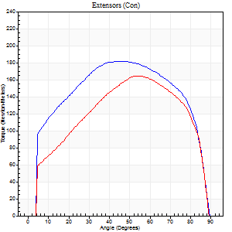
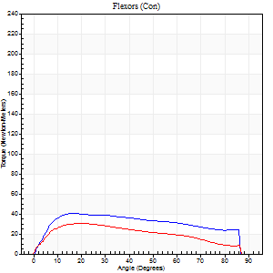
Right Side Curves Left Side Curves
Isokinetic Con/Con |  |  |  | Extensors (Con) |  | Flexors (Con)
Speed 60/60 d/s 3 Reps |  |  |  | Value | Cof Var | %BW | Value | Cof Var | %BW | Ratio

TORQUE PARAMETERS
Peak Torque (Newton-Meters - Best Repetition)
Right |  |  |  | 182 | 0.03 | 259 | 41 | 0.37 | 57 | 22
Left |  |  |  | 164 | 0.02 | 235 | 31 | 0.32 | 45 | 19
Deficit |  |  |  | 10 |  |  | 23
Work per Repetition (Newton-Meters - Best Repetition)
Right |  |  |  | 218 | 0.04 | 313 | 47 | 0.36 | 69 | 22
Left |  |  |  | 186 | 0.02 | 265 | 31 | 0.27 | 45 | 17
Deficit |  |  |  | 15 |  |  | 34
Average Power per Repetition (Watts - Best Repetition)
Right |  |  |  | 141 | 0.04 | 202 | 30 | 0.34 | 42 | 21
Left |  |  |  | 120 | 0.02 | 171 | 19 | 0.26 | 26 | 16
Deficit |  |  |  | 15 |  |  | 37
POSITION PARAMETERS
Joint Angle at Peak Torque (Degrees)
Right |  |  |  | 47 | 0.05 |  | 43 | 0.54
Left |  |  |  | 52 | 0.05 |  | 25 | 0.45
Range of Motion (Degrees)
Right |  |  |  | 0 | -0.71 |  | 90 | 0
Left |  |  |  | 0 | 1.41 |  | 90 | 0
TIME PARAMETERS
Time to Peak Torque (Seconds)
Right |  |  |  | 0.68 | 0.01 |  | 0.74 | 0.55
Left |  |  |  | 0.63 | 0.06 |  | 0.46 | 0.45
Time Peak Torque Held (Seconds)
Right |  |  |  | 0.11 | 0.35 |  | 0.06 | 0.51
Left |  |  |  | 0.05 | 0.11 |  | 0.11 | 1.19
Force Decay Time (Seconds)
Right |  |  |  | 0.74 | 0.04 |  | 0.75 | 0.61
Left |  |  |  | 0.87 | 0.05 |  | 1.02 | 0.37
Reciprocal Delay (Seconds)
Right |  |  |  | 0.44 | 0.5 |  | 0.44 | 0.07
Left |  |  |  | 0.22 | 0 |  | 0.31 | 0.08
Delay Time (Seconds)
Right |  |  |  | 0.03 | 0 |  | 0.02 | 1.5
Left |  |  |  | 0.03 | 0 |  | -0.01 | -1
HUMAC2015® Version: 15.000.0074 © Computer Sports Medicine, Inc. www.csmisolutions.com

Use File, Preference to set Report Heading
Long Form Torque vs. Position Report - Knee Extension/Flexion
Name: |  |  |  | TR024_110, | ID: | TR024_110 | Right/Left: | 28.09.2020 28.09.2020
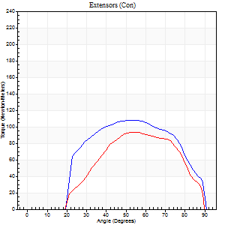
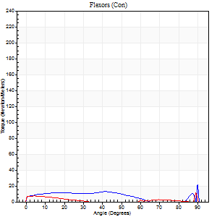
Right Side Curves Left Side Curves
Isokinetic Con/Con |  |  |  | Extensors (Con) |  | Flexors (Con)
Speed 240/240 d/s 3 Reps |  |  |  | Value | Cof Var | %BW | Value | Cof Var | %BW | Ratio

TORQUE PARAMETERS
Peak Torque (Newton-Meters - Best Repetition)
Right |  |  |  | 108 | 0.01 | 155 | 33 | 0.82 | 48 | 30
Left |  |  |  | 94 | 0.01 | 134 | 30 | 0.66 | 42 | 32
Deficit |  |  |  | 14 |  |  | 8
Work per Repetition (Newton-Meters - Best Repetition)
Right |  |  |  | 118 | 0.07 | 167 | 11 | 0.5 | 15 | 9
Left |  |  |  | 88 | 0.05 | 125 | 4 | 0.97 | 6 | 5
Deficit |  |  |  | 25 |  |  | 63
Average Power per Repetition (Watts - Best Repetition)
Right |  |  |  | 199 | 0.04 | 284 | 14 | 0.79 | 20 | 7
Left |  |  |  | 159 | 0.11 | 226 | 5 | 0.83 | 7 | 3
Deficit |  |  |  | 20 |  |  | 64
POSITION PARAMETERS
Joint Angle at Peak Torque (Degrees)
Right |  |  |  | 51 | 0.05 |  | 36 | 1.32
Left |  |  |  | 53 | 0.02 |  | 62 | 0.81
Range of Motion (Degrees)
Right |  |  |  | 0 | -1.41 |  | 90 | 0
Left |  |  |  | 0 | 0 |  | 90 | 0
TIME PARAMETERS
Time to Peak Torque (Seconds)
Right |  |  |  | 0.22 | 0.03 |  | 0.48 | 0.96
Left |  |  |  | 0.2 | 0.03 |  | 0.58 | 0.82
Time Peak Torque Held (Seconds)
Right |  |  |  | 0.02 | 0 |  | 0.01 | 1.73
Left |  |  |  | 0.01 | 0 |  | 0 | 1.73
Force Decay Time (Seconds)
Right |  |  |  | 0.31 | 0.06 |  | 0.67 | 1.13
Left |  |  |  | 0.36 | 0.13 |  | 0.25 | 3.07
Reciprocal Delay (Seconds)
Right |  |  |  | 0.47 | 0.08 |  | 0.52 | 0.22
Left |  |  |  | 0.58 | 0.25 |  | 0.49 | 0.36
Delay Time (Seconds)
Right |  |  |  | -0.01 | 0 |  | -0.05 | -0.29
Left |  |  |  | 0 | 0 |  | 0.42 | 1.92
HUMAC2015® Version: 15.000.0074 © Computer Sports Medicine, Inc. www.csmisolutions.com

Use File, Preference to set Report Heading
Isometric - Knee Extension/Flexion
Name: |  |  |  | TR024_110, | ID: | TR024_110 | Right/Left: | 28.09.2020 28.09.2020

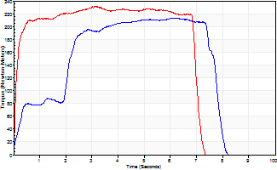
Isometric Extensors (Con) Angle 60 Time 10 Repetition 1 (Best Repetition)
 | Value | Cof Var | %BW
Peak Torque (Newton-Meters)
Right | 213 | 0 | 304
Left | 231 | 0 | 328
Deficit | 8
Average Torque (Newton-Meters)
Right | 130 | 0 | 185
Left | 152 | 0 | 218
Deficit | 14
Peak Torque Slope (Newton-Meters/Seconds)
Right | 35 | 0 | 49
Left | 75 | 0 | 107 |  | Right Side Curves Left Side Curves
Deficit | 54
Time to Half Peak Torque (Seconds)
Right | 2.01 | 0
Left | 0.1 | 0
Time to Peak Torque (Seconds)
Right | 6.16 | 0
Left | 3.08 | 0
HUMAC2015® Version: 15.000.0074 © Computer Sports Medicine, Inc. www.csmisolutions.com

Ark2
Use File, Preference to set Report Heading
Long Form Torque vs. Position Report - Knee Extension/Flexion
Name: |  |  |  | TR024_110, | ID: | TR024_110 | Right/Left: | 30.09.2020 30.09.2020
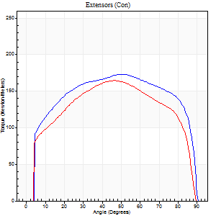
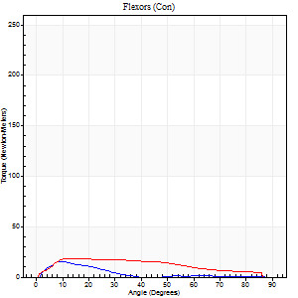
Right Side Curves Left Side Curves
Isokinetic Con/Con |  |  |  | Extensors (Con) |  | Flexors (Con)
Speed 60/60 d/s 3 Reps |  |  |  | Value | Cof Var | %BW | Value | Cof Var | %BW | Ratio

TORQUE PARAMETERS
Peak Torque (Newton-Meters - Best Repetition)
Right |  |  |  | 174 | 0.03 | 247 | 15 | 0.2 | 21 | 9
Left |  |  |  | 164 | 0.04 | 235 | 19 | 0.1 | 27 | 12
Deficit |  |  |  | 5 |  |  | 21
Work per Repetition (Newton-Meters - Best Repetition)
Right |  |  |  | 220 | 0.04 | 313 | 9 | 0.26 | 15 | 4
Left |  |  |  | 194 | 0.02 | 277 | 19 | 0.19 | 27 | 10
Deficit |  |  |  | 12 |  |  | 50
Average Power per Repetition (Watts - Best Repetition)
Right |  |  |  | 136 | 0.03 | 193 | 6 | 0.3 | 9 | 4
Left |  |  |  | 124 | 0.02 | 178 | 12 | 0.2 | 18 | 10
Deficit |  |  |  | 9 |  |  | 50
POSITION PARAMETERS
Joint Angle at Peak Torque (Degrees)
Right |  |  |  | 47 | 0.1 |  | 18 | 0.71
Left |  |  |  | 44 | 0.09 |  | 21 | 0.45
Range of Motion (Degrees)
Right |  |  |  | 0 | -0.28 |  | 90 | 0.01
Left |  |  |  | 0 | 0 |  | 90 | 0
TIME PARAMETERS
Time to Peak Torque (Seconds)
Right |  |  |  | 0.75 | 0.08 |  | 0.35 | 0.74
Left |  |  |  | 0.79 | 0.12 |  | 0.4 | 0.32
Time Peak Torque Held (Seconds)
Right |  |  |  | 0.09 | 0.24 |  | 0 | 0
Left |  |  |  | 0.06 | 0.44 |  | 0.04 | 1
Force Decay Time (Seconds)
Right |  |  |  | 0.76 | 0.1 |  | 1.34 | 0.28
Left |  |  |  | 0.72 | 0.13 |  | 1.13 | 0.18
Reciprocal Delay (Seconds)
Right |  |  |  | 0.14 | 0.89 |  | 0.45 | 0.17
Left |  |  |  | 0.17 | 0.25 |  | 0.28 | 0.45
Delay Time (Seconds)
Right |  |  |  | 0 | 0 |  | 0.01 | 6.06
Left |  |  |  | 0.01 | 1.41 |  | 0 | 0
HUMAC2015® Version: 15.000.0074 © Computer Sports Medicine, Inc. www.csmisolutions.com

Use File, Preference to set Report Heading
Long Form Torque vs. Position Report - Knee Extension/Flexion
Name: |  |  |  | TR024_110, | ID: | TR024_110 | Right/Left: | 30.09.2020 30.09.2020
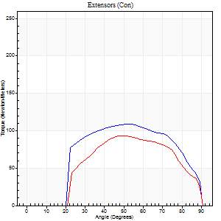
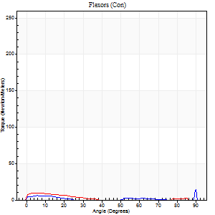
Right Side Curves Left Side Curves
Isokinetic Con/Con |  |  |  | Extensors (Con) |  | Flexors (Con)
Speed 240/240 d/s 3 Reps |  |  |  | Value | Cof Var | %BW | Value | Cof Var | %BW | Ratio

TORQUE PARAMETERS
Peak Torque (Newton-Meters - Best Repetition)
Right |  |  |  | 108 | 0.03 | 155 | 20 | 0.61 | 30 | 19
Left |  |  |  | 94 | 0.03 | 134 | 9 | 0.35 | 15 | 10
Deficit |  |  |  | 14 |  |  | 53
Work per Repetition (Newton-Meters - Best Repetition)
Right |  |  |  | 108 | 0.02 | 155 | 4 | 0.32 | 6 | 4
Left |  |  |  | 89 | 0.03 | 128 | 5 | 0.44 | 9 | 6
Deficit |  |  |  | 18 |  |  | 25
Average Power per Repetition (Watts - Best Repetition)
Right |  |  |  | 194 | 0.03 | 277 | 4 | 0.53 | 7 | 2
Left |  |  |  | 162 | 0.04 | 231 | 5 | 0.52 | 7 | 3
Deficit |  |  |  | 16 |  |  | 20
POSITION PARAMETERS
Joint Angle at Peak Torque (Degrees)
Right |  |  |  | 50 | 0.08 |  | 60 | 0.86
Left |  |  |  | 49 | 0.09 |  | 5 | 0.65
Range of Motion (Degrees)
Right |  |  |  | 0 | 0 |  | 90 | 0
Left |  |  |  | 0 | 0 |  | 90 | 0
TIME PARAMETERS
Time to Peak Torque (Seconds)
Right |  |  |  | 0.23 | 0.09 |  | 0.87 | 0.84
Left |  |  |  | 0.23 | 0.03 |  | 0.16 | 0.19
Time Peak Torque Held (Seconds)
Right |  |  |  | 0.01 | 1 |  | 0 | 0
Left |  |  |  | 0.01 | 0.87 |  | 0 | 1.73
Force Decay Time (Seconds)
Right |  |  |  | 0.32 | 0.05 |  | 0.3 | 2.16
Left |  |  |  | 0.31 | 0.07 |  | 1.01 | 0.16
Reciprocal Delay (Seconds)
Right |  |  |  | 0.16 | 0.18 |  | 0.61 | 0.37
Left |  |  |  | 0.2 | 0.21 |  | 0.46 | 0.46
Delay Time (Seconds)
Right |  |  |  | -0.02 | 0 |  | -0.06 | -0.57
Left |  |  |  | -0.01 | -0.47 |  | -0.04 | -0.74
HUMAC2015® Version: 15.000.0074 © Computer Sports Medicine, Inc. www.csmisolutions.com

Use File, Preference to set Report Heading
Isometric - Knee Extension/Flexion
Name: |  |  |  | TR024_110, | ID: | TR024_110 | Right/Left: | 30.09.2020 30.09.2020

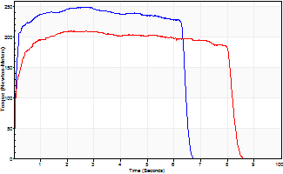
Isometric Extensors (Con) Angle 60 Time 10 Repetition 1 (Best Repetition)
 | Value | Cof Var | %BW
Peak Torque (Newton-Meters)
Right | 250 | 0 | 355
Left | 210 | 0 | 301
Deficit | 16
Average Torque (Newton-Meters)
Right | 151 | 0 | 215
Left | 161 | 0 | 229
Deficit | 7
Peak Torque Slope (Newton-Meters/Seconds)
Right | 89 | 0 | 126
Left | 99 | 0 | 141 |  | Right Side Curves Left Side Curves
Deficit | 11
Time to Half Peak Torque (Seconds)
Right | 0.08 | 0
Left | 0.08 | 0
Time to Peak Torque (Seconds)
Right | 2.81 | 0
Left | 2.11 | 0
HUMAC2015® Version: 15.000.0074 © Computer Sports Medicine, Inc. www.csmisolutions.com

Ark3
Use File, Preference to set Report Heading
Long Form Torque vs. Position Report - Knee Extension/Flexion
Name: |  |  |  | TR024_110, | ID: | TR024_110 | Right/Left: | 04.10.2020 04.10.2020
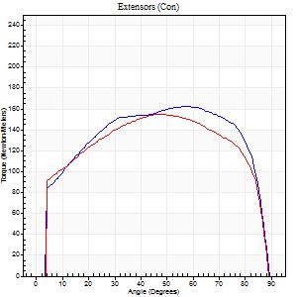
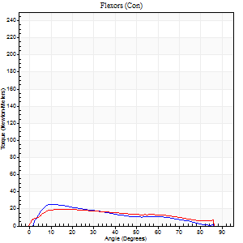
Right Side Curves Left Side Curves
Isokinetic Con/Con |  |  |  | Extensors (Con) |  | Flexors (Con)
Speed 60/60 d/s 3 Reps |  |  |  | Value | Cof Var | %BW | Value | Cof Var | %BW | Ratio

TORQUE PARAMETERS
Peak Torque (Newton-Meters - Best Repetition)
Right |  |  |  | 163 | 0.07 | 232 | 26 | 0.33 | 36 | 16
Left |  |  |  | 155 | 0.03 | 221 | 19 | 0.34 | 27 | 12
Deficit |  |  |  | 5 |  |  | 26
Work per Repetition (Newton-Meters - Best Repetition)
Right |  |  |  | 203 | 0.07 | 289 | 19 | 0.27 | 27 | 9
Left |  |  |  | 190 | 0.03 | 271 | 20 | 0.35 | 30 | 11
Deficit |  |  |  | 7 |  |  | 7
Average Power per Repetition (Watts - Best Repetition)
Right |  |  |  | 130 | 0.07 | 185 | 13 | 0.29 | 18 | 10
Left |  |  |  | 122 | 0.03 | 174 | 13 | 0.35 | 18 | 11
Deficit |  |  |  | 6 |  |  | 0
POSITION PARAMETERS
Joint Angle at Peak Torque (Degrees)
Right |  |  |  | 59 | 0.05 |  | 20 | 0.42
Left |  |  |  | 49 | 0.01 |  | 20 | 0.47
Range of Motion (Degrees)
Right |  |  |  | 0 | 0 |  | 90 | 0
Left |  |  |  | 0 | 0 |  | 90 | 0
TIME PARAMETERS
Time to Peak Torque (Seconds)
Right |  |  |  | 0.51 | 0.11 |  | 0.39 | 0.52
Left |  |  |  | 0.69 | 0.01 |  | 0.42 | 0.44
Time Peak Torque Held (Seconds)
Right |  |  |  | 0.14 | 0.6 |  | 0.02 | 1.38
Left |  |  |  | 0.07 | 0.09 |  | 0.02 | 1.73
Force Decay Time (Seconds)
Right |  |  |  | 0.87 | 0.04 |  | 1.14 | 0.17
Left |  |  |  | 0.79 | 0.01 |  | 1.16 | 0.23
Reciprocal Delay (Seconds)
Right |  |  |  | 0.12 | 0.47 |  | 0.37 | 0.74
Left |  |  |  | 0.22 | 0.03 |  | 0.46 | 0.28
Delay Time (Seconds)
Right |  |  |  | 0.01 | 0 |  | 0 | -17.32
Left |  |  |  | 0.02 | 0.28 |  | -0.04 | -0.5
HUMAC2015® Version: 15.000.0074 © Computer Sports Medicine, Inc. www.csmisolutions.com

Use File, Preference to set Report Heading
Long Form Torque vs. Position Report - Knee Extension/Flexion
Name: |  |  |  | TR024_110, | ID: | TR024_110 | Right/Left: | 04.10.2020 04.10.2020
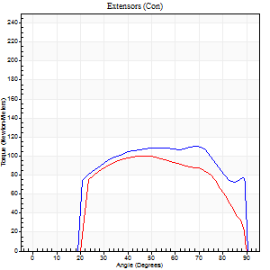
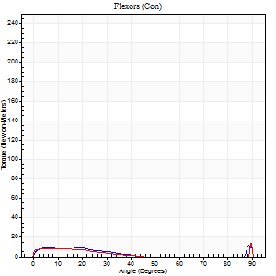
Right Side Curves Left Side Curves
Isokinetic Con/Con |  |  |  | Extensors (Con) |  | Flexors (Con)
Speed 240/240 d/s 3 Reps |  |  |  | Value | Cof Var | %BW | Value | Cof Var | %BW | Ratio

TORQUE PARAMETERS
Peak Torque (Newton-Meters - Best Repetition)
Right |  |  |  | 110 | 0.04 | 158 | 28 | 0.53 | 42 | 26
Left |  |  |  | 100 | 0.02 | 143 | 24 | 0.68 | 36 | 24
Deficit |  |  |  | 9 |  |  | 14
Work per Repetition (Newton-Meters - Best Repetition)
Right |  |  |  | 119 | 0.08 | 170 | 8 | 0.37 | 12 | 7
Left |  |  |  | 99 | 0.02 | 140 | 4 | 0.34 | 6 | 4
Deficit |  |  |  | 17 |  |  | 50
Average Power per Repetition (Watts - Best Repetition)
Right |  |  |  | 199 | 0.04 | 284 | 12 | 0.43 | 18 | 6
Left |  |  |  | 184 | 0.02 | 262 | 5 | 0.36 | 7 | 3
Deficit |  |  |  | 8 |  |  | 58
POSITION PARAMETERS
Joint Angle at Peak Torque (Degrees)
Right |  |  |  | 56 | 0.2 |  | 63 | 0.73
Left |  |  |  | 48 | 0.03 |  | 33 | 1.47
Range of Motion (Degrees)
Right |  |  |  | 0 | -0.47 |  | 90 | 0
Left |  |  |  | 0 | 0 |  | 90 | 0
TIME PARAMETERS
Time to Peak Torque (Seconds)
Right |  |  |  | 0.23 | 0.06 |  | 0.69 | 0.57
Left |  |  |  | 0.22 | 0 |  | 0.44 | 1.13
Time Peak Torque Held (Seconds)
Right |  |  |  | 0.01 | 1 |  | 0.01 | 1.73
Left |  |  |  | 0.01 | 0 |  | 0 | 0
Force Decay Time (Seconds)
Right |  |  |  | 0.34 | 0.18 |  | 0.07 | 5.75
Left |  |  |  | 0.3 | 0.03 |  | 0.49 | 1.08
Reciprocal Delay (Seconds)
Right |  |  |  | 0.38 | 0.13 |  | 0.38 | 0.25
Left |  |  |  | 0.29 | 0.05 |  | 0.45 | 0.23
Delay Time (Seconds)
Right |  |  |  | -0.01 | -0.47 |  | -0.04 | -0.57
Left |  |  |  | 0 | 0 |  | -0.04 | -0.25
HUMAC2015® Version: 15.000.0074 © Computer Sports Medicine, Inc. www.csmisolutions.com

Use File, Preference to set Report Heading
Isometric - Knee Extension/Flexion
Name: |  |  |  | TR024_110, | ID: | TR024_110 | Right/Left: | 04.10.2020 04.10.2020

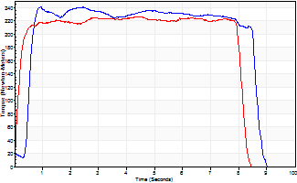
Isometric Extensors (Con) Angle 60 Time 10 Repetition 1 (Best Repetition)
 | Value | Cof Var | %BW
Peak Torque (Newton-Meters)
Right | 241 | 0 | 346
Left | 226 | 0 | 322
Deficit | 6
Average Torque (Newton-Meters)
Right | 187 | 0 | 268
Left | 176 | 0 | 250
Deficit | 6
Peak Torque Slope (Newton-Meters/Seconds)
Right | 256 | 0 | 366
Left | 50 | 0 | 71 |  | Right Side Curves Left Side Curves
Deficit | 81
Time to Half Peak Torque (Seconds)
Right | 0.52 | 0
Left | 0.14 | 0
Time to Peak Torque (Seconds)
Right | 0.93 | 0
Left | 4.52 | 0
HUMAC2015® Version: 15.000.0074 © Computer Sports Medicine, Inc. www.csmisolutions.com

Ark4
Use File, Preference to set Report Heading
Long Form Torque vs. Position Report - Knee Extension/Flexion
Name: |  |  |  | TR024_110, | ID: | TR024_110 | Right/Left: | 08.10.2020 08.10.2020
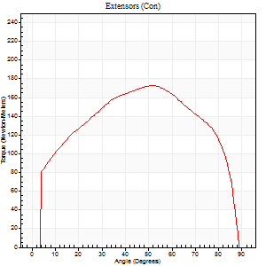
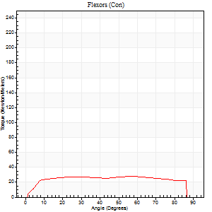
Right Side Curves Left Side Curves
Isokinetic Con/Con |  |  |  | Extensors (Con) |  | Flexors (Con)
Speed 60/60 d/s 3 Reps |  |  |  | Value | Cof Var | %BW | Value | Cof Var | %BW | Ratio

TORQUE PARAMETERS
Peak Torque (Newton-Meters - Best Repetition)
Right |  |  |  | 0 | 0 | 0 | 0 | 0 | 0 | 0
Left |  |  |  | 172 | 0.03 | 244 | 27 | 0.17 | 39 | 16
Deficit |  |  |  | 0 |  |  | 0
Work per Repetition (Newton-Meters - Best Repetition)
Right |  |  |  | 0 | 0 | 0 | 0 | 0 | 0 | 0
Left |  |  |  | 201 | 0.03 | 286 | 37 | 0.23 | 54 | 18
Deficit |  |  |  | 0 |  |  | 0
Average Power per Repetition (Watts - Best Repetition)
Right |  |  |  | 0 | 0 | 0 | 0 | 0 | 0 | 0
Left |  |  |  | 131 | 0.03 | 187 | 23 | 0.24 | 33 | 18
Deficit |  |  |  | 0 |  |  | 0
POSITION PARAMETERS
Joint Angle at Peak Torque (Degrees)
Right |  |  |  | 0 | 0 |  | 0 | 0
Left |  |  |  | 52 | 0.04 |  | 33 | 0.66
Range of Motion (Degrees)
Right |  |  |  | 0 | 0 |  | 0 | 0
Left |  |  |  | 0 | 0.47 |  | 90 | 0
TIME PARAMETERS
Time to Peak Torque (Seconds)
Right |  |  |  | 0 | 0 |  | 0 | 0
Left |  |  |  | 0.63 | 0.02 |  | 0.58 | 0.61
Time Peak Torque Held (Seconds)
Right |  |  |  | 0 | 0 |  | 0 | 0
Left |  |  |  | 0.06 | 0.18 |  | 0.08 | 1
Force Decay Time (Seconds)
Right |  |  |  | 0 | 0 |  | 0 | 0
Left |  |  |  | 0.85 | 0.03 |  | 0.9 | 0.31
Reciprocal Delay (Seconds)
Right |  |  |  | 0 | 0 |  | 0 | 0
Left |  |  |  | 0.19 | 0.22 |  | 0.25 | 0.37
Delay Time (Seconds)
Right |  |  |  | 0 | 0 |  | 0 | 0
Left |  |  |  | 0.04 | 0.2 |  | 0 | 0
HUMAC2015® Version: 15.000.0074 © Computer Sports Medicine, Inc. www.csmisolutions.com

Use File, Preference to set Report Heading
Long Form Torque vs. Position Report - Knee Extension/Flexion
Name: |  |  |  | TR024_110, | ID: | TR024_110 | Right/Left: | 08.10.2020 08.10.2020
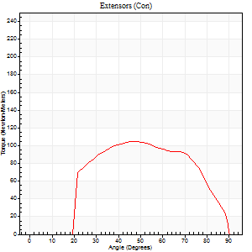
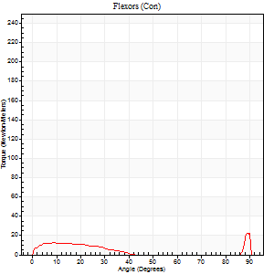
Right Side Curves Left Side Curves
Isokinetic Con/Con |  |  |  | Extensors (Con) |  | Flexors (Con)
Speed 240/240 d/s 3 Reps |  |  |  | Value | Cof Var | %BW | Value | Cof Var | %BW | Ratio

TORQUE PARAMETERS
Peak Torque (Newton-Meters - Best Repetition)
Right |  |  |  | 0 | 0 | 0 | 0 | 0 | 0 | 0
Left |  |  |  | 104 | 0.02 | 149 | 35 | 0.56 | 51 | 34
Deficit |  |  |  | 0 |  |  | 0
Work per Repetition (Newton-Meters - Best Repetition)
Right |  |  |  | 0 | 0 | 0 | 0 | 0 | 0 | 0
Left |  |  |  | 102 | 0.01 | 146 | 15 | 0.64 | 21 | 15
Deficit |  |  |  | 0 |  |  | 0
Average Power per Repetition (Watts - Best Repetition)
Right |  |  |  | 0 | 0 | 0 | 0 | 0 | 0 | 0
Left |  |  |  | 188 | 0.02 | 268 | 20 | 0.7 | 29 | 11
Deficit |  |  |  | 0 |  |  | 0
POSITION PARAMETERS
Joint Angle at Peak Torque (Degrees)
Right |  |  |  | 0 | 0 |  | 0 | 0
Left |  |  |  | 47 | 0.01 |  | 62 | 0.78
Range of Motion (Degrees)
Right |  |  |  | 0 | 0 |  | 0 | 0
Left |  |  |  | 0 | 0 |  | 90 | 0
TIME PARAMETERS
Time to Peak Torque (Seconds)
Right |  |  |  | 0 | 0 |  | 0 | 0
Left |  |  |  | 0.22 | 0.03 |  | 0.62 | 0.62
Time Peak Torque Held (Seconds)
Right |  |  |  | 0 | 0 |  | 0 | 0
Left |  |  |  | 0.01 | 0 |  | 0.01 | 1.15
Force Decay Time (Seconds)
Right |  |  |  | 0 | 0 |  | 0 | 0
Left |  |  |  | 0.3 | 0.02 |  | 0.14 | 2.95
Reciprocal Delay (Seconds)
Right |  |  |  | 0 | 0 |  | 0 | 0
Left |  |  |  | 0.19 | 0.45 |  | 0.23 | 0.44
Delay Time (Seconds)
Right |  |  |  | 0 | 0 |  | 0 | 0
Left |  |  |  | 0 | 1.41 |  | -0.05 | -0.12
HUMAC2015® Version: 15.000.0074 © Computer Sports Medicine, Inc. www.csmisolutions.com

Use File, Preference to set Report Heading
Isometric - Knee Extension/Flexion
Name: |  |  |  | TR024_110, | ID: | TR024_110 | Right/Left: | 08.10.2020 08.10.2020

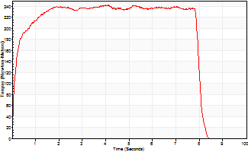
Isometric Extensors (Con) Angle 60 Time 10 Repetition 1 (Best Repetition)
 | Value | Cof Var | %BW
Peak Torque (Newton-Meters)
Right | 0 | 0 | 0
Left | 241 | 0 | 346
Deficit | 0
Average Torque (Newton-Meters)
Right | 0 | 0 | 0
Left | 183 | 0 | 262
Deficit | 0
Peak Torque Slope (Newton-Meters/Seconds)
Right | 0 | 0 | 0
Left | 60 | 0 | 86 |  | Right Side Curves Left Side Curves
Deficit | 0
Time to Half Peak Torque (Seconds)
Right | 0 | 0
Left | 0.14 | 0
Time to Peak Torque (Seconds)
Right | 0 | 0
Left | 3.99 | 0
HUMAC2015® Version: 15.000.0074 © Computer Sports Medicine, Inc. www.csmisolutions.com

Ark5
Use File, Preference to set Report Heading
Long Form Torque vs. Position Report - Knee Extension/Flexion
Name: |  |  |  | TR024_110, | ID: | TR024_110 | Right/Left: | 09.10.2020 09.10.2020
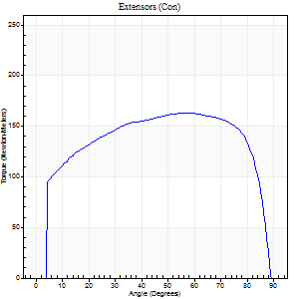
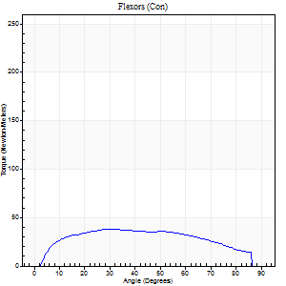
Right Side Curves Left Side Curves
Isokinetic Con/Con |  |  |  | Extensors (Con) |  | Flexors (Con)
Speed 60/60 d/s 3 Reps |  |  |  | Value | Cof Var | %BW | Value | Cof Var | %BW | Ratio

TORQUE PARAMETERS
Peak Torque (Newton-Meters - Best Repetition)
Right |  |  |  | 163 | 0.05 | 232 | 38 | 0.29 | 54 | 23
Left |  |  |  | 0 | 0 | 0 | 0 | 0 | 0 | 0
Deficit |  |  |  | 0 |  |  | 0
Work per Repetition (Newton-Meters - Best Repetition)
Right |  |  |  | 206 | 0.04 | 295 | 43 | 0.31 | 63 | 21
Left |  |  |  | 0 | 0 | 0 | 0 | 0 | 0 | 0
Deficit |  |  |  | 0 |  |  | 0
Average Power per Repetition (Watts - Best Repetition)
Right |  |  |  | 135 | 0.04 | 193 | 28 | 0.29 | 40 | 21
Left |  |  |  | 0 | 0 | 0 | 0 | 0 | 0 | 0
Deficit |  |  |  | 0 |  |  | 0
POSITION PARAMETERS
Joint Angle at Peak Torque (Degrees)
Right |  |  |  | 53 | 0.08 |  | 34 | 0.11
Left |  |  |  | 0 | 0 |  | 0 | 0
Range of Motion (Degrees)
Right |  |  |  | 0 | 1.65 |  | 90 | 0
Left |  |  |  | 0 | 0 |  | 0 | 0
TIME PARAMETERS
Time to Peak Torque (Seconds)
Right |  |  |  | 0.63 | 0.12 |  | 0.53 | 0.12
Left |  |  |  | 0 | 0 |  | 0 | 0
Time Peak Torque Held (Seconds)
Right |  |  |  | 0.07 | 0.38 |  | 0.03 | 1.73
Left |  |  |  | 0 | 0 |  | 0 | 0
Force Decay Time (Seconds)
Right |  |  |  | 0.85 | 0.04 |  | 0.91 | 0.07
Left |  |  |  | 0 | 0 |  | 0 | 0
Reciprocal Delay (Seconds)
Right |  |  |  | 0.2 | 0.24 |  | 0.16 | 0.62
Left |  |  |  | 0 | 0 |  | 0 | 0
Delay Time (Seconds)
Right |  |  |  | 0.02 | 0.28 |  | 0.07 | 0.46
Left |  |  |  | 0 | 0 |  | 0 | 0
HUMAC2015® Version: 15.000.0074 © Computer Sports Medicine, Inc. www.csmisolutions.com

Use File, Preference to set Report Heading
Long Form Torque vs. Position Report - Knee Extension/Flexion
Name: |  |  |  | TR024_110, | ID: | TR024_110 | Right/Left: | 09.10.2020 09.10.2020
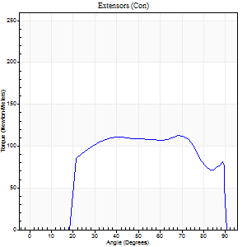
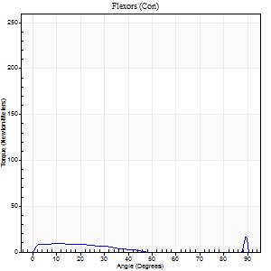
Right Side Curves Left Side Curves
Isokinetic Con/Con |  |  |  | Extensors (Con) |  | Flexors (Con)
Speed 240/240 d/s 3 Reps |  |  |  | Value | Cof Var | %BW | Value | Cof Var | %BW | Ratio

TORQUE PARAMETERS
Peak Torque (Newton-Meters - Best Repetition)
Right |  |  |  | 113 | 0.03 | 161 | 28 | 0.49 | 42 | 25
Left |  |  |  | 0 | 0 | 0 | 0 | 0 | 0 | 0
Deficit |  |  |  | 0 |  |  | 0
Work per Repetition (Newton-Meters - Best Repetition)
Right |  |  |  | 125 | 0.07 | 179 | 5 | 0.02 | 9 | 4
Left |  |  |  | 0 | 0 | 0 | 0 | 0 | 0 | 0
Deficit |  |  |  | 0 |  |  | 0
Average Power per Repetition (Watts - Best Repetition)
Right |  |  |  | 210 | 0.02 | 299 | 8 | 0.08 | 11 | 4
Left |  |  |  | 0 | 0 | 0 | 0 | 0 | 0 | 0
Deficit |  |  |  | 0 |  |  | 0
POSITION PARAMETERS
Joint Angle at Peak Torque (Degrees)
Right |  |  |  | 54 | 0.23 |  | 64 | 0.72
Left |  |  |  | 0 | 0 |  | 0 | 0
Range of Motion (Degrees)
Right |  |  |  | 0 | 0.64 |  | 90 | 0
Left |  |  |  | 0 | 0 |  | 0 | 0
TIME PARAMETERS
Time to Peak Torque (Seconds)
Right |  |  |  | 0.24 | 0.06 |  | 0.67 | 0.6
Left |  |  |  | 0 | 0 |  | 0 | 0
Time Peak Torque Held (Seconds)
Right |  |  |  | 0.05 | 1.08 |  | 0.01 | 1.73
Left |  |  |  | 0 | 0 |  | 0 | 0
Force Decay Time (Seconds)
Right |  |  |  | 0.27 | 0.04 |  | 0.07 | 4.71
Left |  |  |  | 0 | 0 |  | 0 | 0
Reciprocal Delay (Seconds)
Right |  |  |  | 0.34 | 0.14 |  | 0.23 | 0.32
Left |  |  |  | 0 | 0 |  | 0 | 0
Delay Time (Seconds)
Right |  |  |  | -0.01 | -0.47 |  | -0.04 | -0.81
Left |  |  |  | 0 | 0 |  | 0 | 0
HUMAC2015® Version: 15.000.0074 © Computer Sports Medicine, Inc. www.csmisolutions.com

Use File, Preference to set Report Heading
Isometric - Knee Extension/Flexion
Name: |  |  |  | TR024_110, | ID: | TR024_110 | Right/Left: | 09.10.2020 09.10.2020

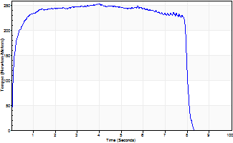
Isometric Extensors (Con) Angle 60 Time 10 Repetition 1 (Best Repetition)
 | Value | Cof Var | %BW
Peak Torque (Newton-Meters)
Right | 254 | 0 | 361
Left | 0 | 0 | 0
Deficit | 0
Average Torque (Newton-Meters)
Right | 190 | 0 | 271
Left | 0 | 0 | 0
Deficit | 0
Peak Torque Slope (Newton-Meters/Seconds)
Right | 65 | 0 | 93
Left | 0 | 0 | 0 |  | Right Side Curves Left Side Curves
Deficit | 0
Time to Half Peak Torque (Seconds)
Right | 0.1 | 0
Left | 0 | 0
Time to Peak Torque (Seconds)
Right | 3.89 | 0
Left | 0 | 0
HUMAC2015® Version: 15.000.0074 © Computer Sports Medicine, Inc. www.csmisolutions.com

Ark6
Use File, Preference to set Report Heading
Long Form Torque vs. Position Report - Knee Extension/Flexion
Name: |  |  |  | TR024_110, | ID: | TR024_110 | Right/Left: | 12.10.2020 12.10.2020
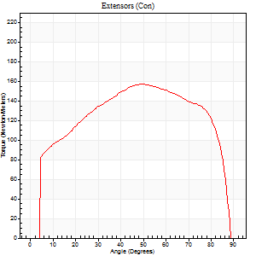
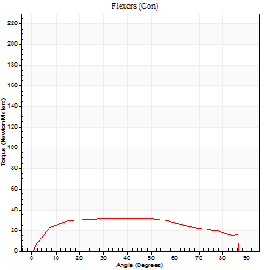
Right Side Curves Left Side Curves
Isokinetic Con/Con |  |  |  | Extensors (Con) |  | Flexors (Con)
Speed 60/60 d/s 3 Reps |  |  |  | Value | Cof Var | %BW | Value | Cof Var | %BW | Ratio

TORQUE PARAMETERS
Peak Torque (Newton-Meters - Best Repetition)
Right |  |  |  | 0 | 0 | 0 | 0 | 0 | 0 | 0
Left |  |  |  | 157 | 0.03 | 224 | 33 | 0.08 | 48 | 21
Deficit |  |  |  | 0 |  |  | 0
Work per Repetition (Newton-Meters - Best Repetition)
Right |  |  |  | 0 | 0 | 0 | 0 | 0 | 0 | 0
Left |  |  |  | 188 | 0.02 | 268 | 39 | 0.11 | 57 | 21
Deficit |  |  |  | 0 |  |  | 0
Average Power per Repetition (Watts - Best Repetition)
Right |  |  |  | 0 | 0 | 0 | 0 | 0 | 0 | 0
Left |  |  |  | 123 | 0.03 | 176 | 24 | 0.1 | 35 | 20
Deficit |  |  |  | 0 |  |  | 0
POSITION PARAMETERS
Joint Angle at Peak Torque (Degrees)
Right |  |  |  | 0 | 0 |  | 0 | 0
Left |  |  |  | 50 | 0.01 |  | 34 | 0.33
Range of Motion (Degrees)
Right |  |  |  | 0 | 0 |  | 0 | 0
Left |  |  |  | 0 | 2.83 |  | 90 | 0
TIME PARAMETERS
Time to Peak Torque (Seconds)
Right |  |  |  | 0 | 0 |  | 0 | 0
Left |  |  |  | 0.65 | 0.01 |  | 0.6 | 0.34
Time Peak Torque Held (Seconds)
Right |  |  |  | 0 | 0 |  | 0 | 0
Left |  |  |  | 0.07 | 0.21 |  | 0.03 | 0.88
Force Decay Time (Seconds)
Right |  |  |  | 0 | 0 |  | 0 | 0
Left |  |  |  | 0.79 | 0.03 |  | 0.93 | 0.2
Reciprocal Delay (Seconds)
Right |  |  |  | 0 | 0 |  | 0 | 0
Left |  |  |  | 0.39 | 0.29 |  | 0.24 | 0.27
Delay Time (Seconds)
Right |  |  |  | 0 | 0 |  | 0 | 0
Left |  |  |  | 0.03 | 0 |  | 0.01 | 1.73
HUMAC2015® Version: 15.000.0074 © Computer Sports Medicine, Inc. www.csmisolutions.com

Use File, Preference to set Report Heading
Long Form Torque vs. Position Report - Knee Extension/Flexion
Name: |  |  |  | TR024_110, | ID: | TR024_110 | Right/Left: | 12.10.2020 12.10.2020
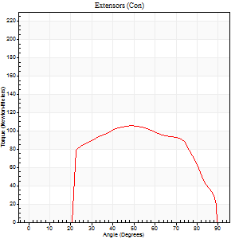
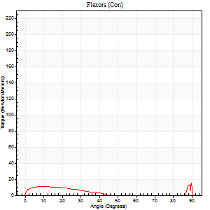
Right Side Curves Left Side Curves
Isokinetic Con/Con |  |  |  | Extensors (Con) |  | Flexors (Con)
Speed 240/240 d/s 3 Reps |  |  |  | Value | Cof Var | %BW | Value | Cof Var | %BW | Ratio

TORQUE PARAMETERS
Peak Torque (Newton-Meters - Best Repetition)
Right |  |  |  | 0 | 0 | 0 | 0 | 0 | 0 | 0
Left |  |  |  | 106 | 0.01 | 152 | 30 | 0.68 | 42 | 28
Deficit |  |  |  | 0 |  |  | 0
Work per Repetition (Newton-Meters - Best Repetition)
Right |  |  |  | 0 | 0 | 0 | 0 | 0 | 0 | 0
Left |  |  |  | 103 | 0.02 | 146 | 7 | 0.16 | 9 | 7
Deficit |  |  |  | 0 |  |  | 0
Average Power per Repetition (Watts - Best Repetition)
Right |  |  |  | 0 | 0 | 0 | 0 | 0 | 0 | 0
Left |  |  |  | 194 | 0.02 | 277 | 7 | 0.16 | 11 | 4
Deficit |  |  |  | 0 |  |  | 0
POSITION PARAMETERS
Joint Angle at Peak Torque (Degrees)
Right |  |  |  | 0 | 0 |  | 0 | 0
Left |  |  |  | 49 | 0.03 |  | 35 | 1.38
Range of Motion (Degrees)
Right |  |  |  | 0 | 0 |  | 0 | 0
Left |  |  |  | 0 | 0 |  | 90 | 0
TIME PARAMETERS
Time to Peak Torque (Seconds)
Right |  |  |  | 0 | 0 |  | 0 | 0
Left |  |  |  | 0.22 | 0.03 |  | 0.45 | 1.04
Time Peak Torque Held (Seconds)
Right |  |  |  | 0 | 0 |  | 0 | 0
Left |  |  |  | 0.01 | 0.87 |  | 0 | 1.73
Force Decay Time (Seconds)
Right |  |  |  | 0 | 0 |  | 0 | 0
Left |  |  |  | 0.3 | 0.06 |  | 0.41 | 1.2
Reciprocal Delay (Seconds)
Right |  |  |  | 0 | 0 |  | 0 | 0
Left |  |  |  | 0.31 | 0.18 |  | 0.23 | 0.2
Delay Time (Seconds)
Right |  |  |  | 0 | 0 |  | 0 | 0
Left |  |  |  | 0 | 1.41 |  | -0.05 | -0.2
HUMAC2015® Version: 15.000.0074 © Computer Sports Medicine, Inc. www.csmisolutions.com

Use File, Preference to set Report Heading
Isometric - Knee Extension/Flexion
Name: |  |  |  | TR024_110, | ID: | TR024_110 | Right/Left: | 12.10.2020 12.10.2020

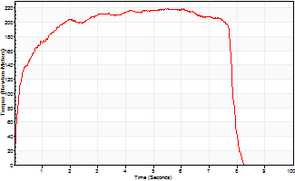
Isometric Extensors (Con) Angle 60 Time 10 Repetition 1 (Best Repetition)
 | Value | Cof Var | %BW
Peak Torque (Newton-Meters)
Right | 0 | 0 | 0
Left | 220 | 0 | 313
Deficit | 0
Average Torque (Newton-Meters)
Right | 0 | 0 | 0
Left | 156 | 0 | 224
Deficit | 0
Peak Torque Slope (Newton-Meters/Seconds)
Right | 0 | 0 | 0
Left | 40 | 0 | 57 |  | Right Side Curves Left Side Curves
Deficit | 0
Time to Half Peak Torque (Seconds)
Right | 0 | 0
Left | 0.19 | 0
Time to Peak Torque (Seconds)
Right | 0 | 0
Left | 5.5 | 0
HUMAC2015® Version: 15.000.0074 © Computer Sports Medicine, Inc. www.csmisolutions.com

Ark7
Use File, Preference to set Report Heading
Long Form Torque vs. Position Report - Knee Extension/Flexion
Name: |  |  |  | TR024_110, | ID: | TR024_110 | Right/Left: | 13.10.2020 13.10.2020
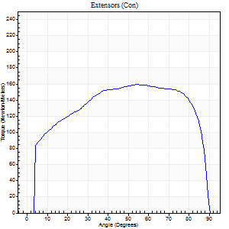
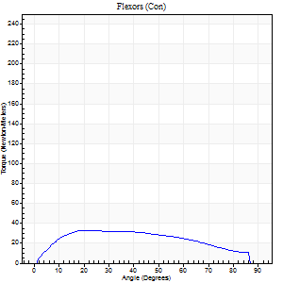
Right Side Curves Left Side Curves
Isokinetic Con/Con |  |  |  | Extensors (Con) |  | Flexors (Con)
Speed 60/60 d/s 3 Reps |  |  |  | Value | Cof Var | %BW | Value | Cof Var | %BW | Ratio

TORQUE PARAMETERS
Peak Torque (Newton-Meters - Best Repetition)
Right |  |  |  | 159 | 0.04 | 226 | 33 | 0.06 | 48 | 21
Left |  |  |  | 0 | 0 | 0 | 0 | 0 | 0 | 0
Deficit |  |  |  | 0 |  |  | 0
Work per Repetition (Newton-Meters - Best Repetition)
Right |  |  |  | 202 | 0.04 | 289 | 37 | 0.08 | 54 | 18
Left |  |  |  | 0 | 0 | 0 | 0 | 0 | 0 | 0
Deficit |  |  |  | 0 |  |  | 0
Average Power per Repetition (Watts - Best Repetition)
Right |  |  |  | 130 | 0.03 | 185 | 24 | 0.09 | 35 | 18
Left |  |  |  | 0 | 0 | 0 | 0 | 0 | 0 | 0
Deficit |  |  |  | 0 |  |  | 0
POSITION PARAMETERS
Joint Angle at Peak Torque (Degrees)
Right |  |  |  | 56 | 0.12 |  | 30 | 0.59
Left |  |  |  | 0 | 0 |  | 0 | 0
Range of Motion (Degrees)
Right |  |  |  | 0 | 0 |  | 90 | 0
Left |  |  |  | 0 | 0 |  | 0 | 0
TIME PARAMETERS
Time to Peak Torque (Seconds)
Right |  |  |  | 0.55 | 0.28 |  | 0.51 | 0.59
Left |  |  |  | 0 | 0 |  | 0 | 0
Time Peak Torque Held (Seconds)
Right |  |  |  | 0.14 | 0.91 |  | 0.02 | 1
Left |  |  |  | 0 | 0 |  | 0 | 0
Force Decay Time (Seconds)
Right |  |  |  | 0.82 | 0.05 |  | 0.98 | 0.37
Left |  |  |  | 0 | 0 |  | 0 | 0
Reciprocal Delay (Seconds)
Right |  |  |  | 0.47 | 0.21 |  | 0.2 | 0.08
Left |  |  |  | 0 | 0 |  | 0 | 0
Delay Time (Seconds)
Right |  |  |  | 0.02 | 0.28 |  | 0.02 | 0.25
Left |  |  |  | 0 | 0 |  | 0 | 0
HUMAC2015® Version: 15.000.0074 © Computer Sports Medicine, Inc. www.csmisolutions.com

Use File, Preference to set Report Heading
Long Form Torque vs. Position Report - Knee Extension/Flexion
Name: |  |  |  | TR024_110, | ID: | TR024_110 | Right/Left: | 13.10.2020 13.10.2020
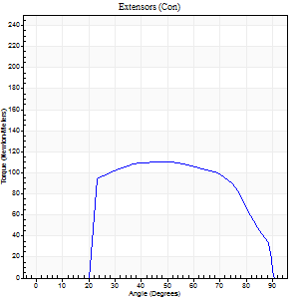
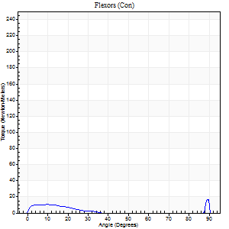
Right Side Curves Left Side Curves
Isokinetic Con/Con |  |  |  | Extensors (Con) |  | Flexors (Con)
Speed 240/240 d/s 3 Reps |  |  |  | Value | Cof Var | %BW | Value | Cof Var | %BW | Ratio

TORQUE PARAMETERS
Peak Torque (Newton-Meters - Best Repetition)
Right |  |  |  | 110 | 0.01 | 158 | 26 | 0.59 | 36 | 23
Left |  |  |  | 0 | 0 | 0 | 0 | 0 | 0 | 0
Deficit |  |  |  | 0 |  |  | 0
Work per Repetition (Newton-Meters - Best Repetition)
Right |  |  |  | 119 | 0.03 | 170 | 4 | 0.35 | 6 | 3
Left |  |  |  | 0 | 0 | 0 | 0 | 0 | 0 | 0
Deficit |  |  |  | 0 |  |  | 0
Average Power per Repetition (Watts - Best Repetition)
Right |  |  |  | 205 | 0.02 | 292 | 5 | 0.42 | 7 | 2
Left |  |  |  | 0 | 0 | 0 | 0 | 0 | 0 | 0
Deficit |  |  |  | 0 |  |  | 0
POSITION PARAMETERS
Joint Angle at Peak Torque (Degrees)
Right |  |  |  | 48 | 0.08 |  | 62 | 0.8
Left |  |  |  | 0 | 0 |  | 0 | 0
Range of Motion (Degrees)
Right |  |  |  | 0 | 2.83 |  | 90 | 0
Left |  |  |  | 0 | 0 |  | 0 | 0
TIME PARAMETERS
Time to Peak Torque (Seconds)
Right |  |  |  | 0.22 | 0.09 |  | 0.71 | 0.61
Left |  |  |  | 0 | 0 |  | 0 | 0
Time Peak Torque Held (Seconds)
Right |  |  |  | 0.03 | 0.43 |  | 0 | 0
Left |  |  |  | 0 | 0 |  | 0 | 0
Force Decay Time (Seconds)
Right |  |  |  | 0.29 | 0.03 |  | 0.2 | 2.46
Left |  |  |  | 0 | 0 |  | 0 | 0
Reciprocal Delay (Seconds)
Right |  |  |  | 0.37 | 0.25 |  | 0.38 | 0.47
Left |  |  |  | 0 | 0 |  | 0 | 0
Delay Time (Seconds)
Right |  |  |  | -0.01 | 0 |  | -0.04 | -0.71
Left |  |  |  | 0 | 0 |  | 0 | 0
HUMAC2015® Version: 15.000.0074 © Computer Sports Medicine, Inc. www.csmisolutions.com

Use File, Preference to set Report Heading
Isometric - Knee Extension/Flexion
Name: |  |  |  | TR024_110, | ID: | TR024_110 | Right/Left: | 13.10.2020 13.10.2020

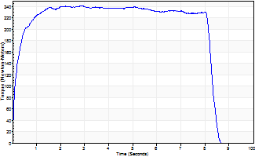
Isometric Extensors (Con) Angle 60 Time 10 Repetition 1 (Best Repetition)
 | Value | Cof Var | %BW
Peak Torque (Newton-Meters)
Right | 241 | 0 | 346
Left | 0 | 0 | 0
Deficit | 0
Average Torque (Newton-Meters)
Right | 188 | 0 | 268
Left | 0 | 0 | 0
Deficit | 0
Peak Torque Slope (Newton-Meters/Seconds)
Right | 83 | 0 | 118
Left | 0 | 0 | 0 |  | Right Side Curves Left Side Curves
Deficit | 0
Time to Half Peak Torque (Seconds)
Right | 0.16 | 0
Left | 0 | 0
Time to Peak Torque (Seconds)
Right | 2.91 | 0
Left | 0 | 0
HUMAC2015® Version: 15.000.0074 © Computer Sports Medicine, Inc. www.csmisolutions.com

