Ark1
Use File, Preference to set Report Heading
Long Form Torque vs. Position Report - Knee Extension/Flexion
Name: |  |  |  | TR024_112, | ID: | TR024_112 | Right/Left: | 12.10.2020 12.10.2020
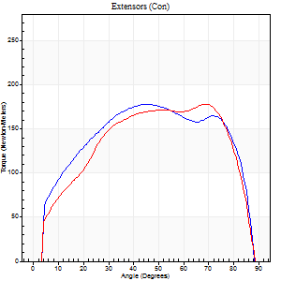
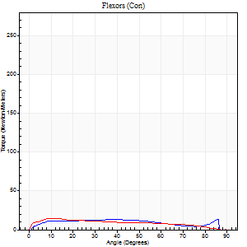
Right Side Curves Left Side Curves
Isokinetic Con/Con |  |  |  | Extensors (Con) |  | Flexors (Con)
Speed 60/60 d/s 3 Reps |  |  |  | Value | Cof Var | %BW | Value | Cof Var | %BW | Ratio

TORQUE PARAMETERS
Peak Torque (Newton-Meters - Best Repetition)
Right |  |  |  | 178 | 0.08 | 253 | 14 | 0.58 | 18 | 8
Left |  |  |  | 178 | 0.14 | 253 | 15 | 0.1 | 21 | 8
Deficit |  |  |  | 0 |  |  | 9
Work per Repetition (Newton-Meters - Best Repetition)
Right |  |  |  | 210 | 0.05 | 301 | 15 | 0.78 | 21 | 7
Left |  |  |  | 199 | 0.15 | 283 | 14 | 0.11 | 18 | 7
Deficit |  |  |  | 5 |  |  | 9
Average Power per Repetition (Watts - Best Repetition)
Right |  |  |  | 137 | 0.04 | 196 | 10 | 0.8 | 13 | 7
Left |  |  |  | 131 | 0.15 | 187 | 9 | 0.12 | 13 | 7
Deficit |  |  |  | 4 |  |  | 10
POSITION PARAMETERS
Joint Angle at Peak Torque (Degrees)
Right |  |  |  | 44 | 0.02 |  | 45 | 0.92
Left |  |  |  | 56 | 0.19 |  | 38 | 1.08
Range of Motion (Degrees)
Right |  |  |  | 0 | 0.57 |  | 90 | 0.01
Left |  |  |  | 0 | 0.53 |  | 89 | 0
TIME PARAMETERS
Time to Peak Torque (Seconds)
Right |  |  |  | 0.76 | 0.02 |  | 0.77 | 0.89
Left |  |  |  | 0.51 | 0.48 |  | 0.68 | 0.98
Time Peak Torque Held (Seconds)
Right |  |  |  | 0.06 | 0.37 |  | 0.06 | 1.73
Left |  |  |  | 0.05 | 0.25 |  | 0.01 | 1.73
Force Decay Time (Seconds)
Right |  |  |  | 0.7 | 0.07 |  | 0.73 | 0.92
Left |  |  |  | 0.91 | 0.21 |  | 0.85 | 0.81
Reciprocal Delay (Seconds)
Right |  |  |  | 0.06 | 0.33 |  | 0.16 | 0.41
Left |  |  |  | 0.06 | 0.33 |  | 0.12 | 0.55
Delay Time (Seconds)
Right |  |  |  | 0 | -1.41 |  | 0.02 | 0.65
Left |  |  |  | -0.01 | -2.83 |  | -0.02 | -1.51
HUMAC2015® Version: 15.000.0074 © Computer Sports Medicine, Inc. www.csmisolutions.com

Use File, Preference to set Report Heading
Long Form Torque vs. Position Report - Knee Extension/Flexion
Name: |  |  |  | TR024_112, | ID: | TR024_112 | Right/Left: | 12.10.2020 12.10.2020
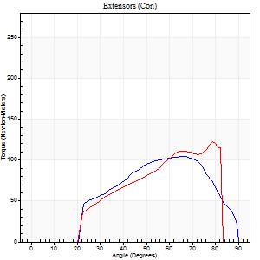
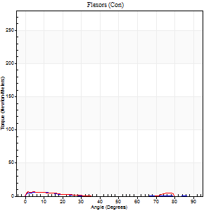
Right Side Curves Left Side Curves
Isokinetic Con/Con |  |  |  | Extensors (Con) |  | Flexors (Con)
Speed 240/240 d/s 3 Reps |  |  |  | Value | Cof Var | %BW | Value | Cof Var | %BW | Ratio

TORQUE PARAMETERS
Peak Torque (Newton-Meters - Best Repetition)
Right |  |  |  | 104 | 0.05 | 149 | 5 | 0.07 | 9 | 5
Left |  |  |  | 123 | 0.08 | 176 | 7 | 0.19 | 9 | 5
Deficit |  |  |  | 15 |  |  | 20
Work per Repetition (Newton-Meters - Best Repetition)
Right |  |  |  | 96 | 0.09 | 137 | 3 | 0.12 | 3 | 3
Left |  |  |  | 104 | 0.07 | 149 | 3 | 0.61 | 3 | 3
Deficit |  |  |  | 8 |  |  | 0
Average Power per Repetition (Watts - Best Repetition)
Right |  |  |  | 177 | 0.1 | 253 | 3 | 0.28 | 4 | 2
Left |  |  |  | 190 | 0.02 | 270 | 3 | 0.51 | 4 | 2
Deficit |  |  |  | 7 |  |  | 0
POSITION PARAMETERS
Joint Angle at Peak Torque (Degrees)
Right |  |  |  | 63 | 0.12 |  | 6 | 0.14
Left |  |  |  | 63 | 0.22 |  | 28 | 1.56
Range of Motion (Degrees)
Right |  |  |  | 0 | 0 |  | 90 | 0.01
Left |  |  |  | 0 | 0 |  | 86 | 0.04
TIME PARAMETERS
Time to Peak Torque (Seconds)
Right |  |  |  | 0.18 | 0.2 |  | 0.21 | 0.05
Left |  |  |  | 0.19 | 0 |  | 0.15 | 0.42
Time Peak Torque Held (Seconds)
Right |  |  |  | 0.01 | 1 |  | 0.03 | 0.94
Left |  |  |  | 0.01 | 1.73 |  | 0.03 | 1.73
Force Decay Time (Seconds)
Right |  |  |  | 0.36 | 0.07 |  | 0.83 | 0.2
Left |  |  |  | 0.37 | 0.2 |  | 0.71 | 0.84
Reciprocal Delay (Seconds)
Right |  |  |  | 0.07 | 0.2 |  | 0.3 | 0.57
Left |  |  |  | 0.04 | 0.2 |  | 0.23 | 0.28
Delay Time (Seconds)
Right |  |  |  | -0.01 | -0.47 |  | -0.05 | -0.2
Left |  |  |  | -0.01 | -0.47 |  | 0.21 | 2.11
HUMAC2015® Version: 15.000.0074 © Computer Sports Medicine, Inc. www.csmisolutions.com

Use File, Preference to set Report Heading
Isometric - Knee Extension/Flexion
Name: |  |  |  | TR024_112, | ID: | TR024_112 | Right/Left: | 12.10.2020 12.10.2020

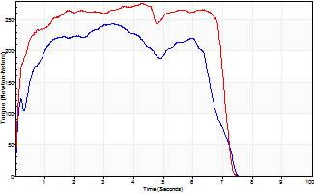
Isometric Extensors (Con) Angle 60 Time 10 Repetition 1 (Best Repetition)
 | Value | Cof Var | %BW
Peak Torque (Newton-Meters)
Right | 243 | 0 | 346
Left | 275 | 0 | 393
Deficit | 12
Average Torque (Newton-Meters)
Right | 142 | 0 | 203
Left | 178 | 0 | 253
Deficit | 20
Peak Torque Slope (Newton-Meters/Seconds)
Right | 74 | 0 | 106
Left | 64 | 0 | 91 |  | Right Side Curves Left Side Curves
Deficit | 14
Time to Half Peak Torque (Seconds)
Right | 0.18 | 0
Left | 0.13 | 0
Time to Peak Torque (Seconds)
Right | 3.26 | 0
Left | 4.31 | 0
HUMAC2015® Version: 15.000.0074 © Computer Sports Medicine, Inc. www.csmisolutions.com

Ark2
Use File, Preference to set Report Heading
Long Form Torque vs. Position Report - Knee Extension/Flexion
Name: |  |  |  | TR024_112, | ID: | TR024_112 | Right/Left: | 14.10.2020 14.10.2020
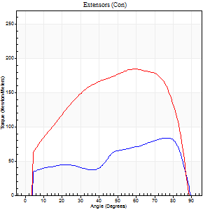
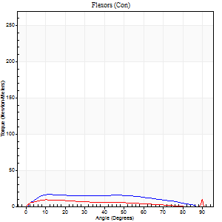
Right Side Curves Left Side Curves
Isokinetic Con/Con |  |  |  | Extensors (Con) |  | Flexors (Con)
Speed 60/60 d/s 3 Reps |  |  |  | Value | Cof Var | %BW | Value | Cof Var | %BW | Ratio

TORQUE PARAMETERS
Peak Torque (Newton-Meters - Best Repetition)
Right |  |  |  | 84 | 0.11 | 119 | 16 | 0.53 | 24 | 19
Left |  |  |  | 184 | 0.09 | 262 | 19 | 0.49 | 27 | 10
Deficit |  |  |  | 54 |  |  | 14
Work per Repetition (Newton-Meters - Best Repetition)
Right |  |  |  | 83 | 0.15 | 119 | 18 | 0.65 | 24 | 21
Left |  |  |  | 210 | 0.09 | 301 | 11 | 0.28 | 15 | 5
Deficit |  |  |  | 61 |  |  | 38
Average Power per Repetition (Watts - Best Repetition)
Right |  |  |  | 54 | 0.15 | 77 | 12 | 0.68 | 18 | 22
Left |  |  |  | 136 | 0.1 | 193 | 7 | 0.29 | 11 | 5
Deficit |  |  |  | 60 |  |  | 42
POSITION PARAMETERS
Joint Angle at Peak Torque (Degrees)
Right |  |  |  | 74 | 0.07 |  | 12 | 0.07
Left |  |  |  | 57 | 0.21 |  | 45 | 0.89
Range of Motion (Degrees)
Right |  |  |  | 1 | 0.63 |  | 89 | 0.01
Left |  |  |  | 0 | 0.47 |  | 90 | 0
TIME PARAMETERS
Time to Peak Torque (Seconds)
Right |  |  |  | 0.31 | 0.39 |  | 0.22 | 0.09
Left |  |  |  | 0.42 | 0.2 |  | 0.87 | 0.85
Time Peak Torque Held (Seconds)
Right |  |  |  | 0.03 | 0.75 |  | 0.23 | 1
Left |  |  |  | 0.06 | 0.24 |  | 0 | 1.73
Force Decay Time (Seconds)
Right |  |  |  | 1.21 | 0.06 |  | 1.13 | 0.14
Left |  |  |  | 0.93 | 0.21 |  | 0.74 | 0.97
Reciprocal Delay (Seconds)
Right |  |  |  | 0.06 | 0 |  | 0.16 | 0.35
Left |  |  |  | 0.11 | 0.06 |  | 0.21 | 0.31
Delay Time (Seconds)
Right |  |  |  | -0.02 | -0.28 |  | 0.01 | 2.29
Left |  |  |  | 0.03 | 0 |  | -0.02 | -1.25
HUMAC2015® Version: 15.000.0074 © Computer Sports Medicine, Inc. www.csmisolutions.com

Use File, Preference to set Report Heading
Long Form Torque vs. Position Report - Knee Extension/Flexion
Name: |  |  |  | TR024_112, | ID: | TR024_112 | Right/Left: | 14.10.2020 14.10.2020
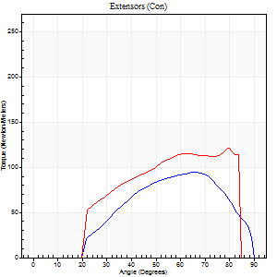
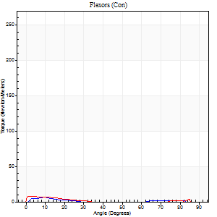
Right Side Curves Left Side Curves
Isokinetic Con/Con |  |  |  | Extensors (Con) |  | Flexors (Con)
Speed 240/240 d/s 3 Reps |  |  |  | Value | Cof Var | %BW | Value | Cof Var | %BW | Ratio

TORQUE PARAMETERS
Peak Torque (Newton-Meters - Best Repetition)
Right |  |  |  | 95 | 0.17 | 134 | 7 | 0.02 | 9 | 7
Left |  |  |  | 121 | 0.08 | 173 | 8 | 0.31 | 12 | 7
Deficit |  |  |  | 21 |  |  | 17
Work per Repetition (Newton-Meters - Best Repetition)
Right |  |  |  | 81 | 0.14 | 116 | 3 | 0.12 | 3 | 3
Left |  |  |  | 107 | 0.04 | 152 | 3 | 0.38 | 3 | 3
Deficit |  |  |  | 24 |  |  | 0
Average Power per Repetition (Watts - Best Repetition)
Right |  |  |  | 165 | 0.19 | 235 | 3 | 0.32 | 4 | 2
Left |  |  |  | 209 | 0.07 | 299 | 2 | 0.58 | 2 | 1
Deficit |  |  |  | 21 |  |  | 33
POSITION PARAMETERS
Joint Angle at Peak Torque (Degrees)
Right |  |  |  | 66 | 0.04 |  | 8 | 0.4
Left |  |  |  | 67 | 0.16 |  | 2 | 0.78
Range of Motion (Degrees)
Right |  |  |  | 2 | 0.06 |  | 90 | 0
Left |  |  |  | 0 | 1.41 |  | 88 | 0.04
TIME PARAMETERS
Time to Peak Torque (Seconds)
Right |  |  |  | 0.15 | 0 |  | 0.14 | 0.08
Left |  |  |  | 0.17 | 0 |  | 0.09 | 0.29
Time Peak Torque Held (Seconds)
Right |  |  |  | 0 | 1.73 |  | 0 | 0
Left |  |  |  | 0.01 | 1.15 |  | 0.03 | 1.05
Force Decay Time (Seconds)
Right |  |  |  | 0.33 | 0.03 |  | 0.84 | 0.23
Left |  |  |  | 0.38 | 0.18 |  | 1.39 | 0.19
Reciprocal Delay (Seconds)
Right |  |  |  | 0.06 | 0.24 |  | 0.1 | 0.48
Left |  |  |  | 0.06 | 0.33 |  | 0.25 | 0.59
Delay Time (Seconds)
Right |  |  |  | -0.01 | -0.47 |  | -0.03 | -0.43
Left |  |  |  | -0.01 | -1.41 |  | -0.06 | -0.37
HUMAC2015® Version: 15.000.0074 © Computer Sports Medicine, Inc. www.csmisolutions.com

Use File, Preference to set Report Heading
Isometric - Knee Extension/Flexion
Name: |  |  |  | TR024_112, | ID: | TR024_112 | Right/Left: | 14.10.2020 14.10.2020

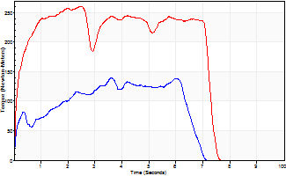
Isometric Extensors (Con) Angle 60 Time 10 Repetition 1 (Best Repetition)
 | Value | Cof Var | %BW
Peak Torque (Newton-Meters)
Right | 140 | 0 | 200
Left | 260 | 0 | 373
Deficit | 46
Average Torque (Newton-Meters)
Right | 72 | 0 | 101
Left | 168 | 0 | 241
Deficit | 57
Peak Torque Slope (Newton-Meters/Seconds)
Right | 39 | 0 | 56
Left | 106 | 0 | 152 |  | Right Side Curves Left Side Curves
Deficit | 63
Time to Half Peak Torque (Seconds)
Right | 0.22 | 0
Left | 0.14 | 0
Time to Peak Torque (Seconds)
Right | 3.59 | 0
Left | 2.44 | 0
HUMAC2015® Version: 15.000.0074 © Computer Sports Medicine, Inc. www.csmisolutions.com

Ark3
Use File, Preference to set Report Heading
Long Form Torque vs. Position Report - Knee Extension/Flexion
Name: |  |  |  | TR024_112, | ID: | TR024_112 | Right/Left: | 18.10.2020 18.10.2020
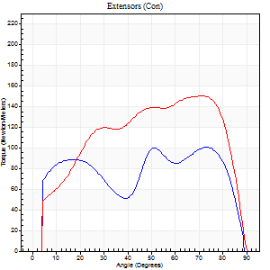
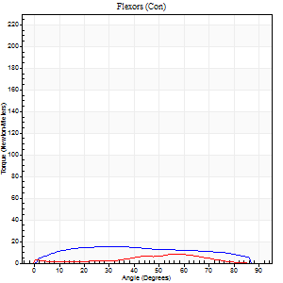
Right Side Curves Left Side Curves
Isokinetic Con/Con |  |  |  | Extensors (Con) |  | Flexors (Con)
Speed 60/60 d/s 3 Reps |  |  |  | Value | Cof Var | %BW | Value | Cof Var | %BW | Ratio

TORQUE PARAMETERS
Peak Torque (Newton-Meters - Best Repetition)
Right |  |  |  | 100 | 0.03 | 143 | 15 | 0.21 | 21 | 15
Left |  |  |  | 151 | 0.08 | 215 | 8 | 0.39 | 12 | 5
Deficit |  |  |  | 33 |  |  | 45
Work per Repetition (Newton-Meters - Best Repetition)
Right |  |  |  | 125 | 0.04 | 179 | 18 | 0.23 | 24 | 14
Left |  |  |  | 170 | 0.04 | 241 | 5 | 0.42 | 9 | 3
Deficit |  |  |  | 26 |  |  | 69
Average Power per Repetition (Watts - Best Repetition)
Right |  |  |  | 83 | 0.05 | 119 | 11 | 0.23 | 15 | 13
Left |  |  |  | 107 | 0.04 | 152 | 3 | 0.43 | 4 | 3
Deficit |  |  |  | 22 |  |  | 73
POSITION PARAMETERS
Joint Angle at Peak Torque (Degrees)
Right |  |  |  | 53 | 0.56 |  | 48 | 0.71
Left |  |  |  | 55 | 0.26 |  | 23 | 1.27
Range of Motion (Degrees)
Right |  |  |  | 0 | 0.76 |  | 90 | 0
Left |  |  |  | 0 | 1.41 |  | 90 | 0
TIME PARAMETERS
Time to Peak Torque (Seconds)
Right |  |  |  | 0.33 | 0.21 |  | 0.83 | 0.69
Left |  |  |  | 0.49 | 0.43 |  | 0.51 | 1.16
Time Peak Torque Held (Seconds)
Right |  |  |  | 0.14 | 1.48 |  | 0.02 | 1.73
Left |  |  |  | 0.06 | 0.44 |  | 0.01 | 1.73
Force Decay Time (Seconds)
Right |  |  |  | 0.76 | 0.54 |  | 0.69 | 0.74
Left |  |  |  | 0.9 | 0.25 |  | 1.19 | 0.5
Reciprocal Delay (Seconds)
Right |  |  |  | 0.12 | 0.24 |  | 0.19 | 0.14
Left |  |  |  | 0.17 | 0.25 |  | 0.24 | 0.4
Delay Time (Seconds)
Right |  |  |  | 0.02 | 0.71 |  | 0.02 | 1.32
Left |  |  |  | 0.01 | 2.83 |  | -0.03 | -0.88
HUMAC2015® Version: 15.000.0074 © Computer Sports Medicine, Inc. www.csmisolutions.com

Use File, Preference to set Report Heading
Long Form Torque vs. Position Report - Knee Extension/Flexion
Name: |  |  |  | TR024_112, | ID: | TR024_112 | Right/Left: | 18.10.2020 18.10.2020
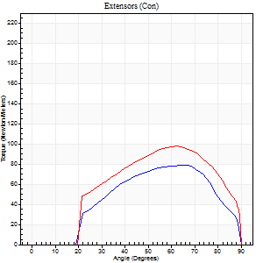
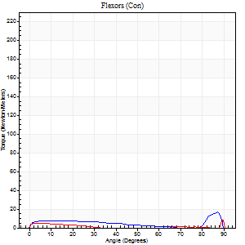
Right Side Curves Left Side Curves
Isokinetic Con/Con |  |  |  | Extensors (Con) |  | Flexors (Con)
Speed 240/240 d/s 3 Reps |  |  |  | Value | Cof Var | %BW | Value | Cof Var | %BW | Ratio

TORQUE PARAMETERS
Peak Torque (Newton-Meters - Best Repetition)
Right |  |  |  | 79 | 0.1 | 113 | 16 | 0.51 | 24 | 21
Left |  |  |  | 98 | 0.1 | 140 | 12 | 0.6 | 18 | 12
Deficit |  |  |  | 19 |  |  | 25
Work per Repetition (Newton-Meters - Best Repetition)
Right |  |  |  | 72 | 0.09 | 101 | 8 | 0.54 | 12 | 11
Left |  |  |  | 92 | 0.12 | 131 | 4 | 0.44 | 6 | 4
Deficit |  |  |  | 22 |  |  | 50
Average Power per Repetition (Watts - Best Repetition)
Right |  |  |  | 129 | 0.08 | 185 | 11 | 0.64 | 15 | 9
Left |  |  |  | 162 | 0.11 | 231 | 4 | 0.62 | 7 | 2
Deficit |  |  |  | 20 |  |  | 64
POSITION PARAMETERS
Joint Angle at Peak Torque (Degrees)
Right |  |  |  | 66 | 0 |  | 32 | 1.53
Left |  |  |  | 59 | 0.09 |  | 67 | 0.51
Range of Motion (Degrees)
Right |  |  |  | 0 | 1.41 |  | 90 | 0.01
Left |  |  |  | 0 | 0 |  | 90 | 0
TIME PARAMETERS
Time to Peak Torque (Seconds)
Right |  |  |  | 0.16 | 0.09 |  | 0.31 | 0.92
Left |  |  |  | 0.2 | 0.14 |  | 1.09 | 0.38
Time Peak Torque Held (Seconds)
Right |  |  |  | 0.01 | 0.43 |  | 0.02 | 1.73
Left |  |  |  | 0.01 | 0 |  | 0 | 0
Force Decay Time (Seconds)
Right |  |  |  | 0.36 | 0.02 |  | 0.46 | 0.87
Left |  |  |  | 0.35 | 0.08 |  | 0.14 | 1.59
Reciprocal Delay (Seconds)
Right |  |  |  | 0.07 | 0 |  | 0.21 | 0.39
Left |  |  |  | 0.1 | 0.42 |  | 0.51 | 0.31
Delay Time (Seconds)
Right |  |  |  | -0.02 | -0.71 |  | -0.04 | -0.66
Left |  |  |  | -0.02 | 0 |  | -0.09 | -0.29
HUMAC2015® Version: 15.000.0074 © Computer Sports Medicine, Inc. www.csmisolutions.com

Use File, Preference to set Report Heading
Isometric - Knee Extension/Flexion
Name: |  |  |  | TR024_112, | ID: | TR024_112 | Right/Left: | 18.10.2020 18.10.2020

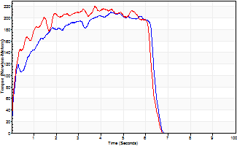
Isometric Extensors (Con) Angle 60 Time 10 Repetition 1 (Best Repetition)
 | Value | Cof Var | %BW
Peak Torque (Newton-Meters)
Right | 210 | 0 | 301
Left | 220 | 0 | 313
Deficit | 4
Average Torque (Newton-Meters)
Right | 115 | 0 | 164
Left | 122 | 0 | 173
Deficit | 6
Peak Torque Slope (Newton-Meters/Seconds)
Right | 47 | 0 | 68
Left | 59 | 0 | 84 |  | Right Side Curves Left Side Curves
Deficit | 20
Time to Half Peak Torque (Seconds)
Right | 0.21 | 0
Left | 0.2 | 0
Time to Peak Torque (Seconds)
Right | 4.43 | 0
Left | 3.72 | 0
HUMAC2015® Version: 15.000.0074 © Computer Sports Medicine, Inc. www.csmisolutions.com

Ark4
Use File, Preference to set Report Heading
Long Form Torque vs. Position Report - Knee Extension/Flexion
Name: |  |  |  | TR024_112, | ID: | TR024_112 | Right/Left: | 22.10.2020 22.10.2020
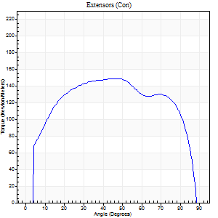
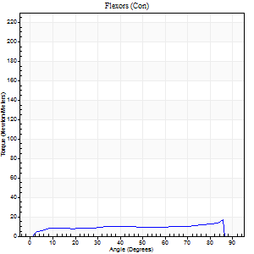
Right Side Curves Left Side Curves
Isokinetic Con/Con |  |  |  | Extensors (Con) |  | Flexors (Con)
Speed 60/60 d/s 3 Reps |  |  |  | Value | Cof Var | %BW | Value | Cof Var | %BW | Ratio

TORQUE PARAMETERS
Peak Torque (Newton-Meters - Best Repetition)
Right |  |  |  | 149 | 0.14 | 212 | 16 | 0.24 | 24 | 11
Left |  |  |  | 0 | 0 | 0 | 0 | 0 | 0 | 0
Deficit |  |  |  | 0 |  |  | 0
Work per Repetition (Newton-Meters - Best Repetition)
Right |  |  |  | 182 | 0.16 | 259 | 14 | 0.14 | 18 | 7
Left |  |  |  | 0 | 0 | 0 | 0 | 0 | 0 | 0
Deficit |  |  |  | 0 |  |  | 0
Average Power per Repetition (Watts - Best Repetition)
Right |  |  |  | 120 | 0.17 | 171 | 9 | 0.13 | 13 | 8
Left |  |  |  | 0 | 0 | 0 | 0 | 0 | 0 | 0
Deficit |  |  |  | 0 |  |  | 0
POSITION PARAMETERS
Joint Angle at Peak Torque (Degrees)
Right |  |  |  | 31 | 0.44 |  | 46 | 0.75
Left |  |  |  | 0 | 0 |  | 0 | 0
Range of Motion (Degrees)
Right |  |  |  | 0 | 0.39 |  | 90 | 0
Left |  |  |  | 0 | 0 |  | 0 | 0
TIME PARAMETERS
Time to Peak Torque (Seconds)
Right |  |  |  | 0.86 | 0.25 |  | 0.8 | 0.7
Left |  |  |  | 0 | 0 |  | 0 | 0
Time Peak Torque Held (Seconds)
Right |  |  |  | 0.06 | 0.73 |  | 0.07 | 1.38
Left |  |  |  | 0 | 0 |  | 0 | 0
Force Decay Time (Seconds)
Right |  |  |  | 0.49 | 0.39 |  | 0.67 | 0.76
Left |  |  |  | 0 | 0 |  | 0 | 0
Reciprocal Delay (Seconds)
Right |  |  |  | 0.08 | 0.09 |  | 0.25 | 0.13
Left |  |  |  | 0 | 0 |  | 0 | 0
Delay Time (Seconds)
Right |  |  |  | 0.02 | 0 |  | 0.01 | 1.15
Left |  |  |  | 0 | 0 |  | 0 | 0
HUMAC2015® Version: 15.000.0074 © Computer Sports Medicine, Inc. www.csmisolutions.com

Use File, Preference to set Report Heading
Long Form Torque vs. Position Report - Knee Extension/Flexion
Name: |  |  |  | TR024_112, | ID: | TR024_112 | Right/Left: | 22.10.2020 22.10.2020
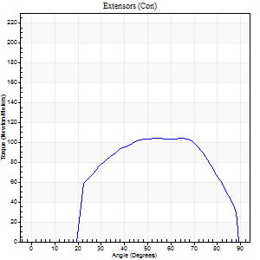
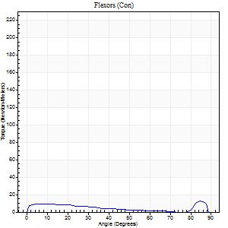
Right Side Curves Left Side Curves
Isokinetic Con/Con |  |  |  | Extensors (Con) |  | Flexors (Con)
Speed 240/240 d/s 3 Reps |  |  |  | Value | Cof Var | %BW | Value | Cof Var | %BW | Ratio

TORQUE PARAMETERS
Peak Torque (Newton-Meters - Best Repetition)
Right |  |  |  | 104 | 0.11 | 149 | 12 | 0.43 | 18 | 12
Left |  |  |  | 0 | 0 | 0 | 0 | 0 | 0 | 0
Deficit |  |  |  | 0 |  |  | 0
Work per Repetition (Newton-Meters - Best Repetition)
Right |  |  |  | 102 | 0.12 | 146 | 8 | 0.53 | 12 | 8
Left |  |  |  | 0 | 0 | 0 | 0 | 0 | 0 | 0
Deficit |  |  |  | 0 |  |  | 0
Average Power per Repetition (Watts - Best Repetition)
Right |  |  |  | 186 | 0.1 | 266 | 11 | 0.71 | 15 | 6
Left |  |  |  | 0 | 0 | 0 | 0 | 0 | 0 | 0
Deficit |  |  |  | 0 |  |  | 0
POSITION PARAMETERS
Joint Angle at Peak Torque (Degrees)
Right |  |  |  | 59 | 0.13 |  | 37 | 1.15
Left |  |  |  | 0 | 0 |  | 0 | 0
Range of Motion (Degrees)
Right |  |  |  | 0 | 2.12 |  | 90 | 0.01
Left |  |  |  | 0 | 0 |  | 0 | 0
TIME PARAMETERS
Time to Peak Torque (Seconds)
Right |  |  |  | 0.19 | 0.04 |  | 0.39 | 0.59
Left |  |  |  | 0 | 0 |  | 0 | 0
Time Peak Torque Held (Seconds)
Right |  |  |  | 0.01 | 1 |  | 0.01 | 1.73
Left |  |  |  | 0 | 0 |  | 0 | 0
Force Decay Time (Seconds)
Right |  |  |  | 0.34 | 0.08 |  | 0.41 | 0.91
Left |  |  |  | 0 | 0 |  | 0 | 0
Reciprocal Delay (Seconds)
Right |  |  |  | 0.05 | 0.57 |  | 0.33 | 0.95
Left |  |  |  | 0 | 0 |  | 0 | 0
Delay Time (Seconds)
Right |  |  |  | -0.01 | 0 |  | -0.06 | -0.44
Left |  |  |  | 0 | 0 |  | 0 | 0
HUMAC2015® Version: 15.000.0074 © Computer Sports Medicine, Inc. www.csmisolutions.com

Use File, Preference to set Report Heading
Isometric - Knee Extension/Flexion
Name: |  |  |  | TR024_112, | ID: | TR024_112 | Right/Left: | 22.10.2020 22.10.2020

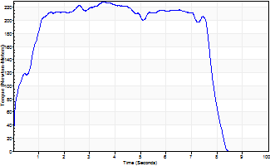
Isometric Extensors (Con) Angle 60 Time 10 Repetition 1 (Best Repetition)
 | Value | Cof Var | %BW
Peak Torque (Newton-Meters)
Right | 228 | 0 | 325
Left | 0 | 0 | 0
Deficit | 0
Average Torque (Newton-Meters)
Right | 159 | 0 | 226
Left | 0 | 0 | 0
Deficit | 0
Peak Torque Slope (Newton-Meters/Seconds)
Right | 64 | 0 | 91
Left | 0 | 0 | 0 |  | Right Side Curves Left Side Curves
Deficit | 0
Time to Half Peak Torque (Seconds)
Right | 0.37 | 0
Left | 0 | 0
Time to Peak Torque (Seconds)
Right | 3.56 | 0
Left | 0 | 0
HUMAC2015® Version: 15.000.0074 © Computer Sports Medicine, Inc. www.csmisolutions.com

Ark5
Use File, Preference to set Report Heading
Long Form Torque vs. Position Report - Knee Extension/Flexion
Name: |  |  |  | TR024_112, | ID: | TR024_112 | Right/Left: | 23.10.2020 23.10.2020
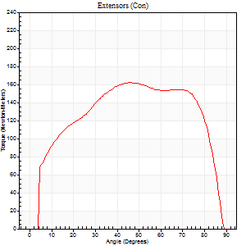
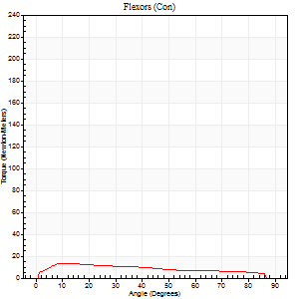
Right Side Curves Left Side Curves
Isokinetic Con/Con |  |  |  | Extensors (Con) |  | Flexors (Con)
Speed 60/60 d/s 3 Reps |  |  |  | Value | Cof Var | %BW | Value | Cof Var | %BW | Ratio

TORQUE PARAMETERS
Peak Torque (Newton-Meters - Best Repetition)
Right |  |  |  | 0 | 0 | 0 | 0 | 0 | 0 | 0
Left |  |  |  | 161 | 0.09 | 229 | 14 | 0.03 | 18 | 8
Deficit |  |  |  | 0 |  |  | 0
Work per Repetition (Newton-Meters - Best Repetition)
Right |  |  |  | 0 | 0 | 0 | 0 | 0 | 0 | 0
Left |  |  |  | 194 | 0.07 | 277 | 15 | 0.09 | 21 | 8
Deficit |  |  |  | 0 |  |  | 0
Average Power per Repetition (Watts - Best Repetition)
Right |  |  |  | 0 | 0 | 0 | 0 | 0 | 0 | 0
Left |  |  |  | 125 | 0.05 | 178 | 10 | 0.07 | 13 | 8
Deficit |  |  |  | 0 |  |  | 0
POSITION PARAMETERS
Joint Angle at Peak Torque (Degrees)
Right |  |  |  | 0 | 0 |  | 0 | 0
Left |  |  |  | 45 | 0.11 |  | 30 | 0.59
Range of Motion (Degrees)
Right |  |  |  | 0 | 0 |  | 0 | 0
Left |  |  |  | 0 | 4.24 |  | 88 | 0.02
TIME PARAMETERS
Time to Peak Torque (Seconds)
Right |  |  |  | 0 | 0 |  | 0 | 0
Left |  |  |  | 0.7 | 0.06 |  | 0.56 | 0.59
Time Peak Torque Held (Seconds)
Right |  |  |  | 0 | 0 |  | 0 | 0
Left |  |  |  | 0.07 | 0.43 |  | 0.04 | 1
Force Decay Time (Seconds)
Right |  |  |  | 0 | 0 |  | 0 | 0
Left |  |  |  | 0.72 | 0.09 |  | 0.96 | 0.28
Reciprocal Delay (Seconds)
Right |  |  |  | 0 | 0 |  | 0 | 0
Left |  |  |  | 0.11 | 0.07 |  | 0.25 | 0.43
Delay Time (Seconds)
Right |  |  |  | 0 | 0 |  | 0 | 0
Left |  |  |  | 0 | 1.41 |  | -0.01 | -2.65
HUMAC2015® Version: 15.000.0074 © Computer Sports Medicine, Inc. www.csmisolutions.com

Use File, Preference to set Report Heading
Long Form Torque vs. Position Report - Knee Extension/Flexion
Name: |  |  |  | TR024_112, | ID: | TR024_112 | Right/Left: | 23.10.2020 23.10.2020
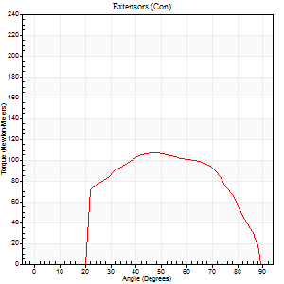
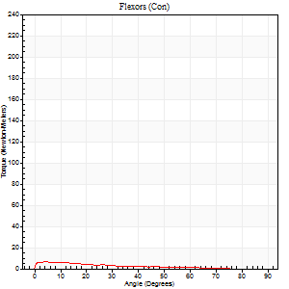
Right Side Curves Left Side Curves
Isokinetic Con/Con |  |  |  | Extensors (Con) |  | Flexors (Con)
Speed 240/240 d/s 3 Reps |  |  |  | Value | Cof Var | %BW | Value | Cof Var | %BW | Ratio

TORQUE PARAMETERS
Peak Torque (Newton-Meters - Best Repetition)
Right |  |  |  | 0 | 0 | 0 | 0 | 0 | 0 | 0
Left |  |  |  | 107 | 0.03 | 152 | 7 | 0.11 | 9 | 6
Deficit |  |  |  | 0 |  |  | 0
Work per Repetition (Newton-Meters - Best Repetition)
Right |  |  |  | 0 | 0 | 0 | 0 | 0 | 0 | 0
Left |  |  |  | 106 | 0.05 | 152 | 4 | 0.17 | 6 | 4
Deficit |  |  |  | 0 |  |  | 0
Average Power per Repetition (Watts - Best Repetition)
Right |  |  |  | 0 | 0 | 0 | 0 | 0 | 0 | 0
Left |  |  |  | 186 | 0.04 | 266 | 5 | 0.34 | 7 | 3
Deficit |  |  |  | 0 |  |  | 0
POSITION PARAMETERS
Joint Angle at Peak Torque (Degrees)
Right |  |  |  | 0 | 0 |  | 0 | 0
Left |  |  |  | 49 | 0.06 |  | 4 | 0.05
Range of Motion (Degrees)
Right |  |  |  | 0 | 0 |  | 0 | 0
Left |  |  |  | 0 | 0 |  | 89 | 0.01
TIME PARAMETERS
Time to Peak Torque (Seconds)
Right |  |  |  | 0 | 0 |  | 0 | 0
Left |  |  |  | 0.22 | 0.03 |  | 0.19 | 0.11
Time Peak Torque Held (Seconds)
Right |  |  |  | 0 | 0 |  | 0 | 0
Left |  |  |  | 0.01 | 0.43 |  | 0.03 | 0.87
Force Decay Time (Seconds)
Right |  |  |  | 0 | 0 |  | 0 | 0
Left |  |  |  | 0.31 | 0.02 |  | 0.73 | 0.22
Reciprocal Delay (Seconds)
Right |  |  |  | 0 | 0 |  | 0 | 0
Left |  |  |  | 0.05 | 0.28 |  | 0.42 | 0.39
Delay Time (Seconds)
Right |  |  |  | 0 | 0 |  | 0 | 0
Left |  |  |  | -0.01 | 0 |  | -0.07 | -0.16
HUMAC2015® Version: 15.000.0074 © Computer Sports Medicine, Inc. www.csmisolutions.com

Use File, Preference to set Report Heading
Isometric - Knee Extension/Flexion
Name: |  |  |  | TR024_112, | ID: | TR024_112 | Right/Left: | 23.10.2020 23.10.2020

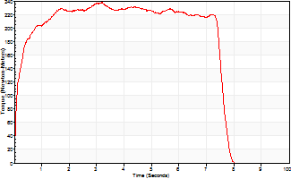
Isometric Extensors (Con) Angle 60 Time 10 Repetition 1 (Best Repetition)
 | Value | Cof Var | %BW
Peak Torque (Newton-Meters)
Right | 0 | 0 | 0
Left | 237 | 0 | 340
Deficit | 0
Average Torque (Newton-Meters)
Right | 0 | 0 | 0
Left | 164 | 0 | 235
Deficit | 0
Peak Torque Slope (Newton-Meters/Seconds)
Right | 0 | 0 | 0
Left | 74 | 0 | 106 |  | Right Side Curves Left Side Curves
Deficit | 0
Time to Half Peak Torque (Seconds)
Right | 0 | 0
Left | 0.13 | 0
Time to Peak Torque (Seconds)
Right | 0 | 0
Left | 3.19 | 0
HUMAC2015® Version: 15.000.0074 © Computer Sports Medicine, Inc. www.csmisolutions.com

Ark6
Use File, Preference to set Report Heading
Long Form Torque vs. Position Report - Knee Extension/Flexion
Name: |  |  |  | TR024_112, | ID: | TR024_112 | Right/Left: | 26.10.2020 26.10.2020
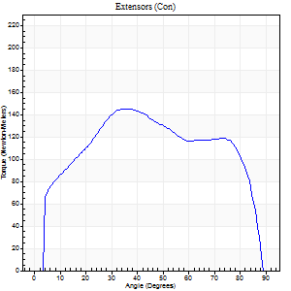
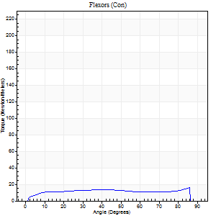
Right Side Curves Left Side Curves
Isokinetic Con/Con |  |  |  | Extensors (Con) |  | Flexors (Con)
Speed 60/60 d/s 3 Reps |  |  |  | Value | Cof Var | %BW | Value | Cof Var | %BW | Ratio

TORQUE PARAMETERS
Peak Torque (Newton-Meters - Best Repetition)
Right |  |  |  | 145 | 0.18 | 206 | 16 | 0.13 | 24 | 11
Left |  |  |  | 0 | 0 | 0 | 0 | 0 | 0 | 0
Deficit |  |  |  | 0 |  |  | 0
Work per Repetition (Newton-Meters - Best Repetition)
Right |  |  |  | 168 | 0.18 | 241 | 18 | 0.12 | 24 | 10
Left |  |  |  | 0 | 0 | 0 | 0 | 0 | 0 | 0
Deficit |  |  |  | 0 |  |  | 0
Average Power per Repetition (Watts - Best Repetition)
Right |  |  |  | 110 | 0.17 | 156 | 11 | 0.12 | 15 | 10
Left |  |  |  | 0 | 0 | 0 | 0 | 0 | 0 | 0
Deficit |  |  |  | 0 |  |  | 0
POSITION PARAMETERS
Joint Angle at Peak Torque (Degrees)
Right |  |  |  | 30 | 0.19 |  | 51 | 0.61
Left |  |  |  | 0 | 0 |  | 0 | 0
Range of Motion (Degrees)
Right |  |  |  | 0 | 0.71 |  | 90 | 0
Left |  |  |  | 0 | 0 |  | 0 | 0
TIME PARAMETERS
Time to Peak Torque (Seconds)
Right |  |  |  | 0.94 | 0.1 |  | 0.9 | 0.55
Left |  |  |  | 0 | 0 |  | 0 | 0
Time Peak Torque Held (Seconds)
Right |  |  |  | 0.04 | 0.35 |  | 0.05 | 1.73
Left |  |  |  | 0 | 0 |  | 0 | 0
Force Decay Time (Seconds)
Right |  |  |  | 0.49 | 0.17 |  | 0.6 | 0.79
Left |  |  |  | 0 | 0 |  | 0 | 0
Reciprocal Delay (Seconds)
Right |  |  |  | 0.11 | 0.06 |  | 0.25 | 0.29
Left |  |  |  | 0 | 0 |  | 0 | 0
Delay Time (Seconds)
Right |  |  |  | 0.02 | 0 |  | 0 | 11.36
Left |  |  |  | 0 | 0 |  | 0 | 0
HUMAC2015® Version: 15.000.0074 © Computer Sports Medicine, Inc. www.csmisolutions.com

Use File, Preference to set Report Heading
Long Form Torque vs. Position Report - Knee Extension/Flexion
Name: |  |  |  | TR024_112, | ID: | TR024_112 | Right/Left: | 26.10.2020 26.10.2020
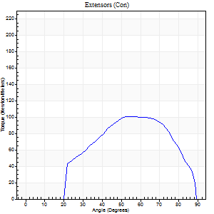
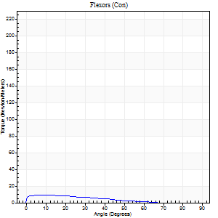
Right Side Curves Left Side Curves
Isokinetic Con/Con |  |  |  | Extensors (Con) |  | Flexors (Con)
Speed 240/240 d/s 3 Reps |  |  |  | Value | Cof Var | %BW | Value | Cof Var | %BW | Ratio

TORQUE PARAMETERS
Peak Torque (Newton-Meters - Best Repetition)
Right |  |  |  | 100 | 0.08 | 143 | 9 | 0.14 | 15 | 9
Left |  |  |  | 0 | 0 | 0 | 0 | 0 | 0 | 0
Deficit |  |  |  | 0 |  |  | 0
Work per Repetition (Newton-Meters - Best Repetition)
Right |  |  |  | 95 | 0.1 | 134 | 7 | 0.26 | 9 | 7
Left |  |  |  | 0 | 0 | 0 | 0 | 0 | 0 | 0
Deficit |  |  |  | 0 |  |  | 0
Average Power per Repetition (Watts - Best Repetition)
Right |  |  |  | 179 | 0.12 | 255 | 10 | 0.39 | 13 | 6
Left |  |  |  | 0 | 0 | 0 | 0 | 0 | 0 | 0
Deficit |  |  |  | 0 |  |  | 0
POSITION PARAMETERS
Joint Angle at Peak Torque (Degrees)
Right |  |  |  | 64 | 0.12 |  | 34 | 1.33
Left |  |  |  | 0 | 0 |  | 0 | 0
Range of Motion (Degrees)
Right |  |  |  | 0 | 4.24 |  | 89 | 0.01
Left |  |  |  | 0 | 0 |  | 0 | 0
TIME PARAMETERS
Time to Peak Torque (Seconds)
Right |  |  |  | 0.17 | 0.25 |  | 0.41 | 0.95
Left |  |  |  | 0 | 0 |  | 0 | 0
Time Peak Torque Held (Seconds)
Right |  |  |  | 0.03 | 0.78 |  | 0.03 | 1.05
Left |  |  |  | 0 | 0 |  | 0 | 0
Force Decay Time (Seconds)
Right |  |  |  | 0.34 | 0.09 |  | 0.31 | 0.82
Left |  |  |  | 0 | 0 |  | 0 | 0
Reciprocal Delay (Seconds)
Right |  |  |  | 0.04 | 0.2 |  | 0.29 | 0.39
Left |  |  |  | 0 | 0 |  | 0 | 0
Delay Time (Seconds)
Right |  |  |  | -0.01 | -0.47 |  | -0.04 | -0.5
Left |  |  |  | 0 | 0 |  | 0 | 0
HUMAC2015® Version: 15.000.0074 © Computer Sports Medicine, Inc. www.csmisolutions.com

Use File, Preference to set Report Heading
Isometric - Knee Extension/Flexion
Name: |  |  |  | TR024_112, | ID: | TR024_112 | Right/Left: | 26.10.2020 26.10.2020

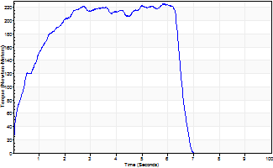
Isometric Extensors (Con) Angle 60 Time 10 Repetition 1 (Best Repetition)
 | Value | Cof Var | %BW
Peak Torque (Newton-Meters)
Right | 225 | 0 | 322
Left | 0 | 0 | 0
Deficit | 0
Average Torque (Newton-Meters)
Right | 126 | 0 | 179
Left | 0 | 0 | 0
Deficit | 0
Peak Torque Slope (Newton-Meters/Seconds)
Right | 39 | 0 | 55
Left | 0 | 0 | 0 |  | Right Side Curves Left Side Curves
Deficit | 0
Time to Half Peak Torque (Seconds)
Right | 0.47 | 0
Left | 0 | 0
Time to Peak Torque (Seconds)
Right | 5.8 | 0
Left | 0 | 0
HUMAC2015® Version: 15.000.0074 © Computer Sports Medicine, Inc. www.csmisolutions.com

Ark7
Use File, Preference to set Report Heading
Long Form Torque vs. Position Report - Knee Extension/Flexion
Name: |  |  |  | TR024_112, | ID: | TR024_112 | Right/Left: | 27.10.2020 27.10.2020
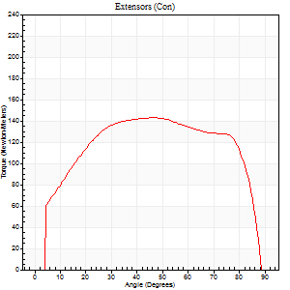
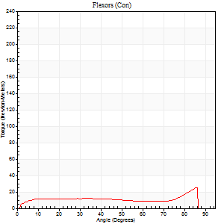
Right Side Curves Left Side Curves
Isokinetic Con/Con |  |  |  | Extensors (Con) |  | Flexors (Con)
Speed 60/60 d/s 3 Reps |  |  |  | Value | Cof Var | %BW | Value | Cof Var | %BW | Ratio

TORQUE PARAMETERS
Peak Torque (Newton-Meters - Best Repetition)
Right |  |  |  | 0 | 0 | 0 | 0 | 0 | 0 | 0
Left |  |  |  | 142 | 0.12 | 203 | 26 | 0.35 | 36 | 18
Deficit |  |  |  | 0 |  |  | 0
Work per Repetition (Newton-Meters - Best Repetition)
Right |  |  |  | 0 | 0 | 0 | 0 | 0 | 0 | 0
Left |  |  |  | 175 | 0.12 | 250 | 18 | 0.04 | 24 | 10
Deficit |  |  |  | 0 |  |  | 0
Average Power per Repetition (Watts - Best Repetition)
Right |  |  |  | 0 | 0 | 0 | 0 | 0 | 0 | 0
Left |  |  |  | 113 | 0.12 | 160 | 11 | 0.03 | 15 | 10
Deficit |  |  |  | 0 |  |  | 0
POSITION PARAMETERS
Joint Angle at Peak Torque (Degrees)
Right |  |  |  | 0 | 0 |  | 0 | 0
Left |  |  |  | 42 | 0.08 |  | 64 | 0.4
Range of Motion (Degrees)
Right |  |  |  | 0 | 0 |  | 0 | 0
Left |  |  |  | 0 | 0 |  | 89 | 0.01
TIME PARAMETERS
Time to Peak Torque (Seconds)
Right |  |  |  | 0 | 0 |  | 0 | 0
Left |  |  |  | 0.75 | 0.07 |  | 1.11 | 0.38
Time Peak Torque Held (Seconds)
Right |  |  |  | 0 | 0 |  | 0 | 0
Left |  |  |  | 0.08 | 0.25 |  | 0.04 | 1.52
Force Decay Time (Seconds)
Right |  |  |  | 0 | 0 |  | 0 | 0
Left |  |  |  | 0.65 | 0.08 |  | 0.39 | 1.03
Reciprocal Delay (Seconds)
Right |  |  |  | 0 | 0 |  | 0 | 0
Left |  |  |  | 0.09 | 0.37 |  | 0.18 | 0.53
Delay Time (Seconds)
Right |  |  |  | 0 | 0 |  | 0 | 0
Left |  |  |  | 0.02 | 0.28 |  | -0.01 | -3.12
HUMAC2015® Version: 15.000.0074 © Computer Sports Medicine, Inc. www.csmisolutions.com

Use File, Preference to set Report Heading
Long Form Torque vs. Position Report - Knee Extension/Flexion
Name: |  |  |  | TR024_112, | ID: | TR024_112 | Right/Left: | 27.10.2020 27.10.2020
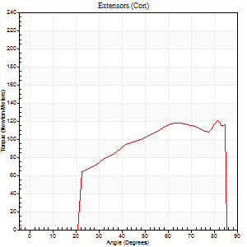
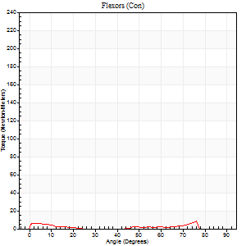
Right Side Curves Left Side Curves
Isokinetic Con/Con |  |  |  | Extensors (Con) |  | Flexors (Con)
Speed 240/240 d/s 3 Reps |  |  |  | Value | Cof Var | %BW | Value | Cof Var | %BW | Ratio

TORQUE PARAMETERS
Peak Torque (Newton-Meters - Best Repetition)
Right |  |  |  | 0 | 0 | 0 | 0 | 0 | 0 | 0
Left |  |  |  | 121 | 0.07 | 173 | 8 | 0.2 | 12 | 7
Deficit |  |  |  | 0 |  |  | 0
Work per Repetition (Newton-Meters - Best Repetition)
Right |  |  |  | 0 | 0 | 0 | 0 | 0 | 0 | 0
Left |  |  |  | 108 | 0.05 | 155 | 5 | 0.27 | 9 | 5
Deficit |  |  |  | 0 |  |  | 0
Average Power per Repetition (Watts - Best Repetition)
Right |  |  |  | 0 | 0 | 0 | 0 | 0 | 0 | 0
Left |  |  |  | 212 | 0.07 | 303 | 6 | 0.38 | 9 | 3
Deficit |  |  |  | 0 |  |  | 0
POSITION PARAMETERS
Joint Angle at Peak Torque (Degrees)
Right |  |  |  | 0 | 0 |  | 0 | 0
Left |  |  |  | 62 | 0.26 |  | 59 | 0.46
Range of Motion (Degrees)
Right |  |  |  | 0 | 0 |  | 0 | 0
Left |  |  |  | 0 | -1.41 |  | 87 | 0.03
TIME PARAMETERS
Time to Peak Torque (Seconds)
Right |  |  |  | 0 | 0 |  | 0 | 0
Left |  |  |  | 0.19 | 0 |  | 0.73 | 0.33
Time Peak Torque Held (Seconds)
Right |  |  |  | 0 | 0 |  | 0 | 0
Left |  |  |  | 0.01 | 1 |  | 0 | 0
Force Decay Time (Seconds)
Right |  |  |  | 0 | 0 |  | 0 | 0
Left |  |  |  | 0.37 | 0.25 |  | 0.2 | 0.65
Reciprocal Delay (Seconds)
Right |  |  |  | 0 | 0 |  | 0 | 0
Left |  |  |  | 0.05 | 0.16 |  | 0.52 | 0.57
Delay Time (Seconds)
Right |  |  |  | 0 | 0 |  | 0 | 0
Left |  |  |  | 0 | -1.41 |  | -0.07 | -0.38
HUMAC2015® Version: 15.000.0074 © Computer Sports Medicine, Inc. www.csmisolutions.com

Use File, Preference to set Report Heading
Isometric - Knee Extension/Flexion
Name: |  |  |  | TR024_112, | ID: | TR024_112 | Right/Left: | 27.10.2020 27.10.2020

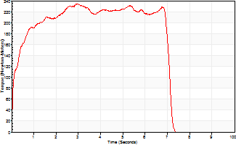
Isometric Extensors (Con) Angle 60 Time 10 Repetition 1 (Best Repetition)
 | Value | Cof Var | %BW
Peak Torque (Newton-Meters)
Right | 0 | 0 | 0
Left | 235 | 0 | 334
Deficit | 0
Average Torque (Newton-Meters)
Right | 0 | 0 | 0
Left | 148 | 0 | 212
Deficit | 0
Peak Torque Slope (Newton-Meters/Seconds)
Right | 0 | 0 | 0
Left | 79 | 0 | 113 |  | Right Side Curves Left Side Curves
Deficit | 0
Time to Half Peak Torque (Seconds)
Right | 0 | 0
Left | 0.23 | 0
Time to Peak Torque (Seconds)
Right | 0 | 0
Left | 2.95 | 0
HUMAC2015® Version: 15.000.0074 © Computer Sports Medicine, Inc. www.csmisolutions.com

Ark8
Use File, Preference to set Report Heading
Long Form Torque vs. Position Report - Knee Extension/Flexion
Name: |  |  |  | TR024_112, | ID: | TR024_112 | Right/Left: | 29.10.2020 29.10.2020
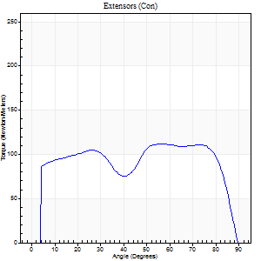
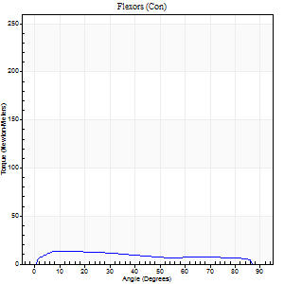
Right Side Curves Left Side Curves
Isokinetic Con/Con |  |  |  | Extensors (Con) |  | Flexors (Con)
Speed 60/60 d/s 3 Reps |  |  |  | Value | Cof Var | %BW | Value | Cof Var | %BW | Ratio

TORQUE PARAMETERS
Peak Torque (Newton-Meters - Best Repetition)
Right |  |  |  | 111 | 0.03 | 158 | 14 | 0.1 | 18 | 12
Left |  |  |  | 0 | 0 | 0 | 0 | 0 | 0 | 0
Deficit |  |  |  | 0 |  |  | 0
Work per Repetition (Newton-Meters - Best Repetition)
Right |  |  |  | 141 | 0.04 | 203 | 14 | 0.19 | 18 | 10
Left |  |  |  | 0 | 0 | 0 | 0 | 0 | 0 | 0
Deficit |  |  |  | 0 |  |  | 0
Average Power per Repetition (Watts - Best Repetition)
Right |  |  |  | 90 | 0.03 | 127 | 9 | 0.19 | 13 | 10
Left |  |  |  | 0 | 0 | 0 | 0 | 0 | 0 | 0
Deficit |  |  |  | 0 |  |  | 0
POSITION PARAMETERS
Joint Angle at Peak Torque (Degrees)
Right |  |  |  | 69 | 0.16 |  | 21 | 0.56
Left |  |  |  | 0 | 0 |  | 0 | 0
Range of Motion (Degrees)
Right |  |  |  | 0 | 0 |  | 90 | 0
Left |  |  |  | 0 | 0 |  | 0 | 0
TIME PARAMETERS
Time to Peak Torque (Seconds)
Right |  |  |  | 0.41 | 0.58 |  | 0.43 | 0.54
Left |  |  |  | 0 | 0 |  | 0 | 0
Time Peak Torque Held (Seconds)
Right |  |  |  | 0.03 | 0.46 |  | 0 | 0
Left |  |  |  | 0 | 0 |  | 0 | 0
Force Decay Time (Seconds)
Right |  |  |  | 1.16 | 0.17 |  | 1.14 | 0.18
Left |  |  |  | 0 | 0 |  | 0 | 0
Reciprocal Delay (Seconds)
Right |  |  |  | 0.14 | 0.1 |  | 0.4 | 0.56
Left |  |  |  | 0 | 0 |  | 0 | 0
Delay Time (Seconds)
Right |  |  |  | 0 | 1.41 |  | -0.02 | -2.29
Left |  |  |  | 0 | 0 |  | 0 | 0
HUMAC2015® Version: 15.000.0074 © Computer Sports Medicine, Inc. www.csmisolutions.com

Use File, Preference to set Report Heading
Long Form Torque vs. Position Report - Knee Extension/Flexion
Name: |  |  |  | TR024_112, | ID: | TR024_112 | Right/Left: | 29.10.2020 29.10.2020
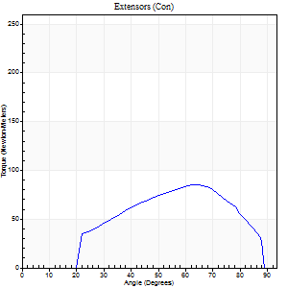
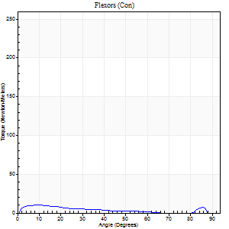
Right Side Curves Left Side Curves
Isokinetic Con/Con |  |  |  | Extensors (Con) |  | Flexors (Con)
Speed 240/240 d/s 3 Reps |  |  |  | Value | Cof Var | %BW | Value | Cof Var | %BW | Ratio

TORQUE PARAMETERS
Peak Torque (Newton-Meters - Best Repetition)
Right |  |  |  | 85 | 0.09 | 122 | 9 | 0.39 | 15 | 11
Left |  |  |  | 0 | 0 | 0 | 0 | 0 | 0 | 0
Deficit |  |  |  | 0 |  |  | 0
Work per Repetition (Newton-Meters - Best Repetition)
Right |  |  |  | 77 | 0.61 | 110 | 7 | 0.59 | 9 | 9
Left |  |  |  | 0 | 0 | 0 | 0 | 0 | 0 | 0
Deficit |  |  |  | 0 |  |  | 0
Average Power per Repetition (Watts - Best Repetition)
Right |  |  |  | 152 | 0.62 | 218 | 10 | 0.75 | 13 | 7
Left |  |  |  | 0 | 0 | 0 | 0 | 0 | 0 | 0
Deficit |  |  |  | 0 |  |  | 0
POSITION PARAMETERS
Joint Angle at Peak Torque (Degrees)
Right |  |  |  | 69 | 0.15 |  | 6 | 0.79
Left |  |  |  | 0 | 0 |  | 0 | 0
Range of Motion (Degrees)
Right |  |  |  | 1 | 1.41 |  | 86 | 0.04
Left |  |  |  | 0 | 0 |  | 0 | 0
TIME PARAMETERS
Time to Peak Torque (Seconds)
Right |  |  |  | 0.16 | 0 |  | 0.12 | 0.49
Left |  |  |  | 0 | 0 |  | 0 | 0
Time Peak Torque Held (Seconds)
Right |  |  |  | 0 | 0 |  | 0 | 0
Left |  |  |  | 0 | 0 |  | 0 | 0
Force Decay Time (Seconds)
Right |  |  |  | 0.4 | 0.23 |  | 0.78 | 0.66
Left |  |  |  | 0 | 0 |  | 0 | 0
Reciprocal Delay (Seconds)
Right |  |  |  | 0.04 | 0 |  | 0.21 | 0.92
Left |  |  |  | 0 | 0 |  | 0 | 0
Delay Time (Seconds)
Right |  |  |  | -0.02 | 0 |  | -0.03 | -0.94
Left |  |  |  | 0 | 0 |  | 0 | 0
HUMAC2015® Version: 15.000.0074 © Computer Sports Medicine, Inc. www.csmisolutions.com

Use File, Preference to set Report Heading
Isometric - Knee Extension/Flexion
Name: |  |  |  | TR024_112, | ID: | TR024_112 | Right/Left: | 29.10.2020 29.10.2020

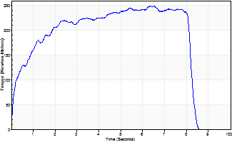
Isometric Extensors (Con) Angle 60 Time 10 Repetition 1 (Best Repetition)
 | Value | Cof Var | %BW
Peak Torque (Newton-Meters)
Right | 250 | 0 | 355
Left | 0 | 0 | 0
Deficit | 0
Average Torque (Newton-Meters)
Right | 175 | 0 | 250
Left | 0 | 0 | 0
Deficit | 0
Peak Torque Slope (Newton-Meters/Seconds)
Right | 38 | 0 | 55
Left | 0 | 0 | 0 |  | Right Side Curves Left Side Curves
Deficit | 0
Time to Half Peak Torque (Seconds)
Right | 0.46 | 0
Left | 0 | 0
Time to Peak Torque (Seconds)
Right | 6.5 | 0
Left | 0 | 0
HUMAC2015® Version: 15.000.0074 © Computer Sports Medicine, Inc. www.csmisolutions.com

Ark9
Use File, Preference to set Report Heading
Long Form Torque vs. Position Report - Knee Extension/Flexion
Name: |  |  |  | TR024_112, | ID: | TR024_112 | Right/Left: | 29.10.2020 29.10.2020
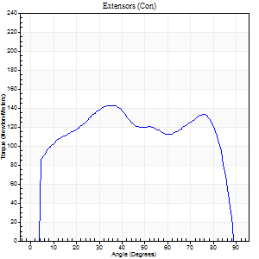

Right Side Curves Left Side Curves
Isokinetic Con/Con |  |  |  | Extensors (Con) |  | Flexors (Con)
Speed 60/60 d/s 3 Reps |  |  |  | Value | Cof Var | %BW | Value | Cof Var | %BW | Ratio

TORQUE PARAMETERS
Peak Torque (Newton-Meters - Best Repetition)
Right |  |  |  | 142 | 0.14 | 203 | 18 | 0.24 | 24 | 12
Left |  |  |  | 0 | 0 | 0 | 0 | 0 | 0 | 0
Deficit |  |  |  | 0 |  |  | 0
Work per Repetition (Newton-Meters - Best Repetition)
Right |  |  |  | 172 | 0.13 | 244 | 20 | 0.31 | 30 | 12
Left |  |  |  | 0 | 0 | 0 | 0 | 0 | 0 | 0
Deficit |  |  |  | 0 |  |  | 0
Average Power per Repetition (Watts - Best Repetition)
Right |  |  |  | 113 | 0.14 | 160 | 13 | 0.32 | 18 | 12
Left |  |  |  | 0 | 0 | 0 | 0 | 0 | 0 | 0
Deficit |  |  |  | 0 |  |  | 0
POSITION PARAMETERS
Joint Angle at Peak Torque (Degrees)
Right |  |  |  | 31 | 0.17 |  | 51 | 0.62
Left |  |  |  | 0 | 0 |  | 0 | 0
Range of Motion (Degrees)
Right |  |  |  | 0 | 2.36 |  | 90 | 0
Left |  |  |  | 0 | 0 |  | 0 | 0
TIME PARAMETERS
Time to Peak Torque (Seconds)
Right |  |  |  | 0.92 | 0.04 |  | 0.88 | 0.57
Left |  |  |  | 0 | 0 |  | 0 | 0
Time Peak Torque Held (Seconds)
Right |  |  |  | 0.06 | 0.29 |  | 0.03 | 0.87
Left |  |  |  | 0 | 0 |  | 0 | 0
Force Decay Time (Seconds)
Right |  |  |  | 0.49 | 0.19 |  | 0.63 | 0.78
Left |  |  |  | 0 | 0 |  | 0 | 0
Reciprocal Delay (Seconds)
Right |  |  |  | 0.09 | 0.07 |  | 0.25 | 0.4
Left |  |  |  | 0 | 0 |  | 0 | 0
Delay Time (Seconds)
Right |  |  |  | 0.03 | 0 |  | 0.02 | 1.93
Left |  |  |  | 0 | 0 |  | 0 | 0
HUMAC2015® Version: 15.000.0074 © Computer Sports Medicine, Inc. www.csmisolutions.com

Use File, Preference to set Report Heading
Long Form Torque vs. Position Report - Knee Extension/Flexion
Name: |  |  |  | TR024_112, | ID: | TR024_112 | Right/Left: | 29.10.2020 29.10.2020
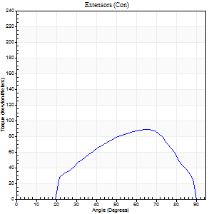
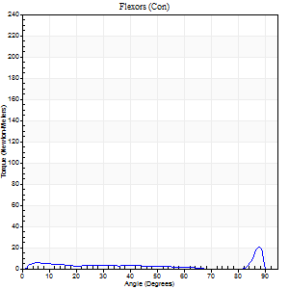
Right Side Curves Left Side Curves
Isokinetic Con/Con |  |  |  | Extensors (Con) |  | Flexors (Con)
Speed 240/240 d/s 3 Reps |  |  |  | Value | Cof Var | %BW | Value | Cof Var | %BW | Ratio

TORQUE PARAMETERS
Peak Torque (Newton-Meters - Best Repetition)
Right |  |  |  | 88 | 0.14 | 125 | 20 | 0.75 | 30 | 23
Left |  |  |  | 0 | 0 | 0 | 0 | 0 | 0 | 0
Deficit |  |  |  | 0 |  |  | 0
Work per Repetition (Newton-Meters - Best Repetition)
Right |  |  |  | 80 | 0.13 | 113 | 4 | 0.32 | 6 | 5
Left |  |  |  | 0 | 0 | 0 | 0 | 0 | 0 | 0
Deficit |  |  |  | 0 |  |  | 0
Average Power per Repetition (Watts - Best Repetition)
Right |  |  |  | 159 | 0.13 | 226 | 6 | 0.39 | 9 | 4
Left |  |  |  | 0 | 0 | 0 | 0 | 0 | 0 | 0
Deficit |  |  |  | 0 |  |  | 0
POSITION PARAMETERS
Joint Angle at Peak Torque (Degrees)
Right |  |  |  | 65 | 0.02 |  | 36 | 1.26
Left |  |  |  | 0 | 0 |  | 0 | 0
Range of Motion (Degrees)
Right |  |  |  | 2 | 0.06 |  | 90 | 0.01
Left |  |  |  | 0 | 0 |  | 0 | 0
TIME PARAMETERS
Time to Peak Torque (Seconds)
Right |  |  |  | 0.17 | 0 |  | 0.34 | 0.95
Left |  |  |  | 0 | 0 |  | 0 | 0
Time Peak Torque Held (Seconds)
Right |  |  |  | 0.01 | 0.87 |  | 0.01 | 1
Left |  |  |  | 0 | 0 |  | 0 | 0
Force Decay Time (Seconds)
Right |  |  |  | 0.31 | 0.02 |  | 0.42 | 0.84
Left |  |  |  | 0 | 0 |  | 0 | 0
Reciprocal Delay (Seconds)
Right |  |  |  | 0.05 | 0.16 |  | 0.07 | 0.23
Left |  |  |  | 0 | 0 |  | 0 | 0
Delay Time (Seconds)
Right |  |  |  | -0.02 | 0 |  | -0.01 | -2.29
Left |  |  |  | 0 | 0 |  | 0 | 0
HUMAC2015® Version: 15.000.0074 © Computer Sports Medicine, Inc. www.csmisolutions.com

Use File, Preference to set Report Heading
Isometric - Knee Extension/Flexion
Name: |  |  |  | TR024_112, | ID: | TR024_112 | Right/Left: | 29.10.2020 29.10.2020

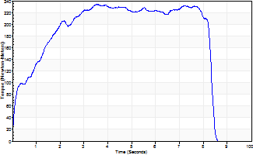
Isometric Extensors (Con) Angle 60 Time 10 Repetition 1 (Best Repetition)
 | Value | Cof Var | %BW
Peak Torque (Newton-Meters)
Right | 233 | 0 | 334
Left | 0 | 0 | 0
Deficit | 0
Average Torque (Newton-Meters)
Right | 167 | 0 | 238
Left | 0 | 0 | 0
Deficit | 0
Peak Torque Slope (Newton-Meters/Seconds)
Right | 66 | 0 | 95
Left | 0 | 0 | 0 |  | Right Side Curves Left Side Curves
Deficit | 0
Time to Half Peak Torque (Seconds)
Right | 0.85 | 0
Left | 0 | 0
Time to Peak Torque (Seconds)
Right | 3.52 | 0
Left | 0 | 0
HUMAC2015® Version: 15.000.0074 © Computer Sports Medicine, Inc. www.csmisolutions.com

Ark10
Use File, Preference to set Report Heading
Long Form Torque vs. Position Report - Knee Extension/Flexion
Name: |  |  |  | TR024_112, | ID: | TR024_112 | Right/Left: | 29.10.2020 29.10.2020
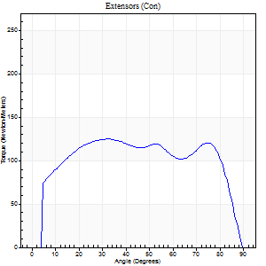
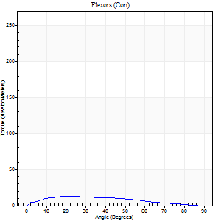
Right Side Curves Left Side Curves
Isokinetic Con/Con |  |  |  | Extensors (Con) |  | Flexors (Con)
Speed 60/60 d/s 3 Reps |  |  |  | Value | Cof Var | %BW | Value | Cof Var | %BW | Ratio

TORQUE PARAMETERS
Peak Torque (Newton-Meters - Best Repetition)
Right |  |  |  | 125 | 0.11 | 179 | 12 | 0.07 | 18 | 10
Left |  |  |  | 0 | 0 | 0 | 0 | 0 | 0 | 0
Deficit |  |  |  | 0 |  |  | 0
Work per Repetition (Newton-Meters - Best Repetition)
Right |  |  |  | 156 | 0.15 | 224 | 12 | 0.01 | 18 | 8
Left |  |  |  | 0 | 0 | 0 | 0 | 0 | 0 | 0
Deficit |  |  |  | 0 |  |  | 0
Average Power per Repetition (Watts - Best Repetition)
Right |  |  |  | 100 | 0.15 | 143 | 8 | 0.01 | 11 | 8
Left |  |  |  | 0 | 0 | 0 | 0 | 0 | 0 | 0
Deficit |  |  |  | 0 |  |  | 0
POSITION PARAMETERS
Joint Angle at Peak Torque (Degrees)
Right |  |  |  | 62 | 0.41 |  | 26 | 0.08
Left |  |  |  | 0 | 0 |  | 0 | 0
Range of Motion (Degrees)
Right |  |  |  | 0 | 0.47 |  | 90 | 0
Left |  |  |  | 0 | 0 |  | 0 | 0
TIME PARAMETERS
Time to Peak Torque (Seconds)
Right |  |  |  | 0.6 | 0.87 |  | 0.46 | 0.02
Left |  |  |  | 0 | 0 |  | 0 | 0
Time Peak Torque Held (Seconds)
Right |  |  |  | 0.04 | 0.31 |  | 0.01 | 1.73
Left |  |  |  | 0 | 0 |  | 0 | 0
Force Decay Time (Seconds)
Right |  |  |  | 1.03 | 0.42 |  | 1.08 | 0.02
Left |  |  |  | 0 | 0 |  | 0 | 0
Reciprocal Delay (Seconds)
Right |  |  |  | 0.1 | 0.34 |  | 0.27 | 0.16
Left |  |  |  | 0 | 0 |  | 0 | 0
Delay Time (Seconds)
Right |  |  |  | 0 | 1.41 |  | 0.02 | 0.87
Left |  |  |  | 0 | 0 |  | 0 | 0
HUMAC2015® Version: 15.000.0074 © Computer Sports Medicine, Inc. www.csmisolutions.com

Use File, Preference to set Report Heading
Long Form Torque vs. Position Report - Knee Extension/Flexion
Name: |  |  |  | TR024_112, | ID: | TR024_112 | Right/Left: | 29.10.2020 29.10.2020
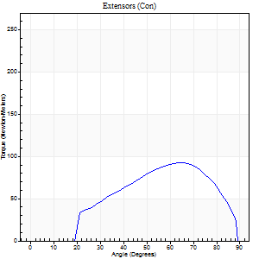
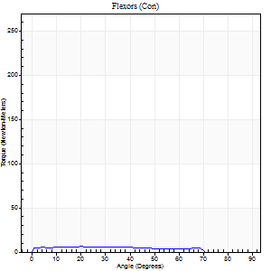
Right Side Curves Left Side Curves
Isokinetic Con/Con |  |  |  | Extensors (Con) |  | Flexors (Con)
Speed 240/240 d/s 3 Reps |  |  |  | Value | Cof Var | %BW | Value | Cof Var | %BW | Ratio

TORQUE PARAMETERS
Peak Torque (Newton-Meters - Best Repetition)
Right |  |  |  | 94 | 0.09 | 134 | 7 | 0.13 | 9 | 7
Left |  |  |  | 0 | 0 | 0 | 0 | 0 | 0 | 0
Deficit |  |  |  | 0 |  |  | 0
Work per Repetition (Newton-Meters - Best Repetition)
Right |  |  |  | 83 | 0.08 | 119 | 5 | 0.25 | 9 | 7
Left |  |  |  | 0 | 0 | 0 | 0 | 0 | 0 | 0
Deficit |  |  |  | 0 |  |  | 0
Average Power per Repetition (Watts - Best Repetition)
Right |  |  |  | 155 | 0.07 | 222 | 8 | 0.33 | 11 | 5
Left |  |  |  | 0 | 0 | 0 | 0 | 0 | 0 | 0
Deficit |  |  |  | 0 |  |  | 0
POSITION PARAMETERS
Joint Angle at Peak Torque (Degrees)
Right |  |  |  | 65 | 0.02 |  | 15 | 0.33
Left |  |  |  | 0 | 0 |  | 0 | 0
Range of Motion (Degrees)
Right |  |  |  | 0 | 0.16 |  | 89 | 0.01
Left |  |  |  | 0 | 0 |  | 0 | 0
TIME PARAMETERS
Time to Peak Torque (Seconds)
Right |  |  |  | 0.15 | 0.09 |  | 0.3 | 0.18
Left |  |  |  | 0 | 0 |  | 0 | 0
Time Peak Torque Held (Seconds)
Right |  |  |  | 0.01 | 0 |  | 0 | 1.73
Left |  |  |  | 0 | 0 |  | 0 | 0
Force Decay Time (Seconds)
Right |  |  |  | 0.35 | 0.09 |  | 0.49 | 0.21
Left |  |  |  | 0 | 0 |  | 0 | 0
Reciprocal Delay (Seconds)
Right |  |  |  | 0.04 | 0.2 |  | 0.2 | 0.47
Left |  |  |  | 0 | 0 |  | 0 | 0
Delay Time (Seconds)
Right |  |  |  | -0.02 | 0 |  | -0.04 | -0.93
Left |  |  |  | 0 | 0 |  | 0 | 0
HUMAC2015® Version: 15.000.0074 © Computer Sports Medicine, Inc. www.csmisolutions.com

Use File, Preference to set Report Heading
Isometric - Knee Extension/Flexion
Name: |  |  |  | TR024_112, | ID: | TR024_112 | Right/Left: | 29.10.2020 29.10.2020

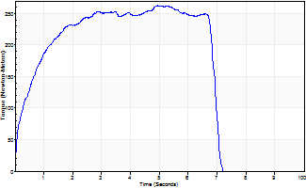
Isometric Extensors (Con) Angle 60 Time 10 Repetition 1 (Best Repetition)
 | Value | Cof Var | %BW
Peak Torque (Newton-Meters)
Right | 263 | 0 | 376
Left | 0 | 0 | 0
Deficit | 0
Average Torque (Newton-Meters)
Right | 157 | 0 | 224
Left | 0 | 0 | 0
Deficit | 0
Peak Torque Slope (Newton-Meters/Seconds)
Right | 53 | 0 | 76
Left | 0 | 0 | 0 |  | Right Side Curves Left Side Curves
Deficit | 0
Time to Half Peak Torque (Seconds)
Right | 0.51 | 0
Left | 0 | 0
Time to Peak Torque (Seconds)
Right | 4.93 | 0
Left | 0 | 0
HUMAC2015® Version: 15.000.0074 © Computer Sports Medicine, Inc. www.csmisolutions.com

Ark11
Use File, Preference to set Report Heading
Long Form Torque vs. Position Report - Knee Extension/Flexion
Name: |  |  |  | TR024_112, | ID: | TR024_112 | Right/Left: | 30.10.2020 30.10.2020
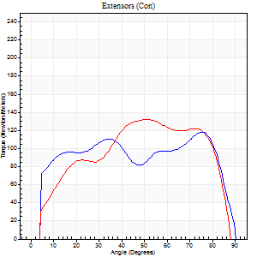

Right Side Curves Left Side Curves
Isokinetic Con/Con |  |  |  | Extensors (Con) |  | Flexors (Con)
Speed 60/60 d/s 3 Reps |  |  |  | Value | Cof Var | %BW | Value | Cof Var | %BW | Ratio

TORQUE PARAMETERS
Peak Torque (Newton-Meters - Best Repetition)
Right |  |  |  | 118 | 0.03 | 167 | 16 | 0.26 | 24 | 14
Left |  |  |  | 133 | 0.02 | 191 | 12 | 0.19 | 18 | 9
Deficit |  |  |  | 11 |  |  | 25
Work per Repetition (Newton-Meters - Best Repetition)
Right |  |  |  | 142 | 0.01 | 203 | 16 | 0.26 | 24 | 11
Left |  |  |  | 153 | 0.04 | 218 | 12 | 0.12 | 18 | 8
Deficit |  |  |  | 7 |  |  | 25
Average Power per Repetition (Watts - Best Repetition)
Right |  |  |  | 91 | 0.01 | 130 | 11 | 0.27 | 15 | 12
Left |  |  |  | 102 | 0.04 | 145 | 8 | 0.13 | 11 | 8
Deficit |  |  |  | 11 |  |  | 27
POSITION PARAMETERS
Joint Angle at Peak Torque (Degrees)
Right |  |  |  | 61 | 0.39 |  | 46 | 0.77
Left |  |  |  | 52 | 0.05 |  | 43 | 0.9
Range of Motion (Degrees)
Right |  |  |  | 0 | 0.94 |  | 90 | 0
Left |  |  |  | 0 | 0.66 |  | 88 | 0.02
TIME PARAMETERS
Time to Peak Torque (Seconds)
Right |  |  |  | 0.6 | 0.82 |  | 0.81 | 0.7
Left |  |  |  | 0.63 | 0 |  | 0.75 | 0.84
Time Peak Torque Held (Seconds)
Right |  |  |  | 0.02 | 0 |  | 0.11 | 1.73
Left |  |  |  | 0.05 | 0.12 |  | 0 | 0
Force Decay Time (Seconds)
Right |  |  |  | 1.03 | 0.37 |  | 0.64 | 0.73
Left |  |  |  | 0.84 | 0.05 |  | 0.78 | 0.82
Reciprocal Delay (Seconds)
Right |  |  |  | 0.09 | 0.07 |  | 0.3 | 0.45
Left |  |  |  | 0.07 | 0.2 |  | 0.13 | 0.36
Delay Time (Seconds)
Right |  |  |  | 0.01 | 1.41 |  | 0.01 | 4
Left |  |  |  | 0.02 | 0.28 |  | 0 | 0
HUMAC2015® Version: 15.000.0074 © Computer Sports Medicine, Inc. www.csmisolutions.com

Use File, Preference to set Report Heading
Long Form Torque vs. Position Report - Knee Extension/Flexion
Name: |  |  |  | TR024_112, | ID: | TR024_112 | Right/Left: | 30.10.2020 30.10.2020


Right Side Curves Left Side Curves
Isokinetic Con/Con |  |  |  | Extensors (Con) |  | Flexors (Con)
Speed 240/240 d/s 3 Reps |  |  |  | Value | Cof Var | %BW | Value | Cof Var | %BW | Ratio

TORQUE PARAMETERS
Peak Torque (Newton-Meters - Best Repetition)
Right |  |  |  | 87 | 0.21 | 125 | 5 | 0.04 | 9 | 6
Left |  |  |  | 111 | 0.03 | 158 | 8 | 0.3 | 12 | 7
Deficit |  |  |  | 22 |  |  | 33
Work per Repetition (Newton-Meters - Best Repetition)
Right |  |  |  | 79 | 0.2 | 113 | 5 | 0.15 | 9 | 7
Left |  |  |  | 111 | 0.06 | 158 | 8 | 0.6 | 12 | 7
Deficit |  |  |  | 29 |  |  | 33
Average Power per Repetition (Watts - Best Repetition)
Right |  |  |  | 146 | 0.22 | 209 | 7 | 0.18 | 11 | 5
Left |  |  |  | 218 | 0.1 | 312 | 11 | 0.81 | 15 | 5
Deficit |  |  |  | 33 |  |  | 36
POSITION PARAMETERS
Joint Angle at Peak Torque (Degrees)
Right |  |  |  | 65 | 0.12 |  | 4 | 0.55
Left |  |  |  | 55 | 0.11 |  | 46 | 0.84
Range of Motion (Degrees)
Right |  |  |  | 1 | 1.2 |  | 89 | 0.01
Left |  |  |  | 0 | 1.41 |  | 87 | 0.02
TIME PARAMETERS
Time to Peak Torque (Seconds)
Right |  |  |  | 0.16 | 0.21 |  | 0.14 | 0.26
Left |  |  |  | 0.19 | 0.07 |  | 0.53 | 0.6
Time Peak Torque Held (Seconds)
Right |  |  |  | 0.01 | 0.87 |  | 0 | 0
Left |  |  |  | 0.02 | 0.35 |  | 0 | 0
Force Decay Time (Seconds)
Right |  |  |  | 0.35 | 0.11 |  | 0.61 | 0.08
Left |  |  |  | 0.32 | 0.11 |  | 0.38 | 1.19
Reciprocal Delay (Seconds)
Right |  |  |  | 0.04 | 0.2 |  | 0.22 | 0.76
Left |  |  |  | 0.03 | 0 |  | 0.34 | 0.48
Delay Time (Seconds)
Right |  |  |  | -0.01 | -0.47 |  | -0.04 | -0.48
Left |  |  |  | 0 | -1.41 |  | -0.09 | -0.29
HUMAC2015® Version: 15.000.0074 © Computer Sports Medicine, Inc. www.csmisolutions.com

Use File, Preference to set Report Heading
Isometric - Knee Extension/Flexion
Name: |  |  |  | TR024_112, | ID: | TR024_112 | Right/Left: | 30.10.2020 30.10.2020


Isometric Extensors (Con) Angle 60 Time 10 Repetition 1 (Best Repetition)
 | Value | Cof Var | %BW
Peak Torque (Newton-Meters)
Right | 244 | 0 | 349
Left | 205 | 0 | 292
Deficit | 16
Average Torque (Newton-Meters)
Right | 170 | 0 | 241
Left | 148 | 0 | 212
Deficit | 13
Peak Torque Slope (Newton-Meters/Seconds)
Right | 31 | 0 | 45
Left | 28 | 0 | 40 |  | Right Side Curves Left Side Curves
Deficit | 12
Time to Half Peak Torque (Seconds)
Right | 0.69 | 0
Left | 0.24 | 0
Time to Peak Torque (Seconds)
Right | 7.79 | 0
Left | 7.37 | 0
HUMAC2015® Version: 15.000.0074 © Computer Sports Medicine, Inc. www.csmisolutions.com

Ark12
Use File, Preference to set Report Heading
Long Form Torque vs. Position Report - Knee Extension/Flexion
Name: |  |  |  | TR024_112, | ID: | TR024_112 | Right/Left: | 30.10.2020 30.10.2020


Right Side Curves Left Side Curves
Isokinetic Con/Con |  |  |  | Extensors (Con) |  | Flexors (Con)
Speed 60/60 d/s 3 Reps |  |  |  | Value | Cof Var | %BW | Value | Cof Var | %BW | Ratio

TORQUE PARAMETERS
Peak Torque (Newton-Meters - Best Repetition)
Right |  |  |  | 0 | 0 | 0 | 0 | 0 | 0 | 0
Left |  |  |  | 104 | 0.06 | 149 | 24 | 0.66 | 36 | 23
Deficit |  |  |  | 0 |  |  | 0
Work per Repetition (Newton-Meters - Best Repetition)
Right |  |  |  | 0 | 0 | 0 | 0 | 0 | 0 | 0
Left |  |  |  | 121 | 0.1 | 173 | 19 | 0.57 | 27 | 16
Deficit |  |  |  | 0 |  |  | 0
Average Power per Repetition (Watts - Best Repetition)
Right |  |  |  | 0 | 0 | 0 | 0 | 0 | 0 | 0
Left |  |  |  | 79 | 0.08 | 112 | 12 | 0.57 | 18 | 15
Deficit |  |  |  | 0 |  |  | 0
POSITION PARAMETERS
Joint Angle at Peak Torque (Degrees)
Right |  |  |  | 0 | 0 |  | 0 | 0
Left |  |  |  | 77 | 0.04 |  | 61 | 0.36
Range of Motion (Degrees)
Right |  |  |  | 0 | 0 |  | 0 | 0
Left |  |  |  | 0 | 0 |  | 88 | 0.04
TIME PARAMETERS
Time to Peak Torque (Seconds)
Right |  |  |  | 0 | 0 |  | 0 | 0
Left |  |  |  | 0.23 | 0.09 |  | 1.09 | 0.32
Time Peak Torque Held (Seconds)
Right |  |  |  | 0 | 0 |  | 0 | 0
Left |  |  |  | 0.02 | 0.5 |  | 0.16 | 1.11
Force Decay Time (Seconds)
Right |  |  |  | 0 | 0 |  | 0 | 0
Left |  |  |  | 1.29 | 0.03 |  | 0.32 | 0.92
Reciprocal Delay (Seconds)
Right |  |  |  | 0 | 0 |  | 0 | 0
Left |  |  |  | 0.12 | 0.24 |  | 0.21 | 0.12
Delay Time (Seconds)
Right |  |  |  | 0 | 0 |  | 0 | 0
Left |  |  |  | 0.01 | 0.47 |  | -0.02 | -1
HUMAC2015® Version: 15.000.0074 © Computer Sports Medicine, Inc. www.csmisolutions.com

Use File, Preference to set Report Heading
Long Form Torque vs. Position Report - Knee Extension/Flexion
Name: |  |  |  | TR024_112, | ID: | TR024_112 | Right/Left: | 30.10.2020 30.10.2020


Right Side Curves Left Side Curves
Isokinetic Con/Con |  |  |  | Extensors (Con) |  | Flexors (Con)
Speed 240/240 d/s 3 Reps |  |  |  | Value | Cof Var | %BW | Value | Cof Var | %BW | Ratio

TORQUE PARAMETERS
Peak Torque (Newton-Meters - Best Repetition)
Right |  |  |  | 0 | 0 | 0 | 0 | 0 | 0 | 0
Left |  |  |  | 100 | 0.07 | 143 | 18 | 0.55 | 24 | 18
Deficit |  |  |  | 0 |  |  | 0
Work per Repetition (Newton-Meters - Best Repetition)
Right |  |  |  | 0 | 0 | 0 | 0 | 0 | 0 | 0
Left |  |  |  | 92 | 0.07 | 131 | 8 | 0.48 | 12 | 9
Deficit |  |  |  | 0 |  |  | 0
Average Power per Repetition (Watts - Best Repetition)
Right |  |  |  | 0 | 0 | 0 | 0 | 0 | 0 | 0
Left |  |  |  | 172 | 0.05 | 246 | 10 | 0.55 | 13 | 6
Deficit |  |  |  | 0 |  |  | 0
POSITION PARAMETERS
Joint Angle at Peak Torque (Degrees)
Right |  |  |  | 0 | 0 |  | 0 | 0
Left |  |  |  | 59 | 0.06 |  | 48 | 0.79
Range of Motion (Degrees)
Right |  |  |  | 0 | 0 |  | 0 | 0
Left |  |  |  | 0 | 0.71 |  | 89 | 0.01
TIME PARAMETERS
Time to Peak Torque (Seconds)
Right |  |  |  | 0 | 0 |  | 0 | 0
Left |  |  |  | 0.17 | 0.12 |  | 0.56 | 0.56
Time Peak Torque Held (Seconds)
Right |  |  |  | 0 | 0 |  | 0 | 0
Left |  |  |  | 0.01 | 0.43 |  | 0.02 | 1.73
Force Decay Time (Seconds)
Right |  |  |  | 0 | 0 |  | 0 | 0
Left |  |  |  | 0.32 | 0.03 |  | 0.29 | 0.99
Reciprocal Delay (Seconds)
Right |  |  |  | 0 | 0 |  | 0 | 0
Left |  |  |  | 0.02 | 0.28 |  | 0.17 | 0.48
Delay Time (Seconds)
Right |  |  |  | 0 | 0 |  | 0 | 0
Left |  |  |  | -0.01 | 0 |  | -0.08 | -0.07
HUMAC2015® Version: 15.000.0074 © Computer Sports Medicine, Inc. www.csmisolutions.com

Use File, Preference to set Report Heading
Isometric - Knee Extension/Flexion
Name: |  |  |  | TR024_112, | ID: | TR024_112 | Right/Left: | 30.10.2020 30.10.2020


Isometric Extensors (Con) Angle 60 Time 10 Repetition 1 (Best Repetition)
 | Value | Cof Var | %BW
Peak Torque (Newton-Meters)
Right | 0 | 0 | 0
Left | 167 | 0 | 238
Deficit | 0
Average Torque (Newton-Meters)
Right | 0 | 0 | 0
Left | 108 | 0 | 155
Deficit | 0
Peak Torque Slope (Newton-Meters/Seconds)
Right | 0 | 0 | 0
Left | 21 | 0 | 30 |  | Right Side Curves Left Side Curves
Deficit | 0
Time to Half Peak Torque (Seconds)
Right | 0 | 0
Left | 0.18 | 0
Time to Peak Torque (Seconds)
Right | 0 | 0
Left | 7.96 | 0
HUMAC2015® Version: 15.000.0074 © Computer Sports Medicine, Inc. www.csmisolutions.com

Ark13
Use File, Preference to set Report Heading
Long Form Torque vs. Position Report - Knee Extension/Flexion
Name: |  |  |  | TR024_112, | ID: | TR024_112 | Right/Left: | 30.10.2020 30.10.2020


Right Side Curves Left Side Curves
Isokinetic Con/Con |  |  |  | Extensors (Con) |  | Flexors (Con)
Speed 60/60 d/s 3 Reps |  |  |  | Value | Cof Var | %BW | Value | Cof Var | %BW | Ratio

TORQUE PARAMETERS
Peak Torque (Newton-Meters - Best Repetition)
Right |  |  |  | 0 | 0 | 0 | 0 | 0 | 0 | 0
Left |  |  |  | 107 | 0.15 | 152 | 31 | 0.57 | 45 | 29
Deficit |  |  |  | 0 |  |  | 0
Work per Repetition (Newton-Meters - Best Repetition)
Right |  |  |  | 0 | 0 | 0 | 0 | 0 | 0 | 0
Left |  |  |  | 125 | 0.19 | 179 | 14 | 0.4 | 18 | 11
Deficit |  |  |  | 0 |  |  | 0
Average Power per Repetition (Watts - Best Repetition)
Right |  |  |  | 0 | 0 | 0 | 0 | 0 | 0 | 0
Left |  |  |  | 81 | 0.13 | 116 | 9 | 0.5 | 13 | 11
Deficit |  |  |  | 0 |  |  | 0
POSITION PARAMETERS
Joint Angle at Peak Torque (Degrees)
Right |  |  |  | 0 | 0 |  | 0 | 0
Left |  |  |  | 72 | 0.08 |  | 70 | 0.39
Range of Motion (Degrees)
Right |  |  |  | 0 | 0 |  | 0 | 0
Left |  |  |  | 0 | 0.28 |  | 88 | 0.03
TIME PARAMETERS
Time to Peak Torque (Seconds)
Right |  |  |  | 0 | 0 |  | 0 | 0
Left |  |  |  | 0.22 | 0.13 |  | 1.37 | 0.17
Time Peak Torque Held (Seconds)
Right |  |  |  | 0 | 0 |  | 0 | 0
Left |  |  |  | 0.03 | 0.33 |  | 0.03 | 1.73
Force Decay Time (Seconds)
Right |  |  |  | 0 | 0 |  | 0 | 0
Left |  |  |  | 1.2 | 0.09 |  | 0.31 | 1.31
Reciprocal Delay (Seconds)
Right |  |  |  | 0 | 0 |  | 0 | 0
Left |  |  |  | 0.09 | 0.08 |  | 0.29 | 0.59
Delay Time (Seconds)
Right |  |  |  | 0 | 0 |  | 0 | 0
Left |  |  |  | 0.04 | 0.2 |  | -0.05 | -1.18
HUMAC2015® Version: 15.000.0074 © Computer Sports Medicine, Inc. www.csmisolutions.com

Use File, Preference to set Report Heading
Long Form Torque vs. Position Report - Knee Extension/Flexion
Name: |  |  |  | TR024_112, | ID: | TR024_112 | Right/Left: | 30.10.2020 30.10.2020


Right Side Curves Left Side Curves
Isokinetic Con/Con |  |  |  | Extensors (Con) |  | Flexors (Con)
Speed 240/240 d/s 3 Reps |  |  |  | Value | Cof Var | %BW | Value | Cof Var | %BW | Ratio

TORQUE PARAMETERS
Peak Torque (Newton-Meters - Best Repetition)
Right |  |  |  | 0 | 0 | 0 | 0 | 0 | 0 | 0
Left |  |  |  | 95 | 0.02 | 134 | 9 | 0.55 | 15 | 10
Deficit |  |  |  | 0 |  |  | 0
Work per Repetition (Newton-Meters - Best Repetition)
Right |  |  |  | 0 | 0 | 0 | 0 | 0 | 0 | 0
Left |  |  |  | 87 | 0.01 | 125 | 3 | 0.32 | 3 | 3
Deficit |  |  |  | 0 |  |  | 0
Average Power per Repetition (Watts - Best Repetition)
Right |  |  |  | 0 | 0 | 0 | 0 | 0 | 0 | 0
Left |  |  |  | 177 | 0.06 | 253 | 4 | 0.76 | 7 | 2
Deficit |  |  |  | 0 |  |  | 0
POSITION PARAMETERS
Joint Angle at Peak Torque (Degrees)
Right |  |  |  | 0 | 0 |  | 0 | 0
Left |  |  |  | 60 | 0.11 |  | 53 | 0.68
Range of Motion (Degrees)
Right |  |  |  | 0 | 0 |  | 0 | 0
Left |  |  |  | 0 | 1.24 |  | 89 | 0.01
TIME PARAMETERS
Time to Peak Torque (Seconds)
Right |  |  |  | 0 | 0 |  | 0 | 0
Left |  |  |  | 0.17 | 0.12 |  | 0.88 | 0.34
Time Peak Torque Held (Seconds)
Right |  |  |  | 0 | 0 |  | 0 | 0
Left |  |  |  | 0.01 | 0.87 |  | 0.22 | 1.73
Force Decay Time (Seconds)
Right |  |  |  | 0 | 0 |  | 0 | 0
Left |  |  |  | 0.33 | 0.12 |  | 0.22 | 0.76
Reciprocal Delay (Seconds)
Right |  |  |  | 0 | 0 |  | 0 | 0
Left |  |  |  | 0.05 | 0.28 |  | 0.29 | 0.97
Delay Time (Seconds)
Right |  |  |  | 0 | 0 |  | 0 | 0
Left |  |  |  | 0 | 0 |  | 0 | 89.62
HUMAC2015® Version: 15.000.0074 © Computer Sports Medicine, Inc. www.csmisolutions.com

Use File, Preference to set Report Heading
Isometric - Knee Extension/Flexion
Name: |  |  |  | TR024_112, | ID: | TR024_112 | Right/Left: | 30.10.2020 30.10.2020


Isometric Extensors (Con) Angle 60 Time 10 Repetition 1 (Best Repetition)
 | Value | Cof Var | %BW
Peak Torque (Newton-Meters)
Right | 0 | 0 | 0
Left | 213 | 0 | 304
Deficit | 0
Average Torque (Newton-Meters)
Right | 0 | 0 | 0
Left | 137 | 0 | 197
Deficit | 0
Peak Torque Slope (Newton-Meters/Seconds)
Right | 0 | 0 | 0
Left | 32 | 0 | 46 |  | Right Side Curves Left Side Curves
Deficit | 0
Time to Half Peak Torque (Seconds)
Right | 0 | 0
Left | 0.52 | 0
Time to Peak Torque (Seconds)
Right | 0 | 0
Left | 6.59 | 0
HUMAC2015® Version: 15.000.0074 © Computer Sports Medicine, Inc. www.csmisolutions.com

Ark14
Use File, Preference to set Report Heading
Long Form Torque vs. Position Report - Knee Extension/Flexion
Name: |  |  |  | TR024_112, | ID: | TR024_112 | Right/Left: | 31.10.2020 31.10.2020


Right Side Curves Left Side Curves
Isokinetic Con/Con |  |  |  | Extensors (Con) |  | Flexors (Con)
Speed 60/60 d/s 3 Reps |  |  |  | Value | Cof Var | %BW | Value | Cof Var | %BW | Ratio

TORQUE PARAMETERS
Peak Torque (Newton-Meters - Best Repetition)
Right |  |  |  | 0 | 0 | 0 | 0 | 0 | 0 | 0
Left |  |  |  | 136 | 0.08 | 194 | 11 | 0.29 | 15 | 8
Deficit |  |  |  | 0 |  |  | 0
Work per Repetition (Newton-Meters - Best Repetition)
Right |  |  |  | 0 | 0 | 0 | 0 | 0 | 0 | 0
Left |  |  |  | 149 | 0.07 | 212 | 8 | 0.2 | 12 | 5
Deficit |  |  |  | 0 |  |  | 0
Average Power per Repetition (Watts - Best Repetition)
Right |  |  |  | 0 | 0 | 0 | 0 | 0 | 0 | 0
Left |  |  |  | 98 | 0.07 | 141 | 6 | 0.21 | 9 | 6
Deficit |  |  |  | 0 |  |  | 0
POSITION PARAMETERS
Joint Angle at Peak Torque (Degrees)
Right |  |  |  | 0 | 0 |  | 0 | 0
Left |  |  |  | 41 | 0.06 |  | 66 | 0.28
Range of Motion (Degrees)
Right |  |  |  | 0 | 0 |  | 0 | 0
Left |  |  |  | 0 | 0.24 |  | 89 | 0.01
TIME PARAMETERS
Time to Peak Torque (Seconds)
Right |  |  |  | 0 | 0 |  | 0 | 0
Left |  |  |  | 0.78 | 0.05 |  | 1.18 | 0.27
Time Peak Torque Held (Seconds)
Right |  |  |  | 0 | 0 |  | 0 | 0
Left |  |  |  | 0.04 | 0.35 |  | 0.02 | 1.73
Force Decay Time (Seconds)
Right |  |  |  | 0 | 0 |  | 0 | 0
Left |  |  |  | 0.66 | 0.07 |  | 0.37 | 0.84
Reciprocal Delay (Seconds)
Right |  |  |  | 0 | 0 |  | 0 | 0
Left |  |  |  | 0.09 | 0.08 |  | 0.21 | 0.27
Delay Time (Seconds)
Right |  |  |  | 0 | 0 |  | 0 | 0
Left |  |  |  | 0.03 | 0 |  | -0.02 | -0.65
HUMAC2015® Version: 15.000.0074 © Computer Sports Medicine, Inc. www.csmisolutions.com

Use File, Preference to set Report Heading
Long Form Torque vs. Position Report - Knee Extension/Flexion
Name: |  |  |  | TR024_112, | ID: | TR024_112 | Right/Left: | 31.10.2020 31.10.2020


Right Side Curves Left Side Curves
Isokinetic Con/Con |  |  |  | Extensors (Con) |  | Flexors (Con)
Speed 240/240 d/s 3 Reps |  |  |  | Value | Cof Var | %BW | Value | Cof Var | %BW | Ratio

TORQUE PARAMETERS
Peak Torque (Newton-Meters - Best Repetition)
Right |  |  |  | 0 | 0 | 0 | 0 | 0 | 0 | 0
Left |  |  |  | 107 | 0.08 | 152 | 7 | 0.46 | 9 | 6
Deficit |  |  |  | 0 |  |  | 0
Work per Repetition (Newton-Meters - Best Repetition)
Right |  |  |  | 0 | 0 | 0 | 0 | 0 | 0 | 0
Left |  |  |  | 98 | 0.05 | 140 | 5 | 0.48 | 9 | 6
Deficit |  |  |  | 0 |  |  | 0
Average Power per Repetition (Watts - Best Repetition)
Right |  |  |  | 0 | 0 | 0 | 0 | 0 | 0 | 0
Left |  |  |  | 176 | 0.06 | 251 | 6 | 0.64 | 9 | 3
Deficit |  |  |  | 0 |  |  | 0
POSITION PARAMETERS
Joint Angle at Peak Torque (Degrees)
Right |  |  |  | 0 | 0 |  | 0 | 0
Left |  |  |  | 61 | 0.09 |  | 50 | 0.73
Range of Motion (Degrees)
Right |  |  |  | 0 | 0 |  | 0 | 0
Left |  |  |  | 0 | 1.41 |  | 88 | 0.01
TIME PARAMETERS
Time to Peak Torque (Seconds)
Right |  |  |  | 0 | 0 |  | 0 | 0
Left |  |  |  | 0.17 | 0.17 |  | 0.62 | 0.23
Time Peak Torque Held (Seconds)
Right |  |  |  | 0 | 0 |  | 0 | 0
Left |  |  |  | 0.01 | 0 |  | 0.07 | 1.73
Force Decay Time (Seconds)
Right |  |  |  | 0 | 0 |  | 0 | 0
Left |  |  |  | 0.36 | 0.03 |  | 0.34 | 1.12
Reciprocal Delay (Seconds)
Right |  |  |  | 0 | 0 |  | 0 | 0
Left |  |  |  | 0.03 | 0 |  | 0.31 | 0.64
Delay Time (Seconds)
Right |  |  |  | 0 | 0 |  | 0 | 0
Left |  |  |  | 0 | -1.41 |  | -0.09 | -0.47
HUMAC2015® Version: 15.000.0074 © Computer Sports Medicine, Inc. www.csmisolutions.com

Use File, Preference to set Report Heading
Isometric - Knee Extension/Flexion
Name: |  |  |  | TR024_112, | ID: | TR024_112 | Right/Left: | 31.10.2020 31.10.2020


Isometric Extensors (Con) Angle 60 Time 10 Repetition 1 (Best Repetition)
 | Value | Cof Var | %BW
Peak Torque (Newton-Meters)
Right | 0 | 0 | 0
Left | 201 | 0 | 286
Deficit | 0
Average Torque (Newton-Meters)
Right | 0 | 0 | 0
Left | 95 | 0 | 134
Deficit | 0
Peak Torque Slope (Newton-Meters/Seconds)
Right | 0 | 0 | 0
Left | 48 | 0 | 69 |  | Right Side Curves Left Side Curves
Deficit | 0
Time to Half Peak Torque (Seconds)
Right | 0 | 0
Left | 0.17 | 0
Time to Peak Torque (Seconds)
Right | 0 | 0
Left | 4.15 | 0
HUMAC2015® Version: 15.000.0074 © Computer Sports Medicine, Inc. www.csmisolutions.com

