Ark1
Use File, Preference to set Report Heading
Long Form Torque vs. Position Report - Knee Extension/Flexion
Name: |  |  |  | TR024_113, | ID: | TR024_113 | Right/Left: | 12.10.2020 12.10.2020
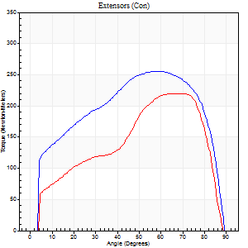
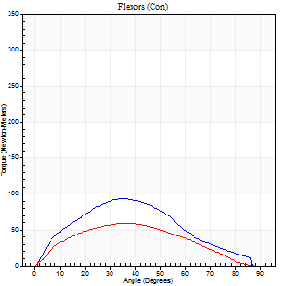
Right Side Curves Left Side Curves
Isokinetic Con/Con |  |  |  | Extensors (Con) |  | Flexors (Con)
Speed 60/60 d/s 3 Reps |  |  |  | Value | Cof Var | %BW | Value | Cof Var | %BW | Ratio

TORQUE PARAMETERS
Peak Torque (Newton-Meters - Best Repetition)
Right |  |  |  | 255 | 0.02 | 319 | 94 | 0.52 | 116 | 37
Left |  |  |  | 220 | 0.03 | 274 | 58 | 0.4 | 72 | 27
Deficit |  |  |  | 14 |  |  | 38
Work per Repetition (Newton-Meters - Best Repetition)
Right |  |  |  | 294 | 0.03 | 367 | 84 | 0.48 | 104 | 29
Left |  |  |  | 225 | 0.04 | 280 | 56 | 0.41 | 69 | 25
Deficit |  |  |  | 24 |  |  | 34
Average Power per Repetition (Watts - Best Repetition)
Right |  |  |  | 189 | 0.04 | 235 | 53 | 0.46 | 66 | 28
Left |  |  |  | 143 | 0.04 | 178 | 35 | 0.38 | 44 | 24
Deficit |  |  |  | 24 |  |  | 34
POSITION PARAMETERS
Joint Angle at Peak Torque (Degrees)
Right |  |  |  | 60 | 0.04 |  | 36 | 0.45
Left |  |  |  | 64 | 0.06 |  | 27 | 0.43
Range of Motion (Degrees)
Right |  |  |  | 0 | -0.47 |  | 90 | 0
Left |  |  |  | 0 | -1.41 |  | 90 | 0
TIME PARAMETERS
Time to Peak Torque (Seconds)
Right |  |  |  | 0.51 | 0.01 |  | 0.6 | 0.43
Left |  |  |  | 0.45 | 0.16 |  | 0.48 | 0.42
Time Peak Torque Held (Seconds)
Right |  |  |  | 0.09 | 0.11 |  | 0.02 | 0.92
Left |  |  |  | 0.05 | 0.49 |  | 0.01 | 1.73
Force Decay Time (Seconds)
Right |  |  |  | 0.98 | 0.06 |  | 0.9 | 0.23
Left |  |  |  | 1.08 | 0.07 |  | 1.04 | 0.14
Reciprocal Delay (Seconds)
Right |  |  |  | 0.18 | 0.2 |  | 0.33 | 0.2
Left |  |  |  | 0.16 | 0.47 |  | 0.25 | 0.09
Delay Time (Seconds)
Right |  |  |  | 0.01 | 0.47 |  | 0.02 | 0.49
Left |  |  |  | 0.02 | 0 |  | 0.01 | 0.87
HUMAC2015® Version: 15.000.0074 © Computer Sports Medicine, Inc. www.csmisolutions.com

Use File, Preference to set Report Heading
Long Form Torque vs. Position Report - Knee Extension/Flexion
Name: |  |  |  | TR024_113, | ID: | TR024_113 | Right/Left: | 12.10.2020 12.10.2020
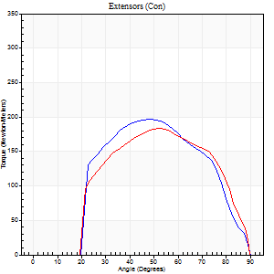
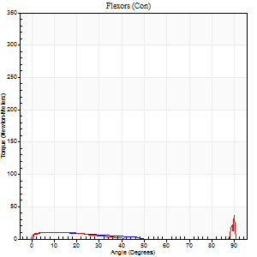
Right Side Curves Left Side Curves
Isokinetic Con/Con |  |  |  | Extensors (Con) |  | Flexors (Con)
Speed 240/240 d/s 3 Reps |  |  |  | Value | Cof Var | %BW | Value | Cof Var | %BW | Ratio

TORQUE PARAMETERS
Peak Torque (Newton-Meters - Best Repetition)
Right |  |  |  | 197 | 0.05 | 244 | 11 | 0.04 | 15 | 6
Left |  |  |  | 183 | 0.02 | 229 | 57 | 1.1 | 72 | 31
Deficit |  |  |  | 7 |  |  | 81
Work per Repetition (Newton-Meters - Best Repetition)
Right |  |  |  | 180 | 0.02 | 226 | 5 | 0.34 | 6 | 3
Left |  |  |  | 175 | 0.03 | 218 | 5 | 0.33 | 6 | 3
Deficit |  |  |  | 3 |  |  | 0
Average Power per Repetition (Watts - Best Repetition)
Right |  |  |  | 327 | 0.05 | 409 | 10 | 0.64 | 13 | 3
Left |  |  |  | 317 | 0.01 | 396 | 7 | 0.37 | 9 | 2
Deficit |  |  |  | 3 |  |  | 30
POSITION PARAMETERS
Joint Angle at Peak Torque (Degrees)
Right |  |  |  | 49 | 0.04 |  | 7 | 0.45
Left |  |  |  | 52 | 0.05 |  | 32 | 1.54
Range of Motion (Degrees)
Right |  |  |  | 0 | -0.28 |  | 89 | 0.01
Left |  |  |  | 0 | -0.71 |  | 90 | 0
TIME PARAMETERS
Time to Peak Torque (Seconds)
Right |  |  |  | 0.22 | 0.03 |  | 0.13 | 0.23
Left |  |  |  | 0.2 | 0.07 |  | 0.39 | 1.22
Time Peak Torque Held (Seconds)
Right |  |  |  | 0.01 | 0 |  | 0.01 | 1.73
Left |  |  |  | 0.01 | 0.43 |  | 0.01 | 1
Force Decay Time (Seconds)
Right |  |  |  | 0.32 | 0.07 |  | 0.72 | 0.43
Left |  |  |  | 0.32 | 0.05 |  | 0.52 | 0.98
Reciprocal Delay (Seconds)
Right |  |  |  | 0.05 | 0.57 |  | 0.31 | 0.43
Left |  |  |  | 0.12 | 0 |  | 0.34 | 0.05
Delay Time (Seconds)
Right |  |  |  | -0.01 | -0.47 |  | 0.01 | 1.73
Left |  |  |  | 0 | 0 |  | -0.02 | -0.49
HUMAC2015® Version: 15.000.0074 © Computer Sports Medicine, Inc. www.csmisolutions.com

Use File, Preference to set Report Heading
Isometric - Knee Extension/Flexion
Name: |  |  |  | TR024_113, | ID: | TR024_113 | Right/Left: | 12.10.2020 12.10.2020

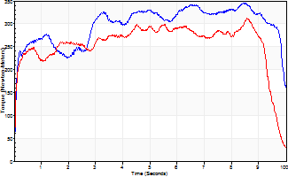
Isometric Extensors (Con) Angle 60 Time 10 Repetition 1 (Best Repetition)
 | Value | Cof Var | %BW
Peak Torque (Newton-Meters)
Right | 344 | 0 | 429
Left | 312 | 0 | 390
Deficit | 9
Average Torque (Newton-Meters)
Right | 296 | 0 | 370
Left | 255 | 0 | 319
Deficit | 14
Peak Torque Slope (Newton-Meters/Seconds)
Right | 41 | 0 | 51
Left | 36 | 0 | 45 |  | Right Side Curves Left Side Curves
Deficit | 11
Time to Half Peak Torque (Seconds)
Right | 0.09 | 0
Left | 0.08 | 0
Time to Peak Torque (Seconds)
Right | 8.43 | 0
Left | 8.55 | 0
HUMAC2015® Version: 15.000.0074 © Computer Sports Medicine, Inc. www.csmisolutions.com

Ark2
Use File, Preference to set Report Heading
Long Form Torque vs. Position Report - Knee Extension/Flexion
Name: |  |  |  | TR024_113, | ID: | TR024_113 | Right/Left: | 14.10.2020 14.10.2020
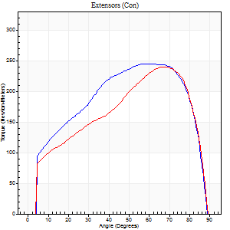
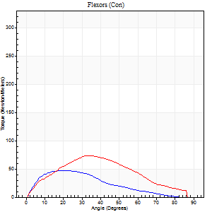
Right Side Curves Left Side Curves
Isokinetic Con/Con |  |  |  | Extensors (Con) |  | Flexors (Con)
Speed 60/60 d/s 3 Reps |  |  |  | Value | Cof Var | %BW | Value | Cof Var | %BW | Ratio

TORQUE PARAMETERS
Peak Torque (Newton-Meters - Best Repetition)
Right |  |  |  | 244 | 0.01 | 304 | 46 | 0.52 | 57 | 19
Left |  |  |  | 240 | 0.01 | 301 | 73 | 0.47 | 92 | 31
Deficit |  |  |  | 2 |  |  | 37
Work per Repetition (Newton-Meters - Best Repetition)
Right |  |  |  | 285 | 0.03 | 355 | 35 | 0.56 | 45 | 12
Left |  |  |  | 258 | 0.02 | 322 | 65 | 0.52 | 80 | 25
Deficit |  |  |  | 10 |  |  | 46
Average Power per Repetition (Watts - Best Repetition)
Right |  |  |  | 177 | 0.03 | 222 | 22 | 0.58 | 26 | 12
Left |  |  |  | 166 | 0.03 | 207 | 42 | 0.53 | 53 | 25
Deficit |  |  |  | 6 |  |  | 48
POSITION PARAMETERS
Joint Angle at Peak Torque (Degrees)
Right |  |  |  | 56 | 0.07 |  | 16 | 0.23
Left |  |  |  | 65 | 0.04 |  | 24 | 0.4
Range of Motion (Degrees)
Right |  |  |  | 0 | -0.71 |  | 90 | 0
Left |  |  |  | 0 | 0 |  | 90 | 0.01
TIME PARAMETERS
Time to Peak Torque (Seconds)
Right |  |  |  | 0.65 | 0.2 |  | 0.28 | 0.18
Left |  |  |  | 0.41 | 0.1 |  | 0.41 | 0.4
Time Peak Torque Held (Seconds)
Right |  |  |  | 0.08 | 0.22 |  | 0.02 | 0.92
Left |  |  |  | 0.04 | 0.16 |  | 0.01 | 1.73
Force Decay Time (Seconds)
Right |  |  |  | 0.92 | 0.07 |  | 1.32 | 0.14
Left |  |  |  | 1.11 | 0.03 |  | 1.13 | 0.17
Reciprocal Delay (Seconds)
Right |  |  |  | 0.22 | 0.51 |  | 0.37 | 0.13
Left |  |  |  | 0.23 | 0.15 |  | 0.23 | 0.07
Delay Time (Seconds)
Right |  |  |  | -0.06 | -0.76 |  | 0.02 | 0.25
Left |  |  |  | 0.02 | 0.28 |  | 0.02 | 0.35
HUMAC2015® Version: 15.000.0074 © Computer Sports Medicine, Inc. www.csmisolutions.com

Use File, Preference to set Report Heading
Long Form Torque vs. Position Report - Knee Extension/Flexion
Name: |  |  |  | TR024_113, | ID: | TR024_113 | Right/Left: | 14.10.2020 14.10.2020
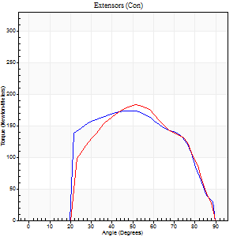
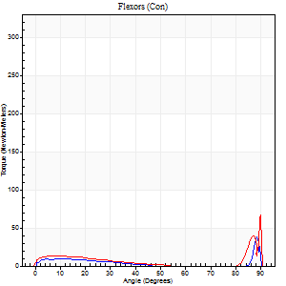
Right Side Curves Left Side Curves
Isokinetic Con/Con |  |  |  | Extensors (Con) |  | Flexors (Con)
Speed 240/240 d/s 3 Reps |  |  |  | Value | Cof Var | %BW | Value | Cof Var | %BW | Ratio

TORQUE PARAMETERS
Peak Torque (Newton-Meters - Best Repetition)
Right |  |  |  | 174 | 0.02 | 218 | 49 | 0.95 | 60 | 28
Left |  |  |  | 183 | 0.02 | 229 | 80 | 0.7 | 101 | 44
Deficit |  |  |  | 5 |  |  | 39
Work per Repetition (Newton-Meters - Best Repetition)
Right |  |  |  | 167 | 0.02 | 209 | 7 | 0.21 | 9 | 4
Left |  |  |  | 161 | 0.01 | 203 | 15 | 0.45 | 18 | 9
Deficit |  |  |  | 3 |  |  | 55
Average Power per Repetition (Watts - Best Repetition)
Right |  |  |  | 315 | 0.03 | 393 | 8 | 0.33 | 11 | 3
Left |  |  |  | 311 | 0.02 | 389 | 20 | 0.48 | 24 | 6
Deficit |  |  |  | 1 |  |  | 60
POSITION PARAMETERS
Joint Angle at Peak Torque (Degrees)
Right |  |  |  | 50 | 0.04 |  | 34 | 1.43
Left |  |  |  | 53 | 0.05 |  | 62 | 0.8
Range of Motion (Degrees)
Right |  |  |  | 0 | 0 |  | 90 | 0
Left |  |  |  | 0 | -0.2 |  | 91 | 0.02
TIME PARAMETERS
Time to Peak Torque (Seconds)
Right |  |  |  | 0.2 | 0 |  | 0.34 | 1.12
Left |  |  |  | 0.19 | 0 |  | 0.57 | 0.69
Time Peak Torque Held (Seconds)
Right |  |  |  | 0.02 | 0.35 |  | 0.01 | 1.73
Left |  |  |  | 0.01 | 1 |  | 0.02 | 1.73
Force Decay Time (Seconds)
Right |  |  |  | 0.3 | 0.04 |  | 0.47 | 1
Left |  |  |  | 0.32 | 0.02 |  | 0.16 | 2.22
Reciprocal Delay (Seconds)
Right |  |  |  | 0.14 | 0.51 |  | 0.33 | 0.18
Left |  |  |  | 0.17 | 0.13 |  | 0.36 | 0.12
Delay Time (Seconds)
Right |  |  |  | 0.01 | 0 |  | 0 | 4.58
Left |  |  |  | 0.02 | 0 |  | -0.01 | 0
HUMAC2015® Version: 15.000.0074 © Computer Sports Medicine, Inc. www.csmisolutions.com

Use File, Preference to set Report Heading
Isometric - Knee Extension/Flexion
Name: |  |  |  | TR024_113, | ID: | TR024_113 | Right/Left: | 14.10.2020 14.10.2020

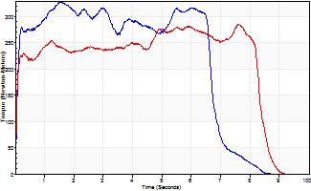
Isometric Extensors (Con) Angle 60 Time 10 Repetition 1 (Best Repetition)
 | Value | Cof Var | %BW
Peak Torque (Newton-Meters)
Right | 328 | 0 | 411
Left | 285 | 0 | 355
Deficit | 13
Average Torque (Newton-Meters)
Right | 203 | 0 | 253
Left | 210 | 0 | 262
Deficit | 3
Peak Torque Slope (Newton-Meters/Seconds)
Right | 213 | 0 | 266
Left | 38 | 0 | 47 |  | Right Side Curves Left Side Curves
Deficit | 82
Time to Half Peak Torque (Seconds)
Right | 0.08 | 0
Left | 0.06 | 0
Time to Peak Torque (Seconds)
Right | 1.53 | 0
Left | 7.58 | 0
HUMAC2015® Version: 15.000.0074 © Computer Sports Medicine, Inc. www.csmisolutions.com

Ark3
Use File, Preference to set Report Heading
Long Form Torque vs. Position Report - Knee Extension/Flexion
Name: |  |  |  | TR024_113, | ID: | TR024_113 | Right/Left: | 18.10.2020 18.10.2020
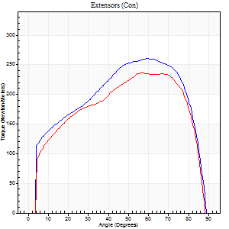
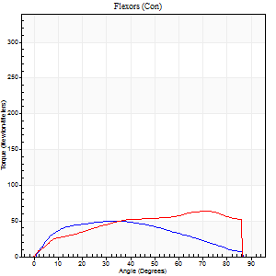
Right Side Curves Left Side Curves
Isokinetic Con/Con |  |  |  | Extensors (Con) |  | Flexors (Con)
Speed 60/60 d/s 3 Reps |  |  |  | Value | Cof Var | %BW | Value | Cof Var | %BW | Ratio

TORQUE PARAMETERS
Peak Torque (Newton-Meters - Best Repetition)
Right |  |  |  | 260 | 0.04 | 325 | 50 | 0.46 | 63 | 19
Left |  |  |  | 236 | 0.02 | 295 | 64 | 0.4 | 80 | 27
Deficit |  |  |  | 9 |  |  | 21
Work per Repetition (Newton-Meters - Best Repetition)
Right |  |  |  | 296 | 0.06 | 370 | 52 | 0.49 | 66 | 17
Left |  |  |  | 270 | 0.05 | 337 | 69 | 0.58 | 86 | 26
Deficit |  |  |  | 9 |  |  | 25
Average Power per Repetition (Watts - Best Repetition)
Right |  |  |  | 188 | 0.06 | 235 | 33 | 0.47 | 42 | 18
Left |  |  |  | 174 | 0.05 | 218 | 43 | 0.56 | 53 | 25
Deficit |  |  |  | 7 |  |  | 23
POSITION PARAMETERS
Joint Angle at Peak Torque (Degrees)
Right |  |  |  | 59 | 0.09 |  | 28 | 0.42
Left |  |  |  | 60 | 0.05 |  | 37 | 0.77
Range of Motion (Degrees)
Right |  |  |  | 0 | 0 |  | 90 | 0
Left |  |  |  | 0 | -0.71 |  | 91 | 0.01
TIME PARAMETERS
Time to Peak Torque (Seconds)
Right |  |  |  | 0.47 | 0.08 |  | 0.47 | 0.39
Left |  |  |  | 0.48 | 0.13 |  | 0.65 | 0.75
Time Peak Torque Held (Seconds)
Right |  |  |  | 0.07 | 0.09 |  | 0.01 | 1.73
Left |  |  |  | 0.03 | 0.17 |  | 0.04 | 0.48
Force Decay Time (Seconds)
Right |  |  |  | 0.98 | 0.09 |  | 1.05 | 0.16
Left |  |  |  | 1.03 | 0.04 |  | 0.86 | 0.53
Reciprocal Delay (Seconds)
Right |  |  |  | 0.28 | 0.17 |  | 0.4 | 0.08
Left |  |  |  | 0.22 | 0.03 |  | 0.33 | 0.09
Delay Time (Seconds)
Right |  |  |  | 0.01 | 0.47 |  | 0.03 | 0.33
Left |  |  |  | 0.04 | 0 |  | 0 | 4.58
HUMAC2015® Version: 15.000.0074 © Computer Sports Medicine, Inc. www.csmisolutions.com

Use File, Preference to set Report Heading
Long Form Torque vs. Position Report - Knee Extension/Flexion
Name: |  |  |  | TR024_113, | ID: | TR024_113 | Right/Left: | 18.10.2020 18.10.2020
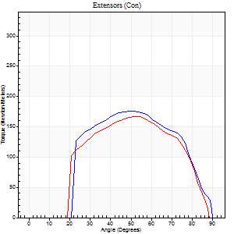
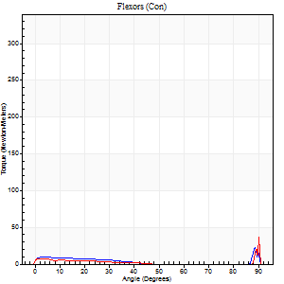
Right Side Curves Left Side Curves
Isokinetic Con/Con |  |  |  | Extensors (Con) |  | Flexors (Con)
Speed 240/240 d/s 3 Reps |  |  |  | Value | Cof Var | %BW | Value | Cof Var | %BW | Ratio

TORQUE PARAMETERS
Peak Torque (Newton-Meters - Best Repetition)
Right |  |  |  | 176 | 0 | 221 | 69 | 0.67 | 86 | 39
Left |  |  |  | 167 | 0.08 | 209 | 72 | 1.29 | 89 | 43
Deficit |  |  |  | 5 |  |  | 4
Work per Repetition (Newton-Meters - Best Repetition)
Right |  |  |  | 172 | 0.03 | 215 | 11 | 0.46 | 15 | 6
Left |  |  |  | 157 | 0.11 | 197 | 4 | 0.29 | 6 | 3
Deficit |  |  |  | 9 |  |  | 63
Average Power per Repetition (Watts - Best Repetition)
Right |  |  |  | 320 | 0.02 | 400 | 18 | 0.54 | 22 | 6
Left |  |  |  | 304 | 0.1 | 380 | 4 | 0.35 | 4 | 1
Deficit |  |  |  | 5 |  |  | 78
POSITION PARAMETERS
Joint Angle at Peak Torque (Degrees)
Right |  |  |  | 48 | 0.07 |  | 62 | 0.79
Left |  |  |  | 52 | 0.03 |  | 34 | 1.48
Range of Motion (Degrees)
Right |  |  |  | 0 | 0 |  | 90 | 0
Left |  |  |  | 0 | -0.28 |  | 90 | 0
TIME PARAMETERS
Time to Peak Torque (Seconds)
Right |  |  |  | 0.22 | 0.06 |  | 0.56 | 0.7
Left |  |  |  | 0.19 | 0.04 |  | 0.47 | 1.12
Time Peak Torque Held (Seconds)
Right |  |  |  | 0.02 | 0.35 |  | 0 | 1.73
Left |  |  |  | 0.01 | 0.87 |  | 0 | 1.73
Force Decay Time (Seconds)
Right |  |  |  | 0.3 | 0.02 |  | 0.13 | 2.82
Left |  |  |  | 0.32 | 0.02 |  | 0.54 | 1.03
Reciprocal Delay (Seconds)
Right |  |  |  | 0.2 | 0.42 |  | 0.34 | 0.06
Left |  |  |  | 0.12 | 0.43 |  | 0.38 | 0.04
Delay Time (Seconds)
Right |  |  |  | 0 | 0 |  | 0 | -3.46
Left |  |  |  | 0.02 | 0.28 |  | -0.03 | -0.33
HUMAC2015® Version: 15.000.0074 © Computer Sports Medicine, Inc. www.csmisolutions.com

Use File, Preference to set Report Heading
Isometric - Knee Extension/Flexion
Name: |  |  |  | TR024_113, | ID: | TR024_113 | Right/Left: | 18.10.2020 18.10.2020

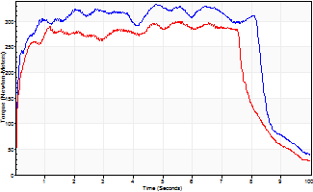
Isometric Extensors (Con) Angle 60 Time 10 Repetition 1 (Best Repetition)
 | Value | Cof Var | %BW
Peak Torque (Newton-Meters)
Right | 332 | 0 | 414
Left | 300 | 0 | 376
Deficit | 10
Average Torque (Newton-Meters)
Right | 267 | 0 | 334
Left | 229 | 0 | 286
Deficit | 14
Peak Torque Slope (Newton-Meters/Seconds)
Right | 70 | 0 | 87
Left | 53 | 0 | 66 |  | Right Side Curves Left Side Curves
Deficit | 24
Time to Half Peak Torque (Seconds)
Right | 0.08 | 0
Left | 0.09 | 0
Time to Peak Torque (Seconds)
Right | 4.74 | 0
Left | 5.64 | 0
HUMAC2015® Version: 15.000.0074 © Computer Sports Medicine, Inc. www.csmisolutions.com

Ark4
Use File, Preference to set Report Heading
Long Form Torque vs. Position Report - Knee Extension/Flexion
Name: |  |  |  | TR024_113, | ID: | TR024_113 | Right/Left: | 22.10.2020 22.10.2020
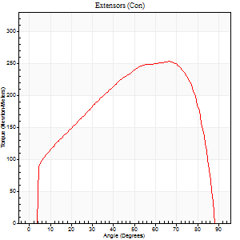
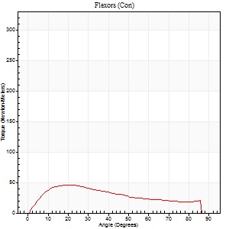
Right Side Curves Left Side Curves
Isokinetic Con/Con |  |  |  | Extensors (Con) |  | Flexors (Con)
Speed 60/60 d/s 3 Reps |  |  |  | Value | Cof Var | %BW | Value | Cof Var | %BW | Ratio

TORQUE PARAMETERS
Peak Torque (Newton-Meters - Best Repetition)
Right |  |  |  | 0 | 0 | 0 | 0 | 0 | 0 | 0
Left |  |  |  | 252 | 0.03 | 316 | 46 | 0.39 | 57 | 18
Deficit |  |  |  | 0 |  |  | 0
Work per Repetition (Newton-Meters - Best Repetition)
Right |  |  |  | 0 | 0 | 0 | 0 | 0 | 0 | 0
Left |  |  |  | 278 | 0.03 | 346 | 43 | 0.49 | 54 | 16
Deficit |  |  |  | 0 |  |  | 0
Average Power per Repetition (Watts - Best Repetition)
Right |  |  |  | 0 | 0 | 0 | 0 | 0 | 0 | 0
Left |  |  |  | 180 | 0.02 | 224 | 28 | 0.48 | 35 | 16
Deficit |  |  |  | 0 |  |  | 0
POSITION PARAMETERS
Joint Angle at Peak Torque (Degrees)
Right |  |  |  | 0 | 0 |  | 0 | 0
Left |  |  |  | 63 | 0.05 |  | 22 | 0.53
Range of Motion (Degrees)
Right |  |  |  | 0 | 0 |  | 0 | 0
Left |  |  |  | 0 | -0.28 |  | 90 | 0
TIME PARAMETERS
Time to Peak Torque (Seconds)
Right |  |  |  | 0 | 0 |  | 0 | 0
Left |  |  |  | 0.41 | 0.17 |  | 0.4 | 0.52
Time Peak Torque Held (Seconds)
Right |  |  |  | 0 | 0 |  | 0 | 0
Left |  |  |  | 0.07 | 0.38 |  | 0.23 | 1.39
Force Decay Time (Seconds)
Right |  |  |  | 0 | 0 |  | 0 | 0
Left |  |  |  | 1.05 | 0.06 |  | 0.91 | 0.52
Reciprocal Delay (Seconds)
Right |  |  |  | 0 | 0 |  | 0 | 0
Left |  |  |  | 0.2 | 0.28 |  | 0.47 | 0.08
Delay Time (Seconds)
Right |  |  |  | 0 | 0 |  | 0 | 0
Left |  |  |  | 0.04 | 0 |  | 0 | 1.73
HUMAC2015® Version: 15.000.0074 © Computer Sports Medicine, Inc. www.csmisolutions.com

Use File, Preference to set Report Heading
Long Form Torque vs. Position Report - Knee Extension/Flexion
Name: |  |  |  | TR024_113, | ID: | TR024_113 | Right/Left: | 22.10.2020 22.10.2020
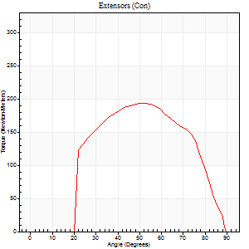
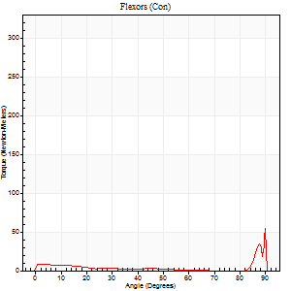
Right Side Curves Left Side Curves
Isokinetic Con/Con |  |  |  | Extensors (Con) |  | Flexors (Con)
Speed 240/240 d/s 3 Reps |  |  |  | Value | Cof Var | %BW | Value | Cof Var | %BW | Ratio

TORQUE PARAMETERS
Peak Torque (Newton-Meters - Best Repetition)
Right |  |  |  | 0 | 0 | 0 | 0 | 0 | 0 | 0
Left |  |  |  | 193 | 0.07 | 241 | 66 | 1.21 | 83 | 35
Deficit |  |  |  | 0 |  |  | 0
Work per Repetition (Newton-Meters - Best Repetition)
Right |  |  |  | 0 | 0 | 0 | 0 | 0 | 0 | 0
Left |  |  |  | 178 | 0.07 | 221 | 5 | 0.37 | 6 | 3
Deficit |  |  |  | 0 |  |  | 0
Average Power per Repetition (Watts - Best Repetition)
Right |  |  |  | 0 | 0 | 0 | 0 | 0 | 0 | 0
Left |  |  |  | 343 | 0.07 | 429 | 7 | 0.43 | 9 | 2
Deficit |  |  |  | 0 |  |  | 0
POSITION PARAMETERS
Joint Angle at Peak Torque (Degrees)
Right |  |  |  | 0 | 0 |  | 0 | 0
Left |  |  |  | 52 | 0.05 |  | 34 | 1.45
Range of Motion (Degrees)
Right |  |  |  | 0 | 0 |  | 0 | 0
Left |  |  |  | 0 | 0 |  | 90 | 0.01
TIME PARAMETERS
Time to Peak Torque (Seconds)
Right |  |  |  | 0 | 0 |  | 0 | 0
Left |  |  |  | 0.19 | 0.04 |  | 0.4 | 1.07
Time Peak Torque Held (Seconds)
Right |  |  |  | 0 | 0 |  | 0 | 0
Left |  |  |  | 0.01 | 0 |  | 0 | 1.73
Force Decay Time (Seconds)
Right |  |  |  | 0 | 0 |  | 0 | 0
Left |  |  |  | 0.32 | 0.03 |  | 0.52 | 0.93
Reciprocal Delay (Seconds)
Right |  |  |  | 0 | 0 |  | 0 | 0
Left |  |  |  | 0.12 | 0.59 |  | 0.47 | 0.35
Delay Time (Seconds)
Right |  |  |  | 0 | 0 |  | 0 | 0
Left |  |  |  | 0.02 | 0.28 |  | -0.03 | 0
HUMAC2015® Version: 15.000.0074 © Computer Sports Medicine, Inc. www.csmisolutions.com

Use File, Preference to set Report Heading
Isometric - Knee Extension/Flexion
Name: |  |  |  | TR024_113, | ID: | TR024_113 | Right/Left: | 22.10.2020 22.10.2020

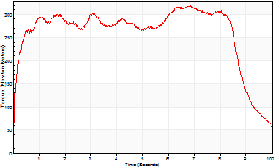
Isometric Extensors (Con) Angle 60 Time 10 Repetition 1 (Best Repetition)
 | Value | Cof Var | %BW
Peak Torque (Newton-Meters)
Right | 0 | 0 | 0
Left | 320 | 0 | 399
Deficit | 0
Average Torque (Newton-Meters)
Right | 0 | 0 | 0
Left | 259 | 0 | 325
Deficit | 0
Peak Torque Slope (Newton-Meters/Seconds)
Right | 0 | 0 | 0
Left | 47 | 0 | 58 |  | Right Side Curves Left Side Curves
Deficit | 0
Time to Half Peak Torque (Seconds)
Right | 0 | 0
Left | 0.12 | 0
Time to Peak Torque (Seconds)
Right | 0 | 0
Left | 6.86 | 0
HUMAC2015® Version: 15.000.0074 © Computer Sports Medicine, Inc. www.csmisolutions.com

Ark5
Use File, Preference to set Report Heading
Long Form Torque vs. Position Report - Knee Extension/Flexion
Name: |  |  |  | TR024_113, | ID: | TR024_113 | Right/Left: | 23.10.2020 23.10.2020
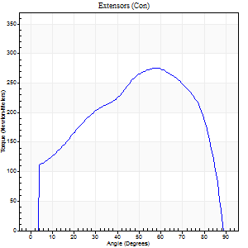
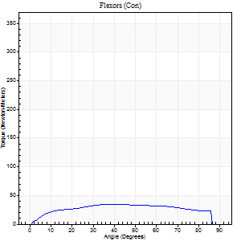
Right Side Curves Left Side Curves
Isokinetic Con/Con |  |  |  | Extensors (Con) |  | Flexors (Con)
Speed 60/60 d/s 3 Reps |  |  |  | Value | Cof Var | %BW | Value | Cof Var | %BW | Ratio

TORQUE PARAMETERS
Peak Torque (Newton-Meters - Best Repetition)
Right |  |  |  | 275 | 0.07 | 343 | 34 | 0.15 | 42 | 12
Left |  |  |  | 0 | 0 | 0 | 0 | 0 | 0 | 0
Deficit |  |  |  | 0 |  |  | 0
Work per Repetition (Newton-Meters - Best Repetition)
Right |  |  |  | 300 | 0.08 | 376 | 41 | 0.35 | 51 | 14
Left |  |  |  | 0 | 0 | 0 | 0 | 0 | 0 | 0
Deficit |  |  |  | 0 |  |  | 0
Average Power per Repetition (Watts - Best Repetition)
Right |  |  |  | 194 | 0.08 | 242 | 26 | 0.34 | 33 | 13
Left |  |  |  | 0 | 0 | 0 | 0 | 0 | 0 | 0
Deficit |  |  |  | 0 |  |  | 0
POSITION PARAMETERS
Joint Angle at Peak Torque (Degrees)
Right |  |  |  | 56 | 0.05 |  | 28 | 0.47
Left |  |  |  | 0 | 0 |  | 0 | 0
Range of Motion (Degrees)
Right |  |  |  | 0 | -0.47 |  | 90 | 0
Left |  |  |  | 0 | 0 |  | 0 | 0
TIME PARAMETERS
Time to Peak Torque (Seconds)
Right |  |  |  | 0.56 | 0.1 |  | 0.48 | 0.48
Left |  |  |  | 0 | 0 |  | 0 | 0
Time Peak Torque Held (Seconds)
Right |  |  |  | 0.03 | 0.35 |  | 0.05 | 1.25
Left |  |  |  | 0 | 0 |  | 0 | 0
Force Decay Time (Seconds)
Right |  |  |  | 0.97 | 0.06 |  | 1.02 | 0.21
Left |  |  |  | 0 | 0 |  | 0 | 0
Reciprocal Delay (Seconds)
Right |  |  |  | 0.12 | 0 |  | 0.4 | 0.12
Left |  |  |  | 0 | 0 |  | 0 | 0
Delay Time (Seconds)
Right |  |  |  | 0.02 | 0.28 |  | 0.04 | 0.35
Left |  |  |  | 0 | 0 |  | 0 | 0
HUMAC2015® Version: 15.000.0074 © Computer Sports Medicine, Inc. www.csmisolutions.com

Use File, Preference to set Report Heading
Long Form Torque vs. Position Report - Knee Extension/Flexion
Name: |  |  |  | TR024_113, | ID: | TR024_113 | Right/Left: | 23.10.2020 23.10.2020
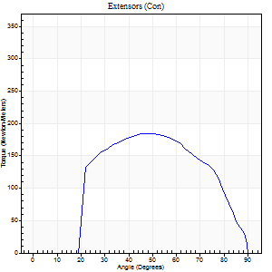
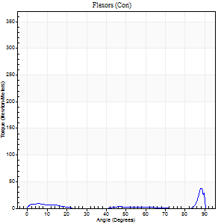
Right Side Curves Left Side Curves
Isokinetic Con/Con |  |  |  | Extensors (Con) |  | Flexors (Con)
Speed 240/240 d/s 3 Reps |  |  |  | Value | Cof Var | %BW | Value | Cof Var | %BW | Ratio

TORQUE PARAMETERS
Peak Torque (Newton-Meters - Best Repetition)
Right |  |  |  | 184 | 0.06 | 229 | 41 | 1.07 | 51 | 22
Left |  |  |  | 0 | 0 | 0 | 0 | 0 | 0 | 0
Deficit |  |  |  | 0 |  |  | 0
Work per Repetition (Newton-Meters - Best Repetition)
Right |  |  |  | 178 | 0.06 | 221 | 5 | 0.42 | 6 | 3
Left |  |  |  | 0 | 0 | 0 | 0 | 0 | 0 | 0
Deficit |  |  |  | 0 |  |  | 0
Average Power per Repetition (Watts - Best Repetition)
Right |  |  |  | 335 | 0.07 | 418 | 5 | 0.43 | 7 | 1
Left |  |  |  | 0 | 0 | 0 | 0 | 0 | 0 | 0
Deficit |  |  |  | 0 |  |  | 0
POSITION PARAMETERS
Joint Angle at Peak Torque (Degrees)
Right |  |  |  | 52 | 0.06 |  | 31 | 1.62
Left |  |  |  | 0 | 0 |  | 0 | 0
Range of Motion (Degrees)
Right |  |  |  | 0 | -0.28 |  | 90 | 0.01
Left |  |  |  | 0 | 0 |  | 0 | 0
TIME PARAMETERS
Time to Peak Torque (Seconds)
Right |  |  |  | 0.21 | 0.07 |  | 0.42 | 1.3
Left |  |  |  | 0 | 0 |  | 0 | 0
Time Peak Torque Held (Seconds)
Right |  |  |  | 0.01 | 0 |  | 0.04 | 0.87
Left |  |  |  | 0 | 0 |  | 0 | 0
Force Decay Time (Seconds)
Right |  |  |  | 0.31 | 0.07 |  | 0.58 | 0.91
Left |  |  |  | 0 | 0 |  | 0 | 0
Reciprocal Delay (Seconds)
Right |  |  |  | 0.07 | 0.2 |  | 0.5 | 0.06
Left |  |  |  | 0 | 0 |  | 0 | 0
Delay Time (Seconds)
Right |  |  |  | 0 | -1.41 |  | -0.06 | -0.83
Left |  |  |  | 0 | 0 |  | 0 | 0
HUMAC2015® Version: 15.000.0074 © Computer Sports Medicine, Inc. www.csmisolutions.com

Use File, Preference to set Report Heading
Isometric - Knee Extension/Flexion
Name: |  |  |  | TR024_113, | ID: | TR024_113 | Right/Left: | 23.10.2020 23.10.2020

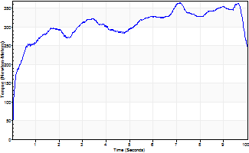
Isometric Extensors (Con) Angle 60 Time 10 Repetition 1 (Best Repetition)
 | Value | Cof Var | %BW
Peak Torque (Newton-Meters)
Right | 365 | 0 | 456
Left | 0 | 0 | 0
Deficit | 0
Average Torque (Newton-Meters)
Right | 305 | 0 | 381
Left | 0 | 0 | 0
Deficit | 0
Peak Torque Slope (Newton-Meters/Seconds)
Right | 51 | 0 | 64
Left | 0 | 0 | 0 |  | Right Side Curves Left Side Curves
Deficit | 0
Time to Half Peak Torque (Seconds)
Right | 0.21 | 0
Left | 0 | 0
Time to Peak Torque (Seconds)
Right | 7.13 | 0
Left | 0 | 0
HUMAC2015® Version: 15.000.0074 © Computer Sports Medicine, Inc. www.csmisolutions.com

Ark6
Use File, Preference to set Report Heading
Long Form Torque vs. Position Report - Knee Extension/Flexion
Name: |  |  |  | TR024_113, | ID: | TR024_113 | Right/Left: | 26.10.2020 26.10.2020
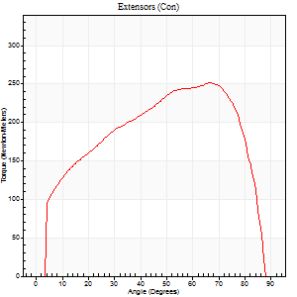
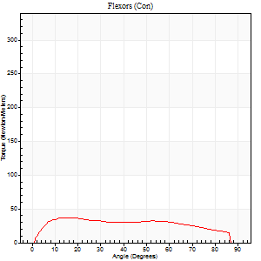
Right Side Curves Left Side Curves
Isokinetic Con/Con |  |  |  | Extensors (Con) |  | Flexors (Con)
Speed 60/60 d/s 3 Reps |  |  |  | Value | Cof Var | %BW | Value | Cof Var | %BW | Ratio

TORQUE PARAMETERS
Peak Torque (Newton-Meters - Best Repetition)
Right |  |  |  | 0 | 0 | 0 | 0 | 0 | 0 | 0
Left |  |  |  | 251 | 0.04 | 313 | 37 | 0.42 | 45 | 15
Deficit |  |  |  | 0 |  |  | 0
Work per Repetition (Newton-Meters - Best Repetition)
Right |  |  |  | 0 | 0 | 0 | 0 | 0 | 0 | 0
Left |  |  |  | 279 | 0.05 | 349 | 43 | 0.63 | 54 | 16
Deficit |  |  |  | 0 |  |  | 0
Average Power per Repetition (Watts - Best Repetition)
Right |  |  |  | 0 | 0 | 0 | 0 | 0 | 0 | 0
Left |  |  |  | 182 | 0.06 | 226 | 28 | 0.64 | 35 | 15
Deficit |  |  |  | 0 |  |  | 0
POSITION PARAMETERS
Joint Angle at Peak Torque (Degrees)
Right |  |  |  | 0 | 0 |  | 0 | 0
Left |  |  |  | 62 | 0.08 |  | 17 | 0.22
Range of Motion (Degrees)
Right |  |  |  | 0 | 0 |  | 0 | 0
Left |  |  |  | 0 | 0 |  | 90 | 0
TIME PARAMETERS
Time to Peak Torque (Seconds)
Right |  |  |  | 0 | 0 |  | 0 | 0
Left |  |  |  | 0.44 | 0.28 |  | 0.32 | 0.23
Time Peak Torque Held (Seconds)
Right |  |  |  | 0 | 0 |  | 0 | 0
Left |  |  |  | 0.06 | 0.64 |  | 0.01 | 0.87
Force Decay Time (Seconds)
Right |  |  |  | 0 | 0 |  | 0 | 0
Left |  |  |  | 1.03 | 0.09 |  | 1.23 | 0.04
Reciprocal Delay (Seconds)
Right |  |  |  | 0 | 0 |  | 0 | 0
Left |  |  |  | 0.16 | 0.23 |  | 0.4 | 0.12
Delay Time (Seconds)
Right |  |  |  | 0 | 0 |  | 0 | 0
Left |  |  |  | 0.04 | 0 |  | 0.01 | 1.73
HUMAC2015® Version: 15.000.0074 © Computer Sports Medicine, Inc. www.csmisolutions.com

Use File, Preference to set Report Heading
Long Form Torque vs. Position Report - Knee Extension/Flexion
Name: |  |  |  | TR024_113, | ID: | TR024_113 | Right/Left: | 26.10.2020 26.10.2020
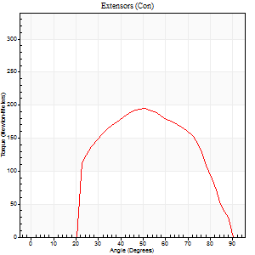
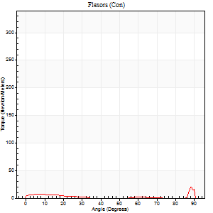
Right Side Curves Left Side Curves
Isokinetic Con/Con |  |  |  | Extensors (Con) |  | Flexors (Con)
Speed 240/240 d/s 3 Reps |  |  |  | Value | Cof Var | %BW | Value | Cof Var | %BW | Ratio

TORQUE PARAMETERS
Peak Torque (Newton-Meters - Best Repetition)
Right |  |  |  | 0 | 0 | 0 | 0 | 0 | 0 | 0
Left |  |  |  | 195 | 0.11 | 244 | 37 | 0.66 | 45 | 19
Deficit |  |  |  | 0 |  |  | 0
Work per Repetition (Newton-Meters - Best Repetition)
Right |  |  |  | 0 | 0 | 0 | 0 | 0 | 0 | 0
Left |  |  |  | 176 | 0.11 | 221 | 4 | 0.37 | 6 | 2
Deficit |  |  |  | 0 |  |  | 0
Average Power per Repetition (Watts - Best Repetition)
Right |  |  |  | 0 | 0 | 0 | 0 | 0 | 0 | 0
Left |  |  |  | 326 | 0.1 | 407 | 4 | 0.46 | 4 | 1
Deficit |  |  |  | 0 |  |  | 0
POSITION PARAMETERS
Joint Angle at Peak Torque (Degrees)
Right |  |  |  | 0 | 0 |  | 0 | 0
Left |  |  |  | 52 | 0.04 |  | 62 | 0.79
Range of Motion (Degrees)
Right |  |  |  | 0 | 0 |  | 0 | 0
Left |  |  |  | 0 | -0.28 |  | 90 | 0
TIME PARAMETERS
Time to Peak Torque (Seconds)
Right |  |  |  | 0 | 0 |  | 0 | 0
Left |  |  |  | 0.2 | 0 |  | 0.82 | 0.68
Time Peak Torque Held (Seconds)
Right |  |  |  | 0 | 0 |  | 0 | 0
Left |  |  |  | 0.01 | 0 |  | 0 | 0
Force Decay Time (Seconds)
Right |  |  |  | 0 | 0 |  | 0 | 0
Left |  |  |  | 0.32 | 0.02 |  | 0.24 | 2.32
Reciprocal Delay (Seconds)
Right |  |  |  | 0 | 0 |  | 0 | 0
Left |  |  |  | 0.17 | 0.33 |  | 0.61 | 0.35
Delay Time (Seconds)
Right |  |  |  | 0 | 0 |  | 0 | 0
Left |  |  |  | 0 | 0 |  | -0.05 | -0.12
HUMAC2015® Version: 15.000.0074 © Computer Sports Medicine, Inc. www.csmisolutions.com

Use File, Preference to set Report Heading
Isometric - Knee Extension/Flexion
Name: |  |  |  | TR024_113, | ID: | TR024_113 | Right/Left: | 26.10.2020 26.10.2020

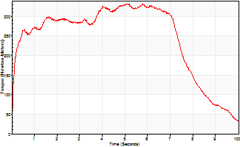
Isometric Extensors (Con) Angle 60 Time 10 Repetition 1 (Best Repetition)
 | Value | Cof Var | %BW
Peak Torque (Newton-Meters)
Right | 0 | 0 | 0
Left | 331 | 0 | 414
Deficit | 0
Average Torque (Newton-Meters)
Right | 0 | 0 | 0
Left | 243 | 0 | 304
Deficit | 0
Peak Torque Slope (Newton-Meters/Seconds)
Right | 0 | 0 | 0
Left | 64 | 0 | 80 |  | Right Side Curves Left Side Curves
Deficit | 0
Time to Half Peak Torque (Seconds)
Right | 0 | 0
Left | 0.12 | 0
Time to Peak Torque (Seconds)
Right | 0 | 0
Left | 5.18 | 0
HUMAC2015® Version: 15.000.0074 © Computer Sports Medicine, Inc. www.csmisolutions.com

Ark7
Use File, Preference to set Report Heading
Long Form Torque vs. Position Report - Knee Extension/Flexion
Name: |  |  |  | TR024_113, | ID: | TR024_113 | Right/Left: | 27.10.2020 27.10.2020
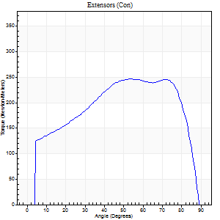
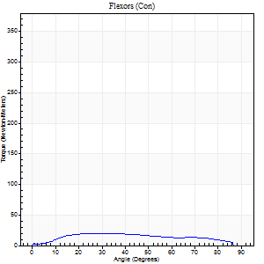
Right Side Curves Left Side Curves
Isokinetic Con/Con |  |  |  | Extensors (Con) |  | Flexors (Con)
Speed 60/60 d/s 3 Reps |  |  |  | Value | Cof Var | %BW | Value | Cof Var | %BW | Ratio

TORQUE PARAMETERS
Peak Torque (Newton-Meters - Best Repetition)
Right |  |  |  | 247 | 0.1 | 307 | 19 | 0.12 | 24 | 8
Left |  |  |  | 0 | 0 | 0 | 0 | 0 | 0 | 0
Deficit |  |  |  | 0 |  |  | 0
Work per Repetition (Newton-Meters - Best Repetition)
Right |  |  |  | 287 | 0.06 | 358 | 20 | 0.27 | 27 | 7
Left |  |  |  | 0 | 0 | 0 | 0 | 0 | 0 | 0
Deficit |  |  |  | 0 |  |  | 0
Average Power per Repetition (Watts - Best Repetition)
Right |  |  |  | 185 | 0.07 | 231 | 12 | 0.21 | 15 | 6
Left |  |  |  | 0 | 0 | 0 | 0 | 0 | 0 | 0
Deficit |  |  |  | 0 |  |  | 0
POSITION PARAMETERS
Joint Angle at Peak Torque (Degrees)
Right |  |  |  | 55 | 0.06 |  | 38 | 0.81
Left |  |  |  | 0 | 0 |  | 0 | 0
Range of Motion (Degrees)
Right |  |  |  | 0 | 0 |  | 90 | 0
Left |  |  |  | 0 | 0 |  | 0 | 0
TIME PARAMETERS
Time to Peak Torque (Seconds)
Right |  |  |  | 0.56 | 0.11 |  | 0.74 | 0.69
Left |  |  |  | 0 | 0 |  | 0 | 0
Time Peak Torque Held (Seconds)
Right |  |  |  | 0.05 | 0.29 |  | 0.03 | 0.87
Left |  |  |  | 0 | 0 |  | 0 | 0
Force Decay Time (Seconds)
Right |  |  |  | 0.93 | 0.07 |  | 0.82 | 0.59
Left |  |  |  | 0 | 0 |  | 0 | 0
Reciprocal Delay (Seconds)
Right |  |  |  | 0.16 | 0.41 |  | 0.6 | 0.27
Left |  |  |  | 0 | 0 |  | 0 | 0
Delay Time (Seconds)
Right |  |  |  | 0.02 | 0 |  | -0.02 | -1.25
Left |  |  |  | 0 | 0 |  | 0 | 0
HUMAC2015® Version: 15.000.0074 © Computer Sports Medicine, Inc. www.csmisolutions.com

Use File, Preference to set Report Heading
Long Form Torque vs. Position Report - Knee Extension/Flexion
Name: |  |  |  | TR024_113, | ID: | TR024_113 | Right/Left: | 27.10.2020 27.10.2020
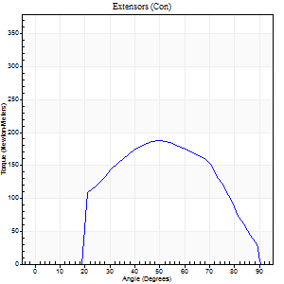
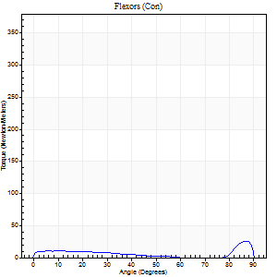
Right Side Curves Left Side Curves
Isokinetic Con/Con |  |  |  | Extensors (Con) |  | Flexors (Con)
Speed 240/240 d/s 3 Reps |  |  |  | Value | Cof Var | %BW | Value | Cof Var | %BW | Ratio

TORQUE PARAMETERS
Peak Torque (Newton-Meters - Best Repetition)
Right |  |  |  | 187 | 0.06 | 232 | 26 | 0.55 | 33 | 14
Left |  |  |  | 0 | 0 | 0 | 0 | 0 | 0 | 0
Deficit |  |  |  | 0 |  |  | 0
Work per Repetition (Newton-Meters - Best Repetition)
Right |  |  |  | 172 | 0.07 | 215 | 9 | 0.51 | 12 | 6
Left |  |  |  | 0 | 0 | 0 | 0 | 0 | 0 | 0
Deficit |  |  |  | 0 |  |  | 0
Average Power per Repetition (Watts - Best Repetition)
Right |  |  |  | 317 | 0.08 | 396 | 14 | 0.58 | 18 | 4
Left |  |  |  | 0 | 0 | 0 | 0 | 0 | 0 | 0
Deficit |  |  |  | 0 |  |  | 0
POSITION PARAMETERS
Joint Angle at Peak Torque (Degrees)
Right |  |  |  | 52 | 0.05 |  | 60 | 0.79
Left |  |  |  | 0 | 0 |  | 0 | 0
Range of Motion (Degrees)
Right |  |  |  | 0 | -0.28 |  | 90 | 0.01
Left |  |  |  | 0 | 0 |  | 0 | 0
TIME PARAMETERS
Time to Peak Torque (Seconds)
Right |  |  |  | 0.21 | 0.07 |  | 0.5 | 0.52
Left |  |  |  | 0 | 0 |  | 0 | 0
Time Peak Torque Held (Seconds)
Right |  |  |  | 0.01 | 0.43 |  | 0.04 | 1.52
Left |  |  |  | 0 | 0 |  | 0 | 0
Force Decay Time (Seconds)
Right |  |  |  | 0.32 | 0.07 |  | 0.21 | 1.45
Left |  |  |  | 0 | 0 |  | 0 | 0
Reciprocal Delay (Seconds)
Right |  |  |  | 0.05 | 0.28 |  | 0.83 | 0.15
Left |  |  |  | 0 | 0 |  | 0 | 0
Delay Time (Seconds)
Right |  |  |  | -0.01 | 0 |  | -0.04 | -0.35
Left |  |  |  | 0 | 0 |  | 0 | 0
HUMAC2015® Version: 15.000.0074 © Computer Sports Medicine, Inc. www.csmisolutions.com

Use File, Preference to set Report Heading
Isometric - Knee Extension/Flexion
Name: |  |  |  | TR024_113, | ID: | TR024_113 | Right/Left: | 27.10.2020 27.10.2020

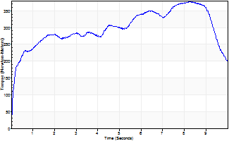
Isometric Extensors (Con) Angle 60 Time 10 Repetition 1 (Best Repetition)
 | Value | Cof Var | %BW
Peak Torque (Newton-Meters)
Right | 377 | 0 | 471
Left | 0 | 0 | 0
Deficit | 0
Average Torque (Newton-Meters)
Right | 297 | 0 | 370
Left | 0 | 0 | 0
Deficit | 0
Peak Torque Slope (Newton-Meters/Seconds)
Right | 46 | 0 | 57
Left | 0 | 0 | 0 |  | Right Side Curves Left Side Curves
Deficit | 0
Time to Half Peak Torque (Seconds)
Right | 0.3 | 0
Left | 0 | 0
Time to Peak Torque (Seconds)
Right | 8.25 | 0
Left | 0 | 0
HUMAC2015® Version: 15.000.0074 © Computer Sports Medicine, Inc. www.csmisolutions.com

Ark8
Use File, Preference to set Report Heading
Long Form Torque vs. Position Report - Knee Extension/Flexion
Name: |  |  |  | TR024_113, | ID: | TR024_113 | Right/Left: | 29.10.2020 29.10.2020
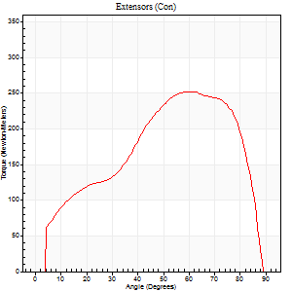
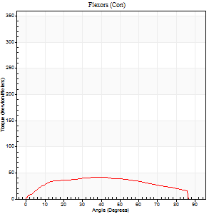
Right Side Curves Left Side Curves
Isokinetic Con/Con |  |  |  | Extensors (Con) |  | Flexors (Con)
Speed 60/60 d/s 3 Reps |  |  |  | Value | Cof Var | %BW | Value | Cof Var | %BW | Ratio

TORQUE PARAMETERS
Peak Torque (Newton-Meters - Best Repetition)
Right |  |  |  | 0 | 0 | 0 | 0 | 0 | 0 | 0
Left |  |  |  | 252 | 0.11 | 316 | 42 | 0.17 | 54 | 17
Deficit |  |  |  | 0 |  |  | 0
Work per Repetition (Newton-Meters - Best Repetition)
Right |  |  |  | 0 | 0 | 0 | 0 | 0 | 0 | 0
Left |  |  |  | 256 | 0.11 | 319 | 46 | 0.38 | 57 | 18
Deficit |  |  |  | 0 |  |  | 0
Average Power per Repetition (Watts - Best Repetition)
Right |  |  |  | 0 | 0 | 0 | 0 | 0 | 0 | 0
Left |  |  |  | 163 | 0.1 | 204 | 29 | 0.34 | 35 | 18
Deficit |  |  |  | 0 |  |  | 0
POSITION PARAMETERS
Joint Angle at Peak Torque (Degrees)
Right |  |  |  | 0 | 0 |  | 0 | 0
Left |  |  |  | 64 | 0.07 |  | 33 | 0.43
Range of Motion (Degrees)
Right |  |  |  | 0 | 0 |  | 0 | 0
Left |  |  |  | 0 | -1.41 |  | 90 | 0
TIME PARAMETERS
Time to Peak Torque (Seconds)
Right |  |  |  | 0 | 0 |  | 0 | 0
Left |  |  |  | 0.4 | 0.25 |  | 0.59 | 0.42
Time Peak Torque Held (Seconds)
Right |  |  |  | 0 | 0 |  | 0 | 0
Left |  |  |  | 0.07 | 0.14 |  | 0.04 | 1.54
Force Decay Time (Seconds)
Right |  |  |  | 0 | 0 |  | 0 | 0
Left |  |  |  | 1.07 | 0.07 |  | 0.93 | 0.25
Reciprocal Delay (Seconds)
Right |  |  |  | 0 | 0 |  | 0 | 0
Left |  |  |  | 0.17 | 0.08 |  | 0.32 | 0.15
Delay Time (Seconds)
Right |  |  |  | 0 | 0 |  | 0 | 0
Left |  |  |  | 0.02 | 0.71 |  | -0.01 | -1.73
HUMAC2015® Version: 15.000.0074 © Computer Sports Medicine, Inc. www.csmisolutions.com

Use File, Preference to set Report Heading
Long Form Torque vs. Position Report - Knee Extension/Flexion
Name: |  |  |  | TR024_113, | ID: | TR024_113 | Right/Left: | 29.10.2020 29.10.2020
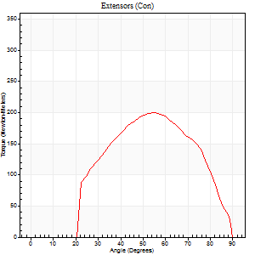
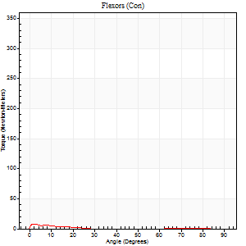
Right Side Curves Left Side Curves
Isokinetic Con/Con |  |  |  | Extensors (Con) |  | Flexors (Con)
Speed 240/240 d/s 3 Reps |  |  |  | Value | Cof Var | %BW | Value | Cof Var | %BW | Ratio

TORQUE PARAMETERS
Peak Torque (Newton-Meters - Best Repetition)
Right |  |  |  | 0 | 0 | 0 | 0 | 0 | 0 | 0
Left |  |  |  | 199 | 0.09 | 250 | 7 | 0.28 | 9 | 3
Deficit |  |  |  | 0 |  |  | 0
Work per Repetition (Newton-Meters - Best Repetition)
Right |  |  |  | 0 | 0 | 0 | 0 | 0 | 0 | 0
Left |  |  |  | 175 | 0.08 | 218 | 3 | 0.15 | 3 | 2
Deficit |  |  |  | 0 |  |  | 0
Average Power per Repetition (Watts - Best Repetition)
Right |  |  |  | 0 | 0 | 0 | 0 | 0 | 0 | 0
Left |  |  |  | 330 | 0.1 | 413 | 2 | 0.28 | 2 | 1
Deficit |  |  |  | 0 |  |  | 0
POSITION PARAMETERS
Joint Angle at Peak Torque (Degrees)
Right |  |  |  | 0 | 0 |  | 0 | 0
Left |  |  |  | 54 | 0.02 |  | 1 | 1.06
Range of Motion (Degrees)
Right |  |  |  | 0 | 0 |  | 0 | 0
Left |  |  |  | 0 | 0 |  | 90 | 0
TIME PARAMETERS
Time to Peak Torque (Seconds)
Right |  |  |  | 0 | 0 |  | 0 | 0
Left |  |  |  | 0.19 | 0.04 |  | 0.09 | 0.51
Time Peak Torque Held (Seconds)
Right |  |  |  | 0 | 0 |  | 0 | 0
Left |  |  |  | 0.01 | 0.87 |  | 0.03 | 1.73
Force Decay Time (Seconds)
Right |  |  |  | 0 | 0 |  | 0 | 0
Left |  |  |  | 0.33 | 0.05 |  | 1.23 | 0.15
Reciprocal Delay (Seconds)
Right |  |  |  | 0 | 0 |  | 0 | 0
Left |  |  |  | 0.08 | 0.35 |  | 0.49 | 0.24
Delay Time (Seconds)
Right |  |  |  | 0 | 0 |  | 0 | 0
Left |  |  |  | 0 | 1.41 |  | -0.06 | 0
HUMAC2015® Version: 15.000.0074 © Computer Sports Medicine, Inc. www.csmisolutions.com

Use File, Preference to set Report Heading
Isometric - Knee Extension/Flexion
Name: |  |  |  | TR024_113, | ID: | TR024_113 | Right/Left: | 29.10.2020 29.10.2020

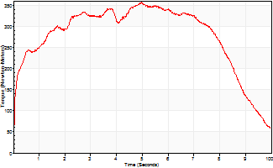
Isometric Extensors (Con) Angle 60 Time 10 Repetition 1 (Best Repetition)
 | Value | Cof Var | %BW
Peak Torque (Newton-Meters)
Right | 0 | 0 | 0
Left | 357 | 0 | 444
Deficit | 0
Average Torque (Newton-Meters)
Right | 0 | 0 | 0
Left | 274 | 0 | 343
Deficit | 0
Peak Torque Slope (Newton-Meters/Seconds)
Right | 0 | 0 | 0
Left | 72 | 0 | 90 |  | Right Side Curves Left Side Curves
Deficit | 0
Time to Half Peak Torque (Seconds)
Right | 0 | 0
Left | 0.14 | 0
Time to Peak Torque (Seconds)
Right | 0 | 0
Left | 4.95 | 0
HUMAC2015® Version: 15.000.0074 © Computer Sports Medicine, Inc. www.csmisolutions.com

Ark9
Use File, Preference to set Report Heading
Long Form Torque vs. Position Report - Knee Extension/Flexion
Name: |  |  |  | TR024_113, | ID: | TR024_113 | Right/Left: | 29.10.2020 29.10.2020
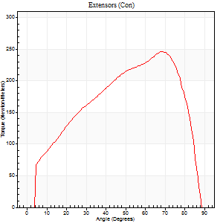
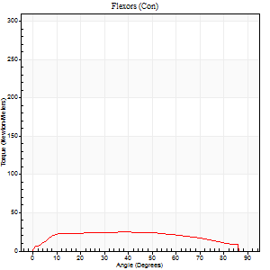
Right Side Curves Left Side Curves
Isokinetic Con/Con |  |  |  | Extensors (Con) |  | Flexors (Con)
Speed 60/60 d/s 3 Reps |  |  |  | Value | Cof Var | %BW | Value | Cof Var | %BW | Ratio

TORQUE PARAMETERS
Peak Torque (Newton-Meters - Best Repetition)
Right |  |  |  | 0 | 0 | 0 | 0 | 0 | 0 | 0
Left |  |  |  | 245 | 0.1 | 307 | 24 | 0.17 | 30 | 10
Deficit |  |  |  | 0 |  |  | 0
Work per Repetition (Newton-Meters - Best Repetition)
Right |  |  |  | 0 | 0 | 0 | 0 | 0 | 0 | 0
Left |  |  |  | 260 | 0.09 | 325 | 30 | 0.39 | 36 | 11
Deficit |  |  |  | 0 |  |  | 0
Average Power per Repetition (Watts - Best Repetition)
Right |  |  |  | 0 | 0 | 0 | 0 | 0 | 0 | 0
Left |  |  |  | 168 | 0.09 | 209 | 19 | 0.38 | 24 | 11
Deficit |  |  |  | 0 |  |  | 0
POSITION PARAMETERS
Joint Angle at Peak Torque (Degrees)
Right |  |  |  | 0 | 0 |  | 0 | 0
Left |  |  |  | 67 | 0.02 |  | 23 | 0.55
Range of Motion (Degrees)
Right |  |  |  | 0 | 0 |  | 0 | 0
Left |  |  |  | 0 | -1.41 |  | 90 | 0
TIME PARAMETERS
Time to Peak Torque (Seconds)
Right |  |  |  | 0 | 0 |  | 0 | 0
Left |  |  |  | 0.34 | 0.02 |  | 0.45 | 0.48
Time Peak Torque Held (Seconds)
Right |  |  |  | 0 | 0 |  | 0 | 0
Left |  |  |  | 0.07 | 0.48 |  | 0.03 | 0.88
Force Decay Time (Seconds)
Right |  |  |  | 0 | 0 |  | 0 | 0
Left |  |  |  | 1.12 | 0.05 |  | 1.08 | 0.16
Reciprocal Delay (Seconds)
Right |  |  |  | 0 | 0 |  | 0 | 0
Left |  |  |  | 0.11 | 0.61 |  | 0.32 | 0.19
Delay Time (Seconds)
Right |  |  |  | 0 | 0 |  | 0 | 0
Left |  |  |  | 0.02 | 0 |  | -0.02 | -0.5
HUMAC2015® Version: 15.000.0074 © Computer Sports Medicine, Inc. www.csmisolutions.com

Use File, Preference to set Report Heading
Long Form Torque vs. Position Report - Knee Extension/Flexion
Name: |  |  |  | TR024_113, | ID: | TR024_113 | Right/Left: | 29.10.2020 29.10.2020

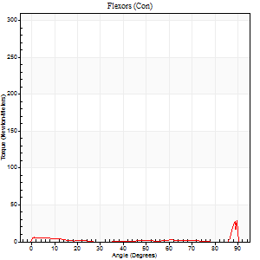
Right Side Curves Left Side Curves
Isokinetic Con/Con |  |  |  | Extensors (Con) |  | Flexors (Con)
Speed 240/240 d/s 3 Reps |  |  |  | Value | Cof Var | %BW | Value | Cof Var | %BW | Ratio

TORQUE PARAMETERS
Peak Torque (Newton-Meters - Best Repetition)
Right |  |  |  | 0 | 0 | 0 | 0 | 0 | 0 | 0
Left |  |  |  | 184 | 0.03 | 229 | 50 | 1.13 | 63 | 27
Deficit |  |  |  | 0 |  |  | 0
Work per Repetition (Newton-Meters - Best Repetition)
Right |  |  |  | 0 | 0 | 0 | 0 | 0 | 0 | 0
Left |  |  |  | 167 | 0.01 | 209 | 4 | 0.26 | 6 | 2
Deficit |  |  |  | 0 |  |  | 0
Average Power per Repetition (Watts - Best Repetition)
Right |  |  |  | 0 | 0 | 0 | 0 | 0 | 0 | 0
Left |  |  |  | 327 | 0.04 | 409 | 3 | 0.36 | 4 | 1
Deficit |  |  |  | 0 |  |  | 0
POSITION PARAMETERS
Joint Angle at Peak Torque (Degrees)
Right |  |  |  | 0 | 0 |  | 0 | 0
Left |  |  |  | 57 | 0.1 |  | 33 | 1.51
Range of Motion (Degrees)
Right |  |  |  | 0 | 0 |  | 0 | 0
Left |  |  |  | 0 | -0.47 |  | 88 | 0.03
TIME PARAMETERS
Time to Peak Torque (Seconds)
Right |  |  |  | 0 | 0 |  | 0 | 0
Left |  |  |  | 0.19 | 0 |  | 0.5 | 1.11
Time Peak Torque Held (Seconds)
Right |  |  |  | 0 | 0 |  | 0 | 0
Left |  |  |  | 0.01 | 1 |  | 0.02 | 0.92
Force Decay Time (Seconds)
Right |  |  |  | 0 | 0 |  | 0 | 0
Left |  |  |  | 0.35 | 0.09 |  | 0.59 | 0.94
Reciprocal Delay (Seconds)
Right |  |  |  | 0 | 0 |  | 0 | 0
Left |  |  |  | 0.08 | 0 |  | 0.76 | 0.29
Delay Time (Seconds)
Right |  |  |  | 0 | 0 |  | 0 | 0
Left |  |  |  | 0 | 0 |  | -0.05 | -0.35
HUMAC2015® Version: 15.000.0074 © Computer Sports Medicine, Inc. www.csmisolutions.com

Use File, Preference to set Report Heading
Isometric - Knee Extension/Flexion
Name: |  |  |  | TR024_113, | ID: | TR024_113 | Right/Left: | 29.10.2020 29.10.2020

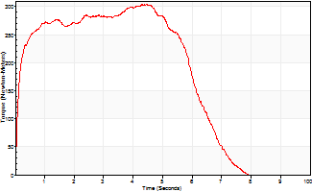
Isometric Extensors (Con) Angle 60 Time 10 Repetition 1 (Best Repetition)
 | Value | Cof Var | %BW
Peak Torque (Newton-Meters)
Right | 0 | 0 | 0
Left | 305 | 0 | 381
Deficit | 0
Average Torque (Newton-Meters)
Right | 0 | 0 | 0
Left | 172 | 0 | 215
Deficit | 0
Peak Torque Slope (Newton-Meters/Seconds)
Right | 0 | 0 | 0
Left | 68 | 0 | 85 |  | Right Side Curves Left Side Curves
Deficit | 0
Time to Half Peak Torque (Seconds)
Right | 0 | 0
Left | 0.12 | 0
Time to Peak Torque (Seconds)
Right | 0 | 0
Left | 4.45 | 0
HUMAC2015® Version: 15.000.0074 © Computer Sports Medicine, Inc. www.csmisolutions.com

Ark10
Use File, Preference to set Report Heading
Long Form Torque vs. Position Report - Knee Extension/Flexion
Name: |  |  |  | TR024_113, | ID: | TR024_113 | Right/Left: | 29.10.2020 29.10.2020
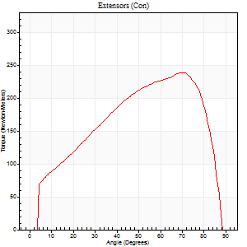
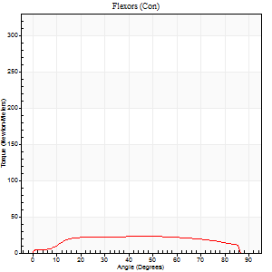
Right Side Curves Left Side Curves
Isokinetic Con/Con |  |  |  | Extensors (Con) |  | Flexors (Con)
Speed 60/60 d/s 3 Reps |  |  |  | Value | Cof Var | %BW | Value | Cof Var | %BW | Ratio

TORQUE PARAMETERS
Peak Torque (Newton-Meters - Best Repetition)
Right |  |  |  | 0 | 0 | 0 | 0 | 0 | 0 | 0
Left |  |  |  | 239 | 0.05 | 298 | 23 | 0.14 | 30 | 10
Deficit |  |  |  | 0 |  |  | 0
Work per Repetition (Newton-Meters - Best Repetition)
Right |  |  |  | 0 | 0 | 0 | 0 | 0 | 0 | 0
Left |  |  |  | 248 | 0.03 | 310 | 27 | 0.35 | 33 | 11
Deficit |  |  |  | 0 |  |  | 0
Average Power per Repetition (Watts - Best Repetition)
Right |  |  |  | 0 | 0 | 0 | 0 | 0 | 0 | 0
Left |  |  |  | 160 | 0.03 | 200 | 17 | 0.32 | 22 | 11
Deficit |  |  |  | 0 |  |  | 0
POSITION PARAMETERS
Joint Angle at Peak Torque (Degrees)
Right |  |  |  | 0 | 0 |  | 0 | 0
Left |  |  |  | 65 | 0.12 |  | 34 | 0.52
Range of Motion (Degrees)
Right |  |  |  | 0 | 0 |  | 0 | 0
Left |  |  |  | 0 | 1.41 |  | 90 | 0
TIME PARAMETERS
Time to Peak Torque (Seconds)
Right |  |  |  | 0 | 0 |  | 0 | 0
Left |  |  |  | 0.32 | 0.04 |  | 0.67 | 0.46
Time Peak Torque Held (Seconds)
Right |  |  |  | 0 | 0 |  | 0 | 0
Left |  |  |  | 0.09 | 1.06 |  | 0 | 0
Force Decay Time (Seconds)
Right |  |  |  | 0 | 0 |  | 0 | 0
Left |  |  |  | 1.06 | 0.12 |  | 0.93 | 0.27
Reciprocal Delay (Seconds)
Right |  |  |  | 0 | 0 |  | 0 | 0
Left |  |  |  | 0.14 | 0 |  | 0.34 | 0.25
Delay Time (Seconds)
Right |  |  |  | 0 | 0 |  | 0 | 0
Left |  |  |  | 0.03 | 0 |  | -0.04 | -0.31
HUMAC2015® Version: 15.000.0074 © Computer Sports Medicine, Inc. www.csmisolutions.com

Use File, Preference to set Report Heading
Long Form Torque vs. Position Report - Knee Extension/Flexion
Name: |  |  |  | TR024_113, | ID: | TR024_113 | Right/Left: | 29.10.2020 29.10.2020

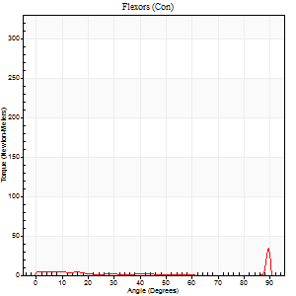
Right Side Curves Left Side Curves
Isokinetic Con/Con |  |  |  | Extensors (Con) |  | Flexors (Con)
Speed 240/240 d/s 3 Reps |  |  |  | Value | Cof Var | %BW | Value | Cof Var | %BW | Ratio

TORQUE PARAMETERS
Peak Torque (Newton-Meters - Best Repetition)
Right |  |  |  | 0 | 0 | 0 | 0 | 0 | 0 | 0
Left |  |  |  | 186 | 0.04 | 232 | 43 | 0.82 | 54 | 23
Deficit |  |  |  | 0 |  |  | 0
Work per Repetition (Newton-Meters - Best Repetition)
Right |  |  |  | 0 | 0 | 0 | 0 | 0 | 0 | 0
Left |  |  |  | 178 | 0.06 | 221 | 3 | 0.33 | 3 | 2
Deficit |  |  |  | 0 |  |  | 0
Average Power per Repetition (Watts - Best Repetition)
Right |  |  |  | 0 | 0 | 0 | 0 | 0 | 0 | 0
Left |  |  |  | 320 | 0.06 | 400 | 2 | 0.43 | 2 | 1
Deficit |  |  |  | 0 |  |  | 0
POSITION PARAMETERS
Joint Angle at Peak Torque (Degrees)
Right |  |  |  | 0 | 0 |  | 0 | 0
Left |  |  |  | 54 | 0.05 |  | 60 | 0.86
Range of Motion (Degrees)
Right |  |  |  | 0 | 0 |  | 0 | 0
Left |  |  |  | 0 | -1.41 |  | 90 | 0
TIME PARAMETERS
Time to Peak Torque (Seconds)
Right |  |  |  | 0 | 0 |  | 0 | 0
Left |  |  |  | 0.2 | 0.07 |  | 0.78 | 0.78
Time Peak Torque Held (Seconds)
Right |  |  |  | 0 | 0 |  | 0 | 0
Left |  |  |  | 0.01 | 0 |  | 0 | 0
Force Decay Time (Seconds)
Right |  |  |  | 0 | 0 |  | 0 | 0
Left |  |  |  | 0.33 | 0.05 |  | 0.44 | 1.81
Reciprocal Delay (Seconds)
Right |  |  |  | 0 | 0 |  | 0 | 0
Left |  |  |  | 0.1 | 0.28 |  | 0.44 | 0.28
Delay Time (Seconds)
Right |  |  |  | 0 | 0 |  | 0 | 0
Left |  |  |  | 0 | 0 |  | -0.07 | -0.09
HUMAC2015® Version: 15.000.0074 © Computer Sports Medicine, Inc. www.csmisolutions.com

Use File, Preference to set Report Heading
Isometric - Knee Extension/Flexion
Name: |  |  |  | TR024_113, | ID: | TR024_113 | Right/Left: | 29.10.2020 29.10.2020

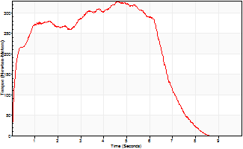
Isometric Extensors (Con) Angle 60 Time 10 Repetition 1 (Best Repetition)
 | Value | Cof Var | %BW
Peak Torque (Newton-Meters)
Right | 0 | 0 | 0
Left | 328 | 0 | 411
Deficit | 0
Average Torque (Newton-Meters)
Right | 0 | 0 | 0
Left | 195 | 0 | 244
Deficit | 0
Peak Torque Slope (Newton-Meters/Seconds)
Right | 0 | 0 | 0
Left | 71 | 0 | 88 |  | Right Side Curves Left Side Curves
Deficit | 0
Time to Half Peak Torque (Seconds)
Right | 0 | 0
Left | 0.17 | 0
Time to Peak Torque (Seconds)
Right | 0 | 0
Left | 4.63 | 0
HUMAC2015® Version: 15.000.0074 © Computer Sports Medicine, Inc. www.csmisolutions.com

Ark11
Use File, Preference to set Report Heading
Long Form Torque vs. Position Report - Knee Extension/Flexion
Name: |  |  |  | TR024_113, | ID: | TR024_113 | Right/Left: | 30.10.2020 30.10.2020
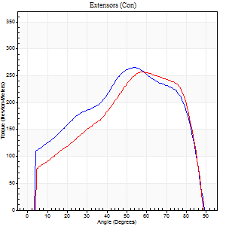
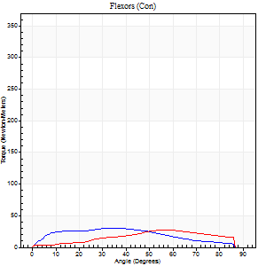
Right Side Curves Left Side Curves
Isokinetic Con/Con |  |  |  | Extensors (Con) |  | Flexors (Con)
Speed 60/60 d/s 3 Reps |  |  |  | Value | Cof Var | %BW | Value | Cof Var | %BW | Ratio

TORQUE PARAMETERS
Peak Torque (Newton-Meters - Best Repetition)
Right |  |  |  | 266 | 0.11 | 331 | 31 | 0.34 | 39 | 12
Left |  |  |  | 256 | 0.07 | 319 | 27 | 0.33 | 33 | 11
Deficit |  |  |  | 4 |  |  | 13
Work per Repetition (Newton-Meters - Best Repetition)
Right |  |  |  | 286 | 0.07 | 358 | 30 | 0.35 | 36 | 10
Left |  |  |  | 260 | 0.03 | 325 | 27 | 0.42 | 33 | 10
Deficit |  |  |  | 9 |  |  | 9
Average Power per Repetition (Watts - Best Repetition)
Right |  |  |  | 185 | 0.08 | 231 | 19 | 0.34 | 24 | 10
Left |  |  |  | 167 | 0.03 | 209 | 17 | 0.4 | 22 | 10
Deficit |  |  |  | 10 |  |  | 11
POSITION PARAMETERS
Joint Angle at Peak Torque (Degrees)
Right |  |  |  | 60 | 0.14 |  | 34 | 0.53
Left |  |  |  | 59 | 0.04 |  | 44 | 0.36
Range of Motion (Degrees)
Right |  |  |  | 0 | -0.47 |  | 90 | 0
Left |  |  |  | 0 | -0.47 |  | 90 | 0
TIME PARAMETERS
Time to Peak Torque (Seconds)
Right |  |  |  | 0.46 | 0.4 |  | 0.59 | 0.55
Left |  |  |  | 0.48 | 0.12 |  | 0.82 | 0.34
Time Peak Torque Held (Seconds)
Right |  |  |  | 0.05 | 0.29 |  | 0.05 | 0.99
Left |  |  |  | 0.03 | 0.17 |  | 0 | 0
Force Decay Time (Seconds)
Right |  |  |  | 1.01 | 0.15 |  | 0.9 | 0.37
Left |  |  |  | 1.02 | 0.04 |  | 0.76 | 0.3
Reciprocal Delay (Seconds)
Right |  |  |  | 0.08 | 0.18 |  | 0.47 | 0.35
Left |  |  |  | 0.13 | 0.05 |  | 0.49 | 0.17
Delay Time (Seconds)
Right |  |  |  | 0.01 | 0 |  | 0.02 | 1.8
Left |  |  |  | 0.03 | 0 |  | -0.02 | -0.5
HUMAC2015® Version: 15.000.0074 © Computer Sports Medicine, Inc. www.csmisolutions.com

Use File, Preference to set Report Heading
Long Form Torque vs. Position Report - Knee Extension/Flexion
Name: |  |  |  | TR024_113, | ID: | TR024_113 | Right/Left: | 30.10.2020 30.10.2020


Right Side Curves Left Side Curves
Isokinetic Con/Con |  |  |  | Extensors (Con) |  | Flexors (Con)
Speed 240/240 d/s 3 Reps |  |  |  | Value | Cof Var | %BW | Value | Cof Var | %BW | Ratio

TORQUE PARAMETERS
Peak Torque (Newton-Meters - Best Repetition)
Right |  |  |  | 184 | 0.05 | 229 | 33 | 0.65 | 42 | 18
Left |  |  |  | 194 | 0.07 | 241 | 7 | 0.07 | 9 | 3
Deficit |  |  |  | 5 |  |  | 79
Work per Repetition (Newton-Meters - Best Repetition)
Right |  |  |  | 176 | 0.08 | 221 | 7 | 0.51 | 9 | 4
Left |  |  |  | 176 | 0.06 | 221 | 3 | 0.24 | 3 | 2
Deficit |  |  |  | 0 |  |  | 60
Average Power per Repetition (Watts - Best Repetition)
Right |  |  |  | 321 | 0.07 | 400 | 9 | 0.64 | 11 | 3
Left |  |  |  | 339 | 0.07 | 424 | 2 | 0.34 | 2 | 1
Deficit |  |  |  | 5 |  |  | 78
POSITION PARAMETERS
Joint Angle at Peak Torque (Degrees)
Right |  |  |  | 49 | 0.06 |  | 61 | 0.78
Left |  |  |  | 52 | 0.02 |  | 1 | 0.84
Range of Motion (Degrees)
Right |  |  |  | 0 | 0 |  | 90 | 0.01
Left |  |  |  | 0 | 0 |  | 90 | 0.01
TIME PARAMETERS
Time to Peak Torque (Seconds)
Right |  |  |  | 0.22 | 0.03 |  | 0.55 | 0.51
Left |  |  |  | 0.19 | 0.04 |  | 0.09 | 0.48
Time Peak Torque Held (Seconds)
Right |  |  |  | 0.01 | 0.87 |  | 0 | 1.73
Left |  |  |  | 0.01 | 0.43 |  | 0 | 1.73
Force Decay Time (Seconds)
Right |  |  |  | 0.31 | 0.06 |  | 0.34 | 1.53
Left |  |  |  | 0.32 | 0.04 |  | 1.16 | 0.18
Reciprocal Delay (Seconds)
Right |  |  |  | 0.06 | 0 |  | 0.68 | 0.02
Left |  |  |  | 0.1 | 0.42 |  | 0.88 | 0.39
Delay Time (Seconds)
Right |  |  |  | -0.01 | -0.47 |  | -0.03 | -0.69
Left |  |  |  | 0.01 | 0 |  | -0.05 | -0.2
HUMAC2015® Version: 15.000.0074 © Computer Sports Medicine, Inc. www.csmisolutions.com

Use File, Preference to set Report Heading
Isometric - Knee Extension/Flexion
Name: |  |  |  | TR024_113, | ID: | TR024_113 | Right/Left: | 30.10.2020 30.10.2020


Isometric Extensors (Con) Angle 60 Time 10 Repetition 1 (Best Repetition)
 | Value | Cof Var | %BW
Peak Torque (Newton-Meters)
Right | 361 | 0 | 450
Left | 312 | 0 | 390
Deficit | 14
Average Torque (Newton-Meters)
Right | 240 | 0 | 301
Left | 149 | 0 | 185
Deficit | 38
Peak Torque Slope (Newton-Meters/Seconds)
Right | 74 | 0 | 92
Left | 74 | 0 | 92 |  | Right Side Curves Left Side Curves
Deficit | 1
Time to Half Peak Torque (Seconds)
Right | 0.31 | 0
Left | 0.23 | 0
Time to Peak Torque (Seconds)
Right | 4.88 | 0
Left | 4.2 | 0
HUMAC2015® Version: 15.000.0074 © Computer Sports Medicine, Inc. www.csmisolutions.com

Ark12
Use File, Preference to set Report Heading
Long Form Torque vs. Position Report - Knee Extension/Flexion
Name: |  |  |  | TR024_113, | ID: | TR024_113 | Right/Left: | 30.10.2020 30.10.2020


Right Side Curves Left Side Curves
Isokinetic Con/Con |  |  |  | Extensors (Con) |  | Flexors (Con)
Speed 60/60 d/s 3 Reps |  |  |  | Value | Cof Var | %BW | Value | Cof Var | %BW | Ratio

TORQUE PARAMETERS
Peak Torque (Newton-Meters - Best Repetition)
Right |  |  |  | 245 | 0.08 | 307 | 27 | 0.19 | 33 | 11
Left |  |  |  | 0 | 0 | 0 | 0 | 0 | 0 | 0
Deficit |  |  |  | 0 |  |  | 0
Work per Repetition (Newton-Meters - Best Repetition)
Right |  |  |  | 281 | 0.06 | 352 | 27 | 0.34 | 33 | 10
Left |  |  |  | 0 | 0 | 0 | 0 | 0 | 0 | 0
Deficit |  |  |  | 0 |  |  | 0
Average Power per Repetition (Watts - Best Repetition)
Right |  |  |  | 185 | 0.08 | 231 | 16 | 0.29 | 20 | 9
Left |  |  |  | 0 | 0 | 0 | 0 | 0 | 0 | 0
Deficit |  |  |  | 0 |  |  | 0
POSITION PARAMETERS
Joint Angle at Peak Torque (Degrees)
Right |  |  |  | 50 | 0.1 |  | 53 | 0.66
Left |  |  |  | 0 | 0 |  | 0 | 0
Range of Motion (Degrees)
Right |  |  |  | 0 | 1.41 |  | 90 | 0
Left |  |  |  | 0 | 0 |  | 0 | 0
TIME PARAMETERS
Time to Peak Torque (Seconds)
Right |  |  |  | 0.67 | 0.17 |  | 0.95 | 0.64
Left |  |  |  | 0 | 0 |  | 0 | 0
Time Peak Torque Held (Seconds)
Right |  |  |  | 0.07 | 0.44 |  | 0.03 | 0.88
Left |  |  |  | 0 | 0 |  | 0 | 0
Force Decay Time (Seconds)
Right |  |  |  | 0.82 | 0.07 |  | 0.58 | 0.87
Left |  |  |  | 0 | 0 |  | 0 | 0
Reciprocal Delay (Seconds)
Right |  |  |  | 0.12 | 0.17 |  | 0.62 | 0.43
Left |  |  |  | 0 | 0 |  | 0 | 0
Delay Time (Seconds)
Right |  |  |  | 0.03 | 0 |  | -0.03 | -0.57
Left |  |  |  | 0 | 0 |  | 0 | 0
HUMAC2015® Version: 15.000.0074 © Computer Sports Medicine, Inc. www.csmisolutions.com

Use File, Preference to set Report Heading
Long Form Torque vs. Position Report - Knee Extension/Flexion
Name: |  |  |  | TR024_113, | ID: | TR024_113 | Right/Left: | 30.10.2020 30.10.2020


Right Side Curves Left Side Curves
Isokinetic Con/Con |  |  |  | Extensors (Con) |  | Flexors (Con)
Speed 240/240 d/s 3 Reps |  |  |  | Value | Cof Var | %BW | Value | Cof Var | %BW | Ratio

TORQUE PARAMETERS
Peak Torque (Newton-Meters - Best Repetition)
Right |  |  |  | 175 | 0.06 | 218 | 28 | 0.98 | 36 | 16
Left |  |  |  | 0 | 0 | 0 | 0 | 0 | 0 | 0
Deficit |  |  |  | 0 |  |  | 0
Work per Repetition (Newton-Meters - Best Repetition)
Right |  |  |  | 165 | 0.13 | 206 | 4 | 0.45 | 6 | 2
Left |  |  |  | 0 | 0 | 0 | 0 | 0 | 0 | 0
Deficit |  |  |  | 0 |  |  | 0
Average Power per Repetition (Watts - Best Repetition)
Right |  |  |  | 302 | 0.15 | 378 | 5 | 0.57 | 7 | 2
Left |  |  |  | 0 | 0 | 0 | 0 | 0 | 0 | 0
Deficit |  |  |  | 0 |  |  | 0
POSITION PARAMETERS
Joint Angle at Peak Torque (Degrees)
Right |  |  |  | 55 | 0.07 |  | 33 | 1.52
Left |  |  |  | 0 | 0 |  | 0 | 0
Range of Motion (Degrees)
Right |  |  |  | 0 | -0.47 |  | 90 | 0
Left |  |  |  | 0 | 0 |  | 0 | 0
TIME PARAMETERS
Time to Peak Torque (Seconds)
Right |  |  |  | 0.2 | 0.07 |  | 0.42 | 1.02
Left |  |  |  | 0 | 0 |  | 0 | 0
Time Peak Torque Held (Seconds)
Right |  |  |  | 0.01 | 0 |  | 0 | 1.73
Left |  |  |  | 0 | 0 |  | 0 | 0
Force Decay Time (Seconds)
Right |  |  |  | 0.34 | 0.09 |  | 0.55 | 1
Left |  |  |  | 0 | 0 |  | 0 | 0
Reciprocal Delay (Seconds)
Right |  |  |  | 0.11 | 0.47 |  | 0.67 | 0.18
Left |  |  |  | 0 | 0 |  | 0 | 0
Delay Time (Seconds)
Right |  |  |  | -0.01 | 0 |  | -0.05 | -0.11
Left |  |  |  | 0 | 0 |  | 0 | 0
HUMAC2015® Version: 15.000.0074 © Computer Sports Medicine, Inc. www.csmisolutions.com

Use File, Preference to set Report Heading
Isometric - Knee Extension/Flexion
Name: |  |  |  | TR024_113, | ID: | TR024_113 | Right/Left: | 30.10.2020 30.10.2020


Isometric Extensors (Con) Angle 60 Time 10 Repetition 1 (Best Repetition)
 | Value | Cof Var | %BW
Peak Torque (Newton-Meters)
Right | 355 | 0 | 444
Left | 0 | 0 | 0
Deficit | 0
Average Torque (Newton-Meters)
Right | 237 | 0 | 295
Left | 0 | 0 | 0
Deficit | 0
Peak Torque Slope (Newton-Meters/Seconds)
Right | 68 | 0 | 85
Left | 0 | 0 | 0 |  | Right Side Curves Left Side Curves
Deficit | 0
Time to Half Peak Torque (Seconds)
Right | 0.24 | 0
Left | 0 | 0
Time to Peak Torque (Seconds)
Right | 5.22 | 0
Left | 0 | 0
HUMAC2015® Version: 15.000.0074 © Computer Sports Medicine, Inc. www.csmisolutions.com

Ark13
Use File, Preference to set Report Heading
Long Form Torque vs. Position Report - Knee Extension/Flexion
Name: |  |  |  | TR024_113, | ID: | TR024_113 | Right/Left: | 30.10.2020 30.10.2020


Right Side Curves Left Side Curves
Isokinetic Con/Con |  |  |  | Extensors (Con) |  | Flexors (Con)
Speed 60/60 d/s 3 Reps |  |  |  | Value | Cof Var | %BW | Value | Cof Var | %BW | Ratio

TORQUE PARAMETERS
Peak Torque (Newton-Meters - Best Repetition)
Right |  |  |  | 248 | 0.03 | 310 | 28 | 0.27 | 36 | 11
Left |  |  |  | 0 | 0 | 0 | 0 | 0 | 0 | 0
Deficit |  |  |  | 0 |  |  | 0
Work per Repetition (Newton-Meters - Best Repetition)
Right |  |  |  | 278 | 0.01 | 346 | 27 | 0.34 | 33 | 10
Left |  |  |  | 0 | 0 | 0 | 0 | 0 | 0 | 0
Deficit |  |  |  | 0 |  |  | 0
Average Power per Repetition (Watts - Best Repetition)
Right |  |  |  | 179 | 0.03 | 224 | 17 | 0.33 | 22 | 9
Left |  |  |  | 0 | 0 | 0 | 0 | 0 | 0 | 0
Deficit |  |  |  | 0 |  |  | 0
POSITION PARAMETERS
Joint Angle at Peak Torque (Degrees)
Right |  |  |  | 61 | 0.04 |  | 31 | 0.5
Left |  |  |  | 0 | 0 |  | 0 | 0
Range of Motion (Degrees)
Right |  |  |  | 0 | 0 |  | 90 | 0
Left |  |  |  | 0 | 0 |  | 0 | 0
TIME PARAMETERS
Time to Peak Torque (Seconds)
Right |  |  |  | 0.49 | 0.07 |  | 0.58 | 0.47
Left |  |  |  | 0 | 0 |  | 0 | 0
Time Peak Torque Held (Seconds)
Right |  |  |  | 0.08 | 0.27 |  | 0.04 | 0.93
Left |  |  |  | 0 | 0 |  | 0 | 0
Force Decay Time (Seconds)
Right |  |  |  | 1 | 0.07 |  | 0.96 | 0.28
Left |  |  |  | 0 | 0 |  | 0 | 0
Reciprocal Delay (Seconds)
Right |  |  |  | 0.11 | 0.39 |  | 0.52 | 0.26
Left |  |  |  | 0 | 0 |  | 0 | 0
Delay Time (Seconds)
Right |  |  |  | 0.02 | 0 |  | -0.01 | -1.73
Left |  |  |  | 0 | 0 |  | 0 | 0
HUMAC2015® Version: 15.000.0074 © Computer Sports Medicine, Inc. www.csmisolutions.com

Use File, Preference to set Report Heading
Long Form Torque vs. Position Report - Knee Extension/Flexion
Name: |  |  |  | TR024_113, | ID: | TR024_113 | Right/Left: | 30.10.2020 30.10.2020


Right Side Curves Left Side Curves
Isokinetic Con/Con |  |  |  | Extensors (Con) |  | Flexors (Con)
Speed 240/240 d/s 3 Reps |  |  |  | Value | Cof Var | %BW | Value | Cof Var | %BW | Ratio

TORQUE PARAMETERS
Peak Torque (Newton-Meters - Best Repetition)
Right |  |  |  | 179 | 0.07 | 224 | 34 | 0.61 | 42 | 19
Left |  |  |  | 0 | 0 | 0 | 0 | 0 | 0 | 0
Deficit |  |  |  | 0 |  |  | 0
Work per Repetition (Newton-Meters - Best Repetition)
Right |  |  |  | 171 | 0.08 | 215 | 4 | 0.35 | 6 | 2
Left |  |  |  | 0 | 0 | 0 | 0 | 0 | 0 | 0
Deficit |  |  |  | 0 |  |  | 0
Average Power per Repetition (Watts - Best Repetition)
Right |  |  |  | 315 | 0.08 | 393 | 5 | 0.45 | 7 | 2
Left |  |  |  | 0 | 0 | 0 | 0 | 0 | 0 | 0
Deficit |  |  |  | 0 |  |  | 0
POSITION PARAMETERS
Joint Angle at Peak Torque (Degrees)
Right |  |  |  | 55 | 0.03 |  | 61 | 0.8
Left |  |  |  | 0 | 0 |  | 0 | 0
Range of Motion (Degrees)
Right |  |  |  | 0 | 0 |  | 90 | 0
Left |  |  |  | 0 | 0 |  | 0 | 0
TIME PARAMETERS
Time to Peak Torque (Seconds)
Right |  |  |  | 0.19 | 0.04 |  | 0.65 | 0.62
Left |  |  |  | 0 | 0 |  | 0 | 0
Time Peak Torque Held (Seconds)
Right |  |  |  | 0.01 | 0.43 |  | 0 | 0
Left |  |  |  | 0 | 0 |  | 0 | 0
Force Decay Time (Seconds)
Right |  |  |  | 0.33 | 0.02 |  | 0.28 | 1.89
Left |  |  |  | 0 | 0 |  | 0 | 0
Reciprocal Delay (Seconds)
Right |  |  |  | 0.1 | 0.71 |  | 0.62 | 0.08
Left |  |  |  | 0 | 0 |  | 0 | 0
Delay Time (Seconds)
Right |  |  |  | 0 | -1.41 |  | -0.04 | -0.13
Left |  |  |  | 0 | 0 |  | 0 | 0
HUMAC2015® Version: 15.000.0074 © Computer Sports Medicine, Inc. www.csmisolutions.com

Use File, Preference to set Report Heading
Isometric - Knee Extension/Flexion
Name: |  |  |  | TR024_113, | ID: | TR024_113 | Right/Left: | 30.10.2020 30.10.2020


Isometric Extensors (Con) Angle 60 Time 10 Repetition 1 (Best Repetition)
 | Value | Cof Var | %BW
Peak Torque (Newton-Meters)
Right | 369 | 0 | 462
Left | 0 | 0 | 0
Deficit | 0
Average Torque (Newton-Meters)
Right | 226 | 0 | 283
Left | 0 | 0 | 0
Deficit | 0
Peak Torque Slope (Newton-Meters/Seconds)
Right | 69 | 0 | 86
Left | 0 | 0 | 0 |  | Right Side Curves Left Side Curves
Deficit | 0
Time to Half Peak Torque (Seconds)
Right | 0.26 | 0
Left | 0 | 0
Time to Peak Torque (Seconds)
Right | 5.33 | 0
Left | 0 | 0
HUMAC2015® Version: 15.000.0074 © Computer Sports Medicine, Inc. www.csmisolutions.com

Ark14
Use File, Preference to set Report Heading
Long Form Torque vs. Position Report - Knee Extension/Flexion
Name: |  |  |  | TR024_113, | ID: | TR024_113 | Right/Left: | 31.10.2020 31.10.2020


Right Side Curves Left Side Curves
Isokinetic Con/Con |  |  |  | Extensors (Con) |  | Flexors (Con)
Speed 60/60 d/s 3 Reps |  |  |  | Value | Cof Var | %BW | Value | Cof Var | %BW | Ratio

TORQUE PARAMETERS
Peak Torque (Newton-Meters - Best Repetition)
Right |  |  |  | 251 | 0.1 | 313 | 26 | 0.31 | 33 | 10
Left |  |  |  | 0 | 0 | 0 | 0 | 0 | 0 | 0
Deficit |  |  |  | 0 |  |  | 0
Work per Repetition (Newton-Meters - Best Repetition)
Right |  |  |  | 274 | 0.08 | 343 | 33 | 0.43 | 42 | 12
Left |  |  |  | 0 | 0 | 0 | 0 | 0 | 0 | 0
Deficit |  |  |  | 0 |  |  | 0
Average Power per Repetition (Watts - Best Repetition)
Right |  |  |  | 175 | 0.08 | 218 | 20 | 0.42 | 24 | 11
Left |  |  |  | 0 | 0 | 0 | 0 | 0 | 0 | 0
Deficit |  |  |  | 0 |  |  | 0
POSITION PARAMETERS
Joint Angle at Peak Torque (Degrees)
Right |  |  |  | 60 | 0.04 |  | 40 | 0.2
Left |  |  |  | 0 | 0 |  | 0 | 0
Range of Motion (Degrees)
Right |  |  |  | 0 | 0 |  | 90 | 0
Left |  |  |  | 0 | 0 |  | 0 | 0
TIME PARAMETERS
Time to Peak Torque (Seconds)
Right |  |  |  | 0.51 | 0.04 |  | 0.72 | 0.18
Left |  |  |  | 0 | 0 |  | 0 | 0
Time Peak Torque Held (Seconds)
Right |  |  |  | 0.04 | 0.31 |  | 0.02 | 1.73
Left |  |  |  | 0 | 0 |  | 0 | 0
Force Decay Time (Seconds)
Right |  |  |  | 1.02 | 0.03 |  | 0.84 | 0.14
Left |  |  |  | 0 | 0 |  | 0 | 0
Reciprocal Delay (Seconds)
Right |  |  |  | 0.14 | 0.47 |  | 0.62 | 0.31
Left |  |  |  | 0 | 0 |  | 0 | 0
Delay Time (Seconds)
Right |  |  |  | 0.02 | 0.71 |  | 0.01 | 1.15
Left |  |  |  | 0 | 0 |  | 0 | 0
HUMAC2015® Version: 15.000.0074 © Computer Sports Medicine, Inc. www.csmisolutions.com

Use File, Preference to set Report Heading
Long Form Torque vs. Position Report - Knee Extension/Flexion
Name: |  |  |  | TR024_113, | ID: | TR024_113 | Right/Left: | 31.10.2020 31.10.2020


Right Side Curves Left Side Curves
Isokinetic Con/Con |  |  |  | Extensors (Con) |  | Flexors (Con)
Speed 240/240 d/s 3 Reps |  |  |  | Value | Cof Var | %BW | Value | Cof Var | %BW | Ratio

TORQUE PARAMETERS
Peak Torque (Newton-Meters - Best Repetition)
Right |  |  |  | 190 | 0.04 | 238 | 39 | 1.04 | 48 | 21
Left |  |  |  | 0 | 0 | 0 | 0 | 0 | 0 | 0
Deficit |  |  |  | 0 |  |  | 0
Work per Repetition (Newton-Meters - Best Repetition)
Right |  |  |  | 176 | 0.05 | 221 | 8 | 0.63 | 9 | 5
Left |  |  |  | 0 | 0 | 0 | 0 | 0 | 0 | 0
Deficit |  |  |  | 0 |  |  | 0
Average Power per Repetition (Watts - Best Repetition)
Right |  |  |  | 332 | 0.06 | 415 | 10 | 0.76 | 13 | 3
Left |  |  |  | 0 | 0 | 0 | 0 | 0 | 0 | 0
Deficit |  |  |  | 0 |  |  | 0
POSITION PARAMETERS
Joint Angle at Peak Torque (Degrees)
Right |  |  |  | 53 | 0.03 |  | 32 | 1.54
Left |  |  |  | 0 | 0 |  | 0 | 0
Range of Motion (Degrees)
Right |  |  |  | 0 | 0 |  | 90 | 0
Left |  |  |  | 0 | 0 |  | 0 | 0
TIME PARAMETERS
Time to Peak Torque (Seconds)
Right |  |  |  | 0.2 | 0.07 |  | 0.32 | 0.97
Left |  |  |  | 0 | 0 |  | 0 | 0
Time Peak Torque Held (Seconds)
Right |  |  |  | 0.02 | 0.69 |  | 0.03 | 1.45
Left |  |  |  | 0 | 0 |  | 0 | 0
Force Decay Time (Seconds)
Right |  |  |  | 0.31 | 0.05 |  | 0.53 | 0.8
Left |  |  |  | 0 | 0 |  | 0 | 0
Reciprocal Delay (Seconds)
Right |  |  |  | 0.06 | 0.33 |  | 0.91 | 0.21
Left |  |  |  | 0 | 0 |  | 0 | 0
Delay Time (Seconds)
Right |  |  |  | 0 | -1.41 |  | -0.04 | -0.25
Left |  |  |  | 0 | 0 |  | 0 | 0
HUMAC2015® Version: 15.000.0074 © Computer Sports Medicine, Inc. www.csmisolutions.com

Use File, Preference to set Report Heading
Isometric - Knee Extension/Flexion
Name: |  |  |  | TR024_113, | ID: | TR024_113 | Right/Left: | 31.10.2020 31.10.2020


Isometric Extensors (Con) Angle 60 Time 10 Repetition 1 (Best Repetition)
 | Value | Cof Var | %BW
Peak Torque (Newton-Meters)
Right | 393 | 0 | 492
Left | 0 | 0 | 0
Deficit | 0
Average Torque (Newton-Meters)
Right | 258 | 0 | 322
Left | 0 | 0 | 0
Deficit | 0
Peak Torque Slope (Newton-Meters/Seconds)
Right | 75 | 0 | 94
Left | 0 | 0 | 0 |  | Right Side Curves Left Side Curves
Deficit | 0
Time to Half Peak Torque (Seconds)
Right | 0.23 | 0
Left | 0 | 0
Time to Peak Torque (Seconds)
Right | 5.22 | 0
Left | 0 | 0
HUMAC2015® Version: 15.000.0074 © Computer Sports Medicine, Inc. www.csmisolutions.com

