Ark1
Use File, Preference to set Report Heading
Long Form Torque vs. Position Report - Knee Extension/Flexion
Name: |  |  |  | TR024_114, | ID: | TR024_114 | Right/Left: | 12.10.2020 12.10.2020
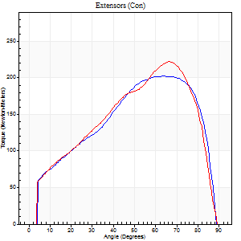
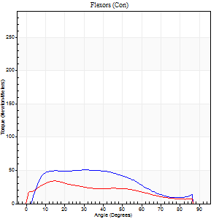
Right Side Curves Left Side Curves
Isokinetic Con/Con |  |  |  | Extensors (Con) |  | Flexors (Con)
Speed 60/60 d/s 3 Reps |  |  |  | Value | Cof Var | %BW | Value | Cof Var | %BW | Ratio

TORQUE PARAMETERS
Peak Torque (Newton-Meters - Best Repetition)
Right |  |  |  | 202 | 0.03 | 253 | 50 | 0.5 | 63 | 25
Left |  |  |  | 222 | 0.06 | 277 | 34 | 0.13 | 42 | 15
Deficit |  |  |  | 9 |  |  | 32
Work per Repetition (Newton-Meters - Best Repetition)
Right |  |  |  | 213 | 0.01 | 265 | 50 | 0.48 | 63 | 24
Left |  |  |  | 216 | 0.06 | 268 | 31 | 0.04 | 39 | 14
Deficit |  |  |  | 1 |  |  | 38
Average Power per Repetition (Watts - Best Repetition)
Right |  |  |  | 142 | 0.04 | 178 | 33 | 0.46 | 42 | 23
Left |  |  |  | 140 | 0.06 | 176 | 20 | 0.04 | 24 | 14
Deficit |  |  |  | 1 |  |  | 39
POSITION PARAMETERS
Joint Angle at Peak Torque (Degrees)
Right |  |  |  | 66 | 0.11 |  | 24 | 0.42
Left |  |  |  | 68 | 0.02 |  | 25 | 0.6
Range of Motion (Degrees)
Right |  |  |  | 0 | 1.41 |  | 91 | 0
Left |  |  |  | 0 | 0 |  | 90 | 0
TIME PARAMETERS
Time to Peak Torque (Seconds)
Right |  |  |  | 0.34 | 0.33 |  | 0.36 | 0.47
Left |  |  |  | 0.37 | 0.04 |  | 0.45 | 0.51
Time Peak Torque Held (Seconds)
Right |  |  |  | 0.06 | 0.54 |  | 0.18 | 1.08
Left |  |  |  | 0.04 | 0.16 |  | 0.01 | 1.73
Force Decay Time (Seconds)
Right |  |  |  | 1.07 | 0.14 |  | 0.93 | 0.39
Left |  |  |  | 1.13 | 0.01 |  | 1.08 | 0.2
Reciprocal Delay (Seconds)
Right |  |  |  | 0.22 | 0.06 |  | 0.15 | 0.32
Left |  |  |  | 0.22 | 0.19 |  | 0.21 | 0
Delay Time (Seconds)
Right |  |  |  | 0.04 | 0.2 |  | 0.06 | 0.1
Left |  |  |  | 0.02 | 0 |  | -0.01 | -3.46
HUMAC2015® Version: 15.000.0074 © Computer Sports Medicine, Inc. www.csmisolutions.com

Use File, Preference to set Report Heading
Long Form Torque vs. Position Report - Knee Extension/Flexion
Name: |  |  |  | TR024_114, | ID: | TR024_114 | Right/Left: | 12.10.2020 12.10.2020
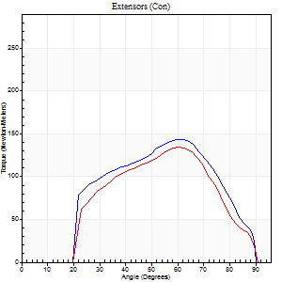
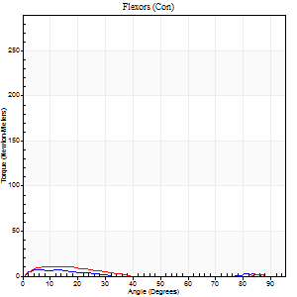
Right Side Curves Left Side Curves
Isokinetic Con/Con |  |  |  | Extensors (Con) |  | Flexors (Con)
Speed 240/240 d/s 3 Reps |  |  |  | Value | Cof Var | %BW | Value | Cof Var | %BW | Ratio

TORQUE PARAMETERS
Peak Torque (Newton-Meters - Best Repetition)
Right |  |  |  | 144 | 0.04 | 179 | 7 | 0.12 | 9 | 5
Left |  |  |  | 136 | 0.05 | 170 | 11 | 0.2 | 15 | 8
Deficit |  |  |  | 6 |  |  | 38
Work per Repetition (Newton-Meters - Best Repetition)
Right |  |  |  | 129 | 0.03 | 161 | 3 | 0.14 | 3 | 2
Left |  |  |  | 115 | 0.05 | 143 | 5 | 0.33 | 6 | 5
Deficit |  |  |  | 11 |  |  | 50
Average Power per Repetition (Watts - Best Repetition)
Right |  |  |  | 257 | 0.04 | 321 | 2 | 0.19 | 2 | 1
Left |  |  |  | 225 | 0.04 | 281 | 5 | 0.39 | 7 | 2
Deficit |  |  |  | 12 |  |  | 60
POSITION PARAMETERS
Joint Angle at Peak Torque (Degrees)
Right |  |  |  | 64 | 0.02 |  | 8 | 0.43
Left |  |  |  | 62 | 0.03 |  | 12 | 0.27
Range of Motion (Degrees)
Right |  |  |  | 1 | 0.26 |  | 90 | 0
Left |  |  |  | 1 | 0.2 |  | 90 | 0
TIME PARAMETERS
Time to Peak Torque (Seconds)
Right |  |  |  | 0.16 | 0.04 |  | 0.12 | 0.26
Left |  |  |  | 0.19 | 0.11 |  | 0.19 | 0.05
Time Peak Torque Held (Seconds)
Right |  |  |  | 0.01 | 0.87 |  | 0 | 0
Left |  |  |  | 0 | 1.73 |  | 0 | 1.73
Force Decay Time (Seconds)
Right |  |  |  | 0.31 | 0.02 |  | 1.11 | 0.04
Left |  |  |  | 0.31 | 0.02 |  | 0.89 | 0.08
Reciprocal Delay (Seconds)
Right |  |  |  | 0.33 | 0.39 |  | 0.08 | 0.2
Left |  |  |  | 0.59 | 0.06 |  | 0.09 | 0.44
Delay Time (Seconds)
Right |  |  |  | 0 | -1.41 |  | -0.01 | -0.87
Left |  |  |  | -0.01 | -0.47 |  | -0.03 | -0.33
HUMAC2015® Version: 15.000.0074 © Computer Sports Medicine, Inc. www.csmisolutions.com

Use File, Preference to set Report Heading
Isometric - Knee Extension/Flexion
Name: |  |  |  | TR024_114, | ID: | TR024_114 | Right/Left: | 12.10.2020 12.10.2020

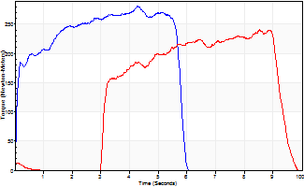
Isometric Extensors (Con) Angle 60 Time 10 Repetition 1 (Best Repetition)
 | Value | Cof Var | %BW
Peak Torque (Newton-Meters)
Right | 281 | 0 | 352
Left | 240 | 0 | 301
Deficit | 14
Average Torque (Newton-Meters)
Right | 140 | 0 | 176
Left | 129 | 0 | 161
Deficit | 8
Peak Torque Slope (Newton-Meters/Seconds)
Right | 66 | 0 | 82
Left | 28 | 0 | 35 |  | Right Side Curves Left Side Curves
Deficit | 57
Time to Half Peak Torque (Seconds)
Right | 0.1 | 0
Left | 3.14 | 0
Time to Peak Torque (Seconds)
Right | 4.26 | 0
Left | 8.51 | 0
HUMAC2015® Version: 15.000.0074 © Computer Sports Medicine, Inc. www.csmisolutions.com

Ark2
Use File, Preference to set Report Heading
Long Form Torque vs. Position Report - Knee Extension/Flexion
Name: |  |  |  | TR024_114, | ID: | TR024_114 | Right/Left: | 14.10.2020 14.10.2020
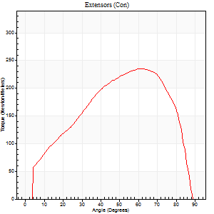
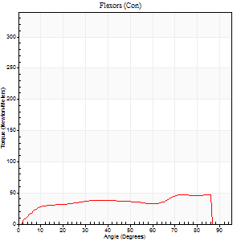
Right Side Curves Left Side Curves
Isokinetic Con/Con |  |  |  | Extensors (Con) |  | Flexors (Con)
Speed 60/60 d/s 3 Reps |  |  |  | Value | Cof Var | %BW | Value | Cof Var | %BW | Ratio

TORQUE PARAMETERS
Peak Torque (Newton-Meters - Best Repetition)
Right |  |  |  | 0 | 0 | 0 | 0 | 0 | 0 | 0
Left |  |  |  | 235 | 0.03 | 292 | 47 | 0.23 | 60 | 20
Deficit |  |  |  | 0 |  |  | 0
Work per Repetition (Newton-Meters - Best Repetition)
Right |  |  |  | 0 | 0 | 0 | 0 | 0 | 0 | 0
Left |  |  |  | 244 | 0.03 | 304 | 53 | 0.23 | 66 | 22
Deficit |  |  |  | 0 |  |  | 0
Average Power per Repetition (Watts - Best Repetition)
Right |  |  |  | 0 | 0 | 0 | 0 | 0 | 0 | 0
Left |  |  |  | 160 | 0.02 | 200 | 35 | 0.21 | 44 | 22
Deficit |  |  |  | 0 |  |  | 0
POSITION PARAMETERS
Joint Angle at Peak Torque (Degrees)
Right |  |  |  | 0 | 0 |  | 0 | 0
Left |  |  |  | 62 | 0.04 |  | 47 | 0.5
Range of Motion (Degrees)
Right |  |  |  | 0 | 0 |  | 0 | 0
Left |  |  |  | 0 | 0.81 |  | 90 | 0
TIME PARAMETERS
Time to Peak Torque (Seconds)
Right |  |  |  | 0 | 0 |  | 0 | 0
Left |  |  |  | 0.46 | 0 |  | 0.77 | 0.49
Time Peak Torque Held (Seconds)
Right |  |  |  | 0 | 0 |  | 0 | 0
Left |  |  |  | 0.08 | 0.4 |  | 0.03 | 0.58
Force Decay Time (Seconds)
Right |  |  |  | 0 | 0 |  | 0 | 0
Left |  |  |  | 0.98 | 0.07 |  | 0.69 | 0.51
Reciprocal Delay (Seconds)
Right |  |  |  | 0 | 0 |  | 0 | 0
Left |  |  |  | 0.12 | 0.06 |  | 0.11 | 0.44
Delay Time (Seconds)
Right |  |  |  | 0 | 0 |  | 0 | 0
Left |  |  |  | 0.04 | 0.35 |  | 0.02 | 0.65
HUMAC2015® Version: 15.000.0074 © Computer Sports Medicine, Inc. www.csmisolutions.com

Use File, Preference to set Report Heading
Long Form Torque vs. Position Report - Knee Extension/Flexion
Name: |  |  |  | TR024_114, | ID: | TR024_114 | Right/Left: | 14.10.2020 14.10.2020
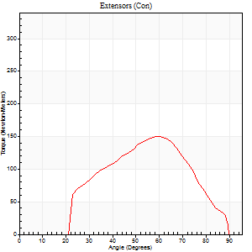
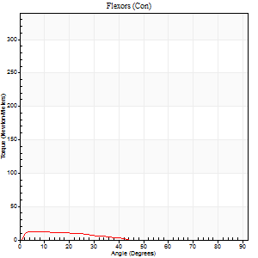
Right Side Curves Left Side Curves
Isokinetic Con/Con |  |  |  | Extensors (Con) |  | Flexors (Con)
Speed 240/240 d/s 3 Reps |  |  |  | Value | Cof Var | %BW | Value | Cof Var | %BW | Ratio

TORQUE PARAMETERS
Peak Torque (Newton-Meters - Best Repetition)
Right |  |  |  | 0 | 0 | 0 | 0 | 0 | 0 | 0
Left |  |  |  | 151 | 0.04 | 188 | 12 | 0.14 | 15 | 8
Deficit |  |  |  | 0 |  |  | 0
Work per Repetition (Newton-Meters - Best Repetition)
Right |  |  |  | 0 | 0 | 0 | 0 | 0 | 0 | 0
Left |  |  |  | 127 | 0.04 | 158 | 7 | 0.63 | 9 | 5
Deficit |  |  |  | 0 |  |  | 0
Average Power per Repetition (Watts - Best Repetition)
Right |  |  |  | 0 | 0 | 0 | 0 | 0 | 0 | 0
Left |  |  |  | 266 | 0.05 | 332 | 11 | 0.99 | 13 | 4
Deficit |  |  |  | 0 |  |  | 0
POSITION PARAMETERS
Joint Angle at Peak Torque (Degrees)
Right |  |  |  | 0 | 0 |  | 0 | 0
Left |  |  |  | 60 | 0.01 |  | 4 | 0.58
Range of Motion (Degrees)
Right |  |  |  | 0 | 0 |  | 0 | 0
Left |  |  |  | 1 | 0.03 |  | 90 | 0
TIME PARAMETERS
Time to Peak Torque (Seconds)
Right |  |  |  | 0 | 0 |  | 0 | 0
Left |  |  |  | 0.17 | 0 |  | 0.07 | 0.44
Time Peak Torque Held (Seconds)
Right |  |  |  | 0 | 0 |  | 0 | 0
Left |  |  |  | 0.01 | 0 |  | 0.01 | 1.15
Force Decay Time (Seconds)
Right |  |  |  | 0 | 0 |  | 0 | 0
Left |  |  |  | 0.29 | 0 |  | 0.83 | 0.44
Reciprocal Delay (Seconds)
Right |  |  |  | 0 | 0 |  | 0 | 0
Left |  |  |  | 0.43 | 0.13 |  | 0.06 | 0.1
Delay Time (Seconds)
Right |  |  |  | 0 | 0 |  | 0 | 0
Left |  |  |  | 0 | 1.41 |  | -0.03 | -0.22
HUMAC2015® Version: 15.000.0074 © Computer Sports Medicine, Inc. www.csmisolutions.com

Use File, Preference to set Report Heading
Isometric - Knee Extension/Flexion
Name: |  |  |  | TR024_114, | ID: | TR024_114 | Right/Left: | 14.10.2020 14.10.2020

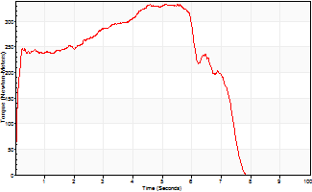
Isometric Extensors (Con) Angle 60 Time 10 Repetition 1 (Best Repetition)
 | Value | Cof Var | %BW
Peak Torque (Newton-Meters)
Right | 0 | 0 | 0
Left | 334 | 0 | 417
Deficit | 0
Average Torque (Newton-Meters)
Right | 0 | 0 | 0
Left | 198 | 0 | 247
Deficit | 0
Peak Torque Slope (Newton-Meters/Seconds)
Right | 0 | 0 | 0
Left | 61 | 0 | 76 |  | Right Side Curves Left Side Curves
Deficit | 0
Time to Half Peak Torque (Seconds)
Right | 0 | 0
Left | 0.1 | 0
Time to Peak Torque (Seconds)
Right | 0 | 0
Left | 5.5 | 0
HUMAC2015® Version: 15.000.0074 © Computer Sports Medicine, Inc. www.csmisolutions.com

Ark3
Use File, Preference to set Report Heading
Long Form Torque vs. Position Report - Knee Extension/Flexion
Name: |  |  |  | TR024_114, | ID: | TR024_114 | Right/Left: | 18.10.2020 18.10.2020
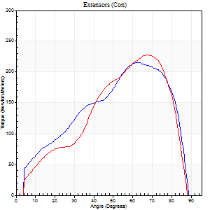
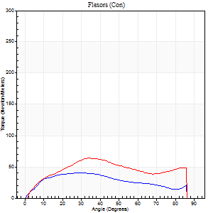
Right Side Curves Left Side Curves
Isokinetic Con/Con |  |  |  | Extensors (Con) |  | Flexors (Con)
Speed 60/60 d/s 3 Reps |  |  |  | Value | Cof Var | %BW | Value | Cof Var | %BW | Ratio

TORQUE PARAMETERS
Peak Torque (Newton-Meters - Best Repetition)
Right |  |  |  | 216 | 0.08 | 268 | 41 | 0.27 | 51 | 19
Left |  |  |  | 228 | 0.2 | 283 | 64 | 0.4 | 80 | 28
Deficit |  |  |  | 5 |  |  | 36
Work per Repetition (Newton-Meters - Best Repetition)
Right |  |  |  | 218 | 0.06 | 271 | 41 | 0.33 | 51 | 19
Left |  |  |  | 199 | 0.13 | 250 | 68 | 0.39 | 83 | 34
Deficit |  |  |  | 9 |  |  | 40
Average Power per Repetition (Watts - Best Repetition)
Right |  |  |  | 145 | 0.07 | 180 | 26 | 0.31 | 33 | 18
Left |  |  |  | 133 | 0.14 | 167 | 44 | 0.38 | 55 | 33
Deficit |  |  |  | 8 |  |  | 41
POSITION PARAMETERS
Joint Angle at Peak Torque (Degrees)
Right |  |  |  | 61 | 0.04 |  | 25 | 0.36
Left |  |  |  | 70 | 0.07 |  | 51 | 0.61
Range of Motion (Degrees)
Right |  |  |  | 1 | 0.06 |  | 90 | 0
Left |  |  |  | 0 | 0.18 |  | 90 | 0
TIME PARAMETERS
Time to Peak Torque (Seconds)
Right |  |  |  | 0.44 | 0.02 |  | 0.42 | 0.37
Left |  |  |  | 0.34 | 0.02 |  | 0.85 | 0.59
Time Peak Torque Held (Seconds)
Right |  |  |  | 0.05 | 0.35 |  | 0.02 | 1.32
Left |  |  |  | 0.03 | 0.22 |  | 0.04 | 0.9
Force Decay Time (Seconds)
Right |  |  |  | 0.98 | 0.04 |  | 1.09 | 0.12
Left |  |  |  | 1.16 | 0.07 |  | 0.63 | 0.74
Reciprocal Delay (Seconds)
Right |  |  |  | 0.19 | 0.15 |  | 0.17 | 0.23
Left |  |  |  | 0.14 | 0.3 |  | 0.08 | 0.28
Delay Time (Seconds)
Right |  |  |  | 0.02 | 0.28 |  | 0.03 | 1.21
Left |  |  |  | 0.05 | 0.16 |  | 0.02 | 0.69
HUMAC2015® Version: 15.000.0074 © Computer Sports Medicine, Inc. www.csmisolutions.com

Use File, Preference to set Report Heading
Long Form Torque vs. Position Report - Knee Extension/Flexion
Name: |  |  |  | TR024_114, | ID: | TR024_114 | Right/Left: | 18.10.2020 18.10.2020
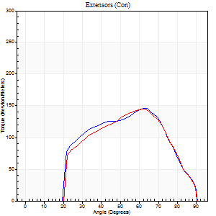
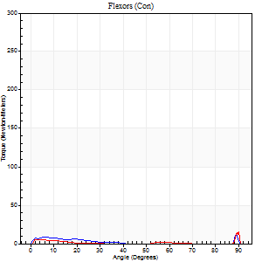
Right Side Curves Left Side Curves
Isokinetic Con/Con |  |  |  | Extensors (Con) |  | Flexors (Con)
Speed 240/240 d/s 3 Reps |  |  |  | Value | Cof Var | %BW | Value | Cof Var | %BW | Ratio

TORQUE PARAMETERS
Peak Torque (Newton-Meters - Best Repetition)
Right |  |  |  | 146 | 0.04 | 182 | 45 | 1.31 | 57 | 31
Left |  |  |  | 145 | 0.11 | 182 | 43 | 1.08 | 54 | 30
Deficit |  |  |  | 1 |  |  | 3
Work per Repetition (Newton-Meters - Best Repetition)
Right |  |  |  | 130 | 0.05 | 164 | 4 | 0.57 | 6 | 3
Left |  |  |  | 126 | 0.11 | 158 | 4 | 0.42 | 6 | 3
Deficit |  |  |  | 3 |  |  | 0
Average Power per Repetition (Watts - Best Repetition)
Right |  |  |  | 251 | 0.05 | 314 | 4 | 0.76 | 4 | 2
Left |  |  |  | 248 | 0.09 | 310 | 2 | 0.41 | 2 | 1
Deficit |  |  |  | 1 |  |  | 50
POSITION PARAMETERS
Joint Angle at Peak Torque (Degrees)
Right |  |  |  | 62 | 0.01 |  | 36 | 1.3
Left |  |  |  | 62 | 0.03 |  | 34 | 1.4
Range of Motion (Degrees)
Right |  |  |  | 0 | 0.24 |  | 90 | 0
Left |  |  |  | 1 | 0.16 |  | 90 | 0
TIME PARAMETERS
Time to Peak Torque (Seconds)
Right |  |  |  | 0.17 | 0 |  | 0.51 | 1.02
Left |  |  |  | 0.18 | 0.04 |  | 0.57 | 1.2
Time Peak Torque Held (Seconds)
Right |  |  |  | 0.01 | 0.87 |  | 0.03 | 1.73
Left |  |  |  | 0.01 | 0.87 |  | 0 | 0
Force Decay Time (Seconds)
Right |  |  |  | 0.33 | 0.05 |  | 0.62 | 1.12
Left |  |  |  | 0.32 | 0 |  | 0.78 | 1.02
Reciprocal Delay (Seconds)
Right |  |  |  | 0.44 | 0.31 |  | 0.15 | 0.37
Left |  |  |  | 0.38 | 0.2 |  | 0.11 | 0.33
Delay Time (Seconds)
Right |  |  |  | -0.01 | 0 |  | -0.01 | -1.73
Left |  |  |  | 0 | -1.41 |  | -0.04 | -0.13
HUMAC2015® Version: 15.000.0074 © Computer Sports Medicine, Inc. www.csmisolutions.com

Use File, Preference to set Report Heading
Isometric - Knee Extension/Flexion
Name: |  |  |  | TR024_114, | ID: | TR024_114 | Right/Left: | 18.10.2020 18.10.2020

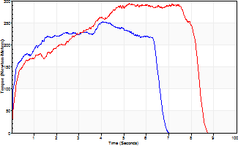
Isometric Extensors (Con) Angle 60 Time 10 Repetition 1 (Best Repetition)
 | Value | Cof Var | %BW
Peak Torque (Newton-Meters)
Right | 252 | 0 | 316
Left | 293 | 0 | 367
Deficit | 14
Average Torque (Newton-Meters)
Right | 141 | 0 | 176
Left | 198 | 0 | 247
Deficit | 29
Peak Torque Slope (Newton-Meters/Seconds)
Right | 62 | 0 | 78
Left | 56 | 0 | 70 |  | Right Side Curves Left Side Curves
Deficit | 10
Time to Half Peak Torque (Seconds)
Right | 0.15 | 0
Left | 0.44 | 0
Time to Peak Torque (Seconds)
Right | 4.05 | 0
Left | 5.24 | 0
HUMAC2015® Version: 15.000.0074 © Computer Sports Medicine, Inc. www.csmisolutions.com

Ark4
Use File, Preference to set Report Heading
Long Form Torque vs. Position Report - Knee Extension/Flexion
Name: |  |  |  | TR024_114, | ID: | TR024_114 | Right/Left: | 22.10.2020 22.10.2020
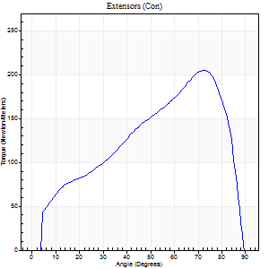
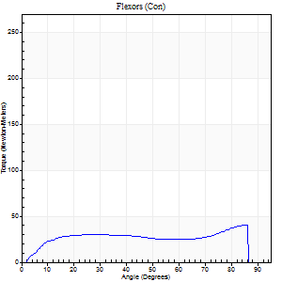
Right Side Curves Left Side Curves
Isokinetic Con/Con |  |  |  | Extensors (Con) |  | Flexors (Con)
Speed 60/60 d/s 3 Reps |  |  |  | Value | Cof Var | %BW | Value | Cof Var | %BW | Ratio

TORQUE PARAMETERS
Peak Torque (Newton-Meters - Best Repetition)
Right |  |  |  | 205 | 0.07 | 256 | 41 | 0.23 | 51 | 20
Left |  |  |  | 0 | 0 | 0 | 0 | 0 | 0 | 0
Deficit |  |  |  | 0 |  |  | 0
Work per Repetition (Newton-Meters - Best Repetition)
Right |  |  |  | 197 | 0.05 | 244 | 41 | 0.23 | 51 | 21
Left |  |  |  | 0 | 0 | 0 | 0 | 0 | 0 | 0
Deficit |  |  |  | 0 |  |  | 0
Average Power per Repetition (Watts - Best Repetition)
Right |  |  |  | 131 | 0.05 | 163 | 26 | 0.23 | 33 | 20
Left |  |  |  | 0 | 0 | 0 | 0 | 0 | 0 | 0
Deficit |  |  |  | 0 |  |  | 0
POSITION PARAMETERS
Joint Angle at Peak Torque (Degrees)
Right |  |  |  | 72 | 0.02 |  | 67 | 0.49
Left |  |  |  | 0 | 0 |  | 0 | 0
Range of Motion (Degrees)
Right |  |  |  | 1 | 0.06 |  | 90 | 0
Left |  |  |  | 0 | 0 |  | 0 | 0
TIME PARAMETERS
Time to Peak Torque (Seconds)
Right |  |  |  | 0.28 | 0.13 |  | 1.11 | 0.48
Left |  |  |  | 0 | 0 |  | 0 | 0
Time Peak Torque Held (Seconds)
Right |  |  |  | 0.04 | 0.25 |  | 0.01 | 1
Left |  |  |  | 0 | 0 |  | 0 | 0
Force Decay Time (Seconds)
Right |  |  |  | 1.19 | 0.04 |  | 0.38 | 1.34
Left |  |  |  | 0 | 0 |  | 0 | 0
Reciprocal Delay (Seconds)
Right |  |  |  | 0.09 | 0.08 |  | 0.16 | 0.16
Left |  |  |  | 0 | 0 |  | 0 | 0
Delay Time (Seconds)
Right |  |  |  | 0.03 | 0.47 |  | 0.03 | 0.94
Left |  |  |  | 0 | 0 |  | 0 | 0
HUMAC2015® Version: 15.000.0074 © Computer Sports Medicine, Inc. www.csmisolutions.com

Use File, Preference to set Report Heading
Long Form Torque vs. Position Report - Knee Extension/Flexion
Name: |  |  |  | TR024_114, | ID: | TR024_114 | Right/Left: | 22.10.2020 22.10.2020
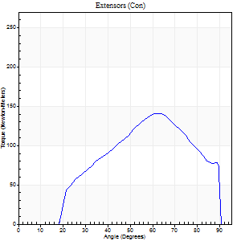
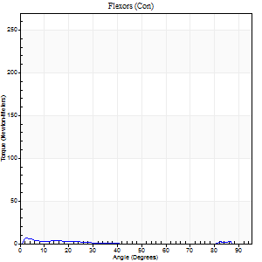
Right Side Curves Left Side Curves
Isokinetic Con/Con |  |  |  | Extensors (Con) |  | Flexors (Con)
Speed 240/240 d/s 3 Reps |  |  |  | Value | Cof Var | %BW | Value | Cof Var | %BW | Ratio

TORQUE PARAMETERS
Peak Torque (Newton-Meters - Best Repetition)
Right |  |  |  | 141 | 0.02 | 176 | 7 | 0.15 | 9 | 5
Left |  |  |  | 0 | 0 | 0 | 0 | 0 | 0 | 0
Deficit |  |  |  | 0 |  |  | 0
Work per Repetition (Newton-Meters - Best Repetition)
Right |  |  |  | 123 | 0.03 | 155 | 1 | 0.08 | 3 | 1
Left |  |  |  | 0 | 0 | 0 | 0 | 0 | 0 | 0
Deficit |  |  |  | 0 |  |  | 0
Average Power per Repetition (Watts - Best Repetition)
Right |  |  |  | 248 | 0.03 | 310 | 1 | 0.06 | 2 | 0
Left |  |  |  | 0 | 0 | 0 | 0 | 0 | 0 | 0
Deficit |  |  |  | 0 |  |  | 0
POSITION PARAMETERS
Joint Angle at Peak Torque (Degrees)
Right |  |  |  | 63 | 0.04 |  | 3 | 0.22
Left |  |  |  | 0 | 0 |  | 0 | 0
Range of Motion (Degrees)
Right |  |  |  | 1 | 0.12 |  | 90 | 0
Left |  |  |  | 0 | 0 |  | 0 | 0
TIME PARAMETERS
Time to Peak Torque (Seconds)
Right |  |  |  | 0.16 | 0.09 |  | 0.05 | 0.35
Left |  |  |  | 0 | 0 |  | 0 | 0
Time Peak Torque Held (Seconds)
Right |  |  |  | 0 | 1.73 |  | 0.01 | 1.73
Left |  |  |  | 0 | 0 |  | 0 | 0
Force Decay Time (Seconds)
Right |  |  |  | 0.31 | 0.02 |  | 1.21 | 0.07
Left |  |  |  | 0 | 0 |  | 0 | 0
Reciprocal Delay (Seconds)
Right |  |  |  | 0.3 | 0.09 |  | 0.06 | 0.17
Left |  |  |  | 0 | 0 |  | 0 | 0
Delay Time (Seconds)
Right |  |  |  | 0 | 0 |  | -0.03 | -0.57
Left |  |  |  | 0 | 0 |  | 0 | 0
HUMAC2015® Version: 15.000.0074 © Computer Sports Medicine, Inc. www.csmisolutions.com

Use File, Preference to set Report Heading
Isometric - Knee Extension/Flexion
Name: |  |  |  | TR024_114, | ID: | TR024_114 | Right/Left: | 22.10.2020 22.10.2020

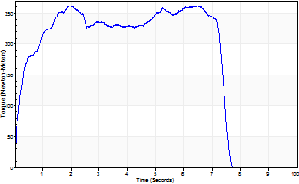
Isometric Extensors (Con) Angle 60 Time 10 Repetition 1 (Best Repetition)
 | Value | Cof Var | %BW
Peak Torque (Newton-Meters)
Right | 263 | 0 | 328
Left | 0 | 0 | 0
Deficit | 0
Average Torque (Newton-Meters)
Right | 171 | 0 | 215
Left | 0 | 0 | 0
Deficit | 0
Peak Torque Slope (Newton-Meters/Seconds)
Right | 133 | 0 | 166
Left | 0 | 0 | 0 |  | Right Side Curves Left Side Curves
Deficit | 0
Time to Half Peak Torque (Seconds)
Right | 0.25 | 0
Left | 0 | 0
Time to Peak Torque (Seconds)
Right | 1.97 | 0
Left | 0 | 0
HUMAC2015® Version: 15.000.0074 © Computer Sports Medicine, Inc. www.csmisolutions.com

Ark5
Use File, Preference to set Report Heading
Long Form Torque vs. Position Report - Knee Extension/Flexion
Name: |  |  |  | TR024_114, | ID: | TR024_114 | Right/Left: | 23.10.2020 23.10.2020
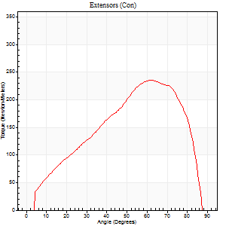
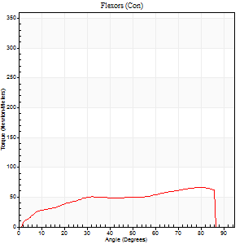
Right Side Curves Left Side Curves
Isokinetic Con/Con |  |  |  | Extensors (Con) |  | Flexors (Con)
Speed 60/60 d/s 3 Reps |  |  |  | Value | Cof Var | %BW | Value | Cof Var | %BW | Ratio

TORQUE PARAMETERS
Peak Torque (Newton-Meters - Best Repetition)
Right |  |  |  | 0 | 0 | 0 | 0 | 0 | 0 | 0
Left |  |  |  | 235 | 0.07 | 292 | 66 | 0.37 | 83 | 28
Deficit |  |  |  | 0 |  |  | 0
Work per Repetition (Newton-Meters - Best Repetition)
Right |  |  |  | 0 | 0 | 0 | 0 | 0 | 0 | 0
Left |  |  |  | 225 | 0.04 | 280 | 71 | 0.34 | 89 | 31
Deficit |  |  |  | 0 |  |  | 0
Average Power per Repetition (Watts - Best Repetition)
Right |  |  |  | 0 | 0 | 0 | 0 | 0 | 0 | 0
Left |  |  |  | 151 | 0.04 | 189 | 47 | 0.35 | 59 | 31
Deficit |  |  |  | 0 |  |  | 0
POSITION PARAMETERS
Joint Angle at Peak Torque (Degrees)
Right |  |  |  | 0 | 0 |  | 0 | 0
Left |  |  |  | 62 | 0.03 |  | 63 | 0.55
Range of Motion (Degrees)
Right |  |  |  | 0 | 0 |  | 0 | 0
Left |  |  |  | 1 | 0.08 |  | 90 | 0
TIME PARAMETERS
Time to Peak Torque (Seconds)
Right |  |  |  | 0 | 0 |  | 0 | 0
Left |  |  |  | 0.41 | 0.09 |  | 1.07 | 0.51
Time Peak Torque Held (Seconds)
Right |  |  |  | 0 | 0 |  | 0 | 0
Left |  |  |  | 0.06 | 0.27 |  | 0.12 | 1.59
Force Decay Time (Seconds)
Right |  |  |  | 0 | 0 |  | 0 | 0
Left |  |  |  | 1 | 0.03 |  | 0.33 | 1.14
Reciprocal Delay (Seconds)
Right |  |  |  | 0 | 0 |  | 0 | 0
Left |  |  |  | 0.06 | 0 |  | 0.12 | 0.46
Delay Time (Seconds)
Right |  |  |  | 0 | 0 |  | 0 | 0
Left |  |  |  | 0.04 | 0 |  | -0.01 | -4.33
HUMAC2015® Version: 15.000.0074 © Computer Sports Medicine, Inc. www.csmisolutions.com

Use File, Preference to set Report Heading
Long Form Torque vs. Position Report - Knee Extension/Flexion
Name: |  |  |  | TR024_114, | ID: | TR024_114 | Right/Left: | 23.10.2020 23.10.2020
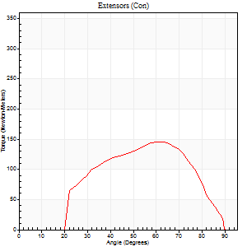
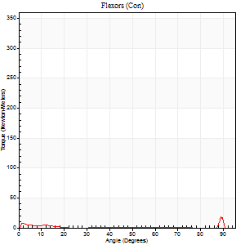
Right Side Curves Left Side Curves
Isokinetic Con/Con |  |  |  | Extensors (Con) |  | Flexors (Con)
Speed 240/240 d/s 3 Reps |  |  |  | Value | Cof Var | %BW | Value | Cof Var | %BW | Ratio

TORQUE PARAMETERS
Peak Torque (Newton-Meters - Best Repetition)
Right |  |  |  | 0 | 0 | 0 | 0 | 0 | 0 | 0
Left |  |  |  | 146 | 0.02 | 182 | 45 | 1.14 | 57 | 31
Deficit |  |  |  | 0 |  |  | 0
Work per Repetition (Newton-Meters - Best Repetition)
Right |  |  |  | 0 | 0 | 0 | 0 | 0 | 0 | 0
Left |  |  |  | 127 | 0.03 | 158 | 3 | 0.66 | 3 | 2
Deficit |  |  |  | 0 |  |  | 0
Average Power per Repetition (Watts - Best Repetition)
Right |  |  |  | 0 | 0 | 0 | 0 | 0 | 0 | 0
Left |  |  |  | 266 | 0.05 | 332 | 2 | 0.28 | 2 | 1
Deficit |  |  |  | 0 |  |  | 0
POSITION PARAMETERS
Joint Angle at Peak Torque (Degrees)
Right |  |  |  | 0 | 0 |  | 0 | 0
Left |  |  |  | 61 | 0.02 |  | 31 | 1.62
Range of Motion (Degrees)
Right |  |  |  | 0 | 0 |  | 0 | 0
Left |  |  |  | 1 | 0.11 |  | 90 | 0
TIME PARAMETERS
Time to Peak Torque (Seconds)
Right |  |  |  | 0 | 0 |  | 0 | 0
Left |  |  |  | 0.17 | 0 |  | 0.16 | 1.3
Time Peak Torque Held (Seconds)
Right |  |  |  | 0 | 0 |  | 0 | 0
Left |  |  |  | 0.01 | 0.87 |  | 0 | 0
Force Decay Time (Seconds)
Right |  |  |  | 0 | 0 |  | 0 | 0
Left |  |  |  | 0.3 | 0.02 |  | 0.59 | 1.14
Reciprocal Delay (Seconds)
Right |  |  |  | 0 | 0 |  | 0 | 0
Left |  |  |  | 0.29 | 0.05 |  | 0.07 | 0.09
Delay Time (Seconds)
Right |  |  |  | 0 | 0 |  | 0 | 0
Left |  |  |  | 0 | 0 |  | 0.28 | 1.89
HUMAC2015® Version: 15.000.0074 © Computer Sports Medicine, Inc. www.csmisolutions.com

Use File, Preference to set Report Heading
Isometric - Knee Extension/Flexion
Name: |  |  |  | TR024_114, | ID: | TR024_114 | Right/Left: | 23.10.2020 23.10.2020

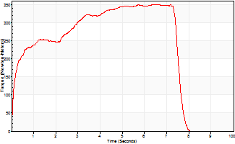
Isometric Extensors (Con) Angle 60 Time 10 Repetition 1 (Best Repetition)
 | Value | Cof Var | %BW
Peak Torque (Newton-Meters)
Right | 0 | 0 | 0
Left | 350 | 0 | 438
Deficit | 0
Average Torque (Newton-Meters)
Right | 0 | 0 | 0
Left | 225 | 0 | 280
Deficit | 0
Peak Torque Slope (Newton-Meters/Seconds)
Right | 0 | 0 | 0
Left | 54 | 0 | 68 |  | Right Side Curves Left Side Curves
Deficit | 0
Time to Half Peak Torque (Seconds)
Right | 0 | 0
Left | 0.24 | 0
Time to Peak Torque (Seconds)
Right | 0 | 0
Left | 6.44 | 0
HUMAC2015® Version: 15.000.0074 © Computer Sports Medicine, Inc. www.csmisolutions.com

Ark6
Use File, Preference to set Report Heading
Long Form Torque vs. Position Report - Knee Extension/Flexion
Name: |  |  |  | TR024_114, | ID: | TR024_114 | Right/Left: | 26.10.2020 26.10.2020
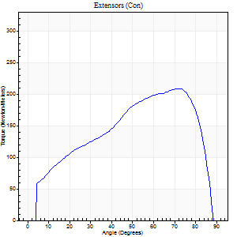
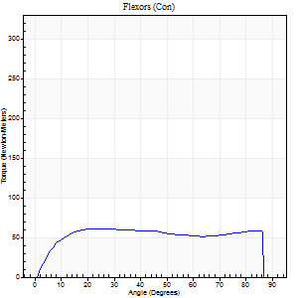
Right Side Curves Left Side Curves
Isokinetic Con/Con |  |  |  | Extensors (Con) |  | Flexors (Con)
Speed 60/60 d/s 3 Reps |  |  |  | Value | Cof Var | %BW | Value | Cof Var | %BW | Ratio

TORQUE PARAMETERS
Peak Torque (Newton-Meters - Best Repetition)
Right |  |  |  | 209 | 0.05 | 262 | 61 | 0.26 | 77 | 29
Left |  |  |  | 0 | 0 | 0 | 0 | 0 | 0 | 0
Deficit |  |  |  | 0 |  |  | 0
Work per Repetition (Newton-Meters - Best Repetition)
Right |  |  |  | 213 | 0.08 | 265 | 80 | 0.3 | 101 | 38
Left |  |  |  | 0 | 0 | 0 | 0 | 0 | 0 | 0
Deficit |  |  |  | 0 |  |  | 0
Average Power per Repetition (Watts - Best Repetition)
Right |  |  |  | 141 | 0.07 | 176 | 52 | 0.28 | 66 | 37
Left |  |  |  | 0 | 0 | 0 | 0 | 0 | 0 | 0
Deficit |  |  |  | 0 |  |  | 0
POSITION PARAMETERS
Joint Angle at Peak Torque (Degrees)
Right |  |  |  | 72 | 0.04 |  | 43 | 0.86
Left |  |  |  | 0 | 0 |  | 0 | 0
Range of Motion (Degrees)
Right |  |  |  | 0 | 0.2 |  | 90 | 0
Left |  |  |  | 0 | 0 |  | 0 | 0
TIME PARAMETERS
Time to Peak Torque (Seconds)
Right |  |  |  | 0.31 | 0.12 |  | 0.71 | 0.84
Left |  |  |  | 0 | 0 |  | 0 | 0
Time Peak Torque Held (Seconds)
Right |  |  |  | 0.04 | 0.48 |  | 0.07 | 1.38
Left |  |  |  | 0 | 0 |  | 0 | 0
Force Decay Time (Seconds)
Right |  |  |  | 1.17 | 0.05 |  | 0.72 | 0.75
Left |  |  |  | 0 | 0 |  | 0 | 0
Reciprocal Delay (Seconds)
Right |  |  |  | 0.13 | 0 |  | 0.14 | 0.26
Left |  |  |  | 0 | 0 |  | 0 | 0
Delay Time (Seconds)
Right |  |  |  | 0.03 | 0 |  | 0.04 | 1.29
Left |  |  |  | 0 | 0 |  | 0 | 0
HUMAC2015® Version: 15.000.0074 © Computer Sports Medicine, Inc. www.csmisolutions.com

Use File, Preference to set Report Heading
Long Form Torque vs. Position Report - Knee Extension/Flexion
Name: |  |  |  | TR024_114, | ID: | TR024_114 | Right/Left: | 26.10.2020 26.10.2020
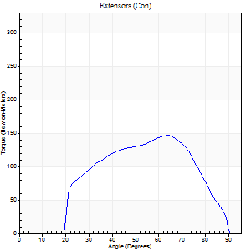

Right Side Curves Left Side Curves
Isokinetic Con/Con |  |  |  | Extensors (Con) |  | Flexors (Con)
Speed 240/240 d/s 3 Reps |  |  |  | Value | Cof Var | %BW | Value | Cof Var | %BW | Ratio

TORQUE PARAMETERS
Peak Torque (Newton-Meters - Best Repetition)
Right |  |  |  | 146 | 0.04 | 182 | 60 | 0.68 | 75 | 41
Left |  |  |  | 0 | 0 | 0 | 0 | 0 | 0 | 0
Deficit |  |  |  | 0 |  |  | 0
Work per Repetition (Newton-Meters - Best Repetition)
Right |  |  |  | 132 | 0.07 | 164 | 4 | 0.17 | 6 | 3
Left |  |  |  | 0 | 0 | 0 | 0 | 0 | 0 | 0
Deficit |  |  |  | 0 |  |  | 0
Average Power per Repetition (Watts - Best Repetition)
Right |  |  |  | 273 | 0.08 | 341 | 6 | 0.28 | 7 | 2
Left |  |  |  | 0 | 0 | 0 | 0 | 0 | 0 | 0
Deficit |  |  |  | 0 |  |  | 0
POSITION PARAMETERS
Joint Angle at Peak Torque (Degrees)
Right |  |  |  | 64 | 0.01 |  | 62 | 0.81
Left |  |  |  | 0 | 0 |  | 0 | 0
Range of Motion (Degrees)
Right |  |  |  | 1 | 0.07 |  | 90 | 0
Left |  |  |  | 0 | 0 |  | 0 | 0
TIME PARAMETERS
Time to Peak Torque (Seconds)
Right |  |  |  | 0.15 | 0 |  | 0.71 | 0.81
Left |  |  |  | 0 | 0 |  | 0 | 0
Time Peak Torque Held (Seconds)
Right |  |  |  | 0.01 | 0 |  | 0 | 1.73
Left |  |  |  | 0 | 0 |  | 0 | 0
Force Decay Time (Seconds)
Right |  |  |  | 0.31 | 0.02 |  | 0.12 | 4.4
Left |  |  |  | 0 | 0 |  | 0 | 0
Reciprocal Delay (Seconds)
Right |  |  |  | 0.4 | 0 |  | 0.06 | 0.1
Left |  |  |  | 0 | 0 |  | 0 | 0
Delay Time (Seconds)
Right |  |  |  | 0 | 0 |  | -0.02 | -0.5
Left |  |  |  | 0 | 0 |  | 0 | 0
HUMAC2015® Version: 15.000.0074 © Computer Sports Medicine, Inc. www.csmisolutions.com

Use File, Preference to set Report Heading
Isometric - Knee Extension/Flexion
Name: |  |  |  | TR024_114, | ID: | TR024_114 | Right/Left: | 26.10.2020 26.10.2020

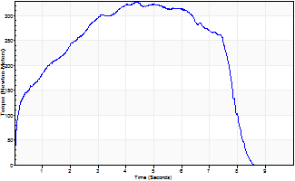
Isometric Extensors (Con) Angle 60 Time 10 Repetition 1 (Best Repetition)
 | Value | Cof Var | %BW
Peak Torque (Newton-Meters)
Right | 327 | 0 | 408
Left | 0 | 0 | 0
Deficit | 0
Average Torque (Newton-Meters)
Right | 210 | 0 | 262
Left | 0 | 0 | 0
Deficit | 0
Peak Torque Slope (Newton-Meters/Seconds)
Right | 74 | 0 | 92
Left | 0 | 0 | 0 |  | Right Side Curves Left Side Curves
Deficit | 0
Time to Half Peak Torque (Seconds)
Right | 0.73 | 0
Left | 0 | 0
Time to Peak Torque (Seconds)
Right | 4.42 | 0
Left | 0 | 0
HUMAC2015® Version: 15.000.0074 © Computer Sports Medicine, Inc. www.csmisolutions.com

Ark7
Use File, Preference to set Report Heading
Long Form Torque vs. Position Report - Knee Extension/Flexion
Name: |  |  |  | TR024_114, | ID: | TR024_114 | Right/Left: | 27.10.2020 27.10.2020
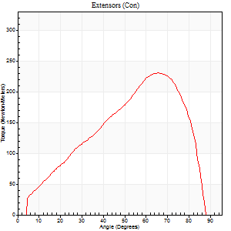
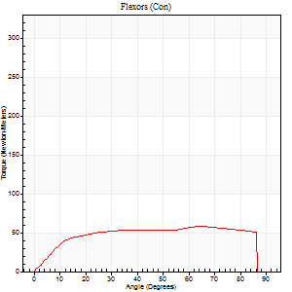
Right Side Curves Left Side Curves
Isokinetic Con/Con |  |  |  | Extensors (Con) |  | Flexors (Con)
Speed 60/60 d/s 3 Reps |  |  |  | Value | Cof Var | %BW | Value | Cof Var | %BW | Ratio

TORQUE PARAMETERS
Peak Torque (Newton-Meters - Best Repetition)
Right |  |  |  | 0 | 0 | 0 | 0 | 0 | 0 | 0
Left |  |  |  | 231 | 0.06 | 289 | 58 | 0.2 | 72 | 25
Deficit |  |  |  | 0 |  |  | 0
Work per Repetition (Newton-Meters - Best Repetition)
Right |  |  |  | 0 | 0 | 0 | 0 | 0 | 0 | 0
Left |  |  |  | 206 | 0.03 | 256 | 72 | 0.25 | 89 | 35
Deficit |  |  |  | 0 |  |  | 0
Average Power per Repetition (Watts - Best Repetition)
Right |  |  |  | 0 | 0 | 0 | 0 | 0 | 0 | 0
Left |  |  |  | 138 | 0.03 | 171 | 46 | 0.22 | 57 | 33
Deficit |  |  |  | 0 |  |  | 0
POSITION PARAMETERS
Joint Angle at Peak Torque (Degrees)
Right |  |  |  | 0 | 0 |  | 0 | 0
Left |  |  |  | 67 | 0.02 |  | 54 | 0.31
Range of Motion (Degrees)
Right |  |  |  | 0 | 0 |  | 0 | 0
Left |  |  |  | 1 | 0.47 |  | 90 | 0
TIME PARAMETERS
Time to Peak Torque (Seconds)
Right |  |  |  | 0 | 0 |  | 0 | 0
Left |  |  |  | 0.36 | 0.04 |  | 0.94 | 0.29
Time Peak Torque Held (Seconds)
Right |  |  |  | 0 | 0 |  | 0 | 0
Left |  |  |  | 0.04 | 0.13 |  | 0.03 | 0.87
Force Decay Time (Seconds)
Right |  |  |  | 0 | 0 |  | 0 | 0
Left |  |  |  | 1.09 | 0.03 |  | 0.57 | 0.37
Reciprocal Delay (Seconds)
Right |  |  |  | 0 | 0 |  | 0 | 0
Left |  |  |  | 0.11 | 0.18 |  | 0.12 | 0.36
Delay Time (Seconds)
Right |  |  |  | 0 | 0 |  | 0 | 0
Left |  |  |  | 0.05 | 0.16 |  | -0.02 | -0.65
HUMAC2015® Version: 15.000.0074 © Computer Sports Medicine, Inc. www.csmisolutions.com

Use File, Preference to set Report Heading
Long Form Torque vs. Position Report - Knee Extension/Flexion
Name: |  |  |  | TR024_114, | ID: | TR024_114 | Right/Left: | 27.10.2020 27.10.2020
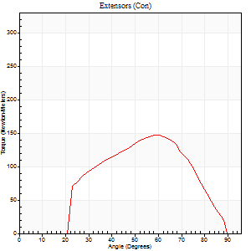
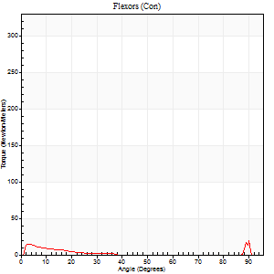
Right Side Curves Left Side Curves
Isokinetic Con/Con |  |  |  | Extensors (Con) |  | Flexors (Con)
Speed 240/240 d/s 3 Reps |  |  |  | Value | Cof Var | %BW | Value | Cof Var | %BW | Ratio

TORQUE PARAMETERS
Peak Torque (Newton-Meters - Best Repetition)
Right |  |  |  | 0 | 0 | 0 | 0 | 0 | 0 | 0
Left |  |  |  | 146 | 0.05 | 182 | 53 | 0.87 | 66 | 36
Deficit |  |  |  | 0 |  |  | 0
Work per Repetition (Newton-Meters - Best Repetition)
Right |  |  |  | 0 | 0 | 0 | 0 | 0 | 0 | 0
Left |  |  |  | 129 | 0.07 | 161 | 4 | 0.73 | 6 | 3
Deficit |  |  |  | 0 |  |  | 0
Average Power per Repetition (Watts - Best Repetition)
Right |  |  |  | 0 | 0 | 0 | 0 | 0 | 0 | 0
Left |  |  |  | 273 | 0.08 | 341 | 6 | 0.49 | 7 | 2
Deficit |  |  |  | 0 |  |  | 0
POSITION PARAMETERS
Joint Angle at Peak Torque (Degrees)
Right |  |  |  | 0 | 0 |  | 0 | 0
Left |  |  |  | 61 | 0.04 |  | 32 | 1.58
Range of Motion (Degrees)
Right |  |  |  | 0 | 0 |  | 0 | 0
Left |  |  |  | 1 | 0.16 |  | 90 | 0
TIME PARAMETERS
Time to Peak Torque (Seconds)
Right |  |  |  | 0 | 0 |  | 0 | 0
Left |  |  |  | 0.16 | 0.04 |  | 0.13 | 0.89
Time Peak Torque Held (Seconds)
Right |  |  |  | 0 | 0 |  | 0 | 0
Left |  |  |  | 0.01 | 0 |  | 0 | 0
Force Decay Time (Seconds)
Right |  |  |  | 0 | 0 |  | 0 | 0
Left |  |  |  | 0.3 | 0.05 |  | 0.47 | 1.12
Reciprocal Delay (Seconds)
Right |  |  |  | 0 | 0 |  | 0 | 0
Left |  |  |  | 0.31 | 0.02 |  | 0.06 | 0.17
Delay Time (Seconds)
Right |  |  |  | 0 | 0 |  | 0 | 0
Left |  |  |  | 0.01 | 0 |  | 0.2 | 2.07
HUMAC2015® Version: 15.000.0074 © Computer Sports Medicine, Inc. www.csmisolutions.com

Use File, Preference to set Report Heading
Isometric - Knee Extension/Flexion
Name: |  |  |  | TR024_114, | ID: | TR024_114 | Right/Left: | 27.10.2020 27.10.2020

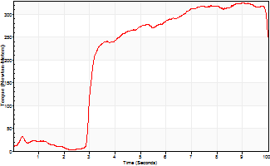
Isometric Extensors (Con) Angle 60 Time 10 Repetition 1 (Best Repetition)
 | Value | Cof Var | %BW
Peak Torque (Newton-Meters)
Right | 0 | 0 | 0
Left | 325 | 0 | 405
Deficit | 0
Average Torque (Newton-Meters)
Right | 0 | 0 | 0
Left | 206 | 0 | 256
Deficit | 0
Peak Torque Slope (Newton-Meters/Seconds)
Right | 0 | 0 | 0
Left | 36 | 0 | 45 |  | Right Side Curves Left Side Curves
Deficit | 0
Time to Half Peak Torque (Seconds)
Right | 0 | 0
Left | 3.07 | 0
Time to Peak Torque (Seconds)
Right | 0 | 0
Left | 9.04 | 0
HUMAC2015® Version: 15.000.0074 © Computer Sports Medicine, Inc. www.csmisolutions.com

Ark8
Use File, Preference to set Report Heading
Long Form Torque vs. Position Report - Knee Extension/Flexion
Name: |  |  |  | TR024_114, | ID: | TR024_114 | Right/Left: | 29.10.2020 29.10.2020
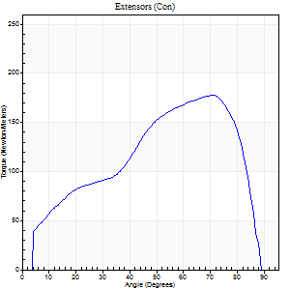
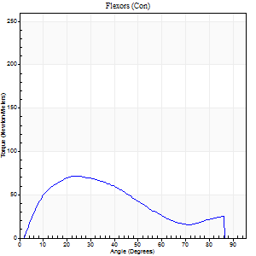
Right Side Curves Left Side Curves
Isokinetic Con/Con |  |  |  | Extensors (Con) |  | Flexors (Con)
Speed 60/60 d/s 3 Reps |  |  |  | Value | Cof Var | %BW | Value | Cof Var | %BW | Ratio

TORQUE PARAMETERS
Peak Torque (Newton-Meters - Best Repetition)
Right |  |  |  | 178 | 0.09 | 221 | 72 | 0.42 | 89 | 40
Left |  |  |  | 0 | 0 | 0 | 0 | 0 | 0 | 0
Deficit |  |  |  | 0 |  |  | 0
Work per Repetition (Newton-Meters - Best Repetition)
Right |  |  |  | 174 | 0.1 | 218 | 62 | 0.28 | 77 | 36
Left |  |  |  | 0 | 0 | 0 | 0 | 0 | 0 | 0
Deficit |  |  |  | 0 |  |  | 0
Average Power per Repetition (Watts - Best Repetition)
Right |  |  |  | 115 | 0.1 | 143 | 41 | 0.25 | 51 | 36
Left |  |  |  | 0 | 0 | 0 | 0 | 0 | 0 | 0
Deficit |  |  |  | 0 |  |  | 0
POSITION PARAMETERS
Joint Angle at Peak Torque (Degrees)
Right |  |  |  | 72 | 0.02 |  | 31 | 0.26
Left |  |  |  | 0 | 0 |  | 0 | 0
Range of Motion (Degrees)
Right |  |  |  | 0 | 0.85 |  | 90 | 0
Left |  |  |  | 0 | 0 |  | 0 | 0
TIME PARAMETERS
Time to Peak Torque (Seconds)
Right |  |  |  | 0.3 | 0.05 |  | 0.5 | 0.31
Left |  |  |  | 0 | 0 |  | 0 | 0
Time Peak Torque Held (Seconds)
Right |  |  |  | 0.04 | 0.27 |  | 0.03 | 0.96
Left |  |  |  | 0 | 0 |  | 0 | 0
Force Decay Time (Seconds)
Right |  |  |  | 1.18 | 0.03 |  | 0.96 | 0.18
Left |  |  |  | 0 | 0 |  | 0 | 0
Reciprocal Delay (Seconds)
Right |  |  |  | 0.12 | 0.12 |  | 0.12 | 0.36
Left |  |  |  | 0 | 0 |  | 0 | 0
Delay Time (Seconds)
Right |  |  |  | 0.02 | 0 |  | 0.05 | 0.81
Left |  |  |  | 0 | 0 |  | 0 | 0
HUMAC2015® Version: 15.000.0074 © Computer Sports Medicine, Inc. www.csmisolutions.com

Use File, Preference to set Report Heading
Long Form Torque vs. Position Report - Knee Extension/Flexion
Name: |  |  |  | TR024_114, | ID: | TR024_114 | Right/Left: | 29.10.2020 29.10.2020
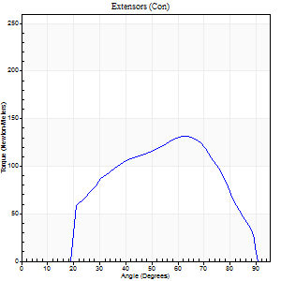
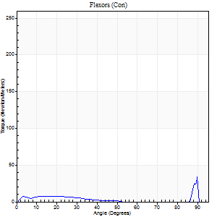
Right Side Curves Left Side Curves
Isokinetic Con/Con |  |  |  | Extensors (Con) |  | Flexors (Con)
Speed 240/240 d/s 3 Reps |  |  |  | Value | Cof Var | %BW | Value | Cof Var | %BW | Ratio

TORQUE PARAMETERS
Peak Torque (Newton-Meters - Best Repetition)
Right |  |  |  | 132 | 0.15 | 164 | 39 | 0.64 | 48 | 30
Left |  |  |  | 0 | 0 | 0 | 0 | 0 | 0 | 0
Deficit |  |  |  | 0 |  |  | 0
Work per Repetition (Newton-Meters - Best Repetition)
Right |  |  |  | 118 | 0.21 | 146 | 5 | 0.31 | 6 | 5
Left |  |  |  | 0 | 0 | 0 | 0 | 0 | 0 | 0
Deficit |  |  |  | 0 |  |  | 0
Average Power per Repetition (Watts - Best Repetition)
Right |  |  |  | 242 | 0.22 | 303 | 7 | 0.29 | 9 | 3
Left |  |  |  | 0 | 0 | 0 | 0 | 0 | 0 | 0
Deficit |  |  |  | 0 |  |  | 0
POSITION PARAMETERS
Joint Angle at Peak Torque (Degrees)
Right |  |  |  | 61 | 0.01 |  | 62 | 0.81
Left |  |  |  | 0 | 0 |  | 0 | 0
Range of Motion (Degrees)
Right |  |  |  | 1 | 0.06 |  | 90 | 0
Left |  |  |  | 0 | 0 |  | 0 | 0
TIME PARAMETERS
Time to Peak Torque (Seconds)
Right |  |  |  | 0.17 | 0 |  | 0.54 | 0.77
Left |  |  |  | 0 | 0 |  | 0 | 0
Time Peak Torque Held (Seconds)
Right |  |  |  | 0 | 1.73 |  | 0.01 | 1.73
Left |  |  |  | 0 | 0 |  | 0 | 0
Force Decay Time (Seconds)
Right |  |  |  | 0.3 | 0.03 |  | 0.16 | 2.53
Left |  |  |  | 0 | 0 |  | 0 | 0
Reciprocal Delay (Seconds)
Right |  |  |  | 0.22 | 0.23 |  | 0.06 | 0.1
Left |  |  |  | 0 | 0 |  | 0 | 0
Delay Time (Seconds)
Right |  |  |  | -0.01 | 0 |  | -0.02 | -0.35
Left |  |  |  | 0 | 0 |  | 0 | 0
HUMAC2015® Version: 15.000.0074 © Computer Sports Medicine, Inc. www.csmisolutions.com

Use File, Preference to set Report Heading
Isometric - Knee Extension/Flexion
Name: |  |  |  | TR024_114, | ID: | TR024_114 | Right/Left: | 29.10.2020 29.10.2020

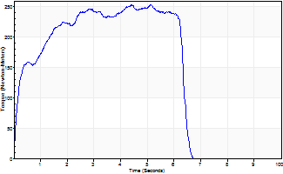
Isometric Extensors (Con) Angle 60 Time 10 Repetition 1 (Best Repetition)
 | Value | Cof Var | %BW
Peak Torque (Newton-Meters)
Right | 254 | 0 | 316
Left | 0 | 0 | 0
Deficit | 0
Average Torque (Newton-Meters)
Right | 140 | 0 | 176
Left | 0 | 0 | 0
Deficit | 0
Peak Torque Slope (Newton-Meters/Seconds)
Right | 49 | 0 | 62
Left | 0 | 0 | 0 |  | Right Side Curves Left Side Curves
Deficit | 0
Time to Half Peak Torque (Seconds)
Right | 0.22 | 0
Left | 0 | 0
Time to Peak Torque (Seconds)
Right | 5.11 | 0
Left | 0 | 0
HUMAC2015® Version: 15.000.0074 © Computer Sports Medicine, Inc. www.csmisolutions.com

Ark9
Use File, Preference to set Report Heading
Long Form Torque vs. Position Report - Knee Extension/Flexion
Name: |  |  |  | TR024_114, | ID: | TR024_114 | Right/Left: | 29.10.2020 29.10.2020
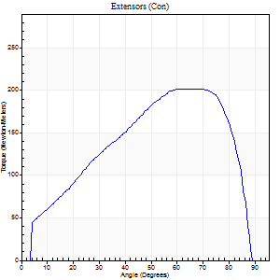
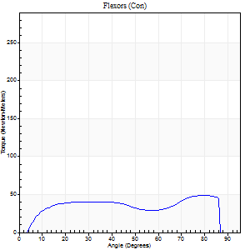
Right Side Curves Left Side Curves
Isokinetic Con/Con |  |  |  | Extensors (Con) |  | Flexors (Con)
Speed 60/60 d/s 3 Reps |  |  |  | Value | Cof Var | %BW | Value | Cof Var | %BW | Ratio

TORQUE PARAMETERS
Peak Torque (Newton-Meters - Best Repetition)
Right |  |  |  | 202 | 0.12 | 253 | 49 | 0.16 | 60 | 24
Left |  |  |  | 0 | 0 | 0 | 0 | 0 | 0 | 0
Deficit |  |  |  | 0 |  |  | 0
Work per Repetition (Newton-Meters - Best Repetition)
Right |  |  |  | 207 | 0.12 | 259 | 53 | 0.08 | 66 | 25
Left |  |  |  | 0 | 0 | 0 | 0 | 0 | 0 | 0
Deficit |  |  |  | 0 |  |  | 0
Average Power per Repetition (Watts - Best Repetition)
Right |  |  |  | 138 | 0.12 | 171 | 36 | 0.06 | 44 | 26
Left |  |  |  | 0 | 0 | 0 | 0 | 0 | 0 | 0
Deficit |  |  |  | 0 |  |  | 0
POSITION PARAMETERS
Joint Angle at Peak Torque (Degrees)
Right |  |  |  | 66 | 0.11 |  | 64 | 0.52
Left |  |  |  | 0 | 0 |  | 0 | 0
Range of Motion (Degrees)
Right |  |  |  | 1 | 0.06 |  | 90 | 0
Left |  |  |  | 0 | 0 |  | 0 | 0
TIME PARAMETERS
Time to Peak Torque (Seconds)
Right |  |  |  | 0.32 | 0.24 |  | 1.03 | 0.52
Left |  |  |  | 0 | 0 |  | 0 | 0
Time Peak Torque Held (Seconds)
Right |  |  |  | 0.16 | 0.88 |  | 0.04 | 0.96
Left |  |  |  | 0 | 0 |  | 0 | 0
Force Decay Time (Seconds)
Right |  |  |  | 0.93 | 0.05 |  | 0.4 | 1.19
Left |  |  |  | 0 | 0 |  | 0 | 0
Reciprocal Delay (Seconds)
Right |  |  |  | 0.13 | 0.11 |  | 0.1 | 0.42
Left |  |  |  | 0 | 0 |  | 0 | 0
Delay Time (Seconds)
Right |  |  |  | 0.02 | 0.28 |  | 0.06 | 0.29
Left |  |  |  | 0 | 0 |  | 0 | 0
HUMAC2015® Version: 15.000.0074 © Computer Sports Medicine, Inc. www.csmisolutions.com

Use File, Preference to set Report Heading
Long Form Torque vs. Position Report - Knee Extension/Flexion
Name: |  |  |  | TR024_114, | ID: | TR024_114 | Right/Left: | 29.10.2020 29.10.2020
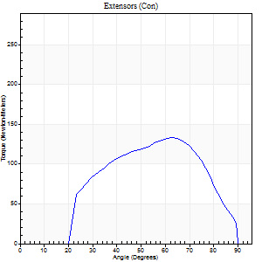
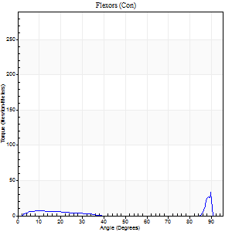
Right Side Curves Left Side Curves
Isokinetic Con/Con |  |  |  | Extensors (Con) |  | Flexors (Con)
Speed 240/240 d/s 3 Reps |  |  |  | Value | Cof Var | %BW | Value | Cof Var | %BW | Ratio

TORQUE PARAMETERS
Peak Torque (Newton-Meters - Best Repetition)
Right |  |  |  | 133 | 0.05 | 167 | 46 | 1.11 | 57 | 35
Left |  |  |  | 0 | 0 | 0 | 0 | 0 | 0 | 0
Deficit |  |  |  | 0 |  |  | 0
Work per Repetition (Newton-Meters - Best Repetition)
Right |  |  |  | 118 | 0.09 | 146 | 4 | 0.42 | 6 | 3
Left |  |  |  | 0 | 0 | 0 | 0 | 0 | 0 | 0
Deficit |  |  |  | 0 |  |  | 0
Average Power per Repetition (Watts - Best Repetition)
Right |  |  |  | 246 | 0.1 | 308 | 5 | 0.44 | 7 | 2
Left |  |  |  | 0 | 0 | 0 | 0 | 0 | 0 | 0
Deficit |  |  |  | 0 |  |  | 0
POSITION PARAMETERS
Joint Angle at Peak Torque (Degrees)
Right |  |  |  | 63 | 0.02 |  | 33 | 1.53
Left |  |  |  | 0 | 0 |  | 0 | 0
Range of Motion (Degrees)
Right |  |  |  | 1 | 0.16 |  | 90 | 0
Left |  |  |  | 0 | 0 |  | 0 | 0
TIME PARAMETERS
Time to Peak Torque (Seconds)
Right |  |  |  | 0.16 | 0 |  | 0.35 | 1.38
Left |  |  |  | 0 | 0 |  | 0 | 0
Time Peak Torque Held (Seconds)
Right |  |  |  | 0.01 | 0.87 |  | 0 | 0
Left |  |  |  | 0 | 0 |  | 0 | 0
Force Decay Time (Seconds)
Right |  |  |  | 0.31 | 0.02 |  | 0.52 | 0.97
Left |  |  |  | 0 | 0 |  | 0 | 0
Reciprocal Delay (Seconds)
Right |  |  |  | 0.17 | 0.25 |  | 0.07 | 0.31
Left |  |  |  | 0 | 0 |  | 0 | 0
Delay Time (Seconds)
Right |  |  |  | 0 | -1.41 |  | -0.02 | -0.92
Left |  |  |  | 0 | 0 |  | 0 | 0
HUMAC2015® Version: 15.000.0074 © Computer Sports Medicine, Inc. www.csmisolutions.com

Use File, Preference to set Report Heading
Isometric - Knee Extension/Flexion
Name: |  |  |  | TR024_114, | ID: | TR024_114 | Right/Left: | 29.10.2020 29.10.2020

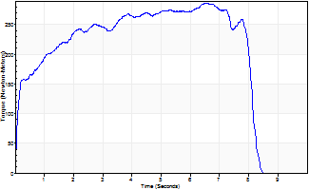
Isometric Extensors (Con) Angle 60 Time 10 Repetition 1 (Best Repetition)
 | Value | Cof Var | %BW
Peak Torque (Newton-Meters)
Right | 286 | 0 | 358
Left | 0 | 0 | 0
Deficit | 0
Average Torque (Newton-Meters)
Right | 198 | 0 | 247
Left | 0 | 0 | 0
Deficit | 0
Peak Torque Slope (Newton-Meters/Seconds)
Right | 44 | 0 | 55
Left | 0 | 0 | 0 |  | Right Side Curves Left Side Curves
Deficit | 0
Time to Half Peak Torque (Seconds)
Right | 0.17 | 0
Left | 0 | 0
Time to Peak Torque (Seconds)
Right | 6.55 | 0
Left | 0 | 0
HUMAC2015® Version: 15.000.0074 © Computer Sports Medicine, Inc. www.csmisolutions.com

Ark10
Use File, Preference to set Report Heading
Long Form Torque vs. Position Report - Knee Extension/Flexion
Name: |  |  |  | TR024_114, | ID: | TR024_114 | Right/Left: | 29.10.2020 29.10.2020
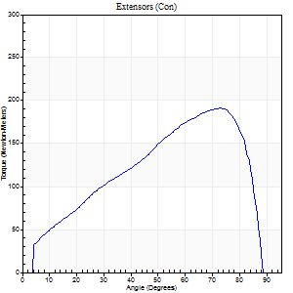
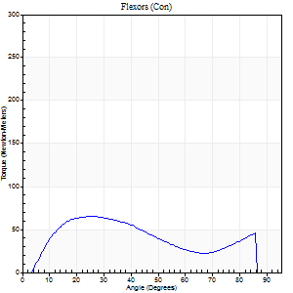
Right Side Curves Left Side Curves
Isokinetic Con/Con |  |  |  | Extensors (Con) |  | Flexors (Con)
Speed 60/60 d/s 3 Reps |  |  |  | Value | Cof Var | %BW | Value | Cof Var | %BW | Ratio

TORQUE PARAMETERS
Peak Torque (Newton-Meters - Best Repetition)
Right |  |  |  | 191 | 0.07 | 238 | 65 | 0.28 | 80 | 34
Left |  |  |  | 0 | 0 | 0 | 0 | 0 | 0 | 0
Deficit |  |  |  | 0 |  |  | 0
Work per Repetition (Newton-Meters - Best Repetition)
Right |  |  |  | 182 | 0.13 | 226 | 61 | 0.16 | 77 | 34
Left |  |  |  | 0 | 0 | 0 | 0 | 0 | 0 | 0
Deficit |  |  |  | 0 |  |  | 0
Average Power per Repetition (Watts - Best Repetition)
Right |  |  |  | 121 | 0.13 | 152 | 41 | 0.14 | 51 | 34
Left |  |  |  | 0 | 0 | 0 | 0 | 0 | 0 | 0
Deficit |  |  |  | 0 |  |  | 0
POSITION PARAMETERS
Joint Angle at Peak Torque (Degrees)
Right |  |  |  | 75 | 0.02 |  | 44 | 0.84
Left |  |  |  | 0 | 0 |  | 0 | 0
Range of Motion (Degrees)
Right |  |  |  | 1 | 0 |  | 90 | 0
Left |  |  |  | 0 | 0 |  | 0 | 0
TIME PARAMETERS
Time to Peak Torque (Seconds)
Right |  |  |  | 0.25 | 0.06 |  | 0.69 | 0.9
Left |  |  |  | 0 | 0 |  | 0 | 0
Time Peak Torque Held (Seconds)
Right |  |  |  | 0.03 | 0.67 |  | 0.02 | 1.73
Left |  |  |  | 0 | 0 |  | 0 | 0
Force Decay Time (Seconds)
Right |  |  |  | 1.22 | 0.03 |  | 0.76 | 0.74
Left |  |  |  | 0 | 0 |  | 0 | 0
Reciprocal Delay (Seconds)
Right |  |  |  | 0.12 | 0.06 |  | 0.09 | 0.11
Left |  |  |  | 0 | 0 |  | 0 | 0
Delay Time (Seconds)
Right |  |  |  | 0.03 | 0 |  | 0.06 | 0.18
Left |  |  |  | 0 | 0 |  | 0 | 0
HUMAC2015® Version: 15.000.0074 © Computer Sports Medicine, Inc. www.csmisolutions.com

Use File, Preference to set Report Heading
Long Form Torque vs. Position Report - Knee Extension/Flexion
Name: |  |  |  | TR024_114, | ID: | TR024_114 | Right/Left: | 29.10.2020 29.10.2020
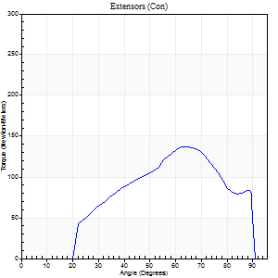
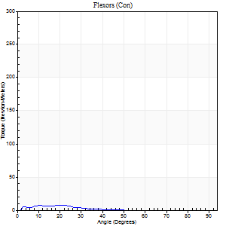
Right Side Curves Left Side Curves
Isokinetic Con/Con |  |  |  | Extensors (Con) |  | Flexors (Con)
Speed 240/240 d/s 3 Reps |  |  |  | Value | Cof Var | %BW | Value | Cof Var | %BW | Ratio

TORQUE PARAMETERS
Peak Torque (Newton-Meters - Best Repetition)
Right |  |  |  | 137 | 0.02 | 170 | 8 | 0.14 | 9 | 6
Left |  |  |  | 0 | 0 | 0 | 0 | 0 | 0 | 0
Deficit |  |  |  | 0 |  |  | 0
Work per Repetition (Newton-Meters - Best Repetition)
Right |  |  |  | 118 | 0.03 | 146 | 4 | 0.15 | 6 | 3
Left |  |  |  | 0 | 0 | 0 | 0 | 0 | 0 | 0
Deficit |  |  |  | 0 |  |  | 0
Average Power per Repetition (Watts - Best Repetition)
Right |  |  |  | 245 | 0.05 | 305 | 5 | 0.19 | 7 | 2
Left |  |  |  | 0 | 0 | 0 | 0 | 0 | 0 | 0
Deficit |  |  |  | 0 |  |  | 0
POSITION PARAMETERS
Joint Angle at Peak Torque (Degrees)
Right |  |  |  | 63 | 0.02 |  | 15 | 0.34
Left |  |  |  | 0 | 0 |  | 0 | 0
Range of Motion (Degrees)
Right |  |  |  | 1 | 0.03 |  | 90 | 0
Left |  |  |  | 0 | 0 |  | 0 | 0
TIME PARAMETERS
Time to Peak Torque (Seconds)
Right |  |  |  | 0.16 | 0.05 |  | 0.2 | 0.13
Left |  |  |  | 0 | 0 |  | 0 | 0
Time Peak Torque Held (Seconds)
Right |  |  |  | 0.01 | 0.87 |  | 0 | 0
Left |  |  |  | 0 | 0 |  | 0 | 0
Force Decay Time (Seconds)
Right |  |  |  | 0.31 | 0.03 |  | 0.55 | 0.18
Left |  |  |  | 0 | 0 |  | 0 | 0
Reciprocal Delay (Seconds)
Right |  |  |  | 0.21 | 0.07 |  | 0.06 | 0.1
Left |  |  |  | 0 | 0 |  | 0 | 0
Delay Time (Seconds)
Right |  |  |  | 0.01 | 0 |  | -0.01 | -1
Left |  |  |  | 0 | 0 |  | 0 | 0
HUMAC2015® Version: 15.000.0074 © Computer Sports Medicine, Inc. www.csmisolutions.com

Use File, Preference to set Report Heading
Isometric - Knee Extension/Flexion
Name: |  |  |  | TR024_114, | ID: | TR024_114 | Right/Left: | 29.10.2020 29.10.2020

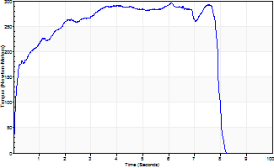
Isometric Extensors (Con) Angle 60 Time 10 Repetition 1 (Best Repetition)
 | Value | Cof Var | %BW
Peak Torque (Newton-Meters)
Right | 296 | 0 | 370
Left | 0 | 0 | 0
Deficit | 0
Average Torque (Newton-Meters)
Right | 207 | 0 | 259
Left | 0 | 0 | 0
Deficit | 0
Peak Torque Slope (Newton-Meters/Seconds)
Right | 48 | 0 | 60
Left | 0 | 0 | 0 |  | Right Side Curves Left Side Curves
Deficit | 0
Time to Half Peak Torque (Seconds)
Right | 0.16 | 0
Left | 0 | 0
Time to Peak Torque (Seconds)
Right | 6.1 | 0
Left | 0 | 0
HUMAC2015® Version: 15.000.0074 © Computer Sports Medicine, Inc. www.csmisolutions.com

Ark11
Use File, Preference to set Report Heading
Long Form Torque vs. Position Report - Knee Extension/Flexion
Name: |  |  |  | TR024_114, | ID: | TR024_114 | Right/Left: | 30.10.2020 30.10.2020
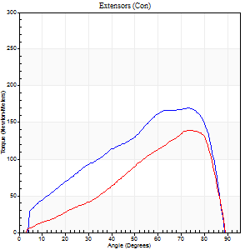

Right Side Curves Left Side Curves
Isokinetic Con/Con |  |  |  | Extensors (Con) |  | Flexors (Con)
Speed 60/60 d/s 3 Reps |  |  |  | Value | Cof Var | %BW | Value | Cof Var | %BW | Ratio

TORQUE PARAMETERS
Peak Torque (Newton-Meters - Best Repetition)
Right |  |  |  | 170 | 0.02 | 212 | 62 | 0.2 | 77 | 37
Left |  |  |  | 140 | 0.13 | 176 | 49 | 0.3 | 60 | 35
Deficit |  |  |  | 18 |  |  | 22
Work per Repetition (Newton-Meters - Best Repetition)
Right |  |  |  | 164 | 0.09 | 206 | 72 | 0.18 | 89 | 44
Left |  |  |  | 111 | 0.14 | 140 | 56 | 0.31 | 69 | 50
Deficit |  |  |  | 32 |  |  | 23
Average Power per Repetition (Watts - Best Repetition)
Right |  |  |  | 109 | 0.09 | 136 | 47 | 0.17 | 59 | 43
Left |  |  |  | 74 | 0.14 | 92 | 35 | 0.28 | 44 | 47
Deficit |  |  |  | 32 |  |  | 26
POSITION PARAMETERS
Joint Angle at Peak Torque (Degrees)
Right |  |  |  | 74 | 0.03 |  | 49 | 0.66
Left |  |  |  | 74 | 0.05 |  | 61 | 0.49
Range of Motion (Degrees)
Right |  |  |  | 1 | 0 |  | 90 | 0
Left |  |  |  | 1 | 0.28 |  | 90 | 0
TIME PARAMETERS
Time to Peak Torque (Seconds)
Right |  |  |  | 0.25 | 0.08 |  | 0.78 | 0.69
Left |  |  |  | 0.28 | 0.03 |  | 1.06 | 0.48
Time Peak Torque Held (Seconds)
Right |  |  |  | 0.03 | 0.58 |  | 0.03 | 0.92
Left |  |  |  | 0.03 | 0 |  | 0.09 | 1.73
Force Decay Time (Seconds)
Right |  |  |  | 1.22 | 0.04 |  | 0.66 | 0.74
Left |  |  |  | 1.22 | 0.05 |  | 0.39 | 1.29
Reciprocal Delay (Seconds)
Right |  |  |  | 0.09 | 0.22 |  | 0.09 | 0.18
Left |  |  |  | 0.11 | 0.18 |  | 0.08 | 0.18
Delay Time (Seconds)
Right |  |  |  | 0.04 | 0.2 |  | 0.06 | 0.41
Left |  |  |  | 0.03 | 0.94 |  | -0.02 | -1.24
HUMAC2015® Version: 15.000.0074 © Computer Sports Medicine, Inc. www.csmisolutions.com

Use File, Preference to set Report Heading
Long Form Torque vs. Position Report - Knee Extension/Flexion
Name: |  |  |  | TR024_114, | ID: | TR024_114 | Right/Left: | 30.10.2020 30.10.2020


Right Side Curves Left Side Curves
Isokinetic Con/Con |  |  |  | Extensors (Con) |  | Flexors (Con)
Speed 240/240 d/s 3 Reps |  |  |  | Value | Cof Var | %BW | Value | Cof Var | %BW | Ratio

TORQUE PARAMETERS
Peak Torque (Newton-Meters - Best Repetition)
Right |  |  |  | 133 | 0.12 | 167 | 53 | 1.13 | 66 | 40
Left |  |  |  | 106 | 0.25 | 131 | 49 | 0.58 | 60 | 46
Deficit |  |  |  | 20 |  |  | 8
Work per Repetition (Newton-Meters - Best Repetition)
Right |  |  |  | 113 | 0.14 | 140 | 9 | 0.66 | 12 | 8
Left |  |  |  | 77 | 0.23 | 95 | 4 | 1.2 | 6 | 5
Deficit |  |  |  | 31 |  |  | 57
Average Power per Repetition (Watts - Best Repetition)
Right |  |  |  | 234 | 0.16 | 292 | 14 | 0.7 | 18 | 6
Left |  |  |  | 161 | 0.25 | 200 | 8 | 0.62 | 11 | 5
Deficit |  |  |  | 31 |  |  | 43
POSITION PARAMETERS
Joint Angle at Peak Torque (Degrees)
Right |  |  |  | 59 | 0.01 |  | 32 | 1.56
Left |  |  |  | 62 | 0.02 |  | 62 | 0.81
Range of Motion (Degrees)
Right |  |  |  | 1 | 0.1 |  | 90 | 0
Left |  |  |  | 2 | 0.06 |  | 90 | 0
TIME PARAMETERS
Time to Peak Torque (Seconds)
Right |  |  |  | 0.18 | 0.04 |  | 0.29 | 1.4
Left |  |  |  | 0.17 | 0 |  | 0.24 | 0.62
Time Peak Torque Held (Seconds)
Right |  |  |  | 0.01 | 0.87 |  | 0 | 0
Left |  |  |  | 0 | 0 |  | 0 | 1.73
Force Decay Time (Seconds)
Right |  |  |  | 0.29 | 0.04 |  | 0.42 | 1.05
Left |  |  |  | 0.3 | 0.02 |  | 0.06 | 5.98
Reciprocal Delay (Seconds)
Right |  |  |  | 0.19 | 0.11 |  | 0.06 | 0.1
Left |  |  |  | 0.38 | 0.06 |  | 0.05 | 0
Delay Time (Seconds)
Right |  |  |  | 0 | 0 |  | -0.02 | -0.25
Left |  |  |  | 0 | 1.41 |  | 0.47 | 0.93
HUMAC2015® Version: 15.000.0074 © Computer Sports Medicine, Inc. www.csmisolutions.com

Use File, Preference to set Report Heading
Isometric - Knee Extension/Flexion
Name: |  |  |  | TR024_114, | ID: | TR024_114 | Right/Left: | 30.10.2020 30.10.2020


Isometric Extensors (Con) Angle 60 Time 10 Repetition 1 (Best Repetition)
 | Value | Cof Var | %BW
Peak Torque (Newton-Meters)
Right | 266 | 0 | 331
Left | 292 | 0 | 364
Deficit | 9
Average Torque (Newton-Meters)
Right | 152 | 0 | 191
Left | 207 | 0 | 259
Deficit | 27
Peak Torque Slope (Newton-Meters/Seconds)
Right | 41 | 0 | 51
Left | 37 | 0 | 46 |  | Right Side Curves Left Side Curves
Deficit | 9
Time to Half Peak Torque (Seconds)
Right | 0.18 | 0
Left | 1.39 | 0
Time to Peak Torque (Seconds)
Right | 6.51 | 0
Left | 7.86 | 0
HUMAC2015® Version: 15.000.0074 © Computer Sports Medicine, Inc. www.csmisolutions.com

Ark12
Use File, Preference to set Report Heading
Long Form Torque vs. Position Report - Knee Extension/Flexion
Name: |  |  |  | TR024_114, | ID: | TR024_114 | Right/Left: | 30.10.2020 30.10.2020


Right Side Curves Left Side Curves
Isokinetic Con/Con |  |  |  | Extensors (Con) |  | Flexors (Con)
Speed 60/60 d/s 3 Reps |  |  |  | Value | Cof Var | %BW | Value | Cof Var | %BW | Ratio

TORQUE PARAMETERS
Peak Torque (Newton-Meters - Best Repetition)
Right |  |  |  | 0 | 0 | 0 | 0 | 0 | 0 | 0
Left |  |  |  | 157 | 0.13 | 197 | 43 | 0.24 | 54 | 28
Deficit |  |  |  | 0 |  |  | 0
Work per Repetition (Newton-Meters - Best Repetition)
Right |  |  |  | 0 | 0 | 0 | 0 | 0 | 0 | 0
Left |  |  |  | 159 | 0.18 | 197 | 56 | 0.26 | 69 | 35
Deficit |  |  |  | 0 |  |  | 0
Average Power per Repetition (Watts - Best Repetition)
Right |  |  |  | 0 | 0 | 0 | 0 | 0 | 0 | 0
Left |  |  |  | 105 | 0.18 | 132 | 36 | 0.24 | 44 | 34
Deficit |  |  |  | 0 |  |  | 0
POSITION PARAMETERS
Joint Angle at Peak Torque (Degrees)
Right |  |  |  | 0 | 0 |  | 0 | 0
Left |  |  |  | 71 | 0.04 |  | 33 | 0.14
Range of Motion (Degrees)
Right |  |  |  | 0 | 0 |  | 0 | 0
Left |  |  |  | 1 | 0.22 |  | 90 | 0
TIME PARAMETERS
Time to Peak Torque (Seconds)
Right |  |  |  | 0 | 0 |  | 0 | 0
Left |  |  |  | 0.31 | 0.16 |  | 0.57 | 0.14
Time Peak Torque Held (Seconds)
Right |  |  |  | 0 | 0 |  | 0 | 0
Left |  |  |  | 0.06 | 0.67 |  | 0.24 | 1.73
Force Decay Time (Seconds)
Right |  |  |  | 0 | 0 |  | 0 | 0
Left |  |  |  | 1.14 | 0.07 |  | 0.7 | 0.5
Reciprocal Delay (Seconds)
Right |  |  |  | 0 | 0 |  | 0 | 0
Left |  |  |  | 0.11 | 0.39 |  | 0.09 | 0.24
Delay Time (Seconds)
Right |  |  |  | 0 | 0 |  | 0 | 0
Left |  |  |  | 0.02 | 0.85 |  | -0.02 | -0.92
HUMAC2015® Version: 15.000.0074 © Computer Sports Medicine, Inc. www.csmisolutions.com

Use File, Preference to set Report Heading
Long Form Torque vs. Position Report - Knee Extension/Flexion
Name: |  |  |  | TR024_114, | ID: | TR024_114 | Right/Left: | 30.10.2020 30.10.2020


Right Side Curves Left Side Curves
Isokinetic Con/Con |  |  |  | Extensors (Con) |  | Flexors (Con)
Speed 240/240 d/s 3 Reps |  |  |  | Value | Cof Var | %BW | Value | Cof Var | %BW | Ratio

TORQUE PARAMETERS
Peak Torque (Newton-Meters - Best Repetition)
Right |  |  |  | 0 | 0 | 0 | 0 | 0 | 0 | 0
Left |  |  |  | 122 | 0.13 | 152 | 54 | 0.62 | 69 | 44
Deficit |  |  |  | 0 |  |  | 0
Work per Repetition (Newton-Meters - Best Repetition)
Right |  |  |  | 0 | 0 | 0 | 0 | 0 | 0 | 0
Left |  |  |  | 102 | 0.18 | 128 | 8 | 0.68 | 9 | 8
Deficit |  |  |  | 0 |  |  | 0
Average Power per Repetition (Watts - Best Repetition)
Right |  |  |  | 0 | 0 | 0 | 0 | 0 | 0 | 0
Left |  |  |  | 212 | 0.18 | 264 | 12 | 0.32 | 15 | 6
Deficit |  |  |  | 0 |  |  | 0
POSITION PARAMETERS
Joint Angle at Peak Torque (Degrees)
Right |  |  |  | 0 | 0 |  | 0 | 0
Left |  |  |  | 61 | 0 |  | 61 | 0.82
Range of Motion (Degrees)
Right |  |  |  | 0 | 0 |  | 0 | 0
Left |  |  |  | 2 | 0.05 |  | 90 | 0
TIME PARAMETERS
Time to Peak Torque (Seconds)
Right |  |  |  | 0 | 0 |  | 0 | 0
Left |  |  |  | 0.18 | 0.04 |  | 0.4 | 0.93
Time Peak Torque Held (Seconds)
Right |  |  |  | 0 | 0 |  | 0 | 0
Left |  |  |  | 0 | 1.73 |  | 0 | 0
Force Decay Time (Seconds)
Right |  |  |  | 0 | 0 |  | 0 | 0
Left |  |  |  | 0.3 | 0.02 |  | 0.1 | 3.79
Reciprocal Delay (Seconds)
Right |  |  |  | 0 | 0 |  | 0 | 0
Left |  |  |  | 0.28 | 0.03 |  | 0.05 | 0.12
Delay Time (Seconds)
Right |  |  |  | 0 | 0 |  | 0 | 0
Left |  |  |  | 0 | 0 |  | 0.14 | 2.04
HUMAC2015® Version: 15.000.0074 © Computer Sports Medicine, Inc. www.csmisolutions.com

Use File, Preference to set Report Heading
Isometric - Knee Extension/Flexion
Name: |  |  |  | TR024_114, | ID: | TR024_114 | Right/Left: | 30.10.2020 30.10.2020


Isometric Extensors (Con) Angle 60 Time 10 Repetition 1 (Best Repetition)
 | Value | Cof Var | %BW
Peak Torque (Newton-Meters)
Right | 0 | 0 | 0
Left | 292 | 0 | 364
Deficit | 0
Average Torque (Newton-Meters)
Right | 0 | 0 | 0
Left | 216 | 0 | 268
Deficit | 0
Peak Torque Slope (Newton-Meters/Seconds)
Right | 0 | 0 | 0
Left | 52 | 0 | 65 |  | Right Side Curves Left Side Curves
Deficit | 0
Time to Half Peak Torque (Seconds)
Right | 0 | 0
Left | 0.53 | 0
Time to Peak Torque (Seconds)
Right | 0 | 0
Left | 5.61 | 0
HUMAC2015® Version: 15.000.0074 © Computer Sports Medicine, Inc. www.csmisolutions.com

Ark13
Use File, Preference to set Report Heading
Long Form Torque vs. Position Report - Knee Extension/Flexion
Name: |  |  |  | TR024_114, | ID: | TR024_114 | Right/Left: | 30.10.2020 30.10.2020


Right Side Curves Left Side Curves
Isokinetic Con/Con |  |  |  | Extensors (Con) |  | Flexors (Con)
Speed 60/60 d/s 3 Reps |  |  |  | Value | Cof Var | %BW | Value | Cof Var | %BW | Ratio

TORQUE PARAMETERS
Peak Torque (Newton-Meters - Best Repetition)
Right |  |  |  | 0 | 0 | 0 | 0 | 0 | 0 | 0
Left |  |  |  | 134 | 0.07 | 167 | 47 | 0.26 | 60 | 35
Deficit |  |  |  | 0 |  |  | 0
Work per Repetition (Newton-Meters - Best Repetition)
Right |  |  |  | 0 | 0 | 0 | 0 | 0 | 0 | 0
Left |  |  |  | 129 | 0.11 | 161 | 53 | 0.23 | 66 | 41
Deficit |  |  |  | 0 |  |  | 0
Average Power per Repetition (Watts - Best Repetition)
Right |  |  |  | 0 | 0 | 0 | 0 | 0 | 0 | 0
Left |  |  |  | 86 | 0.11 | 108 | 33 | 0.21 | 42 | 38
Deficit |  |  |  | 0 |  |  | 0
POSITION PARAMETERS
Joint Angle at Peak Torque (Degrees)
Right |  |  |  | 0 | 0 |  | 0 | 0
Left |  |  |  | 69 | 0.04 |  | 65 | 0.5
Range of Motion (Degrees)
Right |  |  |  | 0 | 0 |  | 0 | 0
Left |  |  |  | 0 | 0 |  | 90 | 0
TIME PARAMETERS
Time to Peak Torque (Seconds)
Right |  |  |  | 0 | 0 |  | 0 | 0
Left |  |  |  | 0.32 | 0.15 |  | 1.12 | 0.48
Time Peak Torque Held (Seconds)
Right |  |  |  | 0 | 0 |  | 0 | 0
Left |  |  |  | 0.03 | 0.35 |  | 0.05 | 0.92
Force Decay Time (Seconds)
Right |  |  |  | 0 | 0 |  | 0 | 0
Left |  |  |  | 1.14 | 0.04 |  | 0.35 | 1.32
Reciprocal Delay (Seconds)
Right |  |  |  | 0 | 0 |  | 0 | 0
Left |  |  |  | 0.1 | 0 |  | 0.11 | 0.31
Delay Time (Seconds)
Right |  |  |  | 0 | 0 |  | 0 | 0
Left |  |  |  | 0.04 | 0 |  | -0.02 | -0.35
HUMAC2015® Version: 15.000.0074 © Computer Sports Medicine, Inc. www.csmisolutions.com

Use File, Preference to set Report Heading
Long Form Torque vs. Position Report - Knee Extension/Flexion
Name: |  |  |  | TR024_114, | ID: | TR024_114 | Right/Left: | 30.10.2020 30.10.2020


Right Side Curves Left Side Curves
Isokinetic Con/Con |  |  |  | Extensors (Con) |  | Flexors (Con)
Speed 240/240 d/s 3 Reps |  |  |  | Value | Cof Var | %BW | Value | Cof Var | %BW | Ratio

TORQUE PARAMETERS
Peak Torque (Newton-Meters - Best Repetition)
Right |  |  |  | 0 | 0 | 0 | 0 | 0 | 0 | 0
Left |  |  |  | 118 | 0.1 | 146 | 47 | 0.63 | 60 | 40
Deficit |  |  |  | 0 |  |  | 0
Work per Repetition (Newton-Meters - Best Repetition)
Right |  |  |  | 0 | 0 | 0 | 0 | 0 | 0 | 0
Left |  |  |  | 89 | 0.12 | 113 | 9 | 0.59 | 12 | 11
Deficit |  |  |  | 0 |  |  | 0
Average Power per Repetition (Watts - Best Repetition)
Right |  |  |  | 0 | 0 | 0 | 0 | 0 | 0 | 0
Left |  |  |  | 181 | 0.12 | 226 | 13 | 0.18 | 15 | 7
Deficit |  |  |  | 0 |  |  | 0
POSITION PARAMETERS
Joint Angle at Peak Torque (Degrees)
Right |  |  |  | 0 | 0 |  | 0 | 0
Left |  |  |  | 59 | 0.04 |  | 63 | 0.73
Range of Motion (Degrees)
Right |  |  |  | 0 | 0 |  | 0 | 0
Left |  |  |  | 2 | 0 |  | 90 | 0
TIME PARAMETERS
Time to Peak Torque (Seconds)
Right |  |  |  | 0 | 0 |  | 0 | 0
Left |  |  |  | 0.19 | 0.15 |  | 0.42 | 0.8
Time Peak Torque Held (Seconds)
Right |  |  |  | 0 | 0 |  | 0 | 0
Left |  |  |  | 0.01 | 0.87 |  | 0.01 | 1.73
Force Decay Time (Seconds)
Right |  |  |  | 0 | 0 |  | 0 | 0
Left |  |  |  | 0.29 | 0.03 |  | 0.06 | 5.4
Reciprocal Delay (Seconds)
Right |  |  |  | 0 | 0 |  | 0 | 0
Left |  |  |  | 0.25 | 0.14 |  | 0.05 | 0
Delay Time (Seconds)
Right |  |  |  | 0 | 0 |  | 0 | 0
Left |  |  |  | 0 | -1.41 |  | 0.14 | 2.09
HUMAC2015® Version: 15.000.0074 © Computer Sports Medicine, Inc. www.csmisolutions.com

Use File, Preference to set Report Heading
Isometric - Knee Extension/Flexion
Name: |  |  |  | TR024_114, | ID: | TR024_114 | Right/Left: | 30.10.2020 30.10.2020


Isometric Extensors (Con) Angle 60 Time 10 Repetition 1 (Best Repetition)
 | Value | Cof Var | %BW
Peak Torque (Newton-Meters)
Right | 0 | 0 | 0
Left | 293 | 0 | 367
Deficit | 0
Average Torque (Newton-Meters)
Right | 0 | 0 | 0
Left | 216 | 0 | 268
Deficit | 0
Peak Torque Slope (Newton-Meters/Seconds)
Right | 0 | 0 | 0
Left | 33 | 0 | 42 |  | Right Side Curves Left Side Curves
Deficit | 0
Time to Half Peak Torque (Seconds)
Right | 0 | 0
Left | 1.02 | 0
Time to Peak Torque (Seconds)
Right | 0 | 0
Left | 8.78 | 0
HUMAC2015® Version: 15.000.0074 © Computer Sports Medicine, Inc. www.csmisolutions.com

Ark14
Use File, Preference to set Report Heading
Long Form Torque vs. Position Report - Knee Extension/Flexion
Name: |  |  |  | TR024_114, | ID: | TR024_114 | Right/Left: | 31.10.2020 31.10.2020


Right Side Curves Left Side Curves
Isokinetic Con/Con |  |  |  | Extensors (Con) |  | Flexors (Con)
Speed 60/60 d/s 3 Reps |  |  |  | Value | Cof Var | %BW | Value | Cof Var | %BW | Ratio

TORQUE PARAMETERS
Peak Torque (Newton-Meters - Best Repetition)
Right |  |  |  | 0 | 0 | 0 | 0 | 0 | 0 | 0
Left |  |  |  | 221 | 0.05 | 277 | 77 | 0.35 | 95 | 35
Deficit |  |  |  | 0 |  |  | 0
Work per Repetition (Newton-Meters - Best Repetition)
Right |  |  |  | 0 | 0 | 0 | 0 | 0 | 0 | 0
Left |  |  |  | 197 | 0.01 | 244 | 71 | 0.23 | 89 | 36
Deficit |  |  |  | 0 |  |  | 0
Average Power per Repetition (Watts - Best Repetition)
Right |  |  |  | 0 | 0 | 0 | 0 | 0 | 0 | 0
Left |  |  |  | 133 | 0.01 | 167 | 46 | 0.21 | 57 | 35
Deficit |  |  |  | 0 |  |  | 0
POSITION PARAMETERS
Joint Angle at Peak Torque (Degrees)
Right |  |  |  | 0 | 0 |  | 0 | 0
Left |  |  |  | 72 | 0.02 |  | 68 | 0.42
Range of Motion (Degrees)
Right |  |  |  | 0 | 0 |  | 0 | 0
Left |  |  |  | 1 | 0.18 |  | 90 | 0
TIME PARAMETERS
Time to Peak Torque (Seconds)
Right |  |  |  | 0 | 0 |  | 0 | 0
Left |  |  |  | 0.26 | 0.11 |  | 1.12 | 0.42
Time Peak Torque Held (Seconds)
Right |  |  |  | 0 | 0 |  | 0 | 0
Left |  |  |  | 0.03 | 0.22 |  | 0.03 | 1.15
Force Decay Time (Seconds)
Right |  |  |  | 0 | 0 |  | 0 | 0
Left |  |  |  | 1.19 | 0.01 |  | 0.35 | 1.16
Reciprocal Delay (Seconds)
Right |  |  |  | 0 | 0 |  | 0 | 0
Left |  |  |  | 0.14 | 0.15 |  | 0.07 | 0
Delay Time (Seconds)
Right |  |  |  | 0 | 0 |  | 0 | 0
Left |  |  |  | 0.04 | 0.2 |  | 0.02 | 0.49
HUMAC2015® Version: 15.000.0074 © Computer Sports Medicine, Inc. www.csmisolutions.com

Use File, Preference to set Report Heading
Long Form Torque vs. Position Report - Knee Extension/Flexion
Name: |  |  |  | TR024_114, | ID: | TR024_114 | Right/Left: | 31.10.2020 31.10.2020


Right Side Curves Left Side Curves
Isokinetic Con/Con |  |  |  | Extensors (Con) |  | Flexors (Con)
Speed 240/240 d/s 3 Reps |  |  |  | Value | Cof Var | %BW | Value | Cof Var | %BW | Ratio

TORQUE PARAMETERS
Peak Torque (Newton-Meters - Best Repetition)
Right |  |  |  | 0 | 0 | 0 | 0 | 0 | 0 | 0
Left |  |  |  | 156 | 0.03 | 194 | 69 | 0.62 | 86 | 44
Deficit |  |  |  | 0 |  |  | 0
Work per Repetition (Newton-Meters - Best Repetition)
Right |  |  |  | 0 | 0 | 0 | 0 | 0 | 0 | 0
Left |  |  |  | 134 | 0.09 | 167 | 12 | 0.36 | 15 | 9
Deficit |  |  |  | 0 |  |  | 0
Average Power per Repetition (Watts - Best Repetition)
Right |  |  |  | 0 | 0 | 0 | 0 | 0 | 0 | 0
Left |  |  |  | 279 | 0.08 | 349 | 24 | 0.58 | 31 | 9
Deficit |  |  |  | 0 |  |  | 0
POSITION PARAMETERS
Joint Angle at Peak Torque (Degrees)
Right |  |  |  | 0 | 0 |  | 0 | 0
Left |  |  |  | 61 | 0.01 |  | 72 | 0.44
Range of Motion (Degrees)
Right |  |  |  | 0 | 0 |  | 0 | 0
Left |  |  |  | 2 | 0.06 |  | 90 | 0
TIME PARAMETERS
Time to Peak Torque (Seconds)
Right |  |  |  | 0 | 0 |  | 0 | 0
Left |  |  |  | 0.16 | 0.04 |  | 0.63 | 0.55
Time Peak Torque Held (Seconds)
Right |  |  |  | 0 | 0 |  | 0 | 0
Left |  |  |  | 0 | 0 |  | 0 | 0
Force Decay Time (Seconds)
Right |  |  |  | 0 | 0 |  | 0 | 0
Left |  |  |  | 0.3 | 0.02 |  | 0 | -63.66
Reciprocal Delay (Seconds)
Right |  |  |  | 0 | 0 |  | 0 | 0
Left |  |  |  | 0.32 | 0.02 |  | 0.04 | 0.13
Delay Time (Seconds)
Right |  |  |  | 0 | 0 |  | 0 | 0
Left |  |  |  | 0 | 1.41 |  | -0.02 | -0.69
HUMAC2015® Version: 15.000.0074 © Computer Sports Medicine, Inc. www.csmisolutions.com

Use File, Preference to set Report Heading
Isometric - Knee Extension/Flexion
Name: |  |  |  | TR024_114, | ID: | TR024_114 | Right/Left: | 31.10.2020 31.10.2020


Isometric Extensors (Con) Angle 60 Time 10 Repetition 1 (Best Repetition)
 | Value | Cof Var | %BW
Peak Torque (Newton-Meters)
Right | 0 | 0 | 0
Left | 346 | 0 | 432
Deficit | 0
Average Torque (Newton-Meters)
Right | 0 | 0 | 0
Left | 201 | 0 | 250
Deficit | 0
Peak Torque Slope (Newton-Meters/Seconds)
Right | 0 | 0 | 0
Left | 52 | 0 | 65 |  | Right Side Curves Left Side Curves
Deficit | 0
Time to Half Peak Torque (Seconds)
Right | 0 | 0
Left | 0.31 | 0
Time to Peak Torque (Seconds)
Right | 0 | 0
Left | 6.6 | 0
HUMAC2015® Version: 15.000.0074 © Computer Sports Medicine, Inc. www.csmisolutions.com

