Ark1
Use File, Preference to set Report Heading
Long Form Torque vs. Position Report - Knee Extension/Flexion
Name: |  |  |  | TR024_115, | ID: | TR024_115 | Right/Left: | 26.10.2020 26.10.2020
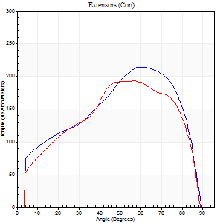
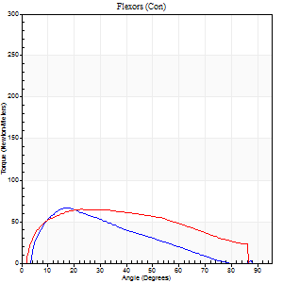
Right Side Curves Left Side Curves
Isokinetic Con/Con |  |  |  | Extensors (Con) |  | Flexors (Con)
Speed 60/60 d/s 3 Reps |  |  |  | Value | Cof Var | %BW | Value | Cof Var | %BW | Ratio

TORQUE PARAMETERS
Peak Torque (Newton-Meters - Best Repetition)
Right |  |  |  | 214 | 0.08 | 307 | 66 | 0.49 | 95 | 31
Left |  |  |  | 194 | 0.06 | 277 | 65 | 0.35 | 92 | 34
Deficit |  |  |  | 9 |  |  | 2
Work per Repetition (Newton-Meters - Best Repetition)
Right |  |  |  | 222 | 0.04 | 316 | 46 | 0.4 | 66 | 21
Left |  |  |  | 207 | 0.04 | 295 | 72 | 0.38 | 101 | 35
Deficit |  |  |  | 7 |  |  | 36
Average Power per Repetition (Watts - Best Repetition)
Right |  |  |  | 147 | 0.06 | 209 | 28 | 0.34 | 40 | 19
Left |  |  |  | 138 | 0.05 | 198 | 47 | 0.37 | 68 | 34
Deficit |  |  |  | 6 |  |  | 40
POSITION PARAMETERS
Joint Angle at Peak Torque (Degrees)
Right |  |  |  | 59 | 0.04 |  | 19 | 0.27
Left |  |  |  | 54 | 0.05 |  | 30 | 0.21
Range of Motion (Degrees)
Right |  |  |  | 0 | 1.23 |  | 90 | 0
Left |  |  |  | 1 | 0.75 |  | 90 | 0.01
TIME PARAMETERS
Time to Peak Torque (Seconds)
Right |  |  |  | 0.53 | 0.01 |  | 0.27 | 0.29
Left |  |  |  | 0.6 | 0.05 |  | 0.48 | 0.22
Time Peak Torque Held (Seconds)
Right |  |  |  | 0.09 | 0.12 |  | 0.01 | 0.87
Left |  |  |  | 0.1 | 0.26 |  | 0.33 | 1.4
Force Decay Time (Seconds)
Right |  |  |  | 0.91 | 0.05 |  | 1.22 | 0.16
Left |  |  |  | 0.81 | 0.07 |  | 0.67 | 0.79
Reciprocal Delay (Seconds)
Right |  |  |  | 0.17 | 0.75 |  | 0.08 | 0.48
Left |  |  |  | 0.08 | 0.47 |  | 0.09 | 0.55
Delay Time (Seconds)
Right |  |  |  | 0.01 | 2.83 |  | 0.06 | 0.44
Left |  |  |  | 0.02 | 0.85 |  | 0.02 | 0.65
HUMAC2015® Version: 15.000.0074 © Computer Sports Medicine, Inc. www.csmisolutions.com

Use File, Preference to set Report Heading
Long Form Torque vs. Position Report - Knee Extension/Flexion
Name: |  |  |  | TR024_115, | ID: | TR024_115 | Right/Left: | 26.10.2020 26.10.2020
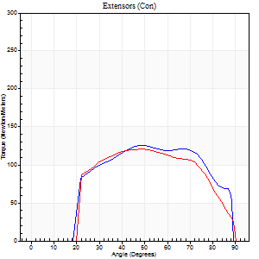
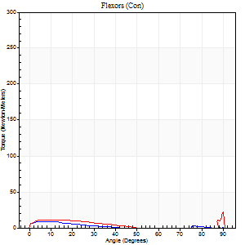
Right Side Curves Left Side Curves
Isokinetic Con/Con |  |  |  | Extensors (Con) |  | Flexors (Con)
Speed 240/240 d/s 3 Reps |  |  |  | Value | Cof Var | %BW | Value | Cof Var | %BW | Ratio

TORQUE PARAMETERS
Peak Torque (Newton-Meters - Best Repetition)
Right |  |  |  | 125 | 0.02 | 179 | 23 | 0.68 | 33 | 18
Left |  |  |  | 121 | 0.04 | 173 | 30 | 0.69 | 42 | 25
Deficit |  |  |  | 3 |  |  | 23
Work per Repetition (Newton-Meters - Best Repetition)
Right |  |  |  | 129 | 0.03 | 185 | 4 | 0.27 | 6 | 3
Left |  |  |  | 119 | 0.05 | 170 | 7 | 0.23 | 9 | 6
Deficit |  |  |  | 7 |  |  | 40
Average Power per Repetition (Watts - Best Repetition)
Right |  |  |  | 231 | 0.24 | 330 | 2 | 0.45 | 2 | 1
Left |  |  |  | 221 | 0.04 | 316 | 7 | 0.27 | 11 | 3
Deficit |  |  |  | 4 |  |  | 71
POSITION PARAMETERS
Joint Angle at Peak Torque (Degrees)
Right |  |  |  | 51 | 0.02 |  | 33 | 1.51
Left |  |  |  | 49 | 0.03 |  | 63 | 0.75
Range of Motion (Degrees)
Right |  |  |  | 0 | 0.61 |  | 90 | 0.01
Left |  |  |  | 0 | 0.16 |  | 90 | 0
TIME PARAMETERS
Time to Peak Torque (Seconds)
Right |  |  |  | 0.22 | 0 |  | 0.71 | 1.38
Left |  |  |  | 0.22 | 0.03 |  | 0.92 | 0.66
Time Peak Torque Held (Seconds)
Right |  |  |  | 0.01 | 0.43 |  | 0 | 0
Left |  |  |  | 0.02 | 0.35 |  | 0 | 0
Force Decay Time (Seconds)
Right |  |  |  | 0.3 | 0.04 |  | 1.31 | 1.04
Left |  |  |  | 0.28 | 0.04 |  | 0.11 | 3.52
Reciprocal Delay (Seconds)
Right |  |  |  | 0.54 | 0.06 |  | 0.33 | 0.14
Left |  |  |  | 0.21 | 0.2 |  | 0.14 | 0.31
Delay Time (Seconds)
Right |  |  |  | -0.01 | 0 |  | -0.04 | -0.35
Left |  |  |  | 0 | -1.41 |  | -0.06 | -0.18
HUMAC2015® Version: 15.000.0074 © Computer Sports Medicine, Inc. www.csmisolutions.com

Use File, Preference to set Report Heading
Isometric - Knee Extension/Flexion
Name: |  |  |  | TR024_115, | ID: | TR024_115 | Right/Left: | 26.10.2020 26.10.2020

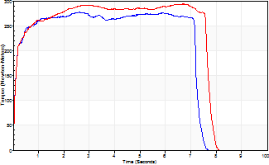
Isometric Extensors (Con) Angle 60 Time 10 Repetition 1 (Best Repetition)
 | Value | Cof Var | %BW
Peak Torque (Newton-Meters)
Right | 277 | 0 | 393
Left | 293 | 0 | 417
Deficit | 6
Average Torque (Newton-Meters)
Right | 190 | 0 | 271
Left | 212 | 0 | 301
Deficit | 10
Peak Torque Slope (Newton-Meters/Seconds)
Right | 107 | 0 | 152
Left | 44 | 0 | 62 |  | Right Side Curves Left Side Curves
Deficit | 59
Time to Half Peak Torque (Seconds)
Right | 0.09 | 0
Left | 0.11 | 0
Time to Peak Torque (Seconds)
Right | 2.59 | 0
Left | 6.72 | 0
HUMAC2015® Version: 15.000.0074 © Computer Sports Medicine, Inc. www.csmisolutions.com

Ark2
Use File, Preference to set Report Heading
Long Form Torque vs. Position Report - Knee Extension/Flexion
Name: |  |  |  | TR024_115, | ID: | TR024_115 | Right/Left: | 28.10.2020 28.10.2020
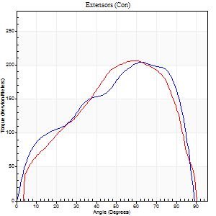
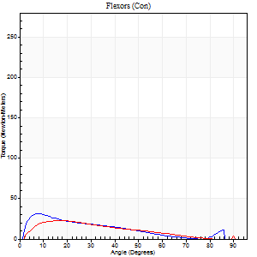
Right Side Curves Left Side Curves
Isokinetic Con/Con |  |  |  | Extensors (Con) |  | Flexors (Con)
Speed 60/60 d/s 3 Reps |  |  |  | Value | Cof Var | %BW | Value | Cof Var | %BW | Ratio

TORQUE PARAMETERS
Peak Torque (Newton-Meters - Best Repetition)
Right |  |  |  | 205 | 0.05 | 292 | 31 | 0.38 | 45 | 15
Left |  |  |  | 206 | 0.03 | 295 | 23 | 0.13 | 33 | 11
Deficit |  |  |  | 1 |  |  | 26
Work per Repetition (Newton-Meters - Best Repetition)
Right |  |  |  | 216 | 0.04 | 307 | 23 | 0.21 | 33 | 11
Left |  |  |  | 221 | 0.02 | 316 | 18 | 0.04 | 24 | 8
Deficit |  |  |  | 2 |  |  | 24
Average Power per Repetition (Watts - Best Repetition)
Right |  |  |  | 143 | 0.05 | 204 | 16 | 0.24 | 22 | 11
Left |  |  |  | 143 | 0.01 | 204 | 12 | 0.06 | 18 | 8
Deficit |  |  |  | 0 |  |  | 25
POSITION PARAMETERS
Joint Angle at Peak Torque (Degrees)
Right |  |  |  | 60 | 0.04 |  | 14 | 0.47
Left |  |  |  | 59 | 0.03 |  | 16 | 0.13
Range of Motion (Degrees)
Right |  |  |  | 0 | -4.24 |  | 90 | 0
Left |  |  |  | 0 | 0.47 |  | 90 | 0.01
TIME PARAMETERS
Time to Peak Torque (Seconds)
Right |  |  |  | 0.51 | 0 |  | 0.24 | 0.59
Left |  |  |  | 0.52 | 0.08 |  | 0.27 | 0.1
Time Peak Torque Held (Seconds)
Right |  |  |  | 0.05 | 0.33 |  | 0.03 | 0.88
Left |  |  |  | 0.08 | 0.08 |  | 0.06 | 0.78
Force Decay Time (Seconds)
Right |  |  |  | 0.99 | 0.03 |  | 1.25 | 0.15
Left |  |  |  | 0.93 | 0.03 |  | 1.21 | 0.09
Reciprocal Delay (Seconds)
Right |  |  |  | 0.17 | 0.92 |  | 0.17 | 0.77
Left |  |  |  | 0.34 | 0.1 |  | 0.12 | 0.38
Delay Time (Seconds)
Right |  |  |  | 0.02 | 0 |  | 0.03 | 1.73
Left |  |  |  | 0.01 | 0.47 |  | 0.02 | 0.69
HUMAC2015® Version: 15.000.0074 © Computer Sports Medicine, Inc. www.csmisolutions.com

Use File, Preference to set Report Heading
Long Form Torque vs. Position Report - Knee Extension/Flexion
Name: |  |  |  | TR024_115, | ID: | TR024_115 | Right/Left: | 28.10.2020 28.10.2020
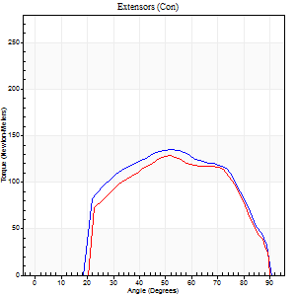
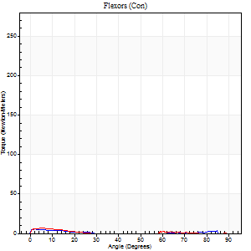
Right Side Curves Left Side Curves
Isokinetic Con/Con |  |  |  | Extensors (Con) |  | Flexors (Con)
Speed 240/240 d/s 3 Reps |  |  |  | Value | Cof Var | %BW | Value | Cof Var | %BW | Ratio

TORQUE PARAMETERS
Peak Torque (Newton-Meters - Best Repetition)
Right |  |  |  | 136 | 0.05 | 194 | 5 | 0.09 | 9 | 4
Left |  |  |  | 129 | 0.01 | 185 | 7 | 0.11 | 9 | 5
Deficit |  |  |  | 5 |  |  | 20
Work per Repetition (Newton-Meters - Best Repetition)
Right |  |  |  | 133 | 0.04 | 191 | 1 | 0.17 | 3 | 1
Left |  |  |  | 122 | 0.01 | 173 | 3 | 0.2 | 3 | 2
Deficit |  |  |  | 8 |  |  | 50
Average Power per Repetition (Watts - Best Repetition)
Right |  |  |  | 250 | 0.05 | 356 | 1 | 0.22 | 2 | 0
Left |  |  |  | 227 | 0.02 | 323 | 1 | 0.2 | 2 | 0
Deficit |  |  |  | 9 |  |  | 0
POSITION PARAMETERS
Joint Angle at Peak Torque (Degrees)
Right |  |  |  | 54 | 0.03 |  | 3 | 0.57
Left |  |  |  | 51 | 0.01 |  | 3 | 0.5
Range of Motion (Degrees)
Right |  |  |  | 0 | 1.41 |  | 90 | 0
Left |  |  |  | 0 | 0.94 |  | 90 | 0
TIME PARAMETERS
Time to Peak Torque (Seconds)
Right |  |  |  | 0.19 | 0.04 |  | 0.12 | 0.26
Left |  |  |  | 0.22 | 0.03 |  | 0.15 | 0.24
Time Peak Torque Held (Seconds)
Right |  |  |  | 0.01 | 0.43 |  | 0.06 | 0.87
Left |  |  |  | 0.01 | 0 |  | 0.04 | 1
Force Decay Time (Seconds)
Right |  |  |  | 0.31 | 0.03 |  | 1.32 | 0.1
Left |  |  |  | 0.3 | 0.02 |  | 1.67 | 0.19
Reciprocal Delay (Seconds)
Right |  |  |  | 0.16 | 0.18 |  | 0.27 | 0.29
Left |  |  |  | 0.25 | 0.42 |  | 0.24 | 0.39
Delay Time (Seconds)
Right |  |  |  | 0 | 0 |  | -0.03 | -0.67
Left |  |  |  | 0 | -1.41 |  | -0.06 | -0.18
HUMAC2015® Version: 15.000.0074 © Computer Sports Medicine, Inc. www.csmisolutions.com

Use File, Preference to set Report Heading
Isometric - Knee Extension/Flexion
Name: |  |  |  | TR024_115, | ID: | TR024_115 | Right/Left: | 28.10.2020 28.10.2020

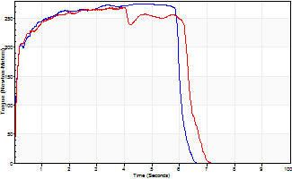
Isometric Extensors (Con) Angle 60 Time 10 Repetition 1 (Best Repetition)
 | Value | Cof Var | %BW
Peak Torque (Newton-Meters)
Right | 275 | 0 | 393
Left | 268 | 0 | 384
Deficit | 2
Average Torque (Newton-Meters)
Right | 156 | 0 | 224
Left | 160 | 0 | 229
Deficit | 3
Peak Torque Slope (Newton-Meters/Seconds)
Right | 59 | 0 | 84
Left | 76 | 0 | 108 |  | Right Side Curves Left Side Curves
Deficit | 22
Time to Half Peak Torque (Seconds)
Right | 0.09 | 0
Left | 0.09 | 0
Time to Peak Torque (Seconds)
Right | 4.67 | 0
Left | 3.54 | 0
HUMAC2015® Version: 15.000.0074 © Computer Sports Medicine, Inc. www.csmisolutions.com

Ark3
Use File, Preference to set Report Heading
Long Form Torque vs. Position Report - Knee Extension/Flexion
Name: |  |  |  | TR024_115, | ID: | TR024_115 | Right/Left: | 01.11.2020 01.11.2020
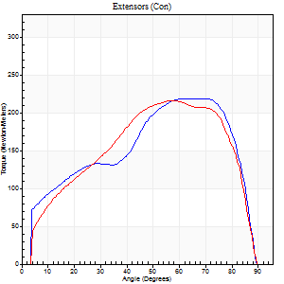
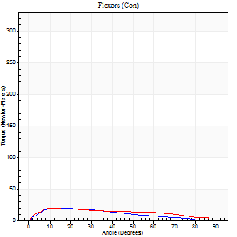
Right Side Curves Left Side Curves
Isokinetic Con/Con |  |  |  | Extensors (Con) |  | Flexors (Con)
Speed 60/60 d/s 3 Reps |  |  |  | Value | Cof Var | %BW | Value | Cof Var | %BW | Ratio

TORQUE PARAMETERS
Peak Torque (Newton-Meters - Best Repetition)
Right |  |  |  | 218 | 0.03 | 313 | 20 | 0.24 | 30 | 9
Left |  |  |  | 216 | 0.01 | 307 | 19 | 0.1 | 27 | 9
Deficit |  |  |  | 1 |  |  | 7
Work per Repetition (Newton-Meters - Best Repetition)
Right |  |  |  | 232 | 0.02 | 331 | 18 | 0.2 | 24 | 8
Left |  |  |  | 229 | 0.03 | 328 | 24 | 0.26 | 36 | 11
Deficit |  |  |  | 1 |  |  | 28
Average Power per Repetition (Watts - Best Repetition)
Right |  |  |  | 151 | 0.02 | 215 | 12 | 0.24 | 18 | 8
Left |  |  |  | 151 | 0.05 | 215 | 16 | 0.29 | 22 | 11
Deficit |  |  |  | 0 |  |  | 25
POSITION PARAMETERS
Joint Angle at Peak Torque (Degrees)
Right |  |  |  | 66 | 0.11 |  | 22 | 0.29
Left |  |  |  | 62 | 0.11 |  | 13 | 0.14
Range of Motion (Degrees)
Right |  |  |  | 0 | 2.83 |  | 90 | 0
Left |  |  |  | 0 | 0.76 |  | 90 | 0
TIME PARAMETERS
Time to Peak Torque (Seconds)
Right |  |  |  | 0.41 | 0.41 |  | 0.37 | 0.27
Left |  |  |  | 0.53 | 0.05 |  | 0.24 | 0.11
Time Peak Torque Held (Seconds)
Right |  |  |  | 0.09 | 0.77 |  | 0.22 | 0.89
Left |  |  |  | 0.09 | 0.63 |  | 0.28 | 1.15
Force Decay Time (Seconds)
Right |  |  |  | 1.05 | 0.12 |  | 0.94 | 0.33
Left |  |  |  | 0.97 | 0.07 |  | 1.02 | 0.38
Reciprocal Delay (Seconds)
Right |  |  |  | 0.29 | 0.1 |  | 0.2 | 0.2
Left |  |  |  | 0.33 | 0.73 |  | 0.18 | 0.39
Delay Time (Seconds)
Right |  |  |  | 0.02 | 0 |  | 0.04 | 0.31
Left |  |  |  | 0.01 | 0.47 |  | 0.01 | 0.43
HUMAC2015® Version: 15.000.0074 © Computer Sports Medicine, Inc. www.csmisolutions.com

Use File, Preference to set Report Heading
Long Form Torque vs. Position Report - Knee Extension/Flexion
Name: |  |  |  | TR024_115, | ID: | TR024_115 | Right/Left: | 01.11.2020 01.11.2020
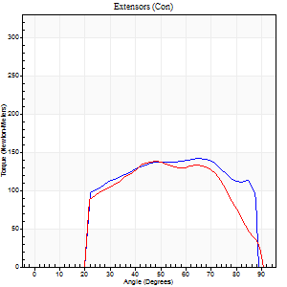
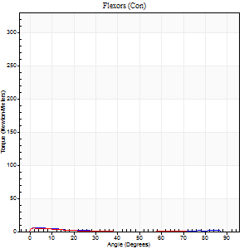
Right Side Curves Left Side Curves
Isokinetic Con/Con |  |  |  | Extensors (Con) |  | Flexors (Con)
Speed 240/240 d/s 3 Reps |  |  |  | Value | Cof Var | %BW | Value | Cof Var | %BW | Ratio

TORQUE PARAMETERS
Peak Torque (Newton-Meters - Best Repetition)
Right |  |  |  | 141 | 0.04 | 203 | 5 | 0.15 | 9 | 4
Left |  |  |  | 138 | 0.01 | 197 | 5 | 0.04 | 9 | 4
Deficit |  |  |  | 2 |  |  | 0
Work per Repetition (Newton-Meters - Best Repetition)
Right |  |  |  | 148 | 0.07 | 212 | 3 | 0.16 | 3 | 2
Left |  |  |  | 132 | 0.01 | 188 | 1 | 0 | 3 | 1
Deficit |  |  |  | 11 |  |  | 50
Average Power per Repetition (Watts - Best Repetition)
Right |  |  |  | 278 | 0.07 | 398 | 1 | 0.06 | 2 | 0
Left |  |  |  | 247 | 0.01 | 352 | 1 | 0.15 | 2 | 0
Deficit |  |  |  | 11 |  |  | 0
POSITION PARAMETERS
Joint Angle at Peak Torque (Degrees)
Right |  |  |  | 56 | 0.14 |  | 3 | 0.69
Left |  |  |  | 48 | 0.01 |  | 3 | 0.67
Range of Motion (Degrees)
Right |  |  |  | 0 | 1.41 |  | 90 | 0.01
Left |  |  |  | 0 | 0.47 |  | 90 | 0
TIME PARAMETERS
Time to Peak Torque (Seconds)
Right |  |  |  | 0.21 | 0 |  | 0.11 | 0.36
Left |  |  |  | 0.22 | 0.03 |  | 0.13 | 0.16
Time Peak Torque Held (Seconds)
Right |  |  |  | 0.01 | 0 |  | 0.03 | 1.73
Left |  |  |  | 0.01 | 0 |  | 0.03 | 1.25
Force Decay Time (Seconds)
Right |  |  |  | 0.32 | 0.1 |  | 1.31 | 0.1
Left |  |  |  | 0.29 | 0.02 |  | 1.33 | 0.18
Reciprocal Delay (Seconds)
Right |  |  |  | 0.24 | 0.06 |  | 0.25 | 0.3
Left |  |  |  | 0.2 | 0.1 |  | 0.19 | 0.46
Delay Time (Seconds)
Right |  |  |  | 0 | -1.41 |  | -0.03 | -0.17
Left |  |  |  | 0 | -1.41 |  | -0.05 | -0.33
HUMAC2015® Version: 15.000.0074 © Computer Sports Medicine, Inc. www.csmisolutions.com

Use File, Preference to set Report Heading
Isometric - Knee Extension/Flexion
Name: |  |  |  | TR024_115, | ID: | TR024_115 | Right/Left: | 01.11.2020 01.11.2020

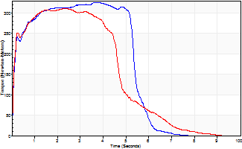
Isometric Extensors (Con) Angle 60 Time 10 Repetition 1 (Best Repetition)
 | Value | Cof Var | %BW
Peak Torque (Newton-Meters)
Right | 327 | 0 | 465
Left | 311 | 0 | 444
Deficit | 5
Average Torque (Newton-Meters)
Right | 167 | 0 | 238
Left | 149 | 0 | 212
Deficit | 11
Peak Torque Slope (Newton-Meters/Seconds)
Right | 89 | 0 | 126
Left | 131 | 0 | 187 |  | Right Side Curves Left Side Curves
Deficit | 32
Time to Half Peak Torque (Seconds)
Right | 0.11 | 0
Left | 0.09 | 0
Time to Peak Torque (Seconds)
Right | 3.67 | 0
Left | 2.36 | 0
HUMAC2015® Version: 15.000.0074 © Computer Sports Medicine, Inc. www.csmisolutions.com

Ark4
Use File, Preference to set Report Heading
Long Form Torque vs. Position Report - Knee Extension/Flexion
Name: |  |  |  | TR024_115, | ID: | TR024_115 | Right/Left: | 06.11.2020 06.11.2020
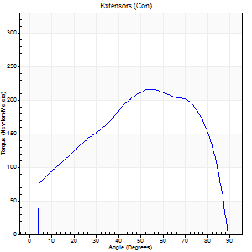
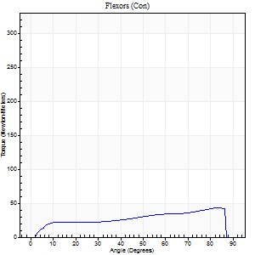
Right Side Curves Left Side Curves
Isokinetic Con/Con |  |  |  | Extensors (Con) |  | Flexors (Con)
Speed 60/60 d/s 3 Reps |  |  |  | Value | Cof Var | %BW | Value | Cof Var | %BW | Ratio

TORQUE PARAMETERS
Peak Torque (Newton-Meters - Best Repetition)
Right |  |  |  | 216 | 0.02 | 307 | 43 | 0.49 | 63 | 20
Left |  |  |  | 0 | 0 | 0 | 0 | 0 | 0 | 0
Deficit |  |  |  | 0 |  |  | 0
Work per Repetition (Newton-Meters - Best Repetition)
Right |  |  |  | 235 | 0.03 | 334 | 42 | 0.45 | 60 | 18
Left |  |  |  | 0 | 0 | 0 | 0 | 0 | 0 | 0
Deficit |  |  |  | 0 |  |  | 0
Average Power per Repetition (Watts - Best Repetition)
Right |  |  |  | 154 | 0.03 | 220 | 27 | 0.44 | 40 | 18
Left |  |  |  | 0 | 0 | 0 | 0 | 0 | 0 | 0
Deficit |  |  |  | 0 |  |  | 0
POSITION PARAMETERS
Joint Angle at Peak Torque (Degrees)
Right |  |  |  | 64 | 0.13 |  | 60 | 0.72
Left |  |  |  | 0 | 0 |  | 0 | 0
Range of Motion (Degrees)
Right |  |  |  | 0 | 1.41 |  | 90 | 0.01
Left |  |  |  | 0 | 0 |  | 0 | 0
TIME PARAMETERS
Time to Peak Torque (Seconds)
Right |  |  |  | 0.48 | 0.29 |  | 0.99 | 0.71
Left |  |  |  | 0 | 0 |  | 0 | 0
Time Peak Torque Held (Seconds)
Right |  |  |  | 0.06 | 0.51 |  | 0.06 | 1.44
Left |  |  |  | 0 | 0 |  | 0 | 0
Force Decay Time (Seconds)
Right |  |  |  | 1.04 | 0.14 |  | 0.45 | 1.37
Left |  |  |  | 0 | 0 |  | 0 | 0
Reciprocal Delay (Seconds)
Right |  |  |  | 0.09 | 0.82 |  | 0.19 | 0.05
Left |  |  |  | 0 | 0 |  | 0 | 0
Delay Time (Seconds)
Right |  |  |  | 0.02 | 0 |  | 0.03 | 0.58
Left |  |  |  | 0 | 0 |  | 0 | 0
HUMAC2015® Version: 15.000.0074 © Computer Sports Medicine, Inc. www.csmisolutions.com

Use File, Preference to set Report Heading
Long Form Torque vs. Position Report - Knee Extension/Flexion
Name: |  |  |  | TR024_115, | ID: | TR024_115 | Right/Left: | 06.11.2020 06.11.2020
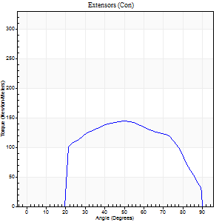
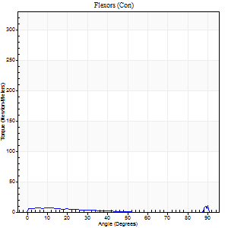
Right Side Curves Left Side Curves
Isokinetic Con/Con |  |  |  | Extensors (Con) |  | Flexors (Con)
Speed 240/240 d/s 3 Reps |  |  |  | Value | Cof Var | %BW | Value | Cof Var | %BW | Ratio

TORQUE PARAMETERS
Peak Torque (Newton-Meters - Best Repetition)
Right |  |  |  | 144 | 0.04 | 206 | 24 | 0.98 | 36 | 17
Left |  |  |  | 0 | 0 | 0 | 0 | 0 | 0 | 0
Deficit |  |  |  | 0 |  |  | 0
Work per Repetition (Newton-Meters - Best Repetition)
Right |  |  |  | 142 | 0.04 | 203 | 4 | 0.55 | 6 | 3
Left |  |  |  | 0 | 0 | 0 | 0 | 0 | 0 | 0
Deficit |  |  |  | 0 |  |  | 0
Average Power per Repetition (Watts - Best Repetition)
Right |  |  |  | 268 | 0.04 | 382 | 4 | 0.8 | 7 | 1
Left |  |  |  | 0 | 0 | 0 | 0 | 0 | 0 | 0
Deficit |  |  |  | 0 |  |  | 0
POSITION PARAMETERS
Joint Angle at Peak Torque (Degrees)
Right |  |  |  | 49 | 0 |  | 31 | 1.65
Left |  |  |  | 0 | 0 |  | 0 | 0
Range of Motion (Degrees)
Right |  |  |  | 0 | 4.24 |  | 90 | 0
Left |  |  |  | 0 | 0 |  | 0 | 0
TIME PARAMETERS
Time to Peak Torque (Seconds)
Right |  |  |  | 0.22 | 0.06 |  | 0.43 | 1.23
Left |  |  |  | 0 | 0 |  | 0 | 0
Time Peak Torque Held (Seconds)
Right |  |  |  | 0.02 | 0.35 |  | 0.04 | 1.73
Left |  |  |  | 0 | 0 |  | 0 | 0
Force Decay Time (Seconds)
Right |  |  |  | 0.29 | 0.04 |  | 0.8 | 1
Left |  |  |  | 0 | 0 |  | 0 | 0
Reciprocal Delay (Seconds)
Right |  |  |  | 0.23 | 0.25 |  | 0.46 | 0.66
Left |  |  |  | 0 | 0 |  | 0 | 0
Delay Time (Seconds)
Right |  |  |  | -0.01 | -1.41 |  | -0.06 | -0.36
Left |  |  |  | 0 | 0 |  | 0 | 0
HUMAC2015® Version: 15.000.0074 © Computer Sports Medicine, Inc. www.csmisolutions.com

Use File, Preference to set Report Heading
Isometric - Knee Extension/Flexion
Name: |  |  |  | TR024_115, | ID: | TR024_115 | Right/Left: | 06.11.2020 06.11.2020

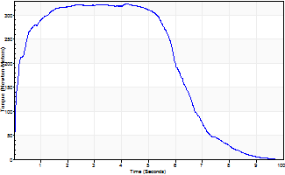
Isometric Extensors (Con) Angle 60 Time 10 Repetition 1 (Best Repetition)
 | Value | Cof Var | %BW
Peak Torque (Newton-Meters)
Right | 324 | 0 | 462
Left | 0 | 0 | 0
Deficit | 0
Average Torque (Newton-Meters)
Right | 197 | 0 | 280
Left | 0 | 0 | 0
Deficit | 0
Peak Torque Slope (Newton-Meters/Seconds)
Right | 78 | 0 | 112
Left | 0 | 0 | 0 |  | Right Side Curves Left Side Curves
Deficit | 0
Time to Half Peak Torque (Seconds)
Right | 0.14 | 0
Left | 0 | 0
Time to Peak Torque (Seconds)
Right | 4.13 | 0
Left | 0 | 0
HUMAC2015® Version: 15.000.0074 © Computer Sports Medicine, Inc. www.csmisolutions.com

Ark5
Use File, Preference to set Report Heading
Long Form Torque vs. Position Report - Knee Extension/Flexion
Name: |  |  |  | TR024_115, | ID: | TR024_115 | Right/Left: | 07.11.2020 07.11.2020
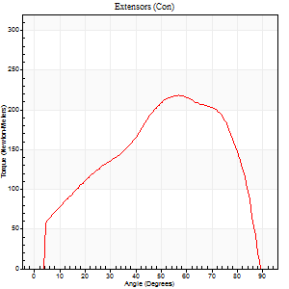
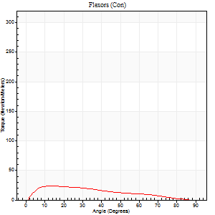
Right Side Curves Left Side Curves
Isokinetic Con/Con |  |  |  | Extensors (Con) |  | Flexors (Con)
Speed 60/60 d/s 3 Reps |  |  |  | Value | Cof Var | %BW | Value | Cof Var | %BW | Ratio

TORQUE PARAMETERS
Peak Torque (Newton-Meters - Best Repetition)
Right |  |  |  | 0 | 0 | 0 | 0 | 0 | 0 | 0
Left |  |  |  | 218 | 0.04 | 313 | 23 | 0.36 | 33 | 11
Deficit |  |  |  | 0 |  |  | 0
Work per Repetition (Newton-Meters - Best Repetition)
Right |  |  |  | 0 | 0 | 0 | 0 | 0 | 0 | 0
Left |  |  |  | 224 | 0.04 | 319 | 20 | 0.23 | 30 | 9
Deficit |  |  |  | 0 |  |  | 0
Average Power per Repetition (Watts - Best Repetition)
Right |  |  |  | 0 | 0 | 0 | 0 | 0 | 0 | 0
Left |  |  |  | 145 | 0.04 | 207 | 13 | 0.23 | 18 | 9
Deficit |  |  |  | 0 |  |  | 0
POSITION PARAMETERS
Joint Angle at Peak Torque (Degrees)
Right |  |  |  | 0 | 0 |  | 0 | 0
Left |  |  |  | 59 | 0.11 |  | 14 | 0.14
Range of Motion (Degrees)
Right |  |  |  | 0 | 0 |  | 0 | 0
Left |  |  |  | 0 | 2.83 |  | 90 | 0
TIME PARAMETERS
Time to Peak Torque (Seconds)
Right |  |  |  | 0 | 0 |  | 0 | 0
Left |  |  |  | 0.46 | 0.25 |  | 0.25 | 0.13
Time Peak Torque Held (Seconds)
Right |  |  |  | 0 | 0 |  | 0 | 0
Left |  |  |  | 0.09 | 0.87 |  | 0.02 | 1.73
Force Decay Time (Seconds)
Right |  |  |  | 0 | 0 |  | 0 | 0
Left |  |  |  | 0.94 | 0.05 |  | 1.27 | 0.04
Reciprocal Delay (Seconds)
Right |  |  |  | 0 | 0 |  | 0 | 0
Left |  |  |  | 0.23 | 0.18 |  | 0.19 | 0.22
Delay Time (Seconds)
Right |  |  |  | 0 | 0 |  | 0 | 0
Left |  |  |  | 0.03 | 0 |  | 0.01 | 1.15
HUMAC2015® Version: 15.000.0074 © Computer Sports Medicine, Inc. www.csmisolutions.com

Use File, Preference to set Report Heading
Long Form Torque vs. Position Report - Knee Extension/Flexion
Name: |  |  |  | TR024_115, | ID: | TR024_115 | Right/Left: | 07.11.2020 07.11.2020
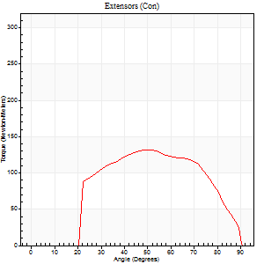
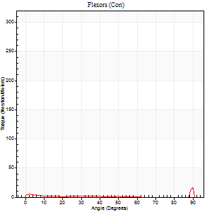
Right Side Curves Left Side Curves
Isokinetic Con/Con |  |  |  | Extensors (Con) |  | Flexors (Con)
Speed 240/240 d/s 3 Reps |  |  |  | Value | Cof Var | %BW | Value | Cof Var | %BW | Ratio

TORQUE PARAMETERS
Peak Torque (Newton-Meters - Best Repetition)
Right |  |  |  | 0 | 0 | 0 | 0 | 0 | 0 | 0
Left |  |  |  | 132 | 0.02 | 188 | 28 | 0.66 | 42 | 22
Deficit |  |  |  | 0 |  |  | 0
Work per Repetition (Newton-Meters - Best Repetition)
Right |  |  |  | 0 | 0 | 0 | 0 | 0 | 0 | 0
Left |  |  |  | 126 | 0.02 | 179 | 3 | 0.75 | 3 | 2
Deficit |  |  |  | 0 |  |  | 0
Average Power per Repetition (Watts - Best Repetition)
Right |  |  |  | 0 | 0 | 0 | 0 | 0 | 0 | 0
Left |  |  |  | 233 | 0.02 | 332 | 2 | 0.21 | 2 | 1
Deficit |  |  |  | 0 |  |  | 0
POSITION PARAMETERS
Joint Angle at Peak Torque (Degrees)
Right |  |  |  | 0 | 0 |  | 0 | 0
Left |  |  |  | 51 | 0.05 |  | 61 | 0.83
Range of Motion (Degrees)
Right |  |  |  | 0 | 0 |  | 0 | 0
Left |  |  |  | 0 | 1.41 |  | 90 | 0
TIME PARAMETERS
Time to Peak Torque (Seconds)
Right |  |  |  | 0 | 0 |  | 0 | 0
Left |  |  |  | 0.22 | 0.06 |  | 0.6 | 1.1
Time Peak Torque Held (Seconds)
Right |  |  |  | 0 | 0 |  | 0 | 0
Left |  |  |  | 0 | 1.73 |  | 0 | 1.73
Force Decay Time (Seconds)
Right |  |  |  | 0 | 0 |  | 0 | 0
Left |  |  |  | 0.31 | 0.04 |  | 0.24 | 2.56
Reciprocal Delay (Seconds)
Right |  |  |  | 0 | 0 |  | 0 | 0
Left |  |  |  | 0.23 | 0.15 |  | 0.35 | 0.47
Delay Time (Seconds)
Right |  |  |  | 0 | 0 |  | 0 | 0
Left |  |  |  | -0.01 | 0 |  | 0.42 | 2.08
HUMAC2015® Version: 15.000.0074 © Computer Sports Medicine, Inc. www.csmisolutions.com

Use File, Preference to set Report Heading
Isometric - Knee Extension/Flexion
Name: |  |  |  | TR024_115, | ID: | TR024_115 | Right/Left: | 07.11.2020 07.11.2020

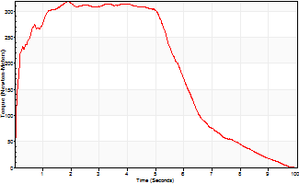
Isometric Extensors (Con) Angle 60 Time 10 Repetition 1 (Best Repetition)
 | Value | Cof Var | %BW
Peak Torque (Newton-Meters)
Right | 0 | 0 | 0
Left | 319 | 0 | 456
Deficit | 0
Average Torque (Newton-Meters)
Right | 0 | 0 | 0
Left | 191 | 0 | 274
Deficit | 0
Peak Torque Slope (Newton-Meters/Seconds)
Right | 0 | 0 | 0
Left | 165 | 0 | 236 |  | Right Side Curves Left Side Curves
Deficit | 0
Time to Half Peak Torque (Seconds)
Right | 0 | 0
Left | 0.12 | 0
Time to Peak Torque (Seconds)
Right | 0 | 0
Left | 1.92 | 0
HUMAC2015® Version: 15.000.0074 © Computer Sports Medicine, Inc. www.csmisolutions.com

Ark6
Use File, Preference to set Report Heading
Long Form Torque vs. Position Report - Knee Extension/Flexion
Name: |  |  |  | TR024_115, | ID: | TR024_115 | Right/Left: | 10.11.2020 10.11.2020
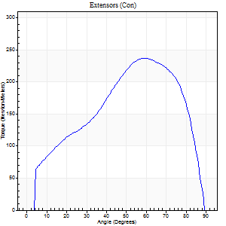
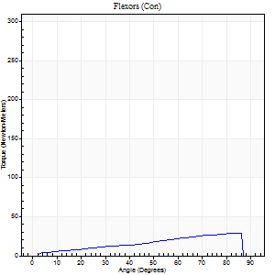
Right Side Curves Left Side Curves
Isokinetic Con/Con |  |  |  | Extensors (Con) |  | Flexors (Con)
Speed 60/60 d/s 3 Reps |  |  |  | Value | Cof Var | %BW | Value | Cof Var | %BW | Ratio

TORQUE PARAMETERS
Peak Torque (Newton-Meters - Best Repetition)
Right |  |  |  | 237 | 0.05 | 340 | 28 | 0.68 | 42 | 12
Left |  |  |  | 0 | 0 | 0 | 0 | 0 | 0 | 0
Deficit |  |  |  | 0 |  |  | 0
Work per Repetition (Newton-Meters - Best Repetition)
Right |  |  |  | 239 | 0.02 | 340 | 24 | 0.63 | 36 | 10
Left |  |  |  | 0 | 0 | 0 | 0 | 0 | 0 | 0
Deficit |  |  |  | 0 |  |  | 0
Average Power per Repetition (Watts - Best Repetition)
Right |  |  |  | 153 | 0.03 | 218 | 15 | 0.64 | 22 | 10
Left |  |  |  | 0 | 0 | 0 | 0 | 0 | 0 | 0
Deficit |  |  |  | 0 |  |  | 0
POSITION PARAMETERS
Joint Angle at Peak Torque (Degrees)
Right |  |  |  | 59 | 0.01 |  | 59 | 0.44
Left |  |  |  | 0 | 0 |  | 0 | 0
Range of Motion (Degrees)
Right |  |  |  | 0 | 0 |  | 90 | 0
Left |  |  |  | 0 | 0 |  | 0 | 0
TIME PARAMETERS
Time to Peak Torque (Seconds)
Right |  |  |  | 0.51 | 0.01 |  | 1.04 | 0.35
Left |  |  |  | 0 | 0 |  | 0 | 0
Time Peak Torque Held (Seconds)
Right |  |  |  | 0.05 | 0.29 |  | 0.01 | 1.73
Left |  |  |  | 0 | 0 |  | 0 | 0
Force Decay Time (Seconds)
Right |  |  |  | 0.97 | 0.02 |  | 0.52 | 0.73
Left |  |  |  | 0 | 0 |  | 0 | 0
Reciprocal Delay (Seconds)
Right |  |  |  | 0.19 | 0.33 |  | 0.29 | 0.65
Left |  |  |  | 0 | 0 |  | 0 | 0
Delay Time (Seconds)
Right |  |  |  | 0.01 | 0.47 |  | 0.03 | 3.54
Left |  |  |  | 0 | 0 |  | 0 | 0
HUMAC2015® Version: 15.000.0074 © Computer Sports Medicine, Inc. www.csmisolutions.com

Use File, Preference to set Report Heading
Long Form Torque vs. Position Report - Knee Extension/Flexion
Name: |  |  |  | TR024_115, | ID: | TR024_115 | Right/Left: | 10.11.2020 10.11.2020
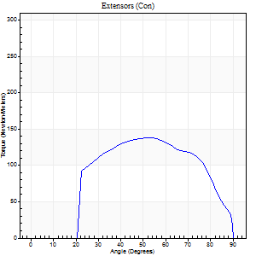
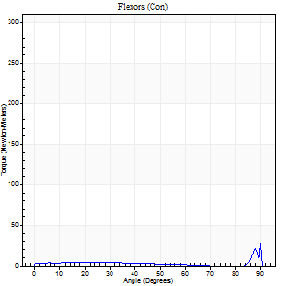
Right Side Curves Left Side Curves
Isokinetic Con/Con |  |  |  | Extensors (Con) |  | Flexors (Con)
Speed 240/240 d/s 3 Reps |  |  |  | Value | Cof Var | %BW | Value | Cof Var | %BW | Ratio

TORQUE PARAMETERS
Peak Torque (Newton-Meters - Best Repetition)
Right |  |  |  | 138 | 0.02 | 197 | 34 | 1.21 | 48 | 25
Left |  |  |  | 0 | 0 | 0 | 0 | 0 | 0 | 0
Deficit |  |  |  | 0 |  |  | 0
Work per Repetition (Newton-Meters - Best Repetition)
Right |  |  |  | 140 | 0.03 | 200 | 4 | 0.65 | 6 | 3
Left |  |  |  | 0 | 0 | 0 | 0 | 0 | 0 | 0
Deficit |  |  |  | 0 |  |  | 0
Average Power per Repetition (Watts - Best Repetition)
Right |  |  |  | 249 | 0.02 | 356 | 4 | 0.79 | 7 | 2
Left |  |  |  | 0 | 0 | 0 | 0 | 0 | 0 | 0
Deficit |  |  |  | 0 |  |  | 0
POSITION PARAMETERS
Joint Angle at Peak Torque (Degrees)
Right |  |  |  | 52 | 0.03 |  | 32 | 1.62
Left |  |  |  | 0 | 0 |  | 0 | 0
Range of Motion (Degrees)
Right |  |  |  | 0 | 0 |  | 90 | 0
Left |  |  |  | 0 | 0 |  | 0 | 0
TIME PARAMETERS
Time to Peak Torque (Seconds)
Right |  |  |  | 0.21 | 0.07 |  | 0.52 | 1.1
Left |  |  |  | 0 | 0 |  | 0 | 0
Time Peak Torque Held (Seconds)
Right |  |  |  | 0.01 | 0.43 |  | 0.06 | 0.71
Left |  |  |  | 0 | 0 |  | 0 | 0
Force Decay Time (Seconds)
Right |  |  |  | 0.31 | 0.03 |  | 0.7 | 1.11
Left |  |  |  | 0 | 0 |  | 0 | 0
Reciprocal Delay (Seconds)
Right |  |  |  | 0.37 | 0.46 |  | 0.73 | 0.47
Left |  |  |  | 0 | 0 |  | 0 | 0
Delay Time (Seconds)
Right |  |  |  | 0 | -1.41 |  | -0.09 | -0.29
Left |  |  |  | 0 | 0 |  | 0 | 0
HUMAC2015® Version: 15.000.0074 © Computer Sports Medicine, Inc. www.csmisolutions.com

Use File, Preference to set Report Heading
Isometric - Knee Extension/Flexion
Name: |  |  |  | TR024_115, | ID: | TR024_115 | Right/Left: | 10.11.2020 10.11.2020

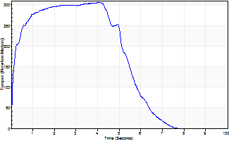
Isometric Extensors (Con) Angle 60 Time 10 Repetition 1 (Best Repetition)
 | Value | Cof Var | %BW
Peak Torque (Newton-Meters)
Right | 306 | 0 | 438
Left | 0 | 0 | 0
Deficit | 0
Average Torque (Newton-Meters)
Right | 157 | 0 | 224
Left | 0 | 0 | 0
Deficit | 0
Peak Torque Slope (Newton-Meters/Seconds)
Right | 76 | 0 | 109
Left | 0 | 0 | 0 |  | Right Side Curves Left Side Curves
Deficit | 0
Time to Half Peak Torque (Seconds)
Right | 0.13 | 0
Left | 0 | 0
Time to Peak Torque (Seconds)
Right | 4.01 | 0
Left | 0 | 0
HUMAC2015® Version: 15.000.0074 © Computer Sports Medicine, Inc. www.csmisolutions.com

Ark7
Use File, Preference to set Report Heading
Long Form Torque vs. Position Report - Knee Extension/Flexion
Name: |  |  |  | TR024_115, | ID: | TR024_115 | Right/Left: | 11.11.2020 11.11.2020
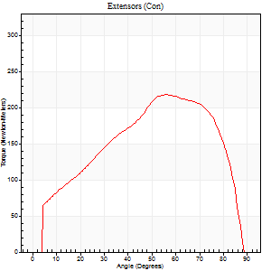
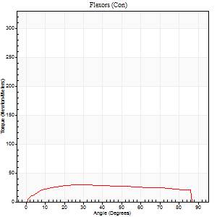
Right Side Curves Left Side Curves
Isokinetic Con/Con |  |  |  | Extensors (Con) |  | Flexors (Con)
Speed 60/60 d/s 3 Reps |  |  |  | Value | Cof Var | %BW | Value | Cof Var | %BW | Ratio

TORQUE PARAMETERS
Peak Torque (Newton-Meters - Best Repetition)
Right |  |  |  | 0 | 0 | 0 | 0 | 0 | 0 | 0
Left |  |  |  | 217 | 0.11 | 310 | 30 | 0.39 | 42 | 14
Deficit |  |  |  | 0 |  |  | 0
Work per Repetition (Newton-Meters - Best Repetition)
Right |  |  |  | 0 | 0 | 0 | 0 | 0 | 0 | 0
Left |  |  |  | 226 | 0.14 | 322 | 37 | 0.5 | 54 | 16
Deficit |  |  |  | 0 |  |  | 0
Average Power per Repetition (Watts - Best Repetition)
Right |  |  |  | 0 | 0 | 0 | 0 | 0 | 0 | 0
Left |  |  |  | 147 | 0.14 | 209 | 23 | 0.51 | 33 | 16
Deficit |  |  |  | 0 |  |  | 0
POSITION PARAMETERS
Joint Angle at Peak Torque (Degrees)
Right |  |  |  | 0 | 0 |  | 0 | 0
Left |  |  |  | 58 | 0.05 |  | 33 | 0.16
Range of Motion (Degrees)
Right |  |  |  | 0 | 0 |  | 0 | 0
Left |  |  |  | 0 | 0.94 |  | 90 | 0
TIME PARAMETERS
Time to Peak Torque (Seconds)
Right |  |  |  | 0 | 0 |  | 0 | 0
Left |  |  |  | 0.56 | 0.03 |  | 0.6 | 0.17
Time Peak Torque Held (Seconds)
Right |  |  |  | 0 | 0 |  | 0 | 0
Left |  |  |  | 0.07 | 0.57 |  | 0.02 | 0.92
Force Decay Time (Seconds)
Right |  |  |  | 0 | 0 |  | 0 | 0
Left |  |  |  | 0.94 | 0.01 |  | 0.95 | 0.08
Reciprocal Delay (Seconds)
Right |  |  |  | 0 | 0 |  | 0 | 0
Left |  |  |  | 0.3 | 0.12 |  | 0.24 | 0.27
Delay Time (Seconds)
Right |  |  |  | 0 | 0 |  | 0 | 0
Left |  |  |  | 0.02 | 0.71 |  | -0.01 | -1
HUMAC2015® Version: 15.000.0074 © Computer Sports Medicine, Inc. www.csmisolutions.com

Use File, Preference to set Report Heading
Long Form Torque vs. Position Report - Knee Extension/Flexion
Name: |  |  |  | TR024_115, | ID: | TR024_115 | Right/Left: | 11.11.2020 11.11.2020
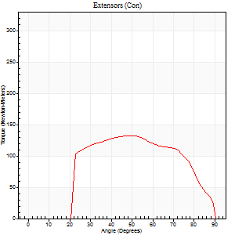
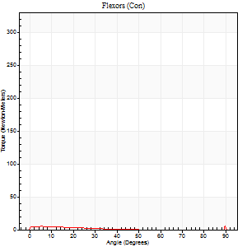
Right Side Curves Left Side Curves
Isokinetic Con/Con |  |  |  | Extensors (Con) |  | Flexors (Con)
Speed 240/240 d/s 3 Reps |  |  |  | Value | Cof Var | %BW | Value | Cof Var | %BW | Ratio

TORQUE PARAMETERS
Peak Torque (Newton-Meters - Best Repetition)
Right |  |  |  | 0 | 0 | 0 | 0 | 0 | 0 | 0
Left |  |  |  | 132 | 0.07 | 188 | 16 | 0.76 | 24 | 12
Deficit |  |  |  | 0 |  |  | 0
Work per Repetition (Newton-Meters - Best Repetition)
Right |  |  |  | 0 | 0 | 0 | 0 | 0 | 0 | 0
Left |  |  |  | 127 | 0.06 | 182 | 3 | 0.2 | 3 | 2
Deficit |  |  |  | 0 |  |  | 0
Average Power per Repetition (Watts - Best Repetition)
Right |  |  |  | 0 | 0 | 0 | 0 | 0 | 0 | 0
Left |  |  |  | 237 | 0.08 | 338 | 2 | 0.33 | 2 | 1
Deficit |  |  |  | 0 |  |  | 0
POSITION PARAMETERS
Joint Angle at Peak Torque (Degrees)
Right |  |  |  | 0 | 0 |  | 0 | 0
Left |  |  |  | 48 | 0.06 |  | 32 | 1.59
Range of Motion (Degrees)
Right |  |  |  | 0 | 0 |  | 0 | 0
Left |  |  |  | 0 | 0 |  | 90 | 0
TIME PARAMETERS
Time to Peak Torque (Seconds)
Right |  |  |  | 0 | 0 |  | 0 | 0
Left |  |  |  | 0.22 | 0.03 |  | 0.55 | 1.28
Time Peak Torque Held (Seconds)
Right |  |  |  | 0 | 0 |  | 0 | 0
Left |  |  |  | 0.01 | 0 |  | 0 | 0
Force Decay Time (Seconds)
Right |  |  |  | 0 | 0 |  | 0 | 0
Left |  |  |  | 0.3 | 0.02 |  | 0.76 | 1.11
Reciprocal Delay (Seconds)
Right |  |  |  | 0 | 0 |  | 0 | 0
Left |  |  |  | 0.37 | 0.27 |  | 0.58 | 0.2
Delay Time (Seconds)
Right |  |  |  | 0 | 0 |  | 0 | 0
Left |  |  |  | -0.02 | -0.71 |  | -0.08 | -0.14
HUMAC2015® Version: 15.000.0074 © Computer Sports Medicine, Inc. www.csmisolutions.com

Use File, Preference to set Report Heading
Isometric - Knee Extension/Flexion
Name: |  |  |  | TR024_115, | ID: | TR024_115 | Right/Left: | 11.11.2020 11.11.2020

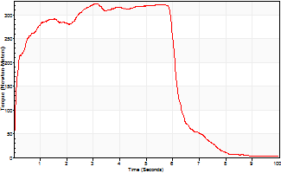
Isometric Extensors (Con) Angle 60 Time 10 Repetition 1 (Best Repetition)
 | Value | Cof Var | %BW
Peak Torque (Newton-Meters)
Right | 0 | 0 | 0
Left | 324 | 0 | 462
Deficit | 0
Average Torque (Newton-Meters)
Right | 0 | 0 | 0
Left | 190 | 0 | 271
Deficit | 0
Peak Torque Slope (Newton-Meters/Seconds)
Right | 0 | 0 | 0
Left | 104 | 0 | 148 |  | Right Side Curves Left Side Curves
Deficit | 0
Time to Half Peak Torque (Seconds)
Right | 0 | 0
Left | 0.11 | 0
Time to Peak Torque (Seconds)
Right | 0 | 0
Left | 3.11 | 0
HUMAC2015® Version: 15.000.0074 © Computer Sports Medicine, Inc. www.csmisolutions.com

Ark8
Use File, Preference to set Report Heading
Long Form Torque vs. Position Report - Knee Extension/Flexion
Name: |  |  |  | TR024_115, | ID: | TR024_115 | Right/Left: | 13.11.2020 13.11.2020
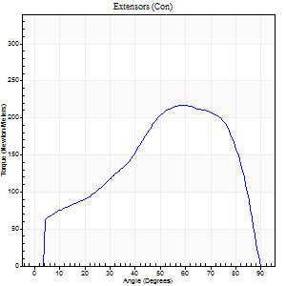
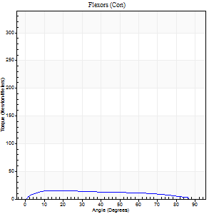
Right Side Curves Left Side Curves
Isokinetic Con/Con |  |  |  | Extensors (Con) |  | Flexors (Con)
Speed 60/60 d/s 3 Reps |  |  |  | Value | Cof Var | %BW | Value | Cof Var | %BW | Ratio

TORQUE PARAMETERS
Peak Torque (Newton-Meters - Best Repetition)
Right |  |  |  | 217 | 0.03 | 310 | 15 | 0.06 | 21 | 7
Left |  |  |  | 0 | 0 | 0 | 0 | 0 | 0 | 0
Deficit |  |  |  | 0 |  |  | 0
Work per Repetition (Newton-Meters - Best Repetition)
Right |  |  |  | 217 | 0.03 | 310 | 16 | 0.06 | 24 | 8
Left |  |  |  | 0 | 0 | 0 | 0 | 0 | 0 | 0
Deficit |  |  |  | 0 |  |  | 0
Average Power per Repetition (Watts - Best Repetition)
Right |  |  |  | 139 | 0.03 | 198 | 10 | 0.03 | 13 | 7
Left |  |  |  | 0 | 0 | 0 | 0 | 0 | 0 | 0
Deficit |  |  |  | 0 |  |  | 0
POSITION PARAMETERS
Joint Angle at Peak Torque (Degrees)
Right |  |  |  | 62 | 0.08 |  | 34 | 0.61
Left |  |  |  | 0 | 0 |  | 0 | 0
Range of Motion (Degrees)
Right |  |  |  | 0 | 0.71 |  | 90 | 0
Left |  |  |  | 0 | 0 |  | 0 | 0
TIME PARAMETERS
Time to Peak Torque (Seconds)
Right |  |  |  | 0.52 | 0.03 |  | 0.62 | 0.56
Left |  |  |  | 0 | 0 |  | 0 | 0
Time Peak Torque Held (Seconds)
Right |  |  |  | 0.05 | 0.25 |  | 0.13 | 0.73
Left |  |  |  | 0 | 0 |  | 0 | 0
Force Decay Time (Seconds)
Right |  |  |  | 1.03 | 0.07 |  | 0.8 | 0.37
Left |  |  |  | 0 | 0 |  | 0 | 0
Reciprocal Delay (Seconds)
Right |  |  |  | 0.27 | 0.1 |  | 0.27 | 0.15
Left |  |  |  | 0 | 0 |  | 0 | 0
Delay Time (Seconds)
Right |  |  |  | 0 | 1.41 |  | 0.01 | 3.12
Left |  |  |  | 0 | 0 |  | 0 | 0
HUMAC2015® Version: 15.000.0074 © Computer Sports Medicine, Inc. www.csmisolutions.com

Use File, Preference to set Report Heading
Long Form Torque vs. Position Report - Knee Extension/Flexion
Name: |  |  |  | TR024_115, | ID: | TR024_115 | Right/Left: | 13.11.2020 13.11.2020
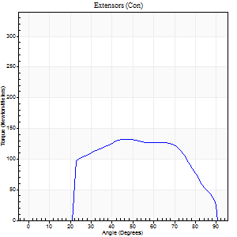
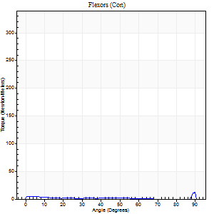
Right Side Curves Left Side Curves
Isokinetic Con/Con |  |  |  | Extensors (Con) |  | Flexors (Con)
Speed 240/240 d/s 3 Reps |  |  |  | Value | Cof Var | %BW | Value | Cof Var | %BW | Ratio

TORQUE PARAMETERS
Peak Torque (Newton-Meters - Best Repetition)
Right |  |  |  | 132 | 0.04 | 188 | 15 | 0.32 | 21 | 11
Left |  |  |  | 0 | 0 | 0 | 0 | 0 | 0 | 0
Deficit |  |  |  | 0 |  |  | 0
Work per Repetition (Newton-Meters - Best Repetition)
Right |  |  |  | 130 | 0.05 | 185 | 7 | 0.72 | 9 | 5
Left |  |  |  | 0 | 0 | 0 | 0 | 0 | 0 | 0
Deficit |  |  |  | 0 |  |  | 0
Average Power per Repetition (Watts - Best Repetition)
Right |  |  |  | 228 | 0.07 | 325 | 9 | 0.99 | 13 | 4
Left |  |  |  | 0 | 0 | 0 | 0 | 0 | 0 | 0
Deficit |  |  |  | 0 |  |  | 0
POSITION PARAMETERS
Joint Angle at Peak Torque (Degrees)
Right |  |  |  | 59 | 0.17 |  | 67 | 0.59
Left |  |  |  | 0 | 0 |  | 0 | 0
Range of Motion (Degrees)
Right |  |  |  | 0 | 1.41 |  | 90 | 0
Left |  |  |  | 0 | 0 |  | 0 | 0
TIME PARAMETERS
Time to Peak Torque (Seconds)
Right |  |  |  | 0.2 | 0.31 |  | 1.03 | 0.55
Left |  |  |  | 0 | 0 |  | 0 | 0
Time Peak Torque Held (Seconds)
Right |  |  |  | 0.01 | 0.43 |  | 0.01 | 0.87
Left |  |  |  | 0 | 0 |  | 0 | 0
Force Decay Time (Seconds)
Right |  |  |  | 0.36 | 0.15 |  | 0.08 | 2.94
Left |  |  |  | 0 | 0 |  | 0 | 0
Reciprocal Delay (Seconds)
Right |  |  |  | 0.22 | 0.06 |  | 0.51 | 0.22
Left |  |  |  | 0 | 0 |  | 0 | 0
Delay Time (Seconds)
Right |  |  |  | -0.02 | -0.28 |  | -0.09 | -0.18
Left |  |  |  | 0 | 0 |  | 0 | 0
HUMAC2015® Version: 15.000.0074 © Computer Sports Medicine, Inc. www.csmisolutions.com

Use File, Preference to set Report Heading
Isometric - Knee Extension/Flexion
Name: |  |  |  | TR024_115, | ID: | TR024_115 | Right/Left: | 13.11.2020 13.11.2020

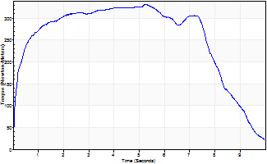
Isometric Extensors (Con) Angle 60 Time 10 Repetition 1 (Best Repetition)
 | Value | Cof Var | %BW
Peak Torque (Newton-Meters)
Right | 332 | 0 | 474
Left | 0 | 0 | 0
Deficit | 0
Average Torque (Newton-Meters)
Right | 254 | 0 | 361
Left | 0 | 0 | 0
Deficit | 0
Peak Torque Slope (Newton-Meters/Seconds)
Right | 63 | 0 | 91
Left | 0 | 0 | 0 |  | Right Side Curves Left Side Curves
Deficit | 0
Time to Half Peak Torque (Seconds)
Right | 0.18 | 0
Left | 0 | 0
Time to Peak Torque (Seconds)
Right | 5.23 | 0
Left | 0 | 0
HUMAC2015® Version: 15.000.0074 © Computer Sports Medicine, Inc. www.csmisolutions.com

Ark9
Use File, Preference to set Report Heading
Long Form Torque vs. Position Report - Knee Extension/Flexion
Name: |  |  |  | TR024_115, | ID: | TR024_115 | Right/Left: | 13.11.2020 13.11.2020
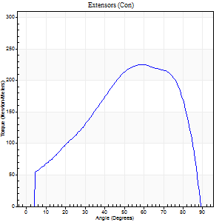
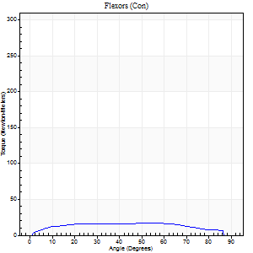
Right Side Curves Left Side Curves
Isokinetic Con/Con |  |  |  | Extensors (Con) |  | Flexors (Con)
Speed 60/60 d/s 3 Reps |  |  |  | Value | Cof Var | %BW | Value | Cof Var | %BW | Ratio

TORQUE PARAMETERS
Peak Torque (Newton-Meters - Best Repetition)
Right |  |  |  | 225 | 0.07 | 322 | 16 | 0.2 | 24 | 7
Left |  |  |  | 0 | 0 | 0 | 0 | 0 | 0 | 0
Deficit |  |  |  | 0 |  |  | 0
Work per Repetition (Newton-Meters - Best Repetition)
Right |  |  |  | 231 | 0.05 | 328 | 20 | 0.35 | 30 | 9
Left |  |  |  | 0 | 0 | 0 | 0 | 0 | 0 | 0
Deficit |  |  |  | 0 |  |  | 0
Average Power per Repetition (Watts - Best Repetition)
Right |  |  |  | 148 | 0.04 | 211 | 13 | 0.34 | 18 | 9
Left |  |  |  | 0 | 0 | 0 | 0 | 0 | 0 | 0
Deficit |  |  |  | 0 |  |  | 0
POSITION PARAMETERS
Joint Angle at Peak Torque (Degrees)
Right |  |  |  | 59 | 0.02 |  | 39 | 0.45
Left |  |  |  | 0 | 0 |  | 0 | 0
Range of Motion (Degrees)
Right |  |  |  | 0 | 0.47 |  | 90 | 0
Left |  |  |  | 0 | 0 |  | 0 | 0
TIME PARAMETERS
Time to Peak Torque (Seconds)
Right |  |  |  | 0.52 | 0.01 |  | 0.69 | 0.45
Left |  |  |  | 0 | 0 |  | 0 | 0
Time Peak Torque Held (Seconds)
Right |  |  |  | 0.05 | 0.43 |  | 0 | 1.73
Left |  |  |  | 0 | 0 |  | 0 | 0
Force Decay Time (Seconds)
Right |  |  |  | 0.97 | 0.03 |  | 0.87 | 0.28
Left |  |  |  | 0 | 0 |  | 0 | 0
Reciprocal Delay (Seconds)
Right |  |  |  | 0.2 | 0.21 |  | 0.22 | 0.25
Left |  |  |  | 0 | 0 |  | 0 | 0
Delay Time (Seconds)
Right |  |  |  | 0.02 | 0 |  | 0.03 | 0.96
Left |  |  |  | 0 | 0 |  | 0 | 0
HUMAC2015® Version: 15.000.0074 © Computer Sports Medicine, Inc. www.csmisolutions.com

Use File, Preference to set Report Heading
Long Form Torque vs. Position Report - Knee Extension/Flexion
Name: |  |  |  | TR024_115, | ID: | TR024_115 | Right/Left: | 13.11.2020 13.11.2020

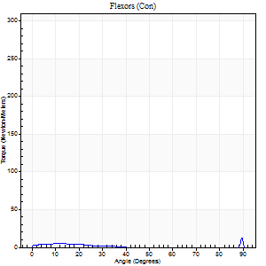
Right Side Curves Left Side Curves
Isokinetic Con/Con |  |  |  | Extensors (Con) |  | Flexors (Con)
Speed 240/240 d/s 3 Reps |  |  |  | Value | Cof Var | %BW | Value | Cof Var | %BW | Ratio

TORQUE PARAMETERS
Peak Torque (Newton-Meters - Best Repetition)
Right |  |  |  | 130 | 0.07 | 185 | 28 | 0.7 | 42 | 22
Left |  |  |  | 0 | 0 | 0 | 0 | 0 | 0 | 0
Deficit |  |  |  | 0 |  |  | 0
Work per Repetition (Newton-Meters - Best Repetition)
Right |  |  |  | 129 | 0.07 | 185 | 3 | 0.21 | 3 | 2
Left |  |  |  | 0 | 0 | 0 | 0 | 0 | 0 | 0
Deficit |  |  |  | 0 |  |  | 0
Average Power per Repetition (Watts - Best Repetition)
Right |  |  |  | 229 | 0.11 | 327 | 2 | 0.44 | 2 | 1
Left |  |  |  | 0 | 0 | 0 | 0 | 0 | 0 | 0
Deficit |  |  |  | 0 |  |  | 0
POSITION PARAMETERS
Joint Angle at Peak Torque (Degrees)
Right |  |  |  | 53 | 0.02 |  | 61 | 0.82
Left |  |  |  | 0 | 0 |  | 0 | 0
Range of Motion (Degrees)
Right |  |  |  | 0 | 0 |  | 90 | 0
Left |  |  |  | 0 | 0 |  | 0 | 0
TIME PARAMETERS
Time to Peak Torque (Seconds)
Right |  |  |  | 0.22 | 0.03 |  | 1.06 | 0.66
Left |  |  |  | 0 | 0 |  | 0 | 0
Time Peak Torque Held (Seconds)
Right |  |  |  | 0.01 | 0 |  | 0.02 | 1.73
Left |  |  |  | 0 | 0 |  | 0 | 0
Force Decay Time (Seconds)
Right |  |  |  | 0.33 | 0.05 |  | 0.5 | 2.18
Left |  |  |  | 0 | 0 |  | 0 | 0
Reciprocal Delay (Seconds)
Right |  |  |  | 0.26 | 0.11 |  | 0.7 | 0.49
Left |  |  |  | 0 | 0 |  | 0 | 0
Delay Time (Seconds)
Right |  |  |  | -0.01 | -0.47 |  | -0.12 | -0.25
Left |  |  |  | 0 | 0 |  | 0 | 0
HUMAC2015® Version: 15.000.0074 © Computer Sports Medicine, Inc. www.csmisolutions.com

Use File, Preference to set Report Heading
Isometric - Knee Extension/Flexion
Name: |  |  |  | TR024_115, | ID: | TR024_115 | Right/Left: | 13.11.2020 13.11.2020

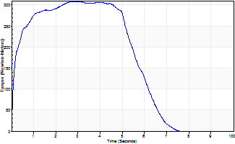
Isometric Extensors (Con) Angle 60 Time 10 Repetition 1 (Best Repetition)
 | Value | Cof Var | %BW
Peak Torque (Newton-Meters)
Right | 308 | 0 | 438
Left | 0 | 0 | 0
Deficit | 0
Average Torque (Newton-Meters)
Right | 167 | 0 | 238
Left | 0 | 0 | 0
Deficit | 0
Peak Torque Slope (Newton-Meters/Seconds)
Right | 110 | 0 | 158
Left | 0 | 0 | 0 |  | Right Side Curves Left Side Curves
Deficit | 0
Time to Half Peak Torque (Seconds)
Right | 0.14 | 0
Left | 0 | 0
Time to Peak Torque (Seconds)
Right | 2.78 | 0
Left | 0 | 0
HUMAC2015® Version: 15.000.0074 © Computer Sports Medicine, Inc. www.csmisolutions.com

Ark10
Use File, Preference to set Report Heading
Long Form Torque vs. Position Report - Knee Extension/Flexion
Name: |  |  |  | TR024_115, | ID: | TR024_115 | Right/Left: | 13.11.2020 13.11.2020
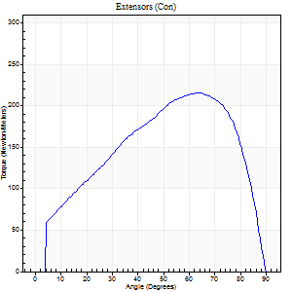
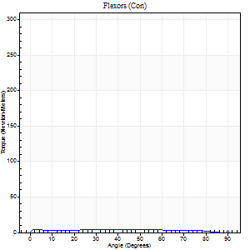
Right Side Curves Left Side Curves
Isokinetic Con/Con |  |  |  | Extensors (Con) |  | Flexors (Con)
Speed 60/60 d/s 3 Reps |  |  |  | Value | Cof Var | %BW | Value | Cof Var | %BW | Ratio

TORQUE PARAMETERS
Peak Torque (Newton-Meters - Best Repetition)
Right |  |  |  | 216 | 0.05 | 307 | 15 | 0.28 | 21 | 7
Left |  |  |  | 0 | 0 | 0 | 0 | 0 | 0 | 0
Deficit |  |  |  | 0 |  |  | 0
Work per Repetition (Newton-Meters - Best Repetition)
Right |  |  |  | 225 | 0.04 | 322 | 12 | 0.46 | 18 | 5
Left |  |  |  | 0 | 0 | 0 | 0 | 0 | 0 | 0
Deficit |  |  |  | 0 |  |  | 0
Average Power per Repetition (Watts - Best Repetition)
Right |  |  |  | 144 | 0.04 | 207 | 7 | 0.44 | 11 | 5
Left |  |  |  | 0 | 0 | 0 | 0 | 0 | 0 | 0
Deficit |  |  |  | 0 |  |  | 0
POSITION PARAMETERS
Joint Angle at Peak Torque (Degrees)
Right |  |  |  | 61 | 0.05 |  | 50 | 0.7
Left |  |  |  | 0 | 0 |  | 0 | 0
Range of Motion (Degrees)
Right |  |  |  | 0 | 0 |  | 90 | 0
Left |  |  |  | 0 | 0 |  | 0 | 0
TIME PARAMETERS
Time to Peak Torque (Seconds)
Right |  |  |  | 0.5 | 0.14 |  | 1.02 | 0.69
Left |  |  |  | 0 | 0 |  | 0 | 0
Time Peak Torque Held (Seconds)
Right |  |  |  | 0.08 | 0.49 |  | 0 | 0
Left |  |  |  | 0 | 0 |  | 0 | 0
Force Decay Time (Seconds)
Right |  |  |  | 0.99 | 0.06 |  | 0.62 | 1.08
Left |  |  |  | 0 | 0 |  | 0 | 0
Reciprocal Delay (Seconds)
Right |  |  |  | 0.28 | 0.35 |  | 0.48 | 0.23
Left |  |  |  | 0 | 0 |  | 0 | 0
Delay Time (Seconds)
Right |  |  |  | 0 | 1.41 |  | -0.03 | -0.46
Left |  |  |  | 0 | 0 |  | 0 | 0
HUMAC2015® Version: 15.000.0074 © Computer Sports Medicine, Inc. www.csmisolutions.com

Use File, Preference to set Report Heading
Long Form Torque vs. Position Report - Knee Extension/Flexion
Name: |  |  |  | TR024_115, | ID: | TR024_115 | Right/Left: | 13.11.2020 13.11.2020


Right Side Curves Left Side Curves
Isokinetic Con/Con |  |  |  | Extensors (Con) |  | Flexors (Con)
Speed 240/240 d/s 3 Reps |  |  |  | Value | Cof Var | %BW | Value | Cof Var | %BW | Ratio

TORQUE PARAMETERS
Peak Torque (Newton-Meters - Best Repetition)
Right |  |  |  | 132 | 0.05 | 188 | 16 | 0.96 | 24 | 12
Left |  |  |  | 0 | 0 | 0 | 0 | 0 | 0 | 0
Deficit |  |  |  | 0 |  |  | 0
Work per Repetition (Newton-Meters - Best Repetition)
Right |  |  |  | 129 | 0.07 | 185 | 3 | 0.48 | 3 | 2
Left |  |  |  | 0 | 0 | 0 | 0 | 0 | 0 | 0
Deficit |  |  |  | 0 |  |  | 0
Average Power per Repetition (Watts - Best Repetition)
Right |  |  |  | 222 | 0.12 | 316 | 2 | 0.67 | 2 | 1
Left |  |  |  | 0 | 0 | 0 | 0 | 0 | 0 | 0
Deficit |  |  |  | 0 |  |  | 0
POSITION PARAMETERS
Joint Angle at Peak Torque (Degrees)
Right |  |  |  | 50 | 0.03 |  | 31 | 1.63
Left |  |  |  | 0 | 0 |  | 0 | 0
Range of Motion (Degrees)
Right |  |  |  | 0 | 0 |  | 90 | 0
Left |  |  |  | 0 | 0 |  | 0 | 0
TIME PARAMETERS
Time to Peak Torque (Seconds)
Right |  |  |  | 0.23 | 0.03 |  | 0.57 | 1.19
Left |  |  |  | 0 | 0 |  | 0 | 0
Time Peak Torque Held (Seconds)
Right |  |  |  | 0.01 | 0 |  | 0.02 | 1.25
Left |  |  |  | 0 | 0 |  | 0 | 0
Force Decay Time (Seconds)
Right |  |  |  | 0.34 | 0.09 |  | 0.95 | 1.06
Left |  |  |  | 0 | 0 |  | 0 | 0
Reciprocal Delay (Seconds)
Right |  |  |  | 0.25 | 0.34 |  | 0.62 | 0.14
Left |  |  |  | 0 | 0 |  | 0 | 0
Delay Time (Seconds)
Right |  |  |  | -0.02 | 0 |  | -0.11 | -0.14
Left |  |  |  | 0 | 0 |  | 0 | 0
HUMAC2015® Version: 15.000.0074 © Computer Sports Medicine, Inc. www.csmisolutions.com

Use File, Preference to set Report Heading
Isometric - Knee Extension/Flexion
Name: |  |  |  | TR024_115, | ID: | TR024_115 | Right/Left: | 13.11.2020 13.11.2020

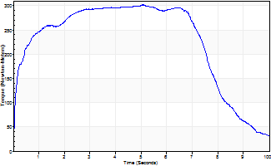
Isometric Extensors (Con) Angle 60 Time 10 Repetition 1 (Best Repetition)
 | Value | Cof Var | %BW
Peak Torque (Newton-Meters)
Right | 302 | 0 | 432
Left | 0 | 0 | 0
Deficit | 0
Average Torque (Newton-Meters)
Right | 225 | 0 | 322
Left | 0 | 0 | 0
Deficit | 0
Peak Torque Slope (Newton-Meters/Seconds)
Right | 60 | 0 | 85
Left | 0 | 0 | 0 |  | Right Side Curves Left Side Curves
Deficit | 0
Time to Half Peak Torque (Seconds)
Right | 0.15 | 0
Left | 0 | 0
Time to Peak Torque (Seconds)
Right | 5.04 | 0
Left | 0 | 0
HUMAC2015® Version: 15.000.0074 © Computer Sports Medicine, Inc. www.csmisolutions.com

Ark11
Use File, Preference to set Report Heading
Long Form Torque vs. Position Report - Knee Extension/Flexion
Name: |  |  |  | TR024_115, | ID: | TR024_115 | Right/Left: | 14.11.2020 14.11.2020
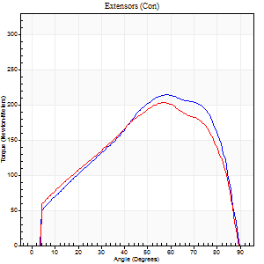
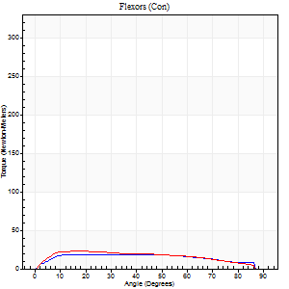
Right Side Curves Left Side Curves
Isokinetic Con/Con |  |  |  | Extensors (Con) |  | Flexors (Con)
Speed 60/60 d/s 3 Reps |  |  |  | Value | Cof Var | %BW | Value | Cof Var | %BW | Ratio

TORQUE PARAMETERS
Peak Torque (Newton-Meters - Best Repetition)
Right |  |  |  | 214 | 0.08 | 307 | 19 | 0.16 | 27 | 9
Left |  |  |  | 203 | 0.03 | 289 | 23 | 0.06 | 33 | 11
Deficit |  |  |  | 5 |  |  | 18
Work per Repetition (Newton-Meters - Best Repetition)
Right |  |  |  | 221 | 0.09 | 316 | 23 | 0.97 | 33 | 10
Left |  |  |  | 213 | 0.04 | 304 | 24 | 0.09 | 36 | 11
Deficit |  |  |  | 4 |  |  | 6
Average Power per Repetition (Watts - Best Repetition)
Right |  |  |  | 143 | 0.09 | 204 | 14 | 0.93 | 20 | 10
Left |  |  |  | 136 | 0.03 | 193 | 16 | 0.1 | 22 | 12
Deficit |  |  |  | 5 |  |  | 13
POSITION PARAMETERS
Joint Angle at Peak Torque (Degrees)
Right |  |  |  | 66 | 0.12 |  | 46 | 0.82
Left |  |  |  | 57 | 0.01 |  | 24 | 0.5
Range of Motion (Degrees)
Right |  |  |  | 0 | 0.24 |  | 90 | 0
Left |  |  |  | 0 | 4.24 |  | 90 | 0
TIME PARAMETERS
Time to Peak Torque (Seconds)
Right |  |  |  | 0.42 | 0.43 |  | 0.38 | 0.34
Left |  |  |  | 0.56 | 0.01 |  | 0.45 | 0.48
Time Peak Torque Held (Seconds)
Right |  |  |  | 0.03 | 0.33 |  | 0.14 | 1.33
Left |  |  |  | 0.03 | 0.17 |  | 0.07 | 0.91
Force Decay Time (Seconds)
Right |  |  |  | 1.1 | 0.12 |  | 0.54 | 1.11
Left |  |  |  | 0.95 | 0.02 |  | 1.04 | 0.28
Reciprocal Delay (Seconds)
Right |  |  |  | 0.25 | 0.19 |  | 0.21 | 0.28
Left |  |  |  | 0.45 | 0.35 |  | 0.23 | 0.2
Delay Time (Seconds)
Right |  |  |  | 0.01 | 0 |  | 0.51 | 1.75
Left |  |  |  | 0.01 | 0.47 |  | -0.01 | -4.58
HUMAC2015® Version: 15.000.0074 © Computer Sports Medicine, Inc. www.csmisolutions.com

Use File, Preference to set Report Heading
Long Form Torque vs. Position Report - Knee Extension/Flexion
Name: |  |  |  | TR024_115, | ID: | TR024_115 | Right/Left: | 14.11.2020 14.11.2020
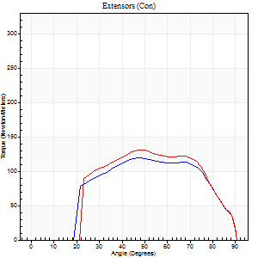

Right Side Curves Left Side Curves
Isokinetic Con/Con |  |  |  | Extensors (Con) |  | Flexors (Con)
Speed 240/240 d/s 3 Reps |  |  |  | Value | Cof Var | %BW | Value | Cof Var | %BW | Ratio

TORQUE PARAMETERS
Peak Torque (Newton-Meters - Best Repetition)
Right |  |  |  | 119 | 0.01 | 170 | 8 | 0.4 | 12 | 7
Left |  |  |  | 130 | 0.03 | 185 | 4 | 0.24 | 6 | 3
Deficit |  |  |  | 8 |  |  | 50
Work per Repetition (Newton-Meters - Best Repetition)
Right |  |  |  | 119 | 0.04 | 170 | 3 | 0.06 | 3 | 2
Left |  |  |  | 125 | 0.05 | 179 | 1 | 0.59 | 3 | 1
Deficit |  |  |  | 4 |  |  | 50
Average Power per Repetition (Watts - Best Repetition)
Right |  |  |  | 213 | 0.08 | 303 | 2 | 0.15 | 2 | 1
Left |  |  |  | 219 | 0.03 | 312 | 1 | 0.36 | 2 | 0
Deficit |  |  |  | 3 |  |  | 50
POSITION PARAMETERS
Joint Angle at Peak Torque (Degrees)
Right |  |  |  | 58 | 0.15 |  | 30 | 1.53
Left |  |  |  | 54 | 0.18 |  | 30 | 1.54
Range of Motion (Degrees)
Right |  |  |  | 0 | 0.47 |  | 89 | 0.01
Left |  |  |  | 0 | 0 |  | 90 | 0
TIME PARAMETERS
Time to Peak Torque (Seconds)
Right |  |  |  | 0.19 | 0.25 |  | 0.59 | 1.15
Left |  |  |  | 0.23 | 0 |  | 0.28 | 0.42
Time Peak Torque Held (Seconds)
Right |  |  |  | 0 | 1.73 |  | 0.01 | 1.73
Left |  |  |  | 0.01 | 0.87 |  | 0.01 | 1.73
Force Decay Time (Seconds)
Right |  |  |  | 0.37 | 0.15 |  | 0.71 | 0.74
Left |  |  |  | 0.34 | 0.11 |  | 0.96 | 0.79
Reciprocal Delay (Seconds)
Right |  |  |  | 0.08 | 0.53 |  | 0.58 | 0.28
Left |  |  |  | 0.21 | 0.2 |  | 0.61 | 0.38
Delay Time (Seconds)
Right |  |  |  | -0.01 | 0 |  | -0.09 | -0.13
Left |  |  |  | -0.01 | -1.41 |  | 0.25 | 2.32
HUMAC2015® Version: 15.000.0074 © Computer Sports Medicine, Inc. www.csmisolutions.com

Use File, Preference to set Report Heading
Isometric - Knee Extension/Flexion
Name: |  |  |  | TR024_115, | ID: | TR024_115 | Right/Left: | 14.11.2020 14.11.2020


Isometric Extensors (Con) Angle 60 Time 10 Repetition 1 (Best Repetition)
 | Value | Cof Var | %BW
Peak Torque (Newton-Meters)
Right | 320 | 0 | 456
Left | 308 | 0 | 438
Deficit | 4
Average Torque (Newton-Meters)
Right | 236 | 0 | 337
Left | 247 | 0 | 352
Deficit | 4
Peak Torque Slope (Newton-Meters/Seconds)
Right | 65 | 0 | 92
Left | 108 | 0 | 154 |  | Right Side Curves Left Side Curves
Deficit | 40
Time to Half Peak Torque (Seconds)
Right | 0.2 | 0
Left | 0.15 | 0
Time to Peak Torque (Seconds)
Right | 4.93 | 0
Left | 2.85 | 0
HUMAC2015® Version: 15.000.0074 © Computer Sports Medicine, Inc. www.csmisolutions.com

Ark12
Use File, Preference to set Report Heading
Long Form Torque vs. Position Report - Knee Extension/Flexion
Name: |  |  |  | TR024_115, | ID: | TR024_115 | Right/Left: | 14.11.2020 14.11.2020


Right Side Curves Left Side Curves
Isokinetic Con/Con |  |  |  | Extensors (Con) |  | Flexors (Con)
Speed 60/60 d/s 3 Reps |  |  |  | Value | Cof Var | %BW | Value | Cof Var | %BW | Ratio

TORQUE PARAMETERS
Peak Torque (Newton-Meters - Best Repetition)
Right |  |  |  | 0 | 0 | 0 | 0 | 0 | 0 | 0
Left |  |  |  | 225 | 0.04 | 322 | 23 | 0.25 | 33 | 10
Deficit |  |  |  | 0 |  |  | 0
Work per Repetition (Newton-Meters - Best Repetition)
Right |  |  |  | 0 | 0 | 0 | 0 | 0 | 0 | 0
Left |  |  |  | 226 | 0.01 | 322 | 20 | 0.16 | 30 | 9
Deficit |  |  |  | 0 |  |  | 0
Average Power per Repetition (Watts - Best Repetition)
Right |  |  |  | 0 | 0 | 0 | 0 | 0 | 0 | 0
Left |  |  |  | 146 | 0.02 | 209 | 11 | 0.09 | 15 | 8
Deficit |  |  |  | 0 |  |  | 0
POSITION PARAMETERS
Joint Angle at Peak Torque (Degrees)
Right |  |  |  | 0 | 0 |  | 0 | 0
Left |  |  |  | 55 | 0.01 |  | 24 | 0.23
Range of Motion (Degrees)
Right |  |  |  | 0 | 0 |  | 0 | 0
Left |  |  |  | 0 | -1.41 |  | 90 | 0
TIME PARAMETERS
Time to Peak Torque (Seconds)
Right |  |  |  | 0 | 0 |  | 0 | 0
Left |  |  |  | 0.6 | 0 |  | 0.45 | 0.21
Time Peak Torque Held (Seconds)
Right |  |  |  | 0 | 0 |  | 0 | 0
Left |  |  |  | 0.05 | 0.11 |  | 0.02 | 1.73
Force Decay Time (Seconds)
Right |  |  |  | 0 | 0 |  | 0 | 0
Left |  |  |  | 0.92 | 0.02 |  | 1.13 | 0.1
Reciprocal Delay (Seconds)
Right |  |  |  | 0 | 0 |  | 0 | 0
Left |  |  |  | 0.89 | 0.31 |  | 0.27 | 0.15
Delay Time (Seconds)
Right |  |  |  | 0 | 0 |  | 0 | 0
Left |  |  |  | -0.01 | 0 |  | -0.01 | -1
HUMAC2015® Version: 15.000.0074 © Computer Sports Medicine, Inc. www.csmisolutions.com

Use File, Preference to set Report Heading
Long Form Torque vs. Position Report - Knee Extension/Flexion
Name: |  |  |  | TR024_115, | ID: | TR024_115 | Right/Left: | 14.11.2020 14.11.2020


Right Side Curves Left Side Curves
Isokinetic Con/Con |  |  |  | Extensors (Con) |  | Flexors (Con)
Speed 240/240 d/s 3 Reps |  |  |  | Value | Cof Var | %BW | Value | Cof Var | %BW | Ratio

TORQUE PARAMETERS
Peak Torque (Newton-Meters - Best Repetition)
Right |  |  |  | 0 | 0 | 0 | 0 | 0 | 0 | 0
Left |  |  |  | 126 | 0.01 | 179 | 26 | 1.2 | 36 | 20
Deficit |  |  |  | 0 |  |  | 0
Work per Repetition (Newton-Meters - Best Repetition)
Right |  |  |  | 0 | 0 | 0 | 0 | 0 | 0 | 0
Left |  |  |  | 122 | 0.02 | 173 | 3 | 0.21 | 3 | 2
Deficit |  |  |  | 0 |  |  | 0
Average Power per Repetition (Watts - Best Repetition)
Right |  |  |  | 0 | 0 | 0 | 0 | 0 | 0 | 0
Left |  |  |  | 222 | 0.02 | 316 | 2 | 0.3 | 2 | 1
Deficit |  |  |  | 0 |  |  | 0
POSITION PARAMETERS
Joint Angle at Peak Torque (Degrees)
Right |  |  |  | 0 | 0 |  | 0 | 0
Left |  |  |  | 48 | 0.03 |  | 35 | 1.41
Range of Motion (Degrees)
Right |  |  |  | 0 | 0 |  | 0 | 0
Left |  |  |  | 0 | 1.41 |  | 90 | 0
TIME PARAMETERS
Time to Peak Torque (Seconds)
Right |  |  |  | 0 | 0 |  | 0 | 0
Left |  |  |  | 0.23 | 0 |  | 0.81 | 0.88
Time Peak Torque Held (Seconds)
Right |  |  |  | 0 | 0 |  | 0 | 0
Left |  |  |  | 0.01 | 0.87 |  | 0 | 1.73
Force Decay Time (Seconds)
Right |  |  |  | 0 | 0 |  | 0 | 0
Left |  |  |  | 0.3 | 0.02 |  | 0.72 | 1.06
Reciprocal Delay (Seconds)
Right |  |  |  | 0 | 0 |  | 0 | 0
Left |  |  |  | 0.28 | 0.15 |  | 0.51 | 0.03
Delay Time (Seconds)
Right |  |  |  | 0 | 0 |  | 0 | 0
Left |  |  |  | 0 | -1.41 |  | -0.14 | -0.31
HUMAC2015® Version: 15.000.0074 © Computer Sports Medicine, Inc. www.csmisolutions.com

Use File, Preference to set Report Heading
Isometric - Knee Extension/Flexion
Name: |  |  |  | TR024_115, | ID: | TR024_115 | Right/Left: | 14.11.2020 14.11.2020


Isometric Extensors (Con) Angle 60 Time 10 Repetition 1 (Best Repetition)
 | Value | Cof Var | %BW
Peak Torque (Newton-Meters)
Right | 0 | 0 | 0
Left | 313 | 0 | 447
Deficit | 0
Average Torque (Newton-Meters)
Right | 0 | 0 | 0
Left | 251 | 0 | 358
Deficit | 0
Peak Torque Slope (Newton-Meters/Seconds)
Right | 0 | 0 | 0
Left | 62 | 0 | 89 |  | Right Side Curves Left Side Curves
Deficit | 0
Time to Half Peak Torque (Seconds)
Right | 0 | 0
Left | 0.14 | 0
Time to Peak Torque (Seconds)
Right | 0 | 0
Left | 5.01 | 0
HUMAC2015® Version: 15.000.0074 © Computer Sports Medicine, Inc. www.csmisolutions.com

Ark13
Use File, Preference to set Report Heading
Long Form Torque vs. Position Report - Knee Extension/Flexion
Name: |  |  |  | TR024_115, | ID: | TR024_115 | Right/Left: | 14.11.2020 14.11.2020


Right Side Curves Left Side Curves
Isokinetic Con/Con |  |  |  | Extensors (Con) |  | Flexors (Con)
Speed 60/60 d/s 3 Reps |  |  |  | Value | Cof Var | %BW | Value | Cof Var | %BW | Ratio

TORQUE PARAMETERS
Peak Torque (Newton-Meters - Best Repetition)
Right |  |  |  | 0 | 0 | 0 | 0 | 0 | 0 | 0
Left |  |  |  | 232 | 0.04 | 331 | 22 | 0.57 | 30 | 9
Deficit |  |  |  | 0 |  |  | 0
Work per Repetition (Newton-Meters - Best Repetition)
Right |  |  |  | 0 | 0 | 0 | 0 | 0 | 0 | 0
Left |  |  |  | 239 | 0.04 | 340 | 23 | 0.72 | 33 | 10
Deficit |  |  |  | 0 |  |  | 0
Average Power per Repetition (Watts - Best Repetition)
Right |  |  |  | 0 | 0 | 0 | 0 | 0 | 0 | 0
Left |  |  |  | 156 | 0.05 | 222 | 15 | 0.7 | 22 | 10
Deficit |  |  |  | 0 |  |  | 0
POSITION PARAMETERS
Joint Angle at Peak Torque (Degrees)
Right |  |  |  | 0 | 0 |  | 0 | 0
Left |  |  |  | 66 | 0.11 |  | 21 | 0.57
Range of Motion (Degrees)
Right |  |  |  | 0 | 0 |  | 0 | 0
Left |  |  |  | 0 | 4.24 |  | 90 | 0
TIME PARAMETERS
Time to Peak Torque (Seconds)
Right |  |  |  | 0 | 0 |  | 0 | 0
Left |  |  |  | 0.43 | 0.32 |  | 0.41 | 0.4
Time Peak Torque Held (Seconds)
Right |  |  |  | 0 | 0 |  | 0 | 0
Left |  |  |  | 0.15 | 0.7 |  | 0.02 | 1.73
Force Decay Time (Seconds)
Right |  |  |  | 0 | 0 |  | 0 | 0
Left |  |  |  | 0.99 | 0.05 |  | 1.1 | 0.11
Reciprocal Delay (Seconds)
Right |  |  |  | 0 | 0 |  | 0 | 0
Left |  |  |  | 0.34 | 0.02 |  | 0.25 | 0.38
Delay Time (Seconds)
Right |  |  |  | 0 | 0 |  | 0 | 0
Left |  |  |  | 0.03 | 0 |  | -0.01 | -4.58
HUMAC2015® Version: 15.000.0074 © Computer Sports Medicine, Inc. www.csmisolutions.com

Use File, Preference to set Report Heading
Long Form Torque vs. Position Report - Knee Extension/Flexion
Name: |  |  |  | TR024_115, | ID: | TR024_115 | Right/Left: | 14.11.2020 14.11.2020


Right Side Curves Left Side Curves
Isokinetic Con/Con |  |  |  | Extensors (Con) |  | Flexors (Con)
Speed 240/240 d/s 3 Reps |  |  |  | Value | Cof Var | %BW | Value | Cof Var | %BW | Ratio

TORQUE PARAMETERS
Peak Torque (Newton-Meters - Best Repetition)
Right |  |  |  | 0 | 0 | 0 | 0 | 0 | 0 | 0
Left |  |  |  | 134 | 0.03 | 191 | 19 | 0.94 | 27 | 14
Deficit |  |  |  | 0 |  |  | 0
Work per Repetition (Newton-Meters - Best Repetition)
Right |  |  |  | 0 | 0 | 0 | 0 | 0 | 0 | 0
Left |  |  |  | 127 | 0.02 | 182 | 4 | 0.78 | 6 | 3
Deficit |  |  |  | 0 |  |  | 0
Average Power per Repetition (Watts - Best Repetition)
Right |  |  |  | 0 | 0 | 0 | 0 | 0 | 0 | 0
Left |  |  |  | 231 | 0.03 | 330 | 5 | 1.21 | 7 | 2
Deficit |  |  |  | 0 |  |  | 0
POSITION PARAMETERS
Joint Angle at Peak Torque (Degrees)
Right |  |  |  | 0 | 0 |  | 0 | 0
Left |  |  |  | 48 | 0.02 |  | 31 | 1.63
Range of Motion (Degrees)
Right |  |  |  | 0 | 0 |  | 0 | 0
Left |  |  |  | 0 | 0 |  | 90 | 0
TIME PARAMETERS
Time to Peak Torque (Seconds)
Right |  |  |  | 0 | 0 |  | 0 | 0
Left |  |  |  | 0.23 | 0 |  | 0.49 | 1.07
Time Peak Torque Held (Seconds)
Right |  |  |  | 0 | 0 |  | 0 | 0
Left |  |  |  | 0.01 | 0 |  | 0.03 | 1.73
Force Decay Time (Seconds)
Right |  |  |  | 0 | 0 |  | 0 | 0
Left |  |  |  | 0.3 | 0.02 |  | 1.42 | 1.18
Reciprocal Delay (Seconds)
Right |  |  |  | 0 | 0 |  | 0 | 0
Left |  |  |  | 0.33 | 0.17 |  | 0.65 | 0.21
Delay Time (Seconds)
Right |  |  |  | 0 | 0 |  | 0 | 0
Left |  |  |  | -0.01 | -0.47 |  | -0.1 | -0.26
HUMAC2015® Version: 15.000.0074 © Computer Sports Medicine, Inc. www.csmisolutions.com

Use File, Preference to set Report Heading
Isometric - Knee Extension/Flexion
Name: |  |  |  | TR024_115, | ID: | TR024_115 | Right/Left: | 14.11.2020 14.11.2020


Isometric Extensors (Con) Angle 60 Time 10 Repetition 1 (Best Repetition)
 | Value | Cof Var | %BW
Peak Torque (Newton-Meters)
Right | 0 | 0 | 0
Left | 336 | 0 | 480
Deficit | 0
Average Torque (Newton-Meters)
Right | 0 | 0 | 0
Left | 235 | 0 | 334
Deficit | 0
Peak Torque Slope (Newton-Meters/Seconds)
Right | 0 | 0 | 0
Left | 109 | 0 | 156 |  | Right Side Curves Left Side Curves
Deficit | 0
Time to Half Peak Torque (Seconds)
Right | 0 | 0
Left | 0.2 | 0
Time to Peak Torque (Seconds)
Right | 0 | 0
Left | 3.07 | 0
HUMAC2015® Version: 15.000.0074 © Computer Sports Medicine, Inc. www.csmisolutions.com

Ark14
Use File, Preference to set Report Heading
Long Form Torque vs. Position Report - Knee Extension/Flexion
Name: |  |  |  | TR024_115, | ID: | TR024_115 | Right/Left: | 15.11.2020 15.11.2020


Right Side Curves Left Side Curves
Isokinetic Con/Con |  |  |  | Extensors (Con) |  | Flexors (Con)
Speed 60/60 d/s 3 Reps |  |  |  | Value | Cof Var | %BW | Value | Cof Var | %BW | Ratio

TORQUE PARAMETERS
Peak Torque (Newton-Meters - Best Repetition)
Right |  |  |  | 0 | 0 | 0 | 0 | 0 | 0 | 0
Left |  |  |  | 220 | 0.06 | 313 | 28 | 0.45 | 42 | 13
Deficit |  |  |  | 0 |  |  | 0
Work per Repetition (Newton-Meters - Best Repetition)
Right |  |  |  | 0 | 0 | 0 | 0 | 0 | 0 | 0
Left |  |  |  | 237 | 0.1 | 340 | 34 | 0.63 | 48 | 14
Deficit |  |  |  | 0 |  |  | 0
Average Power per Repetition (Watts - Best Repetition)
Right |  |  |  | 0 | 0 | 0 | 0 | 0 | 0 | 0
Left |  |  |  | 153 | 0.1 | 218 | 21 | 0.68 | 31 | 14
Deficit |  |  |  | 0 |  |  | 0
POSITION PARAMETERS
Joint Angle at Peak Torque (Degrees)
Right |  |  |  | 0 | 0 |  | 0 | 0
Left |  |  |  | 65 | 0.16 |  | 32 | 0.28
Range of Motion (Degrees)
Right |  |  |  | 0 | 0 |  | 0 | 0
Left |  |  |  | 0 | 0 |  | 90 | 0
TIME PARAMETERS
Time to Peak Torque (Seconds)
Right |  |  |  | 0 | 0 |  | 0 | 0
Left |  |  |  | 0.47 | 0.47 |  | 0.63 | 0.19
Time Peak Torque Held (Seconds)
Right |  |  |  | 0 | 0 |  | 0 | 0
Left |  |  |  | 0.03 | 0.22 |  | 0.05 | 0.92
Force Decay Time (Seconds)
Right |  |  |  | 0 | 0 |  | 0 | 0
Left |  |  |  | 1.1 | 0.17 |  | 1.05 | 0.34
Reciprocal Delay (Seconds)
Right |  |  |  | 0 | 0 |  | 0 | 0
Left |  |  |  | 0.23 | 0.12 |  | 0.44 | 0.17
Delay Time (Seconds)
Right |  |  |  | 0 | 0 |  | 0 | 0
Left |  |  |  | 0.02 | 0 |  | -0.04 | -0.66
HUMAC2015® Version: 15.000.0074 © Computer Sports Medicine, Inc. www.csmisolutions.com

Use File, Preference to set Report Heading
Long Form Torque vs. Position Report - Knee Extension/Flexion
Name: |  |  |  | TR024_115, | ID: | TR024_115 | Right/Left: | 15.11.2020 15.11.2020


Right Side Curves Left Side Curves
Isokinetic Con/Con |  |  |  | Extensors (Con) |  | Flexors (Con)
Speed 240/240 d/s 3 Reps |  |  |  | Value | Cof Var | %BW | Value | Cof Var | %BW | Ratio

TORQUE PARAMETERS
Peak Torque (Newton-Meters - Best Repetition)
Right |  |  |  | 0 | 0 | 0 | 0 | 0 | 0 | 0
Left |  |  |  | 136 | 0.06 | 194 | 16 | 0.82 | 24 | 12
Deficit |  |  |  | 0 |  |  | 0
Work per Repetition (Newton-Meters - Best Repetition)
Right |  |  |  | 0 | 0 | 0 | 0 | 0 | 0 | 0
Left |  |  |  | 133 | 0.06 | 191 | 1 | 0.36 | 3 | 1
Deficit |  |  |  | 0 |  |  | 0
Average Power per Repetition (Watts - Best Repetition)
Right |  |  |  | 0 | 0 | 0 | 0 | 0 | 0 | 0
Left |  |  |  | 242 | 0.08 | 345 | 1 | 0.56 | 2 | 0
Deficit |  |  |  | 0 |  |  | 0
POSITION PARAMETERS
Joint Angle at Peak Torque (Degrees)
Right |  |  |  | 0 | 0 |  | 0 | 0
Left |  |  |  | 53 | 0.19 |  | 31 | 1.64
Range of Motion (Degrees)
Right |  |  |  | 0 | 0 |  | 0 | 0
Left |  |  |  | 0 | -1.41 |  | 90 | 0
TIME PARAMETERS
Time to Peak Torque (Seconds)
Right |  |  |  | 0 | 0 |  | 0 | 0
Left |  |  |  | 0.22 | 0.03 |  | 0.66 | 1.28
Time Peak Torque Held (Seconds)
Right |  |  |  | 0 | 0 |  | 0 | 0
Left |  |  |  | 0.03 | 1.2 |  | 0.01 | 1.15
Force Decay Time (Seconds)
Right |  |  |  | 0 | 0 |  | 0 | 0
Left |  |  |  | 0.3 | 0.02 |  | 1.01 | 1.06
Reciprocal Delay (Seconds)
Right |  |  |  | 0 | 0 |  | 0 | 0
Left |  |  |  | 0.23 | 0.03 |  | 0.57 | 0.24
Delay Time (Seconds)
Right |  |  |  | 0 | 0 |  | 0 | 0
Left |  |  |  | 0 | 0 |  | -0.1 | -0.1
HUMAC2015® Version: 15.000.0074 © Computer Sports Medicine, Inc. www.csmisolutions.com

Use File, Preference to set Report Heading
Isometric - Knee Extension/Flexion
Name: |  |  |  | TR024_115, | ID: | TR024_115 | Right/Left: | 15.11.2020 15.11.2020


Isometric Extensors (Con) Angle 60 Time 10 Repetition 1 (Best Repetition)
 | Value | Cof Var | %BW
Peak Torque (Newton-Meters)
Right | 0 | 0 | 0
Left | 325 | 0 | 465
Deficit | 0
Average Torque (Newton-Meters)
Right | 0 | 0 | 0
Left | 225 | 0 | 322
Deficit | 0
Peak Torque Slope (Newton-Meters/Seconds)
Right | 0 | 0 | 0
Left | 93 | 0 | 133 |  | Right Side Curves Left Side Curves
Deficit | 0
Time to Half Peak Torque (Seconds)
Right | 0 | 0
Left | 0.19 | 0
Time to Peak Torque (Seconds)
Right | 0 | 0
Left | 3.49 | 0
HUMAC2015® Version: 15.000.0074 © Computer Sports Medicine, Inc. www.csmisolutions.com

