Ark1
Use File, Preference to set Report Heading
Long Form Torque vs. Position Report - Knee Extension/Flexion
Name: |  |  |  | TR024_116, | ID: | TR024_116 | Right/Left: | 26.10.2020 26.10.2020
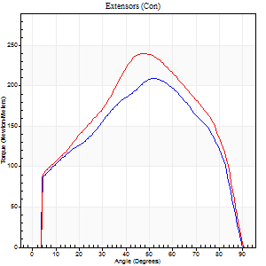
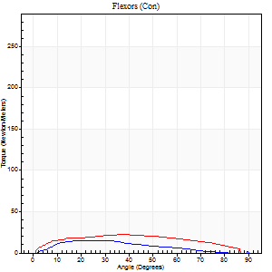
Right Side Curves Left Side Curves
Isokinetic Con/Con |  |  |  | Extensors (Con) |  | Flexors (Con)
Speed 60/60 d/s 3 Reps |  |  |  | Value | Cof Var | %BW | Value | Cof Var | %BW | Ratio

TORQUE PARAMETERS
Peak Torque (Newton-Meters - Best Repetition)
Right |  |  |  | 209 | 0.03 | 298 | 15 | 0.04 | 21 | 7
Left |  |  |  | 240 | 0.04 | 343 | 22 | 0.09 | 30 | 9
Deficit |  |  |  | 13 |  |  | 31
Work per Repetition (Newton-Meters - Best Repetition)
Right |  |  |  | 233 | 0.02 | 334 | 15 | 0.09 | 21 | 6
Left |  |  |  | 251 | 0.02 | 358 | 24 | 0.22 | 36 | 10
Deficit |  |  |  | 7 |  |  | 39
Average Power per Repetition (Watts - Best Repetition)
Right |  |  |  | 147 | 0.02 | 209 | 9 | 0.1 | 13 | 6
Left |  |  |  | 158 | 0.01 | 226 | 16 | 0.21 | 22 | 10
Deficit |  |  |  | 7 |  |  | 44
POSITION PARAMETERS
Joint Angle at Peak Torque (Degrees)
Right |  |  |  | 52 | 0.08 |  | 31 | 0.14
Left |  |  |  | 47 | 0.01 |  | 27 | 0.47
Range of Motion (Degrees)
Right |  |  |  | 0 | 0 |  | 90 | 0
Left |  |  |  | 0 | -0.28 |  | 90 | 0
TIME PARAMETERS
Time to Peak Torque (Seconds)
Right |  |  |  | 0.65 | 0.14 |  | 0.53 | 0.16
Left |  |  |  | 0.74 | 0.02 |  | 0.47 | 0.49
Time Peak Torque Held (Seconds)
Right |  |  |  | 0.08 | 0.87 |  | 0.01 | 1.73
Left |  |  |  | 0.05 | 0.33 |  | 0.06 | 1.12
Force Decay Time (Seconds)
Right |  |  |  | 0.83 | 0.04 |  | 1.03 | 0.12
Left |  |  |  | 0.79 | 0.03 |  | 0.99 | 0.26
Reciprocal Delay (Seconds)
Right |  |  |  | 0.72 | 0.45 |  | 0.29 | 0.11
Left |  |  |  | 0.24 | 0.12 |  | 0.28 | 0.21
Delay Time (Seconds)
Right |  |  |  | 0 | -1.41 |  | 0.05 | 0.35
Left |  |  |  | 0 | -4.24 |  | 0.02 | 0.49
HUMAC2015® Version: 15.000.0074 © Computer Sports Medicine, Inc. www.csmisolutions.com

Use File, Preference to set Report Heading
Long Form Torque vs. Position Report - Knee Extension/Flexion
Name: |  |  |  | TR024_116, | ID: | TR024_116 | Right/Left: | 26.10.2020 26.10.2020
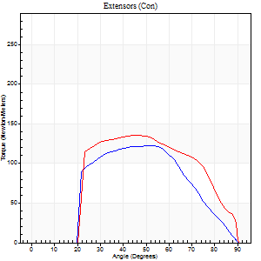
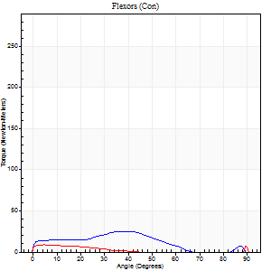
Right Side Curves Left Side Curves
Isokinetic Con/Con |  |  |  | Extensors (Con) |  | Flexors (Con)
Speed 240/240 d/s 3 Reps |  |  |  | Value | Cof Var | %BW | Value | Cof Var | %BW | Ratio

TORQUE PARAMETERS
Peak Torque (Newton-Meters - Best Repetition)
Right |  |  |  | 122 | 0.81 | 173 | 26 | 0.69 | 36 | 21
Left |  |  |  | 136 | 0.09 | 194 | 23 | 0.86 | 33 | 17
Deficit |  |  |  | 10 |  |  | 11
Work per Repetition (Newton-Meters - Best Repetition)
Right |  |  |  | 107 | 0.93 | 152 | 19 | 1.16 | 27 | 18
Left |  |  |  | 132 | 0.15 | 188 | 4 | 0.34 | 6 | 3
Deficit |  |  |  | 19 |  |  | 79
Average Power per Repetition (Watts - Best Repetition)
Right |  |  |  | 143 | 0.89 | 204 | 33 | 1.36 | 46 | 23
Left |  |  |  | 247 | 0.21 | 352 | 5 | 0.44 | 7 | 2
Deficit |  |  |  | 42 |  |  | 85
POSITION PARAMETERS
Joint Angle at Peak Torque (Degrees)
Right |  |  |  | 65 | 0.31 |  | 68 | 0.4
Left |  |  |  | 48 | 0.07 |  | 36 | 1.33
Range of Motion (Degrees)
Right |  |  |  | 38 | 1.42 |  | 90 | 0.01
Left |  |  |  | 0 | -1.41 |  | 90 | 0
TIME PARAMETERS
Time to Peak Torque (Seconds)
Right |  |  |  | 0.21 | 1.28 |  | 0.53 | 1.27
Left |  |  |  | 0.22 | 0.09 |  | 0.48 | 0.89
Time Peak Torque Held (Seconds)
Right |  |  |  | 0 | 1.73 |  | 0 | 1.73
Left |  |  |  | 0.01 | 0.87 |  | 0.03 | 1.73
Force Decay Time (Seconds)
Right |  |  |  | 0.32 | 0.14 |  | 0.21 | 0.89
Left |  |  |  | 0.3 | 0.09 |  | 0.54 | 1.08
Reciprocal Delay (Seconds)
Right |  |  |  | 0.14 | 0.83 |  | 0.64 | 0.75
Left |  |  |  | 0.64 | 0.03 |  | 0.51 | 0.32
Delay Time (Seconds)
Right |  |  |  | -0.06 | -0.76 |  | -0.04 | -0.27
Left |  |  |  | 0 | 0 |  | -0.05 | -0.25
HUMAC2015® Version: 15.000.0074 © Computer Sports Medicine, Inc. www.csmisolutions.com

Use File, Preference to set Report Heading
Isometric - Knee Extension/Flexion
Name: |  |  |  | TR024_116, | ID: | TR024_116 | Right/Left: | 26.10.2020 26.10.2020

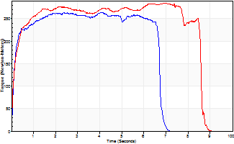
Isometric Extensors (Con) Angle 60 Time 10 Repetition 1 (Best Repetition)
 | Value | Cof Var | %BW
Peak Torque (Newton-Meters)
Right | 264 | 0 | 378
Left | 285 | 0 | 405
Deficit | 7
Average Torque (Newton-Meters)
Right | 167 | 0 | 238
Left | 225 | 0 | 322
Deficit | 26
Peak Torque Slope (Newton-Meters/Seconds)
Right | 65 | 0 | 92
Left | 41 | 0 | 58 |  | Right Side Curves Left Side Curves
Deficit | 36
Time to Half Peak Torque (Seconds)
Right | 0.12 | 0
Left | 0.14 | 0
Time to Peak Torque (Seconds)
Right | 4.08 | 0
Left | 6.93 | 0
HUMAC2015® Version: 15.000.0074 © Computer Sports Medicine, Inc. www.csmisolutions.com

Ark2
Use File, Preference to set Report Heading
Long Form Torque vs. Position Report - Knee Extension/Flexion
Name: |  |  |  | TR024_116, | ID: | TR024_116 | Right/Left: | 28.10.2020 28.10.2020
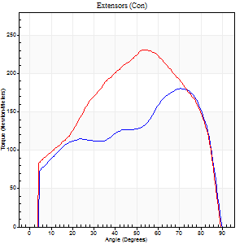
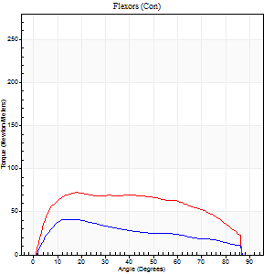
Right Side Curves Left Side Curves
Isokinetic Con/Con |  |  |  | Extensors (Con) |  | Flexors (Con)
Speed 60/60 d/s 3 Reps |  |  |  | Value | Cof Var | %BW | Value | Cof Var | %BW | Ratio

TORQUE PARAMETERS
Peak Torque (Newton-Meters - Best Repetition)
Right |  |  |  | 180 | 0.07 | 256 | 41 | 0.28 | 57 | 23
Left |  |  |  | 231 | 0.07 | 328 | 72 | 0.52 | 101 | 31
Deficit |  |  |  | 22 |  |  | 43
Work per Repetition (Newton-Meters - Best Repetition)
Right |  |  |  | 197 | 0.05 | 280 | 39 | 0.24 | 57 | 20
Left |  |  |  | 245 | 0.05 | 352 | 87 | 0.62 | 125 | 35
Deficit |  |  |  | 20 |  |  | 55
Average Power per Repetition (Watts - Best Repetition)
Right |  |  |  | 126 | 0.05 | 180 | 25 | 0.2 | 35 | 20
Left |  |  |  | 157 | 0.06 | 224 | 56 | 0.61 | 79 | 36
Deficit |  |  |  | 20 |  |  | 55
POSITION PARAMETERS
Joint Angle at Peak Torque (Degrees)
Right |  |  |  | 69 | 0.06 |  | 13 | 0.21
Left |  |  |  | 54 | 0.04 |  | 20 | 0.33
Range of Motion (Degrees)
Right |  |  |  | 0 | 0 |  | 90 | 0
Left |  |  |  | 0 | 0 |  | 90 | 0
TIME PARAMETERS
Time to Peak Torque (Seconds)
Right |  |  |  | 0.36 | 0.27 |  | 0.22 | 0.12
Left |  |  |  | 0.6 | 0.06 |  | 0.33 | 0.29
Time Peak Torque Held (Seconds)
Right |  |  |  | 0.03 | 0.17 |  | 0.02 | 0.89
Left |  |  |  | 0.04 | 0.35 |  | 0.03 | 0.58
Force Decay Time (Seconds)
Right |  |  |  | 1.17 | 0.06 |  | 1.27 | 0.09
Left |  |  |  | 0.91 | 0.03 |  | 1.16 | 0.07
Reciprocal Delay (Seconds)
Right |  |  |  | 0.6 | 0.34 |  | 0.25 | 0.17
Left |  |  |  | 0.58 | 0.1 |  | 0.22 | 0.22
Delay Time (Seconds)
Right |  |  |  | 0.02 | 0 |  | 0.03 | 0.62
Left |  |  |  | 0.02 | 0.71 |  | 0.03 | 0.43
HUMAC2015® Version: 15.000.0074 © Computer Sports Medicine, Inc. www.csmisolutions.com

Use File, Preference to set Report Heading
Long Form Torque vs. Position Report - Knee Extension/Flexion
Name: |  |  |  | TR024_116, | ID: | TR024_116 | Right/Left: | 28.10.2020 28.10.2020
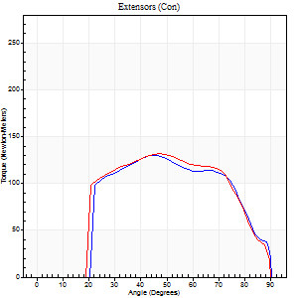
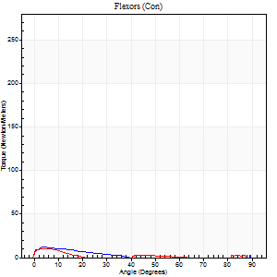
Right Side Curves Left Side Curves
Isokinetic Con/Con |  |  |  | Extensors (Con) |  | Flexors (Con)
Speed 240/240 d/s 3 Reps |  |  |  | Value | Cof Var | %BW | Value | Cof Var | %BW | Ratio

TORQUE PARAMETERS
Peak Torque (Newton-Meters - Best Repetition)
Right |  |  |  | 130 | 0.05 | 185 | 12 | 0.4 | 18 | 9
Left |  |  |  | 132 | 0.01 | 188 | 9 | 0.39 | 15 | 7
Deficit |  |  |  | 1 |  |  | 22
Work per Repetition (Newton-Meters - Best Repetition)
Right |  |  |  | 125 | 0.05 | 179 | 5 | 0.38 | 9 | 4
Left |  |  |  | 129 | 0.02 | 185 | 3 | 0.33 | 3 | 2
Deficit |  |  |  | 3 |  |  | 50
Average Power per Repetition (Watts - Best Repetition)
Right |  |  |  | 231 | 0.07 | 330 | 4 | 0.4 | 7 | 2
Left |  |  |  | 235 | 0.53 | 336 | 3 | 0.53 | 4 | 1
Deficit |  |  |  | 2 |  |  | 25
POSITION PARAMETERS
Joint Angle at Peak Torque (Degrees)
Right |  |  |  | 48 | 0.06 |  | 6 | 0.8
Left |  |  |  | 48 | 0.03 |  | 2 | 0.98
Range of Motion (Degrees)
Right |  |  |  | 0 | -0.28 |  | 90 | 0
Left |  |  |  | 0 | -0.2 |  | 90 | 0
TIME PARAMETERS
Time to Peak Torque (Seconds)
Right |  |  |  | 0.23 | 0 |  | 0.19 | 0.54
Left |  |  |  | 0.22 | 0 |  | 0.09 | 0.48
Time Peak Torque Held (Seconds)
Right |  |  |  | 0.01 | 0.87 |  | 0.01 | 1
Left |  |  |  | 0.01 | 1 |  | 0.02 | 1.73
Force Decay Time (Seconds)
Right |  |  |  | 0.3 | 0.03 |  | 1.01 | 0.26
Left |  |  |  | 0.31 | 0.02 |  | 1.55 | 0.39
Reciprocal Delay (Seconds)
Right |  |  |  | 0.61 | 0.14 |  | 0.74 | 0.26
Left |  |  |  | 1.24 | 0.46 |  | 0.94 | 0.09
Delay Time (Seconds)
Right |  |  |  | 0 | 0 |  | -0.04 | -0.66
Left |  |  |  | 0 | 0 |  | -0.03 | -0.58
HUMAC2015® Version: 15.000.0074 © Computer Sports Medicine, Inc. www.csmisolutions.com

Use File, Preference to set Report Heading
Isometric - Knee Extension/Flexion
Name: |  |  |  | TR024_116, | ID: | TR024_116 | Right/Left: | 28.10.2020 28.10.2020

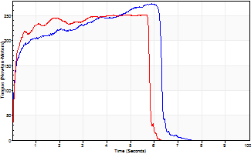
Isometric Extensors (Con) Angle 60 Time 10 Repetition 1 (Best Repetition)
 | Value | Cof Var | %BW
Peak Torque (Newton-Meters)
Right | 274 | 0 | 390
Left | 252 | 0 | 361
Deficit | 8
Average Torque (Newton-Meters)
Right | 146 | 0 | 209
Left | 137 | 0 | 197
Deficit | 6
Peak Torque Slope (Newton-Meters/Seconds)
Right | 46 | 0 | 66
Left | 53 | 0 | 75 |  | Right Side Curves Left Side Curves
Deficit | 12
Time to Half Peak Torque (Seconds)
Right | 0.13 | 0
Left | 0.11 | 0
Time to Peak Torque (Seconds)
Right | 5.89 | 0
Left | 4.77 | 0
HUMAC2015® Version: 15.000.0074 © Computer Sports Medicine, Inc. www.csmisolutions.com

Ark3
Use File, Preference to set Report Heading
Long Form Torque vs. Position Report - Knee Extension/Flexion
Name: |  |  |  | TR024_116, | ID: | TR024_116 | Right/Left: | 01.11.2020 01.11.2020
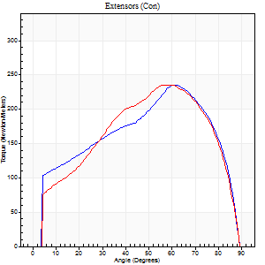
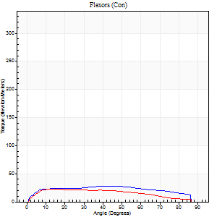
Right Side Curves Left Side Curves
Isokinetic Con/Con |  |  |  | Extensors (Con) |  | Flexors (Con)
Speed 60/60 d/s 3 Reps |  |  |  | Value | Cof Var | %BW | Value | Cof Var | %BW | Ratio

TORQUE PARAMETERS
Peak Torque (Newton-Meters - Best Repetition)
Right |  |  |  | 236 | 0.07 | 337 | 27 | 0.34 | 39 | 11
Left |  |  |  | 236 | 0.08 | 337 | 23 | 0.1 | 33 | 10
Deficit |  |  |  | 0 |  |  | 15
Work per Repetition (Newton-Meters - Best Repetition)
Right |  |  |  | 245 | 0.06 | 352 | 33 | 0.48 | 48 | 13
Left |  |  |  | 245 | 0.06 | 352 | 23 | 0.13 | 33 | 9
Deficit |  |  |  | 0 |  |  | 29
Average Power per Repetition (Watts - Best Repetition)
Right |  |  |  | 158 | 0.07 | 226 | 21 | 0.49 | 31 | 13
Left |  |  |  | 157 | 0.06 | 224 | 15 | 0.1 | 22 | 10
Deficit |  |  |  | 1 |  |  | 29
POSITION PARAMETERS
Joint Angle at Peak Torque (Degrees)
Right |  |  |  | 62 | 0.01 |  | 30 | 0.31
Left |  |  |  | 60 | 0.03 |  | 14 | 0.04
Range of Motion (Degrees)
Right |  |  |  | 0 | -0.16 |  | 90 | 0
Left |  |  |  | 0 | -0.47 |  | 90 | 0
TIME PARAMETERS
Time to Peak Torque (Seconds)
Right |  |  |  | 0.47 | 0.02 |  | 0.51 | 0.32
Left |  |  |  | 0.51 | 0.08 |  | 0.24 | 0.05
Time Peak Torque Held (Seconds)
Right |  |  |  | 0.04 | 0.16 |  | 0.04 | 1.73
Left |  |  |  | 0.04 | 0.31 |  | 0.03 | 1.2
Force Decay Time (Seconds)
Right |  |  |  | 1.05 | 0.01 |  | 1.03 | 0.14
Left |  |  |  | 1.01 | 0.03 |  | 1.24 | 0.08
Reciprocal Delay (Seconds)
Right |  |  |  | 0.63 | 0.06 |  | 0.31 | 0.21
Left |  |  |  | 0.94 | 0.13 |  | 0.27 | 0.02
Delay Time (Seconds)
Right |  |  |  | 0.02 | 0.71 |  | 0.05 | 0.78
Left |  |  |  | 0.02 | 0.71 |  | 0.02 | 0.25
HUMAC2015® Version: 15.000.0074 © Computer Sports Medicine, Inc. www.csmisolutions.com

Use File, Preference to set Report Heading
Long Form Torque vs. Position Report - Knee Extension/Flexion
Name: |  |  |  | TR024_116, | ID: | TR024_116 | Right/Left: | 01.11.2020 01.11.2020
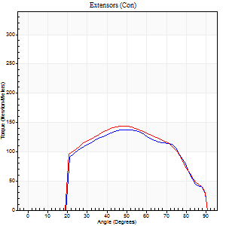
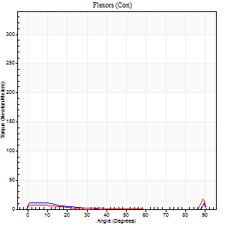
Right Side Curves Left Side Curves
Isokinetic Con/Con |  |  |  | Extensors (Con) |  | Flexors (Con)
Speed 240/240 d/s 3 Reps |  |  |  | Value | Cof Var | %BW | Value | Cof Var | %BW | Ratio

TORQUE PARAMETERS
Peak Torque (Newton-Meters - Best Repetition)
Right |  |  |  | 138 | 0.01 | 197 | 35 | 0.62 | 51 | 25
Left |  |  |  | 144 | 0.13 | 206 | 20 | 0.55 | 30 | 14
Deficit |  |  |  | 4 |  |  | 42
Work per Repetition (Newton-Meters - Best Repetition)
Right |  |  |  | 136 | 0.01 | 194 | 4 | 0.09 | 6 | 3
Left |  |  |  | 138 | 0.17 | 197 | 4 | 0.08 | 6 | 3
Deficit |  |  |  | 2 |  |  | 0
Average Power per Repetition (Watts - Best Repetition)
Right |  |  |  | 246 | 0.06 | 352 | 5 | 0.14 | 7 | 2
Left |  |  |  | 246 | 0.17 | 352 | 4 | 0.04 | 7 | 2
Deficit |  |  |  | 0 |  |  | 20
POSITION PARAMETERS
Joint Angle at Peak Torque (Degrees)
Right |  |  |  | 53 | 0.15 |  | 62 | 0.81
Left |  |  |  | 55 | 0.16 |  | 61 | 0.84
Range of Motion (Degrees)
Right |  |  |  | 0 | -0.28 |  | 90 | 0
Left |  |  |  | 0 | 0 |  | 90 | 0
TIME PARAMETERS
Time to Peak Torque (Seconds)
Right |  |  |  | 0.22 | 0.03 |  | 0.76 | 0.69
Left |  |  |  | 0.23 | 0 |  | 0.74 | 0.75
Time Peak Torque Held (Seconds)
Right |  |  |  | 0.01 | 0.43 |  | 0 | 0
Left |  |  |  | 0.01 | 0.43 |  | 0 | 0
Force Decay Time (Seconds)
Right |  |  |  | 0.33 | 0.14 |  | 0.15 | 3.68
Left |  |  |  | 0.33 | 0.12 |  | 0.19 | 2.6
Reciprocal Delay (Seconds)
Right |  |  |  | 0.56 | 0.23 |  | 0.92 | 0.09
Left |  |  |  | 0.56 | 0.16 |  | 0.68 | 0.12
Delay Time (Seconds)
Right |  |  |  | -0.01 | 0 |  | -0.04 | -0.42
Left |  |  |  | -0.02 | 0 |  | -0.05 | -0.25
HUMAC2015® Version: 15.000.0074 © Computer Sports Medicine, Inc. www.csmisolutions.com

Use File, Preference to set Report Heading
Isometric - Knee Extension/Flexion
Name: |  |  |  | TR024_116, | ID: | TR024_116 | Right/Left: | 01.11.2020 01.11.2020

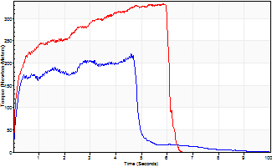
Isometric Extensors (Con) Angle 60 Time 10 Repetition 1 (Best Repetition)
 | Value | Cof Var | %BW
Peak Torque (Newton-Meters)
Right | 220 | 0 | 313
Left | 334 | 0 | 477
Deficit | 34
Average Torque (Newton-Meters)
Right | 94 | 0 | 134
Left | 170 | 0 | 241
Deficit | 45
Peak Torque Slope (Newton-Meters/Seconds)
Right | 48 | 0 | 68
Left | 57 | 0 | 82 |  | Right Side Curves Left Side Curves
Deficit | 16
Time to Half Peak Torque (Seconds)
Right | 0.16 | 0
Left | 0.21 | 0
Time to Peak Torque (Seconds)
Right | 4.59 | 0
Left | 5.83 | 0
HUMAC2015® Version: 15.000.0074 © Computer Sports Medicine, Inc. www.csmisolutions.com

Ark4
Use File, Preference to set Report Heading
Long Form Torque vs. Position Report - Knee Extension/Flexion
Name: |  |  |  | TR024_116, | ID: | TR024_116 | Right/Left: | 06.11.2020 06.11.2020
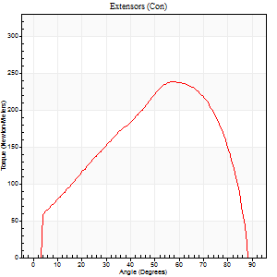
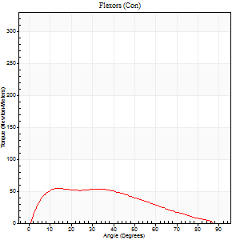
Right Side Curves Left Side Curves
Isokinetic Con/Con |  |  |  | Extensors (Con) |  | Flexors (Con)
Speed 60/60 d/s 3 Reps |  |  |  | Value | Cof Var | %BW | Value | Cof Var | %BW | Ratio

TORQUE PARAMETERS
Peak Torque (Newton-Meters - Best Repetition)
Right |  |  |  | 0 | 0 | 0 | 0 | 0 | 0 | 0
Left |  |  |  | 237 | 0.07 | 340 | 54 | 0.59 | 77 | 23
Deficit |  |  |  | 0 |  |  | 0
Work per Repetition (Newton-Meters - Best Repetition)
Right |  |  |  | 0 | 0 | 0 | 0 | 0 | 0 | 0
Left |  |  |  | 239 | 0.07 | 340 | 53 | 0.63 | 75 | 22
Deficit |  |  |  | 0 |  |  | 0
Average Power per Repetition (Watts - Best Repetition)
Right |  |  |  | 0 | 0 | 0 | 0 | 0 | 0 | 0
Left |  |  |  | 156 | 0.09 | 222 | 34 | 0.63 | 48 | 22
Deficit |  |  |  | 0 |  |  | 0
POSITION PARAMETERS
Joint Angle at Peak Torque (Degrees)
Right |  |  |  | 0 | 0 |  | 0 | 0
Left |  |  |  | 59 | 0.05 |  | 15 | 0.23
Range of Motion (Degrees)
Right |  |  |  | 0 | 0 |  | 0 | 0
Left |  |  |  | 0 | 0.71 |  | 90 | 0
TIME PARAMETERS
Time to Peak Torque (Seconds)
Right |  |  |  | 0 | 0 |  | 0 | 0
Left |  |  |  | 0.49 | 0.09 |  | 0.27 | 0.17
Time Peak Torque Held (Seconds)
Right |  |  |  | 0 | 0 |  | 0 | 0
Left |  |  |  | 0.04 | 0 |  | 0.02 | 1.32
Force Decay Time (Seconds)
Right |  |  |  | 0 | 0 |  | 0 | 0
Left |  |  |  | 1 | 0.05 |  | 1.27 | 0.04
Reciprocal Delay (Seconds)
Right |  |  |  | 0 | 0 |  | 0 | 0
Left |  |  |  | 0.39 | 0.27 |  | 0.21 | 0.07
Delay Time (Seconds)
Right |  |  |  | 0 | 0 |  | 0 | 0
Left |  |  |  | 0.02 | 0.85 |  | 0 | 3.46
HUMAC2015® Version: 15.000.0074 © Computer Sports Medicine, Inc. www.csmisolutions.com

Use File, Preference to set Report Heading
Long Form Torque vs. Position Report - Knee Extension/Flexion
Name: |  |  |  | TR024_116, | ID: | TR024_116 | Right/Left: | 06.11.2020 06.11.2020
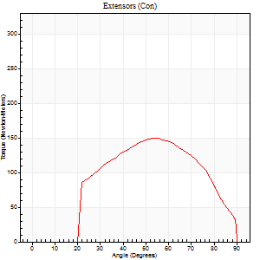
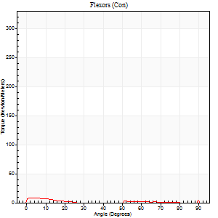
Right Side Curves Left Side Curves
Isokinetic Con/Con |  |  |  | Extensors (Con) |  | Flexors (Con)
Speed 240/240 d/s 3 Reps |  |  |  | Value | Cof Var | %BW | Value | Cof Var | %BW | Ratio

TORQUE PARAMETERS
Peak Torque (Newton-Meters - Best Repetition)
Right |  |  |  | 0 | 0 | 0 | 0 | 0 | 0 | 0
Left |  |  |  | 149 | 0.08 | 212 | 12 | 0.5 | 18 | 8
Deficit |  |  |  | 0 |  |  | 0
Work per Repetition (Newton-Meters - Best Repetition)
Right |  |  |  | 0 | 0 | 0 | 0 | 0 | 0 | 0
Left |  |  |  | 137 | 0.1 | 197 | 3 | 0.36 | 3 | 2
Deficit |  |  |  | 0 |  |  | 0
Average Power per Repetition (Watts - Best Repetition)
Right |  |  |  | 0 | 0 | 0 | 0 | 0 | 0 | 0
Left |  |  |  | 249 | 0.12 | 356 | 2 | 0.32 | 2 | 1
Deficit |  |  |  | 0 |  |  | 0
POSITION PARAMETERS
Joint Angle at Peak Torque (Degrees)
Right |  |  |  | 0 | 0 |  | 0 | 0
Left |  |  |  | 54 | 0.03 |  | 30 | 1.71
Range of Motion (Degrees)
Right |  |  |  | 0 | 0 |  | 0 | 0
Left |  |  |  | 0 | -0.28 |  | 90 | 0
TIME PARAMETERS
Time to Peak Torque (Seconds)
Right |  |  |  | 0 | 0 |  | 0 | 0
Left |  |  |  | 0.2 | 0.03 |  | 0.54 | 1.6
Time Peak Torque Held (Seconds)
Right |  |  |  | 0 | 0 |  | 0 | 0
Left |  |  |  | 0.01 | 0 |  | 0.06 | 1.73
Force Decay Time (Seconds)
Right |  |  |  | 0 | 0 |  | 0 | 0
Left |  |  |  | 0.34 | 0.03 |  | 0.7 | 1.09
Reciprocal Delay (Seconds)
Right |  |  |  | 0 | 0 |  | 0 | 0
Left |  |  |  | 0.49 | 0.34 |  | 0.88 | 0.13
Delay Time (Seconds)
Right |  |  |  | 0 | 0 |  | 0 | 0
Left |  |  |  | 0 | -1.41 |  | -0.04 | -0.16
HUMAC2015® Version: 15.000.0074 © Computer Sports Medicine, Inc. www.csmisolutions.com

Use File, Preference to set Report Heading
Isometric - Knee Extension/Flexion
Name: |  |  |  | TR024_116, | ID: | TR024_116 | Right/Left: | 06.11.2020 06.11.2020

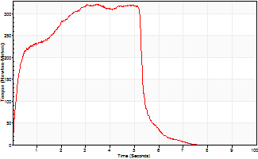
Isometric Extensors (Con) Angle 60 Time 10 Repetition 1 (Best Repetition)
 | Value | Cof Var | %BW
Peak Torque (Newton-Meters)
Right | 0 | 0 | 0
Left | 323 | 0 | 462
Deficit | 0
Average Torque (Newton-Meters)
Right | 0 | 0 | 0
Left | 152 | 0 | 218
Deficit | 0
Peak Torque Slope (Newton-Meters/Seconds)
Right | 0 | 0 | 0
Left | 93 | 0 | 133 |  | Right Side Curves Left Side Curves
Deficit | 0
Time to Half Peak Torque (Seconds)
Right | 0 | 0
Left | 0.25 | 0
Time to Peak Torque (Seconds)
Right | 0 | 0
Left | 3.46 | 0
HUMAC2015® Version: 15.000.0074 © Computer Sports Medicine, Inc. www.csmisolutions.com

Ark5
Use File, Preference to set Report Heading
Long Form Torque vs. Position Report - Knee Extension/Flexion
Name: |  |  |  | TR024_116, | ID: | TR024_116 | Right/Left: | 07.11.2020 07.11.2020
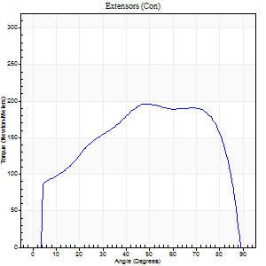
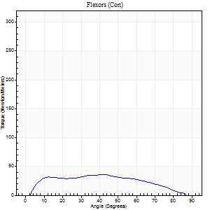
Right Side Curves Left Side Curves
Isokinetic Con/Con |  |  |  | Extensors (Con) |  | Flexors (Con)
Speed 60/60 d/s 3 Reps |  |  |  | Value | Cof Var | %BW | Value | Cof Var | %BW | Ratio

TORQUE PARAMETERS
Peak Torque (Newton-Meters - Best Repetition)
Right |  |  |  | 197 | 0 | 280 | 35 | 0.25 | 51 | 18
Left |  |  |  | 0 | 0 | 0 | 0 | 0 | 0 | 0
Deficit |  |  |  | 0 |  |  | 0
Work per Repetition (Newton-Meters - Best Repetition)
Right |  |  |  | 233 | 0.01 | 334 | 37 | 0.35 | 54 | 16
Left |  |  |  | 0 | 0 | 0 | 0 | 0 | 0 | 0
Deficit |  |  |  | 0 |  |  | 0
Average Power per Repetition (Watts - Best Repetition)
Right |  |  |  | 149 | 0.03 | 213 | 24 | 0.37 | 35 | 16
Left |  |  |  | 0 | 0 | 0 | 0 | 0 | 0 | 0
Deficit |  |  |  | 0 |  |  | 0
POSITION PARAMETERS
Joint Angle at Peak Torque (Degrees)
Right |  |  |  | 60 | 0.18 |  | 22 | 0.73
Left |  |  |  | 0 | 0 |  | 0 | 0
Range of Motion (Degrees)
Right |  |  |  | 0 | 0 |  | 90 | 0
Left |  |  |  | 0 | 0 |  | 0 | 0
TIME PARAMETERS
Time to Peak Torque (Seconds)
Right |  |  |  | 0.5 | 0.51 |  | 0.37 | 0.69
Left |  |  |  | 0 | 0 |  | 0 | 0
Time Peak Torque Held (Seconds)
Right |  |  |  | 0.15 | 0.98 |  | 0.07 | 1.73
Left |  |  |  | 0 | 0 |  | 0 | 0
Force Decay Time (Seconds)
Right |  |  |  | 0.92 | 0.1 |  | 1.1 | 0.22
Left |  |  |  | 0 | 0 |  | 0 | 0
Reciprocal Delay (Seconds)
Right |  |  |  | 0.26 | 0.16 |  | 0.25 | 0.19
Left |  |  |  | 0 | 0 |  | 0 | 0
Delay Time (Seconds)
Right |  |  |  | 0.02 | 0 |  | 0.05 | 0.65
Left |  |  |  | 0 | 0 |  | 0 | 0
HUMAC2015® Version: 15.000.0074 © Computer Sports Medicine, Inc. www.csmisolutions.com

Use File, Preference to set Report Heading
Long Form Torque vs. Position Report - Knee Extension/Flexion
Name: |  |  |  | TR024_116, | ID: | TR024_116 | Right/Left: | 07.11.2020 07.11.2020
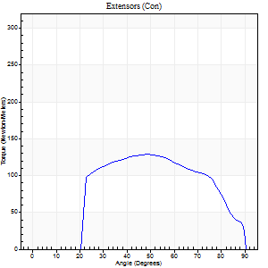
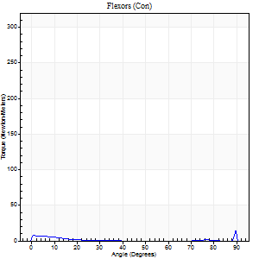
Right Side Curves Left Side Curves
Isokinetic Con/Con |  |  |  | Extensors (Con) |  | Flexors (Con)
Speed 240/240 d/s 3 Reps |  |  |  | Value | Cof Var | %BW | Value | Cof Var | %BW | Ratio

TORQUE PARAMETERS
Peak Torque (Newton-Meters - Best Repetition)
Right |  |  |  | 129 | 0.01 | 185 | 31 | 0.87 | 45 | 24
Left |  |  |  | 0 | 0 | 0 | 0 | 0 | 0 | 0
Deficit |  |  |  | 0 |  |  | 0
Work per Repetition (Newton-Meters - Best Repetition)
Right |  |  |  | 136 | 0.05 | 194 | 4 | 0.21 | 6 | 3
Left |  |  |  | 0 | 0 | 0 | 0 | 0 | 0 | 0
Deficit |  |  |  | 0 |  |  | 0
Average Power per Repetition (Watts - Best Repetition)
Right |  |  |  | 231 | 0.04 | 330 | 4 | 0.37 | 7 | 2
Left |  |  |  | 0 | 0 | 0 | 0 | 0 | 0 | 0
Deficit |  |  |  | 0 |  |  | 0
POSITION PARAMETERS
Joint Angle at Peak Torque (Degrees)
Right |  |  |  | 57 | 0.21 |  | 36 | 1.33
Left |  |  |  | 0 | 0 |  | 0 | 0
Range of Motion (Degrees)
Right |  |  |  | 0 | -0.2 |  | 90 | 0
Left |  |  |  | 0 | 0 |  | 0 | 0
TIME PARAMETERS
Time to Peak Torque (Seconds)
Right |  |  |  | 0.24 | 0.06 |  | 0.64 | 1.12
Left |  |  |  | 0 | 0 |  | 0 | 0
Time Peak Torque Held (Seconds)
Right |  |  |  | 0.01 | 1 |  | 0 | 0
Left |  |  |  | 0 | 0 |  | 0 | 0
Force Decay Time (Seconds)
Right |  |  |  | 0.34 | 0.18 |  | 0.4 | 1.31
Left |  |  |  | 0 | 0 |  | 0 | 0
Reciprocal Delay (Seconds)
Right |  |  |  | 1.06 | 0.04 |  | 0.65 | 0.03
Left |  |  |  | 0 | 0 |  | 0 | 0
Delay Time (Seconds)
Right |  |  |  | -0.02 | 0 |  | -0.04 | -0.25
Left |  |  |  | 0 | 0 |  | 0 | 0
HUMAC2015® Version: 15.000.0074 © Computer Sports Medicine, Inc. www.csmisolutions.com

Use File, Preference to set Report Heading
Isometric - Knee Extension/Flexion
Name: |  |  |  | TR024_116, | ID: | TR024_116 | Right/Left: | 07.11.2020 07.11.2020

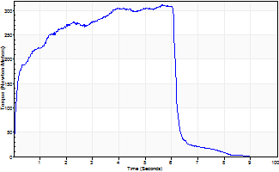
Isometric Extensors (Con) Angle 60 Time 10 Repetition 1 (Best Repetition)
 | Value | Cof Var | %BW
Peak Torque (Newton-Meters)
Right | 311 | 0 | 444
Left | 0 | 0 | 0
Deficit | 0
Average Torque (Newton-Meters)
Right | 170 | 0 | 241
Left | 0 | 0 | 0
Deficit | 0
Peak Torque Slope (Newton-Meters/Seconds)
Right | 55 | 0 | 79
Left | 0 | 0 | 0 |  | Right Side Curves Left Side Curves
Deficit | 0
Time to Half Peak Torque (Seconds)
Right | 0.16 | 0
Left | 0 | 0
Time to Peak Torque (Seconds)
Right | 5.63 | 0
Left | 0 | 0
HUMAC2015® Version: 15.000.0074 © Computer Sports Medicine, Inc. www.csmisolutions.com

Ark6
Use File, Preference to set Report Heading
Long Form Torque vs. Position Report - Knee Extension/Flexion
Name: |  |  |  | TR024_116, | ID: | TR024_116 | Right/Left: | 10.11.2020 10.11.2020

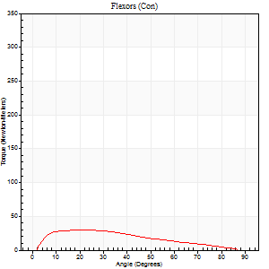
Right Side Curves Left Side Curves
Isokinetic Con/Con |  |  |  | Extensors (Con) |  | Flexors (Con)
Speed 60/60 d/s 3 Reps |  |  |  | Value | Cof Var | %BW | Value | Cof Var | %BW | Ratio

TORQUE PARAMETERS
Peak Torque (Newton-Meters - Best Repetition)
Right |  |  |  | 0 | 0 | 0 | 0 | 0 | 0 | 0
Left |  |  |  | 263 | 0.2 | 376 | 30 | 0.33 | 42 | 11
Deficit |  |  |  | 0 |  |  | 0
Work per Repetition (Newton-Meters - Best Repetition)
Right |  |  |  | 0 | 0 | 0 | 0 | 0 | 0 | 0
Left |  |  |  | 264 | 0.17 | 378 | 27 | 0.44 | 39 | 10
Deficit |  |  |  | 0 |  |  | 0
Average Power per Repetition (Watts - Best Repetition)
Right |  |  |  | 0 | 0 | 0 | 0 | 0 | 0 | 0
Left |  |  |  | 170 | 0.17 | 242 | 18 | 0.42 | 26 | 11
Deficit |  |  |  | 0 |  |  | 0
POSITION PARAMETERS
Joint Angle at Peak Torque (Degrees)
Right |  |  |  | 0 | 0 |  | 0 | 0
Left |  |  |  | 56 | 0.02 |  | 17 | 0.4
Range of Motion (Degrees)
Right |  |  |  | 0 | 0 |  | 0 | 0
Left |  |  |  | 0 | -1.41 |  | 90 | 0
TIME PARAMETERS
Time to Peak Torque (Seconds)
Right |  |  |  | 0 | 0 |  | 0 | 0
Left |  |  |  | 0.57 | 0.02 |  | 0.28 | 0.37
Time Peak Torque Held (Seconds)
Right |  |  |  | 0 | 0 |  | 0 | 0
Left |  |  |  | 0.05 | 0.12 |  | 0.09 | 0.89
Force Decay Time (Seconds)
Right |  |  |  | 0 | 0 |  | 0 | 0
Left |  |  |  | 0.94 | 0.02 |  | 1.15 | 0.04
Reciprocal Delay (Seconds)
Right |  |  |  | 0 | 0 |  | 0 | 0
Left |  |  |  | 0.43 | 0.1 |  | 0.21 | 0.22
Delay Time (Seconds)
Right |  |  |  | 0 | 0 |  | 0 | 0
Left |  |  |  | 0.02 | 0 |  | 0.03 | 0.78
HUMAC2015® Version: 15.000.0074 © Computer Sports Medicine, Inc. www.csmisolutions.com

Use File, Preference to set Report Heading
Long Form Torque vs. Position Report - Knee Extension/Flexion
Name: |  |  |  | TR024_116, | ID: | TR024_116 | Right/Left: | 10.11.2020 10.11.2020
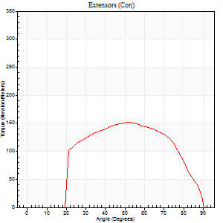
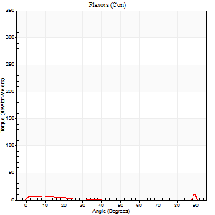
Right Side Curves Left Side Curves
Isokinetic Con/Con |  |  |  | Extensors (Con) |  | Flexors (Con)
Speed 240/240 d/s 3 Reps |  |  |  | Value | Cof Var | %BW | Value | Cof Var | %BW | Ratio

TORQUE PARAMETERS
Peak Torque (Newton-Meters - Best Repetition)
Right |  |  |  | 0 | 0 | 0 | 0 | 0 | 0 | 0
Left |  |  |  | 151 | 0.03 | 215 | 38 | 0.69 | 54 | 25
Deficit |  |  |  | 0 |  |  | 0
Work per Repetition (Newton-Meters - Best Repetition)
Right |  |  |  | 0 | 0 | 0 | 0 | 0 | 0 | 0
Left |  |  |  | 146 | 0.06 | 209 | 4 | 0.32 | 6 | 3
Deficit |  |  |  | 0 |  |  | 0
Average Power per Repetition (Watts - Best Repetition)
Right |  |  |  | 0 | 0 | 0 | 0 | 0 | 0 | 0
Left |  |  |  | 271 | 0.09 | 387 | 3 | 0.4 | 4 | 1
Deficit |  |  |  | 0 |  |  | 0
POSITION PARAMETERS
Joint Angle at Peak Torque (Degrees)
Right |  |  |  | 0 | 0 |  | 0 | 0
Left |  |  |  | 52 | 0.01 |  | 61 | 0.83
Range of Motion (Degrees)
Right |  |  |  | 0 | 0 |  | 0 | 0
Left |  |  |  | 0 | -0.28 |  | 90 | 0
TIME PARAMETERS
Time to Peak Torque (Seconds)
Right |  |  |  | 0 | 0 |  | 0 | 0
Left |  |  |  | 0.2 | 0 |  | 0.91 | 0.74
Time Peak Torque Held (Seconds)
Right |  |  |  | 0 | 0 |  | 0 | 0
Left |  |  |  | 0.01 | 0 |  | 0.03 | 1.42
Force Decay Time (Seconds)
Right |  |  |  | 0 | 0 |  | 0 | 0
Left |  |  |  | 0.33 | 0.04 |  | 0.15 | 4.79
Reciprocal Delay (Seconds)
Right |  |  |  | 0 | 0 |  | 0 | 0
Left |  |  |  | 0.88 | 0.07 |  | 0.75 | 0.21
Delay Time (Seconds)
Right |  |  |  | 0 | 0 |  | 0 | 0
Left |  |  |  | 0 | 0 |  | -0.05 | -0.2
HUMAC2015® Version: 15.000.0074 © Computer Sports Medicine, Inc. www.csmisolutions.com

Use File, Preference to set Report Heading
Isometric - Knee Extension/Flexion
Name: |  |  |  | TR024_116, | ID: | TR024_116 | Right/Left: | 10.11.2020 10.11.2020

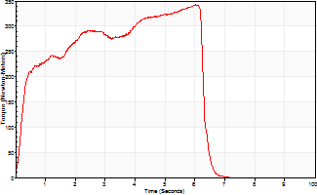
Isometric Extensors (Con) Angle 60 Time 10 Repetition 1 (Best Repetition)
 | Value | Cof Var | %BW
Peak Torque (Newton-Meters)
Right | 0 | 0 | 0
Left | 343 | 0 | 489
Deficit | 0
Average Torque (Newton-Meters)
Right | 0 | 0 | 0
Left | 175 | 0 | 250
Deficit | 0
Peak Torque Slope (Newton-Meters/Seconds)
Right | 0 | 0 | 0
Left | 57 | 0 | 81 |  | Right Side Curves Left Side Curves
Deficit | 0
Time to Half Peak Torque (Seconds)
Right | 0 | 0
Left | 0.31 | 0
Time to Peak Torque (Seconds)
Right | 0 | 0
Left | 6.02 | 0
HUMAC2015® Version: 15.000.0074 © Computer Sports Medicine, Inc. www.csmisolutions.com

Ark7
Use File, Preference to set Report Heading
Long Form Torque vs. Position Report - Knee Extension/Flexion
Name: |  |  |  | TR024_116, | ID: | TR024_116 | Right/Left: | 11.11.2020 11.11.2020
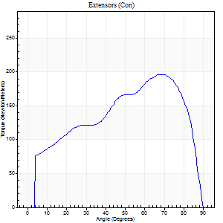
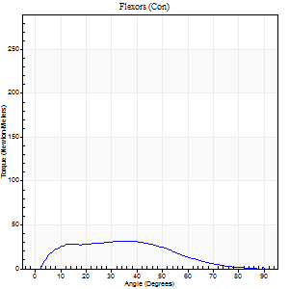
Right Side Curves Left Side Curves
Isokinetic Con/Con |  |  |  | Extensors (Con) |  | Flexors (Con)
Speed 60/60 d/s 3 Reps |  |  |  | Value | Cof Var | %BW | Value | Cof Var | %BW | Ratio

TORQUE PARAMETERS
Peak Torque (Newton-Meters - Best Repetition)
Right |  |  |  | 197 | 0.03 | 280 | 31 | 0.18 | 45 | 16
Left |  |  |  | 0 | 0 | 0 | 0 | 0 | 0 | 0
Deficit |  |  |  | 0 |  |  | 0
Work per Repetition (Newton-Meters - Best Repetition)
Right |  |  |  | 205 | 0.04 | 292 | 28 | 0.28 | 42 | 14
Left |  |  |  | 0 | 0 | 0 | 0 | 0 | 0 | 0
Deficit |  |  |  | 0 |  |  | 0
Average Power per Repetition (Watts - Best Repetition)
Right |  |  |  | 130 | 0.03 | 185 | 18 | 0.26 | 26 | 14
Left |  |  |  | 0 | 0 | 0 | 0 | 0 | 0 | 0
Deficit |  |  |  | 0 |  |  | 0
POSITION PARAMETERS
Joint Angle at Peak Torque (Degrees)
Right |  |  |  | 72 | 0.04 |  | 20 | 0.69
Left |  |  |  | 0 | 0 |  | 0 | 0
Range of Motion (Degrees)
Right |  |  |  | 0 | -0.71 |  | 90 | 0
Left |  |  |  | 0 | 0 |  | 0 | 0
TIME PARAMETERS
Time to Peak Torque (Seconds)
Right |  |  |  | 0.27 | 0.05 |  | 0.32 | 0.72
Left |  |  |  | 0 | 0 |  | 0 | 0
Time Peak Torque Held (Seconds)
Right |  |  |  | 0.04 | 0.16 |  | 0.04 | 0.96
Left |  |  |  | 0 | 0 |  | 0 | 0
Force Decay Time (Seconds)
Right |  |  |  | 1.22 | 0.04 |  | 1.17 | 0.21
Left |  |  |  | 0 | 0 |  | 0 | 0
Reciprocal Delay (Seconds)
Right |  |  |  | 0.57 | 0.48 |  | 0.21 | 0.21
Left |  |  |  | 0 | 0 |  | 0 | 0
Delay Time (Seconds)
Right |  |  |  | 0.01 | 0.47 |  | 0.07 | 0.21
Left |  |  |  | 0 | 0 |  | 0 | 0
HUMAC2015® Version: 15.000.0074 © Computer Sports Medicine, Inc. www.csmisolutions.com

Use File, Preference to set Report Heading
Long Form Torque vs. Position Report - Knee Extension/Flexion
Name: |  |  |  | TR024_116, | ID: | TR024_116 | Right/Left: | 11.11.2020 11.11.2020
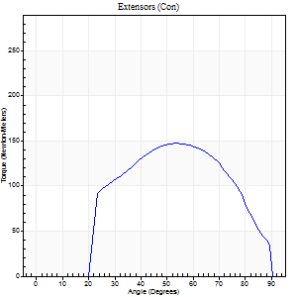
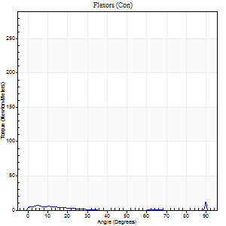
Right Side Curves Left Side Curves
Isokinetic Con/Con |  |  |  | Extensors (Con) |  | Flexors (Con)
Speed 240/240 d/s 3 Reps |  |  |  | Value | Cof Var | %BW | Value | Cof Var | %BW | Ratio

TORQUE PARAMETERS
Peak Torque (Newton-Meters - Best Repetition)
Right |  |  |  | 148 | 0.04 | 212 | 52 | 1.1 | 75 | 35
Left |  |  |  | 0 | 0 | 0 | 0 | 0 | 0 | 0
Deficit |  |  |  | 0 |  |  | 0
Work per Repetition (Newton-Meters - Best Repetition)
Right |  |  |  | 148 | 0.09 | 212 | 3 | 0.17 | 3 | 2
Left |  |  |  | 0 | 0 | 0 | 0 | 0 | 0 | 0
Deficit |  |  |  | 0 |  |  | 0
Average Power per Repetition (Watts - Best Repetition)
Right |  |  |  | 255 | 0.08 | 365 | 3 | 0.31 | 4 | 1
Left |  |  |  | 0 | 0 | 0 | 0 | 0 | 0 | 0
Deficit |  |  |  | 0 |  |  | 0
POSITION PARAMETERS
Joint Angle at Peak Torque (Degrees)
Right |  |  |  | 62 | 0.13 |  | 33 | 1.51
Left |  |  |  | 0 | 0 |  | 0 | 0
Range of Motion (Degrees)
Right |  |  |  | 0 | -0.2 |  | 90 | 0
Left |  |  |  | 0 | 0 |  | 0 | 0
TIME PARAMETERS
Time to Peak Torque (Seconds)
Right |  |  |  | 0.19 | 0.11 |  | 0.58 | 1.37
Left |  |  |  | 0 | 0 |  | 0 | 0
Time Peak Torque Held (Seconds)
Right |  |  |  | 0.01 | 0 |  | 0 | 1.73
Left |  |  |  | 0 | 0 |  | 0 | 0
Force Decay Time (Seconds)
Right |  |  |  | 0.36 | 0.11 |  | 0.55 | 1.52
Left |  |  |  | 0 | 0 |  | 0 | 0
Reciprocal Delay (Seconds)
Right |  |  |  | 0.47 | 0.31 |  | 0.63 | 0.26
Left |  |  |  | 0 | 0 |  | 0 | 0
Delay Time (Seconds)
Right |  |  |  | -0.01 | -0.47 |  | -0.01 | -1.73
Left |  |  |  | 0 | 0 |  | 0 | 0
HUMAC2015® Version: 15.000.0074 © Computer Sports Medicine, Inc. www.csmisolutions.com

Use File, Preference to set Report Heading
Isometric - Knee Extension/Flexion
Name: |  |  |  | TR024_116, | ID: | TR024_116 | Right/Left: | 11.11.2020 11.11.2020

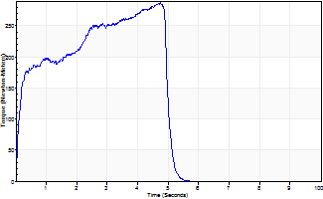
Isometric Extensors (Con) Angle 60 Time 10 Repetition 1 (Best Repetition)
 | Value | Cof Var | %BW
Peak Torque (Newton-Meters)
Right | 287 | 0 | 411
Left | 0 | 0 | 0
Deficit | 0
Average Torque (Newton-Meters)
Right | 114 | 0 | 164
Left | 0 | 0 | 0
Deficit | 0
Peak Torque Slope (Newton-Meters/Seconds)
Right | 61 | 0 | 86
Left | 0 | 0 | 0 |  | Right Side Curves Left Side Curves
Deficit | 0
Time to Half Peak Torque (Seconds)
Right | 0.18 | 0
Left | 0 | 0
Time to Peak Torque (Seconds)
Right | 4.73 | 0
Left | 0 | 0
HUMAC2015® Version: 15.000.0074 © Computer Sports Medicine, Inc. www.csmisolutions.com

Ark8
Use File, Preference to set Report Heading
Long Form Torque vs. Position Report - Knee Extension/Flexion
Name: |  |  |  | TR024_116, | ID: | TR024_116 | Right/Left: | 13.11.2020 13.11.2020
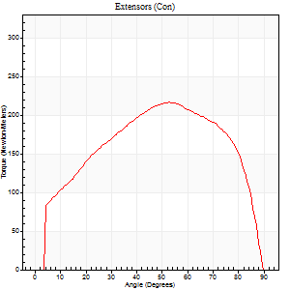
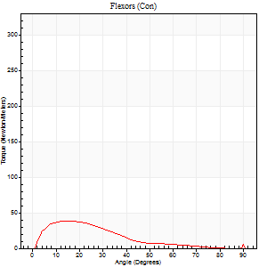
Right Side Curves Left Side Curves
Isokinetic Con/Con |  |  |  | Extensors (Con) |  | Flexors (Con)
Speed 60/60 d/s 3 Reps |  |  |  | Value | Cof Var | %BW | Value | Cof Var | %BW | Ratio

TORQUE PARAMETERS
Peak Torque (Newton-Meters - Best Repetition)
Right |  |  |  | 0 | 0 | 0 | 0 | 0 | 0 | 0
Left |  |  |  | 216 | 0.06 | 307 | 38 | 0.36 | 54 | 18
Deficit |  |  |  | 0 |  |  | 0
Work per Repetition (Newton-Meters - Best Repetition)
Right |  |  |  | 0 | 0 | 0 | 0 | 0 | 0 | 0
Left |  |  |  | 243 | 0.06 | 346 | 24 | 0.25 | 36 | 10
Deficit |  |  |  | 0 |  |  | 0
Average Power per Repetition (Watts - Best Repetition)
Right |  |  |  | 0 | 0 | 0 | 0 | 0 | 0 | 0
Left |  |  |  | 155 | 0.06 | 222 | 15 | 0.23 | 22 | 10
Deficit |  |  |  | 0 |  |  | 0
POSITION PARAMETERS
Joint Angle at Peak Torque (Degrees)
Right |  |  |  | 0 | 0 |  | 0 | 0
Left |  |  |  | 56 | 0.07 |  | 14 | 0.12
Range of Motion (Degrees)
Right |  |  |  | 0 | 0 |  | 0 | 0
Left |  |  |  | 0 | -1.41 |  | 90 | 0
TIME PARAMETERS
Time to Peak Torque (Seconds)
Right |  |  |  | 0 | 0 |  | 0 | 0
Left |  |  |  | 0.61 | 0.05 |  | 0.23 | 0.09
Time Peak Torque Held (Seconds)
Right |  |  |  | 0 | 0 |  | 0 | 0
Left |  |  |  | 0.06 | 0.6 |  | 0.03 | 1.15
Force Decay Time (Seconds)
Right |  |  |  | 0 | 0 |  | 0 | 0
Left |  |  |  | 0.93 | 0.1 |  | 1.3 | 0.04
Reciprocal Delay (Seconds)
Right |  |  |  | 0 | 0 |  | 0 | 0
Left |  |  |  | 0.76 | 0.05 |  | 0.2 | 0.05
Delay Time (Seconds)
Right |  |  |  | 0 | 0 |  | 0 | 0
Left |  |  |  | 0 | 1.41 |  | 0.02 | 0.25
HUMAC2015® Version: 15.000.0074 © Computer Sports Medicine, Inc. www.csmisolutions.com

Use File, Preference to set Report Heading
Long Form Torque vs. Position Report - Knee Extension/Flexion
Name: |  |  |  | TR024_116, | ID: | TR024_116 | Right/Left: | 13.11.2020 13.11.2020
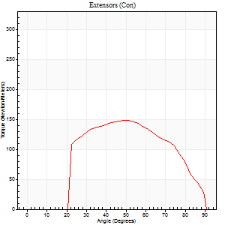
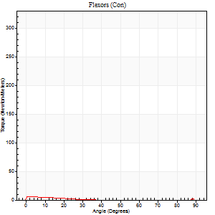
Right Side Curves Left Side Curves
Isokinetic Con/Con |  |  |  | Extensors (Con) |  | Flexors (Con)
Speed 240/240 d/s 3 Reps |  |  |  | Value | Cof Var | %BW | Value | Cof Var | %BW | Ratio

TORQUE PARAMETERS
Peak Torque (Newton-Meters - Best Repetition)
Right |  |  |  | 0 | 0 | 0 | 0 | 0 | 0 | 0
Left |  |  |  | 148 | 0.13 | 212 | 7 | 0.11 | 9 | 5
Deficit |  |  |  | 0 |  |  | 0
Work per Repetition (Newton-Meters - Best Repetition)
Right |  |  |  | 0 | 0 | 0 | 0 | 0 | 0 | 0
Left |  |  |  | 140 | 0.17 | 200 | 1 | 0.2 | 3 | 1
Deficit |  |  |  | 0 |  |  | 0
Average Power per Repetition (Watts - Best Repetition)
Right |  |  |  | 0 | 0 | 0 | 0 | 0 | 0 | 0
Left |  |  |  | 241 | 0.18 | 343 | 2 | 0.32 | 2 | 1
Deficit |  |  |  | 0 |  |  | 0
POSITION PARAMETERS
Joint Angle at Peak Torque (Degrees)
Right |  |  |  | 0 | 0 |  | 0 | 0
Left |  |  |  | 52 | 0.06 |  | 2 | 0.67
Range of Motion (Degrees)
Right |  |  |  | 0 | 0 |  | 0 | 0
Left |  |  |  | 0 | -1.41 |  | 90 | 0
TIME PARAMETERS
Time to Peak Torque (Seconds)
Right |  |  |  | 0 | 0 |  | 0 | 0
Left |  |  |  | 0.23 | 0.12 |  | 0.12 | 0.52
Time Peak Torque Held (Seconds)
Right |  |  |  | 0 | 0 |  | 0 | 0
Left |  |  |  | 0.01 | 0 |  | 0.03 | 1.42
Force Decay Time (Seconds)
Right |  |  |  | 0 | 0 |  | 0 | 0
Left |  |  |  | 0.32 | 0.05 |  | 1.21 | 0.22
Reciprocal Delay (Seconds)
Right |  |  |  | 0 | 0 |  | 0 | 0
Left |  |  |  | 0.5 | 0.17 |  | 0.57 | 0.11
Delay Time (Seconds)
Right |  |  |  | 0 | 0 |  | 0 | 0
Left |  |  |  | -0.02 | -0.71 |  | -0.07 | -0.29
HUMAC2015® Version: 15.000.0074 © Computer Sports Medicine, Inc. www.csmisolutions.com

Use File, Preference to set Report Heading
Isometric - Knee Extension/Flexion
Name: |  |  |  | TR024_116, | ID: | TR024_116 | Right/Left: | 13.11.2020 13.11.2020

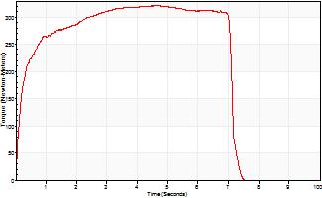
Isometric Extensors (Con) Angle 60 Time 10 Repetition 1 (Best Repetition)
 | Value | Cof Var | %BW
Peak Torque (Newton-Meters)
Right | 0 | 0 | 0
Left | 323 | 0 | 462
Deficit | 0
Average Torque (Newton-Meters)
Right | 0 | 0 | 0
Left | 209 | 0 | 298
Deficit | 0
Peak Torque Slope (Newton-Meters/Seconds)
Right | 0 | 0 | 0
Left | 72 | 0 | 103 |  | Right Side Curves Left Side Curves
Deficit | 0
Time to Half Peak Torque (Seconds)
Right | 0 | 0
Left | 0.2 | 0
Time to Peak Torque (Seconds)
Right | 0 | 0
Left | 4.47 | 0
HUMAC2015® Version: 15.000.0074 © Computer Sports Medicine, Inc. www.csmisolutions.com

Ark9
Use File, Preference to set Report Heading
Long Form Torque vs. Position Report - Knee Extension/Flexion
Name: |  |  |  | TR024_116, | ID: | TR024_116 | Right/Left: | 13.11.2020 13.11.2020
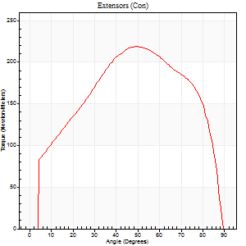
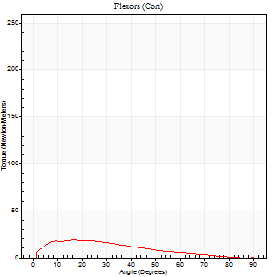
Right Side Curves Left Side Curves
Isokinetic Con/Con |  |  |  | Extensors (Con) |  | Flexors (Con)
Speed 60/60 d/s 3 Reps |  |  |  | Value | Cof Var | %BW | Value | Cof Var | %BW | Ratio

TORQUE PARAMETERS
Peak Torque (Newton-Meters - Best Repetition)
Right |  |  |  | 0 | 0 | 0 | 0 | 0 | 0 | 0
Left |  |  |  | 218 | 0.07 | 313 | 19 | 0.23 | 27 | 9
Deficit |  |  |  | 0 |  |  | 0
Work per Repetition (Newton-Meters - Best Repetition)
Right |  |  |  | 0 | 0 | 0 | 0 | 0 | 0 | 0
Left |  |  |  | 243 | 0.04 | 346 | 15 | 0.45 | 21 | 6
Deficit |  |  |  | 0 |  |  | 0
Average Power per Repetition (Watts - Best Repetition)
Right |  |  |  | 0 | 0 | 0 | 0 | 0 | 0 | 0
Left |  |  |  | 156 | 0.04 | 222 | 9 | 0.47 | 13 | 6
Deficit |  |  |  | 0 |  |  | 0
POSITION PARAMETERS
Joint Angle at Peak Torque (Degrees)
Right |  |  |  | 0 | 0 |  | 0 | 0
Left |  |  |  | 52 | 0.05 |  | 13 | 0.28
Range of Motion (Degrees)
Right |  |  |  | 0 | 0 |  | 0 | 0
Left |  |  |  | 0 | -1.41 |  | 90 | 0
TIME PARAMETERS
Time to Peak Torque (Seconds)
Right |  |  |  | 0 | 0 |  | 0 | 0
Left |  |  |  | 0.67 | 0.02 |  | 0.23 | 0.27
Time Peak Torque Held (Seconds)
Right |  |  |  | 0 | 0 |  | 0 | 0
Left |  |  |  | 0.08 | 0.2 |  | 0.06 | 0.24
Force Decay Time (Seconds)
Right |  |  |  | 0 | 0 |  | 0 | 0
Left |  |  |  | 0.83 | 0.03 |  | 1.32 | 0.06
Reciprocal Delay (Seconds)
Right |  |  |  | 0 | 0 |  | 0 | 0
Left |  |  |  | 0.62 | 0.09 |  | 0.23 | 0.29
Delay Time (Seconds)
Right |  |  |  | 0 | 0 |  | 0 | 0
Left |  |  |  | 0 | 1.41 |  | 0.02 | 0.65
HUMAC2015® Version: 15.000.0074 © Computer Sports Medicine, Inc. www.csmisolutions.com

Use File, Preference to set Report Heading
Long Form Torque vs. Position Report - Knee Extension/Flexion
Name: |  |  |  | TR024_116, | ID: | TR024_116 | Right/Left: | 13.11.2020 13.11.2020
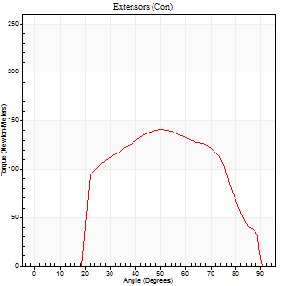
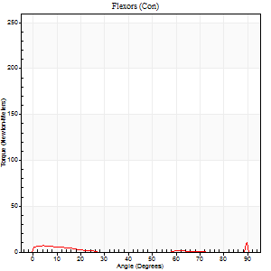
Right Side Curves Left Side Curves
Isokinetic Con/Con |  |  |  | Extensors (Con) |  | Flexors (Con)
Speed 240/240 d/s 3 Reps |  |  |  | Value | Cof Var | %BW | Value | Cof Var | %BW | Ratio

TORQUE PARAMETERS
Peak Torque (Newton-Meters - Best Repetition)
Right |  |  |  | 0 | 0 | 0 | 0 | 0 | 0 | 0
Left |  |  |  | 141 | 0.02 | 203 | 23 | 0.92 | 33 | 16
Deficit |  |  |  | 0 |  |  | 0
Work per Repetition (Newton-Meters - Best Repetition)
Right |  |  |  | 0 | 0 | 0 | 0 | 0 | 0 | 0
Left |  |  |  | 134 | 0.01 | 191 | 3 | 0.18 | 3 | 2
Deficit |  |  |  | 0 |  |  | 0
Average Power per Repetition (Watts - Best Repetition)
Right |  |  |  | 0 | 0 | 0 | 0 | 0 | 0 | 0
Left |  |  |  | 245 | 0.03 | 349 | 2 | 0.22 | 2 | 1
Deficit |  |  |  | 0 |  |  | 0
POSITION PARAMETERS
Joint Angle at Peak Torque (Degrees)
Right |  |  |  | 0 | 0 |  | 0 | 0
Left |  |  |  | 50 | 0.04 |  | 32 | 1.57
Range of Motion (Degrees)
Right |  |  |  | 0 | 0 |  | 0 | 0
Left |  |  |  | 0 | -0.47 |  | 90 | 0
TIME PARAMETERS
Time to Peak Torque (Seconds)
Right |  |  |  | 0 | 0 |  | 0 | 0
Left |  |  |  | 0.22 | 0 |  | 0.6 | 1.24
Time Peak Torque Held (Seconds)
Right |  |  |  | 0 | 0 |  | 0 | 0
Left |  |  |  | 0.01 | 0 |  | 0 | 0
Force Decay Time (Seconds)
Right |  |  |  | 0 | 0 |  | 0 | 0
Left |  |  |  | 0.31 | 0.03 |  | 0.82 | 1.1
Reciprocal Delay (Seconds)
Right |  |  |  | 0 | 0 |  | 0 | 0
Left |  |  |  | 0.32 | 0.62 |  | 0.52 | 0.15
Delay Time (Seconds)
Right |  |  |  | 0 | 0 |  | 0 | 0
Left |  |  |  | 0 | -1.41 |  | -0.06 | -0.24
HUMAC2015® Version: 15.000.0074 © Computer Sports Medicine, Inc. www.csmisolutions.com

Use File, Preference to set Report Heading
Isometric - Knee Extension/Flexion
Name: |  |  |  | TR024_116, | ID: | TR024_116 | Right/Left: | 13.11.2020 13.11.2020

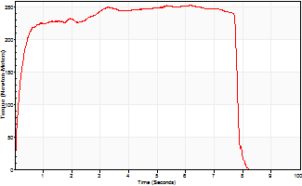
Isometric Extensors (Con) Angle 60 Time 10 Repetition 1 (Best Repetition)
 | Value | Cof Var | %BW
Peak Torque (Newton-Meters)
Right | 0 | 0 | 0
Left | 254 | 0 | 361
Deficit | 0
Average Torque (Newton-Meters)
Right | 0 | 0 | 0
Left | 184 | 0 | 262
Deficit | 0
Peak Torque Slope (Newton-Meters/Seconds)
Right | 0 | 0 | 0
Left | 41 | 0 | 59 |  | Right Side Curves Left Side Curves
Deficit | 0
Time to Half Peak Torque (Seconds)
Right | 0 | 0
Left | 0.17 | 0
Time to Peak Torque (Seconds)
Right | 0 | 0
Left | 6.16 | 0
HUMAC2015® Version: 15.000.0074 © Computer Sports Medicine, Inc. www.csmisolutions.com

Ark10
Use File, Preference to set Report Heading
Long Form Torque vs. Position Report - Knee Extension/Flexion
Name: |  |  |  | TR024_116, | ID: | TR024_116 | Right/Left: | 13.11.2020 13.11.2020
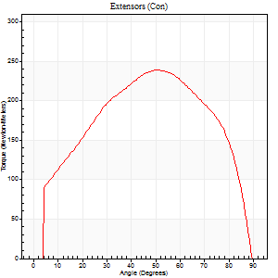
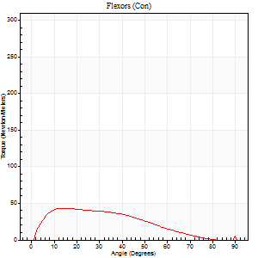
Right Side Curves Left Side Curves
Isokinetic Con/Con |  |  |  | Extensors (Con) |  | Flexors (Con)
Speed 60/60 d/s 3 Reps |  |  |  | Value | Cof Var | %BW | Value | Cof Var | %BW | Ratio

TORQUE PARAMETERS
Peak Torque (Newton-Meters - Best Repetition)
Right |  |  |  | 0 | 0 | 0 | 0 | 0 | 0 | 0
Left |  |  |  | 239 | 0.05 | 340 | 43 | 0.39 | 63 | 18
Deficit |  |  |  | 0 |  |  | 0
Work per Repetition (Newton-Meters - Best Repetition)
Right |  |  |  | 0 | 0 | 0 | 0 | 0 | 0 | 0
Left |  |  |  | 264 | 0.04 | 378 | 37 | 0.46 | 54 | 14
Deficit |  |  |  | 0 |  |  | 0
Average Power per Repetition (Watts - Best Repetition)
Right |  |  |  | 0 | 0 | 0 | 0 | 0 | 0 | 0
Left |  |  |  | 170 | 0.05 | 242 | 22 | 0.44 | 31 | 13
Deficit |  |  |  | 0 |  |  | 0
POSITION PARAMETERS
Joint Angle at Peak Torque (Degrees)
Right |  |  |  | 0 | 0 |  | 0 | 0
Left |  |  |  | 51 | 0.01 |  | 15 | 0.09
Range of Motion (Degrees)
Right |  |  |  | 0 | 0 |  | 0 | 0
Left |  |  |  | 0 | 1.41 |  | 90 | 0
TIME PARAMETERS
Time to Peak Torque (Seconds)
Right |  |  |  | 0 | 0 |  | 0 | 0
Left |  |  |  | 0.63 | 0.01 |  | 0.27 | 0.09
Time Peak Torque Held (Seconds)
Right |  |  |  | 0 | 0 |  | 0 | 0
Left |  |  |  | 0.04 | 0.13 |  | 0.02 | 0.35
Force Decay Time (Seconds)
Right |  |  |  | 0 | 0 |  | 0 | 0
Left |  |  |  | 0.86 | 0.02 |  | 1.29 | 0.03
Reciprocal Delay (Seconds)
Right |  |  |  | 0 | 0 |  | 0 | 0
Left |  |  |  | 0.38 | 0.09 |  | 0.23 | 0.22
Delay Time (Seconds)
Right |  |  |  | 0 | 0 |  | 0 | 0
Left |  |  |  | 0.01 | 0.47 |  | 0.01 | 1.56
HUMAC2015® Version: 15.000.0074 © Computer Sports Medicine, Inc. www.csmisolutions.com

Use File, Preference to set Report Heading
Long Form Torque vs. Position Report - Knee Extension/Flexion
Name: |  |  |  | TR024_116, | ID: | TR024_116 | Right/Left: | 13.11.2020 13.11.2020
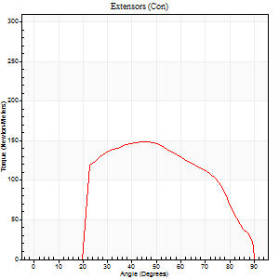
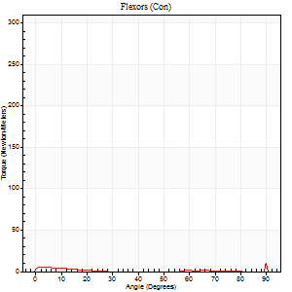
Right Side Curves Left Side Curves
Isokinetic Con/Con |  |  |  | Extensors (Con) |  | Flexors (Con)
Speed 240/240 d/s 3 Reps |  |  |  | Value | Cof Var | %BW | Value | Cof Var | %BW | Ratio

TORQUE PARAMETERS
Peak Torque (Newton-Meters - Best Repetition)
Right |  |  |  | 0 | 0 | 0 | 0 | 0 | 0 | 0
Left |  |  |  | 148 | 0.04 | 212 | 23 | 1.03 | 33 | 16
Deficit |  |  |  | 0 |  |  | 0
Work per Repetition (Newton-Meters - Best Repetition)
Right |  |  |  | 0 | 0 | 0 | 0 | 0 | 0 | 0
Left |  |  |  | 141 | 0.04 | 203 | 3 | 0.8 | 3 | 2
Deficit |  |  |  | 0 |  |  | 0
Average Power per Repetition (Watts - Best Repetition)
Right |  |  |  | 0 | 0 | 0 | 0 | 0 | 0 | 0
Left |  |  |  | 260 | 0.07 | 371 | 1 | 0.46 | 2 | 0
Deficit |  |  |  | 0 |  |  | 0
POSITION PARAMETERS
Joint Angle at Peak Torque (Degrees)
Right |  |  |  | 0 | 0 |  | 0 | 0
Left |  |  |  | 47 | 0.08 |  | 31 | 1.68
Range of Motion (Degrees)
Right |  |  |  | 0 | 0 |  | 0 | 0
Left |  |  |  | 0 | -4.24 |  | 90 | 0
TIME PARAMETERS
Time to Peak Torque (Seconds)
Right |  |  |  | 0 | 0 |  | 0 | 0
Left |  |  |  | 0.23 | 0.03 |  | 0.29 | 1.14
Time Peak Torque Held (Seconds)
Right |  |  |  | 0 | 0 |  | 0 | 0
Left |  |  |  | 0.01 | 0 |  | 0 | 0
Force Decay Time (Seconds)
Right |  |  |  | 0 | 0 |  | 0 | 0
Left |  |  |  | 0.29 | 0.08 |  | 1.13 | 0.94
Reciprocal Delay (Seconds)
Right |  |  |  | 0 | 0 |  | 0 | 0
Left |  |  |  | 0.29 | 0.34 |  | 0.44 | 0.09
Delay Time (Seconds)
Right |  |  |  | 0 | 0 |  | 0 | 0
Left |  |  |  | 0 | -1.41 |  | 0.21 | 2.3
HUMAC2015® Version: 15.000.0074 © Computer Sports Medicine, Inc. www.csmisolutions.com

Use File, Preference to set Report Heading
Isometric - Knee Extension/Flexion
Name: |  |  |  | TR024_116, | ID: | TR024_116 | Right/Left: | 13.11.2020 13.11.2020

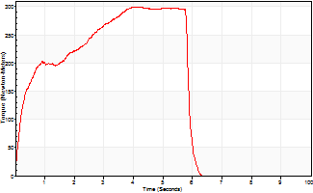
Isometric Extensors (Con) Angle 60 Time 10 Repetition 1 (Best Repetition)
 | Value | Cof Var | %BW
Peak Torque (Newton-Meters)
Right | 0 | 0 | 0
Left | 300 | 0 | 429
Deficit | 0
Average Torque (Newton-Meters)
Right | 0 | 0 | 0
Left | 144 | 0 | 206
Deficit | 0
Peak Torque Slope (Newton-Meters/Seconds)
Right | 0 | 0 | 0
Left | 73 | 0 | 104 |  | Right Side Curves Left Side Curves
Deficit | 0
Time to Half Peak Torque (Seconds)
Right | 0 | 0
Left | 0.37 | 0
Time to Peak Torque (Seconds)
Right | 0 | 0
Left | 4.11 | 0
HUMAC2015® Version: 15.000.0074 © Computer Sports Medicine, Inc. www.csmisolutions.com

Ark11
Use File, Preference to set Report Heading
Long Form Torque vs. Position Report - Knee Extension/Flexion
Name: |  |  |  | TR024_116, | ID: | TR024_116 | Right/Left: | 14.11.2020 14.11.2020
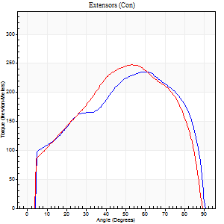

Right Side Curves Left Side Curves
Isokinetic Con/Con |  |  |  | Extensors (Con) |  | Flexors (Con)
Speed 60/60 d/s 3 Reps |  |  |  | Value | Cof Var | %BW | Value | Cof Var | %BW | Ratio

TORQUE PARAMETERS
Peak Torque (Newton-Meters - Best Repetition)
Right |  |  |  | 236 | 0.02 | 337 | 19 | 0.13 | 27 | 8
Left |  |  |  | 247 | 0.02 | 352 | 30 | 0.17 | 42 | 12
Deficit |  |  |  | 4 |  |  | 36
Work per Repetition (Newton-Meters - Best Repetition)
Right |  |  |  | 262 | 0.02 | 373 | 12 | 0.14 | 18 | 5
Left |  |  |  | 264 | 0.05 | 378 | 20 | 0.24 | 30 | 8
Deficit |  |  |  | 1 |  |  | 40
Average Power per Repetition (Watts - Best Repetition)
Right |  |  |  | 163 | 0.01 | 233 | 8 | 0.2 | 11 | 5
Left |  |  |  | 171 | 0.05 | 244 | 12 | 0.21 | 18 | 7
Deficit |  |  |  | 5 |  |  | 33
POSITION PARAMETERS
Joint Angle at Peak Torque (Degrees)
Right |  |  |  | 54 | 0.1 |  | 10 | 0.14
Left |  |  |  | 56 | 0.06 |  | 12 | 0.07
Range of Motion (Degrees)
Right |  |  |  | 0 | 0 |  | 90 | 0
Left |  |  |  | 0 | 0 |  | 90 | 0
TIME PARAMETERS
Time to Peak Torque (Seconds)
Right |  |  |  | 0.64 | 0.02 |  | 0.14 | 0.22
Left |  |  |  | 0.6 | 0.04 |  | 0.2 | 0.08
Time Peak Torque Held (Seconds)
Right |  |  |  | 0.05 | 0.29 |  | 0.02 | 0.92
Left |  |  |  | 0.05 | 0.29 |  | 0.02 | 0.92
Force Decay Time (Seconds)
Right |  |  |  | 0.9 | 0.11 |  | 1.48 | 0.12
Left |  |  |  | 0.92 | 0.06 |  | 1.36 | 0.08
Reciprocal Delay (Seconds)
Right |  |  |  | 0.32 | 0.2 |  | 0.15 | 0.29
Left |  |  |  | 0.14 | 0.3 |  | 0.19 | 0.13
Delay Time (Seconds)
Right |  |  |  | 0.03 | 0 |  | 0.11 | 0.29
Left |  |  |  | 0.01 | 0.47 |  | 0.03 | 0.33
HUMAC2015® Version: 15.000.0074 © Computer Sports Medicine, Inc. www.csmisolutions.com

Use File, Preference to set Report Heading
Long Form Torque vs. Position Report - Knee Extension/Flexion
Name: |  |  |  | TR024_116, | ID: | TR024_116 | Right/Left: | 14.11.2020 14.11.2020


Right Side Curves Left Side Curves
Isokinetic Con/Con |  |  |  | Extensors (Con) |  | Flexors (Con)
Speed 240/240 d/s 3 Reps |  |  |  | Value | Cof Var | %BW | Value | Cof Var | %BW | Ratio

TORQUE PARAMETERS
Peak Torque (Newton-Meters - Best Repetition)
Right |  |  |  | 136 | 0.02 | 194 | 11 | 0.37 | 15 | 8
Left |  |  |  | 152 | 0.03 | 218 | 7 | 0.29 | 9 | 4
Deficit |  |  |  | 11 |  |  | 38
Work per Repetition (Newton-Meters - Best Repetition)
Right |  |  |  | 127 | 0.02 | 182 | 3 | 0.48 | 3 | 2
Left |  |  |  | 146 | 0.02 | 209 | 1 | 0.15 | 3 | 1
Deficit |  |  |  | 13 |  |  | 50
Average Power per Repetition (Watts - Best Repetition)
Right |  |  |  | 246 | 0.06 | 352 | 2 | 0.37 | 2 | 1
Left |  |  |  | 276 | 0.04 | 393 | 1 | 0.36 | 2 | 0
Deficit |  |  |  | 11 |  |  | 50
POSITION PARAMETERS
Joint Angle at Peak Torque (Degrees)
Right |  |  |  | 54 | 0.11 |  | 58 | 0.79
Left |  |  |  | 48 | 0.03 |  | 4 | 0.75
Range of Motion (Degrees)
Right |  |  |  | 0 | 0 |  | 90 | 0
Left |  |  |  | 0 | 0 |  | 90 | 0
TIME PARAMETERS
Time to Peak Torque (Seconds)
Right |  |  |  | 0.2 | 0 |  | 1.22 | 0.75
Left |  |  |  | 0.22 | 0.03 |  | 0.24 | 0.88
Time Peak Torque Held (Seconds)
Right |  |  |  | 0.01 | 0 |  | 0 | 1.73
Left |  |  |  | 0.01 | 0.43 |  | 0.02 | 1.32
Force Decay Time (Seconds)
Right |  |  |  | 0.32 | 0.12 |  | 0.47 | 1.2
Left |  |  |  | 0.29 | 0.02 |  | 1.41 | 0.36
Reciprocal Delay (Seconds)
Right |  |  |  | 0.24 | 0.06 |  | 0.28 | 0.45
Left |  |  |  | 0.41 | 0.02 |  | 0.46 | 0.18
Delay Time (Seconds)
Right |  |  |  | 0 | 1.41 |  | 0.01 | 4.13
Left |  |  |  | 0.01 | 0 |  | -0.09 | -0.91
HUMAC2015® Version: 15.000.0074 © Computer Sports Medicine, Inc. www.csmisolutions.com

Use File, Preference to set Report Heading
Isometric - Knee Extension/Flexion
Name: |  |  |  | TR024_116, | ID: | TR024_116 | Right/Left: | 14.11.2020 14.11.2020


Isometric Extensors (Con) Angle 60 Time 10 Repetition 1 (Best Repetition)
 | Value | Cof Var | %BW
Peak Torque (Newton-Meters)
Right | 335 | 0 | 477
Left | 335 | 0 | 477
Deficit | 0
Average Torque (Newton-Meters)
Right | 260 | 0 | 373
Left | 235 | 0 | 334
Deficit | 10
Peak Torque Slope (Newton-Meters/Seconds)
Right | 47 | 0 | 66
Left | 69 | 0 | 98 |  | Right Side Curves Left Side Curves
Deficit | 32
Time to Half Peak Torque (Seconds)
Right | 0.21 | 0
Left | 0.16 | 0
Time to Peak Torque (Seconds)
Right | 7.19 | 0
Left | 4.88 | 0
HUMAC2015® Version: 15.000.0074 © Computer Sports Medicine, Inc. www.csmisolutions.com

Ark12
Use File, Preference to set Report Heading
Long Form Torque vs. Position Report - Knee Extension/Flexion
Name: |  |  |  | TR024_116, | ID: | TR024_116 | Right/Left: | 14.11.2020 14.11.2020


Right Side Curves Left Side Curves
Isokinetic Con/Con |  |  |  | Extensors (Con) |  | Flexors (Con)
Speed 60/60 d/s 3 Reps |  |  |  | Value | Cof Var | %BW | Value | Cof Var | %BW | Ratio

TORQUE PARAMETERS
Peak Torque (Newton-Meters - Best Repetition)
Right |  |  |  | 201 | 0.01 | 286 | 22 | 0.37 | 30 | 11
Left |  |  |  | 0 | 0 | 0 | 0 | 0 | 0 | 0
Deficit |  |  |  | 0 |  |  | 0
Work per Repetition (Newton-Meters - Best Repetition)
Right |  |  |  | 235 | 0.01 | 334 | 9 | 0.07 | 15 | 4
Left |  |  |  | 0 | 0 | 0 | 0 | 0 | 0 | 0
Deficit |  |  |  | 0 |  |  | 0
Average Power per Repetition (Watts - Best Repetition)
Right |  |  |  | 151 | 0.02 | 215 | 6 | 0.03 | 9 | 4
Left |  |  |  | 0 | 0 | 0 | 0 | 0 | 0 | 0
Deficit |  |  |  | 0 |  |  | 0
POSITION PARAMETERS
Joint Angle at Peak Torque (Degrees)
Right |  |  |  | 51 | 0.16 |  | 11 | 0.28
Left |  |  |  | 0 | 0 |  | 0 | 0
Range of Motion (Degrees)
Right |  |  |  | 0 | -0.85 |  | 90 | 0
Left |  |  |  | 0 | 0 |  | 0 | 0
TIME PARAMETERS
Time to Peak Torque (Seconds)
Right |  |  |  | 0.71 | 0.17 |  | 0.16 | 0.19
Left |  |  |  | 0 | 0 |  | 0 | 0
Time Peak Torque Held (Seconds)
Right |  |  |  | 0.04 | 0.43 |  | 0.05 | 1.73
Left |  |  |  | 0 | 0 |  | 0 | 0
Force Decay Time (Seconds)
Right |  |  |  | 0.87 | 0.15 |  | 1.33 | 0.12
Left |  |  |  | 0 | 0 |  | 0 | 0
Reciprocal Delay (Seconds)
Right |  |  |  | 0.26 | 0.11 |  | 0.2 | 0.52
Left |  |  |  | 0 | 0 |  | 0 | 0
Delay Time (Seconds)
Right |  |  |  | 0.02 | 0 |  | 0.09 | 0.45
Left |  |  |  | 0 | 0 |  | 0 | 0
HUMAC2015® Version: 15.000.0074 © Computer Sports Medicine, Inc. www.csmisolutions.com

Use File, Preference to set Report Heading
Long Form Torque vs. Position Report - Knee Extension/Flexion
Name: |  |  |  | TR024_116, | ID: | TR024_116 | Right/Left: | 14.11.2020 14.11.2020


Right Side Curves Left Side Curves
Isokinetic Con/Con |  |  |  | Extensors (Con) |  | Flexors (Con)
Speed 240/240 d/s 3 Reps |  |  |  | Value | Cof Var | %BW | Value | Cof Var | %BW | Ratio

TORQUE PARAMETERS
Peak Torque (Newton-Meters - Best Repetition)
Right |  |  |  | 132 | 0.03 | 188 | 30 | 1.26 | 42 | 23
Left |  |  |  | 0 | 0 | 0 | 0 | 0 | 0 | 0
Deficit |  |  |  | 0 |  |  | 0
Work per Repetition (Newton-Meters - Best Repetition)
Right |  |  |  | 126 | 0.03 | 179 | 1 | 0.23 | 3 | 1
Left |  |  |  | 0 | 0 | 0 | 0 | 0 | 0 | 0
Deficit |  |  |  | 0 |  |  | 0
Average Power per Repetition (Watts - Best Repetition)
Right |  |  |  | 235 | 0.04 | 336 | 1 | 0.35 | 2 | 0
Left |  |  |  | 0 | 0 | 0 | 0 | 0 | 0 | 0
Deficit |  |  |  | 0 |  |  | 0
POSITION PARAMETERS
Joint Angle at Peak Torque (Degrees)
Right |  |  |  | 51 | 0.06 |  | 62 | 0.72
Left |  |  |  | 0 | 0 |  | 0 | 0
Range of Motion (Degrees)
Right |  |  |  | 0 | 0 |  | 90 | 0
Left |  |  |  | 0 | 0 |  | 0 | 0
TIME PARAMETERS
Time to Peak Torque (Seconds)
Right |  |  |  | 0.22 | 0 |  | 1.2 | 0.67
Left |  |  |  | 0 | 0 |  | 0 | 0
Time Peak Torque Held (Seconds)
Right |  |  |  | 0.01 | 0 |  | 0 | 1.73
Left |  |  |  | 0 | 0 |  | 0 | 0
Force Decay Time (Seconds)
Right |  |  |  | 0.31 | 0.04 |  | 0.41 | 2
Left |  |  |  | 0 | 0 |  | 0 | 0
Reciprocal Delay (Seconds)
Right |  |  |  | 0.34 | 0.04 |  | 0.25 | 0.12
Left |  |  |  | 0 | 0 |  | 0 | 0
Delay Time (Seconds)
Right |  |  |  | -0.01 | 0 |  | -0.01 | -2.41
Left |  |  |  | 0 | 0 |  | 0 | 0
HUMAC2015® Version: 15.000.0074 © Computer Sports Medicine, Inc. www.csmisolutions.com

Use File, Preference to set Report Heading
Isometric - Knee Extension/Flexion
Name: |  |  |  | TR024_116, | ID: | TR024_116 | Right/Left: | 14.11.2020 14.11.2020


Isometric Extensors (Con) Angle 60 Time 10 Repetition 1 (Best Repetition)
 | Value | Cof Var | %BW
Peak Torque (Newton-Meters)
Right | 298 | 0 | 426
Left | 0 | 0 | 0
Deficit | 0
Average Torque (Newton-Meters)
Right | 231 | 0 | 328
Left | 0 | 0 | 0
Deficit | 0
Peak Torque Slope (Newton-Meters/Seconds)
Right | 34 | 0 | 49
Left | 0 | 0 | 0 |  | Right Side Curves Left Side Curves
Deficit | 0
Time to Half Peak Torque (Seconds)
Right | 0.22 | 0
Left | 0 | 0
Time to Peak Torque (Seconds)
Right | 8.74 | 0
Left | 0 | 0
HUMAC2015® Version: 15.000.0074 © Computer Sports Medicine, Inc. www.csmisolutions.com

Ark13
Use File, Preference to set Report Heading
Long Form Torque vs. Position Report - Knee Extension/Flexion
Name: |  |  |  | TR024_116, | ID: | TR024_116 | Right/Left: | 14.11.2020 14.11.2020


Right Side Curves Left Side Curves
Isokinetic Con/Con |  |  |  | Extensors (Con) |  | Flexors (Con)
Speed 60/60 d/s 3 Reps |  |  |  | Value | Cof Var | %BW | Value | Cof Var | %BW | Ratio

TORQUE PARAMETERS
Peak Torque (Newton-Meters - Best Repetition)
Right |  |  |  | 214 | 0.03 | 307 | 28 | 0.37 | 42 | 13
Left |  |  |  | 0 | 0 | 0 | 0 | 0 | 0 | 0
Deficit |  |  |  | 0 |  |  | 0
Work per Repetition (Newton-Meters - Best Repetition)
Right |  |  |  | 244 | 0.02 | 349 | 15 | 0.34 | 21 | 6
Left |  |  |  | 0 | 0 | 0 | 0 | 0 | 0 | 0
Deficit |  |  |  | 0 |  |  | 0
Average Power per Repetition (Watts - Best Repetition)
Right |  |  |  | 155 | 0.01 | 222 | 10 | 0.33 | 13 | 6
Left |  |  |  | 0 | 0 | 0 | 0 | 0 | 0 | 0
Deficit |  |  |  | 0 |  |  | 0
POSITION PARAMETERS
Joint Angle at Peak Torque (Degrees)
Right |  |  |  | 54 | 0.14 |  | 39 | 1.15
Left |  |  |  | 0 | 0 |  | 0 | 0
Range of Motion (Degrees)
Right |  |  |  | 0 | -0.28 |  | 90 | 0
Left |  |  |  | 0 | 0 |  | 0 | 0
TIME PARAMETERS
Time to Peak Torque (Seconds)
Right |  |  |  | 0.65 | 0.1 |  | 0.71 | 1.24
Left |  |  |  | 0 | 0 |  | 0 | 0
Time Peak Torque Held (Seconds)
Right |  |  |  | 0.07 | 0.38 |  | 0.01 | 1.73
Left |  |  |  | 0 | 0 |  | 0 | 0
Force Decay Time (Seconds)
Right |  |  |  | 0.88 | 0.1 |  | 0.85 | 1.02
Left |  |  |  | 0 | 0 |  | 0 | 0
Reciprocal Delay (Seconds)
Right |  |  |  | 0.35 | 0.16 |  | 0.23 | 0.13
Left |  |  |  | 0 | 0 |  | 0 | 0
Delay Time (Seconds)
Right |  |  |  | 0.02 | 0.28 |  | 0.05 | 0.11
Left |  |  |  | 0 | 0 |  | 0 | 0
HUMAC2015® Version: 15.000.0074 © Computer Sports Medicine, Inc. www.csmisolutions.com

Use File, Preference to set Report Heading
Long Form Torque vs. Position Report - Knee Extension/Flexion
Name: |  |  |  | TR024_116, | ID: | TR024_116 | Right/Left: | 14.11.2020 14.11.2020


Right Side Curves Left Side Curves
Isokinetic Con/Con |  |  |  | Extensors (Con) |  | Flexors (Con)
Speed 240/240 d/s 3 Reps |  |  |  | Value | Cof Var | %BW | Value | Cof Var | %BW | Ratio

TORQUE PARAMETERS
Peak Torque (Newton-Meters - Best Repetition)
Right |  |  |  | 140 | 0.01 | 200 | 7 | 0.25 | 9 | 5
Left |  |  |  | 0 | 0 | 0 | 0 | 0 | 0 | 0
Deficit |  |  |  | 0 |  |  | 0
Work per Repetition (Newton-Meters - Best Repetition)
Right |  |  |  | 136 | 0.02 | 194 | 1 | 0.23 | 3 | 1
Left |  |  |  | 0 | 0 | 0 | 0 | 0 | 0 | 0
Deficit |  |  |  | 0 |  |  | 0
Average Power per Repetition (Watts - Best Repetition)
Right |  |  |  | 250 | 0.03 | 356 | 1 | 0.18 | 2 | 0
Left |  |  |  | 0 | 0 | 0 | 0 | 0 | 0 | 0
Deficit |  |  |  | 0 |  |  | 0
POSITION PARAMETERS
Joint Angle at Peak Torque (Degrees)
Right |  |  |  | 55 | 0.2 |  | 31 | 1.59
Left |  |  |  | 0 | 0 |  | 0 | 0
Range of Motion (Degrees)
Right |  |  |  | 0 | -1.41 |  | 90 | 0
Left |  |  |  | 0 | 0 |  | 0 | 0
TIME PARAMETERS
Time to Peak Torque (Seconds)
Right |  |  |  | 0.21 | 0.07 |  | 0.78 | 1.36
Left |  |  |  | 0 | 0 |  | 0 | 0
Time Peak Torque Held (Seconds)
Right |  |  |  | 0.01 | 0.43 |  | 0 | 1.73
Left |  |  |  | 0 | 0 |  | 0 | 0
Force Decay Time (Seconds)
Right |  |  |  | 0.32 | 0.14 |  | 1.03 | 0.77
Left |  |  |  | 0 | 0 |  | 0 | 0
Reciprocal Delay (Seconds)
Right |  |  |  | 0.37 | 0.56 |  | 0.41 | 0.02
Left |  |  |  | 0 | 0 |  | 0 | 0
Delay Time (Seconds)
Right |  |  |  | 0.01 | 1.41 |  | -0.07 | -0.14
Left |  |  |  | 0 | 0 |  | 0 | 0
HUMAC2015® Version: 15.000.0074 © Computer Sports Medicine, Inc. www.csmisolutions.com

Use File, Preference to set Report Heading
Isometric - Knee Extension/Flexion
Name: |  |  |  | TR024_116, | ID: | TR024_116 | Right/Left: | 14.11.2020 14.11.2020


Isometric Extensors (Con) Angle 60 Time 10 Repetition 1 (Best Repetition)
 | Value | Cof Var | %BW
Peak Torque (Newton-Meters)
Right | 315 | 0 | 450
Left | 0 | 0 | 0
Deficit | 0
Average Torque (Newton-Meters)
Right | 195 | 0 | 280
Left | 0 | 0 | 0
Deficit | 0
Peak Torque Slope (Newton-Meters/Seconds)
Right | 43 | 0 | 61
Left | 0 | 0 | 0 |  | Right Side Curves Left Side Curves
Deficit | 0
Time to Half Peak Torque (Seconds)
Right | 0.22 | 0
Left | 0 | 0
Time to Peak Torque (Seconds)
Right | 7.29 | 0
Left | 0 | 0
HUMAC2015® Version: 15.000.0074 © Computer Sports Medicine, Inc. www.csmisolutions.com

Ark14
Use File, Preference to set Report Heading
Long Form Torque vs. Position Report - Knee Extension/Flexion
Name: |  |  |  | TR024_116, | ID: | TR024_116 | Right/Left: | 15.11.2020 15.11.2020


Right Side Curves Left Side Curves
Isokinetic Con/Con |  |  |  | Extensors (Con) |  | Flexors (Con)
Speed 60/60 d/s 3 Reps |  |  |  | Value | Cof Var | %BW | Value | Cof Var | %BW | Ratio

TORQUE PARAMETERS
Peak Torque (Newton-Meters - Best Repetition)
Right |  |  |  | 186 | 0.05 | 265 | 24 | 0.07 | 36 | 13
Left |  |  |  | 0 | 0 | 0 | 0 | 0 | 0 | 0
Deficit |  |  |  | 0 |  |  | 0
Work per Repetition (Newton-Meters - Best Repetition)
Right |  |  |  | 213 | 0.09 | 304 | 16 | 0.03 | 24 | 8
Left |  |  |  | 0 | 0 | 0 | 0 | 0 | 0 | 0
Deficit |  |  |  | 0 |  |  | 0
Average Power per Repetition (Watts - Best Repetition)
Right |  |  |  | 137 | 0.09 | 196 | 11 | 0.03 | 15 | 8
Left |  |  |  | 0 | 0 | 0 | 0 | 0 | 0 | 0
Deficit |  |  |  | 0 |  |  | 0
POSITION PARAMETERS
Joint Angle at Peak Torque (Degrees)
Right |  |  |  | 59 | 0.2 |  | 15 | 0.12
Left |  |  |  | 0 | 0 |  | 0 | 0
Range of Motion (Degrees)
Right |  |  |  | 0 | 0 |  | 90 | 0
Left |  |  |  | 0 | 0 |  | 0 | 0
TIME PARAMETERS
Time to Peak Torque (Seconds)
Right |  |  |  | 0.63 | 0.06 |  | 0.23 | 0.16
Left |  |  |  | 0 | 0 |  | 0 | 0
Time Peak Torque Held (Seconds)
Right |  |  |  | 0.05 | 0.22 |  | 0 | 1.73
Left |  |  |  | 0 | 0 |  | 0 | 0
Force Decay Time (Seconds)
Right |  |  |  | 0.97 | 0.17 |  | 1.27 | 0.03
Left |  |  |  | 0 | 0 |  | 0 | 0
Reciprocal Delay (Seconds)
Right |  |  |  | 0.3 | 0.12 |  | 0.24 | 0.15
Left |  |  |  | 0 | 0 |  | 0 | 0
Delay Time (Seconds)
Right |  |  |  | 0.02 | 0 |  | 0.07 | 0.29
Left |  |  |  | 0 | 0 |  | 0 | 0
HUMAC2015® Version: 15.000.0074 © Computer Sports Medicine, Inc. www.csmisolutions.com

Use File, Preference to set Report Heading
Long Form Torque vs. Position Report - Knee Extension/Flexion
Name: |  |  |  | TR024_116, | ID: | TR024_116 | Right/Left: | 15.11.2020 15.11.2020


Right Side Curves Left Side Curves
Isokinetic Con/Con |  |  |  | Extensors (Con) |  | Flexors (Con)
Speed 240/240 d/s 3 Reps |  |  |  | Value | Cof Var | %BW | Value | Cof Var | %BW | Ratio

TORQUE PARAMETERS
Peak Torque (Newton-Meters - Best Repetition)
Right |  |  |  | 138 | 0.08 | 197 | 22 | 0.92 | 30 | 16
Left |  |  |  | 0 | 0 | 0 | 0 | 0 | 0 | 0
Deficit |  |  |  | 0 |  |  | 0
Work per Repetition (Newton-Meters - Best Repetition)
Right |  |  |  | 142 | 0.14 | 203 | 1 | 0.06 | 3 | 1
Left |  |  |  | 0 | 0 | 0 | 0 | 0 | 0 | 0
Deficit |  |  |  | 0 |  |  | 0
Average Power per Repetition (Watts - Best Repetition)
Right |  |  |  | 249 | 0.13 | 356 | 1 | 0.18 | 2 | 0
Left |  |  |  | 0 | 0 | 0 | 0 | 0 | 0 | 0
Deficit |  |  |  | 0 |  |  | 0
POSITION PARAMETERS
Joint Angle at Peak Torque (Degrees)
Right |  |  |  | 61 | 0.15 |  | 32 | 1.62
Left |  |  |  | 0 | 0 |  | 0 | 0
Range of Motion (Degrees)
Right |  |  |  | 0 | -1.41 |  | 90 | 0
Left |  |  |  | 0 | 0 |  | 0 | 0
TIME PARAMETERS
Time to Peak Torque (Seconds)
Right |  |  |  | 0.18 | 0.16 |  | 0.59 | 1.34
Left |  |  |  | 0 | 0 |  | 0 | 0
Time Peak Torque Held (Seconds)
Right |  |  |  | 0.03 | 0.96 |  | 0 | 1.73
Left |  |  |  | 0 | 0 |  | 0 | 0
Force Decay Time (Seconds)
Right |  |  |  | 0.33 | 0.05 |  | 0.77 | 1.04
Left |  |  |  | 0 | 0 |  | 0 | 0
Reciprocal Delay (Seconds)
Right |  |  |  | 0.47 | 0.23 |  | 0.53 | 0.46
Left |  |  |  | 0 | 0 |  | 0 | 0
Delay Time (Seconds)
Right |  |  |  | 0 | -1.41 |  | -0.06 | -0.36
Left |  |  |  | 0 | 0 |  | 0 | 0
HUMAC2015® Version: 15.000.0074 © Computer Sports Medicine, Inc. www.csmisolutions.com

Use File, Preference to set Report Heading
Isometric - Knee Extension/Flexion
Name: |  |  |  | TR024_116, | ID: | TR024_116 | Right/Left: | 15.11.2020 15.11.2020


Isometric Extensors (Con) Angle 60 Time 10 Repetition 1 (Best Repetition)
 | Value | Cof Var | %BW
Peak Torque (Newton-Meters)
Right | 275 | 0 | 393
Left | 0 | 0 | 0
Deficit | 0
Average Torque (Newton-Meters)
Right | 156 | 0 | 224
Left | 0 | 0 | 0
Deficit | 0
Peak Torque Slope (Newton-Meters/Seconds)
Right | 39 | 0 | 55
Left | 0 | 0 | 0 |  | Right Side Curves Left Side Curves
Deficit | 0
Time to Half Peak Torque (Seconds)
Right | 0.87 | 0
Left | 0 | 0
Time to Peak Torque (Seconds)
Right | 7.1 | 0
Left | 0 | 0
HUMAC2015® Version: 15.000.0074 © Computer Sports Medicine, Inc. www.csmisolutions.com

