Ark1
Use File, Preference to set Report Heading
Long Form Torque vs. Position Report - Knee Extension/Flexion
Name: |  |  |  | TR024_111, | ID: | TR024_111 | Right/Left: | 28.09.2020 28.09.2020
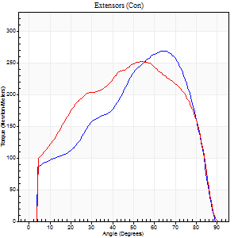
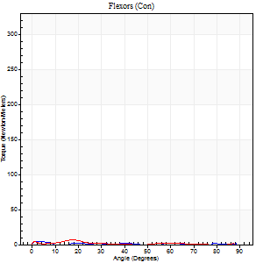
Right Side Curves Left Side Curves
Isokinetic Con/Con |  |  |  | Extensors (Con) |  | Flexors (Con)
Speed 60/60 d/s 3 Reps |  |  |  | Value | Cof Var | %BW | Value | Cof Var | %BW | Ratio

TORQUE PARAMETERS
Peak Torque (Newton-Meters - Best Repetition)
Right |  |  |  | 268 | 0.06 | 334 | 4 | 0.08 | 6 | 2
Left |  |  |  | 251 | 0.05 | 313 | 7 | 0.29 | 9 | 3
Deficit |  |  |  | 7 |  |  | 40
Work per Repetition (Newton-Meters - Best Repetition)
Right |  |  |  | 271 | 0.03 | 340 | 1 | 0.16 | 3 | 0
Left |  |  |  | 279 | 0.03 | 349 | 3 | 0.19 | 3 | 1
Deficit |  |  |  | 3 |  |  | 50
Average Power per Repetition (Watts - Best Repetition)
Right |  |  |  | 173 | 0.03 | 215 | 1 | 0.13 | 2 | 1
Left |  |  |  | 175 | 0.04 | 218 | 1 | 0.2 | 2 | 1
Deficit |  |  |  | 1 |  |  | 0
POSITION PARAMETERS
Joint Angle at Peak Torque (Degrees)
Right |  |  |  | 62 | 0.04 |  | 2 | 0.76
Left |  |  |  | 49 | 0.09 |  | 8 | 1.16
Range of Motion (Degrees)
Right |  |  |  | 0 | -0.28 |  | 90 | 0
Left |  |  |  | 0 | 0 |  | 90 | 0
TIME PARAMETERS
Time to Peak Torque (Seconds)
Right |  |  |  | 0.5 | 0.04 |  | 0.11 | 0.33
Left |  |  |  | 0.7 | 0.14 |  | 0.33 | 0.52
Time Peak Torque Held (Seconds)
Right |  |  |  | 0.06 | 0.2 |  | 0.02 | 1.73
Left |  |  |  | 0.04 | 0.27 |  | 0 | 0
Force Decay Time (Seconds)
Right |  |  |  | 1.03 | 0.05 |  | 2.77 | 0.23
Left |  |  |  | 0.84 | 0.07 |  | 1.67 | 0.13
Reciprocal Delay (Seconds)
Right |  |  |  | 0.2 | 0.38 |  | 0.9 | 0.03
Left |  |  |  | 0.26 | 0.16 |  | 1.03 | 0.03
Delay Time (Seconds)
Right |  |  |  | 0.01 | 0.47 |  | -0.04 | -0.57
Left |  |  |  | -0.02 | 0 |  | -0.09 | -1.08
HUMAC2015® Version: 15.000.0074 © Computer Sports Medicine, Inc. www.csmisolutions.com

Use File, Preference to set Report Heading
Long Form Torque vs. Position Report - Knee Extension/Flexion
Name: |  |  |  | TR024_111, | ID: | TR024_111 | Right/Left: | 28.09.2020 28.09.2020
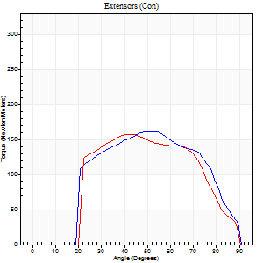
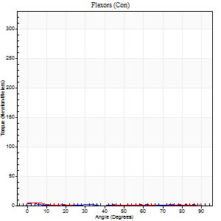
Right Side Curves Left Side Curves
Isokinetic Con/Con |  |  |  | Extensors (Con) |  | Flexors (Con)
Speed 240/240 d/s 3 Reps |  |  |  | Value | Cof Var | %BW | Value | Cof Var | %BW | Ratio

TORQUE PARAMETERS
Peak Torque (Newton-Meters - Best Repetition)
Right |  |  |  | 161 | 0.03 | 203 | 4 | 0.06 | 6 | 3
Left |  |  |  | 157 | 0.04 | 197 | 5 | 0.06 | 6 | 3
Deficit |  |  |  | 3 |  |  | 25
Work per Repetition (Newton-Meters - Best Repetition)
Right |  |  |  | 156 | 0.03 | 194 | 1 | 0.03 | 3 | 1
Left |  |  |  | 151 | 0.05 | 188 | 1 | 0.17 | 3 | 1
Deficit |  |  |  | 3 |  |  | 0
Average Power per Repetition (Watts - Best Repetition)
Right |  |  |  | 277 | 0.06 | 345 | 1 | 0.2 | 2 | 0
Left |  |  |  | 260 | 0.05 | 325 | 1 | 0.17 | 2 | 0
Deficit |  |  |  | 6 |  |  | 0
POSITION PARAMETERS
Joint Angle at Peak Torque (Degrees)
Right |  |  |  | 52 | 0.06 |  | 4 | 0.56
Left |  |  |  | 42 | 0.06 |  | 1 | 1.26
Range of Motion (Degrees)
Right |  |  |  | 0 | 0 |  | 90 | 0
Left |  |  |  | 0 | 0 |  | 90 | 0
TIME PARAMETERS
Time to Peak Torque (Seconds)
Right |  |  |  | 0.22 | 0.03 |  | 0.2 | 0.36
Left |  |  |  | 0.29 | 0.05 |  | 0.14 | 0.31
Time Peak Torque Held (Seconds)
Right |  |  |  | 0.01 | 0 |  | 0.02 | 0.5
Left |  |  |  | 0.01 | 0 |  | 0.01 | 0.87
Force Decay Time (Seconds)
Right |  |  |  | 0.32 | 0.06 |  | 2.21 | 0.25
Left |  |  |  | 0.28 | 0.02 |  | 1.66 | 0.11
Reciprocal Delay (Seconds)
Right |  |  |  | 0.56 | 0.23 |  | 1.13 | 0.06
Left |  |  |  | 0.5 | 0.24 |  | 1.03 | 0.08
Delay Time (Seconds)
Right |  |  |  | -0.01 | 0 |  | -0.03 | -1.35
Left |  |  |  | -0.04 | -0.61 |  | -0.09 | -0.29
HUMAC2015® Version: 15.000.0074 © Computer Sports Medicine, Inc. www.csmisolutions.com

Use File, Preference to set Report Heading
Isometric - Knee Extension/Flexion
Name: |  |  |  | TR024_111, | ID: | TR024_111 | Right/Left: | 28.09.2020 28.09.2020

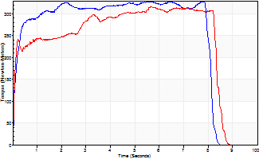
Isometric Extensors (Con) Angle 60 Time 10 Repetition 1 (Best Repetition)
 | Value | Cof Var | %BW
Peak Torque (Newton-Meters)
Right | 328 | 0 | 411
Left | 317 | 0 | 396
Deficit | 3
Average Torque (Newton-Meters)
Right | 250 | 0 | 313
Left | 236 | 0 | 295
Deficit | 5
Peak Torque Slope (Newton-Meters/Seconds)
Right | 51 | 0 | 64
Left | 56 | 0 | 70 |  | Right Side Curves Left Side Curves
Deficit | 9
Time to Half Peak Torque (Seconds)
Right | 0.13 | 0
Left | 0.09 | 0
Time to Peak Torque (Seconds)
Right | 6.45 | 0
Left | 5.64 | 0
HUMAC2015® Version: 15.000.0074 © Computer Sports Medicine, Inc. www.csmisolutions.com

Ark2
Use File, Preference to set Report Heading
Long Form Torque vs. Position Report - Knee Extension/Flexion
Name: |  |  |  | TR024_111, | ID: | TR024_111 | Right/Left: | 30.09.2020 30.09.2020
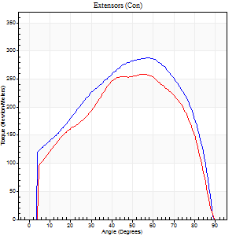
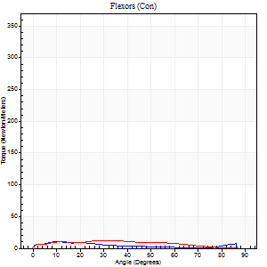
Right Side Curves Left Side Curves
Isokinetic Con/Con |  |  |  | Extensors (Con) |  | Flexors (Con)
Speed 60/60 d/s 3 Reps |  |  |  | Value | Cof Var | %BW | Value | Cof Var | %BW | Ratio

TORQUE PARAMETERS
Peak Torque (Newton-Meters - Best Repetition)
Right |  |  |  | 287 | 0.02 | 358 | 11 | 0.57 | 15 | 4
Left |  |  |  | 259 | 0.1 | 325 | 12 | 0.51 | 15 | 5
Deficit |  |  |  | 10 |  |  | 11
Work per Repetition (Newton-Meters - Best Repetition)
Right |  |  |  | 320 | 0.02 | 399 | 7 | 0.7 | 9 | 2
Left |  |  |  | 281 | 0.07 | 352 | 11 | 0.69 | 15 | 4
Deficit |  |  |  | 12 |  |  | 38
Average Power per Repetition (Watts - Best Repetition)
Right |  |  |  | 204 | 0.02 | 255 | 4 | 0.97 | 4 | 2
Left |  |  |  | 179 | 0.07 | 224 | 7 | 0.7 | 9 | 4
Deficit |  |  |  | 12 |  |  | 43
POSITION PARAMETERS
Joint Angle at Peak Torque (Degrees)
Right |  |  |  | 55 | 0.03 |  | 8 | 0.69
Left |  |  |  | 61 | 0.09 |  | 40 | 1.09
Range of Motion (Degrees)
Right |  |  |  | 0 | -0.16 |  | 90 | 0
Left |  |  |  | 0 | -0.71 |  | 90 | 0.01
TIME PARAMETERS
Time to Peak Torque (Seconds)
Right |  |  |  | 0.57 | 0.01 |  | 0.34 | 0.9
Left |  |  |  | 0.5 | 0.23 |  | 0.74 | 0.98
Time Peak Torque Held (Seconds)
Right |  |  |  | 0.09 | 0.18 |  | 0.05 | 1.55
Left |  |  |  | 0.07 | 0.14 |  | 0.02 | 1.73
Force Decay Time (Seconds)
Right |  |  |  | 0.9 | 0.02 |  | 4.02 | 1.11
Left |  |  |  | 1.01 | 0.09 |  | 0.87 | 0.87
Reciprocal Delay (Seconds)
Right |  |  |  | 0.09 | 0.07 |  | 1.41 | 0.15
Left |  |  |  | 0.1 | 0.57 |  | 0.78 | 0.12
Delay Time (Seconds)
Right |  |  |  | 0.01 | 0 |  | -0.03 | -1.15
Left |  |  |  | 0 | 0 |  | -0.04 | -0.25
HUMAC2015® Version: 15.000.0074 © Computer Sports Medicine, Inc. www.csmisolutions.com

Use File, Preference to set Report Heading
Long Form Torque vs. Position Report - Knee Extension/Flexion
Name: |  |  |  | TR024_111, | ID: | TR024_111 | Right/Left: | 30.09.2020 30.09.2020
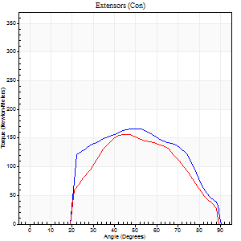
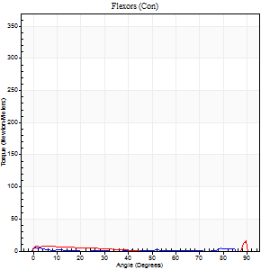
Right Side Curves Left Side Curves
Isokinetic Con/Con |  |  |  | Extensors (Con) |  | Flexors (Con)
Speed 240/240 d/s 3 Reps |  |  |  | Value | Cof Var | %BW | Value | Cof Var | %BW | Ratio

TORQUE PARAMETERS
Peak Torque (Newton-Meters - Best Repetition)
Right |  |  |  | 167 | 0.04 | 209 | 5 | 0.1 | 6 | 3
Left |  |  |  | 157 | 0.03 | 197 | 24 | 0.94 | 30 | 16
Deficit |  |  |  | 6 |  |  | 78
Work per Repetition (Newton-Meters - Best Repetition)
Right |  |  |  | 159 | 0.06 | 197 | 3 | 0.24 | 3 | 2
Left |  |  |  | 157 | 0.09 | 197 | 4 | 0.51 | 6 | 3
Deficit |  |  |  | 1 |  |  | 33
Average Power per Repetition (Watts - Best Repetition)
Right |  |  |  | 288 | 0.07 | 360 | 2 | 0.64 | 2 | 1
Left |  |  |  | 272 | 0.07 | 341 | 4 | 0.65 | 4 | 1
Deficit |  |  |  | 6 |  |  | 50
POSITION PARAMETERS
Joint Angle at Peak Torque (Degrees)
Right |  |  |  | 49 | 0.03 |  | 7 | 1.66
Left |  |  |  | 44 | 0.03 |  | 58 | 0.8
Range of Motion (Degrees)
Right |  |  |  | 0 | -0.2 |  | 90 | 0
Left |  |  |  | 0 | 0 |  | 89 | 0.01
TIME PARAMETERS
Time to Peak Torque (Seconds)
Right |  |  |  | 0.23 | 0.06 |  | 0.2 | 1.25
Left |  |  |  | 0.25 | 0.03 |  | 0.78 | 0.59
Time Peak Torque Held (Seconds)
Right |  |  |  | 0.01 | 0 |  | 0 | 0
Left |  |  |  | 0.01 | 0.87 |  | 0 | 0
Force Decay Time (Seconds)
Right |  |  |  | 0.3 | 0.02 |  | 1.51 | 0.53
Left |  |  |  | 0.29 | 0.04 |  | 0.36 | 1.68
Reciprocal Delay (Seconds)
Right |  |  |  | 0.09 | 0.08 |  | 0.8 | 0.11
Left |  |  |  | 0.1 | 0.71 |  | 1.1 | 0.1
Delay Time (Seconds)
Right |  |  |  | -0.01 | -0.47 |  | -0.04 | -0.35
Left |  |  |  | -0.01 | -1.41 |  | -0.07 | -0.14
HUMAC2015® Version: 15.000.0074 © Computer Sports Medicine, Inc. www.csmisolutions.com

Use File, Preference to set Report Heading
Isometric - Knee Extension/Flexion
Name: |  |  |  | TR024_111, | ID: | TR024_111 | Right/Left: | 30.09.2020 30.09.2020

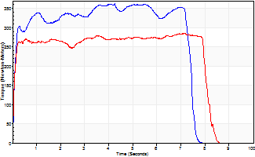
Isometric Extensors (Con) Angle 60 Time 10 Repetition 1 (Best Repetition)
 | Value | Cof Var | %BW
Peak Torque (Newton-Meters)
Right | 362 | 0 | 453
Left | 285 | 0 | 355
Deficit | 21
Average Torque (Newton-Meters)
Right | 248 | 0 | 310
Left | 217 | 0 | 271
Deficit | 13
Peak Torque Slope (Newton-Meters/Seconds)
Right | 85 | 0 | 107
Left | 40 | 0 | 50 |  | Right Side Curves Left Side Curves
Deficit | 53
Time to Half Peak Torque (Seconds)
Right | 0.1 | 0
Left | 0.07 | 0
Time to Peak Torque (Seconds)
Right | 4.24 | 0
Left | 7.12 | 0
HUMAC2015® Version: 15.000.0074 © Computer Sports Medicine, Inc. www.csmisolutions.com

Ark3
Use File, Preference to set Report Heading
Long Form Torque vs. Position Report - Knee Extension/Flexion
Name: |  |  |  | TR024_111, | ID: | TR024_111 | Right/Left: | 04.10.2020 04.10.2020
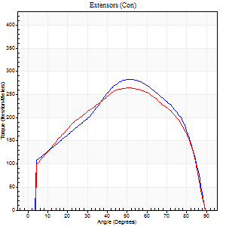
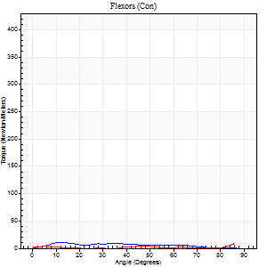
Right Side Curves Left Side Curves
Isokinetic Con/Con |  |  |  | Extensors (Con) |  | Flexors (Con)
Speed 60/60 d/s 3 Reps |  |  |  | Value | Cof Var | %BW | Value | Cof Var | %BW | Ratio

TORQUE PARAMETERS
Peak Torque (Newton-Meters - Best Repetition)
Right |  |  |  | 283 | 0.05 | 355 | 11 | 0.8 | 15 | 4
Left |  |  |  | 264 | 0.07 | 331 | 8 | 0.44 | 9 | 3
Deficit |  |  |  | 7 |  |  | 25
Work per Repetition (Newton-Meters - Best Repetition)
Right |  |  |  | 301 | 0.04 | 376 | 8 | 1.1 | 9 | 3
Left |  |  |  | 294 | 0.06 | 367 | 3 | 0.16 | 3 | 1
Deficit |  |  |  | 2 |  |  | 67
Average Power per Repetition (Watts - Best Repetition)
Right |  |  |  | 192 | 0.04 | 240 | 5 | 1.16 | 7 | 3
Left |  |  |  | 189 | 0.06 | 235 | 1 | 0.12 | 2 | 1
Deficit |  |  |  | 2 |  |  | 80
POSITION PARAMETERS
Joint Angle at Peak Torque (Degrees)
Right |  |  |  | 53 | 0.09 |  | 13 | 0.95
Left |  |  |  | 52 | 0.13 |  | 43 | 0.91
Range of Motion (Degrees)
Right |  |  |  | 0 | -0.35 |  | 90 | 0
Left |  |  |  | 0 | -0.47 |  | 90 | 0
TIME PARAMETERS
Time to Peak Torque (Seconds)
Right |  |  |  | 0.65 | 0.07 |  | 0.54 | 0.86
Left |  |  |  | 0.67 | 0.06 |  | 1.2 | 0.68
Time Peak Torque Held (Seconds)
Right |  |  |  | 0.05 | 0.45 |  | 0.03 | 0.87
Left |  |  |  | 0.08 | 0.2 |  | 0 | 1.73
Force Decay Time (Seconds)
Right |  |  |  | 0.91 | 0.1 |  | 1.42 | 0.31
Left |  |  |  | 0.85 | 0.15 |  | 0.79 | 0.91
Reciprocal Delay (Seconds)
Right |  |  |  | 0.16 | 0.21 |  | 0.82 | 0.06
Left |  |  |  | 0.11 | 0.77 |  | 0.56 | 0.04
Delay Time (Seconds)
Right |  |  |  | 0.01 | 0 |  | -0.07 | -0.46
Left |  |  |  | 0.01 | 0.47 |  | -0.09 | -0.18
HUMAC2015® Version: 15.000.0074 © Computer Sports Medicine, Inc. www.csmisolutions.com

Use File, Preference to set Report Heading
Long Form Torque vs. Position Report - Knee Extension/Flexion
Name: |  |  |  | TR024_111, | ID: | TR024_111 | Right/Left: | 04.10.2020 04.10.2020
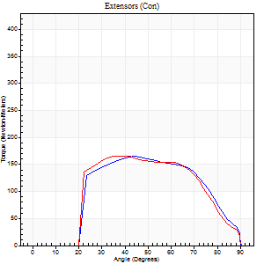
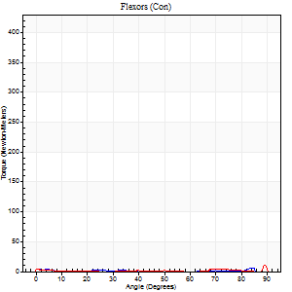
Right Side Curves Left Side Curves
Isokinetic Con/Con |  |  |  | Extensors (Con) |  | Flexors (Con)
Speed 240/240 d/s 3 Reps |  |  |  | Value | Cof Var | %BW | Value | Cof Var | %BW | Ratio

TORQUE PARAMETERS
Peak Torque (Newton-Meters - Best Repetition)
Right |  |  |  | 165 | 0.04 | 206 | 5 | 0.27 | 6 | 3
Left |  |  |  | 167 | 0.05 | 209 | 18 | 0.85 | 21 | 11
Deficit |  |  |  | 1 |  |  | 69
Work per Repetition (Newton-Meters - Best Repetition)
Right |  |  |  | 156 | 0.04 | 194 | 1 | 0.3 | 3 | 1
Left |  |  |  | 156 | 0.05 | 194 | 1 | 0.33 | 3 | 1
Deficit |  |  |  | 0 |  |  | 0
Average Power per Repetition (Watts - Best Repetition)
Right |  |  |  | 285 | 0.05 | 356 | 1 | 0.36 | 2 | 0
Left |  |  |  | 279 | 0.06 | 349 | 1 | 0.22 | 2 | 0
Deficit |  |  |  | 2 |  |  | 0
POSITION PARAMETERS
Joint Angle at Peak Torque (Degrees)
Right |  |  |  | 45 | 0.02 |  | 32 | 1.42
Left |  |  |  | 39 | 0.15 |  | 32 | 1.6
Range of Motion (Degrees)
Right |  |  |  | 0 | -0.16 |  | 90 | 0
Left |  |  |  | 0 | 0 |  | 90 | 0
TIME PARAMETERS
Time to Peak Torque (Seconds)
Right |  |  |  | 0.25 | 0.03 |  | 1.01 | 1.03
Left |  |  |  | 0.28 | 0 |  | 0.81 | 1.31
Time Peak Torque Held (Seconds)
Right |  |  |  | 0.01 | 0 |  | 0 | 0
Left |  |  |  | 0.01 | 0.87 |  | 0.53 | 1.72
Force Decay Time (Seconds)
Right |  |  |  | 0.29 | 0 |  | 1.46 | 0.83
Left |  |  |  | 0.28 | 0.09 |  | 0.55 | 1.58
Reciprocal Delay (Seconds)
Right |  |  |  | 0.12 | 0.51 |  | 1.04 | 0.24
Left |  |  |  | 0.17 | 0.36 |  | 1.17 | 0.07
Delay Time (Seconds)
Right |  |  |  | -0.01 | -1.41 |  | -0.07 | -0.76
Left |  |  |  | -0.01 | 0 |  | 0.46 | 2.06
HUMAC2015® Version: 15.000.0074 © Computer Sports Medicine, Inc. www.csmisolutions.com

Use File, Preference to set Report Heading
Isometric - Knee Extension/Flexion
Name: |  |  |  | TR024_111, | ID: | TR024_111 | Right/Left: | 04.10.2020 04.10.2020

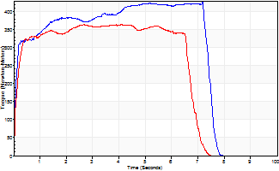
Isometric Extensors (Con) Angle 60 Time 10 Repetition 1 (Best Repetition)
 | Value | Cof Var | %BW
Peak Torque (Newton-Meters)
Right | 427 | 0 | 533
Left | 363 | 0 | 453
Deficit | 15
Average Torque (Newton-Meters)
Right | 287 | 0 | 358
Left | 233 | 0 | 292
Deficit | 19
Peak Torque Slope (Newton-Meters/Seconds)
Right | 60 | 0 | 74
Left | 89 | 0 | 111 |  | Right Side Curves Left Side Curves
Deficit | 33
Time to Half Peak Torque (Seconds)
Right | 0.1 | 0
Left | 0.13 | 0
Time to Peak Torque (Seconds)
Right | 7.16 | 0
Left | 4.09 | 0
HUMAC2015® Version: 15.000.0074 © Computer Sports Medicine, Inc. www.csmisolutions.com

