Covar_Corel
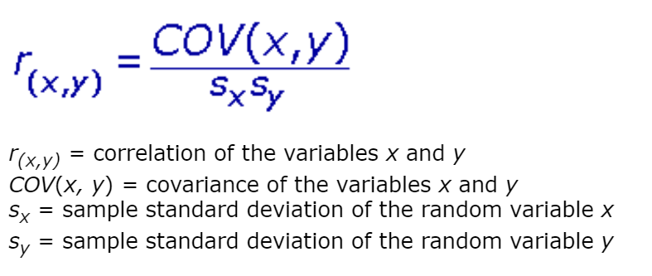
S.No. | X1 | X2 | X3 | Sales of product |  | (X1-μx)*(Y-μy) | (X2-μx)*(Y-μy) | (X3-μx)*(Y-μy) | (x1-μ1)^2 | (x2-μ2)^2 | (x3-μ3)^2 | X1^2 | X2^2 | X3^2 | X1 | y1=m1x1+c1 | X2 | y2=m2x2+c2 | X3 | y3=m3x3+c3 | S.No. | X1 | X2 | X3 | Y | X1*Y | X2*Y | X3*Y | X1^2 | X2^2 | X3^2 | Y^2
1 | 230.1 | 37.8 | 69.2 | 22.1 |  | 1192 | 118 | 299 | 14825 | 145 | 932 | 52946 | 1429 | 4789 | 230.1 | 14.75 | 37.80 | 12.64 | 69.20 | 12.70 | 1 | 230.1 | 37.8 | 69.2 | 22.1 | 5085 | 835 | 1529 | 52946 | 1429 | 4789 | 488
2 | 44.5 | 39.3 | 45.1 | 10.4 |  | 122 | -26 | -12 | 1980 | 1544 | 2034 | 1980 | 1544 | 2034 | 44.5 | 11.03 | 39.30 | 12.68 | 45.10 | 12.40 | 2 | 44.5 | 39.3 | 45.1 | 10.4 | 463 | 409 | 469 | 1980 | 1544 | 2034 | 108
3 | 17.2 | 45.9 | 69.3 | 9.3 |  | 275 | -61 | -92 | 296 | 2107 | 4802 | 296 | 2107 | 4802 | 17.2 | 10.49 | 45.90 | 12.86 | 69.30 | 12.70 | 3 | 17.2 | 45.9 | 69.3 | 9.3 | 160 | 427 | 644 | 296 | 2107 | 4802 | 86
4 | 151.5 | 41.3 | 58.5 | 18.5 |  | 267 | 96 | 123 | 22952 | 1706 | 3422 | 22952 | 1706 | 3422 | 151.5 | 13.18 | 41.30 | 12.74 | 58.50 | 12.57 | 4 | 151.5 | 41.3 | 58.5 | 18.5 | 2803 | 764 | 1082 | 22952 | 1706 | 3422 | 342
5 | 180.8 | 10.8 | 58.4 | 12.9 |  | 43 | -9 | 12 | 32689 | 117 | 3411 | 32689 | 117 | 3411 | 180.8 | 13.77 | 10.80 | 11.91 | 58.40 | 12.56 | 5 | 180.8 | 10.8 | 58.4 | 12.9 | 2332 | 139 | 753 | 32689 | 117 | 3411 | 166
6 | 8.7 | 48.9 | 75 | 7.2 |  | 509 | -118 | -186 | 76 | 2391 | 5625 | 76 | 2391 | 5625 | 8.7 | 10.32 | 48.90 | 12.94 | 75.00 | 12.78 | 6 | 8.7 | 48.9 | 75 | 7.2 | 63 | 352 | 540 | 76 | 2391 | 5625 | 52
7 | 57.5 | 32.8 | 23.5 | 11.8 |  | 26 | -4 | 8 | 3306 | 1076 | 552 | 3306 | 1076 | 552 | 57.5 | 11.29 | 32.80 | 12.51 | 23.50 | 12.12 | 7 | 57.5 | 32.8 | 23.5 | 11.8 | 679 | 387 | 277 | 3306 | 1076 | 552 | 139
8 | 120.2 | 19.6 | 11.6 | 13.2 |  | 11 | -5 | -24 | 14448 | 384 | 135 | 14448 | 384 | 135 | 120.2 | 12.55 | 19.60 | 12.15 | 11.60 | 11.97 | 8 | 120.2 | 19.6 | 11.6 | 13.2 | 1587 | 259 | 153 | 14448 | 384 | 135 | 174
9 | 8.6 | 2.1 | 1 | 4.8 |  | 749 | 178 | 283 | 74 | 4 | 1 | 74 | 4 | 1 | 8.6 | 10.31 | 2.10 | 11.67 | 1.00 | 11.83 | 9 | 8.6 | 2.1 | 1 | 4.8 | 41 | 10 | 5 | 74 | 4 | 1 | 23
10 | 199.8 | 2.6 | 21.2 | 10.6 |  | -157 | 40 | 30 | 39920 | 7 | 449 | 39920 | 7 | 449 | 199.8 | 14.15 | 2.60 | 11.68 | 21.20 | 12.09 | 10 | 199.8 | 2.6 | 21.2 | 10.6 | 2118 | 28 | 225 | 39920 | 7 | 449 | 112
11 | 66.1 | 5.8 | 24.2 | 8.6 |  | 157 | 74 | 54 | 4369 | 34 | 586 | 4369 | 34 | 586 | 66.1 | 11.47 | 5.80 | 11.77 | 24.20 | 12.13 | 11 | 66.1 | 5.8 | 24.2 | 8.6 | 568 | 50 | 208 | 4369 | 34 | 586 | 74
12 | 214.7 | 24 | 4 | 17.4 |  | 541 | -9 | -176 | 46096 | 576 | 16 | 46096 | 576 | 16 | 214.7 | 14.45 | 24.00 | 12.27 | 4.00 | 11.87 | 12 | 214.7 | 24 | 4 | 17.4 | 3736 | 418 | 70 | 46096 | 576 | 16 | 303
13 | 23.8 | 35.1 | 65.9 | 9.2 |  | 263 | -29 | -85 | 566 | 1232 | 4343 | 566 | 1232 | 4343 | 23.8 | 10.62 | 35.10 | 12.57 | 65.90 | 12.66 | 13 | 23.8 | 35.1 | 65.9 | 9.2 | 219 | 323 | 606 | 566 | 1232 | 4343 | 85
14 | 97.5 | 7.6 | 7.2 | 9.7 |  | 28 | 47 | 82 | 9506 | 58 | 52 | 9506 | 58 | 52 | 97.5 | 12.10 | 7.60 | 11.82 | 7.20 | 11.91 | 14 | 97.5 | 7.6 | 7.2 | 9.7 | 946 | 74 | 70 | 9506 | 58 | 52 | 94
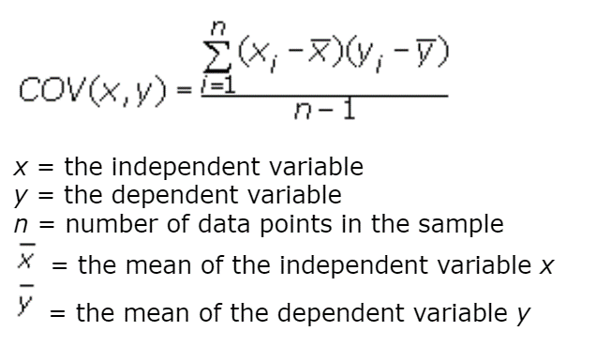
15 | 204.1 | 32.9 | 46 | 19 |  | 640 | 48 | 49 | 41657 | 1082 | 2116 | 41657 | 1082 | 2116 | 204.1 | 14.23 | 32.90 | 12.51 | 46.00 | 12.41 | 15 | 204.1 | 32.9 | 46 | 19 | 3878 | 625 | 874 | 41657 | 1082 | 2116 | 361
μ = | 108.34 | 25.77 | 38.67 | 12.31 | Σ = | 4666.43 | 339.94 | 363.28 | 232761.2576 | 12462.631111 | 28475.727378 | 270881.77 | 13746.67 | 32332.49 |  |  |  |  |  |  | 15 | 1625 | 387 | 580 | 185 | 24677 | 5099 | 7506 | 270882 | 13747 | 32332 | 2609

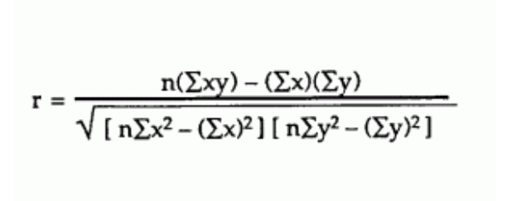
 |  |  |  |  |  | m1= | 0.020 | c1 = | 10.141 |  |  |  |  |  |  |  |  |  |  |  |  |  | X1 | X2 | X3
 |  |  |  |  |  | m2= | 0.027 | c2 = | 11.611 |  |  |  |  |  |  |  |  |  |  |  |  | Cov(X,Y) = | 333 | 24 | 26
 |  |  |  |  |  | m3= | 0.013 | c3 = | 11.820 |  |  |  |  |  |  |  |  |  |  |  |  | n(Σxy) = | 370152 | 76486 | 112594
 |  |  |  |  |  |  |  |  |  |  |  |  |  |  |  |  |  |  |  |  |  | (Σx)(Σy) = | 300156 | 71387 | 107144
1) X1 & Y
1) X2 & Y
 |  |  |  |  |  |  |  |  |  |  |  |  |  |  |  |  |  |  |  |  |  | nΣx2-(Σx)2 = | 1422277 | 56818 | 148471
 |  |  |  |  |  |  |  |  |  |  |  |  |  |  |  |  |  |  |  |  |  | nΣy2-(Σy)2 = | 5019 | 5019 | 5019 | (Range -1 to 1)
 |  |  |  |  |  |  |  |  |  |  |  |  |  |  |  |  |  |  |  |  |  | Correlation coefficient, r= | 0.83 | 0.30 | 0.20
 |  |  |  |  |  |  |  |  |  |  |  |  |  |  |  |  |  |  |  |  |  | In-built formula = | 0.83 | 0.30 | 0.20
 |  |  |  |  |  |  |  |  |  |  |  |  |  |  |  |  |  |  |  |  |  | Coefficient of Determination,r2 = | 0.69 | 0.09 | 0.04
 |  |  |  |  |  |  |  |  |  |  |  |  |  |  |  |  |  |  |  |  |  | % of the points should fall within the regression line = | 68.63% | 9.12% | 3.98%

1) X3 & Y

Ref
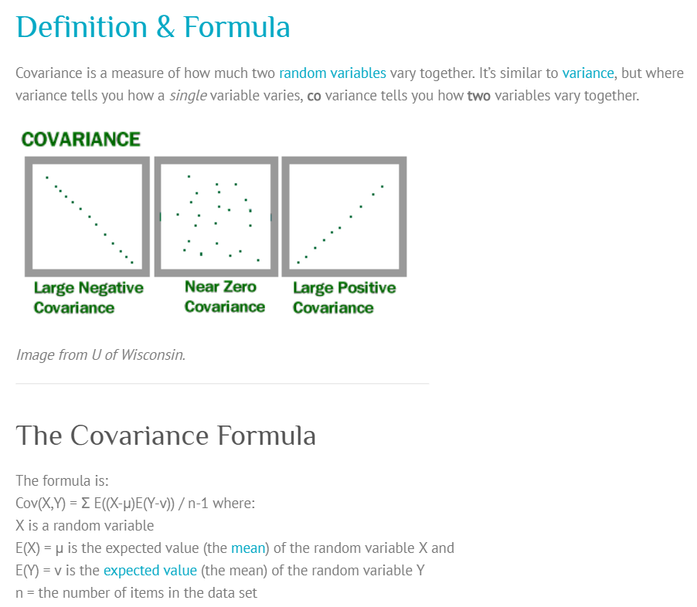
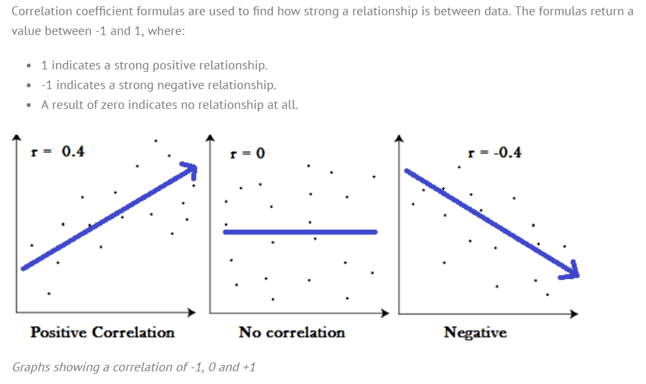
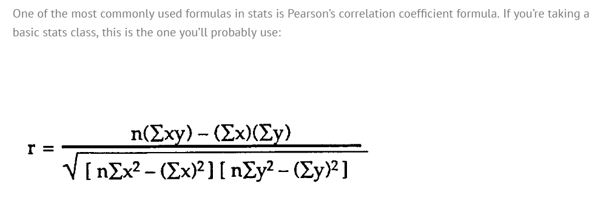
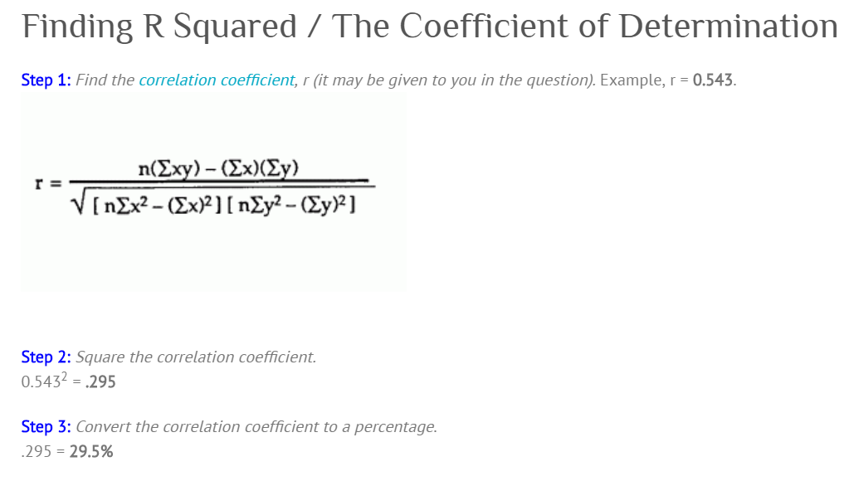
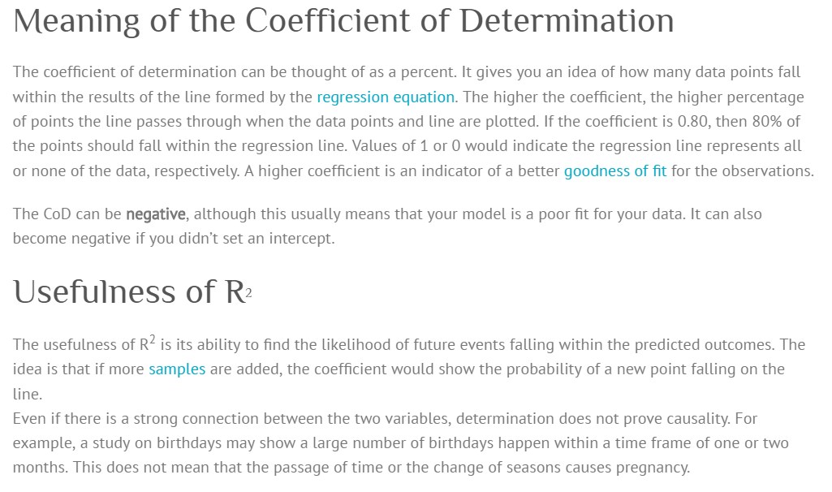
Alt Ref: | http://ci.columbia.edu/ci/premba_test/c0331/s7/s7_5.html

