Prob_8thru13
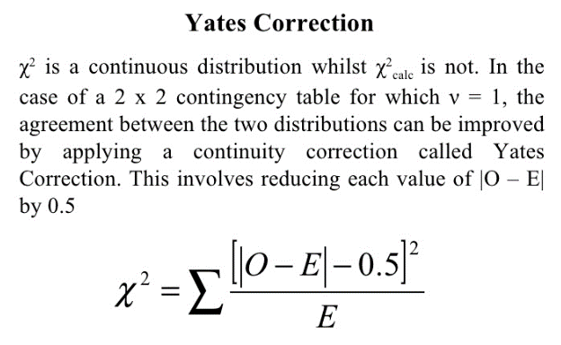
Problem 8
Observed | Men | Women | Total |  | Hypothesis:
Voted | 2792 | 3591 | 6383 |  | H0: Gender is independent of voting
Not voted | 1486 | 2131 | 3617 |  | H1: Gender is dependent on voting
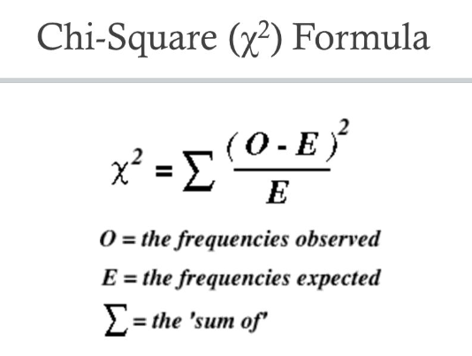
Total | 4278 | 5722 | 10000
E=(Rowtotal * Columntotal)/Grandtotal
Expected | Men | Women | Total
Voted | 2731 | 3652 | 6383
Not voted | 1547 | 2070 | 3617
Total | 4278 | 5722 | 10000
(|O-E|-0.5)2/E | Men | Women
Voted | 1.4 | 1.0
Not voted | 2.4 | 1.8
Χ2calc = |  |  | 6.6
df = | 1
Note: Since we have a 2x2 contingency table, Yate's correction is used in chi-square formula
From chi-square distribution table, Χ2 =3.84 (considering α =0.05)
Since X2calc (6.6) is greater than X2 (3.84), we reject the null hypothesis. Gender is dependent on voting.

Problem 9
Observed | 41 | 19 | 24 | 16 | Hypothesis:
Expected | 25 | 25 | 25 | 25 | H0: All candidates are equally popular
(O-E)2/E | 10.24 | 1.44 | 0.04 | 3.24 | H1: All candidates are not equally popular
Χ2calc = | 14.96
df = | 3

From chi-square distribution table, Χ2 =7.82 (considering α =0.05)
Since X2calc (14.96) is greater than X2 (7.82), we reject the null hypothesis. All candidates are not equally popular.

Problem 10
Observed | A | B | C | Total | Hypothesis:
5-6 yrs | 18 | 22 | 20 | 60 | H0: There is no significant relationship between age and photograph preference
7-8 yrs | 2 | 28 | 40 | 70 | H1: There is significant relationship between age and photograph preference
9-10 yrs | 20 | 10 | 40 | 70
Total | 40 | 60 | 100 | 200
E=(Rowtotal * Columntotal)/Grandtotal
Expected | A | B | C | Total
5-6 yrs | 12 | 18 | 30 | 60
7-8 yrs | 14 | 21 | 35 | 70
9-10 yrs | 14 | 21 | 35 | 70
Total | 40 | 60 | 100 | 200
(O-E)2/E | A | B | C | Total
5-6 yrs | 3.0 | 0.9 | 3.3
7-8 yrs | 10.3 | 2.3 | 0.7
9-10 yrs | 2.6 | 5.8 | 0.7
Χ2calc = |  |  |  | 29.6
df = | 4

From chi-square distribution table, Χ2 =9.49 (considering α =0.05)
Since X2calc (29.6) is greater than X2 (9.49), we reject the null hypothesis. There is significant relationship between age and photograph preference.

Problem 11
Observed | Support | No Support | Total |  | Hypothesis:
Conform | 18 | 40 | 58 |  | H0: Frequency of conformity doesn't depend on support, no support conditions
Not Conform | 32 | 10 | 42 |  | H1: Frequency of conformity depends on support, no support conditions
Total | 50 | 50 | 100
E=(Rowtotal * Columntotal)/Grandtotal
Expected | Support | No Support | Total
Conform | 29 | 29 | 58
Not Conform | 21 | 21 | 42
Total | 50 | 50 | 100
(|O-E|-0.5)2/E | Support | No Support
Conform | 3.8 | 3.8
Not Conform | 5.3 | 5.3
Χ2calc = |  |  | 18.1
df = | 1
Note: Since we have a 2x2 contingency table, Yate's correction is used in chi-square formula
From chi-square distribution table, Χ2 =3.84 (considering α =0.05)
Since X2calc (18.1) is greater than X2 (3.84), we reject the null hypothesis. Frequency of conformity depends on support, no support conditions.

Problem 12
Observed | Short | Tall | Total |  | Hypothesis:
Leader | 12 | 32 | 44 |  | H0: There is no relationship between height and leadership qualities
Follower | 22 | 14 | 36 |  | H1: There is relationship between height and leadership qualities
Unclassifiable | 9 | 6 | 15
Total | 43 | 52 | 95
E=(Rowtotal * Columntotal)/Grandtotal
Expected | Short | Tall | Total
Leader | 20 | 24 | 44
Follower | 16 | 20 | 36
Unclassifiable | 7 | 8 | 15
Total | 36 | 44 | 95
(O-E)2/E | Support | No Support
Leader | 3.1 | 2.6
Follower | 2.0 | 1.7
Unclassifiable | 0.7 | 0.6
Χ2calc = |  |  | 10.7
df = | 2

From chi-square distribution table, Χ2 =5.99 (considering α =0.05)
Since X2calc (10.7) is greater than X2 (5.99), we reject the null hypothesis. There is relationship between height and leadership qualities.

Problem 13
Observed | Married | W/D/S | Never-married | Total | Hypothesis:
Employed | 679 | 103 | 114 | 896 | H0: Men's marital status and labor force status are not related.
Unemployed | 63 | 10 | 20 | 93 | H1: Men's marital status and labor force status are related.
Not in labor force | 42 | 18 | 25 | 85
Total | 784 | 131 | 159 | 1074
E=(Rowtotal * Columntotal)/Grandtotal
Expected | Married | W/D/S | Never-married | Total
Employed | 654 | 109 | 133 | 896
Unemployed | 68 | 11 | 14 | 93
Not in labor force | 62 | 10 | 13 | 85
Total | 784 | 131 | 159 | 1074
(O-E)2/E | Married | W/D/S | Never-married | Total
Employed | 1.0 | 0.4 | 2.6
Unemployed | 0.4 | 0.2 | 2.8
Not in labor force | 6.5 | 5.6 | 12.3
Χ2calc = |  |  |  | 31.61
df = | 4

From chi-square distribution table, Χ2 =9.49 (considering α =0.05)
Since X2calc (31.6) is greater than X2 (9.49), we reject the null hypothesis. Men's marital status and labor force status are related.

Prob_1thru7
