Covar_Corel
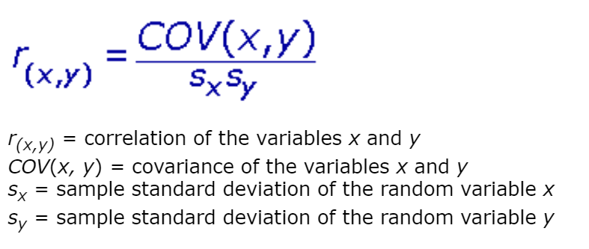
S.No. | X1 | X2 | X3 | Sales of product |  | (X1-μx)*(Y-μy) | (X2-μx)*(Y-μy) | (X3-μx)*(Y-μy) | (x1-μ1)^2 | (x2-μ2)^2 | (x3-μ3)^2 | X1^2 | X2^2 | X3^2 | X1 | y1=m1x1+c1 | (yi-y1)^2 | X2 | y2=m2x2+c2 | (yi-y2)^2 | X3 | y3=m3x3+c3 | (yi-y3)^2 | y-μy | S.No. | X1 | X2 | X3 | Y | X1*Y | X2*Y | X3*Y | X1^2 | X2^2 | X3^2 | Y^2
1 | 230.1 | 37.8 | 69.2 | 22.1 |  | 1192 | 118 | 299 | 14825 | 145 | 932 | 52946 | 1429 | 4789 | 230.1 | 18.31 | 14 | 37.80 | 13.39 | 76 | 69.20 | 13.43 | 75 | 96 | 1 | 230.1 | 37.8 | 69.2 | 22.1 | 5085 | 835 | 1529 | 52946 | 1429 | 4789 | 488
2 | 44.5 | 39.3 | 45.1 | 10.4 |  | 122 | -26 | -12 | 4076 | 183 | 41 | 1980 | 1544 | 2034 | 44.5 | 9.17 | 2 | 39.30 | 13.53 | 10 | 45.10 | 12.55 | 5 | 4 | 2 | 44.5 | 39.3 | 45.1 | 10.4 | 463 | 409 | 469 | 1980 | 1544 | 2034 | 108
3 | 17.2 | 45.9 | 69.3 | 9.3 |  | 275 | -61 | -92 | 8306 | 405 | 938 | 296 | 2107 | 4802 | 17.2 | 7.83 | 2 | 45.90 | 14.12 | 23 | 69.30 | 13.44 | 17 | 9 | 3 | 17.2 | 45.9 | 69.3 | 9.3 | 160 | 427 | 644 | 296 | 2107 | 4802 | 86
4 | 151.5 | 41.3 | 58.5 | 18.5 |  | 267 | 96 | 123 | 1863 | 241 | 393 | 22952 | 1706 | 3422 | 151.5 | 14.44 | 17 | 41.30 | 13.71 | 23 | 58.50 | 13.04 | 30 | 38 | 4 | 151.5 | 41.3 | 58.5 | 18.5 | 2803 | 764 | 1082 | 22952 | 1706 | 3422 | 342
5 | 180.8 | 10.8 | 58.4 | 12.9 |  | 43 | -9 | 12 | 5250 | 224 | 389 | 32689 | 117 | 3411 | 180.8 | 15.88 | 9 | 10.80 | 10.97 | 4 | 58.40 | 13.04 | 0 | 0 | 5 | 180.8 | 10.8 | 58.4 | 12.9 | 2332 | 139 | 753 | 32689 | 117 | 3411 | 166
6 | 8.7 | 48.9 | 75 | 7.2 |  | 509 | -118 | -186 | 9928 | 535 | 1320 | 76 | 2391 | 5625 | 8.7 | 7.41 | 0 | 48.90 | 14.39 | 52 | 75.00 | 13.65 | 42 | 26 | 6 | 8.7 | 48.9 | 75 | 7.2 | 63 | 352 | 540 | 76 | 2391 | 5625 | 52
7 | 57.5 | 32.8 | 23.5 | 11.8 |  | 26 | -4 | 8 | 2585 | 49 | 230 | 3306 | 1076 | 552 | 57.5 | 9.81 | 4 | 32.80 | 12.94 | 1 | 23.50 | 11.76 | 0 | 0 | 7 | 57.5 | 32.8 | 23.5 | 11.8 | 679 | 387 | 277 | 3306 | 1076 | 552 | 139
8 | 120.2 | 19.6 | 11.6 | 13.2 |  | 11 | -5 | -24 | 141 | 38 | 733 | 14448 | 384 | 135 | 120.2 | 12.90 | 0 | 19.60 | 11.76 | 2 | 11.60 | 11.32 | 4 | 1 | 8 | 120.2 | 19.6 | 11.6 | 13.2 | 1587 | 259 | 153 | 14448 | 384 | 135 | 174
9 | 8.6 | 2.1 | 1 | 4.8 |  | 749 | 178 | 283 | 9948 | 560 | 1419 | 74 | 4 | 1 | 8.6 | 7.40 | 7 | 2.10 | 10.19 | 29 | 1.00 | 10.93 | 38 | 56 | 9 | 8.6 | 2.1 | 1 | 4.8 | 41 | 10 | 5 | 74 | 4 | 1 | 23
10 | 199.8 | 2.6 | 21.2 | 10.6 |  | -157 | 40 | 30 | 8365 | 537 | 305 | 39920 | 7 | 449 | 199.8 | 16.81 | 39 | 2.60 | 10.23 | 0 | 21.20 | 11.67 | 1 | 3 | 10 | 199.8 | 2.6 | 21.2 | 10.6 | 2118 | 28 | 225 | 39920 | 7 | 449 | 112
11 | 66.1 | 5.8 | 24.2 | 8.6 |  | 157 | 74 | 54 | 1784 | 399 | 209 | 4369 | 34 | 586 | 66.1 | 10.23 | 3 | 5.80 | 10.52 | 4 | 24.20 | 11.78 | 10 | 14 | 11 | 66.1 | 5.8 | 24.2 | 8.6 | 568 | 50 | 208 | 4369 | 34 | 586 | 74
12 | 214.7 | 24 | 4 | 17.4 |  | 541 | -9 | -176 | 11312 | 3 | 1202 | 46096 | 576 | 16 | 214.7 | 17.55 | 0 | 24.00 | 12.15 | 28 | 4.00 | 11.04 | 40 | 26 | 12 | 214.7 | 24 | 4 | 17.4 | 3736 | 418 | 70 | 46096 | 576 | 16 | 303
13 | 23.8 | 35.1 | 65.9 | 9.2 |  | 263 | -29 | -85 | 7147 | 87 | 741 | 566 | 1232 | 4343 | 23.8 | 8.15 | 1 | 35.10 | 13.15 | 16 | 65.90 | 13.31 | 17 | 10 | 13 | 23.8 | 35.1 | 65.9 | 9.2 | 219 | 323 | 606 | 566 | 1232 | 4343 | 85
14 | 97.5 | 7.6 | 7.2 | 9.7 |  | 28 | 47 | 82 | 118 | 330 | 991 | 9506 | 58 | 52 | 97.5 | 11.78 | 4 | 7.60 | 10.68 | 1 | 7.20 | 11.16 | 2 | 7 | 14 | 97.5 | 7.6 | 7.2 | 9.7 | 946 | 74 | 70 | 9506 | 58 | 52 | 94
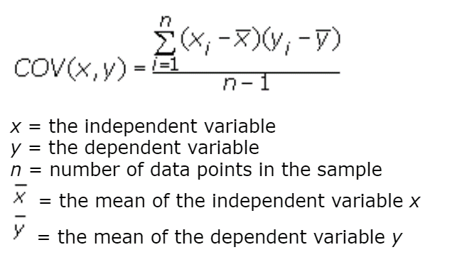
15 | 204.1 | 32.9 | 46 | 19 |  | 640 | 48 | 49 | 9170 | 51 | 54 | 41657 | 1082 | 2116 | 204.1 | 17.03 | 4 | 32.90 | 12.95 | 37 | 46.00 | 12.58 | 41 | 45 | 15 | 204.1 | 32.9 | 46 | 19 | 3878 | 625 | 874 | 41657 | 1082 | 2116 | 361
μ = | 108.34 | 25.77 | 38.67 | 12.31 | Σ = | 4666 | 340 | 363 | 94818 | 3788 | 9898 | 270882 | 13747 | 32332 | Σ = |  | 105 |  |  | 304 |  |  | 321 | 335 | 15 | 1625 | 387 | 580 | 185 | 24677 | 5099 | 7506 | 270882 | 13747 | 32332 | 2609
 |  |  |  |  |  |  |  |  |  |  |  |  |  |  | R2= |  | 0.69 |  |  | 0.09 |  |  | 0.04
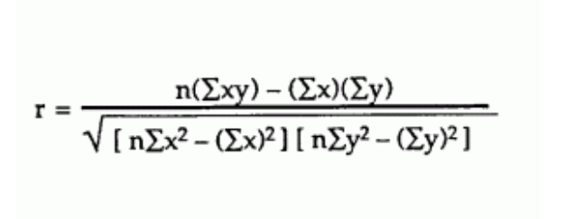
 |  |  |  |  |  | m1= | 0.049 | c1 = | 6.981 |  |  |  |  |  |  |  |  |  |  |  |  |  |  |  |  |  | X1 | X2 | X3
 |  |  |  |  |  | m2= | 0.090 | c2 = | 10.001 |  |  |  |  |  |  |  |  |  |  |  |  |  |  |  |  | Cov(X,Y) = | 333 | 24 | 26
 |  |  |  |  |  | m3= | 0.037 | c3 = | 10.894 |  |  |  |  |  |  |  |  |  |  |  |  |  |  |  |  | n(Σxy) = | 370152 | 76486 | 112594
 |  |  |  |  |  |  |  |  |  |  |  |  |  |  |  |  |  |  |  |  |  |  |  |  |  | (Σx)(Σy) = | 300156 | 71387 | 107144
1) X1 & Y
1) X2 & Y
 |  |  |  |  |  |  |  |  |  |  |  |  |  |  |  |  |  |  |  |  |  |  |  |  |  | nΣx2-(Σx)2 = | 1422277 | 56818 | 148471
 |  |  |  |  |  |  |  |  |  |  |  |  |  |  |  |  |  |  |  |  |  |  |  |  |  | nΣy2-(Σy)2 = | 5019 | 5019 | 5019 | (Range -1 to 1)
 |  |  |  |  |  |  |  |  |  |  |  |  |  |  |  |  |  |  |  |  |  |  |  |  |  | Correlation coefficient, r= | 0.83 | 0.30 | 0.20
 |  |  |  |  |  |  |  |  |  |  |  |  |  |  |  |  |  |  |  |  |  |  |  |  |  | In-built formula = | 0.83 | 0.30 | 0.20
 |  |  |  |  |  |  |  |  |  |  |  |  |  |  |  |  |  |  |  |  |  |  |  |  |  | Coefficient of Determination,r2 = | 0.69 | 0.09 | 0.04
 |  |  |  |  |  |  |  |  |  |  |  |  |  |  |  |  |  |  |  |  |  |  |  |  |  | % of the points should fall within the regression line = | 68.63% | 9.12% | 3.98%

1) X3 & Y

Ref
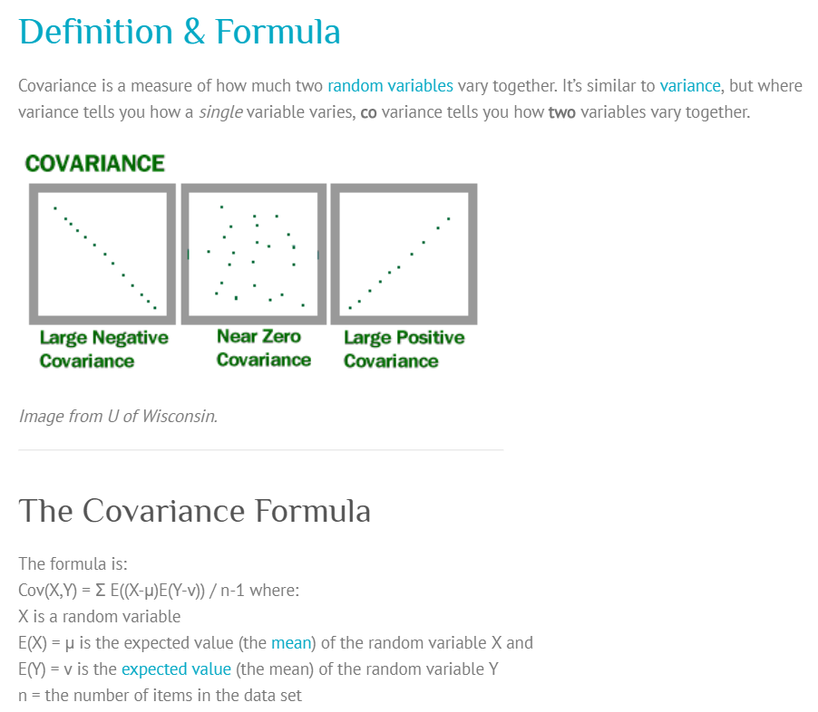
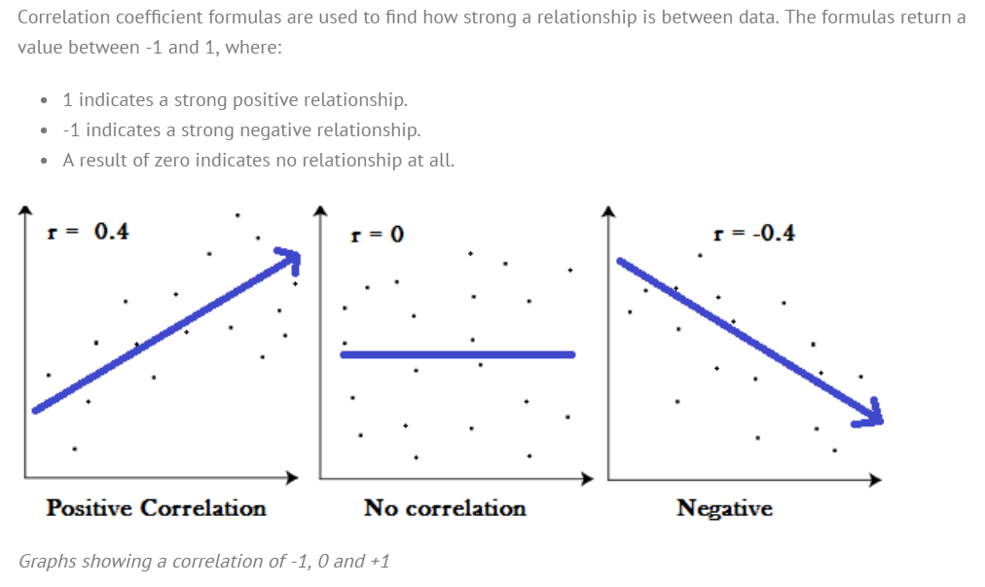
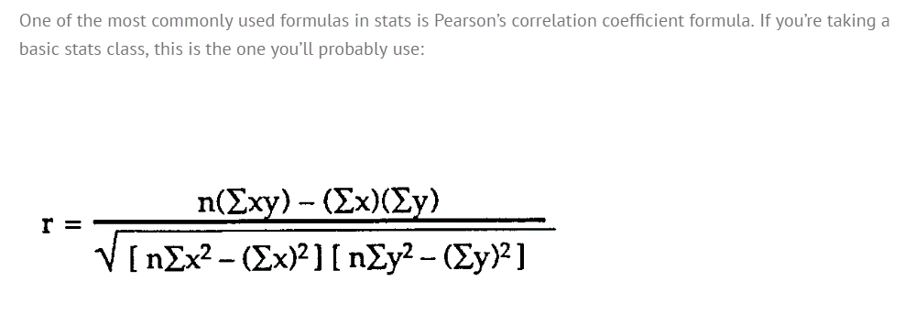
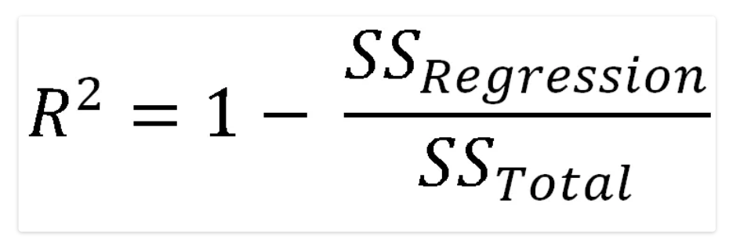
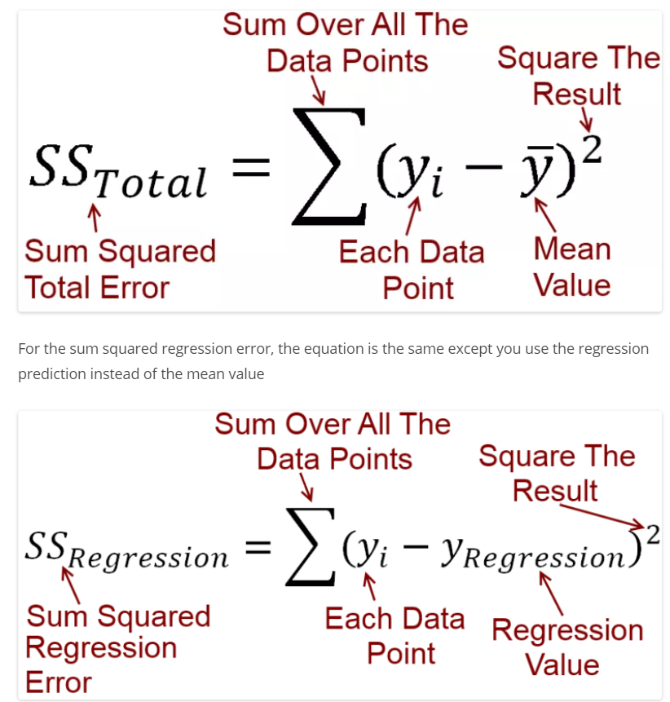
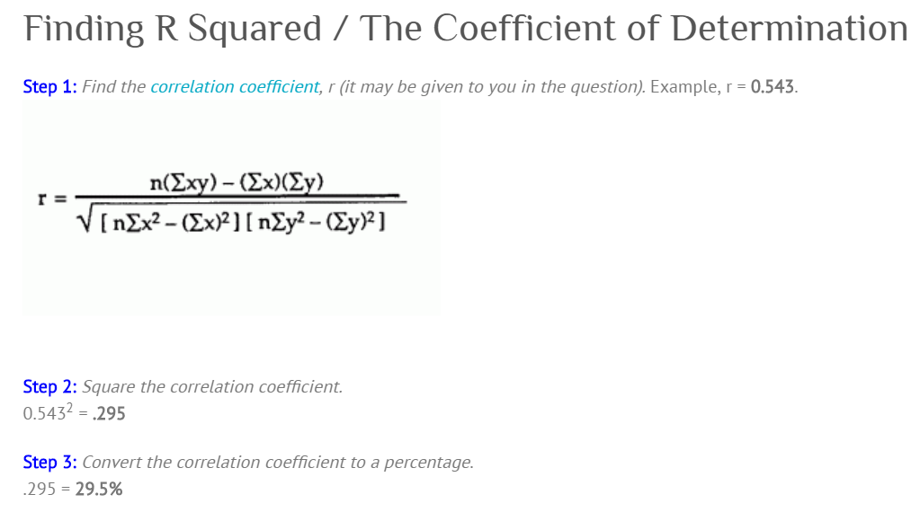
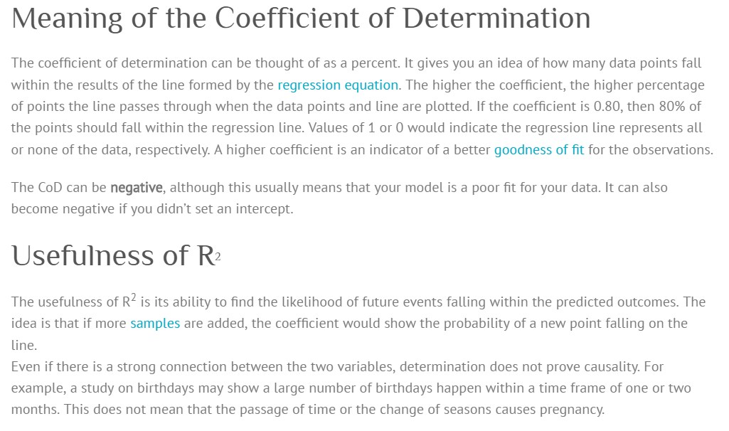
Alt Ref: | http://www.fairlynerdy.com/what-is-r-squared/
 | http://ci.columbia.edu/ci/premba_test/c0331/s7/s7_5.html

