Dashbard
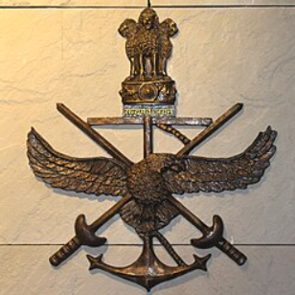
Indian Armed Forces Weapons Dashboard | Indian Armed Forces Weapons Dashboard

Total Equipment Types
Total Active personnel
Countries Supplying to India
Top supplier

10
14
4
Russia

Equipments per branch
 | Total
Army | 7
Air Force | 6
Navy | 5
Tri-Service | 1
Weapons per country
 | Total
India/Russia | 1
France | 1
South Korea/India | 1
Russia/India | 1
Russia | 3
USA | 3
India | 9

Years of weapon introduction
 | Total
2010 | 1
2013 | 2
2014 | 1
2016 | 2
2017 | 1
2018 | 1
2019 | 1
2020 | 1
2021 | 1
2022 | 1
2025 | 2
Status of weapons
 | Total
Active | 17
On Order | 2
Equipments per category
 | Total
Aircraft Carrier | 2
Artillery | 3
Destroyer | 1
Fighter | 4
Frigate | 1
Helicopter | 1
Missile | 1
Nuclear Submarine | 1
Rocket System | 1
Tank | 3
Transport | 1

