Sheet1
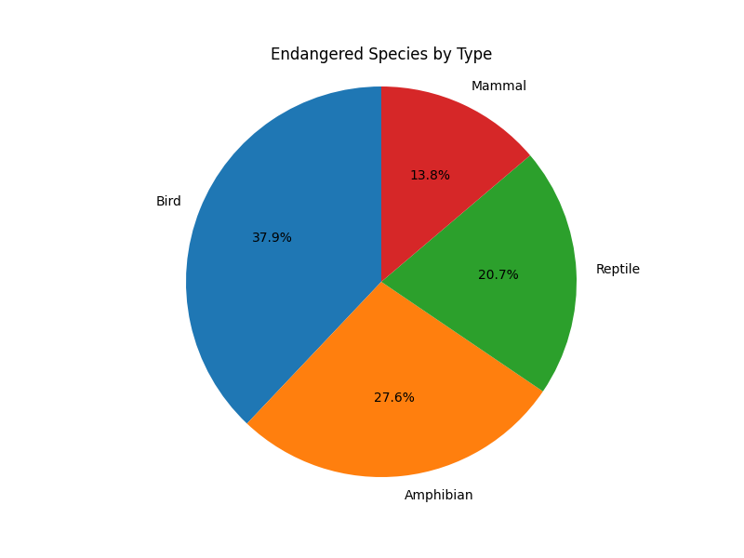
 | Species | Common name | Type | Estimated population
2 | Aipysurus foliosquama | Leaf scaled sea-snake | Reptile | Unknown
5 | Antilophia bokermanni | Araripe manakin | Bird | 779 individuals
7 | Aproteles bulmerae | Bulmer's fruit bat | Mammal | 150
8 | Ardea insignis | White bellied heron | Bird | 70–400 individuals
9 | Ardeotis nigriceps | Great Indian bustard | Bird | 50–249 mature individuals
10 | Astrochelys yniphora | Ploughshare tortoise | Reptile | 440–770
11 | Atelopus balios | Rio Pescado stubfoot toad | Amphibian | Unknown
12 | Aythya innotata | Madagascar pochard | Bird | 80 mature individuals
20 | Bradypus pygmaeus | Pygmy three-toed sloth | Mammal | < 500
22 | Calumma tarzan | Tarzan's chameleon | Reptile | < 100
28 | Cyclura collei | Jamaican iguana Jamaican rock iguana | Reptile | Unknown
32 | Diomedea amsterdamensis | Amsterdam albatross | Bird | 100 mature individuals
36 | Discoglossus nigriventer | Hula painted frog | Amphibian | Unknown
39 | Eleutherodactylus glandulifer | La Hotte glanded frog | Amphibian | Unknown
40 | Eleutherodactylus thorecetes | Macaya breast-spot frog | Amphibian | Unknown
44 | Eurynorhyncus pygmeus | Spoon-billed sandpiper | Bird | 100 breeding pairs
46 | Geronticus eremita | Northern bald ibis | Bird | about 3000 individuals
49 | Heleophryne rosei | Table mountain ghost frog | Amphibian | Unknown
51 | Heteromirafa sidamoensis | Liben lark | Bird | 90–256
56 | Leiopelma archeyi | Archey's frog | Amphibian | Unknown
57 | Lithobates sevosus | Dusky gopher frog | Amphibian | 60–100
58 | Lophura edwardsi | Edwards's pheasant | Bird | Unknown
65 | Neurergus kaiseri | Luristan newt | Amphibian | < 1,000
73 | Pomarea whitneyi | Fatuhiva monarch | Bird | 50
77 | Psammobates geometricus | Geometric tortoise | Reptile | Unknown
78 | Pseudoryx nghetinhensis | Saola | Mammal | Unknown
81 | Rafetus swinhoei | Red River giant softshell turtle | Reptile | 3
92 | Sterna bernsteini | Chinese crested tern | Bird | < 50
100 | Zaglossus attenboroughi | Attenborough's echidna | Mammal | Unknown

