Sheet1
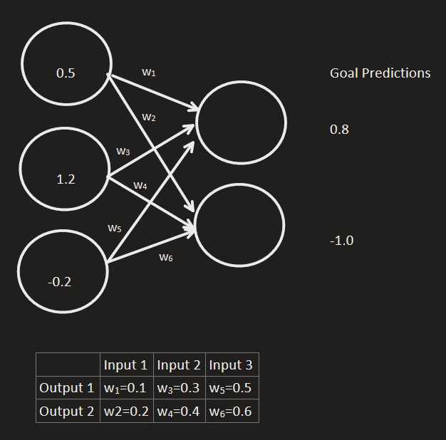
 |  |  |  |  |  |  |  |  |  | Iteration 1
 |  |  |  |  |  |  |  |  |  | Step 1: Make predictions using forward propagation

 |  |  |  |  |  |  |  |  |  | pred1 | 0.31
 |  |  |  |  |  |  |  |  |  | pred2 | 0.46

 |  |  |  |  |  |  |  |  |  | Step 2: Calculate deltas (pred - goal_pred)

 |  |  |  |  |  |  |  |  |  | delta1 | -0.49
 |  |  |  |  |  |  |  |  |  | delta2 | 1.46

 |  |  |  |  |  |  |  |  |  | Step3: Calculate w_deltas (delta * input)

 |  |  |  |  |  |  |  |  |  | w_deltas | Input1 | Input2 | Input3
 |  |  |  |  |  |  |  |  |  | delta1 | -0.245 | -0.588 | 0.098
 |  |  |  |  |  |  |  |  |  | delta2 | 0.73 | 1.752 | -0.292

 |  |  |  |  |  |  |  |  |  | Step4: Update Weights (weights - (delta_weights * alpha)

 |  |  |  |  |  |  |  |  |  | weights | input1 | input2 | input3
 |  |  |  |  |  |  |  |  |  | ouput1 | 0.1245 | 0.3588 | 0.4902
 |  |  |  |  |  |  |  |  |  | output2 | 0.127 | 0.2248 | 0.6292

 |  |  |  |  |  |  |  |  |  | Iteration 2
 |  |  |  |  |  |  |  |  |  | Step 1: Make predictions using forward propagation

 |  |  |  |  |  |  |  |  |  | pred1 | 0.39477
 |  |  |  |  |  |  |  |  |  | pred2 | 0.20742

 |  |  |  |  |  |  |  |  |  | Step 2: Calculate deltas (pred - goal_pred)

 |  |  |  |  |  |  |  |  |  | delta1 | -0.40523
 |  |  |  |  |  |  |  |  |  | delta2 | 1.20742

Weights | Input 1 | Input 2 | Input 3 | alpha | Input1 | Input2 | Input3 | goal output 1 | goal output2 | Step3: Calculate w_deltas (delta * input)
Output 1 | 0.1 | 0.3 | 0.5 | 0.1 | 0.5 | 1.2 | -0.2 | 0.8 | -1
Ouput 2 | 0.2 | 0.4 | 0.6 |  |  |  |  |  |  | w_deltas | Input1 | Input2 | Input3
 |  |  |  |  |  |  |  |  |  | delta1 | -0.202615 | -0.486276 | 0.081046
 |  |  |  |  |  |  |  |  |  | delta2 | 0.60371 | 1.448904 | -0.241484

 |  |  |  |  |  |  |  |  |  | Step4: Update Weights (weights - (delta_weights * alpha)

 |  |  |  |  |  |  |  |  |  | weights | input1 | input2 | input3
 |  |  |  |  |  |  |  |  |  | ouput1 | 0.1447615 | 0.4074276 | 0.4820954
 |  |  |  |  |  |  |  |  |  | output2 | 0.066629 | 0.0799096 | 0.6533484

 |  |  |  |  |  |  |  |  |  | Iteration 3
 |  |  |  |  |  |  |  |  |  | Step 1: Make predictions using forward propagation

 |  |  |  |  |  |  |  |  |  | pred1 | 0.46487479
 |  |  |  |  |  |  |  |  |  | pred2 | -0.00146366

 |  |  |  |  |  |  |  |  |  | Step 2: Calculate deltas (pred - goal_pred)

 |  |  |  |  |  |  |  |  |  | delta1 | -0.33512521
 |  |  |  |  |  |  |  |  |  | delta2 | 0.99853634

 |  |  |  |  |  |  |  |  |  | Step3: Calculate w_deltas (delta * input)

 |  |  |  |  |  |  |  |  |  | w_deltas | Input1 | Input2 | Input3
 |  |  |  |  |  |  |  |  |  | delta1 | -0.167562605 | -0.402150252 | 0.067025042
 |  |  |  |  |  |  |  |  |  | delta2 | 0.49926817 | 1.198243608 | -0.199707268

 |  |  |  |  |  |  |  |  |  | Step4: Update Weights (weights - (delta_weights * alpha)

 |  |  |  |  |  |  |  |  |  | weights | input1 | input2 | input3
 |  |  |  |  |  |  |  |  |  | ouput1 | 0.1615177605 | 0.4476426252 | 0.4753928958
 |  |  |  |  |  |  |  |  |  | output2 | 0.016702183 | -0.0399147608 | 0.6733191268

