Sheet1
Inputs | weights_0_1__0 | weights_0_1__1 | Inner Node Output | Inner Node Weights | Prediction | True Value | Pure error (delta) | alpha
 |  |  |  |  |  |  |  | 0.05
Forward 1
2 | 0.11 | 0.12 | 0.85 | 0.14 | 0.191 | 1 | -0.809
3 | 0.21 | 0.08 | 0.48 | 0.15

Back Propagation
2 | 0.121326 | 0.132135 |  | 0.1743825
3 | 0.226989 | 0.0982025 |  | 0.169416

 |  |  |  |  |  |  |  | 0.05
Forward 2
2 | 0.121326 | 0.132135 | 0.923619 | 0.1743825 | 0.25574578081 | 1 | -0.74425421919
3 | 0.226989 | 0.0982025 | 0.5588775 | 0.169416

Back Propagation
2 | 0.13430449114 | 0.14474385728 |  | 0.20875286688
3 | 0.24645673671 | 0.11711578592 |  | 0.19021334687

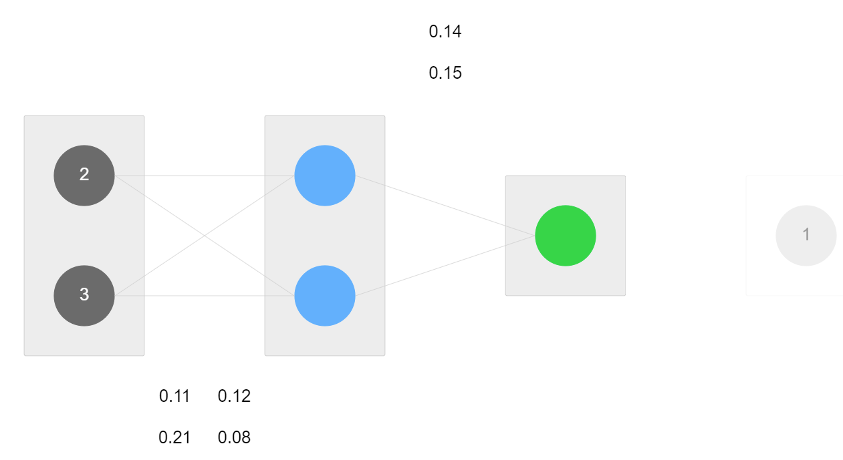
 |  |  |  | Reminder: weight = weight - (delta * input) * alpha
 |  |  |  | For Further in: weight = weight - (delta * input) * alpha * weight_out_node

First Prediction
