definitions
Definitions and sources
 | Term | Definition | Source (citation) | Citation | Source (location)
 | Aquaculture | Commercial growing of marine or freshwater animals and aquatic plants. Often called ‘fish farming’. | ABARES
 |  | Fish, shellfish, and/or plants that are bred and reared in ponds, enclosures, and other forms of fresh- or salt-water confinement for purposes of harvesting | QDAF |  | https://qfish.fisheries.qld.gov.au/Help https://www.daf.qld.gov.au/business-priorities/fisheries/sustainable/glossary-of-terms#:~:text=Catch%2Dper%2Dunit%2Deffort,of%20change%20in%20the%20fishery.
 | Aquaculture fish | Prawns, freshwater fish, Prawn hatchery, barramundi, hatchery and aquarium, redclaw, oysters, Other (marine fish, sea cucumbers, algae and ulva, crustaceans and other bivalves) | State of Queensland (2020) | State of Qld (2020) Ross Lobegeiger report to farmers. Aquaculture production summary for Qld 2020-2021
 | Aquaculture value | Assessed value received by aquaculturists on the basis of an ‘at farm gate’ equivalent for product marketed. | ABARES
 | Avoided damage cost | The avoided damage costs method estimates the value of ecosystem services based on the costs of the damages that would occur due to the loss of these services
 | Beach Price | The unimproved price received by commercial fishers when landing their catch at the beach, wharf or port (also referred to as wharf price and comparable to farm gate price), and is generally expressed in terms of $/kg or $/unit. Processing margins are not included in the beach price as processing operations are assumed to occur further along the value chain. The use of beach prices also removes the effect of transfer pricing by the firm if it is vertically integrated into the value chain. | BDO (2023) | BDO EconSearch (2023) Economic and social indicators for Queensland's commercial fisheries in 2020/2021. Report for Fisheries Queensland | https://www.publications.qld.gov.au/ckan-publications-attachments-prod/resources/895ed74e-e9a6-4b9b-b970-8fc3d6f89c7a/economic_and_social_indicators_2021_qld-commercial-fisheries_230213.pdf?ETag=e6b23478e18b083d5e29d68654b1f29c
 | Beam otter trawl fishery | Trawlers are allowed to tow more than one otter trawl or beam trawl. There are two types of trawl gear - beam and otter. They are both used to take prawns. The main difference is how they keep the net open. Beam trawl is generally used in shallow waters. The net is attached to 2 sleds connected by a rigid pole or beam that hods the net open for fishing | Commercial trawl fishing gear | Business Queensland Accessed 14/12/23 |  | Commercial trawl fishing gear | Business Queensland
 | Benefits transfer | Use results obtained in one context in a different context (e.g., estimating the value of one forest using the calculated economic value of a different forest of a similar size and type)
 | Cairns regional coastal waters | Spatial area captured in Qld Govt recreational fishing survey
 | Cape York | As per NRM region. Only 9.4% of the Cape York NRM region is in the CAPOM study area
 | Catch | The number of animals caught. It includes those retained and released | Queensland Government |  | Dashboard | Department of Agriculture and Fisheries, Queensland (daf.qld.gov.au)
 | Catch per unit effort (CPUE) | The number or weight of fish caught by a unit of fishing effort. Can be used as an index of relative abundance or indicator of change in the fishery. | BDO (2023) | BDO EconSearch (2023) Economic and social indicators for Queensland's commercial fisheries in 2020/2021. Report for Fisheries Queensland
 | Confidence | The level of confidence in the estimate (based on residual standard error) | Queensland Government |  | Dashboard | Department of Agriculture and Fisheries, Queensland (daf.qld.gov.au)
 | Commercial fishery | Queensland’s commercial fisheries target a diverse range of species with a diverse range of methods and business structures. Fisheries can be defined in various ways but are usually based on a combination of target species, fishing method and fishing region. Commercial fishing is where fish are caught for profit. | BDO (2023) | BDO EconSearch (2023) Economic and social indicators for Queensland's commercial fisheries in 2020/2021. Report for Fisheries Queensland
 | Commercial fishers/professional fishers | Commercial fishers and charter operators | BDO (2023) | BDO EconSearch (2023) Economic and social indicators for Queensland's commercial fisheries in 2020/2021. Report for Fisheries Queensland
 | Commercial harvest fishery | Include sea cucumber fishery, marine aquarium fish fishery, coral fishery, trochus fishery, tropical rock lobster fishery, minor harvest fishery | Queensland Government |  | Sea cucumber fishery | Business Queensland
 | Commercial line fisheries | These are1) reef line fisheries; 2) rocky reef fishery; 3) east coast Spanish Mackeral fishery; 4) east coast multiple hook fishery; 5) east coast inshore fishery(line and net fishers); 6) Gulf of Capenteria line fishery . For more information see worksheet "Fishery and species". The Line Fishery (Reef) includes all activity on an RQ symbol regulated by Fisheries Queensland. The Line Fishery (Reef) operates predominantly in the Great Barrier Reef Marine Park, with operators generally using smaller tender boats independently from a mother vessel. The RQ symbol, which must be held in conjunction with an L1, L2, or L3 symbol, permits fishers to use line methods to take Line Fishery (Reef) species. Total allowable commercial catch is managed through individual tradable quotas for Coral Trout (CT), Red Throat Emperor (RTE) and other species (OS). Targeted species include coral trout, red throat emperor and other Line Fishery (Reef) species (including cods, emperors and tropical snappers). | BDO (2023) | BDO EconSearch (2023) Economic and social indicators for Queensland's commercial fisheries in 2020/2021. Report for Fisheries Queensland | (from https://www.business.qld.gov.au/industries/farms-fishing-forestry/fisheries/fisheries-profiles/commercial-line-fisheries)
 |  |  | Queensland Government (2023) |  | Commercial line fisheries | Business Queensland
 | Commercial line fishers (rocky reef) | The Line Fishery (Rocky reef) includes all catch of the species listed below on the East Coast of Queensland using a line method. The CAAB code appears in brackets next to each species. Snapper is the primary target species in the fishery. The species included are Bonito - unspecified (37441909), Kingfish - black (37335001), Amberjack (37337025), Frypan bream (37353006), Kingfish - yellowtail (37337006), Emperor - grass (37351006), Snapper (37353001), Perch - pearl (37320003), Dolphin fish (37338001), Jew fish - teraglin (37354020), Samson fish (37337007), Sea sweep (37361004) and Kingfish - unspecified (37337911). Fishers with an L1, L2 or L3 symbol can harvest Line Fishery (Rocky Reef) species throughout Queensland waters but the majority of Line Fishery (Rocky Reef) species are taken in South East Queensland. | BDO (2023) | BDO EconSearch (2023) Economic and social indicators for Queensland's commercial fisheries in 2020/2021. Report for Fisheries Queensland
 | Commercial trawl fisheries | There are 4 main trawl fisheries 1) east coast otter trawl; 2) Moreton Bay Otter trawl; 3) river and inshore bream trawl; 4) finfish (stout whiting) trawl For more information see worksheet "Fishery and species" | BDO (2023) | BDO EconSearch (2023) Economic and social indicators for Queensland's commercial fisheries in 2020/2021. Report for Fisheries Queensland
 | Contingent Behaviour | A stated preference methodology which emplys a survey that describes a hypothetical change in environental quality and asks people about the change sin their behaviour contingent to the quality change | Kragt, M., et al. (2009). "Effects of Great Barrier Reef degradation on recreational reef-trip demand: a contingent behaviour approach." Australian Journal of Agricultural and Resource Economics 53: 213-229. | Kragt, M., et al. (2009). "Effects of Great Barrier Reef degradation on recreational reef-trip demand: a contingent behaviour approach." Australian Journal of Agricultural and Resource Economics 53: 213-229.
 | Consumer Surplus value | The additional non-monetary value of a recreational site to people that utilise it, can be thought of as the amount that visitors are willing to pay over and above the amount they actually pay to use a recreational site as captured through transactions made in the formal market. The consumer surplus is the component of the total value representing the value placed on recreational fishing above the actual expenditure incurred and measures the annual net benefit value to recreational fishers. | BDO (2021) | Economic Contribution of Recreational Fishing by Queenslanders to Queensland. A report for Fisheries Queensland. Brisbane. | ECONOMIC CONTRIBUTION OF RECREATIONAL FISHING BY QUEENSLANDERS TO QUEENSLAND (daf.qld.gov.au)
 | Coral harvest/coral fishery | The Coral Fishery (D symbol) is a harvest (hand collection) fishery. Targeted species include live corals and rock, coral rubble and coral sand. | BDO (2023) | BDO EconSearch (2023) Economic and social indicators for Queensland's commercial fisheries in 2020/2021. Report for Fisheries Queensland
 | Coral harvest and marine aquarium fishery | The Coral Harvest and Marine Aquarium Fishery includes Coral and Marine Aquarium Fish Fisheries regulated by Fisheries Queensland on the East Coast of Queensland. These fisheries are combined as businesses that are active in one tend to be active in both. The Coral Fishery (D symbol) is a harvest (hand collection) fishery. Targeted species include live corals and rock, coral rubble and coral sand. The Marine Aquarium Fish Fishery (A1 and A2 symbols) is another harvest fishery focused on the collection of marine aquarium fish and invertebrates that are marketed both domestically and internationally. Primary target species include damselfish and anemone fish (family pomacentridae), butterflyfish and bannerfish (family chaetodontidae), angelfish (family pomacanthidae), wrasses (family labridae) and gobies (family gobiidae). | BDO 2023 | BDO EconSearch (2023) Economic and social indicators for Queensland's commercial fisheries in 2020/2021. Report for Fisheries Queensland
 | Cost avoided | Some benefits can be estimated based on the avoided costs of related services
 | Cultural ecosystem services | Cultural services are the experiential and intangible services related to the perceived or actual qualities of ecosystems whose existence and functioning contributes to a range of cultural benefits. | SEEA EA White paper
 | East Coast Inshore Fin Fish | Is a large and diverse fishery, comprising commercial, recreational, charter and Indigenous sectors. The commercial sector targets several finfish species, using a variety of different net and line fishing methods. For more information see worksheet "Fishery and species" he East Coast Inshore Fin Fish Fishery is a large and diverse fishery, comprising commercial, recreational, charter and Indigenous sectors. The commercial sector targets several finfish species, using a variety of different net and line fishing methods. | BDO (2023) | BDO EconSearch (2023) Economic and social indicators for Queensland's commercial fisheries in 2020/2021. Report for Fisheries Queensland
 | East Coast trawl fishery | The East Coast Trawl Fishery includes otter trawl and river and inshore beam trawl operators regulated by Fisheries Queensland on the East Coast of Queensland, including in Moreton Bay, but excluding the finfish trawl fishery (i.e. T4 symbol - stout whiting). targeted species include prawn, bugs and scallops. For more information see worksheet "Fishery and species" | BDO (2023) | BDO EconSearch (2023) Economic and social indicators for Queensland's commercial fisheries in 2020/2021. Report for Fisheries Queensland
 | Education | Education can be broadly defined as the lifetime process of obtaining knowledge, attitudes, skills, and socially valued qualities of character and behaviour. Educational value/environmental education. Ecosystems serve as living laboratories for research and education, fostering environmental awareness and scientific discoveries.
 | Effort | see fishing effort
 | Exchange value | In SEEA EA and national accounting, entries into accounts in monetary terms reflect their exchange value as defined in the SNA. Exchange values are defined in the SEEA EA white paper as the values at which goods, services, labour or assets are exchaged or else could be exchanged for cash | United Nations et al. (2021). System of Environmental-Economic Accounting— Ecosystem Accounting (SEEA EA). White cover publication, pre-edited text subject to official editing Chapter 8.2.1; 8.13
 | Gross Domestic Product | The gross domestic product (GDP) is the total market value of all finished goods and services produced in the country within a defined period. “Finished goods” are products not yet distributed to consumers.
 | Gross Value of Production (GVP) | The value of the total annual catch for individual fisheries, fishing sectors or the fishing industry as a whole, and is measured in dollar terms. GVP, generally reported on an annual basis, is the quantity of catch for the year multiplied by the average monthly landed beach prices. | BDO (2023) | BDO EconSearch (2023) Economic and social indicators for Queensland's commercial fisheries in 2020/2021. Report for Fisheries Queensland
 | Grid | A distinct Queensland fishing location measuring 30nm by 30nm; this location is identified by a code (e.g. W37). These codes are used by most fishers when reporting their daily catch and effort in their logbook. You can view these through the Commercial fishing logbook maps of Queensland. |  |  | Logbook codes and maps | Business Queensland
 | Gross Income | The cash receipts received by an individual firm and is expressed in dollar terms. Gross Income is calculated as catch (kg) multiplied by ‘beach price’ ($/kg). Total income is the contribution of an individual fishing business to the GVP of a fishing sector or fishery | BDO (2023) | BDO EconSearch (2023) Economic and social indicators for Queensland's commercial fisheries in 2020/2021. Report for Fisheries Queensland | https://www.publications.qld.gov.au/ckan-publications-attachments-prod/resources/895ed74e-e9a6-4b9b-b970-8fc3d6f89c7a/economic_and_social_indicators_2021_qld-commercial-fisheries_230213.pdf?ETag=e6b23478e18b083d5e29d68654b1f29c
 | First Nations | Indigenous communities, peoples and nations are those which, having a historical continuity with pre-invasion and pre-colonial societies that developed on their territories, consider themselves distinct from other sectors of the societies now prevailing in those territories, or parts of them
 | Fisher day | Measure of fishing effort (e.g. if three people went fishing in the morning and then again in the afternoon, this would represent three fisher days) | State of Queensland (2015) | Statewide recreational Fishing Survey 2013-2014 | Microsoft Word - 2013-14SRFS Report_31102016 (daf.qld.gov.au)
 | Fishing effort | estimated in days where a day is a person fishing on a day irrespective of the length of time fished | Qld Government (2020) | 2019-2020 statewide recretional fishing survey | Document title (daf.qld.gov.au)
 | Farmed fish | fish produced in a commercial aquaculture setting. Species include prawns, freshwater fish, prawn haychery, Barramundi, Hatchery and aquarium, Redclaw, Oysters and other (marine fish, sea cucumbers, algae and ulva, crustaceans and other bivalves) | State of Queensland (2020) | Ross Lobegeiger report to farmers | 2019-20 Aquaculture production summary report (publications.qld.gov.au)
 | Government | Government units organise and finance the provision of non-market goods and services to individual households and the community at large, mainly financed out of taxation revenue. They are also concerned with the distribution and redistribution of income and wealth in accordance with government policies. They undertake production (but mainly of a different type from corporations), accumulation and final consumption on behalf of the population | SEEA EA White Paper
 | Gross Operating Surplus (GOS) | Total income minus total cash costs plus value of unpaid labour (if positive, there is profit or producer surplus) | SEEA EA White Paper |  | https://seea.un.org/ecosystem-accounting
 | Harvested | Number of animals caught and retained | Queensland Government |  | Dashboard | Department of Agriculture and Fisheries, Queensland (daf.qld.gov.au)
 | Harvest fisheries | coral, crayfish and rock lobster, marine aquarium fish, eel, sea cucumber, minor harvest (including trochus and pearl)
 | Hedonic prices | Extract effect of environmental factors on price of goods that include those factors
 | Household | The household sector consists of all resident households, defined as small groups of persons who share accommodation, pool some or all of their income and wealth, and collectively consume goods and services, principally housing and food. Households are primarily consumer units, although they may also engage in production (i.e. the operation of unincorporated enterprises and non-profit institutions serving households) and accumulation | SEEA EA White Paper
 | Industry | The groupings of establishments that undertake similar types of productive activity are referred to as industries. Industries cover, broadly speaking, agriculture, mining, manufacturing, construction and services. Ideally, an industry is composed of establishments that undertake the same activity and only that activity, i.e., the grouping would be homogeneous. In practice, many establishments undertake a variety of activities but must have a primary activity that can be used to classify them to a specific industry class. | SEEA EA White Paper |  | https://seea.un.org/ecosystem-accounting
 | Line fishery | These are1) reef line fisheries; 2) rocky reef fishery; 3) east coast Spanish Mackeral fishery; 4) east coast multiple hook fishery; 5) east coast inshore fishery(line and net fishers); Gulf of Capenteria line fishery . For more information see worksheet "Fishery and species" | BDO (2023) | BDO EconSearch (2023) Economic and social indicators for Queensland's commercial fisheries in 2020/2021. Report for Fisheries Queensland | (from https://www.business.qld.gov.au/industries/farms-fishing-forestry/fisheries/fisheries-profiles/commercial-line-fisheries)
 | Line fishery (reef) | Permits fishers to take Line Fishery (reef) species.. For more information see worksheet "Fishery and species". Total allowable commercial catch is managed through individual tradable quotas for Coral Trout (CT), Red Throat Emperor (RTE) and other species (OS). Targeted species include coral trout, red throat emperor and other Line Fishery (Reef) species (including cods, emperors and tropical snappers). | BDO (2023) | BDO EconSearch (2023) Economic and social indicators for Queensland's commercial fisheries in 2020/2021. Report for Fisheries Queensland | https://www.publications.qld.gov.au/ckan-publications-attachments-prod/resources/895ed74e-e9a6-4b9b-b970-8fc3d6f89c7a/economic_and_social_indicators_2021_qld-commercial-fisheries_230213.pdf?ETag=e6b23478e18b083d5e29d68654b1f29c
 | Line fishery (rocky reef) | Permitted to take snapper, Bonito, Kingfish… using a line method . Majority of catch is in SE Qld. For more information see worksheet "Fishery and species" | BDO (2023) | BDO EconSearch (2023) Economic and social indicators for Queensland's commercial fisheries in 2020/2021. Report for Fisheries Queensland
 | Marine aquarium fishery | The Marine Aquarium Fish Fishery (A1 and A2 symbols) is another harvest fishery focused on the collection of marine aquarium fish and invertebrates that are marketed both domestically and internationally. Primary target species include damselfish and anemone fish (family pomacentridae), butterflyfish and bannerfish (family chaetodontidae), angelfish (family pomacanthidae), wrasses (family labridae) and gobies (family gobiidae). | BDO (2023) | BDO EconSearch (2023) Economic and social indicators for Queensland's commercial fisheries in 2020/2021. Report for Fisheries Queensland | https://www.publications.qld.gov.au/ckan-publications-attachments-prod/resources/895ed74e-e9a6-4b9b-b970-8fc3d6f89c7a/economic_and_social_indicators_2021_qld-commercial-fisheries_230213.pdf?ETag=e6b23478e18b083d5e29d68654b1f29c
 | Market price | * Amounts of money that willing buyers pay to acquire something from willing sellers. The use of observed market prices implies that the accounts embody information about the revealed preferences of the economic units involved; * entries into the accounts will be aggregate of multiple transactions (eg all sales of bread in the year) | SEEA EA White paper section 8.2, 8.14 |  | https://seea.un.org/ecosystem-accounting
 |  | * other approaches recommended when there is no exchange value include 1) written down replacement cost - the current acquiisiton price of an equivalent new asset less the accumulated depreciation and 2) the discounted present value of expected future returns | SEEA EA White paper 8.2, 8.20 |  | https://seea.un.org/ecosystem-accounting
 | Net fishing (commercial net fishing) | Commercial fishers use a variety of nets and netting methods to catch fish. The nets and methods used depend on the fishery. Some of the nets used include mesh nets and seine nets. Queensland has 2 major commercial net fisheries: the east coast inshore fishery (which also includes commercial line fisheries, under L1, L2 and L3 fishery symbols) the Gulf of Carpentaria inshore fishery. |  |  | Commercial trawl fishing gear | Business Queensland
 | Non-fish biomass | see definition for coral harvest and marine aquarium fishery | BDO(2023) | BDO EconSearch (2023) Economic and social indicators for Queensland's commercial fisheries in 2020/2021. Report for Fisheries Queensland
 | Otter trawl | Demersal trawl operated by a single vessel in which the net is held open horizontally by angle-towed otter boards (large rectangular ‘boards’ of timber or steel) and vertically by a combination of floats on the headrope and weights on the ground line. Attached between the head and ground ropes and the towing warps, the otter boards are spread apart by the hydrodynamic forces acting on them when the net is towed. | ABARES
 |  | Trawlers are allowed to tow more than one otter trawl or beam trawl. There are two types of trawl gear - beam and otter. They are both used to take prawns. The main difference is how they keep the net open. The otter trawl net has chains hung below the footrope to disturb the prawns as the net is towed along the sea bed. Each end of the net i sattached to the otter board and the sheer force of water keeps the net open | Commercial trawl fishing gear | Business Queensland (accessed 14/12/23) |  | Commercial trawl fishing gear | Business Queensland
 | Pot fishing | Fishing with pots such as lobster pots
 | Production value | The production value measures the amount actually produced by the unit, based on sales, including changes in stocks and the resale of goods and services.
 | Provisioning ecosystem services | Provisioning services are those ecosystem services representing the contributions to benefits that are extracted or harvested from ecosystems | SEEA EA White Paper
 | Recreation | GBRMPA defines recreation as an independent visit for enjoyment that is not part of a commercial operation. It is distinct from tourism where a visitor has paid to be part of a commercial operation to visit the GBRMP, including those visitors who undertake recreational fishing from a charter fishing vessel. | GBRMPA
 | Recreation(al) fishing | Refers to the attempted capture of fish, crustaceans or other taxa for non-commercial purposes. Recreational fishing, also called sport fishing or game fishing, is fishing for leisure, exercise or competition. | Wembley et al 2015 p. xiv | Webley, J., McInnes, K., Teixeira, D., Lawson, A. and Quinn, R. (2015). Statewide Recreational Fishing Survey 2013-2014
 | Recreational fisher | [A] recreational fisher [refers to] someone 5 years old or older who went recreational fishing at least once in a 12-month period” | Wembley et al 2015 p. xiv | Webley, J., McInnes, K., Teixeira, D., Lawson, A. and Quinn, R. (2015). Statewide Recreational Fishing Survey 2013-2014
 | Regulating ecosystem services | Regulating and maintenance services are those ecosystem services resulting from the ability of ecosystems to regulate biological processes and to influence climate, hydrological and biochemical cycles, and thereby maintain environmental conditions beneficial to individuals and society. | SEEA EA White Paper
 | Replacement cost | The replacement cost method estimates the cost of replacing the ecosystem service by something that provides the same contribution to benefits
 | Retained weight | Weight of species caught and retained (in kilograms).
 | Simulated exchange value | The simulated exchange value method estimates the price and the quantity that would prevail if the ecosystem service were to be traded in a hypothetical market
 | Total Cash Cost | Total Cash Costs (TCC): defined as Total Variable Costs plus Total Fixed Cost | BDO (2023) | BDO EconSearch (2023) Economic and social indicators for Queensland's commercial fisheries in 2020/2021. Report for Fisheries Queensland | https://www.publications.qld.gov.au/ckan-publications-attachments-prod/resources/895ed74e-e9a6-4b9b-b970-8fc3d6f89c7a/economic_and_social_indicators_2021_qld-commercial-fisheries_230213.pdf?ETag=e6b23478e18b083d5e29d68654b1f29c
 | Total fixed costs | Are costs that remain fixed regardless of the level of catch or the amount of time spent fishing. As such these costs, measured in current dollar terms, are likely to remain relatively constant from one year to the next. Examples of fixed cost include: • insurance • administrative and industry fees • office & business administration (communication, stationery, accountancy fees) • interest on loan repayments and overdraft • leasing | BDO (2023) | BDO EconSearch (2023) Economic and social indicators for Queensland's commercial fisheries in 2020/2021. Report for Fisheries Queensland
 | Total variable costs | Total Variable Costs: are costs which are dependent upon the level of catch or, more commonly, the amount of time spent fishing. As catch or fishing time increases, variable costs also increase. Variable costs are measured in current dollar terms and include the following individual cost items: • fuel, oil and grease for the boat • bait • ice • provisions • crew payments • unscheduled repairs & maintenance | BDO (2023) | BDO EconSearch (2023) Economic and social indicators for Queensland's commercial fisheries in 2020/2021. Report for Fisheries Queensland
 | Total value | see also WTP. The total value includes actual expenditures incurred to fish as captured through transactions made in the formal market and the additional amount they’d be willing to pay over and above actual expenditures. Consumer surplus is the component of the total value representing the value placed on recreational fishing above the actual expenditure incurred and measures the annual net benefit value to recreational fishers. | BDO (2021) | Economic Contribution of Recreational Fishing by Queenslanders to Queensland. A report for Fisheries Queensland. Brisbane. | ECONOMIC CONTRIBUTION OF RECREATIONAL FISHING BY QUEENSLANDERS TO QUEENSLAND (daf.qld.gov.au)
 | Tourism | Tourism is a social, cultural and economic phenomenon which entails the movement of people to countries or places outside their usual environment for personal or business/professional purposes.
 | Trawl fishing | Fishing method in which a large, bag-like net is drawn along behind a vessel to target either demersal or pelagic fish species. There are many variations. | ABARES
 | Travel Cost Method | A revealed preference non market valuation method which is based on the premise that the time and travel cost expenses that people incur to visit a site represent the price of access to the site and thus is analogous to willingness to pay for a market good. |  | Hotelling, H. (1949), Letter, In: An Economic Study of the Monetary Evaluation of Recreation in the National Parks, Washington, DC: National Park Service. Clawson, M. (1959) Method for measuring the demand for and value of outdoor recreation. Resources for the Future, 10. Washington DC.
 | Wet Tropics | As per NRM regions. This is 34.2% of the CAPOM area see worksheet 'calc area' | BDO (2023) | BDO EconSearch (2023) Economic and social indicators for Queensland's commercial fisheries in 2020/2021. Report for Fisheries Queensland
 | Weight | Weight of species caught and retained (in kilograms).
 | Wild fish | Wild fish captured through trawling and other non-farming methods | BDO (2021) | Economic Contribution of Recreational Fishing by Queenslanders to Queensland. A report for Fisheries Queensland. Brisbane. | ECONOMIC CONTRIBUTION OF RECREATIONAL FISHING BY QUEENSLANDERS TO QUEENSLAND (daf.qld.gov.au)
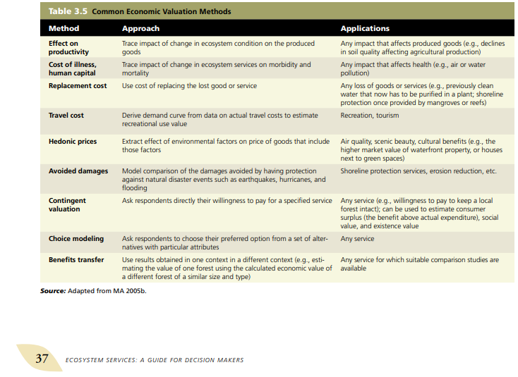
 | Willingnes to pay (WTP) value | is the maximum price at or below which a consumer will definitely buy one unit of a product |  | Varian, Hal R. (1992), Microeconomic Analysis, Vol. 3. New York: W.W. Norton.

description of spatial area
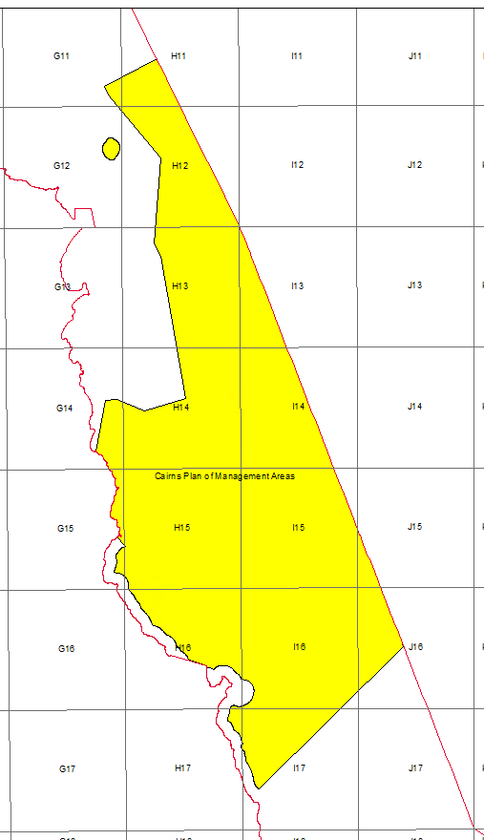
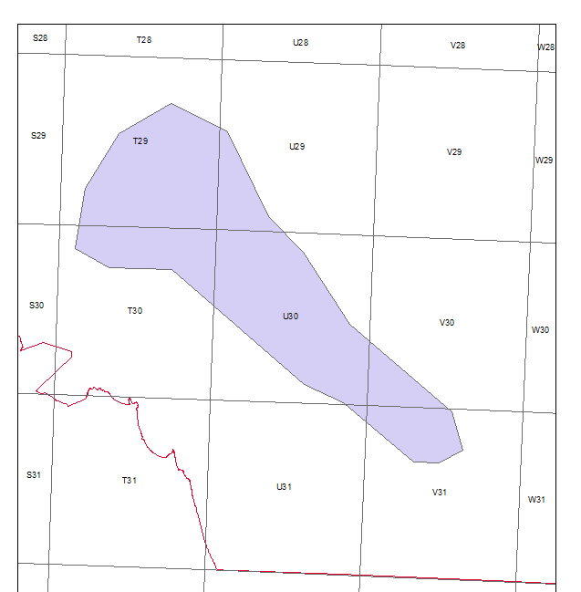
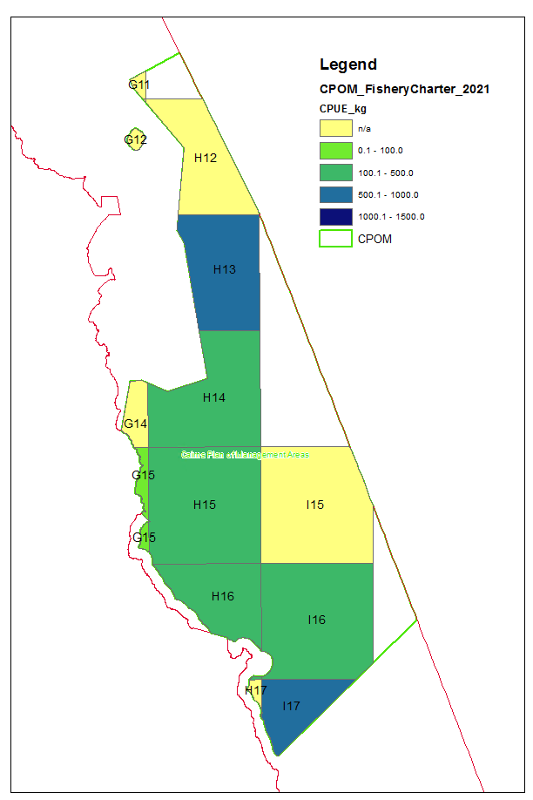
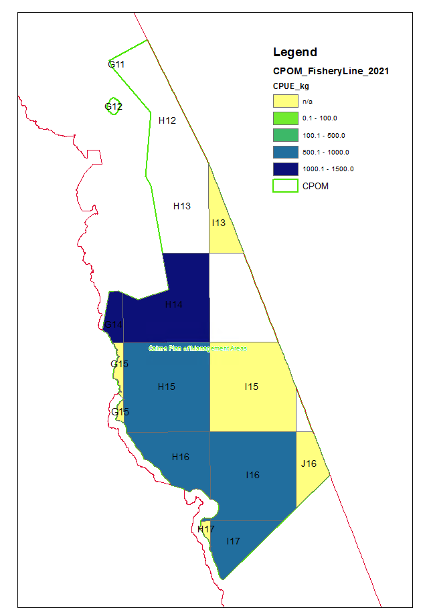
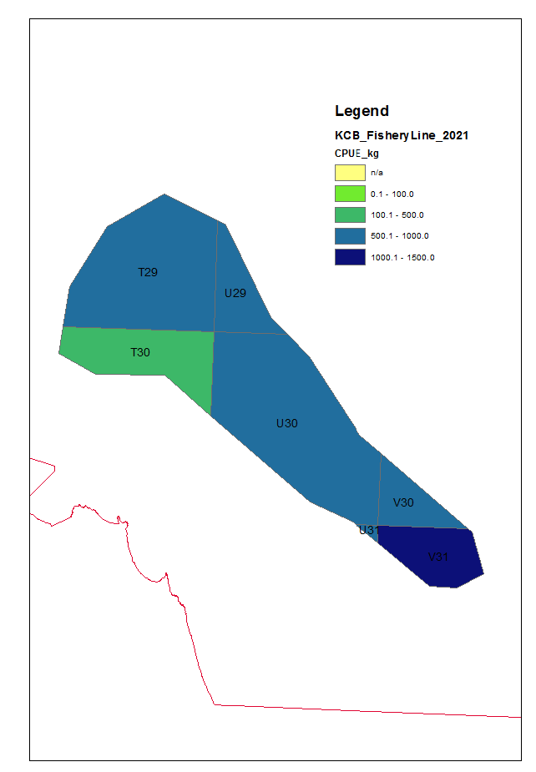
Commercial Fishery 30 min reporting grids
Cairns Plan of Management (CPOM) | G11, G12, G14, G15, H11, H12, H13, H14, H15, H16, H17, I13, I14, I15, I16, I17, J15, J16
Keppel Capricorn Bunkers | T29, T30, U29, U30, U31,V30, V31

