Screenshots
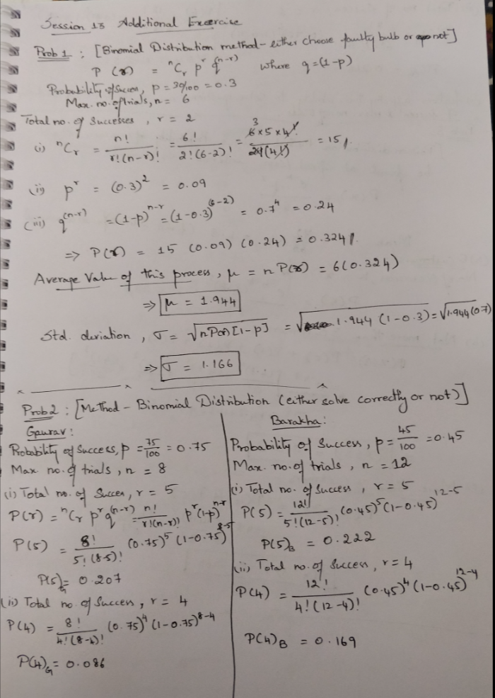
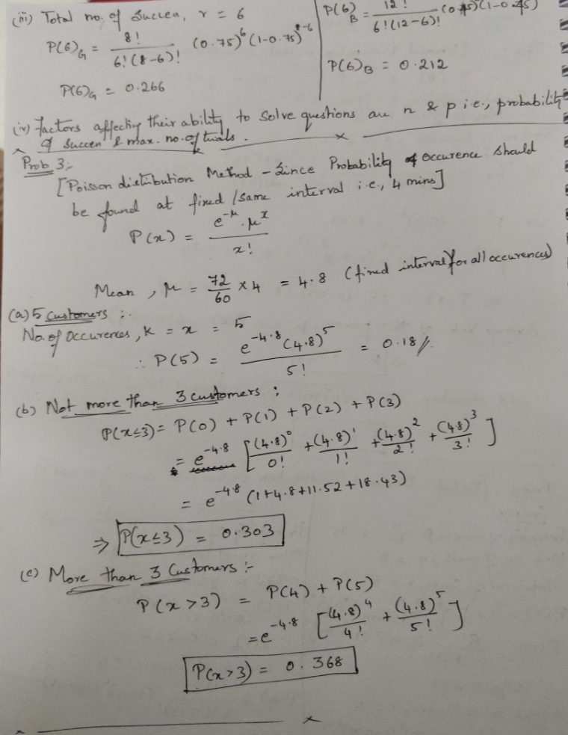
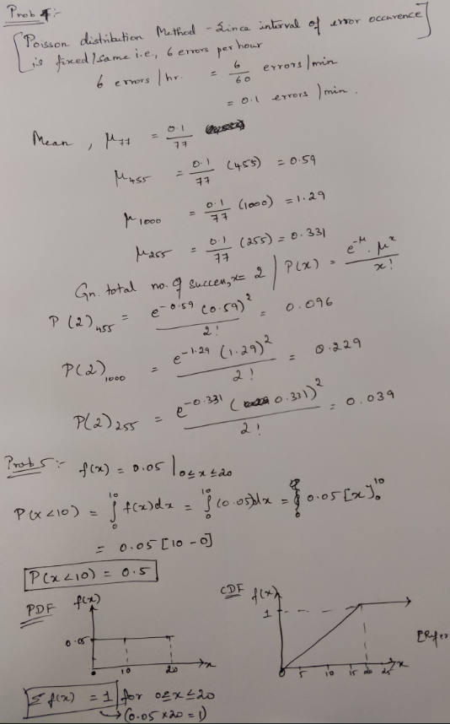

Plots
 | P(X)
255 | 0.039
256 | 0.040
257 | 0.040
258 | 0.040
259 | 0.040
260 | 0.041
261 | 0.041
262 | 0.041
263 | 0.041
264 | 0.042
265 | 0.042
266 | 0.042
267 | 0.043
268 | 0.043
269 | 0.043
270 | 0.043
271 | 0.044
272 | 0.044
273 | 0.044
274 | 0.044
275 | 0.045
276 | 0.045
277 | 0.045
278 | 0.045
279 | 0.046
280 | 0.046
281 | 0.046
282 | 0.046
283 | 0.047
284 | 0.047
285 | 0.047
286 | 0.048
287 | 0.048
288 | 0.048
289 | 0.048
290 | 0.049
291 | 0.049
292 | 0.049
293 | 0.049
294 | 0.050
295 | 0.050
296 | 0.050
297 | 0.051
298 | 0.051
299 | 0.051
300 | 0.051
301 | 0.052
302 | 0.052
303 | 0.052
304 | 0.053
...
CDF
Problem 2 |  |  | Problem 4 |  |  | Problem 5
 |  |  | Mean for 77 words= | 0.001 |  | f(x)= | 0.05 | for 0≤x≤20
Random variable (X) | Probability (Gaurav) | Probability (Barakha) | Total no. of success = | 2 |  | X | P(X)
4 | 0.086 | 0.169 | X | Mean(λ) | P(X) | 0 | 0
5 | 0.207 | 0.222 | 255 | 0.331 | 0.039 | 1 | 0.05
6 | 0.266 | 0.212 | 256 | 0.332 | 0.040 | 2 | 0.1
 |  |  | 257 | 0.334 | 0.040 | 3 | 0.15
 |  |  | 258 | 0.335 | 0.040 | 4 | 0.2
 |  |  | 259 | 0.336 | 0.040 | 5 | 0.25
 |  |  | 260 | 0.338 | 0.041 | 6 | 0.3
 |  |  | 261 | 0.339 | 0.041 | 7 | 0.35
 |  |  | 262 | 0.340 | 0.041 | 8 | 0.4
 |  |  | 263 | 0.342 | 0.041 | 9 | 0.45
 |  |  | 264 | 0.343 | 0.042 | 10 | 0.5
 |  |  | 265 | 0.344 | 0.042 | 11 | 0.55
 |  |  | 266 | 0.345 | 0.042 | 12 | 0.6
 |  |  | 267 | 0.347 | 0.043 | 13 | 0.65
 |  |  | 268 | 0.348 | 0.043 | 14 | 0.7
PDF
 |  |  | 269 | 0.349 | 0.043 | 15 | 0.75
 |  |  | 270 | 0.351 | 0.043 | 16 | 0.8
 |  |  | 271 | 0.352 | 0.044 | 17 | 0.85
 |  |  | 272 | 0.353 | 0.044 | 18 | 0.9
 |  |  | 273 | 0.355 | 0.044 | 19 | 0.95
 |  |  | 274 | 0.356 | 0.044 | 20 | 1
 |  |  | 275 | 0.357 | 0.045
 |  |  | 276 | 0.358 | 0.045 | X | f(X)
 |  |  | 277 | 0.360 | 0.045 | 0 | 0.05
 |  |  | 278 | 0.361 | 0.045 | 10 | 0.05
 |  |  | 279 | 0.362 | 0.046 | 20 | 0.05
 |  |  | 280 | 0.364 | 0.046 | Σ F(x)= | 1
 |  |  | 281 | 0.365 | 0.046
 |  |  | 282 | 0.366 | 0.046
 |  |  | 283 | 0.368 | 0.047
 |  |  | 284 | 0.369 | 0.047
 |  |  | 285 | 0.370 | 0.047
 |  |  | 286 | 0.371 | 0.048
 |  |  | 287 | 0.373 | 0.048
 |  |  | 288 | 0.374 | 0.048
 |  |  | 289 | 0.375 | 0.048
 |  |  | 290 | 0.377 | 0.049
 |  |  | 291 | 0.378 | 0.049
 |  |  | 292 | 0.379 | 0.049
 |  |  | 293 | 0.381 | 0.049
 |  |  | 294 | 0.382 | 0.050
 |  |  | 295 | 0.383 | 0.050
 |  |  | 296 | 0.384 | 0.050
 |  |  | 297 | 0.386 | 0.051
 |  |  | 298 | 0.387 | 0.051
 |  |  | 299 | 0.388 | 0.051
 |  |  | 300 | 0.390 | 0.051
 |  |  | 301 | 0.391 | 0.052
 |  |  | 302 | 0.392 | 0.052
 |  |  | 303 | 0.394 | 0.052
 |  |  | 304 | 0.395 | 0.053
 |  |  | 305 | 0.396 | 0.053
 |  |  | 306 | 0.397 | 0.053
 |  |  | 307 | 0.399 | 0.053
 |  |  | 308 | 0.400 | 0.054
 |  |  | 309 | 0.401 | 0.054
 |  |  | 310 | 0.403 | 0.054
 |  |  | 311 | 0.404 | 0.054
 |  |  | 312 | 0.405 | 0.055
 |  |  | 313 | 0.406 | 0.055
 |  |  | 314 | 0.408 | 0.055
 |  |  | 315 | 0.409 | 0.056
 |  |  | 316 | 0.410 | 0.056
 |  |  | 317 | 0.412 | 0.056
 |  |  | 318 | 0.413 | 0.056
 |  |  | 319 | 0.414 | 0.057
 |  |  | 320 | 0.416 | 0.057
 |  |  | 321 | 0.417 | 0.057
 |  |  | 322 | 0.418 | 0.058
 |  |  | 323 | 0.419 | 0.058
 |  |  | 324 | 0.421 | 0.058
 |  |  | 325 | 0.422 | 0.058
 |  |  | 326 | 0.423 | 0.059
 |  |  | 327 | 0.425 | 0.059
 |  |  | 328 | 0.426 | 0.059
 |  |  | 329 | 0.427 | 0.060
 |  |  | 330 | 0.429 | 0.060
 |  |  | 331 | 0.430 | 0.060
 |  |  | 332 | 0.431 | 0.060
 |  |  | 333 | 0.432 | 0.061
 |  |  | 334 | 0.434 | 0.061
 |  |  | 335 | 0.435 | 0.061
 |  |  | 336 | 0.436 | 0.062
 |  |  | 337 | 0.438 | 0.062
 |  |  | 338 | 0.439 | 0.062
 |  |  | 339 | 0.440 | 0.062
 |  |  | 340 | 0.442 | 0.063
 |  |  | 341 | 0.443 | 0.063
 |  |  | 342 | 0.444 | 0.063
 |  |  | 343 | 0.445 | 0.064
 |  |  | 344 | 0.447 | 0.064
 |  |  | 345 | 0.448 | 0.064
 |  |  | 346 | 0.449 | 0.064
 |  |  | 347 | 0.451 | 0.065
 |  |  | 348 | 0.452 | 0.065
 |  |  | 349 | 0.453 | 0.065
 |  |  | 350 | 0.455 | 0.066
 |  |  | 351 | 0.456 | 0.066
 |  |  | 352 | 0.457 | 0.066
 |  |  | 353 | 0.458 | 0.066
 |  |  | 354 | 0.460 | 0.067
 |  |  | 355 | 0.461 | 0.067
 |  |  | 356 | 0.462 | 0.067
 |  |  | 357 | 0.464 | 0.068
 |  |  | 358 | 0.465 | 0.068
 |  |  | 359 | 0.466 | 0.068
 |  |  | 360 | 0.468 | 0.068
 |  |  | 361 | 0.469 | 0.069
 |  |  | 362 | 0.470 | 0.069
 |  |  | 363 | 0.471 | 0.069
 |  |  | 364 | 0.473 | 0.070
 |  |  | 365 | 0.474 | 0.070
 |  |  | 366 | 0.475 | 0.070
 |  |  | 367 | 0.477 | 0.071
 |  |  | 368 | 0.478 | 0.071
 |  |  | 369 | 0.479 | 0.071
 |  |  | 370 | 0.481 | 0.071
 |  |  | 371 | 0.482 | 0.072
 |  |  | 372 | 0.483 | 0.072
 |  |  | 373 | 0.484 | 0.072
 |  |  | 374 | 0.486 | 0.073
 |  |  | 375 | 0.487 | 0.073
 |  |  | 376 | 0.488 | 0.073
 |  |  | 377 | 0.490 | 0.073
 |  |  | 378 | 0.491 | 0.074
 |  |  | 379 | 0.492 | 0.074
 |  |  | 380 | 0.494 | 0.074
 |  |  | 381 | 0.495 | 0.075
 |  |  | 382 | 0.496 | 0.075
 |  |  | 383 | 0.497 | 0.075
 |  |  | 384 | 0.499 | 0.076
 |  |  | 385 | 0.500 | 0.076
 |  |  | 386 | 0.501 | 0.076
 |  |  | 387 | 0.503 | 0.076
 |  |  | 388 | 0.504 | 0.077
 |  |  | 389 | 0.505 | 0.077
 |  |  | 390 | 0.506 | 0.077
 |  |  | 391 | 0.508 | 0.078
 |  |  | 392 | 0.509 | 0.078
 |  |  | 393 | 0.510 | 0.078
 |  |  | 394 | 0.512 | 0.078
 |  |  | 395 | 0.513 | 0.079
 |  |  | 396 | 0.514 | 0.079
 |  |  | 397 | 0.516 | 0.079
 |  |  | 398 | 0.517 | 0.080
 |  |  | 399 | 0.518 | 0.080
 |  |  | 400 | 0.519 | 0.080
 |  |  | 401 | 0.521 | 0.081
 |  |  | 402 | 0.522 | 0.081
 |  |  | 403 | 0.523 | 0.081
 |  |  | 404 | 0.525 | 0.081
 |  |  | 405 | 0.526 | 0.082
 |  |  | 406 | 0.527 | 0.082
 |  |  | 407 | 0.529 | 0.082
 |  |  | 408 | 0.530 | 0.083
 |  |  | 409 | 0.531 | 0.083
 |  |  | 410 | 0.532 | 0.083
 |  |  | 411 | 0.534 | 0.084
 |  |  | 412 | 0.535 | 0.084
 |  |  | 413 | 0.536 | 0.084
 |  |  | 414 | 0.538 | 0.084
 |  |  | 415 | 0.539 | 0.085
 |  |  | 416 | 0.540 | 0.085
 |  |  | 417 | 0.542 | 0.085
 |  |  | 418 | 0.543 | 0.086
 |  |  | 419 | 0.544 | 0.086
 |  |  | 420 | 0.545 | 0.086
 |  |  | 421 | 0.547 | 0.087
 |  |  | 422 | 0.548 | 0.087
 |  |  | 423 | 0.549 | 0.087
 |  |  | 424 | 0.551 | 0.087
 |  |  | 425 | 0.552 | 0.088
 |  |  | 426 | 0.553 | 0.088
 |  |  | 427 | 0.555 | 0.088
 |  |  | 428 | 0.556 | 0.089
 |  |  | 429 | 0.557 | 0.089
 |  |  | 430 | 0.558 | 0.089
 |  |  | 431 | 0.560 | 0.090
 |  |  | 432 | 0.561 | 0.090
 |  |  | 433 | 0.562 | 0.090
 |  |  | 434 | 0.564 | 0.090
 |  |  | 435 | 0.565 | 0.091
 |  |  | 436 | 0.566 | 0.091
 |  |  | 437 | 0.568 | 0.091
 |  |  | 438 | 0.569 | 0.092
 |  |  | 439 | 0.570 | 0.092
 |  |  | 440 | 0.571 | 0.092
 |  |  | 441 | 0.573 | 0.092
 |  |  | 442 | 0.574 | 0.093
 |  |  | 443 | 0.575 | 0.093
 |  |  | 444 | 0.577 | 0.093
 |  |  | 445 | 0.578 | 0.094
 |  |  | 446 | 0.579 | 0.094
 |  |  | 447 | 0.581 | 0.094
 |  |  | 448 | 0.582 | 0.095
 |  |  | 449 | 0.583 | 0.095
 |  |  | 450 | 0.584 | 0.095
 |  |  | 451 | 0.586 | 0.095
 |  |  | 452 | 0.587 | 0.096
 |  |  | 453 | 0.588 | 0.096
 |  |  | 454 | 0.590 | 0.096
 |  |  | 455 | 0.591 | 0.097
 |  |  | 456 | 0.592 | 0.097
 |  |  | 457 | 0.594 | 0.097
 |  |  | 458 | 0.595 | 0.098
 |  |  | 459 | 0.596 | 0.098
 |  |  | 460 | 0.597 | 0.098
 |  |  | 461 | 0.599 | 0.098
 |  |  | 462 | 0.600 | 0.099
 |  |  | 463 | 0.601 | 0.099
 |  |  | 464 | 0.603 | 0.099
 |  |  | 465 | 0.604 | 0.100
 |  |  | 466 | 0.605 | 0.100
 |  |  | 467 | 0.606 | 0.100
 |  |  | 468 | 0.608 | 0.101
 |  |  | 469 | 0.609 | 0.101
 |  |  | 470 | 0.610 | 0.101
 |  |  | 471 | 0.612 | 0.101
 |  |  | 472 | 0.613 | 0.102
 |  |  | 473 | 0.614 | 0.102
 |  |  | 474 | 0.616 | 0.102
 |  |  | 475 | 0.617 | 0.103
 |  |  | 476 | 0.618 | 0.103
 |  |  | 477 | 0.619 | 0.103
 |  |  | 478 | 0.621 | 0.104
 |  |  | 479 | 0.622 | 0.104
 |  |  | 480 | 0.623 | 0.104
 |  |  | 481 | 0.625 | 0.104
 |  |  | 482 | 0.626 | 0.105
 |  |  | 483 | 0.627 | 0.105
 |  |  | 484 | 0.629 | 0.105
 |  |  | 485 | 0.630 | 0.106
 |  |  | 486 | 0.631 | 0.106
 |  |  | 487 | 0.632 | 0.106
 |  |  | 488 | 0.634 | 0.107
 |  |  | 489 | 0.635 | 0.107
 |  |  | 490 | 0.636 | 0.107
 |  |  | 491 | 0.638 | 0.107
 |  |  | 492 | 0.639 | 0.108
 |  |  | 493 | 0.640 | 0.108
 |  |  | 494 | 0.642 | 0.108
 |  |  | 495 | 0.643 | 0.109
 |  |  | 496 | 0.644 | 0.109
 |  |  | 497 | 0.645 | 0.109
 |  |  | 498 | 0.647 | 0.110
 |  |  | 499 | 0.648 | 0.110
 |  |  | 500 | 0.649 | 0.110
 |  |  | 501 | 0.651 | 0.110
 |  |  | 502 | 0.652 | 0.111
 |  |  | 503 | 0.653 | 0.111
 |  |  | 504 | 0.655 | 0.111
 |  |  | 505 | 0.656 | 0.112
 |  |  | 506 | 0.657 | 0.112
 |  |  | 507 | 0.658 | 0.112
 |  |  | 508 | 0.660 | 0.113
 |  |  | 509 | 0.661 | 0.113
 |  |  | 510 | 0.662 | 0.113
 |  |  | 511 | 0.664 | 0.113
 |  |  | 512 | 0.665 | 0.114
 |  |  | 513 | 0.666 | 0.114
 |  |  | 514 | 0.668 | 0.114
 |  |  | 515 | 0.669 | 0.115
 |  |  | 516 | 0.670 | 0.115
 |  |  | 517 | 0.671 | 0.115
 |  |  | 518 | 0.673 | 0.115
 |  |  | 519 | 0.674 | 0.116
 |  |  | 520 | 0.675 | 0.116
 |  |  | 521 | 0.677 | 0.116
 |  |  | 522 | 0.678 | 0.117
 |  |  | 523 | 0.679 | 0.117
 |  |  | 524 | 0.681 | 0.117
 |  |  | 525 | 0.682 | 0.118
 |  |  | 526 | 0.683 | 0.118
 |  |  | 527 | 0.684 | 0.118
 |  |  | 528 | 0.686 | 0.118
 |  |  | 529 | 0.687 | 0.119
 |  |  | 530 | 0.688 | 0.119
 |  |  | 531 | 0.690 | 0.119
 |  |  | 532 | 0.691 | 0.120
 |  |  | 533 | 0.692 | 0.120
 |  |  | 534 | 0.694 | 0.120
 |  |  | 535 | 0.695 | 0.120
 |  |  | 536 | 0.696 | 0.121
 |  |  | 537 | 0.697 | 0.121
 |  |  | 538 | 0.699 | 0.121
 |  |  | 539 | 0.700 | 0.122
 |  |  | 540 | 0.701 | 0.122
 |  |  | 541 | 0.703 | 0.122
 |  |  | 542 | 0.704 | 0.123
 |  |  | 543 | 0.705 | 0.123
 |  |  | 544 | 0.706 | 0.123
 |  |  | 545 | 0.708 | 0.123
 |  |  | 546 | 0.709 | 0.124
 |  |  | 547 | 0.710 | 0.124
 |  |  | 548 | 0.712 | 0.124
 |  |  | 549 | 0.713 | 0.125
 |  |  | 550 | 0.714 | 0.125
 |  |  | 551 | 0.716 | 0.125
 |  |  | 552 | 0.717 | 0.125
 |  |  | 553 | 0.718 | 0.126
 |  |  | 554 | 0.719 | 0.126
 |  |  | 555 | 0.721 | 0.126
 |  |  | 556 | 0.722 | 0.127
 |  |  | 557 | 0.723 | 0.127
 |  |  | 558 | 0.725 | 0.127
 |  |  | 559 | 0.726 | 0.128
 |  |  | 560 | 0.727 | 0.128
 |  |  | 561 | 0.729 | 0.128
 |  |  | 562 | 0.730 | 0.128
 |  |  | 563 | 0.731 | 0.129
 |  |  | 564 | 0.732 | 0.129
 |  |  | 565 | 0.734 | 0.129
 |  |  | 566 | 0.735 | 0.130
 |  |  | 567 | 0.736 | 0.130
 |  |  | 568 | 0.738 | 0.130
 |  |  | 569 | 0.739 | 0.130
 |  |  | 570 | 0.740 | 0.131
 |  |  | 571 | 0.742 | 0.131
 |  |  | 572 | 0.743 | 0.131
 |  |  | 573 | 0.744 | 0.132
 |  |  | 574 | 0.745 | 0.132
 |  |  | 575 | 0.747 | 0.132
 |  |  | 576 | 0.748 | 0.132
 |  |  | 577 | 0.749 | 0.133
 |  |  | 578 | 0.751 | 0.133
 |  |  | 579 | 0.752 | 0.133
 |  |  | 580 | 0.753 | 0.134
 |  |  | 581 | 0.755 | 0.134
 |  |  | 582 | 0.756 | 0.134
 |  |  | 583 | 0.757 | 0.134
 |  |  | 584 | 0.758 | 0.135
 |  |  | 585 | 0.760 | 0.135
 |  |  | 586 | 0.761 | 0.135
 |  |  | 587 | 0.762 | 0.136
 |  |  | 588 | 0.764 | 0.136
 |  |  | 589 | 0.765 | 0.136
 |  |  | 590 | 0.766 | 0.136
 |  |  | 591 | 0.768 | 0.137
 |  |  | 592 | 0.769 | 0.137
 |  |  | 593 | 0.770 | 0.137
 |  |  | 594 | 0.771 | 0.138
 |  |  | 595 | 0.773 | 0.138
 |  |  | 596 | 0.774 | 0.138
 |  |  | 597 | 0.775 | 0.138
 |  |  | 598 | 0.777 | 0.139
 |  |  | 599 | 0.778 | 0.139
 |  |  | 600 | 0.779 | 0.139
 |  |  | 601 | 0.781 | 0.140
 |  |  | 602 | 0.782 | 0.140
 |  |  | 603 | 0.783 | 0.140
 |  |  | 604 | 0.784 | 0.140
 |  |  | 605 | 0.786 | 0.141
 |  |  | 606 | 0.787 | 0.141
 |  |  | 607 | 0.788 | 0.141
 |  |  | 608 | 0.790 | 0.142
 |  |  | 609 | 0.791 | 0.142
 |  |  | 610 | 0.792 | 0.142
 |  |  | 611 | 0.794 | 0.142
 |  |  | 612 | 0.795 | 0.143
 |  |  | 613 | 0.796 | 0.143
 |  |  | 614 | 0.797 | 0.143
 |  |  | 615 | 0.799 | 0.144
 |  |  | 616 | 0.800 | 0.144
 |  |  | 617 | 0.801 | 0.144
 |  |  | 618 | 0.803 | 0.144
 |  |  | 619 | 0.804 | 0.145
 |  |  | 620 | 0.805 | 0.145
 |  |  | 621 | 0.806 | 0.145
 |  |  | 622 | 0.808 | 0.145
 |  |  | 623 | 0.809 | 0.146
 |  |  | 624 | 0.810 | 0.146
 |  |  | 625 | 0.812 | 0.146
 |  |  | 626 | 0.813 | 0.147
 |  |  | 627 | 0.814 | 0.147
 |  |  | 628 | 0.816 | 0.147
 |  |  | 629 | 0.817 | 0.147
 |  |  | 630 | 0.818 | 0.148
 |  |  | 631 | 0.819 | 0.148
 |  |  | 632 | 0.821 | 0.148
 |  |  | 633 | 0.822 | 0.149
 |  |  | 634 | 0.823 | 0.149
 |  |  | 635 | 0.825 | 0.149
 |  |  | 636 | 0.826 | 0.149
 |  |  | 637 | 0.827 | 0.150
 |  |  | 638 | 0.829 | 0.150
 |  |  | 639 | 0.830 | 0.150
 |  |  | 640 | 0.831 | 0.150
 |  |  | 641 | 0.832 | 0.151
 |  |  | 642 | 0.834 | 0.151
 |  |  | 643 | 0.835 | 0.151
 |  |  | 644 | 0.836 | 0.152
 |  |  | 645 | 0.838 | 0.152
 |  |  | 646 | 0.839 | 0.152
 |  |  | 647 | 0.840 | 0.152
 |  |  | 648 | 0.842 | 0.153
 |  |  | 649 | 0.843 | 0.153
 |  |  | 650 | 0.844 | 0.153
 |  |  | 651 | 0.845 | 0.153
 |  |  | 652 | 0.847 | 0.154
 |  |  | 653 | 0.848 | 0.154
 |  |  | 654 | 0.849 | 0.154
 |  |  | 655 | 0.851 | 0.155
 |  |  | 656 | 0.852 | 0.155
 |  |  | 657 | 0.853 | 0.155
 |  |  | 658 | 0.855 | 0.155
 |  |  | 659 | 0.856 | 0.156
 |  |  | 660 | 0.857 | 0.156
 |  |  | 661 | 0.858 | 0.156
 |  |  | 662 | 0.860 | 0.156
 |  |  | 663 | 0.861 | 0.157
 |  |  | 664 | 0.862 | 0.157
 |  |  | 665 | 0.864 | 0.157
 |  |  | 666 | 0.865 | 0.158
 |  |  | 667 | 0.866 | 0.158
 |  |  | 668 | 0.868 | 0.158
 |  |  | 669 | 0.869 | 0.158
 |  |  | 670 | 0.870 | 0.159
 |  |  | 671 | 0.871 | 0.159
 |  |  | 672 | 0.873 | 0.159
 |  |  | 673 | 0.874 | 0.159
 |  |  | 674 | 0.875 | 0.160
 |  |  | 675 | 0.877 | 0.160
 |  |  | 676 | 0.878 | 0.160
 |  |  | 677 | 0.879 | 0.160
 |  |  | 678 | 0.881 | 0.161
 |  |  | 679 | 0.882 | 0.161
 |  |  | 680 | 0.883 | 0.161
 |  |  | 681 | 0.884 | 0.162
 |  |  | 682 | 0.886 | 0.162
 |  |  | 683 | 0.887 | 0.162
 |  |  | 684 | 0.888 | 0.162
 |  |  | 685 | 0.890 | 0.163
 |  |  | 686 | 0.891 | 0.163
 |  |  | 687 | 0.892 | 0.163
 |  |  | 688 | 0.894 | 0.163
 |  |  | 689 | 0.895 | 0.164
 |  |  | 690 | 0.896 | 0.164
 |  |  | 691 | 0.897 | 0.164
 |  |  | 692 | 0.899 | 0.164
 |  |  | 693 | 0.900 | 0.165
 |  |  | 694 | 0.901 | 0.165
 |  |  | 695 | 0.903 | 0.165
 |  |  | 696 | 0.904 | 0.165
 |  |  | 697 | 0.905 | 0.166
 |  |  | 698 | 0.906 | 0.166
 |  |  | 699 | 0.908 | 0.166
 |  |  | 700 | 0.909 | 0.166
 |  |  | 701 | 0.910 | 0.167
 |  |  | 702 | 0.912 | 0.167
 |  |  | 703 | 0.913 | 0.167
 |  |  | 704 | 0.914 | 0.168
 |  |  | 705 | 0.916 | 0.168
 |  |  | 706 | 0.917 | 0.168
 |  |  | 707 | 0.918 | 0.168
 |  |  | 708 | 0.919 | 0.169
 |  |  | 709 | 0.921 | 0.169
 |  |  | 710 | 0.922 | 0.169
 |  |  | 711 | 0.923 | 0.169
 |  |  | 712 | 0.925 | 0.170
 |  |  | 713 | 0.926 | 0.170
 |  |  | 714 | 0.927 | 0.170
 |  |  | 715 | 0.929 | 0.170
 |  |  | 716 | 0.930 | 0.171
 |  |  | 717 | 0.931 | 0.171
 |  |  | 718 | 0.932 | 0.171
 |  |  | 719 | 0.934 | 0.171
 |  |  | 720 | 0.935 | 0.172
 |  |  | 721 | 0.936 | 0.172
 |  |  | 722 | 0.938 | 0.172
 |  |  | 723 | 0.939 | 0.172
 |  |  | 724 | 0.940 | 0.173
 |  |  | 725 | 0.942 | 0.173
 |  |  | 726 | 0.943 | 0.173
 |  |  | 727 | 0.944 | 0.173
 |  |  | 728 | 0.945 | 0.174
 |  |  | 729 | 0.947 | 0.174
 |  |  | 730 | 0.948 | 0.174
 |  |  | 731 | 0.949 | 0.174
 |  |  | 732 | 0.951 | 0.175
 |  |  | 733 | 0.952 | 0.175
 |  |  | 734 | 0.953 | 0.175
 |  |  | 735 | 0.955 | 0.175
 |  |  | 736 | 0.956 | 0.176
 |  |  | 737 | 0.957 | 0.176
 |  |  | 738 | 0.958 | 0.176
 |  |  | 739 | 0.960 | 0.176
 |  |  | 740 | 0.961 | 0.177
 |  |  | 741 | 0.962 | 0.177
 |  |  | 742 | 0.964 | 0.177
 |  |  | 743 | 0.965 | 0.177
 |  |  | 744 | 0.966 | 0.178
 |  |  | 745 | 0.968 | 0.178
 |  |  | 746 | 0.969 | 0.178
 |  |  | 747 | 0.970 | 0.178
 |  |  | 748 | 0.971 | 0.179
 |  |  | 749 | 0.973 | 0.179
 |  |  | 750 | 0.974 | 0.179
 |  |  | 751 | 0.975 | 0.179
 |  |  | 752 | 0.977 | 0.180
 |  |  | 753 | 0.978 | 0.180
 |  |  | 754 | 0.979 | 0.180
 |  |  | 755 | 0.981 | 0.180
 |  |  | 756 | 0.982 | 0.181
 |  |  | 757 | 0.983 | 0.181
 |  |  | 758 | 0.984 | 0.181
 |  |  | 759 | 0.986 | 0.181
 |  |  | 760 | 0.987 | 0.182
 |  |  | 761 | 0.988 | 0.182
 |  |  | 762 | 0.990 | 0.182
 |  |  | 763 | 0.991 | 0.182
 |  |  | 764 | 0.992 | 0.183
 |  |  | 765 | 0.994 | 0.183
 |  |  | 766 | 0.995 | 0.183
 |  |  | 767 | 0.996 | 0.183
 |  |  | 768 | 0.997 | 0.183
 |  |  | 769 | 0.999 | 0.184
 |  |  | 770 | 1.000 | 0.184
 |  |  | 771 | 1.001 | 0.184
 |  |  | 772 | 1.003 | 0.184
 |  |  | 773 | 1.004 | 0.185
 |  |  | 774 | 1.005 | 0.185
 |  |  | 775 | 1.006 | 0.185
 |  |  | 776 | 1.008 | 0.185
 |  |  | 777 | 1.009 | 0.186
 |  |  | 778 | 1.010 | 0.186
 |  |  | 779 | 1.012 | 0.186
 |  |  | 780 | 1.013 | 0.186
 |  |  | 781 | 1.014 | 0.187
 |  |  | 782 | 1.016 | 0.187
 |  |  | 783 | 1.017 | 0.187
 |  |  | 784 | 1.018 | 0.187
 |  |  | 785 | 1.019 | 0.187
 |  |  | 786 | 1.021 | 0.188
 |  |  | 787 | 1.022 | 0.188
 |  |  | 788 | 1.023 | 0.188
 |  |  | 789 | 1.025 | 0.188
 |  |  | 790 | 1.026 | 0.189
 |  |  | 791 | 1.027 | 0.189
 |  |  | 792 | 1.029 | 0.189
 |  |  | 793 | 1.030 | 0.189
 |  |  | 794 | 1.031 | 0.190
 |  |  | 795 | 1.032 | 0.190
 |  |  | 796 | 1.034 | 0.190
 |  |  | 797 | 1.035 | 0.190
 |  |  | 798 | 1.036 | 0.191
 |  |  | 799 | 1.038 | 0.191
 |  |  | 800 | 1.039 | 0.191
 |  |  | 801 | 1.040 | 0.191
 |  |  | 802 | 1.042 | 0.191
 |  |  | 803 | 1.043 | 0.192
 |  |  | 804 | 1.044 | 0.192
 |  |  | 805 | 1.045 | 0.192
 |  |  | 806 | 1.047 | 0.192
 |  |  | 807 | 1.048 | 0.193
 |  |  | 808 | 1.049 | 0.193
 |  |  | 809 | 1.051 | 0.193
 |  |  | 810 | 1.052 | 0.193
 |  |  | 811 | 1.053 | 0.193
 |  |  | 812 | 1.055 | 0.194
 |  |  | 813 | 1.056 | 0.194
 |  |  | 814 | 1.057 | 0.194
 |  |  | 815 | 1.058 | 0.194
 |  |  | 816 | 1.060 | 0.195
 |  |  | 817 | 1.061 | 0.195
 |  |  | 818 | 1.062 | 0.195
 |  |  | 819 | 1.064 | 0.195
 |  |  | 820 | 1.065 | 0.195
 |  |  | 821 | 1.066 | 0.196
 |  |  | 822 | 1.068 | 0.196
 |  |  | 823 | 1.069 | 0.196
 |  |  | 824 | 1.070 | 0.196
 |  |  | 825 | 1.071 | 0.197
 |  |  | 826 | 1.073 | 0.197
 |  |  | 827 | 1.074 | 0.197
 |  |  | 828 | 1.075 | 0.197
 |  |  | 829 | 1.077 | 0.197
 |  |  | 830 | 1.078 | 0.198
 |  |  | 831 | 1.079 | 0.198
 |  |  | 832 | 1.081 | 0.198
 |  |  | 833 | 1.082 | 0.198
 |  |  | 834 | 1.083 | 0.199
 |  |  | 835 | 1.084 | 0.199
 |  |  | 836 | 1.086 | 0.199
 |  |  | 837 | 1.087 | 0.199
 |  |  | 838 | 1.088 | 0.199
 |  |  | 839 | 1.090 | 0.200
 |  |  | 840 | 1.091 | 0.200
 |  |  | 841 | 1.092 | 0.200
 |  |  | 842 | 1.094 | 0.200
 |  |  | 843 | 1.095 | 0.201
 |  |  | 844 | 1.096 | 0.201
 |  |  | 845 | 1.097 | 0.201
 |  |  | 846 | 1.099 | 0.201
 |  |  | 847 | 1.100 | 0.201
 |  |  | 848 | 1.101 | 0.202
 |  |  | 849 | 1.103 | 0.202
 |  |  | 850 | 1.104 | 0.202
 |  |  | 851 | 1.105 | 0.202
 |  |  | 852 | 1.106 | 0.202
 |  |  | 853 | 1.108 | 0.203
 |  |  | 854 | 1.109 | 0.203
 |  |  | 855 | 1.110 | 0.203
 |  |  | 856 | 1.112 | 0.203
 |  |  | 857 | 1.113 | 0.204
 |  |  | 858 | 1.114 | 0.204
 |  |  | 859 | 1.116 | 0.204
 |  |  | 860 | 1.117 | 0.204
 |  |  | 861 | 1.118 | 0.204
 |  |  | 862 | 1.119 | 0.205
 |  |  | 863 | 1.121 | 0.205
 |  |  | 864 | 1.122 | 0.205
 |  |  | 865 | 1.123 | 0.205
 |  |  | 866 | 1.125 | 0.205
 |  |  | 867 | 1.126 | 0.206
 |  |  | 868 | 1.127 | 0.206
 |  |  | 869 | 1.129 | 0.206
 |  |  | 870 | 1.130 | 0.206
 |  |  | 871 | 1.131 | 0.206
 |  |  | 872 | 1.132 | 0.207
 |  |  | 873 | 1.134 | 0.207
 |  |  | 874 | 1.135 | 0.207
 |  |  | 875 | 1.136 | 0.207
 |  |  | 876 | 1.138 | 0.207
 |  |  | 877 | 1.139 | 0.208
 |  |  | 878 | 1.140 | 0.208
 |  |  | 879 | 1.142 | 0.208
 |  |  | 880 | 1.143 | 0.208
 |  |  | 881 | 1.144 | 0.208
 |  |  | 882 | 1.145 | 0.209
 |  |  | 883 | 1.147 | 0.209
 |  |  | 884 | 1.148 | 0.209
 |  |  | 885 | 1.149 | 0.209
 |  |  | 886 | 1.151 | 0.209
 |  |  | 887 | 1.152 | 0.210
 |  |  | 888 | 1.153 | 0.210
 |  |  | 889 | 1.155 | 0.210
 |  |  | 890 | 1.156 | 0.210
 |  |  | 891 | 1.157 | 0.210
 |  |  | 892 | 1.158 | 0.211
 |  |  | 893 | 1.160 | 0.211
 |  |  | 894 | 1.161 | 0.211
 |  |  | 895 | 1.162 | 0.211
 |  |  | 896 | 1.164 | 0.211
 |  |  | 897 | 1.165 | 0.212
 |  |  | 898 | 1.166 | 0.212
 |  |  | 899 | 1.168 | 0.212
 |  |  | 900 | 1.169 | 0.212
 |  |  | 901 | 1.170 | 0.212
 |  |  | 902 | 1.171 | 0.213
 |  |  | 903 | 1.173 | 0.213
 |  |  | 904 | 1.174 | 0.213
 |  |  | 905 | 1.175 | 0.213
 |  |  | 906 | 1.177 | 0.213
 |  |  | 907 | 1.178 | 0.214
 |  |  | 908 | 1.179 | 0.214
 |  |  | 909 | 1.181 | 0.214
 |  |  | 910 | 1.182 | 0.214
 |  |  | 911 | 1.183 | 0.214
 |  |  | 912 | 1.184 | 0.215
 |  |  | 913 | 1.186 | 0.215
 |  |  | 914 | 1.187 | 0.215
 |  |  | 915 | 1.188 | 0.215
 |  |  | 916 | 1.190 | 0.215
 |  |  | 917 | 1.191 | 0.216
 |  |  | 918 | 1.192 | 0.216
 |  |  | 919 | 1.194 | 0.216
 |  |  | 920 | 1.195 | 0.216
 |  |  | 921 | 1.196 | 0.216
 |  |  | 922 | 1.197 | 0.216
 |  |  | 923 | 1.199 | 0.217
 |  |  | 924 | 1.200 | 0.217
 |  |  | 925 | 1.201 | 0.217
 |  |  | 926 | 1.203 | 0.217
 |  |  | 927 | 1.204 | 0.217
 |  |  | 928 | 1.205 | 0.218
 |  |  | 929 | 1.206 | 0.218
 |  |  | 930 | 1.208 | 0.218
 |  |  | 931 | 1.209 | 0.218
 |  |  | 932 | 1.210 | 0.218
 |  |  | 933 | 1.212 | 0.219
 |  |  | 934 | 1.213 | 0.219
 |  |  | 935 | 1.214 | 0.219
 |  |  | 936 | 1.216 | 0.219
 |  |  | 937 | 1.217 | 0.219
 |  |  | 938 | 1.218 | 0.219
 |  |  | 939 | 1.219 | 0.220
 |  |  | 940 | 1.221 | 0.220
 |  |  | 941 | 1.222 | 0.220
 |  |  | 942 | 1.223 | 0.220
 |  |  | 943 | 1.225 | 0.220
 |  |  | 944 | 1.226 | 0.221
 |  |  | 945 | 1.227 | 0.221
 |  |  | 946 | 1.229 | 0.221
 |  |  | 947 | 1.230 | 0.221
 |  |  | 948 | 1.231 | 0.221
 |  |  | 949 | 1.232 | 0.221
 |  |  | 950 | 1.234 | 0.222
 |  |  | 951 | 1.235 | 0.222
 |  |  | 952 | 1.236 | 0.222
 |  |  | 953 | 1.238 | 0.222
 |  |  | 954 | 1.239 | 0.222
 |  |  | 955 | 1.240 | 0.223
 |  |  | 956 | 1.242 | 0.223
 |  |  | 957 | 1.243 | 0.223
 |  |  | 958 | 1.244 | 0.223
 |  |  | 959 | 1.245 | 0.223
 |  |  | 960 | 1.247 | 0.223
 |  |  | 961 | 1.248 | 0.224
 |  |  | 962 | 1.249 | 0.224
 |  |  | 963 | 1.251 | 0.224
 |  |  | 964 | 1.252 | 0.224
 |  |  | 965 | 1.253 | 0.224
 |  |  | 966 | 1.255 | 0.224
 |  |  | 967 | 1.256 | 0.225
 |  |  | 968 | 1.257 | 0.225
 |  |  | 969 | 1.258 | 0.225
 |  |  | 970 | 1.260 | 0.225
 |  |  | 971 | 1.261 | 0.225
 |  |  | 972 | 1.262 | 0.225
 |  |  | 973 | 1.264 | 0.226
 |  |  | 974 | 1.265 | 0.226
 |  |  | 975 | 1.266 | 0.226
 |  |  | 976 | 1.268 | 0.226
 |  |  | 977 | 1.269 | 0.226
 |  |  | 978 | 1.270 | 0.226
 |  |  | 979 | 1.271 | 0.227
 |  |  | 980 | 1.273 | 0.227
 |  |  | 981 | 1.274 | 0.227
 |  |  | 982 | 1.275 | 0.227
 |  |  | 983 | 1.277 | 0.227
 |  |  | 984 | 1.278 | 0.228
 |  |  | 985 | 1.279 | 0.228
 |  |  | 986 | 1.281 | 0.228
 |  |  | 987 | 1.282 | 0.228
 |  |  | 988 | 1.283 | 0.228
 |  |  | 989 | 1.284 | 0.228
 |  |  | 990 | 1.286 | 0.228
 |  |  | 991 | 1.287 | 0.229
 |  |  | 992 | 1.288 | 0.229
 |  |  | 993 | 1.290 | 0.229
 |  |  | 994 | 1.291 | 0.229
 |  |  | 995 | 1.292 | 0.229
 |  |  | 996 | 1.294 | 0.229
 |  |  | 997 | 1.295 | 0.230
 |  |  | 998 | 1.296 | 0.230
 |  |  | 999 | 1.297 | 0.230
 |  |  | 1000 | 1.299 | 0.230

