Sheet1
 |  | One box with these fields

 |  | Workgroup
 |  | Supervisor
For All Visualizations: | Change Sub Team/Region to Area of Coverage | Area of Coverage
 | Change Full Name/Last, First to Case Manager | Case Manager

 | Rename Sedgwick Escalation to Sedgwick Transfers

 | Have Data Labels for all graphs with counts

 | Rename Contractor to Supplier

 | Make sure there's a date filter for all reports

 | Change color scheme to Blue, Green

 | Include a goal line for each metric

 | HCCMAVG=Calculate(Count(Week),All(Table))

Open & Closed Cases | HCCM Average Cases Closed per Case Manager Weekly Goal: | 18 | HCCM Average Cases Closed per Case Manager Monthly Goal: | 45
 | CSS Average Cases Closed per Case Manager Weekly Goal: | 10 | CSS Average Cases Closed per Case Manager Monthly Goal: | 40
 | Genesis Average Cases Closed per Case Manager Weekly Goal: | 8.75 | Genesis Average Cases Closed per Case Manager Monthly Goal: | 35
 | Add graph with Average Cases Closed with Day, Week, Month, Year date filters; use above goals

ReOpen Report - Case Manager Format | Add percentage data label for each date and keep the count value

ReOpen Report - Workgroup Level Format | 12% Goal Line for HCCM and CSS
 | 7% Goal Line for Genesis
 | Add percentage data label for each date and keep the count value

Goodwill Spending Report | Add 25K Goal Line for HCCM and CSS Workgroups
 | Add a second graph with a set x-axis of all supervisors, still have the date filter

Epayment Report | Have a stacked bar graph with one color indicating E-Payments and another color for Checks

Survey Report | Average of Overall Experience Graph at top of page and in a large size (if possible)
 | Add in graphs for these fields:
 | Count of Perfect Overall Experience
 | Count of Perfect Courtesy & Responsiveness
 | Average of Courtesy & Responsiveness
 | Average of Ability to Resolve

 | For the Average Overall Experience Graph:
 | HCCM Goal: 3.5
 | CSS Goal: 3.0
 | Genesis Goal: 3.5

Create another Visualization based on the ReOpen % Report - Workgroup Level File
Have these fields:
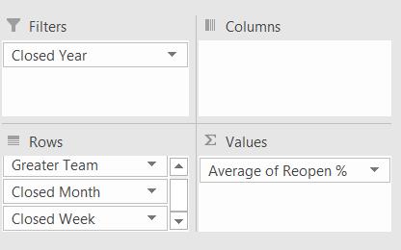

Create another Visualization for a Scorecard, this will be the Agent Scorecard
Fields: | The normal dropdown fields with Case Manager, Supervisor, Area of Coverage and Workgroup would be here as well
Count of Open Cases Number | The same date filters will apply
Average Days Open for Open Cases
Total Cases Closed
Count of Cases with No Follow Up
Count of Past Due Activities
Average Days Open for Past Due Activities
Count of Activities Closed
Count of Surveys
ReOpen Percentage
Average of Overall Experience with Case Manager

