Home Page
 |  |  |  |  |  |  |  | Members Software Login

 |  |  |  | Home | About | Contact Us | Pricing


FIll out below to see how much you could save using our system.
Current Mortgage Payment (pincipal&Interest Only):_______________
Mortgage Balance:___________________
Interest Rate: ______________________
Total Monthly Income:________________
Total Expense : ______________________
Total Debt Payments: _________________
Submit
I would like the result of this submission to be like this site https://usmortgagecalculator.org/ - the input from this site is also a good way to create the input.
this is not part of the site
Learn how to eliminate interest payments and pay off any debt with this sofisticated and robust tool.
Input your data to see your financial and time savings.
The only financial tool you need to manage your expenses while saving on all your expenses.

Click here to sign up for THREE months of FREE unlimited access to AIP software.

Watch this!!
video here

Simple steps to use our software.
We allow you to input your information and use the tool for 3 FREE months. You will be amazed with how intuitive the tool is. After the free period, you will be charged $29.99 monthly until you cancel your subscription.
Make AIP a way of life and eliminate those excel sheets to help manage your finances.

Terms of Use | Privacy | Legal | Feedback

Pricing
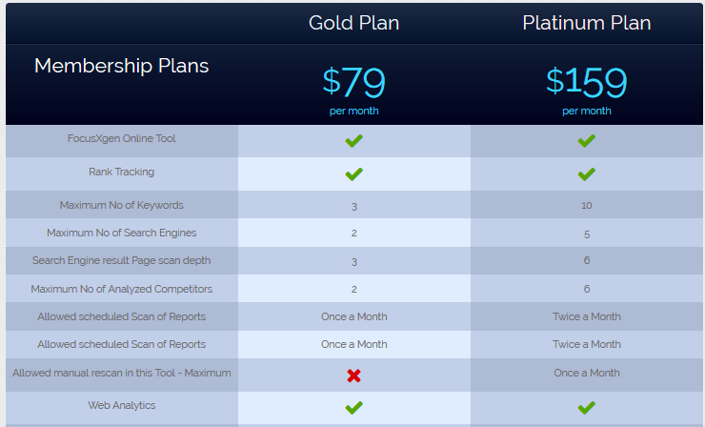

 |  | Starter Pack | GOLD | PLATINUM
 |  |  |  | Save 2months
 | FREE |  | $29.99/month | $299.99/year

Access to Software | 3months |  | Monthly | Unlimited for One year

Forecast | Limited to 3months |  | One year | Unlimited

Scenario Analysis | Limited to 3months |  | One year | Unlimited

Loan Term Comparison | Limited to 3months |  | One year | Unlimited

Cash flow Summary | Limited to 3months |  | One year | Unlimited

Community Sharing | Limited to 3months |  | One year | Unlimited

Create Private Group | No |  | No | Unlimited

Reseller Option | No |  | No | Yes

