Bug report 3110
Bug ID | Module | Bug Summary | Bug Description | Steps to Reproduce | Expected Result | Actual Result | Severity | Priority | Environment | Attachments | Detected By | Date Detected | Assigned To | Status | Resolution | Comments
Issue -001 | User Access(Login) | Boundary Value Failure for Username and Password Fields | Boundary values for the username and password fields do not restrict input to expected limits (15 characters for username, 20 characters for password). Users are able to input more than the specified limits, leading to user able to login without appropriate error messages. | 1. Go to https://www.saucedemo.com/v1/index.html 2. Enter a username with 15 characters 3. Enter a password with 20 characters 4. Click the "Login" button | Username field should accept up to 15 characters only, and password field should accept up to 20 characters only. Error message should appear if exceeded. | Fields accept more than the allowed limit with no validation error, potentially causing incorrect logins | Major | High | Browsers: Chrome Version 130.0.6723.70 | Attach the screenshot ( or link) | TesterA | 2024-10-31 | Dev1 | Open | TBD
Issue -002 | Product catelogue | User Able to Access Logged-In State After Logout Using Browser Back Button | After logging out of the application, the user is able to navigate back to the previously logged-in session by using the browser's back button. A user could unknowingly expose their account information to someone else if they log out and someone uses the back button to access the session. | 1. Navigate to https://www.saucedemo.com/v1/index.html 2. Log in with valid credentials 3. Click on the Logout button to log out 4. Use the browser Back button to go back to the previous page (logged-in state). | After logging out, using the browser's back button should not grant access to the previously logged-in session. The user should be redirected to the login page if they try to go back. | After logging out, the user is able to return to the logged-in session by using the browser's back button. The session remains active, which could expose sensitive data. | Critical | High | Browsers: Chrome Version 130.0.6723.70 | NA | TesterA | 2024-10-31 | Dev1 | Open | TBD
Issue-003 | Checkout | User Able to Proceed to Checkout from a blank cart page | The user is able to proceed to the checkout page from bank cart page or even after removing all items from the cart. The checkout option should be disabled or an error message should appear if the cart is empty. | 1. Navigate to https://www.saucedemo.com/v1/index.html 2. Log in with valid credentials 3. Add one or more items to the cart ( this can be skipped ) 4. Go to the cart page 5. Remove all items from the cart ( this can be skipped based on step 3) 6. Attempt to proceed to checkout. | After removing all items from the cart ( or when the cart is empty), the Checkout button should be disabled, or a message should display indicating that the cart is empty and checkout cannot proceed. | The user is able to click on the Checkout button and proceed to the checkout page even though the cart is empty. | Major | High | Browsers: Chrome Version 130.0.6723.70 |  Attach the screenshot ( or link) | TesterA | 2024-10-31 | Dev1 | Open

Havent created others but can go into the same format

JIRA Format
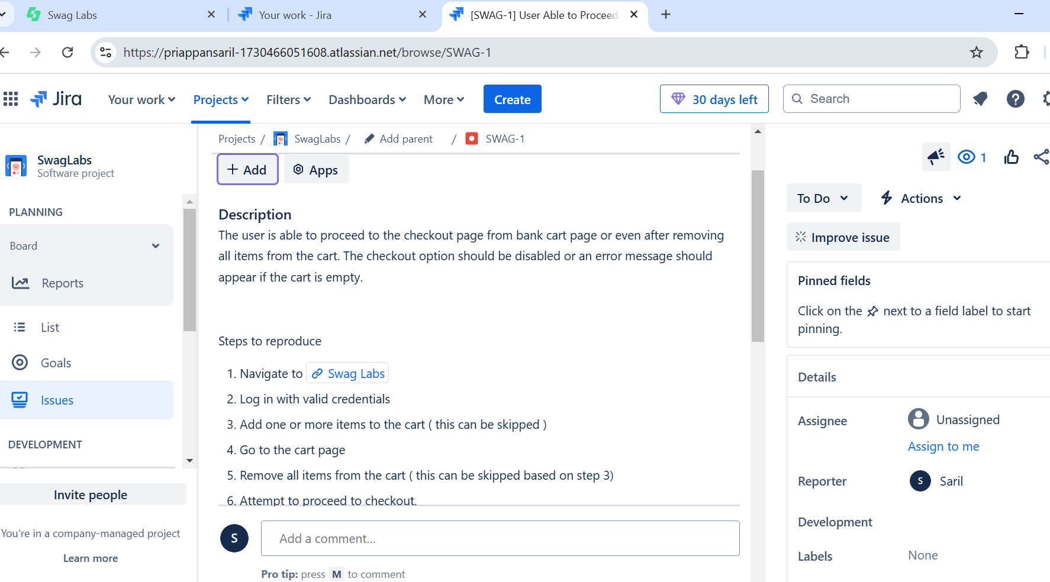
We can use JIRA a project and bug tracking tool and assign the bug to the developer directly.
Please see the sample version, I am not able to send the link as it’s a trial version of JIRA, This has only limited components but the company version I used in my company have many fields which we can configure with the JIRA support team

