DASHBOARD
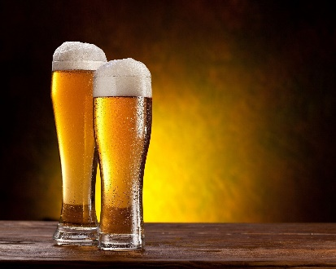
beer SALES & Profits in USA
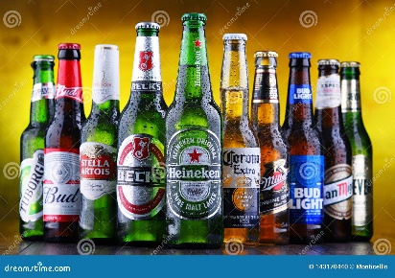

 | Sum of Units Sold | Sum of Total Sales
BevCo | 5852940 | 2794394.5
FizzyCo | 5465400 | 2424037.2
Liquor Barn | 1847050 | 920123.5
Spirits | 2496850 | 1285908.7
Target | 2873750 | 1351245.3
West Soda | 6252620 | 3240955.8
Region Wise sales
 | Total
Midwest | 1667443.4
Northeast | 2507826.7
South | 2060335.6
Southeast | 2137443.6
West | 3643615.7

Profit in each month
 | Total
24-04-2022 | 35905.133
17-06-2023 | 56319.931
24-06-2023 | 34173.633
16-07-2023 | 67839.511
23-07-2023 | 41765.763
17-08-2023 | 51819.641
24-08-2023 | 32163.843
17-11-2023 | 40071.874
09-12-2023 | 32868.971
16-12-2023 | 59403.188
TOP 5 States profit
 | Total
New York | 333555.907
Alabama | 136820.639
California | 296015.165
Florida | 292159.442
Idaho | 122255.885
Louisiana | 142438.974
North Carolina | 126367.412
South Carolina | 146915.764
Tennessee | 126958.506
Texas | 283251.06

