Sheet1
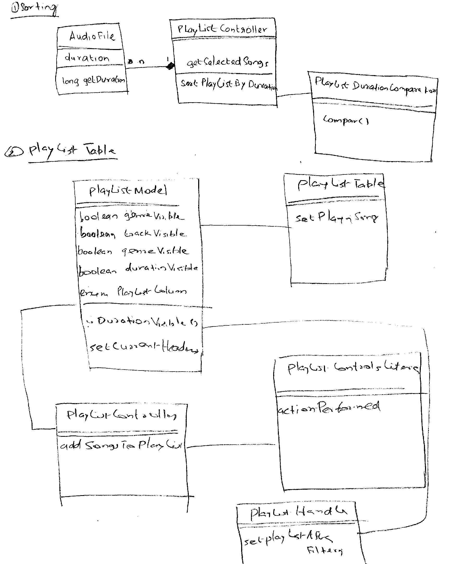
Assignment1 aTunes Report CR #1

Group members:
 | Dana Crosslin
 | Sasikumar Chellappan
Software system:
 | aTunes
Modified classes:
 | net/sourceforge/atunes/kernel/handlers/PlayListHandler
 | net/sourceforge/atunes/model/player/PlayListDurationComparator
 | net/sourceforge/atunes/gui/model/PlayListTableModel

Time spent on this change request: 150 minutes |  | Initiation | Concept location | Impact analysis | Actualization | Testing
 |  | 20 minutes | 40 minutes | 20 minutes | 50 minutes | 20 minutes
Initiation | 20 minutes
Concept location | 40 minutes
Impact analysis | 20 minutes
Actualization | 50 minutes
Testing | 20 minutes
Process followed to implement the Change Request:
Initiation
 | 1. Read the aTunes change requirements given by Dr. Marcus.
 | 2. Downloaded aTunes.zip from https://utdallas.box.com/s/y23z29nsx35idwpk61ewzl6cxqn3pp8j
 | 3. Unzipped the aTunes.zip file
 | 3. Analyzed the file structure of the project to better understand the flow.
 | 4. Imported aTunes into Eclipse as a Java Project
 | 5. Built and run project from Main class net/sourceforge/atunesusing eclipse to ensure we didn't start with compilation errors
Concept location
 | 1. Started aTunes application from Eclipse.
 | 2. Located playlist table in the User Interface to get a conceptual idea of how change needs to be made.
 | 3. Performed string search from Eclipse for the word Genre; which is a column name of the playlist Table in the UI.
 | 4. The search brought up the key class PlayListTableModel.java.
 | 5. PlayListTableModel.java houses the object PlayListColumn; which lists all current columns from the playlist table; including Genre.
 | 6. PlayListTableModel.java also has a method called setCurrentHeaders() which sets column visibility.
 | 7. From the search, we found that the PlayList GenreComparator.java class contains the sorting algorithm; which we can use also for Duration functionality.
 | 8. Marked AudioFile class as not impacted, because though the class was used in PlayListDurationComparator class, this change wont make any behavioural changes on AudioFile.

Impact analysis
 | 1. Marked the PlayListModel class as impacted. Because it hold the structure for PlayList table. This CR is going to affect the PlayList table to add the new column.PlayListModel hold the logic to control visibility of coloum headers. Any change in this case might impact other header columns.
 | 2. Marked PlayListHandler class as impacted, because any sorting even from the play list table is handled by this API.
 | 3. Marked PlayListTable class is not impacted because though the class is closely related to this change, play list uses PlayListModel to display its content.

 | The impact set is:
 | net/sourceforge/atunes/kernel/handlers/PlayListHandler
 | net/sourceforge/atunes/model/player/PlayListDurationComparator
 | net/sourceforge/atunes/gui/model/PlayListTableModel

Actualization
 | 1. Created a new class net/sourceforge/atunes/model/player/PlayListDurationComparator which implements java.util.Comparator
 | 2. Overridded compare method which compare the duration between two different AudioFile
 | 3. PlayListTableModel class initialized durationVisible property to true.
 | 4. Added isDurationVisible() method in PlayListTableModel class to set the visibility of duration column.
 | 5. In PlayListTableModel included Duration property part of PlayListColumn enumration.
 | 6. In PlayListTableModel.setCurrentHeaders() method added the condition to include Duration column.
 | 7. Added PlayListHandler.sortPlaylistByDuration() to handle sorting event.

Testing | Test case specific to CR #1
 | 1. Started aTunes by clicking start button from the Editor
 | 2. Play List Table section shows with a new Column Duration
 | 3. Load play list by clicking File --> Select Repository ( Choose the songs folder )
 | 4. Move the song files to play list table
 | 5. Double click the Duration column , notice the play list gets sorted in asending order.

 | Regression Test case:
 | 1. Started aTunes by clicking start button from the Editor
 | 2. Play List Table section shows with a new Column Duration
 | 3. Load play list by clicking File --> Select Repository ( Choose the songs folder )
 | 4. Move the song files to play list table
 | 5. Make sure Title, Artist, Album , Genre and Duration is displayed.
 | 6. Double click Title, Artist, Album and Genre column seperately and make sure sorting works specific that column.

Additional information | Class Diagram

