Component Report

Component Label | Count | Component Size (WxH) | Detected Text | Image
Component_1 | 6 | (316, 8) | ll, it, a, nn, eee, ee
Component_2 | 1 | (34, 78) | ()

Component_3 | 1 | (49, 77) | \
Component_4 | 2 | (19, 78) | |, {
Component_5 | 20 | (45, 10) | NUMBER, CONSENT, WITHOUT, AGENCY, COMPANY, OTHER, PROJECT, Ol HER, WHOLE, COPIED, DRAVY ING, 2204, TVW, LAN, OO, DEVE, OPME, SCOF#, ar, intenors
Component_6 | 20 | (33, 10) | “Shibe be |, ADW, (sIVEN, Sel), SHALL, PART, SHALL, Alyy, NO, AM, OR, I(SsN, ), __), LD), Li), LL, life, for
Component_7 | 7 | (66, 10) | ARCHITECTS, REPRODUCED, ARCHITECTS., PROPERTY, SCRIPTION, ments, environ
Component_8 | 113 | (14, 11) | OF, THE, OR, ANY, 1O, Or, ANY, ON, Br, NOT, OR, OR, BE, NOT, AND, Or, THE, THIS, DE, TE, DA, NO, T, C, B, 1, TE, DA, 4, 2, 1, 1, @), 1, s, K, C, D, Pp, R, L, -, T, S, R, -, NT, |, S, B)=, 22, >, al, -—-, >, __J, —_—, y, cL, J, a8, (}, a, {, ©, rd] eo, ®, rN, e, ze, i eo, e, @, b=), G, VV, m, e, hy), d, 9, 6), 9, /, 3, 4, 0), /, O, /, 2, 3], 2, n, (), (), 5, rT), e, e, e, O, a, 5, 8, 2
Component_9 | 1 | (91, 14) | REVISIONS
Component_10 | 2 | (55, 14) | PROJE, planning
Component_11 | 2 | (81, 14) | 25350-02A, arcnitecture
Component_12 | 73 | (17, 23) | 4, 1, 6, 8, 2, J, C, N, Y, R, B, S, S, -D), \V/, |, B, R, E, D, N, E, J, 1, =, 3, 3, 3, SG, N, [), L_, UJ, B, N, R, LJ, T, A, -, J, N, A, Mi, G, C, [), =, C, N, A, \V/, [), A, =, =, |., |, N, J, J, B, N, C), =>, C), |, C), S, C, C, fi, a
Component_13 | 14 | (38, 25) | AL, XA, AL, AK, SG, O, Mi, MI, O, A, A, VV/, O, VW
Component_14 | 4 | (5, 24) | |, |, |, |
Component_15 | 12 | (27, 33) | C, C, R, R, A, S, C, R, eC, a, a, d

Component_16 | 1 | (53, 32) | TY

Component_17 | 2 | (96, 74) | eS, noe,

Component_18 | 3 | (64, 62) | ow, M, C

Component_19 | 1 | (94, 153) | =

Component_20 | 1 | (62, 94) | =

Component_21 | 1 | (64, 233) | :

Component_22 | 1 | (64, 134) | =

Component_23 | 1 | (64, 46) | fr
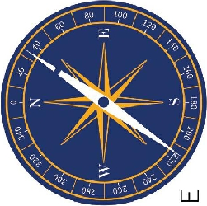
Component_24 | 1 | (251, 250) | @_| 290 @ LP 4 oy ee ey Le we, abe | 98%

Component_25 | 2 | (53, 67) | A, |
Component_26 | 2 | (15, 38) | T, t
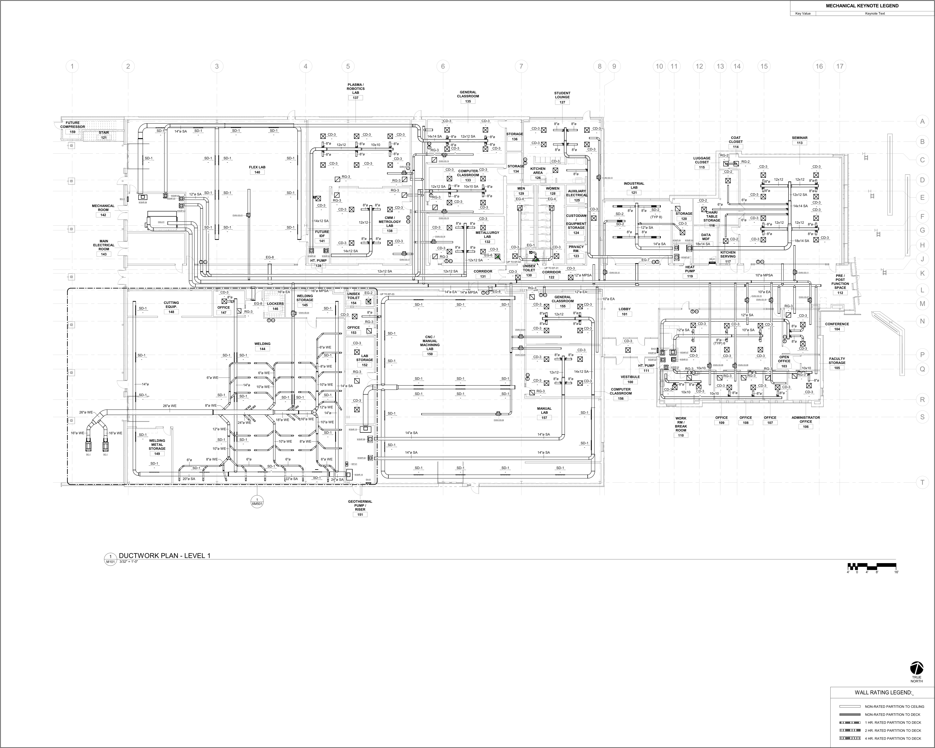
Component_27 | 1 | (3529, 2828) | MECHANICAL KEYNOTE LEGEND 1 2 3 4 5 6 7 8.9 10).11 12 13) 14 15 16 17 PLASMA/ ROBOTICS LAB GENERAL STUDENT 137 CLASSROOM LOUNGE 135 127 FUTURE TT Ea tr TE SRE im 80 8'0 A COMPRESSOR | cc! | - - te | (BY we Se Sa or View een SE ae yO ies qo ; mes pe pg | Ul[ensn gee tenes ge PTO —. coat sennan TT H ir 2 {| 8'0 12x12 8"° 10x10 "0 9) so B80 O38 cals CLOSET 113 B a Pres [joes KK 008 . sto || sto cos _— 80 80 80 sl . a | fez a es ee ay H SD-1_ sor} | soa. “SDA cD-3 ira] LL r——)) LUGGAGE 2 H Cc a - - - py £3 m £8 om | ones (1 _Lep-3t CLOSET ; RG2. FLEX LAB : ™ _|STORA = 15 r - co-3 c-3 I ao an “003. computer 3. va) KCHEN DQ] | 7 qi 2 tt _ —— rt = assRooM AREA 0 Il | || £2 n= = fe] 5 VAs roa] =» & ws 12 eee ‘| & Hero 12x12 1212 gon D ' — ——== 80 7 Ro] " INDUSTRIAL | S$ Jj ———, RG oe AMEN ||) WOMEN | aiag LAs | Fes voll [| H i (oer = 129 a -SD-1 | | SD-41 So ira) ~ Oy Fite cca Tee's Tero 129 128 LECTRIC. 424 03 FY rota 8a | H | = es et — “RG —G4— £G-4 7257 f | ee Dp eo L wae | RG-3 - cp eS =F D2 : MECHANICAL, a) _cp3 |) = 807 8" cos “A myces. = 5 | e | a - tg | iy gy OOS ROOM waa - co-3 Bees af LLL | D-3 8'o || 8’ SD2 N LS cD-3 in| 142 | owner] - cum I | usTODiAN)| | 80-2 (vr) STORAGE whale ae! 5 F {] : 14x12 SA) 12x12}] METROLOGY 8 wT gs 9 — | pe — 120 STORAGE oo 3X P| | ok Coy 4 * tA so Bo | :QUIPMEN S02 ek". cD-3_ £ Feo 2x12 Lf 12x12 gg Tal d ae aa soi} | so-+ sD os Revie & | | ‘STORAGE [| 42°09 SA NG —— 7 G l ~ 7 - - FOTURE 138. - METALLURGY | | 124 go Lf 80 Xx DATA fs a'olf [=] . . cvs LAB : ———— cp-3 MAIN 14 |) ops B Li a ald mos ff ey 132 5 r i . pepo were! MDF pycoz) 00-3 XY] rexiasa XS ELECTRICAL ° - . . co3| £61 koa |Fprwaer_ NS 14°02 SA =| 16x14 SA { D in| H ECTRIC taxt2 Sa 03.54 a pa 00.) ee | Se —1) a | +43 £68 yoeae sie anil Zi rcs c6 Bl RR he} ws ||\Qe4 _— SERVING l he £08. aT. pume umn “00 420280 ~| berom a | EGT ; 417 ore) Ltt J —— a = Se ————— } + ee wee) Co |) 00, —s i yt . Tt urToeror D3 I! HEAT \k 4 = ke ——___|__I risa Ji] eran |] common —1 cos TORE con

