Airlines working sheet
http://investor-relations.airarabia.com/sites/default/files/investor/presentation/Air%20Arabia%20Q4%202012%20FY_0.pdf | http://investor-relations.airarabia.com/sites/default/files/investor/presentation/Air%20Arabia%20Q4%202012%20FY_0.pdf | http://investor-relations.airarabia.com/sites/default/files/investor/presentation/Air%20Arabia%20Q4%202012%20FY_0.pdf | http://investor-relations.airarabia.com/sites/default/files/investor/presentation/Air%20Arabia%20Q4%202012%20FY_0.pdf | http://investor-relations.airarabia.com/sites/default/files/investor/presentation/Air%20Arabia%20Q4%202012%20FY_0.pdf
AIRARABIA
 |  | 2008 | 2009 | 2010 | 2011 | 2012
page non 23 | RPK(billions) | 7.1 | 8.5 | 9.2 | 9.6 | 10.8
 | ASK(billions) | 8.3529411765 | 10.625 | 11.084337349 | 11.707317073 | 13.170731707
Load Factor | Load Factor | 85% | 80% | 83% | 82% | 82%
http://www.erf.org.eg/CMS/uploads/pdf/725.pdf | http://www.erf.org.eg/CMS/uploads/pdf/725.pdf | http://www.erf.org.eg/CMS/uploads/pdf/725.pdf | http://www.erf.org.eg/CMS/uploads/pdf/725.pdf | http://www.erf.org.eg/CMS/uploads/pdf/725.pdf | http://www.erf.org.eg/CMS/uploads/pdf/725.pdf | http://www.erf.org.eg/CMS/uploads/pdf/725.pdf
ROYAL AIR MOROCCO
Number of passengers |  | 2000 | 2001 | 2002 | 2003 | 2004 | 2005 | 2006 | 2007 | 2008 | 2009 | 2010 | 2011 | 2012
 |  | 3.730 | 3.670 | 3.450 | 3.650 | 4 | 5 | 5 | 6.3 | 6.11 | 5.9 | 6.3 | 6.4 | 6.5
passenger kilometres travelled
 |  | 2008 | 2009 | 2010 | 2011 | 2012
 | RPK converted from billions to millions | 7100 | 8500 | 9200 | 9600 | 10800
 | ASK converted from billions to millions | 8352.9411765 | 10625 | 11084.337349 | 11707.317073 | 13170.731707
 | Load Factor | 0.85 | 0.8 | 0.83 | 0.82 | 0.82
 | ASK converted from billions to millions(after benchmarking) | 419176.76435 | 376131.34727 | 281155.14548 | 271541.98346 | 291327.33063
 | GROWTH RATE |  | -0.10269037014 | -0.25250807324 | -0.034191663127 | 0.072862939699
 |  |  |  |  |  |  |  |  |  | EGYPY
 |  |  |  |  |  |  |  | Load factor | 0.71261873541 | 0.72079803713 | 0.7455933126 | 0.75495026524 | 0.75953321027
 |  |  |  |  |  |  |  | Low cost | 0.8019 | 0.7524 | 0.7623 | 0.7765284738 | 0.78263964342 | S:\WMI\WMI TT\Working Folders\Databases\2013\Final Approved\Market Database\Egypt\Airline
THIS RPK IS OF AIRARABIA | RPK converted from billions to millions(after benchmarking with Egypt) | 316630.79357 | 328623.92341 | 376603.33097 | 384030.22856 | 350071.66045 |  | Full service | 0.6633 | 0.6732 | 0.7128 | 0.72391449029 | 0.72853798856 | S:\WMI\WMI TT\Working Folders\Databases\2013\Final Approved\Market Database\Egypt\Airline
 | GROWTH RATE |  | 0.037877332465 | 0.14600095775 | 0.019720743236 | -0.088426810149 |  | Charter | 0.83113270423 | 0.822279592 | 0.83408651684 | 0.84079271871 | 0.84487356252 | S:\WMI\WMI TT\Working Folders\Databases\2013\Final Approved\Market Database\Egypt\Airline

 | GROWTH RATE OF PASSENGERS SEATS SOLD |  | 0.038759689922 | 0.14925373134 | 0.019480519481 | -0.074476818136 |  | LOAD FACTOR OF MOROCCO | 76% | 77% | 81% | 80% | 80%

Number of revenue-generating passenger kilometers |  | 41709.713652 | 40439.028133 | 42874.585826 | 42825.376629 | 43418.079679 | S:\WMI\WMI TT\Working Folders\Databases\2013\Final Approved\Market Database\Egypt\Airline
EGYPY | Low cost | 935.28163697 | 1192.4091787 | 1728.1743397 | 1899.1559516 | 2022.6202901 | S:\WMI\WMI TT\Working Folders\Databases\2013\Final Approved\Market Database\Egypt\Airline
 | Full service | 27279.914782 | 25209.789961 | 28949.878834 | 29187.027433 | 29543.264706 | S:\WMI\WMI TT\Working Folders\Databases\2013\Final Approved\Market Database\Egypt\Airline
 | Charter | 13494.517233 | 14036.828994 | 12196.532652 | 11739.193245 | 11852.194683 | S:\WMI\WMI TT\Working Folders\Databases\2013\Final Approved\Market Database\Egypt\Airline

 |  | 0.85
Number of Seats Available |  | 17077.872304 | 17484.370588 | 18969.965636 | 19693.587776 | 18259.470349

Number of passenger kilometers available |  | 58530.195151 | 56103.132986 | 57503.983877 | 56726.089917 | 57164.162266 | S:\WMI\WMI TT\Working Folders\Databases\2013\Final Approved\Market Database\Egypt\Airline
EGYPY | Low cost | 1166.3320077 | 1584.8075209 | 2267.0527873 | 2445.7003389 | 2584.3570628 | S:\WMI\WMI TT\Working Folders\Databases\2013\Final Approved\Market Database\Egypt\Airline
 | Full service | 41127.566383 | 37447.697505 | 40614.308129 | 40318.335693 | 40551.44024 | S:\WMI\WMI TT\Working Folders\Databases\2013\Final Approved\Market Database\Egypt\Airline
 | Charter | 16236.296761 | 17070.62796 | 14622.622961 | 13962.053885 | 14028.364963 | S:\WMI\WMI TT\Working Folders\Databases\2013\Final Approved\Market Database\Egypt\Airline

Passenger revenue
Air Arabia |  | http://investor-relations.airarabia.com/sites/default/files/AnnualReport_2009_enfinal.pdf | http://investor-relations.airarabia.com/sites/default/files/AirArabia_AnnualReport_2010_En.pdf | http://investor-relations.airarabia.com/sites/default/files/AA%20AnnualReport%202011%20En11.pdf | http://investor-relations.airarabia.com/sites/default/files/AA%20AnnualReport%202012%20En.pdf | http://investor-relations.airarabia.com/sites/default/files/AA%20AnnualReport%202012%20En.pdf
 |  | 2008 | 2009 | 2010 | 2011 | 2012
Passenger revenue |  | 1945422669 | 1804464000 | 1895724000 | 2192788000 | 2561037000
passengers carried |  | 3628318.5841 | 4100000 | 4450000 | 4700000 | 5300000
 |  | http://investor-relations.airarabia.com/sites/default/files/AnnualReport_2009_enfinal.pdf | http://investor-relations.airarabia.com/sites/default/files/AirArabia_AnnualReport_2010_En.pdf | http://investor-relations.airarabia.com/sites/default/files/AA%20AnnualReport%202011%20En11.pdf | http://investor-relations.airarabia.com/sites/default/files/AA%20AnnualReport%202012%20En.pdf | http://investor-relations.airarabia.com/sites/default/files/AA%20AnnualReport%202012%20En.pdf
Revenue per passenger(AED)(AIR ARABIA) |  | 1217.1228508 | 999.05689756 | 967.0322427 | 1059.0699489 | 483.2145283
 |  |  |  |  | 0.10 | -0.54

Passenger revenue
ROYAL AIR MOROCCO | 2007 | 2008 | 2009 | 2010 | 2011 | 2012
REVpar of Royal Air Morocco(moroccan currency) | 1500 | 1500 | 1375 | 1300 | 1310.0937377 | 1323.6740716
 | http://www.erf.org.eg/CMS/uploads/pdf/725.pdf | http://www.erf.org.eg/CMS/uploads/pdf/725.pdf | http://www.erf.org.eg/CMS/uploads/pdf/725.pdf | http://www.erf.org.eg/CMS/uploads/pdf/725.pdf

Average revenue of both Royal Air Morocco and Air Arabia |  | 1358.5614254 | 1187.0284488 | 1133.5161213 | 1184.5818433 | 903.44429994
 |  |  |  |  | 0.05 | -0.24

 |  |  |  |  | 2008 | 2009 | 2010 | 2011 | 2012
Number of Domestic Trips by Purpose of Visit | 0 | 0 | Thousand | #REF! | 5590.3116137 | 4991.1033733 | 5738.4244492 | 5167.5264663 | 5359.0505363
Number of Domestic Trips by Purpose of Visit | Business | 0 | Thousand | #REF! | 1838.1727229 | 1640.4630581 | 1872.8694091 | 1698.217911 | 1762.3958395
Number of Domestic Trips by Purpose of Visit | Leisure | 0 | Thousand | #REF! | 2694.4519334 | 2404.7781197 | 2778.0635779 | 2490.2834405 | 2580.7432537
Number of Domestic Trips by Purpose of Visit | Other Personal | 0 | Thousand | #REF! | 1057.6869573 | 945.86219558 | 1087.4914622 | 979.02511486 | 1015.9114431

International Arrivals by Purpose of Visit | 0 | 0 | Thousand |  | 7879 | 8341 | 9288 | 9342 | 9591.0874619
International Arrivals by Purpose of Visit | Business | 0 | Thousand |  | 437.68058582 | 459 | 397 | 259 | 265.67014636
International Arrivals by Purpose of Visit | Leisure | 0 | Thousand |  | 3530.9868623 | 3703 | 4622 | 4823 | 4922.6135821
International Arrivals by Purpose of Visit | Other Personal | 0 | Thousand |  | 3910.3325519 | 4179 | 4269 | 4260 | 4402.8037335

International Departures by Purpose of Visit | 0 | 0 | Thousand | #REF! | 3058 | 2293 | 2175 | 2192 | 2197.1494337
International Departures by Purpose of Visit | Business | 0 | Thousand | #REF! | 152.9 | 114.65 | 108.576 | 115.39662222 | 118.68489793
International Departures by Purpose of Visit | Leisure | 0 | Thousand | #REF! | 2691.04 | 2018.7572 | 1915.044 | 1923.7415787 | 1924.3537342
International Departures by Purpose of Visit | Other Personal | 0 | Thousand | #REF! | 214.06 | 159.5928 | 151.38 | 152.86179911 | 154.11080161

TOTAL(domestic+arrival+departure) |  |  |  |  | 16527.311614 | 15625.103373 | 17201.424449 | 16701.526466 | 17147.287432
Leisure((domestic+arrival+departure) |  |  |  |  | 8916.4787957 | 8126.5353197 | 9315.1075779 | 9237.0250192 | 9427.7105699
Business |  |  |  |  | 7610.832818 | 7498.5680536 | 7886.3168713 | 7464.5014472 | 7719.576862

Ratio
Leisure(domestic+arrival+departure) |  |  |  |  | 0.53949964786 | 0.52009481957 | 0.54153117408 | 0.55306471763 | 0.5498076945
Business(domestic+arrival+departure) |  |  |  |  | 0.46050035214 | 0.47990518043 | 0.45846882592 | 0.44693528237 | 0.4501923055

Number of Seats Sold by Passenger Type | 0 | 0 | Thousand | 0 | 12900 | 13400 | 15400 | 15700 | 14530.713955
Leisure(domestic+arrival+departure) |  |  |  |  | 6959.5454574 | 6969.2705822 | 8339.5800809 | 8683.1160669 | 7989.0983392
Business(domestic+arrival+departure) |  |  |  |  | 5940.4545426 | 6430.7294178 | 7060.4199191 | 7016.8839331 | 6541.6156161

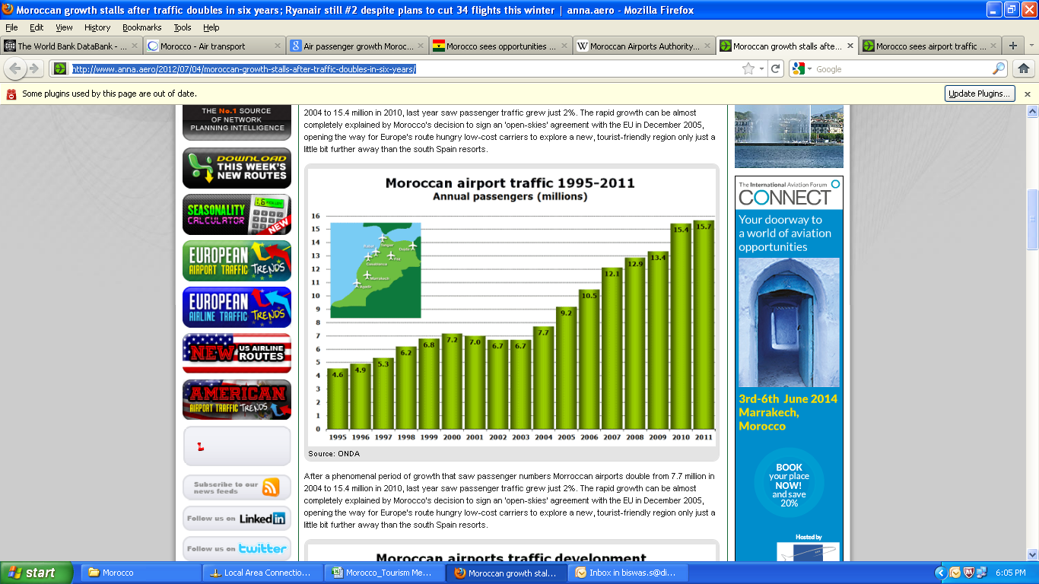

 |  |  | 2008 | 2009 | 2010 | 2011 | 2012
 |  | Number of Seats Sold by Passenger Type | 12900 | 13400 | 15400 | 15700 | 14530.713955
 |  |  | http://www.anna.aero/2012/07/04/moroccan-growth-stalls-after-traffic-doubles-in-six-years/ | http://www.anna.aero/2012/07/04/moroccan-growth-stalls-after-traffic-doubles-in-six-years/ | http://www.anna.aero/2012/07/04/moroccan-growth-stalls-after-traffic-doubles-in-six-years/ | http://www.anna.aero/2012/07/04/moroccan-growth-stalls-after-traffic-doubles-in-six-years/ | -0.074476818136

 |  |  |  |  |  | http://databank.worldbank.org/data/views/reports/tableview.aspx | http://databank.worldbank.org/data/views/reports/tableview.aspx | http://databank.worldbank.org/data/views/reports/tableview.aspx | http://databank.worldbank.org/data/views/reports/tableview.aspx | http://databank.worldbank.org/data/views/reports/tableview.aspx | http://databank.worldbank.org/data/views/reports/tableview.aspx | http://databank.worldbank.org/data/views/reports/tableview.aspx | http://databank.worldbank.org/data/views/reports/tableview.aspx | http://databank.worldbank.org/data/views/reports/tableview.aspx | http://databank.worldbank.org/data/views/reports/tableview.aspx
 |  | Indicator Name | Indicator Code | Country Name | Country Code | 2003 | 2004 | 2005 | 2006 | 2007 | 2008 | 2009 | 2010 | 2011 | 2012
 |  | Air transport, passengers carried | IS.AIR.PSGR | Morocco | MAR | 2638314 | 3004353 | 3492984 | 4109489 | 4623543 | 4927341 | 4930683 | 7144446 | 7502697 | 6943920
 |  | Conversion from absolute to thousands |  |  |  | 2638.314 | 3004.353 | 3492.984 | 4109.489 | 4623.543 | 4927.341 | 4930.683 | 7144.446 | 7502.697 | 6943.92
 |  |  |  |  |  |  |  |  |  |  |  |  |  |  | -0.074476818136

