Scenario 1
Scenario 1 : Test web API security
Use a 3rd party software, PostMan to make calling to bookstore web API

Step No. | Step Detail | Expected Result | Actual Result | Result Screen Capture | Pass/Fail
1 | Call GET:/books to the web API | Cannot access web API | Cannot access web API |  | Pass
2 | Get access token by calling POST:/oauth/token and set usernae/password in request header username : clientId password : clientSecret | Server return access token | Server return access token Token : 12b49903-b09d-4a33-b081-59da951cf64c |  | Pass
3 | Add access token in request authorication and call GET:/books to the web API | Server accept request and return result | Server accept request and return result | 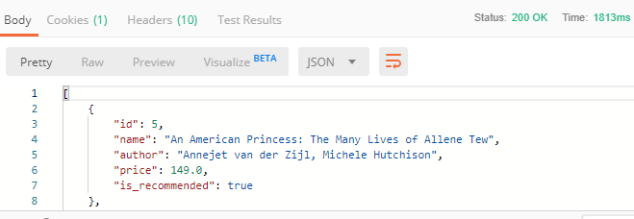 | Pass

Scenario 4
Scenario 2 : Test order functions
Use a 3rd party software, PostMan to make calling to bookstore web API
User access token returned from Scenario 1

Step No. | Step Detail | Expected Result | Actual Result | Result Screen Capture | Pass/Fail
1 | Call POST: /users to create new user {"username": "john.doe", "password": "thisismysecret", "name":"john", "surname":"doe", "date_of_birth": "15/01/1985"} | Create user success | Create user success |  | Pass
2 | Call POST: /login to login {"username" : "john.doe", "password" : "mypassword"} | Login success | Login success |  | Pass
3 | Call POST: /users/orders to order books {"orders": [1, 4]} | Place order success | Place order success |  | Pass
4 | Call GET: /users to check books ordered | The server return user information with books ordered | The server return user information with books ordered | 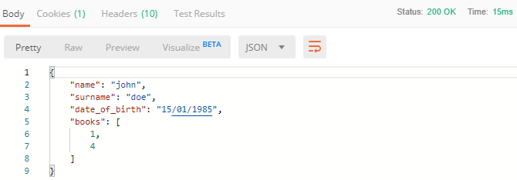 | Pass
5 | Call POST:/users/delete to delete loged in user with orders | User and orders deleted successfully | User and orders deleted successfully |  | Pass
6 | Call POST:/login for the same user as step 2 | Cannot log in | Cannot log in |  | Pass

