Garbha_Analytics_IVF_EDA_Final
Exploratory Data Analysis (EDA) - Garbha Analytics Data Driven IVF Outcome Monitoring
 | 1st Moment |  |  | 2nd Moment |  |  | 3rd moment |  |  | 4th moment |  |  | Graphical Representation |  |  |  |  |  |  |  |  |  |  |  |  |  |  | Multivariate Analysis
 | Univariate |  |  |  |  |  |  |  |  |  |  |  |  |  |  |  |  |  |  |  |  | Bivariate |  |  | Univariate
Column Names | mean/median/mode | Statistical Insight (1st) | Business Insights (1st) | variance/stdev/range | Statistical Insight (2nd) | Business Insights (2nd) | Skewness | Statistical Insight (3rd) | Business Insights (3rd) | Kurtosis | Statistical Insight (4th) | Business Insights (4th) | Histogram | Business Insight | Data Preprocessing | Boxplot | Stastical Insights | Data Preprocessing | Line chart | Statistical Insight | Data Preprocessing | Scatter plot (1) | Statistical Insight | Data Preprocessing | Scatter plot (2) | Statistical Insight | Data Preprocessing
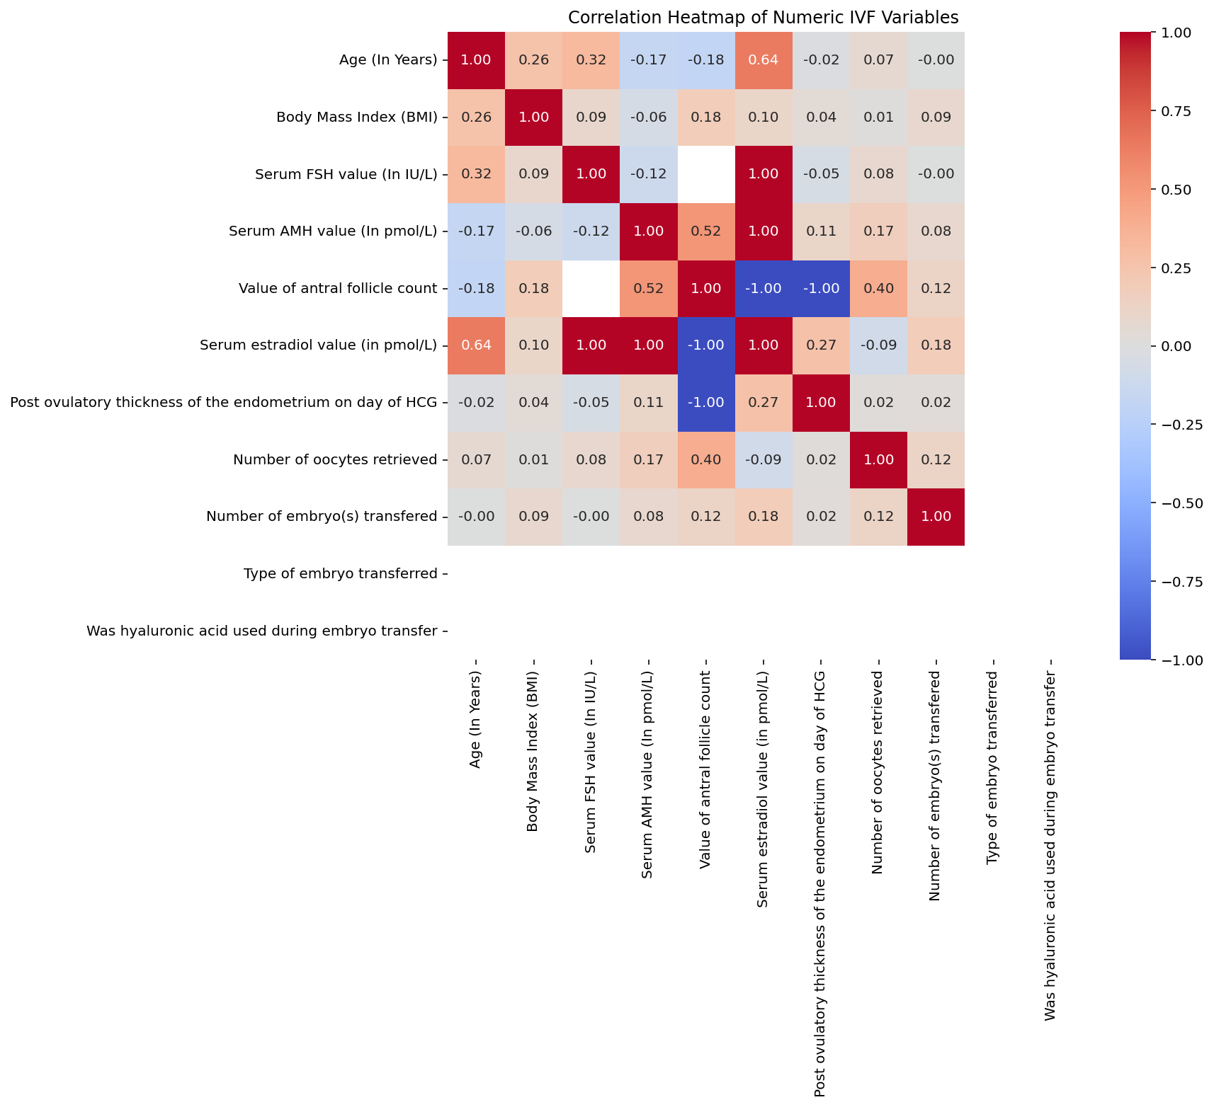
Age (In Years) | Mean: 37.65, Median: 37.00, Mode: 38 | Mean (37.65) and Median (37.00) comparison. | Patient age is a critical success factor. A mean age of 37.6 suggests a cohort that may face age-related fertility decline, impacting egg quality and IVF success rates. | Var: 40.89, Std: 6.39, Range: 51.00 | Std Dev of 6.39 relative to mean suggests moderate dispersion. | Clinical variability in Age (In Years) requires individualized patient care paths. | 0.06 | Skewness: 0.06. | Relatively balanced distribution across the patient base. | 1.13 | Kurtosis: 1.13. | No extreme outliers affecting the overall clinical trend. | 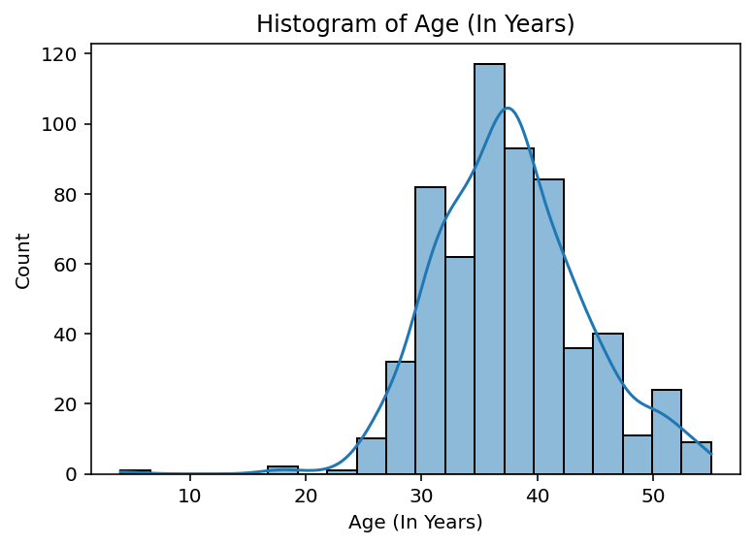 | Visualizes the distribution frequency of Age (In Years). |  | 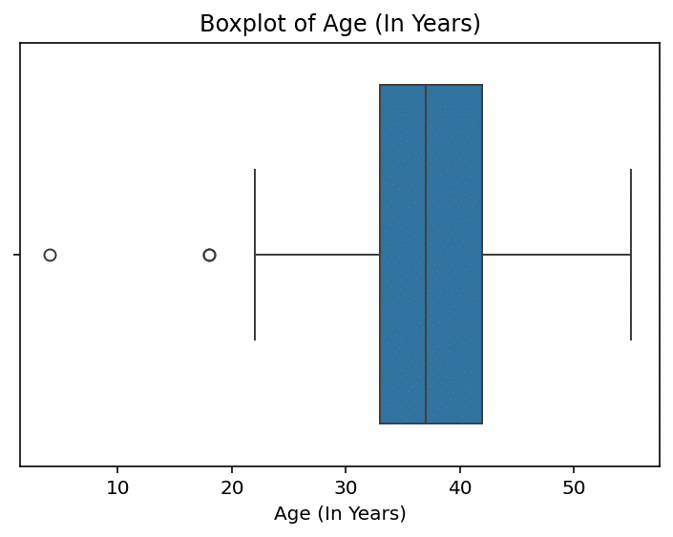 |  |  |  |  |  | 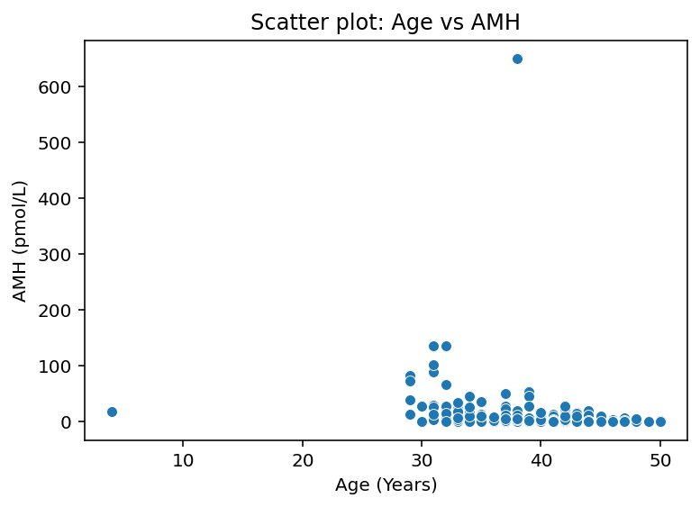 | Correlates Age (In Years) with IVF success. |  |  | Evaluates age-dependent variation in Age (In Years).
Body Mass Index (BMI) | Mean: 27.28, Median: 27.00, Mode: 28.0 | Mean (27.28) and Median (27.00) comparison. | BMI influences drug metabolism. Variance in BMI suggests the need for personalized dosing to avoid OHSS or poor response. | Var: 23.80, Std: 4.88, Range: 56.10 | Std Dev of 4.88 relative to mean suggests moderate dispersion. | Clinical variability in Body Mass Index (BMI) requires individualized patient care paths. | 0.26 | Skewness: 0.26. | Relatively balanced distribution across the patient base. | 4.76 | Kurtosis: 4.76. | Presence of extreme outliers detected; some patients have unique clinical profiles requiring special attention. | 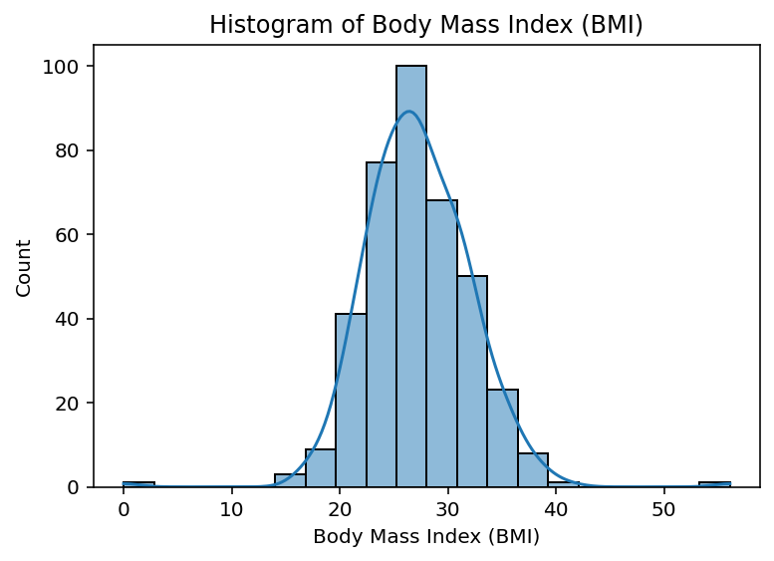 | Visualizes the distribution frequency of Body Mass Index (BMI). |  | 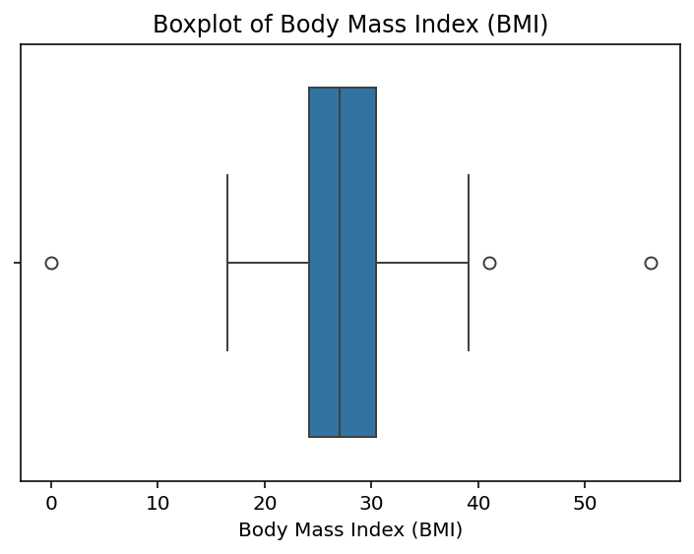 |  |  |  |  |  |  | Correlates Body Mass Index (BMI) with IVF success. |  | 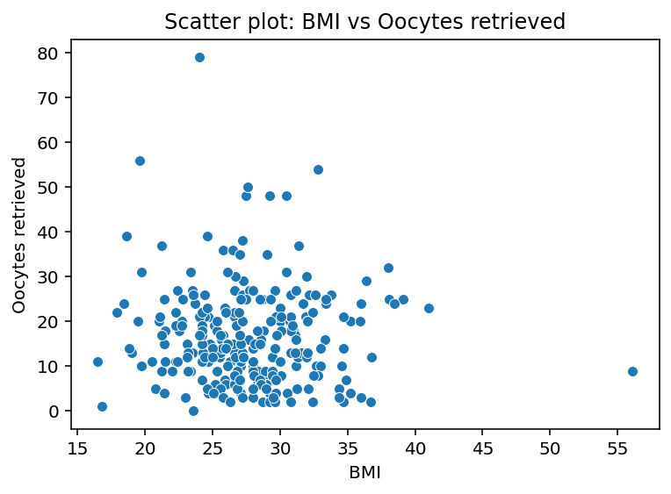 | Evaluates age-dependent variation in Body Mass Index (BMI).
Serum FSH value (In IU/L) | Mean: 10.64, Median: 8.07, Mode: 5.91 | Mean (10.64) and Median (8.07) comparison. | High FSH levels (Skewness: 5.20) identify patients with potential diminished ovarian reserve who may require higher doses of gonadotropins. | Var: 129.90, Std: 11.40, Range: 107.31 | Std Dev of 11.40 relative to mean suggests high dispersion. | Clinical variability in Serum FSH value (In IU/L) requires individualized patient care paths. | 5.2 | Skewness: 5.20. | Right-skewed data indicates a concentration of low-value markers with few high-value outliers. | 31.39 | Kurtosis: 31.39. | Presence of extreme outliers detected; some patients have unique clinical profiles requiring special attention. | 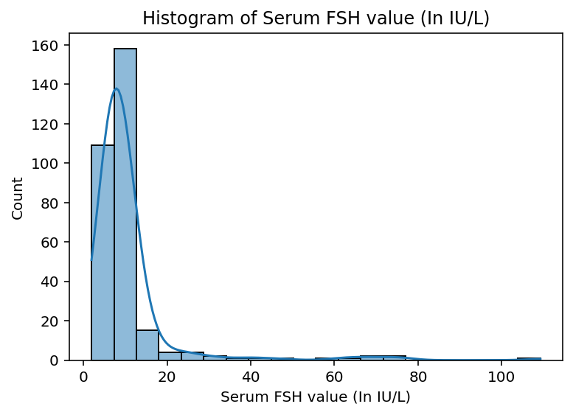 | Visualizes the distribution frequency of Serum FSH value (In IU/L). |  | 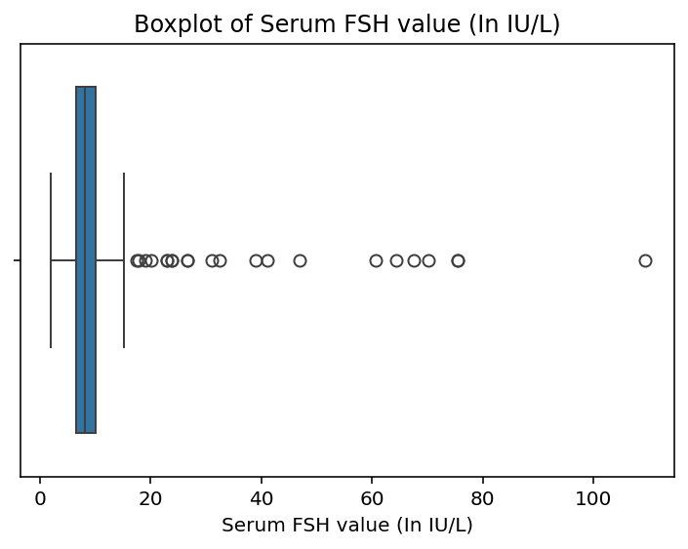 |  |  |  |  |  |  | Correlates Serum FSH value (In IU/L) with IVF success. |  |  | Evaluates age-dependent variation in Serum FSH value (In IU/L).
Serum AMH value (In pmol/L) | Mean: 17.44, Median: 6.29, Mode: 0.57 | Mean (17.44) and Median (6.29) comparison. | AMH levels indicate ovarian reserve. A median of 6.3 pmol/L helps categorize patients into low, normal, or high responders for stimulation protocols. | Var: 2755.18, Std: 52.49, Range: 649.00 | Std Dev of 52.49 relative to mean suggests high dispersion. | Clinical variability in Serum AMH value (In pmol/L) requires individualized patient care paths. | 10.21 | Skewness: 10.21. | Right-skewed data indicates a concentration of low-value markers with few high-value outliers. | 120.57 | Kurtosis: 120.57. | Presence of extreme outliers detected; some patients have unique clinical profiles requiring special attention. | 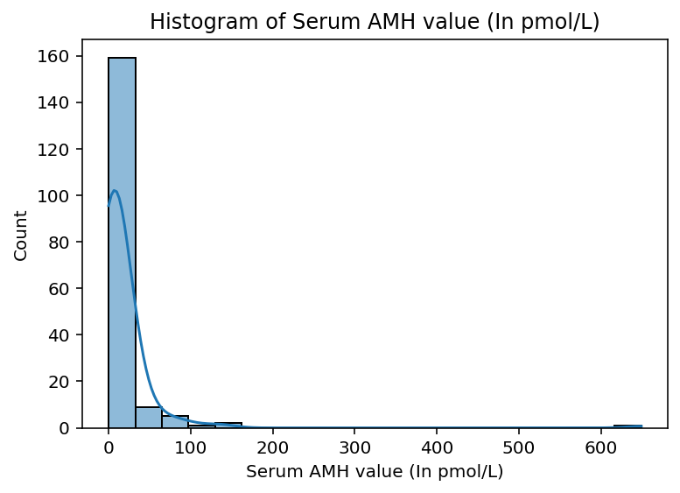 | Visualizes the distribution frequency of Serum AMH value (In pmol/L). |  | 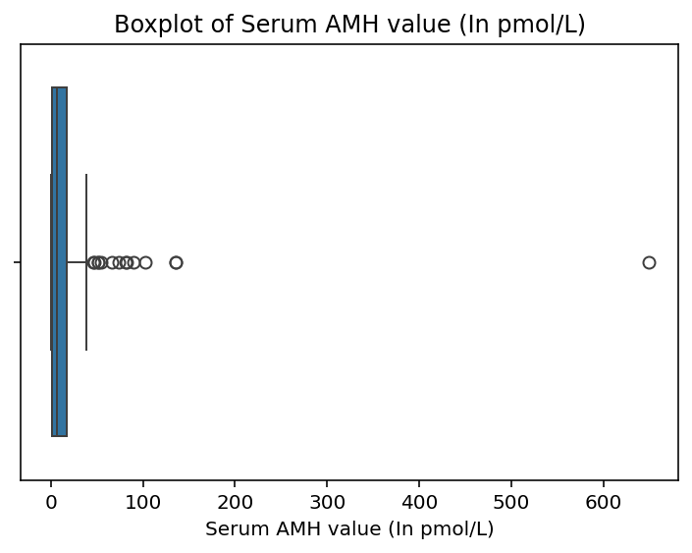 |  |  |  |  |  |  | Correlates Serum AMH value (In pmol/L) with IVF success. |  |  | Evaluates age-dependent variation in Serum AMH value (In pmol/L).
Value of antral follicle count | Mean: 11.03, Median: 11.00, Mode: 11.0 | Mean (11.03) and Median (11.00) comparison. | Standard clinical variability observed. Distribution analysis helps in setting baseline expectations for treatment outcomes. | Var: 21.12, Std: 4.60, Range: 19.00 | Std Dev of 4.60 relative to mean suggests moderate dispersion. | Clinical variability in Value of antral follicle count requires individualized patient care paths. | 0.07 | Skewness: 0.07. | Relatively balanced distribution across the patient base. | -0.42 | Kurtosis: -0.42. | No extreme outliers affecting the overall clinical trend. | 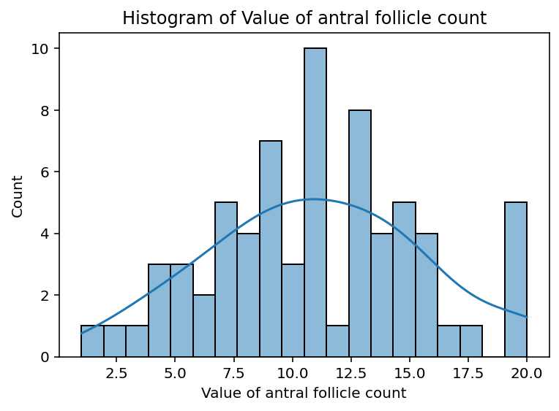 | Visualizes the distribution frequency of Value of antral follicle count. |  | 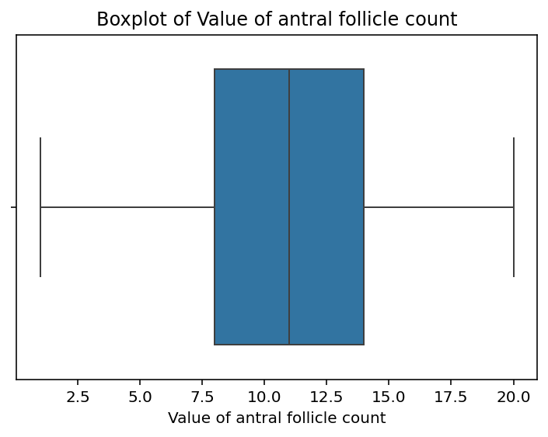 |  |  |  |  |  |  | Correlates Value of antral follicle count with IVF success. |  |  | Evaluates age-dependent variation in Value of antral follicle count.
Post ovulatory thickness of the endometrium on day of HCG | Mean: 8.60, Median: 7.50, Mode: 7.5 | Mean (8.60) and Median (7.50) comparison. | Endometrial thickness on HCG day is vital for implantation. Values below 7mm are typically associated with lower success. | Var: 84.00, Std: 9.17, Range: 173.60 | Std Dev of 9.17 relative to mean suggests high dispersion. | Clinical variability in Post ovulatory thickness of the endometrium on day of HCG requires individualized patient care paths. | 15.89 | Skewness: 15.89. | Right-skewed data indicates a concentration of low-value markers with few high-value outliers. | 284.49 | Kurtosis: 284.49. | Presence of extreme outliers detected; some patients have unique clinical profiles requiring special attention. | 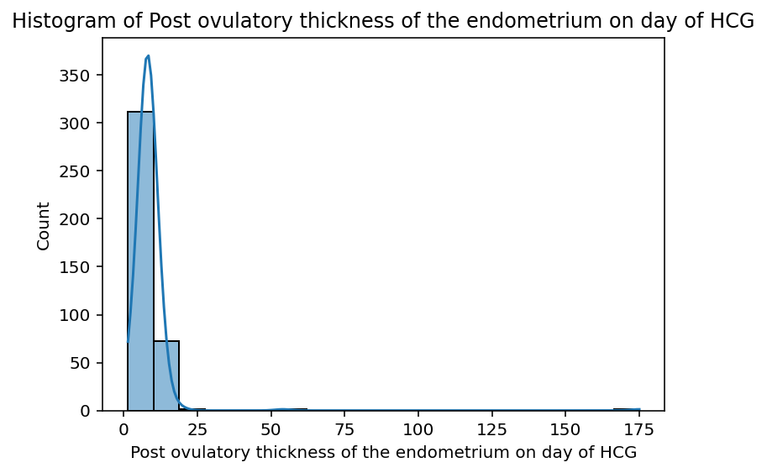 | Visualizes the distribution frequency of Post ovulatory thickness of the endometrium on day of HCG. |  | 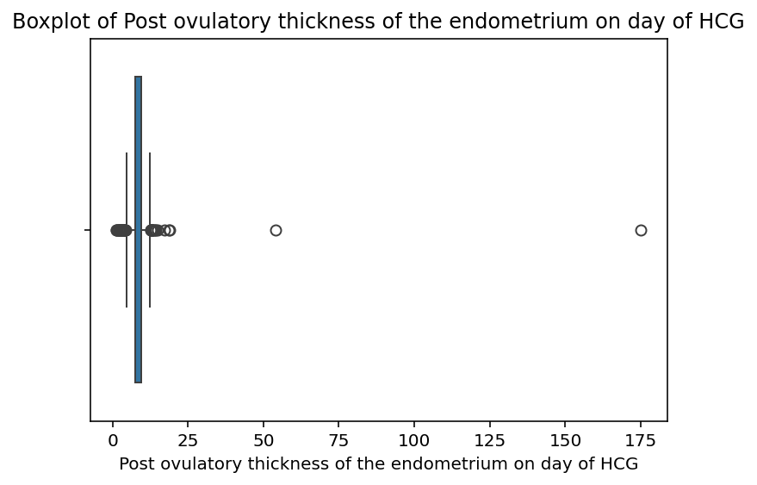 |  |  |  |  |  |  | Correlates Post ovulatory thickness of the endometrium on day of HCG with IVF success. |  |  | Evaluates age-dependent variation in Post ovulatory thickness of the endometrium on day of HCG.
Number of oocytes retrieved | Mean: 16.53, Median: 14.00, Mode: 9.0 | Mean (16.53) and Median (14.00) comparison. | The number of oocytes is a key performance indicator. A mean of 16.5 indicates healthy follicular development across the population. | Var: 123.59, Std: 11.12, Range: 79.00 | Std Dev of 11.12 relative to mean suggests high dispersion. | Clinical variability in Number of oocytes retrieved requires individualized patient care paths. | 1.4 | Skewness: 1.40. | Right-skewed data indicates a concentration of low-value markers with few high-value outliers. | 3.43 | Kurtosis: 3.43. | Presence of extreme outliers detected; some patients have unique clinical profiles requiring special attention. | 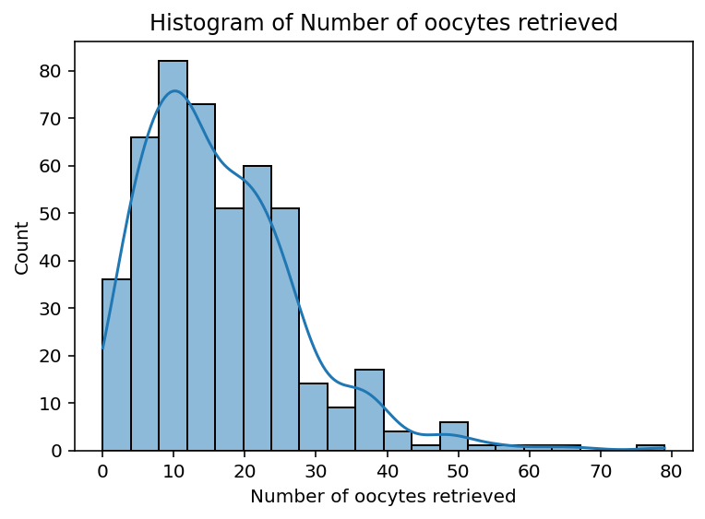 | Visualizes the distribution frequency of Number of oocytes retrieved. |  | 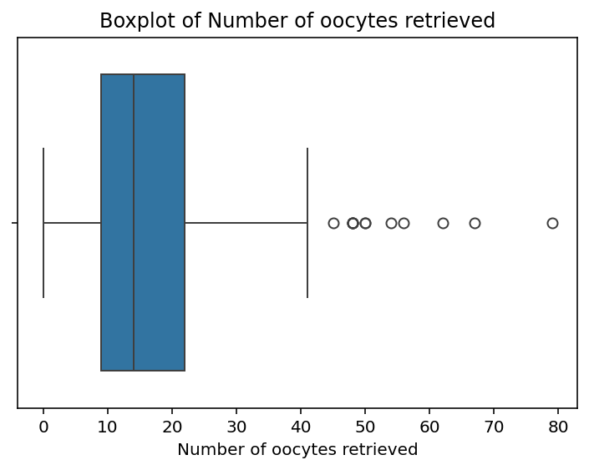 |  |  |  |  |  |  | Correlates Number of oocytes retrieved with IVF success. |  |  | Evaluates age-dependent variation in Number of oocytes retrieved.
Number of embryo(s) transfered? | Mean: 2.03, Median: 2.00, Mode: 2.0 | Mean (2.03) and Median (2.00) comparison. | Standard clinical variability observed. Distribution analysis helps in setting baseline expectations for treatment outcomes. | Var: 0.99, Std: 0.99, Range: 21.00 | Std Dev of 0.99 relative to mean suggests moderate dispersion. | Clinical variability in Number of embryo(s) transfered? requires individualized patient care paths. | 16.16 | Skewness: 16.16. | Right-skewed data indicates a concentration of low-value markers with few high-value outliers. | 305.35 | Kurtosis: 305.35. | Presence of extreme outliers detected; some patients have unique clinical profiles requiring special attention. | 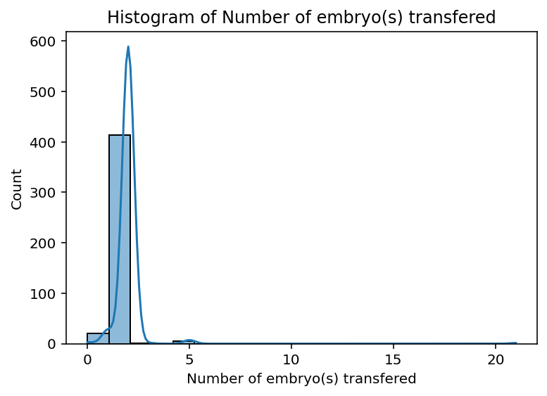 | Visualizes the distribution frequency of Number of embryo(s) transfered? . |  | 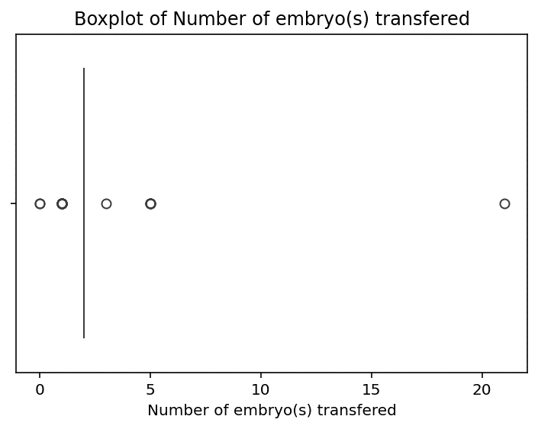 |  |  |  |  |  |  | Correlates Number of embryo(s) transfered? with IVF success. |  |  | Evaluates age-dependent variation in Number of embryo(s) transfered? .

