Problem statement
 |  |  |  |  |  |  |  |  |  |  | U |  | Direction | Cell | Clue
 |  |  |  |  |  |  |  |  |  |  |  |  | DOWN | X14 | the process of optimizing the performance of a machine learning model
 |  |  |  |  |  |  |  |  |  |  |  |  | ACROSS | P7 | Customer who hasn’t used their card in months
 |  |  |  |  |  |  |  |  |  |  |  |  | ACROSS | M10 | Methodology used by marketers to predict the probability that a customer will take a particular action
 |  |  |  |  |  |  |  |  |  |  | 4 |  | ACROSS | H16 | Statistical test comparing two groups
 |  |  |  |  |  |  |  | R |  | 3 |  |  | ACROSS | R15 | Process of identifying which marketing touchpoints or channels led a user action
 |  |  |  |  |  |  |  |  |  |  |  |  | DOWN | U14 | Marketing messages based on user action/status
 |  |  |  |  |  |  |  |  |  |  |  |  | ACROSS | P12 | Incentive used to acquire new customers
 |  |  |  | P | 8 |  |  | 13 |  |  |  |  | ACROSS | P17 | Return per dollar spent on a campaign
 |  |  |  |  |  |  |  |  |  |  |  |  | ACROSS | H19 | The act of converting a lead into an active customer
 |  |  |  |  |  |  |  | L | 1 |  |  | F | DOWN | V2 | Identifies lift generated by campaign vs control
 |  |  |  |  |  |  |  |  |  |  |  |  | DOWN | R5 | Process of tailoring experiences, content or offers to individual users preferences, behaviours or attributes
 |  |  | U |  |  |  |  |  |  |  |  |  | DOWN | L12 | Grouping customers to enable relevant targeting
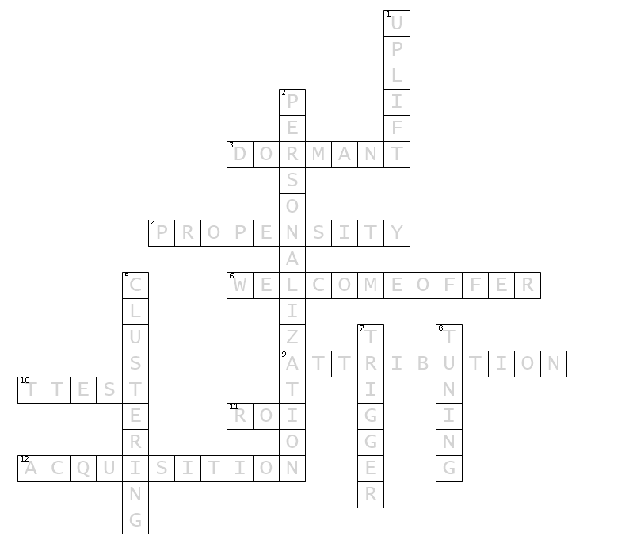
 |  |  |  |  |  |  |  | 9 |  | R |  | 7
 | 10
 |  |  |  |  |  |  | 12 |  |  | 6
 |  |  |  |  |  |  |  | 2
 |  | Q | 5 |  |  | 11

Key : Post completing the crossword, arrange the letter highlighted in yellow cell in the ascending order of number mentioned. That will give you a key to next round. You also have to submit the crossword in .xlsx format post completing.

