Day10

1)Average Age of Single People are 31
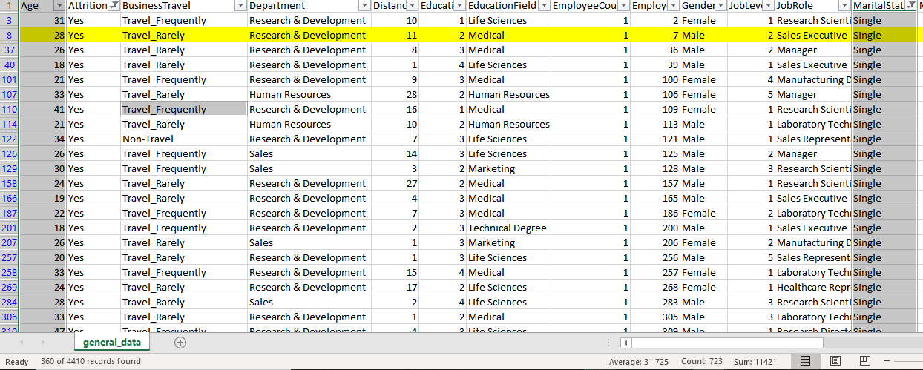

2) Single People Travel_Rarely

3)Average of Single people are from R&D Department

4)Single People Have Less Stock Option

5)Single people are majorly from "Life Sciences" education

6)Maried people Travel_Rearely
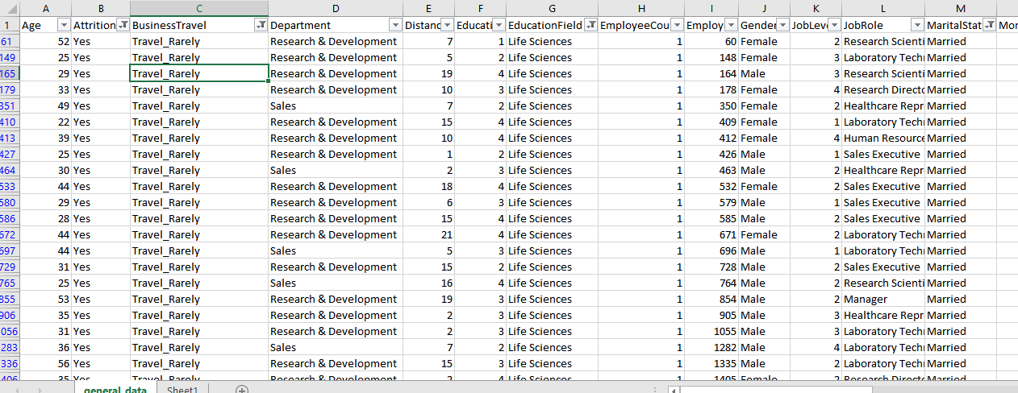

7)Average "DistanceFromHome" of all the employee is 9.2

8) Single People have major Gender as Male
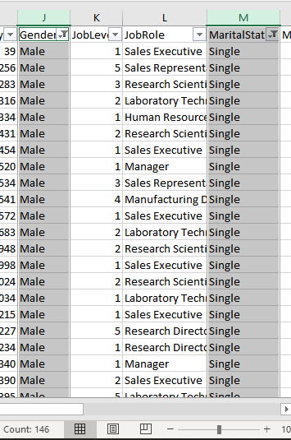

9)Maximum Employees in the company are in the range of 5-10 yrs experience
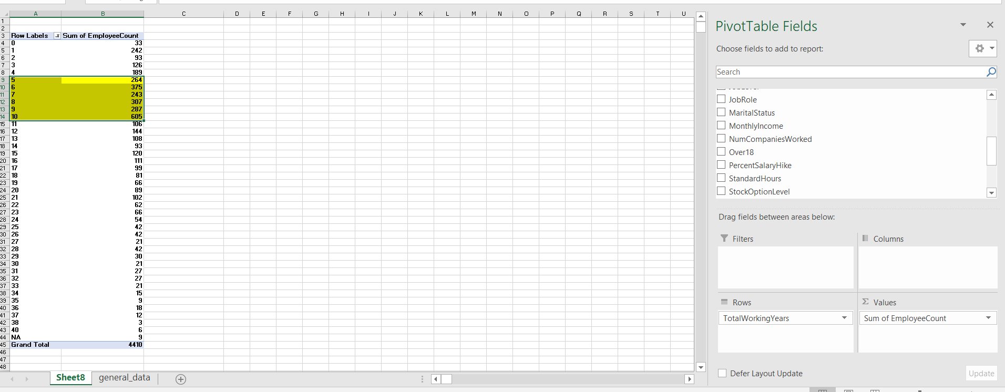

10)Attrition is minimal in the range of 5-10 yr experience in the company

