Overview
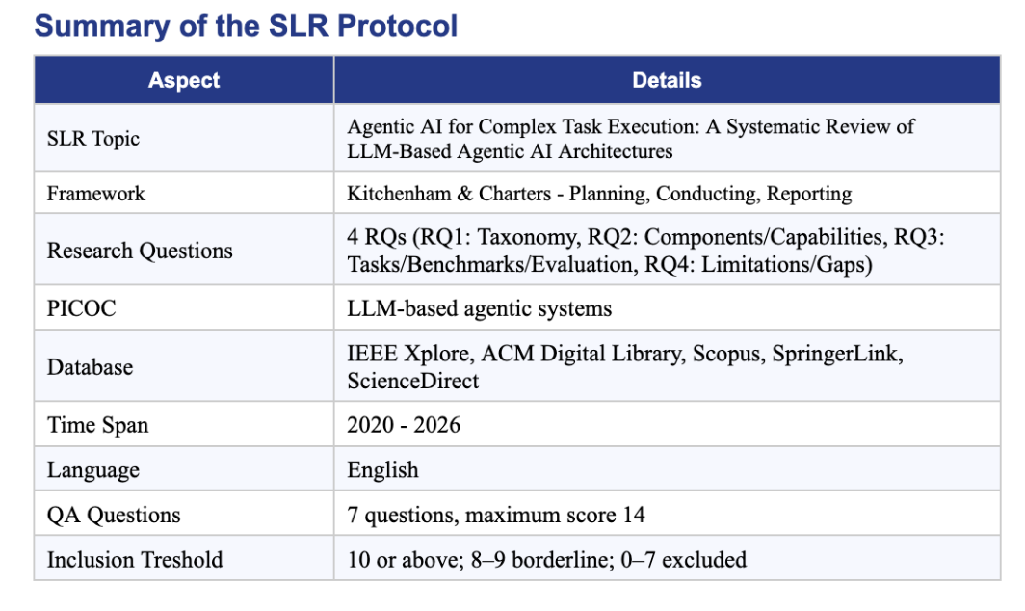
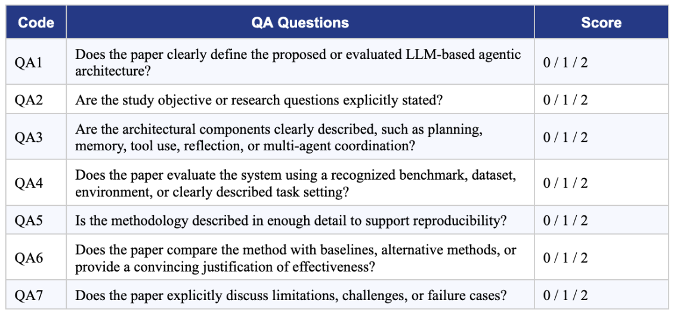
OVERVIEW | SLR Agentic AI workbook | Clean navigation dashboard | Strict non-ArXiv policy | Kitchenham + PICOC | Current workbook | Status | Ready
Section | Item | Value / Rule | Meaning | Primary sheet | How to use | Quality gate | Reader notes
KPI | ScienceDirect seed results | 87,375 | Initial discovery context using keyword "Agentic AI", Research Articles + Review Articles, 2020–2026 | Methodology | Report in methodology narrative only | Layer 0 | User-reported seed count
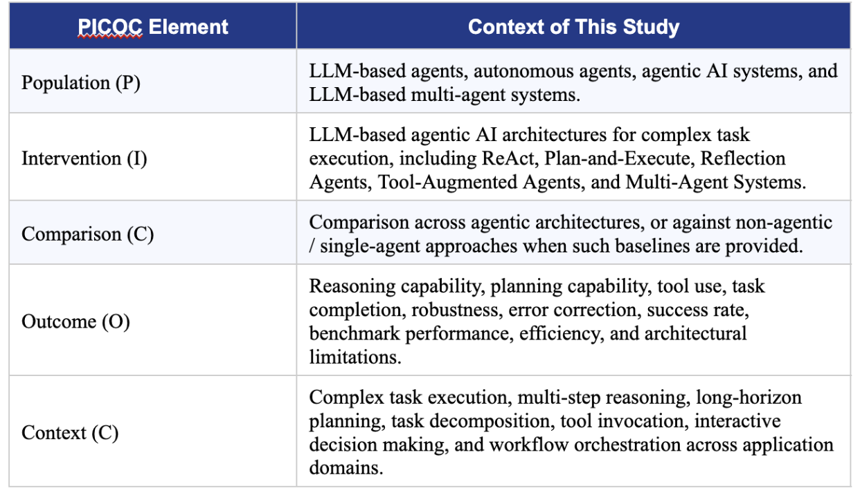
KPI | Candidate rows scored | 121 | Candidate rows consolidated from Elicit/reference lists | All_Candidates_Detailed | Audit all I/QA scores and filtering path | Layers 1–6 | Master screening appendix
KPI | Final usable references | 72 | Non-ArXiv references usable as primary or background literature | Final_Usable_All | Use for bibliography planning | Non-ArXiv + Kitchenham | Includes primary and background
KPI | Main primary synthesis | 33 | Primary papers used for data extraction and RQ synthesis | Main_Primary_Synthesis | Use as SLR evidence table | QA ≥ 10 | Primary studies only
KPI | Background references | 39 | Supporting papers for introduction, related work, and discussion | Background_References | Use as background citations only | Background / E6 | Not counted as primary evidence
KPI | Excluded by ArXiv/URL rule | 44 | Removed due to arXiv venue, arXiv URL, or arXiv DOI policy | Excluded_ArXiv_URL | Keep for transparency only | Hard exclusion | Do not cite as final reference
KPI | Excluded by other rules | 5 | Removed by non-ArXiv Kitchenham exclusion reasons | Excluded_Other | Use only for exclusion explanation | Kitchenham E-codes | Do not use as evidence
KPI | Data extraction rows | 33 | Structured extraction for final Main Primary papers | Data Extraction | Use directly for Results and Discussion | Complete fields | No blank table cells
WORKFLOW | Layer 0 | ScienceDirect seed search | Creates broad discovery context | ScienceDirect search context | Use in methodology description | Context layer | Not a scored paper set
WORKFLOW | Layer 1 | Elicit/reference candidate pool | Keeps candidates from uploaded lists | All_Candidates_Detailed | Start audit here | Candidate pool | All rows scored
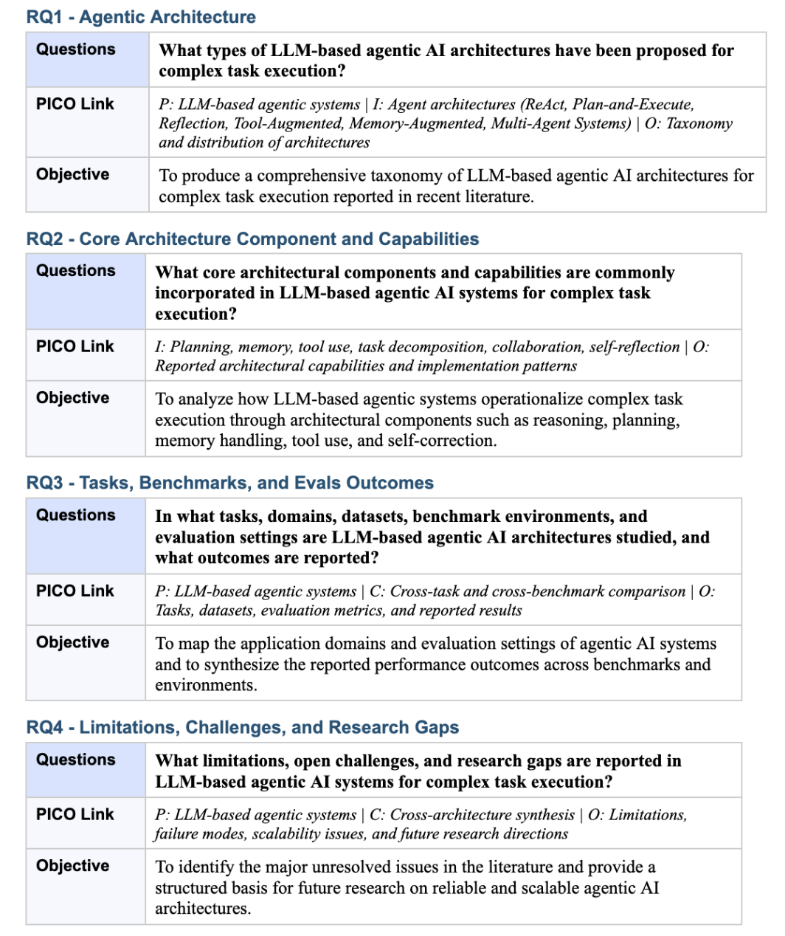
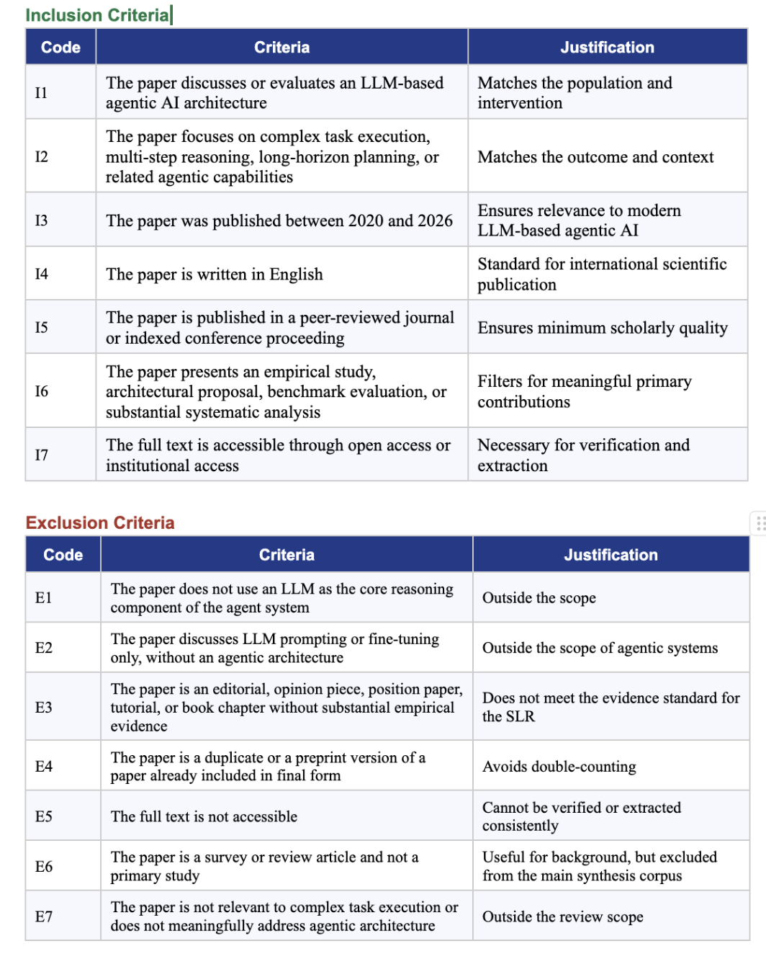
WORKFLOW | Layer 2 | Strict ArXiv venue exclusion | Removes arXiv / arXiv.org / arXiv preprint venues | Excluded_ArXiv_URL | Never cite final paper from this sheet | Hard exclusion | Applies before QA
WORKFLOW | Layer 3 | Strict non-ArXiv URL enforcement | Removes or replaces ArXiv DOI/URL with official non-ArXiv records | Clean_NonArXiv_URL | Check URL before citation export | Hard exclusion if no clean URL | No arXiv final URL
WORKFLOW | Layer 4 | Kitchenham inclusion I1–I7 | Scores topic, year, language, venue, contribution, and accessibility | Screen_Total_Detail | Filter candidates by eligibility | /7 screening score | Higher is stronger
WORKFLOW | Layer 5 | Kitchenham exclusion E1–E7 | Separates primary, background, and excluded works | Updated_Exclusion_Codes | Use to justify decisions | E-code reason | Supports PRISMA reporting
WORKFLOW | Layer 6 | QA1–QA7 scoring | Assesses methodological quality with maximum 14 points | QA_Total_Detail | Sort high-to-low for synthesis | QA ≥ 10 for primary | Consensus if needed
NAVIGATION | All_Candidates_Detailed | Complete audit trail | Every candidate with screening, exclusion, QA, and final decision | All_Candidates_Detailed | Use filters to verify why a paper passed or failed | Use_Type / E-codes | Not final evidence by itself
NAVIGATION | Main_Primary_Synthesis | Primary evidence set | Final papers that pass non-ArXiv + Kitchenham rules | Main_Primary_Synthesis | Use for synthesis and RQ answers | Use_Type = Main Primary | Core SLR corpus
NAVIGATION | Data Extraction | Extraction table | Architecture, task, dataset, metric, findings, limitations, and RQ mapping | Data Extraction | Use directly for Results and Discussion | Primary papers only | Do not add excluded papers
NAVIGATION | Background_References | Supporting literature | Useful surveys/reviews/background papers | Background_References | Use in Introduction / Related Work only | Background Only | Not primary evidence
NAVIGATION | Excluded sheets | Transparency records | Papers removed by ArXiv or other rules | Excluded_ArXiv_URL / Excluded_Other | Use only for audit trail | Exclude | Do not cite as final evidence

