Data
OTHER TEMPLATES
For more templates, click →
contact@someka.net
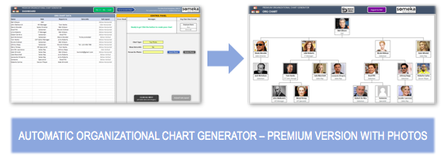
 | SOMEKA INFO LISTS |  |  |  |  |  | ↓ CLICK TO SEE EXCEL ORG CHART MAKER ↓
 | FORBES GLOBAL 2000 LIST - 2021 VERSION

DISCLAIMER: |  | This list is officially published by Forbes Magazine at: https://www.forbes.com/lists/global2000. Forbes Media LLC. has the rights to sell or distribute the full list. Someka is not associated with Forbes Media LLC.

 |  | Company Info | KEY FINANCIALS
Rank | Company Name | Country | Sales ($millions) | Profits ($millions) | Assets ($millions) | Market Value As of 5/13/21 ($m)
1 | ICBC | China | $190,500 | $45,800 | $4,914,700 | $249,500
2 | JPMorgan Chase | United States | $136,200 | $40,400 | $3,689,300 | $464,800
3 | Berkshire Hathaway | United States | $245,500 | $42,500 | $873,700 | $624,400
4 | China Construction Bank | China | $173,500 | $39,300 | $4,301,700 | $210,400
5 | Saudi Arabian Oil Company (Saudi Aramco) | Saudi Arabia | $229,700 | $49,300 | $510,300 | $1,897,200
6 | Apple | United States | $294,000 | $63,900 | $354,100 | $2,252,300
7 | Bank of America | United States | $98,800 | $17,900 | $2,832,200 | $336,300
8 | Ping An Insurance Group | China | $169,100 | $20,800 | $1,453,800 | $211,200
9 | Agricultural Bank of China | China | $153,900 | $31,300 | $4,159,900 | $140,100
10 | Amazon | United States | $386,100 | $21,300 | $321,200 | $1,711,800
11 | Samsung Electronics | South Korea | $200,700 | $22,100 | $348,200 | $510,500
12 | Toyota Motor | Japan | $249,400 | $14,300 | $561,900 | $219,200
13 | Alphabet | United States | $182,400 | $40,300 | $319,600 | $1,538,900
14 | Bank of China | China | $134,000 | $27,900 | $3,731,400 | $116,700
15 | Microsoft | United States | $153,300 | $51,300 | $304,100 | $1,966,600
16 | Citigroup | United States | $84,400 | $17,100 | $2,314,300 | $151,200
17 | Volkswagen Group | Germany | $254,100 | $9,500 | $646,400 | $147,200
18 | Walmart | United States | $559,200 | $13,500 | $252,500 | $396,100
19 | Wells Fargo | United States | $85,900 | $7,400 | $1,959,500 | $181,500
20 | Verizon Communications | United States | $128,300 | $17,800 | $316,500 | $241,300
21 | UnitedHealth Group | United States | $262,900 | $16,900 | $205,200 | $369,600
22 | China Merchants Bank | China | $60,400 | $14,100 | $1,278,500 | $192,800
23 | Alibaba Group | China | $93,800 | $23,300 | $250,100 | $657,500
24 | Allianz | Germany | $129,900 | $7,800 | $1,357,500 | $108,000
25 | Comcast | United States | $103,600 | $10,500 | $273,900 | $252,400
26 | Goldman Sachs Group | United States | $61,800 | $15,100 | $1,302,000 | $116,500
27 | Softbank | Japan | $70,300 | $14,900 | $366,700 | $163,100
28 | Postal Savings Bank Of China (PSBC) | China | $67,200 | $9,300 | $1,736,200 | $112,400
29 | Tencent Holdings | China | $70,000 | $23,300 | $203,900 | $773,800
30 | BNP Paribas | France | $102,700 | $7,600 | $3,044,800 | $79,100
31 | Morgan Stanley | United States | $56,700 | $13,400 | $1,158,800 | $123,900
32 | China Mobile | Hong Kong | $111,300 | $15,600 | $264,200 | $134,900
33 | Facebook | United States | $86,000 | $29,100 | $159,300 | $870,500
34 | Johnson & Johnson | United States | $82,600 | $14,700 | $174,900 | $427,100
35 | Sony | Japan | $79,900 | $10,100 | $250,700 | $137,300
36 | Intel | United States | $77,900 | $20,900 | $153,100 | $263,700
37 | CVS Health | United States | $268,700 | $7,200 | $238,500 | $99,600
38 | RBC | Canada | $42,900 | $8,800 | $1,308,200 | $135,000
39 | Nestlé | Switzerland | $89,900 | $13,000 | $140,300 | $333,200
40 | HSBC Holdings | United Kingdom | $60,600 | $4,000 | $2,984,200 | $120,300
41 | Daimler | Germany | $175,900 | $4,100 | $349,600 | $99,200
42 | TD Bank Group | Canada | $38,800 | $9,100 | $1,358,600 | $120,600
43 | Nippon Telegraph & Tel | Japan | $110,300 | $8,300 | $231,100 | $96,700
44 | Deutsche Telekom | Germany | $115,100 | $4,700 | $345,400 | $91,600
45 | General Electric | United States | $79,900 | $5,600 | $255,100 | $117,600
46 | Procter & Gamble | United States | $74,000 | $13,800 | $120,100 | $338,000
47 | General Motors | United States | $122,500 | $6,400 | $235,200 | $84,600
48 | Sinopec | China | $271,100 | $4,800 | $265,100 | $82,600
49 | China Life Insurance | China | $113,800 | $7,300 | $651,900 | $57,300
50 | Industrial Bank | China | $53,800 | $9,700 | $1,207,200 | $66,500
51 | Sberbank | Russia | $47,300 | $10,400 | $486,900 | $85,700
52 | Mitsubishi UFJ Financial | Japan | $56,000 | $5,200 | $3,406,500 | $69,700
53 | Cigna | United States | $160,600 | $8,500 | $151,500 | $87,700
54 | AXA Group | France | $129,500 | $3,400 | $951,500 | $67,800
55 | AIA Group | Hong Kong | $42,600 | $5,800 | $321,600 | $153,700
56 | Reliance Industries | India | $61,200 | $5,700 | $166,300 | $164,900
57 | Bank of Communications | China | $67,600 | $11,100 | $1,635,800 | $47,900
58 | Pfizer | United States | $47,600 | $9,600 | $154,200 | $215,200
59 | IBM | United States | $73,600 | $5,600 | $156,000 | $119,400
60 | Roche Holding | Switzerland | $62,100 | $15,200 | $97,400 | $287,100
61 | BMW Group | Germany | $112,800 | $4,300 | $282,000 | $69,800
62 | MetLife | United States | $67,800 | $5,400 | $795,100 | $55,800
63 | PetroChina | China | $280,700 | $2,900 | $380,500 | $66,700
64 | LVMH Moët Hennessy Louis Vuitton | France | $50,900 | $5,400 | $133,000 | $380,300
65 | Novartis | Switzerland | $48,600 | $8,100 | $132,200 | $198,600
66 | Taiwan Semiconductor | Taiwan | $48,100 | $18,700 | $98,300 | $558,100
67 | Home Depot | United States | $132,100 | $12,900 | $70,600 | $352,800
68 | Shanghai Pudong Development | China | $52,300 | $8,500 | $1,215,700 | $47,400
69 | Siemens | Germany | $58,000 | $4,900 | $148,600 | $139,800
70 | PepsiCo | United States | $71,300 | $7,500 | $91,200 | $199,200
71 | Oracle | United States | $39,700 | $12,800 | $118,100 | $227,700
72 | Sanofi | France | $41,100 | $14,000 | $140,100 | $127,400
73 | Enel | Italy | $71,400 | $3,000 | $200,000 | $105,400
74 | AbbVie | United States | $45,800 | $4,600 | $150,600 | $190,400
75 | Cisco Systems | United States | $48,000 | $10,100 | $95,600 | $222,900
76 | Zurich Insurance Group | Switzerland | $58,400 | $3,800 | $413,800 | $61,700
77 | Bank of Nova Scotia | Canada | $30,700 | $5,100 | $911,200 | $75,300
78 | Commonwealth Bank | Australia | $22,400 | $5,700 | $816,200 | $120,700
79 | BHP Group | Australia | $46,100 | $6,900 | $103,200 | $186,100
80 | UBS | Switzerland | $32,200 | $6,500 | $1,125,800 | $57,300
81 | British American Tobacco | United States | $33,100 | $8,200 | $188,200 | $91,600
82 | Honda Motor | Japan | $121,800 | $3,900 | $201,300 | $52,800
83 | Intesa Sanpaolo | Italy | $45,800 | $3,700 | $1,226,700 | $53,300
84 | Merck & Co. | United States | $47,800 | $7,100 | $91,600 | $196,000
85 | Sumitomo Mitsui Financial | Japan | $38,600 | $4,900 | $2,256,800 | $48,900
86 | Rio Tinto | Luxembourg | $44,500 | $9,700 | $97,400 | $135,300
87 | Japan Post Holdings | Japan | $106,600 | $4,200 | $2,879,000 | $34,800
88 | US Bancorp | United States | $23,100 | $6,100 | $553,400 | $86,900
89 | Anthem | United States | $121,900 | $4,600 | $88,300 | $92,000
90 | Charter Communications | United States | $48,100 | $3,200 | $146,100 | $124,800
91 | Unilever | United Kingdom | $57,800 | $6,300 | $82,800 | $151,100
92 | Dell Technologies | United States | $94,300 | $3,300 | $123,400 | $77,400
93 | Manulife | Canada | $57,200 | $4,400 | $655,000 | $41,900
94 | Hon Hai Precision | Taiwan | $182,000 | $3,500 | $130,800 | $60,400
95 | American Express | United States | $38,200 | $3,100 | $191,400 | $120,500
96 | China Vanke | China | $62,600 | $6,100 | $285,800 | $42,200
97 | GlaxoSmithKline | United Kingdom | $43,700 | $7,400 | $109,900 | $92,900
98 | Truist Financial | United States | $24,300 | $4,900 | $517,500 | $77,800
99 | Rosneft | Russia | $70,800 | $2,000 | $207,500 | $77,700
100 | China State Construction Engineering | China | $215,300 | $6,100 | $323,000 | $33,000
101 | JD.com | China | $108,300 | $7,200 | $64,600 | $119,400
102 | Coca-Cola | United States | $33,000 | $7,700 | $87,300 | $231,300
103 | Iberdrola | Spain | $37,800 | $4,100 | $149,900 | $86,400
104 | CITIC | Hong Kong | $71,300 | $7,300 | $1,256,300 | $29,500
105 | Prudential | United Kingdom | $54,800 | $2,100 | $469,500 | $55,700
106 | KDDI | Japan | $49,300 | $6,200 | $98,400 | $72,100
107 | Bank of Montreal | Canada | $24,500 | $4,100 | $761,800 | $59,400
108 | Costco Wholesale | United States | $178,600 | $4,300 | $54,900 | $164,100
109 | Itaú Unibanco Holding | Brazil | $37,200 | $3,700 | $389,700 | $48,500
110 | State Bank of India | India | $50,600 | $3,100 | $638,100 | $40,800
111 | Chubb | Switzerland | $36,100 | $3,500 | $172,200 | $73,300
112 | Mitsubishi | Japan | $116,700 | $3,100 | $179,700 | $41,600
113 | Vale | Brazil | $40,400 | $5,200 | $92,100 | $99,200
114 | Capital One | United States | $31,600 | $2,700 | $421,600 | $62,400
115 | PNC Financial Services | United States | $17,400 | $8,400 | $474,400 | $75,800
116 | HDFC Bank | India | $20,700 | $4,100 | $233,600 | $105,900
117 | Credit Agricole | France | $43,500 | $2,600 | $2,399,500 | $41,000
118 | Itochu | Japan | $96,600 | $4,100 | $107,800 | $47,600
119 | FedEx | United States | $78,700 | $3,000 | $82,800 | $76,300
120 | Vodafone | United Kingdom | $49,700 | $2,800 | $183,900 | $52,600
121 | Abbott Laboratories | United States | $34,600 | $4,500 | $72,500 | $220,300
122 | Visa | United States | $21,500 | $10,400 | $80,400 | $483,900
123 | SAP | Germany | $31,700 | $6,300 | $71,500 | $164,200
124 | Thermo Fisher Scientific | United States | $32,200 | $6,400 | $69,100 | $193,700
125 | China Pacific Insurance | China | $61,200 | $3,600 | $266,600 | $36,300
126 | Lowe's | United States | $89,600 | $5,800 | $48,300 | $149,400
127 | BlackRock | United States | $18,100 | $5,300 | $177,000 | $123,900
128 | China Citic Bank | China | $50,400 | $7,100 | $1,148,500 | $26,500
129 | Mizuho Financial | Japan | $30,300 | $3,700 | $2,110,500 | $36,300
130 | Deutsche Post | Germany | $76,200 | $3,400 | $70,500 | $72,100
131 | Medtronic | Ireland | $27,900 | $2,900 | $97,300 | $169,700
132 | Caterpillar | United States | $41,700 | $3,000 | $78,300 | $127,300
133 | Hitachi | Japan | $78,700 | $3,200 | $106,000 | $45,900
134 | Lockheed Martin | United States | $65,400 | $6,800 | $50,700 | $109,200
135 | Generali Group | Italy | $90,000 | $2,000 | $668,000 | $32,300
136 | Target | United States | $93,600 | $4,400 | $51,200 | $104,000
137 | Deere & Company | United States | $37,000 | $3,500 | $75,500 | $120,100
138 | Honeywell International | United States | $32,600 | $4,800 | $64,600 | $161,200
139 | SAIC Motor | China | $106,700 | $3,000 | $140,600 | $36,400
140 | Country Garden Holdings | China | $67,300 | $5,100 | $308,200 | $27,200
141 | ANZ | Australia | $20,300 | $2,400 | $747,100 | $63,400
142 | Charles Schwab | United States | $13,800 | $4,000 | $563,500 | $116,900
143 | Barclays | United Kingdom | $27,900 | $2,000 | $1,844,700 | $44,900
144 | Broadcom | United States | $24,700 | $4,000 | $77,000 | $195,500
145 | Munich Re | Germany | $73,900 | $1,400 | $368,700 | $43,500
146 | Enbridge | Canada | $28,200 | $2,500 | $125,800 | $75,600
147 | ING Group | Netherlands | $20,100 | $2,800 | $1,146,800 | $49,300
148 | China Minsheng Bank | China | $49,000 | $4,900 | $1,062,800 | $24,500
149 | Linde | United Kingdom | $27,200 | $2,500 | $88,200 | $151,600
150 | Amgen | United States | $25,200 | $7,300 | $62,900 | $147,200
151 | Allstate | United States | $44,800 | $5,600 | $117,900 | $36,700
152 | PayPal | United States | $21,400 | $4,200 | $70,400 | $316,900
153 | Orange | France | $48,200 | $5,500 | $135,800 | $33,000
154 | Banco Bradesco | Brazil | $26,700 | $3,200 | $306,300 | $40,900
155 | Hyundai Motor | South Korea | $88,100 | $1,200 | $192,700 | $54,000
156 | Danaher | United States | $22,300 | $3,600 | $76,200 | $173,300
157 | Westpac Banking Group | Australia | $21,900 | $1,500 | $654,600 | $71,800
158 | L'Oréal | France | $31,900 | $4,100 | $53,400 | $225,700
159 | Petrobras | Brazil | $52,700 | $1,400 | $190,100 | $53,300
160 | NextEra Energy | United States | $17,200 | $2,900 | $127,700 | $158,800
161 | AstraZeneca | United Kingdom | $27,700 | $3,200 | $66,700 | $133,900
162 | China Everbright Bank | China | $37,100 | $5,500 | $820,800 | $23,900
163 | Salesforce.com | United States | $21,300 | $4,100 | $66,300 | $213,600
164 | Oversea-Chinese Banking | Singapore | $24,500 | $2,600 | $394,500 | $40,100
165 | Aviva | Venezuela | $59,000 | $3,600 | $637,700 | $22,300
166 | United Parcel Service | United States | $84,400 | $1,400 | $62,400 | $156,000
167 | Progressive | United States | $42,600 | $5,700 | $60,800 | $57,800
168 | NAB - National Australia Bank | Australia | $18,400 | $1,700 | $621,300 | $68,100
169 | Accenture | Ireland | $45,700 | $5,500 | $40,000 | $190,900
170 | Southern Company | United States | $20,200 | $3,100 | $122,900 | $68,700
171 | Canadian Imperial Bank | Canada | $17,600 | $3,100 | $612,900 | $44,700
172 | China Shenhua Energy | China | $33,900 | $5,200 | $86,100 | $42,400
173 | SK Hynix | South Korea | $27,000 | $4,000 | $65,500 | $84,200
174 | Philip Morris International | United States | $28,700 | $8,000 | $44,800 | $144,800
175 | VINCI | France | $50,100 | $1,400 | $111,500 | $61,400
176 | Mondelez International | United States | $26,600 | $3,600 | $67,800 | $82,600
177 | Lloyds Banking Group | United Kingdom | $43,400 | $1,100 | $1,191,000 | $42,500
178 | Mitsui | Japan | $59,900 | $2,400 | $114,700 | $35,000
179 | Union Pacific | United States | $19,500 | $5,300 | $63,500 | $148,500
180 | 3M | United States | $32,200 | $5,400 | $47,300 | $115,100
181 | CK Hutchison | Hong Kong | $34,300 | $3,800 | $161,800 | $31,600
182 | ICICI Bank | India | $21,300 | $2,000 | $207,900 | $52,700
183 | Midea Group | China | $39,100 | $3,600 | $51,500 | $85,500
184 | Exelon | United States | $33,400 | $2,000 | $129,300 | $45,100
185 | Credit Suisse Group | Switzerland | $32,600 | $2,800 | $911,600 | $25,900
186 | Eli Lilly | United States | $24,500 | $6,200 | $46,600 | $181,400
187 | CNOOC | Hong Kong | $22,500 | $3,600 | $110,300 | $48,400
188 | Legal & General Group | United Kingdom | $64,400 | $2,100 | $770,400 | $22,900
189 | Aflac | United States | $22,100 | $4,800 | $164,100 | $36,800
190 | China Resources Land | Hong Kong | $27,100 | $4,300 | $132,900 | $34,500
191 | BBVA-Banco Bilbao Vizcaya | Spain | $32,900 | $1,500 | $900,700 | $34,800
192 | HCA Healthcare | United States | $51,500 | $3,800 | $47,500 | $66,400
193 | Duke Energy | United States | $23,900 | $1,400 | $167,300 | $77,400
194 | América Móvil | Mexico | $47,300 | $2,200 | $75,600 | $48,300
195 | Takeda Pharmaceutical | Japan | $30,000 | $1,700 | $119,000 | $53,300
196 | DBS | Singapore | $13,200 | $3,400 | $491,900 | $55,400
197 | Bank of New York Mellon | United States | $15,900 | $3,600 | $469,600 | $40,400
198 | Longfor Group Holdings | China | $27,000 | $2,900 | $117,000 | $39,400
199 | Schneider Electric | France | $28,700 | $2,400 | $60,500 | $91,300
200 | Travelers | United States | $32,000 | $2,700 | $109,100 | $39,200
201 | McDonald's | United States | $19,200 | $4,700 | $52,600 | $173,800
202 | Poly Developments & Holdings Group | China | $34,300 | $3,400 | $189,400 | $26,600
203 | Tokio Marine Holdings | Japan | $49,700 | $1,400 | $247,600 | $34,700
204 | China Telecom | China | $57,000 | $3,000 | $109,300 | $27,700
205 | Nike | United States | $38,500 | $3,400 | $36,200 | $212,200
206 | Qualcomm | United States | $26,700 | $6,700 | $37,500 | $157,000
207 | Centene | United States | $111,100 | $1,800 | $69,800 | $37,800
208 | Micron Technology | United States | $23,500 | $3,200 | $54,100 | $101,700
209 | Cathay Financial | Taiwan | $37,900 | $2,500 | $389,400 | $23,200
210 | EDF | France | $78,700 | $741 | $374,300 | $44,400
211 | Fubon Financial | Taiwan | $35,200 | $3,100 | $328,400 | $21,700
212 | Sun Life Financial | Canada | $27,000 | $1,900 | $250,500 | $30,600
213 | General Dynamics | United States | $37,900 | $3,200 | $51,300 | $52,300
214 | Møller-Maersk | Denmark | $39,600 | $2,800 | $56,100 | $47,800
215 | Volvo Group | Sweden | $36,800 | $2,100 | $62,200 | $52,200
216 | Altria Group | United States | $20,800 | $4,500 | $47,400 | $96,900
217 | Humana | United States | $77,100 | $3,400 | $35,100 | $56,200
218 | Anglo American | United Kingdom | $30,800 | $2,100 | $62,500 | $54,600
219 | Netflix | United States | $25,000 | $2,800 | $39,300 | $242,100
220 | HDFC | India | $16,200 | $2,400 | $105,000 | $62,400
221 | Qatar National Bank | Qatar | $13,100 | $3,000 | $286,300 | $45,400
222 | Xiaomi | China | $35,700 | $3,000 | $38,800 | $84,500
223 | Air Liquide | France | $23,400 | $2,800 | $51,400 | $79,900
224 | Nordea Bank | Finland | $12,700 | $2,500 | $676,100 | $42,000
225 | Northrop Grumman | United States | $36,800 | $3,200 | $44,500 | $55,800
226 | ABB | Switzerland | $26,000 | $5,100 | $41,100 | $67,800
227 | China Evergrande Group | China | $74,000 | $1,200 | $351,900 | $23,900
228 | Seven & I Holdings | Japan | $54,400 | $1,700 | $65,200 | $36,900
229 | KB Financial Group | South Korea | $30,800 | $2,900 | $564,400 | $18,400
230 | Sunac China Holdings | China | $34,100 | $5,200 | $169,500 | $18,600
231 | Kroger | United States | $132,500 | $2,600 | $51,600 | $28,300
232 | EMD Group | Germany | $20,000 | $2,300 | $51,600 | $77,600
233 | E.ON | Germany | $69,500 | $1,000 | $123,300 | $30,700
234 | PTT | Thailand | $51,600 | $1,200 | $84,900 | $36,400
235 | Telefónica | Spain | $49,100 | $1,500 | $128,500 | $24,400
236 | National Grid | United Kingdom | $18,800 | $1,900 | $85,000 | $44,300
237 | HP | United States | $57,700 | $3,200 | $34,700 | $42,600
238 | Danone | France | $26,900 | $2,200 | $52,300 | $46,400
239 | Panasonic | Japan | $61,900 | $1,700 | $64,600 | $30,100
240 | Power Corp of Canada | Canada | $43,900 | $1,500 | $476,400 | $18,700
241 | Mastercard | United States | $15,300 | $6,400 | $33,600 | $383,600
242 | Baidu | China | $15,500 | $3,300 | $50,900 | $75,400
243 | PICC | China | $82,400 | $2,900 | $192,000 | $14,500
244 | Fortum | Finland | $55,900 | $2,100 | $70,700 | $24,000
245 | Fresenius | Germany | $41,400 | $1,900 | $81,500 | $25,400
246 | Dow | United States | $38,500 | $1,200 | $61,500 | $48,200
247 | Archer Daniels Midland | United States | $64,400 | $1,800 | $49,700 | $33,200
248 | Shinhan Financial Group | South Korea | $22,900 | $2,800 | $557,200 | $17,600
249 | ASML Holding | Netherlands | $15,900 | $4,100 | $33,400 | $267,600
250 | American Electric | United States | $14,900 | $2,200 | $84,000 | $44,000
251 | Becton Dickinson | United States | $18,200 | $1,600 | $54,700 | $75,800
252 | Gree Electric Appliances | China | $24,300 | $2,300 | $40,300 | $55,300
253 | LafargeHolcim | Switzerland | $24,700 | $1,800 | $60,200 | $38,900
254 | China Railway Group | China | $141,600 | $3,400 | $183,500 | $12,500
255 | Automatic Data Processing | United States | $14,600 | $2,500 | $49,300 | $82,600
256 | NVIDIA | United States | $16,700 | $4,300 | $28,800 | $396,100
257 | KBC Group | Belgium | $13,600 | $1,600 | $392,400 | $31,300
258 | Royal Ahold Delhaize N.V. | Netherlands | $85,200 | $1,600 | $49,800 | $28,600
259 | Sun Hung Kai Properties | Hong Kong | $11,700 | $2,800 | $100,500 | $44,500
260 | Novo Nordisk | Denmark | $19,400 | $6,400 | $23,800 | $167,300
261 | Investor AB | Sweden | $9,600 | $5,700 | $69,500 | $66,300
262 | Tesla | United States | $31,500 | $690 | $52,100 | $710,100
263 | Huaxia Bank | China | $22,900 | $3,000 | $489,200 | $14,800
264 | Kweichow Moutai | China | $12,200 | $6,800 | $32,600 | $395,800
265 | Citic Securities | China | $12,400 | $2,200 | $161,000 | $32,100
266 | KIA | South Korea | $50,100 | $1,300 | $55,700 | $31,200
267 | Japan Tobacco | Japan | $19,600 | $2,900 | $52,100 | $34,100
268 | Dollar General | United States | $33,700 | $2,700 | $28,500 | $51,900
269 | Posco | South Korea | $49,000 | $1,400 | $72,800 | $23,400
270 | State Street | United States | $11,400 | $2,300 | $316,900 | $28,000
271 | Tesco | United Kingdom | $74,800 | $1,100 | $64,000 | $24,600
272 | Banco do Brasil | Brazil | $24,000 | $2,300 | $314,000 | $15,100
273 | Baoshan Iron & Steel | China | $39,100 | $1,600 | $52,300 | $28,000
274 | Orix | Japan | $21,200 | $1,900 | $129,100 | $20,000
275 | Fiserv | United States | $14,900 | $958 | $74,600 | $83,400
276 | China Unicom | Hong Kong | $44,000 | $1,800 | $90,500 | $17,600
277 | Wilmar International | Singapore | $50,500 | $1,500 | $51,000 | $25,900
278 | Sempra Energy | United States | $11,400 | $3,900 | $66,600 | $41,800
279 | LG Electronics | South Korea | $53,600 | $1,700 | $44,400 | $27,200
280 | NN Group | Netherlands | $21,100 | $2,100 | $321,400 | $15,800
281 | Mitsubishi Electric | Japan | $38,900 | $1,600 | $43,100 | $33,100
282 | Kering | France | $14,900 | $2,500 | $34,300 | $95,000
283 | Diageo | United Kingdom | $14,700 | $1,400 | $44,800 | $104,400
284 | Reckitt Benckiser Group | United Kingdom | $17,900 | $1,500 | $42,800 | $65,700
285 | Bank of Beijing | China | $17,900 | $2,800 | $421,200 | $15,400
286 | Poste Italiane | Italy | $27,600 | $1,300 | $333,200 | $16,800
287 | ViacomCBS | United States | $25,900 | $2,400 | $52,700 | $25,400
288 | Nomura | Japan | $16,500 | $2,600 | $431,900 | $16,400
289 | BT Group | United Kingdom | $28,100 | $1,900 | $69,200 | $21,100
290 | Henkel | Germany | $21,900 | $1,600 | $37,700 | $51,500
291 | Dai-ichi Life Insurance | Japan | $57,900 | $658 | $615,600 | $20,700
292 | Korea Electric Power | South Korea | $49,600 | $1,700 | $187,000 | $13,800
293 | Ericsson | Sweden | $25,200 | $1,900 | $33,100 | $46,900
294 | United Overseas Bank | Singapore | $9,500 | $2,000 | $326,700 | $32,800
295 | TC Energy | Canada | $9,600 | $3,400 | $78,700 | $46,600
296 | Bank Of Shanghai | China | $14,000 | $2,700 | $358,800 | $18,100
297 | Adobe | United States | $13,700 | $5,600 | $25,000 | $251,000
298 | Fannie Mae | United States | $109,600 | $11,800 | $3,986,100 | $2,800
299 | CNP Assurances | France | $37,500 | $1,500 | $515,700 | $13,600
300 | Inditex | Spain | $23,400 | $1,300 | $32,100 | $106,100
301 | Applied Materials | United States | $18,200 | $3,900 | $23,300 | $122,700
302 | BCE | Canada | $17,100 | $1,800 | $47,600 | $42,100
303 | Couche Tard | Canada | $43,100 | $2,700 | $27,500 | $35,900
304 | Saudi Telecom | Saudi Arabia | $15,700 | $3,000 | $32,500 | $64,300
305 | Bank of Ningbo | China | $9,300 | $2,000 | $226,400 | $34,800
306 | CaixaBank | Spain | $11,600 | $1,600 | $552,500 | $24,700
307 | Macquarie Group | Australia | $9,800 | $1,500 | $165,400 | $41,800
308 | IntercontinentalExchange | United States | $7,600 | $2,100 | $126,200 | $67,900
309 | Surgutneftegas | Russia | $18,800 | $8,400 | $79,400 | $16,700
310 | Deutsche Bank | Germany | $35,400 | $567 | $1,621,500 | $25,800
311 | AT&T | United States | $171,800 | -$5,200 | $525,800 | $213,800
312 | Tyson Foods | United States | $42,800 | $2,000 | $35,500 | $28,200
313 | Marsh & McLennan | United States | $17,200 | $2,000 | $33,000 | $64,900
314 | Ameriprise Financial | United States | $12,100 | $1,500 | $165,900 | $29,000
315 | First Abu Dhabi Bank | United Arab Emirates | $7,400 | $2,800 | $250,200 | $43,300
316 | Hartford Financial Services | United States | $20,500 | $1,700 | $69,200 | $23,700
317 | ExxonMobil | United States | $178,200 | -$22,400 | $332,800 | $239,900
318 | Freddie Mac | United States | $68,700 | $7,300 | $2,627,400 | $1,500
319 | Vivendi | France | $18,300 | $1,600 | $46,600 | $37,300
320 | The Saudi National Bank | Saudi Arabia | $6,600 | $3,000 | $159,800 | $65,300
321 | CRH | United States | $27,500 | $1,100 | $44,900 | $38,200
322 | Tata Consultancy Services | India | $22,100 | $4,400 | $17,900 | $158,900
323 | Philips | Netherlands | $22,300 | $1,400 | $34,200 | $54,800
324 | Royal Dutch Shell | Netherlands | $170,200 | -$22,200 | $379,300 | $152,000
325 | Stryker | United States | $14,400 | $1,600 | $34,300 | $96,800
326 | Etisalat | United Arab Emirates | $14,100 | $2,500 | $36,200 | $51,900
327 | Mitsui Fudosan | Japan | $19,500 | $1,700 | $73,600 | $22,200
328 | Daiwa House Industry | Japan | $39,500 | $1,800 | $48,300 | $20,600
329 | Shin-Etsu Chemical | Japan | $13,700 | $2,600 | $31,500 | $72,500
330 | Daikin Industries | Japan | $22,900 | $1,400 | $29,500 | $61,000
331 | CSX | United States | $10,600 | $2,800 | $40,300 | $74,900
332 | Lennar | United States | $23,300 | $3,000 | $30,600 | $33,200
333 | LyondellBasell Industries | United Kingdom | $27,700 | $1,400 | $35,400 | $36,000
334 | Swiss Life Holding | Switzerland | $23,900 | $1,100 | $269,000 | $16,400
335 | Chevron | United States | $94,400 | -$5,500 | $239,800 | $198,500
336 | General Mills | United States | $18,600 | $2,500 | $32,600 | $37,400
337 | Newmont Mining | United States | $11,400 | $2,800 | $41,400 | $52,400
338 | Barrick Gold | Canada | $12,500 | $2,300 | $46,500 | $39,500
339 | China Railway Construction | China | $131,900 | $3,300 | $190,000 | $8,900
340 | Haier Smart Home | China | $30,300 | $1,300 | $31,100 | $41,800
341 | Anhui Conch Cement | China | $22,700 | $4,900 | $25,900 | $33,000
342 | Discover Financial Services | United States | $13,000 | $1,100 | $113,300 | $31,300
343 | Texas Instruments | United States | $14,500 | $5,600 | $19,400 | $177,200
344 | DNB | Norway | $7,500 | $2,000 | $340,900 | $34,500
345 | Total | France | $119,700 | -$7,600 | $266,100 | $118,400
346 | Nintendo | Japan | $15,800 | $4,100 | $22,500 | $71,200
347 | Fortescue Metals Group | Australia | $15,500 | $6,300 | $24,500 | $49,600
348 | China Yangtze Power | China | $8,300 | $3,800 | $50,000 | $71,400
349 | Cardinal Health | United States | $156,500 | $1,400 | $44,700 | $18,000
350 | Canadian National Railway | Canada | $10,300 | $2,700 | $35,600 | $84,500
351 | BP | United Kingdom | $180,000 | -$20,900 | $267,700 | $84,500
352 | Walt Disney | United States | $60,400 | -$5,000 | $201,900 | $339,900
353 | Hyundai Mobis | South Korea | $31,000 | $1,300 | $44,600 | $25,300
354 | Eaton | Ireland | $17,900 | $1,400 | $31,800 | $56,200
355 | Principal Financial Group | United States | $14,700 | $1,400 | $296,600 | $17,200
356 | New China Life Insurance | China | $29,900 | $2,100 | $153,100 | $11,900
357 | Johnson Controls International | Ireland | $22,100 | $923 | $41,400 | $45,000
358 | Woolworths | Australia | $46,200 | $973 | $30,500 | $41,200
359 | RWE Group | Germany | $15,600 | $1,100 | $81,000 | $27,700
360 | Bank Of Jiangsu | China | $14,900 | $2,100 | $332,700 | $14,000
361 | Santander | Spain | $73,600 | -$10,000 | $1,845,400 | $59,600
362 | Bank Rakyat Indonesia (BRI) | Indonesia | $10,000 | $1,300 | $107,600 | $36,500
363 | Fujitsu | Japan | $34,000 | $1,600 | $29,400 | $30,300
364 | Maybank | Malaysia | $10,500 | $1,500 | $213,000 | $22,900
365 | Toyota Industries | Japan | $19,400 | $1,200 | $58,200 | $27,200
366 | Larsen & Toubro | India | $17,800 | $2,100 | $42,000 | $25,700
367 | Gazprom | Russia | $90,500 | -$921 | $294,900 | $73,500
368 | Norfolk Southern | United States | $9,800 | $2,000 | $38,400 | $73,500
369 | Synchrony Financial | United States | $12,800 | $1,400 | $95,900 | $24,100
370 | Keurig Dr Pepper | United States | $11,600 | $1,300 | $49,800 | $50,700
371 | L3Harris Technologies | United States | $18,200 | $1,100 | $37,000 | $43,300
372 | Greenland Holdings Group | China | $68,700 | $1,300 | $206,300 | $10,400
373 | BAE Systems | United States | $24,700 | $1,700 | $38,200 | $23,200
374 | Waste Management | United States | $15,200 | $1,500 | $29,700 | $57,000
375 | Brookfield Asset Management | Canada | $63,400 | -$176 | $343,700 | $69,700
376 | Xcel Energy | United States | $11,500 | $1,500 | $56,300 | $37,900
377 | Anheuser-Busch InBev | Belgium | $46,800 | -$742 | $230,000 | $134,100
378 | Raytheon Technologies | United States | $63,500 | -$3,500 | $162,200 | $118,600
379 | Emerson Electric | United States | $16,800 | $2,100 | $23,700 | $55,300
380 | Al Rajhi Bank | Saudi Arabia | $5,600 | $2,800 | $125,000 | $62,800
381 | Boeing | United States | $58,200 | -$11,900 | $152,100 | $144,800
382 | Sherwin-Williams | United States | $18,400 | $2,000 | $20,400 | $71,400
383 | VMware | United States | $11,800 | $2,100 | $29,000 | $68,800
384 | Ally Financial | United States | $10,500 | $2,200 | $181,900 | $17,800
385 | China Merchants Shekou Industrial Zone Holdings | China | $17,500 | $1,800 | $112,700 | $14,500
386 | Imperial Brands | United Kingdom | $21,200 | $1,900 | $41,800 | $20,700
387 | American Tower | United States | $8,000 | $1,700 | $47,200 | $110,600
388 | Norilsk Nickel | Russia | $15,700 | $3,500 | $20,700 | $53,200
389 | China National Building | China | $37,000 | $1,800 | $69,800 | $12,900
390 | Samsung Life Insurance | South Korea | $24,300 | $1,100 | $309,700 | $13,000
391 | Emirates NBD | United Arab Emirates | $9,700 | $1,700 | $190,100 | $20,600
392 | Ford Motor | United States | $127,100 | -$1,300 | $267,300 | $48,800
393 | Starbucks | United States | $23,200 | $665 | $30,000 | $139,300
394 | China Communications Construction | China | $90,800 | $2,300 | $199,400 | $7,800
395 | CTBC Financial | Taiwan | $13,400 | $1,500 | $235,500 | $15,300
396 | AIRBUS | Netherlands | $56,900 | -$1,300 | $134,700 | $97,600
397 | Telecom Italia | Italy | $18,000 | $8,200 | $89,600 | $11,300
398 | Zijin Mining Group | China | $26,600 | $1,200 | $29,000 | $34,900
399 | National Bank of Canada | Canada | $8,100 | $1,600 | $269,000 | $23,700
400 | SEB AB | Sweden | $7,000 | $1,700 | $370,200 | $27,700
401 | Sompo | Japan | $34,400 | $932 | $123,300 | $13,700
402 | Aon | Ireland | $11,100 | $2,000 | $32,100 | $54,000
403 | Weichai Power | China | $28,500 | $1,300 | $41,400 | $20,100
404 | Carrier Global | United States | $17,500 | $2,000 | $25,100 | $38,100
405 | Saint-Gobain | France | $43,500 | $520 | $59,500 | $33,800
406 | Murata Manufacturing | Japan | $14,800 | $2,000 | $23,300 | $52,900
407 | Hengli Petrochemical | China | $17,800 | $1,900 | $28,400 | $31,500
408 | Recruit Holdings | Japan | $21,000 | $1,200 | $20,400 | $77,300
409 | Cosco Shipping | China | $24,900 | $1,500 | $41,600 | $19,100
410 | Bristol Myers Squibb | United States | $42,500 | -$9,000 | $118,500 | $146,200
411 | Danske Bank | Denmark | $20,900 | $618 | $675,500 | $17,000
412 | Cummins | United States | $19,800 | $1,800 | $22,600 | $38,700
413 | OMV Group | Austria | $18,900 | $1,400 | $63,400 | $16,800
414 | Saudi Electricity | Saudi Arabia | $18,300 | $559 | $129,400 | $27,200
415 | Glencore International | Switzerland | $142,400 | -$2,000 | $118,000 | $55,200
416 | D.R. Horton | United States | $22,200 | $2,700 | $19,800 | $35,100
417 | Best Buy | United States | $47,300 | $1,800 | $19,100 | $30,000
418 | Prudential Financial | United States | $57,000 | -$408 | $940,700 | $39,100
419 | Stellantis | Netherlands | $98,800 | $33 | $122,000 | $57,000
420 | Suzuki Motor | Japan | $28,500 | $1,200 | $37,100 | $21,000
421 | BASF | Germany | $67,400 | -$1,200 | $100,900 | $79,700
422 | Canon | Japan | $29,600 | $780 | $44,800 | $24,900
423 | Fast Retailing | Japan | $18,900 | $904 | $23,500 | $84,700
424 | Fifth Third Bank | United States | $7,400 | $1,400 | $204,700 | $27,200
425 | CME Group | United States | $4,900 | $2,100 | $124,700 | $74,500
426 | EnBW-Energie Baden | Germany | $22,500 | $680 | $60,000 | $26,500
427 | Samsung C&T | South Korea | $25,600 | $908 | $50,000 | $20,500
428 | CRRC | China | $32,900 | $1,700 | $60,000 | $12,500
429 | Bayer | Germany | $47,200 | -$12,000 | $150,300 | $63,600
430 | Toyota Tsusho | Japan | $57,000 | $1,000 | $47,000 | $15,500
431 | Public Service Enterprise Group | United States | $9,300 | $1,900 | $50,100 | $32,000
432 | Phoenix Group Holdings | United Kingdom | $27,900 | $994 | $443,600 | $10,500
433 | Consolidated Edison | United States | $12,200 | $1,100 | $62,900 | $26,800
434 | Kimberly-Clark | United States | $19,100 | $2,400 | $17,500 | $47,100
435 | Wesfarmers | Australia | $22,900 | $1,300 | $19,700 | $48,800
436 | Bank Central Asia | Indonesia | $6,000 | $1,900 | $76,600 | $53,100
437 | Kraft Heinz Company | United States | $26,200 | $356 | $99,800 | $50,100
438 | Paccar | United States | $18,700 | $1,300 | $28,300 | $33,000
439 | American International Group | United States | $43,700 | -$5,900 | $512,900 | $40,600
440 | Mitsubishi Estate | Japan | $11,700 | $1,400 | $59,800 | $23,400
441 | Equinor | Norway | $45,400 | -$5,400 | $122,000 | $63,700
442 | DTE Energy | United States | $12,300 | $1,400 | $45,500 | $27,300
443 | Lenovo Group | Hong Kong | $55,700 | $961 | $38,600 | $16,800
444 | Fujifilm Holdings | Japan | $20,200 | $1,200 | $32,600 | $25,200
445 | Colgate-Palmolive | United States | $16,500 | $2,700 | $15,900 | $68,500
446 | Hana Financial Group | South Korea | $12,600 | $2,200 | $423,700 | $10,700
447 | Kotak Mahindra Bank | India | $7,500 | $1,300 | $65,300 | $47,100
448 | Telstra | Australia | $15,000 | $1,200 | $33,500 | $31,500
449 | Biogen | United States | $10,600 | $4,000 | $24,600 | $40,700
450 | Talanx | Germany | $45,700 | $767 | $216,400 | $11,000
451 | Carrefour | France | $82,200 | $731 | $58,200 | $14,700
452 | Standard Chartered | United Kingdom | $21,000 | $426 | $789,100 | $21,300
453 | Svenska Handelsbanken | Sweden | $6,500 | $1,700 | $381,800 | $22,800
454 | Sumitomo Mitsui Trust | Japan | $12,100 | $1,300 | $587,900 | $13,000
455 | DISH Network | United States | $15,500 | $1,800 | $38,400 | $20,000
456 | Meituan | China | $16,700 | $660 | $25,500 | $218,600
457 | Walgreens | United States | $138,500 | -$616 | $90,900 | $46,100
458 | BYD | China | $22,300 | $585 | $30,900 | $64,900
459 | Fosun International | China | $19,800 | $1,200 | $117,400 | $12,100
460 | ENGIE | France | $63,600 | -$1,800 | $187,400 | $35,900
461 | Eni | Italy | $50,100 | -$9,800 | $137,900 | $44,300
462 | Kubota | Japan | $17,400 | $1,200 | $30,900 | $28,600
463 | Shimao Property Holdings | Hong Kong | $19,800 | $1,800 | $90,200 | $10,700
464 | CK Asset Holdings | Hong Kong | $8,400 | $2,100 | $67,200 | $22,900
465 | Bank of Nanjing | China | $9,500 | $1,800 | $219,500 | $14,200
466 | Edp-energias De Portugal | Portugal | $14,400 | $914 | $52,500 | $23,800
467 | LukOil | Russia | $71,800 | $210 | $81,500 | $52,300
468 | Sany Heavy Industry | China | $14,400 | $2,200 | $19,300 | $41,200
469 | Grupo Mexico | Mexico | $10,300 | $1,900 | $28,400 | $40,500
470 | Michelin Group | France | $23,300 | $716 | $38,700 | $26,600
471 | Komatsu | Japan | $19,900 | $791 | $34,800 | $29,300
472 | NetEase | China | $10,700 | $1,700 | $21,700 | $73,400
473 | Asahi Group Holdings | Japan | $19,000 | $869 | $43,000 | $22,200
474 | SK Telecom | South Korea | $15,800 | $1,300 | $44,100 | $19,300
475 | Air Products & Chemicals | United States | $9,000 | $1,900 | $26,100 | $63,600
476 | Athene Holding | Bermuda | $14,800 | $1,500 | $197,900 | $10,600
477 | eBay | United States | $10,700 | $5,700 | $19,300 | $44,200
478 | Freeport-McMoRan | United States | $13,900 | $590 | $42,100 | $55,600
479 | Power Construction Corporation of China | China | $53,300 | $1,000 | $132,900 | $9,100
480 | LG Chem | South Korea | $25,800 | $435 | $38,100 | $62,500
481 | Saudi Basic Industries | Saudi Arabia | $31,300 | $37 | $80,000 | $93,300
482 | Bouygues | France | $39,600 | $793 | $49,700 | $15,900
483 | Citizens Bank (Rhode IsIand) | United States | $7,400 | $1,600 | $187,200 | $19,100
484 | Capgemini | France | $18,100 | $1,100 | $26,900 | $30,600
485 | Edison International | United States | $13,600 | $739 | $69,400 | $23,300
486 | Magna International | Canada | $32,500 | $713 | $28,600 | $28,800
487 | Dollar Tree | United States | $25,500 | $1,300 | $20,700 | $27,400
488 | Telenor | Norway | $13,000 | $1,700 | $30,000 | $25,700
489 | China Zheshang Bank | China | $14,200 | $1,800 | $313,200 | $9,600
490 | Entergy | United States | $10,000 | $1,400 | $58,200 | $21,400
491 | Lam Research | United States | $11,900 | $3,000 | $15,400 | $92,000
492 | Infosys | India | $13,500 | $2,600 | $14,800 | $77,500
493 | The Estée Lauder Companies | United States | $14,200 | $928 | $19,600 | $113,300
494 | China Tower Corp. | China | $11,800 | $933 | $51,600 | $25,900
495 | Corteva | United States | $14,200 | $681 | $42,600 | $35,200
496 | CSL | Australia | $9,900 | $2,600 | $17,700 | $94,700
497 | Safran | France | $19,000 | $401 | $48,400 | $66,800
498 | Banorte | Mexico | $9,400 | $1,400 | $89,700 | $17,600
499 | KeyCorp | United States | $7,300 | $1,300 | $170,300 | $20,000
500 | Lufax Holding | China | $8,300 | $1,800 | $38,100 | $34,000
501 | Swedbank | Sweden | $6,400 | $1,400 | $315,900 | $21,100
502 | Constellation Brands | United States | $8,600 | $2,000 | $27,100 | $45,800
503 | Nidec | Japan | $14,600 | $877 | $20,500 | $75,100
504 | Naspers | South Africa | $4,800 | $3,100 | $45,700 | $106,100
505 | Vonovia | Germany | $4,800 | $3,700 | $76,400 | $39,800
506 | Activision Blizzard | United States | $8,100 | $2,200 | $23,100 | $74,700
507 | Bank Mandiri | Indonesia | $8,600 | $1,200 | $101,700 | $20,200
508 | Marathon Petroleum | United States | $75,000 | -$9,900 | $85,200 | $35,400
509 | Illinois Tool Works | United States | $12,600 | $2,100 | $15,600 | $70,900
510 | Eversource Energy | United States | $8,900 | $1,200 | $46,100 | $30,800
511 | Parker-Hannifin | United States | $13,500 | $1,400 | $19,800 | $41,400
512 | S.F. Holding | China | $22,300 | $1,100 | $17,000 | $44,400
513 | NTPC | India | $15,100 | $1,600 | $53,800 | $13,400
514 | Transneft | Russia | $14,300 | $2,100 | $44,100 | $13,900
515 | Stanley Black & Decker | United States | $14,500 | $1,200 | $23,600 | $33,100
516 | Rongsheng Petrochemical | China | $14,000 | $858 | $34,100 | $28,500
517 | Denso | Japan | $44,600 | -$234 | $66,100 | $51,200
518 | Gilead Sciences | United States | $24,600 | $123 | $68,400 | $84,000
519 | Swiss Re | Switzerland | $42,700 | -$918 | $183,000 | $28,500
520 | Swisscom | Switzerland | $11,800 | $1,600 | $27,400 | $27,000
521 | Nutrien | Canada | $21,000 | $479 | $47,200 | $32,000
522 | M&G | United Kingdom | $19,000 | $1,500 | $296,600 | $7,900
523 | Cognizant | United States | $16,700 | $1,400 | $16,900 | $42,800
524 | Vestas Wind Systems | Denmark | $16,900 | $871 | $22,200 | $40,100
525 | JBS | Brazil | $52,400 | $892 | $31,500 | $14,800
526 | Société Générale | France | $41,400 | -$991 | $1,788,800 | $20,900
527 | Ageas | Belgium | $12,500 | $1,300 | $135,400 | $11,400
528 | NEC | Japan | $27,800 | $986 | $32,400 | $16,300
529 | Adidas | Germany | $22,600 | $494 | $25,800 | $64,900
530 | Novatek | Russia | $9,600 | $938 | $27,900 | $58,400
531 | PPG | United States | $14,300 | $1,200 | $20,100 | $39,700
532 | NatWest Group | United Kingdom | $18,100 | -$477 | $1,092,900 | $33,400
533 | Wanhua Chemical Group | China | $10,500 | $1,500 | $20,500 | $49,800
534 | FirstRand | South Africa | $7,800 | $923 | $132,700 | $20,500
535 | Aptiv | Ireland | $13,100 | $1,800 | $17,500 | $38,100
536 | Subaru | Japan | $27,500 | $1,100 | $32,000 | $15,200
537 | Erste Group Bank | Austria | $10,600 | $762 | $340,400 | $14,300
538 | Aeon | Japan | $81,200 | -$670 | $107,800 | $24,700
539 | T&D Holdings | Japan | $18,900 | $1,500 | $169,100 | $7,400
540 | ArcelorMittal | Luxembourg | $53,200 | -$838 | $82,100 | $31,800
541 | Northern Trust | United States | $6,100 | $1,200 | $170,000 | $22,200
542 | Metallurgical Corp of China | China | $57,900 | $1,100 | $77,400 | $5,500
543 | MediaTek | Taiwan | $10,900 | $1,400 | $19,000 | $54,400
544 | Orsted | Denmark | $5,700 | $2,300 | $32,300 | $66,800
545 | Toshiba | Japan | $28,400 | $699 | $32,600 | $19,200
546 | McKesson | United States | $237,600 | -$4,200 | $61,800 | $30,700
547 | Willis Towers Watson | United Kingdom | $9,400 | $996 | $38,500 | $31,000
548 | UniCredit | Italy | $26,600 | -$3,300 | $1,139,700 | $22,900
549 | SingTel | Singapore | $12,100 | $783 | $34,400 | $31,500
550 | Shenzhen Overseas | China | $10,700 | $1,800 | $69,800 | $12,600
551 | Nissan Motor | Japan | $72,000 | -$10,100 | $155,300 | $20,700
552 | CLP Holdings | Hong Kong | $10,300 | $1,500 | $30,200 | $24,800
553 | TELUS | Canada | $11,400 | $900 | $34,000 | $28,100
554 | Chubu Electric Power | Japan | $27,100 | $1,600 | $54,300 | $9,200
555 | Prologis | United States | $4,400 | $1,500 | $56,100 | $84,200
556 | Regeneron Pharmaceuticals | United States | $8,500 | $3,500 | $17,200 | $53,800
557 | M&T Bank | United States | $6,100 | $1,300 | $142,600 | $19,800
558 | Dominion Energy | United States | $15,200 | -$401 | $95,900 | $66,200
559 | LabCorp | United States | $14,000 | $1,600 | $20,100 | $25,600
560 | China Taiping Insurance | Hong Kong | $35,700 | $844 | $148,700 | $6,900
561 | Standard Bank Group | South Africa | $10,500 | $799 | $172,400 | $13,700
562 | Otsuka Holding | Japan | $13,300 | $1,400 | $25,500 | $21,600
563 | Baxter International | United States | $11,700 | $1,100 | $20,000 | $43,800
564 | Regions Financial | United States | $6,400 | $1,100 | $147,400 | $20,400
565 | Crown Castle International | United States | $5,800 | $1,100 | $38,800 | $77,600
566 | Phillips 66 | United States | $63,700 | -$4,000 | $54,700 | $34,500
567 | George Weston | Canada | $40,800 | $718 | $37,700 | $13,800
568 | PPL | United States | $7,600 | $1,500 | $48,100 | $22,400
569 | RELX | United Kingdom | $9,100 | $1,600 | $19,300 | $51,500
570 | Deutsche Boerse | Germany | $4,300 | $1,200 | $187,000 | $32,500
571 | FirstEnergy | United States | $10,800 | $1,000 | $44,500 | $19,400
572 | Seazen Group | China | $21,500 | $1,500 | $83,300 | $7,600
573 | Hong Kong Exchanges | Hong Kong | $2,500 | $1,500 | $51,500 | $76,100
574 | ConocoPhillips | United States | $18,800 | -$2,700 | $62,600 | $69,100
575 | Kansai Electric Power | Japan | $28,200 | $1,000 | $75,700 | $8,900
576 | Lincoln National | United States | $17,400 | $499 | $352,400 | $12,500
577 | Thales | France | $19,400 | $551 | $38,900 | $21,900
578 | Sumitomo Realty | Japan | $8,900 | $1,500 | $53,500 | $16,400
579 | Fox | United States | $12,700 | $1,500 | $22,800 | $22,400
580 | Sinopharm Group | China | $66,300 | $1,000 | $47,600 | $8,900
581 | Rogers Communications | Canada | $10,400 | $1,200 | $30,500 | $24,500
582 | Atlas Copco | Sweden | $10,800 | $1,600 | $14,200 | $80,400
583 | Tokyo Electron | Japan | $12,000 | $2,000 | $12,300 | $70,200
584 | EssilorLuxottica | France | $16,400 | $97 | $64,000 | $72,800
585 | Astellas Pharma | Japan | $11,700 | $1,300 | $22,200 | $28,100
586 | Axis Bank | India | $10,900 | $404 | $130,100 | $27,600
587 | Fidelity National Information | United States | $12,600 | $157 | $83,800 | $94,900
588 | First Republic Bank | United States | $4,600 | $1,200 | $155,800 | $31,600
589 | Koç Holding | Turkey | $20,500 | $1,300 | $84,800 | $5,700
590 | DuPont de Nemours | United States | $20,400 | -$3,000 | $70,900 | $41,200
591 | Valero Energy | United States | $64,900 | -$1,400 | $52,400 | $29,600
592 | WEC Energy Group | United States | $7,200 | $1,200 | $37,900 | $30,600
593 | Great Wall Motor | China | $14,600 | $787 | $23,600 | $28,800
594 | Advanced Micro Devices | United States | $9,800 | $2,500 | $9,000 | $99,800
595 | Aluminum Corp of China | China | $27,000 | $15,100 | $29,800 | $8,300
596 | Sekisui House | Japan | $23,000 | $1,200 | $25,100 | $14,600
597 | VTB Bank | Russia | $17,100 | $901 | $245,300 | $8,100
598 | Global Payments | United States | $7,400 | $585 | $44,200 | $64,300
599 | Indian Oil | India | $48,900 | $652 | $44,800 | $11,400
600 | CBRE Group | United States | $23,800 | $752 | $18,000 | $27,500
601 | Discovery | United States | $10,600 | $1,200 | $34,100 | $18,200
602 | MS&AD Insurance | Japan | $42,800 | $217 | $232,500 | $16,800
603 | Kyocera | Japan | $14,100 | $659 | $31,300 | $23,900
604 | Fidelity National Financial | United States | $10,800 | $1,400 | $48,400 | $13,000
605 | AutoZone | United States | $13,400 | $1,900 | $14,200 | $33,000
606 | Porsche Automobil Holding | Germany | $122 | $3,000 | $44,500 | $36,200
607 | Republic Services | United States | $10,200 | $967 | $23,400 | $33,300
608 | TJX Cos | United States | $32,100 | $91 | $30,800 | $84,400
609 | Hikvision | China | $9,100 | $1,900 | $13,600 | $81,700
610 | AmerisourceBergen | United States | $194,500 | -$3,200 | $45,800 | $24,500
611 | London Stock Exchange | United Kingdom | $3,100 | $540 | $1,160,700 | $49,300
612 | Trane Technologies | Ireland | $12,500 | $855 | $18,200 | $41,000
613 | Wuliangye Yibin | China | $6,800 | $2,800 | $14,700 | $155,800
614 | SVB Financial Group | United States | $4,000 | $1,200 | $115,500 | $28,000
615 | Nan Ya Plastics | Taiwan | $10,300 | $1,500 | $20,800 | $25,200
616 | Shaanxi Coal Industry | China | $13,300 | $1,600 | $22,800 | $16,900
617 | CGN Power | China | $10,200 | $1,400 | $59,900 | $11,800
618 | Huatai Securities | China | $6,700 | $1,600 | $109,600 | $13,100
619 | Nucor | United States | $20,100 | $717 | $20,100 | $23,700
620 | Xiamen C&D | China | $55,600 | $808 | $57,100 | $3,800
621 | Bunge | United States | $41,400 | $1,200 | $23,700 | $11,800
622 | Intuit | United States | $7,700 | $1,700 | $14,600 | $113,900
623 | Continental | Germany | $42,900 | -$1,100 | $50,900 | $28,200
624 | CarMax | United States | $19,000 | $747 | $21,500 | $21,100
625 | Asahi Kasei | Japan | $19,700 | $750 | $27,800 | $16,000
626 | DSV Panalpina | Denmark | $17,700 | $650 | $15,800 | $47,700
627 | Ferguson | United Kingdom | $21,200 | $1,300 | $12,500 | $28,900
628 | China Cinda Asset Management | China | $10,500 | $1,400 | $232,100 | $7,800
629 | Legend Holding | China | $60,600 | $567 | $99,700 | $4,100
630 | Kao | Japan | $12,900 | $1,200 | $16,100 | $32,000
631 | International Paper | United States | $20,600 | $482 | $31,700 | $22,500
632 | Quanta Computer | Taiwan | $37,000 | $860 | $23,600 | $13,300
633 | Ecopetrol | Colombia | $13,800 | $457 | $40,800 | $26,300
634 | SSE | United Kingdom | $8,400 | $1,700 | $26,300 | $21,300
635 | Muyuan Foodstuff | China | $6,800 | $3,700 | $15,200 | $57,600
636 | Omnicom Group | United States | $13,200 | $945 | $27,600 | $17,100
637 | Raymond James Financial | United States | $8,400 | $861 | $53,700 | $17,900
638 | China Fortune Land Development | China | $13,000 | $1,700 | $74,400 | $3,900
639 | Essity Ab | Sweden | $13,200 | $1,100 | $18,800 | $23,300
640 | Jardine Matheson | Bermuda | $32,600 | -$394 | $93,500 | $19,000
641 | Natixis | France | $23,200 | -$22 | $606,000 | $15,300
642 | Resona Holdings | Japan | $7,400 | $1,300 | $682,500 | $9,500
643 | Kellogg | United States | $13,800 | $1,300 | $18,000 | $21,600
644 | Rocket Companies | United States | $16,300 | $3,800 | $37,500 | $3,000
645 | Bank Of Hangzhou | China | $6,800 | $981 | $163,100 | $13,700
646 | China Hongqiao Group | China | $12,500 | $1,500 | $27,800 | $13,800
647 | Suncor Energy | Canada | $18,400 | -$3,200 | $66,400 | $31,900
648 | East Japan Railway | Japan | $18,600 | -$3,300 | $86,300 | $26,200
649 | China Energy Engineering | China | $39,300 | $686 | $72,800 | $3,000
650 | PG&E | United States | $18,500 | -$1,300 | $106,900 | $23,000
651 | Albertsons | United States | $69,400 | $1,100 | $26,300 | $9,300
652 | Arch Capital Group | Bermuda | $8,300 | $1,400 | $37,500 | $16,200
653 | Kuehne & Nagel International | Switzerland | $21,700 | $840 | $11,100 | $36,900
654 | Siemens Energy | Germany | $30,700 | -$1,800 | $52,600 | $25,700
655 | Schlumberger | United States | $23,600 | -$10,500 | $42,400 | $36,800
656 | Corning | United States | $11,300 | $512 | $30,800 | $35,200
657 | China Reinsurance Group | China | $24,000 | $830 | $66,300 | $4,500
658 | CNPC Capital | China | $4,400 | $21,900 | $135,200 | $12,200
659 | SK Holdings | South Korea | $69,400 | $161 | $126,700 | $13,400
660 | Associated British Foods | Australia | $17,700 | $580 | $21,600 | $26,500
661 | TCL | China | $11,100 | $636 | $39,400 | $19,300
662 | Woori Financial Group | South Korea | $10,100 | $1,100 | $367,400 | $6,600
663 | Sumitomo | Japan | $43,600 | -$1,400 | $75,300 | $17,800
664 | Analog Devices | United States | $5,900 | $1,400 | $21,400 | $58,800
665 | Oil & Natural Gas | India | $47,300 | $123 | $68,800 | $18,200
666 | Whirlpool | United States | $19,400 | $1,100 | $20,400 | $14,700
667 | Grupo ACS | Spain | $39,800 | $654 | $45,700 | $9,600
668 | O'Reilly Automotive | United States | $11,600 | $1,800 | $12,300 | $37,200
669 | Infineon Technologies | Germany | $10,600 | $473 | $26,200 | $55,300
670 | Occidental Petroleum | United States | $19,700 | -$14,800 | $84,400 | $22,800
671 | ASE Technology Holding | Taiwan | $16,200 | $937 | $20,800 | $17,100
672 | Industrial Bank of Korea | South Korea | $9,000 | $1,300 | $332,900 | $6,100
673 | Isbank | Turkey | $13,700 | $1,000 | $94,000 | $2,700
674 | S&P Global | United States | $7,400 | $2,300 | $12,500 | $91,100
675 | Siam Cement | Thailand | $12,800 | $1,100 | $25,000 | $15,800
676 | Heineken | Netherlands | $22,500 | -$116 | $54,300 | $27,300
677 | Dongfeng Motor Group | China | $15,700 | $1,600 | $48,400 | $8,100
678 | Hermès International | France | $7,300 | $1,600 | $13,500 | $128,600
679 | Tenaga Nasional | Malaysia | $10,500 | $855 | $45,100 | $13,900
680 | Banco Btg Pactual | Brazil | $3,100 | $1,000 | $44,900 | $46,100
681 | Conagra Brands | United States | $11,700 | $1,200 | $22,100 | $18,000
682 | Nippon Steel | Japan | $45,900 | -$1,900 | $70,400 | $16,600
683 | Repsol | Spain | $37,900 | -$3,700 | $60,300 | $19,200
684 | Publicis Groupe | France | $12,300 | $657 | $36,900 | $16,300
685 | Bridgestone | Japan | $28,000 | -$218 | $40,600 | $28,700
686 | ENEOS Holdings | Japan | $72,800 | -$2,300 | $77,700 | $14,200
687 | Formosa Petrochemical | Taiwan | $14,100 | $956 | $13,600 | $34,300
688 | Fortis (Canada) | Canada | $6,700 | $950 | $44,600 | $20,600
689 | Guotai Junan Securities | China | $5,800 | $1,500 | $107,500 | $12,500
690 | Unipol Gruppo | Italy | $15,200 | $806 | $96,100 | $4,100
691 | Renault | France | $49,600 | -$9,100 | $141,600 | $12,600
692 | Canadian Pacific Railway | Canada | $5,700 | $1,800 | $18,700 | $49,200
693 | China Bohai Bank | China | $9,600 | $1,100 | $213,200 | $7,700
694 | Public Bank | Malaysia | $4,500 | $1,200 | $112,200 | $19,800
695 | Geely Automobile Holdings | Hong Kong | $13,400 | $795 | $16,900 | $27,600
696 | HCL Technologies | India | $10,000 | $1,800 | $10,600 | $37,000
697 | BOE Technology Group | China | $18,700 | $364 | $53,300 | $17,700
698 | Guangzhou R&F | China | $12,500 | $1,300 | $67,600 | $4,800
699 | Richemont | Switzerland | $13,800 | $249 | $38,400 | $59,200
700 | Daiichi Sankyo | Japan | $9,000 | $661 | $19,900 | $48,400
701 | Kinder Morgan | United States | $11,500 | $106 | $73,500 | $37,500
702 | Inner Mongolia Yili | China | $13,500 | $1,000 | $11,200 | $36,300
703 | Haitong Securities | China | $6,500 | $1,300 | $96,300 | $11,700
704 | Markel | United States | $9,700 | $787 | $34,900 | $16,700
705 | Kasikornbank | Thailand | $8,200 | $917 | $122,100 | $10,300
706 | Riyad Bank | Saudi Arabia | $3,600 | $1,300 | $82,700 | $20,000
707 | China International Capital | China | $5,300 | $1,000 | $79,800 | $18,000
708 | Huishang Bank | China | $8,400 | $1,300 | $194,500 | $4,600
709 | Hewlett Packard Enterprise | United States | $26,900 | -$432 | $53,500 | $20,800
710 | Daqin Railway | China | $10,300 | $1,500 | $21,900 | $15,700
711 | Keyence | Japan | $4,800 | $1,700 | $18,500 | $115,500
712 | Nokia | Finland | $24,900 | -$2,800 | $46,500 | $23,700
713 | Canadian Natural Resources | Canada | $12,600 | -$324 | $59,100 | $36,600
714 | Kone | Finland | $11,300 | $1,100 | $10,800 | $44,600
715 | Delta Air Lines | United States | $12,700 | -$13,000 | $73,100 | $29,800
716 | Neste | Finland | $13,400 | $813 | $12,000 | $45,700
717 | STMicroelectronics | Switzerland | $10,200 | $1,100 | $14,500 | $35,400
718 | CNH Industrial | United Kingdom | $26,000 | -$493 | $48,700 | $21,600
719 | Simon Property Group | United States | $4,600 | $1,200 | $34,800 | $38,400
720 | Kirin Holdings | Japan | $17,300 | $674 | $23,800 | $15,900
721 | Marubeni | Japan | $58,000 | -$1,700 | $62,800 | $14,600
722 | Uber | United States | $12,100 | -$6,800 | $33,300 | $112,700
723 | Sysco | United States | $45,900 | -$338 | $22,500 | $41,100
724 | Zoetis | United States | $6,700 | $1,600 | $13,600 | $79,600
725 | Bharti Airtel | India | $13,500 | -$2,800 | $45,800 | $39,900
726 | Henderson Land | Hong Kong | $3,300 | $1,300 | $59,500 | $21,900
727 | Coca-Cola European Partners | United Kingdom | $12,100 | $578 | $23,500 | $25,000
728 | Samsung Fire & Marine | South Korea | $18,000 | $640 | $84,400 | $7,300
729 | Mapfre | Spain | $21,000 | $600 | $78,000 | $6,500
730 | Power Finance | India | $9,100 | $1,300 | $103,600 | $3,900
731 | Femsa | Mexico | $23,000 | -$90 | $34,400 | $28,700
732 | Coles Group | Australia | $27,100 | $722 | $16,500 | $16,100
733 | WH Group | Hong Kong | $25,600 | $828 | $18,700 | $12,800
734 | Intact Financial | Canada | $9,300 | $807 | $26,400 | $18,700
735 | Carlsberg | Denmark | $9,000 | $922 | $19,800 | $24,200
736 | Huntington Bank | United States | $5,000 | $817 | $123,000 | $16,500
737 | Roper Technologies | United States | $5,500 | $950 | $24,000 | $44,400
738 | Luxshare Precision Industry | China | $12,000 | $929 | $9,700 | $35,700
739 | Contemporary Amperex Technology | China | $6,300 | $636 | $20,200 | $117,700
740 | Veolia Environnement | France | $29,700 | $101 | $55,500 | $16,500
741 | Naturgy Energy Group | Spain | $17,500 | -$396 | $48,400 | $24,100
742 | CDW | United States | $18,500 | $789 | $9,300 | $25,900
743 | Cincinnati Financial | United States | $7,500 | $1,200 | $27,200 | $17,100
744 | Vertex Pharmaceuticals | United States | $6,200 | $2,700 | $11,800 | $56,800
745 | Sandvik | Sweden | $9,400 | $949 | $14,500 | $36,200
746 | Evonik | Germany | $13,900 | $547 | $27,100 | $17,100
747 | Agile Group Holdings | China | $11,900 | $1,400 | $48,000 | $6,200
748 | Logan Property Holdings | China | $10,400 | $1,900 | $37,200 | $8,900
749 | Jinke Property Group | China | $12,300 | $1,000 | $58,300 | $5,900
750 | Ball | United States | $11,800 | $585 | $18,300 | $29,900
751 | Tatneft | Russia | $10,200 | $1,400 | $17,100 | $17,300
752 | China Coal Energy | China | $20,500 | $775 | $43,100 | $6,800
753 | Assa Abloy | Sweden | $9,500 | $996 | $14,300 | $33,600
754 | Otis Worldwide | United States | $12,800 | $906 | $10,700 | $30,300
755 | Rakuten | Japan | $13,600 | -$1,100 | $121,300 | $17,000
756 | Thomson Reuters | Canada | $6,000 | $1,100 | $17,900 | $45,900
757 | China National Nuclear Power | China | $6,900 | $833 | $52,800 | $14,300
758 | Chunghwa Telecom | Taiwan | $7,100 | $1,100 | $18,000 | $31,200
759 | Central Japan Railway | Japan | $9,400 | -$953 | $91,900 | $28,800
760 | SK Innovation | South Korea | $29,000 | -$1,800 | $35,400 | $20,700
761 | Chongqing Rural Bank | China | $7,200 | $1,200 | $173,800 | $4,900
762 | Telkom Indonesia | Indonesia | $9,200 | $1,300 | $15,800 | $22,900
763 | Pernod Ricard | France | $9,100 | $300 | $38,900 | $53,400
764 | Sampo | Finland | $11,000 | $43 | $66,900 | $27,100
765 | Amphenol | United States | $8,600 | $1,200 | $12,300 | $41,000
...

Popular Excel Templates
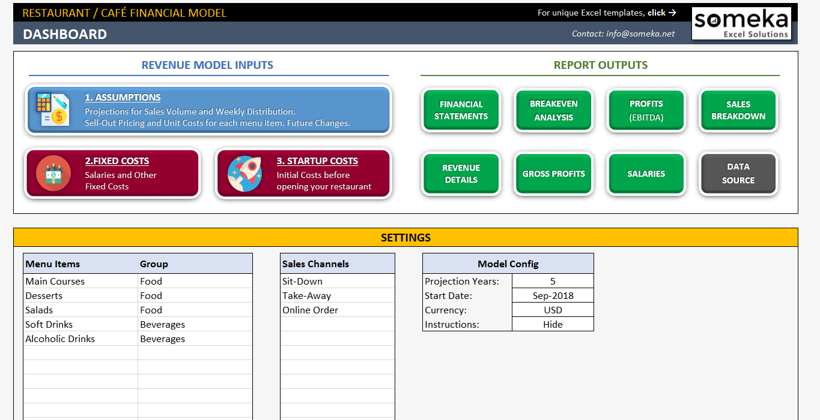
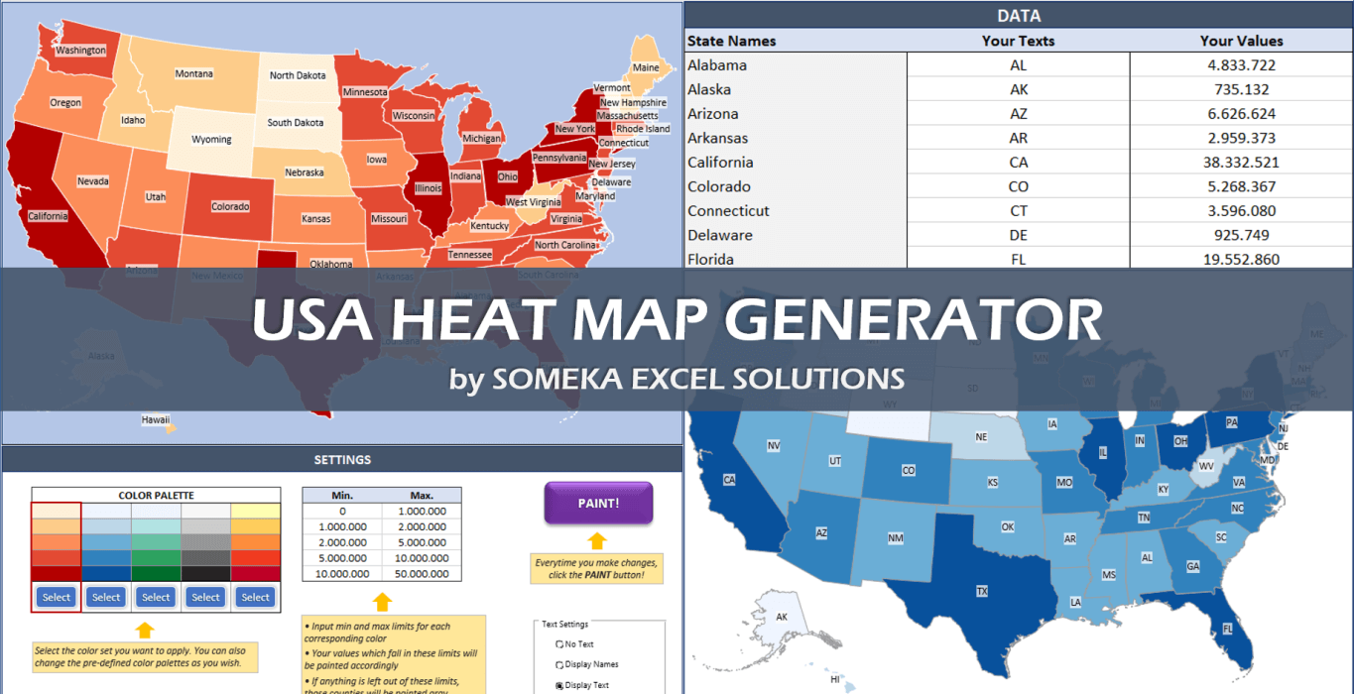
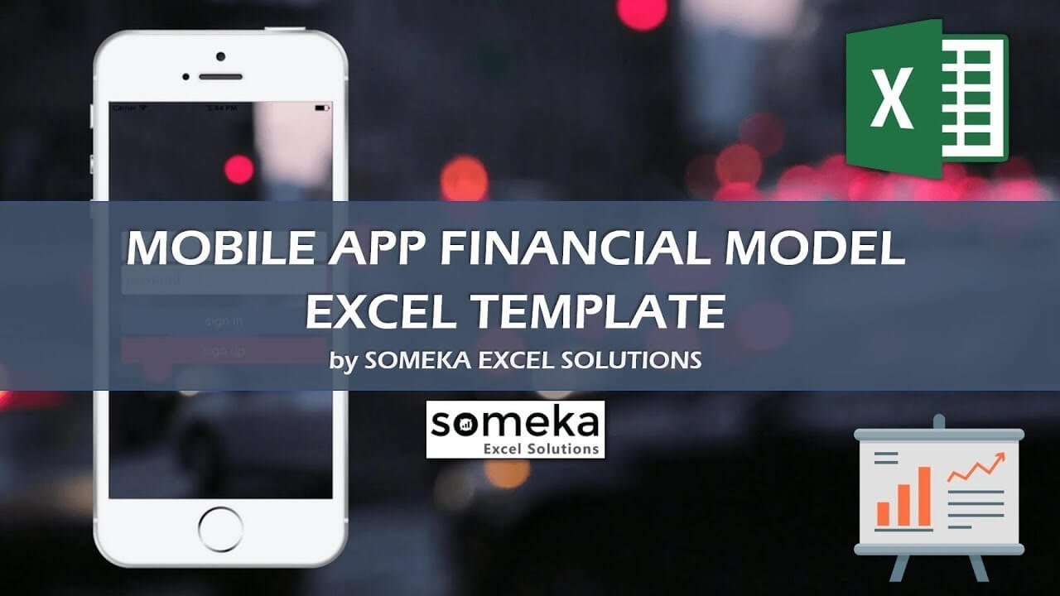
ORGANIZATION CHART GENERATOR | KPI DASHBOARD TEMPLATES | GANTT CHART MAKER

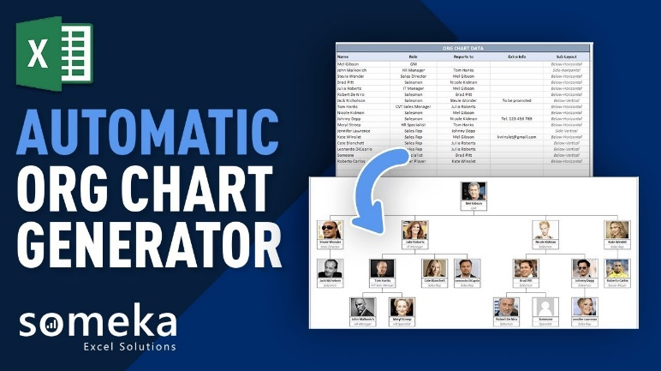
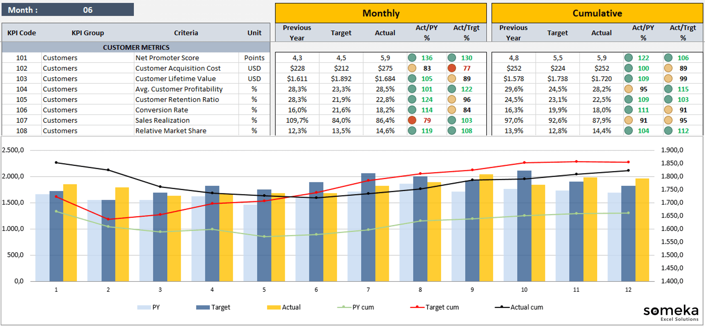
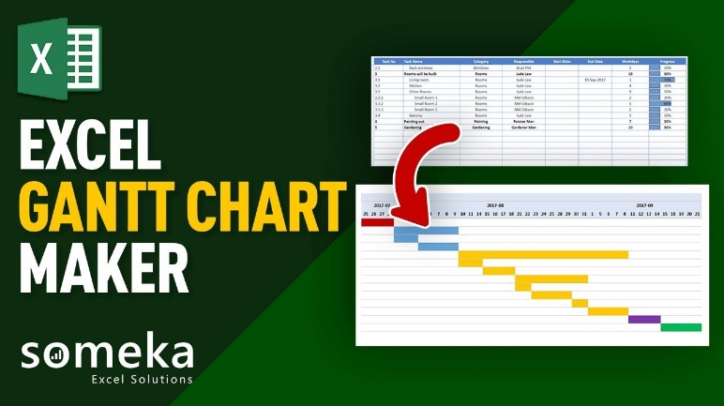

RESTAURANT / CAFÉ FINANCIAL MODEL | HEAT MAP GENERATORS | MOBILE APP FINANCIAL MODEL

