Plotly
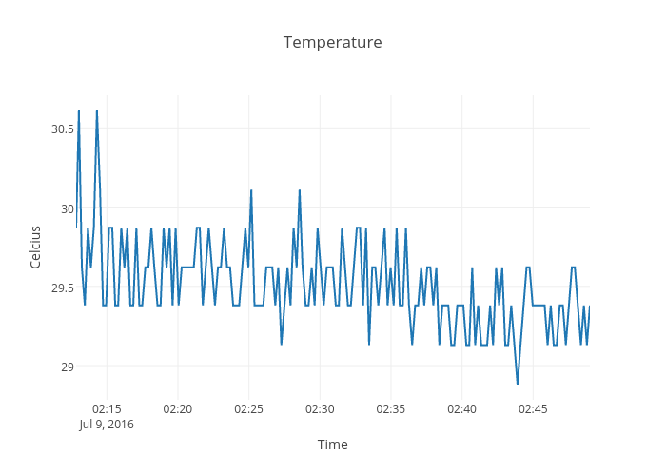
https://plot.ly/~devtar/271/temperature/

