Plotly
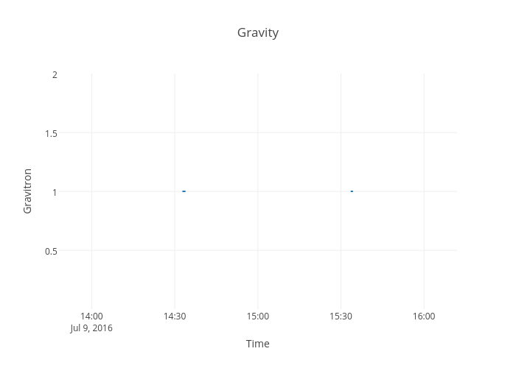
https://plot.ly/~devtar/272/gravity/

